R07
R07 - Inflation - Next 12 months forecast as of: 2024-08-01

Model | ARIMA - [(2, 1, 0), (0, 0, 1, 12)]
Training Data | 1991-01-01 to 2023-09-01
Test Data | 2023-09-01 to 2024-08-01

Date | Inflation Change YoY % | Lower Bound - 95% Confidence Interval | Upper Bound - 95% Confidence Interval
2024-09-01 | 2.85 | 1.89 | 3.81
2024-10-01 | 3.07 | 1.6 | 4.54
2024-11-01 | 2.91 | 0.96 | 4.87
2024-12-01 | 2.9 | 0.53 | 5.28
2025-01-01 | 2.99 | 0.24 | 5.75
2025-02-01 | 3.17 | 0.07 | 6.26
2025-03-01 | 3.36 | -0.05 | 6.76
2025-04-01 | 3.46 | -0.23 | 7.15
2025-05-01 | 4.21 | 0.26 | 8.17
2025-06-01 | 3.51 | -0.69 | 7.72
2025-07-01 | 3.72 | -0.72 | 8.16
2025-08-01 | 3.71 | -0.95 | 8.37
2025-09-01 | 3.75 | -1.03 | 8.52
2025-10-01 | 3.75 | -1.13 | 8.63
2025-11-01 | 3.76 | -1.21 | 8.72
2025-12-01 | 3.76 | -1.28 | 8.8

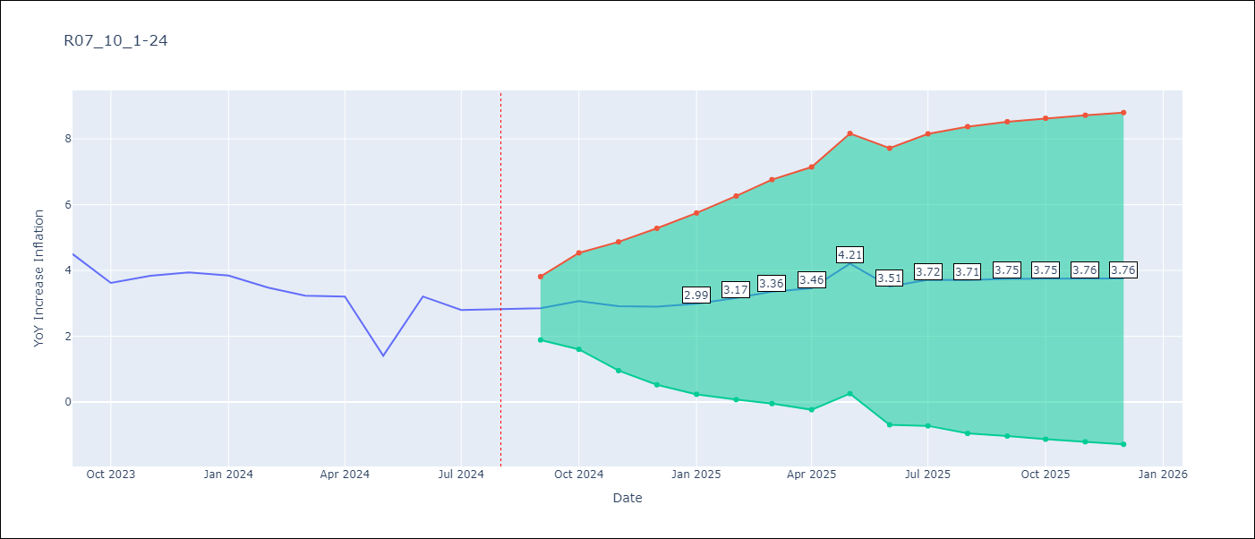

Test Metrics
RMSE | 0.48
Naive RMSE | 0.8
MAPE | nan%

Test Predictions
Date | Predicted | Actual
1991-01-01 | 0 | 0
1991-02-01 | 0 | 0
1991-03-01 | 0 | 0
1991-04-01 | 0 | 0
1991-05-01 | 0 | 0
1991-06-01 | 0 | 0
1991-07-01 | 0 | 0
1991-08-01 | 0 | 0
1991-09-01 | 0 | 0
1991-10-01 | 0 | 0
1991-11-01 | 0 | 0
1991-12-01 | 0 | 0
1992-01-01 | 0 | 0
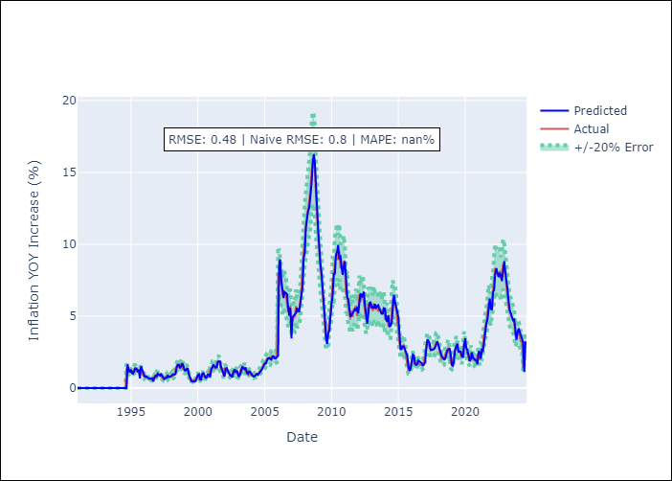
1992-02-01 | 0 | 0
1992-03-01 | 0 | 0
1992-04-01 | 0 | 0
1992-05-01 | 0 | 0
1992-06-01 | 0 | 0
1992-07-01 | 0 | 0
1992-08-01 | 0 | 0
1992-09-01 | 0 | 0
1992-10-01 | 0 | 0
1992-11-01 | 0 | 0
1992-12-01 | 0 | 0
1993-01-01 | 0 | 0
1993-02-01 | 0 | 0
1993-03-01 | 0 | 0
1993-04-01 | 0 | 0
1993-05-01 | 0 | 0
1993-06-01 | 0 | 0
1993-07-01 | 0 | 0
1993-08-01 | 0 | 0
1993-09-01 | 0 | 0
1993-10-01 | 0 | 0
1993-11-01 | 0 | 0
1993-12-01 | 0 | 0
1994-01-01 | 0 | 0
1994-02-01 | 0 | 0
1994-03-01 | 0 | 0
1994-04-01 | 0 | 0
Appendix A: Model Summary |  | 0
Model | ARIMA(2, 1, 0)x(0, 0, [1], 12) | 0
Sample | 01-01-1991- 08-01-2024 | 0
No. of Observations | 404 | 0
Terms | P-value (Statistical significance) | 1.43
ar.L1 | 0.000 | 1.05
ar.L2 | 0.000 | 1.17
ma.S.L12 | 0.000 | 1.25
sigma2 | 0.000 | 1.07
Assumptions | P-value | 1.04
1995-03-01 | 1.01 | 1.18
1995-04-01 | 1.2 | 1.33
1995-05-01 | 1.38 | 1.33
1995-06-01 | 1.36 | 1.19
1995-07-01 | 1.17 | 1.25
1995-08-01 | 1.23 | 1.24
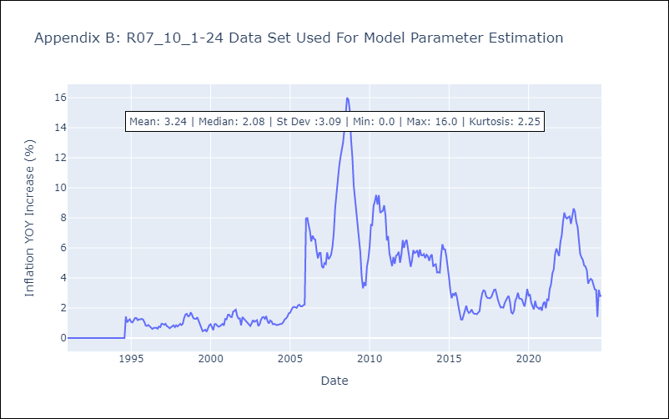
1995-09-01 | 0.68 | 1.28
1995-10-01 | 1.52 | 1.24
1995-11-01 | 1.27 | 1.06
1995-12-01 | 0.98 | 0.84
1996-01-01 | 0.86 | 0.8
1996-02-01 | 0.77 | 0.87
1996-03-01 | 0.8 | 0.78
1996-04-01 | 0.72 | 0.7
1996-05-01 | 0.69 | 0.6
1996-06-01 | 0.64 | 0.67
1996-07-01 | 0.63 | 0.67
1996-08-01 | 0.68 | 0.69
1996-09-01 | 0.46 | 0.62
1996-10-01 | 0.72 | 0.77
1996-11-01 | 0.86 | 0.73
1996-12-01 | 0.8 | 0.96
1997-01-01 | 1 | 0.93
1997-02-01 | 0.92 | 0.88
1997-03-01 | 0.88 | 0.95
1997-04-01 | 0.96 | 0.79
1997-05-01 | 0.81 | 0.75
1997-06-01 | 0.7 | 0.65
1997-07-01 | 0.61 | 0.71
1997-08-01 | 0.7 | 0.76
1997-09-01 | 0.71 | 0.85
1997-10-01 | 0.85 | 0.73
1997-11-01 | 0.78 | 0.85
1997-12-01 | 0.79 | 0.77
Appendix C: Residuals Analysis |  | 0.88
Mean | 0.01 | 0.95
1998-03-01 | 0.95 | 0.87
Normal? | No | 0.94
1998-05-01 | 0.97 | 1.33
1998-06-01 | 1.42 | 1.56
1998-07-01 | 1.62 | 1.61
1998-08-01 | 1.63 | 1.45
1998-09-01 | 1.38 | 1.47
1998-10-01 | 1.5 | 1.71
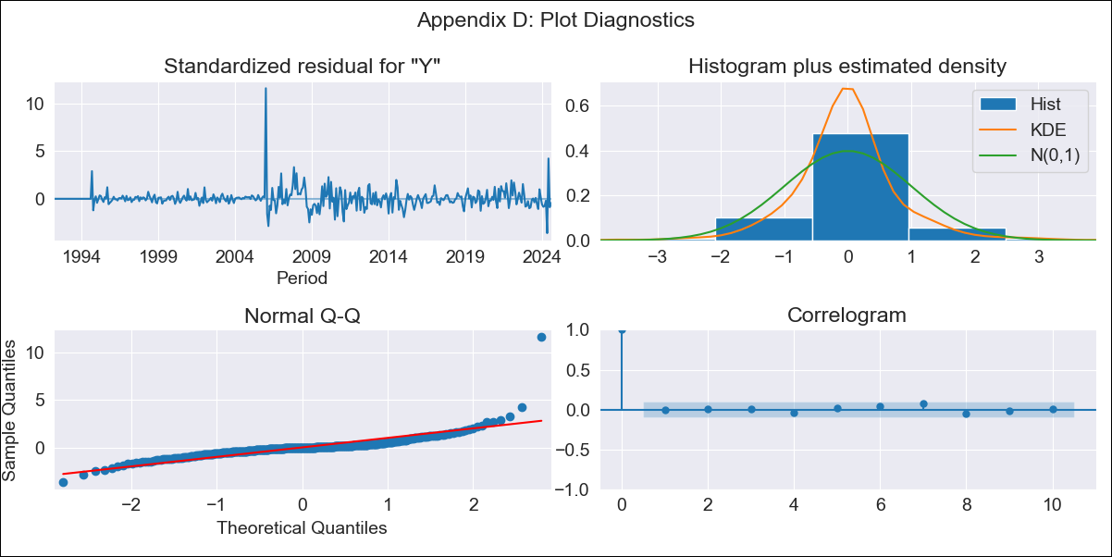
1998-11-01 | 1.72 | 1.54
1998-12-01 | 1.56 | 1.32
1999-01-01 | 1.23 | 1.28
1999-02-01 | 1.22 | 1.28
1999-03-01 | 1.31 | 1.38
1999-04-01 | 1.39 | 1.13
1999-05-01 | 0.97 | 0.86
1999-06-01 | 0.72 | 0.62
1999-07-01 | 0.54 | 0.46
1999-08-01 | 0.46 | 0.51
1999-09-01 | 0.45 | 0.55
1999-10-01 | 0.48 | 0.42
1999-11-01 | 0.48 | 0.6
1999-12-01 | 0.7 | 0.85
2000-01-01 | 0.9 | 0.92
2000-02-01 | 0.95 | 0.69
2000-03-01 | 0.64 | 0.53
2000-04-01 | 0.57 | 0.93
2000-05-01 | 1 | 0.93
2000-06-01 | 1.04 | 0.83
2000-07-01 | 0.85 | 0.76
2000-08-01 | 0.71 | 0.78
2000-09-01 | 0.73 | 0.9
2000-10-01 | 0.94 | 0.95
2000-11-01 | 0.93 | 0.83
2000-12-01 | 0.76 | 1.27
2001-01-01 | 1.3 | 1.25
2001-02-01 | 1.42 | 1.55
2001-03-01 | 1.63 | 1.56
2001-04-01 | 1.47 | 1.41
2001-05-01 | 1.42 | 1.39
2001-06-01 | 1.45 | 1.75
2001-07-01 | 1.84 | 1.81
2001-08-01 | 1.86 | 1.89
2001-09-01 | 1.85 | 1.48
2001-10-01 | 1.44 | 1.3
2001-11-01 | 1.24 | 1.3
2001-12-01 | 1.07 | 0.85
2002-01-01 | 0.81 | 1.4
2002-02-01 | 1.35 | 1.28
2002-03-01 | 1.4 | 1.21
2002-04-01 | 1.2 | 1.1
2002-05-01 | 1.08 | 1.03
2002-06-01 | 0.87 | 0.92
2002-07-01 | 0.9 | 0.8
2002-08-01 | 0.75 | 0.98
2002-09-01 | 1.13 | 1.2
2002-10-01 | 1.31 | 1.08
2002-11-01 | 1.07 | 1.14
2002-12-01 | 1.22 | 1.19
2003-01-01 | 0.98 | 0.8
2003-02-01 | 0.78 | 0.92
2003-03-01 | 0.94 | 1.2
2003-04-01 | 1.31 | 1.37
2003-05-01 | 1.46 | 1.4
2003-06-01 | 1.42 | 1.28
2003-07-01 | 1.31 | 1.46
2003-08-01 | 1.37 | 1.12
2003-09-01 | 1.07 | 0.97
2003-10-01 | 0.98 | 1.17
2003-11-01 | 1.15 | 1.1
2003-12-01 | 1.14 | 0.92
2004-01-01 | 0.95 | 0.95
2004-02-01 | 0.86 | 0.91
2004-03-01 | 0.8 | 0.86
2004-04-01 | 0.82 | 0.89
2004-05-01 | 0.91 | 0.92
2004-06-01 | 0.99 | 0.96
2004-07-01 | 0.92 | 0.96
2004-08-01 | 1.07 | 1.08
2004-09-01 | 1.14 | 1.25
2004-10-01 | 1.22 | 1.31
2004-11-01 | 1.36 | 1.44
2004-12-01 | 1.56 | 1.65
2005-01-01 | 1.7 | 1.69
2005-02-01 | 1.71 | 1.89
2005-03-01 | 1.9 | 2.03
2005-04-01 | 2.06 | 2.08
2005-05-01 | 2.1 | 2.02
2005-06-01 | 2.03 | 2.01
2005-07-01 | 1.98 | 2.17
2005-08-01 | 2.19 | 2.22
2005-09-01 | 2.21 | 2.11
2005-10-01 | 2.06 | 2.11
2005-11-01 | 2.06 | 2.19
2005-12-01 | 2.16 | 2.23
2006-01-01 | 2.25 | 7.97
2006-02-01 | 8.76 | 7.99
2006-03-01 | 8.95 | 7.54
2006-04-01 | 7.47 | 7.11
2006-05-01 | 7 | 6.42
2006-06-01 | 6.26 | 6.82
2006-07-01 | 6.68 | 6.61
2006-08-01 | 6.64 | 6.55
2006-09-01 | 6.55 | 5.8
2006-10-01 | 5.66 | 5.3
2006-11-01 | 5.05 | 5.66
2006-12-01 | 5.6 | 5.66
2007-01-01 | 3.46 | 4.77
2007-02-01 | 4.94 | 4.66
2007-03-01 | 5.05 | 4.99
2007-04-01 | 5.16 | 4.92
2007-05-01 | 5.2 | 5.71
2007-06-01 | 5.59 | 5.25
2007-07-01 | 5.34 | 5.36
2007-08-01 | 5.33 | 5.55
2007-09-01 | 5.9 | 6.09
2007-10-01 | 6.34 | 7.02
2007-11-01 | 7.01 | 8.65
2007-12-01 | 9.03 | 9.53
2008-01-01 | 9.43 | 10.75
2008-02-01 | 11.19 | 11.41
2008-03-01 | 11.75 | 12.02
2008-04-01 | 12.33 | 12.55
2008-05-01 | 12.53 | 13.02
2008-06-01 | 13.32 | 13.9
2008-07-01 | 14.11 | 15.21
2008-08-01 | 15.47 | 16
2008-09-01 | 16.28 | 15.87
2008-10-01 | 15.72 | 15.19
2008-11-01 | 14.41 | 13.19
2008-12-01 | 12.58 | 12.03
2009-01-01 | 10.98 | 10.16
2009-02-01 | 9.58 | 9.25
2009-03-01 | 8.68 | 8.42
2009-04-01 | 8.04 | 7.69
2009-05-01 | 7.24 | 6.5
2009-06-01 | 5.96 | 5.72
2009-07-01 | 4.95 | 4.15
2009-08-01 | 3.57 | 3.31
2009-09-01 | 3.07 | 3.72
2009-10-01 | 3.84 | 3.46
2009-11-01 | 3.98 | 4.77
2009-12-01 | 5.13 | 5.23
2010-01-01 | 5.86 | 6.08
2010-02-01 | 6.42 | 7.54
2010-03-01 | 8.01 | 7.51
2010-04-01 | 7.9 | 8.78
2010-05-01 | 9.26 | 9.1
2010-06-01 | 9.47 | 9.53
2010-07-01 | 9.97 | 8.89
2010-08-01 | 8.97 | 9.51
2010-09-01 | 9.24 | 8.34
2010-10-01 | 8.42 | 8.39
2010-11-01 | 7.88 | 8.48
2010-12-01 | 8.46 | 8.84
2011-01-01 | 8.82 | 8.16
2011-02-01 | 7.67 | 6.5
2011-03-01 | 6.33 | 6.78
2011-04-01 | 6.19 | 5.65
2011-05-01 | 5.59 | 5.26
2011-06-01 | 4.98 | 4.78
2011-07-01 | 5.07 | 5.39
2011-08-01 | 5.18 | 4.95
2011-09-01 | 5.34 | 5.48
2011-10-01 | 5.49 | 5.55
2011-11-01 | 5.42 | 5.74
2011-12-01 | 5.63 | 5.01
2012-01-01 | 5.2 | 5.54
2012-02-01 | 5.95 | 6.52
2012-03-01 | 6.58 | 6
2012-04-01 | 6.31 | 6.41
2012-05-01 | 6.51 | 6.53
2012-06-01 | 6.7 | 5.98
2012-07-01 | 5.79 | 5.36
2012-08-01 | 5.26 | 4.74
2012-09-01 | 4.48 | 5.16
2012-10-01 | 5.09 | 5.85
2012-11-01 | 5.9 | 5.66
2012-12-01 | 6 | 5.71
2013-01-01 | 5.56 | 5.84
2013-02-01 | 5.64 | 5.37
2013-03-01 | 5.55 | 5.9
2013-04-01 | 5.85 | 5.52
2013-05-01 | 5.54 | 5.5
2013-06-01 | 5.72 | 5.59
2013-07-01 | 5.77 | 5.32
2013-08-01 | 5.5 | 5.55
2013-09-01 | 5.27 | 5.45
2013-10-01 | 5.17 | 5.14
2013-11-01 | 5.18 | 5.45
2013-12-01 | 5.56 | 5.56
2014-01-01 | 5.52 | 4.75
2014-02-01 | 4.76 | 4.88
2014-03-01 | 4.61 | 4.91
2014-04-01 | 5.08 | 4.36
2014-05-01 | 4.3 | 4.39
2014-06-01 | 4.34 | 4.36
2014-07-01 | 4.53 | 5.51
2014-08-01 | 5.65 | 6.24
2014-09-01 | 6.48 | 5.91
2014-10-01 | 6 | 5.9
2014-11-01 | 5.73 | 5.4
2014-12-01 | 5.32 | 4.8
2015-01-01 | 4.92 | 3.97
2015-02-01 | 3.7 | 3.11
2015-03-01 | 2.72 | 2.65
2015-04-01 | 2.71 | 2.97
2015-05-01 | 2.9 | 2.85
2015-06-01 | 2.89 | 3.03
2015-07-01 | 2.65 | 2.71
2015-08-01 | 2.45 | 2.16
2015-09-01 | 2.24 | 1.67
2015-10-01 | 1.54 | 1.23
2015-11-01 | 1.21 | 1.23
2015-12-01 | 1.36 | 1.55
2016-01-01 | 1.97 | 1.98
2016-02-01 | 2.33 | 2.15
2016-03-01 | 2.27 | 1.79
2016-04-01 | 1.67 | 1.67
2016-05-01 | 1.61 | 1.73
2016-06-01 | 1.66 | 1.91
2016-07-01 | 1.92 | 1.71
2016-08-01 | 1.83 | 1.61
2016-09-01 | 1.79 | 1.62
2016-10-01 | 1.72 | 1.58
2016-11-01 | 1.58 | 1.7
2016-12-01 | 1.64 | 1.79
2017-01-01 | 1.82 | 2.52
2017-02-01 | 2.71 | 2.98
2017-03-01 | 3.37 | 3.17
2017-04-01 | 3.28 | 3.14
2017-05-01 | 3.11 | 2.79
2017-06-01 | 2.64 | 2.67
2017-07-01 | 2.68 | 2.66
2017-08-01 | 2.72 | 2.65
2017-09-01 | 2.71 | 2.76
2017-10-01 | 2.83 | 3.01
2017-11-01 | 3.02 | 3.21
2017-12-01 | 3.23 | 3.23
2018-01-01 | 2.99 | 2.8
2018-02-01 | 2.63 | 2.5
2018-03-01 | 2.46 | 2.25
2018-04-01 | 2.22 | 2.03
2018-05-01 | 2.08 | 2.05
2018-06-01 | 2 | 2.02
2018-07-01 | 2.03 | 2.32
2018-08-01 | 2.39 | 2.54
2018-09-01 | 2.6 | 2.7
2018-10-01 | 2.68 | 2.81
2018-11-01 | 2.77 | 2.4
2018-12-01 | 2.35 | 1.71
2019-01-01 | 1.6 | 1.63
2019-02-01 | 1.55 | 1.83
2019-03-01 | 1.93 | 2.47
2019-04-01 | 2.67 | 2.68
2019-05-01 | 2.84 | 3.01
2019-06-01 | 3.09 | 2.64
2019-07-01 | 2.52 | 2.63
2019-08-01 | 2.51 | 2.58
2019-09-01 | 2.53 | 2.31
2019-10-01 | 2.21 | 2.1
2019-11-01 | 2.17 | 2.6
2019-12-01 | 2.9 | 3.27
2020-01-01 | 3.45 | 2.83
2020-02-01 | 2.77 | 2.91
2020-03-01 | 2.63 | 2.37
2020-04-01 | 2.29 | 2.09
2020-05-01 | 1.88 | 1.91
2020-06-01 | 2.01 | 2.47
2020-07-01 | 2.48 | 2.1
2020-08-01 | 2.11 | 2.02
2020-09-01 | 2.03 | 1.94
2020-10-01 | 1.96 | 2.06
2020-11-01 | 1.89 | 1.82
2020-12-01 | 1.66 | 2.28
2021-01-01 | 2.55 | 2.41
2021-02-01 | 2.46 | 1.98
2021-03-01 | 2.04 | 2.57
2021-04-01 | 2.66 | 2.52
2021-05-01 | 2.61 | 3.26
2021-06-01 | 3.18 | 3.58
2021-07-01 | 3.91 | 4.31
2021-08-01 | 4.51 | 4.56
2021-09-01 | 4.77 | 5.57
2021-10-01 | 5.72 | 5.96
2021-11-01 | 6.22 | 5.74
2021-12-01 | 5.53 | 5.46
2022-01-01 | 5.43 | 6.38
2022-02-01 | 6.66 | 6.83
2022-03-01 | 6.86 | 7.7
2022-04-01 | 7.96 | 8.35
2022-05-01 | 8.34 | 8.05
2022-06-01 | 7.96 | 7.95
2022-07-01 | 7.73 | 8.04
2022-08-01 | 8.02 | 8.1
2022-09-01 | 7.8 | 7.6
2022-10-01 | 7.44 | 8.2
2022-11-01 | 8.39 | 8.63
2022-12-01 | 8.83 | 8.42
2023-01-01 | 8.09 | 7.72
2023-02-01 | 7.51 | 7.4
2023-03-01 | 6.89 | 6.4
2023-04-01 | 6.04 | 5.6
2023-05-01 | 5.42 | 5.36
2023-06-01 | 5.19 | 5.21
2023-07-01 | 5.02 | 4.83
2023-08-01 | 4.72 | 4.76
2023-09-01 | 4.77 | 4.5
2023-10-01 | 4.15 | 3.62
2023-11-01 | 3.35 | 3.84
2023-12-01 | 3.88 | 3.94
2024-01-01 | 4.14 | 3.85
2024-02-01 | 3.9 | 3.48
2024-03-01 | 3.6 | 3.23
2024-04-01 | 3.31 | 3.21
2024-05-01 | 3.18 | 1.41
2024-06-01 | 1.13 | 3.21
2024-07-01 | 3.23 | 2.8
2024-08-01 | 3.04 | 2.82

