CEN09
CEN09 - Inflation - Next 12 months forecast as of: 2024-08-01

Model | ARIMA - [(1, 1, 0), (0, 0, 0, 12)]
Training Data | 1990-01-01 to 2023-09-01
Test Data | 2023-09-01 to 2024-08-01

Date | Inflation Change YoY % | Lower Bound - 95% Confidence Interval | Upper Bound - 95% Confidence Interval
2024-09-01 | 2.9 | 1.7 | 4.09
2024-10-01 | 2.87 | 0.93 | 4.81
2024-11-01 | 2.86 | 0.32 | 5.39
2024-12-01 | 2.86 | -0.17 | 5.88
2025-01-01 | 2.85 | -0.6 | 6.31
2025-02-01 | 2.85 | -0.98 | 6.69
2025-03-01 | 2.85 | -1.33 | 7.03
2025-04-01 | 2.85 | -1.65 | 7.35
2025-05-01 | 2.85 | -1.94 | 7.65
2025-06-01 | 2.85 | -2.23 | 7.93
2025-07-01 | 2.85 | -2.49 | 8.2
2025-08-01 | 2.85 | -2.75 | 8.45
2025-09-01 | 2.85 | -2.99 | 8.7
2025-10-01 | 2.85 | -3.22 | 8.93
2025-11-01 | 2.85 | -3.45 | 9.15
2025-12-01 | 2.85 | -3.66 | 9.37

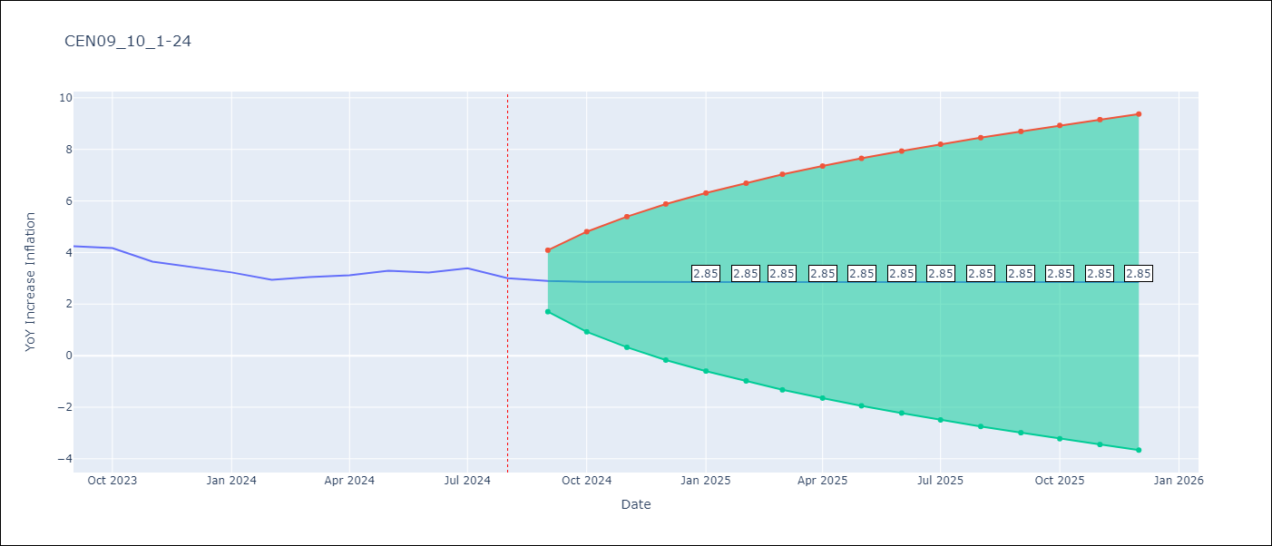

Test Metrics
RMSE | 0.84
Naive RMSE | 0.25
MAPE | nan%

Test Predictions
Date | Predicted | Actual
1990-01-01 | 0 | 7.89
1990-02-01 | 9.01 | 0
1990-03-01 | -2.24 | 0
1990-04-01 | 0 | 0
1990-05-01 | 0 | 0
1990-06-01 | 0 | 0
1990-07-01 | 0 | 0
1990-08-01 | 0 | 0
1990-09-01 | 0 | 0
1990-10-01 | 0 | 0
1990-11-01 | 0 | 0
1990-12-01 | 0 | 0
1991-01-01 | 0 | 0
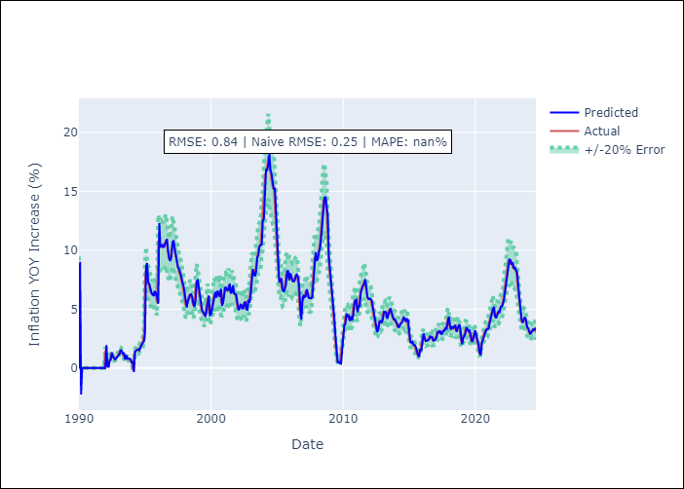
1991-02-01 | 0 | 0
1991-03-01 | 0 | 0
1991-04-01 | 0 | 0
1991-05-01 | 0 | 0
1991-06-01 | 0 | 0
1991-07-01 | 0 | 0
1991-08-01 | 0 | 0
1991-09-01 | 0 | 0
1991-10-01 | 0 | 0
1991-11-01 | 0 | 0
1991-12-01 | 0 | 0
1992-01-01 | 0 | 1.52
1992-02-01 | 1.95 | 0.46
1992-03-01 | 0.16 | 0.15
1992-04-01 | 0.06 | 0.54
1992-05-01 | 0.65 | 0.69
1992-06-01 | 0.73 | 1.19
1992-07-01 | 1.33 | 1.01
1992-08-01 | 0.96 | 0.9
1992-09-01 | 0.87 | 0.77
1992-10-01 | 0.74 | 0.82
1992-11-01 | 0.84 | 0.91
1992-12-01 | 0.94 | 1
1993-01-01 | 1.03 | 1.17
1993-02-01 | 1.22 | 1.47
1993-03-01 | 1.55 | 1.46
1993-04-01 | 1.46 | 1.28
Appendix A: Model Summary |  | 1.25
Model | ARIMA(1, 1, 0) | 0.84
Sample | 01-01-1990- 08-01-2024 | 1.04
No. of Observations | 416 | 0.85
Terms | P-value (Statistical significance) | 0.82
ar.L1 | 0.000 | 0.81
sigma2 | 0.000 | 0.76
Assumptions | P-value | 0.54
1994-01-01 | 0.48 | 0.51
1994-02-01 | 0.5 | -0.15
1994-03-01 | -0.34 | 1.08
1994-04-01 | 1.43 | 1.39
1994-05-01 | 1.48 | 1.54
1994-06-01 | 1.58 | 1.59
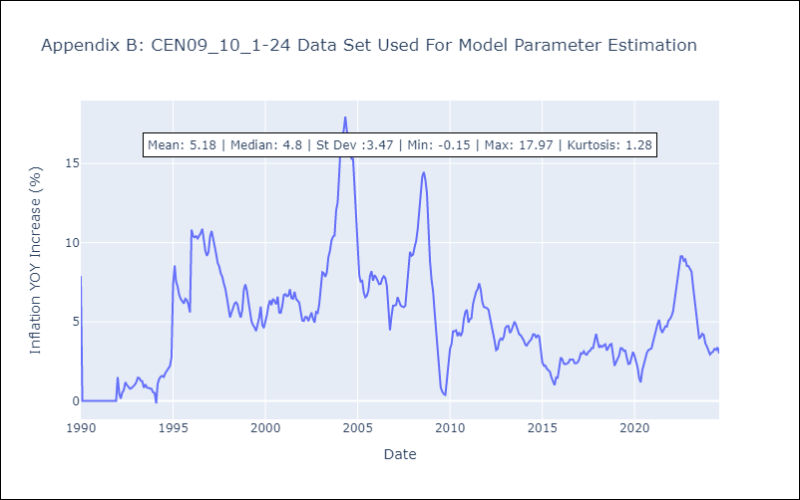
1994-07-01 | 1.6 | 1.52
1994-08-01 | 1.5 | 1.77
1994-09-01 | 1.84 | 1.93
1994-10-01 | 1.97 | 2.08
1994-11-01 | 2.13 | 2.21
1994-12-01 | 2.25 | 2.77
1995-01-01 | 2.93 | 7.33
1995-02-01 | 8.63 | 8.55
1995-03-01 | 8.9 | 7.55
1995-04-01 | 7.27 | 7.23
1995-05-01 | 7.14 | 6.71
1995-06-01 | 6.57 | 6.45
1995-07-01 | 6.37 | 6.31
1995-08-01 | 6.27 | 6.16
1995-09-01 | 6.12 | 6.46
1995-10-01 | 6.54 | 6.38
1995-11-01 | 6.36 | 6.09
1995-12-01 | 6.01 | 5.59
1996-01-01 | 5.45 | 10.82
1996-02-01 | 12.31 | 10.41
1996-03-01 | 10.3 | 10.34
1996-04-01 | 10.32 | 10.41
1996-05-01 | 10.43 | 10.27
1996-06-01 | 10.22 | 10.4
1996-07-01 | 10.44 | 10.6
1996-08-01 | 10.66 | 10.88
1996-09-01 | 10.96 | 10.16
1996-10-01 | 9.95 | 9.47
Appendix C: Residuals Analysis |  | 9.17
Mean | 0.01 | 9.41
1997-01-01 | 9.47 | 10.38
Normal? | No | 10.74
1997-03-01 | 10.84 | 10.31
1997-04-01 | 10.19 | 9.86
1997-05-01 | 9.73 | 9.31
1997-06-01 | 9.16 | 8.72
1997-07-01 | 8.56 | 8.51
1997-08-01 | 8.44 | 8.07
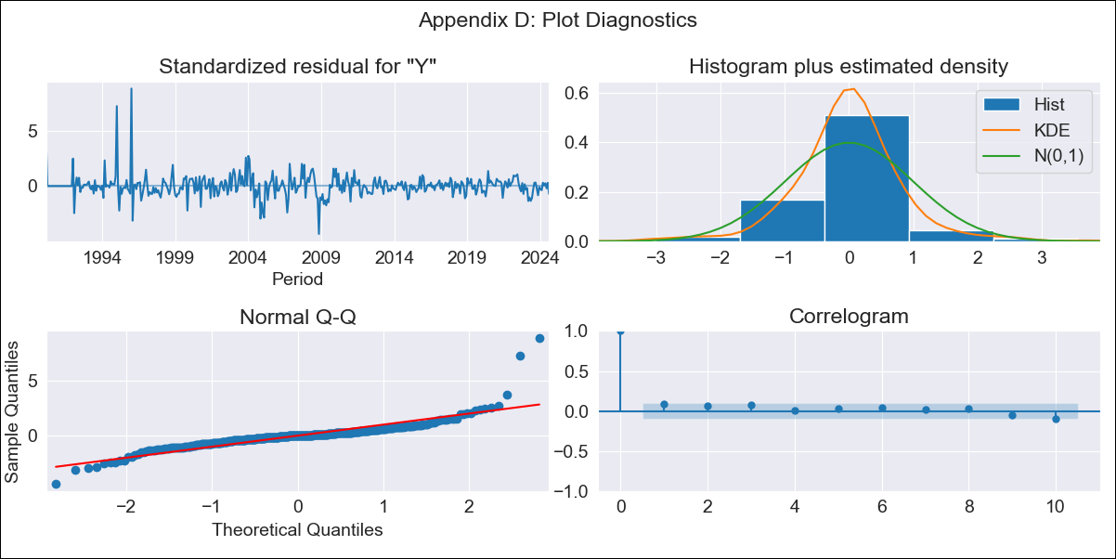
1997-09-01 | 7.95 | 7.84
1997-10-01 | 7.78 | 7.42
1997-11-01 | 7.3 | 7.08
1997-12-01 | 6.98 | 6.53
1998-01-01 | 6.37 | 5.74
1998-02-01 | 5.51 | 5.28
1998-03-01 | 5.15 | 5.57
1998-04-01 | 5.65 | 5.88
1998-05-01 | 5.97 | 6.15
1998-06-01 | 6.23 | 6.23
1998-07-01 | 6.26 | 6.07
1998-08-01 | 6.03 | 5.58
1998-09-01 | 5.44 | 5.27
1998-10-01 | 5.19 | 5.73
1998-11-01 | 5.86 | 7.03
1998-12-01 | 7.4 | 7.36
1999-01-01 | 7.46 | 6.97
1999-02-01 | 6.86 | 6.27
1999-03-01 | 6.07 | 5.64
1999-04-01 | 5.47 | 5.05
1999-05-01 | 4.88 | 4.8
1999-06-01 | 4.73 | 4.65
1999-07-01 | 4.61 | 4.42
1999-08-01 | 4.35 | 4.77
1999-09-01 | 4.88 | 5.27
1999-10-01 | 5.41 | 5.96
1999-11-01 | 6.16 | 4.82
1999-12-01 | 4.49 | 4.61
2000-01-01 | 4.55 | 4.94
2000-02-01 | 5.04 | 5.44
2000-03-01 | 5.58 | 6.01
2000-04-01 | 6.17 | 6.36
2000-05-01 | 6.46 | 6.06
2000-06-01 | 5.97 | 6.46
2000-07-01 | 6.57 | 6.31
2000-08-01 | 6.26 | 6.12
2000-09-01 | 6.06 | 6.59
2000-10-01 | 6.73 | 5.58
2000-11-01 | 5.3 | 5.57
2000-12-01 | 5.57 | 6.01
2001-01-01 | 6.13 | 6.7
2001-02-01 | 6.9 | 6.75
2001-03-01 | 6.76 | 6.62
2001-04-01 | 6.58 | 6.66
2001-05-01 | 6.67 | 7.05
2001-06-01 | 7.16 | 6.5
2001-07-01 | 6.34 | 6.46
2001-08-01 | 6.45 | 6.89
2001-09-01 | 7.02 | 6.44
2001-10-01 | 6.32 | 6.32
2001-11-01 | 6.29 | 6.22
2001-12-01 | 6.19 | 5.64
2002-01-01 | 5.47 | 5.08
2002-02-01 | 4.92 | 5.06
2002-03-01 | 5.05 | 5.31
2002-04-01 | 5.38 | 5.3
2002-05-01 | 5.3 | 5.05
2002-06-01 | 4.98 | 5.32
2002-07-01 | 5.4 | 5.59
2002-08-01 | 5.66 | 5.19
2002-09-01 | 5.08 | 4.96
2002-10-01 | 4.89 | 5.62
2002-11-01 | 5.81 | 5.56
2002-12-01 | 5.55 | 6.1
2003-01-01 | 6.25 | 7.19
2003-02-01 | 7.5 | 8.13
2003-03-01 | 8.4 | 8.08
2003-04-01 | 8.06 | 7.84
2003-05-01 | 7.78 | 8.13
2003-06-01 | 8.21 | 9.09
2003-07-01 | 9.37 | 9.47
2003-08-01 | 9.57 | 10.13
2003-09-01 | 10.32 | 10.39
2003-10-01 | 10.46 | 10.45
2003-11-01 | 10.47 | 12.04
2003-12-01 | 12.49 | 12.54
2004-01-01 | 12.68 | 14.35
2004-02-01 | 14.86 | 16.33
2004-03-01 | 16.89 | 16.66
2004-04-01 | 16.75 | 17.13
2004-05-01 | 17.26 | 17.97
2004-06-01 | 18.21 | 17.04
2004-07-01 | 16.78 | 16.59
2004-08-01 | 16.46 | 15.85
2004-09-01 | 15.64 | 15.3
2004-10-01 | 15.15 | 15.29
2004-11-01 | 15.29 | 13.5
2004-12-01 | 12.99 | 12.09
2005-01-01 | 11.69 | 10.2
2005-02-01 | 9.66 | 7.93
2005-03-01 | 7.28 | 7.55
2005-04-01 | 7.44 | 7.59
2005-05-01 | 7.61 | 6.84
2005-06-01 | 6.63 | 6.55
2005-07-01 | 6.47 | 6.65
2005-08-01 | 6.68 | 6.98
2005-09-01 | 7.07 | 7.92
2005-10-01 | 8.19 | 8.21
2005-11-01 | 8.29 | 7.6
2005-12-01 | 7.43 | 7.95
2006-01-01 | 8.05 | 7.8
2006-02-01 | 7.76 | 7.5
2006-03-01 | 7.42 | 7.38
2006-04-01 | 7.35 | 7.41
2006-05-01 | 7.41 | 7.73
2006-06-01 | 7.82 | 7.88
2006-07-01 | 7.93 | 7.77
2006-08-01 | 7.74 | 7.25
2006-09-01 | 7.1 | 5.65
2006-10-01 | 5.2 | 4.47
2006-11-01 | 4.13 | 5.37
2006-12-01 | 5.62 | 6.02
2007-01-01 | 6.21 | 6.02
2007-02-01 | 6.02 | 6.08
2007-03-01 | 6.1 | 6.56
2007-04-01 | 6.7 | 6.33
2007-05-01 | 6.26 | 6.03
2007-06-01 | 5.94 | 5.97
2007-07-01 | 5.95 | 5.93
2007-08-01 | 5.92 | 6.02
2007-09-01 | 6.04 | 7.27
2007-10-01 | 7.63 | 8.04
2007-11-01 | 8.25 | 9.43
2007-12-01 | 9.82 | 9.18
2008-01-01 | 9.1 | 9.25
2008-02-01 | 9.27 | 9.73
2008-03-01 | 9.87 | 10.09
2008-04-01 | 10.19 | 10.84
2008-05-01 | 11.05 | 11.95
2008-06-01 | 12.27 | 13.23
2008-07-01 | 13.59 | 14.18
2008-08-01 | 14.45 | 14.47
2008-09-01 | 14.55 | 13.97
2008-10-01 | 13.83 | 13.14
2008-11-01 | 12.91 | 10.27
2008-12-01 | 9.46 | 8.84
2009-01-01 | 8.43 | 7.66
2009-02-01 | 7.33 | 6.9
2009-03-01 | 6.68 | 5.69
2009-04-01 | 5.34 | 4.56
2009-05-01 | 4.24 | 3.18
2009-06-01 | 2.79 | 2.06
2009-07-01 | 1.75 | 0.86
2009-08-01 | 0.51 | 0.59
2009-09-01 | 0.51 | 0.43
2009-10-01 | 0.39 | 0.39
2009-11-01 | 0.37 | 1.34
2009-12-01 | 1.61 | 2.11
2010-01-01 | 2.33 | 3.29
2010-02-01 | 3.63 | 3.61
2010-03-01 | 3.7 | 4.4
2010-04-01 | 4.63 | 4.41
2010-05-01 | 4.41 | 4.46
2010-06-01 | 4.48 | 4.11
2010-07-01 | 4 | 4.33
2010-08-01 | 4.4 | 4.11
2010-09-01 | 4.05 | 4.34
2010-10-01 | 4.4 | 5.15
2010-11-01 | 5.39 | 5.63
2010-12-01 | 5.76 | 5.77
2011-01-01 | 5.81 | 4.96
2011-02-01 | 4.73 | 5.18
2011-03-01 | 5.24 | 5.23
2011-04-01 | 5.25 | 6.13
2011-05-01 | 6.39 | 6.57
2011-06-01 | 6.7 | 6.9
2011-07-01 | 6.99 | 7.05
2011-08-01 | 7.09 | 7.44
2011-09-01 | 7.55 | 7.03
2011-10-01 | 6.91 | 6.28
2011-11-01 | 6.06 | 5.94
2011-12-01 | 5.85 | 5.91
2012-01-01 | 5.9 | 5.87
2012-02-01 | 5.86 | 5.76
2012-03-01 | 5.73 | 5.31
2012-04-01 | 5.19 | 4.87
2012-05-01 | 4.74 | 4.37
2012-06-01 | 4.23 | 3.8
2012-07-01 | 3.63 | 3.21
2012-08-01 | 3.05 | 3.29
2012-09-01 | 3.32 | 3.79
2012-10-01 | 3.94 | 3.95
2012-11-01 | 3.99 | 3.87
2012-12-01 | 3.85 | 4.07
2013-01-01 | 4.12 | 4.63
2013-02-01 | 4.79 | 4.73
2013-03-01 | 4.76 | 4.74
2013-04-01 | 4.74 | 4.3
2013-05-01 | 4.18 | 4.46
2013-06-01 | 4.51 | 4.81
2013-07-01 | 4.91 | 5.02
2013-08-01 | 5.08 | 4.79
2013-09-01 | 4.72 | 4.54
2013-10-01 | 4.47 | 4.2
2013-11-01 | 4.11 | 4.15
2013-12-01 | 4.14 | 4.02
2014-01-01 | 3.98 | 3.81
2014-02-01 | 3.75 | 3.55
2014-03-01 | 3.47 | 3.5
2014-04-01 | 3.49 | 3.68
2014-05-01 | 3.73 | 3.81
2014-06-01 | 3.85 | 3.92
2014-07-01 | 3.95 | 4.21
2014-08-01 | 4.3 | 4.21
2014-09-01 | 4.21 | 3.99
2014-10-01 | 3.93 | 4.14
2014-11-01 | 4.19 | 4.08
2014-12-01 | 4.07 | 3.33
2015-01-01 | 3.12 | 2.44
2015-02-01 | 2.19 | 2.23
2015-03-01 | 2.16 | 2.24
2015-04-01 | 2.24 | 2.04
2015-05-01 | 1.99 | 1.97
2015-06-01 | 1.95 | 1.85
2015-07-01 | 1.81 | 1.48
2015-08-01 | 1.38 | 1.18
2015-09-01 | 1.1 | 1
2015-10-01 | 0.95 | 1.48
2015-11-01 | 1.61 | 1.47
2015-12-01 | 1.46 | 2.07
2016-01-01 | 2.24 | 2.75
2016-02-01 | 2.94 | 2.63
2016-03-01 | 2.6 | 2.37
2016-04-01 | 2.3 | 2.32
2016-05-01 | 2.3 | 2.39
2016-06-01 | 2.41 | 2.42
2016-07-01 | 2.43 | 2.62
2016-08-01 | 2.68 | 2.61
2016-09-01 | 2.61 | 2.61
2016-10-01 | 2.62 | 2.39
2016-11-01 | 2.33 | 2.38
2016-12-01 | 2.38 | 2.45
2017-01-01 | 2.47 | 2.64
2017-02-01 | 2.7 | 3.01
2017-03-01 | 3.12 | 2.99
2017-04-01 | 2.98 | 3.14
2017-05-01 | 3.18 | 2.96
2017-06-01 | 2.91 | 2.93
2017-07-01 | 2.92 | 3.11
2017-08-01 | 3.16 | 3.17
2017-09-01 | 3.18 | 3.34
2017-10-01 | 3.38 | 3.34
2017-11-01 | 3.33 | 3.8
2017-12-01 | 3.93 | 4.24
2018-01-01 | 4.37 | 3.76
2018-02-01 | 3.63 | 3.37
2018-03-01 | 3.26 | 3.49
2018-04-01 | 3.53 | 3.42
2018-05-01 | 3.39 | 3.52
2018-06-01 | 3.55 | 3.58
2018-07-01 | 3.6 | 3.19
2018-08-01 | 3.08 | 3.34
2018-09-01 | 3.38 | 3.56
2018-10-01 | 3.62 | 3.6
2018-11-01 | 3.62 | 2.95
2018-12-01 | 2.76 | 2.22
2019-01-01 | 2.02 | 2.46
2019-02-01 | 2.53 | 2.66
2019-03-01 | 2.72 | 2.88
2019-04-01 | 2.94 | 3.34
2019-05-01 | 3.47 | 3.32
2019-06-01 | 3.32 | 3.17
2019-07-01 | 3.12 | 3.18
2019-08-01 | 3.19 | 2.72
2019-09-01 | 2.59 | 2.33
2019-10-01 | 2.22 | 2.37
2019-11-01 | 2.38 | 2.75
2019-12-01 | 2.86 | 3.1
2020-01-01 | 3.2 | 2.84
2020-02-01 | 2.76 | 2.5
2020-03-01 | 2.4 | 2.12
2020-04-01 | 2.02 | 1.45
2020-05-01 | 1.25 | 1.17
2020-06-01 | 1.1 | 1.93
2020-07-01 | 2.15 | 2.32
2020-08-01 | 2.43 | 2.73
2020-09-01 | 2.85 | 3.05
2020-10-01 | 3.14 | 3.22
2020-11-01 | 3.26 | 3.29
2020-12-01 | 3.31 | 3.32
2021-01-01 | 3.33 | 3.73
2021-02-01 | 3.85 | 4.16
2021-03-01 | 4.28 | 4.52
2021-04-01 | 4.62 | 4.88
2021-05-01 | 4.98 | 5.13
2021-06-01 | 5.2 | 4.55
2021-07-01 | 4.38 | 4.32
2021-08-01 | 4.25 | 4.51
2021-09-01 | 4.57 | 4.72
2021-10-01 | 4.78 | 4.7
2021-11-01 | 4.69 | 5.07
2021-12-01 | 5.18 | 5.18
2022-01-01 | 5.21 | 5.37
2022-02-01 | 5.42 | 5.67
2022-03-01 | 5.76 | 6.35
2022-04-01 | 6.54 | 7.08
2022-05-01 | 7.29 | 7.85
2022-06-01 | 8.07 | 8.72
2022-07-01 | 8.97 | 9.14
2022-08-01 | 9.26 | 9.14
2022-09-01 | 9.15 | 8.86
2022-10-01 | 8.77 | 8.94
2022-11-01 | 8.97 | 8.54
2022-12-01 | 8.42 | 8.52
2023-01-01 | 8.52 | 8.33
2023-02-01 | 8.27 | 8.17
2023-03-01 | 8.13 | 7.31
2023-04-01 | 7.06 | 6.44
2023-05-01 | 6.19 | 5.38
2023-06-01 | 5.07 | 4.42
2023-07-01 | 4.15 | 3.97
2023-08-01 | 3.85 | 4.04
2023-09-01 | 4.05 | 4.25
2023-10-01 | 4.31 | 4.17
2023-11-01 | 4.15 | 3.65
2023-12-01 | 3.5 | 3.45
2024-01-01 | 3.39 | 3.23
2024-02-01 | 3.17 | 2.94
2024-03-01 | 2.86 | 3.05
2024-04-01 | 3.08 | 3.12
2024-05-01 | 3.14 | 3.29
2024-06-01 | 3.34 | 3.22
2024-07-01 | 3.2 | 3.39
2024-08-01 | 3.44 | 3.01

