CEN10
CEN10 - Inflation - Next 12 months forecast as of: 2024-08-01

Model | ARIMA - [(1, 1, 1), (0, 0, 1, 12)]
Training Data | 1990-01-01 to 2023-09-01
Test Data | 2023-09-01 to 2024-08-01

Date | Inflation Change YoY % | Lower Bound - 95% Confidence Interval | Upper Bound - 95% Confidence Interval
2024-09-01 | 3.94 | 3.09 | 4.79
2024-10-01 | 3.73 | 1.96 | 5.49
2024-11-01 | 3.61 | 0.91 | 6.32
2024-12-01 | 3.39 | -0.23 | 7.01
2025-01-01 | 3.24 | -1.25 | 7.74
2025-02-01 | 3.36 | -1.97 | 8.68
2025-03-01 | 3.38 | -2.73 | 9.49
2025-04-01 | 3.33 | -3.51 | 10.18
2025-05-01 | 3.36 | -4.18 | 10.9
2025-06-01 | 3.38 | -4.82 | 11.58
2025-07-01 | 3.21 | -5.61 | 12.03
2025-08-01 | 3.41 | -6 | 12.81
2025-09-01 | 3.58 | -6.28 | 13.43
2025-10-01 | 3.7 | -6.5 | 13.9
2025-11-01 | 3.79 | -6.7 | 14.27
2025-12-01 | 3.85 | -6.88 | 14.59

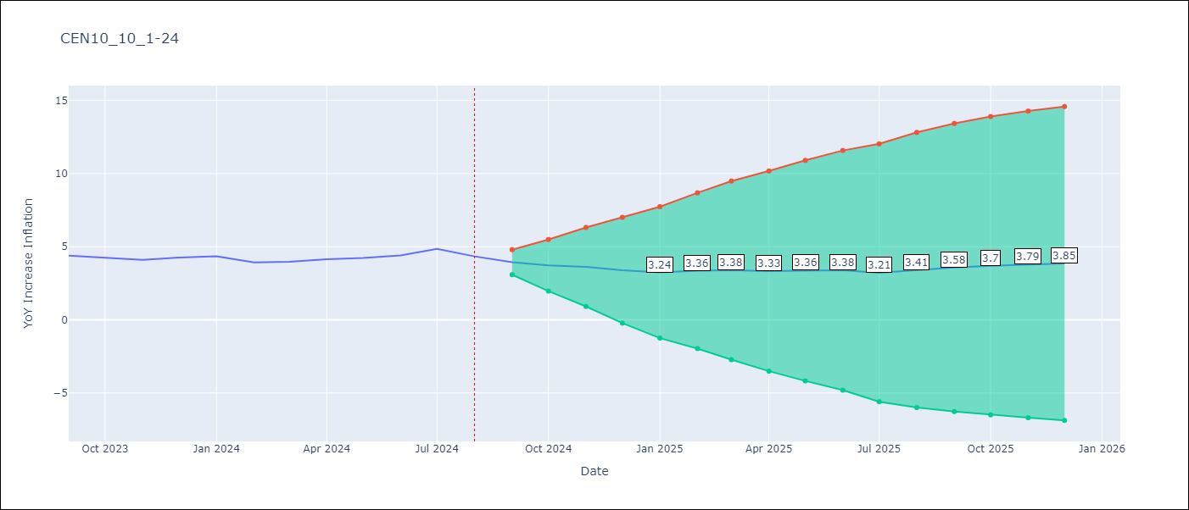

Test Metrics
RMSE | 2.03
Naive RMSE | 0.26
MAPE | inf%

Test Predictions
Date | Predicted | Actual
1990-01-01 | 0 | 17.98
1990-02-01 | 24.47 | 0
1990-03-01 | -12.99 | 0
1990-04-01 | 0 | 0
1990-05-01 | 0 | 0
1990-06-01 | 0 | 0
1990-07-01 | 0 | 0
1990-08-01 | 0 | 0
1990-09-01 | 0 | 0
1990-10-01 | 0 | 0
1990-11-01 | 0 | 0
1990-12-01 | 0 | 0
1991-01-01 | 0 | 18.72
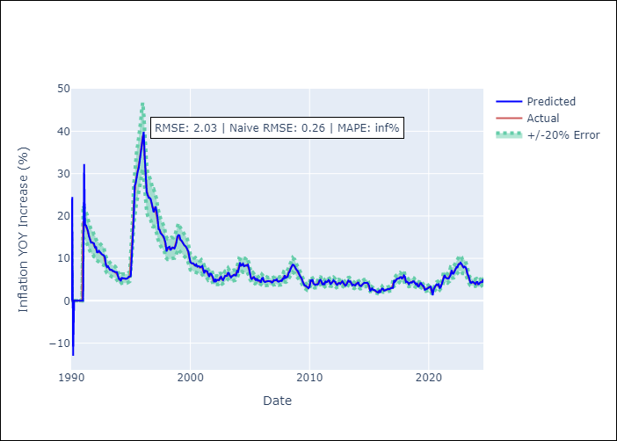
1991-02-01 | 32.25 | 18.28
1991-03-01 | 17.95 | 17.99
1991-04-01 | 17.78 | 17.58
1991-05-01 | 17.27 | 16.93
1991-06-01 | 16.42 | 15.96
1991-07-01 | 15.21 | 15.17
1991-08-01 | 14.6 | 14.34
1991-09-01 | 13.71 | 13.98
1991-10-01 | 13.75 | 13.76
1991-11-01 | 13.6 | 13.62
1991-12-01 | 13.52 | 12.98
1992-01-01 | 12.47 | 12.85
1992-02-01 | 12.79 | 12.08
1992-03-01 | 11.45 | 11.65
1992-04-01 | 11.44 | 11.65
1992-05-01 | 11.8 | 11.44
1992-06-01 | 11.44 | 11.3
1992-07-01 | 11.22 | 11.05
1992-08-01 | 10.94 | 10.95
1992-09-01 | 10.78 | 10.81
1992-10-01 | 10.7 | 10.48
1992-11-01 | 10.21 | 9.23
1992-12-01 | 8.43 | 8.55
1993-01-01 | 7.95 | 8.17
1993-02-01 | 8.16 | 7.98
1993-03-01 | 7.77 | 7.65
1993-04-01 | 7.3 | 7.35
Appendix A: Model Summary |  | 7.28
Model | ARIMA(1, 1, 1)x(0, 0, 1, 12) | 7.06
Sample | 01-01-1990- 08-01-2024 | 7.01
No. of Observations | 416 | 6.89
Terms | P-value (Statistical significance) | 6.79
ar.L1 | 0.000 | 6.55
ma.L1 | 0.061 | 6.24
ma.S.L12 | 0.000 | 5.69
sigma2 | 0.000 | 5.32
Assumptions | P-value | 4.89
1994-03-01 | 4.62 | 5.23
1994-04-01 | 5.5 | 5.26
1994-05-01 | 5.26 | 5.24
1994-06-01 | 5.33 | 5.21
1994-07-01 | 5.17 | 5.16
1994-08-01 | 5.17 | 5.19
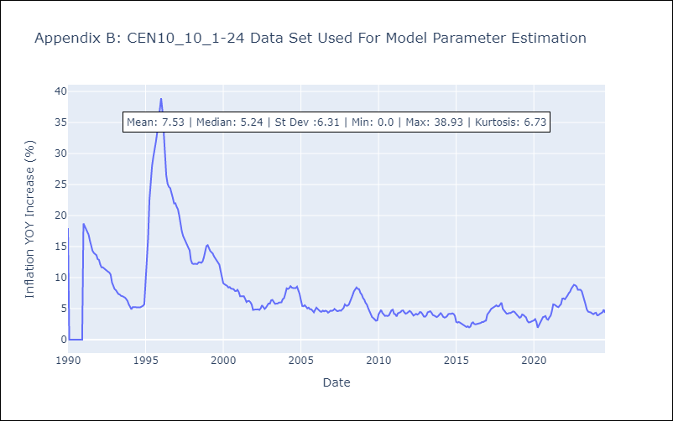
1994-09-01 | 5.21 | 5.22
1994-10-01 | 5.35 | 5.35
1994-11-01 | 5.69 | 5.46
1994-12-01 | 5.66 | 5.72
1995-01-01 | 5.85 | 9.32
1995-02-01 | 12.33 | 12.51
1995-03-01 | 14.58 | 16.41
1995-04-01 | 19.47 | 22.48
1995-05-01 | 27.14 | 25.59
1995-06-01 | 27.75 | 27.96
1995-07-01 | 29.7 | 29.42
1995-08-01 | 30.44 | 30.52
1995-09-01 | 31.32 | 31.92
1995-10-01 | 32.99 | 33.41
1995-11-01 | 34.61 | 35.24
1995-12-01 | 36.6 | 37.5
1996-01-01 | 37.7 | 38.93
1996-02-01 | 39.87 | 36.9
1996-03-01 | 34.37 | 33.31
1996-04-01 | 29.24 | 28.64
1996-05-01 | 25.77 | 26.46
1996-06-01 | 24.92 | 25.13
1996-07-01 | 24.29 | 24.64
1996-08-01 | 24.3 | 24.44
1996-09-01 | 24.03 | 23.8
1996-10-01 | 23.11 | 22.88
1996-11-01 | 21.9 | 21.96
1996-12-01 | 20.89 | 21.98
Appendix C: Residuals Analysis |  | 21.41
Mean | 0.01 | 20.97
1997-03-01 | 21.11 | 20.03
Normal? | No | 18.42
1997-05-01 | 16.88 | 17.5
1997-06-01 | 16.77 | 16.71
1997-07-01 | 15.97 | 16.19
1997-08-01 | 15.77 | 15.7
1997-09-01 | 15.43 | 15.34
1997-10-01 | 15.19 | 14.85
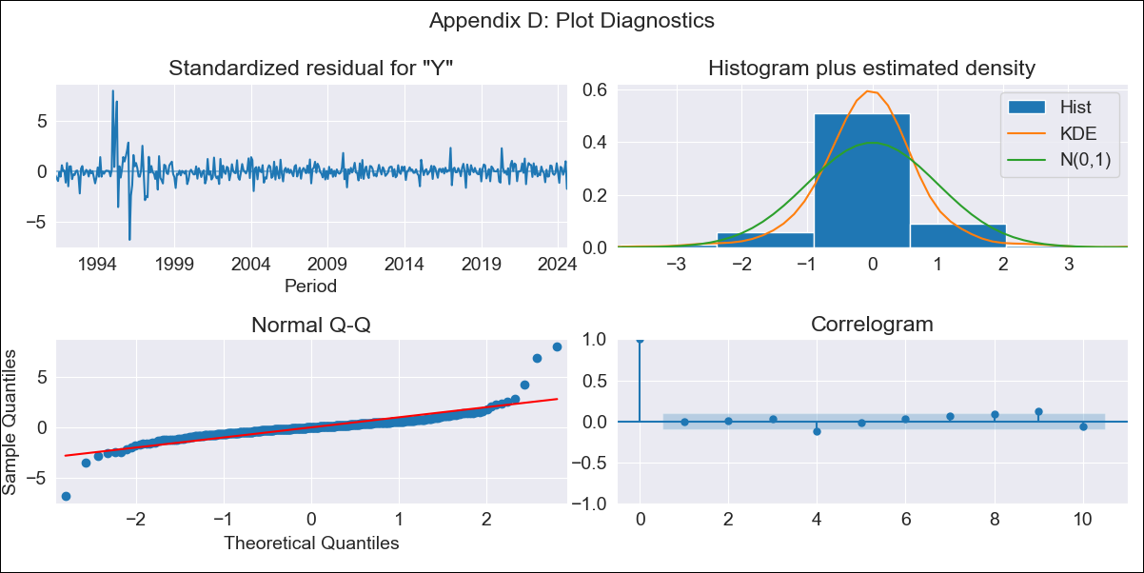
1997-11-01 | 14.45 | 14.42
1997-12-01 | 13.64 | 12.84
1998-01-01 | 11.64 | 12.28
1998-02-01 | 12.48 | 12.19
1998-03-01 | 12.62 | 12.22
1998-04-01 | 12.75 | 12.21
1998-05-01 | 11.93 | 12.2
1998-06-01 | 12.23 | 12.46
1998-07-01 | 12.57 | 12.48
1998-08-01 | 12.51 | 12.38
1998-09-01 | 12.34 | 12.58
1998-10-01 | 12.9 | 13.23
1998-11-01 | 13.74 | 14.15
1998-12-01 | 15.2 | 15.08
1999-01-01 | 15.49 | 15.23
1999-02-01 | 15.41 | 14.68
1999-03-01 | 14.4 | 14.29
1999-04-01 | 14.24 | 14.09
1999-05-01 | 13.83 | 13.85
1999-06-01 | 13.57 | 13.39
1999-07-01 | 13.06 | 13.07
1999-08-01 | 12.9 | 12.87
1999-09-01 | 12.62 | 12.51
1999-10-01 | 12.08 | 12.1
1999-11-01 | 11.62 | 11.06
1999-12-01 | 10.29 | 9.89
2000-01-01 | 9.14 | 9.11
2000-02-01 | 8.86 | 8.92
2000-03-01 | 8.87 | 8.82
2000-04-01 | 8.81 | 8.67
2000-05-01 | 8.55 | 8.4
2000-06-01 | 8.28 | 8.48
2000-07-01 | 8.56 | 8.23
2000-08-01 | 8.04 | 8.16
2000-09-01 | 8.17 | 8.14
2000-10-01 | 8.12 | 7.86
2000-11-01 | 7.88 | 7.83
2000-12-01 | 8 | 8.03
2001-01-01 | 8.2 | 7.67
2001-02-01 | 7.33 | 6.98
2001-03-01 | 6.48 | 7
2001-04-01 | 7.12 | 6.96
2001-05-01 | 6.99 | 6.98
2001-06-01 | 6.91 | 6.55
2001-07-01 | 6.34 | 6.06
2001-08-01 | 5.65 | 6.23
2001-09-01 | 6.42 | 6.24
2001-10-01 | 6.33 | 6.03
2001-11-01 | 5.88 | 5.65
2001-12-01 | 5.35 | 4.79
2002-01-01 | 4.35 | 4.88
2002-02-01 | 5.16 | 4.87
2002-03-01 | 4.63 | 4.87
2002-04-01 | 4.93 | 4.89
2002-05-01 | 4.92 | 4.8
2002-06-01 | 4.87 | 5.06
2002-07-01 | 5.4 | 5.54
2002-08-01 | 5.65 | 5.26
2002-09-01 | 5.08 | 4.95
2002-10-01 | 4.86 | 5.15
2002-11-01 | 5.44 | 5.44
2002-12-01 | 5.9 | 5.83
2003-01-01 | 5.89 | 5.8
2003-02-01 | 5.88 | 6.35
2003-03-01 | 6.69 | 6.41
2003-04-01 | 6.44 | 6.07
2003-05-01 | 5.84 | 5.78
2003-06-01 | 5.49 | 5.8
2003-07-01 | 5.77 | 5.82
2003-08-01 | 6 | 5.97
2003-09-01 | 6.15 | 6.05
2003-10-01 | 5.97 | 6.01
2003-11-01 | 5.98 | 6.53
2003-12-01 | 6.99 | 6.69
2004-01-01 | 6.81 | 7.42
2004-02-01 | 7.8 | 8.27
2004-03-01 | 9.03 | 8.17
2004-04-01 | 8.19 | 8.3
2004-05-01 | 8.45 | 8.62
2004-06-01 | 8.74 | 8.38
2004-07-01 | 8.15 | 8.32
2004-08-01 | 8.31 | 8.31
2004-09-01 | 8.35 | 8.31
2004-10-01 | 8.28 | 8.54
2004-11-01 | 8.48 | 7.98
2004-12-01 | 7.65 | 7.38
2005-01-01 | 6.66 | 6.34
2005-02-01 | 5.33 | 5.43
2005-03-01 | 5.14 | 5.39
2005-04-01 | 5.37 | 5.55
2005-05-01 | 5.6 | 5.31
2005-06-01 | 5.26 | 5.04
2005-07-01 | 4.75 | 5.16
2005-08-01 | 5.28 | 4.91
2005-09-01 | 4.72 | 4.91
2005-10-01 | 4.82 | 4.69
2005-11-01 | 4.72 | 4.4
2005-12-01 | 4.31 | 4.8
2006-01-01 | 5.28 | 5.16
2006-02-01 | 5.39 | 4.94
2006-03-01 | 4.63 | 4.67
2006-04-01 | 4.39 | 4.53
2006-05-01 | 4.56 | 4.5
2006-06-01 | 4.58 | 4.68
2006-07-01 | 4.65 | 4.56
2006-08-01 | 4.61 | 4.67
2006-09-01 | 4.68 | 4.59
2006-10-01 | 4.57 | 4.35
2006-11-01 | 4.3 | 4.5
2006-12-01 | 4.42 | 4.68
2007-01-01 | 4.87 | 4.63
2007-02-01 | 4.77 | 4.74
2007-03-01 | 4.81 | 4.96
2007-04-01 | 5.06 | 4.74
2007-05-01 | 4.57 | 4.61
2007-06-01 | 4.48 | 4.61
2007-07-01 | 4.66 | 4.71
2007-08-01 | 4.76 | 4.66
2007-09-01 | 4.66 | 4.9
2007-10-01 | 5.19 | 5.11
2007-11-01 | 5.18 | 5.68
2007-12-01 | 6.01 | 5.48
2008-01-01 | 5.39 | 5.47
2008-02-01 | 5.5 | 5.64
2008-03-01 | 5.71 | 6.11
2008-04-01 | 6.63 | 6.55
2008-05-01 | 6.86 | 7.18
2008-06-01 | 7.6 | 7.8
2008-07-01 | 8.24 | 8.19
2008-08-01 | 8.52 | 8.41
2008-09-01 | 8.46 | 8.18
2008-10-01 | 8.02 | 8.13
2008-11-01 | 7.88 | 7.52
2008-12-01 | 7.26 | 7.26
2009-01-01 | 7.06 | 6.72
2009-02-01 | 6.24 | 6.42
2009-03-01 | 6.04 | 5.93
2009-04-01 | 5.58 | 5.66
2009-05-01 | 5.33 | 5.08
2009-06-01 | 4.55 | 4.56
2009-07-01 | 4.2 | 3.97
2009-08-01 | 3.57 | 3.65
2009-09-01 | 3.54 | 3.47
2009-10-01 | 3.3 | 3.19
2009-11-01 | 3.12 | 3.05
2009-12-01 | 2.97 | 3.11
2010-01-01 | 3.3 | 4.08
2010-02-01 | 4.79 | 4.44
2010-03-01 | 4.71 | 4.79
2010-04-01 | 5.02 | 4.31
2010-05-01 | 4.01 | 4.09
2010-06-01 | 3.94 | 3.83
2010-07-01 | 3.72 | 3.86
2010-08-01 | 3.87 | 3.81
2010-09-01 | 3.8 | 3.9
2010-10-01 | 4.03 | 4.39
2010-11-01 | 4.8 | 4.74
2010-12-01 | 4.93 | 4.84
2011-01-01 | 4.56 | 4.16
2011-02-01 | 3.75 | 4.09
2011-03-01 | 4.04 | 3.74
2011-04-01 | 3.77 | 4.25
2011-05-01 | 4.65 | 4.31
2011-06-01 | 4.38 | 4.44
2011-07-01 | 4.47 | 4.67
2011-08-01 | 4.88 | 4.71
2011-09-01 | 4.68 | 4.38
2011-10-01 | 3.96 | 4.18
2011-11-01 | 4.07 | 4.27
2011-12-01 | 4.39 | 4.49
2012-01-01 | 4.83 | 4.63
2012-02-01 | 4.59 | 4.47
2012-03-01 | 4.47 | 4.24
2012-04-01 | 3.85 | 3.88
2012-05-01 | 3.75 | 4.02
2012-06-01 | 4.13 | 4.16
2012-07-01 | 4.18 | 4.03
2012-08-01 | 3.99 | 4.16
2012-09-01 | 4.4 | 4.46
2012-10-01 | 4.6 | 4.39
2012-11-01 | 4.22 | 4.08
2012-12-01 | 3.8 | 3.73
2013-01-01 | 3.55 | 3.7
2013-02-01 | 3.74 | 3.93
2013-03-01 | 4.22 | 4.41
2013-04-01 | 4.76 | 4.54
2013-05-01 | 4.49 | 4.58
2013-06-01 | 4.59 | 4.32
2013-07-01 | 4.17 | 3.97
2013-08-01 | 3.63 | 3.88
2013-09-01 | 3.81 | 3.76
2013-10-01 | 3.75 | 3.63
2013-11-01 | 3.6 | 3.79
2013-12-01 | 3.96 | 3.99
2014-01-01 | 4.07 | 4.27
2014-02-01 | 4.4 | 4.01
2014-03-01 | 3.71 | 3.68
2014-04-01 | 3.52 | 3.56
2014-05-01 | 3.44 | 3.61
2014-06-01 | 3.77 | 3.81
2014-07-01 | 4.05 | 4.12
2014-08-01 | 4.25 | 4.17
2014-09-01 | 4.21 | 4.14
2014-10-01 | 4.17 | 4.25
2014-11-01 | 4.25 | 4.14
2014-12-01 | 4.03 | 3.84
2015-01-01 | 3.52 | 2.87
2015-02-01 | 2.26 | 2.75
2015-03-01 | 2.74 | 2.85
2015-04-01 | 2.91 | 2.73
2015-05-01 | 2.57 | 2.59
2015-06-01 | 2.46 | 2.54
2015-07-01 | 2.49 | 2.33
2015-08-01 | 2.2 | 2.13
2015-09-01 | 2.02 | 2.03
2015-10-01 | 1.93 | 2.16
2015-11-01 | 2.31 | 1.97
2015-12-01 | 1.9 | 2.11
2016-01-01 | 2.52 | 2.66
2016-02-01 | 2.87 | 2.79
2016-03-01 | 2.82 | 2.53
2016-04-01 | 2.38 | 2.47
2016-05-01 | 2.43 | 2.53
2016-06-01 | 2.55 | 2.5
2016-07-01 | 2.54 | 2.64
2016-08-01 | 2.79 | 2.69
2016-09-01 | 2.71 | 2.85
2016-10-01 | 2.89 | 2.85
2016-11-01 | 2.97 | 3.01
2016-12-01 | 3.05 | 3.07
2017-01-01 | 3.04 | 4.05
2017-02-01 | 4.88 | 4.27
2017-03-01 | 4.5 | 4.59
2017-04-01 | 4.8 | 4.95
2017-05-01 | 5.18 | 5.13
2017-06-01 | 5.27 | 5.22
2017-07-01 | 5.24 | 5.36
2017-08-01 | 5.52 | 5.53
2017-09-01 | 5.6 | 5.37
2017-10-01 | 5.25 | 5.39
2017-11-01 | 5.4 | 5.72
2017-12-01 | 5.97 | 5.95
2018-01-01 | 5.69 | 4.97
2018-02-01 | 4.42 | 4.7
2018-03-01 | 4.52 | 4.53
2018-04-01 | 4.35 | 4.18
2018-05-01 | 3.93 | 4.19
2018-06-01 | 4.23 | 4.3
2018-07-01 | 4.34 | 4.29
2018-08-01 | 4.26 | 4.4
2018-09-01 | 4.59 | 4.55
2018-10-01 | 4.6 | 4.48
2018-11-01 | 4.28 | 4.14
2018-12-01 | 3.88 | 3.99
2019-01-01 | 4.19 | 3.75
2019-02-01 | 3.44 | 3.52
2019-03-01 | 3.35 | 3.64
2019-04-01 | 3.82 | 4.06
2019-05-01 | 4.29 | 3.97
2019-06-01 | 3.84 | 3.69
2019-07-01 | 3.5 | 3.59
2019-08-01 | 3.46 | 3.02
2019-09-01 | 2.58 | 2.78
2019-10-01 | 2.68 | 2.81
2019-11-01 | 2.9 | 2.9
2019-12-01 | 2.93 | 2.92
2020-01-01 | 3.12 | 3.11
2020-02-01 | 3.22 | 3.31
2020-03-01 | 3.33 | 2.88
2020-04-01 | 2.42 | 1.92
2020-05-01 | 1.31 | 2.3
2020-06-01 | 2.73 | 2.88
2020-07-01 | 3.28 | 3.2
2020-08-01 | 3.61 | 3.62
2020-09-01 | 3.86 | 3.7
2020-10-01 | 3.68 | 3.8
2020-11-01 | 3.88 | 3.32
2020-12-01 | 2.93 | 3.21
2021-01-01 | 3.15 | 3.6
2021-02-01 | 3.89 | 3.89
2021-03-01 | 4.29 | 4.62
2021-04-01 | 5.41 | 5.69
2021-05-01 | 6.08 | 5.64
2021-06-01 | 5.47 | 5.44
2021-07-01 | 5.33 | 5.32
2021-08-01 | 5.23 | 5.24
2021-09-01 | 5.25 | 5.58
2021-10-01 | 5.81 | 5.74
2021-11-01 | 6.08 | 6.62
2021-12-01 | 7.21 | 6.64
2022-01-01 | 6.41 | 6.51
2022-02-01 | 6.4 | 6.75
2022-03-01 | 6.81 | 7.09
2022-04-01 | 7.22 | 7.48
2022-05-01 | 7.97 | 7.72
2022-06-01 | 7.89 | 8.23
2022-07-01 | 8.63 | 8.48
2022-08-01 | 8.64 | 8.84
2022-09-01 | 8.98 | 8.75
2022-10-01 | 8.68 | 8.58
2022-11-01 | 8.22 | 8.04
2022-12-01 | 7.85 | 8.05
2023-01-01 | 8.05 | 8.05
2023-02-01 | 7.89 | 7.8
2023-03-01 | 7.48 | 7
2023-04-01 | 6.26 | 6.31
2023-05-01 | 5.92 | 5.68
2023-06-01 | 5.07 | 4.85
2023-07-01 | 4.28 | 4.52
2023-08-01 | 4.22 | 4.44
2023-09-01 | 4.5 | 4.39
2023-10-01 | 4.39 | 4.23
2023-11-01 | 4.18 | 4.1
2023-12-01 | 3.92 | 4.26
2024-01-01 | 4.4 | 4.34
2024-02-01 | 4.43 | 3.92
2024-03-01 | 3.78 | 3.97
2024-04-01 | 4.01 | 4.15
2024-05-01 | 4.39 | 4.23
2024-06-01 | 4.38 | 4.4
2024-07-01 | 4.42 | 4.85
2024-08-01 | 5.11 | 4.34

