ARG
ARG - Inflation - Next 12 months forecast as of: 2024-04-01

Model | ARIMA - [(2, 2, 2), (0, 0, 1, 12)]
Training Data | 2005-01-01 to 2023-05-01
Test Data | 2023-05-01 to 2024-04-01

Date | Inflation Change YoY % | Lower Bound - 95% Confidence Interval | Upper Bound - 95% Confidence Interval
2024-05-01 | 297.04 | 291.78 | 302.3
2024-06-01 | 310.54 | 297.85 | 323.22
2024-07-01 | 326.84 | 306.84 | 346.83
2024-08-01 | 334.76 | 308.02 | 361.5
2024-09-01 | 342.19 | 309.04 | 375.35
2024-10-01 | 354.54 | 315.03 | 394.06
2024-11-01 | 357.68 | 311.68 | 403.68
2024-12-01 | 340.06 | 287.39 | 392.72
2025-01-01 | 327.93 | 268.39 | 387.46
2025-02-01 | 324.4 | 257.79 | 391.01
2025-03-01 | 331.24 | 257.35 | 405.12
2025-04-01 | 344.01 | 262.65 | 425.37
2025-05-01 | 354.57 | 266.96 | 442.18
2025-06-01 | 361.52 | 268.86 | 454.18
2025-07-01 | 366.81 | 269.56 | 464.07
2025-08-01 | 371.87 | 270.09 | 473.66

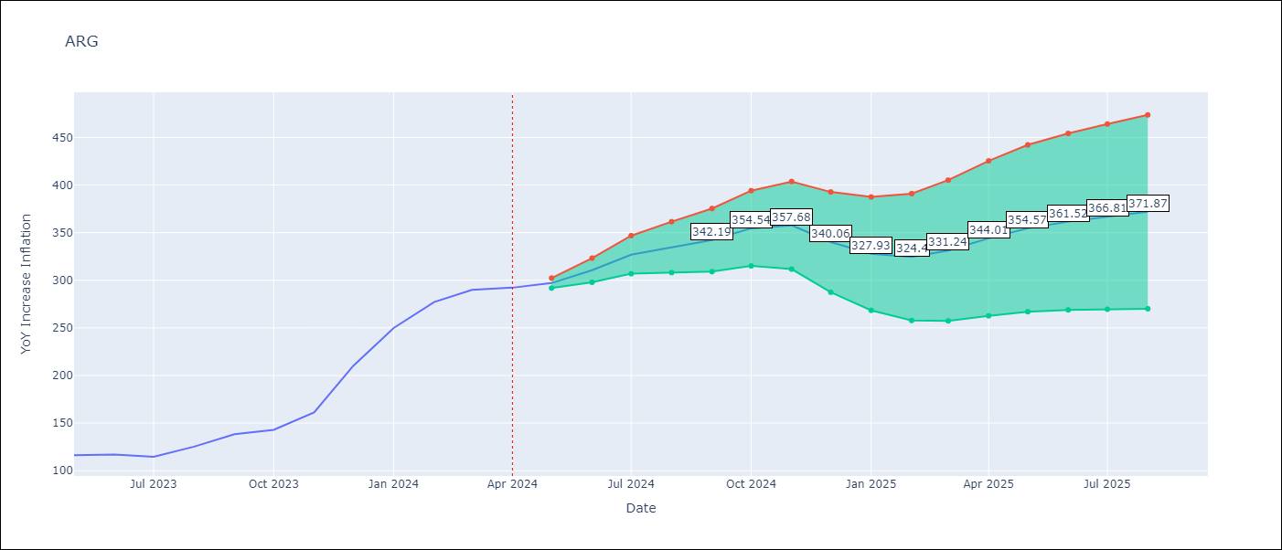

Test Metrics
RMSE | 2.66
Naive RMSE | 21.55
MAPE | 4.02%

Test Predictions
Date | Predicted | Actual
2005-01-01 | 0 | 7.22
2005-02-01 | 13.46 | 8.13
2005-03-01 | 7.78 | 9.15
2005-04-01 | 10.56 | 8.75
2005-05-01 | 7.51 | 8.61
2005-06-01 | 8.9 | 8.99
2005-07-01 | 9.64 | 9.58
2005-08-01 | 10.18 | 9.68
2005-09-01 | 9.46 | 10.26
2005-10-01 | 11.23 | 10.68
2005-11-01 | 10.91 | 12.02
2005-12-01 | 13.94 | 12.33
2006-01-01 | 11.83 | 12.1
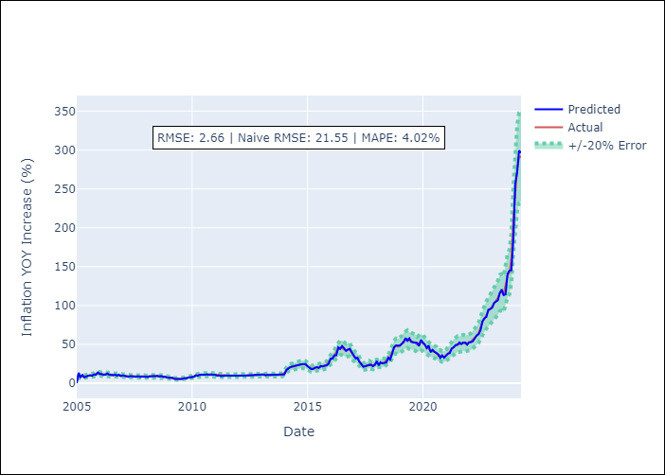
2006-02-01 | 11.78 | 11.48
2006-03-01 | 10.75 | 11.11
2006-04-01 | 10.97 | 11.65
2006-05-01 | 12.53 | 11.5
2006-06-01 | 10.85 | 11.02
2006-07-01 | 10.73 | 10.6
2006-08-01 | 10.27 | 10.74
2006-09-01 | 11.07 | 10.44
2006-10-01 | 9.85 | 10.53
2006-11-01 | 10.89 | 9.98
2006-12-01 | 9.09 | 9.84
2007-01-01 | 10.1 | 9.7
2007-02-01 | 9.43 | 9.59
2007-03-01 | 9.5 | 9.12
2007-04-01 | 8.18 | 8.87
2007-05-01 | 9.25 | 8.82
2007-06-01 | 8.62 | 8.77
2007-07-01 | 8.73 | 8.64
2007-08-01 | 8.23 | 8.67
2007-09-01 | 9.01 | 8.56
2007-10-01 | 8.02 | 8.37
2007-11-01 | 8.63 | 8.53
2007-12-01 | 8.42 | 8.47
2008-01-01 | 8.41 | 8.24
2008-02-01 | 8 | 8.42
2008-03-01 | 8.93 | 8.81
2008-04-01 | 8.68 | 8.91
Appendix A: Model Summary |  | 9.06
Model | ARIMA(2, 2, 2)x(0, 0, [1], 12) | 9.27
Sample | 01-01-2005- 04-01-2024 | 9.13
No. of Observations | 232 | 9.01
Terms | P-value (Statistical significance) | 8.69
ar.L1 | 0.000 | 8.42
ar.L2 | 0.019 | 7.86
ma.L1 | 0.000 | 7.23
ma.L2 | 0.000 | 6.81
ma.S.L12 | 0.000 | 6.77
sigma2 | 0.000 | 6.25
Assumptions | P-value | 5.73
2009-05-01 | 5.42 | 5.49
2009-06-01 | 5.26 | 5.27
2009-07-01 | 5.21 | 5.53
2009-08-01 | 5.63 | 5.91
2009-09-01 | 6.44 | 6.15
2009-10-01 | 6.05 | 6.54
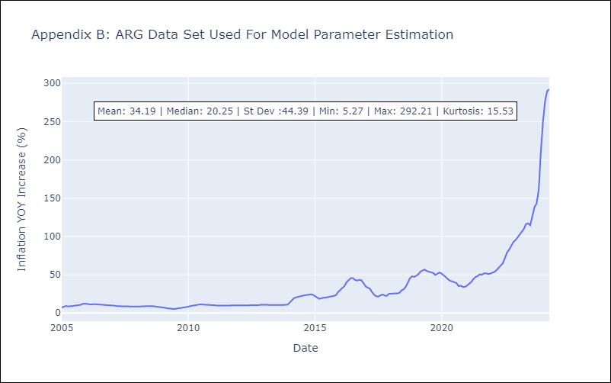
2009-11-01 | 7.22 | 7.06
2009-12-01 | 7.46 | 7.69
2010-01-01 | 8.26 | 8.24
2010-02-01 | 8.29 | 9.11
2010-03-01 | 10.4 | 9.66
2010-04-01 | 9.65 | 10.21
2010-05-01 | 10.76 | 10.66
2010-06-01 | 11.01 | 11
2010-07-01 | 11.13 | 11.2
2010-08-01 | 11.22 | 11.1
2010-09-01 | 11.22 | 11.09
2010-10-01 | 10.94 | 11.13
2010-11-01 | 11.34 | 11.02
2010-12-01 | 10.78 | 10.92
2011-01-01 | 10.96 | 10.58
2011-02-01 | 9.69 | 10.03
2011-03-01 | 10.13 | 9.7
2011-04-01 | 9.21 | 9.71
2011-05-01 | 9.86 | 9.69
2011-06-01 | 9.6 | 9.67
2011-07-01 | 9.61 | 9.66
2011-08-01 | 9.71 | 9.77
2011-09-01 | 9.97 | 9.89
2011-10-01 | 9.8 | 9.66
2011-11-01 | 9.55 | 9.51
2011-12-01 | 9.41 | 9.51
2012-01-01 | 9.78 | 9.71
2012-02-01 | 9.69 | 9.71
Appendix C: Residuals Analysis |  | 9.81
Mean | 0.21 | 9.81
2012-05-01 | 9.82 | 9.89
Normal? | No | 9.9
2012-07-01 | 9.8 | 9.9
2012-08-01 | 9.9 | 9.96
2012-09-01 | 10.09 | 10.01
2012-10-01 | 10.15 | 10.24
2012-11-01 | 10.53 | 10.62
2012-12-01 | 10.86 | 10.84
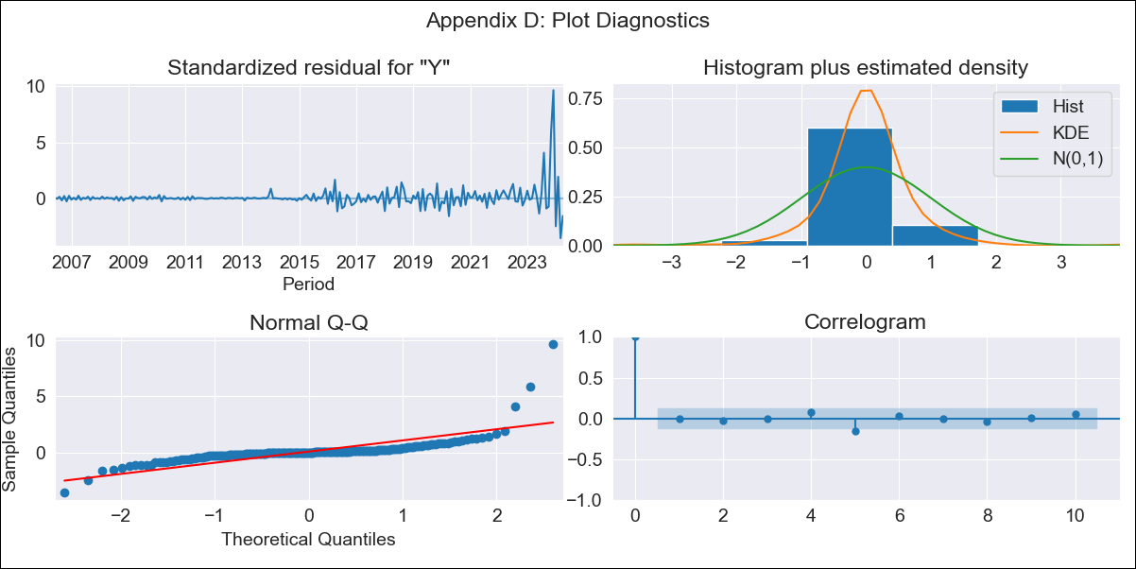
2013-01-01 | 10.98 | 11.09
2013-02-01 | 11.34 | 10.82
2013-03-01 | 10.43 | 10.58
2013-04-01 | 10.47 | 10.47
2013-05-01 | 10.36 | 10.34
2013-06-01 | 10.3 | 10.46
2013-07-01 | 10.6 | 10.61
2013-08-01 | 10.62 | 10.55
2013-09-01 | 10.48 | 10.49
2013-10-01 | 10.43 | 10.55
2013-11-01 | 10.56 | 10.54
2013-12-01 | 10.49 | 10.95
2014-01-01 | 11.39 | 13.7
2014-02-01 | 17.06 | 17.01
2014-03-01 | 19.13 | 19.19
2014-04-01 | 20.5 | 20.43
2014-05-01 | 21.42 | 21.32
2014-06-01 | 22.14 | 21.88
2014-07-01 | 22.48 | 22.49
2014-08-01 | 23.37 | 23.09
2014-09-01 | 23.77 | 23.76
2014-10-01 | 24.47 | 24.19
2014-11-01 | 24.63 | 24.43
2014-12-01 | 24.51 | 23.92
2015-01-01 | 21.8 | 21.83
2015-02-01 | 19.95 | 19.6
2015-03-01 | 18.27 | 18.57
2015-04-01 | 18.33 | 19.16
2015-05-01 | 20.09 | 20.04
2015-06-01 | 20.61 | 20.07
2015-07-01 | 19.67 | 20.83
2015-08-01 | 22.07 | 21.44
2015-09-01 | 21.56 | 21.89
2015-10-01 | 22.52 | 22.4
2015-11-01 | 22.95 | 23.54
2015-12-01 | 25.15 | 27.52
2016-01-01 | 31.65 | 30.33
2016-02-01 | 31.65 | 33.26
2016-03-01 | 36.03 | 35.3
2016-04-01 | 35.92 | 40.37
2016-05-01 | 46.26 | 43.14
2016-06-01 | 44.13 | 45.62
2016-07-01 | 47.97 | 45.58
2016-08-01 | 45.15 | 43.24
2016-09-01 | 41.55 | 42.38
2016-10-01 | 43.25 | 43.36
2016-11-01 | 44.41 | 42.72
2016-12-01 | 39.85 | 38.54
2017-01-01 | 35.47 | 34.78
2017-02-01 | 31.83 | 33.04
2017-03-01 | 32.8 | 31.86
2017-04-01 | 27.63 | 27.52
2017-05-01 | 24.8 | 23.96
2017-06-01 | 21.09 | 21.93
2017-07-01 | 21.92 | 21.54
2017-08-01 | 22.7 | 23.08
2017-09-01 | 23.71 | 24.17
2017-10-01 | 23.94 | 22.89
2017-11-01 | 21.96 | 22.34
2017-12-01 | 23.43 | 25.04
2018-01-01 | 28.43 | 25.37
2018-02-01 | 22.89 | 25.51
2018-03-01 | 26.91 | 25.63
2018-04-01 | 25.47 | 25.56
2018-05-01 | 26.12 | 26.36
2018-06-01 | 26.75 | 29.52
2018-07-01 | 33 | 30.9
2018-08-01 | 30.4 | 34.23
2018-09-01 | 38.02 | 40.29
2018-10-01 | 46.24 | 45.49
2018-11-01 | 48.66 | 47.96
2018-12-01 | 48.26 | 47.1
2019-01-01 | 48.24 | 48.9
2019-02-01 | 50.83 | 50.71
2019-03-01 | 52.64 | 54.13
2019-04-01 | 58.2 | 55.14
2019-05-01 | 54.6 | 56.81
2019-06-01 | 57.74 | 54.84
2019-07-01 | 53.24 | 53.86
2019-08-01 | 52.44 | 53.57
2019-09-01 | 51.77 | 52.36
2019-10-01 | 51.94 | 49.67
2019-11-01 | 47.83 | 51.39
2019-12-01 | 55.86 | 52.87
2020-01-01 | 52.22 | 51.48
2020-02-01 | 49.81 | 48.57
2020-03-01 | 45.19 | 46.88
2020-04-01 | 48.52 | 44.25
2020-05-01 | 39.87 | 42.13
2020-06-01 | 43.03 | 41.34
2020-07-01 | 40.4 | 40.64
2020-08-01 | 38.88 | 39.19
2020-09-01 | 37.11 | 35.2
2020-10-01 | 32.56 | 35.68
2020-11-01 | 35.79 | 34.25
2020-12-01 | 32.77 | 34.1
2021-01-01 | 35.72 | 35.94
2021-02-01 | 38.03 | 38.3
2021-03-01 | 38.68 | 40.44
2021-04-01 | 44.69 | 44.2
2021-05-01 | 46.18 | 46.83
2021-06-01 | 49.12 | 48.29
2021-07-01 | 49.32 | 50.4
2021-08-01 | 52.42 | 50.12
2021-09-01 | 50.31 | 51.67
2021-10-01 | 52.44 | 51.98
2021-11-01 | 52.34 | 50.94
2021-12-01 | 49.5 | 51.44
2022-01-01 | 52.69 | 52.38
2022-02-01 | 52.88 | 53.79
2022-03-01 | 54.03 | 55.93
2022-04-01 | 58.25 | 59.05
2022-05-01 | 61.43 | 61.21
2022-06-01 | 63.03 | 64.97
2022-07-01 | 68.39 | 71.83
2022-08-01 | 79.82 | 79.11
2022-09-01 | 83.73 | 82.9
2022-10-01 | 85.26 | 87.8
2022-11-01 | 94.56 | 92.82
2022-12-01 | 95.59 | 95.19
2023-01-01 | 97.17 | 99.01
2023-02-01 | 103.41 | 103.06
2023-03-01 | 105.27 | 105.25
2023-04-01 | 106.62 | 109.89
2023-05-01 | 115.92 | 116.26
2023-06-01 | 120.63 | 116.97
2023-07-01 | 113.37 | 114.59
2023-08-01 | 114.32 | 125.24
2023-09-01 | 140.73 | 138.29
2023-10-01 | 144.91 | 142.9
2023-11-01 | 145.42 | 161.19
2023-12-01 | 184.23 | 210.14
2024-01-01 | 256.62 | 249.92
2024-02-01 | 271.94 | 277.09
2024-03-01 | 299.45 | 289.9
2024-04-01 | 296.41 | 292.21

BOL
BOL - Inflation - Next 12 months forecast as of: 2024-08-01

Model | ARIMA - [(1, 1, 2), (0, 0, 2, 12)]
Training Data | 1990-01-01 to 2023-09-01
Test Data | 2023-09-01 to 2024-08-01

Date | Inflation Change YoY % | Lower Bound - 95% Confidence Interval | Upper Bound - 95% Confidence Interval
2024-09-01 | 5.77 | 4.69 | 6.86
2024-10-01 | 6.35 | 4.56 | 8.15
2024-11-01 | 6.82 | 4.46 | 9.18
2024-12-01 | 6.68 | 3.81 | 9.55
2025-01-01 | 7.2 | 3.84 | 10.55
2025-02-01 | 7.44 | 3.63 | 11.26
2025-03-01 | 7.13 | 2.86 | 11.39
2025-04-01 | 6.75 | 2.05 | 11.45
2025-05-01 | 6.51 | 1.38 | 11.64
2025-06-01 | 6.38 | 0.82 | 11.93
2025-07-01 | 6.49 | 0.52 | 12.45
2025-08-01 | 5.51 | -0.86 | 11.89
2025-09-01 | 5.23 | -1.28 | 11.73
2025-10-01 | 5.15 | -1.44 | 11.74
2025-11-01 | 5.08 | -1.58 | 11.74
2025-12-01 | 5.02 | -1.7 | 11.75

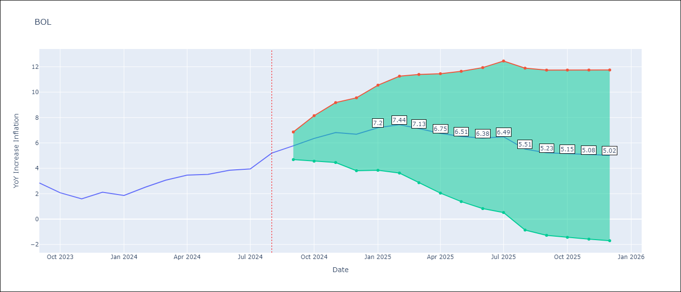

Test Metrics
RMSE | 1.11
Naive RMSE | 0.56
MAPE | 14.51%

Test Predictions
Date | Predicted | Actual
1990-01-01 | 0 | 17.21
1991-01-01 | 25.01 | 23.61
1991-02-01 | 29.41 | 24.06
1991-03-01 | 24.45 | 24.4
1991-04-01 | 24.71 | 24.61
1991-05-01 | 24.81 | 24.91
1991-06-01 | 25.17 | 23.37
1991-07-01 | 21.98 | 22.23
1991-08-01 | 21.2 | 22.13
1991-09-01 | 22.04 | 21.23
1991-10-01 | 20.4 | 18.31
1991-11-01 | 15.67 | 16
1991-12-01 | 13.91 | 14.52
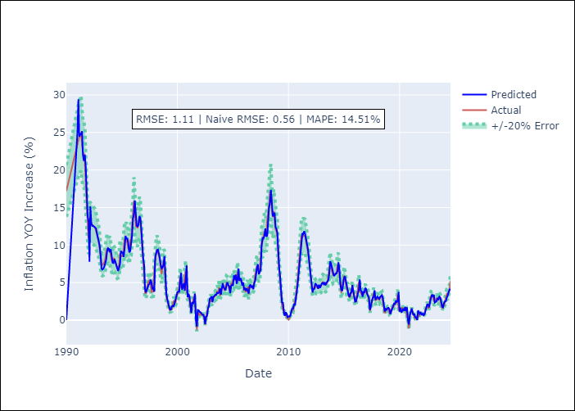
1992-01-01 | 13.17 | 10.98
1992-02-01 | 7.78 | 13.17
1992-03-01 | 15.15 | 13.04
1992-04-01 | 12.93 | 12.79
1992-05-01 | 12.55 | 12.68
1992-06-01 | 12.58 | 12.56
1992-07-01 | 12.46 | 12.46
1992-08-01 | 12.36 | 12.34
1992-09-01 | 12.23 | 11.95
1992-10-01 | 11.59 | 11.45
1992-11-01 | 10.99 | 11.07
1992-12-01 | 10.74 | 10.46
1993-01-01 | 9.91 | 9.52
1993-02-01 | 8.67 | 8.15
1993-03-01 | 6.9 | 7.53
1993-04-01 | 6.74 | 7.37
1993-05-01 | 6.86 | 7.45
1993-06-01 | 7.12 | 7.71
1993-07-01 | 7.53 | 8.09
1993-08-01 | 8.03 | 8.99
1993-09-01 | 9.15 | 9.49
1993-10-01 | 9.59 | 9.48
1993-11-01 | 9.49 | 9.15
1993-12-01 | 9.07 | 9.31
1994-01-01 | 9.45 | 8.37
1994-02-01 | 8.55 | 7.93
1994-03-01 | 7.65 | 7.9
Appendix A: Model Summary |  | 8.3
Model | ARIMA(1, 1, 2)x(0, 0, 2, 12) | 8.14
Sample | 01-01-1990- 08-01-2024 | 7.68
No. of Observations | 416 | 7.5
Terms | P-value (Statistical significance) | 6.95
ar.L1 | 0.000 | 7.03
ma.L1 | 0.000 | 7.3
ma.L2 | 0.000 | 8.9
ma.S.L12 | 0.000 | 8.52
ma.S.L24 | 0.857 | 8.52
sigma2 | 0.000 | 8.53
Assumptions | P-value | 9.63
1995-04-01 | 9.57 | 10.8
1995-05-01 | 11.22 | 10.64
1995-06-01 | 10.79 | 10.88
1995-07-01 | 10.93 | 10.27
1995-08-01 | 10.18 | 9.5
1995-09-01 | 9.03 | 9.4
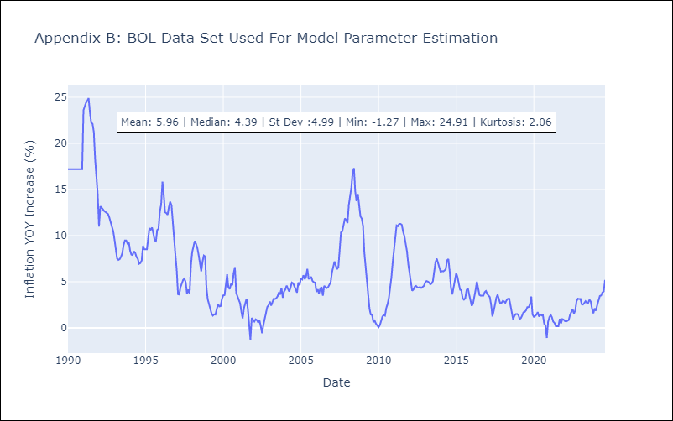
1995-10-01 | 9.22 | 10.62
1995-11-01 | 10.01 | 10.74
1995-12-01 | 11.26 | 12.57
1996-01-01 | 13.52 | 13.38
1996-02-01 | 14.1 | 15.86
1996-03-01 | 15.94 | 14.55
1996-04-01 | 13.46 | 12.54
1996-05-01 | 12.62 | 12.45
1996-06-01 | 12.43 | 12.26
1996-07-01 | 12.7 | 13.1
1996-08-01 | 13.87 | 13.69
1996-09-01 | 13.59 | 13.27
1996-10-01 | 12.15 | 11.1
1996-11-01 | 9.96 | 9.7
1996-12-01 | 8.25 | 7.95
1997-01-01 | 7.36 | 6.3
1997-02-01 | 4.18 | 3.64
1997-03-01 | 3.68 | 3.61
1997-04-01 | 4.02 | 4.42
1997-05-01 | 4.42 | 4.77
1997-06-01 | 4.75 | 5.2
1997-07-01 | 4.83 | 5.34
1997-08-01 | 5.4 | 4.94
1997-09-01 | 5.01 | 3.68
1997-10-01 | 4.1 | 4.15
1997-11-01 | 4.41 | 3.75
1997-12-01 | 3.77 | 6.73
1998-01-01 | 8.42 | 8.23
Appendix C: Residuals Analysis |  | 8.92
Mean | -0.01 | 9.42
1998-04-01 | 9.39 | 9.11
Normal? | No | 8.67
1998-06-01 | 8.31 | 7.91
1998-07-01 | 7.35 | 6.81
1998-08-01 | 6.9 | 6.13
1998-09-01 | 7.02 | 7.2
1998-10-01 | 7.39 | 7.84
1998-11-01 | 8.54 | 7.74
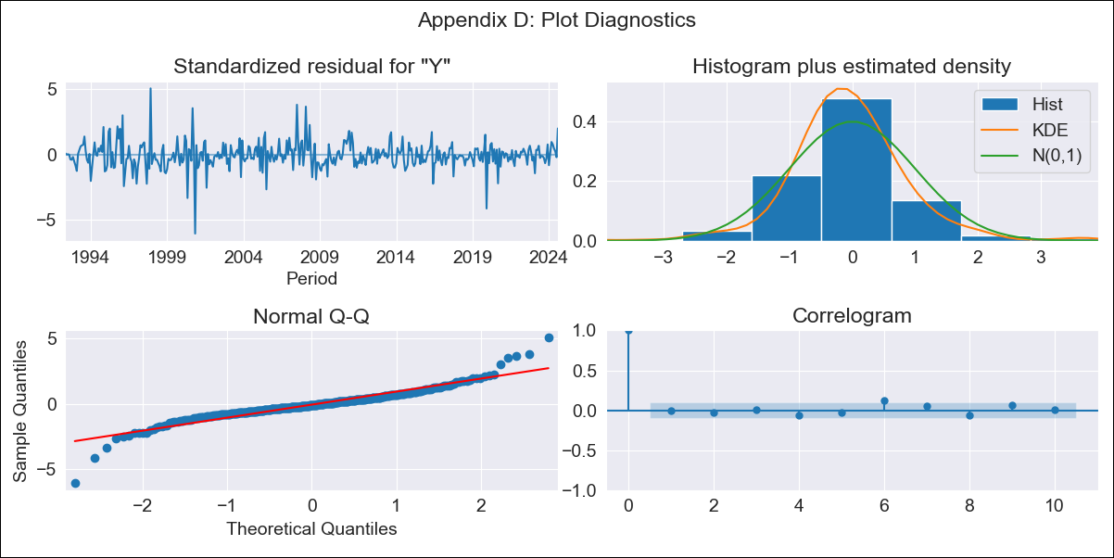
1998-12-01 | 5.23 | 4.39
1999-01-01 | 3.56 | 3.1
1999-02-01 | 2.83 | 2.64
1999-03-01 | 2.2 | 2
1999-04-01 | 1.83 | 1.56
1999-05-01 | 1.43 | 1.33
1999-06-01 | 1.42 | 1.48
1999-07-01 | 1.82 | 1.44
1999-08-01 | 1.94 | 1.94
1999-09-01 | 1.81 | 2.6
1999-10-01 | 2.33 | 2.33
1999-11-01 | 2.89 | 2.37
1999-12-01 | 3.15 | 3.13
2000-01-01 | 3.73 | 3.52
2000-02-01 | 3.81 | 3.56
2000-03-01 | 3.79 | 4.63
2000-04-01 | 5.24 | 5.8
2000-05-01 | 6.3 | 4.4
2000-06-01 | 4.03 | 4.21
2000-07-01 | 4.59 | 4.75
2000-08-01 | 4.91 | 4.62
2000-09-01 | 3.92 | 5.92
2000-10-01 | 6.37 | 6.58
2000-11-01 | 7.27 | 3.79
2000-12-01 | 3.07 | 3.41
2001-01-01 | 3.53 | 3.1
2001-02-01 | 3.13 | 2.65
2001-03-01 | 1.68 | 1.79
2001-04-01 | 0.94 | 1.04
2001-05-01 | 2.4 | 2.13
2001-06-01 | 2.16 | 2.68
2001-07-01 | 2.58 | 3.17
2001-08-01 | 3.55 | 2.09
2001-09-01 | -0.01 | -0.02
2001-10-01 | -0.85 | -1.27
2001-11-01 | 1.35 | 1.08
2001-12-01 | 1.3 | 0.92
2002-01-01 | 1.11 | 0.69
2002-02-01 | 1.05 | 0.93
2002-03-01 | 0.88 | 0.85
2002-04-01 | 0.72 | 0.6
2002-05-01 | 0.72 | 0.83
2002-06-01 | 0.42 | 0.2
2002-07-01 | -0.53 | -0.58
2002-08-01 | 0.48 | 0.3
2002-09-01 | 0.55 | 1.03
2002-10-01 | 1.57 | 1.5
2002-11-01 | 1.83 | 2.27
2002-12-01 | 2.89 | 2.45
2003-01-01 | 2.93 | 2.86
2003-02-01 | 3.16 | 2.42
2003-03-01 | 2.4 | 2.8
2003-04-01 | 3.1 | 3.16
2003-05-01 | 3.21 | 3.13
2003-06-01 | 3.38 | 3.22
2003-07-01 | 3.36 | 3.42
2003-08-01 | 3.66 | 3.85
2003-09-01 | 3.6 | 3.62
2003-10-01 | 3.66 | 4.35
2003-11-01 | 4.22 | 3.26
2003-12-01 | 3.37 | 3.94
2004-01-01 | 4.26 | 4.17
2004-02-01 | 4.91 | 4.59
2004-03-01 | 4.4 | 4.24
2004-04-01 | 4.13 | 3.94
2004-05-01 | 3.98 | 4.35
2004-06-01 | 4.63 | 4.92
2004-07-01 | 5.05 | 4.84
2004-08-01 | 4.69 | 4.54
2004-09-01 | 4.49 | 4.27
2004-10-01 | 3.59 | 3.82
2004-11-01 | 4.58 | 4.93
2004-12-01 | 4.72 | 4.62
2005-01-01 | 4.6 | 5.41
2005-02-01 | 5.96 | 5.26
2005-03-01 | 5.39 | 5.71
2005-04-01 | 6.08 | 5.29
2005-05-01 | 4.85 | 5.57
2005-06-01 | 5.43 | 6.4
2005-07-01 | 6.86 | 5.35
2005-08-01 | 5.22 | 5.35
2005-09-01 | 5.61 | 5.53
2005-10-01 | 5.37 | 5.07
2005-11-01 | 4.6 | 4.96
2005-12-01 | 5.02 | 4.91
2006-01-01 | 4.13 | 3.91
2006-02-01 | 4.23 | 4.18
2006-03-01 | 3.92 | 3.72
2006-04-01 | 4.24 | 4.26
2006-05-01 | 3.73 | 4.43
2006-06-01 | 3.55 | 3.49
2006-07-01 | 4.58 | 4.55
2006-08-01 | 4.73 | 4.38
2006-09-01 | 4.35 | 4.32
2006-10-01 | 4.6 | 4.41
2006-11-01 | 4.12 | 4.74
2006-12-01 | 4.94 | 4.95
2007-01-01 | 5.24 | 6.02
2007-02-01 | 6.4 | 6.57
2007-03-01 | 6.98 | 7.19
2007-04-01 | 7.44 | 6.76
2007-05-01 | 6.11 | 6.36
2007-06-01 | 6.41 | 6.6
2007-07-01 | 6.71 | 8.84
2007-08-01 | 9.87 | 10.36
2007-09-01 | 10.94 | 10.48
2007-10-01 | 10.88 | 11.33
2007-11-01 | 11.23 | 11.86
2007-12-01 | 12.2 | 11.72
2008-01-01 | 11.15 | 11.35
2008-02-01 | 11.25 | 13.32
2008-03-01 | 13.83 | 14.08
2008-04-01 | 15.07 | 15.22
2008-05-01 | 15.55 | 16.84
2008-06-01 | 17.36 | 17.32
2008-07-01 | 15.74 | 14.79
2008-08-01 | 13.83 | 13.73
2008-09-01 | 14.01 | 14.51
2008-10-01 | 14.32 | 13.31
2008-11-01 | 12.37 | 12.08
2008-12-01 | 12.16 | 11.85
2009-01-01 | 11.53 | 11.04
2009-02-01 | 8.77 | 8.13
2009-03-01 | 6.92 | 6.56
2009-04-01 | 5.75 | 5.33
2009-05-01 | 3.46 | 3.2
2009-06-01 | 2.29 | 2.12
2009-07-01 | 2.38 | 1.45
2009-08-01 | 0.97 | 1.42
2009-09-01 | 0.59 | 0.64
2009-10-01 | 1.05 | 0.78
2009-11-01 | 0.84 | 0.46
2009-12-01 | 0.4 | 0.27
2010-01-01 | 0.48 | 0.08
2010-02-01 | 0.48 | 0.31
2010-03-01 | 0.57 | 0.68
2010-04-01 | 1.07 | 1.22
2010-05-01 | 1.56 | 1.39
2010-06-01 | 1.56 | 1.33
2010-07-01 | 2.15 | 2.16
2010-08-01 | 1.98 | 2.59
2010-09-01 | 2.7 | 3.27
2010-10-01 | 3.77 | 4.2
2010-11-01 | 4.9 | 5.57
2010-12-01 | 6.2 | 7.18
2011-01-01 | 8.18 | 8.38
2011-02-01 | 9.09 | 10
2011-03-01 | 10.62 | 11.11
2011-04-01 | 11.58 | 11.03
2011-05-01 | 11.47 | 11.27
2011-06-01 | 11.84 | 11.27
2011-07-01 | 11.47 | 11.18
2011-08-01 | 10.78 | 10.44
2011-09-01 | 9.83 | 9.93
2011-10-01 | 9.47 | 9.12
2011-11-01 | 8.29 | 8.26
2011-12-01 | 7.09 | 6.9
2012-01-01 | 6.25 | 5.86
2012-02-01 | 4.6 | 4.65
2012-03-01 | 3.68 | 4.03
2012-04-01 | 4.17 | 4.17
2012-05-01 | 4.18 | 4.47
2012-06-01 | 4.9 | 4.55
2012-07-01 | 4.71 | 4.39
2012-08-01 | 4.58 | 4.36
2012-09-01 | 4.18 | 4.43
2012-10-01 | 4.72 | 4.33
2012-11-01 | 4.28 | 4.49
2012-12-01 | 4.69 | 4.55
2013-01-01 | 4.89 | 4.91
2013-02-01 | 4.98 | 5.08
2013-03-01 | 4.8 | 5.03
2013-04-01 | 5.02 | 4.94
2013-05-01 | 4.66 | 4.72
2013-06-01 | 4.98 | 4.81
2013-07-01 | 5.13 | 5.05
2013-08-01 | 5.31 | 6.09
2013-09-01 | 6.17 | 7.13
2013-10-01 | 7.83 | 7.51
2013-11-01 | 7.52 | 6.96
2013-12-01 | 7.04 | 6.48
2014-01-01 | 6.39 | 6.05
2014-02-01 | 5.87 | 6.16
2014-03-01 | 5.99 | 6.13
2014-04-01 | 6.19 | 6.22
2014-05-01 | 6.2 | 6.38
2014-06-01 | 6.57 | 7.33
2014-07-01 | 7.7 | 7.46
2014-08-01 | 6.81 | 6.11
2014-09-01 | 4.88 | 4.3
2014-10-01 | 4.07 | 3.63
2014-11-01 | 3.88 | 4.4
2014-12-01 | 5.02 | 5.2
2015-01-01 | 5.64 | 5.93
2015-02-01 | 5.84 | 5.49
2015-03-01 | 5.25 | 4.75
2015-04-01 | 4.52 | 4.14
2015-05-01 | 3.78 | 4.08
2015-06-01 | 3.3 | 3.2
2015-07-01 | 3.08 | 3.06
2015-08-01 | 3.62 | 3.2
2015-09-01 | 3.71 | 4.08
2015-10-01 | 4.67 | 4.33
2015-11-01 | 3.87 | 3.64
2015-12-01 | 3.28 | 2.95
2016-01-01 | 2.46 | 2.39
2016-02-01 | 2.51 | 2.64
2016-03-01 | 3.11 | 3.28
2016-04-01 | 3.76 | 4.12
2016-05-01 | 4.06 | 5.02
2016-06-01 | 5.41 | 4.16
2016-07-01 | 3.98 | 3.56
2016-08-01 | 3.83 | 3.49
2016-09-01 | 3.11 | 3.47
2016-10-01 | 3.75 | 3.5
2016-11-01 | 3.71 | 3.88
2016-12-01 | 4.28 | 4
2017-01-01 | 4.11 | 3.67
2017-02-01 | 3.46 | 3.46
2017-03-01 | 3.24 | 3.34
2017-04-01 | 2.94 | 2.51
2017-05-01 | 1.35 | 1.25
2017-06-01 | 2.01 | 1.83
2017-07-01 | 2.31 | 2.57
2017-08-01 | 3 | 3.25
2017-09-01 | 3.09 | 3.61
2017-10-01 | 3.96 | 3.01
2017-11-01 | 2.71 | 2.67
2017-12-01 | 2.86 | 2.71
2018-01-01 | 3.13 | 2.93
2018-02-01 | 2.98 | 2.87
2018-03-01 | 2.76 | 2.73
2018-04-01 | 3.09 | 3.01
2018-05-01 | 3.21 | 3.15
2018-06-01 | 3.33 | 3.17
2018-07-01 | 2.93 | 2.45
2018-08-01 | 2 | 1.81
2018-09-01 | 1.14 | 0.91
2018-10-01 | 1.48 | 1.31
2018-11-01 | 1.4 | 1.5
2018-12-01 | 1.59 | 1.51
2019-01-01 | 1.65 | 1.42
2019-02-01 | 1.47 | 0.96
2019-03-01 | 0.82 | 1.07
2019-04-01 | 1.13 | 1.34
2019-05-01 | 1.43 | 1.69
2019-06-01 | 1.92 | 1.73
2019-07-01 | 2.21 | 1.91
2019-08-01 | 2.16 | 2.26
2019-09-01 | 2.59 | 2.26
2019-10-01 | 2.43 | 2.54
2019-11-01 | 2.56 | 3.4
2019-12-01 | 3.76 | 1.46
2020-01-01 | 1.13 | 1.21
2020-02-01 | 1.66 | 1.3
2020-03-01 | 1.02 | 1.43
2020-04-01 | 1.23 | 1.72
2020-05-01 | 1.53 | 1.23
2020-06-01 | 1.24 | 1.44
2020-07-01 | 1.76 | 1.35
2020-08-01 | 1.2 | 1.39
2020-09-01 | 1.7 | 0.46
2020-10-01 | 0.06 | 0.28
2020-11-01 | -0.59 | -1.09
2020-12-01 | 0.59 | 0.68
2021-01-01 | 1.05 | 1.18
2021-02-01 | 1.56 | 1.4
2021-03-01 | 1.11 | 1.16
2021-04-01 | 0.67 | 0.68
2021-05-01 | 0.85 | 0.54
2021-06-01 | 0.31 | 0.19
2021-07-01 | 0.44 | 0.2
2021-08-01 | 0 | 0.18
2021-09-01 | 1.29 | 0.99
2021-10-01 | 1.01 | 0.49
2021-11-01 | 0.82 | 0.96
2021-12-01 | 1 | 0.9
2022-01-01 | 0.77 | 0.74
2022-02-01 | 0.86 | 0.7
2022-03-01 | 0.66 | 0.77
2022-04-01 | 0.8 | 0.87
2022-05-01 | 1.18 | 1.41
2022-06-01 | 1.7 | 1.79
2022-07-01 | 2.14 | 2.04
2022-08-01 | 2 | 1.55
2022-09-01 | 1.71 | 1.89
2022-10-01 | 2.53 | 2.89
2022-11-01 | 3.07 | 3.17
2022-12-01 | 3.41 | 3.12
2023-01-01 | 3.23 | 3.14
2023-02-01 | 3.37 | 2.57
2023-03-01 | 2.34 | 2.53
2023-04-01 | 2.5 | 2.7
2023-05-01 | 2.52 | 2.9
2023-06-01 | 2.88 | 2.73
2023-07-01 | 2.79 | 2.7
2023-08-01 | 3.14 | 3.06
2023-09-01 | 3 | 2.85
2023-10-01 | 2.45 | 2.08
2023-11-01 | 1.77 | 1.59
2023-12-01 | 1.7 | 2.12
2024-01-01 | 2.3 | 1.86
2024-02-01 | 2.5 | 2.52
2024-03-01 | 2.52 | 3.06
2024-04-01 | 3.03 | 3.46
2024-05-01 | 3.27 | 3.52
2024-06-01 | 3.73 | 3.85
2024-07-01 | 4.08 | 3.95
2024-08-01 | 4.1 | 5.2

BRA
BRA - Inflation - Next 12 months forecast as of: 2024-08-01

Model | ARIMA - [(1, 2, 1), (0, 0, 1, 12)]
Training Data | 1996-01-01 to 2023-09-01
Test Data | 2023-09-01 to 2024-08-01

Date | Inflation Change YoY % | Lower Bound - 95% Confidence Interval | Upper Bound - 95% Confidence Interval
2024-09-01 | 4.17 | 3.51 | 4.83
2024-10-01 | 4.38 | 3.11 | 5.64
2024-11-01 | 4.54 | 2.69 | 6.39
2024-12-01 | 4.64 | 2.24 | 7.03
2025-01-01 | 4.68 | 1.78 | 7.58
2025-02-01 | 4.49 | 1.12 | 7.85
2025-03-01 | 4.9 | 1.1 | 8.69
2025-04-01 | 4.92 | 0.72 | 9.12
2025-05-01 | 4.78 | 0.21 | 9.36
2025-06-01 | 4.85 | -0.08 | 9.79
2025-07-01 | 4.77 | -0.5 | 10.03
2025-08-01 | 4.96 | -0.63 | 10.55
2025-09-01 | 5.08 | -0.66 | 10.82
2025-10-01 | 5.16 | -0.66 | 10.98
2025-11-01 | 5.21 | -0.66 | 11.07
2025-12-01 | 5.23 | -0.66 | 11.13

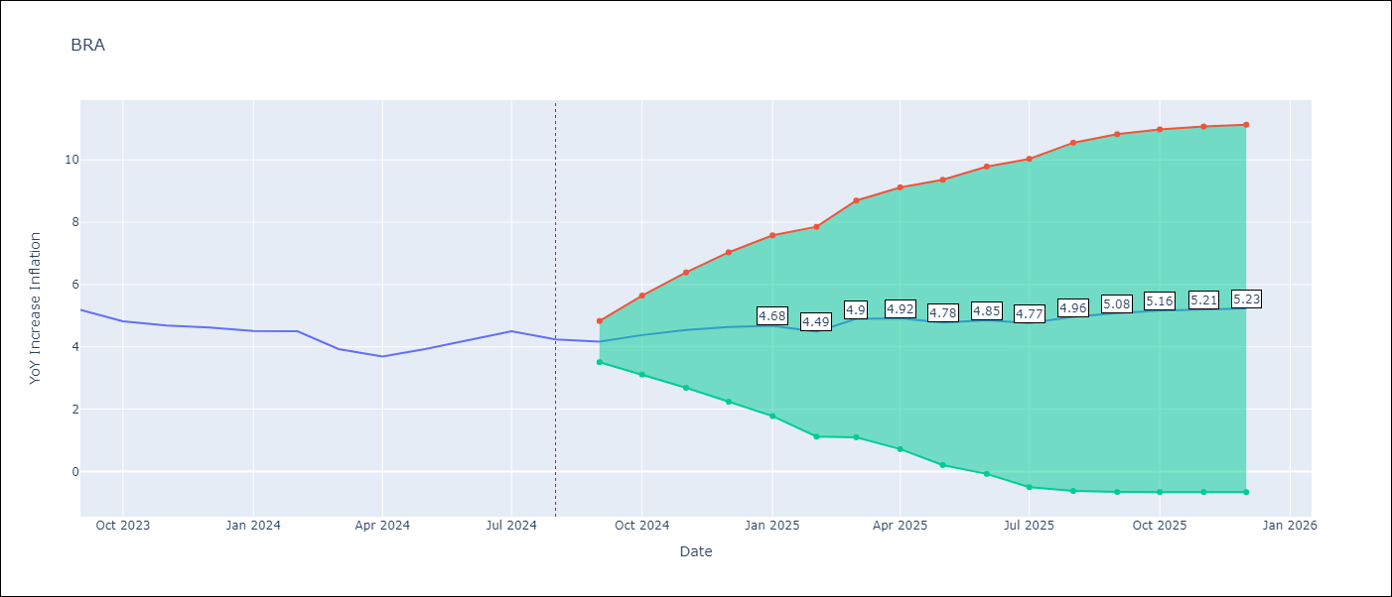

Test Metrics
RMSE | 1.63
Naive RMSE | 0.31
MAPE | 5.27%

Test Predictions
Date | Predicted | Actual
1996-01-01 | 0 | 21.98
1996-02-01 | 41.25 | 21.99
1996-03-01 | 17.29 | 20.55
1996-04-01 | 18.19 | 19.17
1996-05-01 | 17.83 | 17.49
1996-06-01 | 15.61 | 16.26
1996-07-01 | 15.31 | 14.84
1996-08-01 | 13.3 | 14.21
1996-09-01 | 14.09 | 13.26
1996-10-01 | 12.11 | 12.02
1996-11-01 | 10.6 | 10.75
1996-12-01 | 9.46 | 9.56
1997-01-01 | 8.43 | 9.39
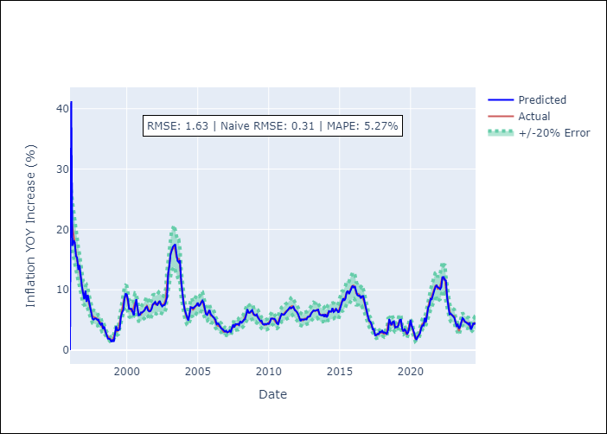
1997-02-01 | 9.86 | 8.82
1997-03-01 | 7.99 | 8.99
1997-04-01 | 9.14 | 8.58
1997-05-01 | 8.17 | 7.71
1997-06-01 | 6.9 | 7.02
1997-07-01 | 6.34 | 6.08
1997-08-01 | 5.2 | 5.59
1997-09-01 | 5.06 | 5.5
1997-10-01 | 5.26 | 5.42
1997-11-01 | 5.22 | 5.27
1997-12-01 | 5.02 | 5.22
1998-01-01 | 5.07 | 4.74
1998-02-01 | 4.42 | 4.69
1998-03-01 | 4.22 | 4.52
1998-04-01 | 4.53 | 3.85
1998-05-01 | 3.51 | 3.95
1998-06-01 | 3.9 | 3.41
1998-07-01 | 3.09 | 3.06
1998-08-01 | 2.55 | 2.55
1998-09-01 | 1.9 | 2.27
1998-10-01 | 1.89 | 2.05
1998-11-01 | 1.78 | 1.76
1998-12-01 | 1.35 | 1.66
1999-01-01 | 1.65 | 1.65
1999-02-01 | 1.39 | 2.24
1999-03-01 | 2.41 | 3.02
1999-04-01 | 3.96 | 3.35
Appendix A: Model Summary |  | 3.14
Model | ARIMA(1, 2, 1)x(0, 0, 1, 12) | 3.32
Sample | 01-01-1996- 08-01-2024 | 4.57
No. of Observations | 344 | 5.69
Terms | P-value (Statistical significance) | 6.26
ar.L1 | 0.000 | 7.5
ma.L1 | 0.978 | 8.65
ma.S.L12 | 0.000 | 8.94
sigma2 | 0.978 | 8.85
Assumptions | P-value | 7.86
2000-03-01 | 6.83 | 6.92
2000-04-01 | 6.78 | 6.77
2000-05-01 | 6.83 | 6.47
2000-06-01 | 6.29 | 6.51
2000-07-01 | 5.77 | 7.06
2000-08-01 | 7.28 | 7.86
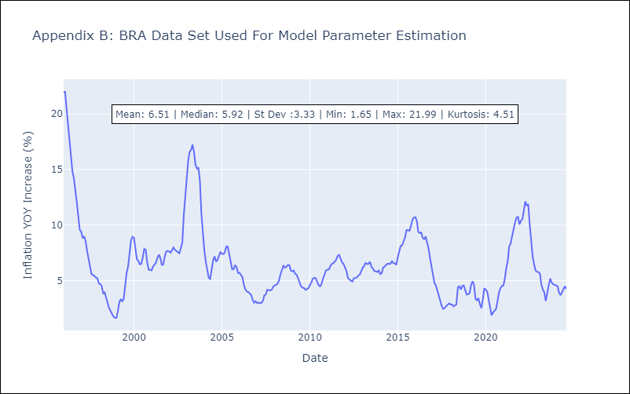
2000-09-01 | 8.44 | 7.77
2000-10-01 | 7.09 | 6.65
2000-11-01 | 5.76 | 5.99
2000-12-01 | 5.82 | 5.97
2001-01-01 | 6.25 | 5.92
2001-02-01 | 6.24 | 6.27
2001-03-01 | 6.45 | 6.44
2001-04-01 | 6.58 | 6.61
2001-05-01 | 7.03 | 7.04
2001-06-01 | 7.18 | 7.35
2001-07-01 | 6.59 | 7.05
2001-08-01 | 6.42 | 6.41
2001-09-01 | 6.5 | 6.46
2001-10-01 | 6.84 | 7.19
2001-11-01 | 7.52 | 7.61
2001-12-01 | 7.79 | 7.67
2002-01-01 | 7.99 | 7.62
2002-02-01 | 7.59 | 7.51
2002-03-01 | 7.48 | 7.75
2002-04-01 | 7.91 | 7.98
2002-05-01 | 8.16 | 7.77
2002-06-01 | 7.52 | 7.66
2002-07-01 | 7.24 | 7.51
2002-08-01 | 7.45 | 7.46
2002-09-01 | 7.47 | 7.93
2002-10-01 | 7.98 | 8.44
2002-11-01 | 8.74 | 10.93
2002-12-01 | 12.7 | 12.53
Appendix C: Residuals Analysis |  | 14.47
Mean | 0.03 | 15.85
2003-03-01 | 16.64 | 16.57
Normal? | No | 16.77
2003-05-01 | 17.33 | 17.24
2003-06-01 | 17.54 | 16.57
2003-07-01 | 16.02 | 15.43
2003-08-01 | 14.76 | 15.07
2003-09-01 | 14.55 | 15.14
2003-10-01 | 14.88 | 13.98
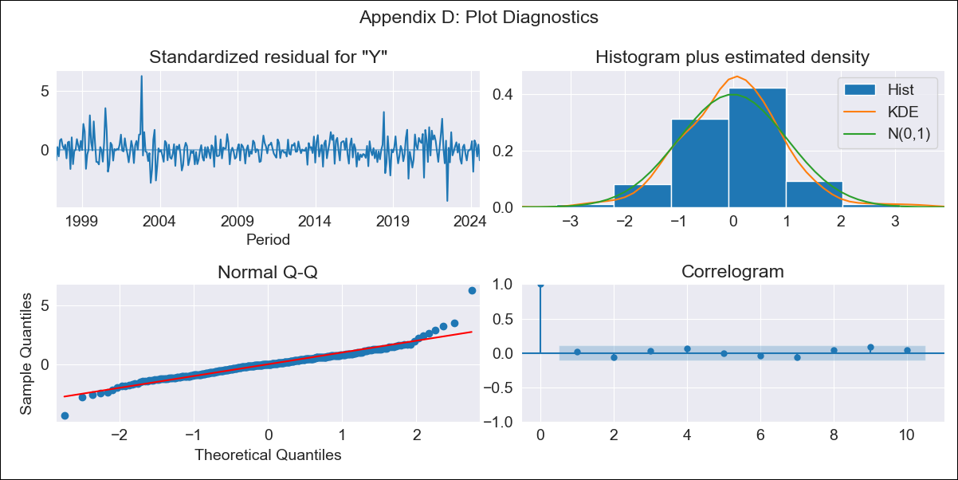
2003-11-01 | 11.5 | 11.02
2003-12-01 | 9.25 | 9.3
2004-01-01 | 7.76 | 7.71
2004-02-01 | 6.69 | 6.69
2004-03-01 | 6.06 | 5.89
2004-04-01 | 5.61 | 5.26
2004-05-01 | 4.89 | 5.15
2004-06-01 | 5.85 | 6.06
2004-07-01 | 7.11 | 6.81
2004-08-01 | 7.03 | 7.18
2004-09-01 | 6.92 | 6.7
2004-10-01 | 7.12 | 6.86
2004-11-01 | 7.35 | 7.24
2004-12-01 | 7.43 | 7.6
2005-01-01 | 7.87 | 7.41
2005-02-01 | 7.28 | 7.39
2005-03-01 | 7.51 | 7.54
2005-04-01 | 7.92 | 8.07
2005-05-01 | 8.2 | 8.05
2005-06-01 | 7.87 | 7.27
2005-07-01 | 7.01 | 6.57
2005-08-01 | 5.97 | 6.02
2005-09-01 | 5.83 | 6.04
2005-10-01 | 6.25 | 6.36
2005-11-01 | 6.66 | 6.22
2005-12-01 | 5.97 | 5.69
2006-01-01 | 5.72 | 5.7
2006-02-01 | 5.6 | 5.51
2006-03-01 | 5.34 | 5.32
2006-04-01 | 5.05 | 4.63
2006-05-01 | 4.29 | 4.23
2006-06-01 | 4.44 | 4.03
2006-07-01 | 4.24 | 3.97
2006-08-01 | 3.86 | 3.84
2006-09-01 | 3.56 | 3.7
2006-10-01 | 3.48 | 3.27
2006-11-01 | 3.33 | 3.02
2006-12-01 | 3.06 | 3.14
2007-01-01 | 3.21 | 2.99
2007-02-01 | 2.93 | 3.02
2007-03-01 | 3.03 | 2.96
2007-04-01 | 3.24 | 3
2007-05-01 | 3.05 | 3.18
2007-06-01 | 3.62 | 3.69
2007-07-01 | 4.23 | 3.74
2007-08-01 | 3.77 | 4.18
2007-09-01 | 4.32 | 4.15
2007-10-01 | 4.29 | 4.12
2007-11-01 | 4.34 | 4.19
2007-12-01 | 4.15 | 4.46
2008-01-01 | 4.81 | 4.56
2008-02-01 | 4.54 | 4.61
2008-03-01 | 4.69 | 4.73
2008-04-01 | 5 | 5.04
2008-05-01 | 5.12 | 5.58
2008-06-01 | 5.86 | 6.06
2008-07-01 | 6.78 | 6.37
2008-08-01 | 6.22 | 6.17
2008-09-01 | 6.18 | 6.25
2008-10-01 | 6.45 | 6.41
2008-11-01 | 6.64 | 6.39
2008-12-01 | 6.12 | 5.9
2009-01-01 | 5.8 | 5.84
2009-02-01 | 5.73 | 5.9
2009-03-01 | 5.91 | 5.61
2009-04-01 | 5.37 | 5.53
2009-05-01 | 5.09 | 5.2
2009-06-01 | 4.8 | 4.8
2009-07-01 | 4.89 | 4.5
2009-08-01 | 4.34 | 4.36
2009-09-01 | 4.21 | 4.34
2009-10-01 | 4.36 | 4.17
2009-11-01 | 4.26 | 4.22
2009-12-01 | 4.42 | 4.31
2010-01-01 | 4.32 | 4.59
2010-02-01 | 4.62 | 4.83
2010-03-01 | 5.24 | 5.17
2010-04-01 | 5.24 | 5.26
2010-05-01 | 5.23 | 5.22
2010-06-01 | 5.19 | 4.84
2010-07-01 | 4.93 | 4.6
2010-08-01 | 4.42 | 4.49
2010-09-01 | 4.29 | 4.7
2010-10-01 | 5 | 5.2
2010-11-01 | 5.54 | 5.64
2010-12-01 | 6.01 | 5.91
2011-01-01 | 5.85 | 5.99
2011-02-01 | 5.87 | 6.01
2011-03-01 | 6.09 | 6.3
2011-04-01 | 6.46 | 6.51
2011-05-01 | 6.65 | 6.55
2011-06-01 | 6.88 | 6.71
2011-07-01 | 7.1 | 6.87
2011-08-01 | 6.92 | 7.23
2011-09-01 | 7.1 | 7.31
2011-10-01 | 7.2 | 6.97
2011-11-01 | 6.67 | 6.64
2011-12-01 | 6.52 | 6.5
2012-01-01 | 6.3 | 6.22
2012-02-01 | 5.91 | 5.85
2012-03-01 | 5.43 | 5.24
2012-04-01 | 4.81 | 5.1
2012-05-01 | 5.1 | 4.99
2012-06-01 | 5.05 | 4.92
2012-07-01 | 5.05 | 5.2
2012-08-01 | 5.12 | 5.24
2012-09-01 | 5.08 | 5.28
2012-10-01 | 5.5 | 5.45
2012-11-01 | 5.58 | 5.53
2012-12-01 | 5.6 | 5.84
2013-01-01 | 6.1 | 6.15
2013-02-01 | 6.41 | 6.31
2013-03-01 | 6.58 | 6.59
2013-04-01 | 6.51 | 6.49
2013-05-01 | 6.53 | 6.5
2013-06-01 | 6.63 | 6.7
2013-07-01 | 6.7 | 6.27
2013-08-01 | 5.89 | 6.09
2013-09-01 | 5.81 | 5.86
2013-10-01 | 5.76 | 5.84
2013-11-01 | 5.86 | 5.77
2013-12-01 | 5.53 | 5.91
2014-01-01 | 5.95 | 5.59
2014-02-01 | 5.46 | 5.68
2014-03-01 | 5.73 | 6.15
2014-04-01 | 6.47 | 6.28
2014-05-01 | 6.38 | 6.38
2014-06-01 | 6.38 | 6.52
2014-07-01 | 6.98 | 6.5
2014-08-01 | 6.32 | 6.51
2014-09-01 | 6.48 | 6.75
2014-10-01 | 6.83 | 6.59
2014-11-01 | 6.56 | 6.56
2014-12-01 | 6.21 | 6.41
2015-01-01 | 6.63 | 7.14
2015-02-01 | 7.41 | 7.7
2015-03-01 | 7.7 | 8.13
2015-04-01 | 8.57 | 8.17
2015-05-01 | 8.21 | 8.47
2015-06-01 | 8.55 | 8.89
2015-07-01 | 9.58 | 9.56
2015-08-01 | 9.83 | 9.53
2015-09-01 | 9.28 | 9.49
2015-10-01 | 9.69 | 9.93
2015-11-01 | 10.22 | 10.48
2015-12-01 | 10.67 | 10.67
2016-01-01 | 10.37 | 10.71
2016-02-01 | 10.49 | 10.36
2016-03-01 | 9.78 | 9.39
2016-04-01 | 9.12 | 9.28
2016-05-01 | 8.99 | 9.32
2016-06-01 | 9.06 | 8.84
2016-07-01 | 8.57 | 8.74
2016-08-01 | 8.93 | 8.97
2016-09-01 | 8.95 | 8.48
2016-10-01 | 7.96 | 7.87
2016-11-01 | 7.28 | 6.99
2016-12-01 | 6.42 | 6.29
2017-01-01 | 5.56 | 5.35
2017-02-01 | 4.87 | 4.76
2017-03-01 | 4.71 | 4.57
2017-04-01 | 4.31 | 4.08
2017-05-01 | 3.48 | 3.6
2017-06-01 | 3.46 | 3
2017-07-01 | 2.46 | 2.71
2017-08-01 | 2.48 | 2.46
2017-09-01 | 2.69 | 2.54
2017-10-01 | 2.65 | 2.7
2017-11-01 | 3.04 | 2.8
2017-12-01 | 2.97 | 2.95
2018-01-01 | 3.2 | 2.86
2018-02-01 | 2.88 | 2.84
2018-03-01 | 2.95 | 2.68
2018-04-01 | 2.76 | 2.76
2018-05-01 | 2.71 | 2.85
2018-06-01 | 3.3 | 4.39
2018-07-01 | 5.15 | 4.48
2018-08-01 | 4.56 | 4.19
2018-09-01 | 4.13 | 4.53
2018-10-01 | 4.69 | 4.56
2018-11-01 | 4.78 | 4.05
2018-12-01 | 3.73 | 3.75
2019-01-01 | 3.85 | 3.78
2019-02-01 | 3.82 | 3.89
2019-03-01 | 4.19 | 4.58
2019-04-01 | 5 | 4.94
2019-05-01 | 5.04 | 4.66
2019-06-01 | 3.54 | 3.37
2019-07-01 | 3.11 | 3.22
2019-08-01 | 3.44 | 3.43
2019-09-01 | 3.22 | 2.89
2019-10-01 | 2.66 | 2.54
2019-11-01 | 2.92 | 3.27
2019-12-01 | 3.73 | 4.31
2020-01-01 | 5.02 | 4.19
2020-02-01 | 4.06 | 4
2020-03-01 | 3.55 | 3.3
2020-04-01 | 2.9 | 2.4
2020-05-01 | 2.14 | 1.88
2020-06-01 | 1.69 | 2.13
2020-07-01 | 2.19 | 2.31
2020-08-01 | 2.41 | 2.44
2020-09-01 | 2.79 | 3.14
2020-10-01 | 3.68 | 3.92
2020-11-01 | 4.11 | 4.31
2020-12-01 | 4.06 | 4.52
2021-01-01 | 5.35 | 4.56
2021-02-01 | 4.63 | 5.2
2021-03-01 | 5.81 | 6.1
2021-04-01 | 7.1 | 6.76
2021-05-01 | 7.41 | 8.06
2021-06-01 | 8.51 | 8.35
2021-07-01 | 8.44 | 8.99
2021-08-01 | 9.38 | 9.68
2021-09-01 | 9.83 | 10.25
2021-10-01 | 10.41 | 10.67
2021-11-01 | 10.77 | 10.74
2021-12-01 | 10.4 | 10.06
2022-01-01 | 10.32 | 10.38
2022-02-01 | 10.1 | 10.54
2022-03-01 | 10.41 | 11.3
2022-04-01 | 12.09 | 12.13
2022-05-01 | 12.11 | 11.73
2022-06-01 | 11.62 | 11.89
2022-07-01 | 11.53 | 10.07
2022-08-01 | 8.67 | 8.73
2022-09-01 | 7.53 | 7.17
2022-10-01 | 5.96 | 6.47
2022-11-01 | 6.06 | 5.9
2022-12-01 | 5.83 | 5.79
2023-01-01 | 5.67 | 5.77
2023-02-01 | 5.38 | 5.6
2023-03-01 | 4.72 | 4.65
2023-04-01 | 4.01 | 4.18
2023-05-01 | 4.2 | 3.94
2023-06-01 | 3.55 | 3.16
2023-07-01 | 3.91 | 3.99
2023-08-01 | 4.46 | 4.61
2023-09-01 | 5.3 | 5.19
2023-10-01 | 5.12 | 4.82
2023-11-01 | 4.72 | 4.68
2023-12-01 | 4.62 | 4.62
2024-01-01 | 4.49 | 4.51
2024-02-01 | 4.25 | 4.5
2024-03-01 | 4.55 | 3.93
2024-04-01 | 3.42 | 3.69
2024-05-01 | 3.76 | 3.93
2024-06-01 | 4.42 | 4.23
2024-07-01 | 4.35 | 4.5
2024-08-01 | 4.54 | 4.24

CHL
CHL - Inflation - Next 12 months forecast as of: 2024-08-01

Model | ARIMA - [(2, 0, 0), (0, 0, 1, 12)]
Training Data | 1990-01-01 to 2023-09-01
Test Data | 2023-09-01 to 2024-08-01

Date | Inflation Change YoY % | Lower Bound - 95% Confidence Interval | Upper Bound - 95% Confidence Interval
2024-09-01 | 4.57 | 2.8 | 6.34
2024-10-01 | 4.88 | 2.37 | 7.38
2024-11-01 | 4.49 | 1.51 | 7.48
2024-12-01 | 4.1 | 0.77 | 7.44
2025-01-01 | 4.2 | 0.61 | 7.8
2025-02-01 | 4.71 | 0.91 | 8.51
2025-03-01 | 4.77 | 0.81 | 8.74
2025-04-01 | 5.43 | 1.33 | 9.52
2025-05-01 | 6 | 1.8 | 10.19
2025-06-01 | 6.61 | 2.33 | 10.89
2025-07-01 | 7.22 | 2.88 | 11.57
2025-08-01 | 7.86 | 3.45 | 12.26
2025-09-01 | 7.65 | 2.9 | 12.39
2025-10-01 | 7.39 | 2.35 | 12.43
2025-11-01 | 7.14 | 1.87 | 12.42
2025-12-01 | 6.92 | 1.46 | 12.38

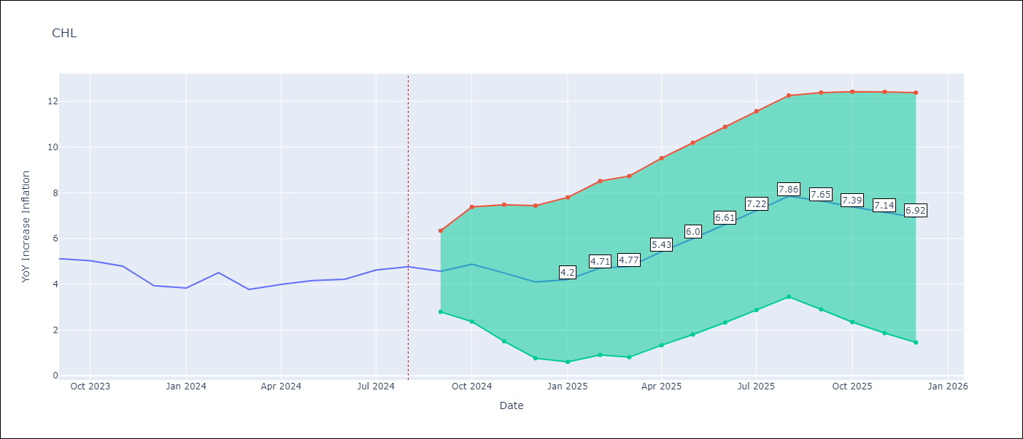

Test Metrics
RMSE | 2.21
Naive RMSE | 0.42
MAPE | 51.15%

Test Predictions
Date | Predicted | Actual
1990-01-01 | 3.91 | 23.9
2000-01-01 | 32.52 | 2.83
2000-02-01 | -6.85 | 3.33
2000-03-01 | 3.58 | 3.42
2000-04-01 | 3.48 | 3.53
2000-05-01 | 3.59 | 3.63
2000-06-01 | 3.68 | 3.72
2000-07-01 | 3.77 | 3.79
2000-08-01 | 3.82 | 3.85
2000-09-01 | 3.88 | 4.25
2000-10-01 | 4.42 | 4.51
2000-11-01 | 4.61 | 4.68
2000-12-01 | 4.74 | 4.53
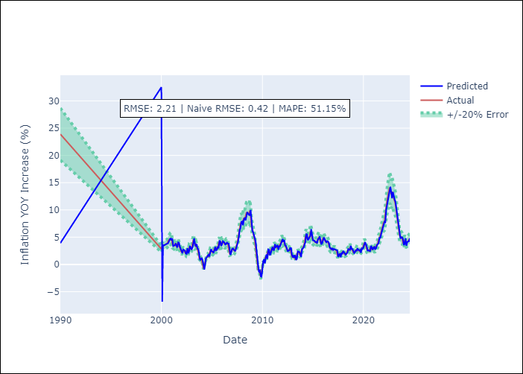
2001-01-01 | 4.43 | 4.69
2001-02-01 | 4.75 | 3.79
2001-03-01 | 3.38 | 3.53
2001-04-01 | 3.43 | 3.51
2001-05-01 | 3.51 | 3.74
2001-06-01 | 3.85 | 3.56
2001-07-01 | 3.49 | 3.22
2001-08-01 | 3.09 | 3.78
2001-09-01 | 4.05 | 3.91
2001-10-01 | 3.97 | 3.43
2001-11-01 | 3.22 | 3.07
2001-12-01 | 2.93 | 2.64
2002-01-01 | 2.48 | 2.21
2002-02-01 | 2.05 | 2.53
2002-03-01 | 2.73 | 2.59
2002-04-01 | 2.65 | 2.5
2002-05-01 | 2.51 | 2.15
2002-06-01 | 2.04 | 1.96
2002-07-01 | 1.93 | 2.61
2002-08-01 | 2.96 | 2.18
2002-09-01 | 2.03 | 2.29
2002-10-01 | 2.38 | 3.04
2002-11-01 | 3.41 | 2.96
2002-12-01 | 2.95 | 2.82
2003-01-01 | 2.79 | 3.01
2003-02-01 | 3.13 | 3.83
2003-03-01 | 4.21 | 4.49
Appendix A: Model Summary |  | 4
Model | ARIMA(2, 0, 0)x(0, 0, [1], 12) | 3.51
Sample | 01-01-1990- 08-01-2024 | 3.64
No. of Observations | 416 | 3.1
Terms | P-value (Statistical significance) | 2.88
const | 0.000 | 2.21
ar.L1 | 0.000 | 1.17
ar.L2 | 0.336 | 0.95
ma.S.L12 | 0.000 | 1.07
sigma2 | 0.000 | 0.79
Assumptions | P-value | -0.01
2004-03-01 | -0.26 | -0.75
2004-04-01 | -0.96 | -0.29
2004-05-01 | 0.05 | 0.62
2004-06-01 | 1.14 | 1.06
2004-07-01 | 1.33 | 1.38
2004-08-01 | 1.6 | 1.6
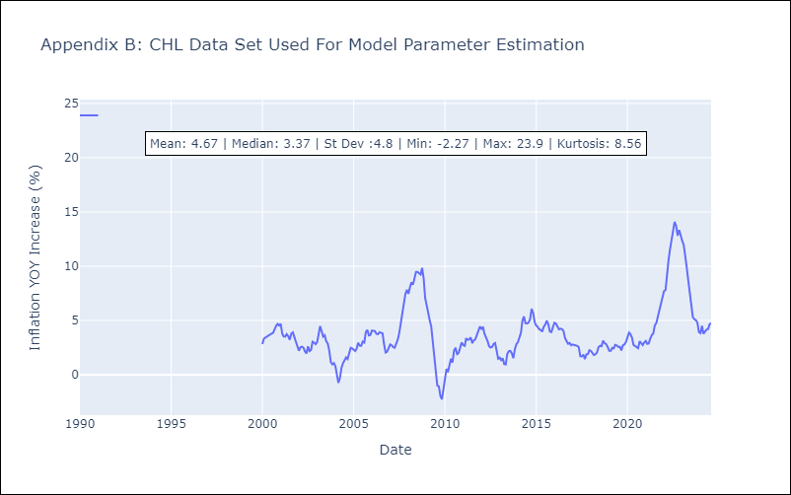
2004-09-01 | 1.76 | 1.45
2004-10-01 | 1.45 | 1.91
2004-11-01 | 2.18 | 2.48
2004-12-01 | 2.79 | 2.43
2005-01-01 | 2.44 | 2.29
2005-02-01 | 2.27 | 2.19
2005-03-01 | 2.18 | 2.4
2005-04-01 | 2.56 | 2.94
2005-05-01 | 3.23 | 2.69
2005-06-01 | 2.6 | 2.67
2005-07-01 | 2.69 | 3.06
2005-08-01 | 3.26 | 2.97
2005-09-01 | 2.95 | 3.93
2005-10-01 | 4.38 | 4.14
2005-11-01 | 4.23 | 3.62
2005-12-01 | 3.39 | 3.66
2006-01-01 | 3.69 | 4.08
2006-02-01 | 4.26 | 4.08
2006-03-01 | 4.08 | 4.03
2006-04-01 | 4.01 | 3.77
2006-05-01 | 3.64 | 3.74
2006-06-01 | 3.73 | 3.92
2006-07-01 | 4 | 3.84
2006-08-01 | 3.81 | 3.81
2006-09-01 | 3.82 | 2.81
2006-10-01 | 2.38 | 2.05
2006-11-01 | 1.75 | 2.12
2006-12-01 | 2.21 | 2.57
Appendix C: Residuals Analysis |  | 2.8
Mean | 0.08 | 2.72
2007-03-01 | 2.71 | 2.55
Normal? | Yes | 2.49
2007-05-01 | 2.5 | 2.87
2007-06-01 | 3.08 | 3.23
2007-07-01 | 3.41 | 3.83
2007-08-01 | 4.11 | 4.68
2007-09-01 | 5.04 | 5.85
2007-10-01 | 6.33 | 6.45
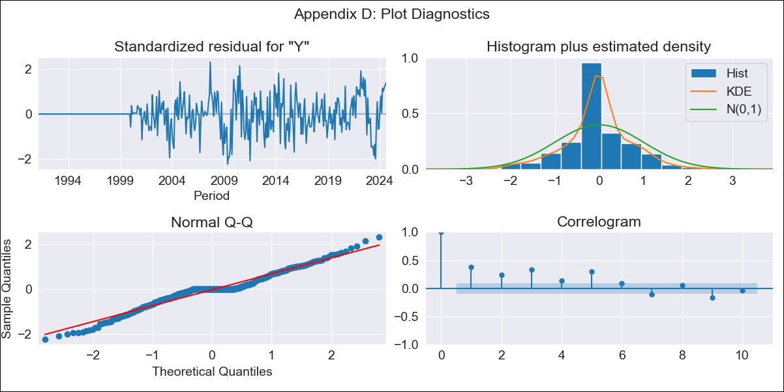
2007-11-01 | 6.66 | 7.44
2007-12-01 | 7.79 | 7.82
2008-01-01 | 7.89 | 7.46
2008-02-01 | 7.18 | 8.07
2008-03-01 | 8.23 | 8.51
2008-04-01 | 8.57 | 8.3
2008-05-01 | 8.08 | 8.88
2008-06-01 | 8.99 | 9.47
2008-07-01 | 9.59 | 9.48
2008-08-01 | 9.32 | 9.31
2008-09-01 | 9.08 | 9.23
2008-10-01 | 9.04 | 9.85
2008-11-01 | 9.97 | 8.89
2008-12-01 | 8.3 | 7.09
2009-01-01 | 6.17 | 6.32
2009-02-01 | 5.9 | 5.51
2009-03-01 | 5.09 | 5.04
2009-04-01 | 4.78 | 4.48
2009-05-01 | 4.21 | 3.03
2009-06-01 | 2.39 | 1.86
2009-07-01 | 1.39 | 0.29
2009-08-01 | -0.33 | -1
2009-09-01 | -1.44 | -1.08
2009-10-01 | -0.95 | -1.94
2009-11-01 | -2.18 | -2.27
2009-12-01 | -2.25 | -1.38
2010-01-01 | -0.81 | -0.11
2010-02-01 | 0.6 | 0.54
2010-03-01 | 0.93 | 0.23
2010-04-01 | 0.2 | 0.86
2010-05-01 | 1.22 | 1.47
2010-06-01 | 1.82 | 1.12
2010-07-01 | 1.03 | 2.22
2010-08-01 | 2.76 | 2.49
2010-09-01 | 2.66 | 1.9
2010-10-01 | 1.67 | 2
2010-11-01 | 2.1 | 2.54
2010-12-01 | 2.84 | 2.97
2011-01-01 | 3.21 | 2.73
2011-02-01 | 2.65 | 2.66
2011-03-01 | 2.66 | 3.37
2011-04-01 | 3.72 | 3.21
2011-05-01 | 3.16 | 3.26
2011-06-01 | 3.29 | 3.44
2011-07-01 | 3.55 | 2.91
2011-08-01 | 2.69 | 3.17
2011-09-01 | 3.31 | 3.27
2011-10-01 | 3.34 | 3.67
2011-11-01 | 3.86 | 3.93
2011-12-01 | 4.05 | 4.44
2012-01-01 | 4.66 | 4.23
2012-02-01 | 4.13 | 4.42
2012-03-01 | 4.5 | 3.79
2012-04-01 | 3.49 | 3.52
2012-05-01 | 3.4 | 3.13
2012-06-01 | 2.97 | 2.65
2012-07-01 | 2.45 | 2.51
2012-08-01 | 2.49 | 2.56
2012-09-01 | 2.63 | 2.84
2012-10-01 | 3.01 | 2.92
2012-11-01 | 2.99 | 2.13
2012-12-01 | 1.83 | 1.49
2013-01-01 | 1.25 | 1.58
2013-02-01 | 1.69 | 1.3
2013-03-01 | 1.24 | 1.53
2013-04-01 | 1.71 | 0.98
2013-05-01 | 0.81 | 0.95
2013-06-01 | 1.01 | 1.9
2013-07-01 | 2.4 | 2.17
2013-08-01 | 2.34 | 2.2
2013-09-01 | 2.27 | 1.96
2013-10-01 | 1.91 | 1.53
2013-11-01 | 1.39 | 2.37
2013-12-01 | 2.81 | 2.81
2014-01-01 | 3.05 | 3.01
2014-02-01 | 3.13 | 3.39
2014-03-01 | 3.58 | 3.86
2014-04-01 | 4.07 | 5.01
2014-05-01 | 5.51 | 5.37
2014-06-01 | 5.51 | 4.75
2014-07-01 | 4.44 | 4.73
2014-08-01 | 4.69 | 4.81
2014-09-01 | 4.82 | 5.13
2014-10-01 | 5.23 | 6.08
2014-11-01 | 6.46 | 5.7
2014-12-01 | 5.47 | 4.85
2015-01-01 | 4.43 | 4.53
2015-02-01 | 4.37 | 4.4
2015-03-01 | 4.33 | 4.18
2015-04-01 | 4.08 | 4.14
2015-05-01 | 4.11 | 3.97
2015-06-01 | 3.88 | 4.42
2015-07-01 | 4.62 | 4.62
2015-08-01 | 4.69 | 4.99
2015-09-01 | 5.13 | 4.64
2015-10-01 | 4.47 | 3.99
2015-11-01 | 3.67 | 3.94
2015-12-01 | 3.91 | 4.38
2016-01-01 | 4.57 | 4.79
2016-02-01 | 4.95 | 4.71
2016-03-01 | 4.64 | 4.45
2016-04-01 | 4.32 | 4.19
2016-05-01 | 4.05 | 4.24
2016-06-01 | 4.27 | 4.21
2016-07-01 | 4.18 | 4.02
2016-08-01 | 3.94 | 3.37
2016-09-01 | 3.08 | 3.1
2016-10-01 | 2.99 | 2.85
2016-11-01 | 2.77 | 2.93
2016-12-01 | 3 | 2.71
2017-01-01 | 2.65 | 2.78
2017-02-01 | 2.84 | 2.74
2017-03-01 | 2.75 | 2.74
2017-04-01 | 2.77 | 2.66
2017-05-01 | 2.66 | 2.55
2017-06-01 | 2.55 | 1.7
2017-07-01 | 1.38 | 1.69
2017-08-01 | 1.74 | 1.86
2017-09-01 | 2 | 1.45
2017-10-01 | 1.33 | 1.88
2017-11-01 | 2.14 | 1.91
2017-12-01 | 1.98 | 2.27
2018-01-01 | 2.48 | 2.19
2018-02-01 | 2.21 | 2
2018-03-01 | 1.96 | 1.81
2018-04-01 | 1.79 | 1.89
2018-05-01 | 1.98 | 2.04
2018-06-01 | 2.16 | 2.54
2018-07-01 | 2.82 | 2.67
2018-08-01 | 2.76 | 2.63
2018-09-01 | 2.64 | 3.14
2018-10-01 | 3.41 | 2.91
2018-11-01 | 2.83 | 2.82
2018-12-01 | 2.82 | 2.57
2019-01-01 | 2.49 | 2.21
2019-02-01 | 2.09 | 2.2
2019-03-01 | 2.25 | 2.48
2019-04-01 | 2.65 | 2.43
2019-05-01 | 2.45 | 2.76
2019-06-01 | 2.95 | 2.7
2019-07-01 | 2.71 | 2.57
2019-08-01 | 2.54 | 2.59
2019-09-01 | 2.64 | 2.24
2019-10-01 | 2.13 | 2.71
2019-11-01 | 2.96 | 2.79
2019-12-01 | 2.85 | 3
2020-01-01 | 3.12 | 3.46
2020-02-01 | 3.69 | 3.89
2020-03-01 | 4.09 | 3.74
2020-04-01 | 3.68 | 3.42
2020-05-01 | 3.29 | 2.75
2020-06-01 | 2.48 | 2.63
2020-07-01 | 2.61 | 2.5
2020-08-01 | 2.48 | 2.45
2020-09-01 | 2.46 | 3.09
2020-10-01 | 3.42 | 2.95
2020-11-01 | 2.91 | 2.73
2020-12-01 | 2.67 | 2.97
2021-01-01 | 3.11 | 3.12
2021-02-01 | 3.21 | 2.85
2021-03-01 | 2.75 | 2.88
2021-04-01 | 2.93 | 3.32
2021-05-01 | 3.54 | 3.65
2021-06-01 | 3.81 | 3.8
2021-07-01 | 3.88 | 4.54
2021-08-01 | 4.86 | 4.78
2021-09-01 | 4.86 | 5.34
2021-10-01 | 5.55 | 6.03
2021-11-01 | 6.28 | 6.7
2021-12-01 | 6.93 | 7.17
2022-01-01 | 7.29 | 7.7
2022-02-01 | 7.83 | 7.81
2022-03-01 | 7.75 | 9.41
2022-04-01 | 9.99 | 10.52
2022-05-01 | 10.83 | 11.55
2022-06-01 | 11.79 | 12.49
2022-07-01 | 12.68 | 13.12
2022-08-01 | 13.14 | 14.09
2022-09-01 | 14.24 | 13.73
2022-10-01 | 13.28 | 12.81
2022-11-01 | 12.13 | 13.34
2022-12-01 | 13.31 | 12.79
2023-01-01 | 12.28 | 12.33
2023-02-01 | 11.88 | 11.95
2023-03-01 | 11.55 | 11.09
2023-04-01 | 10.5 | 9.91
2023-05-01 | 9.19 | 8.73
2023-06-01 | 8.05 | 7.56
2023-07-01 | 6.92 | 6.48
2023-08-01 | 5.91 | 5.32
2023-09-01 | 4.73 | 5.12
2023-10-01 | 4.99 | 5.03
2023-11-01 | 4.97 | 4.8
2023-12-01 | 4.66 | 3.94
2024-01-01 | 3.54 | 3.84
2024-02-01 | 3.79 | 4.51
2024-03-01 | 4.8 | 3.78
2024-04-01 | 3.43 | 4
2024-05-01 | 4.09 | 4.16
2024-06-01 | 4.22 | 4.22
2024-07-01 | 4.23 | 4.63
2024-08-01 | 4.79 | 4.77

COL
COL - Inflation - Next 12 months forecast as of: 2024-08-01

Model | ARIMA - [(1, 0, 1), (0, 0, 0, 12)]
Training Data | 1990-01-01 to 2023-09-01
Test Data | 2023-09-01 to 2024-08-01

Date | Inflation Change YoY % | Lower Bound - 95% Confidence Interval | Upper Bound - 95% Confidence Interval
2024-09-01 | 6.11 | 3.99 | 8.22
2024-10-01 | 6.12 | 3.17 | 9.06
2024-11-01 | 6.13 | 2.61 | 9.64
2024-12-01 | 6.14 | 2.18 | 10.09
2025-01-01 | 6.14 | 1.84 | 10.45
2025-02-01 | 6.15 | 1.56 | 10.75
2025-03-01 | 6.16 | 1.32 | 11
2025-04-01 | 6.17 | 1.12 | 11.21
2025-05-01 | 6.17 | 0.96 | 11.39
2025-06-01 | 6.18 | 0.81 | 11.55
2025-07-01 | 6.19 | 0.69 | 11.68
2025-08-01 | 6.19 | 0.59 | 11.8
2025-09-01 | 6.2 | 0.49 | 11.9
2025-10-01 | 6.2 | 0.41 | 11.99
2025-11-01 | 6.21 | 0.34 | 12.07
2025-12-01 | 6.21 | 0.28 | 12.14

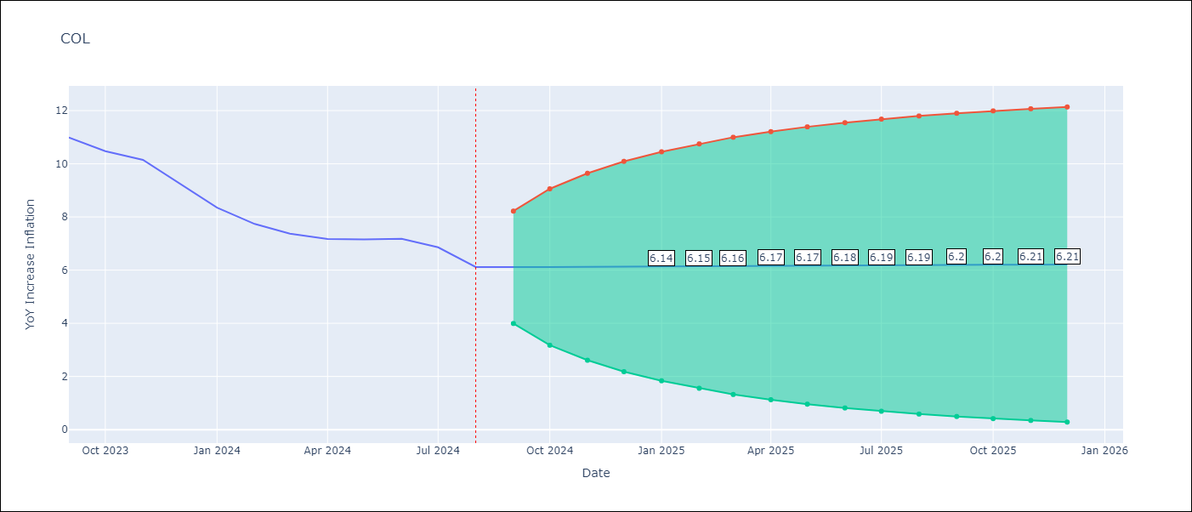

Test Metrics
RMSE | 1.67
Naive RMSE | 0.53
MAPE | 6.07%

Test Predictions
Date | Predicted | Actual
1990-01-01 | 4.93 | 26.69
2000-01-01 | 26.33 | 8.25
2000-02-01 | 8.19 | 8.89
2000-03-01 | 9.1 | 9.73
2000-04-01 | 9.93 | 9.96
2000-05-01 | 9.88 | 10
2000-06-01 | 9.97 | 9.68
2000-07-01 | 9.45 | 9.29
2000-08-01 | 9.14 | 9.1
2000-09-01 | 9.01 | 9.2
2000-10-01 | 9.22 | 8.99
2000-11-01 | 8.81 | 8.82
2000-12-01 | 8.77 | 8.75
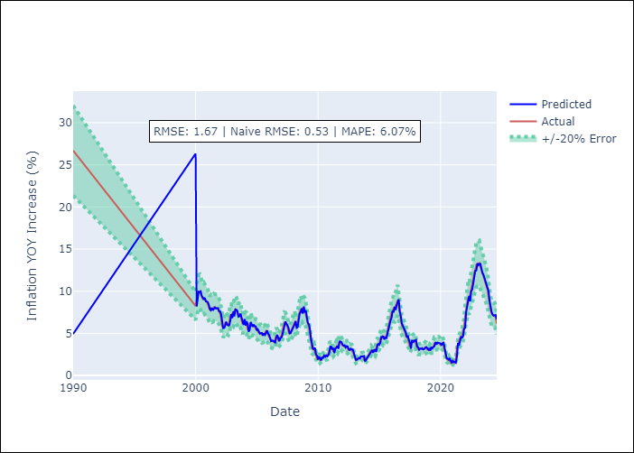
2001-01-01 | 8.68 | 8.49
2001-02-01 | 8.35 | 8.06
2001-03-01 | 7.87 | 7.81
2001-04-01 | 7.74 | 7.98
2001-05-01 | 8.04 | 7.87
2001-06-01 | 7.73 | 7.93
2001-07-01 | 7.97 | 8.09
2001-08-01 | 8.09 | 8.03
2001-09-01 | 7.95 | 7.97
2001-10-01 | 7.93 | 8.01
2001-11-01 | 7.99 | 7.78
2001-12-01 | 7.63 | 7.65
2002-01-01 | 7.61 | 7.37
2002-02-01 | 7.22 | 6.7
2002-03-01 | 6.43 | 5.89
2002-04-01 | 5.62 | 5.65
2002-05-01 | 5.65 | 5.84
2002-06-01 | 5.91 | 6.25
2002-07-01 | 6.39 | 6.16
2002-08-01 | 6.03 | 5.98
2002-09-01 | 5.94 | 5.97
2002-10-01 | 5.97 | 6.37
2002-11-01 | 6.53 | 7.07
2002-12-01 | 7.29 | 6.99
2003-01-01 | 6.82 | 7.39
2003-02-01 | 7.63 | 7.24
2003-03-01 | 7.02 | 7.6
Appendix A: Model Summary |  | 7.85
Model | ARIMA(1, 0, 1) | 7.73
Sample | 01-01-1990- 08-01-2024 | 7.21
No. of Observations | 416 | 7.04
Terms | P-value (Statistical significance) | 7.26
const | 0.018 | 7.11
ar.L1 | 0.000 | 6.58
ma.L1 | 0.939 | 6.13
sigma2 | 0.000 | 6.49
Assumptions | P-value | 6.19
2004-02-01 | 5.92 | 6.28
2004-03-01 | 6.43 | 6.21
2004-04-01 | 6.09 | 5.49
2004-05-01 | 5.19 | 5.37
2004-06-01 | 5.45 | 6.07
2004-07-01 | 6.34 | 6.19
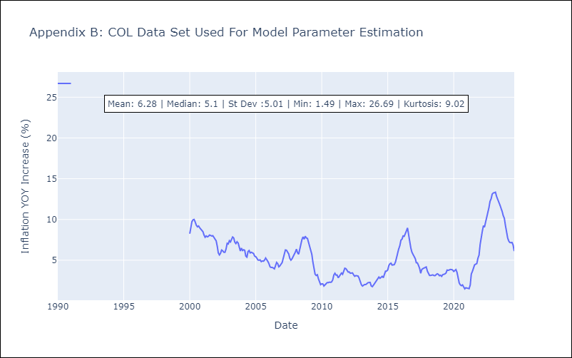
2004-08-01 | 6.09 | 5.89
2004-09-01 | 5.78 | 5.97
2004-10-01 | 6.05 | 5.9
2004-11-01 | 5.81 | 5.82
2004-12-01 | 5.81 | 5.5
2005-01-01 | 5.34 | 5.43
2005-02-01 | 5.47 | 5.25
2005-03-01 | 5.14 | 5.03
2005-04-01 | 4.97 | 5.01
2005-05-01 | 5.02 | 5.04
2005-06-01 | 5.04 | 4.83
2005-07-01 | 4.72 | 4.91
2005-08-01 | 5 | 4.88
2005-09-01 | 4.82 | 5.02
2005-10-01 | 5.11 | 5.27
2005-11-01 | 5.34 | 5.1
2005-12-01 | 4.98 | 4.85
2006-01-01 | 4.8 | 4.56
2006-02-01 | 4.46 | 4.19
2006-03-01 | 4.07 | 4.11
2006-04-01 | 4.15 | 4.12
2006-05-01 | 4.12 | 4.04
2006-06-01 | 4.01 | 3.94
2006-07-01 | 3.92 | 4.32
2006-08-01 | 4.52 | 4.72
2006-09-01 | 4.83 | 4.58
2006-10-01 | 4.46 | 4.19
2006-11-01 | 4.07 | 4.31
Appendix C: Residuals Analysis |  | 4.48
Mean | 0.06 | 4.71
2007-02-01 | 4.81 | 5.25
Normal? | Yes | 5.78
2007-04-01 | 5.92 | 6.26
2007-05-01 | 6.39 | 6.23
2007-06-01 | 6.13 | 6.03
2007-07-01 | 5.97 | 5.77
2007-08-01 | 5.66 | 5.22
2007-09-01 | 5 | 5.01
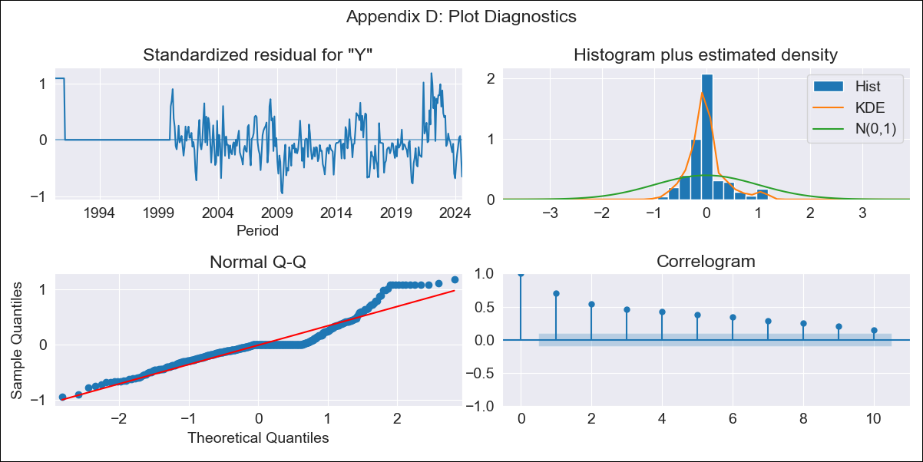
2007-10-01 | 5.01 | 5.16
2007-11-01 | 5.23 | 5.41
2007-12-01 | 5.49 | 5.69
2008-01-01 | 5.78 | 6
2008-02-01 | 6.08 | 6.35
2008-03-01 | 6.46 | 5.93
2008-04-01 | 5.66 | 5.73
2008-05-01 | 5.75 | 6.39
2008-06-01 | 6.68 | 7.18
2008-07-01 | 7.38 | 7.52
2008-08-01 | 7.54 | 7.87
2008-09-01 | 7.98 | 7.57
2008-10-01 | 7.34 | 7.94
2008-11-01 | 8.17 | 7.73
2008-12-01 | 7.47 | 7.67
2009-01-01 | 7.72 | 7.18
2009-02-01 | 6.88 | 6.47
2009-03-01 | 6.25 | 6.14
2009-04-01 | 6.07 | 5.72
2009-05-01 | 5.55 | 4.77
2009-06-01 | 4.4 | 3.81
2009-07-01 | 3.55 | 3.27
2009-08-01 | 3.17 | 3.13
2009-09-01 | 3.14 | 3.21
2009-10-01 | 3.28 | 2.72
2009-11-01 | 2.49 | 2.37
2009-12-01 | 2.36 | 2
2010-01-01 | 1.88 | 2.1
2010-02-01 | 2.25 | 2.09
2010-03-01 | 2.06 | 1.83
2010-04-01 | 1.78 | 1.99
2010-05-01 | 2.13 | 2.07
2010-06-01 | 2.09 | 2.25
2010-07-01 | 2.37 | 2.24
2010-08-01 | 2.23 | 2.31
2010-09-01 | 2.39 | 2.28
2010-10-01 | 2.27 | 2.33
2010-11-01 | 2.41 | 2.59
2010-12-01 | 2.72 | 3.18
2011-01-01 | 3.42 | 3.4
2011-02-01 | 3.41 | 3.17
2011-03-01 | 3.08 | 3.19
2011-04-01 | 3.27 | 2.84
2011-05-01 | 2.67 | 3.02
2011-06-01 | 3.21 | 3.23
2011-07-01 | 3.27 | 3.43
2011-08-01 | 3.53 | 3.27
2011-09-01 | 3.18 | 3.73
2011-10-01 | 4.02 | 4.01
2011-11-01 | 4.03 | 3.96
2011-12-01 | 3.94 | 3.72
2012-01-01 | 3.64 | 3.55
2012-02-01 | 3.53 | 3.56
2012-03-01 | 3.59 | 3.4
2012-04-01 | 3.33 | 3.42
2012-05-01 | 3.49 | 3.44
2012-06-01 | 3.44 | 3.2
2012-07-01 | 3.11 | 3.03
2012-08-01 | 3.02 | 3.11
2012-09-01 | 3.19 | 3.08
2012-10-01 | 3.06 | 3.06
2012-11-01 | 3.09 | 2.78
2012-12-01 | 2.67 | 2.44
2013-01-01 | 2.37 | 1.99
2013-02-01 | 1.86 | 1.83
2013-03-01 | 1.86 | 1.91
2013-04-01 | 1.99 | 2.02
2013-05-01 | 2.08 | 2
2013-06-01 | 2.02 | 2.16
2013-07-01 | 2.27 | 2.23
2013-08-01 | 2.25 | 2.26
2013-09-01 | 2.31 | 2.27
2013-10-01 | 2.3 | 1.84
2013-11-01 | 1.68 | 1.75
2013-12-01 | 1.85 | 1.93
2014-01-01 | 2.02 | 2.13
2014-02-01 | 2.23 | 2.32
2014-03-01 | 2.4 | 2.51
2014-04-01 | 2.6 | 2.72
2014-05-01 | 2.82 | 2.93
2014-06-01 | 3.02 | 2.78
2014-07-01 | 2.7 | 2.89
2014-08-01 | 3.02 | 3.02
2014-09-01 | 3.05 | 2.85
2014-10-01 | 2.79 | 3.29
2014-11-01 | 3.56 | 3.66
2014-12-01 | 3.73 | 3.66
2015-01-01 | 3.65 | 3.82
2015-02-01 | 3.91 | 4.36
2015-03-01 | 4.57 | 4.55
2015-04-01 | 4.55 | 4.64
2015-05-01 | 4.68 | 4.4
2015-06-01 | 4.28 | 4.42
2015-07-01 | 4.5 | 4.46
2015-08-01 | 4.45 | 4.75
2015-09-01 | 4.89 | 5.35
2015-10-01 | 5.56 | 5.9
2015-11-01 | 6.04 | 6.39
2015-12-01 | 6.53 | 6.77
2016-01-01 | 6.85 | 7.46
2016-02-01 | 7.7 | 7.59
2016-03-01 | 7.49 | 7.98
2016-04-01 | 8.16 | 7.93
2016-05-01 | 7.78 | 8.2
2016-06-01 | 8.35 | 8.6
2016-07-01 | 8.66 | 8.96
2016-08-01 | 9.04 | 8.1
2016-09-01 | 7.6 | 7.27
2016-10-01 | 7.08 | 6.48
2016-11-01 | 6.18 | 5.97
2016-12-01 | 5.85 | 5.75
2017-01-01 | 5.68 | 5.47
2017-02-01 | 5.36 | 5.19
2017-03-01 | 5.1 | 4.69
2017-04-01 | 4.5 | 4.66
2017-05-01 | 4.74 | 4.37
2017-06-01 | 4.2 | 3.99
2017-07-01 | 3.91 | 3.4
2017-08-01 | 3.18 | 3.87
2017-09-01 | 4.21 | 3.97
2017-10-01 | 3.87 | 4.05
2017-11-01 | 4.15 | 4.12
2017-12-01 | 4.12 | 4.18
2018-01-01 | 4.22 | 3.67
2018-02-01 | 3.44 | 3.37
2018-03-01 | 3.37 | 3.14
2018-04-01 | 3.06 | 3.13
2018-05-01 | 3.19 | 3.16
2018-06-01 | 3.17 | 3.2
2018-07-01 | 3.24 | 3.12
2018-08-01 | 3.09 | 3.1
2018-09-01 | 3.14 | 3.22
2018-10-01 | 3.29 | 3.33
2018-11-01 | 3.38 | 3.27
2018-12-01 | 3.24 | 3.09
2019-01-01 | 3.05 | 3.16
2019-02-01 | 3.23 | 3.02
2019-03-01 | 2.95 | 3.22
2019-04-01 | 3.38 | 3.25
2019-05-01 | 3.22 | 3.31
2019-06-01 | 3.38 | 3.42
2019-07-01 | 3.47 | 3.79
2019-08-01 | 3.96 | 3.75
2019-09-01 | 3.68 | 3.82
2019-10-01 | 3.9 | 3.86
2019-11-01 | 3.86 | 3.85
2019-12-01 | 3.86 | 3.8
2020-01-01 | 3.79 | 3.62
2020-02-01 | 3.56 | 3.72
2020-03-01 | 3.81 | 3.85
2020-04-01 | 3.88 | 3.51
2020-05-01 | 3.35 | 2.85
2020-06-01 | 2.65 | 2.2
2020-07-01 | 2.03 | 1.97
2020-08-01 | 1.99 | 1.87
2020-09-01 | 1.87 | 1.97
2020-10-01 | 2.06 | 1.74
2020-11-01 | 1.64 | 1.49
2020-12-01 | 1.47 | 1.62
2021-01-01 | 1.74 | 1.6
2021-02-01 | 1.59 | 1.56
2021-03-01 | 1.61 | 1.51
2021-04-01 | 1.52 | 1.95
2021-05-01 | 2.2 | 3.3
2021-06-01 | 3.85 | 3.63
2021-07-01 | 3.55 | 3.97
2021-08-01 | 4.19 | 4.44
2021-09-01 | 4.57 | 4.51
2021-10-01 | 4.49 | 4.59
2021-11-01 | 4.64 | 5.25
2021-12-01 | 5.54 | 5.62
2022-01-01 | 5.65 | 6.94
2022-02-01 | 7.52 | 8
2022-03-01 | 8.18 | 8.53
2022-04-01 | 8.64 | 9.23
2022-05-01 | 9.44 | 9.06
2022-06-01 | 8.81 | 9.68
2022-07-01 | 10.01 | 10.2
2022-08-01 | 10.2 | 10.84
2022-09-01 | 11.04 | 11.44
2022-10-01 | 11.52 | 12.22
2022-11-01 | 12.43 | 12.53
2022-12-01 | 12.45 | 13.12
2023-01-01 | 13.3 | 13.25
2023-02-01 | 13.09 | 13.28
2023-03-01 | 13.23 | 13.34
2023-04-01 | 13.25 | 12.82
2023-05-01 | 12.48 | 12.37
2023-06-01 | 12.19 | 12.13
2023-07-01 | 11.98 | 11.79
2023-08-01 | 11.59 | 11.43
2023-09-01 | 11.25 | 10.99
2023-10-01 | 10.77 | 10.48
2023-11-01 | 10.25 | 10.15
2023-12-01 | 10.01 | 9.28
2024-01-01 | 8.85 | 8.35
2024-02-01 | 8.05 | 7.74
2024-03-01 | 7.54 | 7.37
2024-04-01 | 7.25 | 7.17
2024-05-01 | 7.09 | 7.15
2024-06-01 | 7.14 | 7.18
2024-07-01 | 7.15 | 6.86
2024-08-01 | 6.68 | 6.12

ECU
ECU - Inflation - Next 12 months forecast as of: 2024-08-01

Model | ARIMA - [(2, 1, 1), (3, 0, 0, 12)]
Training Data | 1990-01-01 to 2023-09-01
Test Data | 2023-09-01 to 2024-08-01

Date | Inflation Change YoY % | Lower Bound - 95% Confidence Interval | Upper Bound - 95% Confidence Interval
2024-09-01
2024-10-01
2024-11-01
2024-12-01
2025-01-01
2025-02-01
2025-03-01
2025-04-01
2025-05-01
2025-06-01
2025-07-01
2025-08-01
2025-09-01
2025-10-01
2025-11-01
2025-12-01

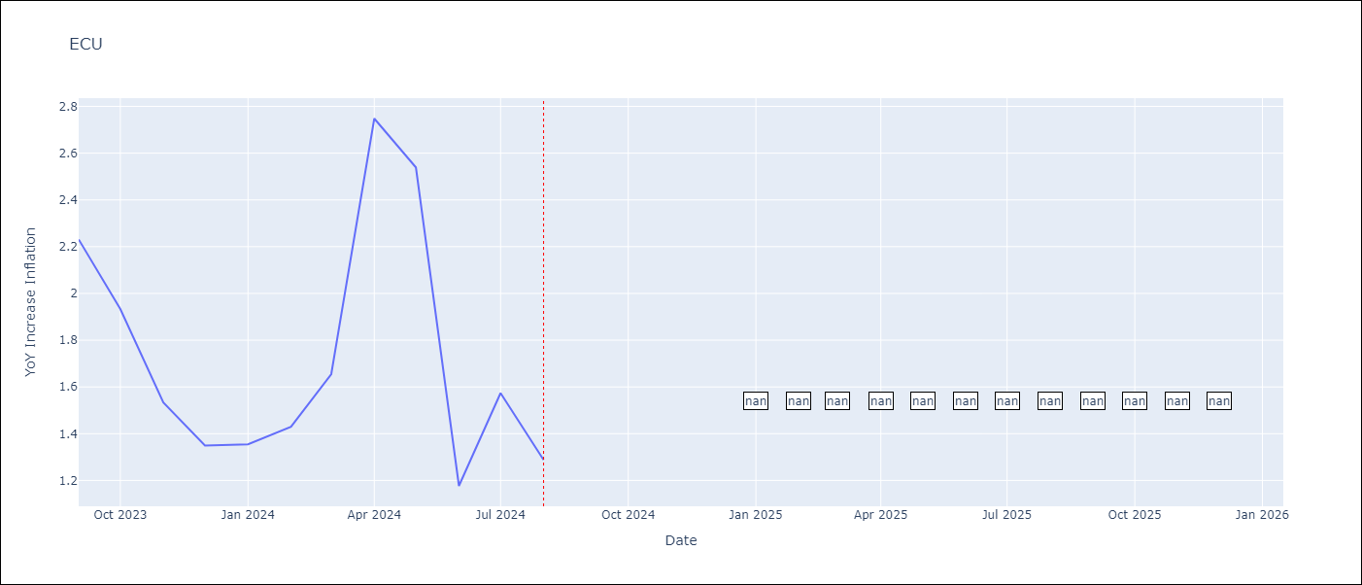

Test Metrics
RMSE | 5.72
Naive RMSE | 0.56
MAPE | 36.01%

Test Predictions
Date | Predicted | Actual
1990-01-01 | 0 | 51.97
1998-01-01 | 89.81 | 27.68
1998-02-01 | -9.67 | 29.01
1998-03-01 | 42.88 | 30.63
1998-04-01 | 32.34 | 33.61
1998-05-01 | 37.14 | 33.91
1998-06-01 | 32.89 | 35.91
1998-07-01 | 38.66 | 34.23
1998-08-01 | 30.81 | 34.16
1998-09-01 | 34.89 | 37.75
1998-10-01 | 43.01 | 44.03
1998-11-01 | 51.41 | 45
1998-12-01 | 43.4 | 43.38
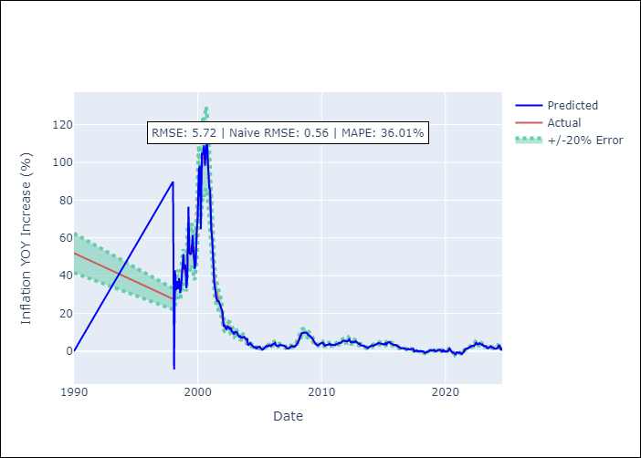
1999-01-01 | 45.82 | 42.27
1999-02-01 | 33.37 | 39.73
1999-03-01 | 39.29 | 54.34
1999-04-01 | 76.6 | 56.08
1999-05-01 | 52.13 | 54.72
1999-06-01 | 51.22 | 53.05
1999-07-01 | 52.27 | 56.47
1999-08-01 | 61.52 | 55.29
1999-09-01 | 51.27 | 50.4
1999-10-01 | 43.63 | 47.15
1999-11-01 | 46.23 | 53.37
1999-12-01 | 64.11 | 60.73
2000-01-01 | 70.5 | 78.06
2000-02-01 | 96.16 | 90.84
2000-03-01 | 98.28 | 80.88
2000-04-01 | 64.57 | 88.88
2000-05-01 | 105.04 | 96.87
2000-06-01 | 103.98 | 103.68
2000-07-01 | 109.01 | 102.35
2000-08-01 | 98.24 | 104.01
2000-09-01 | 107.11 | 107.87
2000-10-01 | 111.85 | 104.93
2000-11-01 | 97.52 | 96.8
2000-12-01 | 87.15 | 91
2001-01-01 | 85.14 | 78.7
2001-02-01 | 64.38 | 67.11
2001-03-01 | 59.3 | 58.78
Appendix A: Model Summary |  | 46.55
Model | ARIMA(2, 1, 1)x(3, 0, [], 12) | 39.61
Sample | 01-01-1990- 08-01-2024 | 33.2
No. of Observations | 416 | 30.42
Terms | P-value (Statistical significance) | 29.23
ar.L1 | nan | 27.19
ar.L2 | nan | 25.32
ma.L1 | nan | 24.62
ar.S.L12 | nan | 22.44
ar.S.L24 | nan | 16.53
ar.S.L36 | nan | 14.45
sigma2 | nan | 13.24
Assumptions | P-value | 12.99
2002-05-01 | 11.71 | 13.36
2002-06-01 | 13.04 | 13.25
2002-07-01 | 12.59 | 12.9
2002-08-01 | 11.75 | 12.91
2002-09-01 | 12.34 | 11.28
2002-10-01 | 10.5 | 10.69
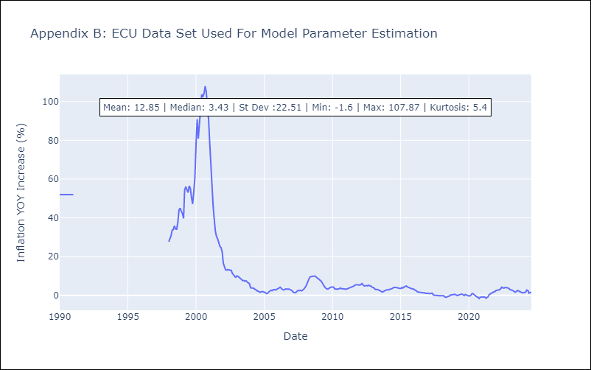
2002-11-01 | 10.1 | 9.72
2002-12-01 | 9.05 | 9.35
2003-01-01 | 10.15 | 10.08
2003-02-01 | 10.17 | 9.76
2003-03-01 | 10.08 | 9.15
2003-04-01 | 8.7 | 8.58
2003-05-01 | 7.74 | 8.25
2003-06-01 | 8.01 | 7.61
2003-07-01 | 7.18 | 7.73
2003-08-01 | 7.34 | 7.32
2003-09-01 | 7.24 | 7.55
2003-10-01 | 7.64 | 6.86
2003-11-01 | 6.67 | 6.48
2003-12-01 | 6.32 | 6.08
2004-01-01 | 6.38 | 3.92
2004-02-01 | 2.99 | 3.84
2004-03-01 | 3.93 | 3.98
2004-04-01 | 4.3 | 3.66
2004-05-01 | 3.43 | 2.98
2004-06-01 | 2.85 | 2.88
2004-07-01 | 2.73 | 2.2
2004-08-01 | 1.93 | 2.17
2004-09-01 | 2.29 | 1.6
2004-10-01 | 1.53 | 1.89
2004-11-01 | 2.12 | 1.96
2004-12-01 | 2.13 | 1.94
2005-01-01 | 2.49 | 1.78
2005-02-01 | 1.56 | 1.36
Appendix C: Residuals Analysis |  | 0.92
Mean | -2.5419278437999686e+142 | 1.1
2005-05-01 | 1.36 | 1.76
Normal? | Yes | 2.15
2005-07-01 | 2.5 | 2.63
2005-08-01 | 2.88 | 2.45
2005-09-01 | 2.54 | 2.94
2005-10-01 | 3.18 | 3.01
2005-11-01 | 3.13 | 2.77
2005-12-01 | 2.71 | 3.13
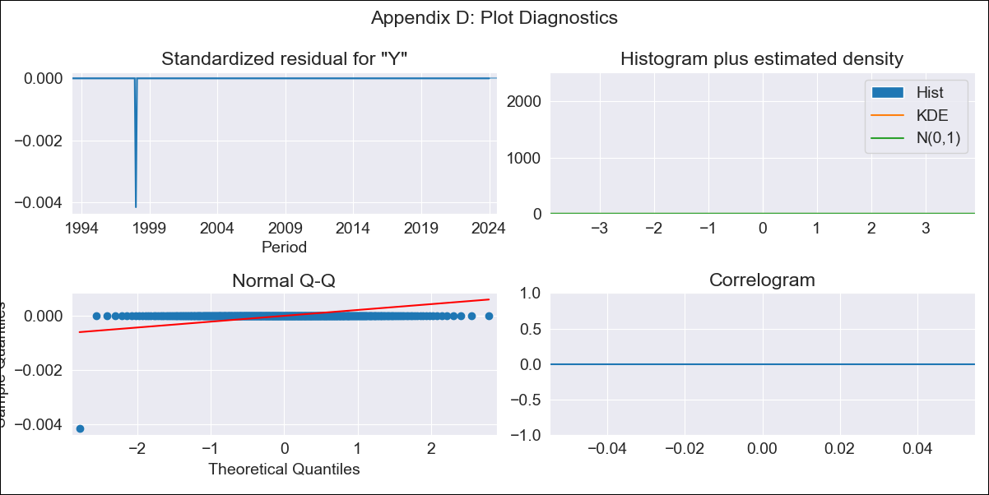
2006-01-01 | 3.56 | 3.37
2006-02-01 | 3.52 | 3.82
2006-03-01 | 4.12 | 4.23
2006-04-01 | 4.4 | 3.43
2006-05-01 | 3 | 3.11
2006-06-01 | 2.96 | 2.8
2006-07-01 | 2.68 | 2.99
2006-08-01 | 3.2 | 3.36
2006-09-01 | 3.49 | 3.21
2006-10-01 | 3.18 | 3.21
2006-11-01 | 3.31 | 3.21
2006-12-01 | 3.14 | 2.87
2007-01-01 | 2.82 | 2.68
2007-02-01 | 2.56 | 2.03
2007-03-01 | 1.74 | 1.47
2007-04-01 | 1.45 | 1.39
2007-05-01 | 1.37 | 1.56
2007-06-01 | 1.73 | 2.19
2007-07-01 | 2.47 | 2.58
2007-08-01 | 2.8 | 2.44
2007-09-01 | 2.44 | 2.58
2007-10-01 | 2.67 | 2.36
2007-11-01 | 2.33 | 2.7
2007-12-01 | 2.93 | 3.32
2008-01-01 | 3.65 | 4.19
2008-02-01 | 4.72 | 5.1
2008-03-01 | 5.57 | 6.56
2008-04-01 | 7.26 | 8.18
2008-05-01 | 8.82 | 9.29
2008-06-01 | 9.6 | 9.69
2008-07-01 | 9.68 | 9.87
2008-08-01 | 9.87 | 10.02
2008-09-01 | 9.91 | 9.97
2008-10-01 | 9.85 | 9.85
2008-11-01 | 9.56 | 9.13
2008-12-01 | 8.57 | 8.83
2009-01-01 | 8.44 | 8.36
2009-02-01 | 7.96 | 7.85
2009-03-01 | 7.3 | 7.44
2009-04-01 | 6.96 | 6.52
2009-05-01 | 5.91 | 5.41
2009-06-01 | 4.79 | 4.54
2009-07-01 | 4.06 | 3.85
2009-08-01 | 3.51 | 3.33
2009-09-01 | 3.09 | 3.29
2009-10-01 | 3.33 | 3.5
2009-11-01 | 3.71 | 4.02
2009-12-01 | 4.22 | 4.31
2010-01-01 | 4.45 | 4.44
2010-02-01 | 4.52 | 4.31
2010-03-01 | 4.17 | 3.35
2010-04-01 | 2.94 | 3.21
2010-05-01 | 3.26 | 3.24
2010-06-01 | 3.33 | 3.3
2010-07-01 | 3.41 | 3.4
2010-08-01 | 3.52 | 3.82
2010-09-01 | 4 | 3.44
2010-10-01 | 3.24 | 3.46
2010-11-01 | 3.45 | 3.39
2010-12-01 | 3.35 | 3.33
2011-01-01 | 3.33 | 3.17
2011-02-01 | 3.17 | 3.39
2011-03-01 | 3.7 | 3.57
2011-04-01 | 3.65 | 3.88
2011-05-01 | 4.09 | 4.23
2011-06-01 | 4.43 | 4.28
2011-07-01 | 4.32 | 4.44
2011-08-01 | 4.46 | 4.84
2011-09-01 | 5.13 | 5.39
2011-10-01 | 5.58 | 5.5
2011-11-01 | 5.52 | 5.53
2011-12-01 | 5.52 | 5.41
2012-01-01 | 5.36 | 5.29
2012-02-01 | 5.18 | 5.53
2012-03-01 | 5.7 | 6.12
2012-04-01 | 6.32 | 5.42
2012-05-01 | 5.03 | 4.85
2012-06-01 | 4.6 | 5
2012-07-01 | 5.03 | 5.09
2012-08-01 | 5.02 | 4.88
2012-09-01 | 4.74 | 5.22
2012-10-01 | 5.38 | 4.94
2012-11-01 | 4.79 | 4.77
2012-12-01 | 4.71 | 4.16
2013-01-01 | 3.89 | 4.1
2013-02-01 | 3.99 | 3.48
2013-03-01 | 3.13 | 3.01
2013-04-01 | 2.99 | 3.03
2013-05-01 | 3.11 | 3.01
2013-06-01 | 2.95 | 2.68
2013-07-01 | 2.54 | 2.39
2013-08-01 | 2.31 | 2.27
2013-09-01 | 2.16 | 1.71
2013-10-01 | 1.61 | 2.04
2013-11-01 | 2.28 | 2.3
2013-12-01 | 2.62 | 2.7
2014-01-01 | 2.9 | 2.92
2014-02-01 | 3.16 | 2.85
2014-03-01 | 2.84 | 3.11
2014-04-01 | 3.32 | 3.23
2014-05-01 | 3.35 | 3.41
2014-06-01 | 3.56 | 3.67
2014-07-01 | 3.84 | 4.11
2014-08-01 | 4.35 | 4.15
2014-09-01 | 4.23 | 4.19
2014-10-01 | 4.15 | 3.98
2014-11-01 | 3.87 | 3.76
2014-12-01 | 3.67 | 3.67
2015-01-01 | 3.62 | 3.53
2015-02-01 | 3.58 | 4.05
2015-03-01 | 4.26 | 3.76
2015-04-01 | 3.65 | 4.32
2015-05-01 | 4.59 | 4.55
2015-06-01 | 4.64 | 4.87
2015-07-01 | 4.95 | 4.36
2015-08-01 | 4.16 | 4.14
2015-09-01 | 4.07 | 3.78
2015-10-01 | 3.62 | 3.48
2015-11-01 | 3.37 | 3.4
2015-12-01 | 3.38 | 3.38
2016-01-01 | 3.41 | 3.09
2016-02-01 | 2.9 | 2.6
2016-03-01 | 2.51 | 2.32
2016-04-01 | 2.07 | 1.78
2016-05-01 | 1.58 | 1.63
2016-06-01 | 1.58 | 1.59
2016-07-01 | 1.75 | 1.58
2016-08-01 | 1.66 | 1.42
2016-09-01 | 1.48 | 1.3
2016-10-01 | 1.35 | 1.31
2016-11-01 | 1.39 | 1.05
2016-12-01 | 1 | 1.12
2017-01-01 | 1.31 | 0.9
2017-02-01 | 0.9 | 0.96
2017-03-01 | 1.13 | 0.96
2017-04-01 | 1.06 | 1.09
2017-05-01 | 1.21 | 1.1
2017-06-01 | 1.16 | 0.16
2017-07-01 | -0.15 | 0.1
2017-08-01 | 0.23 | 0.28
2017-09-01 | 0.51 | -0.03
2017-10-01 | -0.06 | -0.09
2017-11-01 | 0.05 | -0.22
2017-12-01 | -0.21 | -0.2
2018-01-01 | 0.02 | -0.09
2018-02-01 | 0.05 | -0.14
2018-03-01 | -0.01 | -0.21
2018-04-01 | -0.15 | -0.78
2018-05-01 | -0.93 | -1.01
2018-06-01 | -0.78 | -0.71
2018-07-01 | -0.49 | -0.57
2018-08-01 | -0.41 | -0.32
2018-09-01 | 0.03 | 0.23
2018-10-01 | 0.58 | 0.33
2018-11-01 | 0.52 | 0.35
2018-12-01 | 0.42 | 0.27
2019-01-01 | 0.34 | 0.54
2019-02-01 | 0.79 | 0.16
2019-03-01 | 0.08 | -0.12
2019-04-01 | -0.03 | 0.19
2019-05-01 | 0.44 | 0.37
2019-06-01 | 0.57 | 0.61
2019-07-01 | 0.78 | 0.71
2019-08-01 | 0.78 | 0.33
2019-09-01 | 0.19 | -0.07
2019-10-01 | -0.15 | 0.5
2019-11-01 | 0.89 | 0.04
2019-12-01 | -0.09 | -0.07
2020-01-01 | -0.09 | -0.3
2020-02-01 | -0.2 | -0.23
2020-03-01 | -0.07 | 0.18
2020-04-01 | 0.43 | 1.01
2020-05-01 | 1.48 | 0.75
2020-06-01 | 0.65 | 0.17
2020-07-01 | -0.05 | -0.54
2020-08-01 | -0.72 | -0.76
2020-09-01 | -0.74 | -0.9
2020-10-01 | -1.02 | -1.6
2020-11-01 | -1.65 | -0.91
2020-12-01 | -0.48 | -0.93
2021-01-01 | -0.83 | -1.04
2021-02-01 | -0.97 | -0.81
2021-03-01 | -0.66 | -0.83
2021-04-01 | -0.9 | -1.47
2021-05-01 | -1.53 | -1.13
2021-06-01 | -0.79 | -0.69
2021-07-01 | -0.28 | 0.45
2021-08-01 | 1.09 | 0.89
2021-09-01 | 1.18 | 1.07
2021-10-01 | 1.26 | 1.47
2021-11-01 | 1.55 | 1.84
2021-12-01 | 2.12 | 1.94
2022-01-01 | 2.04 | 2.56
2022-02-01 | 2.8 | 2.71
2022-03-01 | 2.78 | 2.64
2022-04-01 | 2.66 | 2.89
2022-05-01 | 2.93 | 3.38
2022-06-01 | 3.58 | 4.23
2022-07-01 | 4.45 | 3.86
2022-08-01 | 3.65 | 3.77
2022-09-01 | 3.7 | 4.12
2022-10-01 | 4.21 | 4.02
2022-11-01 | 3.81 | 3.64
2022-12-01 | 3.47 | 3.74
2023-01-01 | 3.63 | 3.12
2023-02-01 | 2.78 | 2.9
2023-03-01 | 2.8 | 2.85
2023-04-01 | 2.78 | 2.44
2023-05-01 | 2.11 | 1.97
2023-06-01 | 1.58 | 1.69
2023-07-01 | 1.65 | 2.07
2023-08-01 | 2.24 | 2.56
2023-09-01 | 2.69 | 2.23
2023-10-01 | 2.1 | 1.93
2023-11-01 | 1.79 | 1.53
2023-12-01 | 1.3 | 1.35
2024-01-01 | 1.36 | 1.35
2024-02-01 | 1.35 | 1.43
2024-03-01 | 1.48 | 1.65
2024-04-01 | 1.85 | 2.75
2024-05-01 | 3.26 | 2.54
2024-06-01 | 2.35 | 1.18
2024-07-01 | 0.45 | 1.57
2024-08-01 | 1.71 | 1.29

PER
PER - Inflation - Next 12 months forecast as of: 2024-08-01

Model | ARIMA - [(3, 2, 0), (3, 0, 0, 12)]
Training Data | 1996-01-01 to 2023-09-01
Test Data | 2023-09-01 to 2024-08-01

Date | Inflation Change YoY % | Lower Bound - 95% Confidence Interval | Upper Bound - 95% Confidence Interval
2024-09-01 | 1.98 | -2.4 | 6.35
2024-10-01 | 2.15 | -4.85 | 9.15
2024-11-01 | 2.29 | -7.5 | 12.08
2024-12-01 | 2.1 | -10.91 | 15.1
2025-01-01 | 1.99 | -14.85 | 18.83
2025-02-01 | 1.35 | -19.48 | 22.19
2025-03-01 | 1.17 | -23.92 | 26.26
2025-04-01 | 1.27 | -28.37 | 30.9
2025-05-01 | 1.21 | -33.23 | 35.66
2025-06-01 | 1.24 | -38.23 | 40.72
2025-07-01 | 1.33 | -43.39 | 46.06
2025-08-01 | 1.28 | -48.92 | 51.47
2025-09-01 | 1.23 | -53.28 | 55.73
2025-10-01 | 1.16 | -57.68 | 60.01
2025-11-01 | 1.03 | -62.1 | 64.16
2025-12-01 | 1.03 | -66.27 | 68.34

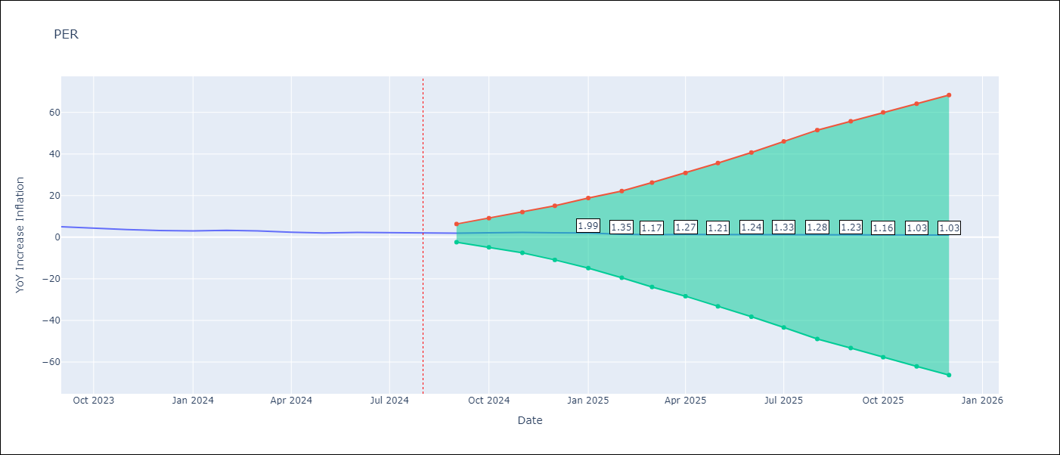

Test Metrics
RMSE | 2.22
Naive RMSE | 0.43
MAPE | 136.79%

Test Predictions
Date | Predicted | Actual
1996-01-01 | 0 | 11.18
1996-02-01 | 15.84 | 11.62
1996-03-01 | 14.4 | 11.63
1996-04-01 | 13.56 | 11.5
1996-05-01 | 12.94 | 11.39
1996-06-01 | 11.43 | 11.01
1996-07-01 | 10.85 | 11.89
1996-08-01 | 11.96 | 11.77
1996-09-01 | 11.84 | 11.69
1996-10-01 | 11.77 | 11.94
1996-11-01 | 12.18 | 11.09
1996-12-01 | 10.89 | 11.84
1997-01-01 | 8.78 | 11
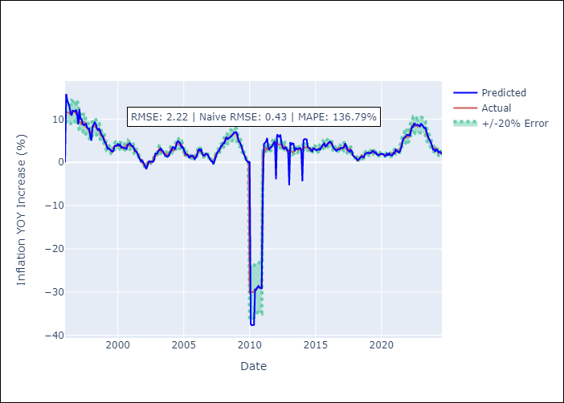
1997-02-01 | 12.3 | 9.42
1997-03-01 | 10.1 | 9.3
1997-04-01 | 10.02 | 8.78
1997-05-01 | 8.96 | 8.81
1997-06-01 | 8.59 | 9.48
1997-07-01 | 8.71 | 8.89
1997-08-01 | 8.94 | 8.14
1997-09-01 | 8.09 | 8.11
1997-10-01 | 7.79 | 7.48
1997-11-01 | 7.81 | 7.06
1997-12-01 | 5.89 | 6.46
1998-01-01 | 5.03 | 6.91
1998-02-01 | 8.31 | 8.14
1998-03-01 | 8.69 | 8.19
1998-04-01 | 9.23 | 8.43
1998-05-01 | 8.89 | 8.25
1998-06-01 | 7.87 | 7.66
1998-07-01 | 7.49 | 7.44
1998-08-01 | 7.84 | 7.48
1998-09-01 | 7.22 | 6.59
1998-10-01 | 6.43 | 6.08
1998-11-01 | 6.15 | 6.03
1998-12-01 | 5.31 | 6.01
1999-01-01 | 4.71 | 5.07
1999-02-01 | 4.5 | 4.11
1999-03-01 | 3.81 | 3.39
1999-04-01 | 3.12 | 3.37
Appendix A: Model Summary |  | 3.24
Model | ARIMA(3, 2, 0)x(3, 0, 0, 12) | 2.88
Sample | 01-01-1996- 08-01-2024 | 2.51
No. of Observations | 344 | 2.41
Terms | P-value (Statistical significance) | 3.44
ar.L1 | 0.000 | 3.66
ar.L2 | 0.000 | 3.92
ar.L3 | 0.000 | 3.72
ar.S.L12 | 0.000 | 3.78
ar.S.L24 | 0.000 | 3.95
ar.S.L36 | 0.000 | 3.88
sigma2 | 0.000 | 3.8
Assumptions | P-value | 3.33
2000-06-01 | 3.32 | 3.21
2000-07-01 | 3.26 | 3.47
2000-08-01 | 3.31 | 3.78
2000-09-01 | 3.1 | 3.88
2000-10-01 | 4.04 | 4.24
2000-11-01 | 4.27 | 4.02
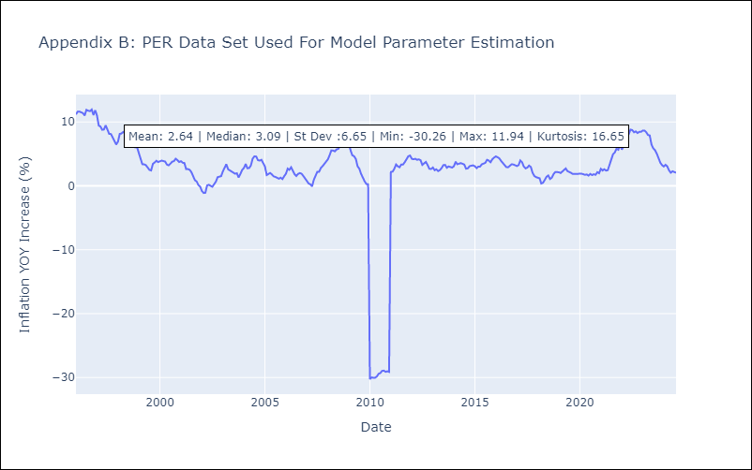
2000-12-01 | 4.44 | 3.73
2001-01-01 | 4 | 3.86
2001-02-01 | 3.72 | 3.61
2001-03-01 | 3.71 | 3.58
2001-04-01 | 3.22 | 2.62
2001-05-01 | 2.6 | 2.63
2001-06-01 | 2.49 | 2.51
2001-07-01 | 1.95 | 2.16
2001-08-01 | 1.38 | 1.38
2001-09-01 | 0.52 | 0.88
2001-10-01 | 0.2 | 0.68
2001-11-01 | 0.48 | 0.12
2001-12-01 | 0.13 | -0.13
2002-01-01 | -0.35 | -0.84
2002-02-01 | -1 | -1.12
2002-03-01 | -1.53 | -1.08
2002-04-01 | -0.86 | 0.06
2002-05-01 | 0 | 0.17
2002-06-01 | 0.27 | 0
2002-07-01 | 0.13 | -0.14
2002-08-01 | 0.19 | 0.26
2002-09-01 | 0.11 | 0.67
2002-10-01 | 0.46 | 1.36
2002-11-01 | 2 | 1.45
2002-12-01 | 1.99 | 1.52
2003-01-01 | 2.08 | 2.28
2003-02-01 | 2.67 | 2.8
2003-03-01 | 2.78 | 3.39
Appendix C: Residuals Analysis |  | 2.59
Mean | -0.01 | 2.41
2003-06-01 | 2.67 | 2.17
Normal? | No | 1.98
2003-08-01 | 1.61 | 1.9
2003-09-01 | 1.51 | 1.98
2003-10-01 | 1.27 | 1.29
2003-11-01 | 1.43 | 1.87
2003-12-01 | 2.07 | 2.48
2004-01-01 | 2.42 | 2.8
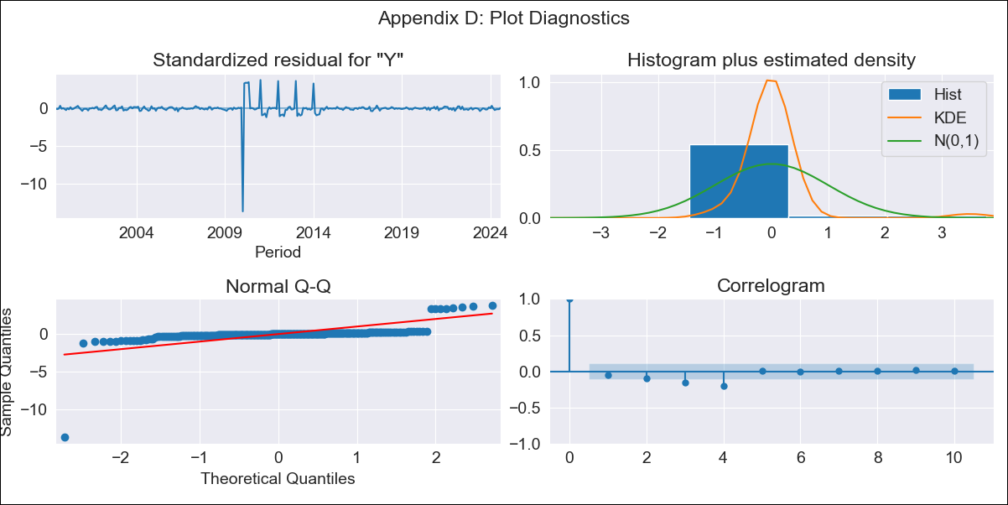
2004-02-01 | 2.9 | 3.42
2004-03-01 | 3.52 | 2.76
2004-04-01 | 3.44 | 2.79
2004-05-01 | 3.1 | 3.19
2004-06-01 | 3.65 | 4.25
2004-07-01 | 4.7 | 4.62
2004-08-01 | 4.9 | 4.59
2004-09-01 | 4.71 | 4.03
2004-10-01 | 4.34 | 3.95
2004-11-01 | 3.42 | 4.07
2004-12-01 | 3.56 | 3.48
2005-01-01 | 2.94 | 3.03
2005-02-01 | 2.37 | 1.69
2005-03-01 | 1.8 | 1.88
2005-04-01 | 1.76 | 2.02
2005-05-01 | 1.61 | 1.79
2005-06-01 | 0.98 | 1.49
2005-07-01 | 1.43 | 1.4
2005-08-01 | 1.48 | 1.22
2005-09-01 | 1.58 | 1.11
2005-10-01 | 1.31 | 1.28
2005-11-01 | 0.75 | 1.06
2005-12-01 | 1.09 | 1.5
2006-01-01 | 1.51 | 1.9
2006-02-01 | 2.69 | 2.7
2006-03-01 | 3.01 | 2.5
2006-04-01 | 2.73 | 2.9
2006-05-01 | 3.09 | 2.23
2006-06-01 | 1.9 | 1.83
2006-07-01 | 1.57 | 1.55
2006-08-01 | 1.52 | 1.87
2006-09-01 | 1.99 | 2
2006-10-01 | 1.96 | 1.89
2006-11-01 | 1.75 | 1.53
2006-12-01 | 1.22 | 1.13
2007-01-01 | 0.74 | 0.64
2007-02-01 | 0.29 | 0.36
2007-03-01 | 0.3 | 0.24
2007-04-01 | -0.4 | -0.09
2007-05-01 | 0.24 | 0.94
2007-06-01 | 1.15 | 1.55
2007-07-01 | 1.88 | 2.21
2007-08-01 | 2.41 | 2.2
2007-09-01 | 2.67 | 2.8
2007-10-01 | 3.2 | 3.08
2007-11-01 | 3.79 | 3.49
2007-12-01 | 3.96 | 3.93
2008-01-01 | 4.47 | 4.15
2008-02-01 | 4.41 | 4.82
2008-03-01 | 5.14 | 5.55
2008-04-01 | 5.89 | 5.52
2008-05-01 | 5.39 | 5.4
2008-06-01 | 5.54 | 5.71
2008-07-01 | 5.7 | 5.79
2008-08-01 | 5.96 | 6.27
2008-09-01 | 6.23 | 6.22
2008-10-01 | 6.51 | 6.54
2008-11-01 | 6.95 | 6.75
2008-12-01 | 6.97 | 6.65
2009-01-01 | 6.98 | 6.53
2009-02-01 | 6.19 | 5.49
2009-03-01 | 5 | 4.78
2009-04-01 | 4.69 | 4.64
2009-05-01 | 4.12 | 4.21
2009-06-01 | 3.48 | 3.06
2009-07-01 | 2.4 | 2.68
2009-08-01 | 1.95 | 1.87
2009-09-01 | 1.25 | 1.2
2009-10-01 | 0.47 | 0.71
2009-11-01 | 0.2 | 0.29
2009-12-01 | -0.02 | 0.25
2010-01-01 | 0.18 | -30.26
2010-02-01 | -37.43 | -29.99
2010-03-01 | -37.67 | -30.04
2010-04-01 | -37.6 | -30.04
2010-05-01 | -37.62 | -29.84
2010-06-01 | -29.43 | -29.42
2010-07-01 | -29.47 | -29.3
2010-08-01 | -28.98 | -28.96
2010-09-01 | -28.61 | -28.92
2010-10-01 | -28.9 | -29.11
2010-11-01 | -29.17 | -29.03
2010-12-01 | -29.24 | -29.12
2011-01-01 | -6.26 | 2.17
2011-02-01 | 4.25 | 2.23
2011-03-01 | 4.5 | 2.66
2011-04-01 | 4.8 | 3.34
2011-05-01 | 5.64 | 3.06
2011-06-01 | 3.32 | 2.91
2011-07-01 | 3.01 | 3.35
2011-08-01 | 3.45 | 3.35
2011-09-01 | 3.57 | 3.73
2011-10-01 | 4.06 | 4.2
2011-11-01 | 4.44 | 4.64
2011-12-01 | 4.9 | 4.74
2012-01-01 | -3.89 | 4.23
2012-02-01 | 6.46 | 4.17
2012-03-01 | 6.19 | 4.23
2012-04-01 | 5.83 | 4.08
2012-05-01 | 6.43 | 4.15
2012-06-01 | 4.39 | 4
2012-07-01 | 3.71 | 3.28
2012-08-01 | 3.16 | 3.53
2012-09-01 | 3.21 | 3.74
2012-10-01 | 3.55 | 3.25
2012-11-01 | 2.93 | 2.66
2012-12-01 | 2.63 | 2.65
2013-01-01 | -5.28 | 2.87
2013-02-01 | 4.68 | 2.45
2013-03-01 | 4.09 | 2.59
2013-04-01 | 4.4 | 2.31
2013-05-01 | 4.33 | 2.46
2013-06-01 | 2.57 | 2.77
2013-07-01 | 3.24 | 3.24
2013-08-01 | 3.09 | 3.28
2013-09-01 | 3.12 | 2.83
2013-10-01 | 3.16 | 3.04
2013-11-01 | 3.35 | 2.96
2013-12-01 | 2.93 | 2.86
2014-01-01 | -4.34 | 3.07
2014-02-01 | 5.13 | 3.78
2014-03-01 | 5.4 | 3.38
2014-04-01 | 5.37 | 3.52
2014-05-01 | 5.29 | 3.56
2014-06-01 | 3.52 | 3.45
2014-07-01 | 3.35 | 3.33
2014-08-01 | 3.22 | 2.69
2014-09-01 | 2.74 | 2.73
2014-10-01 | 2.56 | 3.09
2014-11-01 | 3.28 | 3.16
2014-12-01 | 3.12 | 3.21
2015-01-01 | 3.09 | 3.07
2015-02-01 | 2.8 | 2.77
2015-03-01 | 2.95 | 3.02
2015-04-01 | 3.1 | 3.02
2015-05-01 | 2.9 | 3.37
2015-06-01 | 3.44 | 3.54
2015-07-01 | 3.73 | 3.59
2015-08-01 | 4.17 | 4.08
2015-09-01 | 4.4 | 3.95
2015-10-01 | 3.7 | 3.7
2015-11-01 | 3.78 | 4.18
2015-12-01 | 4.23 | 4.42
2016-01-01 | 4.45 | 4.61
2016-02-01 | 4.8 | 4.47
2016-03-01 | 4.62 | 4.3
2016-04-01 | 4.35 | 3.91
2016-05-01 | 3.49 | 3.54
2016-06-01 | 3.21 | 3.34
2016-07-01 | 3.1 | 2.93
2016-08-01 | 2.67 | 2.91
2016-09-01 | 2.99 | 3.09
2016-10-01 | 2.98 | 3.37
2016-11-01 | 3 | 3.35
2016-12-01 | 3.34 | 3.23
2017-01-01 | 3.29 | 3.1
2017-02-01 | 3.37 | 3.25
2017-03-01 | 3.47 | 3.97
2017-04-01 | 4.43 | 3.69
2017-05-01 | 3.83 | 3.04
2017-06-01 | 2.97 | 2.73
2017-07-01 | 2.77 | 2.85
2017-08-01 | 2.31 | 3.17
2017-09-01 | 2.85 | 2.94
2017-10-01 | 2.69 | 2.04
2017-11-01 | 1.64 | 1.54
2017-12-01 | 1.31 | 1.36
2018-01-01 | 1.08 | 1.25
2018-02-01 | 0.95 | 1.18
2018-03-01 | 0.49 | 0.37
2018-04-01 | 0.6 | 0.49
2018-05-01 | 0.87 | 0.93
2018-06-01 | 1.01 | 1.43
2018-07-01 | 1.4 | 1.62
2018-08-01 | 1.25 | 1.07
2018-09-01 | 1.18 | 1.28
2018-10-01 | 1.93 | 1.84
2018-11-01 | 2.1 | 2.17
2018-12-01 | 2.28 | 2.2
2019-01-01 | 2.3 | 2.13
2019-02-01 | 2.08 | 2.01
2019-03-01 | 2.21 | 2.24
2019-04-01 | 2.26 | 2.59
2019-05-01 | 2.62 | 2.73
2019-06-01 | 2.57 | 2.3
2019-07-01 | 2.18 | 2.11
2019-08-01 | 2.36 | 2.04
2019-09-01 | 1.8 | 1.85
2019-10-01 | 1.61 | 1.88
2019-11-01 | 1.77 | 1.87
2019-12-01 | 1.87 | 1.9
2020-01-01 | 2.01 | 1.89
2020-02-01 | 1.95 | 1.9
2020-03-01 | 1.88 | 1.82
2020-04-01 | 1.46 | 1.72
2020-05-01 | 1.51 | 1.78
2020-06-01 | 1.98 | 1.6
2020-07-01 | 1.6 | 1.86
2020-08-01 | 2.18 | 1.69
2020-09-01 | 1.71 | 1.82
2020-10-01 | 1.61 | 1.72
2020-11-01 | 1.65 | 2.14
2020-12-01 | 2.16 | 1.97
2021-01-01 | 2.12 | 2.68
2021-02-01 | 2.97 | 2.4
2021-03-01 | 2.68 | 2.6
2021-04-01 | 2.52 | 2.39
2021-05-01 | 2.25 | 2.46
2021-06-01 | 2.67 | 3.26
2021-07-01 | 3.32 | 3.83
2021-08-01 | 4.49 | 4.96
2021-09-01 | 5.5 | 5.23
2021-10-01 | 5.78 | 5.83
2021-11-01 | 6.08 | 5.66
2021-12-01 | 6.27 | 6.43
2022-01-01 | 6.39 | 5.68
2022-02-01 | 6.24 | 6.15
2022-03-01 | 6.2 | 6.82
2022-04-01 | 7.33 | 7.96
2022-05-01 | 8.32 | 8.08
2022-06-01 | 8.24 | 8.8
2022-07-01 | 9.1 | 8.73
2022-08-01 | 8.68 | 8.39
2022-09-01 | 8.72 | 8.53
2022-10-01 | 8.71 | 8.28
2022-11-01 | 8.55 | 8.45
2022-12-01 | 8.23 | 8.46
2023-01-01 | 9 | 8.66
2023-02-01 | 8.67 | 8.65
2023-03-01 | 8.29 | 8.4
2023-04-01 | 7.93 | 7.97
2023-05-01 | 8.03 | 7.89
2023-06-01 | 7.23 | 6.46
2023-07-01 | 6.23 | 5.88
2023-08-01 | 5.5 | 5.58
2023-09-01 | 5.1 | 5.04
2023-10-01 | 4.68 | 4.34
2023-11-01 | 3.89 | 3.64
2023-12-01 | 2.91 | 3.24
2024-01-01 | 2.91 | 3.02
2024-02-01 | 2.5 | 3.29
2024-03-01 | 2.99 | 3.05
2024-04-01 | 2.88 | 2.42
2024-05-01 | 2.31 | 2.06
2024-06-01 | 2.49 | 2.28
2024-07-01 | 2.33 | 2.12
2024-08-01 | 1.85 | 2.05

PRY
PRY - Inflation - Next 12 months forecast as of: 2024-08-01

Model | ARIMA - [(2, 1, 1), (1, 0, 1, 12)]
Training Data | 1990-01-01 to 2023-09-01
Test Data | 2023-09-01 to 2024-08-01

Date | Inflation Change YoY % | Lower Bound - 95% Confidence Interval | Upper Bound - 95% Confidence Interval
2024-09-01 | 4.02 | 2.29 | 5.75
2024-10-01 | 3.99 | 1.04 | 6.94
2024-11-01 | 4.12 | 0.03 | 8.22
2024-12-01 | 4.18 | -0.86 | 9.22
2025-01-01 | 4.19 | -1.72 | 10.09
2025-02-01 | 4.64 | -2.01 | 11.29
2025-03-01 | 4 | -3.35 | 11.35
2025-04-01 | 3.54 | -4.44 | 11.52
2025-05-01 | 3.44 | -5.14 | 12.01
2025-06-01 | 3.81 | -5.31 | 12.93
2025-07-01 | 4.05 | -5.59 | 13.7
2025-08-01 | 4.6 | -5.53 | 14.74
2025-09-01 | 4.78 | -5.48 | 15.05
2025-10-01 | 4.93 | -5.39 | 15.26
2025-11-01 | 4.95 | -5.39 | 15.3
2025-12-01 | 5.01 | -5.35 | 15.37

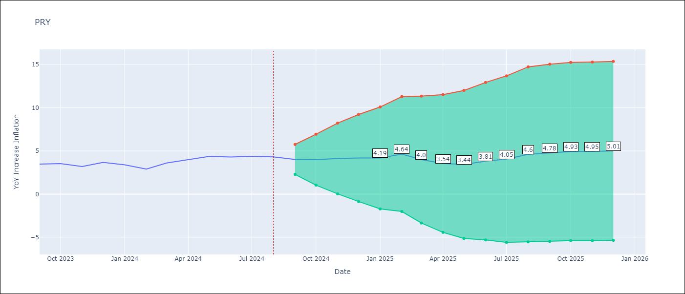

Test Metrics
RMSE | 2.14
Naive RMSE | 0.39
MAPE | 12.01%

Test Predictions
Date | Predicted | Actual
1990-01-01 | 0 | 31.83
1991-01-01 | 22.9 | 42.11
1991-02-01 | 39.63 | 39.15
1991-03-01 | 43.81 | 36.91
1991-04-01 | 37.3 | 31.46
1991-05-01 | 33.86 | 29.38
1991-06-01 | 28.95 | 25.29
1991-07-01 | 26.97 | 22.66
1991-08-01 | 22.94 | 20.54
1991-09-01 | 20.96 | 17.6
1991-10-01 | 18.63 | 13.43
1991-11-01 | 14.91 | 13.32
1991-12-01 | 10.92 | 11.83
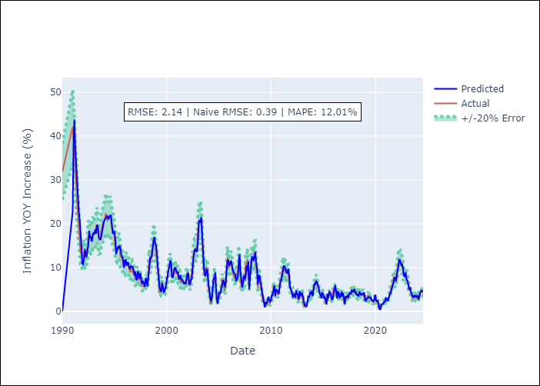
1992-01-01 | 10.79 | 12.9
1992-02-01 | 11.91 | 13.6
1992-03-01 | 14.29 | 12.1
1992-04-01 | 12.72 | 12.72
1992-05-01 | 12.43 | 13.19
1992-06-01 | 14.06 | 14.79
1992-07-01 | 15.07 | 17.33
1992-08-01 | 18.4 | 16.7
1992-09-01 | 16.83 | 16.74
1992-10-01 | 17.04 | 16.12
1992-11-01 | 15.91 | 16.97
1992-12-01 | 17.21 | 17.78
1993-01-01 | 18 | 17.67
1993-02-01 | 17.73 | 17.54
1993-03-01 | 18.68 | 17.99
1993-04-01 | 17.75 | 19.59
1993-05-01 | 19.73 | 19.76
1993-06-01 | 19.34 | 18.58
1993-07-01 | 16.94 | 16.33
1993-08-01 | 16.69 | 16.43
1993-09-01 | 16.32 | 16.52
1993-10-01 | 17.2 | 18.79
1993-11-01 | 18.63 | 19.44
1993-12-01 | 19.54 | 20.37
1994-01-01 | 20.64 | 20.5
1994-02-01 | 20.99 | 21.07
1994-03-01 | 21.34 | 22.39
Appendix A: Model Summary |  | 21.87
Model | ARIMA(2, 1, 1)x(1, 0, 1, 12) | 20.73
Sample | 01-01-1990- 08-01-2024 | 20.89
No. of Observations | 416 | 21.55
Terms | P-value (Statistical significance) | 21.95
ar.L1 | 0.000 | 20.86
ar.L2 | 0.000 | 19
ma.L1 | 0.000 | 18.69
ar.S.L12 | 0.002 | 18.31
ma.S.L12 | 0.000 | 16.87
sigma2 | 0.000 | 14.58
Assumptions | P-value | 14.31
1995-04-01 | 13.99 | 13.93
1995-05-01 | 14.77 | 14.3
1995-06-01 | 14.33 | 14.91
1995-07-01 | 15.04 | 14.5
1995-08-01 | 14.29 | 12.45
1995-09-01 | 12.79 | 12.27
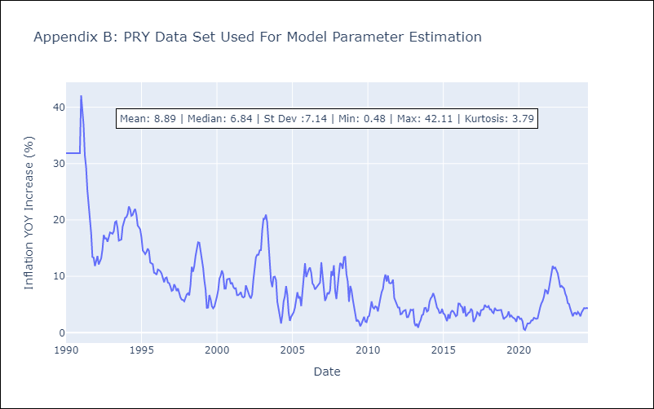
1995-10-01 | 12.5 | 12.16
1995-11-01 | 11.63 | 10.63
1995-12-01 | 9.91 | 10.53
1996-01-01 | 11.66 | 10.28
1996-02-01 | 11.76 | 11.2
1996-03-01 | 10.42 | 11.08
1996-04-01 | 11.23 | 10.87
1996-05-01 | 11.04 | 10.48
1996-06-01 | 9.94 | 9.64
1996-07-01 | 9.83 | 8.94
1996-08-01 | 10.36 | 9.69
1996-09-01 | 10.17 | 9.79
1996-10-01 | 10.17 | 8.87
1996-11-01 | 9.5 | 8.78
1996-12-01 | 8.23 | 8.18
1997-01-01 | 9.08 | 7.41
1997-02-01 | 7.48 | 7.57
1997-03-01 | 7.11 | 8.58
1997-04-01 | 9.17 | 8.13
1997-05-01 | 8.54 | 7.38
1997-06-01 | 7.42 | 7.85
1997-07-01 | 8.71 | 6.94
1997-08-01 | 7.17 | 6.25
1997-09-01 | 6.27 | 5.85
1997-10-01 | 6.9 | 5.8
1997-11-01 | 6.26 | 5.56
1997-12-01 | 5.65 | 6.2
1998-01-01 | 7.67 | 6.79
Appendix C: Residuals Analysis |  | 6.98
Mean | -0.11 | 6.61
1998-04-01 | 7.45 | 8.45
Normal? | No | 11.68
1998-06-01 | 12.28 | 10.82
1998-07-01 | 12.22 | 11.8
1998-08-01 | 12.66 | 13.58
1998-09-01 | 14.58 | 14.99
1998-10-01 | 16.19 | 16.03
1998-11-01 | 17 | 15.96
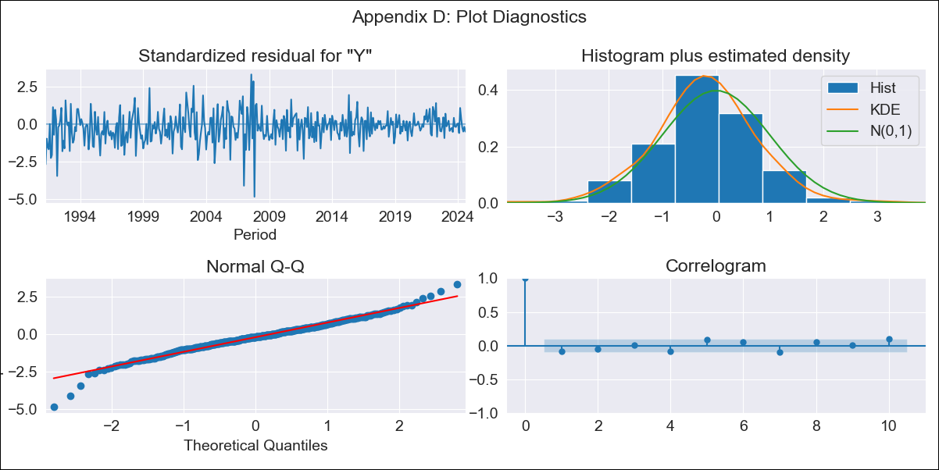
1998-12-01 | 15.41 | 14.64
1999-01-01 | 14.96 | 13.38
1999-02-01 | 12.89 | 11.47
1999-03-01 | 10.34 | 9.35
1999-04-01 | 7.64 | 7.65
1999-05-01 | 5.38 | 4.4
1999-06-01 | 4.85 | 4.44
1999-07-01 | 4.47 | 6.68
1999-08-01 | 6.49 | 5.91
1999-09-01 | 5.37 | 4.67
1999-10-01 | 4.29 | 4.32
1999-11-01 | 5.1 | 4.63
1999-12-01 | 5.44 | 5.4
2000-01-01 | 7.01 | 6.41
2000-02-01 | 7.99 | 7.54
2000-03-01 | 8.87 | 9.57
2000-04-01 | 10.23 | 10.11
2000-05-01 | 11.48 | 11.04
2000-06-01 | 11.42 | 10.32
2000-07-01 | 8.24 | 7.82
2000-08-01 | 7.65 | 7.81
2000-09-01 | 8.41 | 9.45
2000-10-01 | 9.89 | 9.53
2000-11-01 | 9.97 | 9.58
2000-12-01 | 9.48 | 8.63
2001-01-01 | 8.84 | 8.88
2001-02-01 | 9.07 | 8.1
2001-03-01 | 7.29 | 7.82
2001-04-01 | 7.68 | 7.88
2001-05-01 | 8.29 | 6.67
2001-06-01 | 7.26 | 6.67
2001-07-01 | 7.24 | 6.85
2001-08-01 | 6.71 | 7.21
2001-09-01 | 6.26 | 6.39
2001-10-01 | 6.56 | 6.24
2001-11-01 | 6.42 | 6.41
2001-12-01 | 7.3 | 8.4
2002-01-01 | 8.79 | 7.72
2002-02-01 | 8.61 | 7.01
2002-03-01 | 6.19 | 6.47
2002-04-01 | 6.26 | 6.07
2002-05-01 | 7.29 | 6.77
2002-06-01 | 7.47 | 9.37
2002-07-01 | 10.32 | 11.85
2002-08-01 | 12.27 | 13.33
2002-09-01 | 13.73 | 13.83
2002-10-01 | 14.32 | 13.8
2002-11-01 | 13.73 | 14.6
2002-12-01 | 13.75 | 14.65
2003-01-01 | 15.69 | 18.16
2003-02-01 | 20.4 | 20.22
2003-03-01 | 20.87 | 20.18
2003-04-01 | 20.27 | 20.95
2003-05-01 | 21.52 | 19.59
2003-06-01 | 17.46 | 15.73
2003-07-01 | 13.19 | 11.97
2003-08-01 | 9.86 | 9.17
2003-09-01 | 8.24 | 8.1
2003-10-01 | 8.14 | 9.87
2003-11-01 | 9.53 | 9.94
2003-12-01 | 9.39 | 9.32
2004-01-01 | 6.67 | 5.5
2004-02-01 | 4.57 | 3.8
2004-03-01 | 3.67 | 2.99
2004-04-01 | 2.29 | 1.62
2004-05-01 | 2.82 | 3.08
2004-06-01 | 5.27 | 5.53
2004-07-01 | 7.53 | 6.41
2004-08-01 | 7.49 | 8.26
2004-09-01 | 8.84 | 6.65
2004-10-01 | 4.79 | 3.58
2004-11-01 | 2.22 | 2.09
2004-12-01 | 1.83 | 2.81
2005-01-01 | 4.24 | 3.21
2005-02-01 | 4.17 | 3.63
2005-03-01 | 4.2 | 4.38
2005-04-01 | 5.36 | 5.87
2005-05-01 | 5.8 | 7.17
2005-06-01 | 7.2 | 6.09
2005-07-01 | 6.7 | 6.42
2005-08-01 | 5.62 | 4.7
2005-09-01 | 6.37 | 7.56
2005-10-01 | 9.35 | 10.26
2005-11-01 | 11.54 | 12.32
2005-12-01 | 11.79 | 9.86
2006-01-01 | 10.31 | 10.62
2006-02-01 | 10.79 | 11.22
2006-03-01 | 11.57 | 11.56
2006-04-01 | 10.81 | 10.63
2006-05-01 | 9.45 | 8.73
2006-06-01 | 9.03 | 8.4
2006-07-01 | 8.55 | 7.67
2006-08-01 | 8.33 | 8.02
2006-09-01 | 6.8 | 8.33
2006-10-01 | 7.45 | 8.71
2006-11-01 | 8.08 | 8.9
2006-12-01 | 10.85 | 12.48
2007-01-01 | 13.01 | 9.78
2007-02-01 | 8.97 | 8.26
2007-03-01 | 7.42 | 5.64
2007-04-01 | 5.47 | 6.2
2007-05-01 | 6.7 | 7.1
2007-06-01 | 8.2 | 6.84
2007-07-01 | 7.31 | 7.49
2007-08-01 | 8.02 | 10.91
2007-09-01 | 10.41 | 10.1
2007-10-01 | 9.22 | 11.97
2007-11-01 | 11.39 | 7.43
2007-12-01 | 5.04 | 5.97
2008-01-01 | 7.85 | 8.79
2008-02-01 | 10.71 | 10.51
2008-03-01 | 12.42 | 12.35
2008-04-01 | 12.39 | 12.15
2008-05-01 | 11.57 | 11.32
2008-06-01 | 12.36 | 13.38
2008-07-01 | 13.54 | 13.45
2008-08-01 | 11.04 | 10.36
2008-09-01 | 9.8 | 9.06
2008-10-01 | 6.22 | 5.47
2008-11-01 | 8.26 | 8.29
2008-12-01 | 8.04 | 7.5
2009-01-01 | 6.57 | 5.91
2009-02-01 | 5.15 | 4.28
2009-03-01 | 3.98 | 3.38
2009-04-01 | 3.12 | 2.01
2009-05-01 | 2.14 | 2.21
2009-06-01 | 0.91 | 1.9
2009-07-01 | 2.17 | 1.13
2009-08-01 | 1.65 | 1.6
2009-09-01 | 2.46 | 2.26
2009-10-01 | 3.34 | 2.82
2009-11-01 | 2.62 | 1.96
2009-12-01 | 2.29 | 1.86
2010-01-01 | 2.53 | 2.79
2010-02-01 | 3.85 | 2.98
2010-03-01 | 3.66 | 4.11
2010-04-01 | 5.35 | 5.54
2010-05-01 | 5.93 | 4.51
2010-06-01 | 3.48 | 4.28
2010-07-01 | 5.06 | 4.67
2010-08-01 | 4.78 | 4.53
2010-09-01 | 4.58 | 3.78
2010-10-01 | 3.96 | 5.21
2010-11-01 | 6.15 | 6.15
2010-12-01 | 6.9 | 7.21
2011-01-01 | 7.1 | 7.78
2011-02-01 | 8.77 | 9.5
2011-03-01 | 9.39 | 10.31
2011-04-01 | 10.44 | 9.07
2011-05-01 | 9.99 | 10.15
2011-06-01 | 9.74 | 8.84
2011-07-01 | 8.88 | 8.74
2011-08-01 | 8.75 | 8.84
2011-09-01 | 9.76 | 9.41
2011-10-01 | 8.24 | 6.16
2011-11-01 | 5.42 | 5.62
2011-12-01 | 4.75 | 4.94
2012-01-01 | 4.46 | 4.45
2012-02-01 | 3.28 | 4.46
2012-03-01 | 3.86 | 3.25
2012-04-01 | 4.09 | 3.34
2012-05-01 | 3.09 | 3.75
2012-06-01 | 4.75 | 3.94
2012-07-01 | 4.13 | 4.02
2012-08-01 | 3.91 | 2.76
2012-09-01 | 2.71 | 2.76
2012-10-01 | 4.68 | 3.35
2012-11-01 | 3.43 | 4.09
2012-12-01 | 4.11 | 3.98
2013-01-01 | 4.12 | 4.1
2013-02-01 | 3.04 | 1.74
2013-03-01 | 1.87 | 1.18
2013-04-01 | 1.31 | 1.58
2013-05-01 | 1.27 | 0.86
2013-06-01 | 1.23 | 1.74
2013-07-01 | 2.07 | 2.21
2013-08-01 | 3.46 | 3.08
2013-09-01 | 3.23 | 3.24
2013-10-01 | 4.35 | 4.35
2013-11-01 | 3.99 | 4.4
2013-12-01 | 4.69 | 3.75
2014-01-01 | 3.48 | 3.94
2014-02-01 | 5.32 | 5.44
2014-03-01 | 6.38 | 6.07
2014-04-01 | 6.06 | 6.37
2014-05-01 | 6.83 | 7.01
2014-06-01 | 6.71 | 6.36
2014-07-01 | 6.05 | 5.48
2014-08-01 | 5.43 | 4.45
2014-09-01 | 4.16 | 4.13
2014-10-01 | 3.87 | 3.49
2014-11-01 | 3.03 | 3.54
2014-12-01 | 4.33 | 4.21
2015-01-01 | 4.03 | 3.41
2015-02-01 | 2.96 | 3.24
2015-03-01 | 3.35 | 2.64
2015-04-01 | 2.28 | 2.05
2015-05-01 | 1.58 | 3.28
2015-06-01 | 3.99 | 2.48
2015-07-01 | 2.91 | 3.58
2015-08-01 | 4.6 | 3.89
2015-09-01 | 4.2 | 3.74
2015-10-01 | 3.93 | 3.22
2015-11-01 | 2.77 | 2.91
2015-12-01 | 2.71 | 3.1
2016-01-01 | 3.85 | 5.17
2016-02-01 | 5.41 | 5.14
2016-03-01 | 5.98 | 4.72
2016-04-01 | 4.68 | 4.51
2016-05-01 | 3.03 | 3.46
2016-06-01 | 4.44 | 4.7
2016-07-01 | 4.33 | 2.9
2016-08-01 | 3.11 | 3.18
2016-09-01 | 3.43 | 3.54
2016-10-01 | 4.47 | 3.62
2016-11-01 | 3.4 | 4.24
2016-12-01 | 4.17 | 3.92
2017-01-01 | 2.5 | 1.91
2017-02-01 | 1.69 | 2.31
2017-03-01 | 3.32 | 2.8
2017-04-01 | 3.24 | 3.63
2017-05-01 | 3.51 | 3.41
2017-06-01 | 3.12 | 2.92
2017-07-01 | 4.05 | 3.98
2017-08-01 | 4.2 | 4.04
2017-09-01 | 3.93 | 4.17
2017-10-01 | 4.9 | 4.93
2017-11-01 | 4.39 | 4.61
2017-12-01 | 4.84 | 4.51
2018-01-01 | 5.11 | 4.72
2018-02-01 | 4.21 | 4.12
2018-03-01 | 4.31 | 4.12
2018-04-01 | 3.71 | 3.64
2018-05-01 | 3.66 | 3.47
2018-06-01 | 3.59 | 4.39
2018-07-01 | 4.57 | 4.01
2018-08-01 | 4.13 | 3.94
2018-09-01 | 3.65 | 4.01
2018-10-01 | 3.97 | 4.07
2018-11-01 | 3.93 | 4.04
2018-12-01 | 4.33 | 3.2
2019-01-01 | 3.25 | 2.38
2019-02-01 | 2.28 | 2.67
2019-03-01 | 2.85 | 2.77
2019-04-01 | 2.95 | 3.07
2019-05-01 | 3.27 | 3.75
2019-06-01 | 3.22 | 2.85
2019-07-01 | 3.15 | 3.05
2019-08-01 | 3.16 | 2.75
2019-09-01 | 2.46 | 2.64
2019-10-01 | 2.43 | 2.43
2019-11-01 | 2.37 | 1.93
2019-12-01 | 2.74 | 2.81
2020-01-01 | 3.82 | 2.81
2020-02-01 | 2.49 | 2.41
2020-03-01 | 2.31 | 2.5
2020-04-01 | 2.41 | 2.02
2020-05-01 | 1.43 | 0.67
2020-06-01 | 0.71 | 0.48
2020-07-01 | 0.39 | 1.05
2020-08-01 | 1.61 | 1.63
2020-09-01 | 1.65 | 1.62
2020-10-01 | 1.67 | 1.71
2020-11-01 | 2.11 | 2.18
2020-12-01 | 2.16 | 2.17
2021-01-01 | 3.02 | 2.64
2021-02-01 | 2.87 | 2.54
2021-03-01 | 2.38 | 2.44
2021-04-01 | 2.75 | 2.54
2021-05-01 | 3.36 | 3.69
2021-06-01 | 4.13 | 4.46
2021-07-01 | 4.15 | 5.2
2021-08-01 | 5.3 | 5.64
2021-09-01 | 5.88 | 6.38
2021-10-01 | 6.49 | 7.56
2021-11-01 | 7.84 | 7.42
2021-12-01 | 7.43 | 6.83
2022-01-01 | 6.9 | 7.9
2022-02-01 | 8.43 | 9.27
2022-03-01 | 9.69 | 10.08
2022-04-01 | 10.47 | 11.83
2022-05-01 | 11.93 | 11.41
2022-06-01 | 11.08 | 11.55
2022-07-01 | 10.56 | 11.05
2022-08-01 | 10.73 | 10.51
2022-09-01 | 9.77 | 9.35
2022-10-01 | 8.14 | 8.07
2022-11-01 | 8 | 8.29
2022-12-01 | 8.91 | 8.12
2023-01-01 | 7.13 | 7.83
2023-02-01 | 6.94 | 6.88
2023-03-01 | 6.28 | 6.41
2023-04-01 | 4.94 | 5.25
2023-05-01 | 5.51 | 5.08
2023-06-01 | 4.53 | 4.24
2023-07-01 | 3.75 | 3.48
2023-08-01 | 3.39 | 2.9
2023-09-01 | 3.24 | 3.47
2023-10-01 | 3.69 | 3.53
2023-11-01 | 3.36 | 3.19
2023-12-01 | 3.68 | 3.67
2024-01-01 | 3.3 | 3.39
2024-02-01 | 3.47 | 2.9
2024-03-01 | 2.66 | 3.6
2024-04-01 | 3.61 | 3.98
2024-05-01 | 4.48 | 4.36
2024-06-01 | 4.74 | 4.3
2024-07-01 | 4.63 | 4.38
2024-08-01 | 4.77 | 4.31

URY
URY - Inflation - Next 12 months forecast as of: 2024-08-01

Model | ARIMA - [(0, 2, 1), (3, 0, 0, 12)]
Training Data | 1990-01-01 to 2023-09-01
Test Data | 2023-09-01 to 2024-08-01

Date | Inflation Change YoY % | Lower Bound - 95% Confidence Interval | Upper Bound - 95% Confidence Interval
2024-09-01 | 5.5 | -2.33 | 13.32
2024-10-01 | 5.37 | -5.86 | 16.59
2024-11-01 | 5.04 | -8.9 | 18.99
2024-12-01 | 4.88 | -11.45 | 21.22
2025-01-01 | 4.86 | -13.66 | 23.39
2025-02-01 | 5.1 | -15.47 | 25.68
2025-03-01 | 5.64 | -16.9 | 28.17
2025-04-01 | 5.51 | -18.91 | 29.93
2025-05-01 | 5.32 | -20.94 | 31.57
2025-06-01 | 5.07 | -22.98 | 33.12
2025-07-01 | 5.05 | -24.77 | 34.86
2025-08-01 | 5.13 | -26.42 | 36.69
2025-09-01 | 5.11 | -26.85 | 37.06
2025-10-01 | 5.07 | -27.3 | 37.44
2025-11-01 | 5.03 | -27.76 | 37.83
2025-12-01 | 5.01 | -28.21 | 38.23

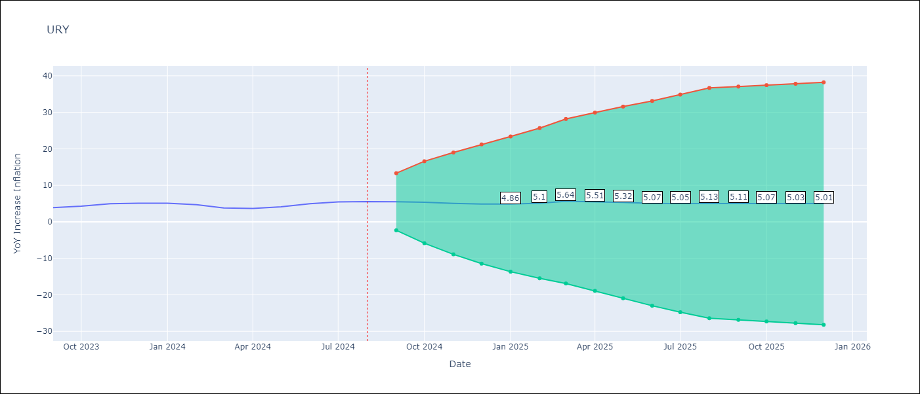

Test Metrics
RMSE | 7.1
Naive RMSE | 0.49
MAPE | 9.62%

Test Predictions
Date | Predicted | Actual
1990-01-01 | 0 | 90.95
1991-01-01 | 151.58 | 133.67
1991-02-01 | 176.4 | 126.32
1991-03-01 | 118.97 | 118.07
1991-04-01 | 109.82 | 111.63
1991-05-01 | 105.19 | 117.85
1991-06-01 | 124.08 | 107.34
1991-07-01 | 96.82 | 104.8
1991-08-01 | 102.27 | 106.21
1991-09-01 | 107.61 | 91.51
1991-10-01 | 76.82 | 86.57
1991-11-01 | 81.63 | 85.53
1991-12-01 | 65.46 | 81.45
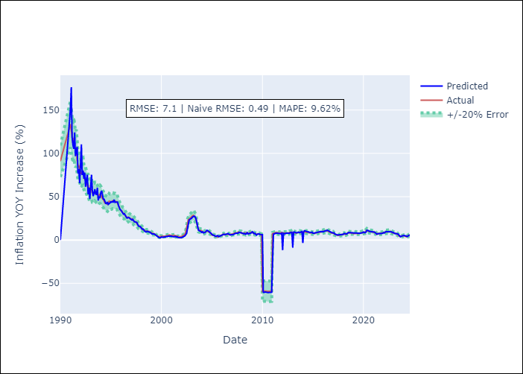
1992-01-01 | 83.78 | 78.06
1992-02-01 | 110.31 | 76.19
1992-03-01 | 74.96 | 78.77
1992-04-01 | 80.06 | 79.23
1992-05-01 | 70.68 | 72.53
1992-06-01 | 77.76 | 69.88
1992-07-01 | 61.53 | 70.12
1992-08-01 | 67.56 | 67.02
1992-09-01 | 75.37 | 63.38
1992-10-01 | 52.8 | 63.32
1992-11-01 | 60.49 | 58.64
1992-12-01 | 47.26 | 58.91
1993-01-01 | 61.69 | 57.07
1993-02-01 | 75.3 | 58.71
1993-03-01 | 57.57 | 54.32
1993-04-01 | 50.68 | 54.34
1993-05-01 | 54.1 | 54.42
1993-06-01 | 58.7 | 56.4
1993-07-01 | 52.95 | 54.18
1993-08-01 | 52.67 | 53.67
1993-09-01 | 60.34 | 52.96
1993-10-01 | 45.58 | 50.73
1993-11-01 | 50.15 | 52.28
1993-12-01 | 48.32 | 52.86
1994-01-01 | 54.56 | 51.99
1994-02-01 | 56.76 | 48.96
1994-03-01 | 52.41 | 47.87
Appendix A: Model Summary |  | 47.02
Model | ARIMA(0, 2, 1)x(3, 0, [], 12) | 44.28
Sample | 01-01-1990- 08-01-2024 | 42.62
No. of Observations | 416 | 42.83
Terms | P-value (Statistical significance) | 41.63
ma.L1 | 0.000 | 41.25
ar.S.L12 | 0.000 | 43.08
ar.S.L24 | 0.000 | 44.74
ar.S.L36 | 0.000 | 44.11
sigma2 | 0.000 | 43.85
Assumptions | P-value | 44.25
1995-03-01 | 44.45 | 45.32
1995-04-01 | 43.92 | 45.33
1995-05-01 | 46.58 | 44.57
1995-06-01 | 43.42 | 44.88
1995-07-01 | 43.77 | 43.96
1995-08-01 | 43.71 | 44.35
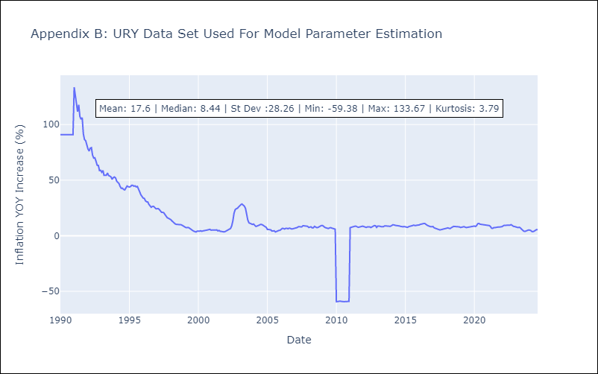
1995-09-01 | 43.73 | 42.24
1995-10-01 | 39.99 | 39.51
1995-11-01 | 36.56 | 36.84
1995-12-01 | 35.09 | 35.43
1996-01-01 | 34.41 | 33.87
1996-02-01 | 32.65 | 33.59
1996-03-01 | 32.17 | 31.43
1996-04-01 | 29.87 | 30.56
1996-05-01 | 30.36 | 30.4
1996-06-01 | 28.64 | 28.19
1996-07-01 | 27.26 | 27.15
1996-08-01 | 25.56 | 25.6
1996-09-01 | 25.48 | 26.32
1996-10-01 | 26.01 | 26.41
1996-11-01 | 25.47 | 25.48
1996-12-01 | 24.79 | 24.34
1997-01-01 | 23.84 | 24.28
1997-02-01 | 22.98 | 24.45
1997-03-01 | 23.91 | 23.67
1997-04-01 | 22.61 | 21.93
1997-05-01 | 21 | 21.08
1997-06-01 | 20.96 | 21.04
1997-07-01 | 20.31 | 20.66
1997-08-01 | 19.98 | 19.02
1997-09-01 | 17.6 | 17.1
1997-10-01 | 16.01 | 16.14
1997-11-01 | 15.77 | 15.71
1997-12-01 | 15.37 | 15.15
Appendix C: Residuals Analysis |  | 14.46
Mean | 0.25 | 13.33
1998-03-01 | 12.77 | 12.3
Normal? | No | 11.45
1998-05-01 | 10.39 | 10.55
1998-06-01 | 9.59 | 10.21
1998-07-01 | 9.24 | 10.13
1998-08-01 | 10.07 | 10.16
1998-09-01 | 9.77 | 9.95
1998-10-01 | 9.26 | 9.9
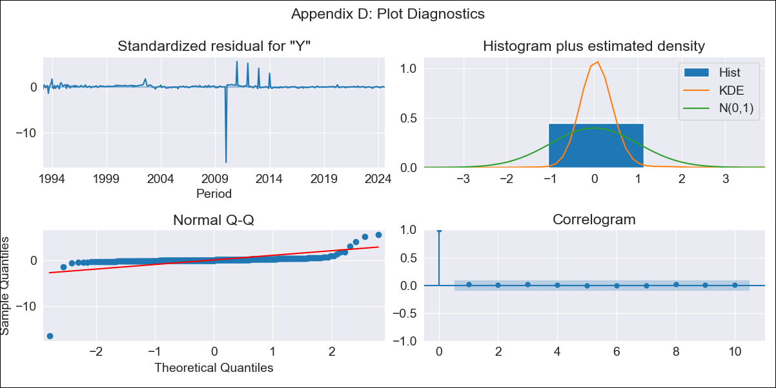
1998-11-01 | 9.26 | 9.34
1998-12-01 | 8.67 | 8.64
1999-01-01 | 7.63 | 7.88
1999-02-01 | 6.87 | 7.39
1999-03-01 | 7.05 | 7.24
1999-04-01 | 6.96 | 7.49
1999-05-01 | 6.75 | 7.05
1999-06-01 | 5.94 | 6.11
1999-07-01 | 4.76 | 5.18
1999-08-01 | 4.39 | 4.75
1999-09-01 | 3.85 | 4.09
1999-10-01 | 2.8 | 3.71
1999-11-01 | 2.75 | 3.38
1999-12-01 | 2.62 | 4.17
2000-01-01 | 3.37 | 3.88
2000-02-01 | 3.05 | 4.05
2000-03-01 | 3.12 | 4.47
2000-04-01 | 3.38 | 4.03
2000-05-01 | 3.3 | 4.34
2000-06-01 | 3.62 | 4.79
2000-07-01 | 4.04 | 4.78
2000-08-01 | 3.87 | 4.94
2000-09-01 | 4.36 | 5.32
2000-10-01 | 4.34 | 5.7
2000-11-01 | 4.84 | 5.75
2000-12-01 | 4.19 | 5.05
2001-01-01 | 4.33 | 5
2001-02-01 | 3.93 | 4.95
2001-03-01 | 3.57 | 4.7
2001-04-01 | 3.75 | 5.09
2001-05-01 | 3.93 | 5.27
2001-06-01 | 4.17 | 4.29
2001-07-01 | 3.46 | 4.81
2001-08-01 | 3.67 | 3.97
2001-09-01 | 2.81 | 3.88
2001-10-01 | 2.61 | 3.45
2001-11-01 | 2.5 | 3.49
2001-12-01 | 2.64 | 3.59
2002-01-01 | 2.77 | 4.15
2002-02-01 | 3.12 | 4.54
2002-03-01 | 3.53 | 5.07
2002-04-01 | 3.93 | 5.9
2002-05-01 | 4.75 | 6.49
2002-06-01 | 6.24 | 8.85
2002-07-01 | 7.78 | 13.15
2002-08-01 | 13.01 | 20.09
2002-09-01 | 19.52 | 23.45
2002-10-01 | 23.18 | 24.31
2002-11-01 | 23.86 | 24.74
2002-12-01 | 24.38 | 25.94
2003-01-01 | 25.21 | 27.19
2003-02-01 | 26.54 | 28.06
2003-03-01 | 27.39 | 28.51
2003-04-01 | 27.53 | 27.68
2003-05-01 | 26.83 | 26.65
2003-06-01 | 25 | 24.64
2003-07-01 | 21.06 | 19.46
2003-08-01 | 14.5 | 14.19
2003-09-01 | 11.41 | 11.63
2003-10-01 | 10.78 | 11.14
2003-11-01 | 10.47 | 10.84
2003-12-01 | 9.73 | 10.19
2004-01-01 | 8.75 | 10.53
2004-02-01 | 9.47 | 9.07
2004-03-01 | 8.27 | 8.38
2004-04-01 | 8.26 | 8.68
2004-05-01 | 8.86 | 9.41
2004-06-01 | 9.74 | 9.59
2004-07-01 | 11.1 | 10.15
2004-08-01 | 10.82 | 10.17
2004-09-01 | 10.28 | 9.59
2004-10-01 | 9.33 | 8.66
2004-11-01 | 8.34 | 8.2
2004-12-01 | 7.8 | 7.59
2005-01-01 | 6.38 | 5.68
2005-02-01 | 5.93 | 5.66
2005-03-01 | 5.5 | 5.48
2005-04-01 | 5.11 | 5.27
2005-05-01 | 4.72 | 4.2
2005-06-01 | 4.13 | 4.14
2005-07-01 | 4.81 | 4.42
2005-08-01 | 5.04 | 3.42
2005-09-01 | 3.91 | 3.95
2005-10-01 | 4.25 | 4.62
2005-11-01 | 4.58 | 4.77
2005-12-01 | 4.86 | 4.9
2006-01-01 | 5.49 | 5.94
2006-02-01 | 6.02 | 6.65
2006-03-01 | 6.61 | 6.53
2006-04-01 | 6.32 | 6
2006-05-01 | 6.24 | 6.64
2006-06-01 | 6.58 | 6.7
2006-07-01 | 6.79 | 6.24
2006-08-01 | 7.47 | 6.85
2006-09-01 | 6.77 | 6.6
2006-10-01 | 6.19 | 6.05
2006-11-01 | 5.78 | 6.21
2006-12-01 | 6.09 | 6.38
2007-01-01 | 5.99 | 6.81
2007-02-01 | 6.19 | 6.75
2007-03-01 | 6.66 | 7.36
2007-04-01 | 7.43 | 8.11
2007-05-01 | 7.64 | 8.25
2007-06-01 | 7.89 | 8.05
2007-07-01 | 7.84 | 8.03
2007-08-01 | 7.7 | 9.03
2007-09-01 | 8.81 | 8.9
2007-10-01 | 8.89 | 8.87
2007-11-01 | 8.49 | 8.58
2007-12-01 | 8.23 | 8.5
2008-01-01 | 7.82 | 7.44
2008-02-01 | 6.91 | 7.77
2008-03-01 | 7.15 | 8.03
2008-04-01 | 7.52 | 7.08
2008-05-01 | 6.64 | 7.2
2008-06-01 | 7.09 | 8.42
2008-07-01 | 8.38 | 8.02
2008-08-01 | 7 | 7.26
2008-09-01 | 7.16 | 7.46
2008-10-01 | 7.39 | 8.06
2008-11-01 | 7.98 | 8.51
2008-12-01 | 8.3 | 9.19
2009-01-01 | 9.43 | 9.21
2009-02-01 | 8.71 | 7.93
2009-03-01 | 7.32 | 7.53
2009-04-01 | 7.81 | 7.13
2009-05-01 | 6.68 | 6.63
2009-06-01 | 5.64 | 6.48
2009-07-01 | 6.69 | 7.06
2009-08-01 | 6.9 | 7.28
2009-09-01 | 7.09 | 6.89
2009-10-01 | 6.41 | 6.53
2009-11-01 | 6.14 | 6.39
2009-12-01 | 5.76 | 5.9
2010-01-01 | 6.12 | -59.38
2010-02-01 | -60.22 | -59.05
2010-03-01 | -60.58 | -58.97
2010-04-01 | -59.98 | -58.88
2010-05-01 | -60.15 | -58.99
2010-06-01 | -60.87 | -59.33
2010-07-01 | -61.04 | -59.3
2010-08-01 | -60.75 | -59.31
2010-09-01 | -60.49 | -59.28
2010-10-01 | -60.65 | -59.01
2010-11-01 | -60.4 | -59.07
2010-12-01 | -60.31 | -59.05
2011-01-01 | -13.68 | 7.27
2011-02-01 | 6.7 | 7.67
2011-03-01 | 6.95 | 8.17
2011-04-01 | 7.68 | 8.35
2011-05-01 | 7.86 | 8.53
2011-06-01 | 7.9 | 8.61
2011-07-01 | 7.7 | 8.26
2011-08-01 | 7.61 | 7.57
2011-09-01 | 6.98 | 7.8
2011-10-01 | 6.97 | 7.87
2011-11-01 | 7.23 | 8.41
2011-12-01 | 7.84 | 8.6
2012-01-01 | -11.64 | 8.05
2012-02-01 | 7.67 | 7.94
2012-03-01 | 7.45 | 7.48
2012-04-01 | 7.22 | 7.99
2012-05-01 | 7.84 | 8.06
2012-06-01 | 8.03 | 8
2012-07-01 | 7.99 | 7.38
2012-08-01 | 7.68 | 7.88
2012-09-01 | 7.62 | 8.64
2012-10-01 | 8.4 | 9.11
2012-11-01 | 8.66 | 9.03
2012-12-01 | 8.86 | 7.48
2013-01-01 | -8.86 | 8.72
2013-02-01 | 8.83 | 8.89
2013-03-01 | 9.25 | 8.54
2013-04-01 | 8.32 | 8.14
2013-05-01 | 8.27 | 8.06
2013-06-01 | 8.36 | 8.21
2013-07-01 | 9.01 | 8.84
2013-08-01 | 9.01 | 8.86
2013-09-01 | 8.44 | 9.02
2013-10-01 | 8.84 | 8.67
2013-11-01 | 8.74 | 8.51
2013-12-01 | 9.76 | 8.52
2014-01-01 | -3.54 | 9.1
2014-02-01 | 9.43 | 9.82
2014-03-01 | 10.67 | 9.73
2014-04-01 | 10.24 | 9.18
2014-05-01 | 9.62 | 9.18
2014-06-01 | 9.52 | 9.08
2014-07-01 | 9.37 | 9.06
2014-08-01 | 9.38 | 8.75
2014-09-01 | 8.68 | 8.36
2014-10-01 | 8.8 | 8.11
2014-11-01 | 8.55 | 8.05
2014-12-01 | 9.04 | 8.26
2015-01-01 | 7.78 | 8.02
2015-02-01 | 7.82 | 7.43
2015-03-01 | 8.07 | 7.55
2015-04-01 | 8.36 | 8.23
2015-05-01 | 8.59 | 8.41
2015-06-01 | 8.76 | 8.53
2015-07-01 | 8.71 | 9.02
2015-08-01 | 9.48 | 9.48
2015-09-01 | 9.89 | 9.14
2015-10-01 | 9.7 | 9.15
2015-11-01 | 9.58 | 9.46
2015-12-01 | 9.88 | 9.44
2016-01-01 | 9.44 | 9.68
2016-02-01 | 10.07 | 10.23
2016-03-01 | 10.54 | 10.6
2016-04-01 | 10.72 | 10.47
2016-05-01 | 10.65 | 11
2016-06-01 | 11.24 | 10.94
2016-07-01 | 10.78 | 10.05
2016-08-01 | 10.13 | 9.38
2016-09-01 | 10.03 | 8.9
2016-10-01 | 9.3 | 8.45
2016-11-01 | 8.51 | 8.1
2016-12-01 | 8.23 | 8.1
2017-01-01 | 8.14 | 8.27
2017-02-01 | 8.22 | 7.09
2017-03-01 | 6.98 | 6.71
2017-04-01 | 6.79 | 6.46
2017-05-01 | 6.18 | 5.58
2017-06-01 | 5.75 | 5.31
2017-07-01 | 5.89 | 5.24
2017-08-01 | 5.7 | 5.45
2017-09-01 | 6.13 | 5.75
2017-10-01 | 6.23 | 6.04
2017-11-01 | 6.29 | 6.3
2017-12-01 | 6.38 | 6.55
2018-01-01 | 6.49 | 6.67
2018-02-01 | 7.5 | 7.07
2018-03-01 | 7.28 | 6.65
2018-04-01 | 6.86 | 6.49
2018-05-01 | 6.95 | 7.21
2018-06-01 | 7.5 | 8.11
2018-07-01 | 8.57 | 8.41
2018-08-01 | 8.57 | 8.31
2018-09-01 | 8.45 | 8.26
2018-10-01 | 8.34 | 8.01
2018-11-01 | 8.02 | 8.05
2018-12-01 | 7.95 | 7.96
2019-01-01 | 7.86 | 7.39
2019-02-01 | 7.58 | 7.49
2019-03-01 | 7.97 | 7.78
2019-04-01 | 8.1 | 8.17
2019-05-01 | 8.01 | 7.73
2019-06-01 | 7.28 | 7.36
2019-07-01 | 7.4 | 7.54
2019-08-01 | 7.71 | 7.76
2019-09-01 | 7.82 | 7.78
2019-10-01 | 7.99 | 8.34
2019-11-01 | 8.36 | 8.4
2019-12-01 | 8.44 | 8.79
2020-01-01 | 9.21 | 8.71
2020-02-01 | 8.75 | 8.32
2020-03-01 | 8.42 | 9.16
2020-04-01 | 9.08 | 10.86
2020-05-01 | 11.16 | 11.05
2020-06-01 | 11.11 | 10.36
2020-07-01 | 10.23 | 10.13
2020-08-01 | 10.08 | 9.79
2020-09-01 | 9.84 | 9.92
2020-10-01 | 9.68 | 9.75
2020-11-01 | 9.75 | 9.59
2020-12-01 | 9.4 | 9.41
2021-01-01 | 9.79 | 8.89
2021-02-01 | 9.13 | 9.12
2021-03-01 | 8.54 | 8.34
2021-04-01 | 7.07 | 6.76
2021-05-01 | 6.75 | 6.64
2021-06-01 | 7.19 | 7.33
2021-07-01 | 7.44 | 7.3
2021-08-01 | 7.53 | 7.59
2021-09-01 | 7.56 | 7.41
2021-10-01 | 7.4 | 7.89
2021-11-01 | 8.04 | 7.86
2021-12-01 | 7.91 | 7.96
2022-01-01 | 8.54 | 8.15
2022-02-01 | 8.2 | 8.85
2022-03-01 | 9.07 | 9.38
2022-04-01 | 9.8 | 9.37
2022-05-01 | 9.52 | 9.37
2022-06-01 | 9.31 | 9.29
2022-07-01 | 9.45 | 9.56
2022-08-01 | 9.52 | 9.53
2022-09-01 | 9.68 | 9.95
2022-10-01 | 9.66 | 9.05
2022-11-01 | 9.18 | 8.46
2022-12-01 | 8.45 | 8.3
2023-01-01 | 8.44 | 8.05
2023-02-01 | 7.56 | 7.55
2023-03-01 | 7.39 | 7.33
2023-04-01 | 7.75 | 7.61
2023-05-01 | 7.65 | 7.1
2023-06-01 | 7.01 | 5.98
2023-07-01 | 5.84 | 4.79
2023-08-01 | 4.72 | 4.11
2023-09-01 | 3.83 | 3.87
2023-10-01 | 4.3 | 4.3
2023-11-01 | 4.71 | 4.96
2023-12-01 | 5.03 | 5.11
2024-01-01 | 5.27 | 5.09
2024-02-01 | 5.07 | 4.71
2024-03-01 | 4.73 | 3.79
2024-04-01 | 3.82 | 3.68
2024-05-01 | 3.99 | 4.1
2024-06-01 | 4.74 | 4.96
2024-07-01 | 5.63 | 5.45
2024-08-01 | 5.82 | 5.57

VEN
VEN - Inflation - Next 12 months forecast as of: 2024-04-01

Model | ARIMA - [(3, 0, 0), (0, 0, 0, 12)]
Training Data | 2009-01-01 to 2023-05-01
Test Data | 2023-05-01 to 2024-04-01

Date | Inflation Change YoY % | Lower Bound - 95% Confidence Interval | Upper Bound - 95% Confidence Interval
2024-05-01 | 888.03 | -19249.15 | 21025.22
2024-06-01 | 2390.05 | -39485.22 | 44265.32
2024-07-01 | 4192.01 | -56582.58 | 64966.59
2024-08-01 | 5970.94 | -68758.69 | 80700.57
2024-09-01 | 7532.9 | -76386.93 | 91452.73
2024-10-01 | 8798.79 | -80645.85 | 98243.43
2024-11-01 | 9765.95 | -82751.66 | 102283.55
2024-12-01 | 10472.01 | -83642.57 | 104586.6
2025-01-01 | 10969.29 | -83927.54 | 105866.12
2025-02-01 | 11309.69 | -83951.51 | 106570.89
2025-03-01 | 11537.6 | -83886.51 | 106961.71
2025-04-01 | 11687.73 | -83806.98 | 107182.45
2025-05-01 | 11785.57 | -83739.11 | 107310.26
2025-06-01 | 11849 | -83688.28 | 107386.28
2025-07-01 | 11890.12 | -83652.45 | 107432.69
2025-08-01 | 11916.9 | -83627.91 | 107461.72

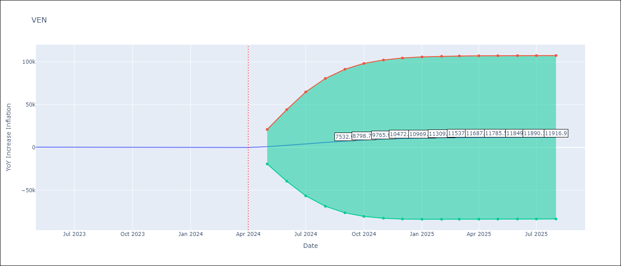

Test Metrics
RMSE | 10257.47
Naive RMSE | 45.01
MAPE | 1685.68%

Test Predictions
Date | Predicted | Actual
2009-01-01 | 11971.07 | 29.87
2009-02-01 | -9800.96 | 28.77
2009-03-01 | 3774.68 | 28.1
2009-04-01 | 853.99 | 28.28
2009-05-01 | 854.81 | 26.78
2009-06-01 | 851.7 | 25.98
2009-07-01 | 851.99 | 26.17
2009-08-01 | 852.89 | 26.72
2009-09-01 | 853.46 | 27.34
2009-10-01 | 854.03 | 26.7
2009-11-01 | 852.29 | 26.18
2009-12-01 | 852.21 | 25.06
2010-01-01 | 850.61 | 24.35
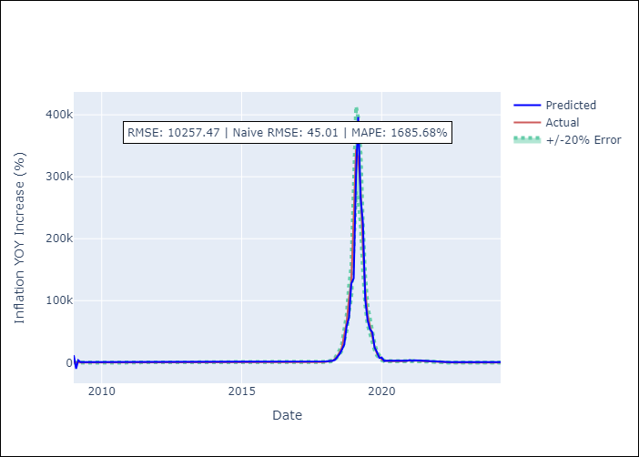
2010-02-01 | 850.46 | 24.71
2010-03-01 | 851.65 | 26.24
2010-04-01 | 853.86 | 30.42
2010-05-01 | 859.83 | 31.23
2010-06-01 | 856.92 | 31.31
2010-07-01 | 857.18 | 30.47
2010-08-01 | 855.75 | 29.68
2010-09-01 | 855.27 | 27.92
2010-10-01 | 852.77 | 27.47
2010-11-01 | 853.75 | 27.02
2010-12-01 | 853.01 | 27.18
2011-01-01 | 853.72 | 28.47
2011-02-01 | 855.76 | 28.68
2011-03-01 | 854.73 | 27.42
2011-04-01 | 852.51 | 22.89
2011-05-01 | 845.72 | 22.78
2011-06-01 | 850.38 | 23.58
2011-07-01 | 850.85 | 25.12
2011-08-01 | 852.71 | 25.84
2011-09-01 | 852.48 | 26.46
2011-10-01 | 853.16 | 26.86
2011-11-01 | 853.37 | 27.63
2011-12-01 | 854.46 | 27.57
2012-01-01 | 853.58 | 26.04
2012-02-01 | 851.05 | 25.28
2012-03-01 | 851.38 | 24.6
2012-04-01 | 850.65 | 23.81
Appendix A: Model Summary |  | 22.6
Model | ARIMA(3, 0, 0) | 21.33
Sample | 01-01-2009- 04-01-2024 | 19.37
No. of Observations | 184 | 18.06
Terms | P-value (Statistical significance) | 18.02
const | 0.616 | 17.89
ar.L1 | 0.000 | 18.05
ar.L2 | 0.000 | 20.07
ar.L3 | 0.000 | 22.18
sigma2 | 0.000 | 22.82
Assumptions | P-value | 25.13
2013-04-01 | 853.45 | 29.44
2013-05-01 | 858.84 | 35.24
2013-06-01 | 865.08 | 39.61
2013-07-01 | 867.52 | 42.61
2013-08-01 | 869.43 | 45.35
2013-09-01 | 872.08 | 49.38
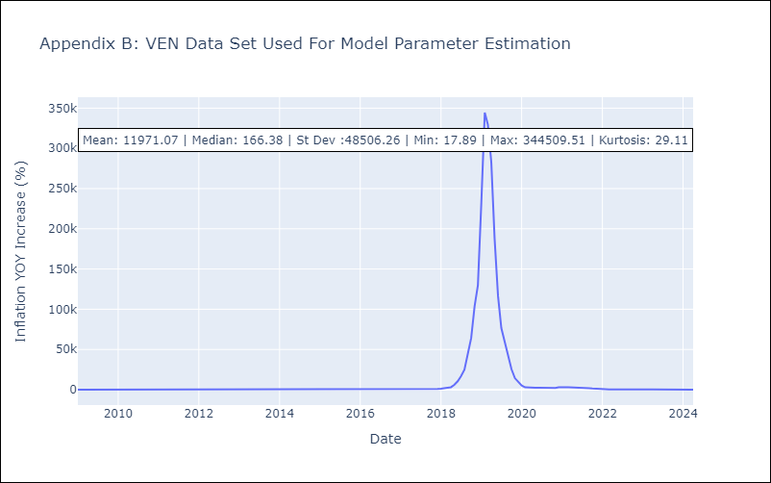
2013-10-01 | 877.04 | 54.35
2013-11-01 | 882.2 | 58.16
2013-12-01 | 884.48 | 56.19
2014-01-01 | 877.77 | 56.2
2014-02-01 | 880.96 | 57.37
2014-03-01 | 882.6 | 59.34
2014-04-01 | 884.87 | 61.48
2014-05-01 | 886.81 | 60.91
2014-06-01 | 883.83 | 60.49
2014-07-01 | 884.22 | 61.97
2014-08-01 | 887.28 | 63.42
2014-09-01 | 888.11 | 64.01
2014-10-01 | 887.91 | 63.86
2014-11-01 | 887.33 | 63.62
2014-12-01 | 887.19 | 68.54
2015-01-01 | 896.41 | 75.85
2015-02-01 | 904.07 | 80.13
2015-03-01 | 904.79 | 82.42
2015-04-01 | 905.86 | 83.6
2015-05-01 | 906.48 | 87.53
2015-06-01 | 912.84 | 97.22
2015-07-01 | 926.34 | 109.77
2015-08-01 | 939.17 | 126.86
2015-09-01 | 958.43 | 141.54
2015-10-01 | 968.82 | 156.14
2015-11-01 | 982.95 | 171.98
2015-12-01 | 998.8 | 180.87
2016-01-01 | 1000.57 | 184.76
Appendix C: Residuals Analysis |  | 195.13
Mean | -18.31 | 209.56
2016-04-01 | 1033.56 | 232.92
Normal? | No | 265.24
2016-06-01 | 1098.18 | 296.44
2016-07-01 | 1124.03 | 289.06
2016-08-01 | 1083 | 270.87
2016-09-01 | 1065.87 | 263.24
2016-10-01 | 1070.83 | 252.27
2016-11-01 | 1055.05 | 253.65
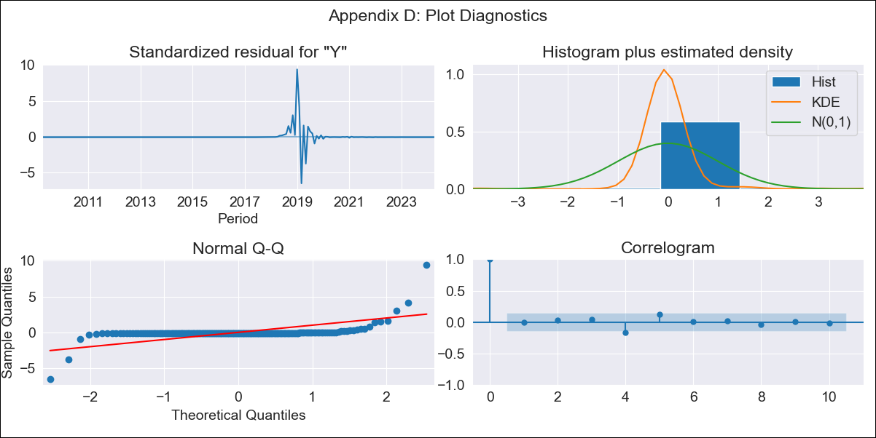
2016-12-01 | 1068.17 | 274.35
2017-01-01 | 1101.67 | 302.8
2017-02-01 | 1130.33 | 317.59
2017-03-01 | 1130.03 | 316.97
2017-04-01 | 1119.02 | 294.62
2017-05-01 | 1082.61 | 272.04
2017-06-01 | 1066.69 | 250.65
2017-07-01 | 1047.9 | 266.71
2017-08-01 | 1095.97 | 307.44
2017-09-01 | 1146.76 | 370.14
2017-10-01 | 1218.69 | 474.26
2017-11-01 | 1347.18 | 612.11
2017-12-01 | 1495.48 | 862.63
2018-01-01 | 1820.97 | 1259.22
2018-02-01 | 2292.92 | 1644.64
2018-03-01 | 2605.99 | 2127.89
2018-04-01 | 3145.83 | 3106.41
2018-05-01 | 4474.75 | 5937.52
2018-06-01 | 8642.21 | 10470.71
2018-07-01 | 13927.68 | 16766.06
2018-08-01 | 20943.87 | 24836.69
2018-09-01 | 29609.5 | 44950.55
2018-10-01 | 58645.66 | 64133.77
2018-11-01 | 72725.56 | 103523.05
2018-12-01 | 127650.44 | 130060.24
2019-01-01 | 135939.71 | 232471.69
2019-02-01 | 302123.92 | 344509.51
2019-03-01 | 396443.82 | 329567.6
2019-04-01 | 266857.89 | 282972.81
2019-05-01 | 226296.03 | 187634.91
2019-06-01 | 101794.79 | 116436.3
2019-07-01 | 68986.99 | 76597.21
2019-08-01 | 53986.52 | 58561.06
2019-09-01 | 48985.9 | 39113.75
2019-10-01 | 24291.75 | 25450.29
2019-11-01 | 17080.48 | 14291.39
2019-12-01 | 7514.06 | 9585.49
2020-01-01 | 8280.12 | 5196.96
2020-02-01 | 2900.07 | 2910.9
2020-03-01 | 2570.89 | 2430.6
2020-04-01 | 3221.12 | 2311.79
2020-05-01 | 2991.47 | 2296.59
2020-06-01 | 2981.37 | 2354.75
2020-07-01 | 3075.63 | 2358.49
2020-08-01 | 3012.61 | 2177.01
2020-09-01 | 2691.67 | 1813.09
2020-10-01 | 2235.44 | 1936.69
2020-11-01 | 2830.18 | 2167.71
2020-12-01 | 3021.84 | 2959.84
2021-01-01 | 4233.67 | 2665.36
2021-02-01 | 2852.56 | 2936.72
2021-03-01 | 3875.92 | 3012.23
2021-04-01 | 3633.03 | 2940.81
2021-05-01 | 3483.31 | 2719.47
2021-06-01 | 3179.43 | 2507.87
2021-07-01 | 3027.83 | 2444.42
2021-08-01 | 3098.6 | 2343.88
2021-09-01 | 2935.68 | 1945.99
2021-10-01 | 2309.01 | 1575.26
2021-11-01 | 2060.9 | 1197.5
2021-12-01 | 1696.36 | 686.38
2022-01-01 | 1103.31 | 472.46
2022-02-01 | 1202.03 | 340.45
2022-03-01 | 1079.56 | 284.41
2022-04-01 | 1075.17 | 222.26
2022-05-01 | 993.27 | 167.15
2022-06-01 | 949.78 | 157.24
2022-07-01 | 979.15 | 137.09
2022-08-01 | 940.2 | 114.13
2022-09-01 | 918.84 | 157.43
2022-10-01 | 1018.96 | 155.8
2022-11-01 | 961.13 | 165.6
2022-12-01 | 991.45 | 234.08
2023-01-01 | 1104.76 | 344.91
2023-02-01 | 1231.36 | 415.57
2023-03-01 | 1250.93 | 439.61
2023-04-01 | 1241.52 | 436.34
2023-05-01 | 1225.52 | 429.21
2023-06-01 | 1222.11 | 404.37
2023-07-01 | 1184.12 | 398.19
2023-08-01 | 1199.37 | 394.76
2023-09-01 | 1194.06 | 317.63
2023-10-01 | 1055.82 | 316.45
2023-11-01 | 1140.53 | 282.78
2023-12-01 | 1061.61 | 189.78
2024-01-01 | 930.05 | 107.36
2024-02-01 | 877.28 | 75.91
2024-03-01 | 890.9 | 67.76
2024-04-01 | 891.65 | 64.91

