BOL
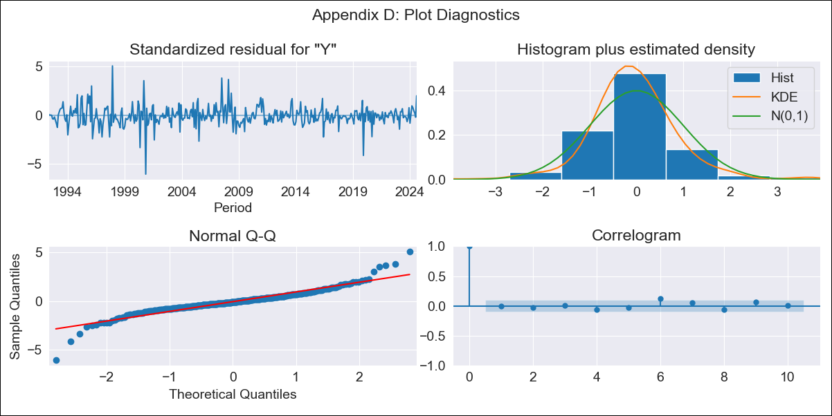
BOL - Inflation - Next 12 months forecast as of: 2024-08-01

Model | ARIMA - [(1, 1, 2), (0, 0, 2, 12)]
Training Data | 1990-01-01 to 2023-09-01
Test Data | 2023-09-01 to 2024-08-01

Date | Inflation Change YoY % | Lower Bound - 95% Confidence Interval | Upper Bound - 95% Confidence Interval
2024-09-01 | 5.77 | 4.69 | 6.86
2024-10-01 | 6.35 | 4.56 | 8.15
2024-11-01 | 6.82 | 4.46 | 9.18
2024-12-01 | 6.68 | 3.81 | 9.55
2025-01-01 | 7.2 | 3.84 | 10.55
2025-02-01 | 7.44 | 3.63 | 11.26
2025-03-01 | 7.13 | 2.86 | 11.39
2025-04-01 | 6.75 | 2.05 | 11.45
2025-05-01 | 6.51 | 1.38 | 11.64
2025-06-01 | 6.38 | 0.82 | 11.93
2025-07-01 | 6.49 | 0.52 | 12.45
2025-08-01 | 5.51 | -0.86 | 11.89
2025-09-01 | 5.23 | -1.28 | 11.73
2025-10-01 | 5.15 | -1.44 | 11.74
2025-11-01 | 5.08 | -1.58 | 11.74
2025-12-01 | 5.02 | -1.7 | 11.75

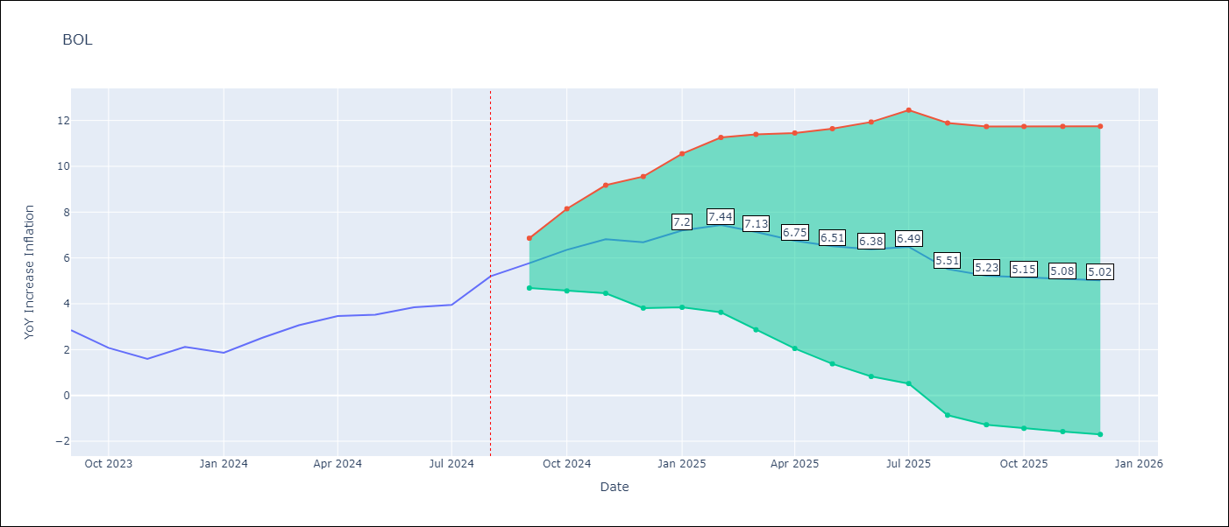

Test Metrics
RMSE | 0.79
Naive RMSE | 0.56
MAPE | 25.08%

Test Predictions
Date | Predicted | Actual
2023-09-01 | 3 | 2.85
2023-10-01 | 2.64 | 2.08
2023-11-01 | 2.46 | 1.59
2023-12-01 | 2.68 | 2.12
2024-01-01 | 2.81 | 1.86
2024-02-01 | 3.59 | 2.52
2024-03-01 | 3.66 | 3.06
2024-04-01 | 3.51 | 3.46
2024-05-01 | 3.18 | 3.52
2024-06-01 | 3.26 | 3.85
2024-07-01 | 3.38 | 3.95
2024-08-01 | 3.48 | 5.2

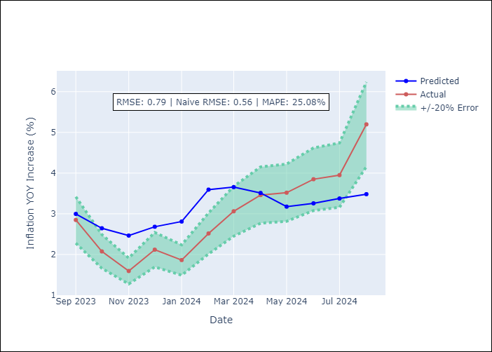

Appendix A: Model Summary
Model | ARIMA(1, 1, 2)x(0, 0, 2, 12)
Sample | 01-01-1990- 08-01-2024
No. of Observations | 416
Terms | P-value (Statistical significance)
ar.L1 | 0.000
ma.L1 | 0.000
ma.L2 | 0.000
ma.S.L12 | 0.000
ma.S.L24 | 0.857
sigma2 | 0.000
Assumptions | P-value

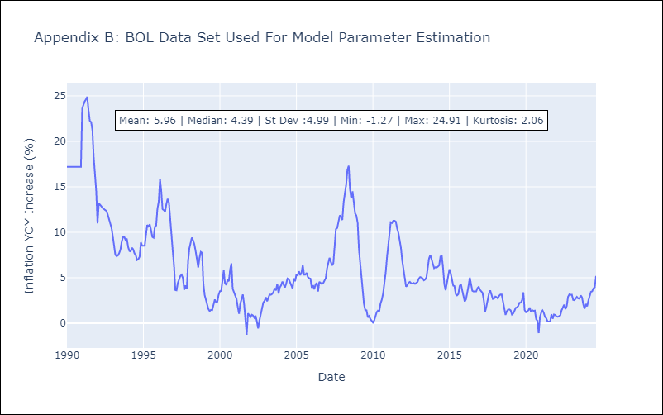

Appendix C: Residuals Analysis
Mean | -0.01

Normal? | No

