BOL
BOL - Inflation - Next 12 months forecast as of: 2024-08-01

Model | CNN - [(1, 1, 2), (0, 0, 2, 12)]
Training Data | 1990-01-01 to 2023-09-01
Test Data | 2023-09-01 to 2024-08-01

Date | Inflation Change YoY % | Lower Bound - 95% Confidence Interval | Upper Bound - 95% Confidence Interval
2024-09-01 | 3.9900000095 | 3.1900000572 | 4.7899999619
2024-10-01 | 4.5199999809 | 3.6199998856 | 5.4200000763
2024-11-01 | 4.8299999237 | 3.8599998951 | 5.7899999619
2024-12-01 | 5.0999999046 | 4.0799999237 | 6.1199998856
2025-01-01 | 5.0100002289 | 4.0100002289 | 6.0100002289
2025-02-01 | 5.0399999619 | 4.0399999619 | 6.0500001907
2025-03-01 | 4.6399998665 | 3.7100000381 | 5.5700001717
2025-04-01 | 4.6999998093 | 3.7599999905 | 5.6399998665
2025-05-01 | 4.7800002098 | 3.8199999332 | 5.7300000191
2025-06-01 | 4.9899997711 | 3.9900000095 | 5.9899997711
2025-07-01 | 5.0500001907 | 4.0399999619 | 6.0599999428
2025-08-01 | 5.1199998856 | 4.0999999046 | 6.1500000954

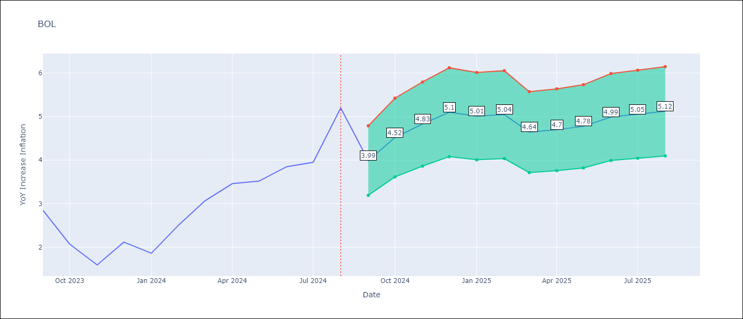

Test Metrics
RMSE | 0.81
Naive RMSE | 0.56
MAPE | 0.21%

Test Predictions
Date | Predicted | Actual
2023-09-01 | 2.3399999142 | 2.85
2023-10-01 | 2.0999999046 | 2.08
2023-11-01 | 1.4500000477 | 1.59
2023-12-01 | 1.1299999952 | 2.12
2024-01-01 | 2.0499999523 | 1.86
2024-02-01 | 2.0299999714 | 2.52
2024-03-01 | 2.2200000286 | 3.06
2024-04-01 | 2.5599999428 | 3.46
2024-05-01 | 2.8599998951 | 3.52
2024-06-01 | 2.9300000668 | 3.85
2024-07-01 | 3.25 | 3.95
2024-08-01 | 3.4400000572 | 5.2

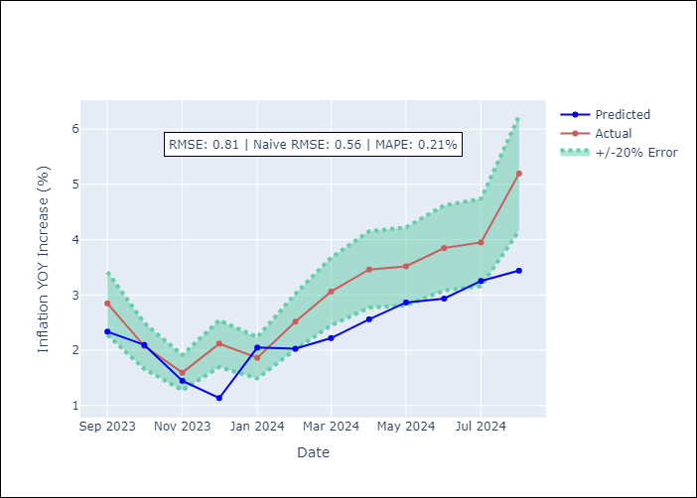

Appendix A: Model Summary
Model | VAR - [(1, 1, 2), (0, 0, 2, 12)]
Sample | 1990-01-01 to 2024-08-01
No. of Observations | 405
Terms | P-value (Statistical significance)

Assumptions | P-value

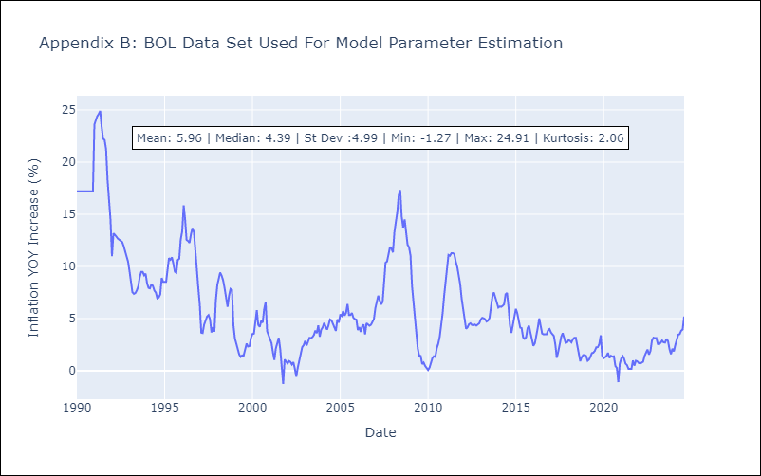

Appendix C: Residuals Analysis
Mean

