BOL
BOL - Inflation - Next 12 months forecast as of: 2024-08-01

Model | CNN - [(1, 1, 2), (0, 0, 2, 12)]
Training Data | 1990-01-01 to 2023-09-01
Test Data | 2023-09-01 to 2024-08-01

Date | Inflation Change YoY % | Lower Bound - 95% Confidence Interval | Upper Bound - 95% Confidence Interval
2024-09-01 | 3.3399999142 | 2.6700000763 | 4.0100002289
2024-10-01 | 3.2999999523 | 2.6400001049 | 3.9500000477
2024-11-01 | 3.2899999619 | 2.6300001144 | 3.9400000572
2024-12-01 | 3.2799999714 | 2.6199998856 | 3.9300000668
2025-01-01 | 3.25 | 2.5999999046 | 3.9000000954
2025-02-01 | 3.2799999714 | 2.6199998856 | 3.9400000572
2025-03-01 | 3.2599999905 | 2.6099998951 | 3.9100000858
2025-04-01 | 3.3099999428 | 2.6500000954 | 3.9700000286
2025-05-01 | 3.3099999428 | 2.6500000954 | 3.9700000286
2025-06-01 | 3.2999999523 | 2.6400001049 | 3.9600000381
2025-07-01 | 3.2899999619 | 2.6300001144 | 3.9500000477
2025-08-01 | 3.2799999714 | 2.6199998856 | 3.9400000572

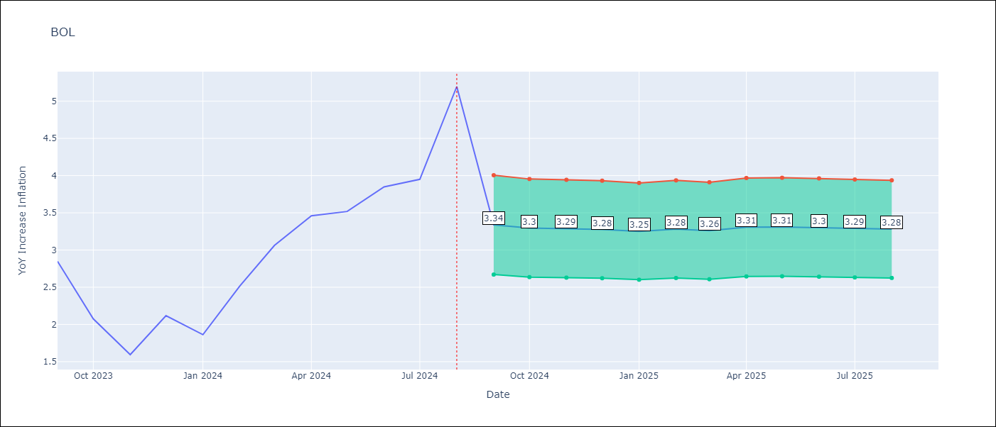

Test Metrics
RMSE | 0.57
Naive RMSE | 0.56
MAPE | 0.16%

Test Predictions
Date | Predicted | Actual
2023-09-01 | 2.5799999237 | 2.85
2023-10-01 | 2.4700000286 | 2.08
2023-11-01 | 1.6799999475 | 1.59
2023-12-01 | 1.5199999809 | 2.12
2024-01-01 | 2.3800001144 | 1.86
2024-02-01 | 2.6500000954 | 2.52
2024-03-01 | 2.6300001144 | 3.06
2024-04-01 | 2.6800000668 | 3.46
2024-05-01 | 3.0699999332 | 3.52
2024-06-01 | 3.3699998856 | 3.85
2024-07-01 | 3.7100000381 | 3.95
2024-08-01 | 3.8599998951 | 5.2

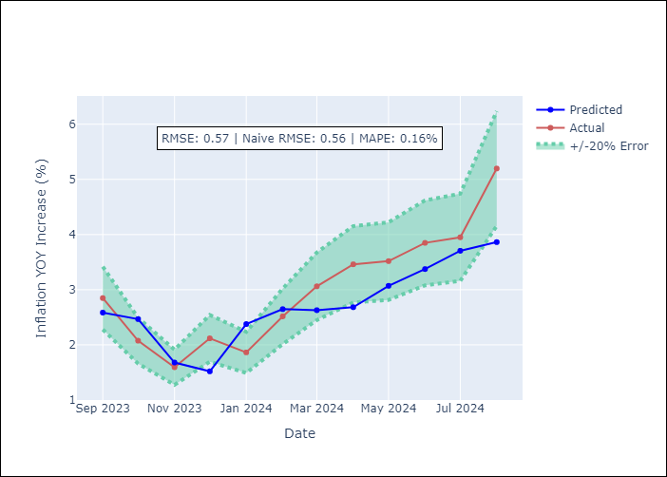

Appendix A: Model Summary
Model | VAR - [(1, 1, 2), (0, 0, 2, 12)]
Sample | 1990-01-01 to 2024-08-01
No. of Observations | 405
Terms | P-value (Statistical significance)

Assumptions | P-value

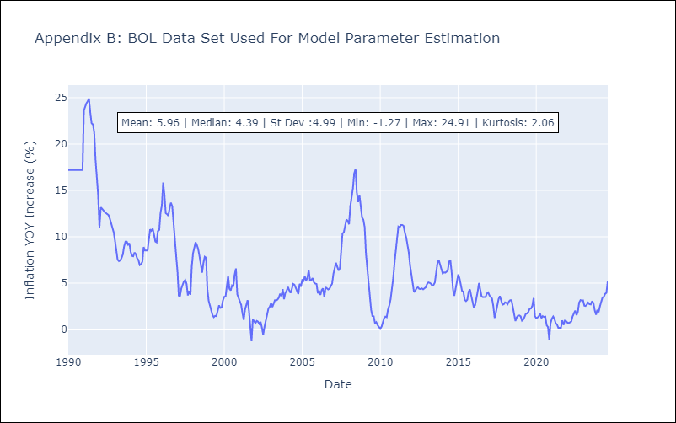

Appendix C: Residuals Analysis
Mean

