BOL
BOL - Inflation - Next 12 months forecast as of: 2024-08-01

Model | CNN - [(1, 1, 2), (0, 0, 2, 12)]
Training Data | 1990-01-01 to 2023-09-01
Test Data | 2023-09-01 to 2024-08-01

Date | Inflation Change YoY % | Lower Bound - 95% Confidence Interval | Upper Bound - 95% Confidence Interval
2024-09-01 | 4.0500001907 | 3.2400000095 | 4.8600001335
2024-10-01 | 4.1599998474 | 3.3199999332 | 4.9899997711
2024-11-01 | 4.0799999237 | 3.2699999809 | 4.9000000954
2024-12-01 | 4.4499998093 | 3.5599999428 | 5.3499999046
2025-01-01 | 3.7000000477 | 2.9600000381 | 4.4400000572
2025-02-01 | 4.4200000763 | 3.5399999619 | 5.3099999428
2025-03-01 | 4.1799998283 | 3.3399999142 | 5.0100002289
2025-04-01 | 4.0100002289 | 3.2000000477 | 4.8099999428
2025-05-01 | 3.8599998951 | 3.0899999142 | 4.6300001144
2025-06-01 | 4.1300001144 | 3.2999999523 | 4.9600000381
2025-07-01 | 4.4099998474 | 3.5299999714 | 5.2899999619
2025-08-01 | 3.9200000763 | 3.1400001049 | 4.7100000381

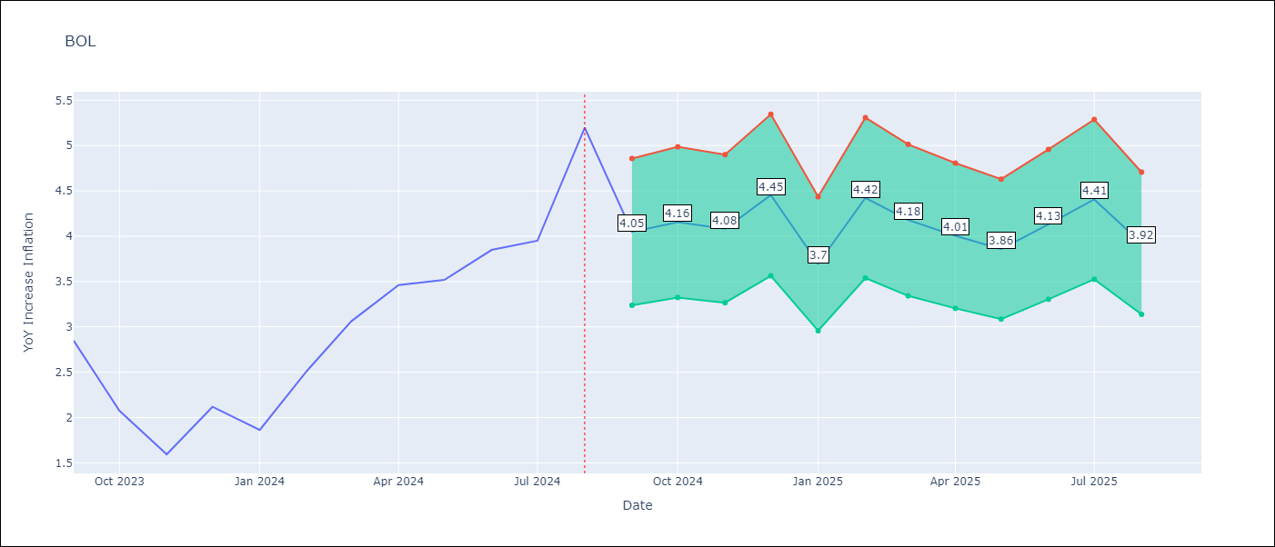

Test Metrics
RMSE | 1.03
Naive RMSE | 0.58
MAPE | 0.32%

Test Predictions
Date | Predicted | Actual
2023-09-01 | 2.9800000191 | 2.85
2023-10-01 | 2.9900000095 | 2.08
2023-11-01 | 2.9900000095 | 1.59
2023-12-01 | 2.9400000572 | 2.12
2024-01-01 | 2.7999999523 | 1.86
2024-02-01 | 2.7300000191 | 2.52
2024-03-01 | 2.7400000095 | 3.06
2024-04-01 | 2.75 | 3.46
2024-05-01 | 2.7100000381 | 3.52
2024-06-01 | 2.8299999237 | 3.85
2024-07-01 | 2.9100000858 | 3.95
2024-08-01 | 2.9600000381 | 5.2

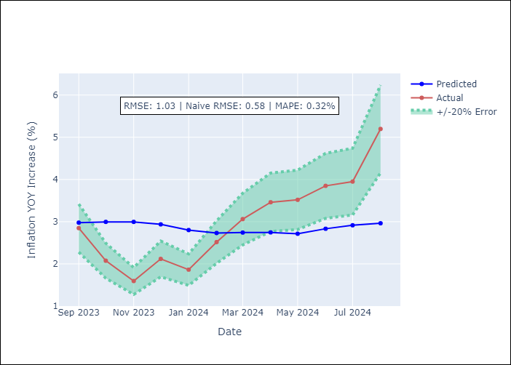

Appendix A: Model Summary
Model | VAR - [(1, 1, 2), (0, 0, 2, 12)]
Sample | 1990-01-01 to 2024-08-01
No. of Observations | 405
Terms | P-value (Statistical significance)

Assumptions | P-value

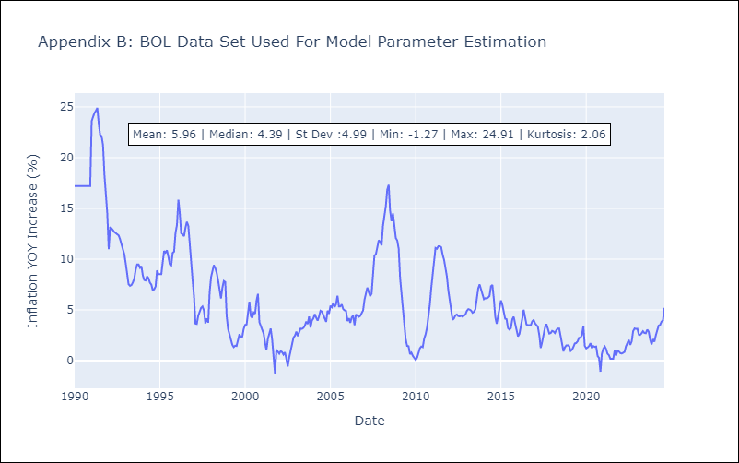

Appendix C: Residuals Analysis
Mean

