BOL
BOL - Inflation - Next 12 months forecast as of: 2024-08-01

Model | CNN - [(1, 1, 2), (0, 0, 2, 12)]
Training Data | 1990-01-01 to 2023-09-01
Test Data | 2023-09-01 to 2024-08-01

Date | Inflation Change YoY % | Lower Bound - 95% Confidence Interval | Upper Bound - 95% Confidence Interval
2024-09-01 | 2.3499999046 | 1.8799999952 | 2.8199999332
2024-10-01 | 2.2400000095 | 1.7899999619 | 2.6900000572
2024-11-01 | 2.2300000191 | 1.7799999714 | 2.6700000763
2024-12-01 | 2.4700000286 | 1.9700000286 | 2.9600000381
2025-01-01 | 2.3199999332 | 1.8600000143 | 2.7899999619
2025-02-01 | 2.5599999428 | 2.0499999523 | 3.0699999332
2025-03-01 | 2.5499999523 | 2.0399999619 | 3.0599999428
2025-04-01 | 2.4400000572 | 1.9500000477 | 2.9300000668
2025-05-01 | 2.4000000954 | 1.9199999571 | 2.8800001144
2025-06-01 | 2.4400000572 | 1.9500000477 | 2.9300000668
2025-07-01 | 2.4300000668 | 1.9500000477 | 2.9200000763
2025-08-01 | 2.8800001144 | 2.3099999428 | 3.4600000381

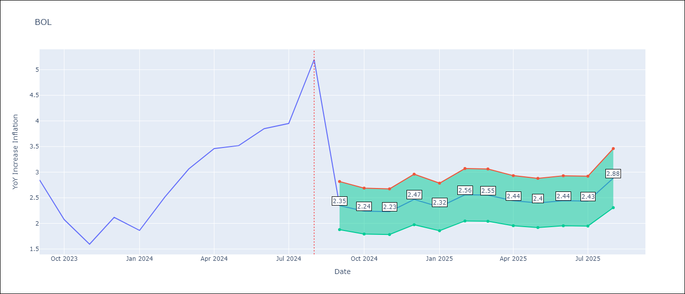

Test Metrics
RMSE | 0.92
Naive RMSE | 0.58
MAPE | 0.26%

Test Predictions
Date | Predicted | Actual
2023-09-01 | 3.2300000191 | 2.85
2023-10-01 | 3.0699999332 | 2.08
2023-11-01 | 2.5099999905 | 1.59
2023-12-01 | 2.3399999142 | 2.12
2024-01-01 | 2.1300001144 | 1.86
2024-02-01 | 2.25 | 2.52
2024-03-01 | 2.2599999905 | 3.06
2024-04-01 | 2.5399999619 | 3.46
2024-05-01 | 2.8399999142 | 3.52
2024-06-01 | 2.9700000286 | 3.85
2024-07-01 | 2.9400000572 | 3.95
2024-08-01 | 3.1400001049 | 5.2

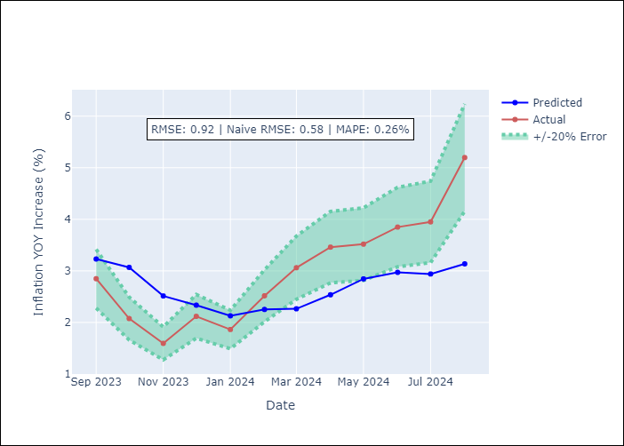

Appendix A: Model Summary
Model | VAR - [(1, 1, 2), (0, 0, 2, 12)]
Sample | 1990-01-01 to 2024-08-01
No. of Observations | 405
Terms | P-value (Statistical significance)

Assumptions | P-value

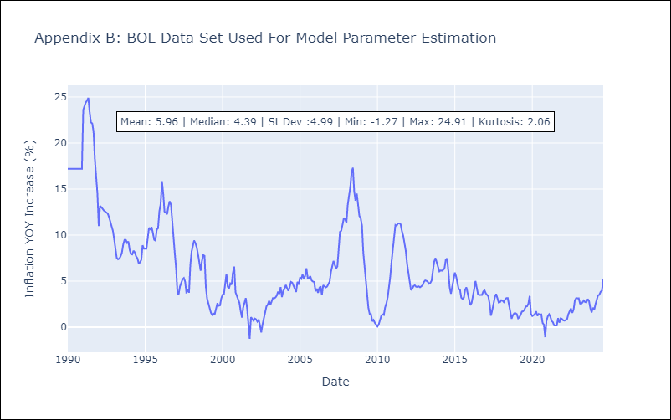

Appendix C: Residuals Analysis
Mean

