BOL
BOL - Inflation - Next 12 months forecast as of: 2024-08-01

Model | CNN - [(1, 1, 2), (0, 0, 2, 12)]
Training Data | 1990-01-01 to 2023-09-01
Test Data | 2023-09-01 to 2024-08-01

Date | Inflation Change YoY % | Lower Bound - 95% Confidence Interval | Upper Bound - 95% Confidence Interval
2024-09-01 | 2.3699998856 | 0.1099999994 | 0.17000000179
2024-10-01 | 2.2400000095 | 0.1099999994 | 0.15999999642
2024-11-01 | 2.2000000477 | 0.1099999994 | 0.15999999642
2024-12-01 | 2.1900000572 | 0.10000000149 | 0.15999999642
2025-01-01 | 2.1900000572 | 0.10000000149 | 0.15999999642
2025-02-01 | 2.2100000381 | 0.1099999994 | 0.15999999642
2025-03-01 | 2.2300000191 | 0.1099999994 | 0.15999999642
2025-04-01 | 2.2300000191 | 0.1099999994 | 0.15000000596
2025-05-01 | 2.1900000572 | 0.1099999994 | 0.15000000596
2025-06-01 | 2.2100000381 | 0.1099999994 | 0.15000000596
2025-07-01 | 2.2300000191 | 0.1099999994 | 0.15999999642
2025-08-01 | 2.3199999332 | 0.1099999994 | 0.15999999642

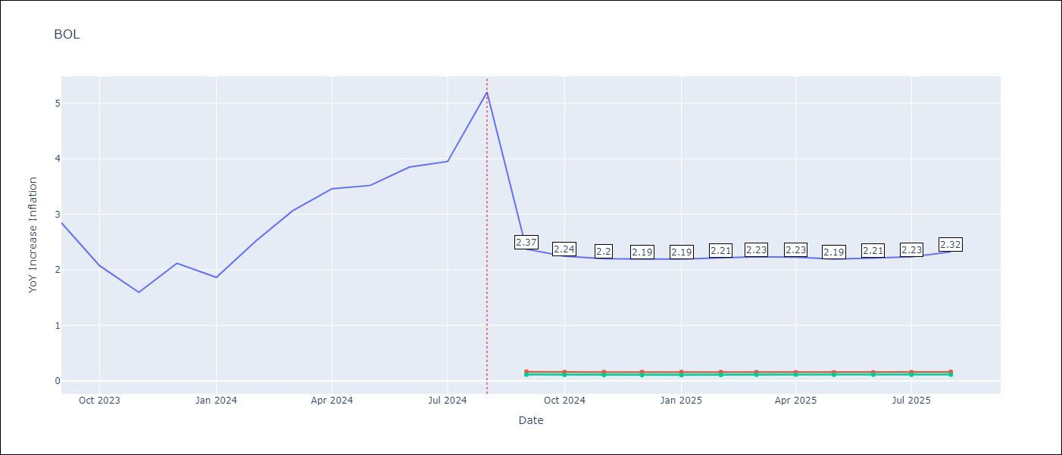

Test Metrics
RMSE | 0.74
Naive RMSE | 0.58
MAPE | 23.98%

Test Predictions
Date | Predicted | Actual
2023-09-01 | 3.1199998856 | 2.85
2023-10-01 | 3.0699999332 | 2.08
2023-11-01 | 2.75 | 1.59
2023-12-01 | 1.7400000095 | 2.12
2024-01-01 | 1.5199999809 | 1.86
2024-02-01 | 2.3900001049 | 2.52
2024-03-01 | 2.5399999619 | 3.06
2024-04-01 | 2.7200000286 | 3.46
2024-05-01 | 2.7899999619 | 3.52
2024-06-01 | 3.1400001049 | 3.85
2024-07-01 | 3.4700000286 | 3.95
2024-08-01 | 3.8399999142 | 5.2

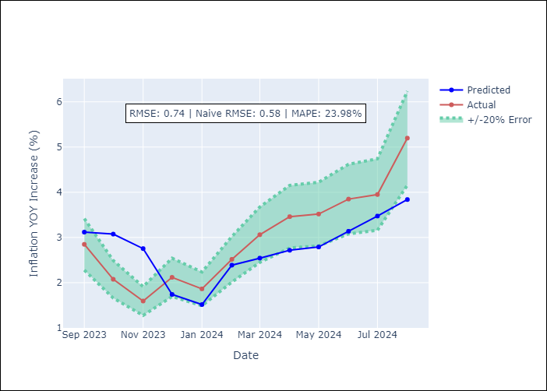

Appendix A: Model Summary
Model | VAR - [(1, 1, 2), (0, 0, 2, 12)]
Sample | 1990-01-01 to 2024-08-01
No. of Observations | 405
Terms | P-value (Statistical significance)

Assumptions | P-value

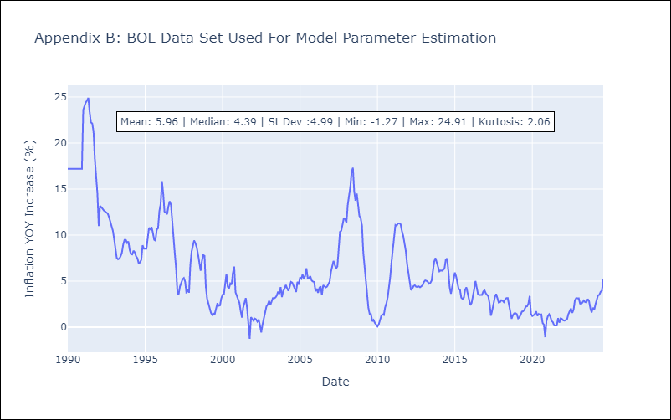

Appendix C: Residuals Analysis
Mean

