BOL
BOL - Inflation - Next 12 months forecast as of: 2024-08-01

Model | CNN - [(1, 1, 2), (0, 0, 2, 12)]
Training Data | 1990-01-01 to 2023-09-01
Test Data | 2023-09-01 to 2024-08-01

Date | Inflation Change YoY % | Lower Bound - 95% Confidence Interval | Upper Bound - 95% Confidence Interval
2024-09-01 | 2.9100000858 | 2.9100000858 | 2.9100000858
2024-10-01 | 2.4600000381 | 2.4600000381 | 2.4600000381
2024-11-01 | 1.9500000477 | 1.9500000477 | 1.9500000477
2024-12-01 | 2.1099998951 | 2.1099998951 | 2.1099998951
2025-01-01 | 2.7100000381 | 2.7100000381 | 2.7100000381
2025-02-01 | 2.4200000763 | 2.4200000763 | 2.4200000763
2025-03-01 | 2.8199999332 | 2.8199999332 | 2.8199999332
2025-04-01 | 2.7899999619 | 2.7899999619 | 2.7899999619
2025-05-01 | 2.5899999142 | 2.5899999142 | 2.5899999142
2025-06-01 | 2.6700000763 | 2.6700000763 | 2.6700000763
2025-07-01 | 2.7000000477 | 2.7000000477 | 2.7000000477
2025-08-01 | 3.2100000381 | 3.2100000381 | 3.2100000381

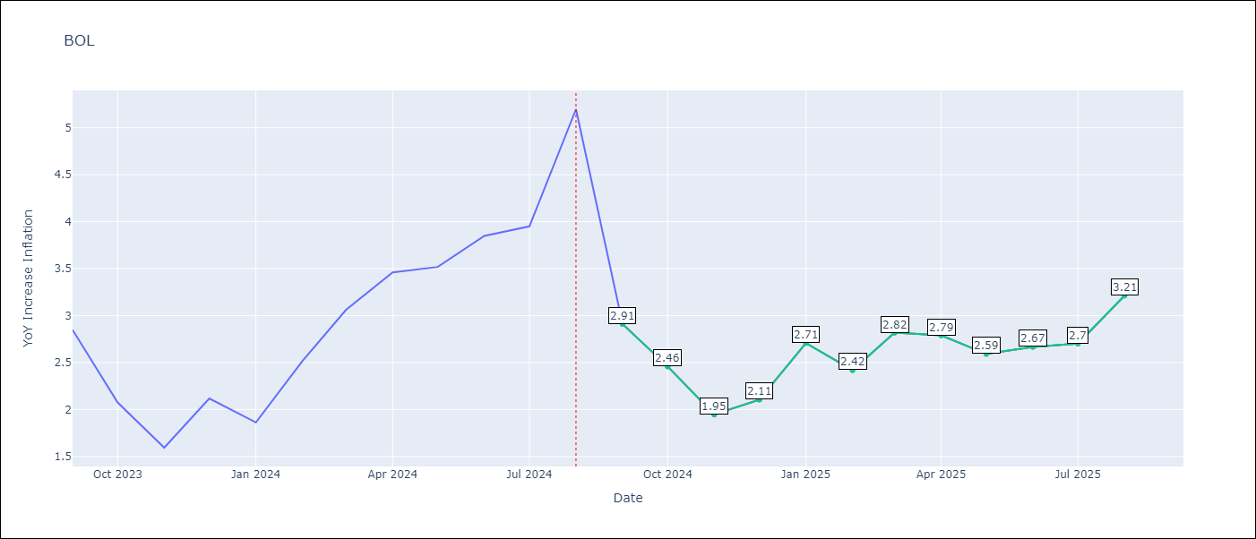

Test Metrics
RMSE | 0.88
Naive RMSE | 0.58
MAPE | 27.69%

Test Predictions
Date | Predicted | Actual
2023-09-01 | 2.5599999428 | 2.85
2023-10-01 | 2.5999999046 | 2.08
2023-11-01 | 2.1800000668 | 1.59
2023-12-01 | 1.3099999428 | 2.12
2024-01-01 | 1.1399999857 | 1.86
2024-02-01 | 2.0299999714 | 2.52
2024-03-01 | 2.0199999809 | 3.06
2024-04-01 | 2.3599998951 | 3.46
2024-05-01 | 2.6300001144 | 3.52
2024-06-01 | 2.9500000477 | 3.85
2024-07-01 | 3.2699999809 | 3.95
2024-08-01 | 3.5 | 5.2

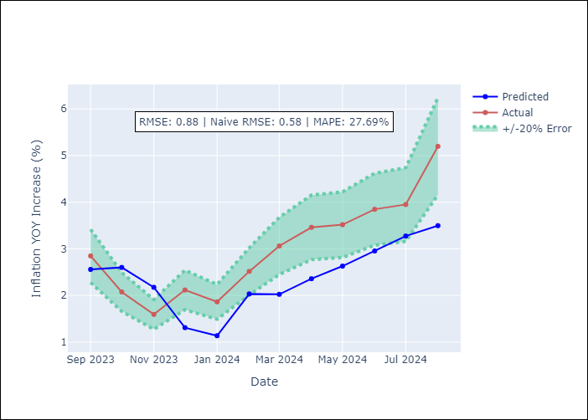

Appendix A: Model Summary
Model | VAR - [(1, 1, 2), (0, 0, 2, 12)]
Sample | 1990-01-01 to 2024-08-01
No. of Observations | 405
Terms | P-value (Statistical significance)

Assumptions | P-value

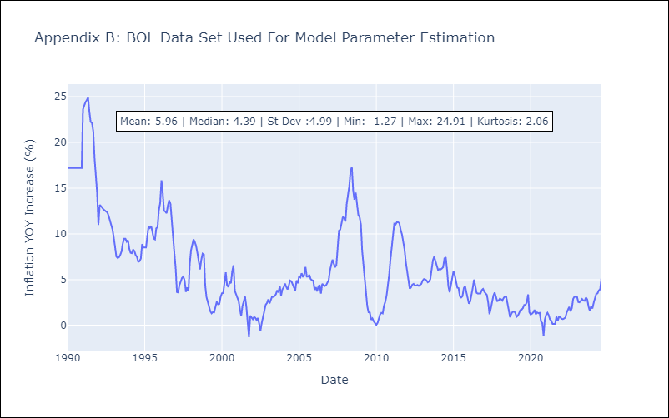

Appendix C: Residuals Analysis
Mean

