BOL
BOL - Inflation - Next 12 months forecast as of: 2024-08-01

Model | CNN - [(1, 1, 2), (0, 0, 2, 12)]
Training Data | 1990-01-01 to 2023-09-01
Test Data | 2023-09-01 to 2024-08-01

Date | Inflation Change YoY % | Lower Bound - 95% Confidence Interval | Upper Bound - 95% Confidence Interval
2024-09-01 | 2.9600000381 | 2.9600000381 | 2.9600000381
2024-10-01 | 2.2200000286 | 2.2200000286 | 2.2200000286
2024-11-01 | 1.6900000572 | 1.6900000572 | 1.6900000572
2024-12-01 | 1.8400000334 | 1.8400000334 | 1.8400000334
2025-01-01 | 2.0499999523 | 2.0499999523 | 2.0499999523
2025-02-01 | 2.9500000477 | 2.9500000477 | 2.9500000477
2025-03-01 | 3.1600000858 | 3.1600000858 | 3.1600000858
2025-04-01 | 3.1800000668 | 3.1800000668 | 3.1800000668
2025-05-01 | 2.8900001049 | 2.8900001049 | 2.8900001049
2025-06-01 | 3.1099998951 | 3.1099998951 | 3.1099998951
2025-07-01 | 3.4400000572 | 3.4400000572 | 3.4400000572
2025-08-01 | 3.8599998951 | 3.8599998951 | 3.8599998951

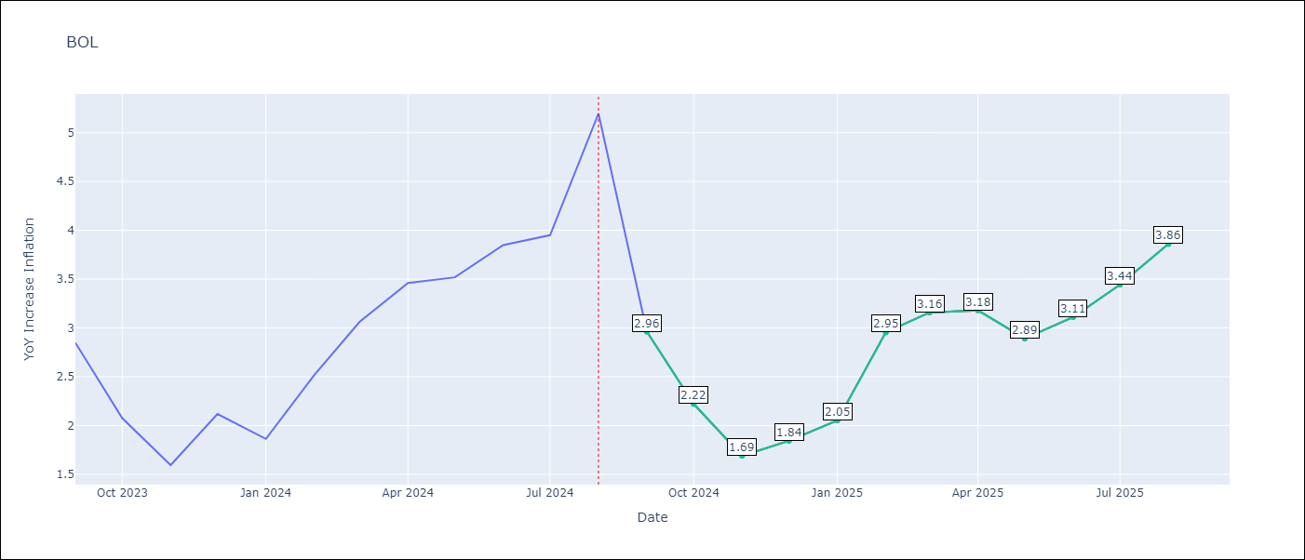

Test Metrics
RMSE | 0.77
Naive RMSE | 0.58
MAPE | 21.89%

Test Predictions
Date | Predicted | Actual
2023-09-01 | 3.2699999809 | 2.85
2023-10-01 | 3.1099998951 | 2.08
2023-11-01 | 2.5399999619 | 1.59
2023-12-01 | 1.9500000477 | 2.12
2024-01-01 | 1.7699999809 | 1.86
2024-02-01 | 2.5299999714 | 2.52
2024-03-01 | 2.6800000668 | 3.06
2024-04-01 | 2.7699999809 | 3.46
2024-05-01 | 2.75 | 3.52
2024-06-01 | 2.9200000763 | 3.85
2024-07-01 | 3.3099999428 | 3.95
2024-08-01 | 3.6199998856 | 5.2

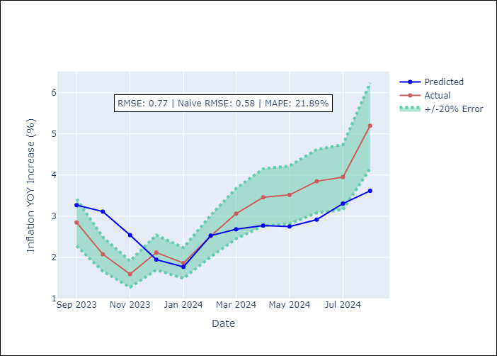

Appendix A: Model Summary
Model | VAR - [(1, 1, 2), (0, 0, 2, 12)]
Sample | 1990-01-01 to 2024-08-01
No. of Observations | 405
Terms | P-value (Statistical significance)

Assumptions | P-value

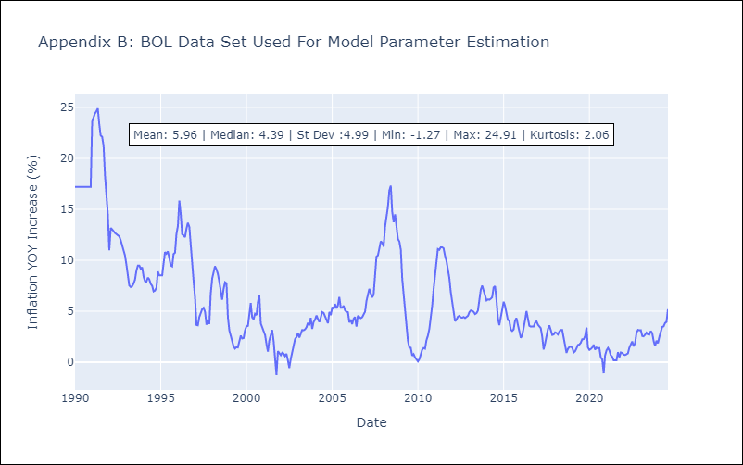

Appendix C: Residuals Analysis
Mean

