BOL
BOL - Inflation - Next 12 months forecast as of: 2024-08-01

Model | CNN - [(1, 1, 2), (0, 0, 2, 12)]
Training Data | 1990-01-01 to 2023-09-01
Test Data | 2023-09-01 to 2024-08-01

Date | Inflation Change YoY % | Lower Bound - 95% Confidence Interval | Upper Bound - 95% Confidence Interval
2024-09-01 | 3.0699999332 | 2.7000000477 | 3.4400000572
2024-10-01 | 2.5999999046 | 2.2000000477 | 2.9900000095
2024-11-01 | 2.0099999905 | 1.5499999523 | 2.4600000381
2024-12-01 | 1.9199999571 | 1.4800000191 | 2.3599998951
2025-01-01 | 2.2599999905 | 1.7400000095 | 2.7699999809
2025-02-01 | 2.9600000381 | 2.4300000668 | 3.4800000191
2025-03-01 | 3.4500000477 | 2.9200000763 | 3.9900000095
2025-04-01 | 3.2200000286 | 2.6300001144 | 3.7999999523
2025-05-01 | 2.8800001144 | 2.3199999332 | 3.4400000572
2025-06-01 | 3.2000000477 | 2.6500000954 | 3.75
2025-07-01 | 3.5499999523 | 2.9100000858 | 4.1900000572
2025-08-01 | 3.7100000381 | 2.9300000668 | 4.4899997711

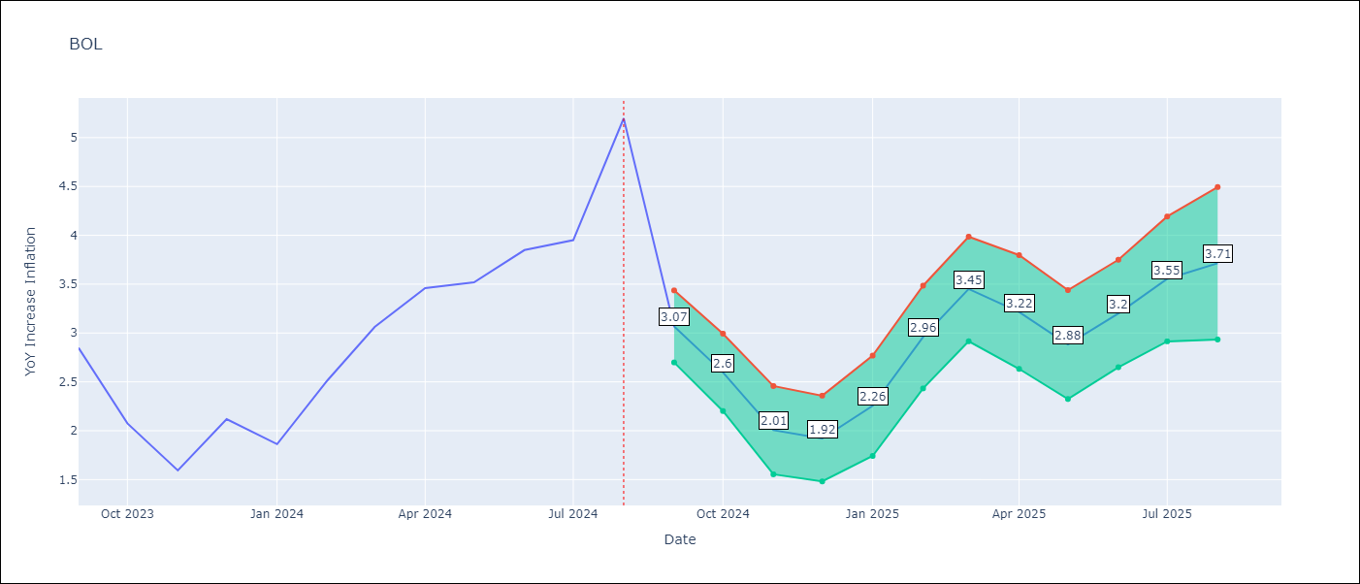

Test Metrics
RMSE | 2.47
Naive RMSE | 0.58
MAPE | 77.94%

Test Predictions
Date | Predicted | Actual
2023-09-01 | 2.7799999714 | 2.85
2023-10-01 | 2.9700000286 | 2.08
2023-11-01 | 3.8800001144 | 1.59
2023-12-01 | 6.1599998474 | 2.12
2024-01-01 | 7.5300002098 | 1.86
2024-02-01 | 5.8699998856 | 2.52
2024-03-01 | 4.1100001335 | 3.06
2024-04-01 | 3.7799999714 | 3.46
2024-05-01 | 3.4300000668 | 3.52
2024-06-01 | 3.6700000763 | 3.85
2024-07-01 | 3.0099999905 | 3.95
2024-08-01 | 2.9300000668 | 5.2

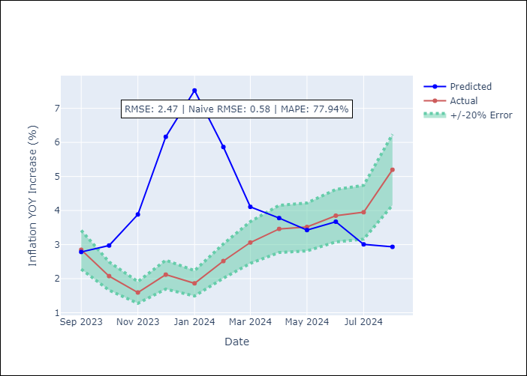

Appendix A: Model Summary
Model | VAR - [(1, 1, 2), (0, 0, 2, 12)]
Sample | 1990-01-01 to 2024-08-01
No. of Observations | 405
Terms | P-value (Statistical significance)

Assumptions | P-value

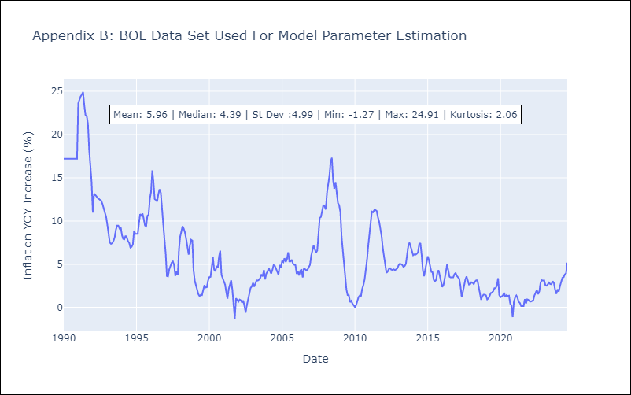

Appendix C: Residuals Analysis
Mean

