BOL
BOL - Inflation - Next 12 months forecast as of: 2024-08-01

Model | CNN - [(1, 1, 2), (0, 0, 2, 12)]
Training Data | 1990-01-01 to 2023-09-01
Test Data | 2023-09-01 to 2024-08-01

Date | Inflation Change YoY % | Lower Bound - 95% Confidence Interval | Upper Bound - 95% Confidence Interval
2024-09-01 | 2.7000000477 | 2.3199999332 | 3.0799999237
2024-10-01 | 2.3299999237 | 1.9099999666 | 2.7400000095
2024-11-01 | 1.9099999666 | 1.4400000572 | 2.3800001144
2024-12-01 | 1.7599999905 | 1.3200000525 | 2.1900000572
2025-01-01 | 1.7100000381 | 1.2899999619 | 2.1300001144
2025-02-01 | 2.3800001144 | 1.9800000191 | 2.7799999714
2025-03-01 | 2.5599999428 | 2.0699999332 | 3.0499999523
2025-04-01 | 2.4200000763 | 2.0199999809 | 2.8199999332
2025-05-01 | 2.1600000858 | 1.7599999905 | 2.5599999428
2025-06-01 | 2.5399999619 | 2.1900000572 | 2.8900001049
2025-07-01 | 2.7000000477 | 2.3099999428 | 3.0799999237
2025-08-01 | 3.1900000572 | 2.7300000191 | 3.6500000954

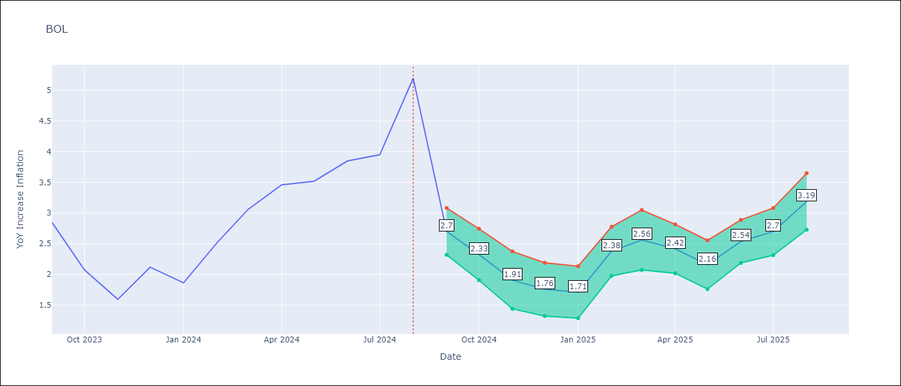

Test Metrics
RMSE | 0.79
Naive RMSE | 0.58
MAPE | 24.91%

Test Predictions
Date | Predicted | Actual
2023-09-01 | 2.7000000477 | 2.85
2023-10-01 | 2.75 | 2.08
2023-11-01 | 2.4200000763 | 1.59
2023-12-01 | 1.3899999857 | 2.12
2024-01-01 | 1.1699999571 | 1.86
2024-02-01 | 2.5099999905 | 2.52
2024-03-01 | 2.0599999428 | 3.06
2024-04-01 | 2.6400001049 | 3.46
2024-05-01 | 2.9800000191 | 3.52
2024-06-01 | 3.1199998856 | 3.85
2024-07-01 | 3.2799999714 | 3.95
2024-08-01 | 3.6400001049 | 5.2

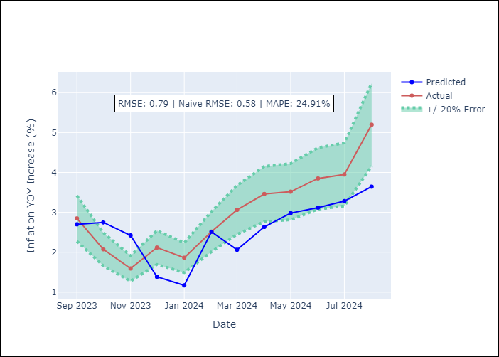

Appendix A: Model Summary
Model | VAR - [(1, 1, 2), (0, 0, 2, 12)]
Sample | 1990-01-01 to 2024-08-01
No. of Observations | 405
Terms | P-value (Statistical significance)

Assumptions | P-value

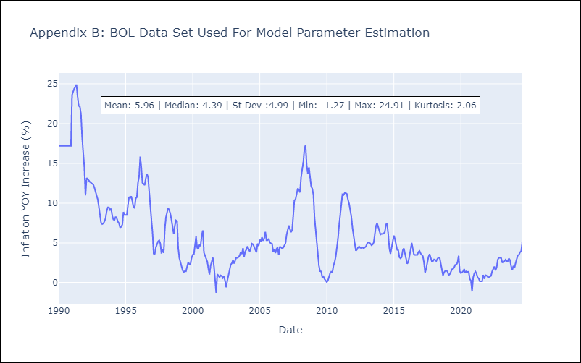

Appendix C: Residuals Analysis
Mean

