BOL
BOL - Inflation - Next 12 months forecast as of: 2024-08-01

Model | CNN - [(1, 1, 2), (0, 0, 2, 12)]
Training Data | 1990-01-01 to 2023-09-01
Test Data | 2023-09-01 to 2024-08-01

Date | Inflation Change YoY % | Lower Bound - 95% Confidence Interval | Upper Bound - 95% Confidence Interval
2024-09-01 | 2.9000000954 | 2.3299999237 | 3.4700000286
2024-10-01 | 2.8499999046 | 2.2699999809 | 3.4300000668
2024-11-01 | 2.7699999809 | 2.2100000381 | 3.3399999142
2024-12-01 | 2.7200000286 | 2.1099998951 | 3.3299999237
2025-01-01 | 2.7300000191 | 2.1600000858 | 3.3099999428
2025-02-01 | 2.7899999619 | 2.1500000954 | 3.4300000668
2025-03-01 | 2.9800000191 | 2.2999999523 | 3.6600000858
2025-04-01 | 3.2200000286 | 2.4300000668 | 4
2025-05-01 | 3.4200000763 | 2.4500000477 | 4.3899998665
2025-06-01 | 3.5699999332 | 2.5399999619 | 4.5900001526
2025-07-01 | 3.6800000668 | 2.5499999523 | 4.8200001717
2025-08-01 | 3.75 | 2.5099999905 | 5

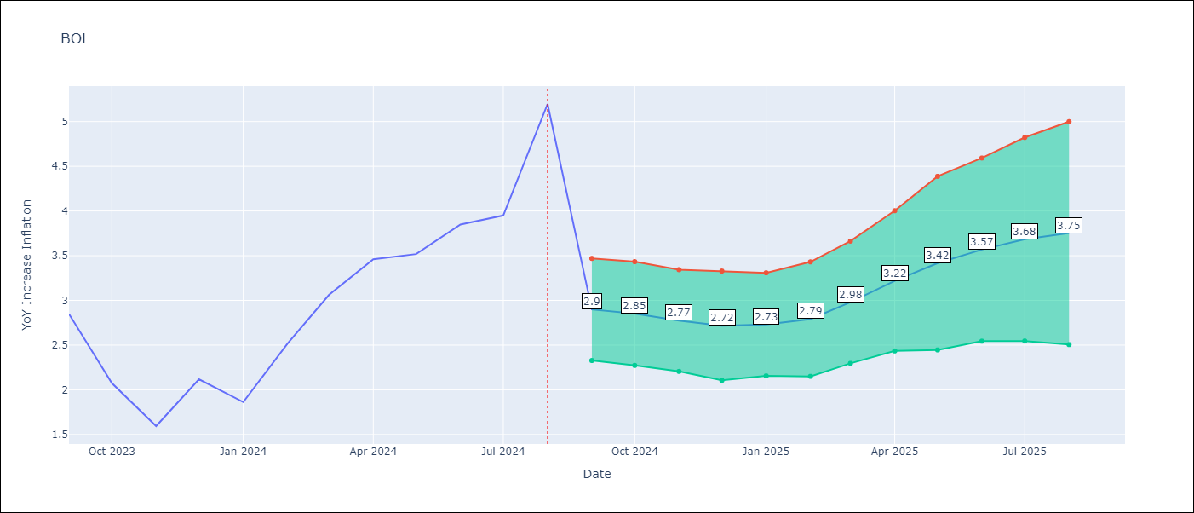

Test Metrics
RMSE | 0.74
Naive RMSE | 0.58
MAPE | 23.57%

Test Predictions
Date | Predicted | Actual
2023-09-01 | 2.7000000477 | 2.85
2023-10-01 | 2.9200000763 | 2.08
2023-11-01 | 2.5599999428 | 1.59
2023-12-01 | 1.8200000525 | 2.12
2024-01-01 | 1.3400000334 | 1.86
2024-02-01 | 2.3699998856 | 2.52
2024-03-01 | 2.2300000191 | 3.06
2024-04-01 | 2.6600000858 | 3.46
2024-05-01 | 3.0399999619 | 3.52
2024-06-01 | 3.0599999428 | 3.85
2024-07-01 | 3.2599999905 | 3.95
2024-08-01 | 3.7999999523 | 5.2

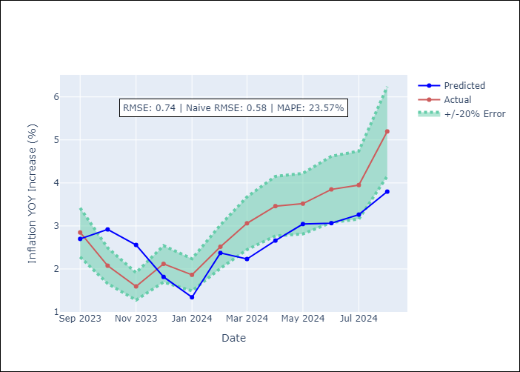

Appendix A: Model Summary
Model | VAR - [(1, 1, 2), (0, 0, 2, 12)]
Sample | 1990-01-01 to 2024-08-01
No. of Observations | 405
Terms | P-value (Statistical significance)

Assumptions | P-value

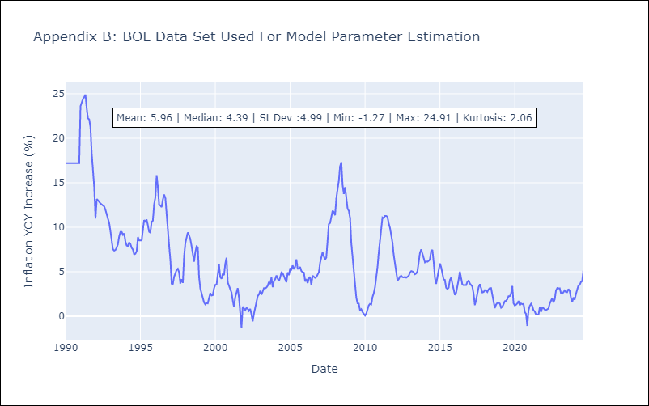

Appendix C: Residuals Analysis
Mean

