ATG
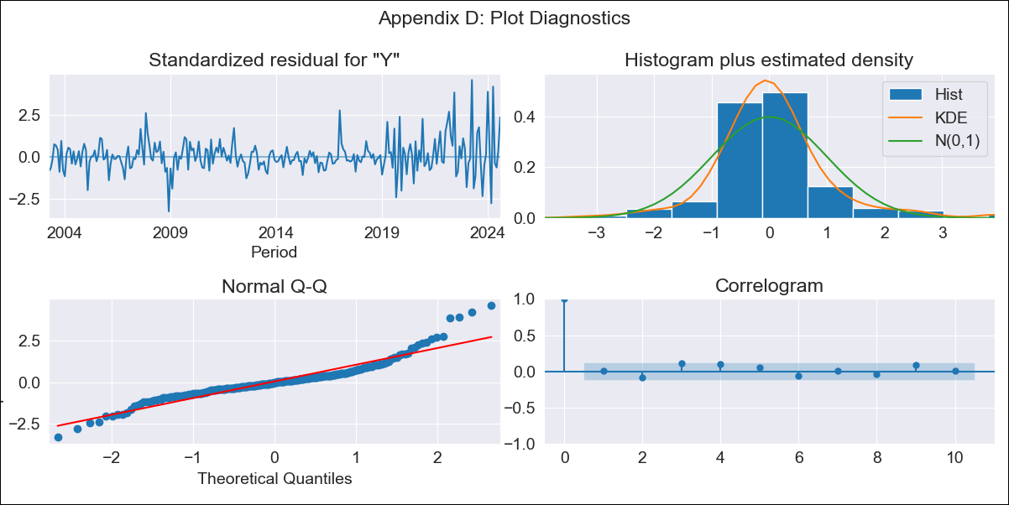
ATG - Inflation - Next 12 months forecast as of: 2024-08-01

Model | ARIMA - [(0, 1, 1), (0, 0, 1, 12)]
Training Data | 2002-01-01 to 2023-09-01
Test Data | 2023-09-01 to 2024-08-01

Date | Inflation Change YoY % | Lower Bound - 95% Confidence Interval | Upper Bound - 95% Confidence Interval
2024-09-01 | 7.18 | 5.68 | 8.68
2024-10-01 | 8.42 | 6.47 | 10.36
2024-11-01 | 8.47 | 6.17 | 10.78
2024-12-01 | 8.35 | 5.73 | 10.96
2025-01-01 | 6.26 | 3.36 | 9.15
2025-02-01 | 6.4 | 3.25 | 9.55
2025-03-01 | 7.95 | 4.56 | 11.33
2025-04-01 | 5.42 | 1.81 | 9.02
2025-05-01 | 6.03 | 2.22 | 9.84
2025-06-01 | 6.34 | 2.33 | 10.34
2025-07-01 | 6.04 | 1.84 | 10.23
2025-08-01 | 4.8 | 0.43 | 9.17
2025-09-01 | 5.02 | 0.65 | 9.4
2025-10-01 | 5.02 | 0.63 | 9.42
2025-11-01 | 5.02 | 0.62 | 9.43
2025-12-01 | 5.02 | 0.6 | 9.45

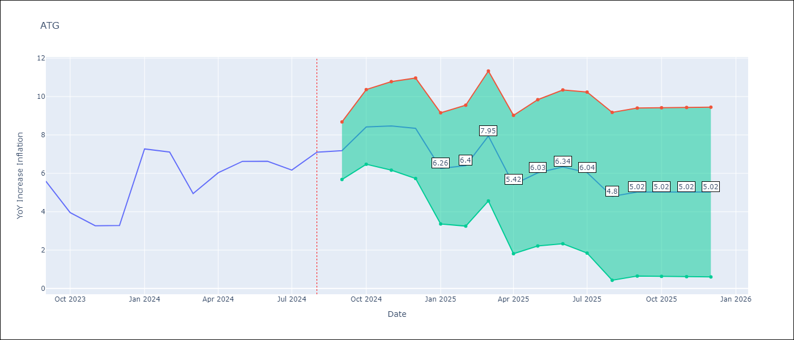

Test Metrics
RMSE | 1.69
Naive RMSE | 1.55
MAPE | 21.27%

Test Predictions
Date | Predicted | Actual
2023-09-01 | 6.07 | 5.59
2023-10-01 | 5.71 | 3.95
2023-11-01 | 3.44 | 3.27
2023-12-01 | 3.1 | 3.28
2024-01-01 | 4.34 | 7.27
2024-02-01 | 6.9 | 7.11
2024-03-01 | 7.01 | 4.94
2024-04-01 | 2.24 | 6.03
2024-05-01 | 6.95 | 6.62
2024-06-01 | 7.11 | 6.63
2024-07-01 | 5.83 | 6.17
2024-08-01 | 5.27 | 7.1

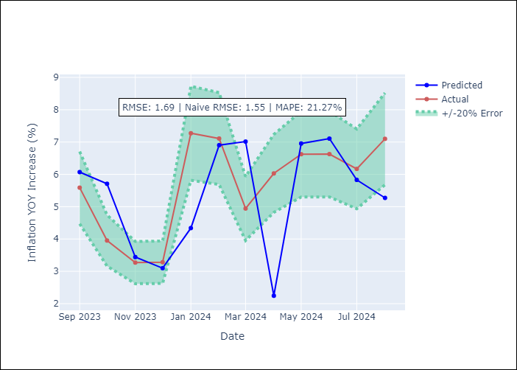

Appendix A: Model Summary
Model | ARIMA(0, 1, 1)x(0, 0, 1, 12)
Sample | 01-01-2002- 08-01-2024
No. of Observations | 272
Terms | P-value (Statistical significance)
ma.L1 | 0.001
ma.S.L12 | 0.000
sigma2 | 0.000
Assumptions | P-value

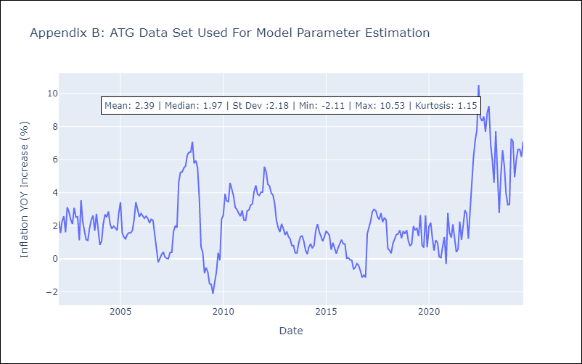

Appendix C: Residuals Analysis
Mean | 0.05

Normal? | No

BHS
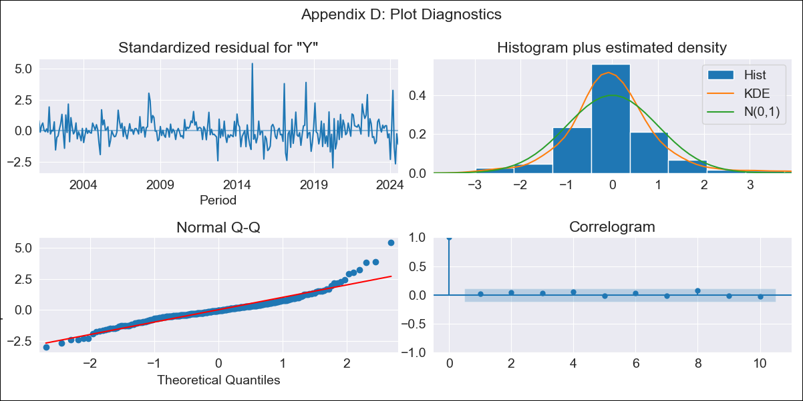
BHS - Inflation - Next 12 months forecast as of: 2024-07-01

Model | ARIMA - [(1, 0, 0), (3, 0, 1, 12)]
Training Data | 1998-01-01 to 2023-08-01
Test Data | 2023-08-01 to 2024-07-01

Date | Inflation Change YoY % | Lower Bound - 95% Confidence Interval | Upper Bound - 95% Confidence Interval
2024-08-01 | -0.55 | -1.42 | 0.33
2024-09-01 | -0.71 | -1.93 | 0.51
2024-10-01 | -0.77 | -2.25 | 0.71
2024-11-01 | -0.54 | -2.22 | 1.15
2024-12-01 | -0.35 | -2.21 | 1.51
2025-01-01 | 0.65 | -1.37 | 2.66
2025-02-01 | 0.57 | -1.58 | 2.73
2025-03-01 | -0.72 | -2.99 | 1.55
2025-04-01 | -0.24 | -2.62 | 2.14
2025-05-01 | 0.77 | -1.71 | 3.26
2025-06-01 | 0.81 | -1.77 | 3.38
2025-07-01 | 1.15 | -1.51 | 3.81
2025-08-01 | 1.26 | -1.4 | 3.92
2025-09-01 | 1.25 | -1.42 | 3.91
2025-10-01 | 1.26 | -1.41 | 3.92
2025-11-01 | 1.33 | -1.33 | 4

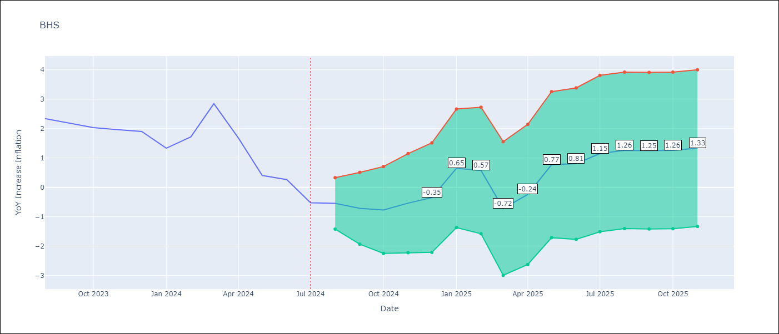

Test Metrics
RMSE | 0.69
Naive RMSE | 0.7
MAPE | 55.25%

Test Predictions
Date | Predicted | Actual
2023-08-01 | 2.27 | 2.34
2023-09-01 | 2.03 | 2.19
2023-10-01 | 1.86 | 2.03
2023-11-01 | 2.23 | 1.96
2023-12-01 | 2.02 | 1.9
2024-01-01 | 2.43 | 1.33
2024-02-01 | 1.59 | 1.72
2024-03-01 | 1.4 | 2.85
2024-04-01 | 2.3 | 1.68
2024-05-01 | 1.63 | 0.4
2024-06-01 | 0.38 | 0.26
2024-07-01 | 0 | -0.52

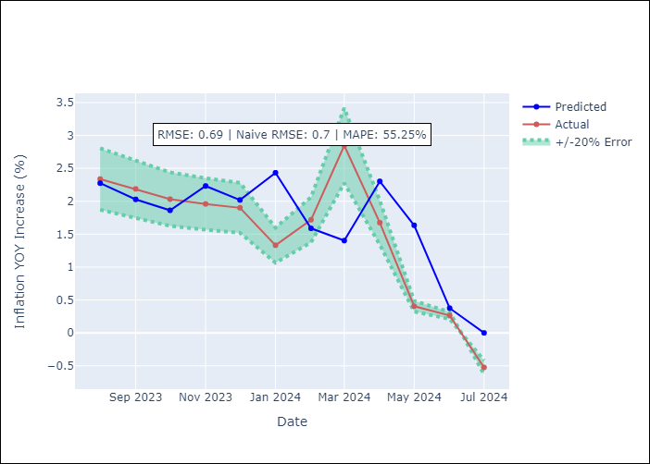

Appendix A: Model Summary
Model | ARIMA(1, 0, 0)x(3, 0, [1], 12)
Sample | 01-01-1998- 07-01-2024
No. of Observations | 319
Terms | P-value (Statistical significance)
const | 0.000
ar.L1 | 0.000
ar.S.L12 | 0.960
ar.S.L24 | 0.274
ar.S.L36 | 0.051
ma.S.L12 | 0.000
sigma2 | 0.000
Assumptions | P-value

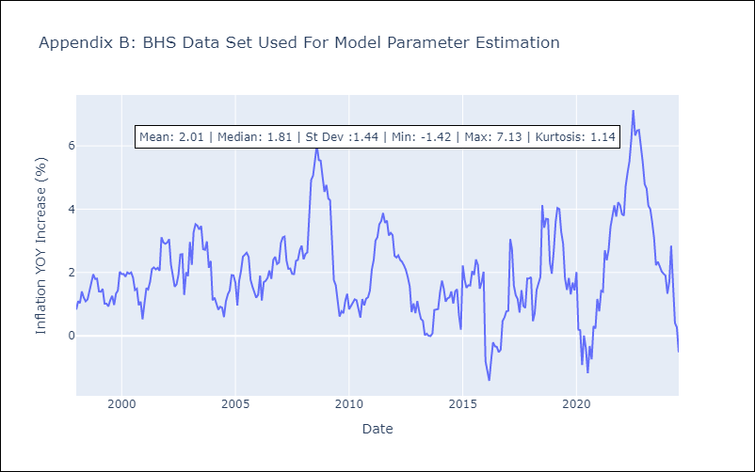

Appendix C: Residuals Analysis
Mean | 0.01

Normal? | No

BLZ
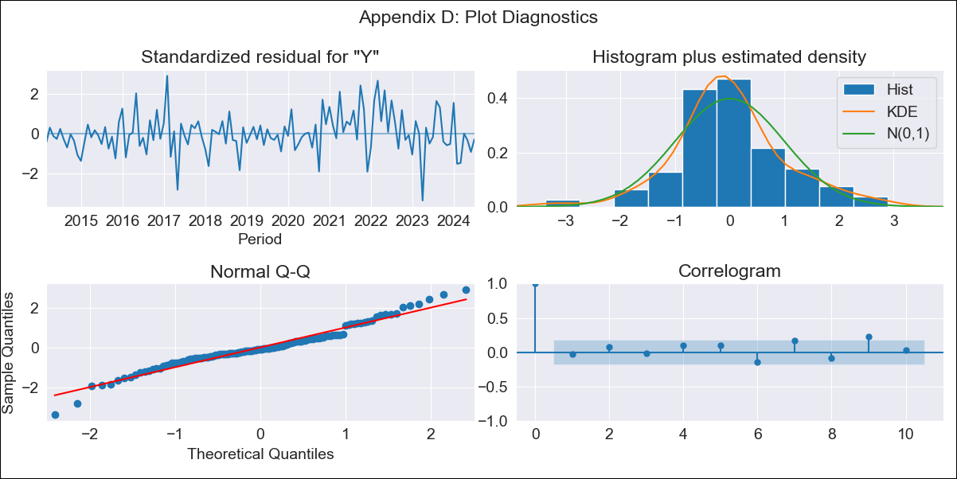
BLZ - Inflation - Next 12 months forecast as of: 2024-07-01

Model | ARIMA - [(2, 0, 0), (1, 0, 0, 12)]
Training Data | 2013-01-01 to 2023-08-01
Test Data | 2023-08-01 to 2024-07-01

Date | Inflation Change YoY % | Lower Bound - 95% Confidence Interval | Upper Bound - 95% Confidence Interval
2024-08-01 | 3.39 | 2.57 | 4.2
2024-09-01 | 2.97 | 1.66 | 4.27
2024-10-01 | 2.88 | 1.21 | 4.56
2024-11-01 | 2.94 | 0.96 | 4.92
2024-12-01 | 3.16 | 0.93 | 5.4
2025-01-01 | 2.86 | 0.4 | 5.32
2025-02-01 | 3.08 | 0.42 | 5.75
2025-03-01 | 3.31 | 0.47 | 6.16
2025-04-01 | 3.04 | 0.03 | 6.05
2025-05-01 | 2.96 | -0.2 | 6.12
2025-06-01 | 3.09 | -0.21 | 6.39
2025-07-01 | 3.09 | -0.35 | 6.52
2025-08-01 | 3.26 | -0.21 | 6.74
2025-09-01 | 3.47 | -0.03 | 6.97
2025-10-01 | 3.5 | -0.02 | 7.02
2025-11-01 | 3.47 | -0.07 | 7.01

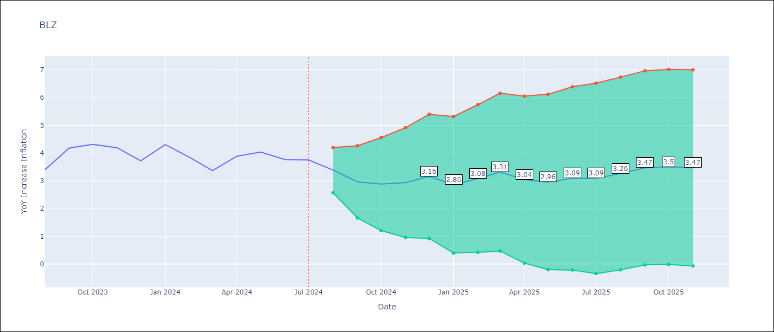

Test Metrics
RMSE | 0.45
Naive RMSE | 0.43
MAPE | 10.25%

Test Predictions
Date | Predicted | Actual
2023-08-01 | 2.75 | 3.39
2023-09-01 | 3.68 | 4.18
2023-10-01 | 4.56 | 4.31
2023-11-01 | 4.52 | 4.19
2023-12-01 | 4 | 3.72
2024-01-01 | 3.72 | 4.31
2024-02-01 | 4.54 | 3.84
2024-03-01 | 4.06 | 3.37
2024-04-01 | 3.93 | 3.89
2024-05-01 | 4.2 | 4.04
2024-06-01 | 4.17 | 3.77
2024-07-01 | 3.88 | 3.75

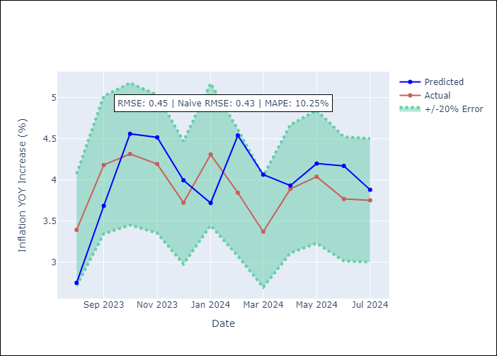

Appendix A: Model Summary
Model | ARIMA(2, 0, 0)x(1, 0, 0, 12)
Sample | 01-01-2013- 07-01-2024
No. of Observations | 139
Terms | P-value (Statistical significance)
const | 0.237
ar.L1 | 0.000
ar.L2 | 0.010
ar.S.L12 | 0.000
sigma2 | 0.000
Assumptions | P-value

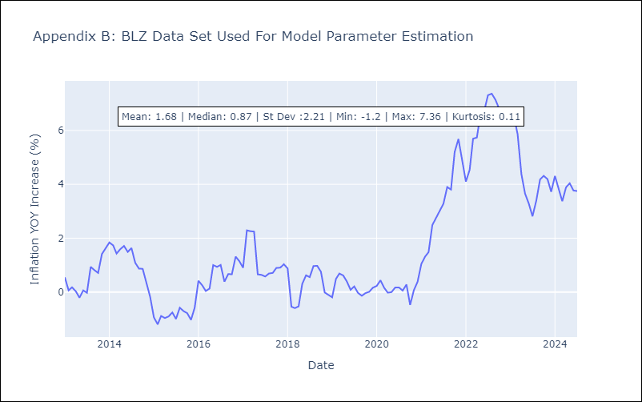

Appendix C: Residuals Analysis
Mean | -0.02

Normal? | No

BRB
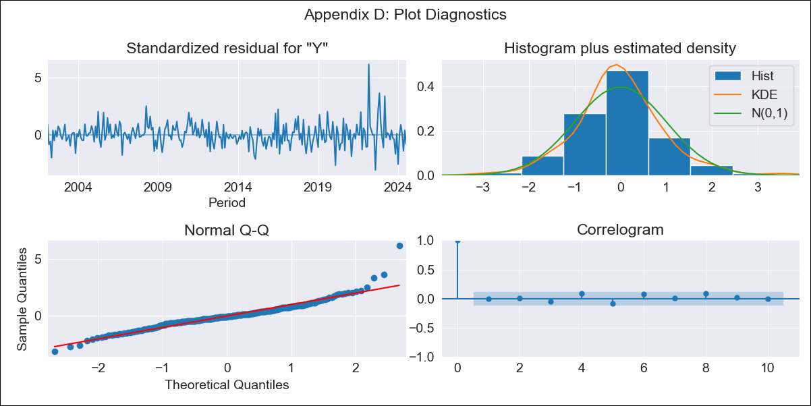
BRB - Inflation - Next 12 months forecast as of: 2024-07-01

Model | ARIMA - [(3, 0, 0), (0, 0, 1, 12)]
Training Data | 2001-01-01 to 2023-08-01
Test Data | 2023-08-01 to 2024-07-01

Date | Inflation Change YoY % | Lower Bound - 95% Confidence Interval | Upper Bound - 95% Confidence Interval
2024-08-01 | -1.18 | -2.81 | 0.45
2024-09-01 | -0.92 | -3.45 | 1.6
2024-10-01 | -0.51 | -3.77 | 2.76
2024-11-01 | 0.67 | -3.2 | 4.54
2024-12-01 | 1.01 | -3.36 | 5.37
2025-01-01 | 2.68 | -2.1 | 7.47
2025-02-01 | 3.14 | -2 | 8.29
2025-03-01 | 2.94 | -2.52 | 8.4
2025-04-01 | 2.91 | -2.82 | 8.64
2025-05-01 | 3.71 | -2.26 | 9.69
2025-06-01 | 3.7 | -2.49 | 9.88
2025-07-01 | 4.22 | -2.16 | 10.6
2025-08-01 | 4.34 | -2.06 | 10.73
2025-09-01 | 4.41 | -1.99 | 10.8
2025-10-01 | 4.43 | -1.97 | 10.83
2025-11-01 | 4.44 | -1.95 | 10.84

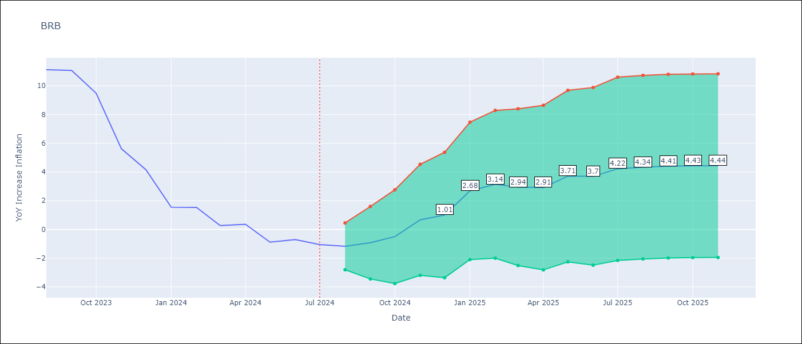

Test Metrics
RMSE | 0.98
Naive RMSE | 1.64
MAPE | 39.81%

Test Predictions
Date | Predicted | Actual
2023-08-01 | 10.64 | 11.12
2023-09-01 | 12.23 | 11.07
2023-10-01 | 9.08 | 9.49
2023-11-01 | 8.05 | 5.62
2023-12-01 | 4.4 | 4.16
2024-01-01 | 2.93 | 1.55
2024-02-01 | 1.47 | 1.53
2024-03-01 | 0.12 | 0.27
2024-04-01 | 0.06 | 0.36
2024-05-01 | 0.38 | -0.88
2024-06-01 | -0.65 | -0.7
2024-07-01 | -0.74 | -1.06

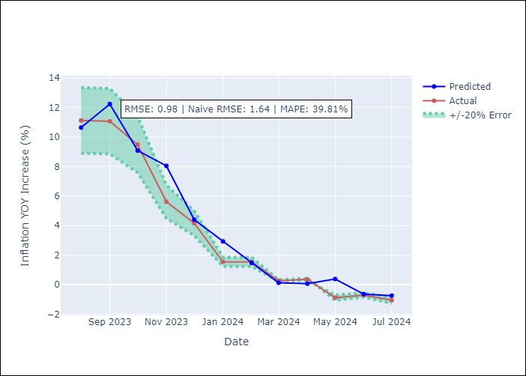

Appendix A: Model Summary
Model | ARIMA(3, 0, 0)x(0, 0, [1], 12)
Sample | 01-01-2001- 07-01-2024
No. of Observations | 283
Terms | P-value (Statistical significance)
const | 0.000
ar.L1 | 0.000
ar.L2 | 0.218
ar.L3 | 0.209
ma.S.L12 | 0.000
sigma2 | 0.000
Assumptions | P-value

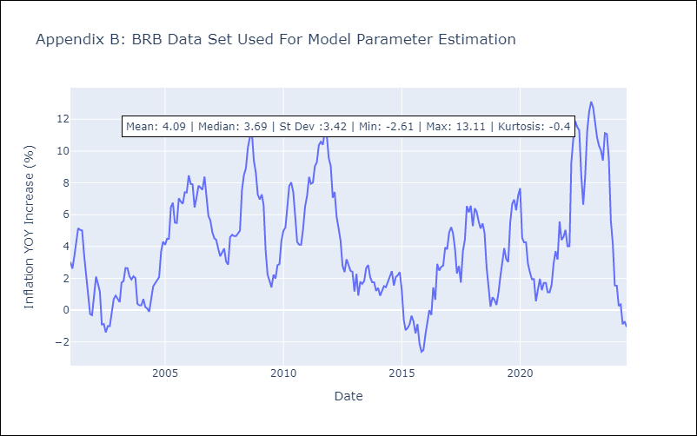

Appendix C: Residuals Analysis
Mean | -0.01

Normal? | No

DMA
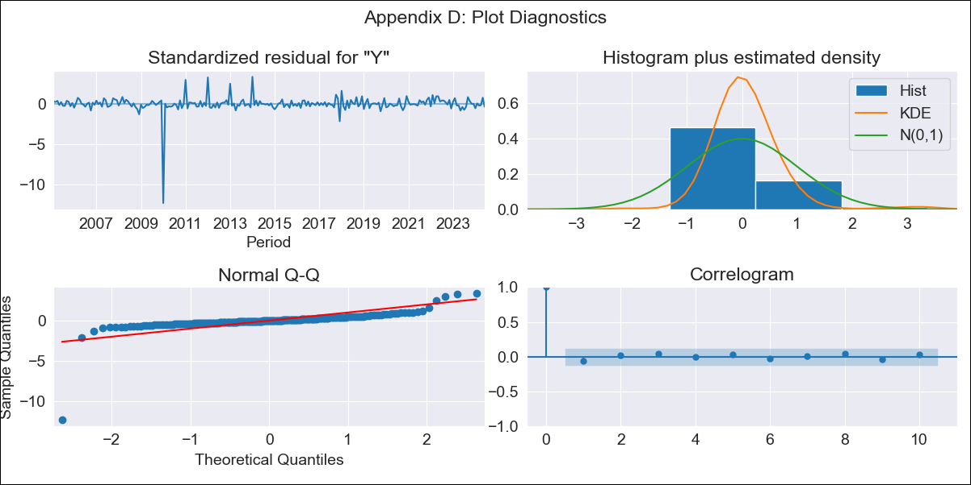
DMA - Inflation - Next 12 months forecast as of: 2024-06-01

Model | ARIMA - [(0, 1, 0), (3, 0, 0, 12)]
Training Data | 2002-01-01 to 2023-07-01
Test Data | 2023-07-01 to 2024-06-01

Date | Inflation Change YoY % | Lower Bound - 95% Confidence Interval | Upper Bound - 95% Confidence Interval
2024-07-01 | 3.49 | 0.46 | 6.52
2024-08-01 | 4.11 | -0.17 | 8.39
2024-09-01 | 3.09 | -2.15 | 8.34
2024-10-01 | 2.71 | -3.35 | 8.76
2024-11-01 | 2.74 | -4.03 | 9.51
2024-12-01 | 2.76 | -4.66 | 10.18
2025-01-01 | 3.53 | -4.48 | 11.55
2025-02-01 | 3.66 | -4.9 | 12.23
2025-03-01 | 3.88 | -5.21 | 12.97
2025-04-01 | 4.14 | -5.44 | 13.72
2025-05-01 | 3.29 | -6.75 | 13.33
2025-06-01 | 3.71 | -6.78 | 14.2
2025-07-01 | 3.84 | -6.67 | 14.36
2025-08-01 | 3.75 | -6.79 | 14.3
2025-09-01 | 3.99 | -6.59 | 14.56
2025-10-01 | 4.16 | -6.44 | 14.76

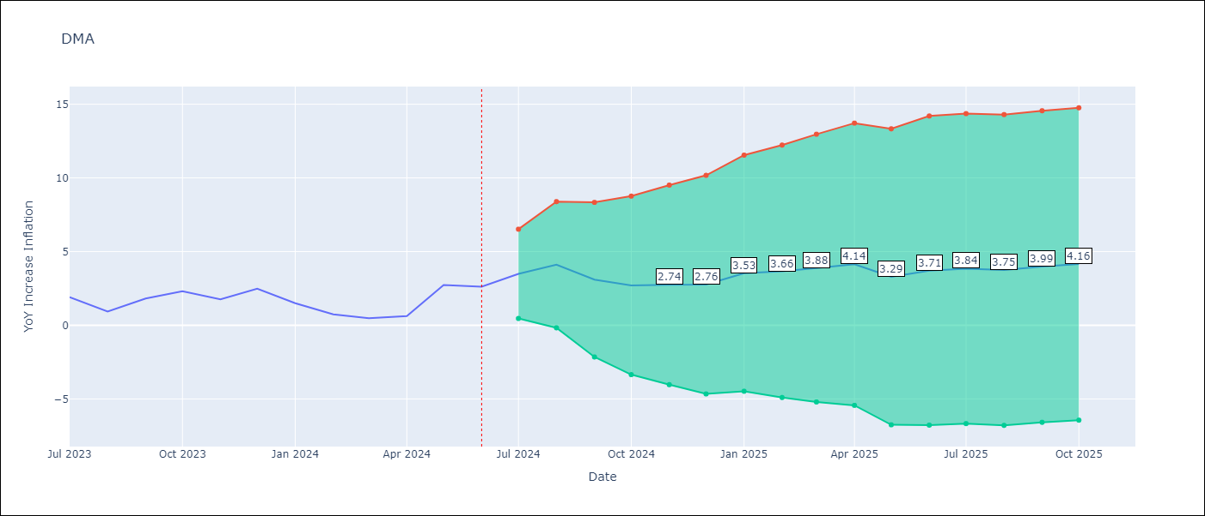

Test Metrics
RMSE | 0.72
Naive RMSE | 0.9
MAPE | 37.36%

Test Predictions
Date | Predicted | Actual
2023-07-01 | 2.99 | 1.9
2023-08-01 | 1.48 | 0.93
2023-09-01 | 0.48 | 1.81
2023-10-01 | 1.73 | 2.3
2023-11-01 | 1.7 | 1.76
2023-12-01 | 2.44 | 2.49
2024-01-01 | 2.3 | 1.5
2024-02-01 | 0.62 | 0.74
2024-03-01 | 0.76 | 0.48
2024-04-01 | 0.85 | 0.63
2024-05-01 | 1.51 | 2.74
2024-06-01 | 3.14 | 2.62

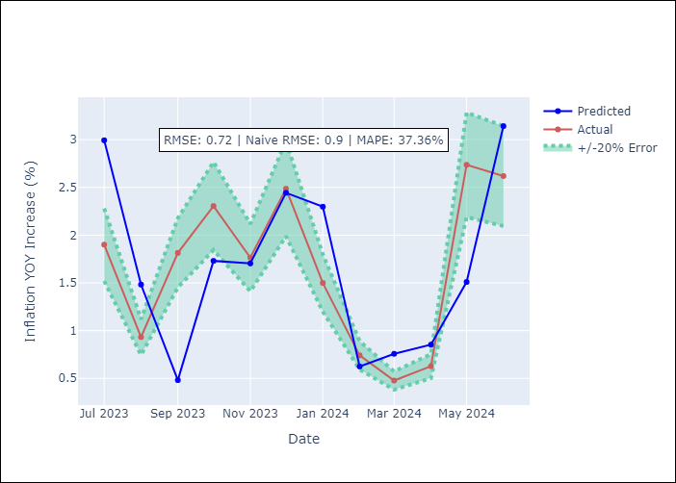

Appendix A: Model Summary
Model | ARIMA(0, 1, 0)x(3, 0, 0, 12)
Sample | 01-01-2002- 06-01-2024
No. of Observations | 270
Terms | P-value (Statistical significance)
ar.S.L12 | 0.000
ar.S.L24 | 0.000
ar.S.L36 | 0.000
sigma2 | 0.000
Assumptions | P-value

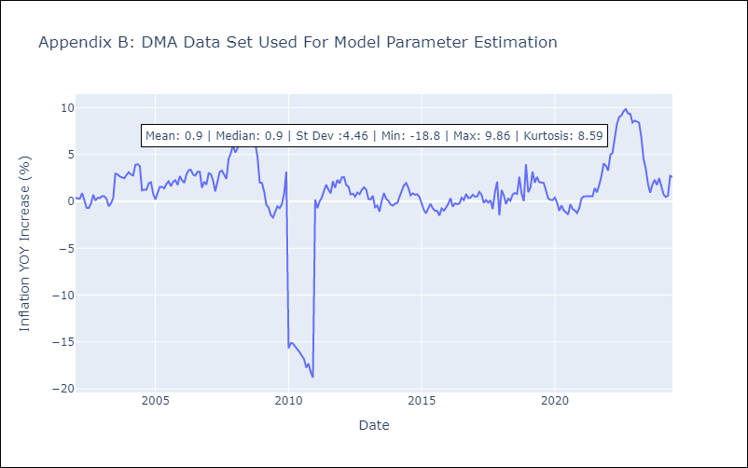

Appendix C: Residuals Analysis
Mean | 0.04

Normal? | No

GRD
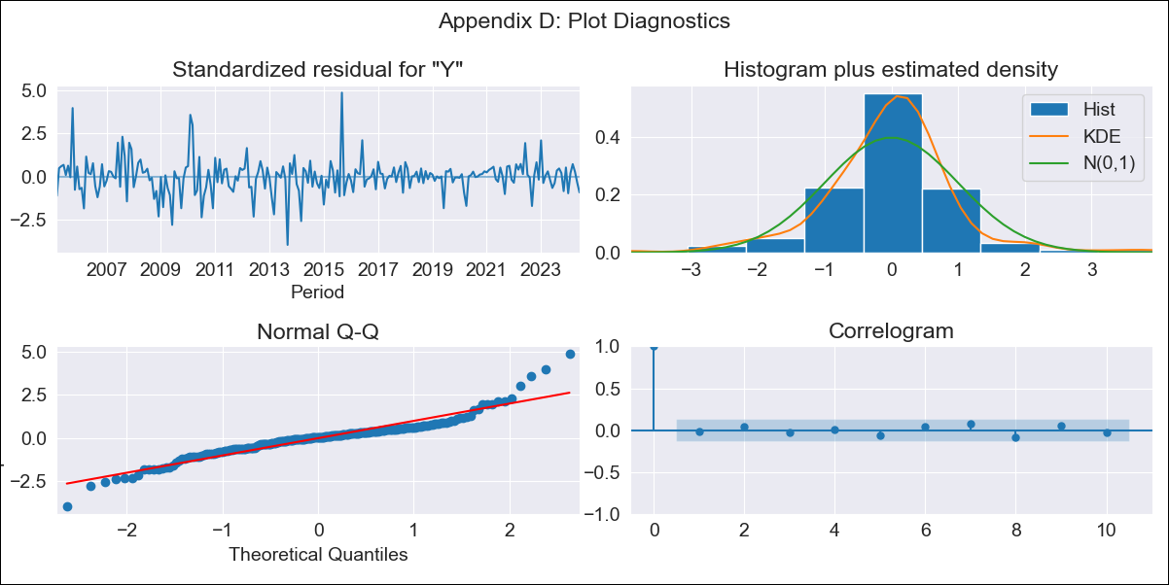
GRD - Inflation - Next 12 months forecast as of: 2024-06-01

Model | ARIMA - [(1, 1, 1), (3, 0, 0, 12)]
Training Data | 2002-01-01 to 2023-07-01
Test Data | 2023-07-01 to 2024-06-01

Date | Inflation Change YoY % | Lower Bound - 95% Confidence Interval | Upper Bound - 95% Confidence Interval
2024-07-01 | 1.36 | 0.42 | 2.31
2024-08-01 | 1.25 | -0.24 | 2.75
2024-09-01 | 0.95 | -1.03 | 2.93
2024-10-01 | 0.88 | -1.53 | 3.3
2024-11-01 | 1.18 | -1.64 | 3.99
2024-12-01 | 1.02 | -2.16 | 4.2
2025-01-01 | 1.25 | -2.27 | 4.78
2025-02-01 | 1.3 | -2.54 | 5.14
2025-03-01 | 1.16 | -2.98 | 5.3
2025-04-01 | 1.2 | -3.22 | 5.62
2025-05-01 | 1.35 | -3.34 | 6.03
2025-06-01 | 1.88 | -3.06 | 6.81
2025-07-01 | 2.01 | -3.01 | 7.02
2025-08-01 | 2.09 | -2.98 | 7.15
2025-09-01 | 2 | -3.11 | 7.11
2025-10-01 | 1.98 | -3.16 | 7.12

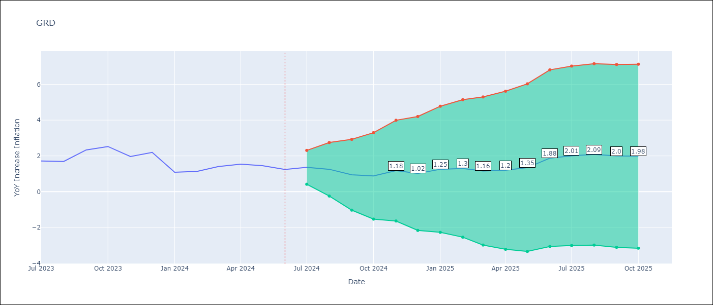

Test Metrics
RMSE | 0.28
Naive RMSE | 0.45
MAPE | 16.72%

Test Predictions
Date | Predicted | Actual
2023-07-01 | 1.9 | 1.72
2023-08-01 | 1.52 | 1.69
2023-09-01 | 2.09 | 2.33
2023-10-01 | 2.42 | 2.53
2023-11-01 | 2.37 | 1.97
2023-12-01 | 1.94 | 2.2
2024-01-01 | 1.55 | 1.09
2024-02-01 | 1.04 | 1.14
2024-03-01 | 1.05 | 1.41
2024-04-01 | 1.4 | 1.54
2024-05-01 | 1.62 | 1.45
2024-06-01 | 1.69 | 1.24

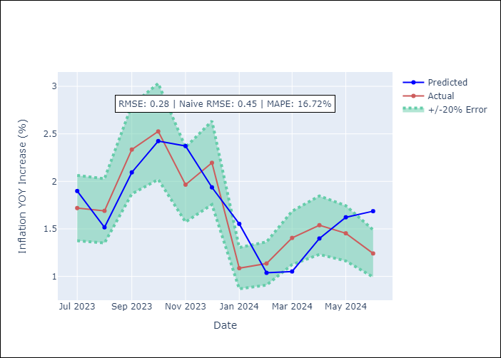

Appendix A: Model Summary
Model | ARIMA(1, 1, 1)x(3, 0, [], 12)
Sample | 01-01-2002- 06-01-2024
No. of Observations | 270
Terms | P-value (Statistical significance)
ar.L1 | 0.000
ma.L1 | 0.012
ar.S.L12 | 0.000
ar.S.L24 | 0.000
ar.S.L36 | 0.010
sigma2 | 0.000
Assumptions | P-value

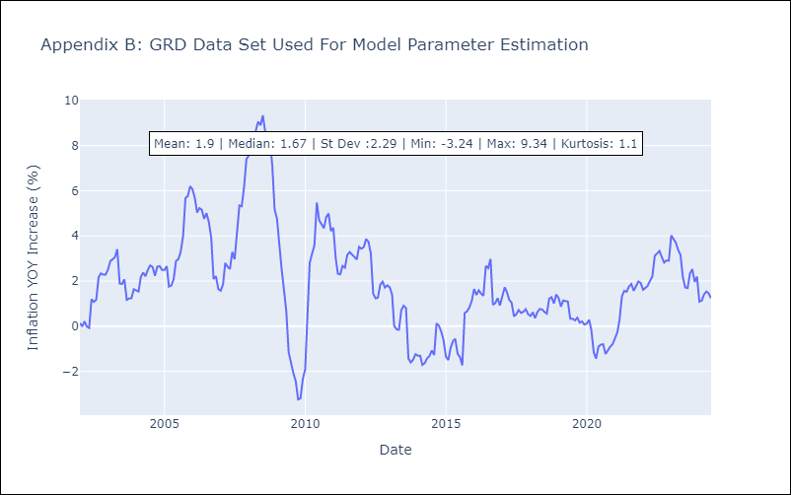

Appendix C: Residuals Analysis
Mean | 0.0

Normal? | No

GUY
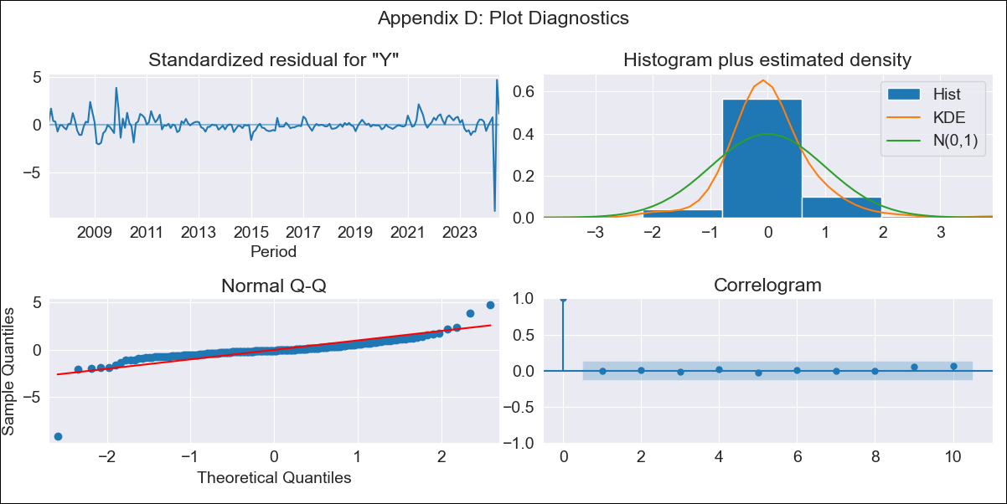
GUY - Inflation - Next 12 months forecast as of: 2024-07-01

Model | ARIMA - [(3, 0, 1), (1, 0, 0, 12)]
Training Data | 2006-01-01 to 2023-08-01
Test Data | 2023-08-01 to 2024-07-01

Date | Inflation Change YoY % | Lower Bound - 95% Confidence Interval | Upper Bound - 95% Confidence Interval
2024-08-01 | 1.07 | -2.13 | 4.26
2024-09-01 | 1.91 | -1.62 | 5.44
2024-10-01 | 1.92 | -1.82 | 5.66
2024-11-01 | 1.7 | -2.29 | 5.69
2024-12-01 | 1.81 | -2.35 | 5.98
2025-01-01 | 2.22 | -2.07 | 6.52
2025-02-01 | 2.17 | -2.22 | 6.57
2025-03-01 | 1.86 | -2.62 | 6.34
2025-04-01 | 1.51 | -3.04 | 6.06
2025-05-01 | 6.14 | 1.54 | 10.75
2025-06-01 | 1.48 | -3.17 | 6.13
2025-07-01 | 1.69 | -2.99 | 6.38
2025-08-01 | 2.41 | -2.29 | 7.11
2025-09-01 | 2.18 | -2.52 | 6.89
2025-10-01 | 2.2 | -2.5 | 6.9
2025-11-01 | 2.28 | -2.42 | 6.99

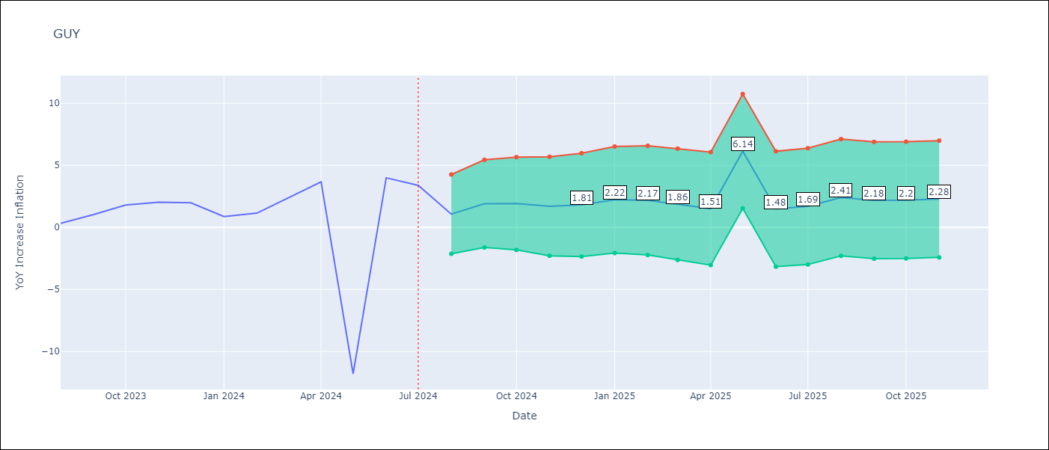

Test Metrics
RMSE | 6.24
Naive RMSE | 6.7
MAPE | 102.16%

Test Predictions
Date | Predicted | Actual
2023-08-01 | 1.09 | 0.33
2023-09-01 | 0.35 | 1.03
2023-10-01 | 1.13 | 1.8
2023-11-01 | 1.57 | 2.02
2023-12-01 | 1.78 | 1.98
2024-01-01 | 2.13 | 0.87
2024-02-01 | 0.73 | 1.15
2024-03-01 | 1.82 | 2.35
2024-04-01 | 2.77 | 3.67
2024-05-01 | 3.62 | -11.79
2024-06-01 | -10.21 | 3.99
2024-07-01 | -1.46 | 3.39

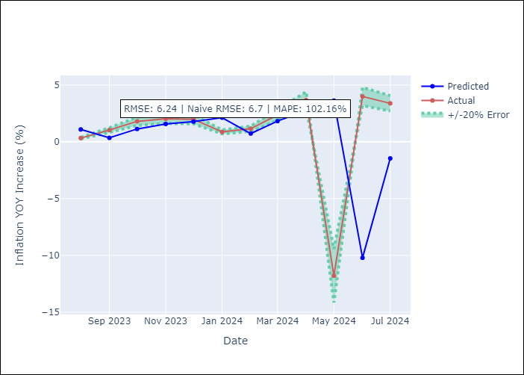

Appendix A: Model Summary
Model | ARIMA(3, 0, 1)x(1, 0, [], 12)
Sample | 01-01-2006- 07-01-2024
No. of Observations | 223
Terms | P-value (Statistical significance)
const | 0.002
ar.L1 | 0.296
ar.L2 | 0.717
ar.L3 | 0.462
ma.L1 | 0.830
ar.S.L12 | 0.000
sigma2 | 0.000
Assumptions | P-value

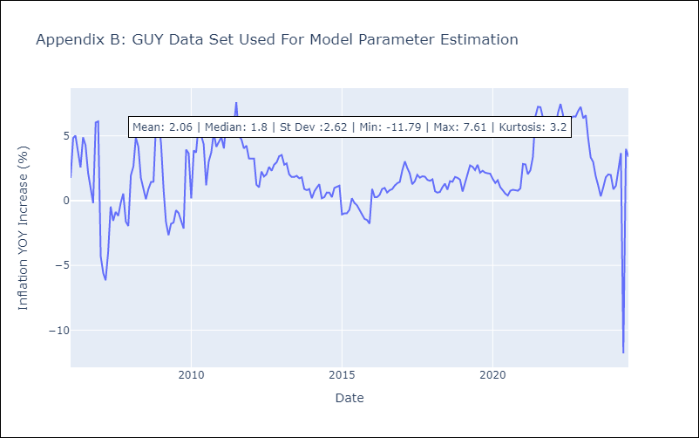

Appendix C: Residuals Analysis
Mean | -0.05

Normal? | No

JAM
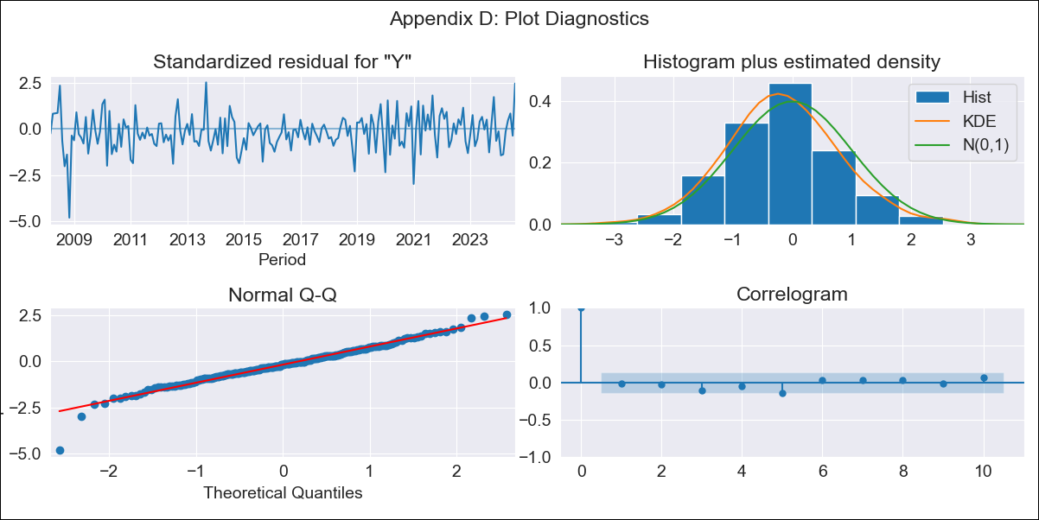
JAM - Inflation - Next 12 months forecast as of: 2024-08-01

Model | ARIMA - [(2, 1, 0), (0, 0, 2, 12)]
Training Data | 2006-01-01 to 2023-09-01
Test Data | 2023-09-01 to 2024-08-01

Date | Inflation Change YoY % | Lower Bound - 95% Confidence Interval | Upper Bound - 95% Confidence Interval
2024-09-01 | 7.63 | 6.3 | 8.95
2024-10-01 | 8.11 | 5.86 | 10.35
2024-11-01 | 7.45 | 4.3 | 10.59
2024-12-01 | 7.67 | 3.7 | 11.64
2025-01-01 | 7.72 | 2.98 | 12.45
2025-02-01 | 8.61 | 3.18 | 14.05
2025-03-01 | 9.77 | 3.69 | 15.85
2025-04-01 | 10.43 | 3.75 | 17.1
2025-05-01 | 10.57 | 3.34 | 17.8
2025-06-01 | 10.22 | 2.47 | 17.97
2025-07-01 | 10.33 | 2.09 | 18.57
2025-08-01 | 8.84 | 0.13 | 17.55
2025-09-01 | 8.32 | -0.54 | 17.18
2025-10-01 | 7.88 | -1.06 | 16.83
2025-11-01 | 7.62 | -1.36 | 16.61
2025-12-01 | 7.46 | -1.55 | 16.48

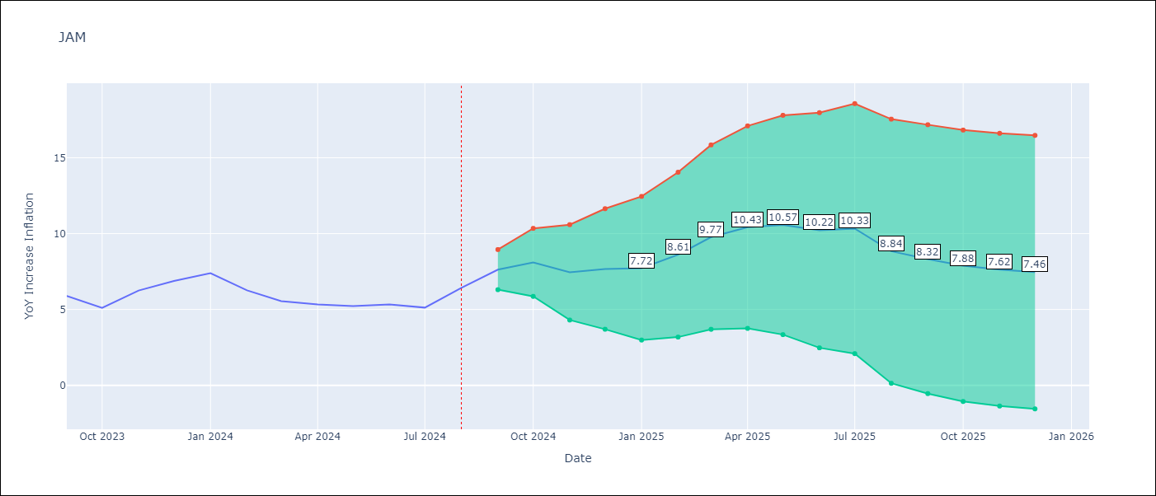

Test Metrics
RMSE | 0.8
Naive RMSE | 0.75
MAPE | 10.74%

Test Predictions
Date | Predicted | Actual
2023-09-01 | 6.76 | 5.9
2023-10-01 | 4.9 | 5.1
2023-11-01 | 5.07 | 6.25
2023-12-01 | 7.36 | 6.88
2024-01-01 | 7.5 | 7.39
2024-02-01 | 7.21 | 6.26
2024-03-01 | 6.48 | 5.55
2024-04-01 | 5.47 | 5.34
2024-05-01 | 4.89 | 5.23
2024-06-01 | 4.74 | 5.33
2024-07-01 | 5.37 | 5.12
2024-08-01 | 4.74 | 6.43

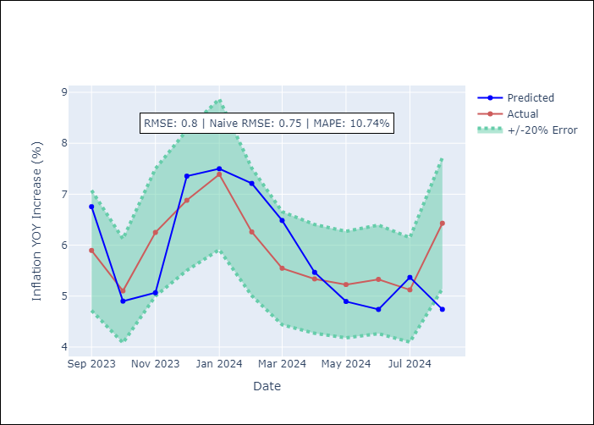

Appendix A: Model Summary
Model | ARIMA(2, 1, 0)x(0, 0, [1, 2], 12)
Sample | 01-01-2006- 08-01-2024
No. of Observations | 224
Terms | P-value (Statistical significance)
ar.L1 | 0.000
ar.L2 | 0.021
ma.S.L12 | 0.000
ma.S.L24 | 0.906
sigma2 | 0.000
Assumptions | P-value

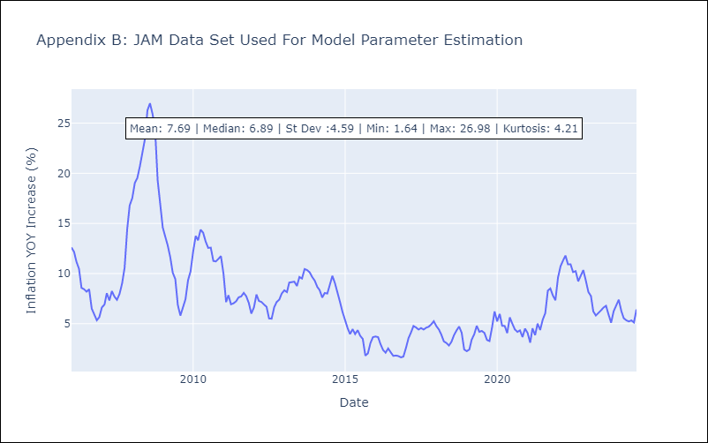

Appendix C: Residuals Analysis
Mean | -0.06

Normal? | No

KNA
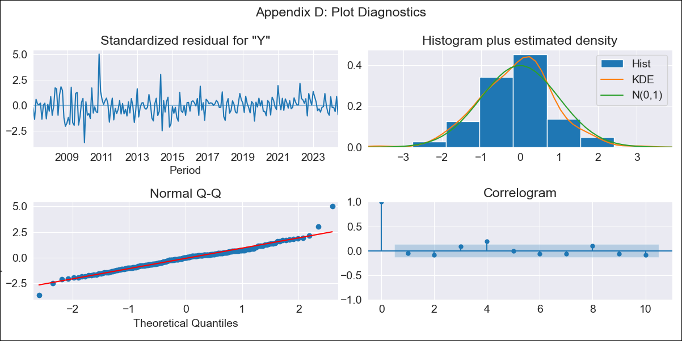
KNA - Inflation - Next 12 months forecast as of: 2024-06-01

Model | ARIMA - [(0, 1, 0), (3, 0, 0, 12)]
Training Data | 2004-01-01 to 2023-07-01
Test Data | 2023-07-01 to 2024-06-01

Date | Inflation Change YoY % | Lower Bound - 95% Confidence Interval | Upper Bound - 95% Confidence Interval
2024-07-01 | 1.09 | -0.33 | 2.51
2024-08-01 | 1.09 | -0.92 | 3.09
2024-09-01 | 0.66 | -1.8 | 3.11
2024-10-01 | 0.77 | -2.06 | 3.61
2024-11-01 | 1.12 | -2.05 | 4.29
2024-12-01 | 1.5 | -1.97 | 4.97
2025-01-01 | 1.37 | -2.38 | 5.12
2025-02-01 | 1.5 | -2.51 | 5.51
2025-03-01 | 1.62 | -2.64 | 5.87
2025-04-01 | 1.99 | -2.49 | 6.48
2025-05-01 | 1.56 | -3.14 | 6.26
2025-06-01 | 1.98 | -2.93 | 6.9
2025-07-01 | 2 | -2.93 | 6.94
2025-08-01 | 2.02 | -2.93 | 6.98
2025-09-01 | 2.05 | -2.92 | 7.03
2025-10-01 | 1.96 | -3.03 | 6.96

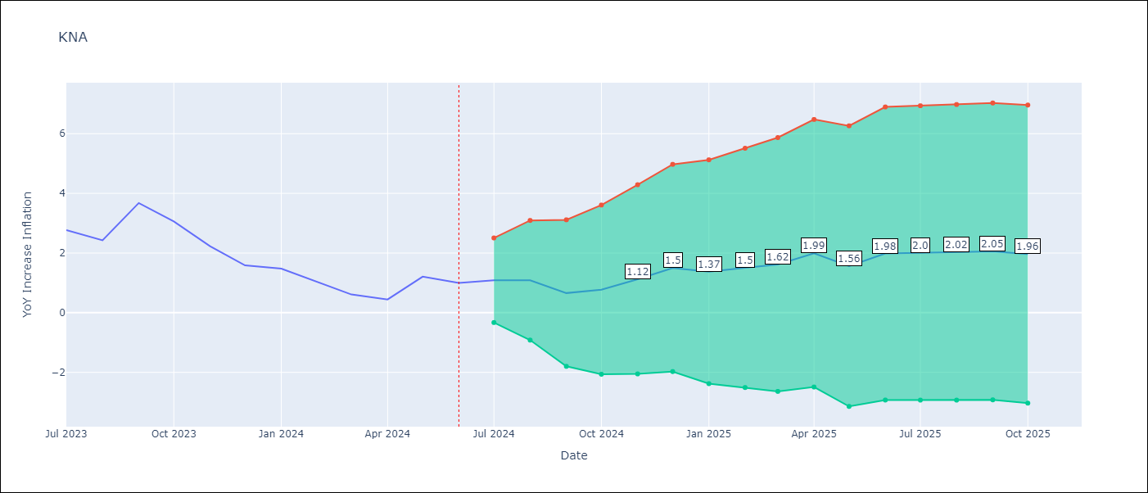

Test Metrics
RMSE | 0.5
Naive RMSE | 0.62
MAPE | 33.0%

Test Predictions
Date | Predicted | Actual
2023-07-01 | 2.9 | 2.77
2023-08-01 | 2.52 | 2.43
2023-09-01 | 2.82 | 3.68
2023-10-01 | 3.07 | 3.06
2023-11-01 | 2.73 | 2.23
2023-12-01 | 2.28 | 1.58
2024-01-01 | 0.85 | 1.48
2024-02-01 | 1.18 | 1.02
2024-03-01 | 0.74 | 0.61
2024-04-01 | 0.89 | 0.44
2024-05-01 | 0.57 | 1.21
2024-06-01 | 1.65 | 1

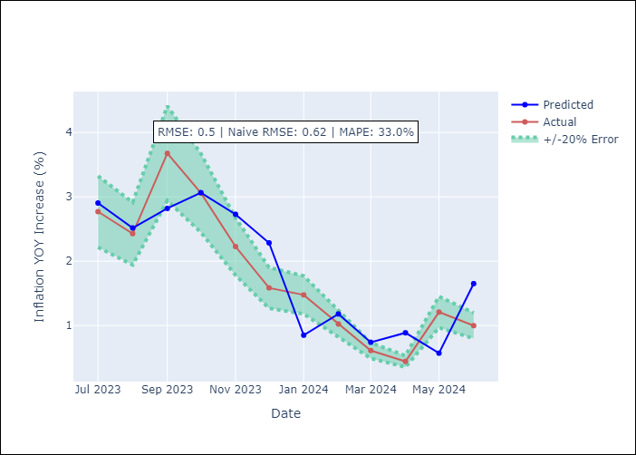

Appendix A: Model Summary
Model | ARIMA(0, 1, 0)x(3, 0, 0, 12)
Sample | 01-01-2004- 06-01-2024
No. of Observations | 246
Terms | P-value (Statistical significance)
ar.S.L12 | 0.000
ar.S.L24 | 0.000
ar.S.L36 | 0.000
sigma2 | 0.000
Assumptions | P-value

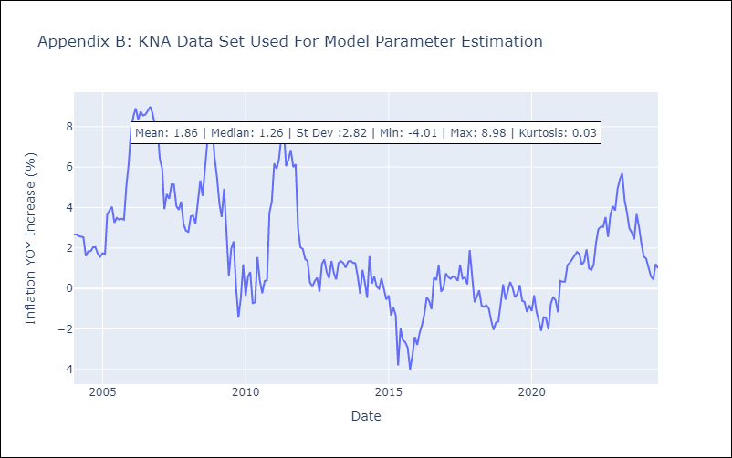

Appendix C: Residuals Analysis
Mean | 0.01

Normal? | No

LCA
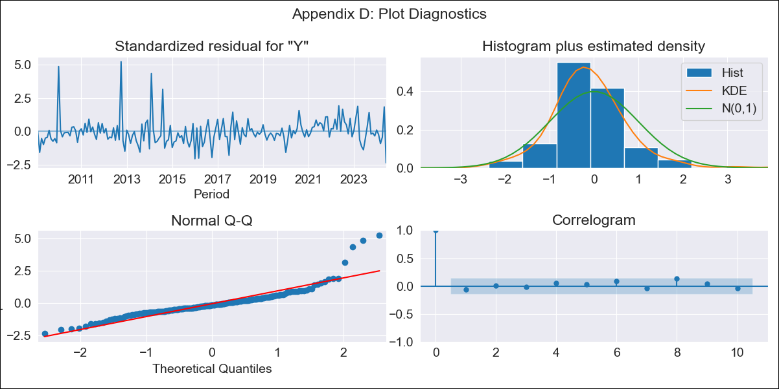
LCA - Inflation - Next 12 months forecast as of: 2024-06-01

Model | ARIMA - [(0, 1, 0), (3, 0, 1, 12)]
Training Data | 2006-01-01 to 2023-07-01
Test Data | 2023-07-01 to 2024-06-01

Date | Inflation Change YoY % | Lower Bound - 95% Confidence Interval | Upper Bound - 95% Confidence Interval
2024-07-01 | -0.15 | -1.84 | 1.53
2024-08-01 | -0.06 | -2.44 | 2.32
2024-09-01 | -1.18 | -4.09 | 1.74
2024-10-01 | -1.17 | -4.53 | 2.2
2024-11-01 | -1.36 | -5.12 | 2.4
2024-12-01 | -0.99 | -5.11 | 3.13
2025-01-01 | -1.09 | -5.55 | 3.36
2025-02-01 | -1.02 | -5.78 | 3.74
2025-03-01 | -0.34 | -5.39 | 4.71
2025-04-01 | 0.13 | -5.2 | 5.45
2025-05-01 | -1.38 | -6.96 | 4.2
2025-06-01 | 0.55 | -5.29 | 6.38
2025-07-01 | 0.47 | -5.36 | 6.3
2025-08-01 | 0.49 | -5.35 | 6.32
2025-09-01 | 0.48 | -5.36 | 6.31
2025-10-01 | 0.72 | -5.12 | 6.56

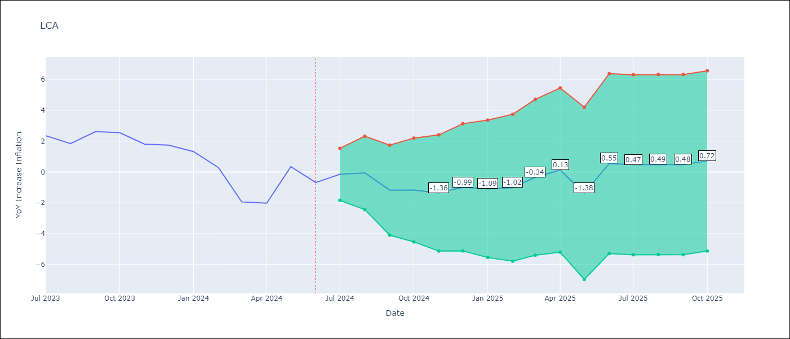

Test Metrics
RMSE | 0.9
Naive RMSE | 1.14
MAPE | 84.64%

Test Predictions
Date | Predicted | Actual
2023-07-01 | 2.82 | 2.35
2023-08-01 | 1.49 | 1.84
2023-09-01 | 1.38 | 2.61
2023-10-01 | 2.72 | 2.55
2023-11-01 | 1.89 | 1.81
2023-12-01 | 2.05 | 1.74
2024-01-01 | 1.27 | 1.32
2024-02-01 | 0.48 | 0.28
2024-03-01 | -1.17 | -1.94
2024-04-01 | -1.62 | -2.02
2024-05-01 | -1.27 | 0.35
2024-06-01 | 1.39 | -0.68

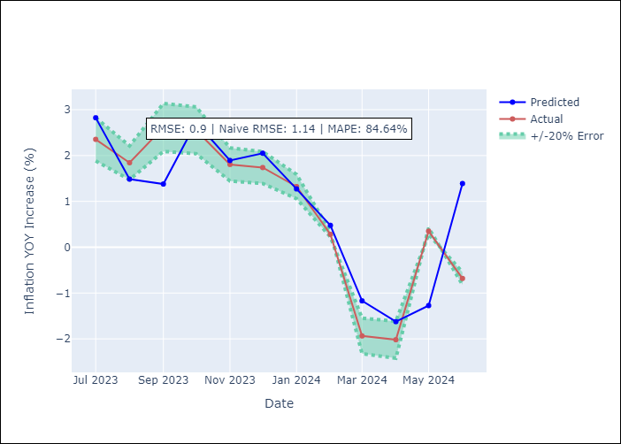

Appendix A: Model Summary
Model | ARIMA(0, 1, 0)x(3, 0, [1], 12)
Sample | 01-01-2006- 06-01-2024
No. of Observations | 222
Terms | P-value (Statistical significance)
ar.S.L12 | 0.071
ar.S.L24 | 0.121
ar.S.L36 | 0.000
ma.S.L12 | 0.000
sigma2 | 0.000
Assumptions | P-value

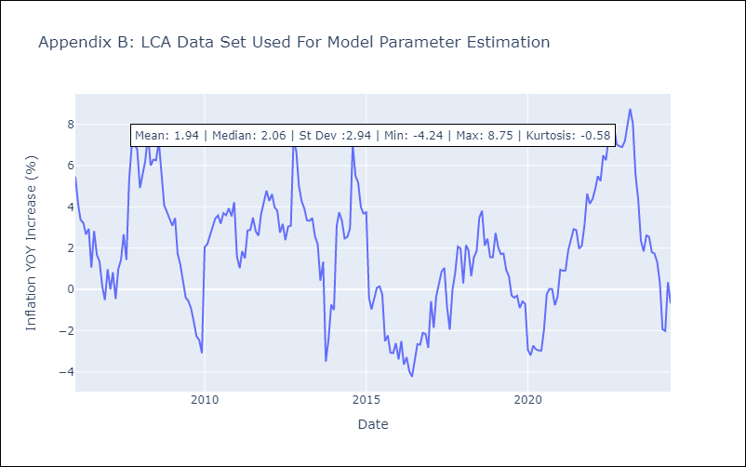

Appendix C: Residuals Analysis
Mean | -0.02

Normal? | No

SUR
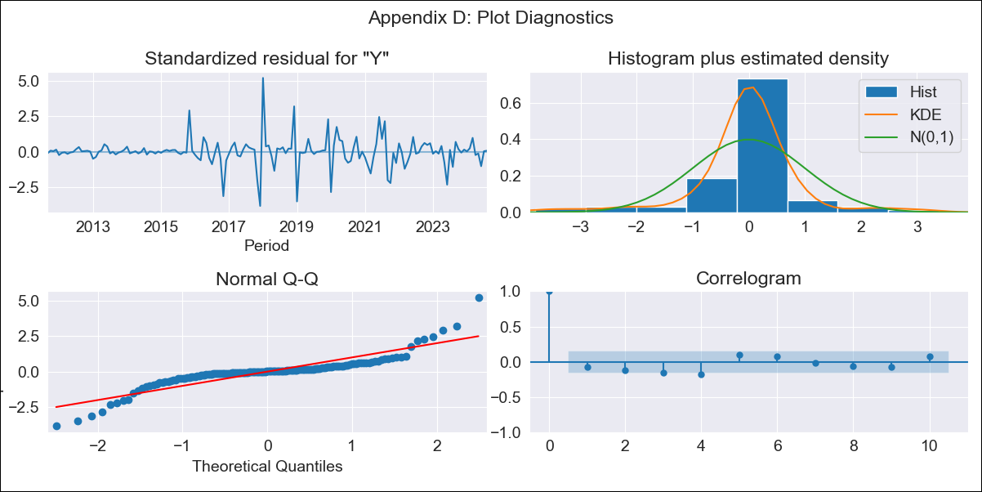
SUR - Inflation - Next 12 months forecast as of: 2024-08-01

Model | ARIMA - [(3, 2, 0), (1, 0, 0, 12)]
Training Data | 2010-04-01 to 2023-09-01
Test Data | 2023-09-01 to 2024-08-01

Date | Inflation Change YoY % | Lower Bound - 95% Confidence Interval | Upper Bound - 95% Confidence Interval
2024-09-01 | 8.59 | -2.58 | 19.76
2024-10-01 | 7.98 | -9.87 | 25.83
2024-11-01 | 6.57 | -18.15 | 31.29
2024-12-01 | 5.77 | -26.82 | 38.36
2025-01-01 | 3.68 | -38.53 | 45.89
2025-02-01 | 1.55 | -50.64 | 53.73
2025-03-01 | -2.79 | -65.52 | 59.94
2025-04-01 | -3.73 | -77.72 | 70.26
2025-05-01 | -6.42 | -92.4 | 79.55
2025-06-01 | -9.04 | -107.51 | 89.43
2025-07-01 | -11.24 | -122.75 | 100.27
2025-08-01 | -14.11 | -139.21 | 110.99
2025-09-01 | -16.66 | -153.64 | 120.32
2025-10-01 | -20.12 | -169.2 | 128.96
2025-11-01 | -23.19 | -184.53 | 138.14
2025-12-01 | -26.56 | -200.15 | 147.03

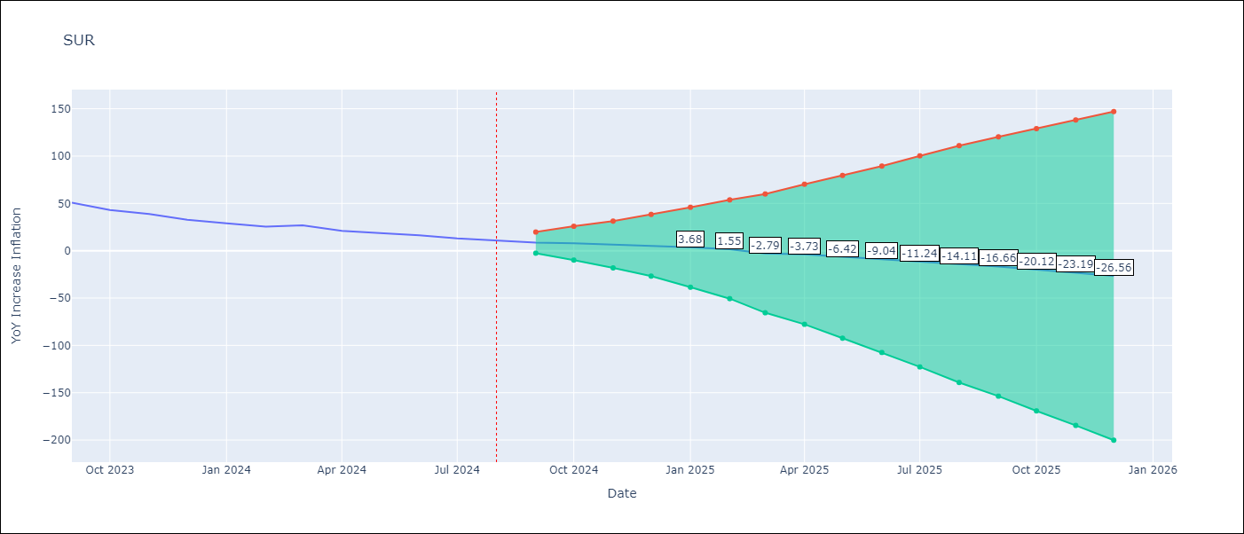

Test Metrics
RMSE | 2.35
Naive RMSE | 4.32
MAPE | 7.1%

Test Predictions
Date | Predicted | Actual
2023-09-01 | 47.75 | 50.79
2023-10-01 | 44.42 | 42.92
2023-11-01 | 39.39 | 38.74
2023-12-01 | 33.07 | 32.63
2024-01-01 | 28.14 | 28.98
2024-02-01 | 23.79 | 25.4
2024-03-01 | 21.06 | 26.83
2024-04-01 | 22.61 | 20.9
2024-05-01 | 18.76 | 18.62
2024-06-01 | 19.94 | 16.21
2024-07-01 | 13.24 | 12.99
2024-08-01 | 10.23 | 11.13

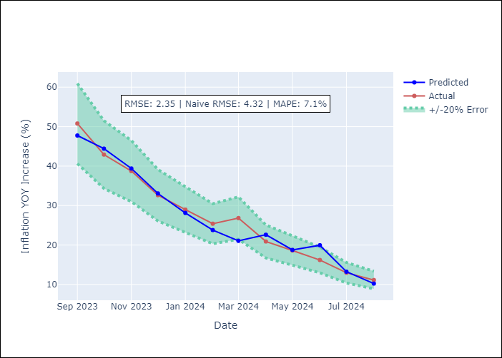

Appendix A: Model Summary
Model | ARIMA(3, 2, 0)x(1, 0, 0, 12)
Sample | 04-01-2010- 08-01-2024
No. of Observations | 173
Terms | P-value (Statistical significance)
ar.L1 | 0.000
ar.L2 | 0.000
ar.L3 | 0.003
ar.S.L12 | 0.000
sigma2 | 0.000
Assumptions | P-value

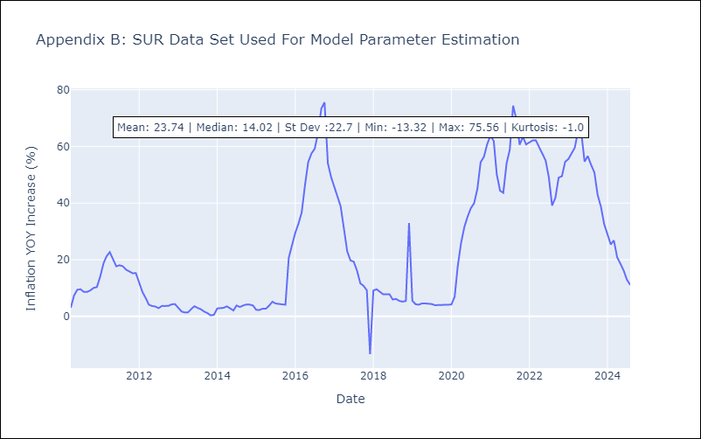

Appendix C: Residuals Analysis
Mean | -0.07

Normal? | No

TTO
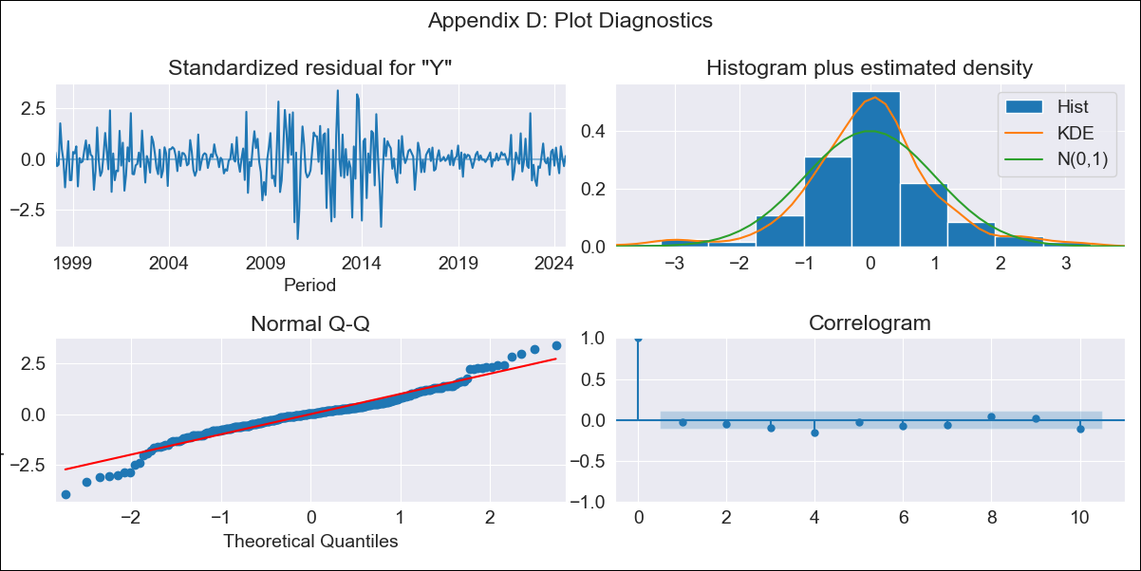
TTO - Inflation - Next 12 months forecast as of: 2024-08-01

Model | ARIMA - [(3, 2, 0), (3, 0, 0, 12)]
Training Data | 1994-09-01 to 2023-09-01
Test Data | 2023-09-01 to 2024-08-01

Date | Inflation Change YoY % | Lower Bound - 95% Confidence Interval | Upper Bound - 95% Confidence Interval
2024-09-01 | 0.38 | -1.34 | 2.1
2024-10-01 | 0.86 | -1.97 | 3.69
2024-11-01 | 0.65 | -3.38 | 4.69
2024-12-01 | 0.35 | -5.05 | 5.74
2025-01-01 | 0.53 | -6.46 | 7.52
2025-02-01 | 0.26 | -8.42 | 8.93
2025-03-01 | 0.17 | -10.3 | 10.65
2025-04-01 | 0.65 | -11.73 | 13.04
2025-05-01 | 0.32 | -14.09 | 14.73
2025-06-01 | 0.23 | -16.3 | 16.76
2025-07-01 | 0.56 | -18.19 | 19.3
2025-08-01 | 0.51 | -20.55 | 21.56
2025-09-01 | 0.41 | -22.56 | 23.38
2025-10-01 | 0.81 | -24.07 | 25.69
2025-11-01 | 0.78 | -25.99 | 27.55
2025-12-01 | 0.78 | -27.85 | 29.41

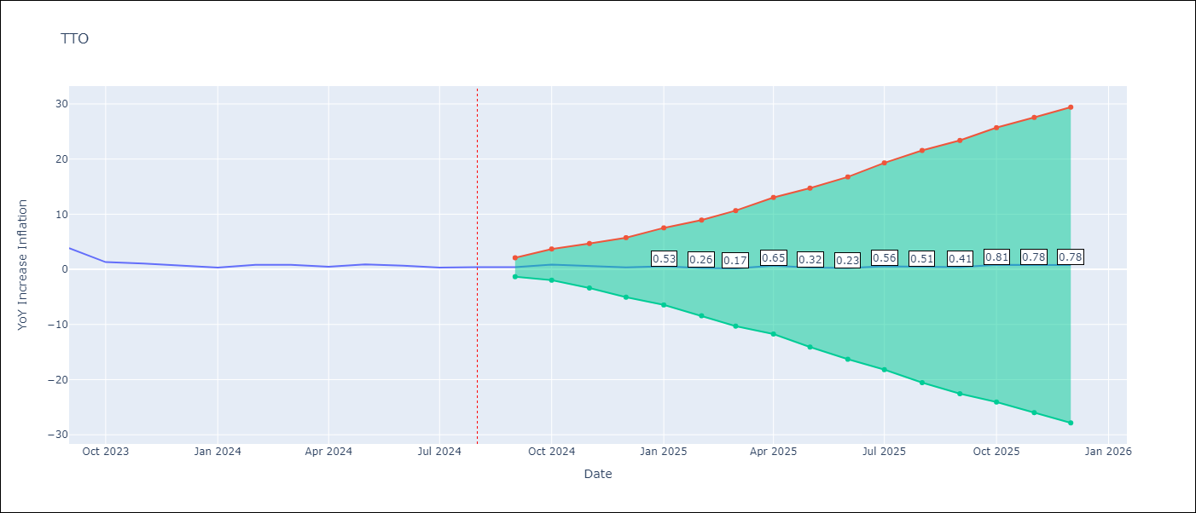

Test Metrics
RMSE | 0.4
Naive RMSE | 0.83
MAPE | 52.79%

Test Predictions
Date | Predicted | Actual
2023-09-01 | 3.8 | 3.87
2023-10-01 | 2.01 | 1.31
2023-11-01 | 0.73 | 1.06
2023-12-01 | 0.32 | 0.73
2024-01-01 | 0.62 | 0.32
2024-02-01 | 0.31 | 0.81
2024-03-01 | 0.94 | 0.81
2024-04-01 | 1.11 | 0.49
2024-05-01 | 0.34 | 0.9
2024-06-01 | 0.62 | 0.65
2024-07-01 | 0.64 | 0.32
2024-08-01 | 0.27 | 0.41

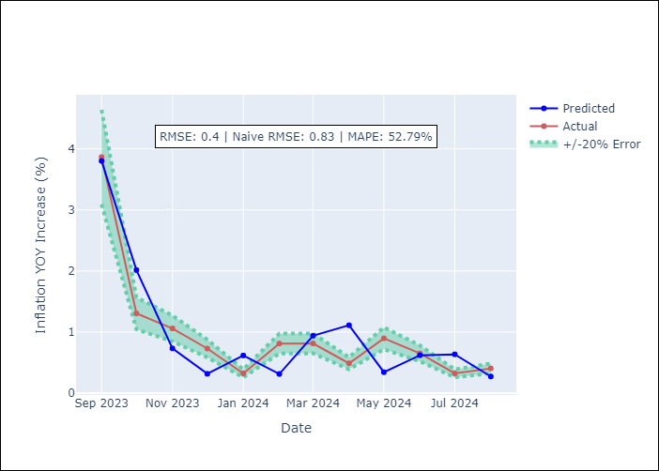

Appendix A: Model Summary
Model | ARIMA(3, 2, 0)x(3, 0, 0, 12)
Sample | 09-01-1994- 08-01-2024
No. of Observations | 360
Terms | P-value (Statistical significance)
ar.L1 | 0.000
ar.L2 | 0.000
ar.L3 | 0.000
ar.S.L12 | 0.000
ar.S.L24 | 0.000
ar.S.L36 | 0.001
sigma2 | 0.000
Assumptions | P-value

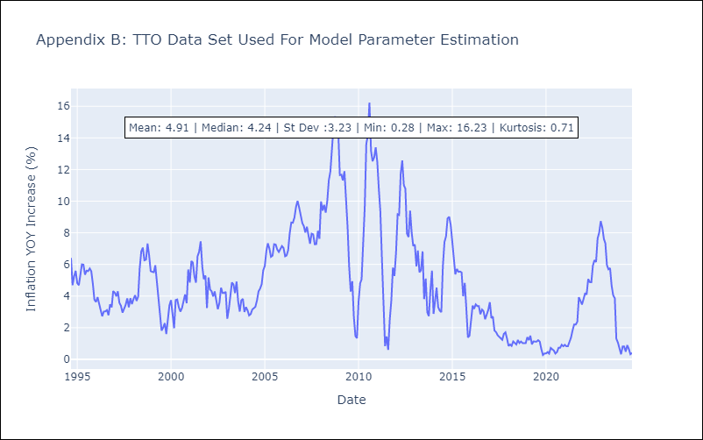

Appendix C: Residuals Analysis
Mean | 0.0

Normal? | No

VCT

VCT - Inflation - Next 12 months forecast as of: 2024-06-01

Model | ARIMA - [(1, 0, 0), (3, 0, 0, 12)]
Training Data | 2002-01-01 to 2023-07-01
Test Data | 2023-07-01 to 2024-06-01

Date | Inflation Change YoY % | Lower Bound - 95% Confidence Interval | Upper Bound - 95% Confidence Interval
2024-07-01 | 4.77 | 3.47 | 6.08
2024-08-01 | 5.06 | 3.23 | 6.9
2024-09-01 | 5.17 | 2.94 | 7.41
2024-10-01 | 4.79 | 2.22 | 7.36
2024-11-01 | 4.76 | 1.9 | 7.62
2024-12-01 | 4.65 | 1.53 | 7.77
2025-01-01 | 4.45 | 1.09 | 7.8
2025-02-01 | 4.52 | 0.95 | 8.09
2025-03-01 | 4.49 | 0.72 | 8.26
2025-04-01 | 4.5 | 0.55 | 8.45
2025-05-01 | 4.63 | 0.5 | 8.76
2025-06-01 | 4.16 | -0.13 | 8.45
2025-07-01 | 4.29 | -0.02 | 8.61
2025-08-01 | 4.33 | 0 | 8.67
2025-09-01 | 4.4 | 0.05 | 8.76
2025-10-01 | 4.38 | 0.01 | 8.75

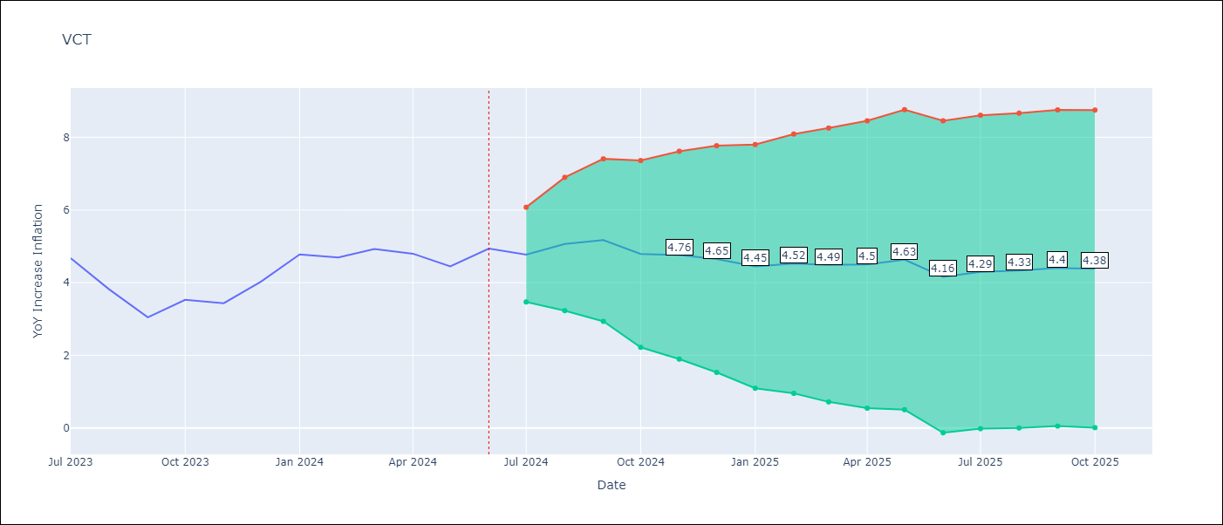

Test Metrics
RMSE | 0.4
Naive RMSE | 0.52
MAPE | 7.21%

Test Predictions
Date | Predicted | Actual
2023-07-01 | 4.67 | 4.67
2023-08-01 | 4.34 | 3.81
2023-09-01 | 3.28 | 3.05
2023-10-01 | 2.88 | 3.53
2023-11-01 | 3.46 | 3.43
2023-12-01 | 3.67 | 4.03
2024-01-01 | 4.37 | 4.78
2024-02-01 | 4.8 | 4.69
2024-03-01 | 4.67 | 4.93
2024-04-01 | 4.68 | 4.8
2024-05-01 | 4.42 | 4.45
2024-06-01 | 4.05 | 4.94

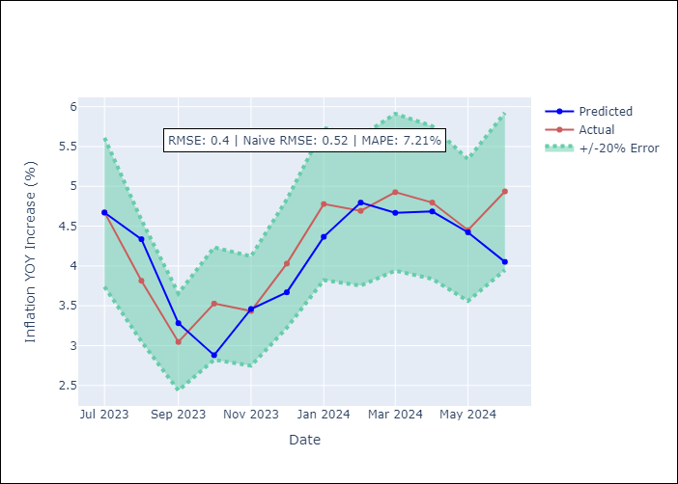

Appendix A: Model Summary
Model | ARIMA(1, 0, 0)x(3, 0, 0, 12)
Sample | 01-01-2002- 06-01-2024
No. of Observations | 270
Terms | P-value (Statistical significance)
const | 0.113
ar.L1 | 0.000
ar.S.L12 | 0.000
ar.S.L24 | 0.000
ar.S.L36 | 0.000
sigma2 | 0.000
Assumptions | P-value



Appendix C: Residuals Analysis
Mean | -0.02

Normal? | No

