R01
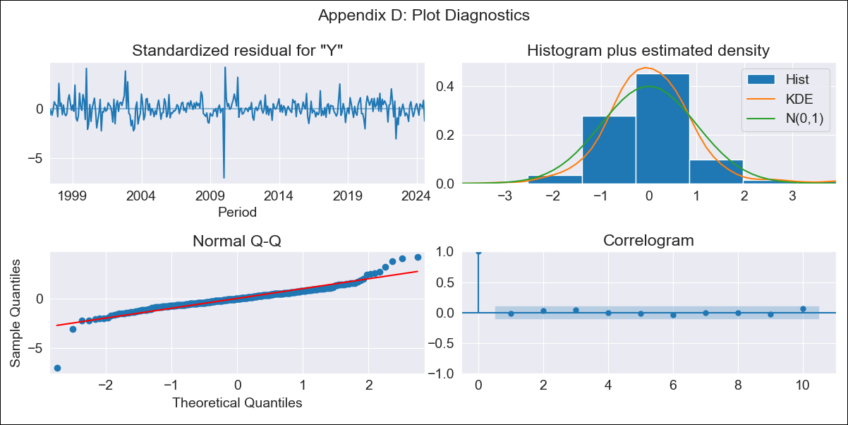
R01 - Inflation - Next 12 months forecast as of: 2024-08-01

Model | ARIMA - [(1, 2, 1), (1, 0, 1, 12)]
Training Data | 1996-01-01 to 2023-09-01
Test Data | 2023-09-01 to 2024-08-01

Date | Inflation Change YoY % | Lower Bound - 95% Confidence Interval | Upper Bound - 95% Confidence Interval
2024-09-01 | 4.18 | 3.72 | 4.63
2024-10-01 | 4.24 | 3.46 | 5.03
2024-11-01 | 4.33 | 3.23 | 5.42
2024-12-01 | 4.3 | 2.9 | 5.7
2025-01-01 | 4.16 | 2.46 | 5.87
2025-02-01 | 4.1 | 2.08 | 6.12
2025-03-01 | 4.17 | 1.83 | 6.51
2025-04-01 | 4.1 | 1.43 | 6.77
2025-05-01 | 4.02 | 1.01 | 7.03
2025-06-01 | 3.98 | 0.62 | 7.34
2025-07-01 | 3.79 | 0.07 | 7.52
2025-08-01 | 3.89 | -0.2 | 7.99
2025-09-01 | 3.91 | -0.43 | 8.25
2025-10-01 | 3.92 | -0.65 | 8.48
2025-11-01 | 3.92 | -0.86 | 8.7
2025-12-01 | 3.9 | -1.08 | 8.89

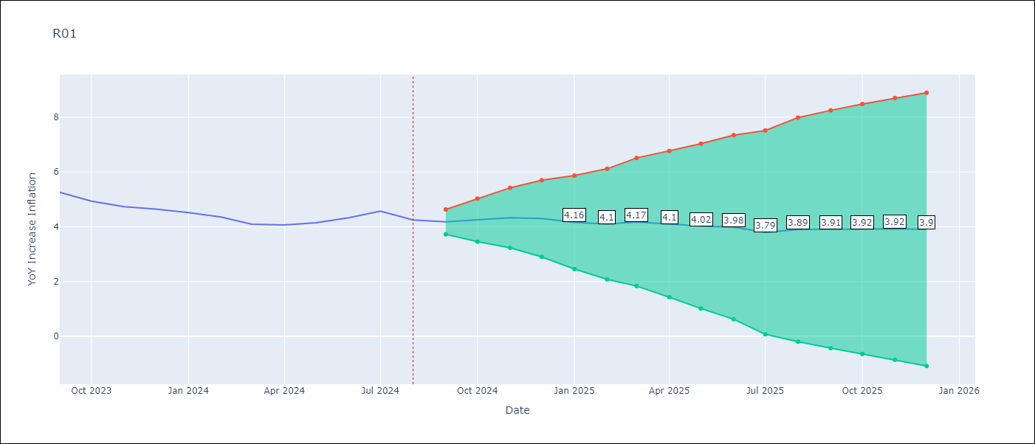

Test Metrics
RMSE | 0.14
Naive RMSE | 0.21
MAPE | 2.53%

Test Predictions
Date | Predicted | Actual
2023-09-01 | 5.28 | 5.26
2023-10-01 | 5.12 | 4.93
2023-11-01 | 4.82 | 4.73
2023-12-01 | 4.58 | 4.64
2024-01-01 | 4.39 | 4.51
2024-02-01 | 4.36 | 4.36
2024-03-01 | 4.25 | 4.1
2024-04-01 | 3.95 | 4.06
2024-05-01 | 4.07 | 4.15
2024-06-01 | 4.29 | 4.33
2024-07-01 | 4.37 | 4.57
2024-08-01 | 4.53 | 4.25

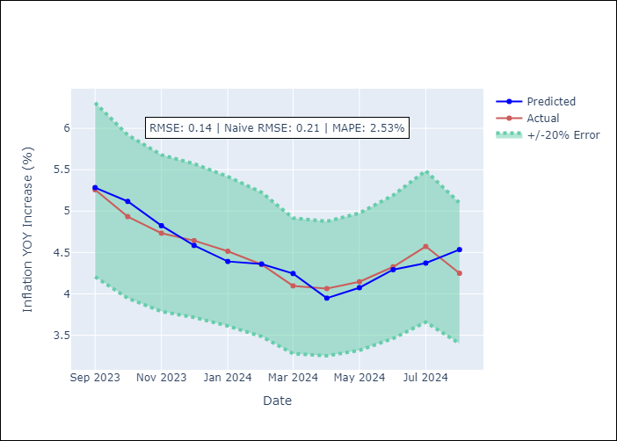

Appendix A: Model Summary
Model | ARIMA(1, 2, 1)x(1, 0, 1, 12)
Sample | 01-01-1996- 08-01-2024
No. of Observations | 344
Terms | P-value (Statistical significance)
ar.L1 | 0.000
ma.L1 | 0.000
ar.S.L12 | 0.000
ma.S.L12 | 0.997
sigma2 | 0.997
Assumptions | P-value

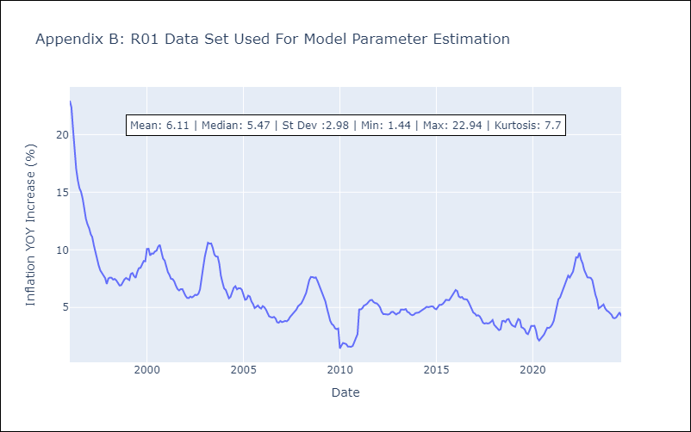

Appendix C: Residuals Analysis
Mean | 0.03

Normal? | No

R02
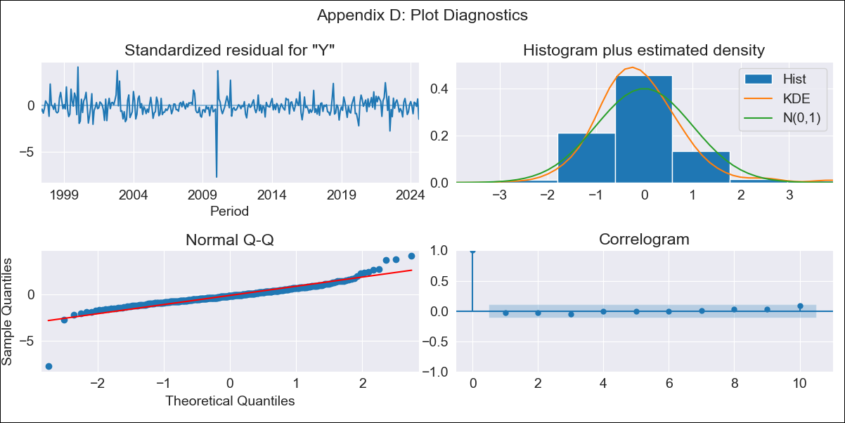
R02 - Inflation - Next 12 months forecast as of: 2024-08-01

Model | ARIMA - [(3, 1, 0), (1, 0, 1, 12)]
Training Data | 1996-01-01 to 2023-09-01
Test Data | 2023-09-01 to 2024-08-01

Date | Inflation Change YoY % | Lower Bound - 95% Confidence Interval | Upper Bound - 95% Confidence Interval
2024-09-01 | 4.23 | 3.78 | 4.68
2024-10-01 | 4.37 | 3.6 | 5.13
2024-11-01 | 4.5 | 3.44 | 5.56
2024-12-01 | 4.53 | 3.16 | 5.9
2025-01-01 | 4.48 | 2.81 | 6.16
2025-02-01 | 4.5 | 2.54 | 6.45
2025-03-01 | 4.67 | 2.43 | 6.9
2025-04-01 | 4.67 | 2.17 | 7.17
2025-05-01 | 4.68 | 1.93 | 7.43
2025-06-01 | 4.76 | 1.77 | 7.75
2025-07-01 | 4.68 | 1.46 | 7.9
2025-08-01 | 4.89 | 1.45 | 8.33
2025-09-01 | 4.99 | 1.44 | 8.54
2025-10-01 | 5.06 | 1.44 | 8.69
2025-11-01 | 5.16 | 1.47 | 8.85
2025-12-01 | 5.22 | 1.49 | 8.95

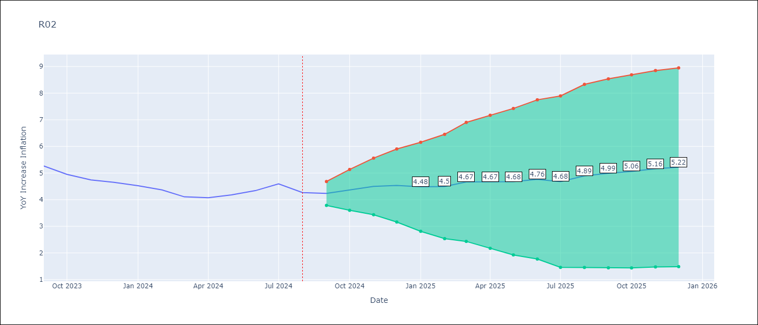

Test Metrics
RMSE | 0.15
Naive RMSE | 0.21
MAPE | 2.64%

Test Predictions
Date | Predicted | Actual
2023-09-01 | 5.28 | 5.27
2023-10-01 | 5.18 | 4.95
2023-11-01 | 4.9 | 4.74
2023-12-01 | 4.63 | 4.65
2024-01-01 | 4.43 | 4.52
2024-02-01 | 4.39 | 4.37
2024-03-01 | 4.31 | 4.11
2024-04-01 | 3.99 | 4.07
2024-05-01 | 4.13 | 4.18
2024-06-01 | 4.36 | 4.34
2024-07-01 | 4.43 | 4.59
2024-08-01 | 4.61 | 4.27

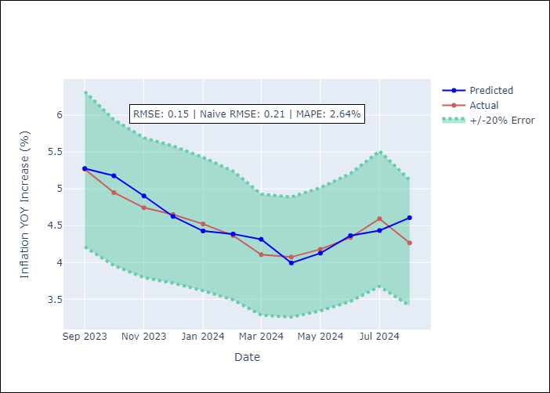

Appendix A: Model Summary
Model | ARIMA(3, 1, 0)x(1, 0, [1], 12)
Sample | 01-01-1996- 08-01-2024
No. of Observations | 344
Terms | P-value (Statistical significance)
ar.L1 | 0.000
ar.L2 | 0.073
ar.L3 | 0.017
ar.S.L12 | 0.000
ma.S.L12 | 0.990
sigma2 | 0.990
Assumptions | P-value

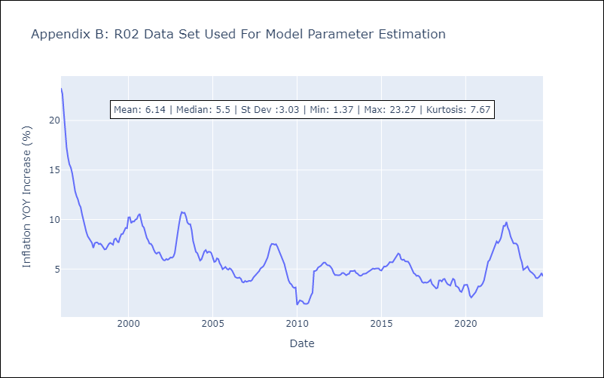

Appendix C: Residuals Analysis
Mean | 0.01

Normal? | No

R07
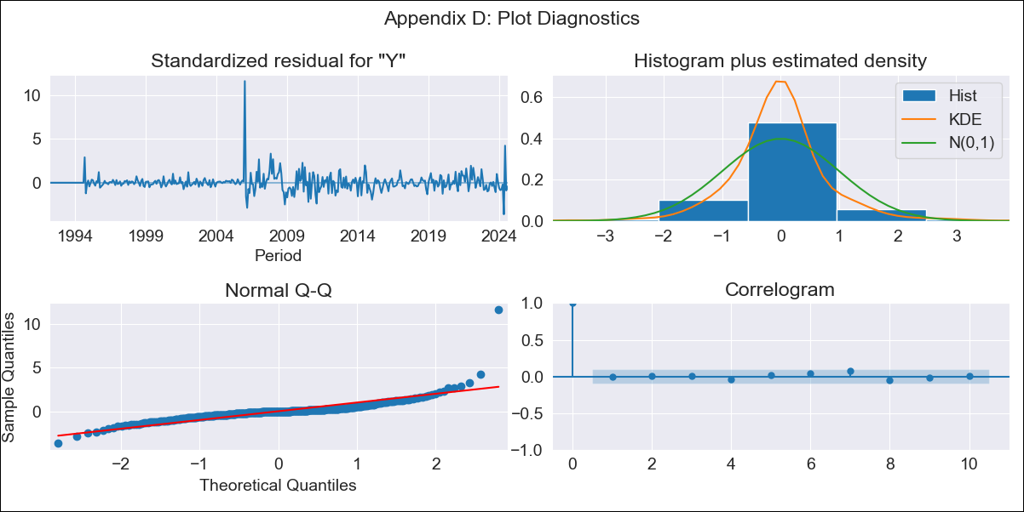
R07 - Inflation - Next 12 months forecast as of: 2024-08-01

Model | ARIMA - [(2, 1, 0), (0, 0, 1, 12)]
Training Data | 1991-01-01 to 2023-09-01
Test Data | 2023-09-01 to 2024-08-01

Date | Inflation Change YoY % | Lower Bound - 95% Confidence Interval | Upper Bound - 95% Confidence Interval
2024-09-01 | 2.85 | 1.89 | 3.81
2024-10-01 | 3.07 | 1.6 | 4.54
2024-11-01 | 2.91 | 0.96 | 4.87
2024-12-01 | 2.9 | 0.53 | 5.28
2025-01-01 | 2.99 | 0.24 | 5.75
2025-02-01 | 3.17 | 0.07 | 6.26
2025-03-01 | 3.36 | -0.05 | 6.76
2025-04-01 | 3.46 | -0.23 | 7.15
2025-05-01 | 4.21 | 0.26 | 8.17
2025-06-01 | 3.51 | -0.69 | 7.72
2025-07-01 | 3.72 | -0.72 | 8.16
2025-08-01 | 3.71 | -0.95 | 8.37
2025-09-01 | 3.75 | -1.03 | 8.52
2025-10-01 | 3.75 | -1.13 | 8.63
2025-11-01 | 3.76 | -1.21 | 8.72
2025-12-01 | 3.76 | -1.28 | 8.8

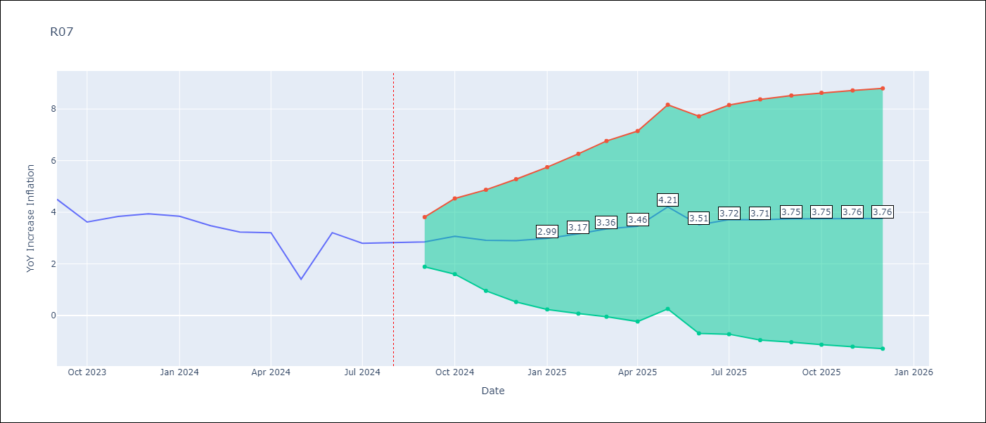

Test Metrics
RMSE | 0.87
Naive RMSE | 0.84
MAPE | 23.82%

Test Predictions
Date | Predicted | Actual
2023-09-01 | 4.77 | 4.5
2023-10-01 | 4.14 | 3.62
2023-11-01 | 3.33 | 3.84
2023-12-01 | 3.91 | 3.94
2024-01-01 | 4.14 | 3.85
2024-02-01 | 3.89 | 3.48
2024-03-01 | 3.59 | 3.23
2024-04-01 | 3.3 | 3.21
2024-05-01 | 3.18 | 1.41
2024-06-01 | 1.03 | 3.21
2024-07-01 | 3.26 | 2.8
2024-08-01 | 3.04 | 2.82

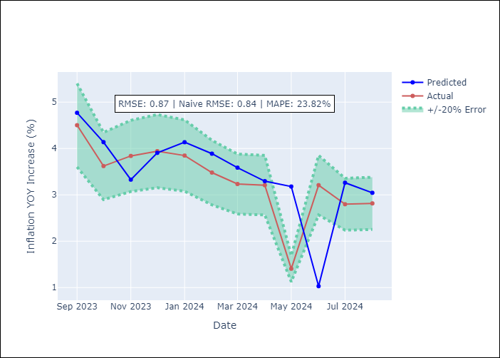

Appendix A: Model Summary
Model | ARIMA(2, 1, 0)x(0, 0, [1], 12)
Sample | 01-01-1991- 08-01-2024
No. of Observations | 404
Terms | P-value (Statistical significance)
ar.L1 | 0.000
ar.L2 | 0.000
ma.S.L12 | 0.000
sigma2 | 0.000
Assumptions | P-value

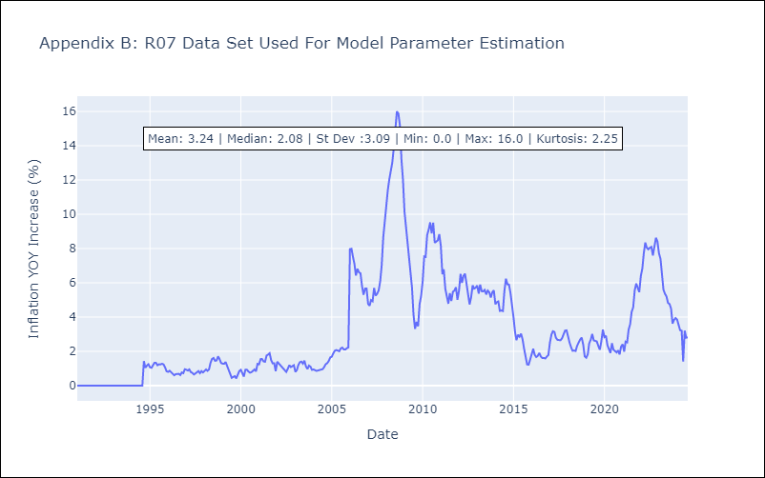

Appendix C: Residuals Analysis
Mean | 0.01

Normal? | No

SUR10
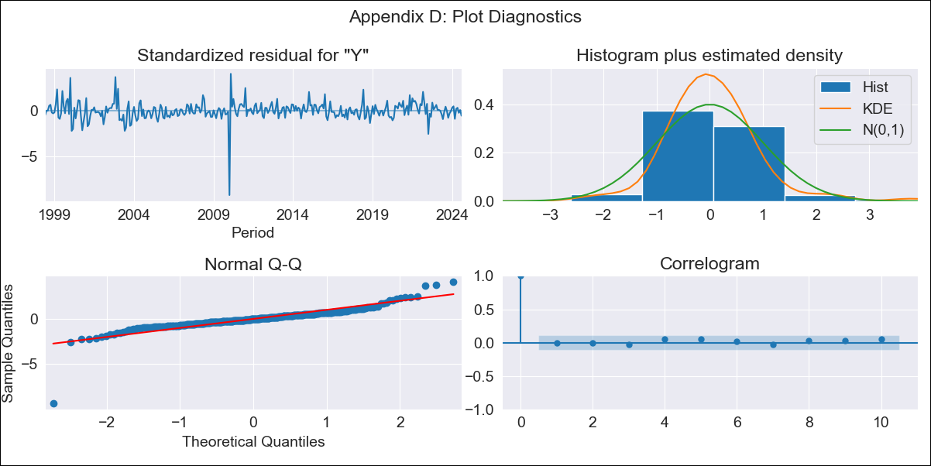
SUR10 - Inflation - Next 12 months forecast as of: 2024-08-01

Model | ARIMA - [(3, 2, 1), (2, 0, 1, 12)]
Training Data | 1996-01-01 to 2023-09-01
Test Data | 2023-09-01 to 2024-08-01

Date | Inflation Change YoY % | Lower Bound - 95% Confidence Interval | Upper Bound - 95% Confidence Interval
2024-09-01 | 4.18 | 3.54 | 4.82
2024-10-01 | 4.36 | 3.26 | 5.45
2024-11-01 | 4.47 | 2.96 | 5.97
2024-12-01 | 4.52 | 2.6 | 6.43
2025-01-01 | 4.44 | 2.13 | 6.75
2025-02-01 | 4.28 | 1.59 | 6.96
2025-03-01 | 4.46 | 1.42 | 7.5
2025-04-01 | 4.44 | 1.06 | 7.81
2025-05-01 | 4.34 | 0.63 | 8.04
2025-06-01 | 4.39 | 0.38 | 8.41
2025-07-01 | 4.38 | 0.06 | 8.7
2025-08-01 | 4.51 | -0.1 | 9.13
2025-09-01 | 4.57 | -0.18 | 9.31
2025-10-01 | 4.6 | -0.22 | 9.43
2025-11-01 | 4.64 | -0.25 | 9.53
2025-12-01 | 4.65 | -0.28 | 9.59

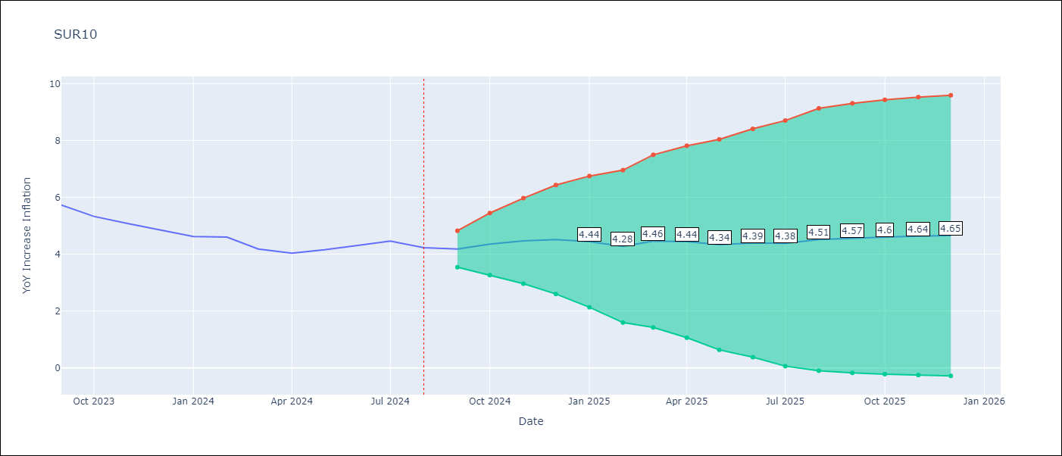

Test Metrics
RMSE | 0.16
Naive RMSE | 0.24
MAPE | 2.76%

Test Predictions
Date | Predicted | Actual
2023-09-01 | 5.83 | 5.73
2023-10-01 | 5.6 | 5.33
2023-11-01 | 5.18 | 5.08
2023-12-01 | 4.86 | 4.86
2024-01-01 | 4.52 | 4.62
2024-02-01 | 4.44 | 4.6
2024-03-01 | 4.51 | 4.18
2024-04-01 | 3.97 | 4.04
2024-05-01 | 4.04 | 4.15
2024-06-01 | 4.39 | 4.31
2024-07-01 | 4.44 | 4.46
2024-08-01 | 4.4 | 4.23

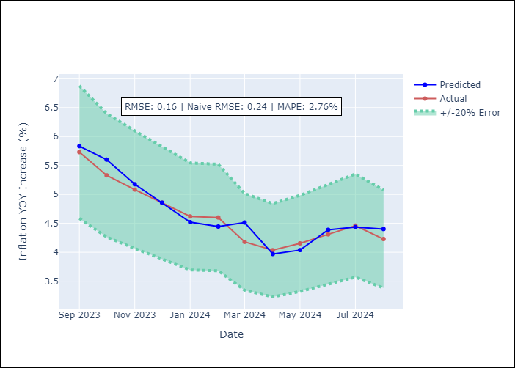

Appendix A: Model Summary
Model | ARIMA(3, 2, 1)x(2, 0, 1, 12)
Sample | 01-01-1996- 08-01-2024
No. of Observations | 344
Terms | P-value (Statistical significance)
ar.L1 | 0.000
ar.L2 | 0.152
ar.L3 | 0.087
ma.L1 | 0.000
ar.S.L12 | 0.082
ar.S.L24 | 0.790
ma.S.L12 | 0.998
sigma2 | 0.998
Assumptions | P-value

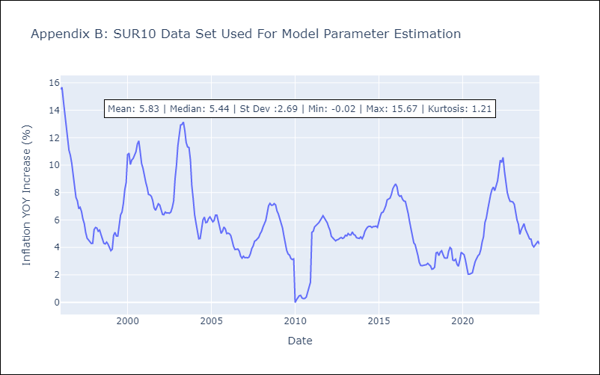

Appendix C: Residuals Analysis
Mean | 0.02

Normal? | No

CAR13
CAR13 - Inflation - Next 12 months forecast as of: 2024-08-01

Model | ARIMA - [(2, 1, 0), (0, 0, 1, 12)]
Training Data | 1991-01-01 to 2023-09-01
Test Data | 2023-09-01 to 2024-08-01

Date | Inflation Change YoY % | Lower Bound - 95% Confidence Interval | Upper Bound - 95% Confidence Interval
2024-09-01 | 2.85 | 1.89 | 3.81
2024-10-01 | 3.07 | 1.6 | 4.54
2024-11-01 | 2.91 | 0.96 | 4.87
2024-12-01 | 2.9 | 0.53 | 5.28
2025-01-01 | 2.99 | 0.24 | 5.75
2025-02-01 | 3.17 | 0.07 | 6.26
2025-03-01 | 3.36 | -0.05 | 6.76
2025-04-01 | 3.46 | -0.23 | 7.15
2025-05-01 | 4.21 | 0.26 | 8.17
2025-06-01 | 3.51 | -0.69 | 7.72
2025-07-01 | 3.72 | -0.72 | 8.16
2025-08-01 | 3.71 | -0.95 | 8.37
2025-09-01 | 3.75 | -1.03 | 8.52
2025-10-01 | 3.75 | -1.13 | 8.63
2025-11-01 | 3.76 | -1.21 | 8.72
2025-12-01 | 3.76 | -1.28 | 8.8



Test Metrics
RMSE | 0.87
Naive RMSE | 0.84
MAPE | 23.82%

Test Predictions
Date | Predicted | Actual
2023-09-01 | 4.77 | 4.5
2023-10-01 | 4.14 | 3.62
2023-11-01 | 3.33 | 3.84
2023-12-01 | 3.91 | 3.94
2024-01-01 | 4.14 | 3.85
2024-02-01 | 3.89 | 3.48
2024-03-01 | 3.59 | 3.23
2024-04-01 | 3.3 | 3.21
2024-05-01 | 3.18 | 1.41
2024-06-01 | 1.03 | 3.21
2024-07-01 | 3.26 | 2.8
2024-08-01 | 3.04 | 2.82

Appendix A: Model Summary
Model | ARIMA(2, 1, 0)x(0, 0, [1], 12)
Sample | 01-01-1991- 08-01-2024
No. of Observations | 404
Terms | P-value (Statistical significance)
ar.L1 | 0.000
ar.L2 | 0.000
ma.S.L12 | 0.000
sigma2 | 0.000
Assumptions | P-value

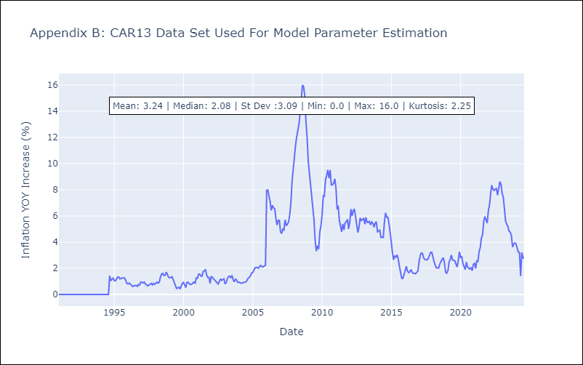

Appendix C: Residuals Analysis
Mean | 0.01

Normal? | No

CEN09
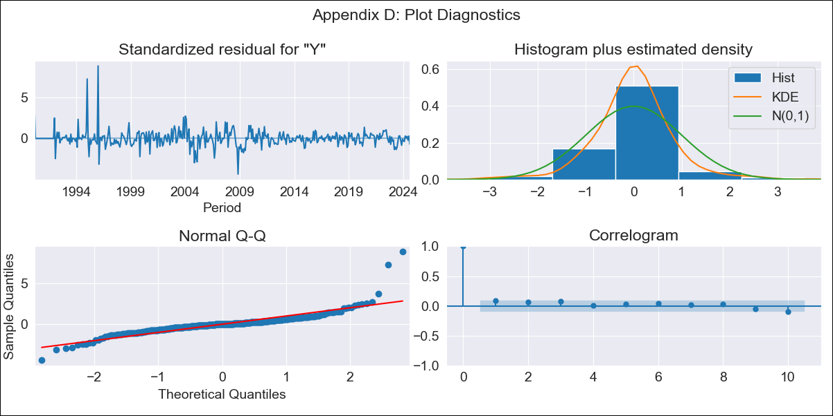
CEN09 - Inflation - Next 12 months forecast as of: 2024-08-01

Model | ARIMA - [(1, 1, 0), (0, 0, 0, 12)]
Training Data | 1990-01-01 to 2023-09-01
Test Data | 2023-09-01 to 2024-08-01

Date | Inflation Change YoY % | Lower Bound - 95% Confidence Interval | Upper Bound - 95% Confidence Interval
2024-09-01 | 2.9 | 1.7 | 4.09
2024-10-01 | 2.87 | 0.93 | 4.81
2024-11-01 | 2.86 | 0.32 | 5.39
2024-12-01 | 2.86 | -0.17 | 5.88
2025-01-01 | 2.85 | -0.6 | 6.31
2025-02-01 | 2.85 | -0.98 | 6.69
2025-03-01 | 2.85 | -1.33 | 7.03
2025-04-01 | 2.85 | -1.65 | 7.35
2025-05-01 | 2.85 | -1.94 | 7.65
2025-06-01 | 2.85 | -2.23 | 7.93
2025-07-01 | 2.85 | -2.49 | 8.2
2025-08-01 | 2.85 | -2.75 | 8.45
2025-09-01 | 2.85 | -2.99 | 8.7
2025-10-01 | 2.85 | -3.22 | 8.93
2025-11-01 | 2.85 | -3.45 | 9.15
2025-12-01 | 2.85 | -3.66 | 9.37

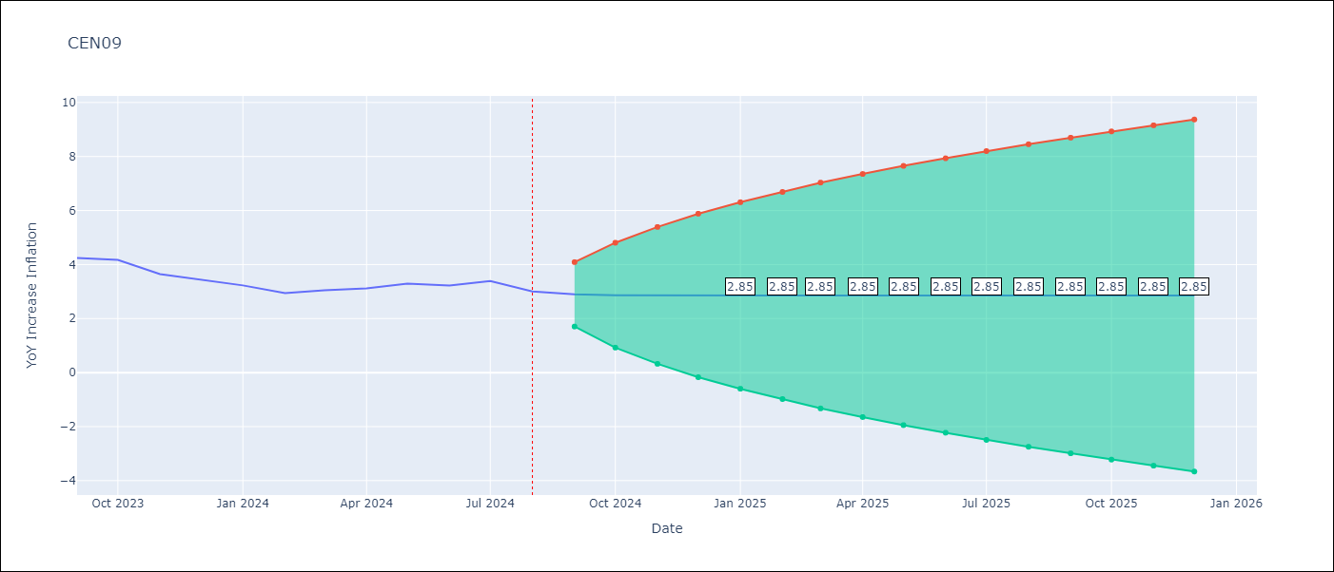

Test Metrics
RMSE | 0.24
Naive RMSE | 0.25
MAPE | 5.95%

Test Predictions
Date | Predicted | Actual
2023-09-01 | 4.05 | 4.25
2023-10-01 | 4.31 | 4.17
2023-11-01 | 4.15 | 3.65
2023-12-01 | 3.5 | 3.45
2024-01-01 | 3.39 | 3.23
2024-02-01 | 3.17 | 2.94
2024-03-01 | 2.86 | 3.05
2024-04-01 | 3.08 | 3.12
2024-05-01 | 3.14 | 3.29
2024-06-01 | 3.34 | 3.22
2024-07-01 | 3.2 | 3.39
2024-08-01 | 3.44 | 3.01
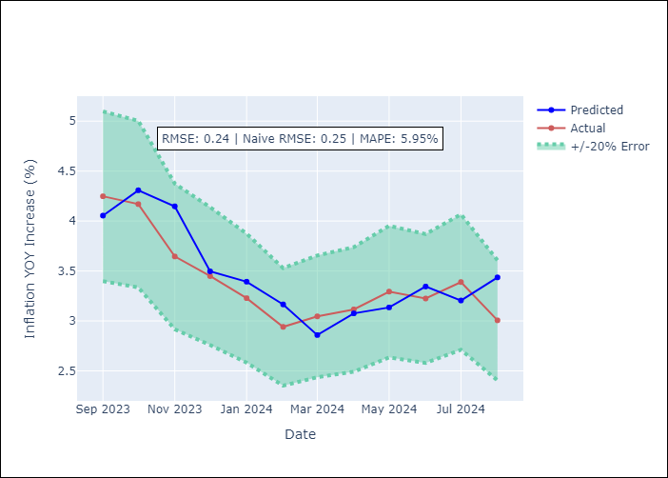

Appendix A: Model Summary
Model | ARIMA(1, 1, 0)
Sample | 01-01-1990- 08-01-2024
No. of Observations | 416
Terms | P-value (Statistical significance)
ar.L1 | 0.000
sigma2 | 0.000
Assumptions | P-value

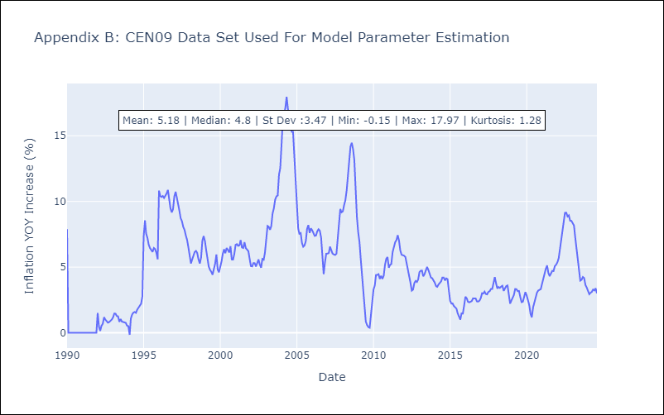

Appendix C: Residuals Analysis
Mean | 0.01

Normal? | No

CEN10
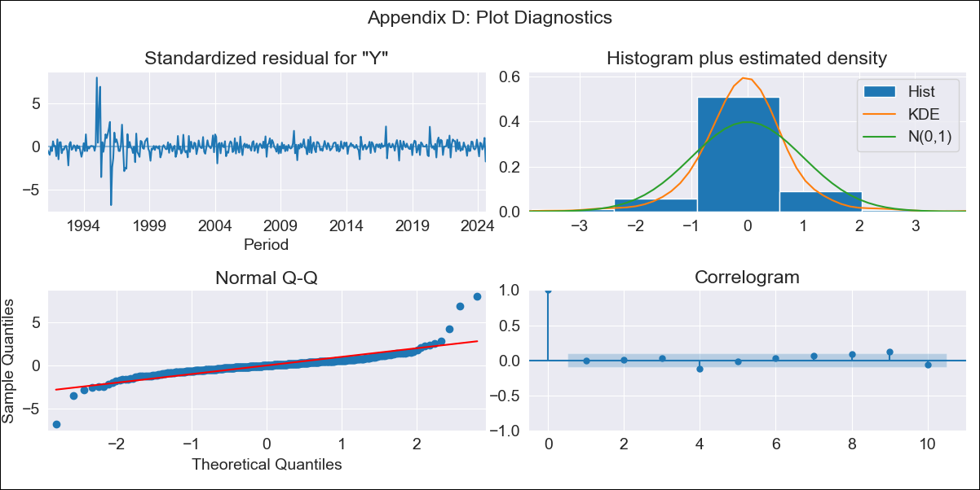
CEN10 - Inflation - Next 12 months forecast as of: 2024-08-01

Model | ARIMA - [(1, 1, 1), (0, 0, 1, 12)]
Training Data | 1990-01-01 to 2023-09-01
Test Data | 2023-09-01 to 2024-08-01

Date | Inflation Change YoY % | Lower Bound - 95% Confidence Interval | Upper Bound - 95% Confidence Interval
2024-09-01 | 3.94 | 3.09 | 4.79
2024-10-01 | 3.73 | 1.96 | 5.49
2024-11-01 | 3.61 | 0.91 | 6.32
2024-12-01 | 3.39 | -0.23 | 7.01
2025-01-01 | 3.24 | -1.25 | 7.74
2025-02-01 | 3.36 | -1.97 | 8.68
2025-03-01 | 3.38 | -2.73 | 9.49
2025-04-01 | 3.33 | -3.51 | 10.18
2025-05-01 | 3.36 | -4.18 | 10.9
2025-06-01 | 3.38 | -4.82 | 11.58
2025-07-01 | 3.21 | -5.61 | 12.03
2025-08-01 | 3.41 | -6 | 12.81
2025-09-01 | 3.58 | -6.28 | 13.43
2025-10-01 | 3.7 | -6.5 | 13.9
2025-11-01 | 3.79 | -6.7 | 14.27
2025-12-01 | 3.85 | -6.88 | 14.59

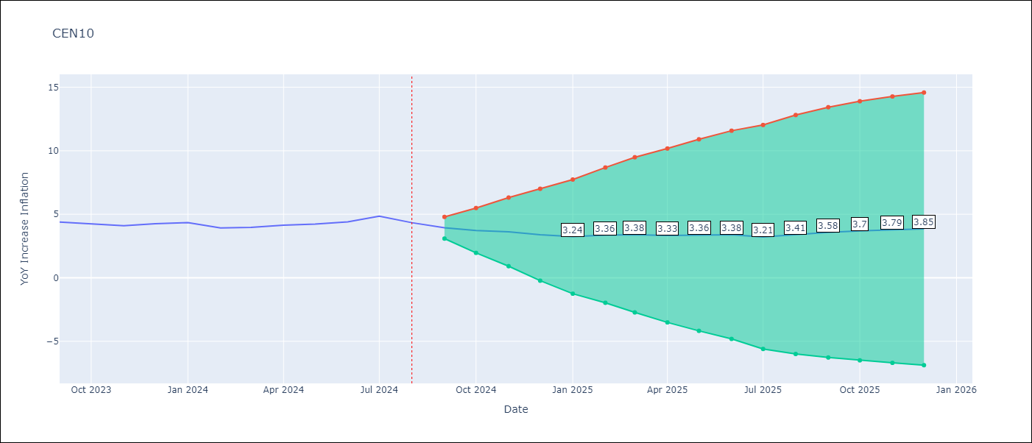

Test Metrics
RMSE | 0.33
Naive RMSE | 0.27
MAPE | 5.77%

Test Predictions
Date | Predicted | Actual
2023-09-01 | 4.5 | 4.39
2023-10-01 | 4.39 | 4.23
2023-11-01 | 4.18 | 4.1
2023-12-01 | 3.92 | 4.26
2024-01-01 | 4.4 | 4.34
2024-02-01 | 4.43 | 3.92
2024-03-01 | 3.78 | 3.97
2024-04-01 | 4.01 | 4.15
2024-05-01 | 4.39 | 4.23
2024-06-01 | 4.38 | 4.4
2024-07-01 | 4.42 | 4.85
2024-08-01 | 5.11 | 4.34

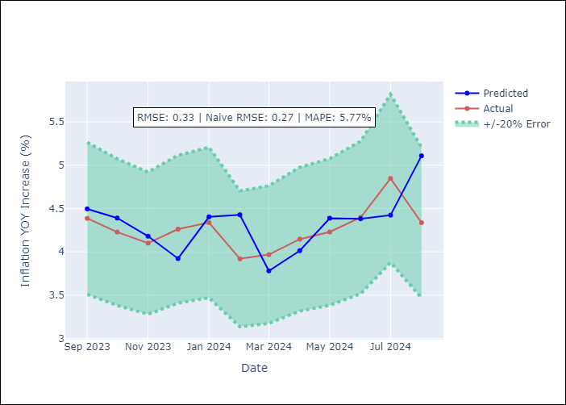

Appendix A: Model Summary
Model | ARIMA(1, 1, 1)x(0, 0, 1, 12)
Sample | 01-01-1990- 08-01-2024
No. of Observations | 416
Terms | P-value (Statistical significance)
ar.L1 | 0.000
ma.L1 | 0.061
ma.S.L12 | 0.000
sigma2 | 0.000
Assumptions | P-value

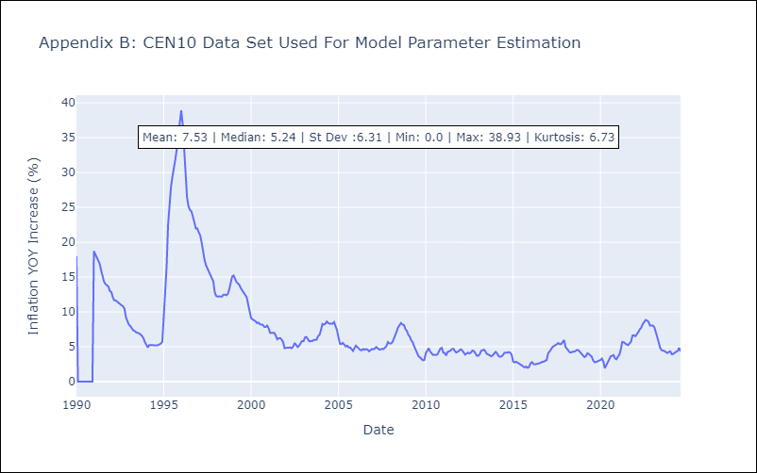

Appendix C: Residuals Analysis
Mean | 0.01

Normal? | No

