ARG
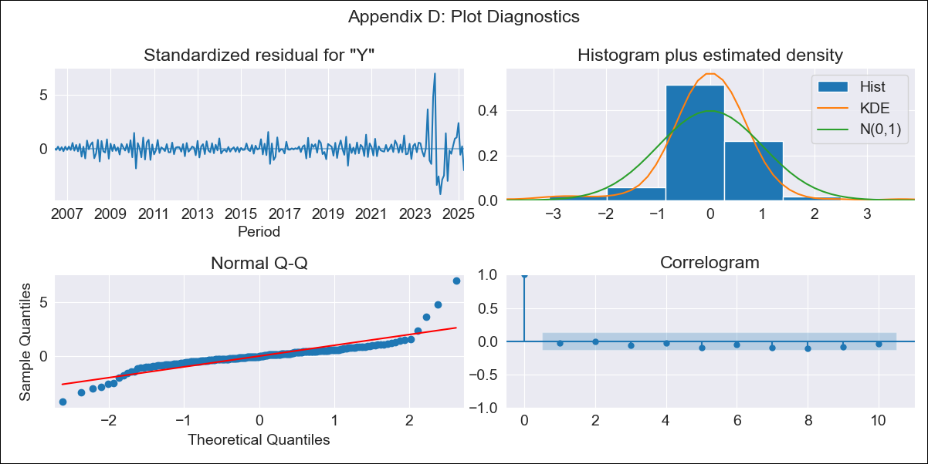
ARG - Inflation - Next 12 months forecast as of: 2025-04-01

Model | ARIMA - [(2, 2, 2), (0, 0, 1, 12)]
Training Data | 2005-01-01 to 2024-05-01
Test Data | 2024-05-01 to 2025-04-01

Date | Inflation Change YoY % | Lower Bound - 95% Confidence Interval | Upper Bound - 95% Confidence Interval
2025-05-01 | 48 | 42.11 | 53.89
2025-06-01 | 44.79 | 29.23 | 60.34
2025-07-01 | 45.92 | 19.42 | 72.41
2025-08-01 | 52.88 | 14.45 | 91.3
2025-09-01 | 59.79 | 7.38 | 112.21
2025-10-01 | 63.89 | -3.83 | 131.61
2025-11-01 | 67.85 | -16.08 | 151.78
2025-12-01 | 68.01 | -33.47 | 169.5
2026-01-01 | 60.39 | -59.76 | 180.54
2026-02-01 | 53.49 | -86.19 | 193.16
2026-03-01 | 47.9 | -112.33 | 208.13
2026-04-01 | 46.15 | -135.6 | 227.9
2026-05-01 | 46.08 | -155.84 | 248
2026-06-01 | 45.88 | -174.47 | 266.23
2026-07-01 | 44.66 | -193.22 | 282.55
2026-08-01 | 44.26 | -210.62 | 299.15

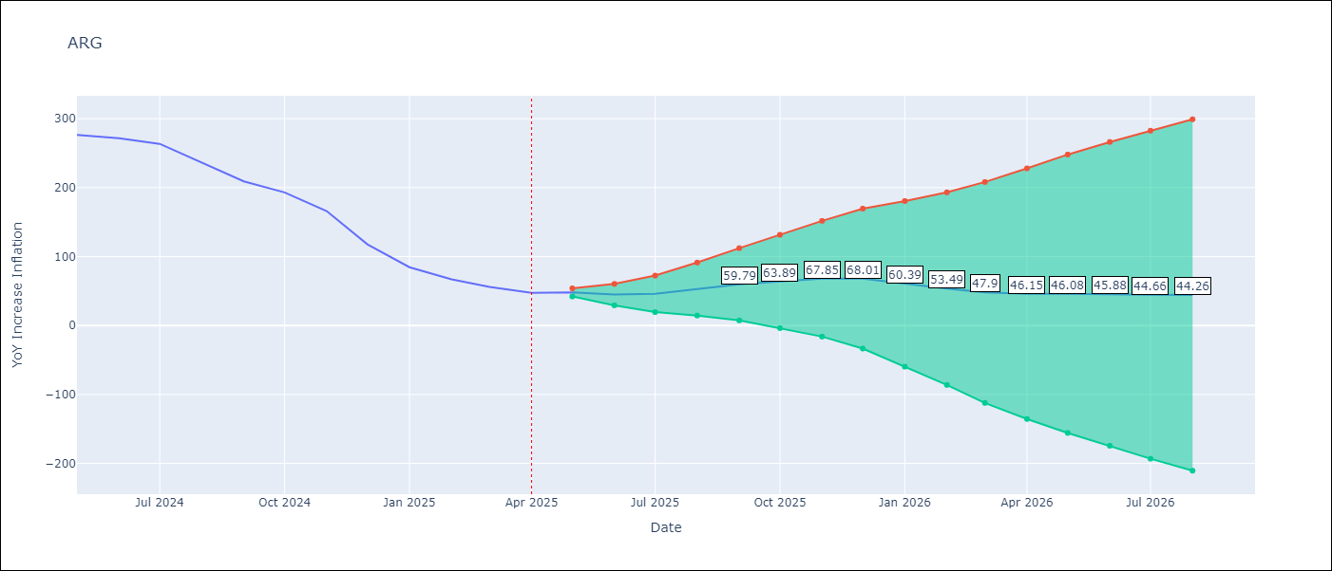

Test Metrics
RMSE | 6.76
Naive RMSE | 24.3
MAPE | 3.85%

Test Predictions
Date | Predicted | Actual
2024-05-01 | 292.36 | 276.41
2024-06-01 | 266.2 | 271.53
2024-07-01 | 274.62 | 263.45
2024-08-01 | 236.12 | 236.72
2024-09-01 | 210.98 | 209
2024-10-01 | 192.25 | 192.99
2024-11-01 | 162.21 | 166.03
2024-12-01 | 113.46 | 117.76
2025-01-01 | 77.14 | 84.54
2025-02-01 | 68.69 | 66.87
2025-03-01 | 55.22 | 55.93
2025-04-01 | 53.87 | 47.26

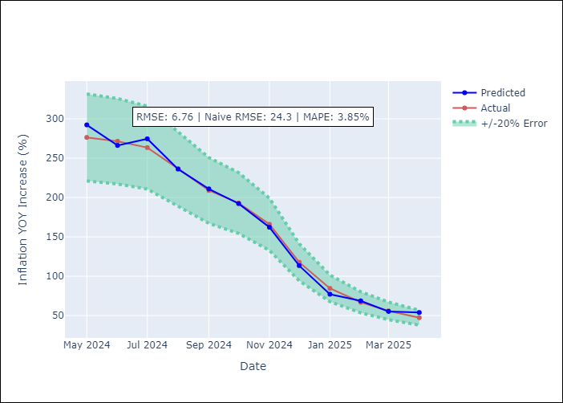

Appendix A: Model Summary
Model | ARIMA(2, 2, 2)x(0, 0, [1], 12)
Sample | 01-01-2005- 04-01-2025
No. of Observations | 244
Terms | P-value (Statistical significance)
ar.L1 | 0.000
ar.L2 | 0.000
ma.L1 | 0.000
ma.L2 | 0.000
ma.S.L12 | 0.000
sigma2 | 0.000
Assumptions | P-value

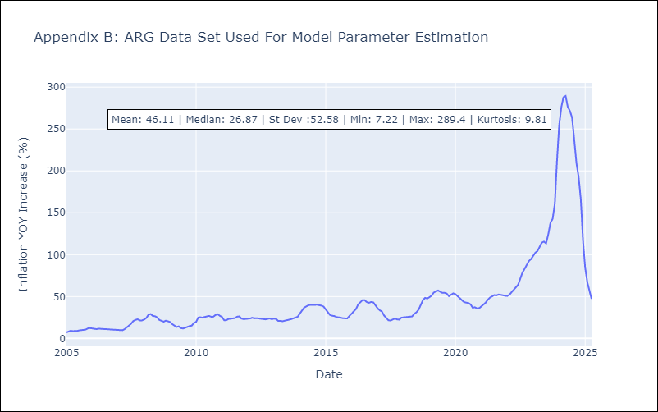

Appendix C: Residuals Analysis
Mean | -0.01

Normal? | No

BOL
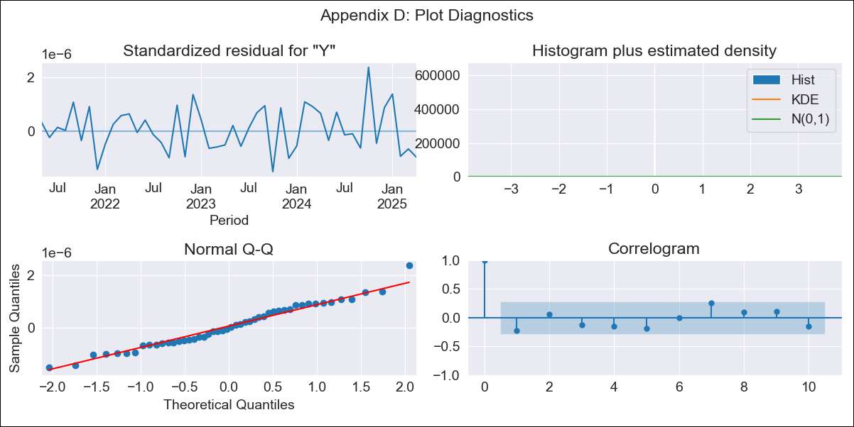
BOL - Inflation - Next 12 months forecast as of: 2025-04-01

Model | ARIMA - [(1, 1, 2), (0, 0, 2, 12)]
Training Data | 2019-01-01 to 2024-05-01
Test Data | 2024-05-01 to 2025-04-01

Date | Inflation Change YoY % | Lower Bound - 95% Confidence Interval | Upper Bound - 95% Confidence Interval
2025-05-01 | 14.96 | -3427867.64 | 3427897.57
2025-06-01 | 16.61 | -5320220.46 | 5320253.68
2025-07-01 | 16.73 | -7313009.07 | 7313042.53
2025-08-01 | 16.97 | -9306917.16 | 9306951.11
2025-09-01 | 16.02 | -11256901.31 | 11256933.36
2025-10-01 | 20.51 | -13141480.18 | 13141521.2
2025-11-01 | 20.29 | -14951252.76 | 14951293.34
2025-12-01 | 22.9 | -16683435.25 | 16683481.05
2026-01-01 | 26.46 | -18338980.09 | 18339033.02
2026-02-01 | 26.1 | -19920901.42 | 19920953.62
2026-03-01 | 25.95 | -21433270.9 | 21433322.81
2026-04-01 | 24.5 | -22880634.53 | 22880683.52
2026-05-01 | 24.3 | -25760444.26 | 25760492.85
2026-06-01 | 23.9 | -28675538.36 | 28675586.15
2026-07-01 | 23.58 | -31772384.2 | 31772431.37
2026-08-01 | 23.34 | -34936006.98 | 34936053.66

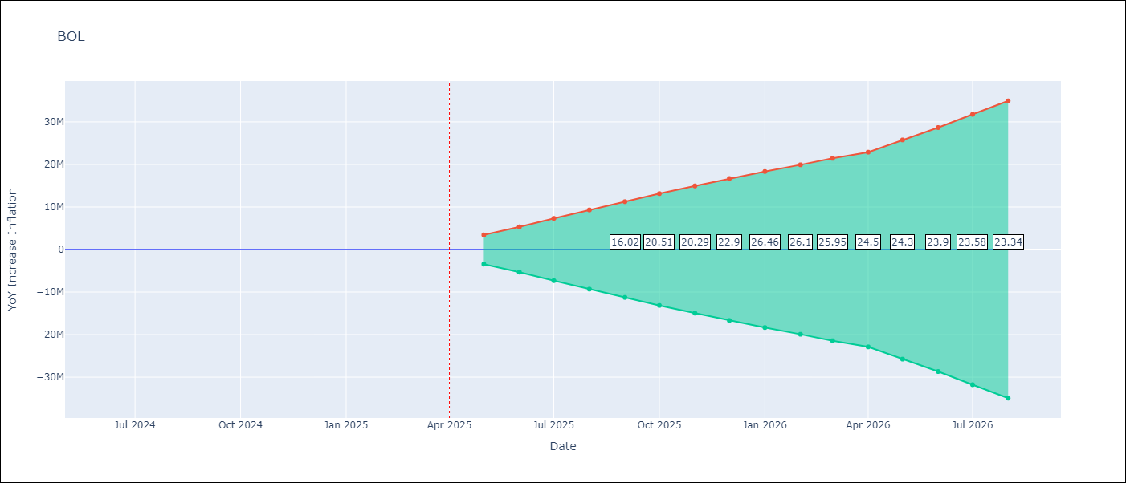

Test Metrics
RMSE | 0.83
Naive RMSE | 1.21
MAPE | 9.35%

Test Predictions
Date | Predicted | Actual
2024-05-01 | 3.26 | 3.52
2024-06-01 | 3.5 | 3.84
2024-07-01 | 3.86 | 3.95
2024-08-01 | 3.89 | 5.19
2024-09-01 | 5.36 | 6.18
2024-10-01 | 6.77 | 7.94
2024-11-01 | 8.43 | 9.51
2024-12-01 | 10.72 | 9.97
2025-01-01 | 10.76 | 12.03
2025-02-01 | 13.6 | 13.22
2025-03-01 | 14.16 | 14.63
2025-04-01 | 15.75 | 15.01

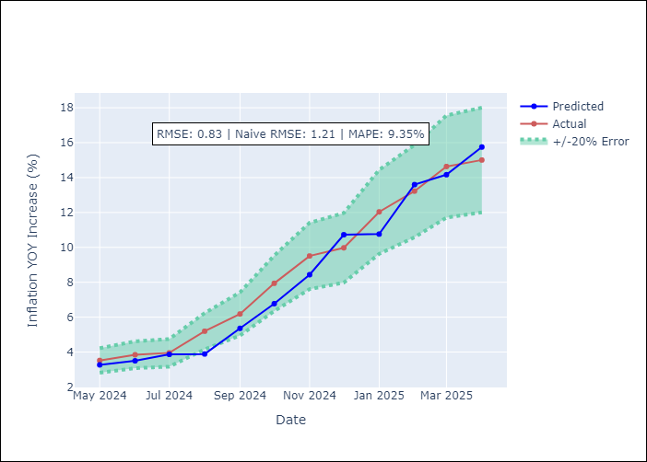

Appendix A: Model Summary
Model | ARIMA(1, 1, 2)x(0, 0, 2, 12)
Sample | 01-01-2019- 04-01-2025
No. of Observations | 76
Terms | P-value (Statistical significance)
ar.L1 | 0.000
ma.L1 | 0.000
ma.L2 | 0.000
ma.S.L12 | 0.000
ma.S.L24 | 0.000
sigma2 | 1.000
Assumptions | P-value

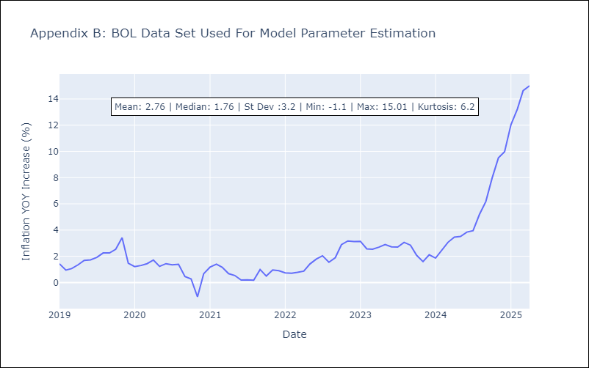

Appendix C: Residuals Analysis
Mean | 0.07

Normal? | Yes

BRA
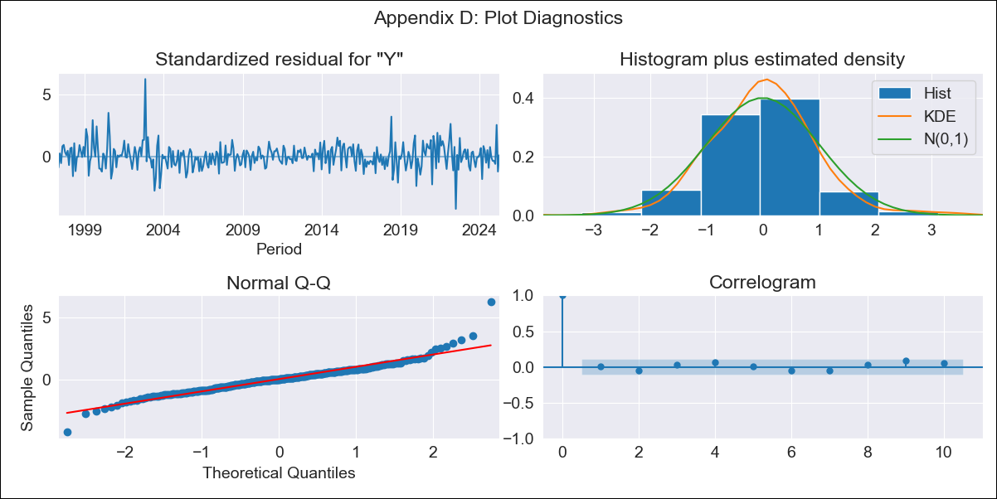
BRA - Inflation - Next 12 months forecast as of: 2025-04-01

Model | ARIMA - [(1, 2, 1), (0, 0, 1, 12)]
Training Data | 1996-01-01 to 2024-05-01
Test Data | 2024-05-01 to 2025-04-01

Date | Inflation Change YoY % | Lower Bound - 95% Confidence Interval | Upper Bound - 95% Confidence Interval
2025-05-01 | 5.43 | 4.77 | 6.09
2025-06-01 | 5.51 | 4.25 | 6.78
2025-07-01 | 5.42 | 3.57 | 7.26
2025-08-01 | 5.62 | 3.24 | 8.01
2025-09-01 | 5.54 | 2.66 | 8.42
2025-10-01 | 5.51 | 2.17 | 8.84
2025-11-01 | 5.59 | 1.83 | 9.35
2025-12-01 | 5.75 | 1.59 | 9.9
2026-01-01 | 6.02 | 1.5 | 10.54
2026-02-01 | 5.46 | 0.59 | 10.33
2026-03-01 | 5.46 | 0.27 | 10.66
2026-04-01 | 5.44 | -0.07 | 10.95
2026-05-01 | 5.42 | -0.23 | 11.08
2026-06-01 | 5.41 | -0.32 | 11.14
2026-07-01 | 5.4 | -0.38 | 11.18
2026-08-01 | 5.39 | -0.41 | 11.2

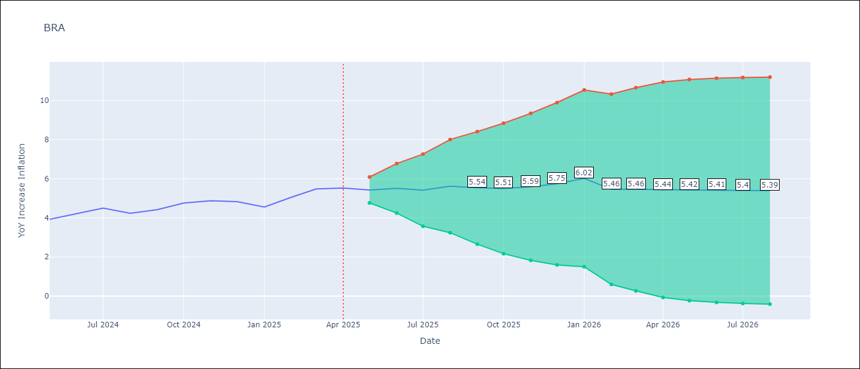

Test Metrics
RMSE | 0.33
Naive RMSE | 0.29
MAPE | 5.09%

Test Predictions
Date | Predicted | Actual
2024-05-01 | 3.77 | 3.93
2024-06-01 | 4.4 | 4.23
2024-07-01 | 4.34 | 4.5
2024-08-01 | 4.55 | 4.24
2024-09-01 | 4.16 | 4.42
2024-10-01 | 4.79 | 4.76
2024-11-01 | 5 | 4.87
2024-12-01 | 4.95 | 4.83
2025-01-01 | 4.78 | 4.56
2025-02-01 | 4.18 | 5.06
2025-03-01 | 5.9 | 5.48
2025-04-01 | 5.5 | 5.53

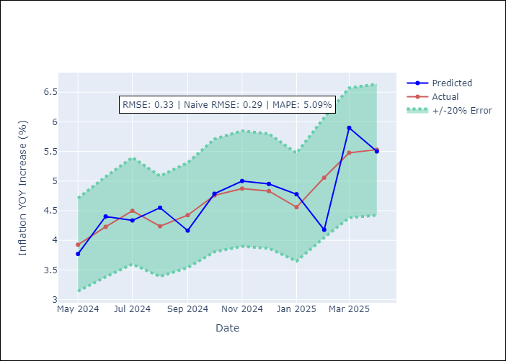

Appendix A: Model Summary
Model | ARIMA(1, 2, 1)x(0, 0, 1, 12)
Sample | 01-01-1996- 04-01-2025
No. of Observations | 352
Terms | P-value (Statistical significance)
ar.L1 | 0.000
ma.L1 | 0.985
ma.S.L12 | 0.000
sigma2 | 0.985
Assumptions | P-value

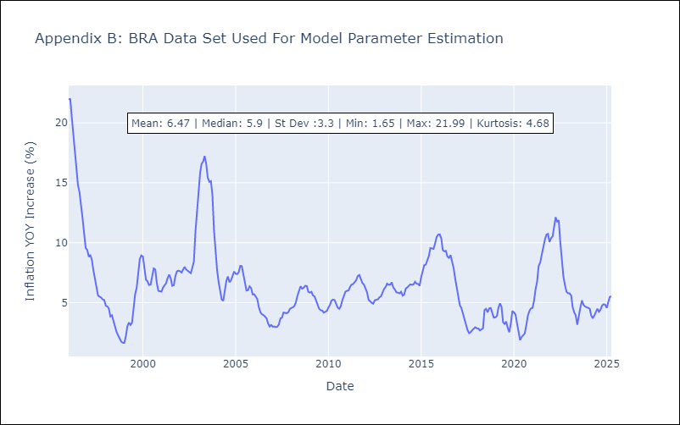

Appendix C: Residuals Analysis
Mean | 0.03

Normal? | No

CHL
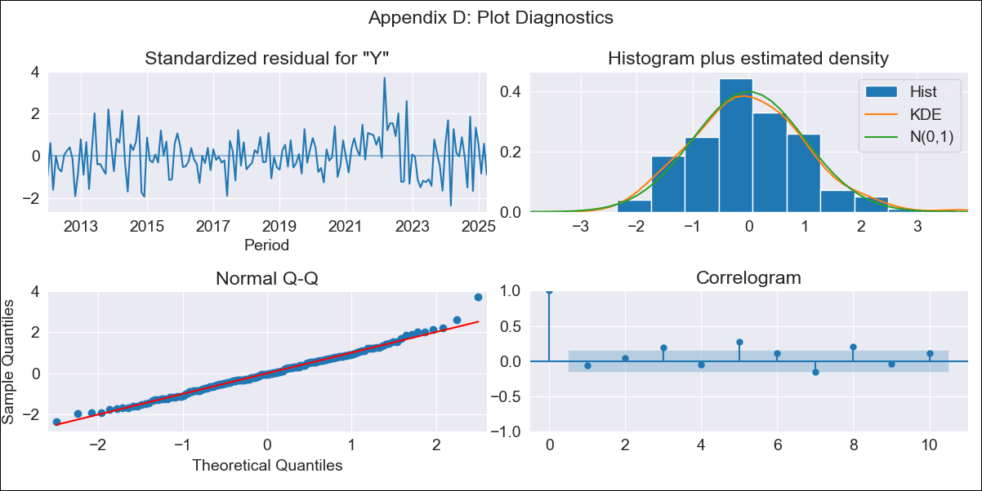
CHL - Inflation - Next 12 months forecast as of: 2025-04-01

Model | ARIMA - [(2, 0, 0), (0, 0, 1, 12)]
Training Data | 2010-12-01 to 2024-05-01
Test Data | 2024-05-01 to 2025-04-01

Date | Inflation Change YoY % | Lower Bound - 95% Confidence Interval | Upper Bound - 95% Confidence Interval
2025-05-01 | 4.36 | 3.5 | 5.22
2025-06-01 | 4.28 | 2.78 | 5.78
2025-07-01 | 4.24 | 2.22 | 6.26
2025-08-01 | 4.22 | 1.77 | 6.67
2025-09-01 | 4.2 | 1.4 | 7
2025-10-01 | 4.2 | 1.1 | 7.29
2025-11-01 | 4.18 | 0.84 | 7.53
2025-12-01 | 4.18 | 0.62 | 7.74
2026-01-01 | 4.18 | 0.44 | 7.92
2026-02-01 | 4.17 | 0.27 | 8.07
2026-03-01 | 4.17 | 0.12 | 8.21
2026-04-01 | 4.16 | -0.01 | 8.33
2026-05-01 | 4.15 | -0.13 | 8.43
2026-06-01 | 4.15 | -0.24 | 8.53
2026-07-01 | 4.14 | -0.33 | 8.62
2026-08-01 | 4.14 | -0.42 | 8.69

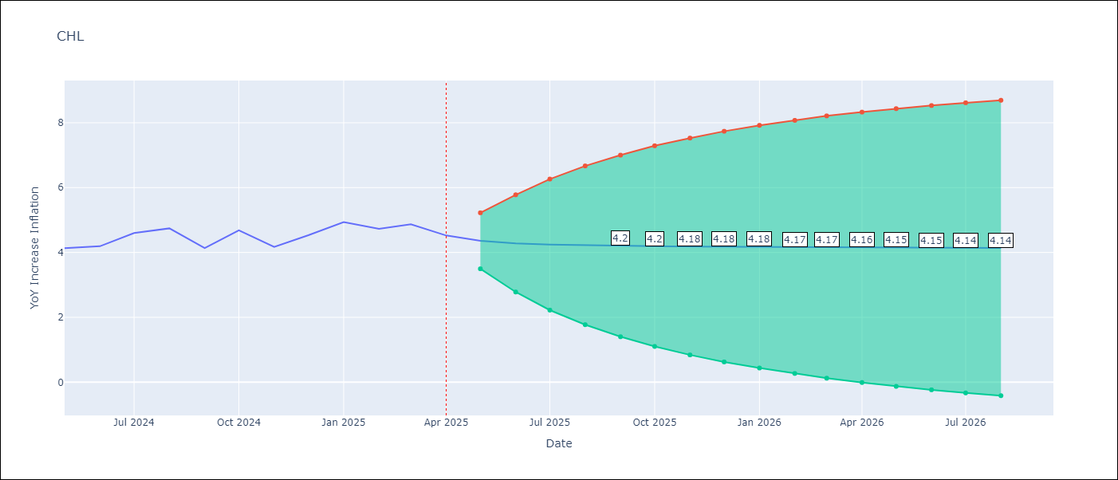

Test Metrics
RMSE | 0.47
Naive RMSE | 0.38
MAPE | 8.65%

Test Predictions
Date | Predicted | Actual
2024-05-01 | 4.07 | 4.13
2024-06-01 | 4.2 | 4.19
2024-07-01 | 4.21 | 4.6
2024-08-01 | 4.79 | 4.74
2024-09-01 | 4.81 | 4.13
2024-10-01 | 3.84 | 4.68
2024-11-01 | 4.94 | 4.17
2024-12-01 | 3.95 | 4.53
2025-01-01 | 4.69 | 4.94
2025-02-01 | 5.11 | 4.73
2025-03-01 | 4.62 | 4.87
2025-04-01 | 4.92 | 4.52

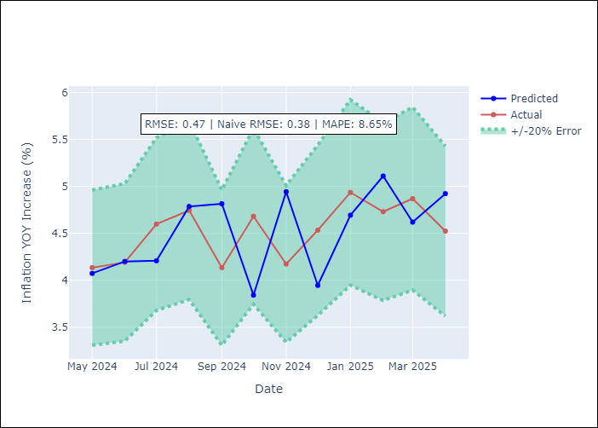

Appendix A: Model Summary
Model | ARIMA(2, 0, 0)x(0, 0, [1], 12)
Sample | 12-01-2010- 04-01-2025
No. of Observations | 173
Terms | P-value (Statistical significance)
const | 0.012
ar.L1 | 0.000
ar.L2 | 0.000
ma.S.L12 | 0.000
sigma2 | 0.000
Assumptions | P-value

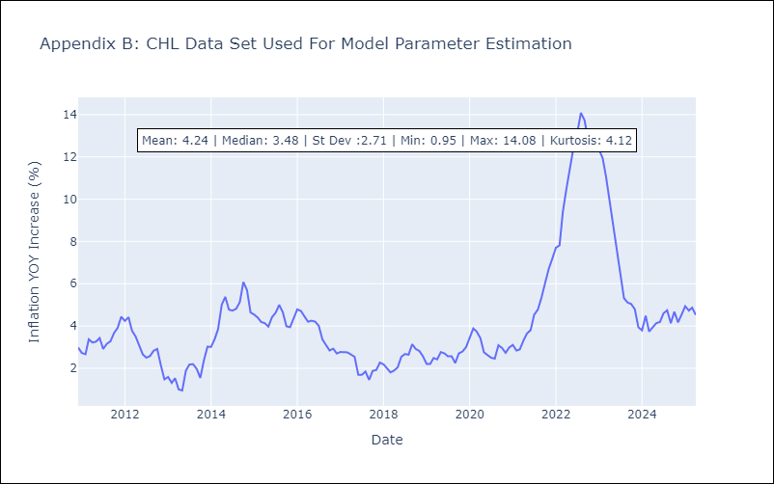

Appendix C: Residuals Analysis
Mean | 0.01

Normal? | Yes

COL
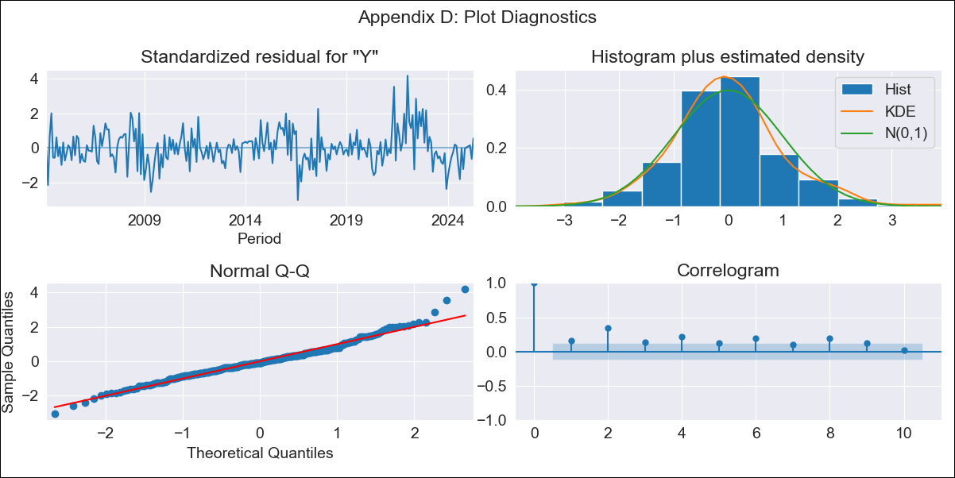
COL - Inflation - Next 12 months forecast as of: 2025-04-01

Model | ARIMA - [(1, 0, 1), (0, 0, 0, 12)]
Training Data | 2004-01-01 to 2024-05-01
Test Data | 2024-05-01 to 2025-04-01

Date | Inflation Change YoY % | Lower Bound - 95% Confidence Interval | Upper Bound - 95% Confidence Interval
2025-05-01 | 5.23 | 4.63 | 5.84
2025-06-01 | 5.23 | 4.15 | 6.3
2025-07-01 | 5.22 | 3.83 | 6.61
2025-08-01 | 5.21 | 3.57 | 6.85
2025-09-01 | 5.2 | 3.36 | 7.04
2025-10-01 | 5.19 | 3.17 | 7.22
2025-11-01 | 5.19 | 3 | 7.37
2025-12-01 | 5.18 | 2.85 | 7.51
2026-01-01 | 5.17 | 2.71 | 7.63
2026-02-01 | 5.16 | 2.58 | 7.75
2026-03-01 | 5.16 | 2.46 | 7.85
2026-04-01 | 5.15 | 2.35 | 7.95
2026-05-01 | 5.14 | 2.24 | 8.04
2026-06-01 | 5.14 | 2.15 | 8.13
2026-07-01 | 5.13 | 2.05 | 8.21
2026-08-01 | 5.12 | 1.97 | 8.28

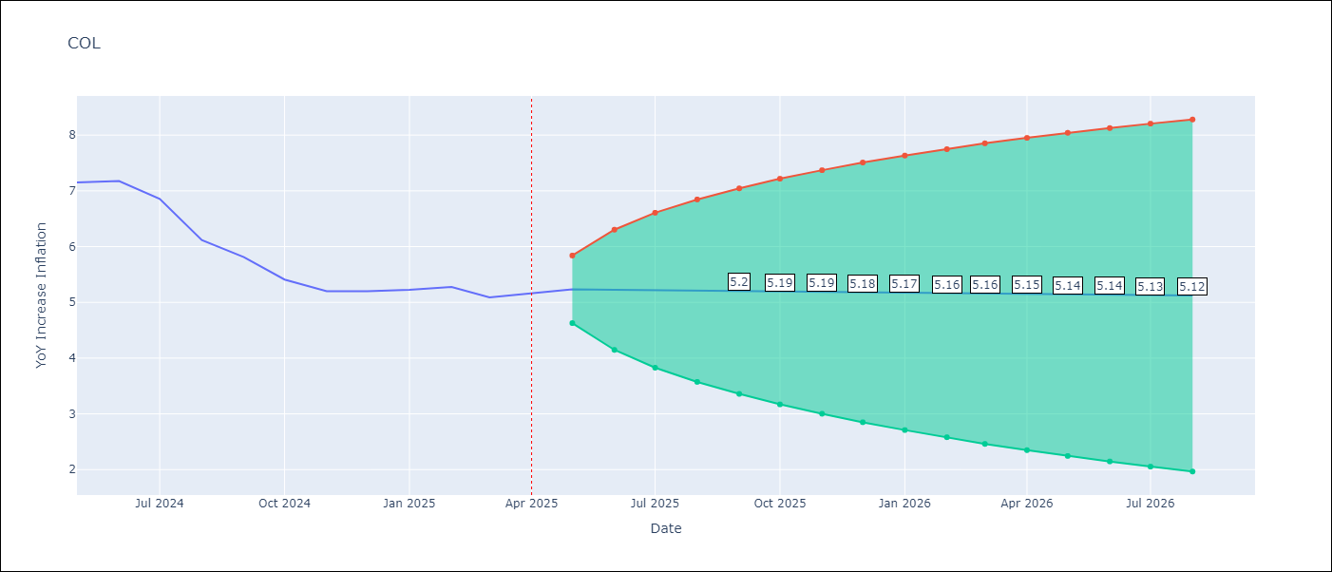

Test Metrics
RMSE | 0.23
Naive RMSE | 0.3
MAPE | 2.59%

Test Predictions
Date | Predicted | Actual
2024-05-01 | 7.1 | 7.15
2024-06-01 | 7.15 | 7.18
2024-07-01 | 7.16 | 6.86
2024-08-01 | 6.68 | 6.12
2024-09-01 | 5.82 | 5.81
2024-10-01 | 5.79 | 5.41
2024-11-01 | 5.21 | 5.2
2024-12-01 | 5.19 | 5.2
2025-01-01 | 5.2 | 5.22
2025-02-01 | 5.23 | 5.27
2025-03-01 | 5.29 | 5.09
2025-04-01 | 4.99 | 5.16

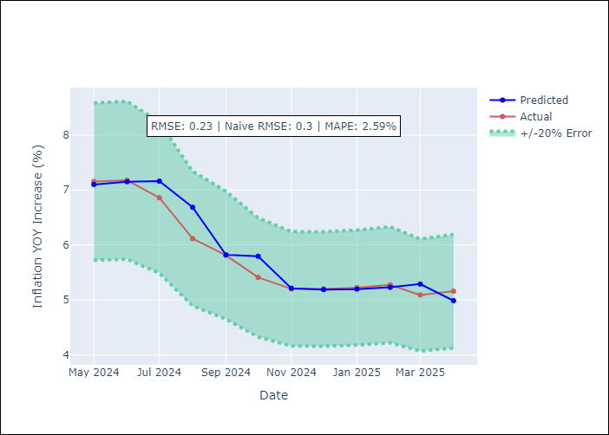

Appendix A: Model Summary
Model | ARIMA(1, 0, 1)
Sample | 01-01-2004- 04-01-2025
No. of Observations | 256
Terms | P-value (Statistical significance)
const | 0.023
ar.L1 | 0.000
ma.L1 | 0.000
sigma2 | 0.000
Assumptions | P-value

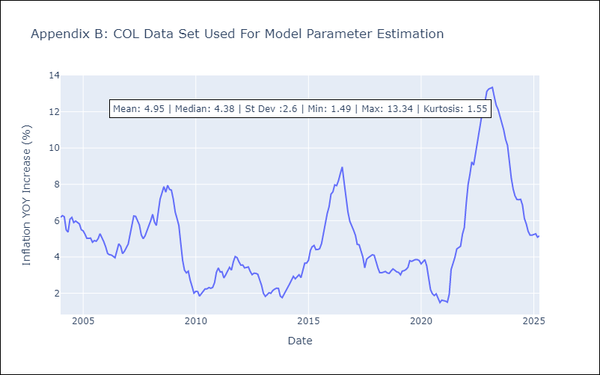

Appendix C: Residuals Analysis
Mean | 0.01

Normal? | No

ECU
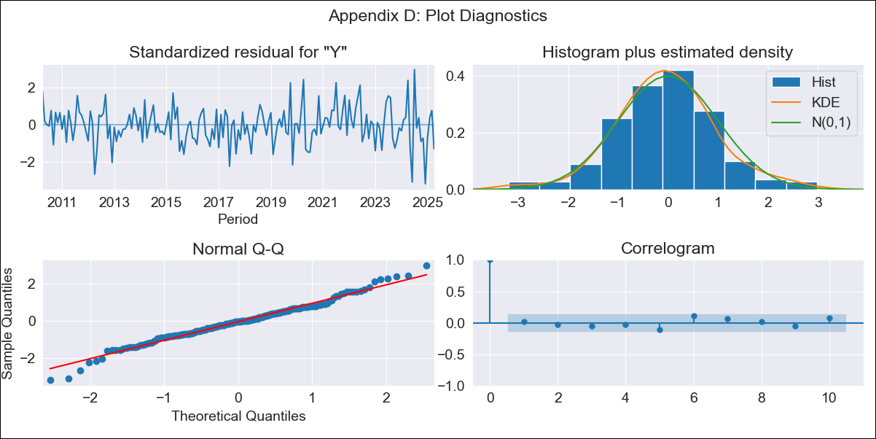
ECU - Inflation - Next 12 months forecast as of: 2025-04-01

Model | ARIMA - [(2, 1, 1), (3, 0, 0, 12)]
Training Data | 2007-01-01 to 2024-05-01
Test Data | 2024-05-01 to 2025-04-01

Date | Inflation Change YoY % | Lower Bound - 95% Confidence Interval | Upper Bound - 95% Confidence Interval
2025-05-01 | -0.54 | -1.14 | 0.07
2025-06-01 | 0.22 | -0.73 | 1.18
2025-07-01 | -0.24 | -1.49 | 1.02
2025-08-01 | -0.36 | -1.87 | 1.15
2025-09-01 | -0.43 | -2.19 | 1.33
2025-10-01 | -0.25 | -2.24 | 1.74
2025-11-01 | -0.08 | -2.29 | 2.13
2025-12-01 | 0.61 | -1.82 | 3.03
2026-01-01 | 0.9 | -1.74 | 3.54
2026-02-01 | 0.87 | -1.97 | 3.72
2026-03-01 | 0.67 | -2.37 | 3.72
2026-04-01 | 0.79 | -2.45 | 4.04
2026-05-01 | 0.9 | -2.43 | 4.23
2026-06-01 | 1.19 | -2.2 | 4.59
2026-07-01 | 1.14 | -2.31 | 4.6
2026-08-01 | 1.23 | -2.29 | 4.74

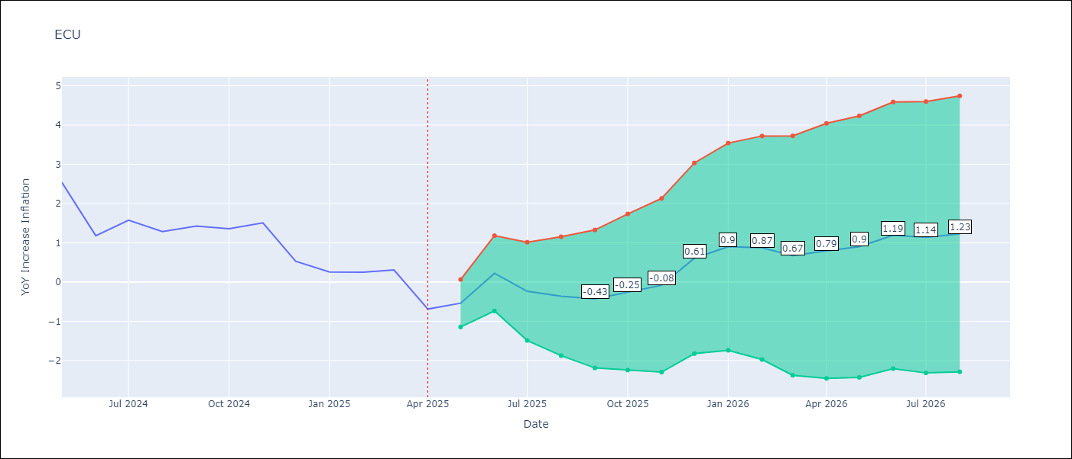

Test Metrics
RMSE | 0.56
Naive RMSE | 0.61
MAPE | 57.01%

Test Predictions
Date | Predicted | Actual
2024-05-01 | 3 | 2.53
2024-06-01 | 2.21 | 1.18
2024-07-01 | 0.56 | 1.57
2024-08-01 | 1.34 | 1.28
2024-09-01 | 1.31 | 1.42
2024-10-01 | 1.65 | 1.36
2024-11-01 | 1.74 | 1.51
2024-12-01 | 1.52 | 0.53
2025-01-01 | 0.5 | 0.26
2025-02-01 | 0.14 | 0.25
2025-03-01 | 0.08 | 0.31
2025-04-01 | -0.25 | -0.69

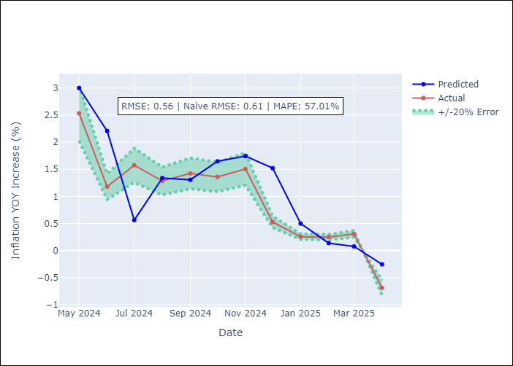

Appendix A: Model Summary
Model | ARIMA(2, 1, 1)x(3, 0, [], 12)
Sample | 01-01-2007- 04-01-2025
No. of Observations | 220
Terms | P-value (Statistical significance)
ar.L1 | 0.000
ar.L2 | 0.095
ma.L1 | 0.000
ar.S.L12 | 0.000
ar.S.L24 | 0.000
ar.S.L36 | 0.000
sigma2 | 0.000
Assumptions | P-value

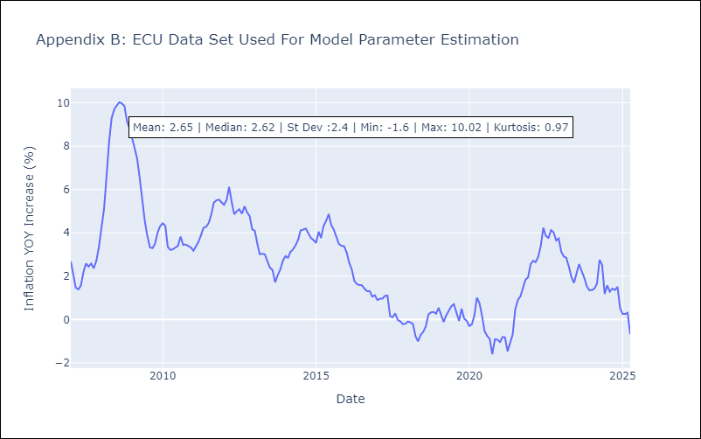

Appendix C: Residuals Analysis
Mean | -0.01

Normal? | No

PER
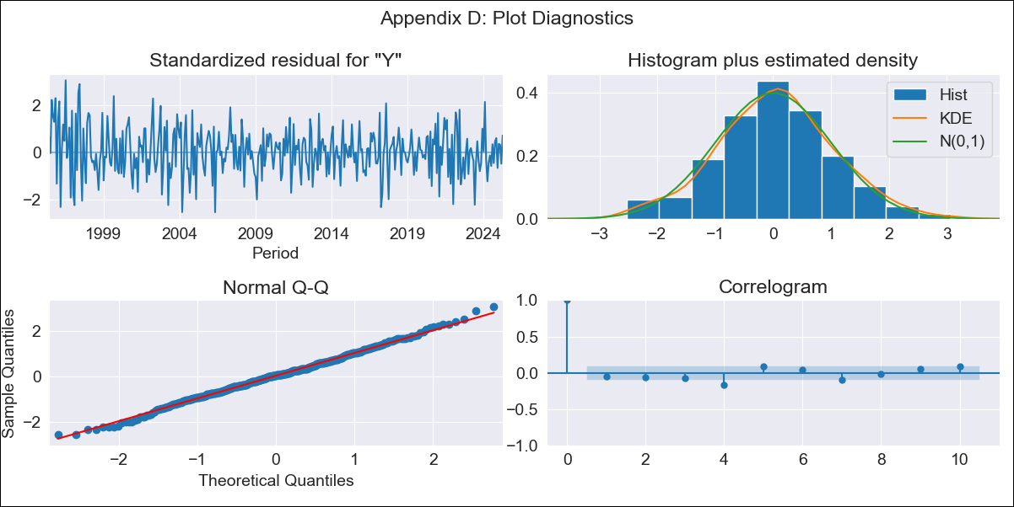
PER - Inflation - Next 12 months forecast as of: 2025-04-01

Model | ARIMA - [(3, 2, 0), (3, 0, 0, 12)]
Training Data | 1992-01-01 to 2024-05-01
Test Data | 2024-05-01 to 2025-04-01

Date | Inflation Change YoY % | Lower Bound - 95% Confidence Interval | Upper Bound - 95% Confidence Interval
2025-05-01 | 1.75 | 1.04 | 2.46
2025-06-01 | 1.87 | 0.61 | 3.14
2025-07-01 | 2 | 0.16 | 3.84
2025-08-01 | 2.04 | -0.43 | 4.51
2025-09-01 | 2.22 | -0.98 | 5.42
2025-10-01 | 2.19 | -1.8 | 6.17
2025-11-01 | 2.09 | -2.74 | 6.91
2025-12-01 | 2.26 | -3.46 | 7.97
2026-01-01 | 2.21 | -4.44 | 8.86
2026-02-01 | 2.16 | -5.48 | 9.79
2026-03-01 | 2.22 | -6.44 | 10.89
2026-04-01 | 2.09 | -7.65 | 11.83
2026-05-01 | 2.01 | -8.65 | 12.67
2026-06-01 | 1.79 | -9.77 | 13.35
2026-07-01 | 1.65 | -10.8 | 14.1
2026-08-01 | 1.5 | -11.83 | 14.84

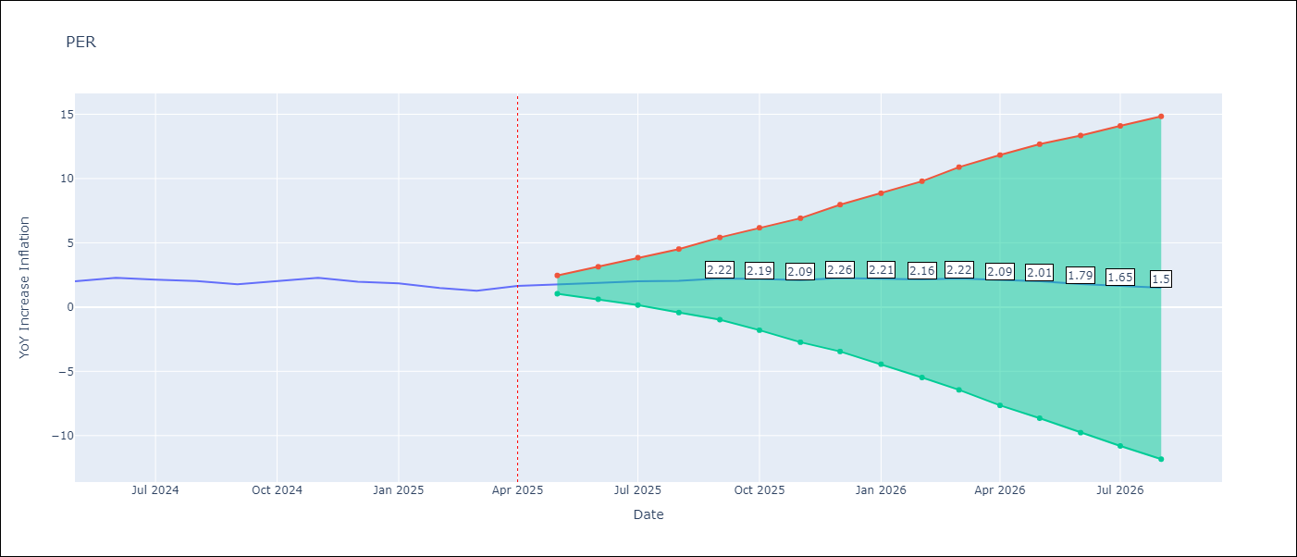

Test Metrics
RMSE | 0.18
Naive RMSE | 0.26
MAPE | 9.21%

Test Predictions
Date | Predicted | Actual
2024-05-01 | 2.16 | 2
2024-06-01 | 2.33 | 2.29
2024-07-01 | 2.33 | 2.13
2024-08-01 | 1.9 | 2.03
2024-09-01 | 1.93 | 1.78
2024-10-01 | 1.84 | 2.01
2024-11-01 | 2.04 | 2.27
2024-12-01 | 2.2 | 1.97
2025-01-01 | 1.71 | 1.85
2025-02-01 | 1.36 | 1.48
2025-03-01 | 1.45 | 1.28
2025-04-01 | 1.38 | 1.65

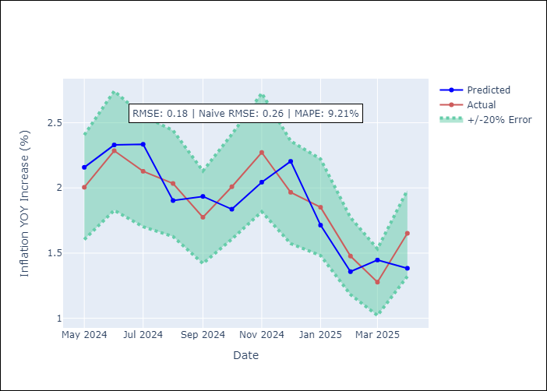

Appendix A: Model Summary
Model | ARIMA(3, 2, 0)x(3, 0, 0, 12)
Sample | 01-01-1992- 04-01-2025
No. of Observations | 400
Terms | P-value (Statistical significance)
ar.L1 | 0.000
ar.L2 | 0.000
ar.L3 | 0.000
ar.S.L12 | 0.000
ar.S.L24 | 0.000
ar.S.L36 | 0.000
sigma2 | 0.000
Assumptions | P-value

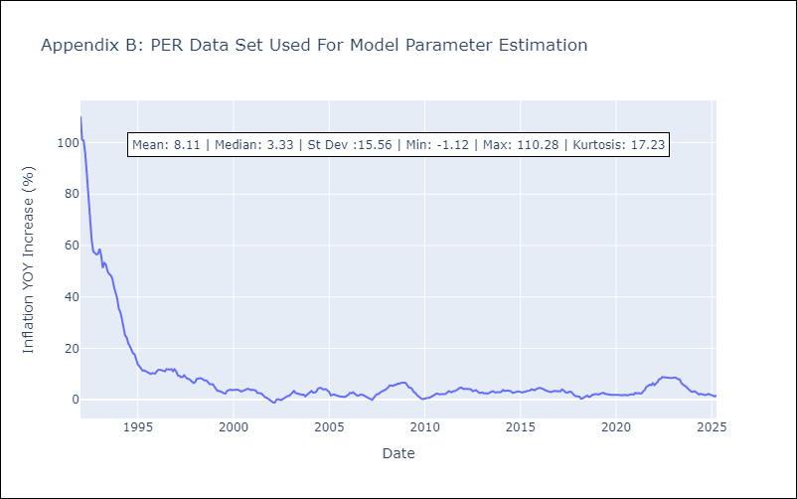

Appendix C: Residuals Analysis
Mean | -0.0

Normal? | No

PRY
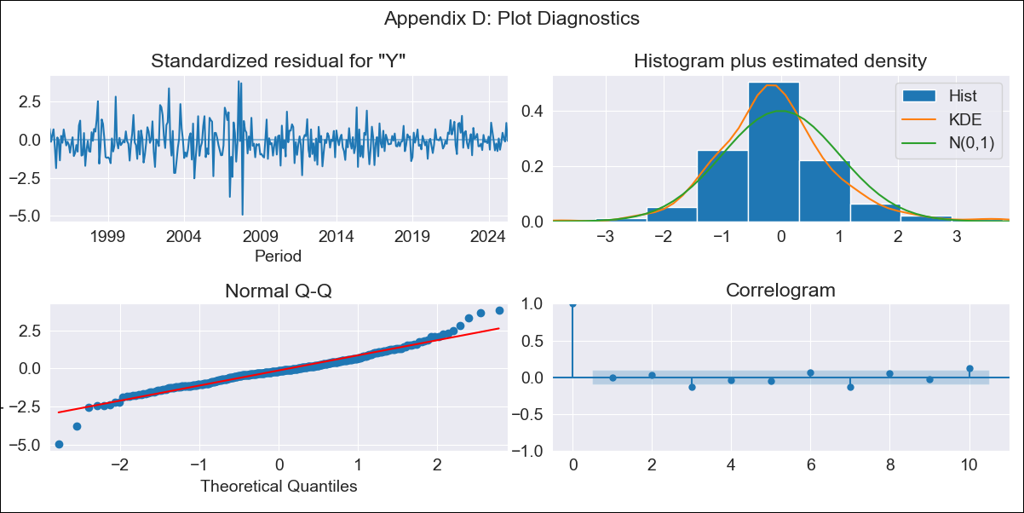
PRY - Inflation - Next 12 months forecast as of: 2025-04-01

Model | ARIMA - [(2, 1, 1), (1, 0, 1, 12)]
Training Data | 1993-12-01 to 2024-05-01
Test Data | 2024-05-01 to 2025-04-01

Date | Inflation Change YoY % | Lower Bound - 95% Confidence Interval | Upper Bound - 95% Confidence Interval
2025-05-01 | 3.92 | 2.33 | 5.51
2025-06-01 | 4.4 | 1.91 | 6.89
2025-07-01 | 4.67 | 1.39 | 7.96
2025-08-01 | 5.32 | 1.35 | 9.3
2025-09-01 | 5.48 | 0.89 | 10.06
2025-10-01 | 6.1 | 0.97 | 11.24
2025-11-01 | 6.41 | 0.77 | 12.04
2025-12-01 | 6.17 | 0.08 | 12.27
2026-01-01 | 6.1 | -0.43 | 12.62
2026-02-01 | 6.12 | -0.81 | 13.04
2026-03-01 | 5.35 | -1.96 | 12.66
2026-04-01 | 5.32 | -2.36 | 12.99
2026-05-01 | 5.23 | -2.48 | 12.94
2026-06-01 | 5.14 | -2.58 | 12.86
2026-07-01 | 5.09 | -2.63 | 12.81
2026-08-01 | 5 | -2.72 | 12.73

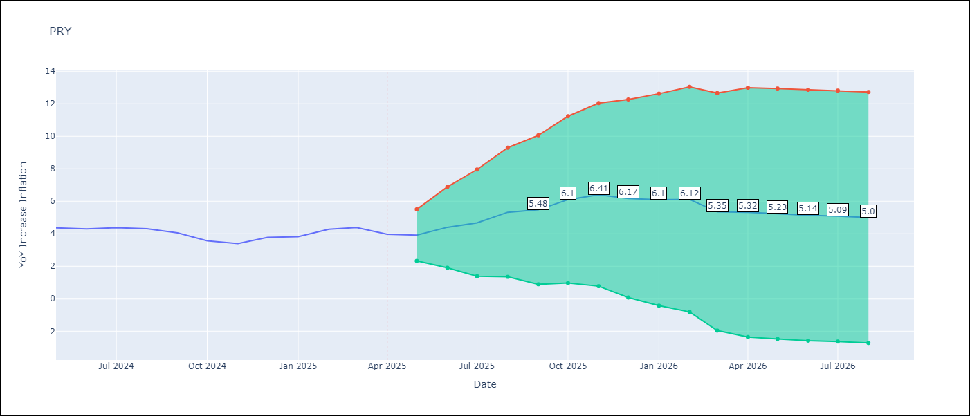

Test Metrics
RMSE | 0.41
Naive RMSE | 0.28
MAPE | 7.8%

Test Predictions
Date | Predicted | Actual
2024-05-01 | 4.43 | 4.36
2024-06-01 | 4.89 | 4.3
2024-07-01 | 4.6 | 4.38
2024-08-01 | 4.93 | 4.31
2024-09-01 | 3.99 | 4.05
2024-10-01 | 4.12 | 3.57
2024-11-01 | 3.57 | 3.4
2024-12-01 | 3.41 | 3.78
2025-01-01 | 3.74 | 3.82
2025-02-01 | 4.4 | 4.27
2025-03-01 | 3.5 | 4.38
2025-04-01 | 4.06 | 3.97

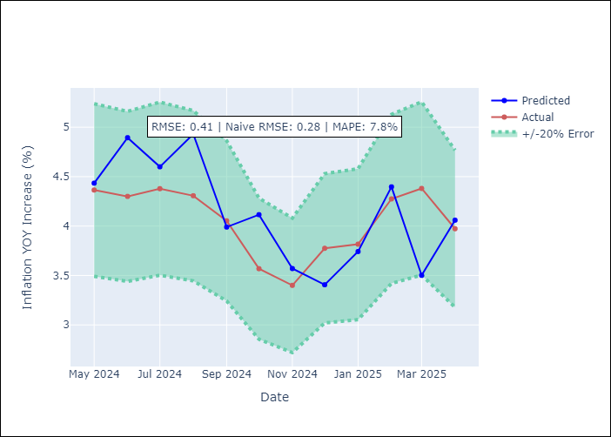

Appendix A: Model Summary
Model | ARIMA(2, 1, 1)x(1, 0, 1, 12)
Sample | 12-01-1993- 04-01-2025
No. of Observations | 377
Terms | P-value (Statistical significance)
ar.L1 | 0.386
ar.L2 | 0.500
ma.L1 | 0.749
ar.S.L12 | 0.049
ma.S.L12 | 0.000
sigma2 | 0.873
Assumptions | P-value

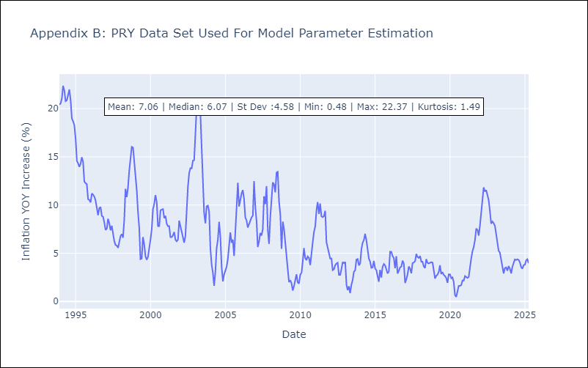

Appendix C: Residuals Analysis
Mean | -0.06

Normal? | No

URY
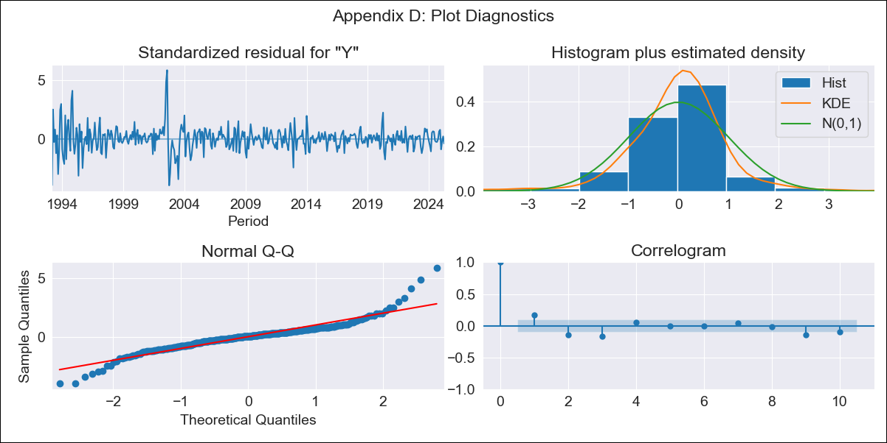
URY - Inflation - Next 12 months forecast as of: 2025-04-01

Model | ARIMA - [(0, 2, 1), (3, 0, 0, 12)]
Training Data | 1990-01-01 to 2024-05-01
Test Data | 2024-05-01 to 2025-04-01

Date | Inflation Change YoY % | Lower Bound - 95% Confidence Interval | Upper Bound - 95% Confidence Interval
2025-05-01 | 5.06 | 3.63 | 6.49
2025-06-01 | 4.65 | 2.26 | 7.04
2025-07-01 | 4.43 | 1.05 | 7.81
2025-08-01 | 4.35 | -0.09 | 8.79
2025-09-01 | 4.35 | -1.22 | 9.92
2025-10-01 | 4.37 | -2.4 | 11.14
2025-11-01 | 4.12 | -3.91 | 12.16
2025-12-01 | 3.69 | -5.68 | 13.05
2026-01-01 | 3.81 | -6.95 | 14.58
2026-02-01 | 3.75 | -8.46 | 15.97
2026-03-01 | 3.47 | -10.26 | 17.2
2026-04-01 | 3.5 | -11.79 | 18.8
2026-05-01 | 3.48 | -13.1 | 20.06
2026-06-01 | 3.48 | -14.37 | 21.34
2026-07-01 | 3.46 | -15.65 | 22.57
2026-08-01 | 3.38 | -16.97 | 23.74

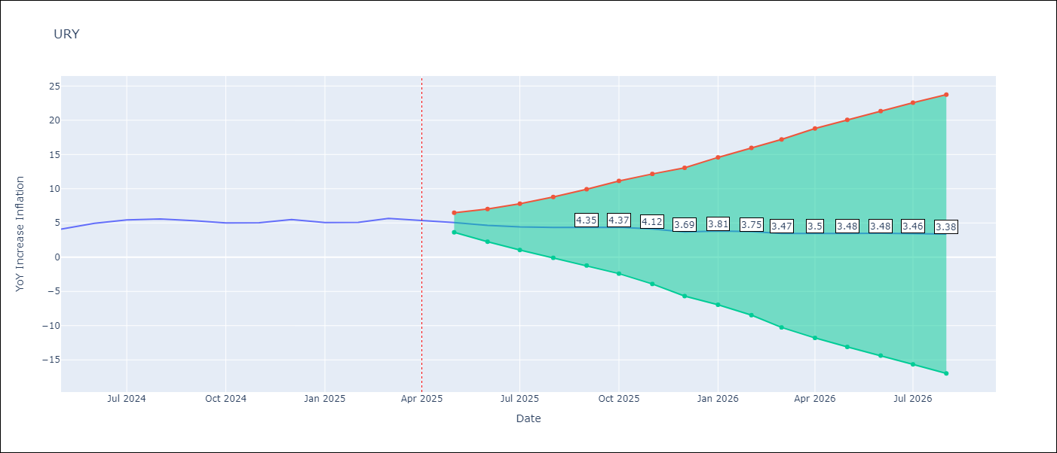

Test Metrics
RMSE | 0.36
Naive RMSE | 0.43
MAPE | 6.07%

Test Predictions
Date | Predicted | Actual
2024-05-01 | 3.62 | 4.1
2024-06-01 | 4.51 | 4.96
2024-07-01 | 5.55 | 5.45
2024-08-01 | 5.75 | 5.57
2024-09-01 | 5.5 | 5.32
2024-10-01 | 5.02 | 5.01
2024-11-01 | 4.55 | 5.03
2024-12-01 | 4.92 | 5.49
2025-01-01 | 5.69 | 5.05
2025-02-01 | 5.24 | 5.1
2025-03-01 | 5.51 | 5.67
2025-04-01 | 5.63 | 5.36

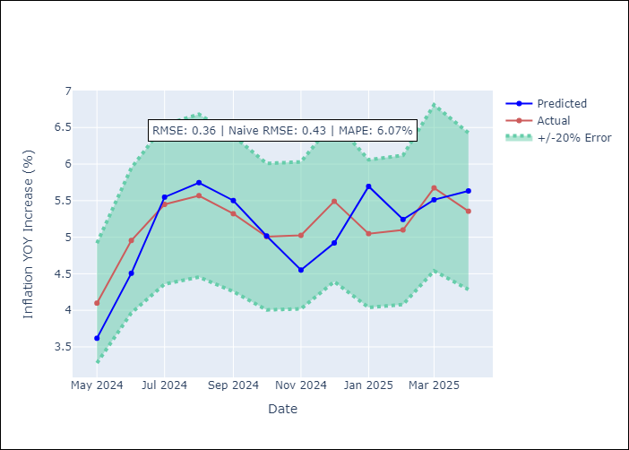

Appendix A: Model Summary
Model | ARIMA(0, 2, 1)x(3, 0, [], 12)
Sample | 01-01-1990- 04-01-2025
No. of Observations | 424
Terms | P-value (Statistical significance)
ma.L1 | 0.000
ar.S.L12 | 0.000
ar.S.L24 | 0.000
ar.S.L36 | 0.000
sigma2 | 0.000
Assumptions | P-value

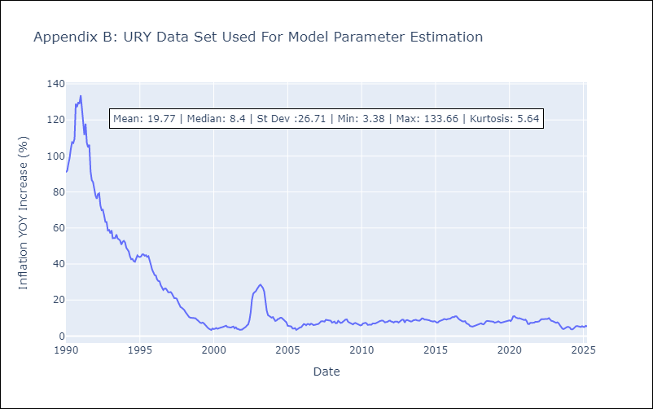

Appendix C: Residuals Analysis
Mean | 0.04

Normal? | No

VEN
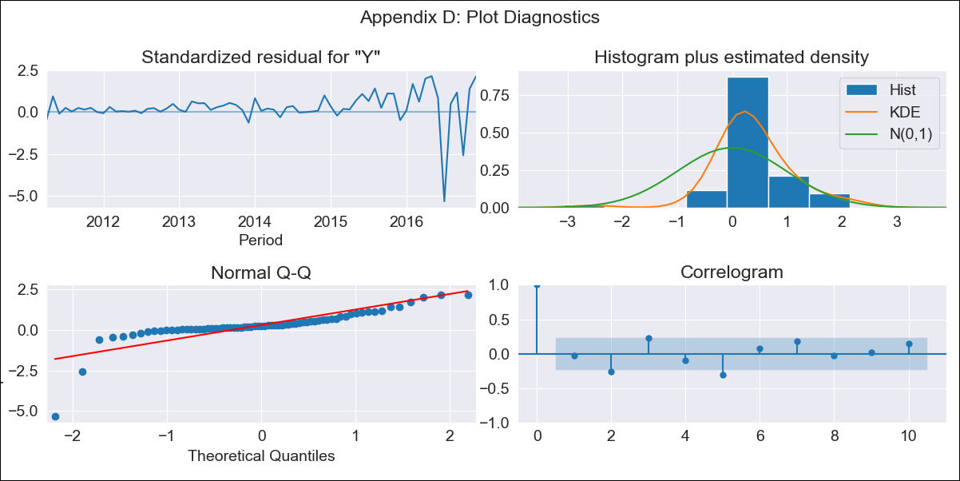
VEN - Inflation - Next 12 months forecast as of: 2016-12-01

Model | ARIMA - [(3, 0, 0), (0, 0, 0, 12)]
Training Data | 2011-01-01 to 2016-01-01
Test Data | 2016-01-01 to 2016-12-01

Date | Inflation Change YoY % | Lower Bound - 95% Confidence Interval | Upper Bound - 95% Confidence Interval
2017-01-01 | 299.1 | 288.51 | 309.7
2017-02-01 | 319.11 | 294.28 | 343.93
2017-03-01 | 332.12 | 292.67 | 371.56
2017-04-01 | 339.91 | 287.66 | 392.16
2017-05-01 | 345.48 | 282.77 | 408.19
2017-06-01 | 351.26 | 280.02 | 422.49
2017-07-01 | 358.43 | 279.9 | 436.97
2017-08-01 | 367.15 | 281.9 | 452.39
2017-09-01 | 376.99 | 285.21 | 468.78
2017-10-01 | 387.46 | 289.08 | 485.84
2017-11-01 | 398.2 | 293.09 | 503.3
2017-12-01 | 409.06 | 297.11 | 521.01
2018-01-01 | 420.09 | 301.21 | 538.97
2018-02-01 | 431.37 | 305.5 | 557.24
2018-03-01 | 443.01 | 310.09 | 575.93
2018-04-01 | 455.07 | 315.03 | 595.12

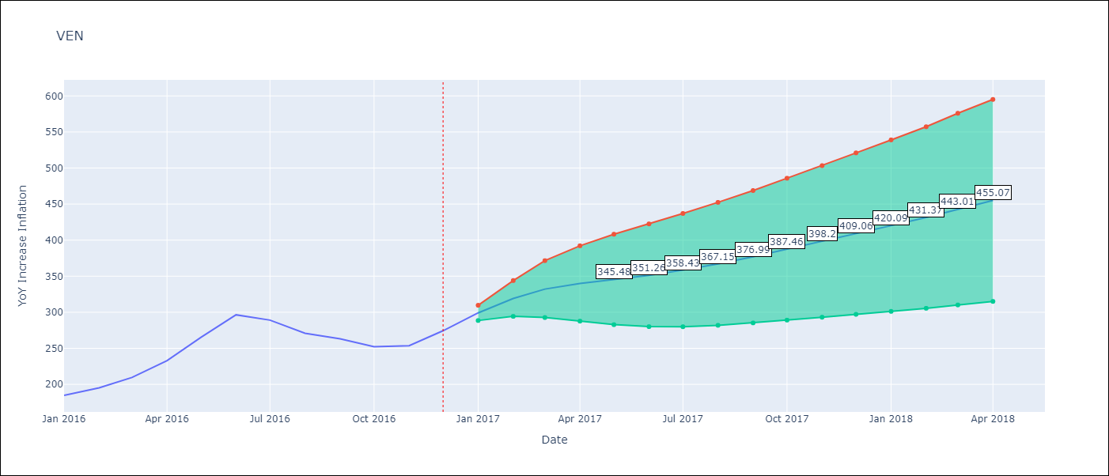

Test Metrics
RMSE | 15.09
Naive RMSE | 18.77
MAPE | 4.49%

Test Predictions
Date | Predicted | Actual
2016-01-01 | 187.31 | 184.76
2016-02-01 | 186.52 | 195.13
2016-03-01 | 206.94 | 209.56
2016-04-01 | 224.89 | 232.92
2016-05-01 | 259.46 | 265.24
2016-06-01 | 302.18 | 296.44
2016-07-01 | 327.36 | 289.06
2016-08-01 | 249.61 | 270.87
2016-09-01 | 255.37 | 263.24
2016-10-01 | 267.68 | 252.27
2016-11-01 | 243.52 | 253.65
2016-12-01 | 260.5 | 274.35

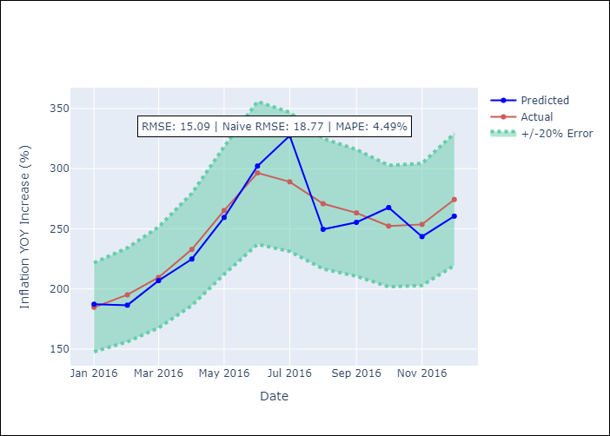

Appendix A: Model Summary
Model | ARIMA(3, 0, 0)
Sample | 01-01-2011- 12-01-2016
No. of Observations | 72
Terms | P-value (Statistical significance)
const | 0.404
ar.L1 | 0.000
ar.L2 | 0.000
ar.L3 | 0.000
sigma2 | 0.000
Assumptions | P-value

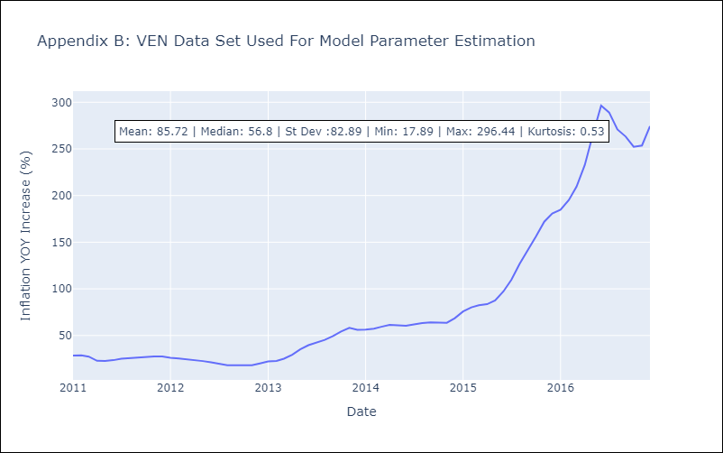

Appendix C: Residuals Analysis
Mean | 1.22

Normal? | No

