CRI
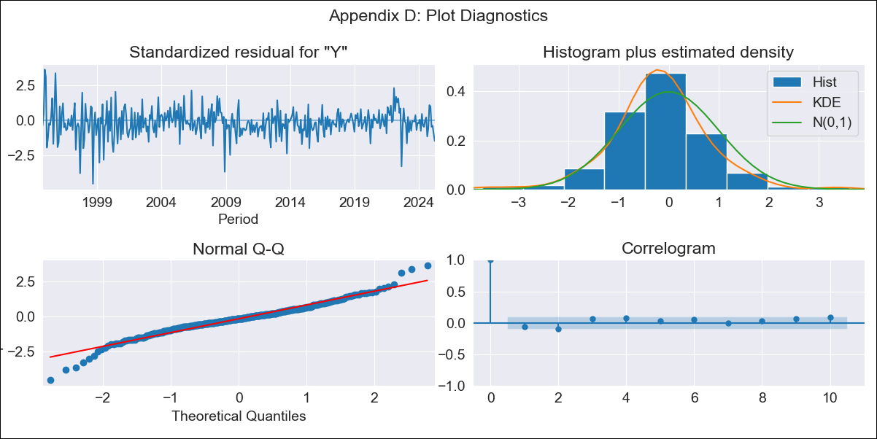
CRI - Inflation - Next 12 months forecast as of: 2025-04-01

Model | ARIMA - [(2, 1, 1), (2, 0, 1, 12)]
Training Data | 1992-07-01 to 2024-05-01
Test Data | 2024-05-01 to 2025-04-01

Date | Inflation Change YoY % | Lower Bound - 95% Confidence Interval | Upper Bound - 95% Confidence Interval
2025-05-01 | 0.27 | -0.73 | 1.28
2025-06-01 | 0.59 | -1.22 | 2.4
2025-07-01 | 0.83 | -1.68 | 3.34
2025-08-01 | 0.89 | -2.23 | 4.01
2025-09-01 | 1.15 | -2.51 | 4.81
2025-10-01 | 1.5 | -2.64 | 5.64
2025-11-01 | 1.19 | -3.38 | 5.76
2025-12-01 | 0.55 | -4.42 | 5.51
2026-01-01 | 0.45 | -4.89 | 5.78
2026-02-01 | 0.39 | -5.29 | 6.08
2026-03-01 | 0.82 | -5.19 | 6.83
2026-04-01 | 1.62 | -4.7 | 7.94
2026-05-01 | 1.96 | -4.44 | 8.36
2026-06-01 | 1.98 | -4.44 | 8.41
2026-07-01 | 1.99 | -4.45 | 8.42
2026-08-01 | 1.95 | -4.49 | 8.39

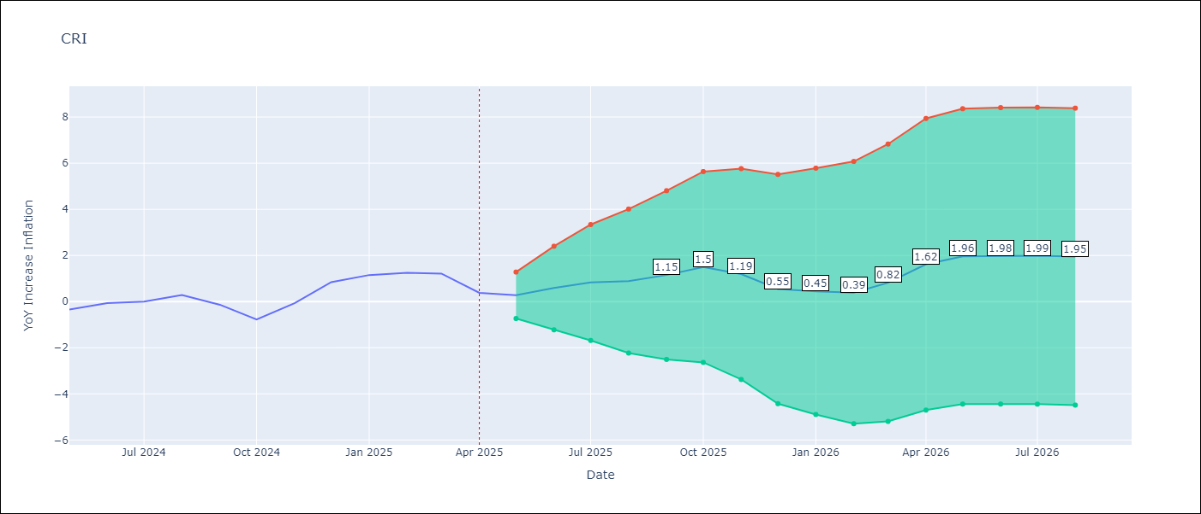

Test Metrics
RMSE | 0.42
Naive RMSE | 0.51
MAPE | inf%

Test Predictions
Date | Predicted | Actual
2024-05-01 | -0.17 | -0.35
2024-06-01 | 0.18 | -0.06
2024-07-01 | 0 | 0
2024-08-01 | 0.18 | 0.28
2024-09-01 | 0.5 | -0.14
2024-10-01 | -0.48 | -0.77
2024-11-01 | -0.62 | -0.07
2024-12-01 | 0.34 | 0.84
2025-01-01 | 1.39 | 1.15
2025-02-01 | 1.47 | 1.25
2025-03-01 | 1.72 | 1.21
2025-04-01 | 1.16 | 0.38

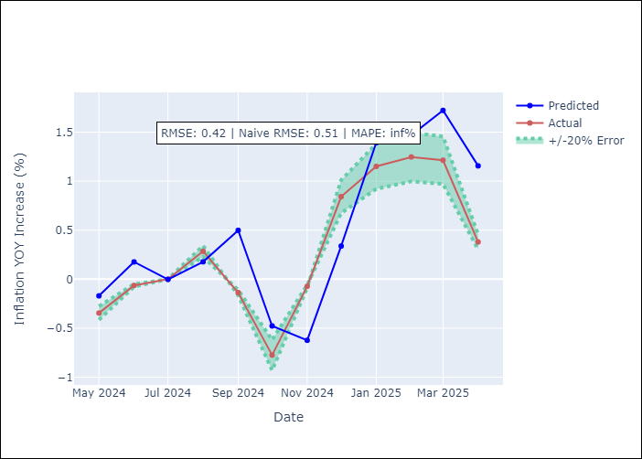

Appendix A: Model Summary
Model | ARIMA(2, 1, 1)x(2, 0, 1, 12)
Sample | 07-01-1992- 04-01-2025
No. of Observations | 394
Terms | P-value (Statistical significance)
ar.L1 | 0.429
ar.L2 | 0.321
ma.L1 | 0.251
ar.S.L12 | 0.000
ar.S.L24 | 0.000
ma.S.L12 | 0.000
sigma2 | 0.568
Assumptions | P-value

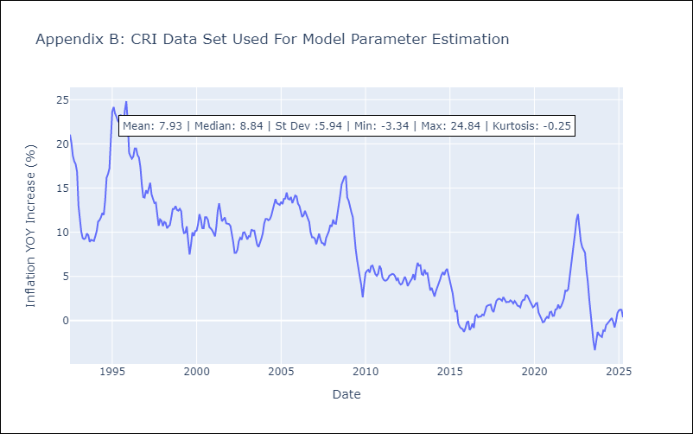

Appendix C: Residuals Analysis
Mean | -0.05

Normal? | No

CUB
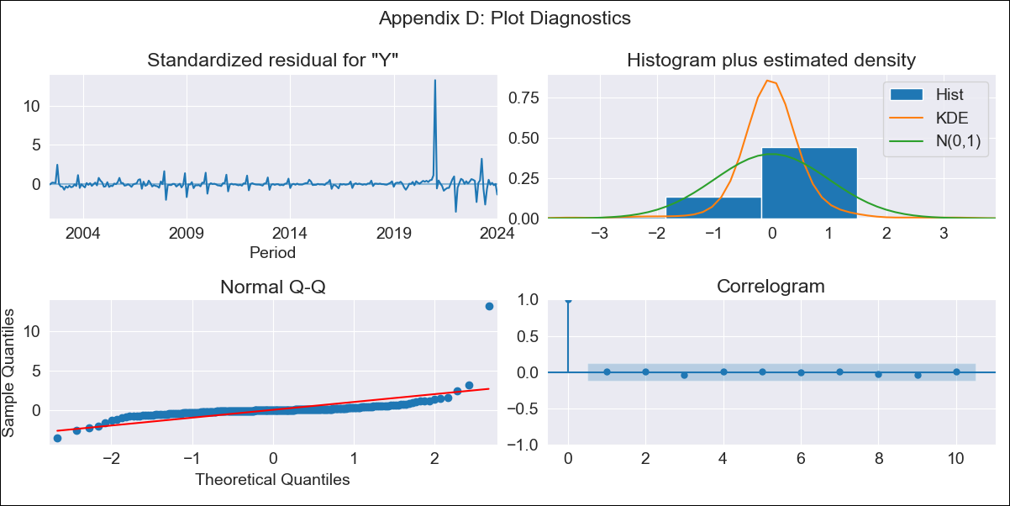
CUB - Inflation - Next 12 months forecast as of: 2024-01-01

Model | ARIMA - [(0, 2, 1), (0, 0, 1, 12)]
Training Data | 2001-01-01 to 2023-02-01
Test Data | 2023-02-01 to 2024-01-01

Date | Inflation Change YoY % | Lower Bound - 95% Confidence Interval | Upper Bound - 95% Confidence Interval
2024-02-01 | 40.81 | 33.36 | 48.27
2024-03-01 | 39.46 | 28.71 | 50.22
2024-04-01 | 29.18 | 15.75 | 42.62
2024-05-01 | 30.8 | 14.98 | 46.63
2024-06-01 | 38.96 | 20.93 | 57
2024-07-01 | 41.16 | 21.02 | 61.29
2024-08-01 | 39.58 | 17.42 | 61.74
2024-09-01 | 39.96 | 15.83 | 64.09
2024-10-01 | 39.56 | 13.5 | 65.63
2024-11-01 | 40.14 | 12.16 | 68.11
2024-12-01 | 40.21 | 10.34 | 70.07
2025-01-01 | 44.63 | 12.89 | 76.37
2025-02-01 | 44.93 | 12.84 | 77.02
2025-03-01 | 45.23 | 12.78 | 77.68
2025-04-01 | 45.53 | 12.72 | 78.34
2025-05-01 | 45.83 | 12.66 | 79

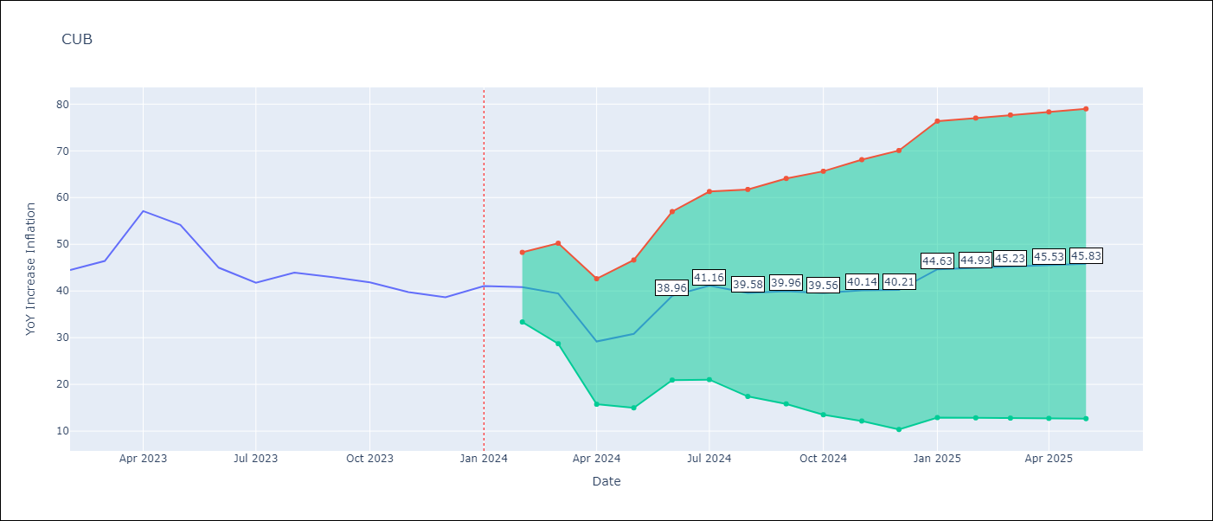

Test Metrics
RMSE | 4.98
Naive RMSE | 4.66
MAPE | 6.67%

Test Predictions
Date | Predicted | Actual
2023-02-01 | 44.06 | 44.5
2023-03-01 | 44.67 | 46.42
2023-04-01 | 44.91 | 57.12
2023-05-01 | 56.64 | 54.15
2023-06-01 | 55.05 | 44.99
2023-07-01 | 44.24 | 41.77
2023-08-01 | 41.8 | 43.91
2023-09-01 | 43.26 | 42.96
2023-10-01 | 41.27 | 41.84
2023-11-01 | 40.39 | 39.78
2023-12-01 | 38.72 | 38.67
2024-01-01 | 46.21 | 41.06

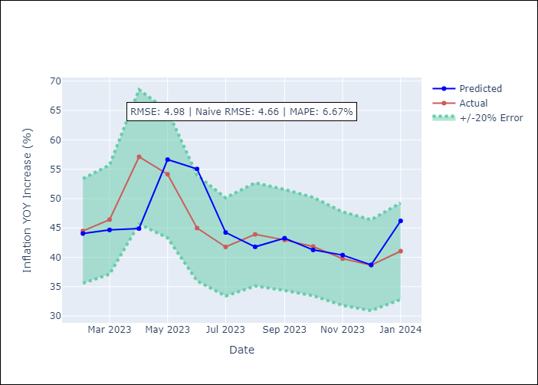

Appendix A: Model Summary
Model | ARIMA(0, 2, 1)x(0, 0, 1, 12)
Sample | 01-01-2001- 01-01-2024
No. of Observations | 277
Terms | P-value (Statistical significance)
ma.L1 | 0.000
ma.S.L12 | 0.000
sigma2 | 0.000
Assumptions | P-value

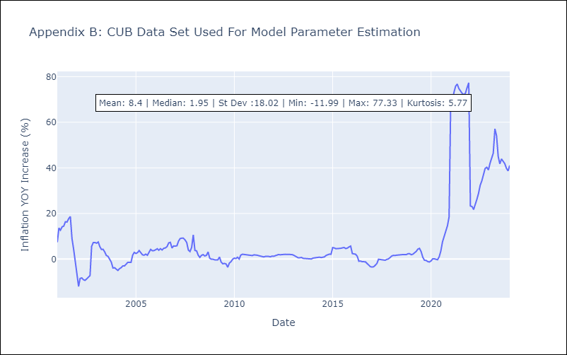

Appendix C: Residuals Analysis
Mean | 0.16

Normal? | No

DOM
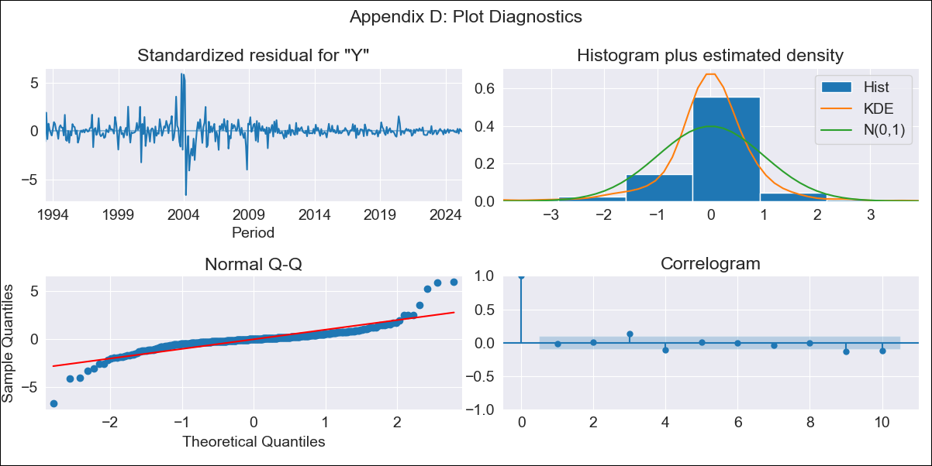
DOM - Inflation - Next 12 months forecast as of: 2025-04-01

Model | ARIMA - [(0, 2, 2), (0, 0, 1, 12)]
Training Data | 1992-01-01 to 2024-05-01
Test Data | 2024-05-01 to 2025-04-01

Date | Inflation Change YoY % | Lower Bound - 95% Confidence Interval | Upper Bound - 95% Confidence Interval
2025-05-01 | 3.7 | 1.52 | 5.88
2025-06-01 | 3.67 | -0.39 | 7.74
2025-07-01 | 3.64 | -2.19 | 9.46
2025-08-01 | 3.54 | -4.08 | 11.16
2025-09-01 | 3.55 | -5.93 | 13.04
2025-10-01 | 3.63 | -7.81 | 15.07
2025-11-01 | 3.8 | -9.68 | 17.28
2025-12-01 | 3.67 | -11.95 | 19.28
2026-01-01 | 3.83 | -14.01 | 21.67
2026-02-01 | 3.74 | -16.41 | 23.88
2026-03-01 | 3.62 | -18.92 | 26.15
2026-04-01 | 3.61 | -21.4 | 28.61
2026-05-01 | 3.6 | -23.26 | 30.45
2026-06-01 | 3.58 | -24.91 | 32.06
2026-07-01 | 3.56 | -26.51 | 33.63
2026-08-01 | 3.54 | -28.08 | 35.16

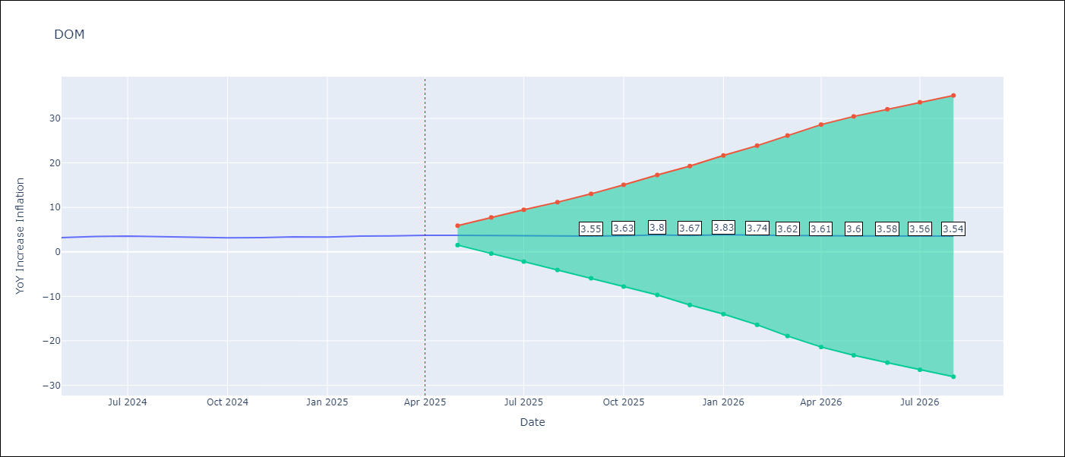

Test Metrics
RMSE | 0.16
Naive RMSE | 0.14
MAPE | 3.98%

Test Predictions
Date | Predicted | Actual
2024-05-01 | 3.05 | 3.2
2024-06-01 | 3.42 | 3.47
2024-07-01 | 3.47 | 3.53
2024-08-01 | 3.33 | 3.44
2024-09-01 | 3.35 | 3.28
2024-10-01 | 3.23 | 3.15
2024-11-01 | 3.37 | 3.21
2024-12-01 | 3.07 | 3.35
2025-01-01 | 3.6 | 3.32
2025-02-01 | 3.3 | 3.56
2025-03-01 | 3.51 | 3.58
2025-04-01 | 3.75 | 3.71

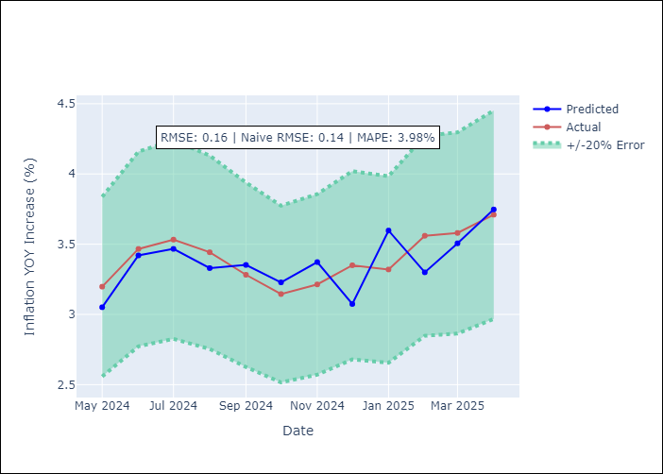

Appendix A: Model Summary
Model | ARIMA(0, 2, 2)x(0, 0, [1], 12)
Sample | 01-01-1992- 04-01-2025
No. of Observations | 400
Terms | P-value (Statistical significance)
ma.L1 | 0.000
ma.L2 | 0.000
ma.S.L12 | 0.000
sigma2 | 0.000
Assumptions | P-value

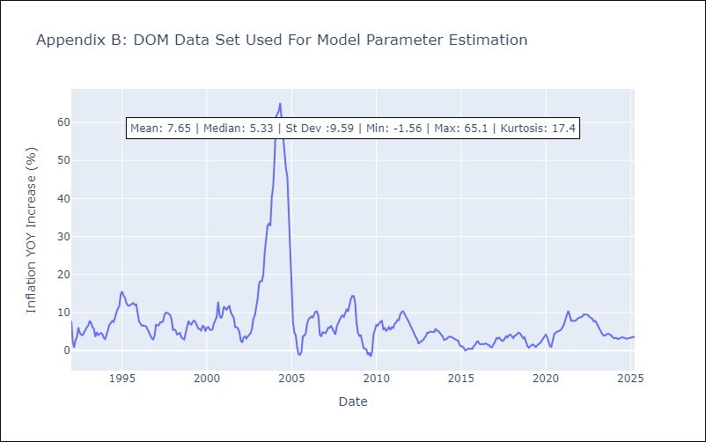

Appendix C: Residuals Analysis
Mean | 0.01

Normal? | No

GTM
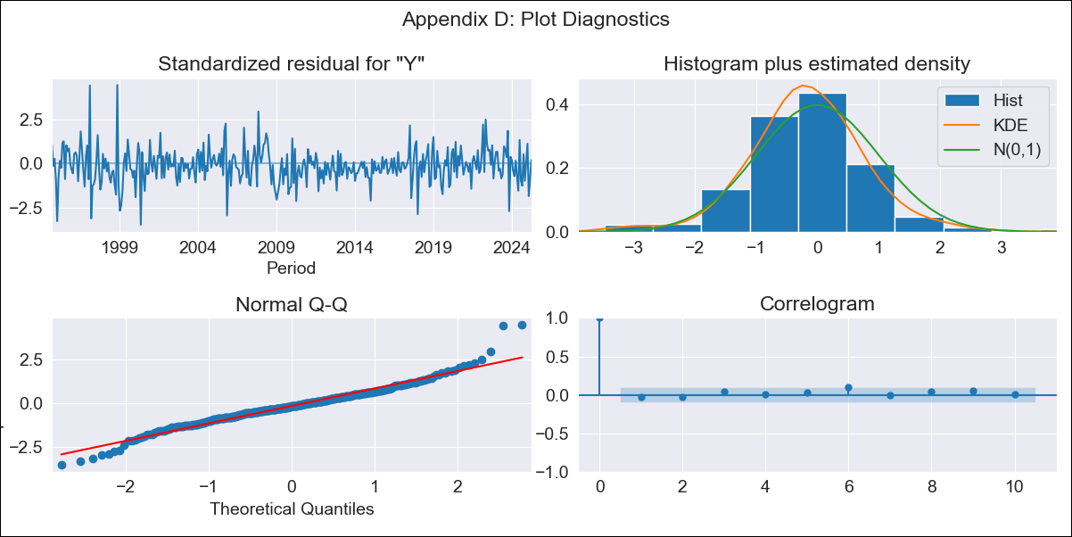
GTM - Inflation - Next 12 months forecast as of: 2025-04-01

Model | ARIMA - [(1, 1, 0), (0, 0, 2, 12)]
Training Data | 1992-07-01 to 2024-05-01
Test Data | 2024-05-01 to 2025-04-01

Date | Inflation Change YoY % | Lower Bound - 95% Confidence Interval | Upper Bound - 95% Confidence Interval
2025-05-01 | 1.72 | 0.84 | 2.61
2025-06-01 | 2.53 | 1.05 | 4
2025-07-01 | 2.22 | 0.27 | 4.18
2025-08-01 | 2.7 | 0.35 | 5.06
2025-09-01 | 3.54 | 0.85 | 6.24
2025-10-01 | 3.76 | 0.75 | 6.76
2025-11-01 | 4.04 | 0.76 | 7.32
2025-12-01 | 4.14 | 0.6 | 7.68
2026-01-01 | 3.63 | -0.15 | 7.41
2026-02-01 | 4.36 | 0.35 | 8.36
2026-03-01 | 4.97 | 0.75 | 9.19
2026-04-01 | 5.1 | 0.68 | 9.53
2026-05-01 | 5.07 | 0.63 | 9.5
2026-06-01 | 4.89 | 0.45 | 9.33
2026-07-01 | 4.97 | 0.54 | 9.41
2026-08-01 | 4.9 | 0.46 | 9.34

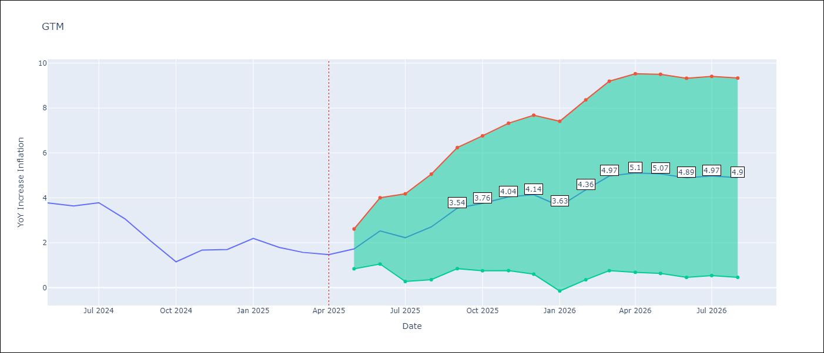

Test Metrics
RMSE | 0.49
Naive RMSE | 0.53
MAPE | 20.01%

Test Predictions
Date | Predicted | Actual
2024-05-01 | 4.11 | 3.77
2024-06-01 | 4.34 | 3.64
2024-07-01 | 3.16 | 3.78
2024-08-01 | 3.51 | 3.07
2024-09-01 | 2.64 | 2.07
2024-10-01 | 0.9 | 1.15
2024-11-01 | 2.14 | 1.67
2024-12-01 | 1.67 | 1.7
2025-01-01 | 1.68 | 2.19
2025-02-01 | 2.63 | 1.79
2025-03-01 | 1.98 | 1.57
2025-04-01 | 1.39 | 1.47

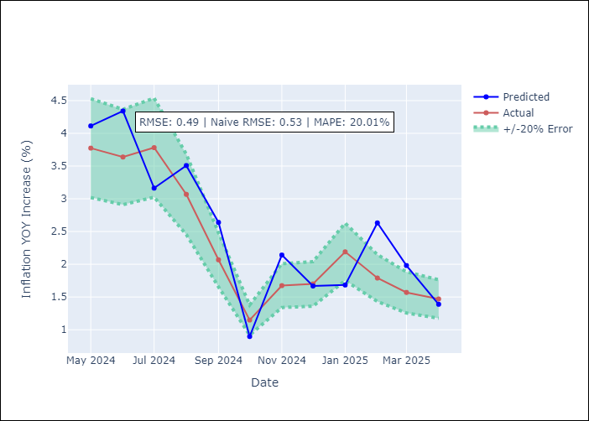

Appendix A: Model Summary
Model | ARIMA(1, 1, 0)x(0, 0, [1, 2], 12)
Sample | 07-01-1992- 04-01-2025
No. of Observations | 394
Terms | P-value (Statistical significance)
ar.L1 | 0.000
ma.S.L12 | 0.000
ma.S.L24 | 0.000
sigma2 | 0.000
Assumptions | P-value

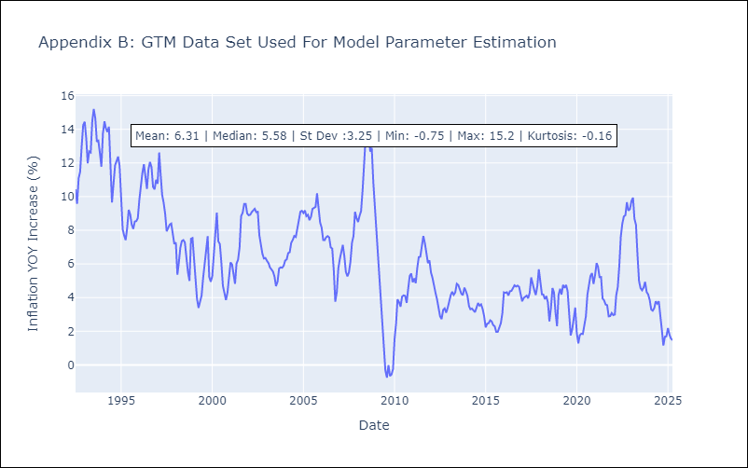

Appendix C: Residuals Analysis
Mean | -0.04

Normal? | No

HND
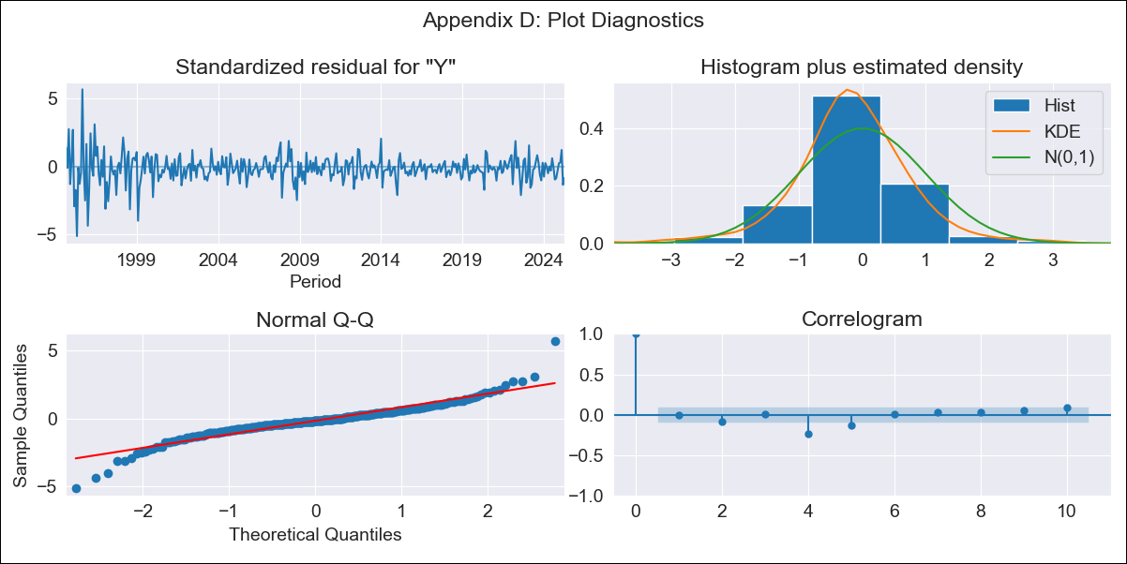
HND - Inflation - Next 12 months forecast as of: 2025-04-01

Model | ARIMA - [(2, 0, 1), (0, 0, 2, 12)]
Training Data | 1992-07-01 to 2024-05-01
Test Data | 2024-05-01 to 2025-04-01

Date | Inflation Change YoY % | Lower Bound - 95% Confidence Interval | Upper Bound - 95% Confidence Interval
2025-05-01 | 4.38 | 3.42 | 5.33
2025-06-01 | 4.48 | 2.83 | 6.14
2025-07-01 | 4.27 | 1.89 | 6.65
2025-08-01 | 4.15 | 1.02 | 7.29
2025-09-01 | 4.41 | 0.49 | 8.32
2025-10-01 | 4.85 | 0.14 | 9.55
2025-11-01 | 5.27 | -0.23 | 10.78
2025-12-01 | 5.45 | -0.86 | 11.77
2026-01-01 | 5.63 | -1.49 | 12.74
2026-02-01 | 5.34 | -2.57 | 13.25
2026-03-01 | 5.81 | -2.89 | 14.52
2026-04-01 | 6.35 | -3.13 | 15.84
2026-05-01 | 6.67 | -3.33 | 16.68
2026-06-01 | 6.99 | -3.45 | 17.44
2026-07-01 | 7.22 | -3.6 | 18.04
2026-08-01 | 7.46 | -3.68 | 18.61

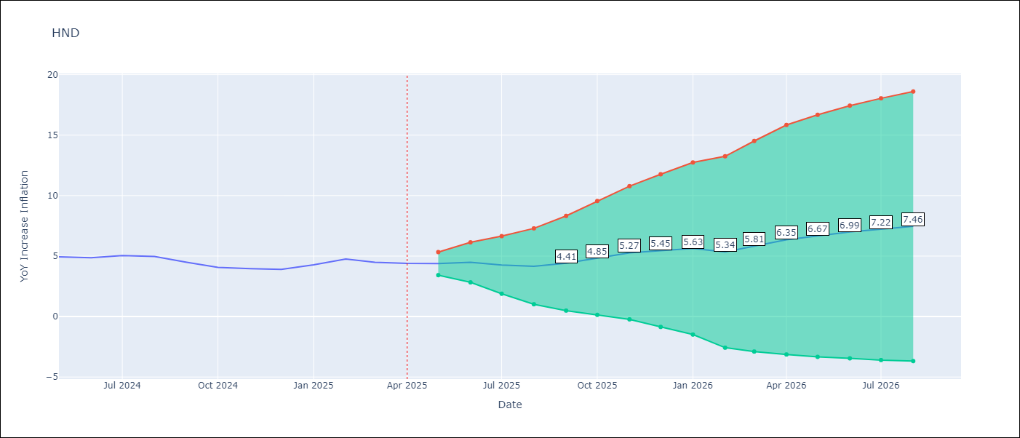

Test Metrics
RMSE | 0.36
Naive RMSE | 0.29
MAPE | 6.56%

Test Predictions
Date | Predicted | Actual
2024-05-01 | 4.99 | 4.94
2024-06-01 | 5.12 | 4.86
2024-07-01 | 4.83 | 5.05
2024-08-01 | 5.04 | 4.97
2024-09-01 | 4.99 | 4.48
2024-10-01 | 4.47 | 4.06
2024-11-01 | 4.11 | 3.96
2024-12-01 | 3.82 | 3.89
2025-01-01 | 4.16 | 4.27
2025-02-01 | 4.18 | 4.75
2025-03-01 | 5.15 | 4.49
2025-04-01 | 4.84 | 4.39

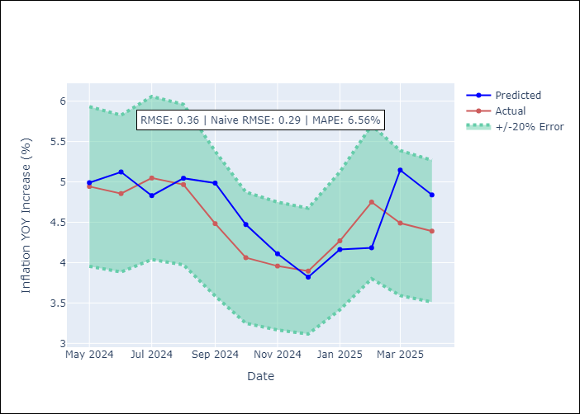

Appendix A: Model Summary
Model | ARIMA(2, 0, 1)x(0, 0, [1, 2], 12)
Sample | 07-01-1992- 04-01-2025
No. of Observations | 394
Terms | P-value (Statistical significance)
const | 0.052
ar.L1 | 0.000
ar.L2 | 0.000
ma.L1 | 0.000
ma.S.L12 | 0.003
ma.S.L24 | 0.003
sigma2 | 0.114
Assumptions | P-value

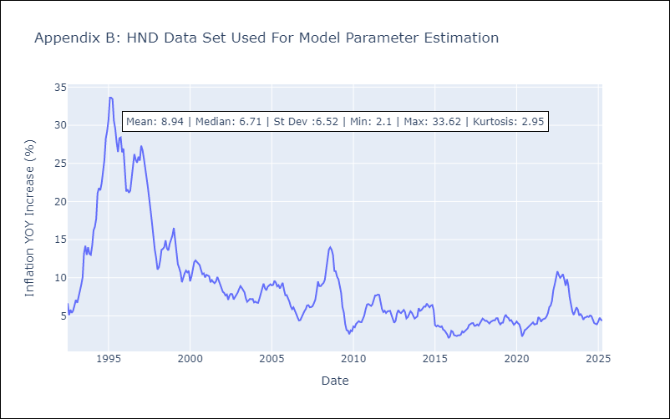

Appendix C: Residuals Analysis
Mean | -0.07

Normal? | No

HTI
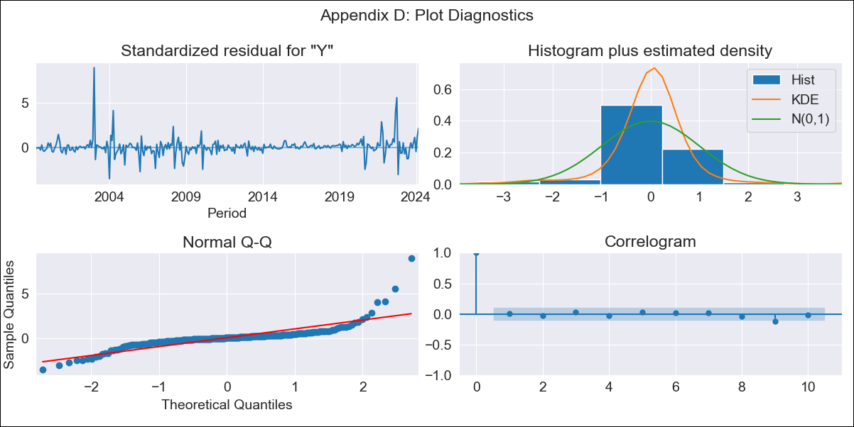
HTI - Inflation - Next 12 months forecast as of: 2024-03-01

Model | ARIMA - [(2, 0, 1), (3, 0, 0, 12)]
Training Data | 1996-01-01 to 2023-04-01
Test Data | 2023-04-01 to 2024-03-01

Date | Inflation Change YoY % | Lower Bound - 95% Confidence Interval | Upper Bound - 95% Confidence Interval
2024-04-01 | 30 | 27.16 | 32.84
2024-05-01 | 31.37 | 26.4 | 36.33
2024-06-01 | 33.39 | 26.46 | 40.33
2024-07-01 | 35.74 | 27 | 44.48
2024-08-01 | 37.06 | 26.68 | 47.45
2024-09-01 | 36.79 | 24.91 | 48.67
2024-10-01 | 36.93 | 23.68 | 50.19
2024-11-01 | 37.08 | 22.56 | 51.59
2024-12-01 | 35.48 | 19.79 | 51.16
2025-01-01 | 35.08 | 18.31 | 51.85
2025-02-01 | 33.7 | 15.91 | 51.49
2025-03-01 | 30.79 | 12.04 | 49.55
2025-04-01 | 29.34 | 10.18 | 48.5
2025-05-01 | 28.39 | 8.98 | 47.8
2025-06-01 | 27.77 | 8.2 | 47.34
2025-07-01 | 27.72 | 8.03 | 47.41

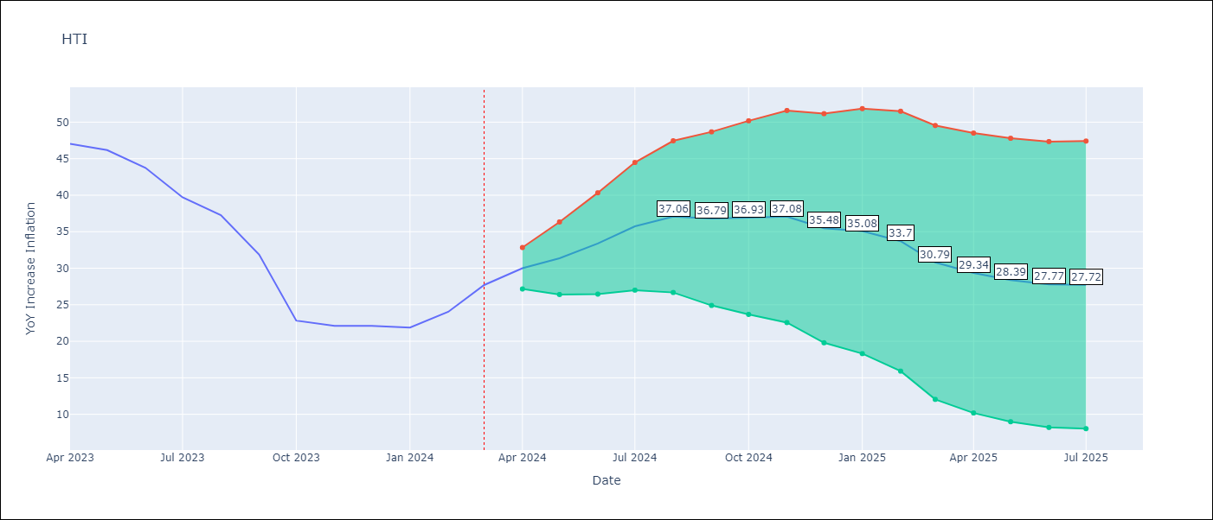

Test Metrics
RMSE | 1.47
Naive RMSE | 3.79
MAPE | 4.01%

Test Predictions
Date | Predicted | Actual
2023-04-01 | 48.08 | 47.04
2023-05-01 | 46.3 | 46.18
2023-06-01 | 45.55 | 43.75
2023-07-01 | 41.44 | 39.71
2023-08-01 | 37.32 | 37.27
2023-09-01 | 30.91 | 31.86
2023-10-01 | 22.91 | 22.83
2023-11-01 | 21.24 | 22.12
2023-12-01 | 20.42 | 22.12
2024-01-01 | 22.48 | 21.87
2024-02-01 | 22.17 | 24.04
2024-03-01 | 24.5 | 27.7

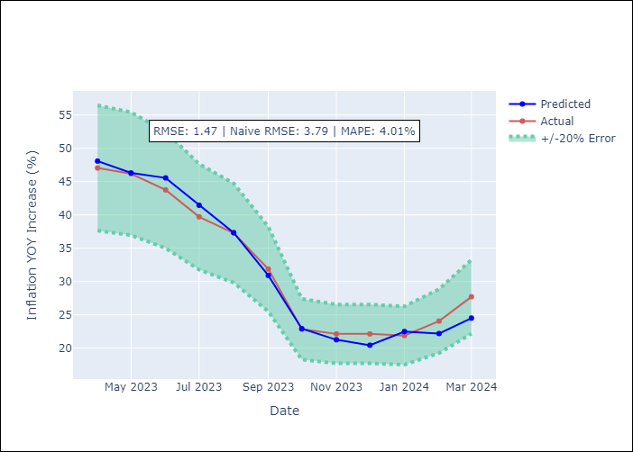

Appendix A: Model Summary
Model | ARIMA(2, 0, 1)x(3, 0, [], 12)
Sample | 01-01-1996- 03-01-2024
No. of Observations | 339
Terms | P-value (Statistical significance)
const | 0.505
ar.L1 | 0.000
ar.L2 | 0.000
ma.L1 | 0.170
ar.S.L12 | 0.000
ar.S.L24 | 0.000
ar.S.L36 | 0.000
sigma2 | 0.000
Assumptions | P-value

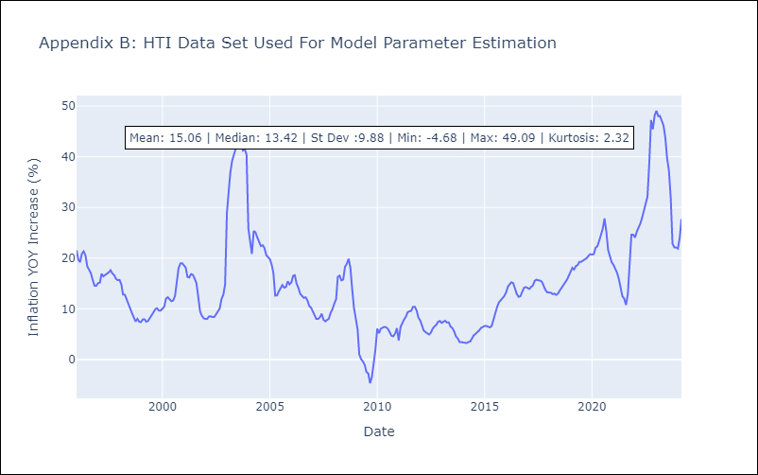

Appendix C: Residuals Analysis
Mean | 0.06

Normal? | No

MEX
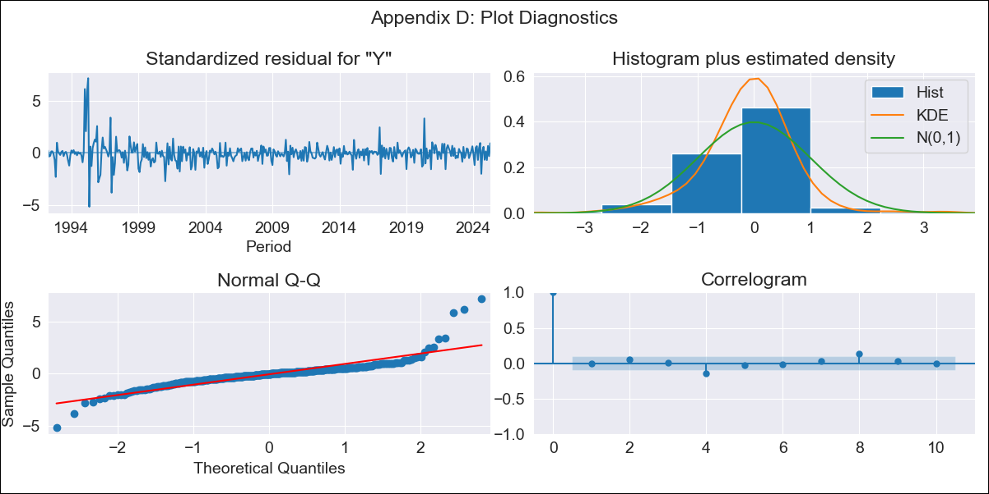
MEX - Inflation - Next 12 months forecast as of: 2025-04-01

Model | ARIMA - [(3, 1, 1), (0, 0, 2, 12)]
Training Data | 1990-01-01 to 2024-05-01
Test Data | 2024-05-01 to 2025-04-01

Date | Inflation Change YoY % | Lower Bound - 95% Confidence Interval | Upper Bound - 95% Confidence Interval
2025-05-01 | 4.37 | 3.44 | 5.3
2025-06-01 | 4.57 | 2.49 | 6.64
2025-07-01 | 4.37 | 1.12 | 7.63
2025-08-01 | 4.76 | 0.29 | 9.23
2025-09-01 | 5.2 | -0.44 | 10.84
2025-10-01 | 5.28 | -1.5 | 12.07
2025-11-01 | 5.57 | -2.29 | 13.44
2025-12-01 | 5.7 | -3.2 | 14.6
2026-01-01 | 6.04 | -3.84 | 15.91
2026-02-01 | 6.18 | -4.63 | 16.99
2026-03-01 | 6.33 | -5.37 | 18.02
2026-04-01 | 6.11 | -6.43 | 18.65
2026-05-01 | 5.9 | -7.24 | 19.04
2026-06-01 | 5.74 | -7.81 | 19.3
2026-07-01 | 5.53 | -8.33 | 19.38
2026-08-01 | 5.5 | -8.58 | 19.59

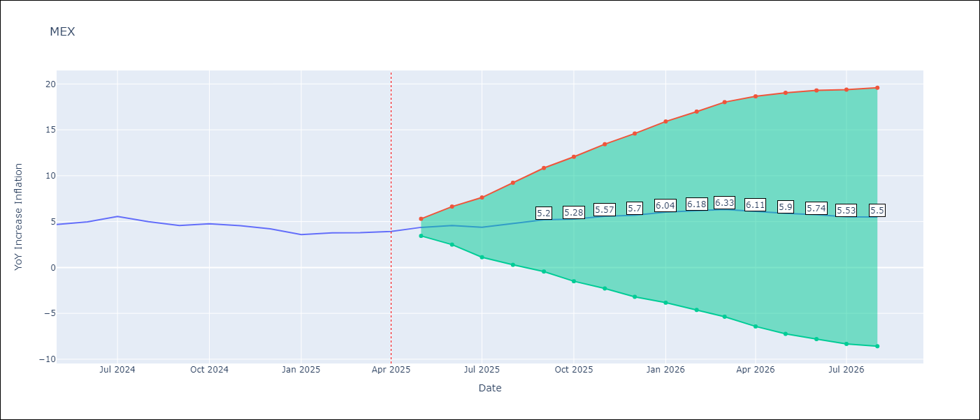

Test Metrics
RMSE | 0.4
Naive RMSE | 0.38
MAPE | 7.34%

Test Predictions
Date | Predicted | Actual
2024-05-01 | 5.01 | 4.69
2024-06-01 | 4.74 | 4.98
2024-07-01 | 5.11 | 5.57
2024-08-01 | 5.95 | 4.99
2024-09-01 | 4.48 | 4.58
2024-10-01 | 4.48 | 4.76
2024-11-01 | 4.86 | 4.55
2024-12-01 | 4.14 | 4.21
2025-01-01 | 3.91 | 3.59
2025-02-01 | 3.45 | 3.77
2025-03-01 | 3.95 | 3.8
2025-04-01 | 3.49 | 3.93

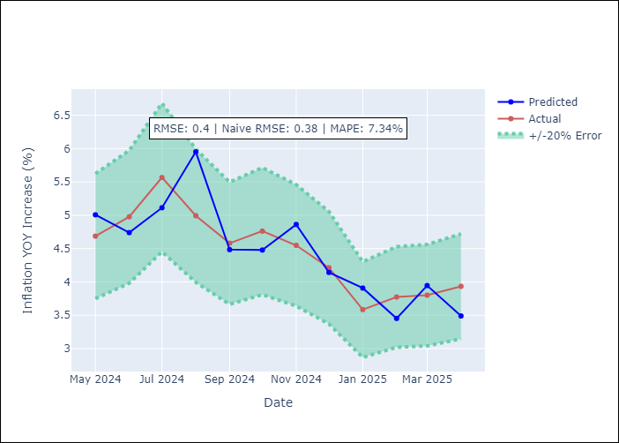

Appendix A: Model Summary
Model | ARIMA(3, 1, 1)x(0, 0, [1, 2], 12)
Sample | 01-01-1990- 04-01-2025
No. of Observations | 424
Terms | P-value (Statistical significance)
ar.L1 | 0.508
ar.L2 | 0.000
ar.L3 | 0.043
ma.L1 | 0.000
ma.S.L12 | 0.000
ma.S.L24 | 0.000
sigma2 | 0.000
Assumptions | P-value

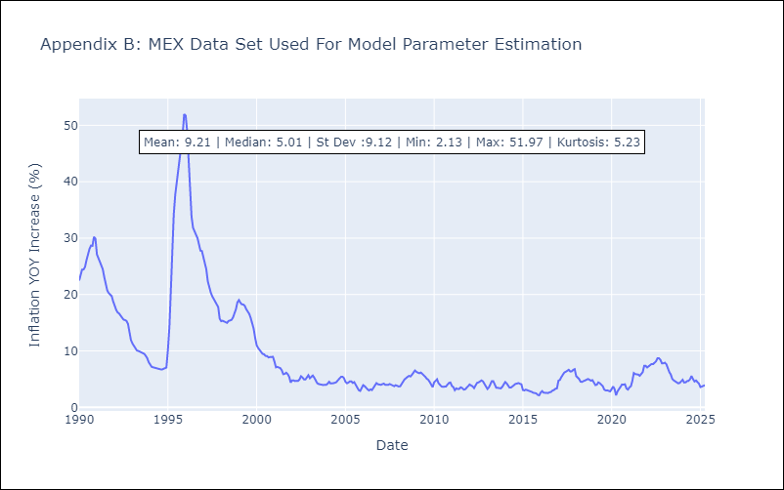

Appendix C: Residuals Analysis
Mean | 0.0

Normal? | No

NIC
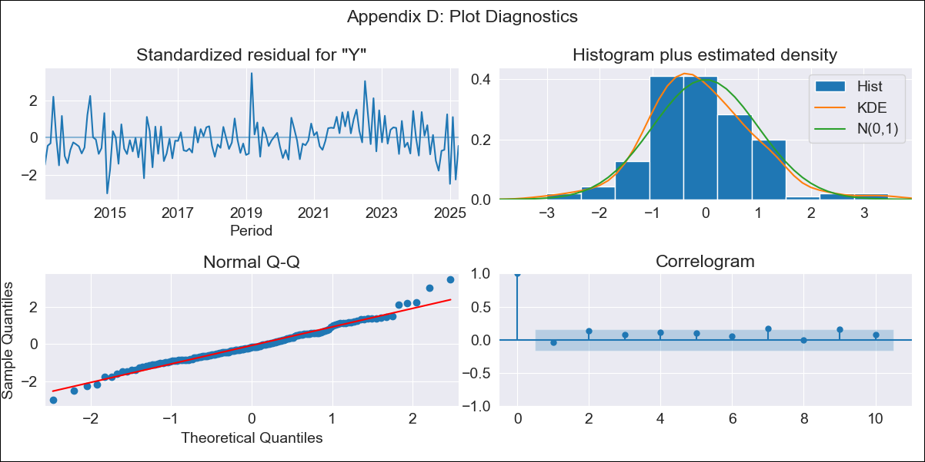
NIC - Inflation - Next 12 months forecast as of: 2025-04-01

Model | ARIMA - [(1, 1, 0), (2, 0, 1, 12)]
Training Data | 2010-12-01 to 2024-04-01
Test Data | 2024-04-01 to 2025-04-01

Date | Inflation Change YoY % | Lower Bound - 95% Confidence Interval | Upper Bound - 95% Confidence Interval
2025-05-01 | 1.36 | 0.49 | 2.24
2025-06-01 | 1.64 | 0.23 | 3.05
2025-07-01 | 1.9 | 0.06 | 3.73
2025-08-01 | 2.68 | 0.5 | 4.86
2025-09-01 | 3.63 | 1.14 | 6.12
2025-10-01 | 4.39 | 1.63 | 7.15
2025-11-01 | 4.77 | 1.76 | 7.77
2025-12-01 | 4.44 | 1.21 | 7.67
2026-01-01 | 5.43 | 1.98 | 8.87
2026-02-01 | 5.25 | 1.6 | 8.9
2026-03-01 | 6.22 | 2.38 | 10.05
2026-04-01 | 6.67 | 2.65 | 10.69
2026-05-01 | 6.86 | 2.83 | 10.89
2026-06-01 | 6.94 | 2.91 | 10.97
2026-07-01 | 6.79 | 2.76 | 10.82
2026-08-01 | 6.74 | 2.71 | 10.77

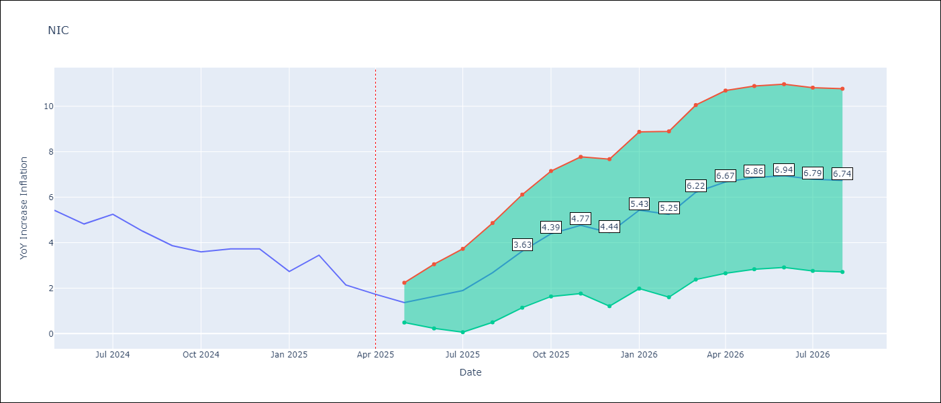

Test Metrics
RMSE | 0.73
Naive RMSE | 0.67
MAPE | 18.27%

Test Predictions
Date | Predicted | Actual
2024-04-01 | 5.35 | 5.42
2024-05-01 | 5.14 | 5.43
2024-06-01 | 5.25 | 4.82
2024-07-01 | 5.17 | 5.25
2024-08-01 | 5.06 | 4.51
2024-09-01 | 4.67 | 3.87
2024-10-01 | 3.87 | 3.59
2024-11-01 | 4.02 | 3.73
2025-01-01 | 3.15 | 2.73
2025-02-01 | 2.57 | 3.45
2025-03-01 | 4.14 | 2.14
2025-04-01 | 1.4 | 1.73

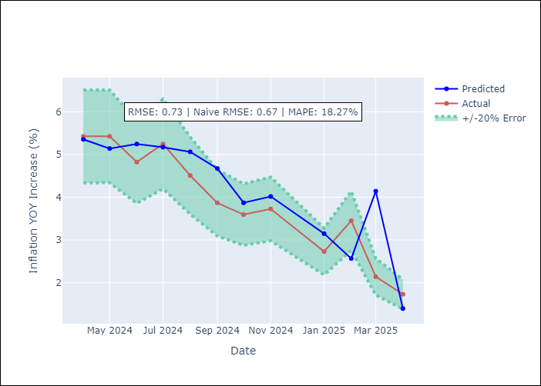

Appendix A: Model Summary
Model | ARIMA(1, 1, 0)x(2, 0, [1], 12)
Sample | 12-01-2010- 04-01-2025
No. of Observations | 173
Terms | P-value (Statistical significance)
ar.L1 | 0.003
ar.S.L12 | 0.026
ar.S.L24 | 0.019
ma.S.L12 | 0.000
sigma2 | 0.000
Assumptions | P-value

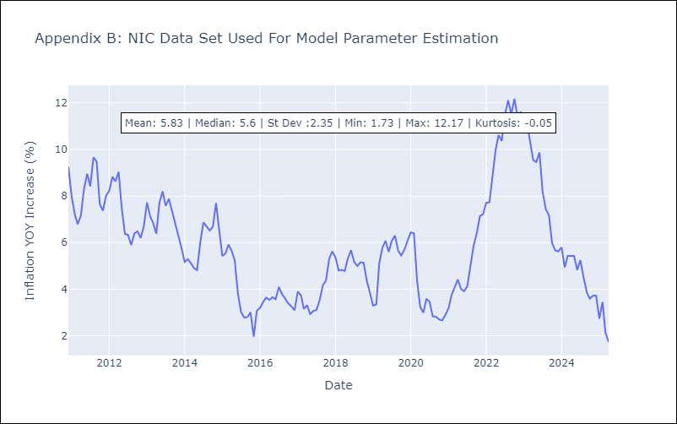

Appendix C: Residuals Analysis
Mean | 0.01

Normal? | No

PAN
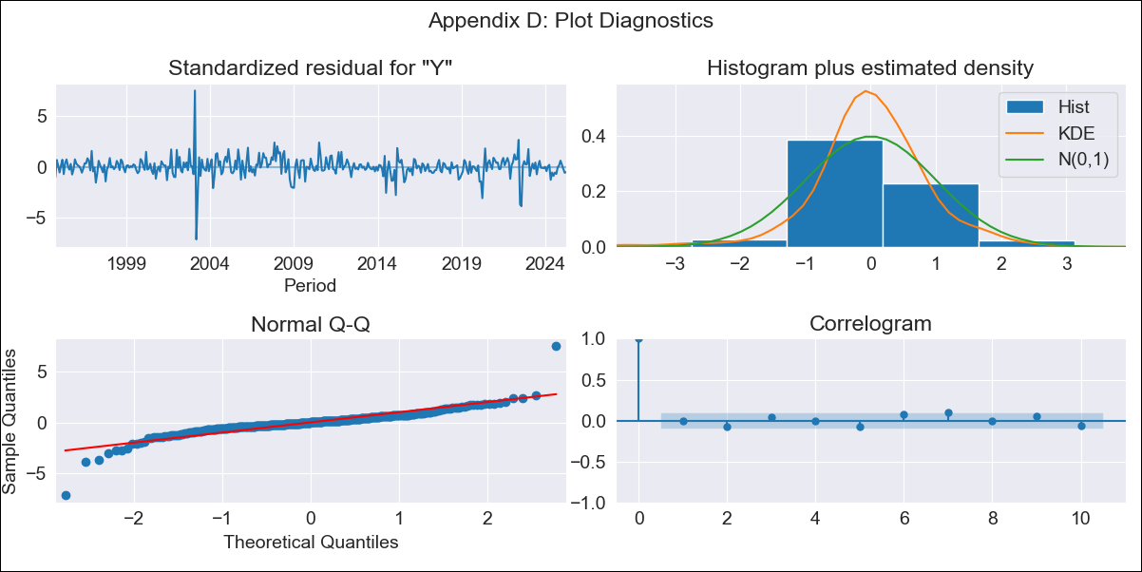
PAN - Inflation - Next 12 months forecast as of: 2025-04-01

Model | ARIMA - [(2, 1, 1), (2, 0, 1, 12)]
Training Data | 1992-07-01 to 2024-05-01
Test Data | 2024-05-01 to 2025-04-01

Date | Inflation Change YoY % | Lower Bound - 95% Confidence Interval | Upper Bound - 95% Confidence Interval
2025-05-01 | -0.16 | -0.96 | 0.63
2025-06-01 | 0.13 | -0.99 | 1.25
2025-07-01 | 0.28 | -1.14 | 1.7
2025-08-01 | 0.31 | -1.39 | 2.01
2025-09-01 | 0.65 | -1.32 | 2.62
2025-10-01 | 0.7 | -1.53 | 2.94
2025-11-01 | 0.68 | -1.82 | 3.18
2025-12-01 | 0.46 | -2.31 | 3.22
2026-01-01 | 0.48 | -2.55 | 3.51
2026-02-01 | 0.5 | -2.79 | 3.79
2026-03-01 | 0.74 | -2.81 | 4.3
2026-04-01 | 1 | -2.82 | 4.82
2026-05-01 | 0.98 | -2.88 | 4.84
2026-06-01 | 1.01 | -2.9 | 4.92
2026-07-01 | 1.03 | -2.92 | 4.98
2026-08-01 | 1.11 | -2.88 | 5.1

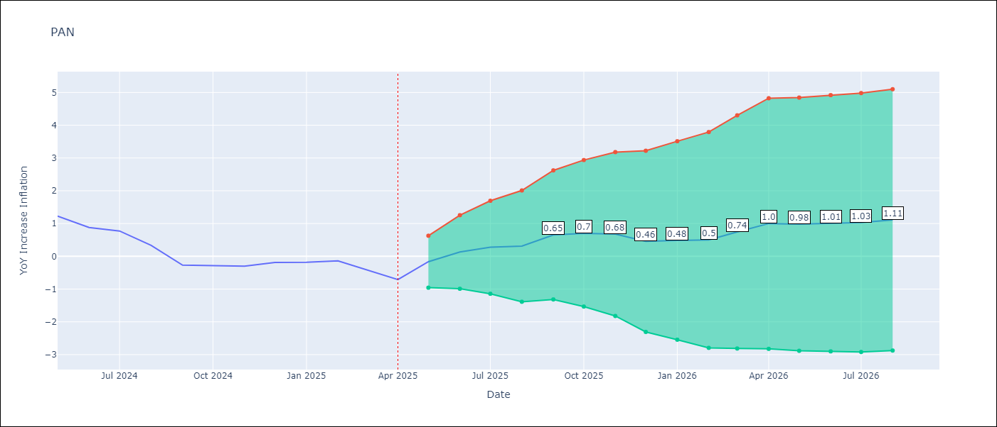

Test Metrics
RMSE | 0.26
Naive RMSE | 0.28
MAPE | 53.4%

Test Predictions
Date | Predicted | Actual
2024-05-01 | 1.74 | 1.23
2024-06-01 | 1.1 | 0.88
2024-07-01 | 1.17 | 0.77
2024-08-01 | 0.57 | 0.33
2024-09-01 | 0.02 | -0.27
2024-10-01 | -0.27 | -0.29
2024-11-01 | -0.36 | -0.3
2024-12-01 | -0.44 | -0.19
2025-01-01 | -0.27 | -0.18
2025-02-01 | -0.07 | -0.14
2025-03-01 | -0.17 | -0.41
2025-04-01 | -0.5 | -0.71

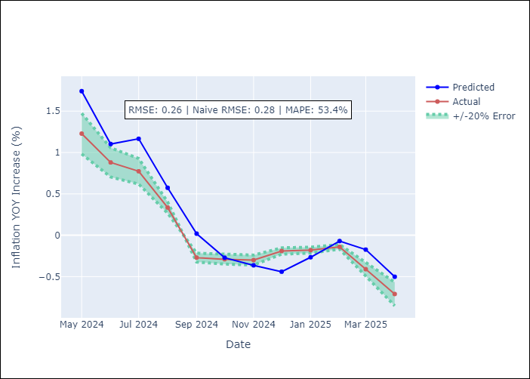

Appendix A: Model Summary
Model | ARIMA(2, 1, 1)x(2, 0, 1, 12)
Sample | 07-01-1992- 04-01-2025
No. of Observations | 394
Terms | P-value (Statistical significance)
ar.L1 | 0.000
ar.L2 | 0.001
ma.L1 | 0.000
ar.S.L12 | 0.002
ar.S.L24 | 0.028
ma.S.L12 | 0.962
sigma2 | 0.962
Assumptions | P-value

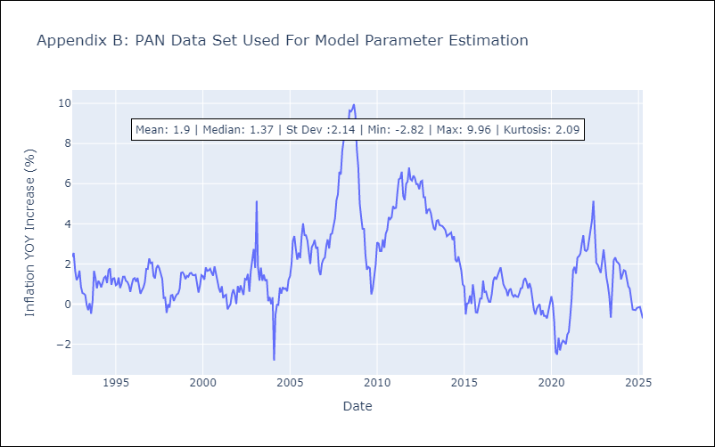

Appendix C: Residuals Analysis
Mean | 0.01

Normal? | No

SLV

SLV - Inflation - Next 12 months forecast as of: 2025-04-01

Model | ARIMA - [(1, 1, 0), (2, 0, 1, 12)]
Training Data | 1992-07-01 to 2024-05-01
Test Data | 2024-05-01 to 2025-04-01

Date | Inflation Change YoY % | Lower Bound - 95% Confidence Interval | Upper Bound - 95% Confidence Interval
2025-05-01 | -0.14 | -1.14 | 0.86
2025-06-01 | -0.09 | -1.71 | 1.53
2025-07-01 | -0.24 | -2.35 | 1.87
2025-08-01 | 0.21 | -2.3 | 2.72
2025-09-01 | 0.65 | -2.21 | 3.52
2025-10-01 | 1.39 | -1.79 | 4.57
2025-11-01 | 1.95 | -1.51 | 5.41
2025-12-01 | 1.87 | -1.85 | 5.6
2026-01-01 | 1.73 | -2.24 | 5.7
2026-02-01 | 2.23 | -1.97 | 6.43
2026-03-01 | 2.43 | -1.99 | 6.85
2026-04-01 | 2.51 | -2.12 | 7.14
2026-05-01 | 2.53 | -2.12 | 7.18
2026-06-01 | 2.53 | -2.12 | 7.18
2026-07-01 | 2.54 | -2.12 | 7.19
2026-08-01 | 2.53 | -2.13 | 7.18

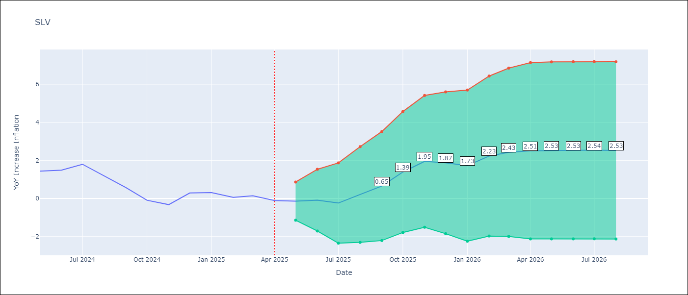

Test Metrics
RMSE | 0.35
Naive RMSE | 0.41
MAPE | 177.7%

Test Predictions
Date | Predicted | Actual
2024-05-01 | 1.48 | 1.44
2024-06-01 | 1.55 | 1.49
2024-07-01 | 1.63 | 1.8
2024-08-01 | 1.7 | 1.17
2024-09-01 | 0.91 | 0.57
2024-10-01 | 0.57 | -0.09
2024-11-01 | 0.08 | -0.32
2024-12-01 | 0.06 | 0.29
2025-01-01 | 0.15 | 0.31
2025-02-01 | 0.64 | 0.06
2025-03-01 | 0.22 | 0.14
2025-04-01 | -0.09 | -0.11

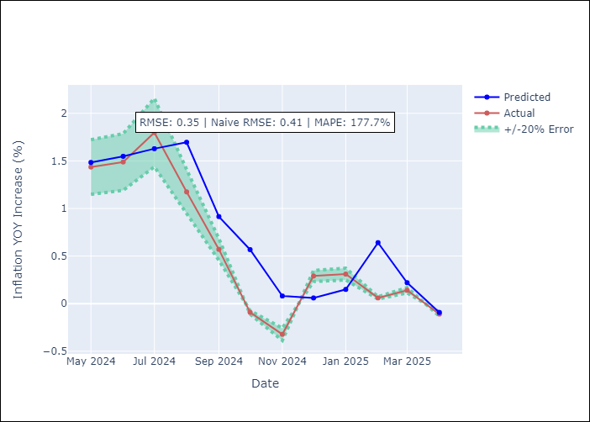

Appendix A: Model Summary
Model | ARIMA(1, 1, 0)x(2, 0, [1], 12)
Sample | 07-01-1992- 04-01-2025
No. of Observations | 394
Terms | P-value (Statistical significance)
ar.L1 | 0.000
ar.S.L12 | 0.580
ar.S.L24 | 0.999
ma.S.L12 | 0.000
sigma2 | 0.000
Assumptions | P-value

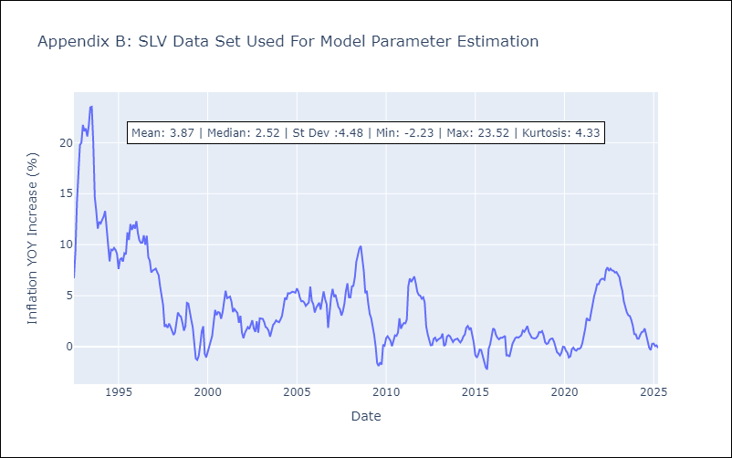

Appendix C: Residuals Analysis
Mean | -0.08

Normal? | No

