ATG
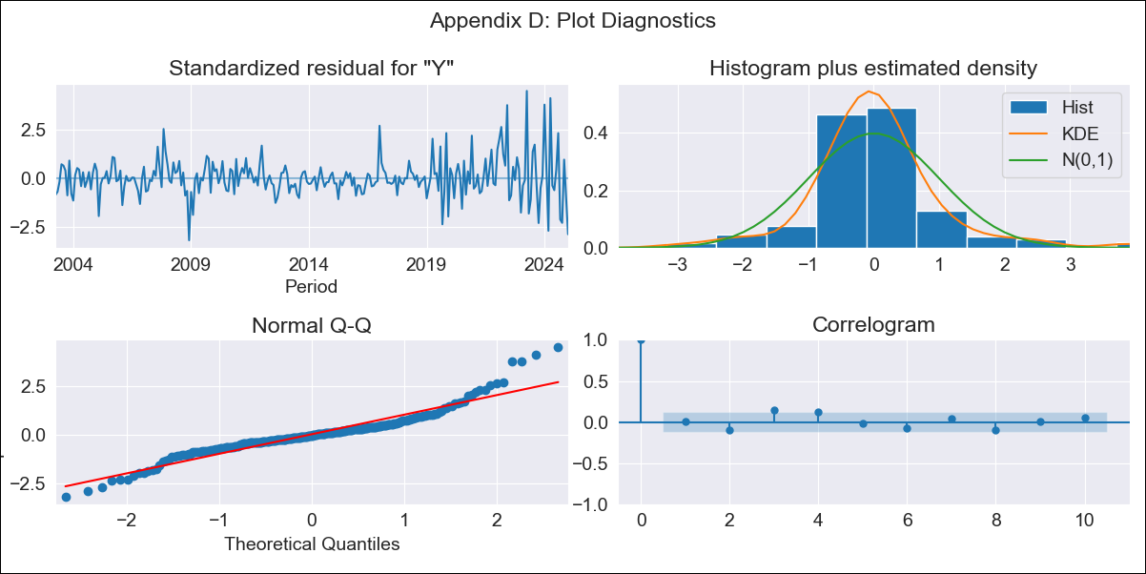
ATG - Inflation - Next 12 months forecast as of: 2025-01-01

Model | ARIMA - [(0, 1, 1), (0, 0, 1, 12)]
Training Data | 2002-01-01 to 2024-02-01
Test Data | 2024-02-01 to 2025-01-01

Date | Inflation Change YoY % | Lower Bound - 95% Confidence Interval | Upper Bound - 95% Confidence Interval
2025-02-01 | 1.69 | 0.14 | 3.23
2025-03-01 | 3.24 | 1.25 | 5.24
2025-04-01 | 0.66 | -1.7 | 3.02
2025-05-01 | 1.29 | -1.39 | 3.96
2025-06-01 | 1.59 | -1.37 | 4.55
2025-07-01 | 1.29 | -1.93 | 4.51
2025-08-01 | 0.03 | -3.43 | 3.49
2025-09-01 | 1.45 | -2.23 | 5.13
2025-10-01 | 2.52 | -1.37 | 6.41
2025-11-01 | 1.75 | -2.34 | 5.84
2025-12-01 | 2.39 | -1.89 | 6.68
2026-01-01 | 3.91 | -0.56 | 8.37
2026-02-01 | 3.62 | -0.85 | 8.08
2026-03-01 | 3.62 | -0.87 | 8.1
2026-04-01 | 3.62 | -0.88 | 8.11
2026-05-01 | 3.62 | -0.9 | 8.13

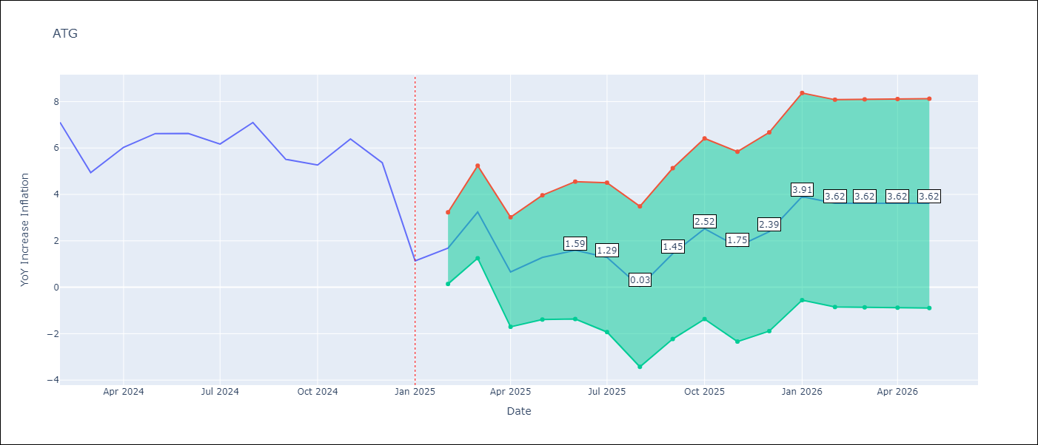

Test Metrics
RMSE | 1.71
Naive RMSE | 1.65
MAPE | 37.23%

Test Predictions
Date | Predicted | Actual
2024-02-01 | 6.9 | 7.11
2024-03-01 | 7.01 | 4.94
2024-04-01 | 2.24 | 6.03
2024-05-01 | 6.95 | 6.62
2024-06-01 | 7.11 | 6.63
2024-07-01 | 5.83 | 6.17
2024-08-01 | 5.27 | 7.1
2024-09-01 | 7.18 | 5.51
2024-10-01 | 7.06 | 5.27
2024-11-01 | 5.64 | 6.39
2024-12-01 | 6.14 | 5.37
2025-01-01 | 3.47 | 1.14

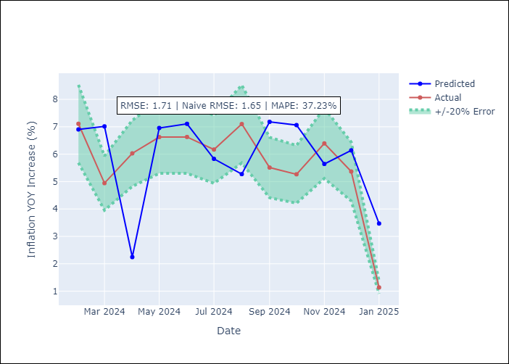

Appendix A: Model Summary
Model | ARIMA(0, 1, 1)x(0, 0, 1, 12)
Sample | 01-01-2002- 01-01-2025
No. of Observations | 277
Terms | P-value (Statistical significance)
ma.L1 | 0.000
ma.S.L12 | 0.000
sigma2 | 0.000
Assumptions | P-value

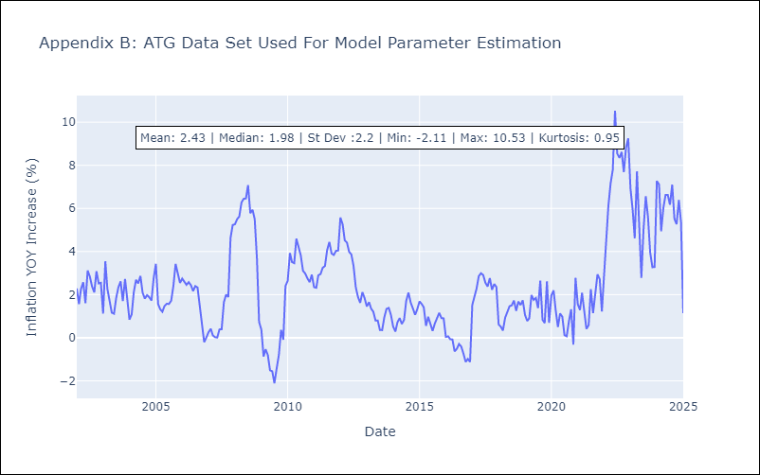

Appendix C: Residuals Analysis
Mean | 0.03

Normal? | No

BHS
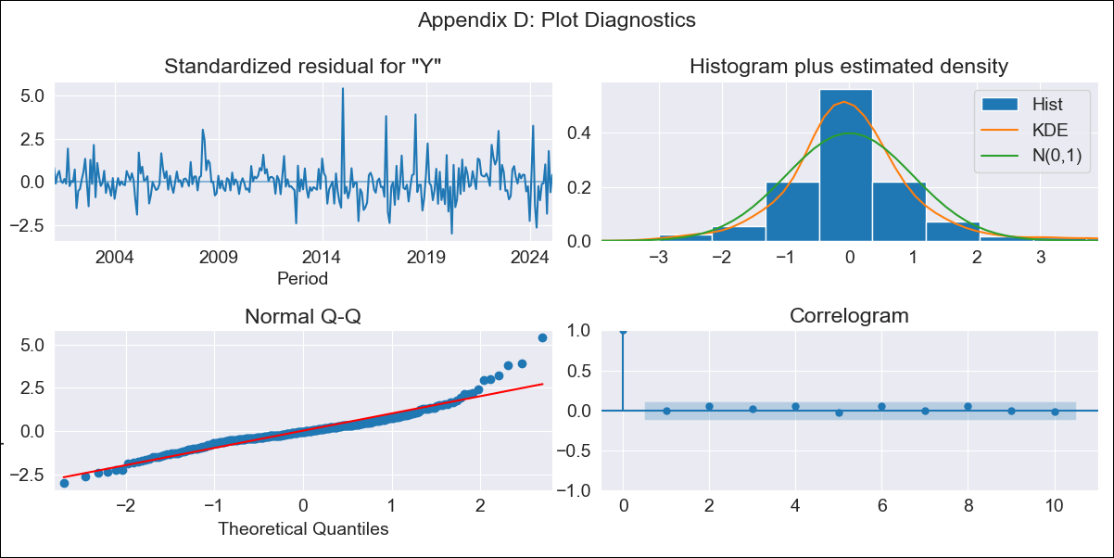
BHS - Inflation - Next 12 months forecast as of: 2025-02-01

Model | ARIMA - [(1, 0, 0), (3, 0, 1, 12)]
Training Data | 1998-01-01 to 2024-03-01
Test Data | 2024-03-01 to 2025-02-01

Date | Inflation Change YoY % | Lower Bound - 95% Confidence Interval | Upper Bound - 95% Confidence Interval
2025-03-01 | -0.49 | -1.36 | 0.39
2025-04-01 | 0 | -1.23 | 1.22
2025-05-01 | 0.99 | -0.48 | 2.47
2025-06-01 | 1.03 | -0.66 | 2.71
2025-07-01 | 1.35 | -0.51 | 3.21
2025-08-01 | 1.5 | -0.51 | 3.51
2025-09-01 | 1.51 | -0.63 | 3.66
2025-10-01 | 1.14 | -1.13 | 3.4
2025-11-01 | 1.91 | -0.47 | 4.28
2025-12-01 | 1.31 | -1.16 | 3.78
2026-01-01 | 1.68 | -0.88 | 4.25
2026-02-01 | 1.53 | -1.12 | 4.18
2026-03-01 | 1.51 | -1.14 | 4.16
2026-04-01 | 1.61 | -1.04 | 4.26
2026-05-01 | 1.76 | -0.89 | 4.41
2026-06-01 | 1.84 | -0.81 | 4.49

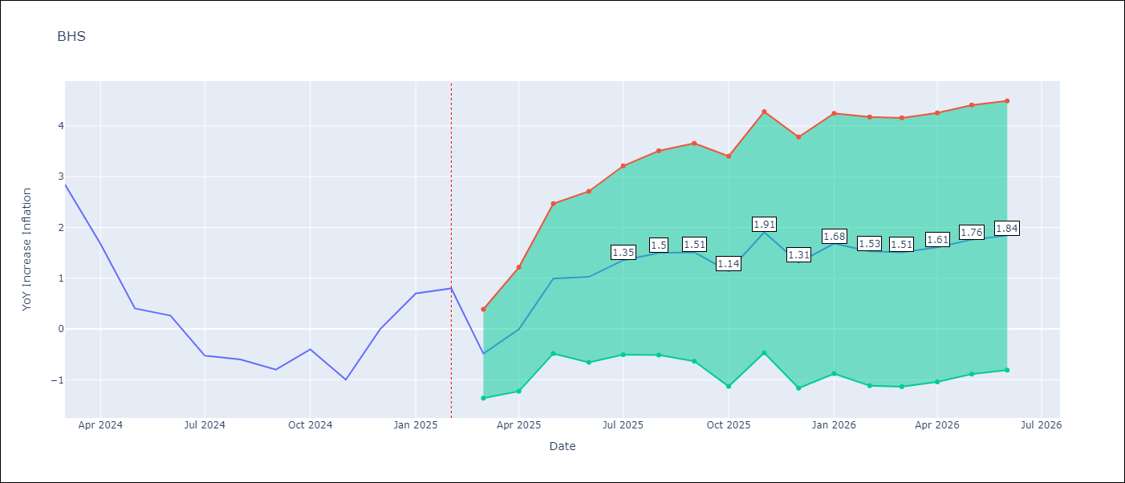

Test Metrics
RMSE | 0.7
Naive RMSE | 0.72
MAPE | inf%

Test Predictions
Date | Predicted | Actual
2024-03-01 | 1.4 | 2.85
2024-04-01 | 2.3 | 1.68
2024-05-01 | 1.63 | 0.4
2024-06-01 | 0.38 | 0.26
2024-07-01 | 0 | -0.52
2024-08-01 | -0.55 | -0.6
2024-09-01 | -0.76 | -0.8
2024-10-01 | -0.86 | -0.4
2024-11-01 | -0.17 | -1
2024-12-01 | -0.81 | 0
2025-01-01 | 0.99 | 0.7
2025-02-01 | 0.62 | 0.8

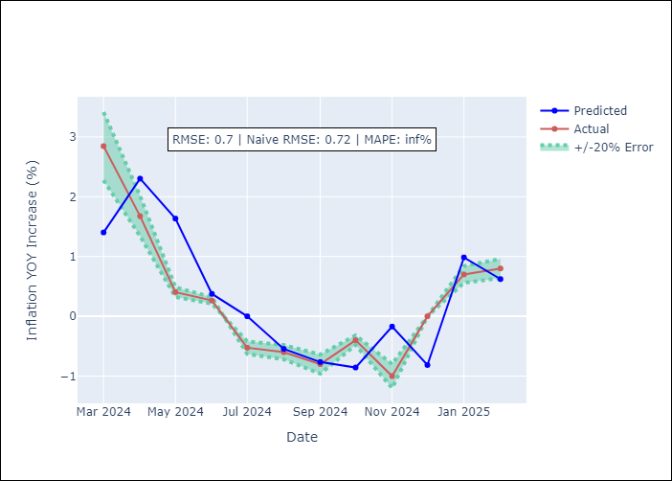

Appendix A: Model Summary
Model | ARIMA(1, 0, 0)x(3, 0, [1], 12)
Sample | 01-01-1998- 02-01-2025
No. of Observations | 326
Terms | P-value (Statistical significance)
const | 0.000
ar.L1 | 0.000
ar.S.L12 | 0.795
ar.S.L24 | 0.352
ar.S.L36 | 0.058
ma.S.L12 | 0.000
sigma2 | 0.000
Assumptions | P-value

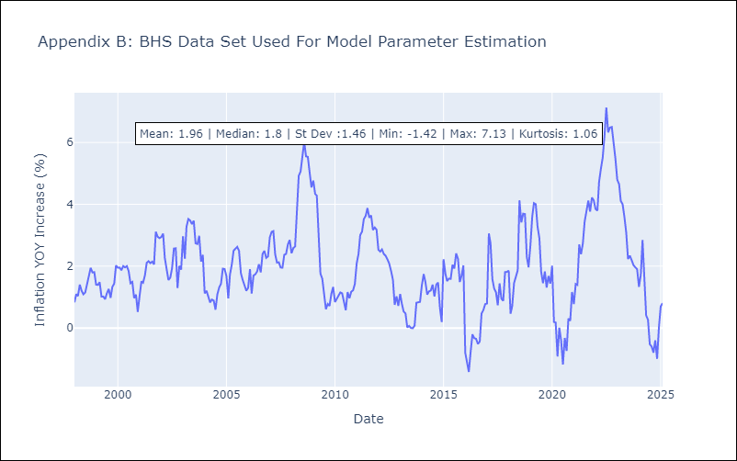

Appendix C: Residuals Analysis
Mean | 0.01

Normal? | No

BLZ
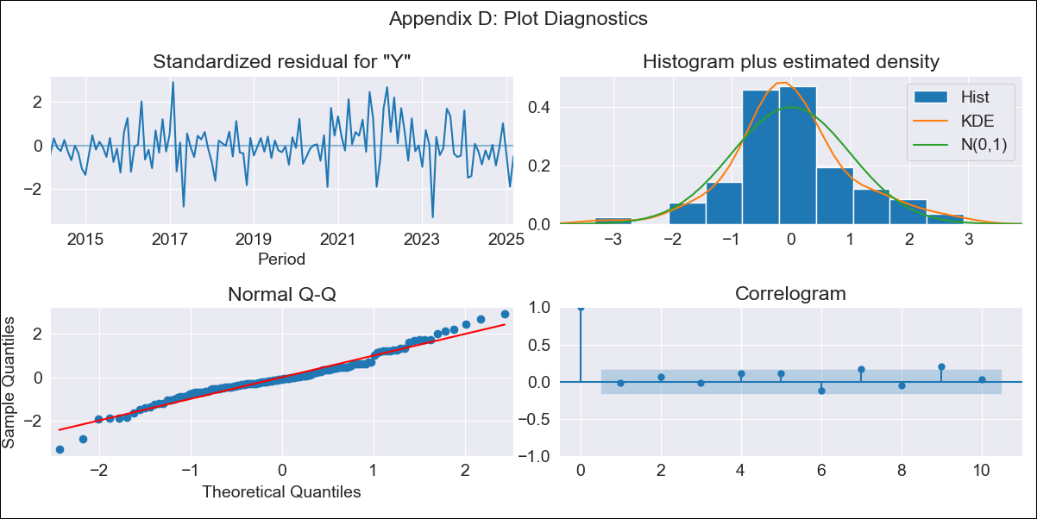
BLZ - Inflation - Next 12 months forecast as of: 2025-03-01

Model | ARIMA - [(2, 0, 0), (1, 0, 0, 12)]
Training Data | 2013-01-01 to 2024-04-01
Test Data | 2024-04-01 to 2025-03-01

Date | Inflation Change YoY % | Lower Bound - 95% Confidence Interval | Upper Bound - 95% Confidence Interval
2025-04-01 | 1.02 | 0.21 | 1.83
2025-05-01 | 0.92 | -0.38 | 2.22
2025-06-01 | 1.05 | -0.63 | 2.73
2025-07-01 | 1.06 | -0.92 | 3.04
2025-08-01 | 1.39 | -0.85 | 3.63
2025-09-01 | 1.64 | -0.82 | 4.11
2025-10-01 | 1.9 | -0.76 | 4.56
2025-11-01 | 1.95 | -0.89 | 4.79
2025-12-01 | 1.65 | -1.34 | 4.65
2026-01-01 | 1.86 | -1.29 | 5
2026-02-01 | 2.16 | -1.12 | 5.44
2026-03-01 | 2.27 | -1.14 | 5.67
2026-04-01 | 2.46 | -0.98 | 5.9
2026-05-01 | 2.51 | -0.95 | 5.97
2026-06-01 | 2.45 | -1.03 | 5.93
2026-07-01 | 2.45 | -1.04 | 5.94

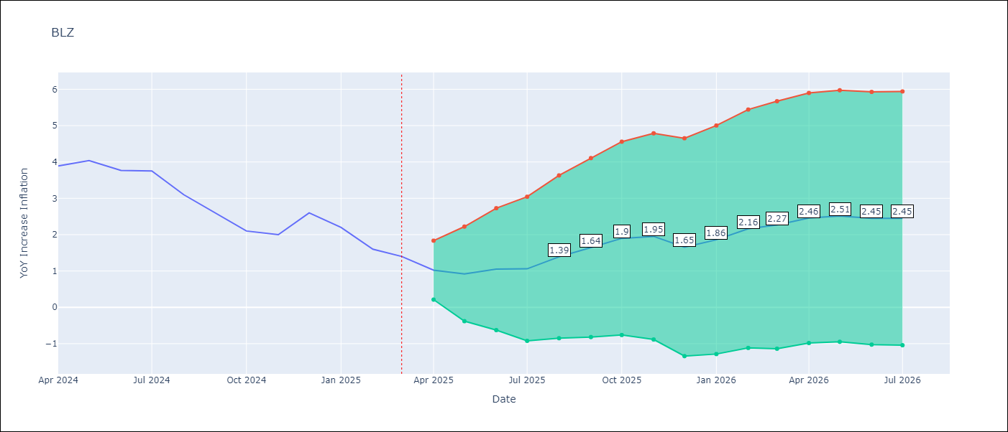

Test Metrics
RMSE | 0.34
Naive RMSE | 0.42
MAPE | 11.67%

Test Predictions
Date | Predicted | Actual
2024-04-01 | 3.93 | 3.89
2024-05-01 | 4.2 | 4.04
2024-06-01 | 4.17 | 3.77
2024-07-01 | 3.88 | 3.75
2024-08-01 | 3.39 | 3.1
2024-09-01 | 2.6 | 2.6
2024-10-01 | 2.5 | 2.1
2024-11-01 | 2.04 | 2
2024-12-01 | 2.19 | 2.6
2025-01-01 | 2.39 | 2.2
2025-02-01 | 2.41 | 1.6
2025-03-01 | 1.62 | 1.4

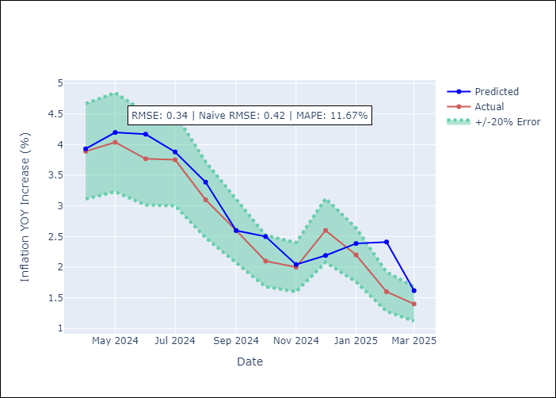

Appendix A: Model Summary
Model | ARIMA(2, 0, 0)x(1, 0, 0, 12)
Sample | 01-01-2013- 03-01-2025
No. of Observations | 147
Terms | P-value (Statistical significance)
const | 0.256
ar.L1 | 0.000
ar.L2 | 0.005
ar.S.L12 | 0.000
sigma2 | 0.000
Assumptions | P-value

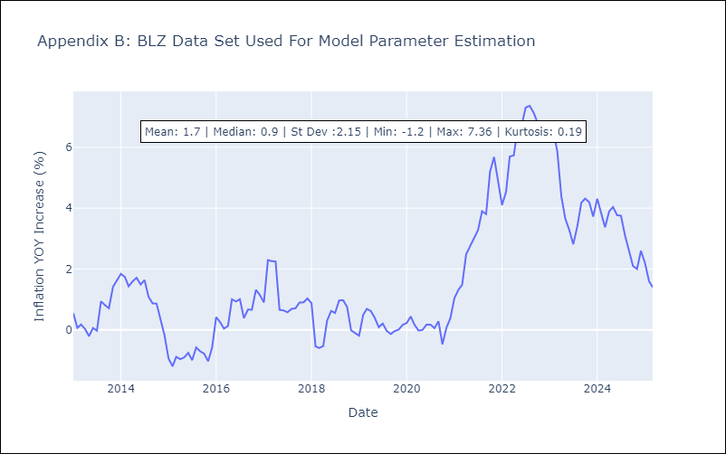

Appendix C: Residuals Analysis
Mean | -0.01

Normal? | No

BRB
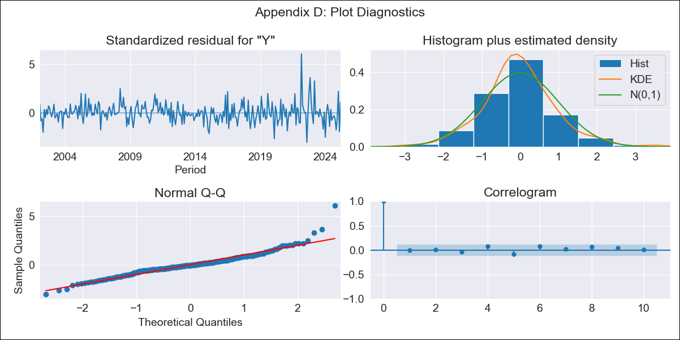
BRB - Inflation - Next 12 months forecast as of: 2025-03-01

Model | ARIMA - [(3, 0, 0), (0, 0, 1, 12)]
Training Data | 2001-01-01 to 2024-04-01
Test Data | 2024-04-01 to 2025-03-01

Date | Inflation Change YoY % | Lower Bound - 95% Confidence Interval | Upper Bound - 95% Confidence Interval
2025-04-01 | 0.53 | -1.12 | 2.18
2025-05-01 | 1.49 | -1.04 | 4.02
2025-06-01 | 1.57 | -1.71 | 4.84
2025-07-01 | 2.17 | -1.7 | 6.05
2025-08-01 | 2.62 | -1.76 | 6.99
2025-09-01 | 2.98 | -1.82 | 7.77
2025-10-01 | 3.45 | -1.7 | 8.61
2025-11-01 | 4.58 | -0.89 | 10.04
2025-12-01 | 5.15 | -0.59 | 10.88
2026-01-01 | 4.12 | -1.86 | 10.1
2026-02-01 | 5.05 | -1.14 | 11.25
2026-03-01 | 4.52 | -1.86 | 10.9
2026-04-01 | 4.5 | -1.9 | 10.89
2026-05-01 | 4.44 | -1.96 | 10.83
2026-06-01 | 4.42 | -1.98 | 10.82
2026-07-01 | 4.41 | -1.99 | 10.81

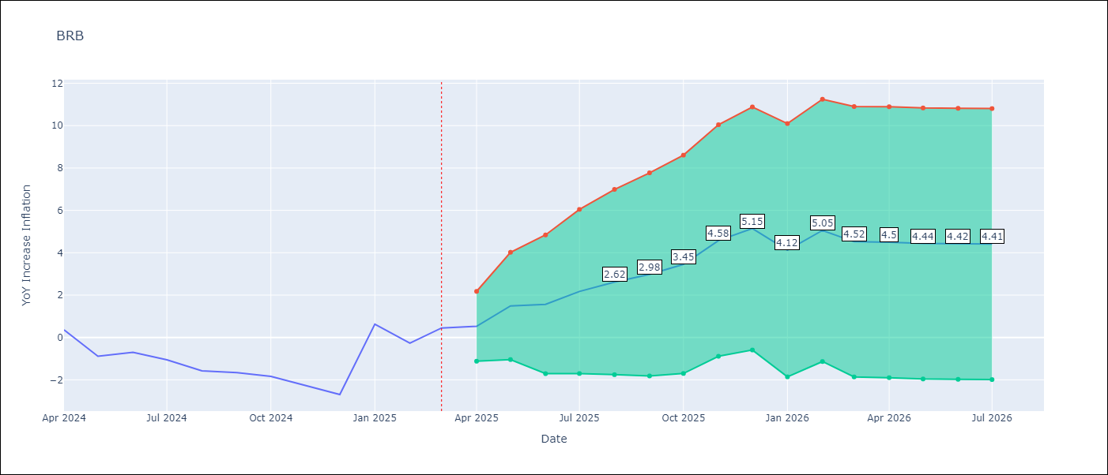

Test Metrics
RMSE | 1.12
Naive RMSE | 1.16
MAPE | 120.91%

Test Predictions
Date | Predicted | Actual
2024-04-01 | 0.06 | 0.36
2024-05-01 | 0.38 | -0.88
2024-06-01 | -0.65 | -0.7
2024-07-01 | -0.74 | -1.06
2024-08-01 | -1.25 | -1.58
2024-09-01 | -0.96 | -1.66
2024-10-01 | -1.8 | -1.83
2024-11-01 | -0.41 | -2.26
2024-12-01 | -2.04 | -2.69
2025-01-01 | -1.92 | 0.63
2025-02-01 | 1.21 | -0.27
2025-03-01 | 0.19 | 0.45

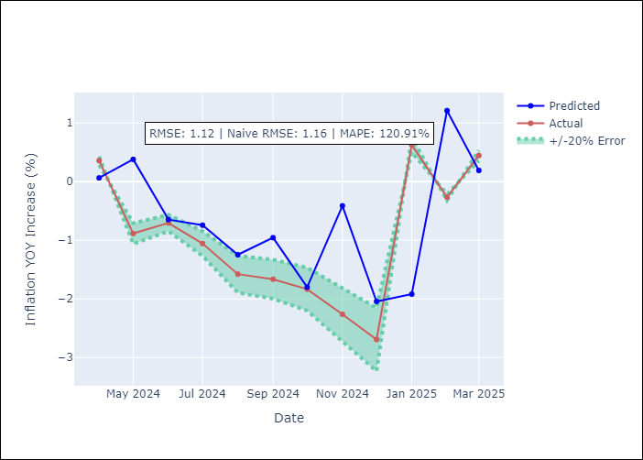

Appendix A: Model Summary
Model | ARIMA(3, 0, 0)x(0, 0, [1], 12)
Sample | 01-01-2001- 03-01-2025
No. of Observations | 291
Terms | P-value (Statistical significance)
const | 0.000
ar.L1 | 0.000
ar.L2 | 0.323
ar.L3 | 0.149
ma.S.L12 | 0.000
sigma2 | 0.000
Assumptions | P-value

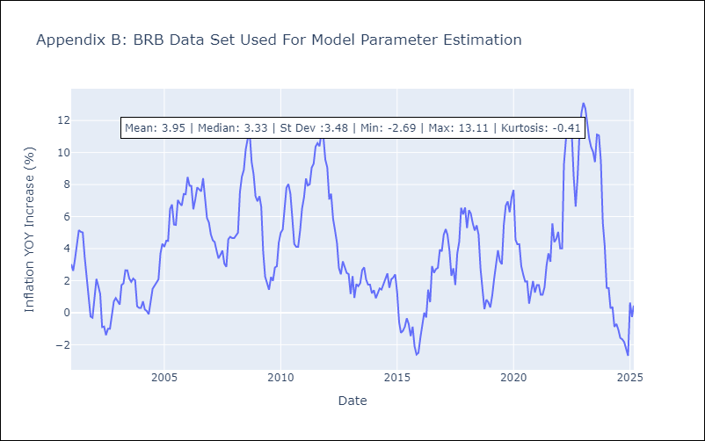

Appendix C: Residuals Analysis
Mean | -0.01

Normal? | No

DMA
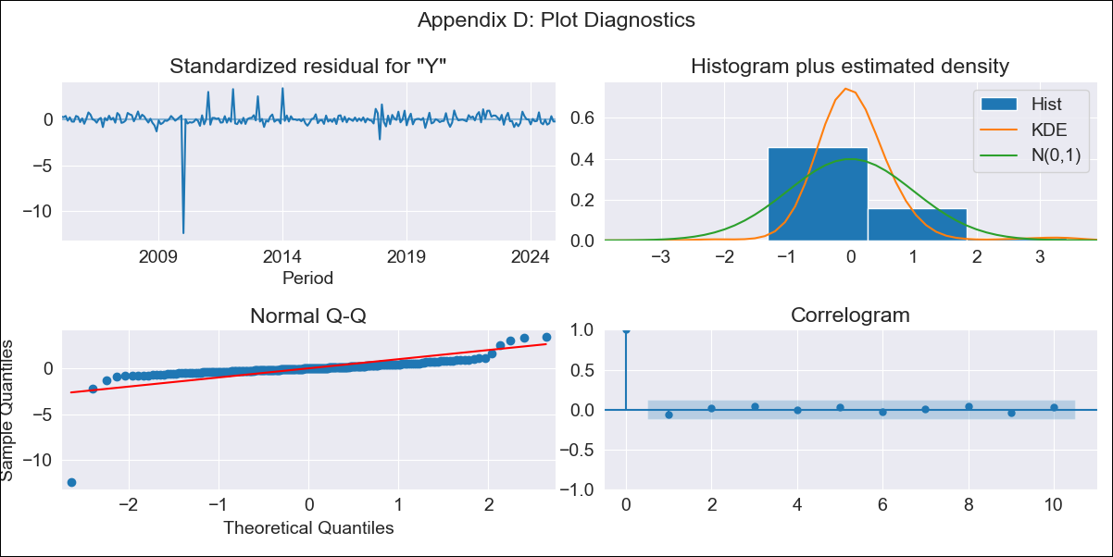
DMA - Inflation - Next 12 months forecast as of: 2025-01-01

Model | ARIMA - [(0, 1, 0), (3, 0, 0, 12)]
Training Data | 2002-01-01 to 2024-02-01
Test Data | 2024-02-01 to 2025-01-01

Date | Inflation Change YoY % | Lower Bound - 95% Confidence Interval | Upper Bound - 95% Confidence Interval
2025-02-01 | 1.38 | -1.61 | 4.37
2025-03-01 | 1.6 | -2.63 | 5.82
2025-04-01 | 1.86 | -3.32 | 7.03
2025-05-01 | 1 | -4.98 | 6.98
2025-06-01 | 1.43 | -5.26 | 8.11
2025-07-01 | 2.15 | -5.18 | 9.47
2025-08-01 | 2.06 | -5.85 | 9.97
2025-09-01 | 2.92 | -5.54 | 11.38
2025-10-01 | 3.56 | -5.41 | 12.53
2025-11-01 | 3.39 | -6.07 | 12.84
2025-12-01 | 3.5 | -6.42 | 13.42
2026-01-01 | 3.6 | -6.76 | 13.96
2026-02-01 | 3.93 | -6.46 | 14.31
2026-03-01 | 3.93 | -6.48 | 14.34
2026-04-01 | 4.11 | -6.33 | 14.54
2026-05-01 | 4.31 | -6.16 | 14.77

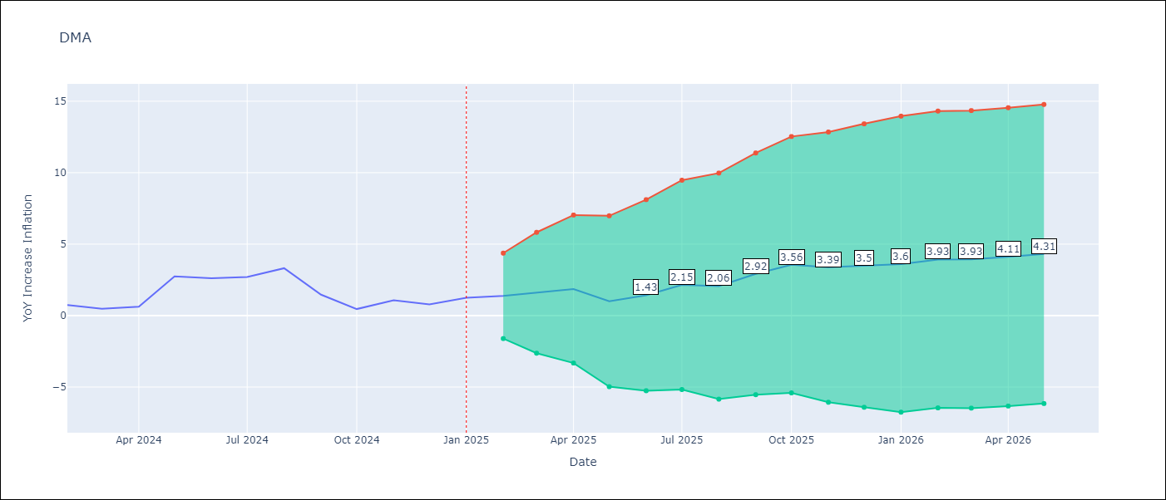

Test Metrics
RMSE | 0.59
Naive RMSE | 0.96
MAPE | 42.94%

Test Predictions
Date | Predicted | Actual
2024-02-01 | 0.62 | 0.74
2024-03-01 | 0.76 | 0.48
2024-04-01 | 0.85 | 0.63
2024-05-01 | 1.51 | 2.74
2024-06-01 | 3.14 | 2.62
2024-07-01 | 3.49 | 2.7
2024-08-01 | 3.32 | 3.31
2024-09-01 | 2.3 | 1.46
2024-10-01 | 1.08 | 0.46
2024-11-01 | 0.49 | 1.07
2024-12-01 | 1.09 | 0.78
2025-01-01 | 1.56 | 1.25

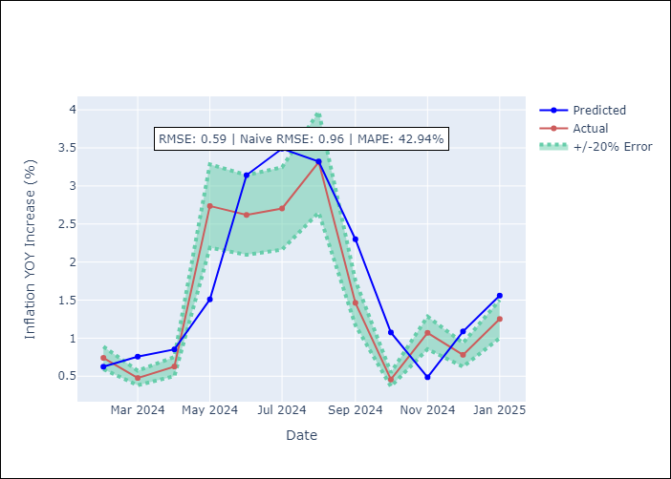

Appendix A: Model Summary
Model | ARIMA(0, 1, 0)x(3, 0, 0, 12)
Sample | 01-01-2002- 01-01-2025
No. of Observations | 277
Terms | P-value (Statistical significance)
ar.S.L12 | 0.000
ar.S.L24 | 0.000
ar.S.L36 | 0.000
sigma2 | 0.000
Assumptions | P-value

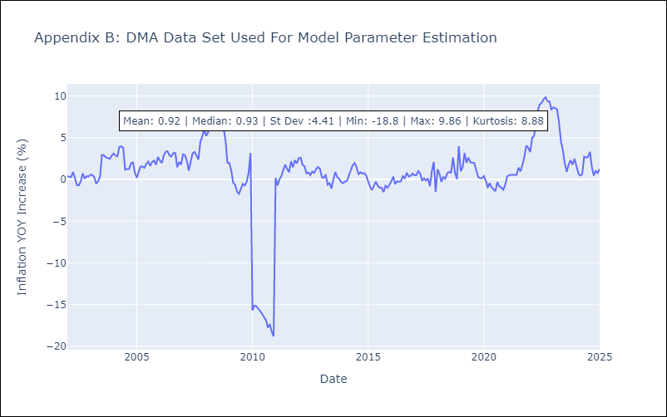

Appendix C: Residuals Analysis
Mean | 0.03

Normal? | No

GRD
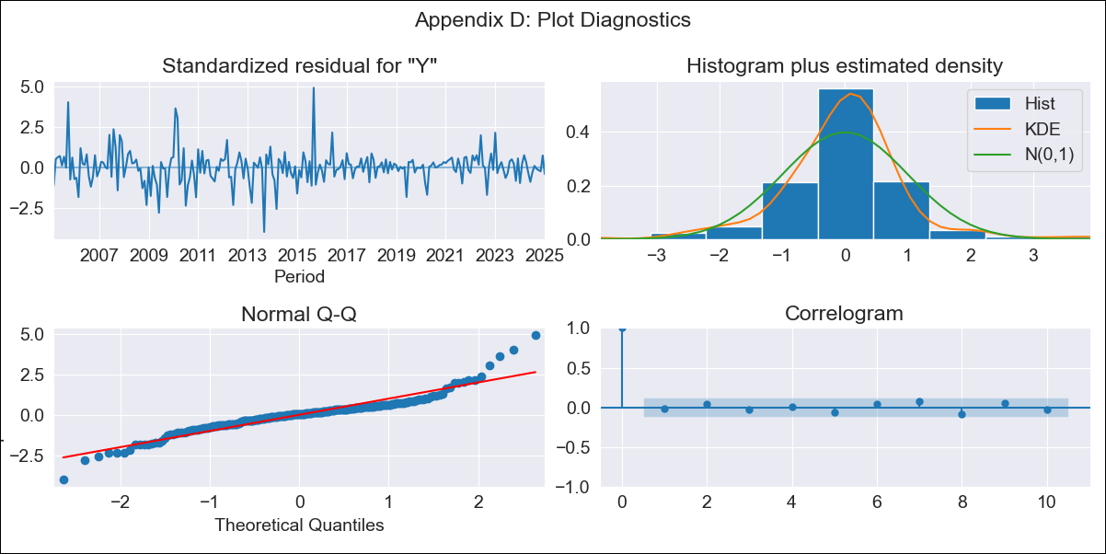
GRD - Inflation - Next 12 months forecast as of: 2025-01-01

Model | ARIMA - [(1, 1, 1), (3, 0, 0, 12)]
Training Data | 2002-01-01 to 2024-02-01
Test Data | 2024-02-01 to 2025-01-01

Date | Inflation Change YoY % | Lower Bound - 95% Confidence Interval | Upper Bound - 95% Confidence Interval
2025-02-01 | 0.95 | 0.01 | 1.88
2025-03-01 | 0.8 | -0.68 | 2.27
2025-04-01 | 0.83 | -1.12 | 2.78
2025-05-01 | 0.97 | -1.41 | 3.36
2025-06-01 | 1.5 | -1.28 | 4.28
2025-07-01 | 1.74 | -1.41 | 4.88
2025-08-01 | 1.81 | -1.67 | 5.29
2025-09-01 | 1.76 | -2.03 | 5.56
2025-10-01 | 1.82 | -2.27 | 5.91
2025-11-01 | 2.01 | -2.36 | 6.37
2025-12-01 | 1.79 | -2.84 | 6.42
2026-01-01 | 2.15 | -2.73 | 7.03
2026-02-01 | 2.13 | -2.82 | 7.09
2026-03-01 | 2.12 | -2.9 | 7.13
2026-04-01 | 2.07 | -2.98 | 7.12
2026-05-01 | 2.05 | -3.03 | 7.14

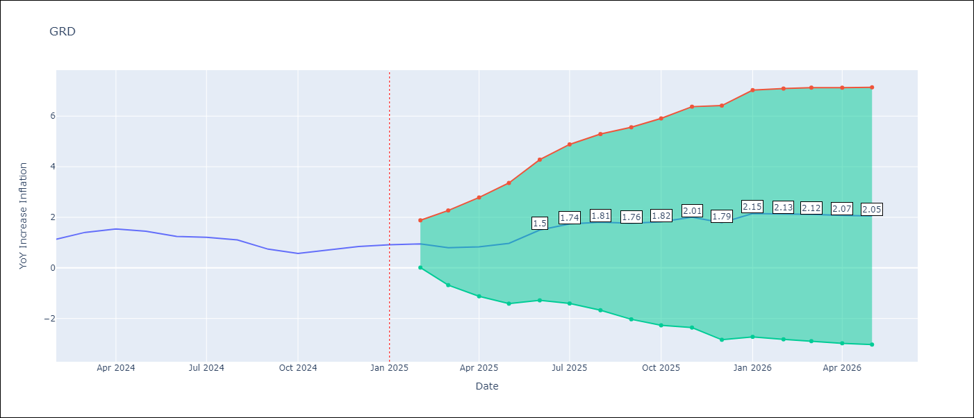

Test Metrics
RMSE | 0.22
Naive RMSE | 0.18
MAPE | 17.48%

Test Predictions
Date | Predicted | Actual
2024-02-01 | 1.04 | 1.14
2024-03-01 | 1.05 | 1.41
2024-04-01 | 1.4 | 1.54
2024-05-01 | 1.62 | 1.45
2024-06-01 | 1.69 | 1.24
2024-07-01 | 1.36 | 1.21
2024-08-01 | 1.06 | 1.11
2024-09-01 | 0.79 | 0.74
2024-10-01 | 0.66 | 0.57
2024-11-01 | 0.83 | 0.71
2024-12-01 | 0.5 | 0.85
2025-01-01 | 1.12 | 0.92

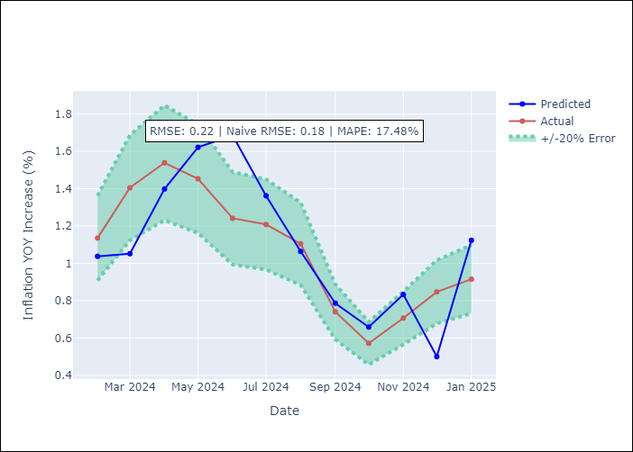

Appendix A: Model Summary
Model | ARIMA(1, 1, 1)x(3, 0, [], 12)
Sample | 01-01-2002- 01-01-2025
No. of Observations | 277
Terms | P-value (Statistical significance)
ar.L1 | 0.000
ma.L1 | 0.009
ar.S.L12 | 0.000
ar.S.L24 | 0.000
ar.S.L36 | 0.008
sigma2 | 0.000
Assumptions | P-value

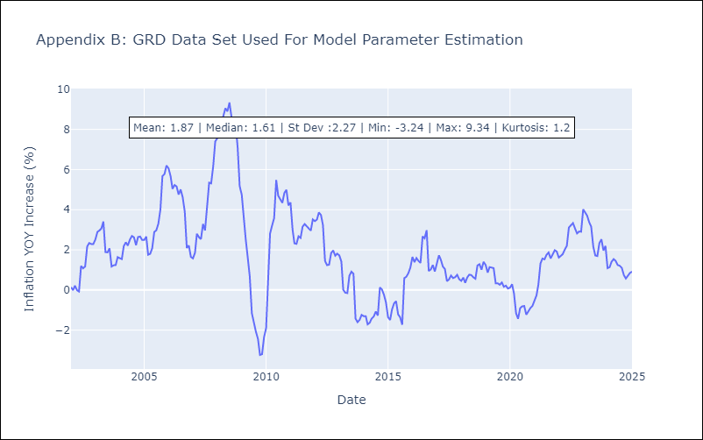

Appendix C: Residuals Analysis
Mean | 0.0

Normal? | No

GUY
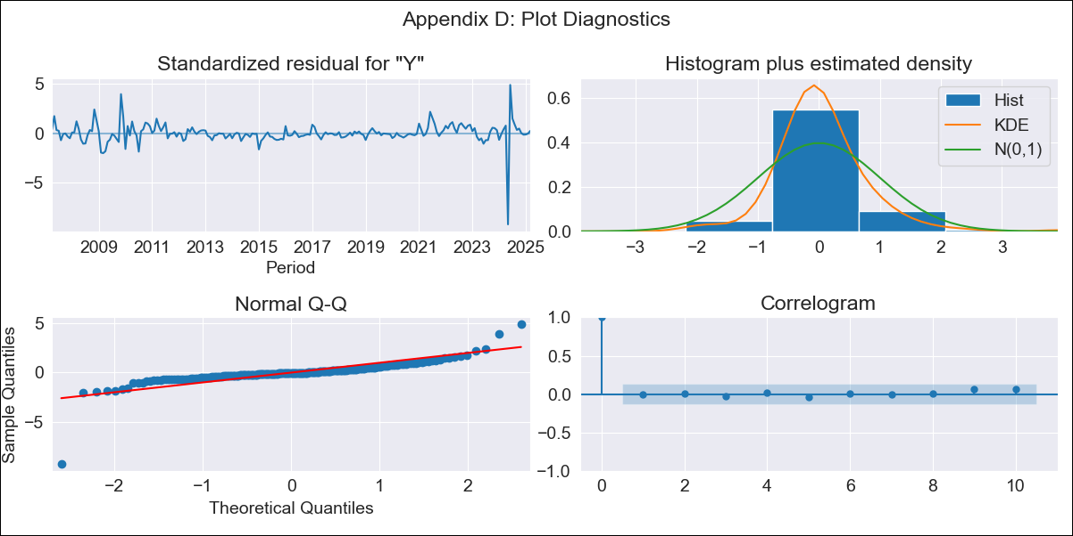
GUY - Inflation - Next 12 months forecast as of: 2025-03-01

Model | ARIMA - [(3, 0, 1), (1, 0, 0, 12)]
Training Data | 2006-01-01 to 2024-04-01
Test Data | 2024-04-01 to 2025-03-01

Date | Inflation Change YoY % | Lower Bound - 95% Confidence Interval | Upper Bound - 95% Confidence Interval
2025-04-01 | 2.38 | -0.76 | 5.53
2025-05-01 | 6.97 | 3.47 | 10.46
2025-06-01 | 2.21 | -1.53 | 5.96
2025-07-01 | 2.36 | -1.62 | 6.33
2025-08-01 | 2.35 | -1.79 | 6.49
2025-09-01 | 2.29 | -1.98 | 6.56
2025-10-01 | 2.17 | -2.2 | 6.55
2025-11-01 | 2.3 | -2.16 | 6.76
2025-12-01 | 2.37 | -2.15 | 6.89
2026-01-01 | 2.29 | -2.28 | 6.86
2026-02-01 | 2.3 | -2.31 | 6.92
2026-03-01 | 2.29 | -2.36 | 6.93
2026-04-01 | 2.46 | -2.21 | 7.13
2026-05-01 | 1.08 | -3.59 | 5.74
2026-06-01 | 2.49 | -2.18 | 7.16
2026-07-01 | 2.44 | -2.23 | 7.1

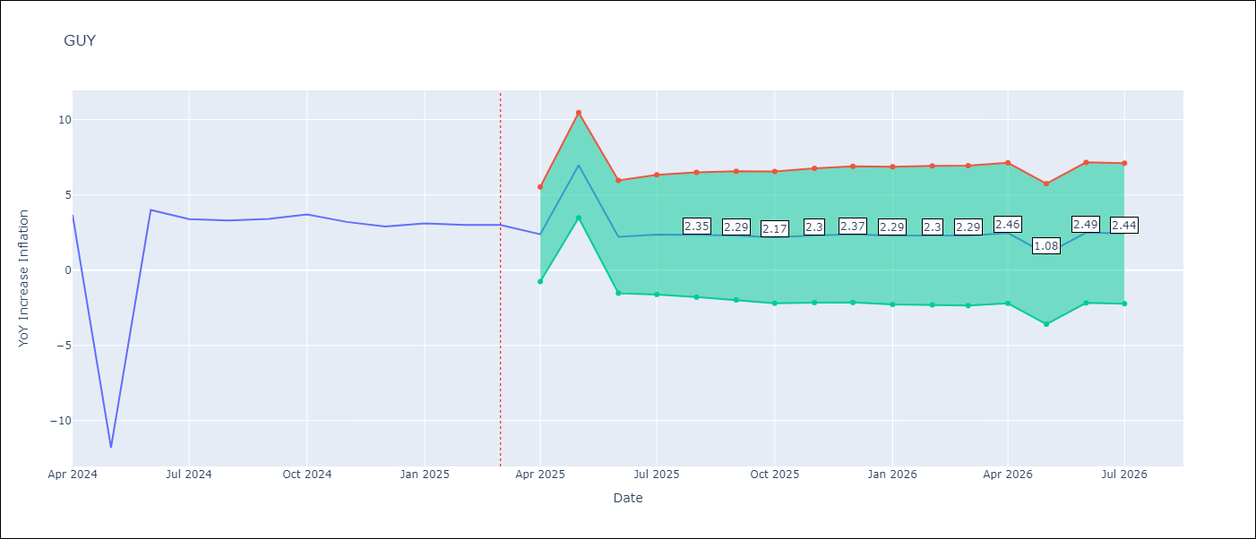

Test Metrics
RMSE | 6.26
Naive RMSE | 6.67
MAPE | 66.0%

Test Predictions
Date | Predicted | Actual
2024-04-01 | 2.77 | 3.67
2024-05-01 | 3.62 | -11.79
2024-06-01 | -10.21 | 3.99
2024-07-01 | -1.46 | 3.39
2024-08-01 | 1.07 | 3.3
2024-09-01 | 2.76 | 3.4
2024-10-01 | 2.93 | 3.7
2024-11-01 | 3.2 | 3.2
2024-12-01 | 3.14 | 2.9
2025-01-01 | 3.32 | 3.1
2025-02-01 | 3.07 | 3
2025-03-01 | 2.63 | 3

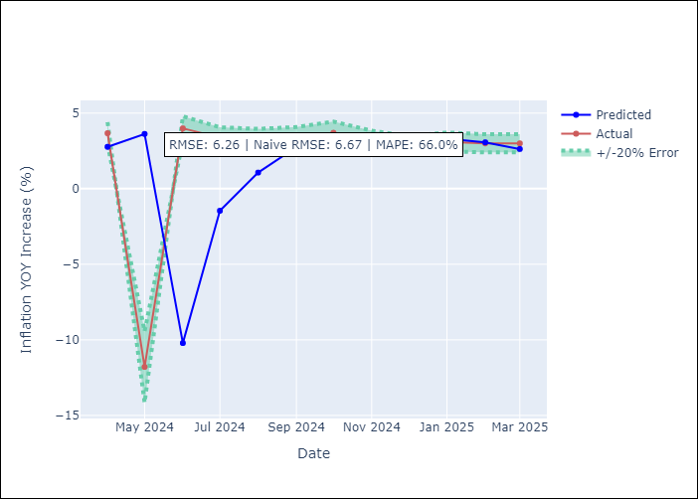

Appendix A: Model Summary
Model | ARIMA(3, 0, 1)x(1, 0, [], 12)
Sample | 01-01-2006- 03-01-2025
No. of Observations | 231
Terms | P-value (Statistical significance)
const | 0.001
ar.L1 | 0.165
ar.L2 | 0.737
ar.L3 | 0.613
ma.L1 | 0.678
ar.S.L12 | 0.000
sigma2 | 0.000
Assumptions | P-value

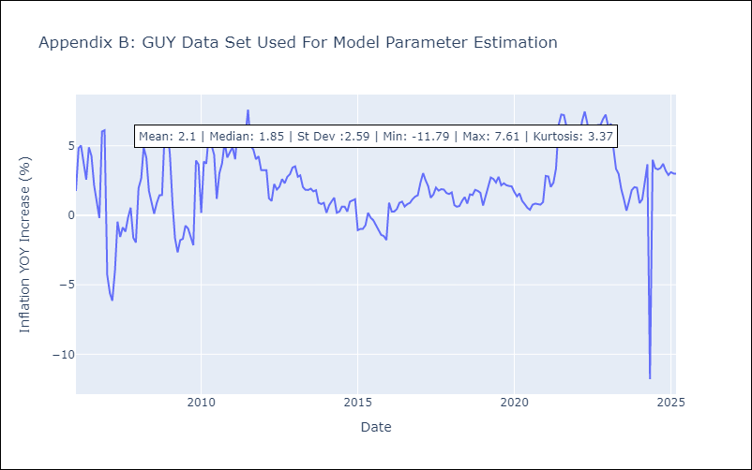

Appendix C: Residuals Analysis
Mean | -0.04

Normal? | No

JAM
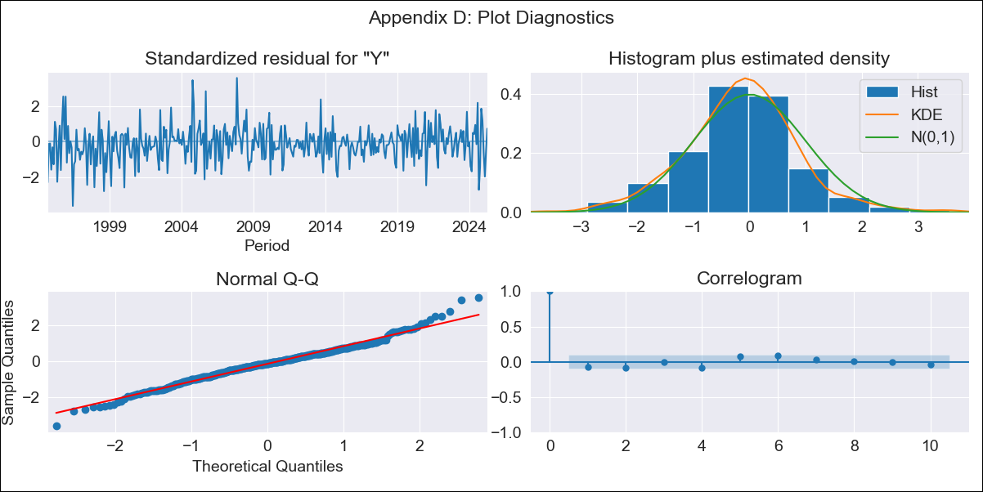
JAM - Inflation - Next 12 months forecast as of: 2025-04-01

Model | ARIMA - [(2, 1, 0), (0, 0, 2, 12)]
Training Data | 1992-07-01 to 2024-05-01
Test Data | 2024-05-01 to 2025-04-01

Date | Inflation Change YoY % | Lower Bound - 95% Confidence Interval | Upper Bound - 95% Confidence Interval
2025-05-01 | 5.27 | 3.79 | 6.76
2025-06-01 | 4.7 | 2.17 | 7.23
2025-07-01 | 4.58 | 0.91 | 8.26
2025-08-01 | 2.77 | -2.01 | 7.55
2025-09-01 | 4.02 | -1.82 | 9.87
2025-10-01 | 5.1 | -1.76 | 11.95
2025-11-01 | 4.63 | -3.19 | 12.44
2025-12-01 | 3.78 | -4.94 | 12.5
2026-01-01 | 3.79 | -5.79 | 13.37
2026-02-01 | 4.92 | -5.48 | 15.31
2026-03-01 | 5.53 | -5.63 | 16.7
2026-04-01 | 5.57 | -6.33 | 17.47
2026-05-01 | 5.8 | -6.38 | 17.99
2026-06-01 | 6.03 | -6.33 | 18.39
2026-07-01 | 6.16 | -6.29 | 18.6
2026-08-01 | 6.55 | -5.94 | 19.05

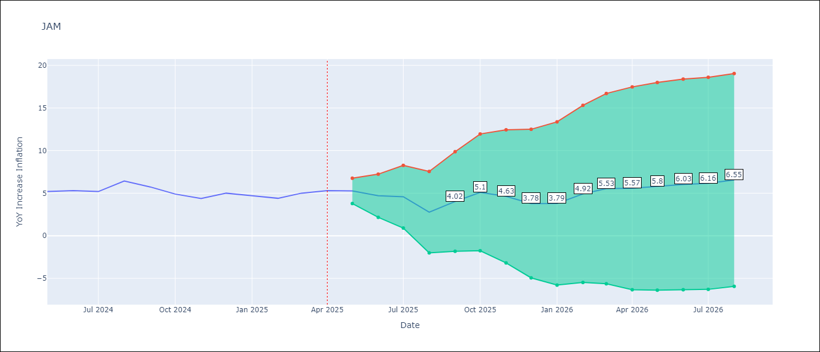

Test Metrics
RMSE | 1.12
Naive RMSE | 0.6
MAPE | 18.65%

Test Predictions
Date | Predicted | Actual
2024-05-01 | 4.83 | 5.19
2024-06-01 | 4.55 | 5.3
2024-07-01 | 5.3 | 5.19
2024-08-01 | 4.76 | 6.42
2024-09-01 | 7.82 | 5.74
2024-10-01 | 6.06 | 4.9
2024-11-01 | 2.91 | 4.38
2024-12-01 | 4.08 | 5
2025-01-01 | 5.16 | 4.7
2025-02-01 | 5.91 | 4.4
2025-03-01 | 5.4 | 5
2025-04-01 | 4.75 | 5.3

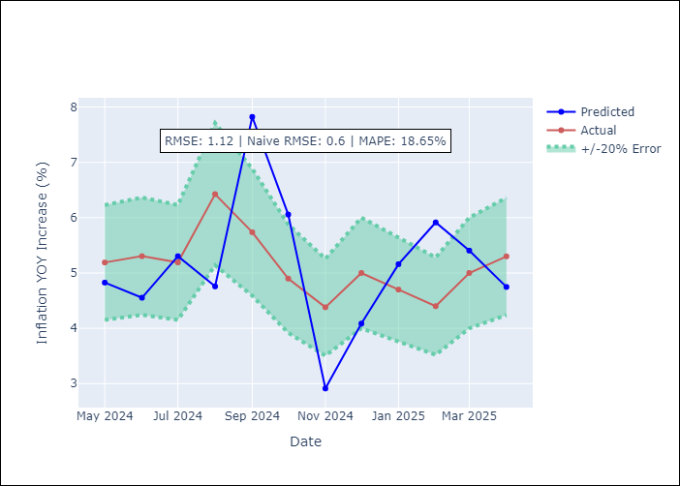

Appendix A: Model Summary
Model | ARIMA(2, 1, 0)x(0, 0, [1, 2], 12)
Sample | 07-01-1992- 04-01-2025
No. of Observations | 394
Terms | P-value (Statistical significance)
ar.L1 | 0.000
ar.L2 | 0.000
ma.S.L12 | 0.000
ma.S.L24 | 0.001
sigma2 | 0.000
Assumptions | P-value

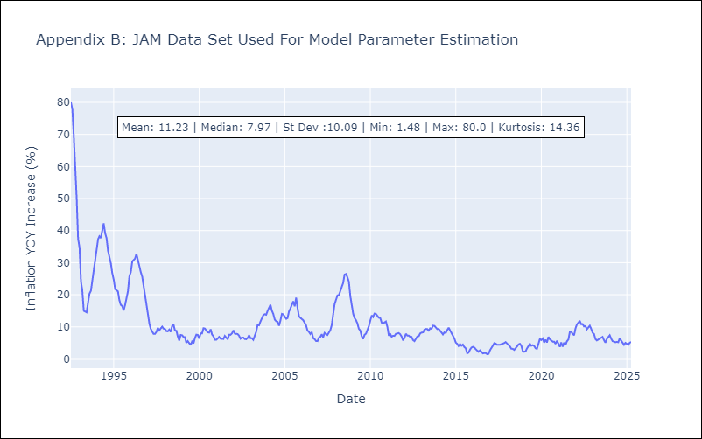

Appendix C: Residuals Analysis
Mean | -0.01

Normal? | No

KNA
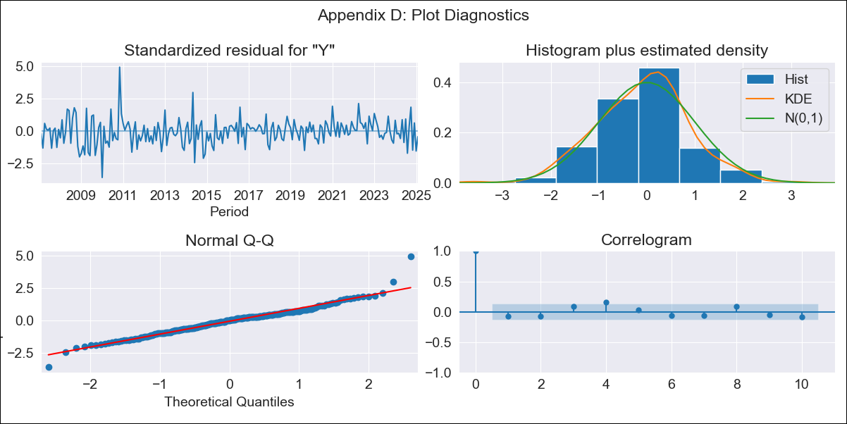
KNA - Inflation - Next 12 months forecast as of: 2025-02-01

Model | ARIMA - [(0, 1, 0), (3, 0, 0, 12)]
Training Data | 2004-01-01 to 2024-03-01
Test Data | 2024-03-01 to 2025-02-01

Date | Inflation Change YoY % | Lower Bound - 95% Confidence Interval | Upper Bound - 95% Confidence Interval
2025-03-01 | 0.55 | -0.88 | 1.99
2025-04-01 | 0.94 | -1.09 | 2.97
2025-05-01 | 0.51 | -1.97 | 2.99
2025-06-01 | 0.94 | -1.93 | 3.81
2025-07-01 | 0.5 | -2.71 | 3.71
2025-08-01 | 1.38 | -2.13 | 4.89
2025-09-01 | 1.22 | -2.58 | 5.01
2025-10-01 | 0.22 | -3.84 | 4.28
2025-11-01 | 0.95 | -3.35 | 5.25
2025-12-01 | 0.7 | -3.84 | 5.23
2026-01-01 | 1.34 | -3.41 | 6.1
2026-02-01 | 1.54 | -3.43 | 6.51
2026-03-01 | 1.57 | -3.42 | 6.56
2026-04-01 | 1.69 | -3.32 | 6.7
2026-05-01 | 1.82 | -3.21 | 6.85
2026-06-01 | 1.8 | -3.25 | 6.85

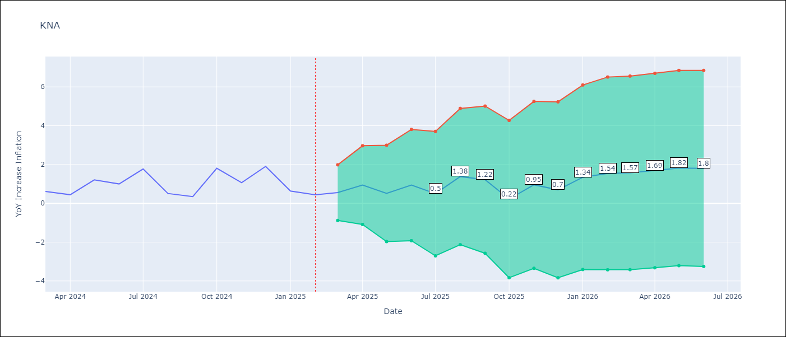

Test Metrics
RMSE | 0.81
Naive RMSE | 0.85
MAPE | 88.24%

Test Predictions
Date | Predicted | Actual
2024-03-01 | 0.74 | 0.61
2024-04-01 | 0.89 | 0.44
2024-05-01 | 0.57 | 1.21
2024-06-01 | 1.65 | 1
2024-07-01 | 1.09 | 1.77
2024-08-01 | 1.77 | 0.51
2024-09-01 | 0.08 | 0.35
2024-10-01 | 0.46 | 1.8
2024-11-01 | 2.15 | 1.06
2024-12-01 | 1.44 | 1.9
2025-01-01 | 1.78 | 0.63
2025-02-01 | 0.76 | 0.44

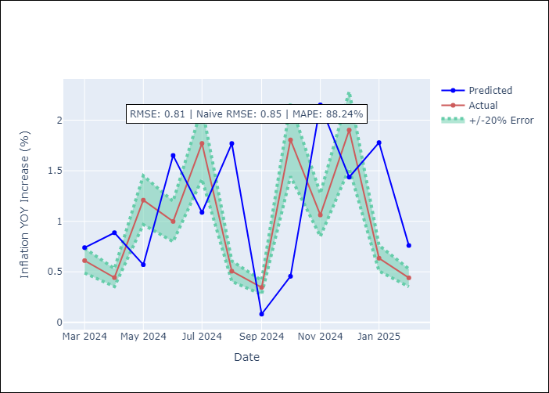

Appendix A: Model Summary
Model | ARIMA(0, 1, 0)x(3, 0, 0, 12)
Sample | 01-01-2004- 02-01-2025
No. of Observations | 254
Terms | P-value (Statistical significance)
ar.S.L12 | 0.000
ar.S.L24 | 0.000
ar.S.L36 | 0.000
sigma2 | 0.000
Assumptions | P-value

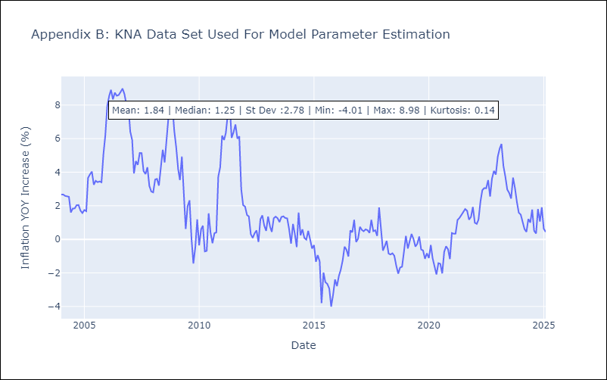

Appendix C: Residuals Analysis
Mean | 0.01

Normal? | No

LCA
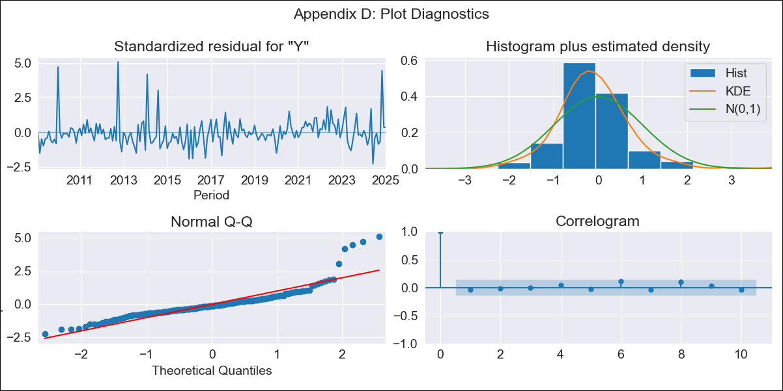
LCA - Inflation - Next 12 months forecast as of: 2025-01-01

Model | ARIMA - [(0, 1, 0), (3, 0, 1, 12)]
Training Data | 2006-01-01 to 2024-02-01
Test Data | 2024-02-01 to 2025-01-01

Date | Inflation Change YoY % | Lower Bound - 95% Confidence Interval | Upper Bound - 95% Confidence Interval
2025-02-01 | 1.95 | 0.2 | 3.71
2025-03-01 | 2.69 | 0.21 | 5.18
2025-04-01 | 3.15 | 0.11 | 6.2
2025-05-01 | 1.68 | -1.83 | 5.2
2025-06-01 | 3.57 | -0.36 | 7.5
2025-07-01 | 3.84 | -0.47 | 8.14
2025-08-01 | 3.91 | -0.74 | 8.56
2025-09-01 | 4.62 | -0.35 | 9.6
2025-10-01 | 5.38 | 0.11 | 10.66
2025-11-01 | 1.95 | -3.6 | 7.51
2025-12-01 | 1.61 | -4.22 | 7.44
2026-01-01 | 1.34 | -4.75 | 7.43
2026-02-01 | 1.29 | -4.8 | 7.38
2026-03-01 | 1.29 | -4.8 | 7.38
2026-04-01 | 1.39 | -4.7 | 7.49
2026-05-01 | 1.95 | -4.15 | 8.05

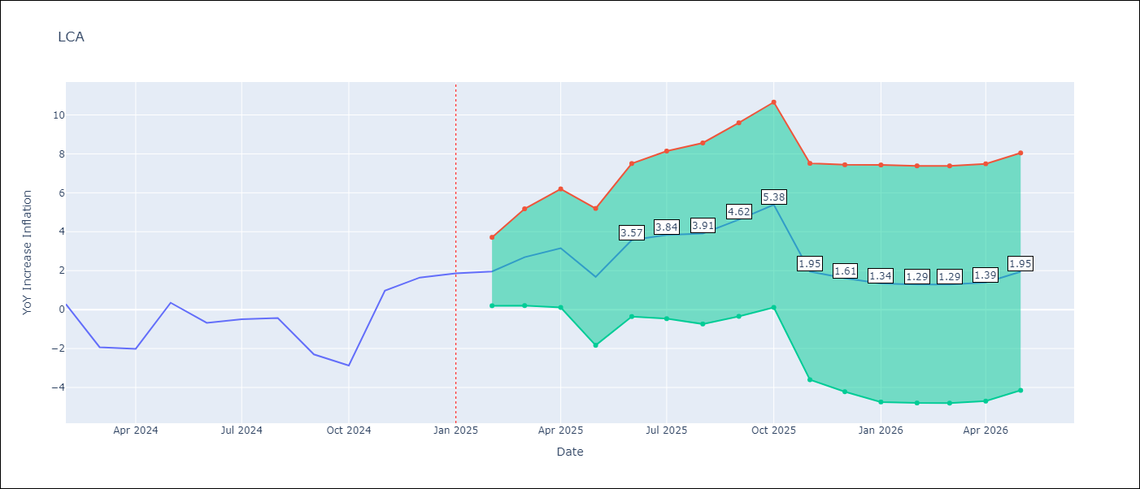

Test Metrics
RMSE | 1.45
Naive RMSE | 1.67
MAPE | 123.13%

Test Predictions
Date | Predicted | Actual
2024-02-01 | 0.48 | 0.28
2024-03-01 | -1.17 | -1.94
2024-04-01 | -1.62 | -2.02
2024-05-01 | -1.27 | 0.35
2024-06-01 | 1.39 | -0.68
2024-07-01 | -0.15 | -0.5
2024-08-01 | -0.41 | -0.43
2024-09-01 | -1.55 | -2.3
2024-10-01 | -2.29 | -2.87
2024-11-01 | -3.08 | 0.97
2024-12-01 | 1.32 | 1.65
2025-01-01 | 1.55 | 1.86

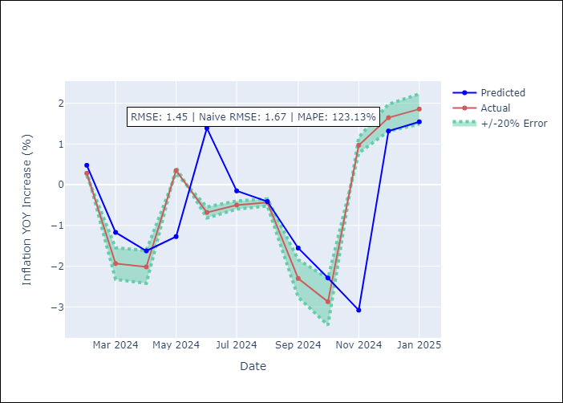

Appendix A: Model Summary
Model | ARIMA(0, 1, 0)x(3, 0, [1], 12)
Sample | 01-01-2006- 01-01-2025
No. of Observations | 229
Terms | P-value (Statistical significance)
ar.S.L12 | 0.066
ar.S.L24 | 0.169
ar.S.L36 | 0.001
ma.S.L12 | 0.000
sigma2 | 0.000
Assumptions | P-value

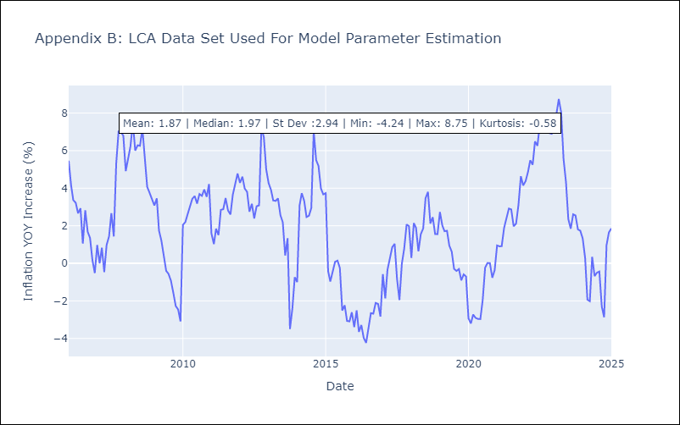

Appendix C: Residuals Analysis
Mean | -0.0

Normal? | No

SUR
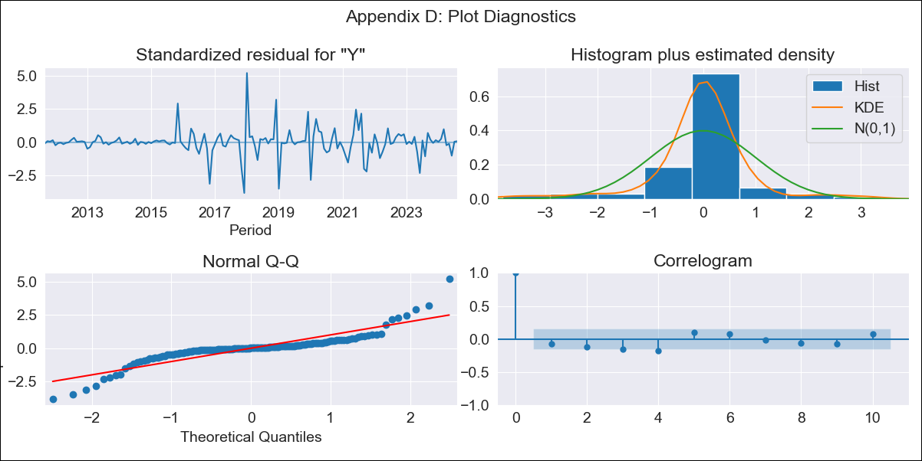
SUR - Inflation - Next 12 months forecast as of: 2024-08-01

Model | ARIMA - [(3, 2, 0), (1, 0, 0, 12)]
Training Data | 2010-04-01 to 2023-09-01
Test Data | 2023-09-01 to 2024-08-01

Date | Inflation Change YoY % | Lower Bound - 95% Confidence Interval | Upper Bound - 95% Confidence Interval
2024-09-01 | 8.59 | -2.58 | 19.76
2024-10-01 | 7.98 | -9.87 | 25.83
2024-11-01 | 6.57 | -18.15 | 31.29
2024-12-01 | 5.77 | -26.82 | 38.36
2025-01-01 | 3.68 | -38.53 | 45.89
2025-02-01 | 1.55 | -50.64 | 53.73
2025-03-01 | -2.79 | -65.52 | 59.94
2025-04-01 | -3.73 | -77.72 | 70.26
2025-05-01 | -6.42 | -92.4 | 79.55
2025-06-01 | -9.04 | -107.51 | 89.43
2025-07-01 | -11.24 | -122.75 | 100.27
2025-08-01 | -14.11 | -139.21 | 110.99
2025-09-01 | -16.66 | -153.64 | 120.32
2025-10-01 | -20.12 | -169.2 | 128.96
2025-11-01 | -23.19 | -184.53 | 138.14
2025-12-01 | -26.56 | -200.15 | 147.03

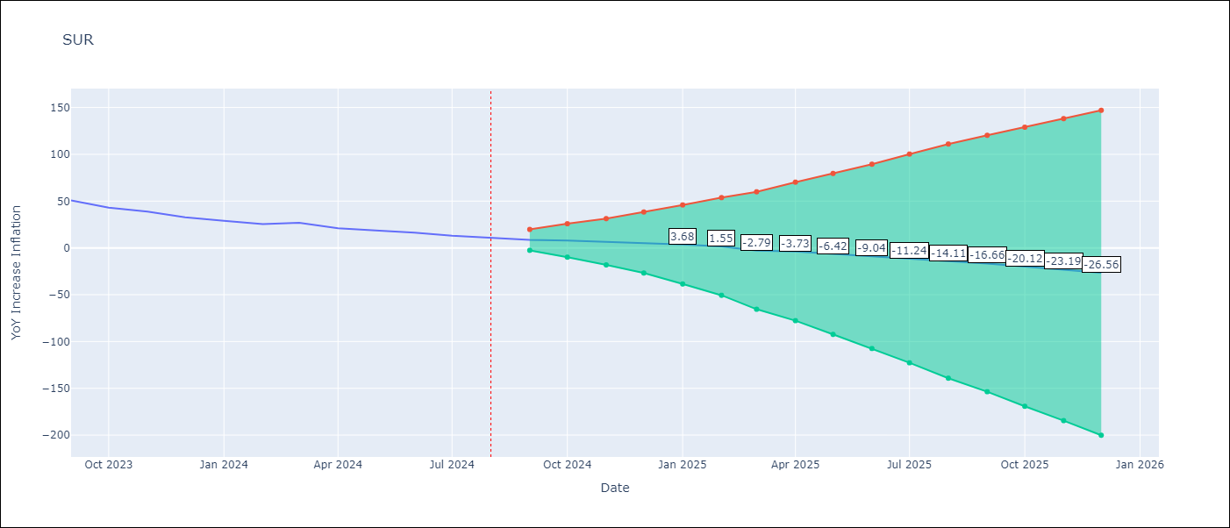

Test Metrics
RMSE | 2.35
Naive RMSE | 4.32
MAPE | 7.1%

Test Predictions
Date | Predicted | Actual
2023-09-01 | 47.75 | 50.79
2023-10-01 | 44.42 | 42.92
2023-11-01 | 39.39 | 38.74
2023-12-01 | 33.07 | 32.63
2024-01-01 | 28.14 | 28.98
2024-02-01 | 23.79 | 25.4
2024-03-01 | 21.06 | 26.83
2024-04-01 | 22.61 | 20.9
2024-05-01 | 18.76 | 18.62
2024-06-01 | 19.94 | 16.21
2024-07-01 | 13.24 | 12.99
2024-08-01 | 10.23 | 11.13

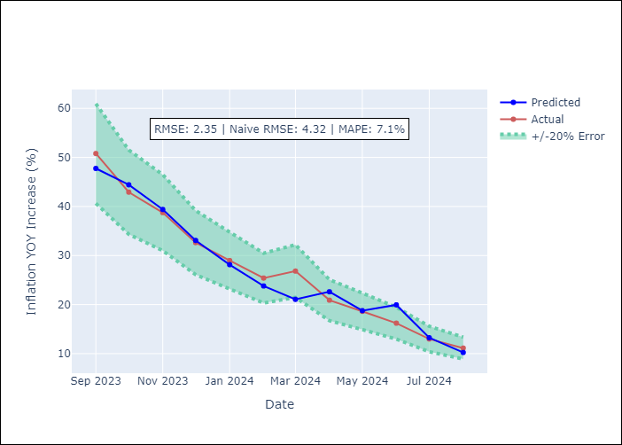

Appendix A: Model Summary
Model | ARIMA(3, 2, 0)x(1, 0, 0, 12)
Sample | 04-01-2010- 08-01-2024
No. of Observations | 173
Terms | P-value (Statistical significance)
ar.L1 | 0.000
ar.L2 | 0.000
ar.L3 | 0.003
ar.S.L12 | 0.000
sigma2 | 0.000
Assumptions | P-value

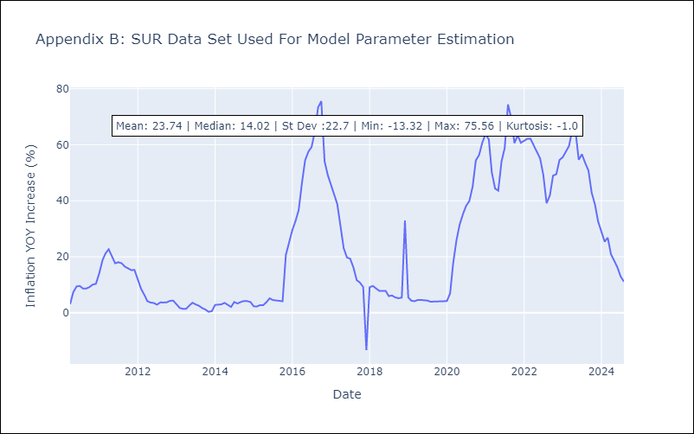

Appendix C: Residuals Analysis
Mean | -0.07

Normal? | No

TTO
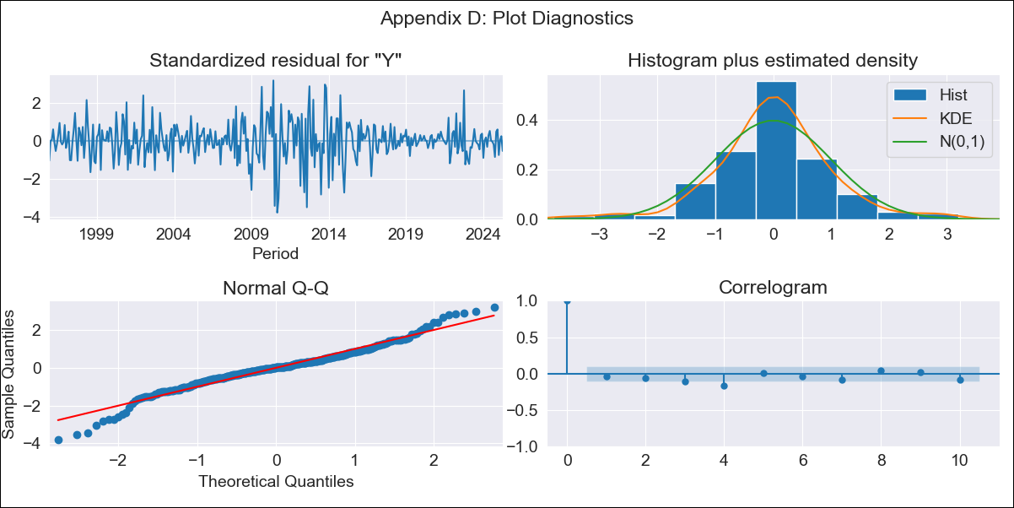
TTO - Inflation - Next 12 months forecast as of: 2025-04-01

Model | ARIMA - [(3, 2, 0), (3, 0, 0, 12)]
Training Data | 1992-07-01 to 2024-05-01
Test Data | 2024-05-01 to 2025-04-01

Date | Inflation Change YoY % | Lower Bound - 95% Confidence Interval | Upper Bound - 95% Confidence Interval
2025-05-01 | -0.26 | -1.77 | 1.26
2025-06-01 | -0.65 | -3.1 | 1.81
2025-07-01 | -0.63 | -4.14 | 2.87
2025-08-01 | -0.86 | -5.54 | 3.81
2025-09-01 | -1.09 | -7.14 | 4.96
2025-10-01 | -0.23 | -7.73 | 7.28
2025-11-01 | -0.68 | -9.73 | 8.38
2025-12-01 | -1.12 | -11.82 | 9.58
2026-01-01 | -0.96 | -13.41 | 11.49
2026-02-01 | -1.17 | -15.44 | 13.11
2026-03-01 | -1.58 | -17.76 | 14.61
2026-04-01 | -1.56 | -19.74 | 16.61
2026-05-01 | -1.72 | -21.43 | 17.99
2026-06-01 | -1.82 | -23.07 | 19.42
2026-07-01 | -1.94 | -24.66 | 20.79
2026-08-01 | -2.02 | -26.18 | 22.14

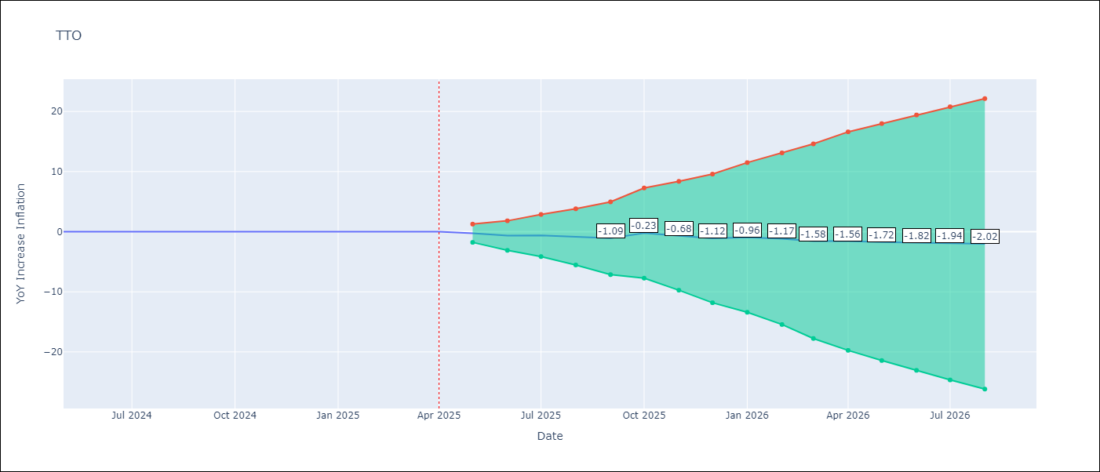

Test Metrics
RMSE | 0.37
Naive RMSE | 0.0
MAPE | 6431.01%

Test Predictions
Date | Predicted | Actual
2024-05-01 | -0.22 | 0.01
2024-06-01 | -0.41 | 0.01
2024-07-01 | 0 | 0
2024-08-01 | 0.03 | 0
2024-09-01 | 0.15 | 0
2024-10-01 | 0.68 | 0
2024-11-01 | -0.38 | 0
2024-12-01 | -0.47 | 0
2025-01-01 | 0.6 | 0.01
2025-02-01 | -0.02 | 0.01
2025-03-01 | -0.18 | 0.01
2025-04-01 | 0.43 | 0.02

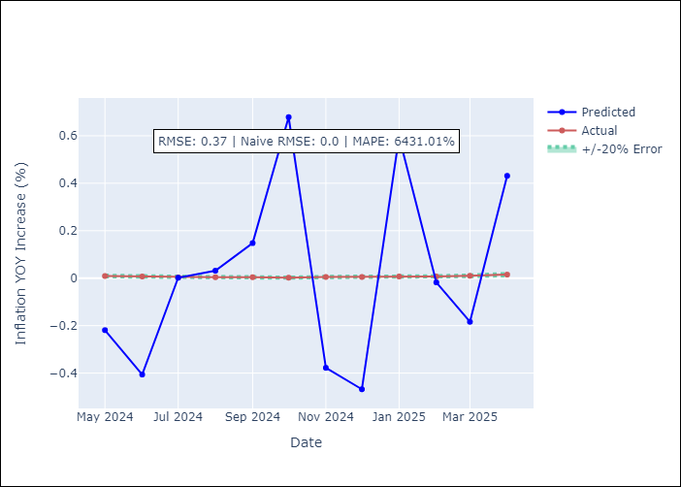

Appendix A: Model Summary
Model | ARIMA(3, 2, 0)x(3, 0, 0, 12)
Sample | 07-01-1992- 04-01-2025
No. of Observations | 394
Terms | P-value (Statistical significance)
ar.L1 | 0.000
ar.L2 | 0.000
ar.L3 | 0.000
ar.S.L12 | 0.000
ar.S.L24 | 0.000
ar.S.L36 | 0.000
sigma2 | 0.000
Assumptions | P-value

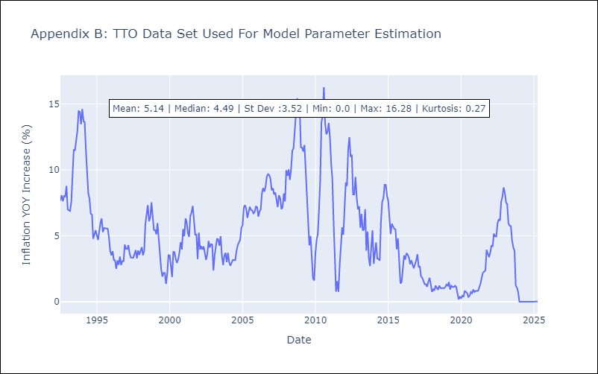

Appendix C: Residuals Analysis
Mean | -0.01

Normal? | No

VCT
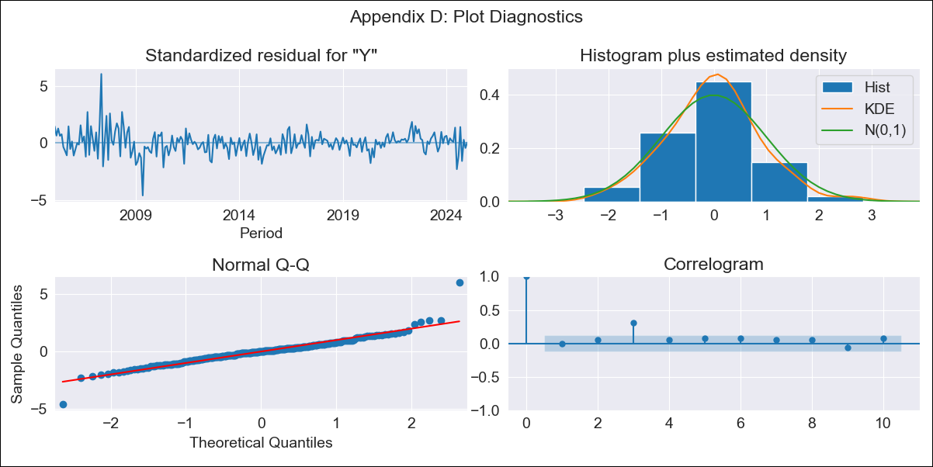
VCT - Inflation - Next 12 months forecast as of: 2025-01-01

Model | ARIMA - [(1, 0, 0), (3, 0, 0, 12)]
Training Data | 2002-01-01 to 2024-02-01
Test Data | 2024-02-01 to 2025-01-01

Date | Inflation Change YoY % | Lower Bound - 95% Confidence Interval | Upper Bound - 95% Confidence Interval
2025-02-01 | 1.97 | 0.65 | 3.28
2025-03-01 | 1.94 | 0.09 | 3.79
2025-04-01 | 1.96 | -0.3 | 4.21
2025-05-01 | 2.09 | -0.5 | 4.67
2025-06-01 | 1.62 | -1.26 | 4.49
2025-07-01 | 2.67 | -0.46 | 5.8
2025-08-01 | 3.16 | -0.19 | 6.52
2025-09-01 | 2.7 | -0.87 | 6.27
2025-10-01 | 3.3 | -0.46 | 7.06
2025-11-01 | 3.24 | -0.7 | 7.19
2025-12-01 | 3.4 | -0.71 | 7.51
2026-01-01 | 3.37 | -0.9 | 7.64
2026-02-01 | 3.35 | -0.94 | 7.64
2026-03-01 | 3.32 | -0.98 | 7.63
2026-04-01 | 3.43 | -0.89 | 7.75
2026-05-01 | 3.59 | -0.74 | 7.93

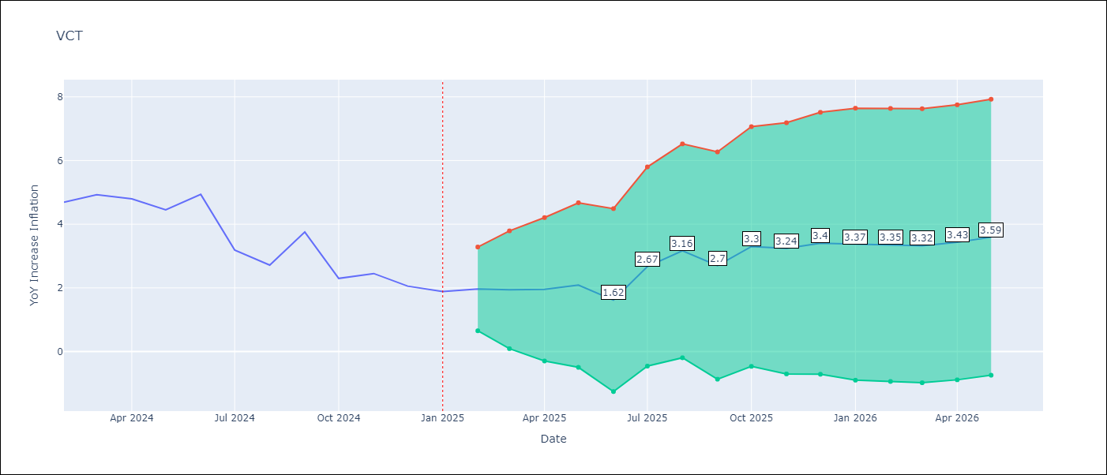

Test Metrics
RMSE | 0.71
Naive RMSE | 0.8
MAPE | 16.77%

Test Predictions
Date | Predicted | Actual
2024-02-01 | 4.8 | 4.69
2024-03-01 | 4.67 | 4.93
2024-04-01 | 4.68 | 4.8
2024-05-01 | 4.42 | 4.45
2024-06-01 | 4.05 | 4.94
2024-07-01 | 4.77 | 3.19
2024-08-01 | 3.48 | 2.72
2024-09-01 | 2.81 | 3.75
2024-10-01 | 3.37 | 2.3
2024-11-01 | 2.26 | 2.45
2024-12-01 | 2.35 | 2.06
2025-01-01 | 1.86 | 1.89



Appendix A: Model Summary
Model | ARIMA(1, 0, 0)x(3, 0, 0, 12)
Sample | 01-01-2002- 01-01-2025
No. of Observations | 277
Terms | P-value (Statistical significance)
const | 0.089
ar.L1 | 0.000
ar.S.L12 | 0.000
ar.S.L24 | 0.000
ar.S.L36 | 0.000
sigma2 | 0.000
Assumptions | P-value



Appendix C: Residuals Analysis
Mean | -0.01

Normal? | No

