CAR13
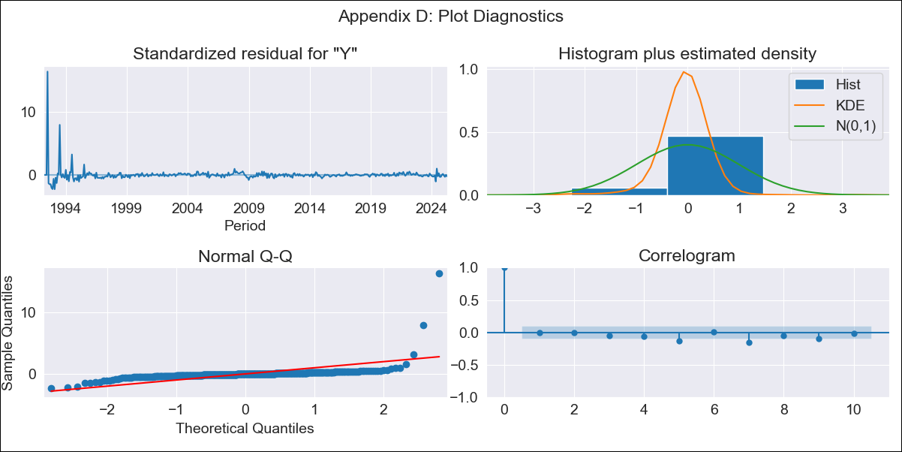
CAR13 - Inflation - Next 12 months forecast as of: 2025-04-01

Model | ARIMA - [(2, 1, 0), (0, 0, 1, 12)]
Training Data | 1991-01-01 to 2024-05-01
Test Data | 2024-05-01 to 2025-04-01

Date | Inflation Change YoY % | Lower Bound - 95% Confidence Interval | Upper Bound - 95% Confidence Interval
2025-05-01 | 3.2 | -0.59 | 6.99
2025-06-01 | 2.26 | -3.25 | 7.78
2025-07-01 | 2.41 | -4.39 | 9.21
2025-08-01 | 2.16 | -5.7 | 10.03
2025-09-01 | 2.46 | -6.35 | 11.27
2025-10-01 | 2.78 | -6.88 | 12.45
2025-11-01 | 2.78 | -7.66 | 13.23
2025-12-01 | 2.62 | -8.55 | 13.8
2026-01-01 | 2.71 | -9.15 | 14.57
2026-02-01 | 3.02 | -9.48 | 15.52
2026-03-01 | 3.04 | -10.07 | 16.16
2026-04-01 | 3.27 | -10.43 | 16.97
2026-05-01 | 3.29 | -10.56 | 17.13
2026-06-01 | 3.28 | -10.69 | 17.26
2026-07-01 | 3.28 | -10.82 | 17.39
2026-08-01 | 3.28 | -10.95 | 17.52

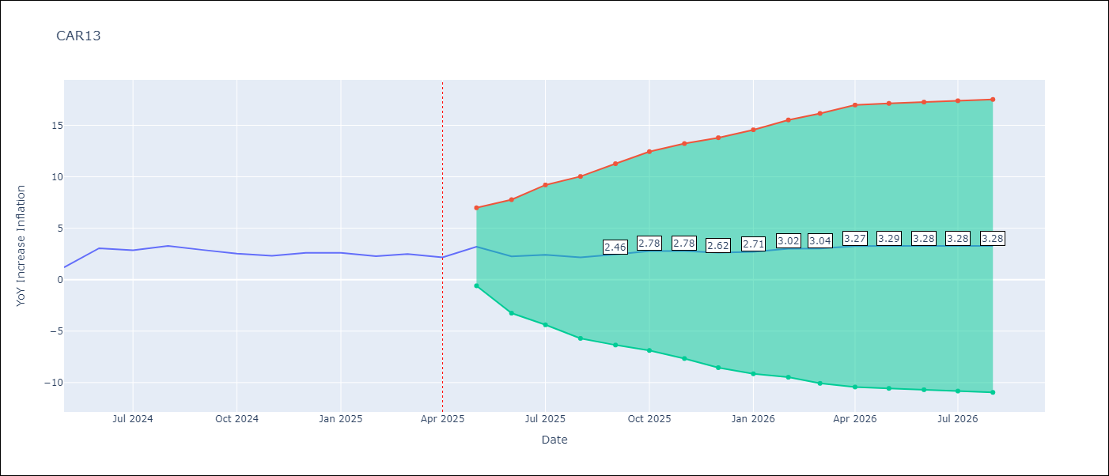

Test Metrics
RMSE | 0.9
Naive RMSE | 0.63
MAPE | 31.18%

Test Predictions
Date | Predicted | Actual
2024-05-01 | 3.22 | 1.19
2024-06-01 | 1.12 | 3.06
2024-07-01 | 3.27 | 2.85
2024-08-01 | 2.77 | 3.29
2024-09-01 | 3.49 | 2.89
2024-10-01 | 3.11 | 2.53
2024-11-01 | 2.29 | 2.32
2024-12-01 | 2.32 | 2.62
2025-01-01 | 2.8 | 2.61
2025-02-01 | 2.88 | 2.29
2025-03-01 | 2.51 | 2.5
2025-04-01 | 2.62 | 2.17

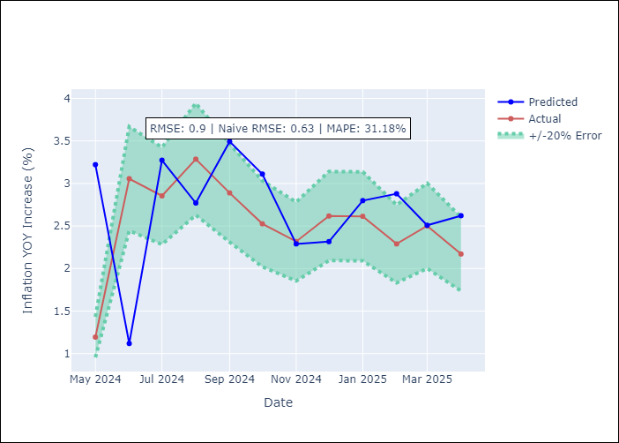

Appendix A: Model Summary
Model | ARIMA(2, 1, 0)x(0, 0, [1], 12)
Sample | 01-01-1991- 04-01-2025
No. of Observations | 412
Terms | P-value (Statistical significance)
ar.L1 | 0.188
ar.L2 | 0.734
ma.S.L12 | 0.000
sigma2 | 0.000
Assumptions | P-value

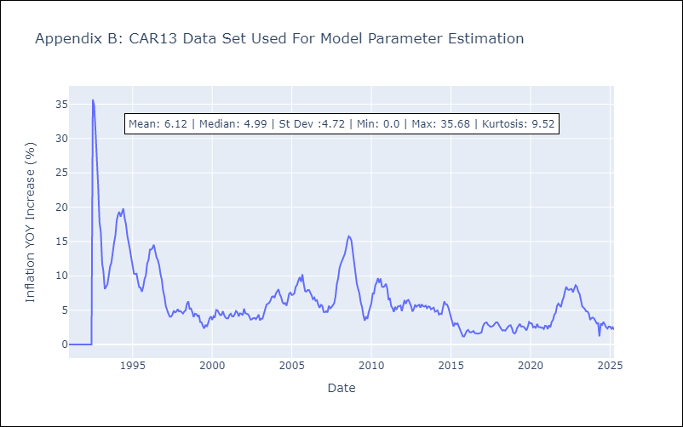

Appendix C: Residuals Analysis
Mean | 0.01

Normal? | No

CEN09
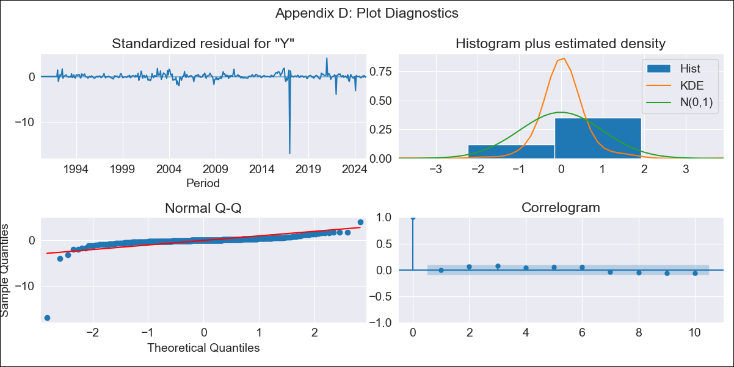
CEN09 - Inflation - Next 12 months forecast as of: 2025-04-01

Model | ARIMA - [(1, 1, 0), (0, 0, 0, 12)]
Training Data | 1990-01-01 to 2024-05-01
Test Data | 2024-05-01 to 2025-04-01

Date | Inflation Change YoY % | Lower Bound - 95% Confidence Interval | Upper Bound - 95% Confidence Interval
2025-05-01 | 1.79 | -0.92 | 4.5
2025-06-01 | 1.79 | -2.15 | 5.73
2025-07-01 | 1.79 | -3.08 | 6.66
2025-08-01 | 1.79 | -3.86 | 7.44
2025-09-01 | 1.79 | -4.54 | 8.13
2025-10-01 | 1.79 | -5.16 | 8.74
2025-11-01 | 1.79 | -5.73 | 9.31
2025-12-01 | 1.79 | -6.26 | 9.84
2026-01-01 | 1.79 | -6.75 | 10.33
2026-02-01 | 1.79 | -7.22 | 10.8
2026-03-01 | 1.79 | -7.66 | 11.25
2026-04-01 | 1.79 | -8.09 | 11.67
2026-05-01 | 1.79 | -8.5 | 12.08
2026-06-01 | 1.79 | -8.89 | 12.47
2026-07-01 | 1.79 | -9.27 | 12.85
2026-08-01 | 1.79 | -9.63 | 13.21

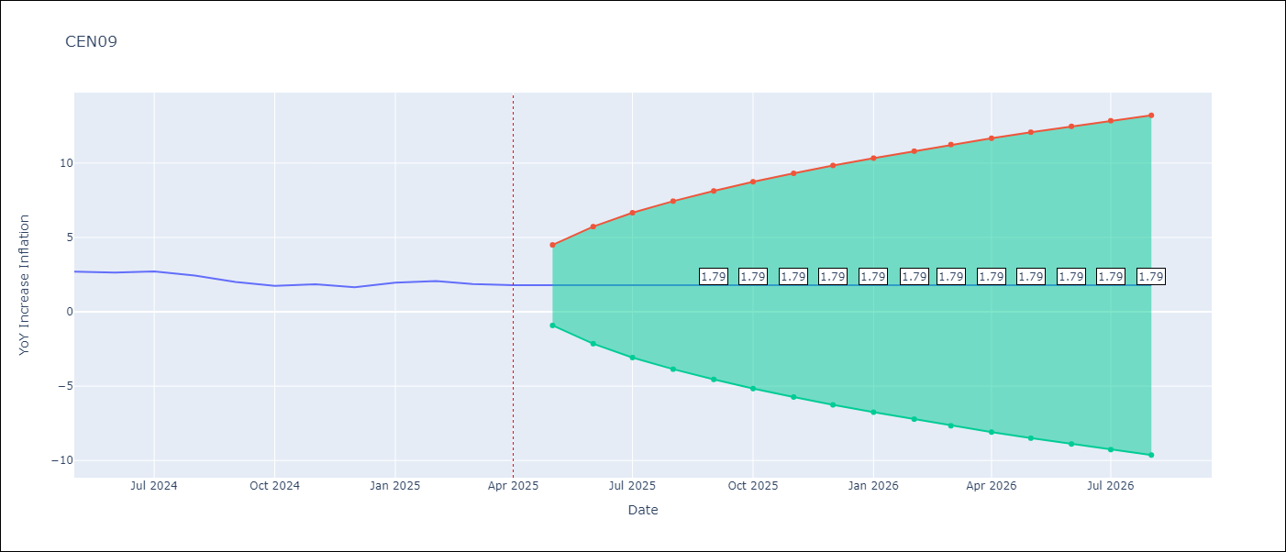

Test Metrics
RMSE | 0.21
Naive RMSE | 0.22
MAPE | 9.04%

Test Predictions
Date | Predicted | Actual
2024-05-01 | 2.64 | 2.71
2024-06-01 | 2.71 | 2.65
2024-07-01 | 2.64 | 2.72
2024-08-01 | 2.73 | 2.44
2024-09-01 | 2.42 | 2.01
2024-10-01 | 1.99 | 1.75
2024-11-01 | 1.74 | 1.85
2024-12-01 | 1.86 | 1.65
2025-01-01 | 1.64 | 1.96
2025-02-01 | 1.97 | 2.07
2025-03-01 | 2.08 | 1.87
2025-04-01 | 1.86 | 1.8

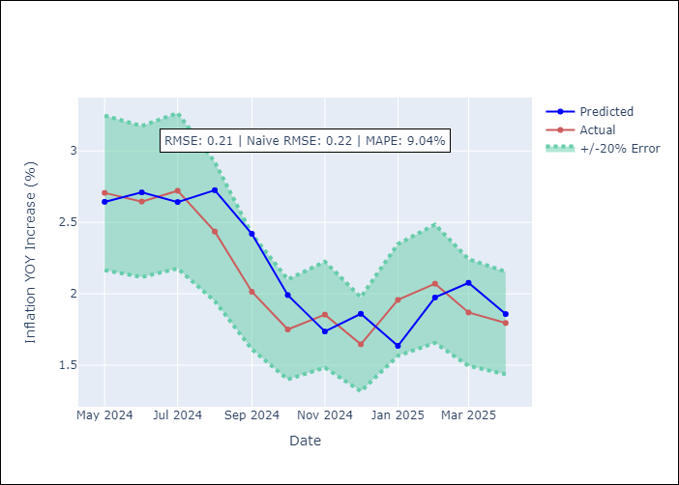

Appendix A: Model Summary
Model | ARIMA(1, 1, 0)
Sample | 01-01-1990- 04-01-2025
No. of Observations | 424
Terms | P-value (Statistical significance)
ar.L1 | 0.217
sigma2 | 0.000
Assumptions | P-value

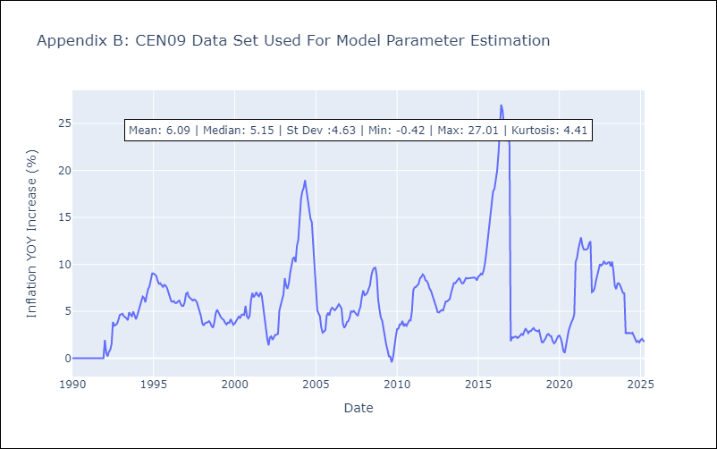

Appendix C: Residuals Analysis
Mean | 0.0

Normal? | No

CEN10
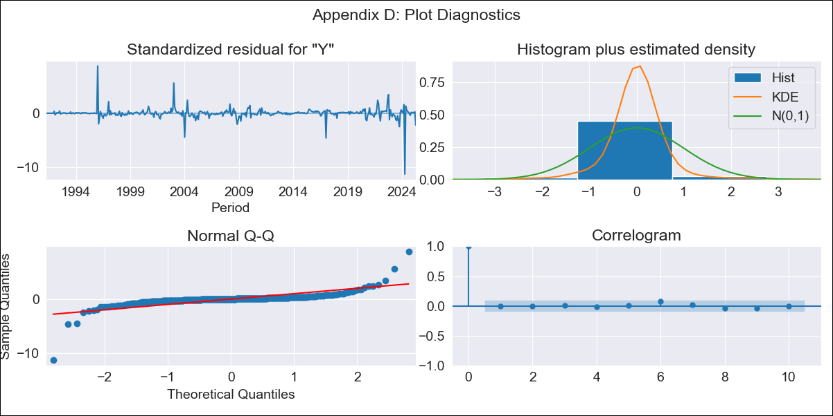
CEN10 - Inflation - Next 12 months forecast as of: 2025-04-01

Model | ARIMA - [(1, 1, 1), (0, 0, 1, 12)]
Training Data | 1990-01-01 to 2024-05-01
Test Data | 2024-05-01 to 2025-04-01

Date | Inflation Change YoY % | Lower Bound - 95% Confidence Interval | Upper Bound - 95% Confidence Interval
2025-05-01 | 0.14 | -3.12 | 3.41
2025-06-01 | -0.13 | -5.07 | 4.81
2025-07-01 | -0.31 | -6.69 | 6.06
2025-08-01 | -0.45 | -8.13 | 7.23
2025-09-01 | -0.48 | -9.37 | 8.41
2025-10-01 | -0.4 | -10.42 | 9.62
2025-11-01 | -0.47 | -11.54 | 10.61
2025-12-01 | -0.53 | -12.61 | 11.54
2026-01-01 | -0.6 | -13.62 | 12.42
2026-02-01 | -0.65 | -14.57 | 13.27
2026-03-01 | -0.76 | -15.54 | 14.02
2026-04-01 | -0.07 | -15.67 | 15.53
2026-05-01 | 0.01 | -16.19 | 16.2
2026-06-01 | 0.06 | -16.7 | 16.82
2026-07-01 | 0.1 | -17.19 | 17.4
2026-08-01 | 0.14 | -17.66 | 17.93

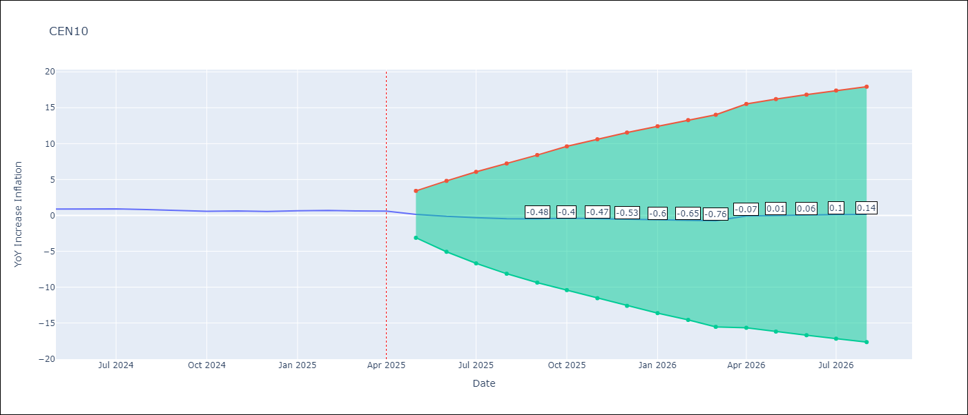

Test Metrics
RMSE | 1.83
Naive RMSE | 0.07
MAPE | 156.59%

Test Predictions
Date | Predicted | Actual
2024-05-01 | -1.79 | 0.89
2024-06-01 | -0.05 | 0.87
2024-07-01 | 0.62 | 0.9
2024-08-01 | 0.55 | 0.8
2024-09-01 | 0.96 | 0.66
2024-10-01 | 1.45 | 0.58
2024-11-01 | 0.35 | 0.61
2024-12-01 | 0.18 | 0.54
2025-01-01 | 0.4 | 0.64
2025-02-01 | 0.57 | 0.68
2025-03-01 | -0.12 | 0.62
2025-04-01 | 6.1 | 0.59

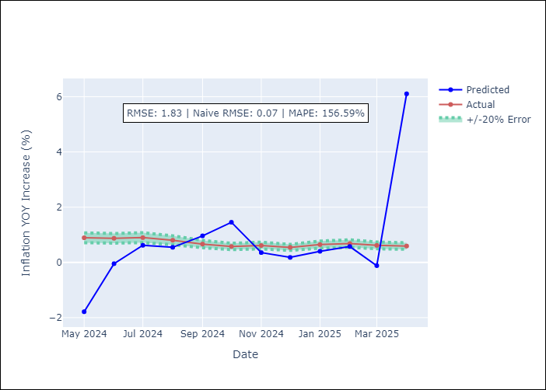

Appendix A: Model Summary
Model | ARIMA(1, 1, 1)x(0, 0, 1, 12)
Sample | 01-01-1990- 04-01-2025
No. of Observations | 424
Terms | P-value (Statistical significance)
ar.L1 | 0.000
ma.L1 | 0.000
ma.S.L12 | 0.000
sigma2 | 0.000
Assumptions | P-value

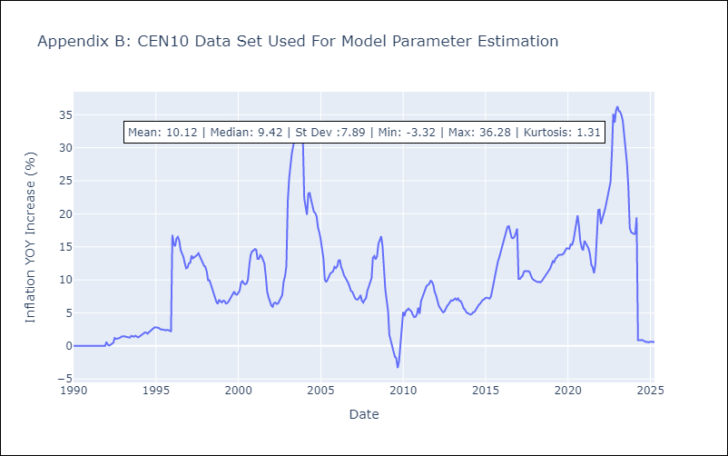

Appendix C: Residuals Analysis
Mean | 0.0

Normal? | No

R01
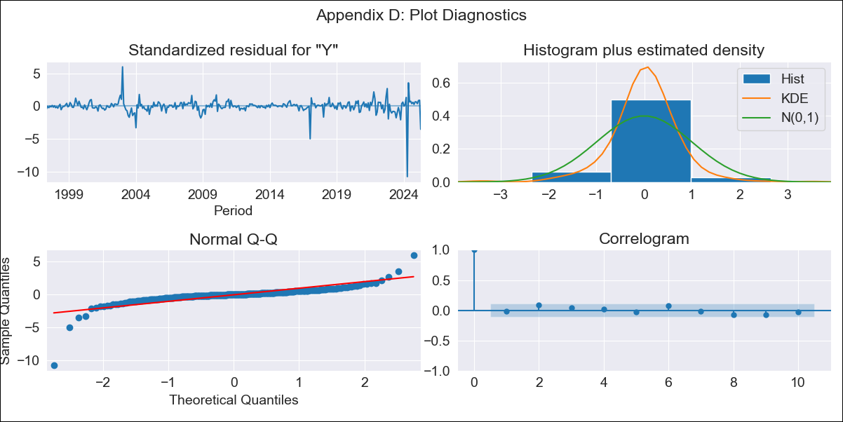
R01 - Inflation - Next 12 months forecast as of: 2025-04-01

Model | ARIMA - [(1, 2, 1), (1, 0, 1, 12)]
Training Data | 1996-01-01 to 2024-05-01
Test Data | 2024-05-01 to 2025-04-01

Date | Inflation Change YoY % | Lower Bound - 95% Confidence Interval | Upper Bound - 95% Confidence Interval
2025-05-01 | 2.77 | 1.59 | 3.95
2025-06-01 | 2.29 | 0.34 | 4.25
2025-07-01 | 1.85 | -0.79 | 4.49
2025-08-01 | 1.44 | -1.85 | 4.73
2025-09-01 | 1.01 | -2.92 | 4.93
2025-10-01 | 0.64 | -3.91 | 5.19
2025-11-01 | 0.16 | -5.02 | 5.35
2025-12-01 | -0.37 | -6.19 | 5.46
2026-01-01 | -0.85 | -7.33 | 5.63
2026-02-01 | -1.43 | -8.58 | 5.71
2026-03-01 | -2.1 | -9.92 | 5.72
2026-04-01 | -1.57 | -10.09 | 6.94
2026-05-01 | -1.8 | -10.87 | 7.27
2026-06-01 | -2.1 | -11.72 | 7.51
2026-07-01 | -2.43 | -12.59 | 7.73
2026-08-01 | -2.76 | -13.48 | 7.96

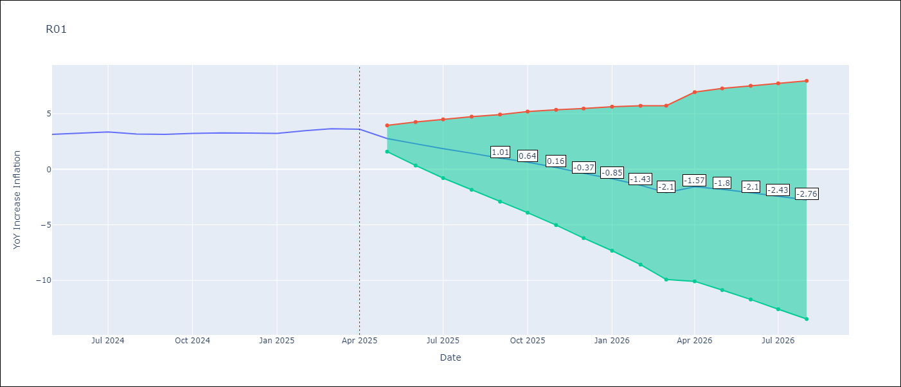

Test Metrics
RMSE | 1.4
Naive RMSE | 0.12
MAPE | 26.95%

Test Predictions
Date | Predicted | Actual
2024-05-01 | 0.23 | 3.13
2024-06-01 | 2.64 | 3.24
2024-07-01 | 2.86 | 3.36
2024-08-01 | 2.84 | 3.17
2024-09-01 | 2.73 | 3.15
2024-10-01 | 3.11 | 3.23
2024-11-01 | 2.84 | 3.28
2024-12-01 | 2.74 | 3.25
2025-01-01 | 3.03 | 3.23
2025-02-01 | 2.95 | 3.48
2025-03-01 | 2.93 | 3.65
2025-04-01 | 7.21 | 3.6

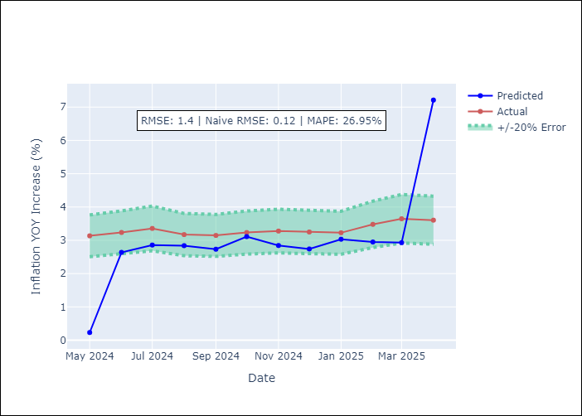

Appendix A: Model Summary
Model | ARIMA(1, 2, 1)x(1, 0, 1, 12)
Sample | 01-01-1996- 04-01-2025
No. of Observations | 352
Terms | P-value (Statistical significance)
ar.L1 | 0.000
ma.L1 | 0.000
ar.S.L12 | 0.571
ma.S.L12 | 0.058
sigma2 | 0.000
Assumptions | P-value

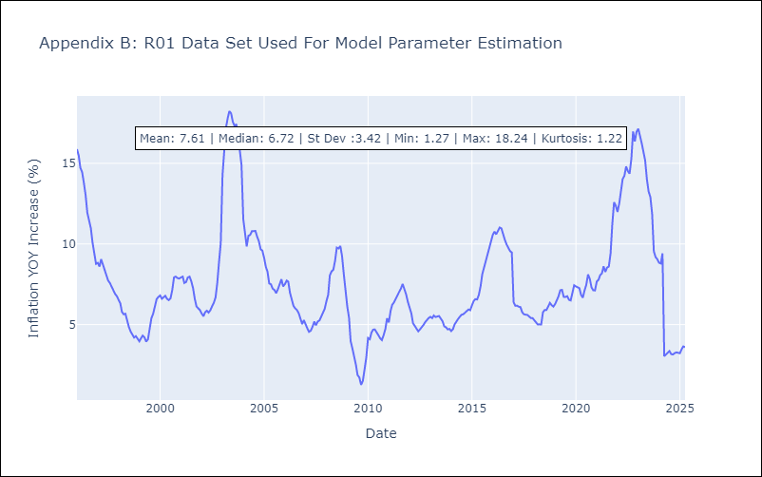

Appendix C: Residuals Analysis
Mean | 0.01

Normal? | No

R02
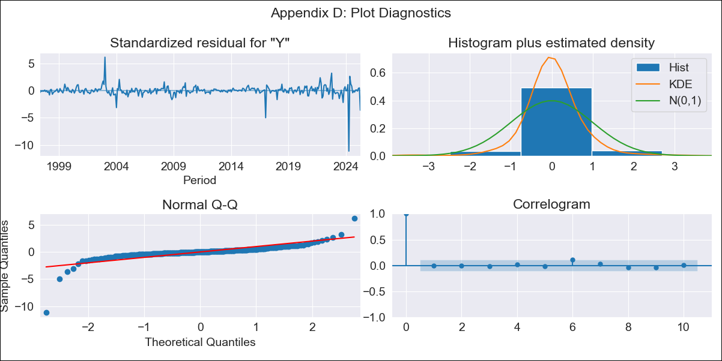
R02 - Inflation - Next 12 months forecast as of: 2025-04-01

Model | ARIMA - [(3, 1, 0), (1, 0, 1, 12)]
Training Data | 1996-01-01 to 2024-05-01
Test Data | 2024-05-01 to 2025-04-01

Date | Inflation Change YoY % | Lower Bound - 95% Confidence Interval | Upper Bound - 95% Confidence Interval
2025-05-01 | 3.2 | 2.03 | 4.36
2025-06-01 | 2.92 | 1.05 | 4.79
2025-07-01 | 2.66 | 0.13 | 5.2
2025-08-01 | 2.59 | -0.59 | 5.77
2025-09-01 | 2.53 | -1.25 | 6.31
2025-10-01 | 2.58 | -1.75 | 6.91
2025-11-01 | 2.56 | -2.29 | 7.41
2025-12-01 | 2.51 | -2.83 | 7.84
2026-01-01 | 2.51 | -3.27 | 8.29
2026-02-01 | 2.43 | -3.78 | 8.64
2026-03-01 | 2.28 | -4.33 | 8.89
2026-04-01 | 3.26 | -3.73 | 10.25
2026-05-01 | 3.39 | -3.86 | 10.64
2026-06-01 | 3.53 | -3.95 | 11.01
2026-07-01 | 3.64 | -4.04 | 11.33
2026-08-01 | 3.72 | -4.16 | 11.59

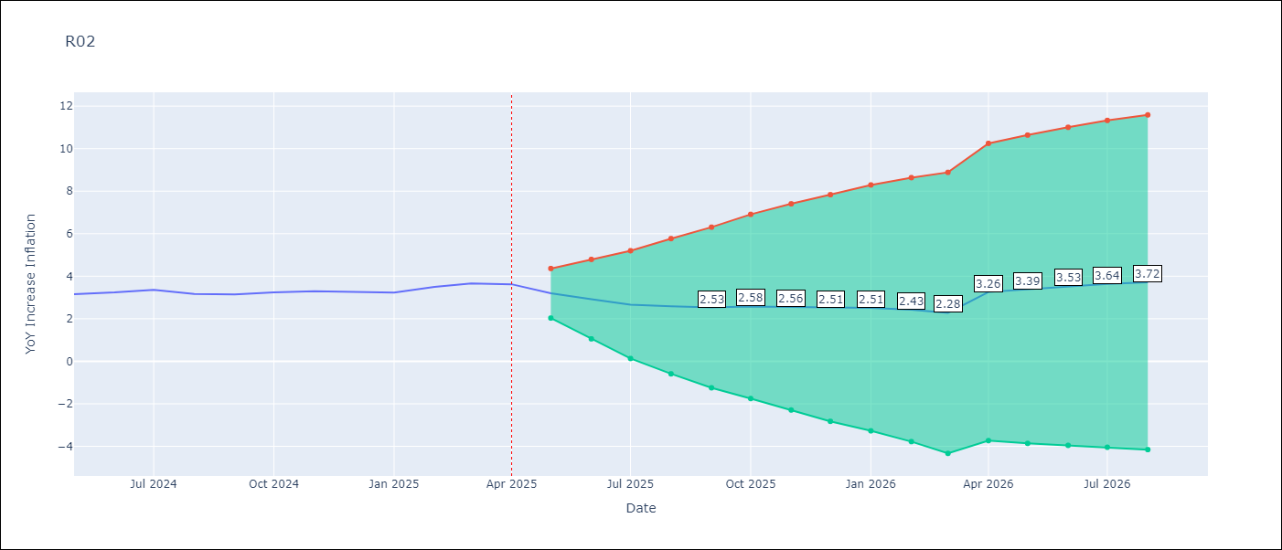

Test Metrics
RMSE | 1.31
Naive RMSE | 0.12
MAPE | 22.52%

Test Predictions
Date | Predicted | Actual
2024-05-01 | 0.83 | 3.16
2024-06-01 | 2.24 | 3.24
2024-07-01 | 2.76 | 3.36
2024-08-01 | 3.38 | 3.17
2024-09-01 | 3.18 | 3.15
2024-10-01 | 3.51 | 3.24
2024-11-01 | 3.23 | 3.29
2024-12-01 | 3.08 | 3.26
2025-01-01 | 3.34 | 3.23
2025-02-01 | 3.25 | 3.49
2025-03-01 | 3.18 | 3.66
2025-04-01 | 7.3 | 3.62

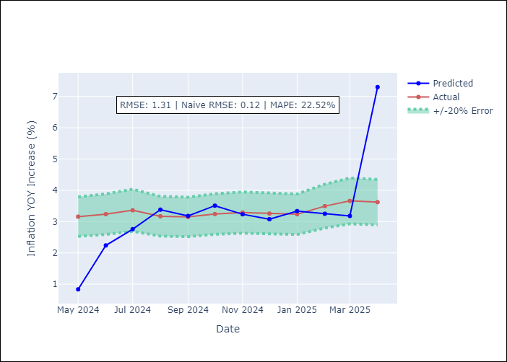

Appendix A: Model Summary
Model | ARIMA(3, 1, 0)x(1, 0, [1], 12)
Sample | 01-01-1996- 04-01-2025
No. of Observations | 352
Terms | P-value (Statistical significance)
ar.L1 | 0.000
ar.L2 | 0.003
ar.L3 | 0.203
ar.S.L12 | 0.462
ma.S.L12 | 0.054
sigma2 | 0.000
Assumptions | P-value

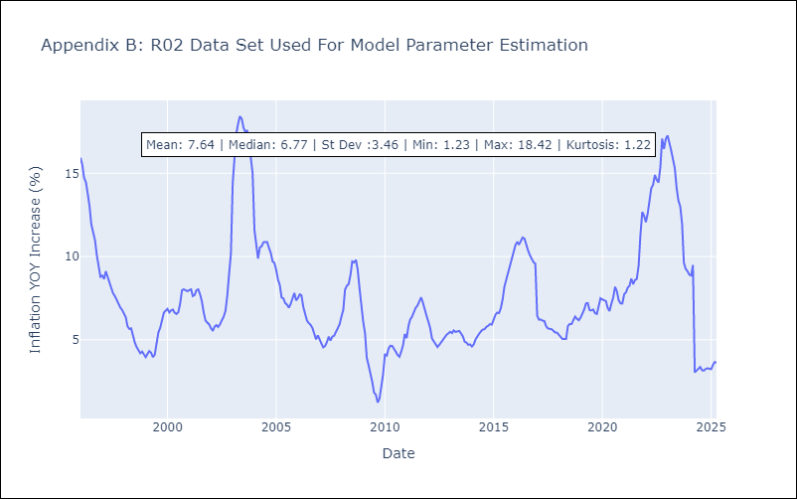

Appendix C: Residuals Analysis
Mean | 0.02

Normal? | No

R07
R07 - Inflation - Next 12 months forecast as of: 2025-04-01

Model | ARIMA - [(2, 1, 0), (0, 0, 1, 12)]
Training Data | 1991-01-01 to 2024-05-01
Test Data | 2024-05-01 to 2025-04-01

Date | Inflation Change YoY % | Lower Bound - 95% Confidence Interval | Upper Bound - 95% Confidence Interval
2025-05-01 | 3.2 | -0.59 | 6.99
2025-06-01 | 2.26 | -3.25 | 7.78
2025-07-01 | 2.41 | -4.39 | 9.21
2025-08-01 | 2.16 | -5.7 | 10.03
2025-09-01 | 2.46 | -6.35 | 11.27
2025-10-01 | 2.78 | -6.88 | 12.45
2025-11-01 | 2.78 | -7.66 | 13.23
2025-12-01 | 2.62 | -8.55 | 13.8
2026-01-01 | 2.71 | -9.15 | 14.57
2026-02-01 | 3.02 | -9.48 | 15.52
2026-03-01 | 3.04 | -10.07 | 16.16
2026-04-01 | 3.27 | -10.43 | 16.97
2026-05-01 | 3.29 | -10.56 | 17.13
2026-06-01 | 3.28 | -10.69 | 17.26
2026-07-01 | 3.28 | -10.82 | 17.39
2026-08-01 | 3.28 | -10.95 | 17.52



Test Metrics
RMSE | 0.9
Naive RMSE | 0.63
MAPE | 31.18%

Test Predictions
Date | Predicted | Actual
2024-05-01 | 3.22 | 1.19
2024-06-01 | 1.12 | 3.06
2024-07-01 | 3.27 | 2.85
2024-08-01 | 2.77 | 3.29
2024-09-01 | 3.49 | 2.89
2024-10-01 | 3.11 | 2.53
2024-11-01 | 2.29 | 2.32
2024-12-01 | 2.32 | 2.62
2025-01-01 | 2.8 | 2.61
2025-02-01 | 2.88 | 2.29
2025-03-01 | 2.51 | 2.5
2025-04-01 | 2.62 | 2.17

Appendix A: Model Summary
Model | ARIMA(2, 1, 0)x(0, 0, [1], 12)
Sample | 01-01-1991- 04-01-2025
No. of Observations | 412
Terms | P-value (Statistical significance)
ar.L1 | 0.188
ar.L2 | 0.734
ma.S.L12 | 0.000
sigma2 | 0.000
Assumptions | P-value

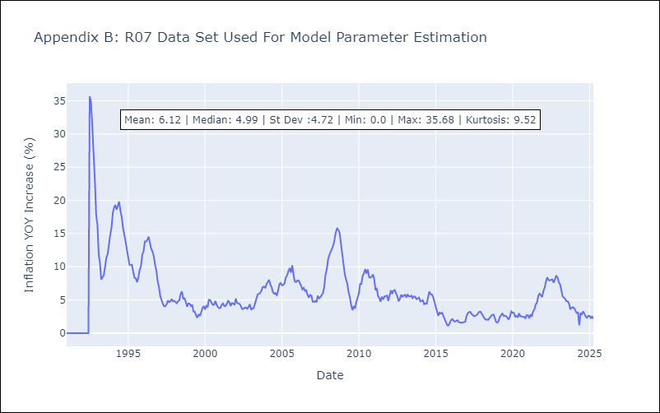

Appendix C: Residuals Analysis
Mean | 0.01

Normal? | No

SUR10
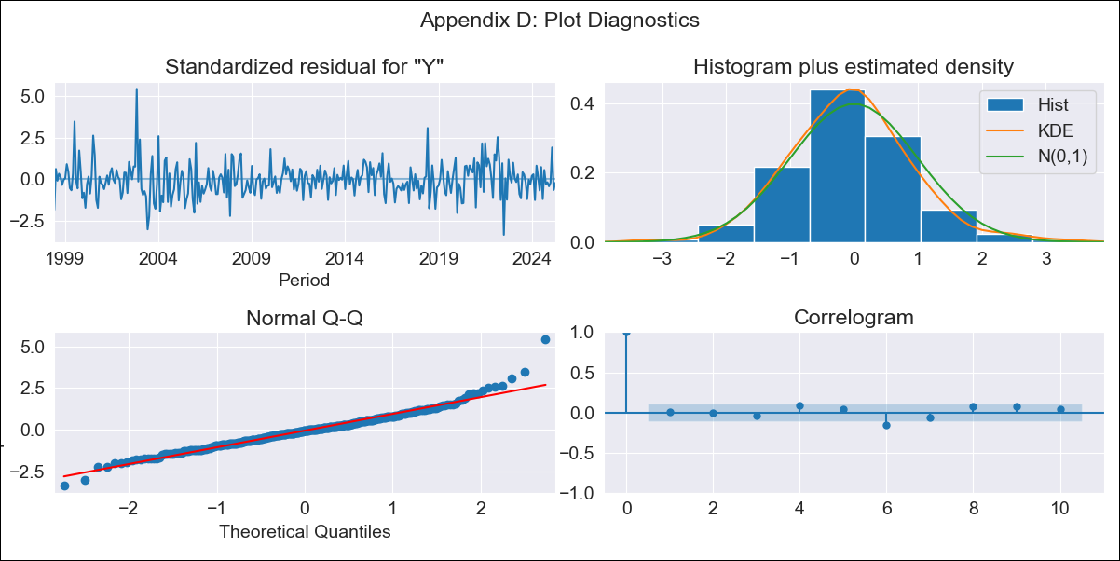
SUR10 - Inflation - Next 12 months forecast as of: 2025-04-01

Model | ARIMA - [(3, 2, 1), (2, 0, 1, 12)]
Training Data | 1996-01-01 to 2024-05-01
Test Data | 2024-05-01 to 2025-04-01

Date | Inflation Change YoY % | Lower Bound - 95% Confidence Interval | Upper Bound - 95% Confidence Interval
2025-05-01 | 5.18 | 4.68 | 5.68
2025-06-01 | 5.3 | 4.37 | 6.22
2025-07-01 | 5.22 | 3.9 | 6.55
2025-08-01 | 5.41 | 3.7 | 7.11
2025-09-01 | 5.41 | 3.35 | 7.46
2025-10-01 | 5.46 | 3.08 | 7.84
2025-11-01 | 5.53 | 2.84 | 8.22
2025-12-01 | 5.66 | 2.68 | 8.63
2026-01-01 | 5.77 | 2.52 | 9.02
2026-02-01 | 5.47 | 1.97 | 8.98
2026-03-01 | 5.43 | 1.69 | 9.18
2026-04-01 | 5.45 | 1.48 | 9.43
2026-05-01 | 5.46 | 1.36 | 9.55
2026-06-01 | 5.45 | 1.29 | 9.62
2026-07-01 | 5.46 | 1.24 | 9.67
2026-08-01 | 5.46 | 1.21 | 9.71

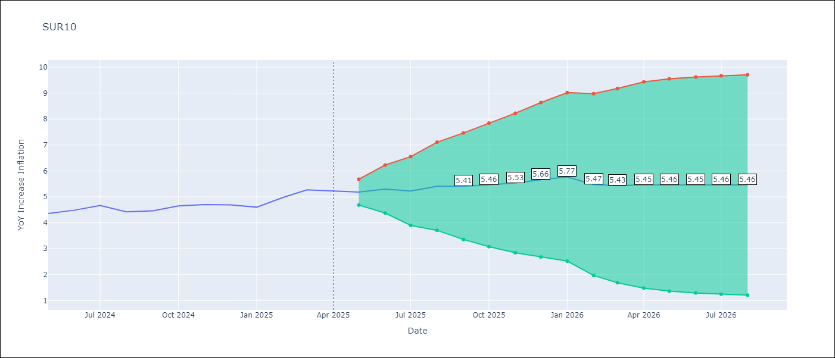

Test Metrics
RMSE | 0.19
Naive RMSE | 0.19
MAPE | 3.15%

Test Predictions
Date | Predicted | Actual
2024-05-01 | 4.31 | 4.35
2024-06-01 | 4.66 | 4.49
2024-07-01 | 4.47 | 4.66
2024-08-01 | 4.72 | 4.42
2024-09-01 | 4.33 | 4.46
2024-10-01 | 4.71 | 4.65
2024-11-01 | 4.75 | 4.7
2024-12-01 | 4.79 | 4.69
2025-01-01 | 4.65 | 4.6
2025-02-01 | 4.5 | 4.98
2025-03-01 | 5.43 | 5.27
2025-04-01 | 5.28 | 5.22

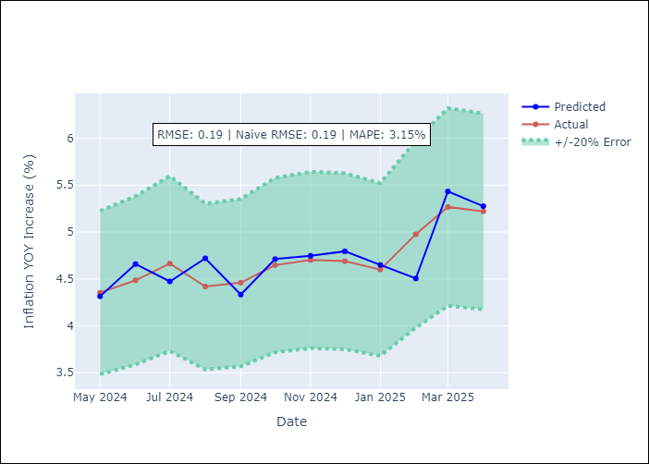

Appendix A: Model Summary
Model | ARIMA(3, 2, 1)x(2, 0, 1, 12)
Sample | 01-01-1996- 04-01-2025
No. of Observations | 352
Terms | P-value (Statistical significance)
ar.L1 | 0.000
ar.L2 | 0.943
ar.L3 | 0.397
ma.L1 | 0.962
ar.S.L12 | 0.995
ar.S.L24 | 0.994
ma.S.L12 | 0.000
sigma2 | 0.962
Assumptions | P-value

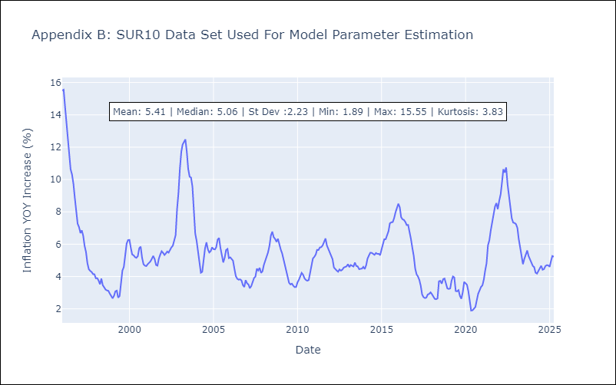

Appendix C: Residuals Analysis
Mean | 0.01

Normal? | No

