ARG
ARG - Inflation - Next 12 months forecast as of: 2025-04-01

Model | CNN - [(2, 2, 2), (0, 0, 1, 12)]
Training Data | 2005-01-01 to 2024-05-01
Test Data | 2024-05-01 to 2025-04-01

Date | Inflation Change YoY % | Lower Bound - 95% Confidence Interval | Upper Bound - 95% Confidence Interval
2025-05-01 | 288.95001221 | 228.02000427 | 349.88000488
2025-06-01 | 293.07000732 | 234.13999939 | 351.98999023
2025-07-01 | 285.82998657 | 228.41000366 | 343.25
2025-08-01 | 257.60998535 | 205.8500061 | 309.36999512
2025-09-01 | 213.25999451 | 162.11000061 | 264.41000366
2025-10-01 | 189.52000427 | 139.38000488 | 239.66000366
2025-11-01 | 165.72000122 | 106.76999664 | 224.66000366
2025-12-01 | 139.30000305 | 84.699996948 | 193.8999939
2026-01-01 | 88.669998169 | 47.11000061 | 130.24000549
2026-02-01 | 53.180000305 | -7.0799999237 | 113.44000244
2026-03-01 | 34.790000916 | -21.450000763 | 91.040000916
2026-04-01 | 35.560001373 | -19.75 | 90.879997253

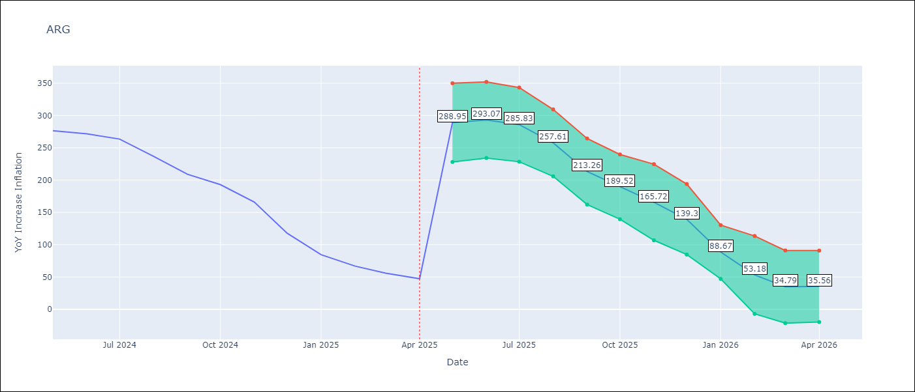

Test Metrics
RMSE | 42.88
Naive RMSE | 24.3
MAPE | 37.75%

Test Predictions
Date | Predicted | Actual
2024-05-01 | 306.70001221 | 276.41
2024-06-01 | 296.30999756 | 271.53
2024-07-01 | 275.17001343 | 263.45
2024-08-01 | 271.47000122 | 236.72
2024-09-01 | 268.70001221 | 209
2024-10-01 | 232.88999939 | 192.99
2024-11-01 | 201.32000732 | 166.03
2024-12-01 | 179.27000427 | 117.76
2025-01-01 | 148.61999512 | 84.54
2025-02-01 | 97.300003052 | 66.87
2025-03-01 | 84.330001831 | 55.93
2025-04-01 | 103.5 | 47.26

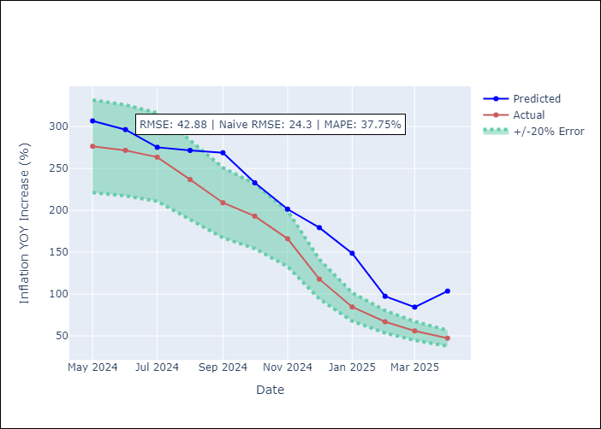

Appendix A: Model Summary
Model | VAR - [(2, 2, 2), (0, 0, 1, 12)]
Sample | 2005-01-01 to 2025-04-01
No. of Observations | 244
Terms | P-value (Statistical significance)

Assumptions | P-value

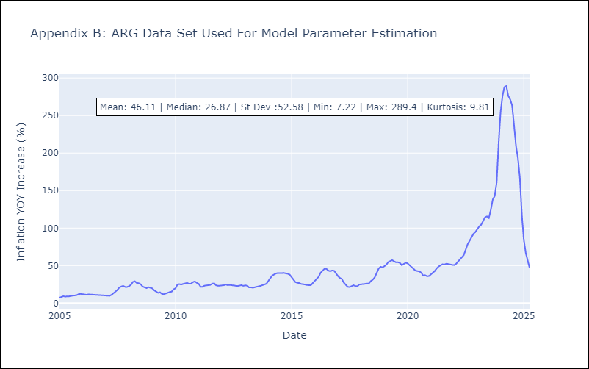

Appendix C: Residuals Analysis
Mean

BOL
BOL - Inflation - Next 12 months forecast as of: 2025-04-01

Model | CNN - [(1, 1, 2), (0, 0, 2, 12)]
Training Data | 2019-01-01 to 2024-05-01
Test Data | 2024-05-01 to 2025-04-01

Date | Inflation Change YoY % | Lower Bound - 95% Confidence Interval | Upper Bound - 95% Confidence Interval
2025-05-01 | 2.9900000095 | 1.1000000238 | 4.8699998856
2025-06-01 | 3.8299999237 | 2.4100000858 | 5.2600002289
2025-07-01 | 4.2399997711 | 2.4200000763 | 6.0599999428
2025-08-01 | 4.8000001907 | 2.8900001049 | 6.7199997902
2025-09-01 | 5.6599998474 | 3.8199999332 | 7.4899997711
2025-10-01 | 6.5 | 4.5 | 8.5
2025-11-01 | 7.4699997902 | 5.1300001144 | 9.8100004196
2025-12-01 | 8.5600004196 | 5.8499999046 | 11.270000458
2026-01-01 | 10.149999619 | 6.9499998093 | 13.350000381
2026-02-01 | 11.800000191 | 8.1899995804 | 15.399999619
2026-03-01 | 13.270000458 | 8.9300003052 | 17.600000381
2026-04-01 | 14.399999619 | 10.020000458 | 18.780000687

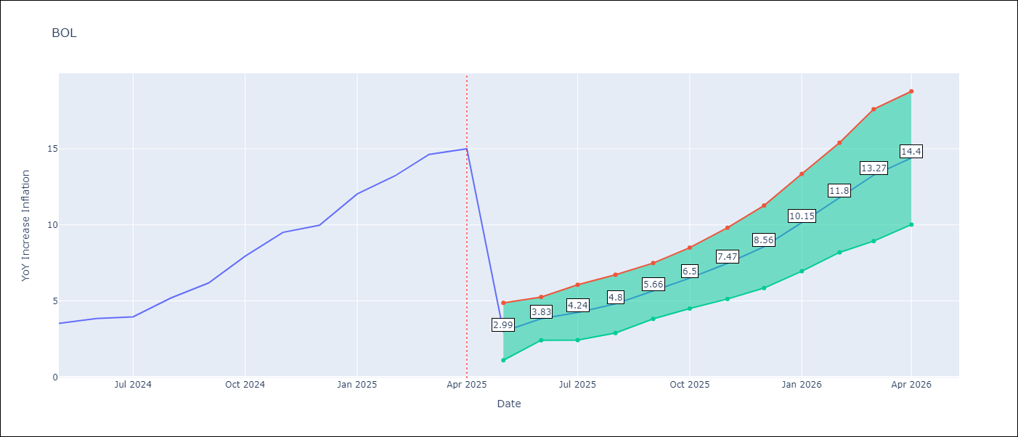

Test Metrics
RMSE | 4.0
Naive RMSE | 1.21
MAPE | 41.41%

Test Predictions
Date | Predicted | Actual
2024-05-01 | 2.4500000477 | 3.52
2024-06-01 | 2.4400000572 | 3.84
2024-07-01 | 2.5099999905 | 3.95
2024-08-01 | 2.9500000477 | 5.19
2024-09-01 | 3.0299999714 | 6.18
2024-10-01 | 3.8599998951 | 7.94
2024-11-01 | 4.8299999237 | 9.51
2024-12-01 | 5.9499998093 | 9.97
2025-01-01 | 7.0300002098 | 12.03
2025-02-01 | 7.4600000381 | 13.22
2025-03-01 | 8.9499998093 | 14.63
2025-04-01 | 9.8100004196 | 15.01

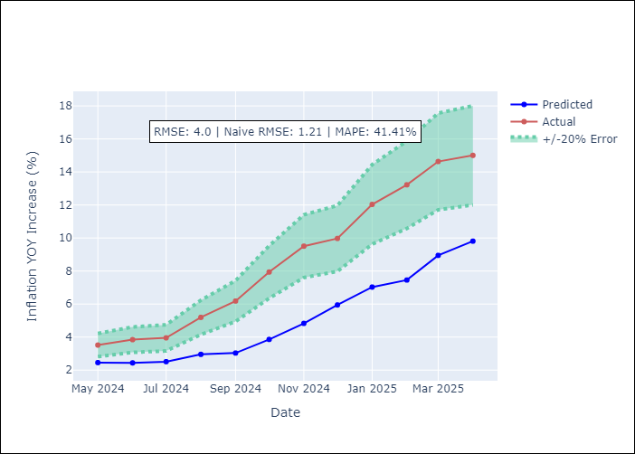

Appendix A: Model Summary
Model | VAR - [(1, 1, 2), (0, 0, 2, 12)]
Sample | 2019-01-01 to 2025-04-01
No. of Observations | 76
Terms | P-value (Statistical significance)

Assumptions | P-value

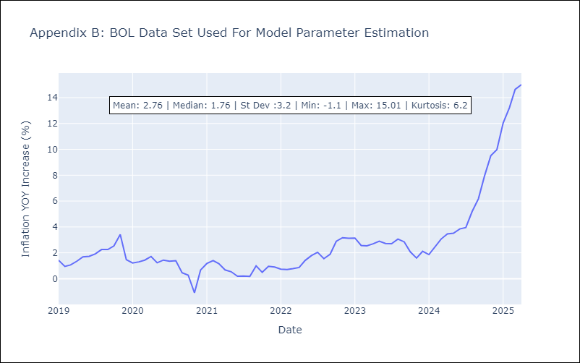

Appendix C: Residuals Analysis
Mean

BRA
BRA - Inflation - Next 12 months forecast as of: 2025-04-01

Model | CNN - [(1, 2, 1), (0, 0, 1, 12)]
Training Data | 1996-01-01 to 2024-05-01
Test Data | 2024-05-01 to 2025-04-01

Date | Inflation Change YoY % | Lower Bound - 95% Confidence Interval | Upper Bound - 95% Confidence Interval
2025-05-01 | 4.3699998856 | 3.7000000477 | 5.0300002098
2025-06-01 | 4.4099998474 | 3.8599998951 | 4.9499998093
2025-07-01 | 4.3600001335 | 3.8299999237 | 4.9000000954
2025-08-01 | 4.3800001144 | 3.7300000191 | 5.0199999809
2025-09-01 | 4.3699998856 | 3.6300001144 | 5.1100001335
2025-10-01 | 4.3499999046 | 3.5899999142 | 5.1100001335
2025-11-01 | 4.3200001717 | 3.4200000763 | 5.2300000191
2025-12-01 | 4.3499999046 | 3.3299999237 | 5.3699998856
2026-01-01 | 4.4200000763 | 3.3599998951 | 5.4899997711
2026-02-01 | 4.4400000572 | 3.2699999809 | 5.6100001335
2026-03-01 | 4.5900001526 | 3.3199999332 | 5.8600001335
2026-04-01 | 4.8099999428 | 3.3699998856 | 6.25

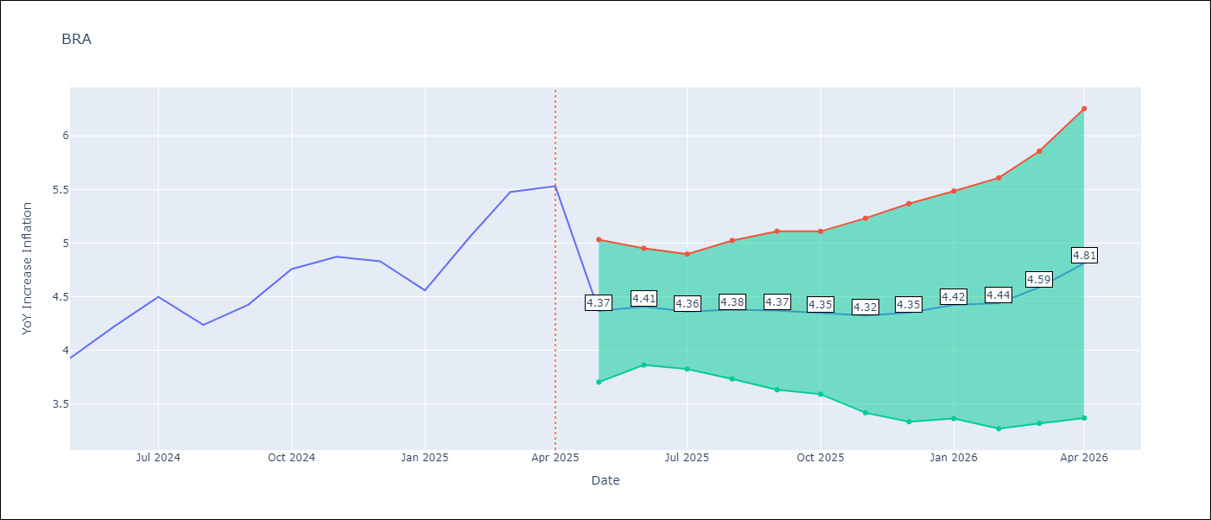

Test Metrics
RMSE | 0.42
Naive RMSE | 0.29
MAPE | 7.28%

Test Predictions
Date | Predicted | Actual
2024-05-01 | 3.8599998951 | 3.93
2024-06-01 | 3.6800000668 | 4.23
2024-07-01 | 4.0500001907 | 4.5
2024-08-01 | 4.0399999619 | 4.24
2024-09-01 | 4.3800001144 | 4.42
2024-10-01 | 4.2100000381 | 4.76
2024-11-01 | 4.5300002098 | 4.87
2024-12-01 | 5.0300002098 | 4.83
2025-01-01 | 5.0700001717 | 4.56
2025-02-01 | 4.8099999428 | 5.06
2025-03-01 | 4.5999999046 | 5.48
2025-04-01 | 5.4000000954 | 5.53

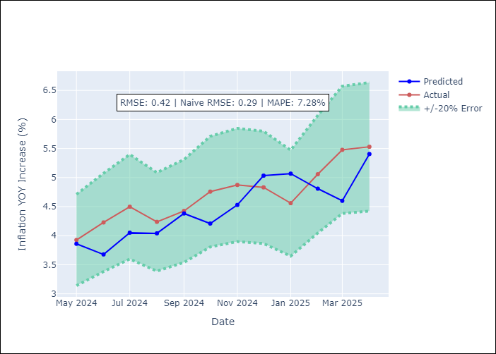

Appendix A: Model Summary
Model | VAR - [(1, 2, 1), (0, 0, 1, 12)]
Sample | 1996-01-01 to 2025-04-01
No. of Observations | 352
Terms | P-value (Statistical significance)

Assumptions | P-value

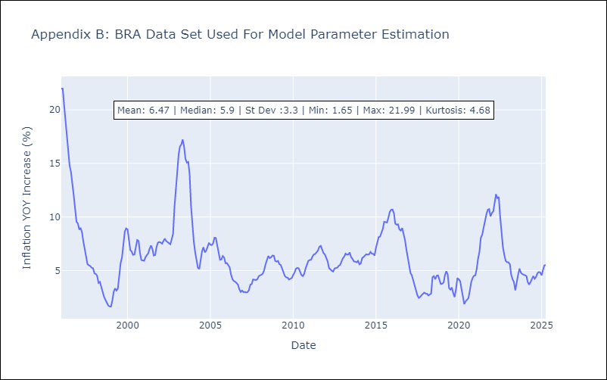

Appendix C: Residuals Analysis
Mean

CHL
CHL - Inflation - Next 12 months forecast as of: 2025-04-01

Model | CNN - [(2, 0, 0), (0, 0, 1, 12)]
Training Data | 2010-12-01 to 2024-05-01
Test Data | 2024-05-01 to 2025-04-01

Date | Inflation Change YoY % | Lower Bound - 95% Confidence Interval | Upper Bound - 95% Confidence Interval
2025-05-01 | 4.1399998665 | 2.8900001049 | 5.3899998665
2025-06-01 | 3.9700000286 | 2.4800000191 | 5.4699997902
2025-07-01 | 4.4800000191 | 3.2100000381 | 5.75
2025-08-01 | 4.6799998283 | 3.2899999619 | 6.0700001717
2025-09-01 | 4.3099999428 | 2.8199999332 | 5.8000001907
2025-10-01 | 4.5399999619 | 3.2000000477 | 5.8899998665
2025-11-01 | 4.2800002098 | 2.8399999142 | 5.7100000381
2025-12-01 | 4.3200001717 | 3.1600000858 | 5.4800000191
2026-01-01 | 4.3200001717 | 2.9700000286 | 5.6700000763
2026-02-01 | 4.2300000191 | 2.8599998951 | 5.5900001526
2026-03-01 | 4.4200000763 | 2.9600000381 | 5.8800001144
2026-04-01 | 4.0599999428 | 2.6800000668 | 5.4400000572

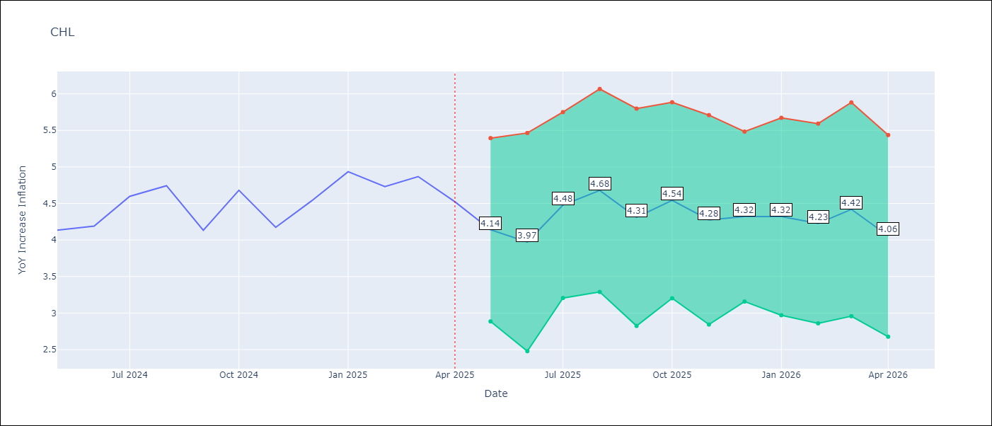

Test Metrics
RMSE | 0.92
Naive RMSE | 0.38
MAPE | 18.91%

Test Predictions
Date | Predicted | Actual
2024-05-01 | 3.2000000477 | 4.13
2024-06-01 | 3.1700000763 | 4.19
2024-07-01 | 3.2400000095 | 4.6
2024-08-01 | 3.5499999523 | 4.74
2024-09-01 | 3.7799999714 | 4.13
2024-10-01 | 3.8800001144 | 4.68
2024-11-01 | 3.5799999237 | 4.17
2024-12-01 | 3.8800001144 | 4.53
2025-01-01 | 3.5899999142 | 4.94
2025-02-01 | 3.8499999046 | 4.73
2025-03-01 | 4.1399998665 | 4.87
2025-04-01 | 4.0700001717 | 4.52

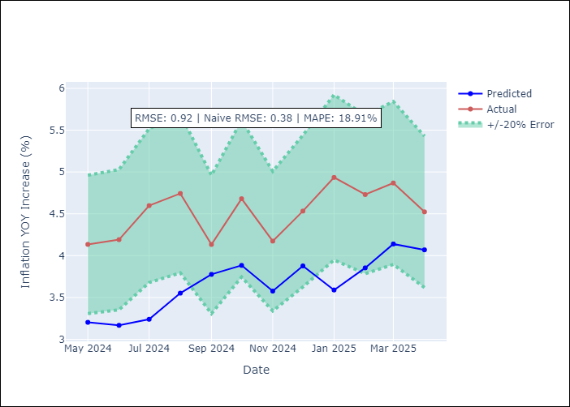

Appendix A: Model Summary
Model | VAR - [(2, 0, 0), (0, 0, 1, 12)]
Sample | 2010-12-01 to 2025-04-01
No. of Observations | 173
Terms | P-value (Statistical significance)

Assumptions | P-value

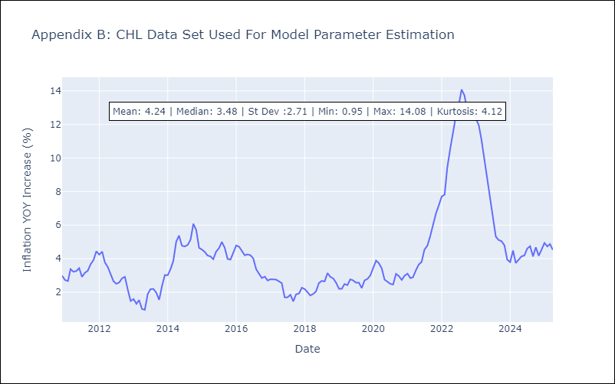

Appendix C: Residuals Analysis
Mean

COL
COL - Inflation - Next 12 months forecast as of: 2025-04-01

Model | CNN - [(1, 0, 1), (0, 0, 0, 12)]
Training Data | 2004-01-01 to 2024-05-01
Test Data | 2024-05-01 to 2025-04-01

Date | Inflation Change YoY % | Lower Bound - 95% Confidence Interval | Upper Bound - 95% Confidence Interval
2025-05-01 | 6.6500000954 | 5.6500000954 | 7.6399998665
2025-06-01 | 6.6700000763 | 5.5399999619 | 7.8000001907
2025-07-01 | 6.2300000191 | 5.0500001907 | 7.4099998474
2025-08-01 | 5.9499998093 | 5.0999999046 | 6.7899999619
2025-09-01 | 5.6799998283 | 4.7300000191 | 6.6300001144
2025-10-01 | 5.5300002098 | 4.4800000191 | 6.5799999237
2025-11-01 | 5.2399997711 | 4.0199999809 | 6.4600000381
2025-12-01 | 5.2399997711 | 4.0399999619 | 6.4299998283
2026-01-01 | 5.0300002098 | 3.8099999428 | 6.2600002289
2026-02-01 | 4.9000000954 | 3.7400000095 | 6.0700001717
2026-03-01 | 4.9800000191 | 3.7799999714 | 6.1799998283
2026-04-01 | 4.7600002289 | 3.3199999332 | 6.1999998093

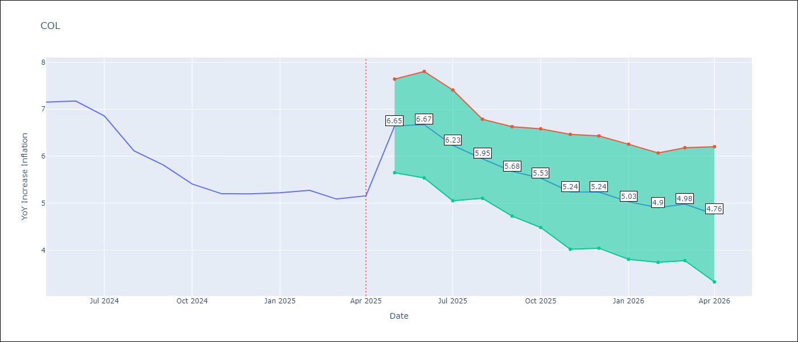

Test Metrics
RMSE | 0.38
Naive RMSE | 0.3
MAPE | 5.31%

Test Predictions
Date | Predicted | Actual
2024-05-01 | 6.7399997711 | 7.15
2024-06-01 | 6.6700000763 | 7.18
2024-07-01 | 6.8299999237 | 6.86
2024-08-01 | 6.9000000954 | 6.12
2024-09-01 | 6.4000000954 | 5.81
2024-10-01 | 5.4899997711 | 5.41
2024-11-01 | 5.4000000954 | 5.2
2024-12-01 | 4.9899997711 | 5.2
2025-01-01 | 4.8299999237 | 5.22
2025-02-01 | 5.0300002098 | 5.27
2025-03-01 | 4.9499998093 | 5.09
2025-04-01 | 4.9699997902 | 5.16

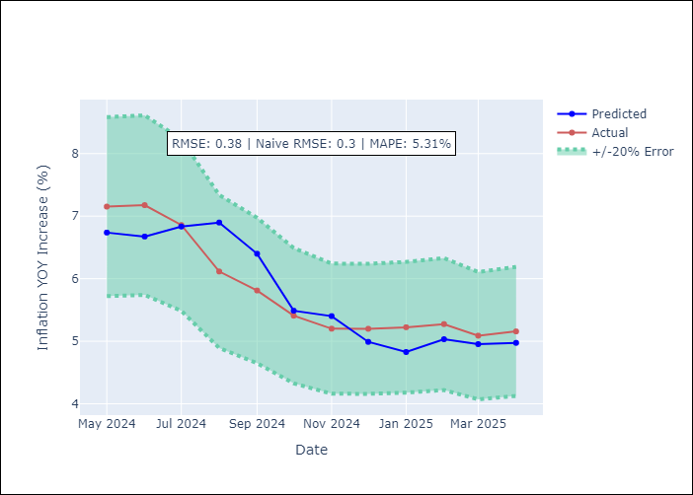

Appendix A: Model Summary
Model | VAR - [(1, 0, 1), (0, 0, 0, 12)]
Sample | 2004-01-01 to 2025-04-01
No. of Observations | 256
Terms | P-value (Statistical significance)

Assumptions | P-value

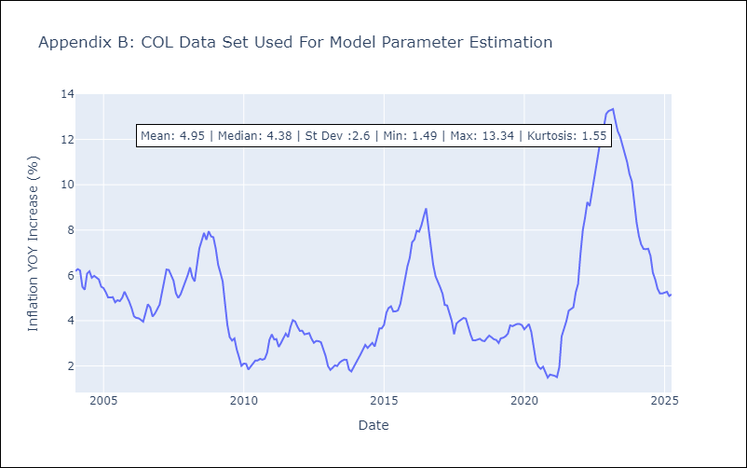

Appendix C: Residuals Analysis
Mean

ECU
ECU - Inflation - Next 12 months forecast as of: 2025-04-01

Model | CNN - [(2, 1, 1), (3, 0, 0, 12)]
Training Data | 2007-01-01 to 2024-05-01
Test Data | 2024-05-01 to 2025-04-01

Date | Inflation Change YoY % | Lower Bound - 95% Confidence Interval | Upper Bound - 95% Confidence Interval
2025-05-01 | 2.4100000858 | 1.9199999571 | 2.9000000954
2025-06-01 | 2.4900000095 | 1.9600000381 | 3.0299999714
2025-07-01 | 2.4000000954 | 1.9199999571 | 2.8900001049
2025-08-01 | 2.4900000095 | 1.9700000286 | 3
2025-09-01 | 2.5299999714 | 1.9299999475 | 3.1300001144
2025-10-01 | 2.4000000954 | 1.8400000334 | 2.9500000477
2025-11-01 | 2.4600000381 | 1.8300000429 | 3.0999999046
2025-12-01 | 2.4800000191 | 1.8200000525 | 3.1400001049
2026-01-01 | 2.4100000858 | 1.6499999762 | 3.1800000668
2026-02-01 | 2.3599998951 | 1.5499999523 | 3.1800000668
2026-03-01 | 2.3499999046 | 1.4600000381 | 3.25
2026-04-01 | 2.3299999237 | 1.4600000381 | 3.1900000572

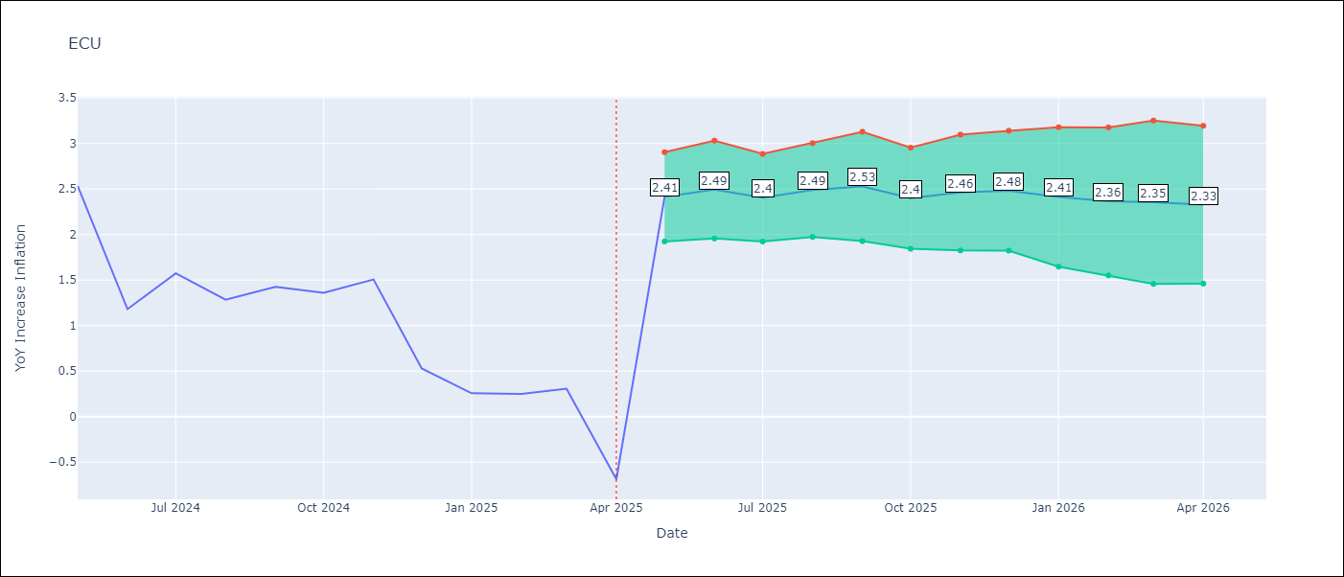

Test Metrics
RMSE | 0.76
Naive RMSE | 0.61
MAPE | 92.44%

Test Predictions
Date | Predicted | Actual
2024-05-01 | 1.4900000095 | 2.53
2024-06-01 | 2.5999999046 | 1.18
2024-07-01 | 2.3800001144 | 1.57
2024-08-01 | 0.88999998569 | 1.28
2024-09-01 | 1.3899999857 | 1.42
2024-10-01 | 1.1499999762 | 1.36
2024-11-01 | 1.2400000095 | 1.51
2024-12-01 | 1.3600000143 | 0.53
2025-01-01 | 1.4800000191 | 0.26
2025-02-01 | 0.34999999404 | 0.25
2025-03-01 | 0.20000000298 | 0.31
2025-04-01 | 0.11999999732 | -0.69

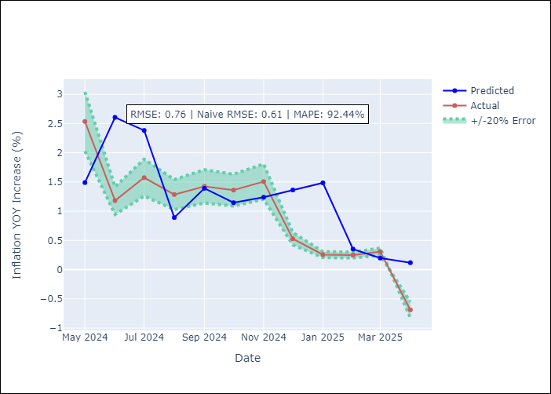

Appendix A: Model Summary
Model | VAR - [(2, 1, 1), (3, 0, 0, 12)]
Sample | 2007-01-01 to 2025-04-01
No. of Observations | 220
Terms | P-value (Statistical significance)

Assumptions | P-value

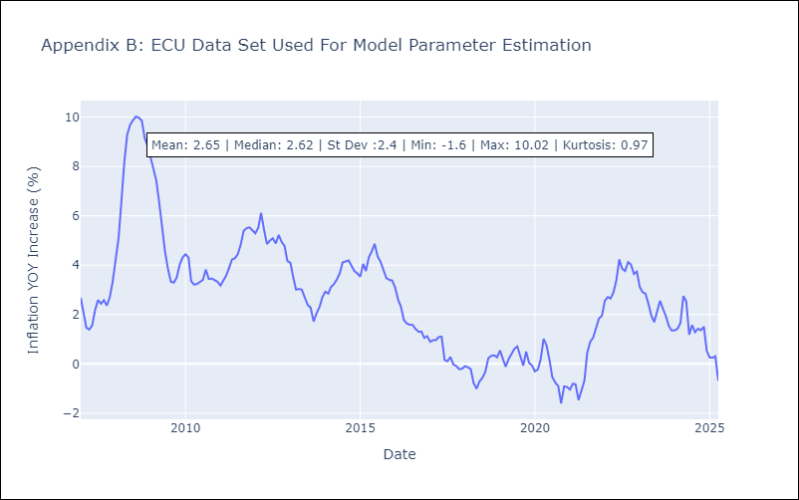

Appendix C: Residuals Analysis
Mean

PER
PER - Inflation - Next 12 months forecast as of: 2025-04-01

Model | CNN - [(3, 2, 0), (3, 0, 0, 12)]
Training Data | 1992-01-01 to 2024-05-01
Test Data | 2024-05-01 to 2025-04-01

Date | Inflation Change YoY % | Lower Bound - 95% Confidence Interval | Upper Bound - 95% Confidence Interval
2025-05-01 | 2.2400000095 | 1.6000000238 | 2.8900001049
2025-06-01 | 2.4500000477 | 1.8600000143 | 3.0499999523
2025-07-01 | 2.4900000095 | 2.0199999809 | 2.9700000286
2025-08-01 | 2.3099999428 | 1.7899999619 | 2.8399999142
2025-09-01 | 2.2899999619 | 1.8500000238 | 2.7400000095
2025-10-01 | 2.4100000858 | 2 | 2.8199999332
2025-11-01 | 2.4300000668 | 1.9500000477 | 2.9100000858
2025-12-01 | 2.5299999714 | 2.0799999237 | 2.9800000191
2026-01-01 | 2.4200000763 | 1.9600000381 | 2.8900001049
2026-02-01 | 2.4600000381 | 2 | 2.9200000763
2026-03-01 | 2.3900001049 | 1.9700000286 | 2.8099999428
2026-04-01 | 2.3800001144 | 1.9299999475 | 2.8399999142

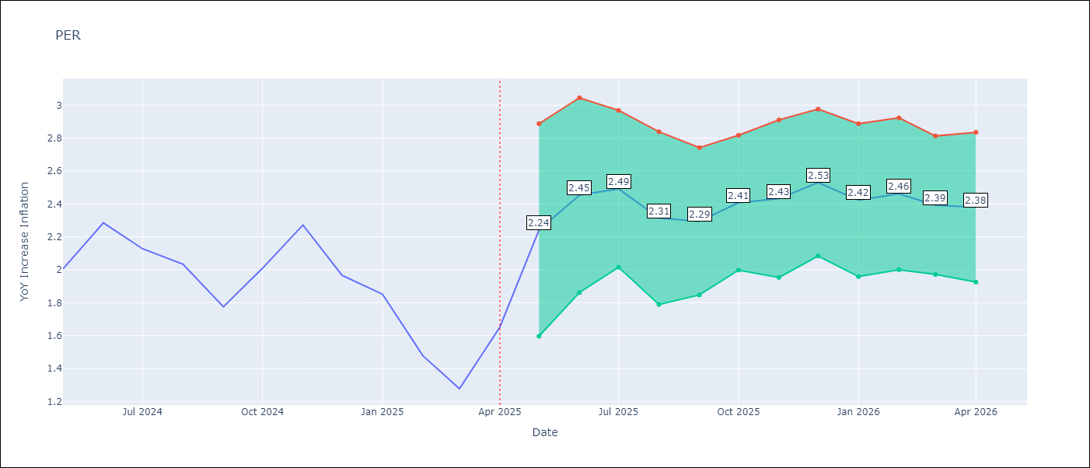

Test Metrics
RMSE | 0.36
Naive RMSE | 0.26
MAPE | 16.42%

Test Predictions
Date | Predicted | Actual
2024-05-01 | 2.6400001049 | 2
2024-06-01 | 2.2100000381 | 2.29
2024-07-01 | 2.0699999332 | 2.13
2024-08-01 | 2.4500000477 | 2.03
2024-09-01 | 2.2000000477 | 1.78
2024-10-01 | 1.9099999666 | 2.01
2024-11-01 | 1.7000000477 | 2.27
2024-12-01 | 1.9800000191 | 1.97
2025-01-01 | 2.2400000095 | 1.85
2025-02-01 | 1.7899999619 | 1.48
2025-03-01 | 1.6100000143 | 1.28
2025-04-01 | 1.3799999952 | 1.65

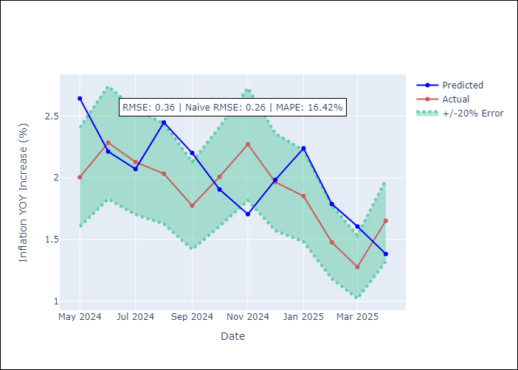

Appendix A: Model Summary
Model | VAR - [(3, 2, 0), (3, 0, 0, 12)]
Sample | 1992-01-01 to 2025-04-01
No. of Observations | 400
Terms | P-value (Statistical significance)

Assumptions | P-value

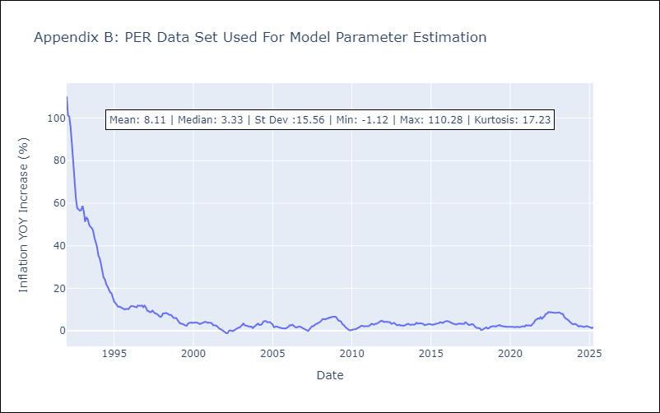

Appendix C: Residuals Analysis
Mean

PRY
PRY - Inflation - Next 12 months forecast as of: 2025-04-01

Model | CNN - [(2, 1, 1), (1, 0, 1, 12)]
Training Data | 1993-12-01 to 2024-05-01
Test Data | 2024-05-01 to 2025-04-01

Date | Inflation Change YoY % | Lower Bound - 95% Confidence Interval | Upper Bound - 95% Confidence Interval
2025-05-01 | 3.3800001144 | 2.4900000095 | 4.2800002098
2025-06-01 | 3.3900001049 | 2.3199999332 | 4.4699997902
2025-07-01 | 3.5 | 2.25 | 4.75
2025-08-01 | 3.7899999619 | 2.4700000286 | 5.1199998856
2025-09-01 | 3.7799999714 | 2.3199999332 | 5.2399997711
2025-10-01 | 3.7799999714 | 2.4500000477 | 5.1100001335
2025-11-01 | 3.7200000286 | 2.3299999237 | 5.1100001335
2025-12-01 | 3.7599999905 | 2.1500000954 | 5.3699998856
2026-01-01 | 4.0199999809 | 2.2599999905 | 5.7899999619
2026-02-01 | 4.1999998093 | 2.1800000668 | 6.2199997902
2026-03-01 | 4.3099999428 | 2.1099998951 | 6.5100002289
2026-04-01 | 4.6100001335 | 2.3199999332 | 6.9000000954

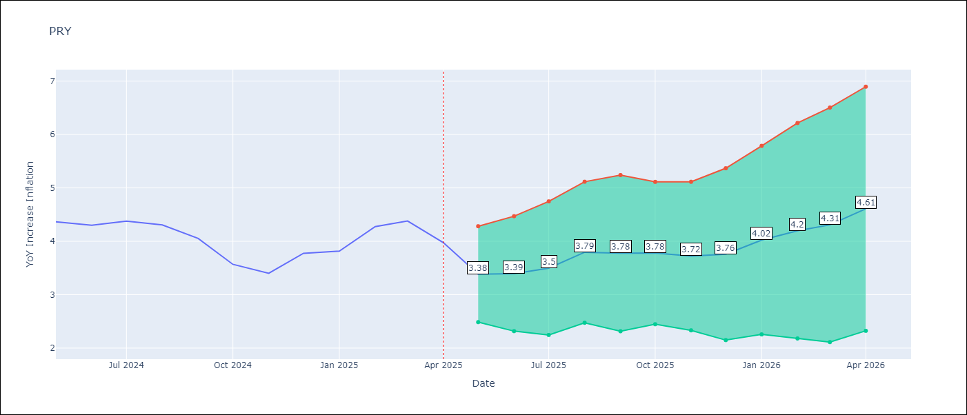

Test Metrics
RMSE | 0.45
Naive RMSE | 0.28
MAPE | 10.12%

Test Predictions
Date | Predicted | Actual
2024-05-01 | 4.0700001717 | 4.36
2024-06-01 | 4.0799999237 | 4.3
2024-07-01 | 4.5300002098 | 4.38
2024-08-01 | 4.5599999428 | 4.31
2024-09-01 | 4.6799998283 | 4.05
2024-10-01 | 4.3499999046 | 3.57
2024-11-01 | 4.2199997902 | 3.4
2024-12-01 | 4.0900001526 | 3.78
2025-01-01 | 3.3399999142 | 3.82
2025-02-01 | 4.0300002098 | 4.27
2025-03-01 | 3.9600000381 | 4.38
2025-04-01 | 4.0700001717 | 3.97

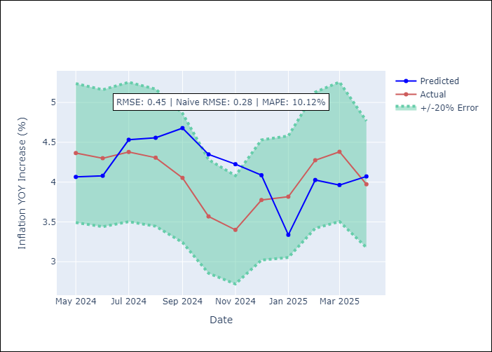

Appendix A: Model Summary
Model | VAR - [(2, 1, 1), (1, 0, 1, 12)]
Sample | 1993-12-01 to 2025-04-01
No. of Observations | 377
Terms | P-value (Statistical significance)

Assumptions | P-value

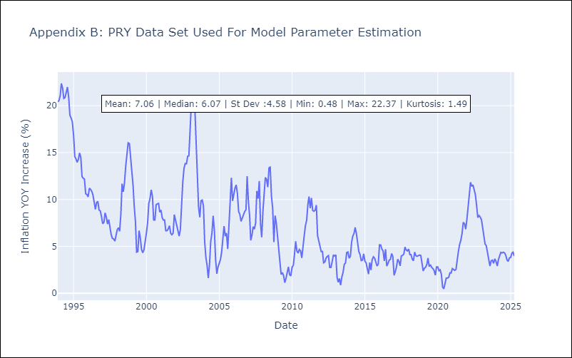

Appendix C: Residuals Analysis
Mean

URY
URY - Inflation - Next 12 months forecast as of: 2025-04-01

Model | CNN - [(0, 2, 1), (3, 0, 0, 12)]
Training Data | 1990-01-01 to 2024-05-01
Test Data | 2024-05-01 to 2025-04-01

Date | Inflation Change YoY % | Lower Bound - 95% Confidence Interval | Upper Bound - 95% Confidence Interval
2025-05-01 | 4.3299999237 | 3.0299999714 | 5.6300001144
2025-06-01 | 4.4000000954 | 3.2799999714 | 5.5100002289
2025-07-01 | 5.1799998283 | 4.1399998665 | 6.2100000381
2025-08-01 | 4.5999999046 | 3.6900000572 | 5.5100002289
2025-09-01 | 4.5300002098 | 3.7899999619 | 5.2600002289
2025-10-01 | 4.8499999046 | 4.1399998665 | 5.5599999428
2025-11-01 | 4.6799998283 | 3.7999999523 | 5.5500001907
2025-12-01 | 4.8400001526 | 3.8900001049 | 5.7899999619
2026-01-01 | 4.4699997902 | 3.5 | 5.4499998093
2026-02-01 | 4.9000000954 | 3.8900001049 | 5.9099998474
2026-03-01 | 5.9200000763 | 5.0500001907 | 6.7899999619
2026-04-01 | 5.4000000954 | 4.4499998093 | 6.3400001526

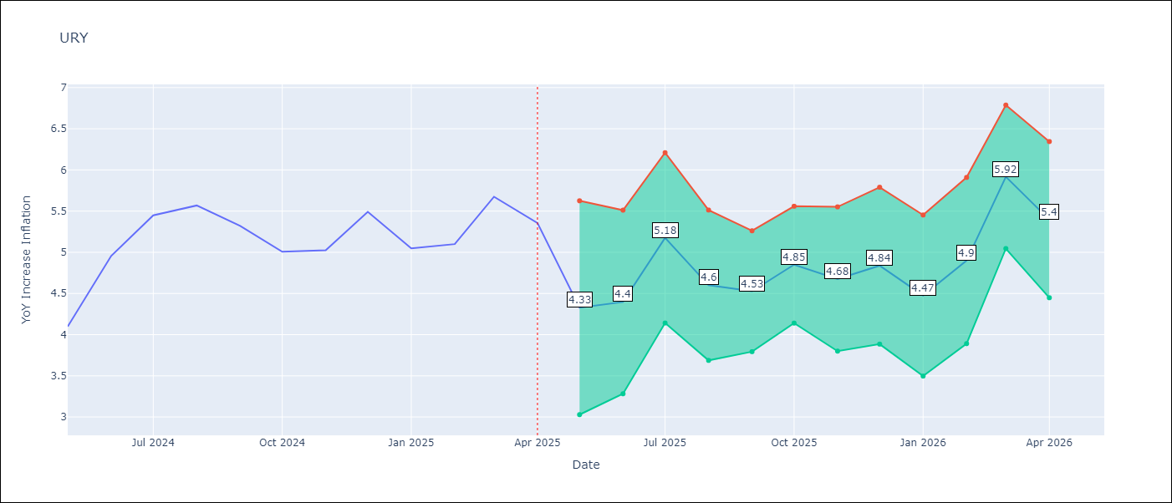

Test Metrics
RMSE | 0.66
Naive RMSE | 0.43
MAPE | 10.88%

Test Predictions
Date | Predicted | Actual
2024-05-01 | 4.0300002098 | 4.1
2024-06-01 | 4.0900001526 | 4.96
2024-07-01 | 4.5700001717 | 5.45
2024-08-01 | 5.2899999619 | 5.57
2024-09-01 | 6.2300000191 | 5.32
2024-10-01 | 6.2399997711 | 5.01
2024-11-01 | 5.5199999809 | 5.03
2024-12-01 | 4.8600001335 | 5.49
2025-01-01 | 4.9200000763 | 5.05
2025-02-01 | 5.5599999428 | 5.1
2025-03-01 | 5.2100000381 | 5.67
2025-04-01 | 4.9400000572 | 5.36

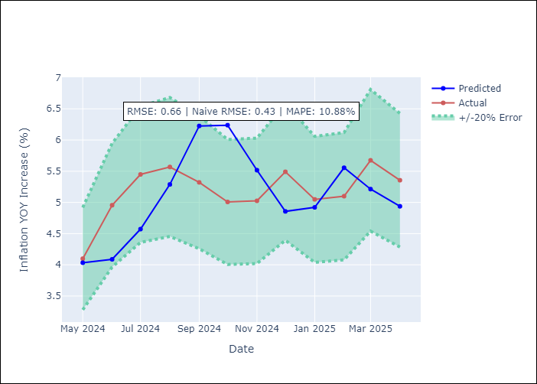

Appendix A: Model Summary
Model | VAR - [(0, 2, 1), (3, 0, 0, 12)]
Sample | 1990-01-01 to 2025-04-01
No. of Observations | 424
Terms | P-value (Statistical significance)

Assumptions | P-value

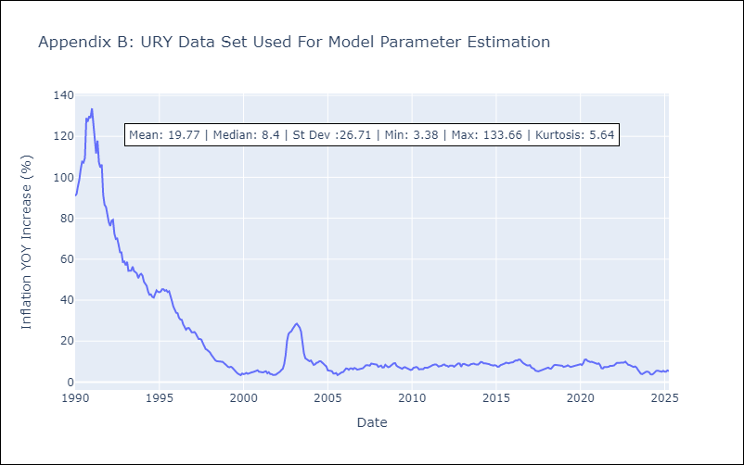

Appendix C: Residuals Analysis
Mean

VEN
VEN - Inflation - Next 12 months forecast as of: 2016-12-01

Model | CNN - [(3, 0, 0), (0, 0, 0, 12)]
Training Data | 2011-01-01 to 2016-01-01
Test Data | 2016-01-01 to 2016-12-01

Date | Inflation Change YoY % | Lower Bound - 95% Confidence Interval | Upper Bound - 95% Confidence Interval
2017-01-01 | 187.92999268 | 152.71000671 | 223.1499939
2017-02-01 | 206.27000427 | 157.27999878 | 255.25999451
2017-03-01 | 199.50999451 | 152.19000244 | 246.83000183
2017-04-01 | 230.55999756 | 184.97999573 | 276.13000488
2017-05-01 | 259.35998535 | 208.05999756 | 310.66000366
2017-06-01 | 276.83999634 | 223.69000244 | 329.98999023
2017-07-01 | 288.8999939 | 235.66999817 | 342.14001465
2017-08-01 | 291.70001221 | 238.53999329 | 344.85998535
2017-09-01 | 295.11999512 | 243.11999512 | 347.13000488
2017-10-01 | 292.61999512 | 239.80000305 | 345.44000244
2017-11-01 | 288.57998657 | 233.55999756 | 343.6000061
2017-12-01 | 292.64001465 | 234.72000122 | 350.55999756

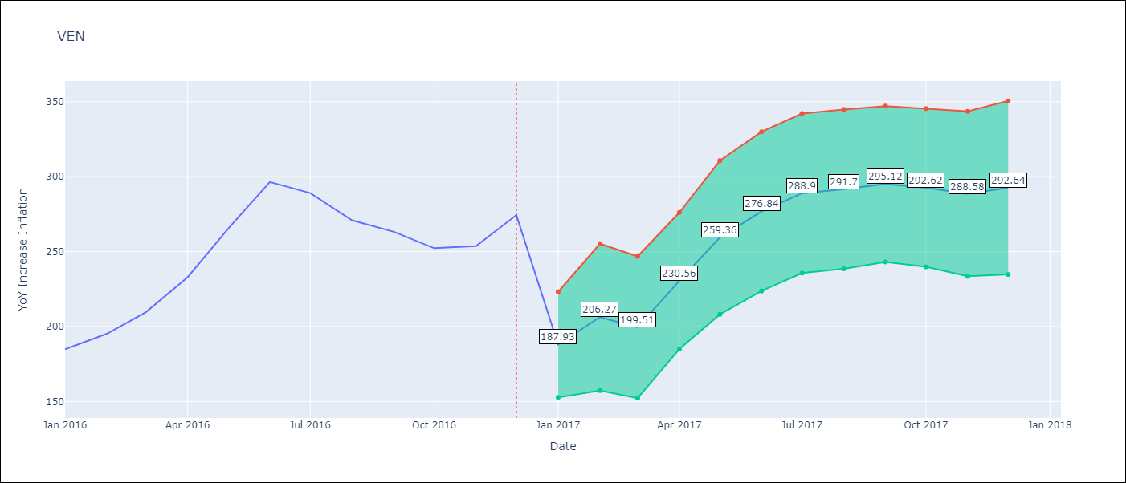

Test Metrics
RMSE | 35.99
Naive RMSE | 18.77
MAPE | 10.49%

Test Predictions
Date | Predicted | Actual
2016-01-01 | 170.50999451 | 184.76
2016-02-01 | 183.11000061 | 195.13
2016-03-01 | 189.94999695 | 209.56
2016-04-01 | 195.88000488 | 232.92
2016-05-01 | 203.38999939 | 265.24
2016-06-01 | 218.97000122 | 296.44
2016-07-01 | 244.13000488 | 289.06
2016-08-01 | 268.57998657 | 270.87
2016-09-01 | 262.95999146 | 263.24
2016-10-01 | 246.6000061 | 252.27
2016-11-01 | 241.21000671 | 253.65
2016-12-01 | 236.94000244 | 274.35

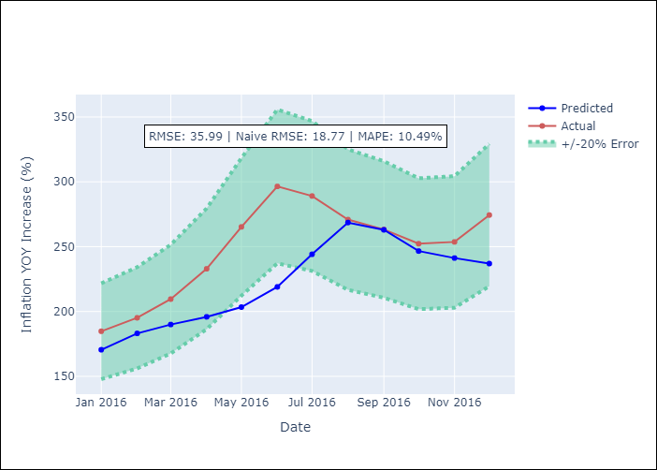

Appendix A: Model Summary
Model | VAR - [(3, 0, 0), (0, 0, 0, 12)]
Sample | 2011-01-01 to 2016-12-01
No. of Observations | 72
Terms | P-value (Statistical significance)

Assumptions | P-value

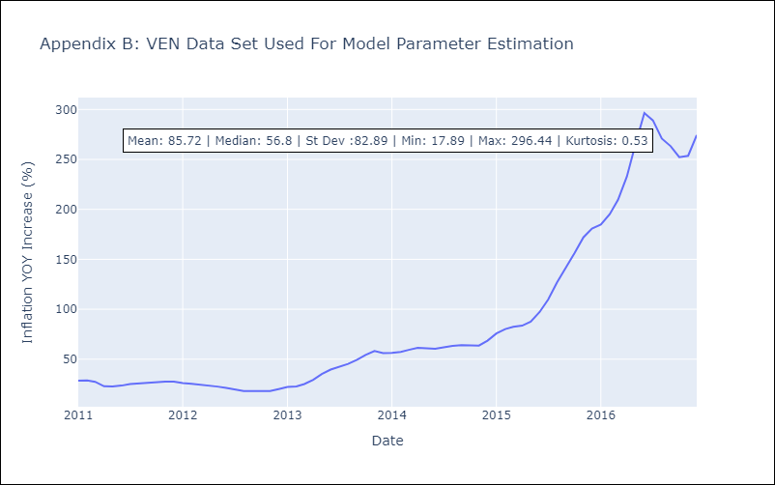

Appendix C: Residuals Analysis
Mean

