CRI
CRI - Inflation - Next 12 months forecast as of: 2025-04-01

Model | CNN - [(2, 1, 1), (2, 0, 1, 12)]
Training Data | 1992-07-01 to 2024-05-01
Test Data | 2024-05-01 to 2025-04-01

Date | Inflation Change YoY % | Lower Bound - 95% Confidence Interval | Upper Bound - 95% Confidence Interval
2025-05-01 | -0.18000000715 | -0.95999997854 | 0.60000002384
2025-06-01 | 0.15000000596 | -0.63999998569 | 0.93000000715
2025-07-01 | 0.34000000358 | -0.18999999762 | 0.87000000477
2025-08-01 | 0.050000000745 | -0.79000002146 | 0.88999998569
2025-09-01 | 0.28999999166 | -0.47999998927 | 1.0599999428
2025-10-01 | 0.73000001907 | -0.050000000745 | 1.5099999905
2025-11-01 | 0.56000000238 | -0.46000000834 | 1.5800000429
2025-12-01 | 0.66000002623 | -0.18999999762 | 1.5199999809
2026-01-01 | 0.80000001192 | -0.40000000596 | 2
2026-02-01 | 1.5900000334 | 0.23000000417 | 2.9600000381
2026-03-01 | 1.8400000334 | 0.51999998093 | 3.1600000858
2026-04-01 | 1.6299999952 | 0.55000001192 | 2.7100000381

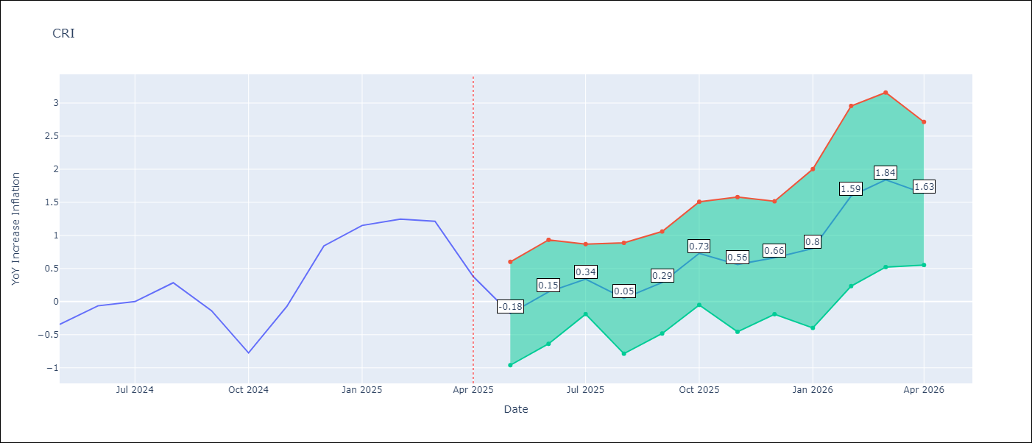

Test Metrics
RMSE | 0.56
Naive RMSE | 0.51
MAPE | inf%

Test Predictions
Date | Predicted | Actual
2024-05-01 | -0.54000002146 | -0.35
2024-06-01 | -0.15000000596 | -0.06
2024-07-01 | -0.25 | 0
2024-08-01 | -0.11999999732 | 0.28
2024-09-01 | -0.10000000149 | -0.14
2024-10-01 | 0.37999999523 | -0.77
2024-11-01 | 0.25999999046 | -0.07
2024-12-01 | 0.12999999523 | 0.84
2025-01-01 | 0.44999998808 | 1.15
2025-02-01 | 0.81999999285 | 1.25
2025-03-01 | 1.0499999523 | 1.21
2025-04-01 | 1.2599999905 | 0.38

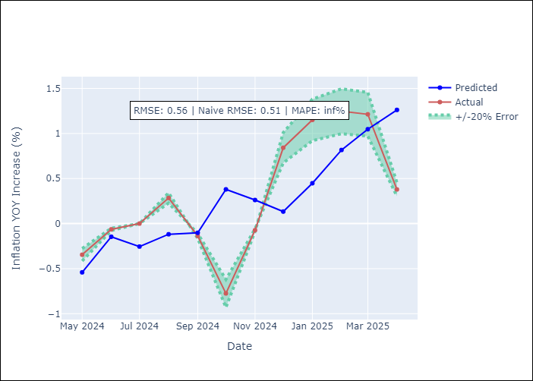

Appendix A: Model Summary
Model | VAR - [(2, 1, 1), (2, 0, 1, 12)]
Sample | 1992-07-01 to 2025-04-01
No. of Observations | 394
Terms | P-value (Statistical significance)

Assumptions | P-value

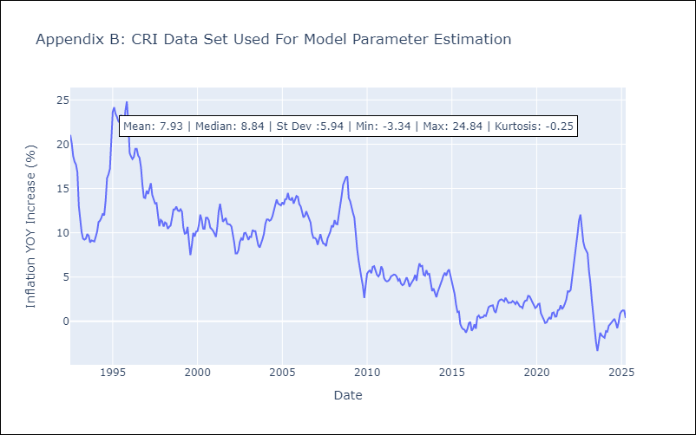

Appendix C: Residuals Analysis
Mean

CUB
CUB - Inflation - Next 12 months forecast as of: 2024-01-01

Model | CNN - [(0, 2, 1), (0, 0, 1, 12)]
Training Data | 2001-01-01 to 2023-02-01
Test Data | 2023-02-01 to 2024-01-01

Date | Inflation Change YoY % | Lower Bound - 95% Confidence Interval | Upper Bound - 95% Confidence Interval
2024-02-01 | 37.430000305 | 23.969999313 | 50.88999939
2024-03-01 | 41.659999847 | 28.090000153 | 55.229999542
2024-04-01 | 39.950000763 | 27.459999084 | 52.439998627
2024-05-01 | 45.569999695 | 30.149999619 | 60.990001678
2024-06-01 | 44.509998322 | 31.629999161 | 57.380001068
2024-07-01 | 37.349998474 | 26.030000687 | 48.669998169
2024-08-01 | 40.150001526 | 28.170000076 | 52.130001068
2024-09-01 | 36.200000763 | 22.819999695 | 49.569999695
2024-10-01 | 38.959999084 | 23.670000076 | 54.25
2024-11-01 | 36.520000458 | 21.590000153 | 51.450000763
2024-12-01 | 35.63999939 | 20.829999924 | 50.450000763
2025-01-01 | 37.61000061 | 22.290000916 | 52.930000305

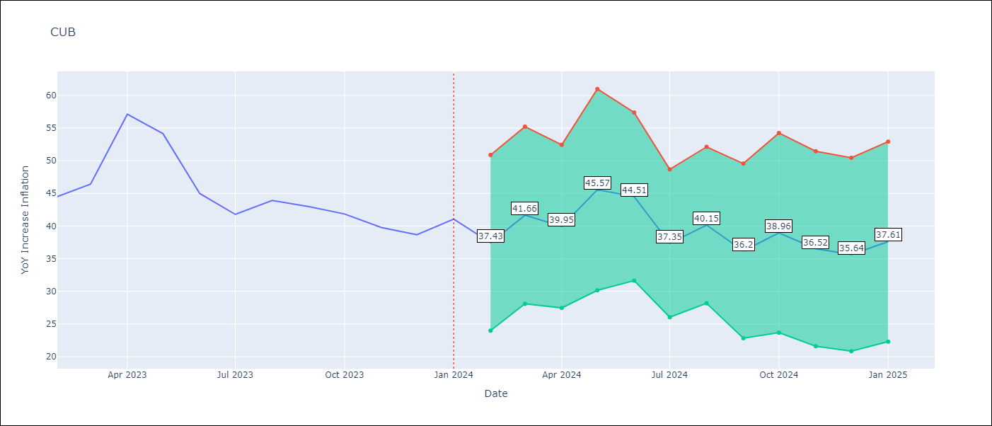

Test Metrics
RMSE | 10.58
Naive RMSE | 4.66
MAPE | 20.26%

Test Predictions
Date | Predicted | Actual
2023-02-01 | 37.38999939 | 44.5
2023-03-01 | 36.240001678 | 46.42
2023-04-01 | 36.810001373 | 57.12
2023-05-01 | 37.669998169 | 54.15
2023-06-01 | 41.75 | 44.99
2023-07-01 | 41.279998779 | 41.77
2023-08-01 | 35.959999084 | 43.91
2023-09-01 | 34.569999695 | 42.96
2023-10-01 | 34.779998779 | 41.84
2023-11-01 | 29.36000061 | 39.78
2023-12-01 | 29.290000916 | 38.67
2024-01-01 | 30.420000076 | 41.06

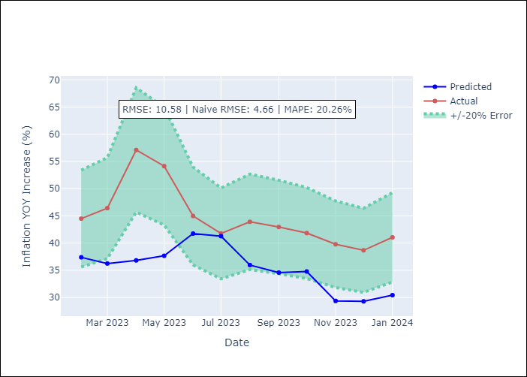

Appendix A: Model Summary
Model | VAR - [(0, 2, 1), (0, 0, 1, 12)]
Sample | 2001-01-01 to 2024-01-01
No. of Observations | 277
Terms | P-value (Statistical significance)

Assumptions | P-value

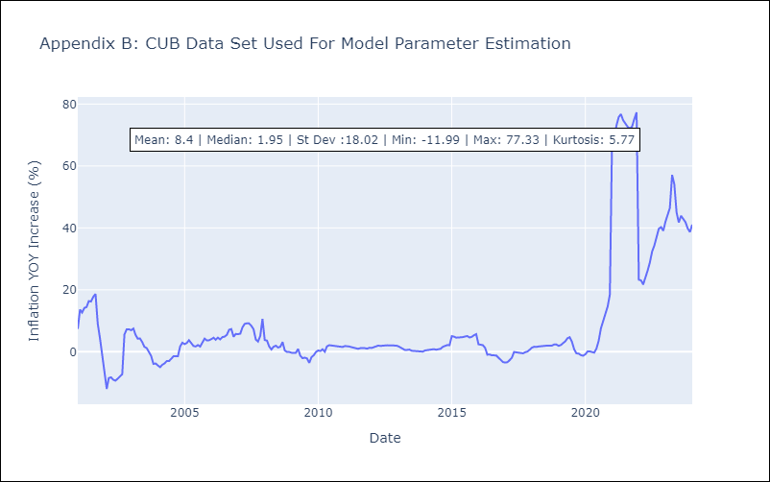

Appendix C: Residuals Analysis
Mean

DOM
DOM - Inflation - Next 12 months forecast as of: 2025-04-01

Model | CNN - [(0, 2, 2), (0, 0, 1, 12)]
Training Data | 1992-01-01 to 2024-05-01
Test Data | 2024-05-01 to 2025-04-01

Date | Inflation Change YoY % | Lower Bound - 95% Confidence Interval | Upper Bound - 95% Confidence Interval
2025-05-01 | 3.0799999237 | 1.8799999952 | 4.2899999619
2025-06-01 | 2.8800001144 | 1.6200000048 | 4.1399998665
2025-07-01 | 2.6800000668 | 1.2899999619 | 4.0700001717
2025-08-01 | 2.4700000286 | 0.91000002623 | 4.0300002098
2025-09-01 | 2.3299999237 | 0.85000002384 | 3.8199999332
2025-10-01 | 1.8899999857 | -0.1099999994 | 3.9000000954
2025-11-01 | 2.5499999523 | 1.0299999714 | 4.0799999237
2025-12-01 | 2.1900000572 | 0.36000001431 | 4.0199999809
2026-01-01 | 2.5999999046 | 1.0700000525 | 4.1399998665
2026-02-01 | 2.6099998951 | 0.80000001192 | 4.4099998474
2026-03-01 | 2.4500000477 | 0.34999999404 | 4.5599999428
2026-04-01 | 2.6800000668 | 0.62000000477 | 4.7399997711

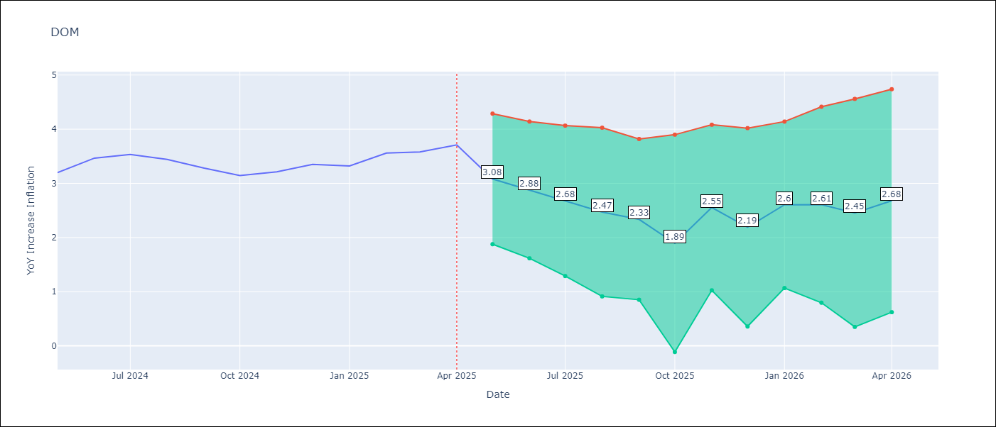

Test Metrics
RMSE | 0.5
Naive RMSE | 0.14
MAPE | 12.29%

Test Predictions
Date | Predicted | Actual
2024-05-01 | 3.2699999809 | 3.2
2024-06-01 | 2.6700000763 | 3.47
2024-07-01 | 2.8399999142 | 3.53
2024-08-01 | 3.2799999714 | 3.44
2024-09-01 | 3.3399999142 | 3.28
2024-10-01 | 3.0799999237 | 3.15
2024-11-01 | 2.8499999046 | 3.21
2024-12-01 | 2.7400000095 | 3.35
2025-01-01 | 2.7999999523 | 3.32
2025-02-01 | 3.0299999714 | 3.56
2025-03-01 | 2.9500000477 | 3.58
2025-04-01 | 3.0999999046 | 3.71

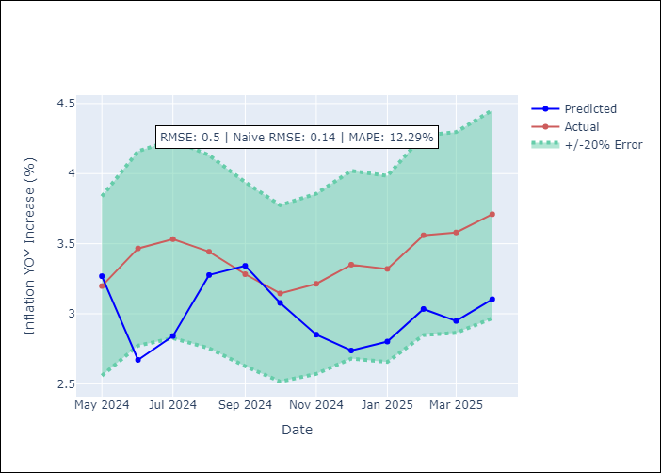

Appendix A: Model Summary
Model | VAR - [(0, 2, 2), (0, 0, 1, 12)]
Sample | 1992-01-01 to 2025-04-01
No. of Observations | 400
Terms | P-value (Statistical significance)

Assumptions | P-value

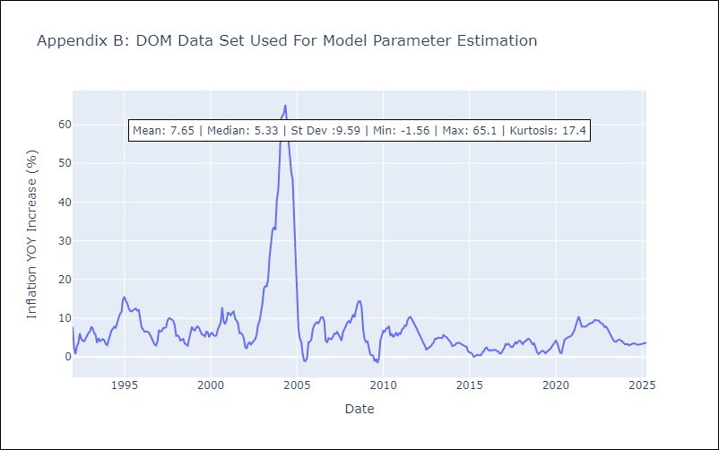

Appendix C: Residuals Analysis
Mean

GTM
GTM - Inflation - Next 12 months forecast as of: 2025-04-01

Model | CNN - [(1, 1, 0), (0, 0, 2, 12)]
Training Data | 1992-07-01 to 2024-05-01
Test Data | 2024-05-01 to 2025-04-01

Date | Inflation Change YoY % | Lower Bound - 95% Confidence Interval | Upper Bound - 95% Confidence Interval
2025-05-01 | 3.9700000286 | 3.1600000858 | 4.7899999619
2025-06-01 | 3.7400000095 | 2.9600000381 | 4.5100002289
2025-07-01 | 3.75 | 3.0199999809 | 4.4699997902
2025-08-01 | 3.5299999714 | 2.5999999046 | 4.4499998093
2025-09-01 | 3.7100000381 | 2.8499999046 | 4.5599999428
2025-10-01 | 3.5399999619 | 2.5699999332 | 4.5100002289
2025-11-01 | 3.6099998951 | 2.7699999809 | 4.4600000381
2025-12-01 | 3.75 | 2.8499999046 | 4.6500000954
2026-01-01 | 3.9000000954 | 2.8199999332 | 4.9800000191
2026-02-01 | 4.1100001335 | 2.9000000954 | 5.3299999237
2026-03-01 | 3.9400000572 | 2.6400001049 | 5.2300000191
2026-04-01 | 4.1700000763 | 2.7599999905 | 5.5799999237

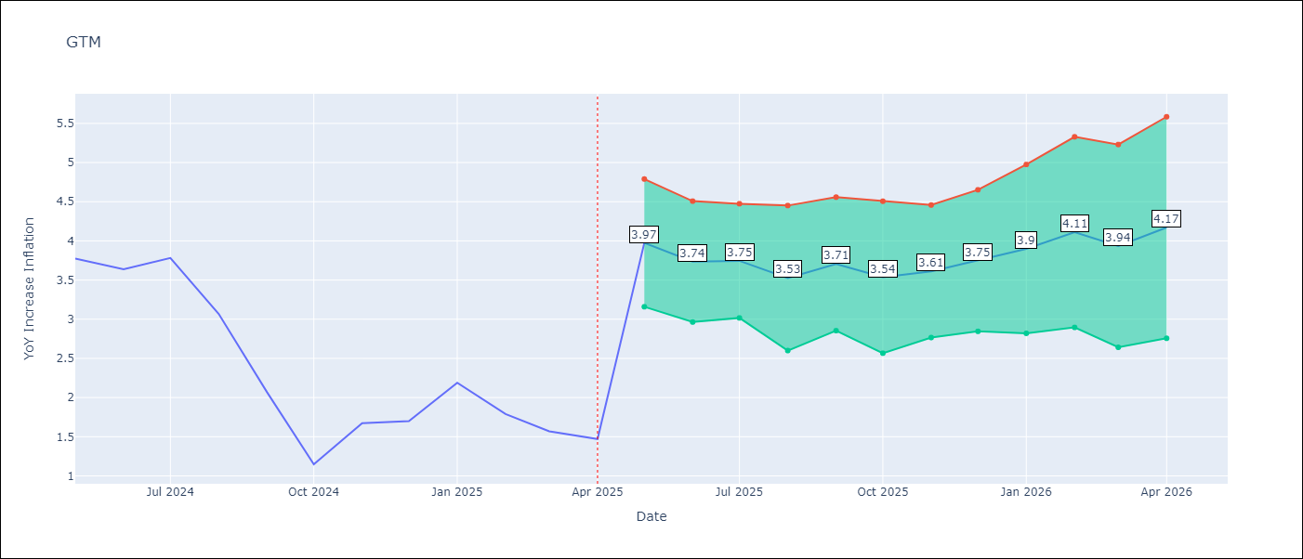

Test Metrics
RMSE | 0.9
Naive RMSE | 0.53
MAPE | 37.92%

Test Predictions
Date | Predicted | Actual
2024-05-01 | 3.6500000954 | 3.77
2024-06-01 | 4.2399997711 | 3.64
2024-07-01 | 4.3299999237 | 3.78
2024-08-01 | 3.7200000286 | 3.07
2024-09-01 | 4.0199999809 | 2.07
2024-10-01 | 3 | 1.15
2024-11-01 | 2.2799999714 | 1.67
2024-12-01 | 1.9900000095 | 1.7
2025-01-01 | 2.1500000954 | 2.19
2025-02-01 | 1.8500000238 | 1.79
2025-03-01 | 2.4200000763 | 1.57
2025-04-01 | 1.9400000572 | 1.47

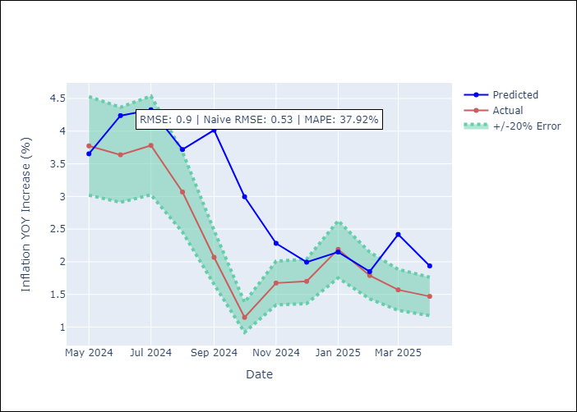

Appendix A: Model Summary
Model | VAR - [(1, 1, 0), (0, 0, 2, 12)]
Sample | 1992-07-01 to 2025-04-01
No. of Observations | 394
Terms | P-value (Statistical significance)

Assumptions | P-value

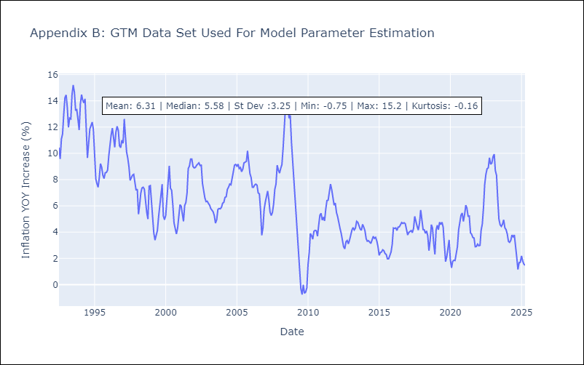

Appendix C: Residuals Analysis
Mean

HND
HND - Inflation - Next 12 months forecast as of: 2025-04-01

Model | CNN - [(2, 0, 1), (0, 0, 2, 12)]
Training Data | 1992-07-01 to 2024-05-01
Test Data | 2024-05-01 to 2025-04-01

Date | Inflation Change YoY % | Lower Bound - 95% Confidence Interval | Upper Bound - 95% Confidence Interval
2025-05-01 | 5.2100000381 | 4.7199997902 | 5.6999998093
2025-06-01 | 5.2800002098 | 4.7800002098 | 5.7699999809
2025-07-01 | 5.6100001335 | 4.9299998283 | 6.2899999619
2025-08-01 | 5.5399999619 | 4.9499998093 | 6.1300001144
2025-09-01 | 5.3200001717 | 4.75 | 5.8899998665
2025-10-01 | 5.2800002098 | 4.7100000381 | 5.8400001526
2025-11-01 | 5.4600000381 | 5.0500001907 | 5.8699998856
2025-12-01 | 5.5100002289 | 4.9899997711 | 6.0199999809
2026-01-01 | 6.0300002098 | 5.3600001335 | 6.6999998093
2026-02-01 | 6.5 | 5.8000001907 | 7.2100000381
2026-03-01 | 6.5199999809 | 5.7100000381 | 7.3299999237
2026-04-01 | 6.3800001144 | 5.4800000191 | 7.2800002098

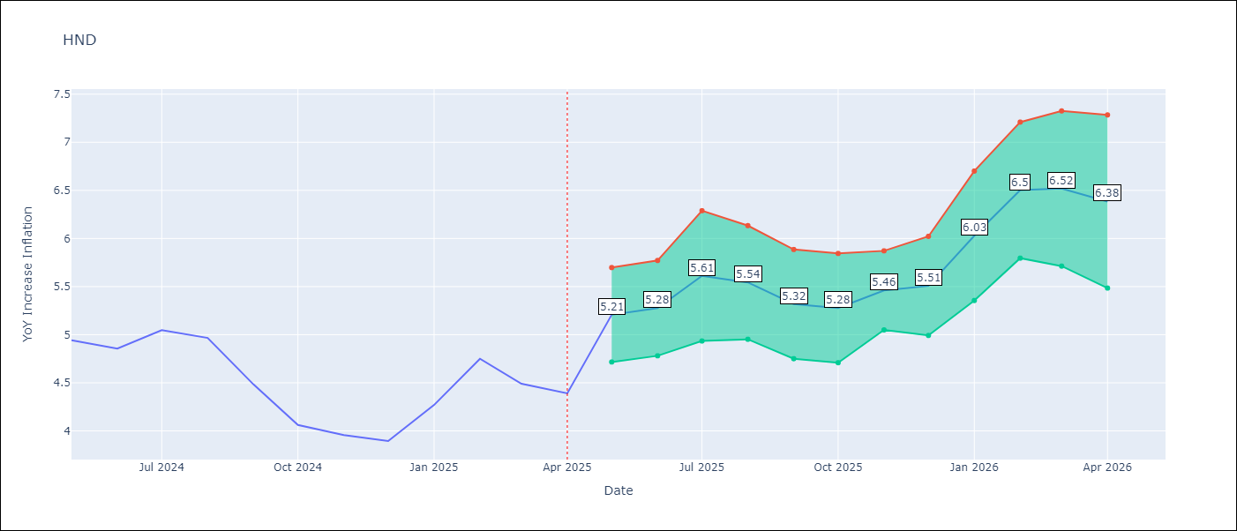

Test Metrics
RMSE | 0.44
Naive RMSE | 0.29
MAPE | 8.72%

Test Predictions
Date | Predicted | Actual
2024-05-01 | 5.0300002098 | 4.94
2024-06-01 | 5.2699999809 | 4.86
2024-07-01 | 5.3699998856 | 5.05
2024-08-01 | 4.7800002098 | 4.97
2024-09-01 | 4.9899997711 | 4.48
2024-10-01 | 4.8099999428 | 4.06
2024-11-01 | 4.3600001335 | 3.96
2024-12-01 | 4.1700000763 | 3.89
2025-01-01 | 3.9600000381 | 4.27
2025-02-01 | 3.9600000381 | 4.75
2025-03-01 | 4.3299999237 | 4.49
2025-04-01 | 4.8200001717 | 4.39

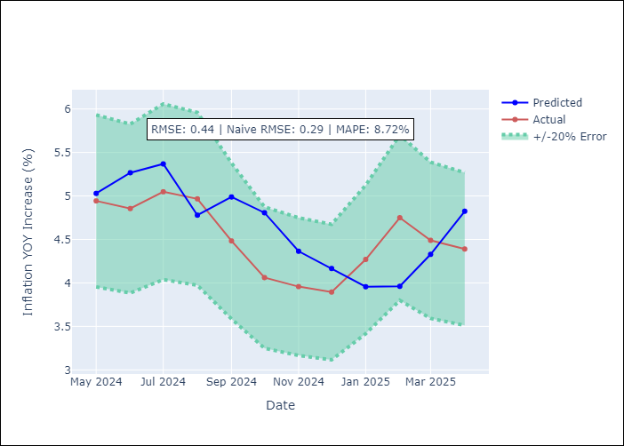

Appendix A: Model Summary
Model | VAR - [(2, 0, 1), (0, 0, 2, 12)]
Sample | 1992-07-01 to 2025-04-01
No. of Observations | 394
Terms | P-value (Statistical significance)

Assumptions | P-value

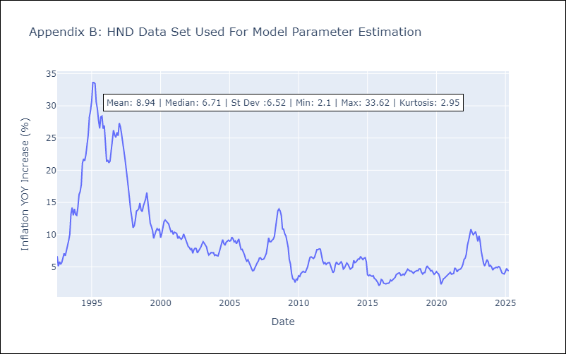

Appendix C: Residuals Analysis
Mean

HTI
HTI - Inflation - Next 12 months forecast as of: 2024-03-01

Model | CNN - [(2, 0, 1), (3, 0, 0, 12)]
Training Data | 1996-01-01 to 2023-04-01
Test Data | 2023-04-01 to 2024-03-01

Date | Inflation Change YoY % | Lower Bound - 95% Confidence Interval | Upper Bound - 95% Confidence Interval
2024-04-01 | 49.299999237 | 38.840000153 | 59.75
2024-05-01 | 48.36000061 | 37.770000458 | 58.950000763
2024-06-01 | 46.810001373 | 36.409999847 | 57.209999084
2024-07-01 | 44.709999084 | 35.819999695 | 53.599998474
2024-08-01 | 42.340000153 | 33.669998169 | 51.020000458
2024-09-01 | 37.88999939 | 29.129999161 | 46.63999939
2024-10-01 | 34.479999542 | 26.780000687 | 42.180000305
2024-11-01 | 31.049999237 | 23.059999466 | 39.040000916
2024-12-01 | 29.75 | 23.090000153 | 36.409999847
2025-01-01 | 25.38999939 | 17.459999084 | 33.319999695
2025-02-01 | 24.989999771 | 17.940000534 | 32.040000916
2025-03-01 | 27.770000458 | 20.629999161 | 34.909999847

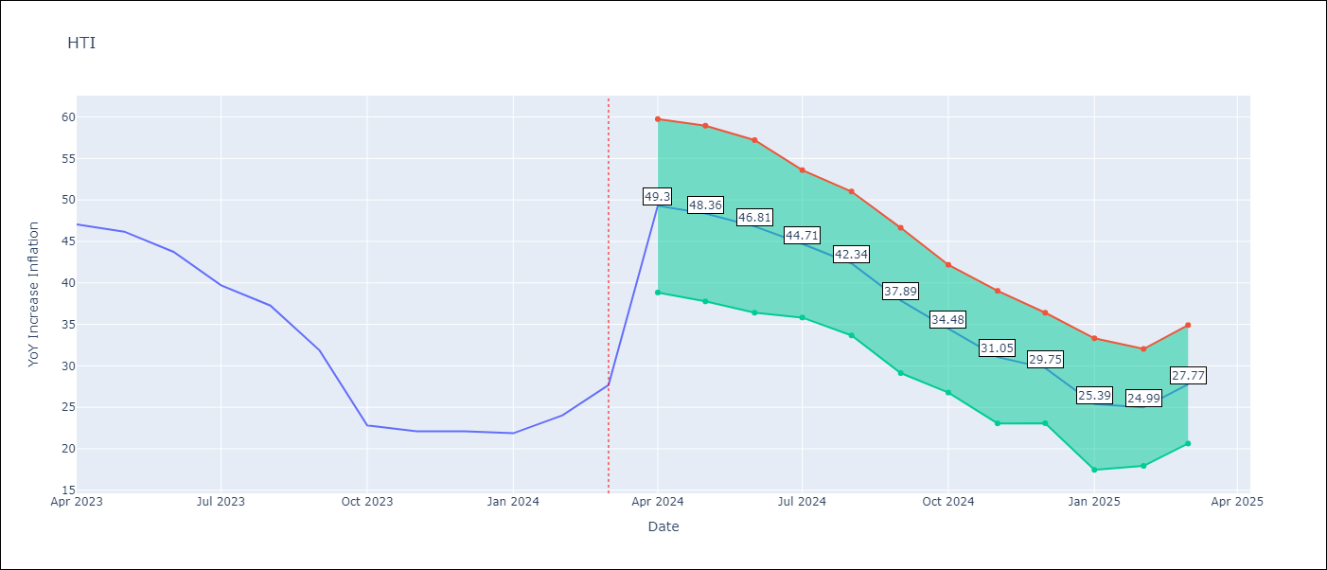

Test Metrics
RMSE | 4.95
Naive RMSE | 3.79
MAPE | 14.28%

Test Predictions
Date | Predicted | Actual
2023-04-01 | 45.209999084 | 47.04
2023-05-01 | 46.38999939 | 46.18
2023-06-01 | 45.659999847 | 43.75
2023-07-01 | 43.38999939 | 39.71
2023-08-01 | 40.169998169 | 37.27
2023-09-01 | 36.790000916 | 31.86
2023-10-01 | 33.869998932 | 22.83
2023-11-01 | 28.340000153 | 22.12
2023-12-01 | 19.280000687 | 22.12
2024-01-01 | 21.100000381 | 21.87
2024-02-01 | 22.229999542 | 24.04
2024-03-01 | 19.479999542 | 27.7

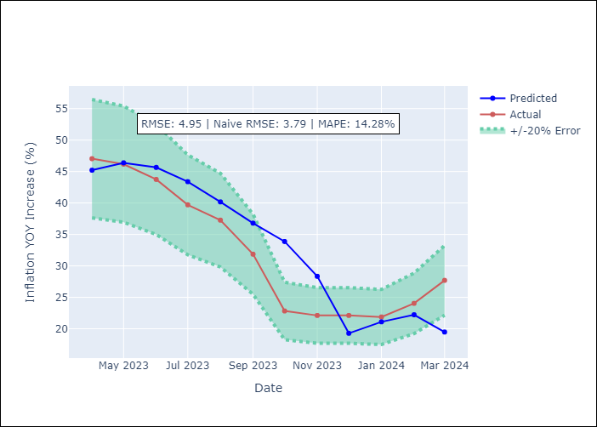

Appendix A: Model Summary
Model | VAR - [(2, 0, 1), (3, 0, 0, 12)]
Sample | 1996-01-01 to 2024-03-01
No. of Observations | 339
Terms | P-value (Statistical significance)

Assumptions | P-value

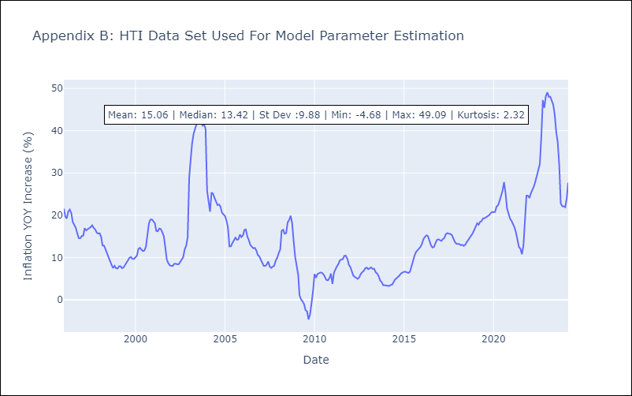

Appendix C: Residuals Analysis
Mean

MEX
MEX - Inflation - Next 12 months forecast as of: 2025-04-01

Model | CNN - [(3, 1, 1), (0, 0, 2, 12)]
Training Data | 1990-01-01 to 2024-05-01
Test Data | 2024-05-01 to 2025-04-01

Date | Inflation Change YoY % | Lower Bound - 95% Confidence Interval | Upper Bound - 95% Confidence Interval
2025-05-01 | 4.2100000381 | 3.1800000668 | 5.25
2025-06-01 | 4.4000000954 | 3.0699999332 | 5.7300000191
2025-07-01 | 4.3800001144 | 3.1600000858 | 5.5999999046
2025-08-01 | 4.4099998474 | 3.1199998856 | 5.7100000381
2025-09-01 | 4.5300002098 | 2.9700000286 | 6.0999999046
2025-10-01 | 4.4899997711 | 3.1700000763 | 5.8099999428
2025-11-01 | 4.4000000954 | 3.4900000095 | 5.3200001717
2025-12-01 | 4.4800000191 | 3.5 | 5.4499998093
2026-01-01 | 4.3800001144 | 3.6400001049 | 5.1300001144
2026-02-01 | 4.3400001526 | 3.4500000477 | 5.2399997711
2026-03-01 | 4.4400000572 | 3.7799999714 | 5.0999999046
2026-04-01 | 4.5900001526 | 3.8099999428 | 5.3600001335

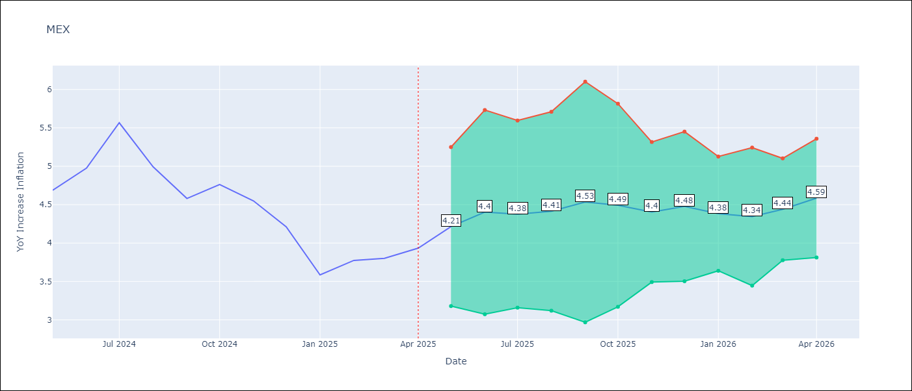

Test Metrics
RMSE | 0.56
Naive RMSE | 0.38
MAPE | 9.69%

Test Predictions
Date | Predicted | Actual
2024-05-01 | 4.5700001717 | 4.69
2024-06-01 | 4.7899999619 | 4.98
2024-07-01 | 4.8000001907 | 5.57
2024-08-01 | 5.1799998283 | 4.99
2024-09-01 | 5.8499999046 | 4.58
2024-10-01 | 5.0500001907 | 4.76
2024-11-01 | 4.6300001144 | 4.55
2024-12-01 | 4.8200001717 | 4.21
2025-01-01 | 4.4299998283 | 3.59
2025-02-01 | 4.2800002098 | 3.77
2025-03-01 | 3.6300001144 | 3.8
2025-04-01 | 3.9000000954 | 3.93

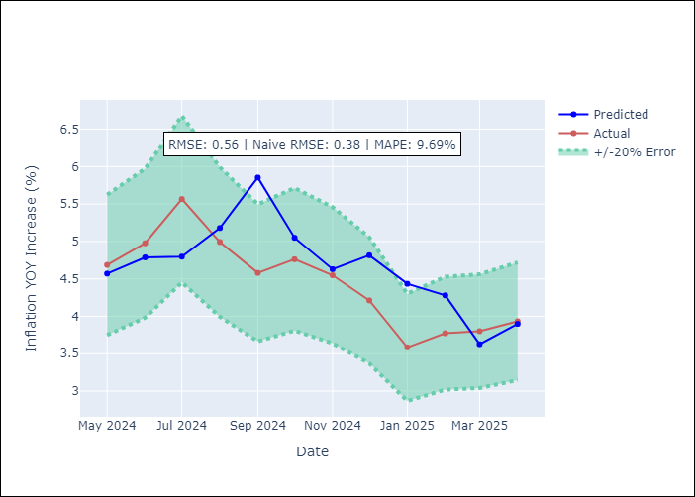

Appendix A: Model Summary
Model | VAR - [(3, 1, 1), (0, 0, 2, 12)]
Sample | 1990-01-01 to 2025-04-01
No. of Observations | 424
Terms | P-value (Statistical significance)

Assumptions | P-value

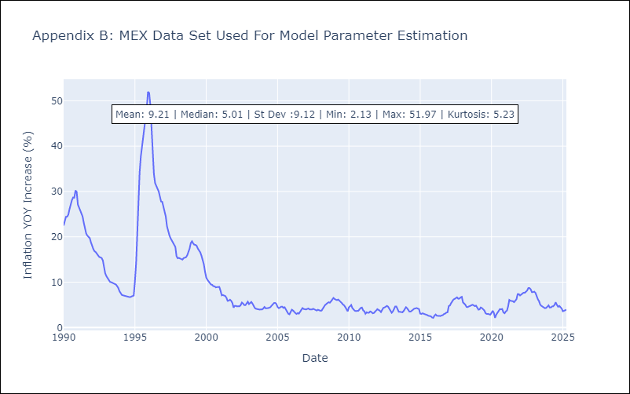

Appendix C: Residuals Analysis
Mean

NIC
NIC - Inflation - Next 12 months forecast as of: 2025-04-01

Model | CNN - [(1, 1, 0), (2, 0, 1, 12)]
Training Data | 2010-12-01 to 2024-04-01
Test Data | 2024-04-01 to 2025-04-01

Date | Inflation Change YoY % | Lower Bound - 95% Confidence Interval | Upper Bound - 95% Confidence Interval
2025-05-01 | 5.6300001144 | 4.8600001335 | 6.3899998665
2025-06-01 | 5.3299999237 | 4.6900000572 | 5.9600000381
2025-07-01 | 5.5900001526 | 4.8600001335 | 6.3099999428
2025-08-01 | 5.4600000381 | 4.7600002289 | 6.1500000954
2025-09-01 | 5.2300000191 | 4.5999999046 | 5.8600001335
2025-10-01 | 5.25 | 4.5999999046 | 5.8899998665
2025-11-01 | 4.8400001526 | 4.2899999619 | 5.3899998665
2025-12-01 | 4.6999998093 | 4.1799998283 | 5.2300000191
2026-01-01 | 4.5300002098 | 3.9100000858 | 5.1399998665
2026-02-01 | 3.7599999905 | 2.9300000668 | 4.5900001526
2026-03-01 | 3.7400000095 | 3.0199999809 | 4.4600000381
2026-04-01 | 3.3499999046 | 2.5 | 4.1999998093

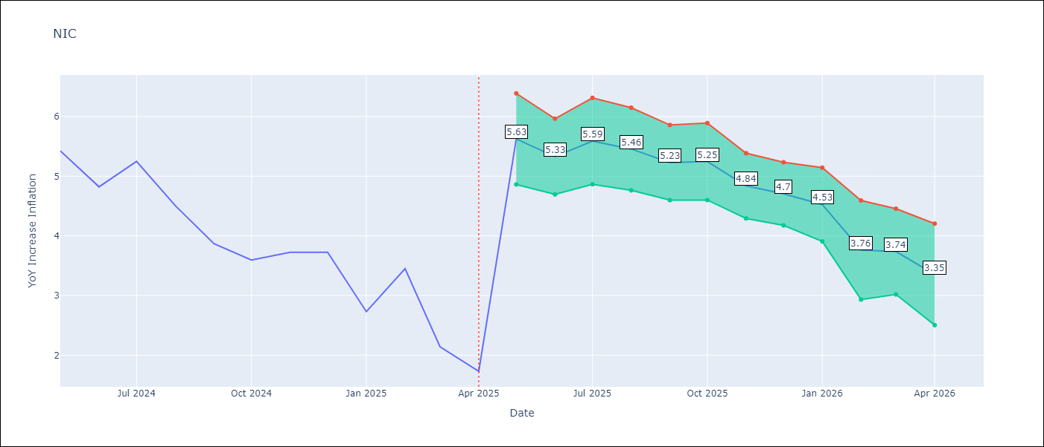

Test Metrics
RMSE | 0.76
Naive RMSE | 0.67
MAPE | 20.2%

Test Predictions
Date | Predicted | Actual
2024-04-01 | 5.4200000763 | 5.42
2024-05-01 | 5.9099998474 | 5.43
2024-06-01 | 5.3800001144 | 4.82
2024-07-01 | 5.2600002289 | 5.25
2024-08-01 | 5.1500000954 | 4.51
2024-09-01 | 5.1100001335 | 3.87
2024-10-01 | 4.3800001144 | 3.59
2024-11-01 | 3.7200000286 | 3.73
2025-01-01 | 3.5299999714 | 2.73
2025-02-01 | 3.3900001049 | 3.45
2025-03-01 | 2.6099998951 | 2.14
2025-04-01 | 3.4600000381 | 1.73

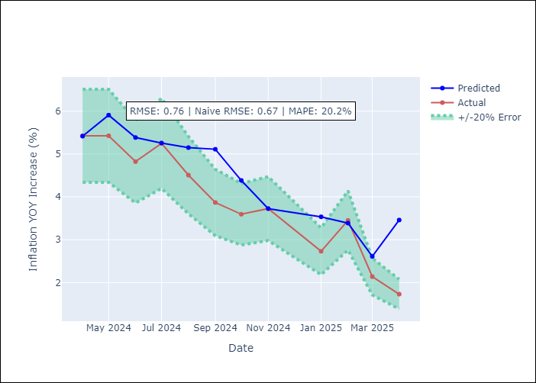

Appendix A: Model Summary
Model | VAR - [(1, 1, 0), (2, 0, 1, 12)]
Sample | 2010-12-01 to 2025-04-01
No. of Observations | 172
Terms | P-value (Statistical significance)

Assumptions | P-value

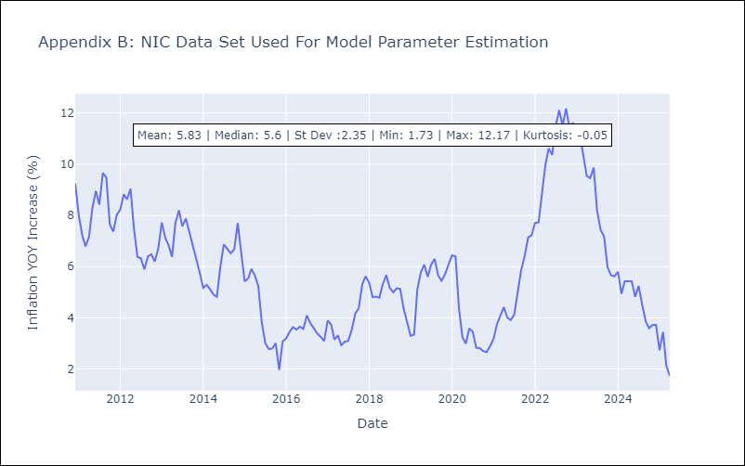

Appendix C: Residuals Analysis
Mean

PAN
PAN - Inflation - Next 12 months forecast as of: 2025-04-01

Model | CNN - [(2, 1, 1), (2, 0, 1, 12)]
Training Data | 1992-07-01 to 2024-05-01
Test Data | 2024-05-01 to 2025-04-01

Date | Inflation Change YoY % | Lower Bound - 95% Confidence Interval | Upper Bound - 95% Confidence Interval
2025-05-01 | 1.4900000095 | 1.0199999809 | 1.9600000381
2025-06-01 | 1.2899999619 | 0.74000000954 | 1.8500000238
2025-07-01 | 1.2999999523 | 0.81000000238 | 1.7999999523
2025-08-01 | 0.98000001907 | 0.33000001311 | 1.6399999857
2025-09-01 | 0.86000001431 | 0.17000000179 | 1.5499999523
2025-10-01 | 0.63999998569 | -0.090000003576 | 1.3700000048
2025-11-01 | 0.62999999523 | -0.23999999464 | 1.4900000095
2025-12-01 | 0.50999999046 | -0.40999999642 | 1.4299999475
2026-01-01 | 0.57999998331 | -0.31000000238 | 1.4800000191
2026-02-01 | 0.75 | -0.019999999553 | 1.5199999809
2026-03-01 | 0.72000002861 | -0.12999999523 | 1.5700000525
2026-04-01 | 0.81999999285 | 0.10000000149 | 1.5299999714

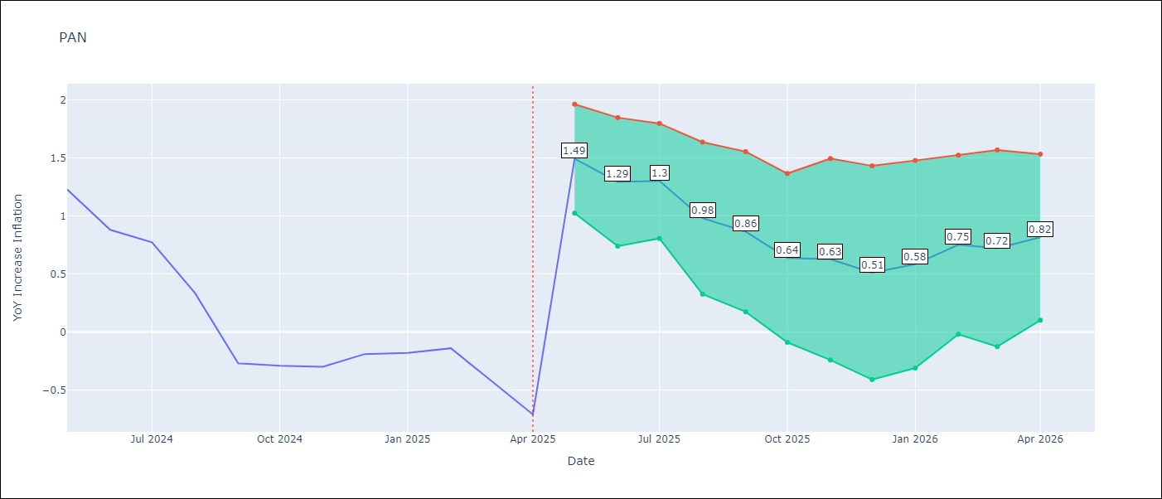

Test Metrics
RMSE | 0.46
Naive RMSE | 0.28
MAPE | 75.21%

Test Predictions
Date | Predicted | Actual
2024-05-01 | 1.9600000381 | 1.23
2024-06-01 | 1.7799999714 | 0.88
2024-07-01 | 1.5099999905 | 0.77
2024-08-01 | 0.61000001431 | 0.33
2024-09-01 | 0.25999999046 | -0.27
2024-10-01 | 0.11999999732 | -0.29
2024-11-01 | -0.44999998808 | -0.3
2024-12-01 | -0.41999998689 | -0.19
2025-01-01 | -0.18000000715 | -0.18
2025-02-01 | -0.12999999523 | -0.14
2025-03-01 | -0.38999998569 | -0.41
2025-04-01 | -0.44999998808 | -0.71

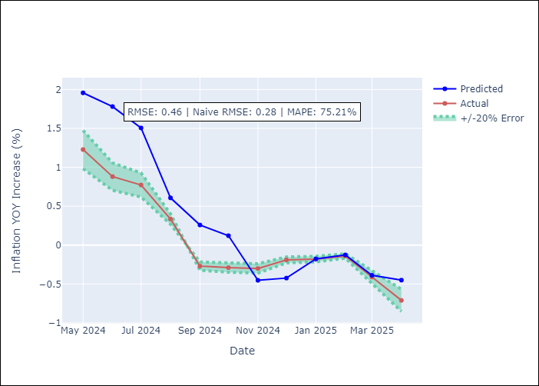

Appendix A: Model Summary
Model | VAR - [(2, 1, 1), (2, 0, 1, 12)]
Sample | 1992-07-01 to 2025-04-01
No. of Observations | 394
Terms | P-value (Statistical significance)

Assumptions | P-value

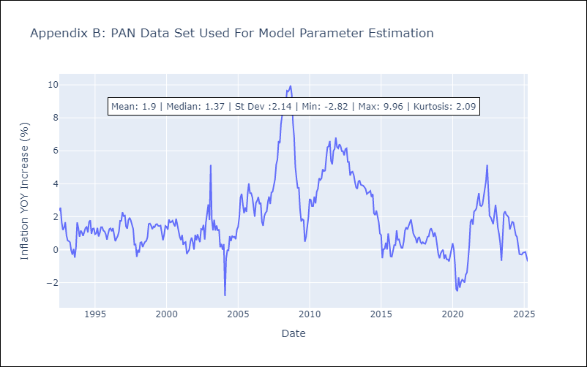

Appendix C: Residuals Analysis
Mean

SLV
SLV - Inflation - Next 12 months forecast as of: 2025-04-01

Model | CNN - [(1, 1, 0), (2, 0, 1, 12)]
Training Data | 1992-07-01 to 2024-05-01
Test Data | 2024-05-01 to 2025-04-01

Date | Inflation Change YoY % | Lower Bound - 95% Confidence Interval | Upper Bound - 95% Confidence Interval
2025-05-01 | 1.6000000238 | 1 | 2.1900000572
2025-06-01 | 1.4199999571 | 0.93999999762 | 1.8999999762
2025-07-01 | 1.3700000048 | 0.77999997139 | 1.9600000381
2025-08-01 | 1.1699999571 | 0.68999999762 | 1.6599999666
2025-09-01 | 1.3600000143 | 0.89999997616 | 1.8200000525
2025-10-01 | 1.2999999523 | 0.74000000954 | 1.8600000143
2025-11-01 | 1.2999999523 | 0.67000001669 | 1.9299999475
2025-12-01 | 1.3400000334 | 0.47999998927 | 2.2000000477
2026-01-01 | 1.2599999905 | 0.33000001311 | 2.2000000477
2026-02-01 | 1.2300000191 | 0.21999999881 | 2.2300000191
2026-03-01 | 1.1100000143 | 0.079999998212 | 2.1500000954
2026-04-01 | 1.1100000143 | 0.029999999329 | 2.1900000572

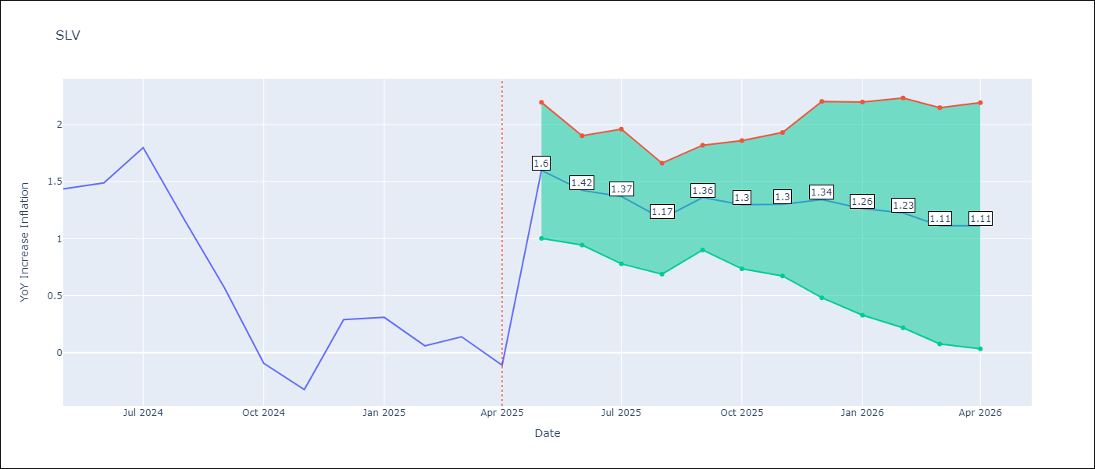

Test Metrics
RMSE | 0.61
Naive RMSE | 0.41
MAPE | 272.08%

Test Predictions
Date | Predicted | Actual
2024-05-01 | 0.87999999523 | 1.44
2024-06-01 | 1.4299999475 | 1.49
2024-07-01 | 1.5 | 1.8
2024-08-01 | 1.4299999475 | 1.17
2024-09-01 | 1.6799999475 | 0.57
2024-10-01 | 1.1000000238 | -0.09
2024-11-01 | 0.38999998569 | -0.32
2024-12-01 | -0.050000000745 | 0.29
2025-01-01 | -0.21999999881 | 0.31
2025-02-01 | 0.54000002146 | 0.06
2025-03-01 | 0.62000000477 | 0.14
2025-04-01 | -0.15000000596 | -0.11

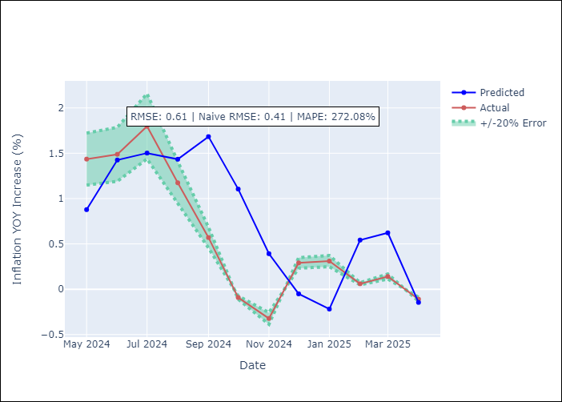

Appendix A: Model Summary
Model | VAR - [(1, 1, 0), (2, 0, 1, 12)]
Sample | 1992-07-01 to 2025-04-01
No. of Observations | 394
Terms | P-value (Statistical significance)

Assumptions | P-value

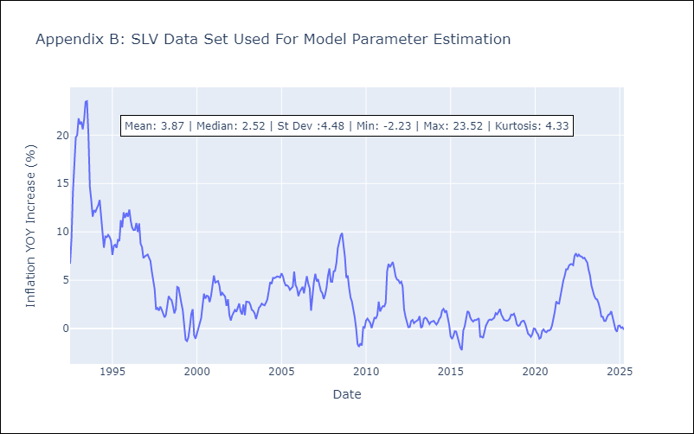

Appendix C: Residuals Analysis
Mean

