ATG
ATG - Inflation - Next 12 months forecast as of: 2025-01-01

Model | CNN - [(0, 1, 1), (0, 0, 1, 12)]
Training Data | 2002-01-01 to 2024-02-01
Test Data | 2024-02-01 to 2025-01-01

Date | Inflation Change YoY % | Lower Bound - 95% Confidence Interval | Upper Bound - 95% Confidence Interval
2025-02-01 | 7.2899999619 | 5 | 9.5799999237
2025-03-01 | 6.2600002289 | 4.3699998856 | 8.1499996185
2025-04-01 | 6.9699997902 | 5.0300002098 | 8.9099998474
2025-05-01 | 7.4699997902 | 5.3899998665 | 9.5399999619
2025-06-01 | 7.6399998665 | 5.7100000381 | 9.5799999237
2025-07-01 | 6.7800002098 | 5.0599999428 | 8.5
2025-08-01 | 6.8000001907 | 5.0900001526 | 8.5100002289
2025-09-01 | 6.1799998283 | 4.6399998665 | 7.7100000381
2025-10-01 | 6.3600001335 | 4.6399998665 | 8.0699996948
2025-11-01 | 6.4899997711 | 4.3699998856 | 8.6099996567
2025-12-01 | 5.7600002289 | 4.1399998665 | 7.3800001144
2026-01-01 | 4.0399999619 | 2.3800001144 | 5.7100000381

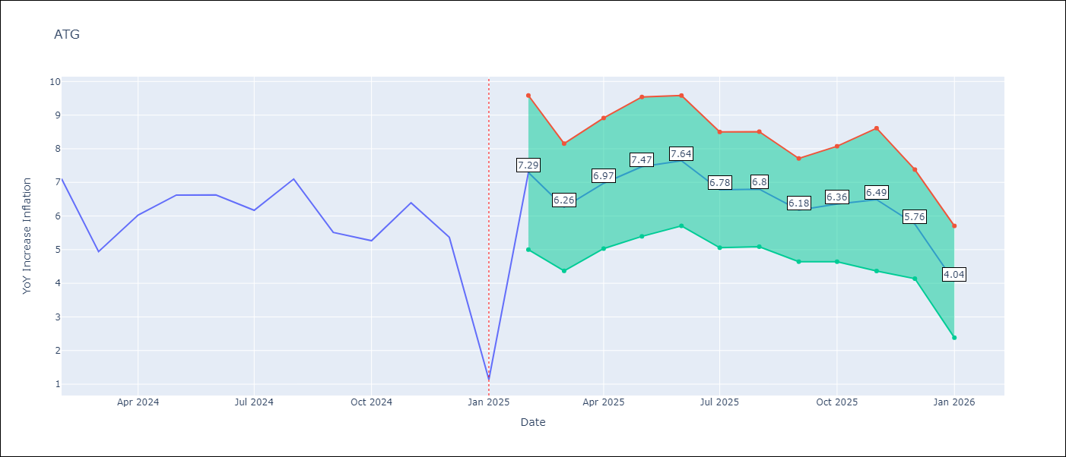

Test Metrics
RMSE | 1.73
Naive RMSE | 1.65
MAPE | 47.17%

Test Predictions
Date | Predicted | Actual
2024-02-01 | 7.1700000763 | 7.11
2024-03-01 | 7.0399999619 | 4.94
2024-04-01 | 5.9499998093 | 6.03
2024-05-01 | 5.1799998283 | 6.62
2024-06-01 | 7.9000000954 | 6.63
2024-07-01 | 7.8200001717 | 6.17
2024-08-01 | 5.0900001526 | 7.1
2024-09-01 | 5.3099999428 | 5.51
2024-10-01 | 6.4000000954 | 5.27
2024-11-01 | 6.9600000381 | 6.39
2024-12-01 | 6.9499998093 | 5.37
2025-01-01 | 5.25 | 1.14

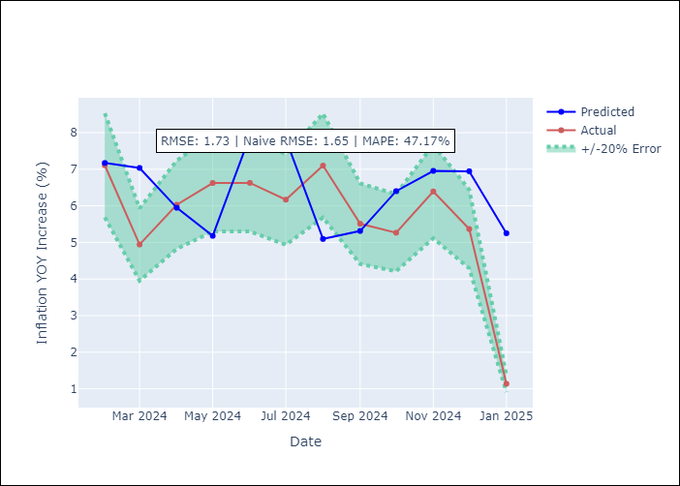

Appendix A: Model Summary
Model | VAR - [(0, 1, 1), (0, 0, 1, 12)]
Sample | 2002-01-01 to 2025-01-01
No. of Observations | 277
Terms | P-value (Statistical significance)

Assumptions | P-value

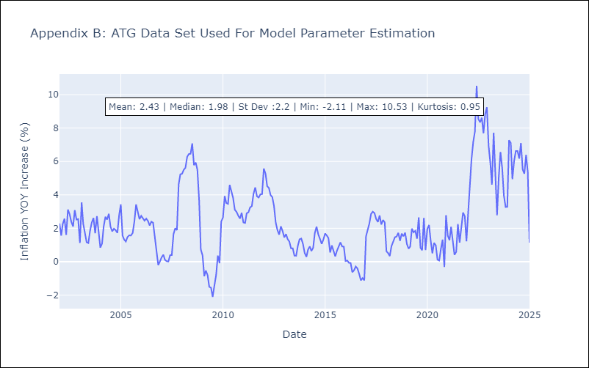

Appendix C: Residuals Analysis
Mean

BHS
BHS - Inflation - Next 12 months forecast as of: 2025-02-01

Model | CNN - [(1, 0, 0), (3, 0, 1, 12)]
Training Data | 1998-01-01 to 2024-03-01
Test Data | 2024-03-01 to 2025-02-01

Date | Inflation Change YoY % | Lower Bound - 95% Confidence Interval | Upper Bound - 95% Confidence Interval
2025-03-01 | 1.2899999619 | 0.44999998808 | 2.1300001144
2025-04-01 | 1.0399999619 | 0.25999999046 | 1.8099999428
2025-05-01 | 0.67000001669 | 0.11999999732 | 1.2300000191
2025-06-01 | 0.38999998569 | -0.25999999046 | 1.0299999714
2025-07-01 | 0.28999999166 | -0.38999998569 | 0.97000002861
2025-08-01 | -0.059999998659 | -0.80000001192 | 0.68999999762
2025-09-01 | -0.1099999994 | -1 | 0.76999998093
2025-10-01 | -0.37000000477 | -1.2799999714 | 0.54000002146
2025-11-01 | -0.34999999404 | -1.3999999762 | 0.69999998808
2025-12-01 | -0.050000000745 | -0.85000002384 | 0.74000000954
2026-01-01 | 0.18999999762 | -0.73000001907 | 1.1100000143
2026-02-01 | 0.60000002384 | -0.15999999642 | 1.3600000143

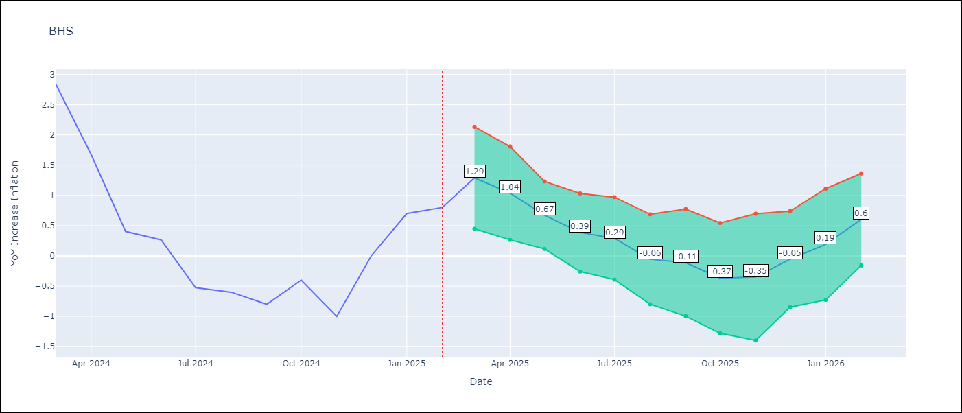

Test Metrics
RMSE | 1.0
Naive RMSE | 0.72
MAPE | inf%

Test Predictions
Date | Predicted | Actual
2024-03-01 | 1.2300000191 | 2.85
2024-04-01 | 1.4199999571 | 1.68
2024-05-01 | 2.1800000668 | 0.4
2024-06-01 | 1.4900000095 | 0.26
2024-07-01 | 0.54000002146 | -0.52
2024-08-01 | 0.56999999285 | -0.6
2024-09-01 | -0.86000001431 | -0.8
2024-10-01 | -0.98000001907 | -0.4
2024-11-01 | -0.63999998569 | -1
2024-12-01 | -0.47999998927 | 0
2025-01-01 | 0 | 0.7
2025-02-01 | -0.17000000179 | 0.8

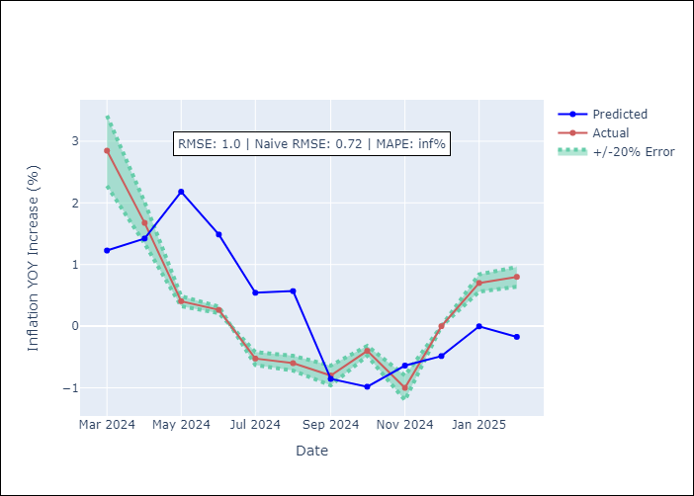

Appendix A: Model Summary
Model | VAR - [(1, 0, 0), (3, 0, 1, 12)]
Sample | 1998-01-01 to 2025-02-01
No. of Observations | 326
Terms | P-value (Statistical significance)

Assumptions | P-value

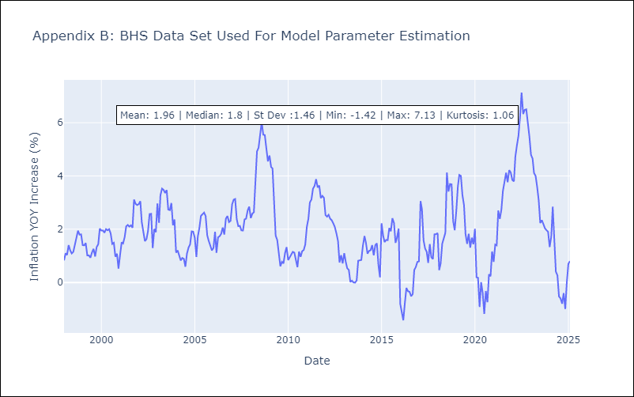

Appendix C: Residuals Analysis
Mean

BLZ
BLZ - Inflation - Next 12 months forecast as of: 2025-03-01

Model | CNN - [(2, 0, 0), (1, 0, 0, 12)]
Training Data | 2013-01-01 to 2024-04-01
Test Data | 2024-04-01 to 2025-03-01

Date | Inflation Change YoY % | Lower Bound - 95% Confidence Interval | Upper Bound - 95% Confidence Interval
2025-04-01 | 3.6700000763 | 2.5499999523 | 4.8000001907
2025-05-01 | 3.9100000858 | 2.8599998951 | 4.9600000381
2025-06-01 | 3.8199999332 | 2.6900000572 | 4.9400000572
2025-07-01 | 3.7799999714 | 2.4700000286 | 5.0900001526
2025-08-01 | 3.2400000095 | 2.3399999142 | 4.1500000954
2025-09-01 | 2.8199999332 | 1.8200000525 | 3.8099999428
2025-10-01 | 2.9400000572 | 2.0199999809 | 3.8599998951
2025-11-01 | 2.5299999714 | 1.7100000381 | 3.3499999046
2025-12-01 | 2.4800000191 | 1.6799999475 | 3.2899999619
2026-01-01 | 2.4400000572 | 1.5 | 3.3800001144
2026-02-01 | 2.2300000191 | 1.1799999475 | 3.2799999714
2026-03-01 | 2.0999999046 | 1.25 | 2.9600000381

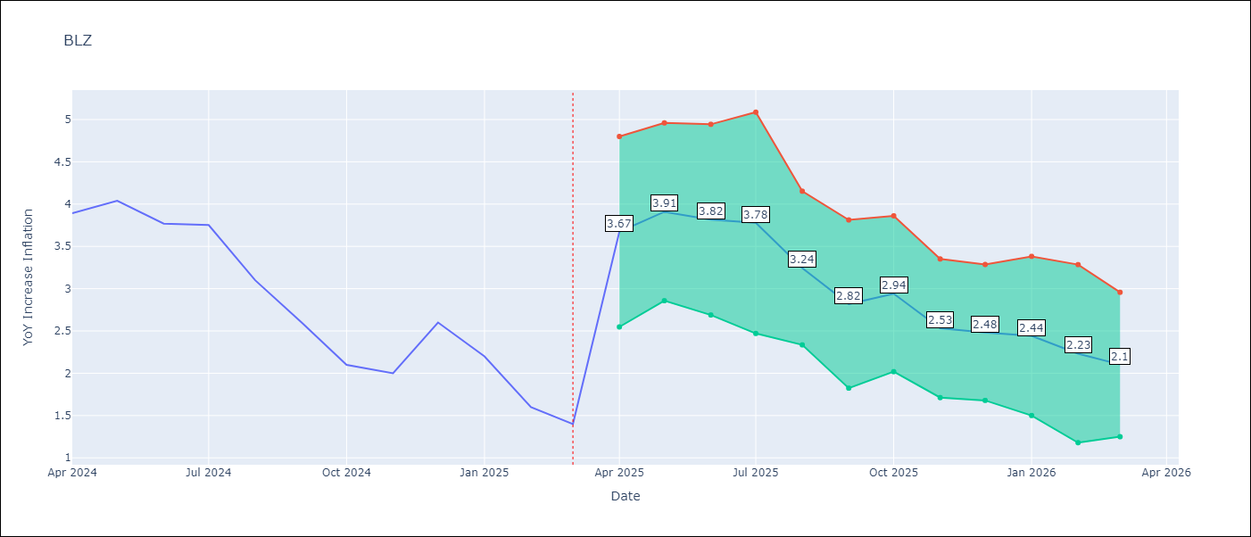

Test Metrics
RMSE | 0.55
Naive RMSE | 0.42
MAPE | 19.34%

Test Predictions
Date | Predicted | Actual
2024-04-01 | 3.4800000191 | 3.89
2024-05-01 | 3 | 4.04
2024-06-01 | 3.6600000858 | 3.77
2024-07-01 | 3.8499999046 | 3.75
2024-08-01 | 3.2699999809 | 3.1
2024-09-01 | 3.2899999619 | 2.6
2024-10-01 | 2.5 | 2.1
2024-11-01 | 2.0699999332 | 2
2024-12-01 | 1.7599999905 | 2.6
2025-01-01 | 1.6499999762 | 2.2
2025-02-01 | 2.1900000572 | 1.6
2025-03-01 | 1.9800000191 | 1.4

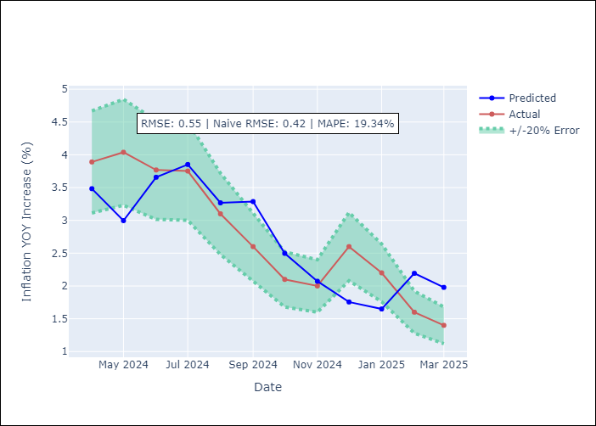

Appendix A: Model Summary
Model | VAR - [(2, 0, 0), (1, 0, 0, 12)]
Sample | 2013-01-01 to 2025-03-01
No. of Observations | 147
Terms | P-value (Statistical significance)

Assumptions | P-value

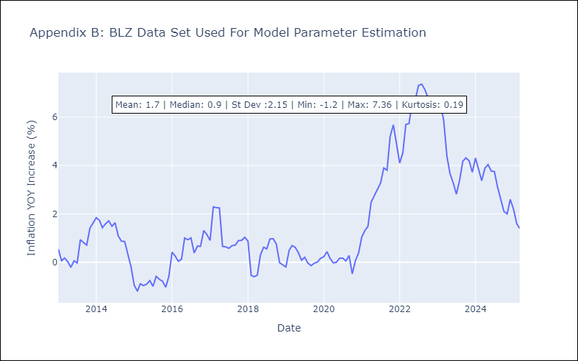

Appendix C: Residuals Analysis
Mean

BRB
BRB - Inflation - Next 12 months forecast as of: 2025-03-01

Model | CNN - [(3, 0, 0), (0, 0, 1, 12)]
Training Data | 2001-01-01 to 2024-04-01
Test Data | 2024-04-01 to 2025-03-01

Date | Inflation Change YoY % | Lower Bound - 95% Confidence Interval | Upper Bound - 95% Confidence Interval
2025-04-01 | 0.97000002861 | -1.0800000429 | 3.0199999809
2025-05-01 | 0.47999998927 | -1.8700000048 | 2.8299999237
2025-06-01 | 0.20999999344 | -2.4900000095 | 2.9200000763
2025-07-01 | 0.47999998927 | -1.7000000477 | 2.6600000858
2025-08-01 | 0.10000000149 | -2.3199999332 | 2.5299999714
2025-09-01 | -0.070000000298 | -3.2000000477 | 3.0699999332
2025-10-01 | -0.23999999464 | -3.3900001049 | 2.9100000858
2025-11-01 | -0.070000000298 | -3.5699999332 | 3.4400000572
2025-12-01 | -0.0099999997765 | -3.8499999046 | 3.8299999237
2026-01-01 | 0.72000002861 | -2.7799999714 | 4.2199997902
2026-02-01 | 0.81000000238 | -2.9200000763 | 4.5399999619
2026-03-01 | 1.8999999762 | -1.0399999619 | 4.8400001526

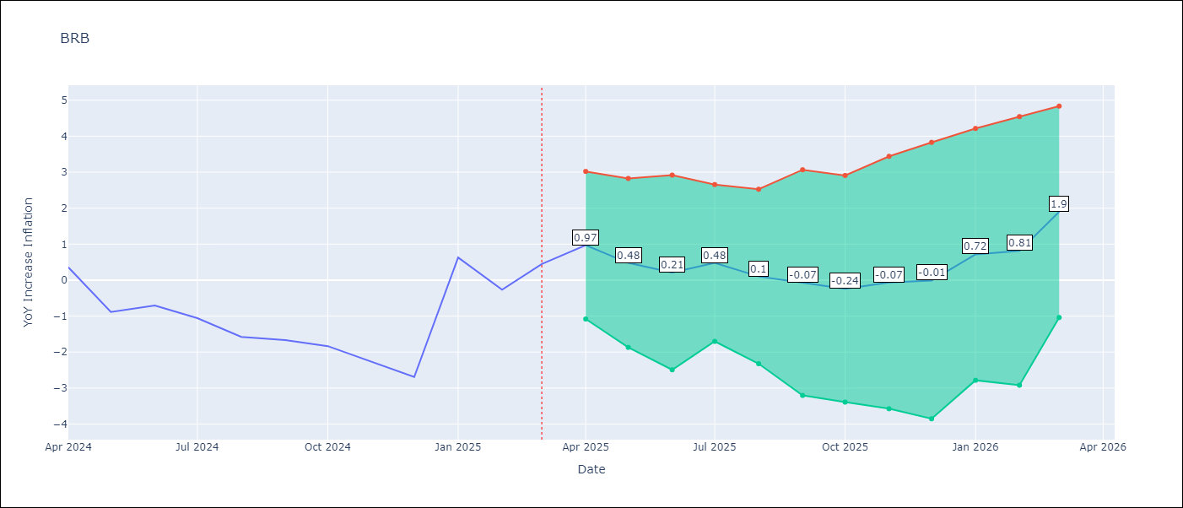

Test Metrics
RMSE | 1.37
Naive RMSE | 1.16
MAPE | 151.13%

Test Predictions
Date | Predicted | Actual
2024-04-01 | 0.89999997616 | 0.36
2024-05-01 | 0.82999998331 | -0.88
2024-06-01 | 0.69999998808 | -0.7
2024-07-01 | 0.63999998569 | -1.06
2024-08-01 | -0.15999999642 | -1.58
2024-09-01 | -0.31999999285 | -1.66
2024-10-01 | -0.69999998808 | -1.83
2024-11-01 | -1.4600000381 | -2.26
2024-12-01 | -1.0700000525 | -2.69
2025-01-01 | -1.5499999523 | 0.63
2025-02-01 | -1.3400000334 | -0.27
2025-03-01 | 0.58999997377 | 0.45

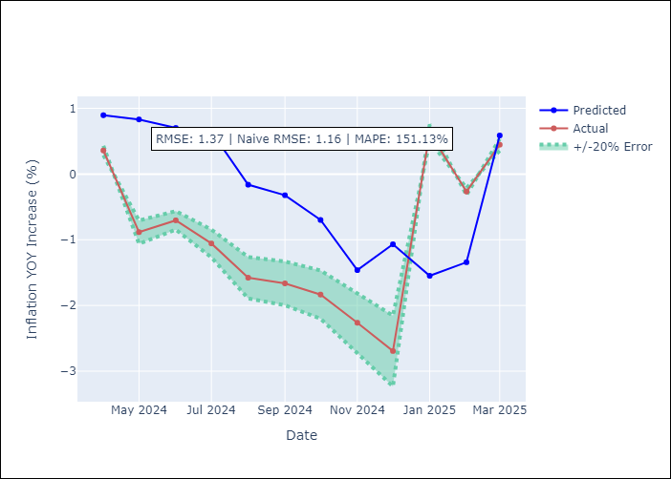

Appendix A: Model Summary
Model | VAR - [(3, 0, 0), (0, 0, 1, 12)]
Sample | 2001-01-01 to 2025-03-01
No. of Observations | 287
Terms | P-value (Statistical significance)

Assumptions | P-value

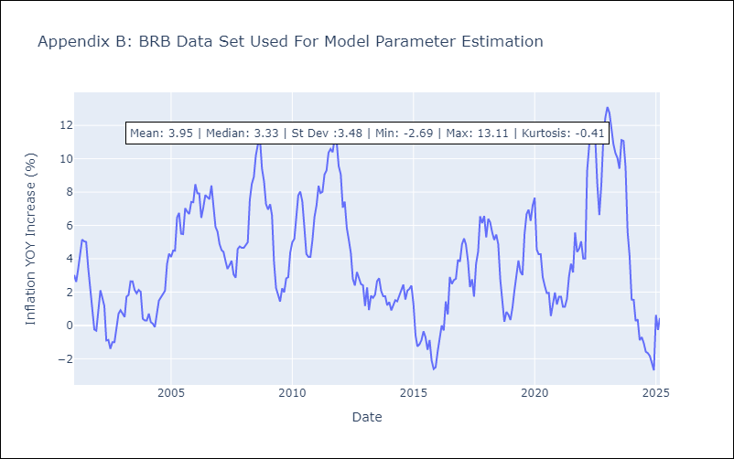

Appendix C: Residuals Analysis
Mean

DMA
DMA - Inflation - Next 12 months forecast as of: 2025-01-01

Model | CNN - [(0, 1, 0), (3, 0, 0, 12)]
Training Data | 2002-01-01 to 2024-02-01
Test Data | 2024-02-01 to 2025-01-01

Date | Inflation Change YoY % | Lower Bound - 95% Confidence Interval | Upper Bound - 95% Confidence Interval
2025-02-01 | 0.50999999046 | -1.6499999762 | 2.6700000763
2025-03-01 | -0.79000002146 | -3.3199999332 | 1.7400000095
2025-04-01 | -1.7100000381 | -4.0900001526 | 0.68000000715
2025-05-01 | -2.6199998856 | -6.1500000954 | 0.91000002623
2025-06-01 | -3.9900000095 | -8.0399999619 | 0.059999998659
2025-07-01 | -5.1700000763 | -10.350000381 | 0.019999999553
2025-08-01 | -5.3800001144 | -11 | 0.25
2025-09-01 | -4.4800000191 | -9.8400001526 | 0.87000000477
2025-10-01 | -4.4000000954 | -9.529999733 | 0.72000002861
2025-11-01 | -4.9099998474 | -10.359999657 | 0.54000002146
2025-12-01 | -4.9699997902 | -10.329999924 | 0.37999999523
2026-01-01 | -6.2800002098 | -12.43999958 | -0.12999999523

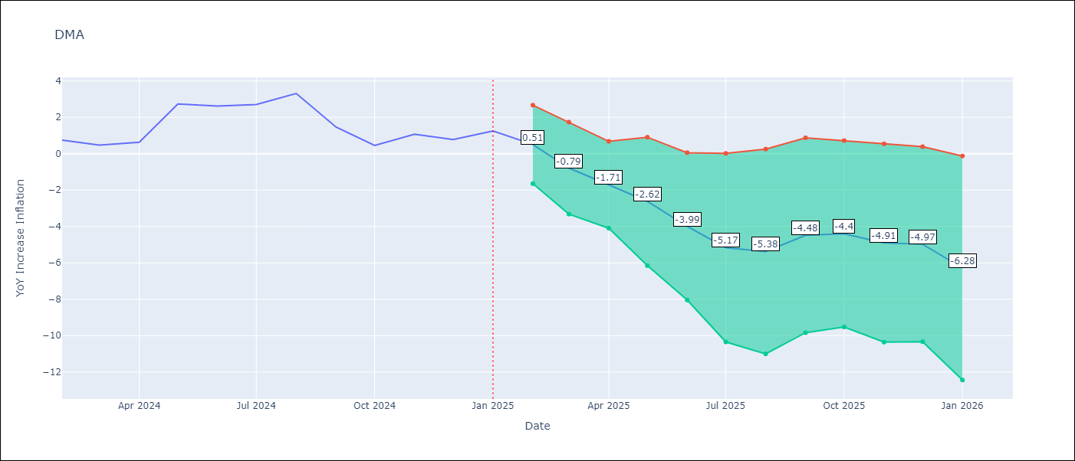

Test Metrics
RMSE | 2.12
Naive RMSE | 0.96
MAPE | 113.21%

Test Predictions
Date | Predicted | Actual
2024-02-01 | 0.38999998569 | 0.74
2024-03-01 | -0.28000000119 | 0.48
2024-04-01 | -0.61000001431 | 0.63
2024-05-01 | -0.68000000715 | 2.74
2024-06-01 | -0.83999997377 | 2.62
2024-07-01 | -0.33000001311 | 2.7
2024-08-01 | -0.12999999523 | 3.31
2024-09-01 | -0.019999999553 | 1.46
2024-10-01 | 0.43999999762 | 0.46
2024-11-01 | -0.059999998659 | 1.07
2024-12-01 | -0.46999999881 | 0.78
2025-01-01 | -0.15000000596 | 1.25

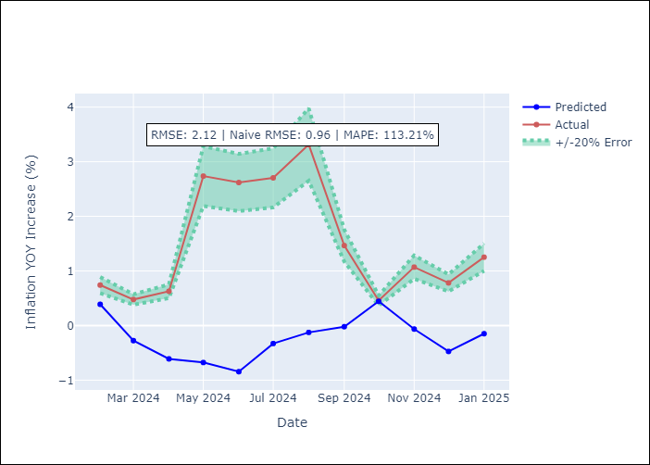

Appendix A: Model Summary
Model | VAR - [(0, 1, 0), (3, 0, 0, 12)]
Sample | 2002-01-01 to 2025-01-01
No. of Observations | 277
Terms | P-value (Statistical significance)

Assumptions | P-value

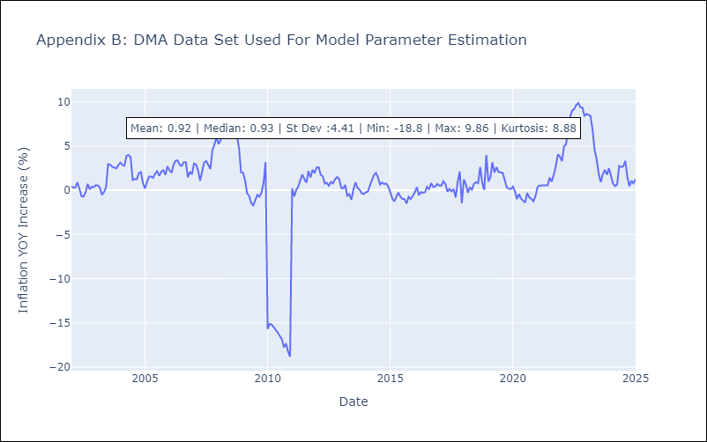

Appendix C: Residuals Analysis
Mean

GRD
GRD - Inflation - Next 12 months forecast as of: 2025-01-01

Model | CNN - [(1, 1, 1), (3, 0, 0, 12)]
Training Data | 2002-01-01 to 2024-02-01
Test Data | 2024-02-01 to 2025-01-01

Date | Inflation Change YoY % | Lower Bound - 95% Confidence Interval | Upper Bound - 95% Confidence Interval
2025-02-01 | 1.1699999571 | 0.69999998808 | 1.6399999857
2025-03-01 | 1.2100000381 | 0.68000000715 | 1.75
2025-04-01 | 1.1299999952 | 0.57999998331 | 1.6799999475
2025-05-01 | 1.0700000525 | 0.49000000954 | 1.6399999857
2025-06-01 | 1 | 0.43999999762 | 1.5700000525
2025-07-01 | 1 | 0.47999998927 | 1.5099999905
2025-08-01 | 0.89999997616 | 0.36000001431 | 1.4299999475
2025-09-01 | 0.81000000238 | 0.34999999404 | 1.2699999809
2025-10-01 | 1.0399999619 | 0.58999997377 | 1.4900000095
2025-11-01 | 1.0800000429 | 0.52999997139 | 1.6299999952
2025-12-01 | 1.3300000429 | 0.77999997139 | 1.8899999857
2026-01-01 | 1.3300000429 | 0.79000002146 | 1.8600000143

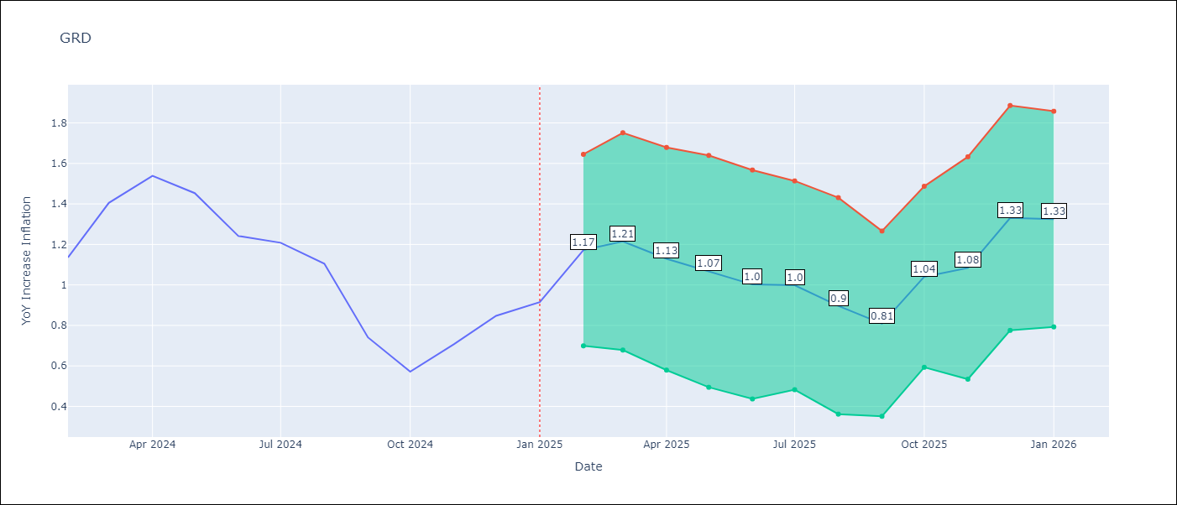

Test Metrics
RMSE | 0.42
Naive RMSE | 0.18
MAPE | 30.94%

Test Predictions
Date | Predicted | Actual
2024-02-01 | 1.5599999428 | 1.14
2024-03-01 | 0.56999999285 | 1.41
2024-04-01 | 0.74000000954 | 1.54
2024-05-01 | 1.2799999714 | 1.45
2024-06-01 | 1.5299999714 | 1.24
2024-07-01 | 1.3300000429 | 1.21
2024-08-01 | 0.80000001192 | 1.11
2024-09-01 | 0.60000002384 | 0.74
2024-10-01 | 0.47999998927 | 0.57
2024-11-01 | 0.49000000954 | 0.71
2024-12-01 | 0.46000000834 | 0.85
2025-01-01 | 0.56999999285 | 0.92

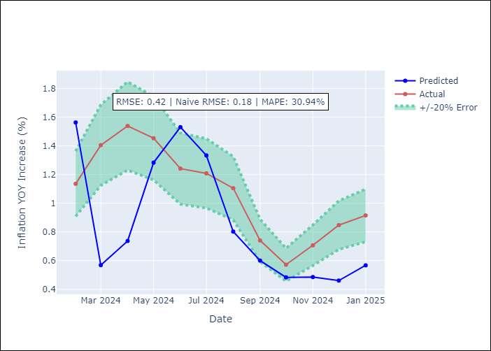

Appendix A: Model Summary
Model | VAR - [(1, 1, 1), (3, 0, 0, 12)]
Sample | 2002-01-01 to 2025-01-01
No. of Observations | 277
Terms | P-value (Statistical significance)

Assumptions | P-value

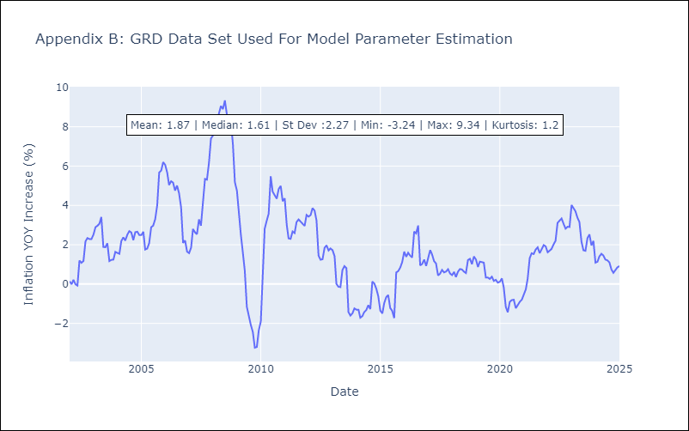

Appendix C: Residuals Analysis
Mean

GUY
GUY - Inflation - Next 12 months forecast as of: 2025-03-01

Model | CNN - [(3, 0, 1), (1, 0, 0, 12)]
Training Data | 2006-01-01 to 2024-04-01
Test Data | 2024-04-01 to 2025-03-01

Date | Inflation Change YoY % | Lower Bound - 95% Confidence Interval | Upper Bound - 95% Confidence Interval
2025-04-01 | 2.6900000572 | 1.1399999857 | 4.25
2025-05-01 | 1.7599999905 | 0.66000002623 | 2.8499999046
2025-06-01 | 2.5399999619 | 1.2100000381 | 3.8599998951
2025-07-01 | 2.3399999142 | 1.1399999857 | 3.5399999619
2025-08-01 | 2.2300000191 | 1.1900000572 | 3.2799999714
2025-09-01 | 2.2599999905 | 1.1699999571 | 3.3499999046
2025-10-01 | 2.1300001144 | 1.1399999857 | 3.1199998856
2025-11-01 | 2.7200000286 | 1.4500000477 | 3.9900000095
2025-12-01 | 2.4800000191 | 1.4700000286 | 3.5
2026-01-01 | 2.4400000572 | 1.2699999809 | 3.6199998856
2026-02-01 | 2.9100000858 | 1.7999999523 | 4.0199999809
2026-03-01 | 2.6900000572 | 1.7000000477 | 3.6800000668

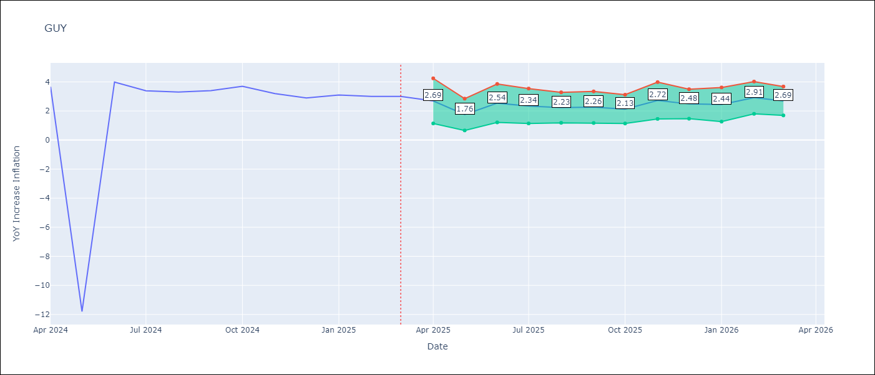

Test Metrics
RMSE | 4.96
Naive RMSE | 6.67
MAPE | 58.13%

Test Predictions
Date | Predicted | Actual
2024-04-01 | 0.81000000238 | 3.67
2024-05-01 | 1.8200000525 | -11.79
2024-06-01 | 2.6700000763 | 3.99
2024-07-01 | -6.1999998093 | 3.39
2024-08-01 | 1.3799999952 | 3.3
2024-09-01 | 2.4100000858 | 3.4
2024-10-01 | 2.0599999428 | 3.7
2024-11-01 | 2.3499999046 | 3.2
2024-12-01 | 2.9600000381 | 2.9
2025-01-01 | 2.7799999714 | 3.1
2025-02-01 | 2.9700000286 | 3
2025-03-01 | 2.5 | 3

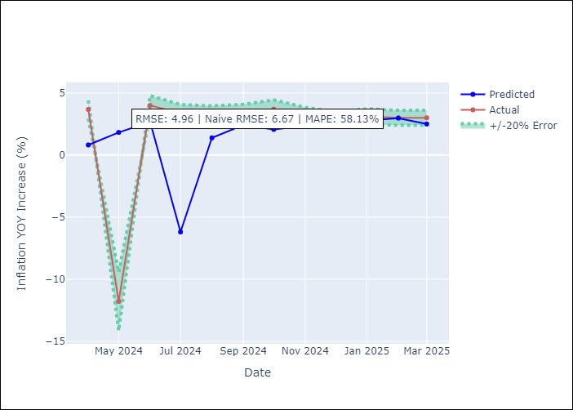

Appendix A: Model Summary
Model | VAR - [(3, 0, 1), (1, 0, 0, 12)]
Sample | 2006-01-01 to 2025-03-01
No. of Observations | 231
Terms | P-value (Statistical significance)

Assumptions | P-value

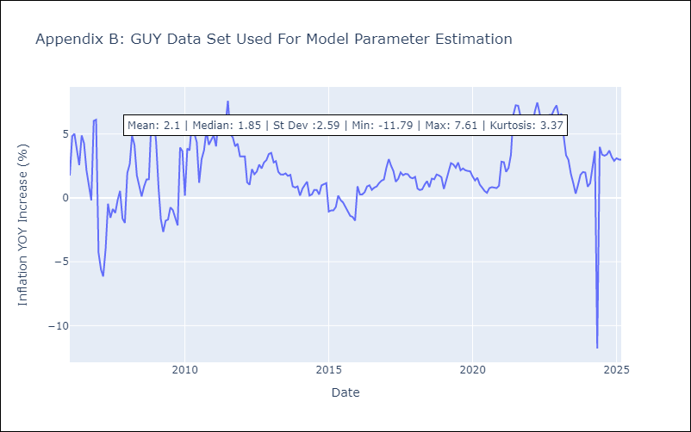

Appendix C: Residuals Analysis
Mean

JAM
JAM - Inflation - Next 12 months forecast as of: 2025-04-01

Model | CNN - [(2, 1, 0), (0, 0, 2, 12)]
Training Data | 1992-07-01 to 2024-05-01
Test Data | 2024-05-01 to 2025-04-01

Date | Inflation Change YoY % | Lower Bound - 95% Confidence Interval | Upper Bound - 95% Confidence Interval
2025-05-01 | 6.3000001907 | 5.3099999428 | 7.3000001907
2025-06-01 | 6.0300002098 | 5.1500000954 | 6.9000000954
2025-07-01 | 6.1999998093 | 5.1300001144 | 7.2699999809
2025-08-01 | 6.0199999809 | 4.7600002289 | 7.2699999809
2025-09-01 | 6.2699999809 | 5.0500001907 | 7.5
2025-10-01 | 6.25 | 4.6700000763 | 7.8400001526
2025-11-01 | 6.4899997711 | 4.6199998856 | 8.3500003815
2025-12-01 | 6.75 | 4.4699997902 | 9.029999733
2026-01-01 | 6.8800001144 | 4.5100002289 | 9.25
2026-02-01 | 7.1599998474 | 4.7100000381 | 9.6099996567
2026-03-01 | 7.0799999237 | 4.2399997711 | 9.9200000763
2026-04-01 | 7.6199998856 | 4.7300000191 | 10.5

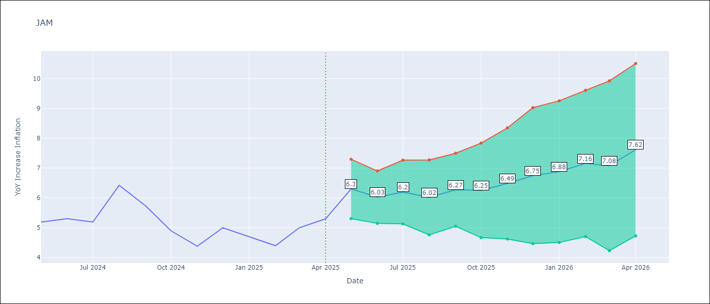

Test Metrics
RMSE | 0.7
Naive RMSE | 0.6
MAPE | 11.15%

Test Predictions
Date | Predicted | Actual
2024-05-01 | 5.4699997902 | 5.19
2024-06-01 | 5.3800001144 | 5.3
2024-07-01 | 5.0900001526 | 5.19
2024-08-01 | 5.0300002098 | 6.42
2024-09-01 | 4.9000000954 | 5.74
2024-10-01 | 5.6700000763 | 4.9
2024-11-01 | 5.2399997711 | 4.38
2024-12-01 | 4.7800002098 | 5
2025-01-01 | 4.2199997902 | 4.7
2025-02-01 | 4.8400001526 | 4.4
2025-03-01 | 4.6199998856 | 5
2025-04-01 | 4.1799998283 | 5.3

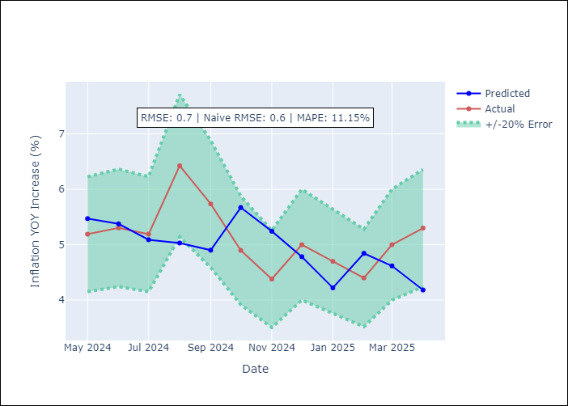

Appendix A: Model Summary
Model | VAR - [(2, 1, 0), (0, 0, 2, 12)]
Sample | 1992-07-01 to 2025-04-01
No. of Observations | 394
Terms | P-value (Statistical significance)

Assumptions | P-value

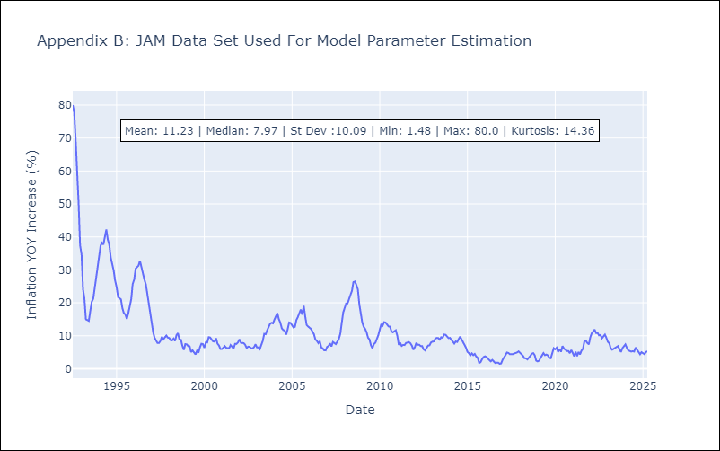

Appendix C: Residuals Analysis
Mean

KNA
KNA - Inflation - Next 12 months forecast as of: 2025-02-01

Model | CNN - [(0, 1, 0), (3, 0, 0, 12)]
Training Data | 2004-01-01 to 2024-03-01
Test Data | 2024-03-01 to 2025-02-01

Date | Inflation Change YoY % | Lower Bound - 95% Confidence Interval | Upper Bound - 95% Confidence Interval
2025-03-01 | 1.25 | 0.44999998808 | 2.0399999619
2025-04-01 | 1.0199999809 | 0.25 | 1.7899999619
2025-05-01 | 0.92000001669 | 0.18000000715 | 1.6599999666
2025-06-01 | 0.85000002384 | 0.079999998212 | 1.6200000048
2025-07-01 | 0.82999998331 | 0.070000000298 | 1.5900000334
2025-08-01 | 0.81999999285 | -0.0099999997765 | 1.6499999762
2025-09-01 | 0.75999999046 | -0.090000003576 | 1.6100000143
2025-10-01 | 0.66000002623 | -0.18000000715 | 1.4900000095
2025-11-01 | 0.70999997854 | -0.15999999642 | 1.5700000525
2025-12-01 | 0.68000000715 | -0.25999999046 | 1.6100000143
2026-01-01 | 0.76999998093 | -0.21999999881 | 1.7599999905
2026-02-01 | 0.99000000954 | 0.079999998212 | 1.8999999762

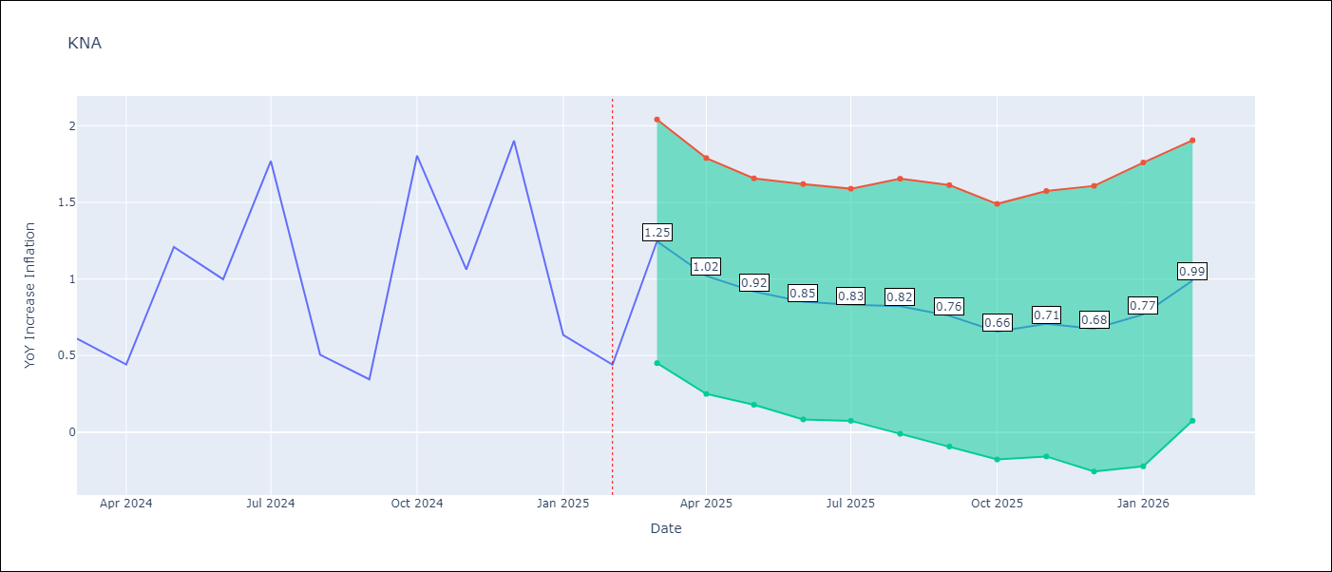

Test Metrics
RMSE | 0.85
Naive RMSE | 0.85
MAPE | 96.21%

Test Predictions
Date | Predicted | Actual
2024-03-01 | 0.97000002861 | 0.61
2024-04-01 | 0.46000000834 | 0.44
2024-05-01 | 0.76999998093 | 1.21
2024-06-01 | 0.56000000238 | 1
2024-07-01 | 1.1399999857 | 1.77
2024-08-01 | 1.0299999714 | 0.51
2024-09-01 | 1.6599999666 | 0.35
2024-10-01 | -0.029999999329 | 1.8
2024-11-01 | 0.23999999464 | 1.06
2024-12-01 | 1.9500000477 | 1.9
2025-01-01 | 0.70999997854 | 0.63
2025-02-01 | 1.7599999905 | 0.44

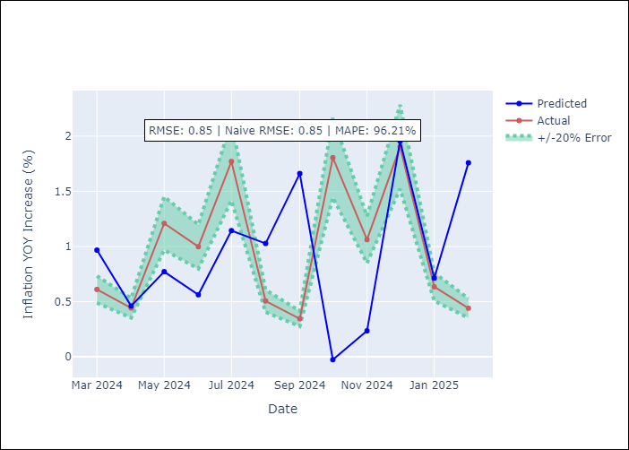

Appendix A: Model Summary
Model | VAR - [(0, 1, 0), (3, 0, 0, 12)]
Sample | 2004-01-01 to 2025-02-01
No. of Observations | 254
Terms | P-value (Statistical significance)

Assumptions | P-value

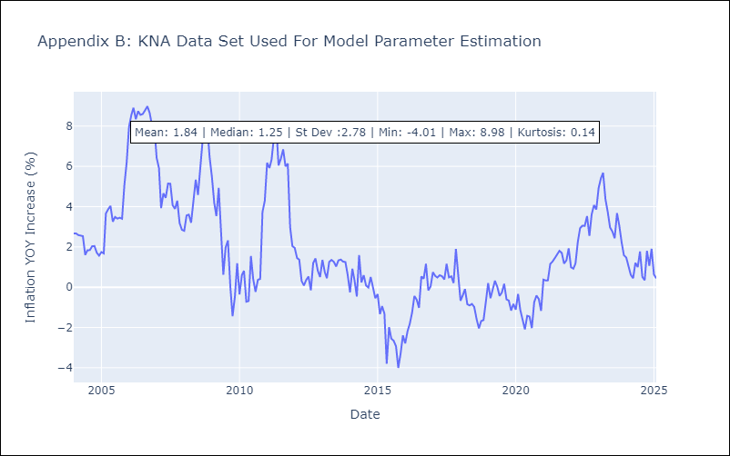

Appendix C: Residuals Analysis
Mean

LCA
LCA - Inflation - Next 12 months forecast as of: 2025-01-01

Model | CNN - [(0, 1, 0), (3, 0, 1, 12)]
Training Data | 2006-01-01 to 2024-02-01
Test Data | 2024-02-01 to 2025-01-01

Date | Inflation Change YoY % | Lower Bound - 95% Confidence Interval | Upper Bound - 95% Confidence Interval
2025-02-01 | -0.80000001192 | -2.4300000668 | 0.82999998331
2025-03-01 | -1.1399999857 | -2.5399999619 | 0.25999999046
2025-04-01 | -1.1399999857 | -2.2200000286 | -0.059999998659
2025-05-01 | -1.4400000572 | -3.1400001049 | 0.27000001073
2025-06-01 | -0.87000000477 | -2.5 | 0.76999998093
2025-07-01 | -0.5 | -2.4700000286 | 1.4800000191
2025-08-01 | -0.029999999329 | -2.1700000763 | 2.1099998951
2025-09-01 | 0.34999999404 | -2.3299999237 | 3.0399999619
2025-10-01 | 0.67000001669 | -1.9900000095 | 3.3299999237
2025-11-01 | 0.98000001907 | -1.7899999619 | 3.7400000095
2025-12-01 | 1.4099999666 | -1.5199999809 | 4.3400001526
2026-01-01 | 1.8200000525 | -1.0700000525 | 4.7100000381

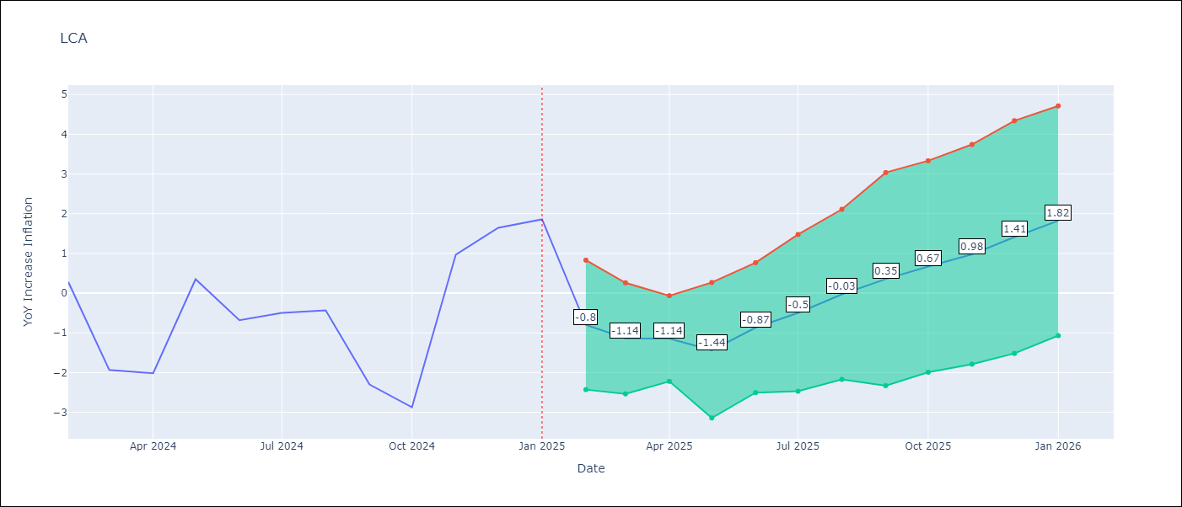

Test Metrics
RMSE | 1.95
Naive RMSE | 1.67
MAPE | 172.71%

Test Predictions
Date | Predicted | Actual
2024-02-01 | 0.85000002384 | 0.28
2024-03-01 | 0.36000001431 | -1.94
2024-04-01 | -0.81000000238 | -2.02
2024-05-01 | -1.6499999762 | 0.35
2024-06-01 | -1.2899999619 | -0.68
2024-07-01 | 0.25 | -0.5
2024-08-01 | 0.059999998659 | -0.43
2024-09-01 | -0.89999997616 | -2.3
2024-10-01 | -1.1100000143 | -2.87
2024-11-01 | -2.2699999809 | 0.97
2024-12-01 | -2.3900001049 | 1.65
2025-01-01 | 0.63999998569 | 1.86

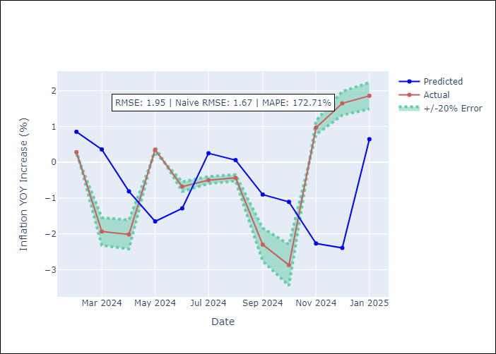

Appendix A: Model Summary
Model | VAR - [(0, 1, 0), (3, 0, 1, 12)]
Sample | 2006-01-01 to 2025-01-01
No. of Observations | 229
Terms | P-value (Statistical significance)

Assumptions | P-value

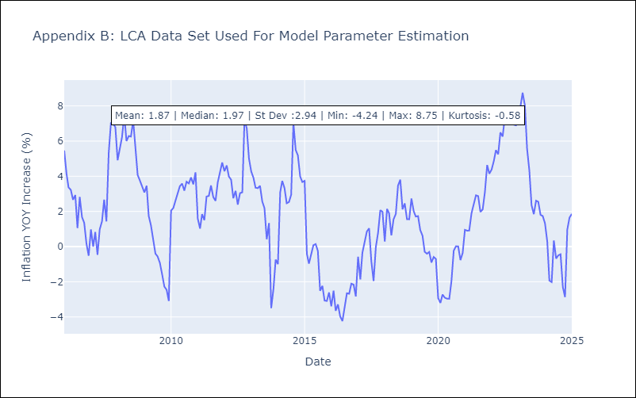

Appendix C: Residuals Analysis
Mean

SUR
SUR - Inflation - Next 12 months forecast as of: 2024-08-01

Model | CNN - [(3, 2, 0), (1, 0, 0, 12)]
Training Data | 2010-04-01 to 2023-09-01
Test Data | 2023-09-01 to 2024-08-01

Date | Inflation Change YoY % | Lower Bound - 95% Confidence Interval | Upper Bound - 95% Confidence Interval
2024-09-01 | 41.939998627 | 32.740001678 | 51.13999939
2024-10-01 | 44.060001373 | 33.430000305 | 54.689998627
2024-11-01 | 41.63999939 | 31.719999313 | 51.560001373
2024-12-01 | 38.430000305 | 28.909999847 | 47.939998627
2025-01-01 | 36.590000153 | 25.440000534 | 47.75
2025-02-01 | 34.159999847 | 22.489999771 | 45.830001831
2025-03-01 | 32.959999084 | 19.270000458 | 46.650001526
2025-04-01 | 31.430000305 | 17.200000763 | 45.659999847
2025-05-01 | 30.190000534 | 14.390000343 | 45.990001678
2025-06-01 | 30.229999542 | 16.899999619 | 43.560001373
2025-07-01 | 29.479999542 | 16.180000305 | 42.790000916
2025-08-01 | 29.989999771 | 15.199999809 | 44.770000458

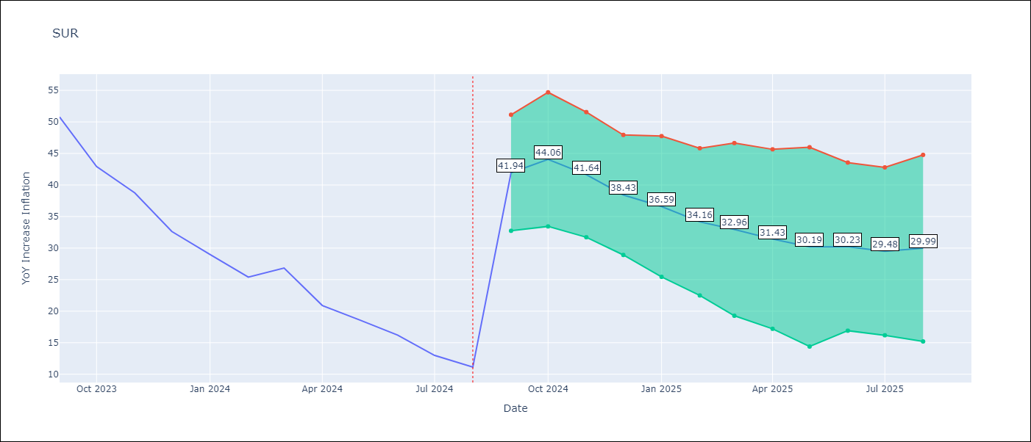

Test Metrics
RMSE | 8.74
Naive RMSE | 4.32
MAPE | 34.47%

Test Predictions
Date | Predicted | Actual
2023-09-01 | 59.099998474 | 50.79
2023-10-01 | 53.490001678 | 42.92
2023-11-01 | 50.700000763 | 38.74
2023-12-01 | 43.560001373 | 32.63
2024-01-01 | 40.189998627 | 28.98
2024-02-01 | 35.220001221 | 25.4
2024-03-01 | 31.620000839 | 26.83
2024-04-01 | 26.709999084 | 20.9
2024-05-01 | 28.030000687 | 18.62
2024-06-01 | 22.399999619 | 16.21
2024-07-01 | 19.370000839 | 12.99
2024-08-01 | 16.399999619 | 11.13

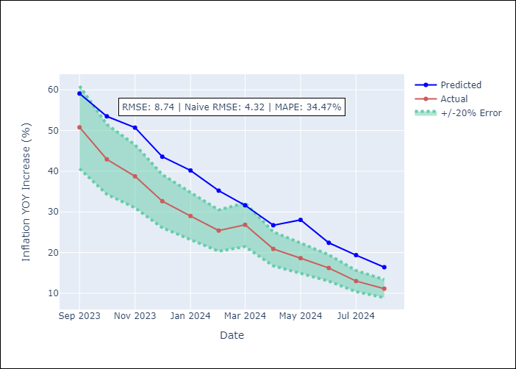

Appendix A: Model Summary
Model | VAR - [(3, 2, 0), (1, 0, 0, 12)]
Sample | 2010-04-01 to 2024-08-01
No. of Observations | 169
Terms | P-value (Statistical significance)

Assumptions | P-value

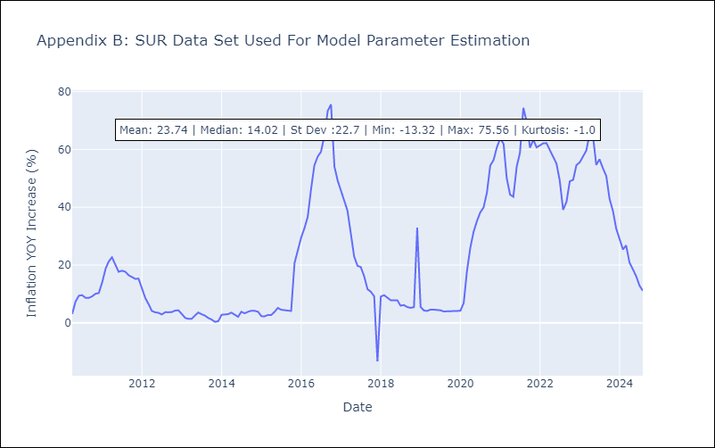

Appendix C: Residuals Analysis
Mean

TTO
TTO - Inflation - Next 12 months forecast as of: 2025-04-01

Model | CNN - [(3, 2, 0), (3, 0, 0, 12)]
Training Data | 1992-07-01 to 2024-05-01
Test Data | 2024-05-01 to 2025-04-01

Date | Inflation Change YoY % | Lower Bound - 95% Confidence Interval | Upper Bound - 95% Confidence Interval
2025-05-01 | 1.1699999571 | 0.70999997854 | 1.6200000048
2025-06-01 | 0.72000002861 | 0.43000000715 | 1.0099999905
2025-07-01 | 0.87999999523 | 0.44999998808 | 1.3099999428
2025-08-01 | 0.56000000238 | 0.23999999464 | 0.88999998569
2025-09-01 | 0.50999999046 | 0.039999999106 | 0.98000001907
2025-10-01 | 0.64999997616 | 0.25999999046 | 1.0399999619
2025-11-01 | 0.52999997139 | 0.12999999523 | 0.93000000715
2025-12-01 | 0.81000000238 | 0.41999998689 | 1.2000000477
2026-01-01 | 0.52999997139 | -0.029999999329 | 1.0800000429
2026-02-01 | 0.46999999881 | -0.059999998659 | 1
2026-03-01 | 0.54000002146 | -0.050000000745 | 1.1200000048
2026-04-01 | 0.85000002384 | 0.1099999994 | 1.5900000334

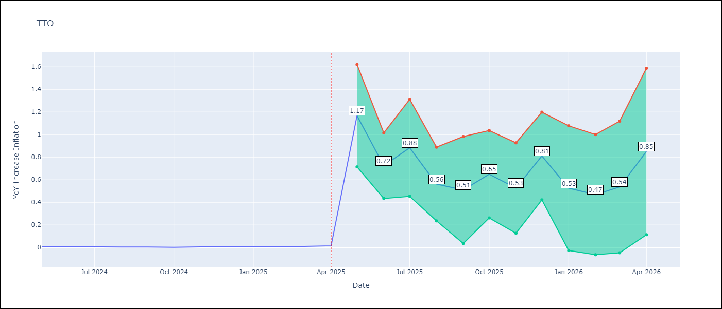

Test Metrics
RMSE | 0.33
Naive RMSE | 0.0
MAPE | 5363.29%

Test Predictions
Date | Predicted | Actual
2024-05-01 | -0.019999999553 | 0.01
2024-06-01 | 0.019999999553 | 0.01
2024-07-01 | 0.029999999329 | 0
2024-08-01 | 0.34999999404 | 0
2024-09-01 | 0.23999999464 | 0
2024-10-01 | 0.23000000417 | 0
2024-11-01 | 0.41999998689 | 0
2024-12-01 | 0.47999998927 | 0
2025-01-01 | 0.51999998093 | 0.01
2025-02-01 | 0.43000000715 | 0.01
2025-03-01 | 0.34999999404 | 0.01
2025-04-01 | 0.40999999642 | 0.02

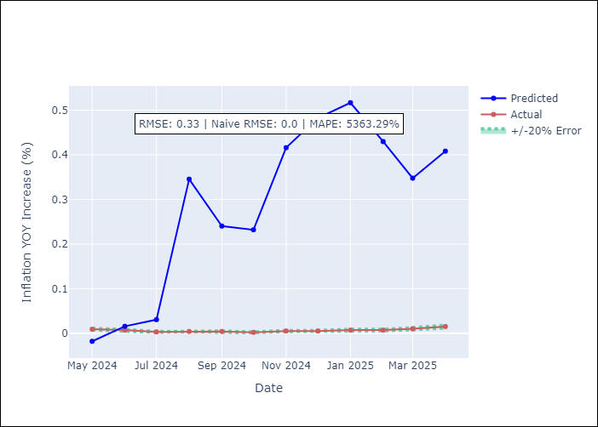

Appendix A: Model Summary
Model | VAR - [(3, 2, 0), (3, 0, 0, 12)]
Sample | 1992-07-01 to 2025-04-01
No. of Observations | 394
Terms | P-value (Statistical significance)

Assumptions | P-value

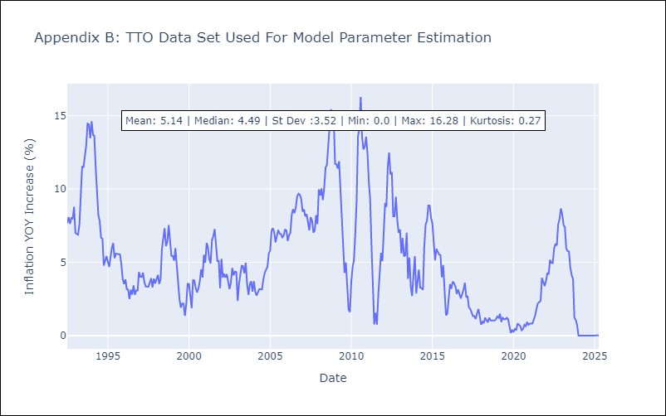

Appendix C: Residuals Analysis
Mean

VCT
VCT - Inflation - Next 12 months forecast as of: 2025-01-01

Model | CNN - [(1, 0, 0), (3, 0, 0, 12)]
Training Data | 2002-01-01 to 2024-02-01
Test Data | 2024-02-01 to 2025-01-01

Date | Inflation Change YoY % | Lower Bound - 95% Confidence Interval | Upper Bound - 95% Confidence Interval
2025-02-01 | 4.0799999237 | 2.8800001144 | 5.2800002098
2025-03-01 | 4.2800002098 | 3.1700000763 | 5.3800001144
2025-04-01 | 3.9600000381 | 2.6800000668 | 5.2399997711
2025-05-01 | 3.9900000095 | 2.6300001144 | 5.3499999046
2025-06-01 | 3.7999999523 | 2.4500000477 | 5.1500000954
2025-07-01 | 3.1400001049 | 1.9199999571 | 4.3699998856
2025-08-01 | 3.0499999523 | 1.6100000143 | 4.4899997711
2025-09-01 | 2.8199999332 | 1.0399999619 | 4.5900001526
2025-10-01 | 3.1700000763 | 1.6000000238 | 4.7399997711
2025-11-01 | 2.7799999714 | 1.1699999571 | 4.3800001144
2025-12-01 | 2.6199998856 | 0.92000001669 | 4.3200001717
2026-01-01 | 2.6600000858 | 0.81999999285 | 4.4899997711

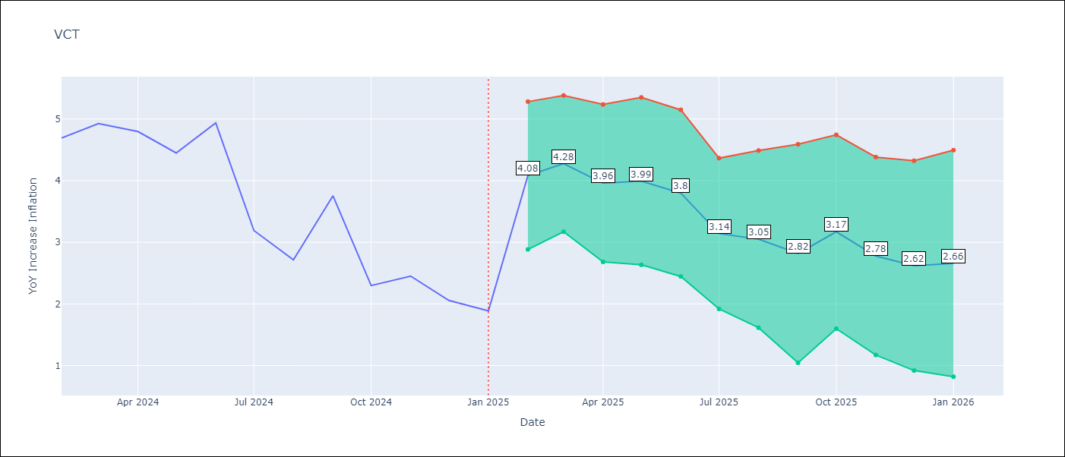

Test Metrics
RMSE | 0.83
Naive RMSE | 0.8
MAPE | 19.51%

Test Predictions
Date | Predicted | Actual
2024-02-01 | 3.6500000954 | 4.69
2024-03-01 | 3.9400000572 | 4.93
2024-04-01 | 4.0100002289 | 4.8
2024-05-01 | 4.2800002098 | 4.45
2024-06-01 | 4.0900001526 | 4.94
2024-07-01 | 3.7599999905 | 3.19
2024-08-01 | 4.4400000572 | 2.72
2024-09-01 | 2.7300000191 | 3.75
2024-10-01 | 2.2200000286 | 2.3
2024-11-01 | 2.6199998856 | 2.45
2024-12-01 | 1.3999999762 | 2.06
2025-01-01 | 1.8200000525 | 1.89

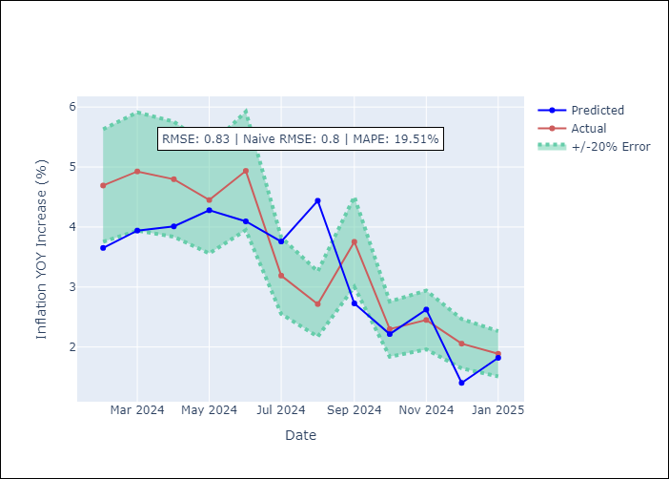

Appendix A: Model Summary
Model | VAR - [(1, 0, 0), (3, 0, 0, 12)]
Sample | 2002-01-01 to 2025-01-01
No. of Observations | 277
Terms | P-value (Statistical significance)

Assumptions | P-value

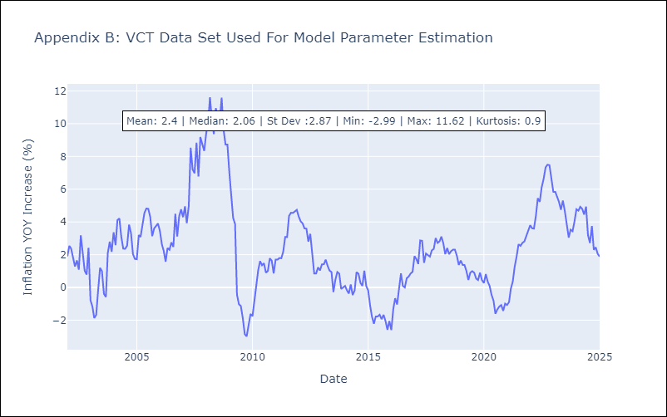

Appendix C: Residuals Analysis
Mean

