CAR13
CAR13 - Inflation - Next 12 months forecast as of: 2025-04-01

Model | CNN - [(2, 1, 0), (0, 0, 1, 12)]
Training Data | 1991-01-01 to 2024-05-01
Test Data | 2024-05-01 to 2025-04-01

Date | Inflation Change YoY % | Lower Bound - 95% Confidence Interval | Upper Bound - 95% Confidence Interval
2025-05-01 | 2.7699999809 | 2.2000000477 | 3.3299999237
2025-06-01 | 2.7100000381 | 2.1400001049 | 3.2799999714
2025-07-01 | 2.6600000858 | 1.9500000477 | 3.3699998856
2025-08-01 | 2.8299999237 | 2.1900000572 | 3.4700000286
2025-09-01 | 2.9200000763 | 2.3800001144 | 3.4500000477
2025-10-01 | 2.8699998856 | 2.1800000668 | 3.5499999523
2025-11-01 | 2.9700000286 | 2.3499999046 | 3.5899999142
2025-12-01 | 2.9400000572 | 2.1300001144 | 3.7599999905
2026-01-01 | 3.0699999332 | 2.2300000191 | 3.9200000763
2026-02-01 | 3.2100000381 | 2.3199999332 | 4.0900001526
2026-03-01 | 3.3099999428 | 2.5799999237 | 4.0500001907
2026-04-01 | 3.4600000381 | 2.7000000477 | 4.2199997902

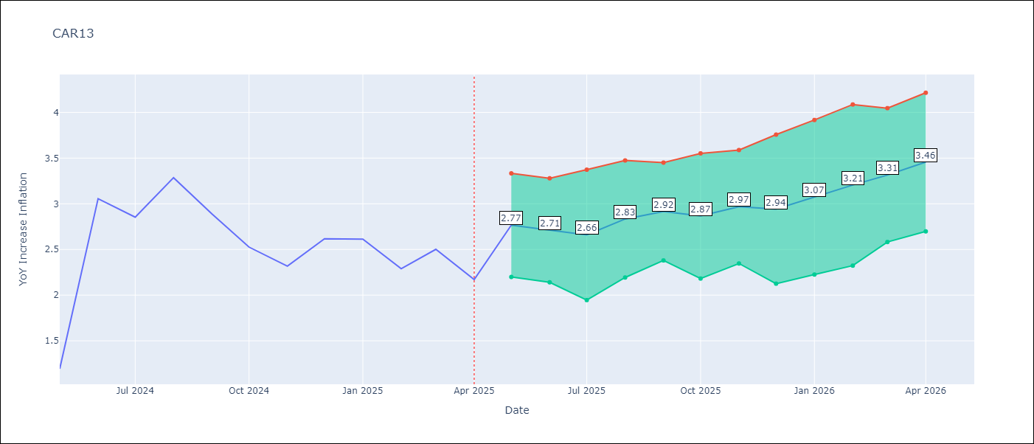

Test Metrics
RMSE | 0.8
Naive RMSE | 0.63
MAPE | 29.57%

Test Predictions
Date | Predicted | Actual
2024-05-01 | 3.2899999619 | 1.19
2024-06-01 | 3.2400000095 | 3.06
2024-07-01 | 1.9299999475 | 2.85
2024-08-01 | 3.2699999809 | 3.29
2024-09-01 | 3.5999999046 | 2.89
2024-10-01 | 3.6600000858 | 2.53
2024-11-01 | 2.8399999142 | 2.32
2024-12-01 | 2.4200000763 | 2.62
2025-01-01 | 2.1900000572 | 2.61
2025-02-01 | 2.6199998856 | 2.29
2025-03-01 | 2.5399999619 | 2.5
2025-04-01 | 2.3599998951 | 2.17

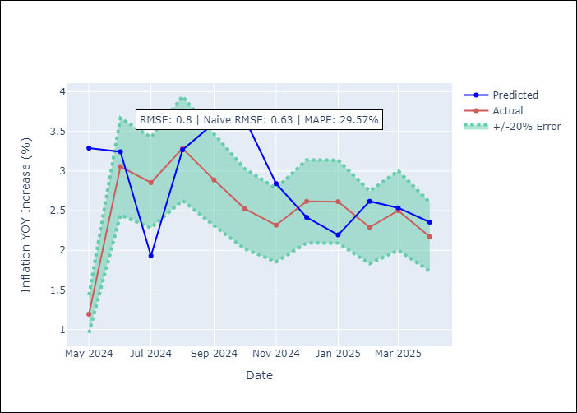

Appendix A: Model Summary
Model | VAR - [(2, 1, 0), (0, 0, 1, 12)]
Sample | 1991-01-01 to 2025-04-01
No. of Observations | 412
Terms | P-value (Statistical significance)

Assumptions | P-value

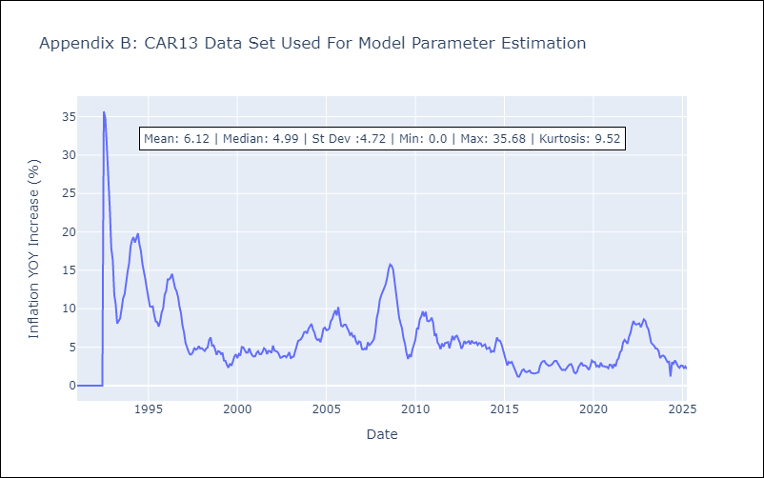

Appendix C: Residuals Analysis
Mean

CEN09
CEN09 - Inflation - Next 12 months forecast as of: 2025-04-01

Model | CNN - [(1, 1, 0), (0, 0, 0, 12)]
Training Data | 1990-01-01 to 2024-05-01
Test Data | 2024-05-01 to 2025-04-01

Date | Inflation Change YoY % | Lower Bound - 95% Confidence Interval | Upper Bound - 95% Confidence Interval
2025-05-01 | 2.2899999619 | 0.99000000954 | 3.5999999046
2025-06-01 | 2.2000000477 | 0.92000001669 | 3.4800000191
2025-07-01 | 2.1700000763 | 0.93000000715 | 3.4100000858
2025-08-01 | 2.2000000477 | 1 | 3.4100000858
2025-09-01 | 2.2999999523 | 1.1100000143 | 3.4800000191
2025-10-01 | 2.3399999142 | 1.2999999523 | 3.3900001049
2025-11-01 | 2.6600000858 | 1.4900000095 | 3.8299999237
2025-12-01 | 2.7799999714 | 1.7300000191 | 3.8299999237
2026-01-01 | 3 | 1.8300000429 | 4.1700000763
2026-02-01 | 3.2200000286 | 2.0199999809 | 4.4099998474
2026-03-01 | 3.2999999523 | 2.0699999332 | 4.5399999619
2026-04-01 | 3.3299999237 | 1.9299999475 | 4.7199997902

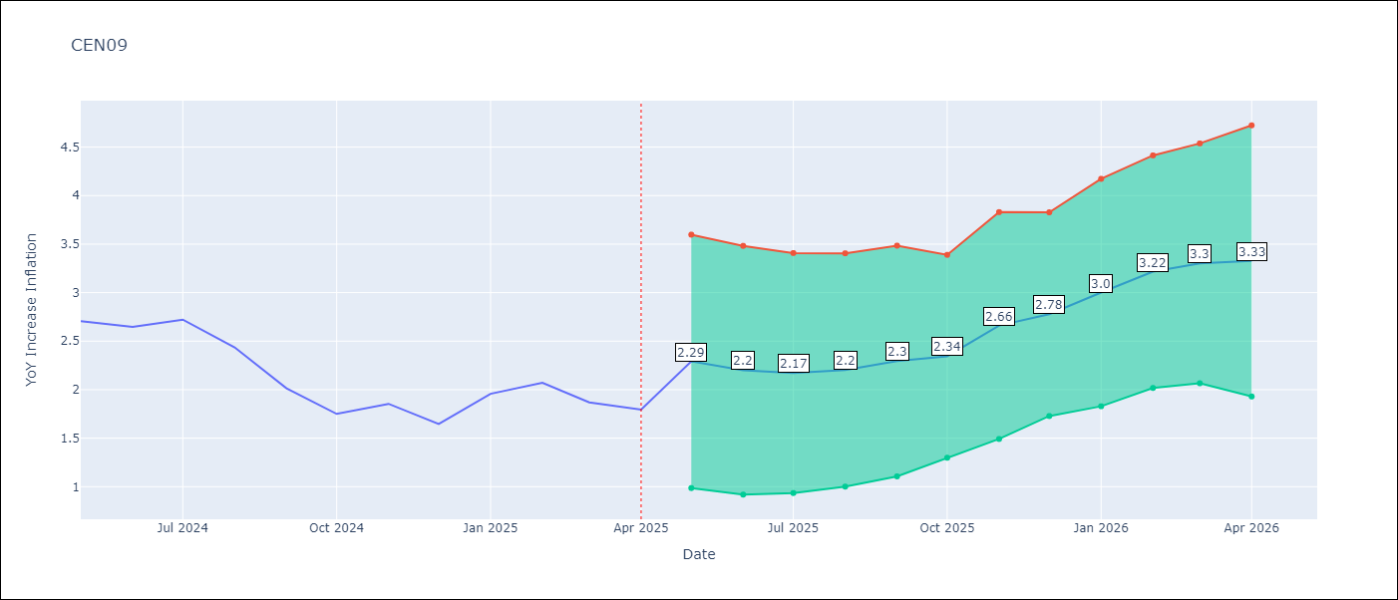

Test Metrics
RMSE | 0.34
Naive RMSE | 0.22
MAPE | 14.03%

Test Predictions
Date | Predicted | Actual
2024-05-01 | 2.6700000763 | 2.71
2024-06-01 | 2.6800000668 | 2.65
2024-07-01 | 2.3599998951 | 2.72
2024-08-01 | 2.6199998856 | 2.44
2024-09-01 | 2.6900000572 | 2.01
2024-10-01 | 2.1099998951 | 1.75
2024-11-01 | 1.6900000572 | 1.85
2024-12-01 | 1.9700000286 | 1.65
2025-01-01 | 2.1099998951 | 1.96
2025-02-01 | 2.0099999905 | 2.07
2025-03-01 | 2.4600000381 | 1.87
2025-04-01 | 2.1400001049 | 1.8

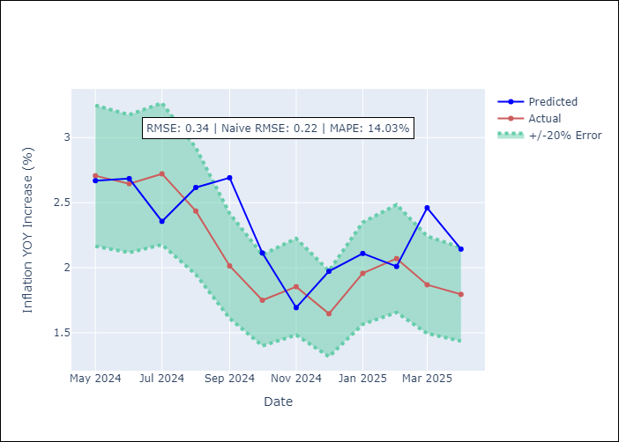

Appendix A: Model Summary
Model | VAR - [(1, 1, 0), (0, 0, 0, 12)]
Sample | 1990-01-01 to 2025-04-01
No. of Observations | 424
Terms | P-value (Statistical significance)

Assumptions | P-value

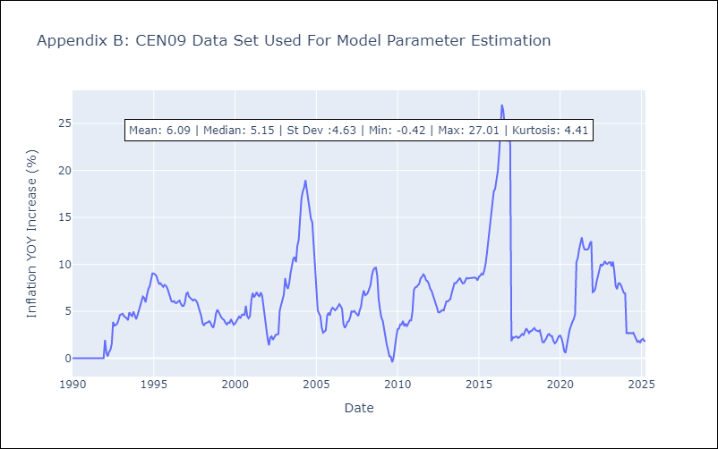

Appendix C: Residuals Analysis
Mean

CEN10
CEN10 - Inflation - Next 12 months forecast as of: 2025-04-01

Model | CNN - [(1, 1, 1), (0, 0, 1, 12)]
Training Data | 1990-01-01 to 2024-05-01
Test Data | 2024-05-01 to 2025-04-01

Date | Inflation Change YoY % | Lower Bound - 95% Confidence Interval | Upper Bound - 95% Confidence Interval
2025-05-01 | 1.5800000429 | -2.8499999046 | 6.0199999809
2025-06-01 | 1.6100000143 | -1.9400000572 | 5.1700000763
2025-07-01 | 1.7799999714 | -1.4299999475 | 4.9800000191
2025-08-01 | 0.1099999994 | -3.4000000954 | 3.6300001144
2025-09-01 | 0.43999999762 | -2.4900000095 | 3.3699998856
2025-10-01 | 0.40999999642 | -2.9200000763 | 3.7400000095
2025-11-01 | -0.25999999046 | -4.3000001907 | 3.7799999714
2025-12-01 | 0.87000000477 | -3.2100000381 | 4.9499998093
2026-01-01 | 1.1900000572 | -2.7100000381 | 5.0799999237
2026-02-01 | 2.5399999619 | -0.91000002623 | 5.9899997711
2026-03-01 | 2.9600000381 | -0.21999999881 | 6.1399998665
2026-04-01 | 3.2100000381 | -0.43000000715 | 6.8600001335

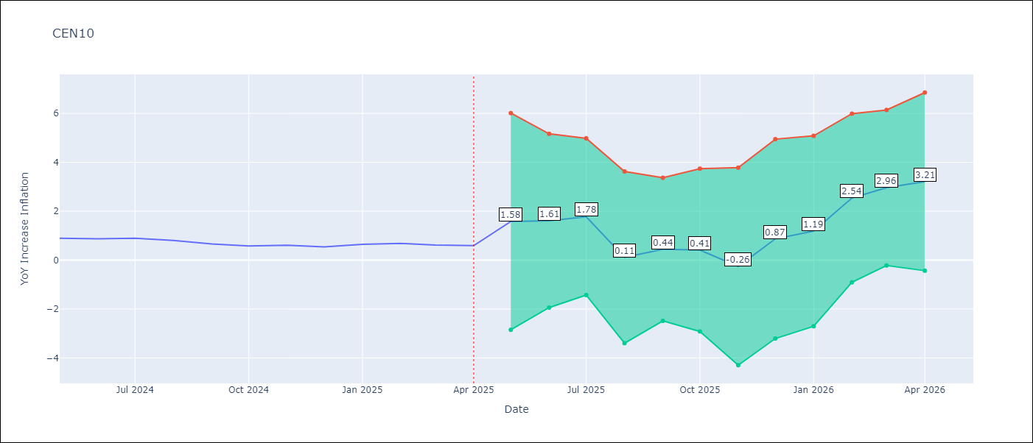

Test Metrics
RMSE | 4.8
Naive RMSE | 0.07
MAPE | 308.31%

Test Predictions
Date | Predicted | Actual
2024-05-01 | 16.479999542 | 0.89
2024-06-01 | 2.0199999809 | 0.87
2024-07-01 | 5.7399997711 | 0.9
2024-08-01 | 1.9199999571 | 0.8
2024-09-01 | 1.3700000048 | 0.66
2024-10-01 | 0.1400000006 | 0.58
2024-11-01 | 0.15999999642 | 0.61
2024-12-01 | -0.86000001431 | 0.54
2025-01-01 | -0.69999998808 | 0.64
2025-02-01 | 1.9500000477 | 0.68
2025-03-01 | 1.5099999905 | 0.62
2025-04-01 | 1.0900000334 | 0.59

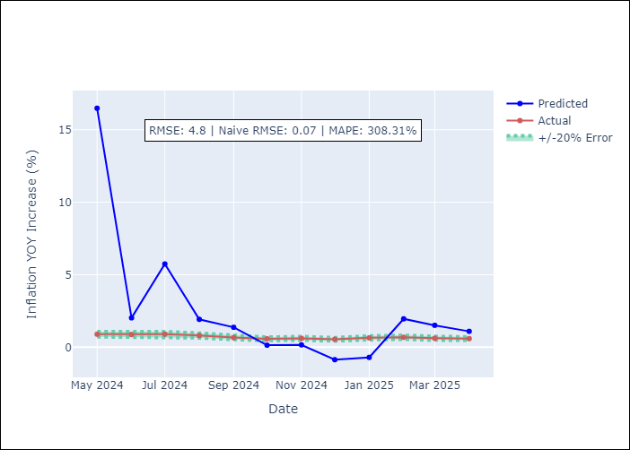

Appendix A: Model Summary
Model | VAR - [(1, 1, 1), (0, 0, 1, 12)]
Sample | 1990-01-01 to 2025-04-01
No. of Observations | 424
Terms | P-value (Statistical significance)

Assumptions | P-value

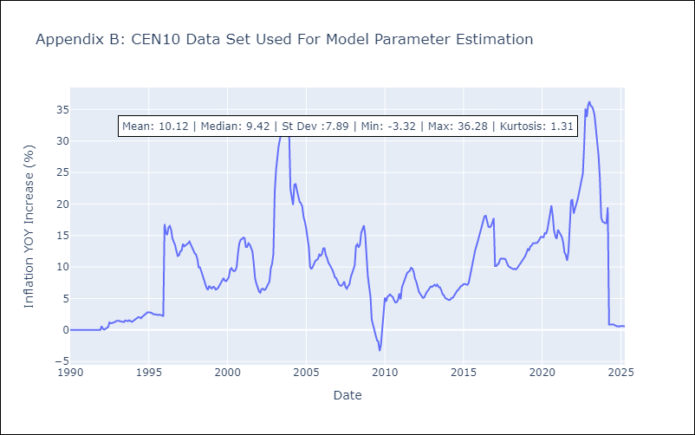

Appendix C: Residuals Analysis
Mean

R01
R01 - Inflation - Next 12 months forecast as of: 2025-04-01

Model | CNN - [(1, 2, 1), (1, 0, 1, 12)]
Training Data | 1996-01-01 to 2024-05-01
Test Data | 2024-05-01 to 2025-04-01

Date | Inflation Change YoY % | Lower Bound - 95% Confidence Interval | Upper Bound - 95% Confidence Interval
2025-05-01 | 4.6799998283 | 2.6400001049 | 6.7199997902
2025-06-01 | 4.4000000954 | 2.7300000191 | 6.0700001717
2025-07-01 | 4.0700001717 | 2.1800000668 | 5.9699997902
2025-08-01 | 3.7899999619 | 2.3599998951 | 5.2199997902
2025-09-01 | 3.4600000381 | 2.0399999619 | 4.8800001144
2025-10-01 | 3.7400000095 | 2.5799999237 | 4.8899998665
2025-11-01 | 3.5099999905 | 2.2599999905 | 4.7600002289
2025-12-01 | 3.5499999523 | 1.8899999857 | 5.2100000381
2026-01-01 | 3.5999999046 | 1.8500000238 | 5.3499999046
2026-02-01 | 4.0199999809 | 2.5499999523 | 5.4800000191
2026-03-01 | 4.1999998093 | 2.7599999905 | 5.6399998665
2026-04-01 | 4.5700001717 | 3 | 6.1399998665

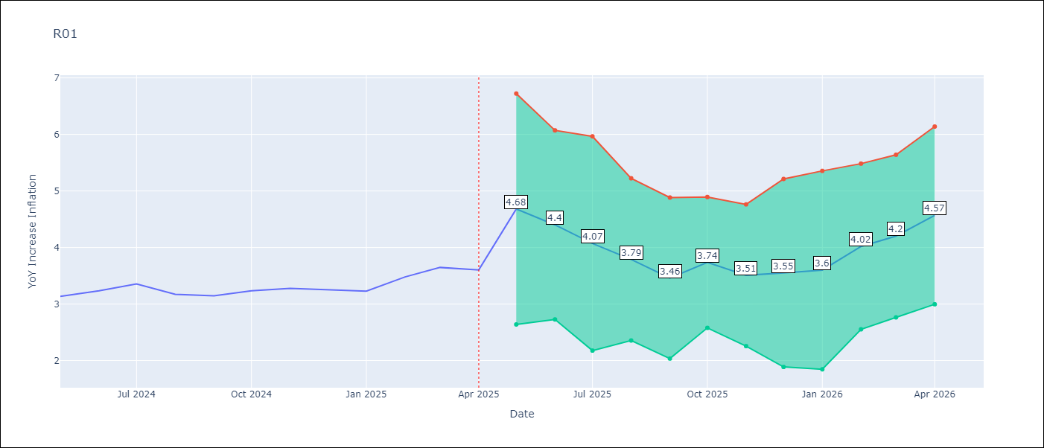

Test Metrics
RMSE | 1.5
Naive RMSE | 0.12
MAPE | 19.8%

Test Predictions
Date | Predicted | Actual
2024-05-01 | 8.2399997711 | 3.13
2024-06-01 | 3.9600000381 | 3.24
2024-07-01 | 3.6199998856 | 3.36
2024-08-01 | 3.1300001144 | 3.17
2024-09-01 | 3.4800000191 | 3.15
2024-10-01 | 3.1700000763 | 3.23
2024-11-01 | 2.7699999809 | 3.28
2024-12-01 | 3.2799999714 | 3.25
2025-01-01 | 3.3900001049 | 3.23
2025-02-01 | 3.4700000286 | 3.48
2025-03-01 | 3.3900001049 | 3.65
2025-04-01 | 3.5299999714 | 3.6

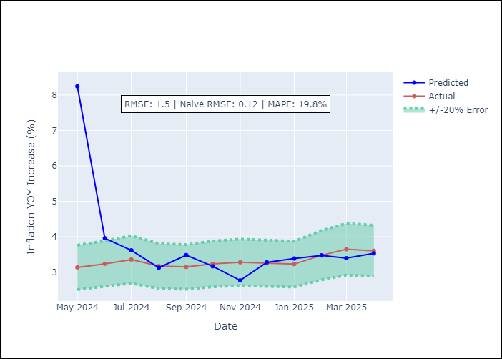

Appendix A: Model Summary
Model | VAR - [(1, 2, 1), (1, 0, 1, 12)]
Sample | 1996-01-01 to 2025-04-01
No. of Observations | 352
Terms | P-value (Statistical significance)

Assumptions | P-value

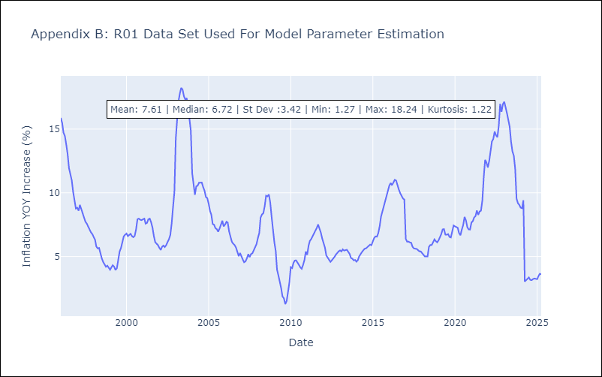

Appendix C: Residuals Analysis
Mean

R02
R02 - Inflation - Next 12 months forecast as of: 2025-04-01

Model | CNN - [(3, 1, 0), (1, 0, 1, 12)]
Training Data | 1996-01-01 to 2024-05-01
Test Data | 2024-05-01 to 2025-04-01

Date | Inflation Change YoY % | Lower Bound - 95% Confidence Interval | Upper Bound - 95% Confidence Interval
2025-05-01 | 4.3000001907 | 2.1199998856 | 6.4800000191
2025-06-01 | 4.3400001526 | 2.6099998951 | 6.0700001717
2025-07-01 | 3.7999999523 | 2.2699999809 | 5.3299999237
2025-08-01 | 3.6700000763 | 1.8300000429 | 5.5100002289
2025-09-01 | 4.0999999046 | 2.8199999332 | 5.3899998665
2025-10-01 | 3.5399999619 | 2.4000000954 | 4.6900000572
2025-11-01 | 3.6300001144 | 2.3099999428 | 4.9600000381
2025-12-01 | 3.2799999714 | 1.75 | 4.8000001907
2026-01-01 | 3.5999999046 | 1.8300000429 | 5.3600001335
2026-02-01 | 3.5599999428 | 2.0299999714 | 5.0900001526
2026-03-01 | 4.0799999237 | 2.4300000668 | 5.7300000191
2026-04-01 | 4.2699999809 | 3.2400000095 | 5.3099999428

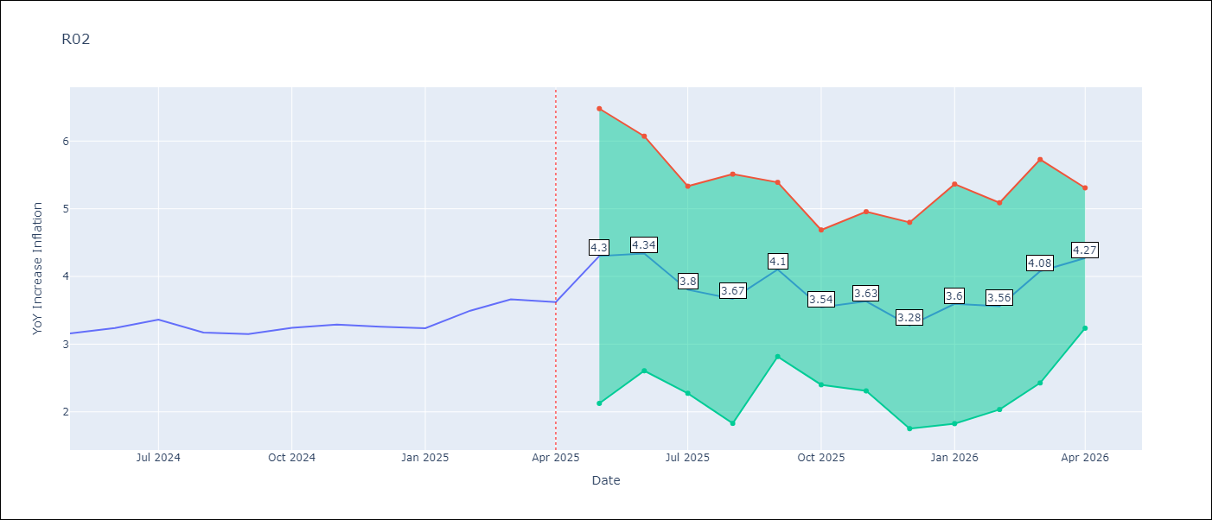

Test Metrics
RMSE | 1.61
Naive RMSE | 0.12
MAPE | 21.95%

Test Predictions
Date | Predicted | Actual
2024-05-01 | 8.5699996948 | 3.16
2024-06-01 | 3.8699998856 | 3.24
2024-07-01 | 3.6900000572 | 3.36
2024-08-01 | 3.3499999046 | 3.17
2024-09-01 | 2.1500000954 | 3.15
2024-10-01 | 3.0999999046 | 3.24
2024-11-01 | 3.2699999809 | 3.29
2024-12-01 | 3.2100000381 | 3.26
2025-01-01 | 3.3599998951 | 3.23
2025-02-01 | 3.3099999428 | 3.49
2025-03-01 | 3.3199999332 | 3.66
2025-04-01 | 3.5999999046 | 3.62

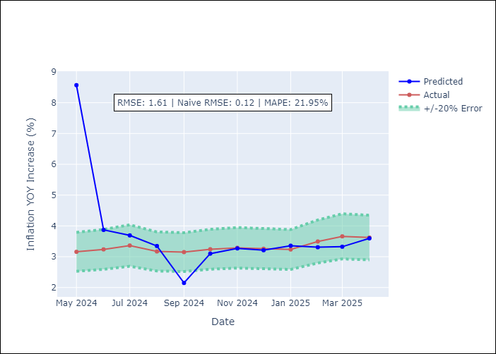

Appendix A: Model Summary
Model | VAR - [(3, 1, 0), (1, 0, 1, 12)]
Sample | 1996-01-01 to 2025-04-01
No. of Observations | 352
Terms | P-value (Statistical significance)

Assumptions | P-value

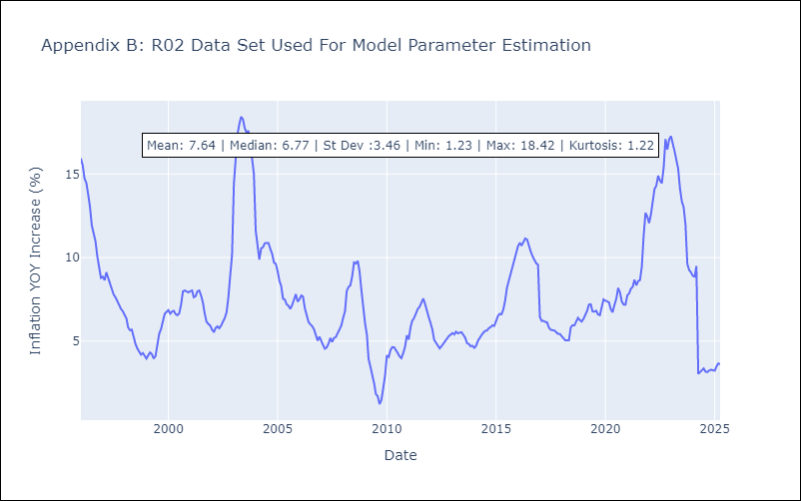

Appendix C: Residuals Analysis
Mean

R07
R07 - Inflation - Next 12 months forecast as of: 2025-04-01

Model | CNN - [(2, 1, 0), (0, 0, 1, 12)]
Training Data | 1991-01-01 to 2024-05-01
Test Data | 2024-05-01 to 2025-04-01

Date | Inflation Change YoY % | Lower Bound - 95% Confidence Interval | Upper Bound - 95% Confidence Interval
2025-05-01 | 3.3699998856 | 2.8900001049 | 3.8499999046
2025-06-01 | 3.2300000191 | 2.6300001144 | 3.8299999237
2025-07-01 | 3.2599999905 | 2.6800000668 | 3.8299999237
2025-08-01 | 3.2999999523 | 2.6600000858 | 3.9500000477
2025-09-01 | 3.1199998856 | 2.3199999332 | 3.9200000763
2025-10-01 | 3.2200000286 | 2.4200000763 | 4.0199999809
2025-11-01 | 3.2699999809 | 2.4300000668 | 4.1100001335
2025-12-01 | 3.4100000858 | 2.5199999809 | 4.2899999619
2026-01-01 | 3.4700000286 | 2.5399999619 | 4.4099998474
2026-02-01 | 3.75 | 2.7400000095 | 4.7600002289
2026-03-01 | 3.9700000286 | 2.8199999332 | 5.1199998856
2026-04-01 | 4.0599999428 | 3.1099998951 | 5.0199999809

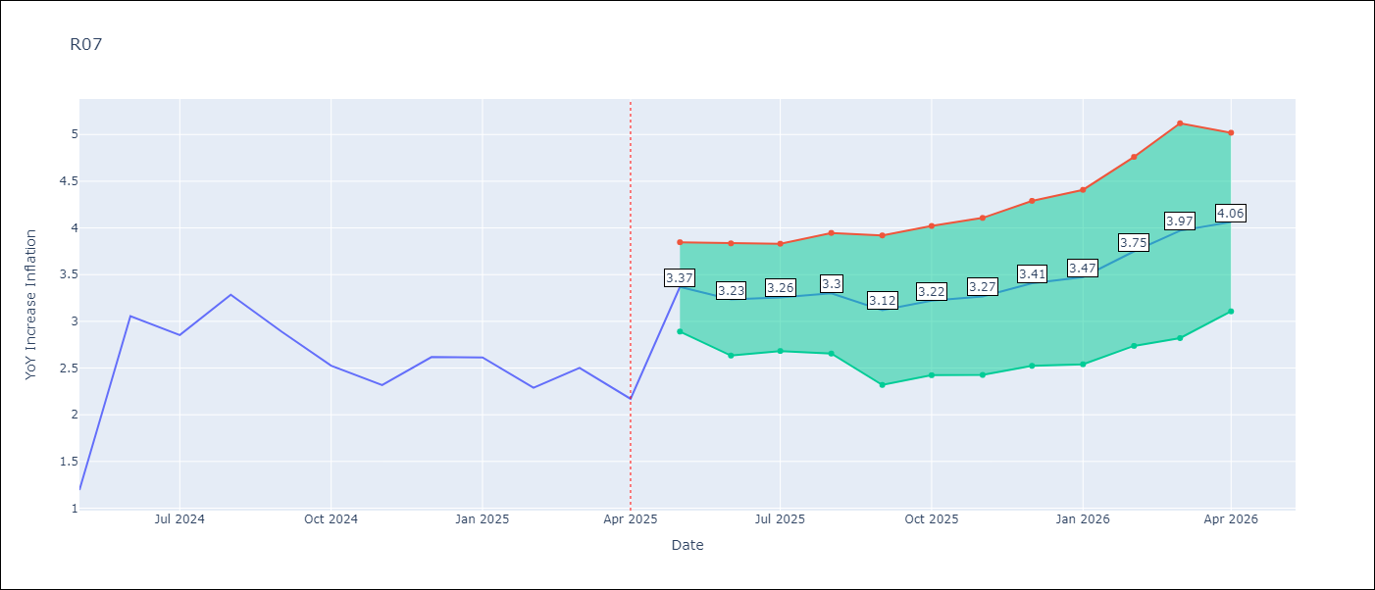

Test Metrics
RMSE | 0.68
Naive RMSE | 0.63
MAPE | 25.31%

Test Predictions
Date | Predicted | Actual
2024-05-01 | 3.0799999237 | 1.19
2024-06-01 | 3.1300001144 | 3.06
2024-07-01 | 2.0899999142 | 2.85
2024-08-01 | 2.8900001049 | 3.29
2024-09-01 | 3.1900000572 | 2.89
2024-10-01 | 3.3199999332 | 2.53
2024-11-01 | 2.8499999046 | 2.32
2024-12-01 | 2.5699999332 | 2.62
2025-01-01 | 2.2799999714 | 2.61
2025-02-01 | 2.6400001049 | 2.29
2025-03-01 | 2.5499999523 | 2.5
2025-04-01 | 2.3499999046 | 2.17

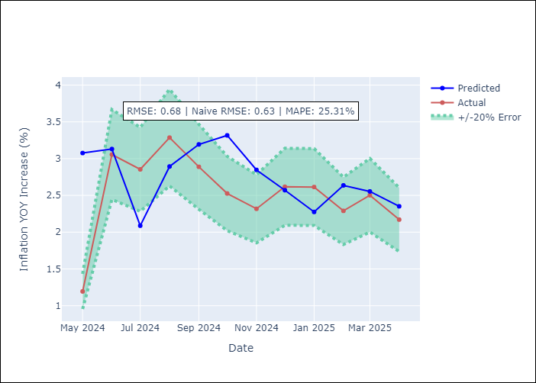

Appendix A: Model Summary
Model | VAR - [(2, 1, 0), (0, 0, 1, 12)]
Sample | 1991-01-01 to 2025-04-01
No. of Observations | 412
Terms | P-value (Statistical significance)

Assumptions | P-value

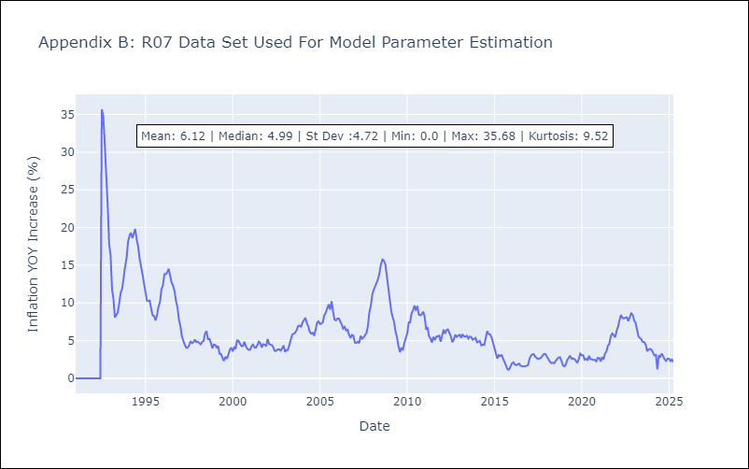

Appendix C: Residuals Analysis
Mean

SUR10
SUR10 - Inflation - Next 12 months forecast as of: 2025-04-01

Model | CNN - [(3, 2, 1), (2, 0, 1, 12)]
Training Data | 1996-01-01 to 2024-05-01
Test Data | 2024-05-01 to 2025-04-01

Date | Inflation Change YoY % | Lower Bound - 95% Confidence Interval | Upper Bound - 95% Confidence Interval
2025-05-01 | 3.9900000095 | 3.3099999428 | 4.6799998283
2025-06-01 | 3.9400000572 | 3.3299999237 | 4.5599999428
2025-07-01 | 3.8699998856 | 3.2999999523 | 4.4499998093
2025-08-01 | 3.75 | 3.1400001049 | 4.3600001335
2025-09-01 | 3.6500000954 | 3.0099999905 | 4.2800002098
2025-10-01 | 3.6199998856 | 3.0299999714 | 4.2199997902
2025-11-01 | 3.6600000858 | 3.0999999046 | 4.2100000381
2025-12-01 | 3.6800000668 | 3.1700000763 | 4.1799998283
2026-01-01 | 3.7100000381 | 3.2100000381 | 4.2199997902
2026-02-01 | 3.75 | 3.2699999809 | 4.2300000191
2026-03-01 | 3.7999999523 | 3.2799999714 | 4.3200001717
2026-04-01 | 3.9700000286 | 3.5299999714 | 4.4000000954

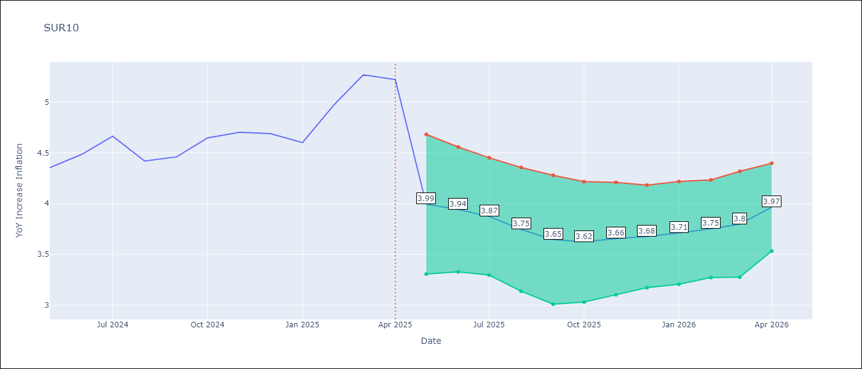

Test Metrics
RMSE | 0.32
Naive RMSE | 0.19
MAPE | 5.26%

Test Predictions
Date | Predicted | Actual
2024-05-01 | 4.1300001144 | 4.35
2024-06-01 | 4.1199998856 | 4.49
2024-07-01 | 4.4200000763 | 4.66
2024-08-01 | 4.3600001335 | 4.42
2024-09-01 | 4.5 | 4.46
2024-10-01 | 4.2399997711 | 4.65
2024-11-01 | 4.3800001144 | 4.7
2024-12-01 | 4.6599998474 | 4.69
2025-01-01 | 4.5700001717 | 4.6
2025-02-01 | 4.5599999428 | 4.98
2025-03-01 | 4.5500001907 | 5.27
2025-04-01 | 5.0500001907 | 5.22

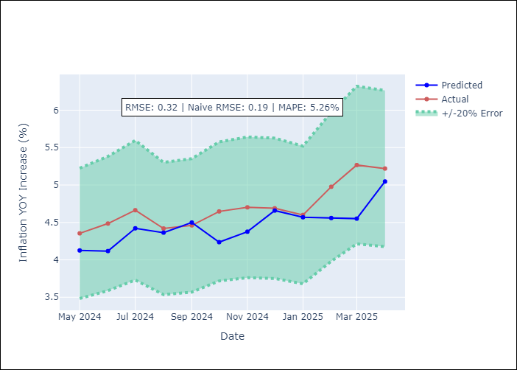

Appendix A: Model Summary
Model | VAR - [(3, 2, 1), (2, 0, 1, 12)]
Sample | 1996-01-01 to 2025-04-01
No. of Observations | 352
Terms | P-value (Statistical significance)

Assumptions | P-value

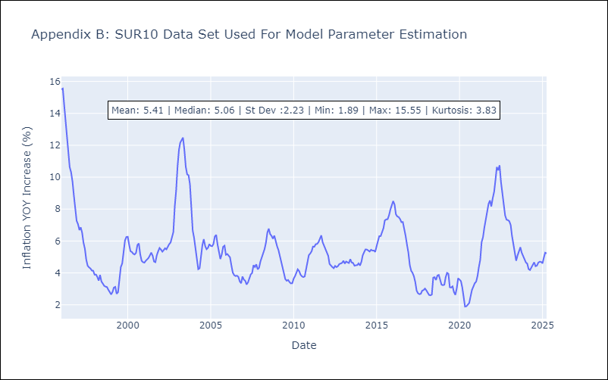

Appendix C: Residuals Analysis
Mean

