Chile00
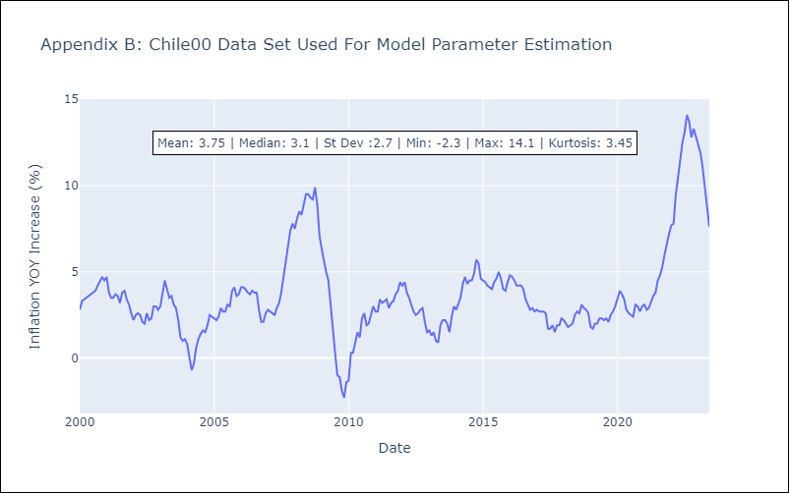
Chile00 - Inflation - Next 12 months forecast as of: 2023-06-01

Model | ARIMA - [(2, 1, 0), (3, 0, 0, 12)]
Training Data | 2000-01-01 to 2022-07-01
Test Data | 2022-07-01 to 2023-06-01

Date | Inflation Change YoY % | Lower Bound - 95% Confidence Interval | Upper Bound - 95% Confidence Interval
2023-07-01 | 6.75 | 5.95 | 7.55
2023-08-01 | 5.91 | 4.56 | 7.27
2023-09-01 | 5.79 | 3.89 | 7.68
2023-10-01 | 6 | 3.62 | 8.38
2023-11-01 | 5.46 | 2.63 | 8.29
2023-12-01 | 5.51 | 2.27 | 8.74
2024-01-01 | 5.59 | 1.98 | 9.2
2024-02-01 | 5.81 | 1.85 | 9.77
2024-03-01 | 5.67 | 1.4 | 9.95
2024-04-01 | 5.92 | 1.34 | 10.5
2024-05-01 | 6.21 | 1.35 | 11.07
2024-06-01 | 6.46 | 1.33 | 11.59

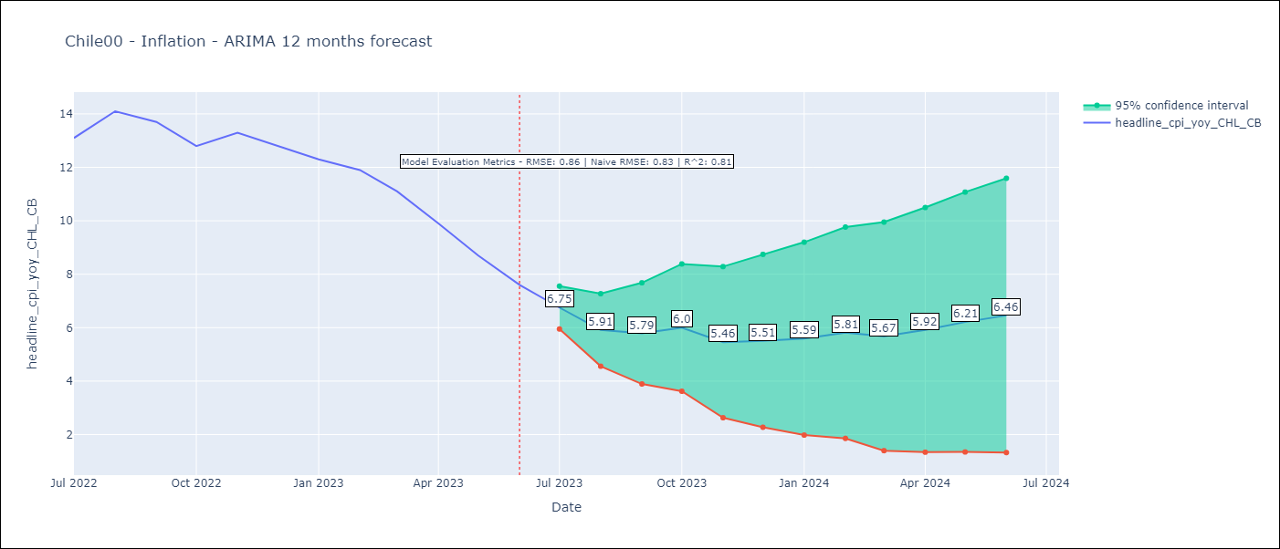

Test Metrics
RMSE | 0.86
Naive RMSE | 0.81
R^2 | 0.81

Test Predictions
Date | Predicted | Actual
2022-07-01 | 12.67 | 13.1
2022-08-01 | 12.87 | 14.1
2022-09-01 | 12.57 | 13.7
2022-10-01 | 12.28 | 12.8
2022-11-01 | 12.04 | 13.3
2022-12-01 | 11.67 | 12.8
2023-01-01 | 11.33 | 12.3
2023-02-01 | 11.35 | 11.9
2023-03-01 | 10.43 | 11.1
2023-04-01 | 9.71 | 9.9
2023-05-01 | 9.1 | 8.7
2023-06-01 | 8.49 | 7.6

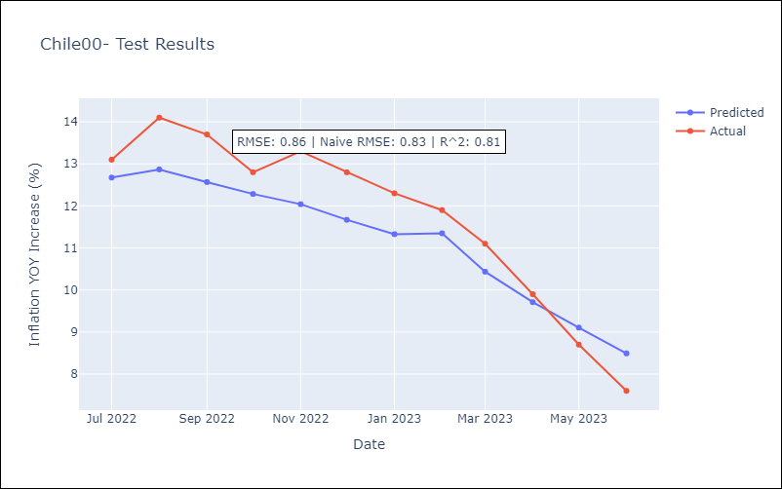

Appendix A: Model Summary
Model | ARIMA(2, 1, 0)x(3, 0, 0, 12)
Sample | 01-01-2000- 06-01-2023
No. of Observations | 282
Terms | P-value (Statistical significance)
ar.L1 | 0.000
ar.L2 | 0.013
ar.S.L12 | 0.000
ar.S.L24 | 0.000
ar.S.L36 | 0.156
sigma2 | 0.000
Assumptions | P-value | Interpretation
Ljung-Box (L1) | 0.80 | Residuals are independent.
Heteroskedasticity | 0.29 | Residuals have the same variance.
Jarque-Bera | 0.01 | Residuals are not normally distributed.
Skew | 0.16 | Positive skew - model underestimates the mean.
Kurtosis | 3.95 | Residuals contain more extreme outliers than in a normal distribution.

Chile10
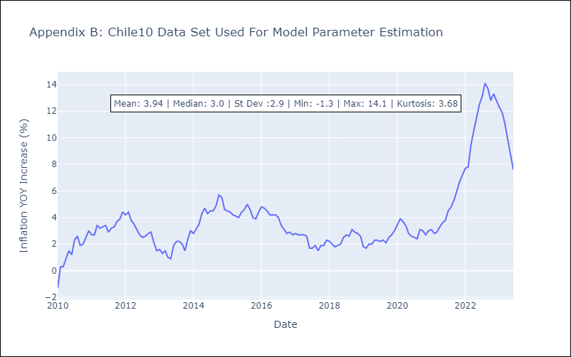
Chile10 - Inflation - Next 12 months forecast as of: 2023-06-01

Model | ARIMA - [(2, 1, 0), (2, 0, 0, 12)]
Training Data | 2010-01-01 to 2022-07-01
Test Data | 2022-07-01 to 2023-06-01

Date | Inflation Change YoY % | Lower Bound - 95% Confidence Interval | Upper Bound - 95% Confidence Interval
2023-07-01 | 6.78 | 6.08 | 7.49
2023-08-01 | 5.91 | 4.69 | 7.12
2023-09-01 | 5.91 | 4.18 | 7.64
2023-10-01 | 6.21 | 4.01 | 8.42
2023-11-01 | 5.66 | 3.02 | 8.31
2023-12-01 | 5.81 | 2.76 | 8.86
2024-01-01 | 5.97 | 2.54 | 9.4
2024-02-01 | 6.18 | 2.4 | 9.96
2024-03-01 | 6.24 | 2.14 | 10.34
2024-04-01 | 6.69 | 2.28 | 11.1
2024-05-01 | 7.17 | 2.47 | 11.87
2024-06-01 | 7.58 | 2.61 | 12.56

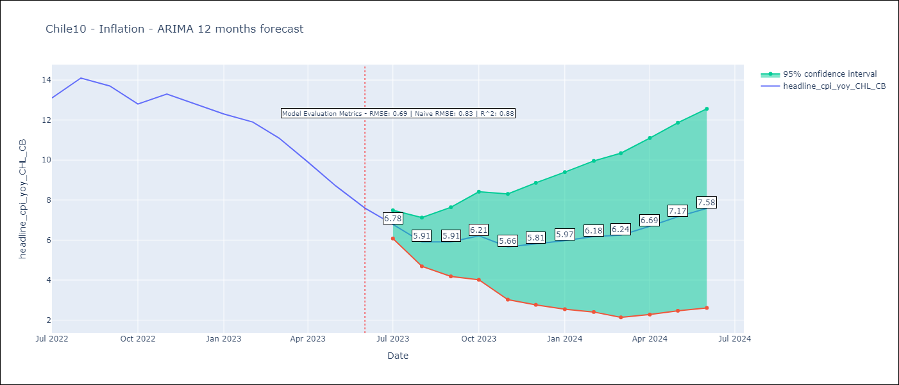

Test Metrics
RMSE | 0.69
Naive RMSE | 0.81
R^2 | 0.88

Test Predictions
Date | Predicted | Actual
2022-07-01 | 12.72 | 13.1
2022-08-01 | 13 | 14.1
2022-09-01 | 12.82 | 13.7
2022-10-01 | 12.6 | 12.8
2022-11-01 | 12.37 | 13.3
2022-12-01 | 12.07 | 12.8
2023-01-01 | 11.79 | 12.3
2023-02-01 | 11.84 | 11.9
2023-03-01 | 10.84 | 11.1
2023-04-01 | 10.07 | 9.9
2023-05-01 | 9.39 | 8.7
2023-06-01 | 8.72 | 7.6

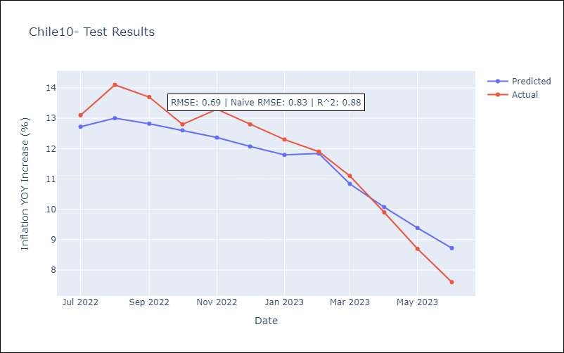

Appendix A: Model Summary
Model | ARIMA(2, 1, 0)x(2, 0, 0, 12)
Sample | 01-01-2010- 06-01-2023
No. of Observations | 162
Terms | P-value (Statistical significance)
ar.L1 | 0.000
ar.L2 | 0.028
ar.S.L12 | 0.000
ar.S.L24 | 0.005
sigma2 | 0.000
Assumptions | P-value | Interpretation
Ljung-Box (L1) | 0.53 | Residuals are independent.
Heteroskedasticity | 0.07 | Residuals have the same variance.
Jarque-Bera | 0.00 | Residuals are not normally distributed.
Skew | 0.46 | Positive skew - model underestimates the mean.
Kurtosis | 4.83 | Residuals contain more extreme outliers than in a normal distribution.

Chile1928
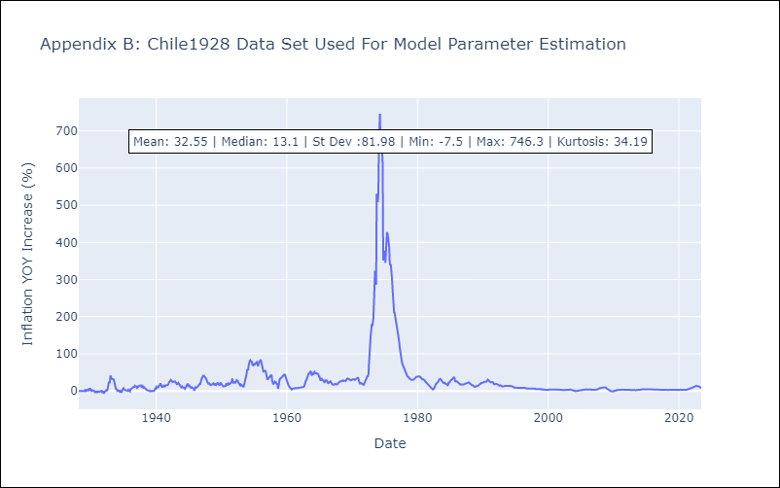
Chile1928 - Inflation - Next 12 months forecast as of: 2023-06-01

Model | ARIMA - [(3, 1, 0), (2, 0, 1, 12)]
Training Data | 1928-03-01 to 2022-07-01
Test Data | 2022-07-01 to 2023-06-01

Date | Inflation Change YoY % | Lower Bound - 95% Confidence Interval | Upper Bound - 95% Confidence Interval
2023-07-01 | 6.79 | -15.36 | 28.95
2023-08-01 | 6.01 | -28.47 | 40.5
2023-09-01 | 5.74 | -39.13 | 50.61
2023-10-01 | 5.81 | -49.5 | 61.13
2023-11-01 | 5.29 | -59.51 | 70.08
2023-12-01 | 5.14 | -68.3 | 78.59
2024-01-01 | 5.18 | -76.31 | 86.66
2024-02-01 | 5.37 | -83.58 | 94.32
2024-03-01 | 5.13 | -90.79 | 101.05
2024-04-01 | 5.25 | -97.23 | 107.72
2024-05-01 | 5.45 | -103.22 | 114.12
2024-06-01 | 5.59 | -108.95 | 120.14

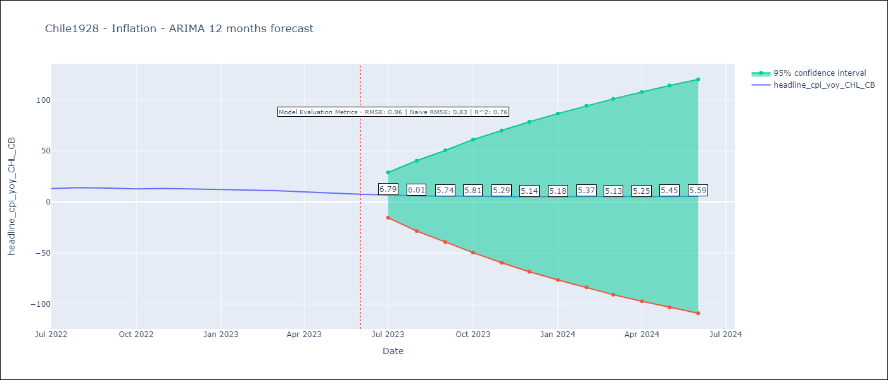

Test Metrics
RMSE | 0.96
Naive RMSE | 0.81
R^2 | 0.76

Test Predictions
Date | Predicted | Actual
2022-07-01 | 12.58 | 13.1
2022-08-01 | 12.74 | 14.1
2022-09-01 | 12.49 | 13.7
2022-10-01 | 12.19 | 12.8
2022-11-01 | 11.98 | 13.3
2022-12-01 | 11.54 | 12.8
2023-01-01 | 11.31 | 12.3
2023-02-01 | 11.32 | 11.9
2023-03-01 | 10.51 | 11.1
2023-04-01 | 9.89 | 9.9
2023-05-01 | 9.37 | 8.7
2023-06-01 | 8.84 | 7.6

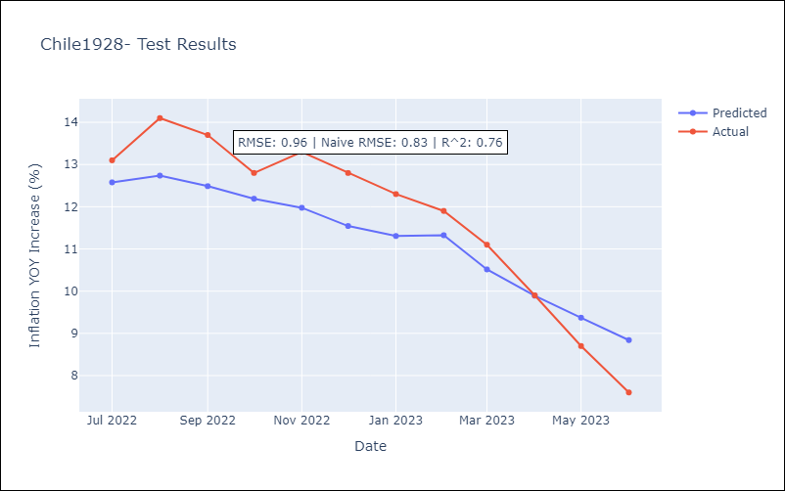

Appendix A: Model Summary
Model | ARIMA(3, 1, 0)x(2, 0, [1], 12)
Sample | 03-01-1928- 06-01-2023
No. of Observations | 1144
Terms | P-value (Statistical significance)
ar.L1 | 0.000
ar.L2 | 0.000
ar.L3 | 0.000
ar.S.L12 | 0.000
ar.S.L24 | 0.129
ma.S.L12 | 0.000
sigma2 | 0.000
Assumptions | P-value | Interpretation
Ljung-Box (L1) | 0.37 | Residuals are independent.
Heteroskedasticity | 0.00 | Residuals have different variances.
Jarque-Bera | 0.00 | Residuals are not normally distributed.
Skew | 9.60 | Positive skew - model underestimates the mean.
Kurtosis | 246.90 | Residuals contain more extreme outliers than in a normal distribution.

Chile70
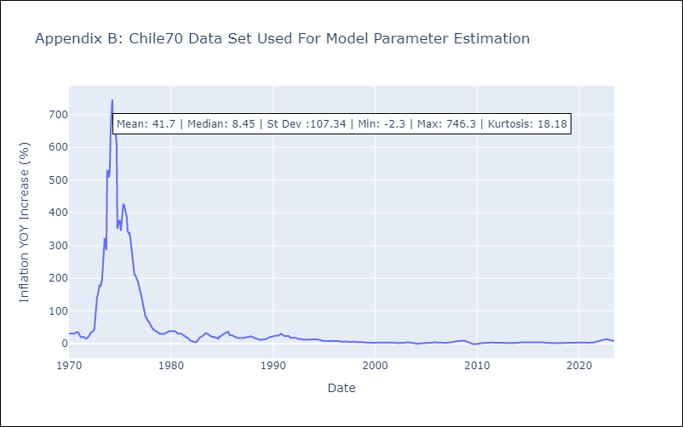
Chile70 - Inflation - Next 12 months forecast as of: 2023-06-01

Model | ARIMA - [(3, 1, 0), (3, 1, 0, 12)]
Training Data | 1970-01-01 to 2022-07-01
Test Data | 2022-07-01 to 2023-06-01

Date | Inflation Change YoY % | Lower Bound - 95% Confidence Interval | Upper Bound - 95% Confidence Interval
2023-07-01 | 7.3 | -22.07 | 36.67
2023-08-01 | 7.08 | -37.83 | 51.98
2023-09-01 | 7.25 | -52.26 | 66.75
2023-10-01 | 7.45 | -65.54 | 80.44
2023-11-01 | 7.52 | -77.6 | 92.64
2023-12-01 | 7.85 | -88.35 | 104.05
2024-01-01 | 8.18 | -98.19 | 114.55
2024-02-01 | 8.22 | -107.55 | 124
2024-03-01 | 8.61 | -115.94 | 133.16
2024-04-01 | 8.96 | -123.83 | 141.75
2024-05-01 | 9.14 | -131.43 | 149.7
2024-06-01 | 9.42 | -138.53 | 157.36

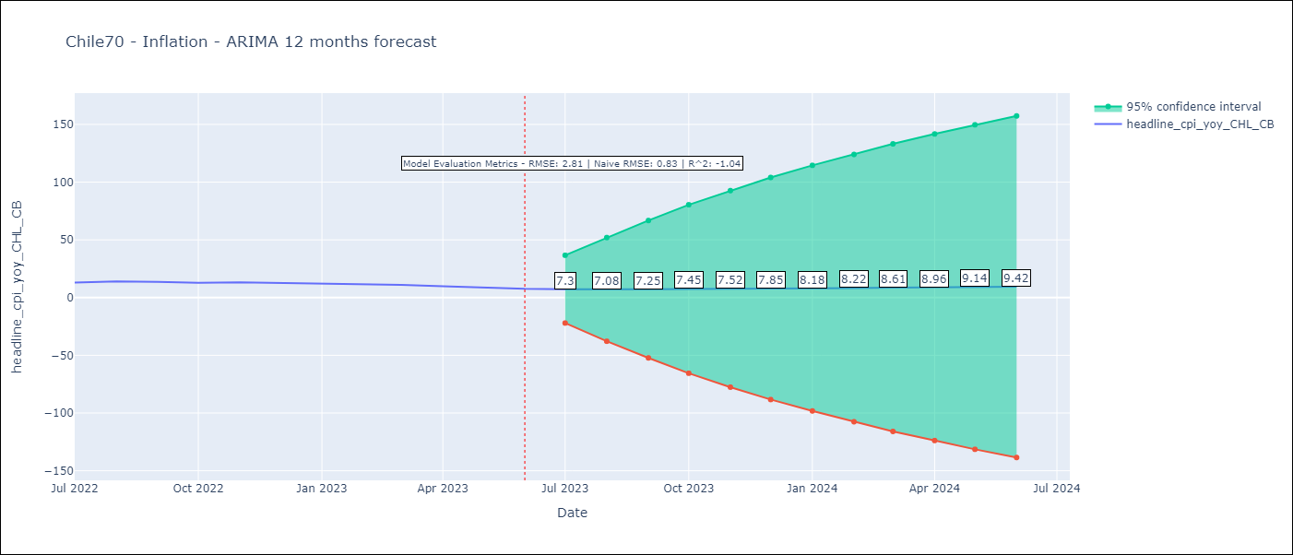

Test Metrics
RMSE | 2.81
Naive RMSE | 0.81
R^2 | -1.04

Test Predictions
Date | Predicted | Actual
2022-07-01 | 12.85 | 13.1
2022-08-01 | 13.08 | 14.1
2022-09-01 | 13.5 | 13.7
2022-10-01 | 13.63 | 12.8
2022-11-01 | 13.64 | 13.3
2022-12-01 | 13.79 | 12.8
2023-01-01 | 13.74 | 12.3
2023-02-01 | 13.8 | 11.9
2023-03-01 | 13.84 | 11.1
2023-04-01 | 13.83 | 9.9
2023-05-01 | 13.77 | 8.7
2023-06-01 | 13.74 | 7.6

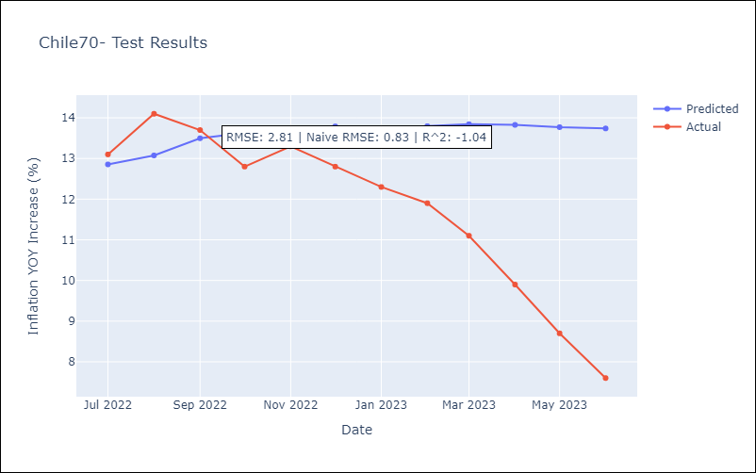

Appendix A: Model Summary
Model | ARIMA(3, 1, 0)x(3, 1, 0, 12)
Sample | 01-01-1970- 06-01-2023
No. of Observations | 642
Terms | P-value (Statistical significance)
ar.L1 | 0.000
ar.L2 | 0.000
ar.L3 | 0.002
ar.S.L12 | 0.000
ar.S.L24 | 0.000
ar.S.L36 | 0.000
sigma2 | 0.000
Assumptions | P-value | Interpretation
Ljung-Box (L1) | 0.98 | Residuals are independent.
Heteroskedasticity | 0.00 | Residuals have different variances.
Jarque-Bera | 0.00 | Residuals are not normally distributed.
Skew | -8.77 | Negative skew - Model overestimates the mean.
Kurtosis | 149.16 | Residuals contain more extreme outliers than in a normal distribution.

Chile80
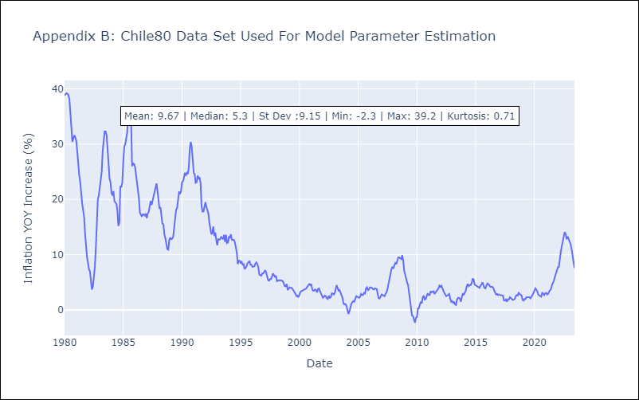
Chile80 - Inflation - Next 12 months forecast as of: 2023-06-01

Model | ARIMA - [(3, 1, 0), (2, 0, 0, 12)]
Training Data | 1980-01-01 to 2022-07-01
Test Data | 2022-07-01 to 2023-06-01

Date | Inflation Change YoY % | Lower Bound - 95% Confidence Interval | Upper Bound - 95% Confidence Interval
2023-07-01 | 6.88 | 5.4 | 8.37
2023-08-01 | 6.07 | 3.52 | 8.61
2023-09-01 | 6.12 | 2.76 | 9.49
2023-10-01 | 6.49 | 2.35 | 10.63
2023-11-01 | 6 | 1.12 | 10.87
2023-12-01 | 6.19 | 0.65 | 11.73
2024-01-01 | 6.38 | 0.23 | 12.54
2024-02-01 | 6.61 | -0.11 | 13.33
2024-03-01 | 6.77 | -0.49 | 14.03
2024-04-01 | 7.3 | -0.46 | 15.06
2024-05-01 | 7.85 | -0.39 | 16.08
2024-06-01 | 8.33 | -0.35 | 17.01

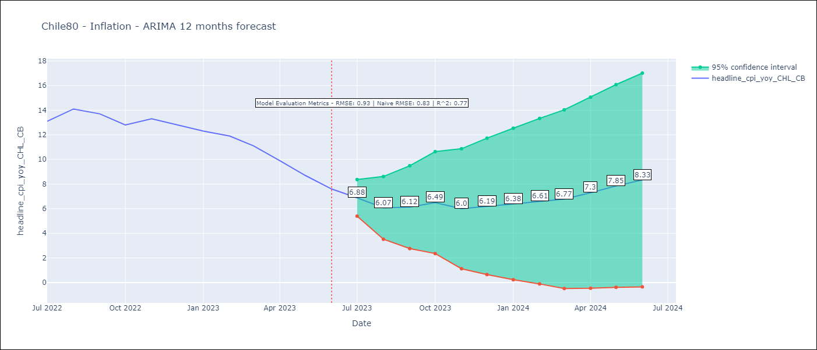

Test Metrics
RMSE | 0.93
Naive RMSE | 0.81
R^2 | 0.77

Test Predictions
Date | Predicted | Actual
2022-07-01 | 12.6 | 13.1
2022-08-01 | 12.71 | 14.1
2022-09-01 | 12.46 | 13.7
2022-10-01 | 12.18 | 12.8
2022-11-01 | 11.87 | 13.3
2022-12-01 | 11.54 | 12.8
2023-01-01 | 11.24 | 12.3
2023-02-01 | 11.26 | 11.9
2023-03-01 | 10.23 | 11.1
2023-04-01 | 9.45 | 9.9
2023-05-01 | 8.76 | 8.7
2023-06-01 | 8.08 | 7.6



Appendix A: Model Summary
Model | ARIMA(3, 1, 0)x(2, 0, 0, 12)
Sample | 01-01-1980- 06-01-2023
No. of Observations | 522
Terms | P-value (Statistical significance)
ar.L1 | 0.000
ar.L2 | 0.034
ar.L3 | 0.000
ar.S.L12 | 0.000
ar.S.L24 | 0.000
sigma2 | 0.000
Assumptions | P-value | Interpretation
Ljung-Box (L1) | 0.99 | Residuals are independent.
Heteroskedasticity | 0.00 | Residuals have different variances.
Jarque-Bera | 0.00 | Residuals are not normally distributed.
Skew | 0.63 | Positive skew - model underestimates the mean.
Kurtosis | 13.46 | Residuals contain more extreme outliers than in a normal distribution.

Chile90
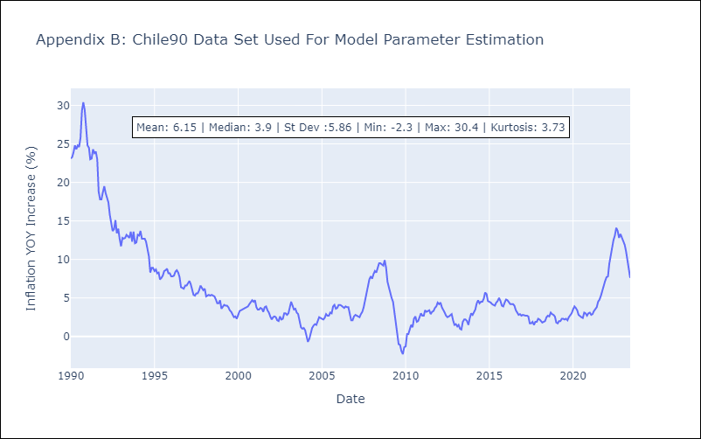
Chile90 - Inflation - Next 12 months forecast as of: 2023-06-01

Model | ARIMA - [(3, 1, 0), (3, 0, 1, 12)]
Training Data | 1990-01-01 to 2022-07-01
Test Data | 2022-07-01 to 2023-06-01

Date | Inflation Change YoY % | Lower Bound - 95% Confidence Interval | Upper Bound - 95% Confidence Interval
2023-07-01 | 6.84 | 6.02 | 7.65
2023-08-01 | 6.04 | 4.66 | 7.42
2023-09-01 | 5.93 | 4.08 | 7.79
2023-10-01 | 6.06 | 3.7 | 8.42
2023-11-01 | 5.57 | 2.74 | 8.41
2023-12-01 | 5.62 | 2.34 | 8.91
2024-01-01 | 5.69 | 1.98 | 9.4
2024-02-01 | 5.81 | 1.69 | 9.92
2024-03-01 | 5.84 | 1.34 | 10.33
2024-04-01 | 6.16 | 1.3 | 11.02
2024-05-01 | 6.52 | 1.31 | 11.72
2024-06-01 | 6.82 | 1.29 | 12.35

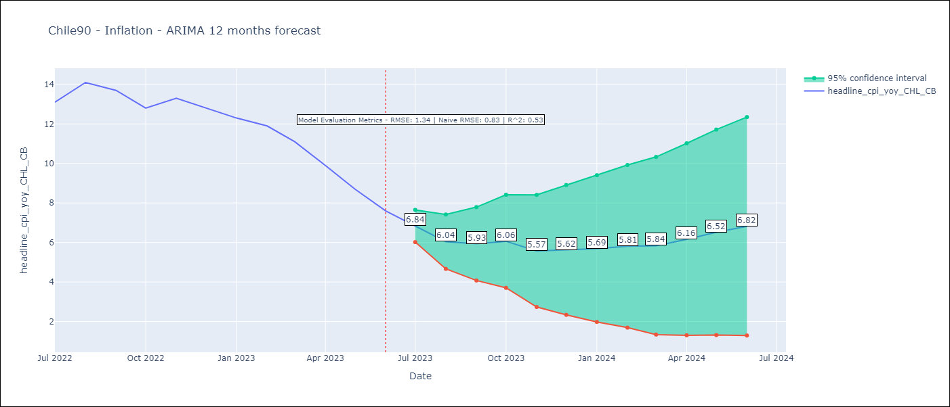

Test Metrics
RMSE | 1.34
Naive RMSE | 0.81
R^2 | 0.53

Test Predictions
Date | Predicted | Actual
2022-07-01 | 12.83 | 13.1
2022-08-01 | 13.15 | 14.1
2022-09-01 | 13.15 | 13.7
2022-10-01 | 13.11 | 12.8
2022-11-01 | 13.03 | 13.3
2022-12-01 | 12.89 | 12.8
2023-01-01 | 12.76 | 12.3
2023-02-01 | 12.85 | 11.9
2023-03-01 | 12.15 | 11.1
2023-04-01 | 11.61 | 9.9
2023-05-01 | 11.11 | 8.7
2023-06-01 | 10.64 | 7.6

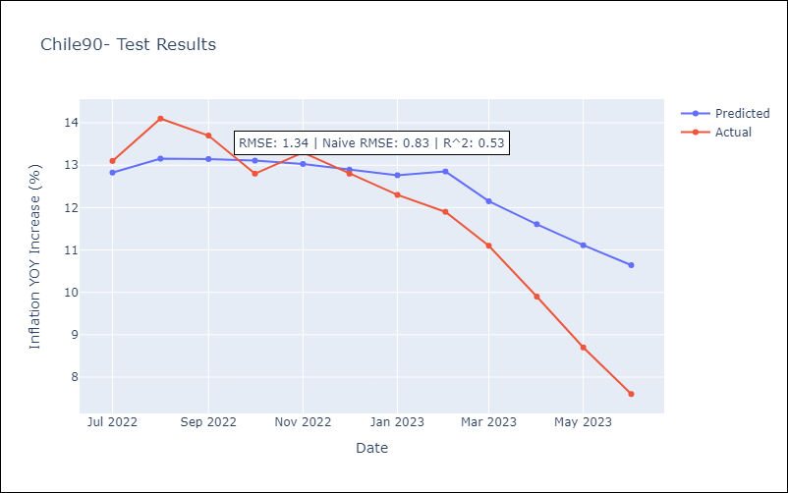

Appendix A: Model Summary
Model | ARIMA(3, 1, 0)x(3, 0, [1], 12)
Sample | 01-01-1990- 06-01-2023
No. of Observations | 402
Terms | P-value (Statistical significance)
ar.L1 | 0.000
ar.L2 | 0.370
ar.L3 | 0.000
ar.S.L12 | 0.000
ar.S.L24 | 0.000
ar.S.L36 | 0.011
ma.S.L12 | 0.000
sigma2 | 0.000
Assumptions | P-value | Interpretation
Ljung-Box (L1) | 0.95 | Residuals are independent.
Heteroskedasticity | 0.03 | Residuals have different variances.
Jarque-Bera | 0.00 | Residuals are not normally distributed.
Skew | -0.08 | Negative skew - Model overestimates the mean.
Kurtosis | 3.87 | Residuals contain more extreme outliers than in a normal distribution.

