BOL_NSO
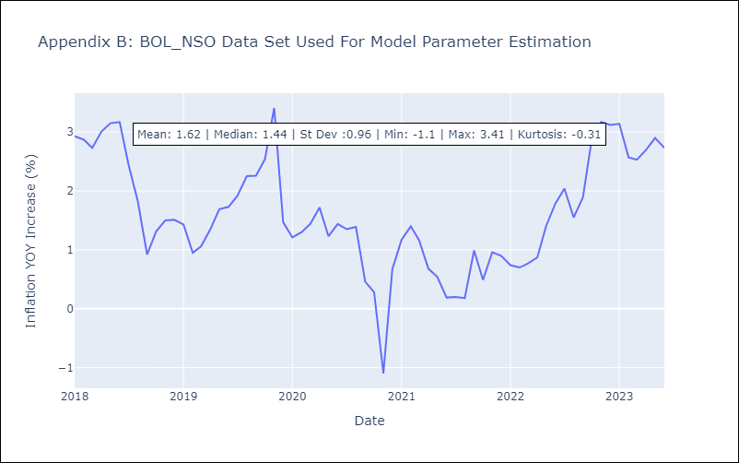
BOL_NSO - Inflation - Next 12 months forecast as of: 2023-06-01

Model | ARIMA - [(0, 1, 0), (0, 1, 0, 12)]
Training Data | 2018-01-01 to 2022-07-01
Test Data | 2022-07-01 to 2023-06-01

Date | Inflation Change YoY % | Lower Bound - 95% Confidence Interval | Upper Bound - 95% Confidence Interval
2023-07-01 | 2.98 | 1.15 | 4.81
2023-08-01 | 2.49 | -0.1 | 5.08
2023-09-01 | 2.83 | -0.34 | 6
2023-10-01 | 3.83 | 0.17 | 7.49
2023-11-01 | 4.11 | 0.02 | 8.2
2023-12-01 | 4.06 | -0.42 | 8.54
2024-01-01 | 4.08 | -0.76 | 8.92
2024-02-01 | 3.51 | -1.66 | 8.68
2024-03-01 | 3.47 | -2.02 | 8.96
2024-04-01 | 3.64 | -2.14 | 9.42
2024-05-01 | 3.84 | -2.22 | 9.9
2024-06-01 | 3.67 | -2.66 | 10

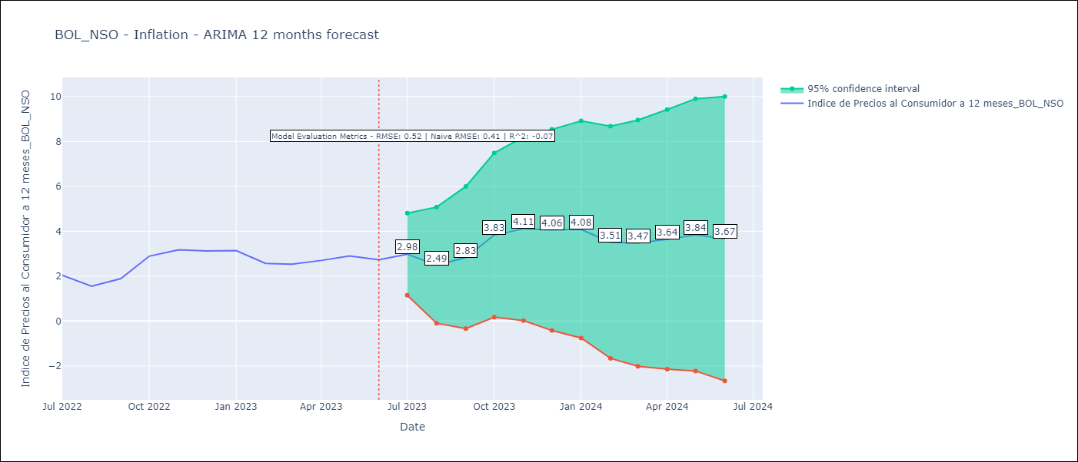

Test Metrics
RMSE | 0.52
Naive RMSE | 0.4
R^2 | -0.07

Test Predictions
Date | Predicted | Actual
2022-07-01 | 1.8 | 2.04
2022-08-01 | 1.78 | 1.55
2022-09-01 | 2.59 | 1.89
2022-10-01 | 2.09 | 2.89
2022-11-01 | 2.56 | 3.17
2022-12-01 | 2.5 | 3.12
2023-01-01 | 2.34 | 3.14
2023-02-01 | 2.3 | 2.57
2023-03-01 | 2.37 | 2.53
2023-04-01 | 2.47 | 2.7
2023-05-01 | 3.01 | 2.9
2023-06-01 | 3.39 | 2.73

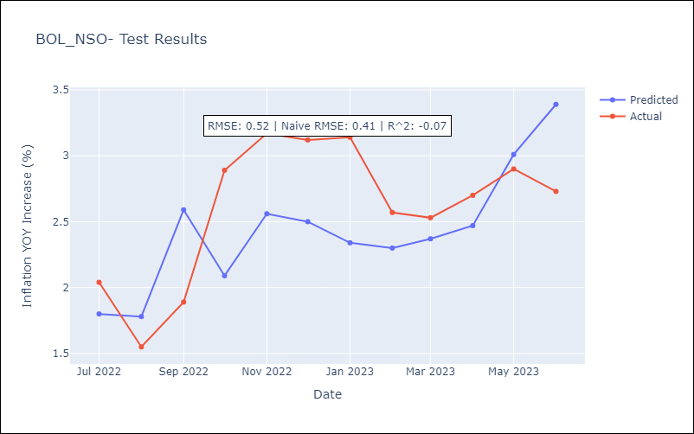

Appendix A: Model Summary
Model | ARIMA(0, 1, 0)x(0, 1, 0, 12)
Sample | 01-01-2018- 06-01-2023
No. of Observations | 66
Terms | P-value (Statistical significance)
sigma2 | 0.000
Assumptions | P-value | Interpretation
Ljung-Box (L1) | 0.28 | Residuals are independent.
Heteroskedasticity | 0.33 | Residuals have the same variance.
Jarque-Bera | 0.00 | Residuals are not normally distributed.
Skew | 0.83 | Positive skew - model underestimates the mean.
Kurtosis | 6.75 | Residuals contain more extreme outliers than in a normal distribution.

BRA_CB
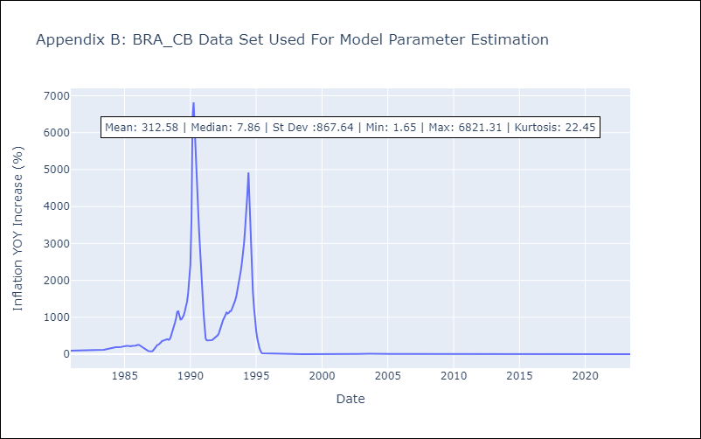
BRA_CB - Inflation - Next 12 months forecast as of: 2023-06-01

Model | ARIMA - [(0, 1, 0), (2, 0, 1, 12)]
Training Data | 1980-12-01 to 2022-07-01
Test Data | 2022-07-01 to 2023-06-01

Date | Inflation Change YoY % | Lower Bound - 95% Confidence Interval | Upper Bound - 95% Confidence Interval
2023-07-01 | 3.46 | -367.48 | 374.4
2023-08-01 | 3.66 | -520.92 | 528.25
2023-09-01 | 3.92 | -638.57 | 646.4
2023-10-01 | 4.02 | -737.87 | 745.9
2023-11-01 | 4.12 | -825.33 | 833.56
2023-12-01 | 4.18 | -904.43 | 912.8
2024-01-01 | 4.16 | -977.25 | 985.58
2024-02-01 | 4.18 | -1045 | 1053.36
2024-03-01 | 4.3 | -1108.52 | 1117.12
2024-04-01 | 4.33 | -1168.69 | 1177.35
2024-05-01 | 4.39 | -1225.88 | 1234.66
2024-06-01 | 4.53 | -1280.45 | 1289.5

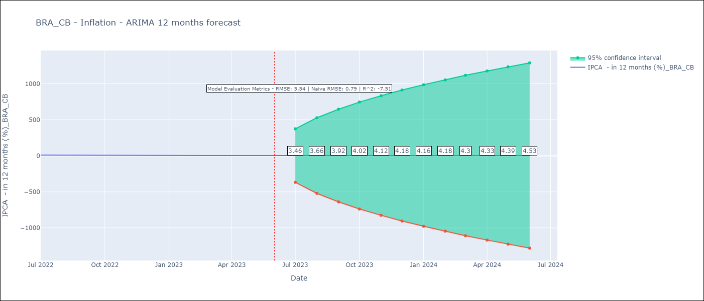

Test Metrics
RMSE | 5.54
Naive RMSE | 0.92
R^2 | -7.51

Test Predictions
Date | Predicted | Actual
2022-07-01 | 11.76 | 10.07
2022-08-01 | 11.62 | 8.73
2022-09-01 | 11.46 | 7.17
2022-10-01 | 11.33 | 6.47
2022-11-01 | 11.29 | 5.9
2022-12-01 | 11.39 | 5.79
2023-01-01 | 11.33 | 5.77
2023-02-01 | 11.26 | 5.6
2023-03-01 | 11.06 | 4.65
2023-04-01 | 10.86 | 4.18
2023-05-01 | 10.85 | 3.94
2023-06-01 | 10.8 | 3.16

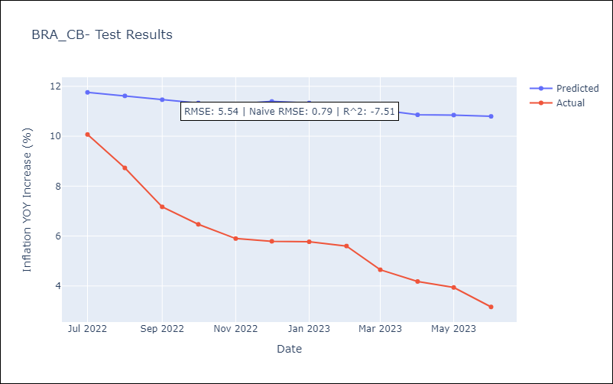

Appendix A: Model Summary
Model | ARIMA(0, 1, 0)x(2, 0, [1], 12)
Sample | 12-01-1980- 06-01-2023
No. of Observations | 511
Terms | P-value (Statistical significance)
ar.S.L12 | 0.936
ar.S.L24 | 0.819
ma.S.L12 | 0.932
sigma2 | 0.000
Assumptions | P-value | Interpretation
Ljung-Box (L1) | 0.00 | Residuals are not independent.
Heteroskedasticity | 0.00 | Residuals have different variances.
Jarque-Bera | 0.00 | Residuals are not normally distributed.
Skew | 5.34 | Positive skew - model underestimates the mean.
Kurtosis | 91.44 | Residuals contain more extreme outliers than in a normal distribution.

CHL_CB
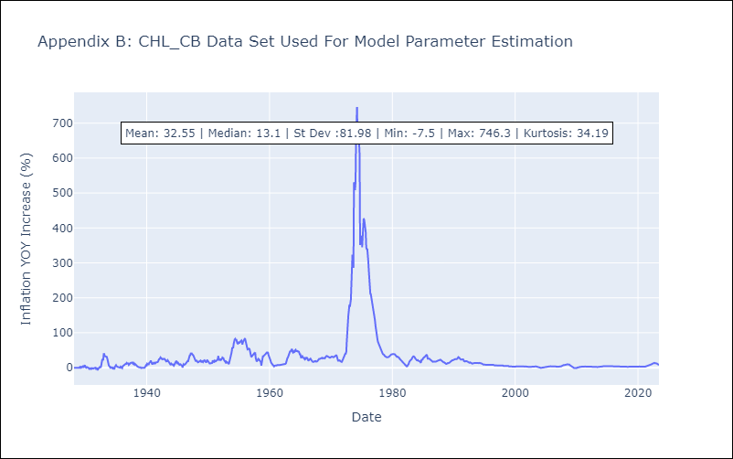
CHL_CB - Inflation - Next 12 months forecast as of: 2023-06-01

Model | ARIMA - [(3, 1, 0), (2, 0, 1, 12)]
Training Data | 1928-03-01 to 2022-07-01
Test Data | 2022-07-01 to 2023-06-01

Date | Inflation Change YoY % | Lower Bound - 95% Confidence Interval | Upper Bound - 95% Confidence Interval
2023-07-01 | 6.79 | -15.36 | 28.95
2023-08-01 | 6.01 | -28.47 | 40.5
2023-09-01 | 5.74 | -39.13 | 50.61
2023-10-01 | 5.81 | -49.5 | 61.13
2023-11-01 | 5.29 | -59.51 | 70.08
2023-12-01 | 5.14 | -68.3 | 78.59
2024-01-01 | 5.18 | -76.31 | 86.66
2024-02-01 | 5.37 | -83.58 | 94.32
2024-03-01 | 5.13 | -90.79 | 101.05
2024-04-01 | 5.25 | -97.23 | 107.72
2024-05-01 | 5.45 | -103.22 | 114.12
2024-06-01 | 5.59 | -108.95 | 120.14

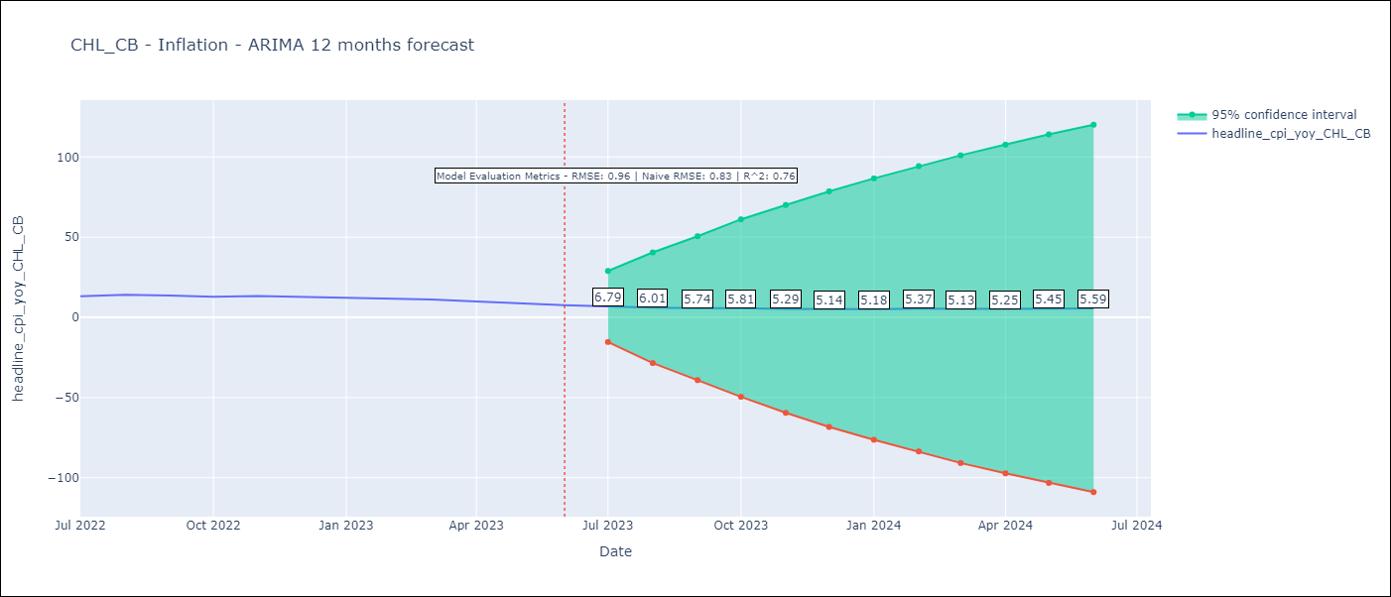

Test Metrics
RMSE | 0.96
Naive RMSE | 0.81
R^2 | 0.76

Test Predictions
Date | Predicted | Actual
2022-07-01 | 12.58 | 13.1
2022-08-01 | 12.74 | 14.1
2022-09-01 | 12.49 | 13.7
2022-10-01 | 12.19 | 12.8
2022-11-01 | 11.98 | 13.3
2022-12-01 | 11.54 | 12.8
2023-01-01 | 11.31 | 12.3
2023-02-01 | 11.32 | 11.9
2023-03-01 | 10.51 | 11.1
2023-04-01 | 9.89 | 9.9
2023-05-01 | 9.37 | 8.7
2023-06-01 | 8.84 | 7.6

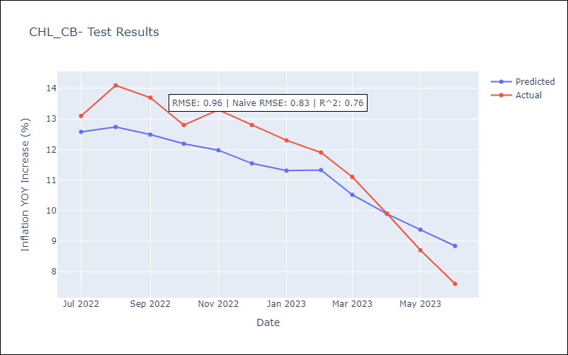

Appendix A: Model Summary
Model | ARIMA(3, 1, 0)x(2, 0, [1], 12)
Sample | 03-01-1928- 06-01-2023
No. of Observations | 1144
Terms | P-value (Statistical significance)
ar.L1 | 0.000
ar.L2 | 0.000
ar.L3 | 0.000
ar.S.L12 | 0.000
ar.S.L24 | 0.129
ma.S.L12 | 0.000
sigma2 | 0.000
Assumptions | P-value | Interpretation
Ljung-Box (L1) | 0.37 | Residuals are independent.
Heteroskedasticity | 0.00 | Residuals have different variances.
Jarque-Bera | 0.00 | Residuals are not normally distributed.
Skew | 9.60 | Positive skew - model underestimates the mean.
Kurtosis | 246.90 | Residuals contain more extreme outliers than in a normal distribution.

MEX_CB
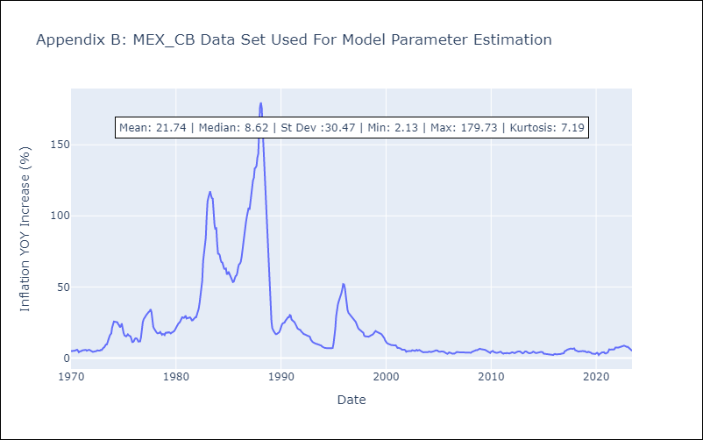
MEX_CB - Inflation - Next 12 months forecast as of: 2023-06-01

Model | ARIMA - [(0, 1, 1), (1, 0, 2, 12)]
Training Data | 1970-01-01 to 2022-07-01
Test Data | 2022-07-01 to 2023-06-01

Date | Inflation Change YoY % | Lower Bound - 95% Confidence Interval | Upper Bound - 95% Confidence Interval
2023-07-01 | 4.8 | 1.14 | 8.46
2023-08-01 | 4.58 | -2.49 | 11.64
2023-09-01 | 4.45 | -4.85 | 13.75
2023-10-01 | 4.5 | -6.59 | 15.59
2023-11-01 | 4.53 | -8.09 | 17.16
2023-12-01 | 4.57 | -9.43 | 18.57
2024-01-01 | 4.56 | -10.69 | 19.81
2024-02-01 | 4.54 | -11.86 | 20.94
2024-03-01 | 4.79 | -12.69 | 22.27
2024-04-01 | 4.9 | -13.6 | 23.39
2024-05-01 | 5.06 | -14.4 | 24.51
2024-06-01 | 5.27 | -15.1 | 25.65

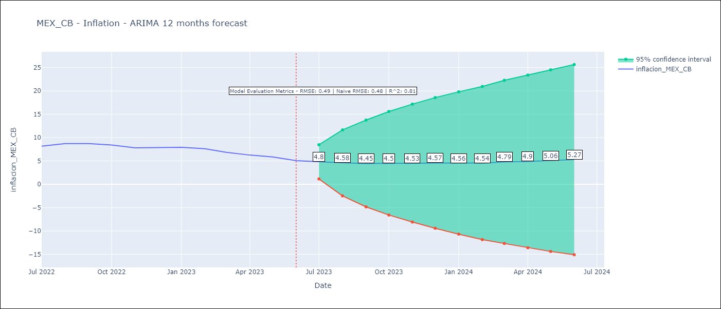

Test Metrics
RMSE | 0.49
Naive RMSE | 0.47
R^2 | 0.81

Test Predictions
Date | Predicted | Actual
2022-07-01 | 8.26 | 8.15
2022-08-01 | 8.3 | 8.7
2022-09-01 | 8.11 | 8.7
2022-10-01 | 7.95 | 8.41
2022-11-01 | 7.66 | 7.8
2022-12-01 | 7.75 | 7.82
2023-01-01 | 7.75 | 7.91
2023-02-01 | 7.52 | 7.62
2023-03-01 | 7.12 | 6.85
2023-04-01 | 6.58 | 6.25
2023-05-01 | 6.53 | 5.84
2023-06-01 | 6.27 | 5.06

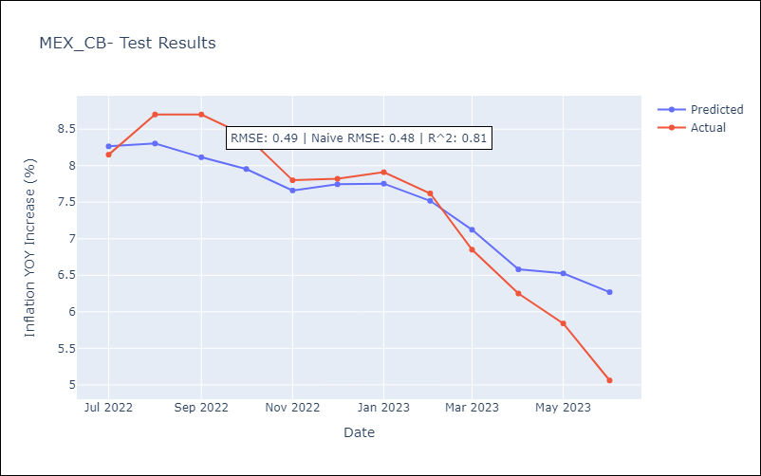

Appendix A: Model Summary
Model | ARIMA(0, 1, 1)x(1, 0, [1, 2], 12)
Sample | 01-01-1970- 06-01-2023
No. of Observations | 642
Terms | P-value (Statistical significance)
ma.L1 | 0.000
ar.S.L12 | 0.000
ma.S.L12 | 0.393
ma.S.L24 | 0.000
sigma2 | 0.000
Assumptions | P-value | Interpretation
Ljung-Box (L1) | 0.00 | Residuals are not independent.
Heteroskedasticity | 0.00 | Residuals have different variances.
Jarque-Bera | 0.00 | Residuals are not normally distributed.
Skew | 2.19 | Positive skew - model underestimates the mean.
Kurtosis | 23.00 | Residuals contain more extreme outliers than in a normal distribution.

PER_CB
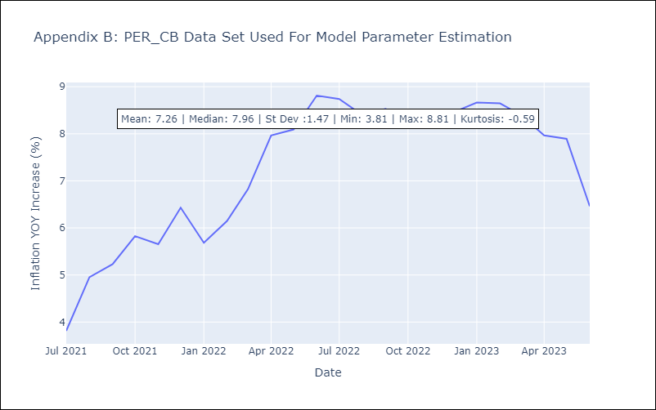
PER_CB - Inflation - Next 12 months forecast as of: 2023-06-01

Model | ARIMA - [(0, 1, 0), (0, 1, 0, 12)]
Training Data | 2021-07-01 to 2022-07-01
Test Data | 2022-07-01 to 2023-06-01

Date | Inflation Change YoY % | Lower Bound - 95% Confidence Interval | Upper Bound - 95% Confidence Interval
2023-07-01 | 6.39 | 4.37 | 8.41
2023-08-01 | 6.05 | 3.19 | 8.9
2023-09-01 | 6.18 | 2.68 | 9.67
2023-10-01 | 5.92 | 1.89 | 9.96
2023-11-01 | 6.1 | 1.59 | 10.61
2023-12-01 | 6.11 | 1.17 | 11.05
2024-01-01 | 6.31 | 0.98 | 11.65
2024-02-01 | 6.29 | 0.59 | 12
2024-03-01 | 6.05 | 0 | 12.1
2024-04-01 | 5.61 | -0.77 | 11.99
2024-05-01 | 5.54 | -1.15 | 12.23
2024-06-01 | 4.11 | -2.88 | 11.1

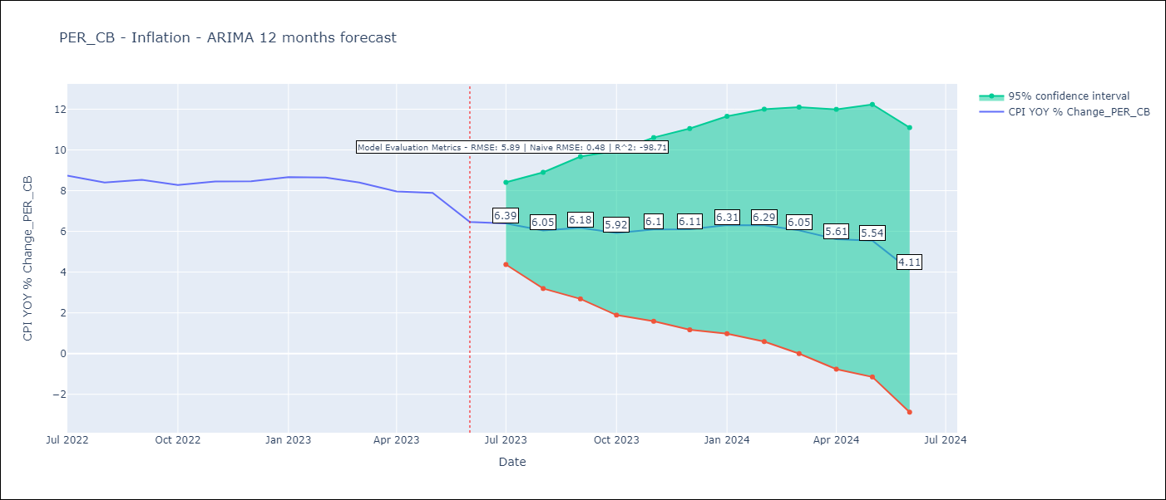

Test Metrics
RMSE | 5.89
Naive RMSE | 0.46
R^2 | -98.71

Test Predictions
Date | Predicted | Actual
2022-07-01 | 11.36 | 8.74
2022-08-01 | 12.49 | 8.4
2022-09-01 | 12.77 | 8.53
2022-10-01 | 13.37 | 8.28
2022-11-01 | 13.2 | 8.45
2022-12-01 | 13.97 | 8.46
2023-01-01 | 13.23 | 8.66
2023-02-01 | 13.69 | 8.65
2023-03-01 | 14.37 | 8.4
2023-04-01 | 15.51 | 7.97
2023-05-01 | 15.63 | 7.89
2023-06-01 | 16.35 | 6.46

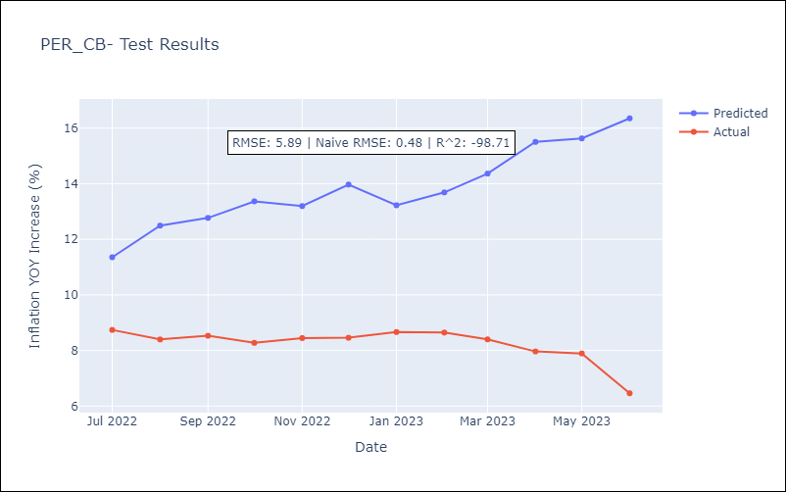

Appendix A: Model Summary
Model | ARIMA(0, 1, 0)x(0, 1, 0, 12)
Sample | 07-01-2021- 06-01-2023
No. of Observations | 24
Terms | P-value (Statistical significance)
sigma2 | 0.040
Assumptions | P-value | Interpretation
Ljung-Box (L1) | 0.50 | Residuals are independent.
Heteroskedasticity | 0.12 | Residuals have the same variance.
Jarque-Bera | 0.96 | Residuals are normally distributed.
Skew | -0.07 | Negative skew - Model overestimates the mean.
Kurtosis | 2.56 | Residuals do not contain more extreme outliers than in a normal distribution.

