Bolivia
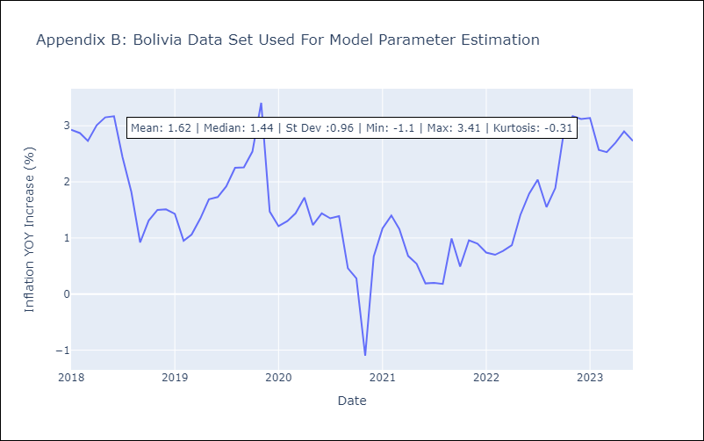
Bolivia - Inflation - Next 12 months forecast as of: 2023-06-01

Model | ARIMA - [(0, 1, 0), (0, 1, 0, 12)]
Training Data | 2018-01-01 to 2022-07-01
Test Data | 2022-07-01 to 2023-06-01

Date | Inflation Change YoY % | Lower Bound - 95% Confidence Interval | Upper Bound - 95% Confidence Interval
2023-07-01 | 2.98 | 1.15 | 4.81
2023-08-01 | 2.49 | -0.1 | 5.08
2023-09-01 | 2.83 | -0.34 | 6
2023-10-01 | 3.83 | 0.17 | 7.49
2023-11-01 | 4.11 | 0.02 | 8.2
2023-12-01 | 4.06 | -0.42 | 8.54
2024-01-01 | 4.08 | -0.76 | 8.92
2024-02-01 | 3.51 | -1.66 | 8.68
2024-03-01 | 3.47 | -2.02 | 8.96
2024-04-01 | 3.64 | -2.14 | 9.42
2024-05-01 | 3.84 | -2.22 | 9.9
2024-06-01 | 3.67 | -2.66 | 10

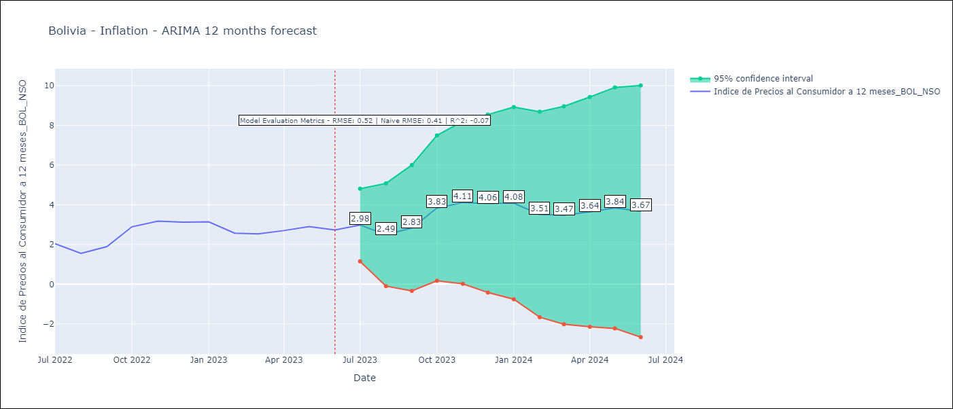

Test Metrics
RMSE | 0.52
Naive RMSE | 0.4
R^2 | -0.07

Test Predictions
Date | Predicted | Actual
2022-07-01 | 1.8 | 2.04
2022-08-01 | 1.78 | 1.55
2022-09-01 | 2.59 | 1.89
2022-10-01 | 2.09 | 2.89
2022-11-01 | 2.56 | 3.17
2022-12-01 | 2.5 | 3.12
2023-01-01 | 2.34 | 3.14
2023-02-01 | 2.3 | 2.57
2023-03-01 | 2.37 | 2.53
2023-04-01 | 2.47 | 2.7
2023-05-01 | 3.01 | 2.9
2023-06-01 | 3.39 | 2.73

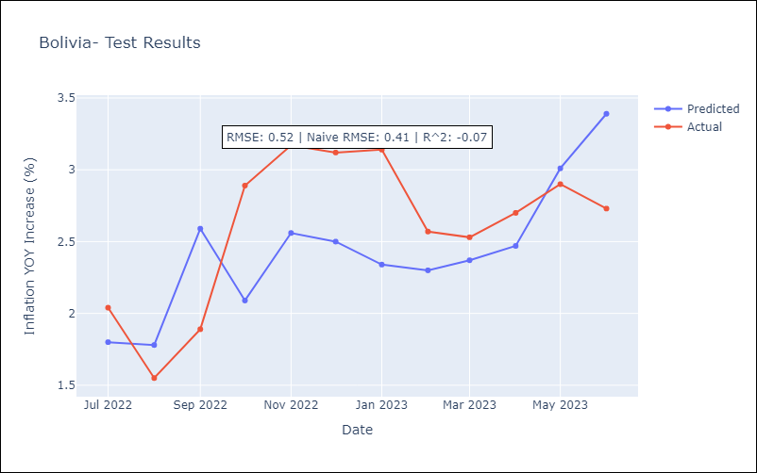

Appendix A: Model Summary
Model | ARIMA(0, 1, 0)x(0, 1, 0, 12)
Sample | 01-01-2018- 06-01-2023
No. of Observations | 66
Terms | P-value (Statistical significance)
sigma2 | 0.000
Assumptions | P-value | Interpretation
Ljung-Box (L1) | 0.28 | Residuals are independent.
Heteroskedasticity | 0.33 | Residuals have the same variance.
Jarque-Bera | 0.00 | Residuals are not normally distributed.
Skew | 0.83 | Positive skew - model underestimates the mean.
Kurtosis | 6.75 | Residuals contain more extreme outliers than in a normal distribution.

