Colombia
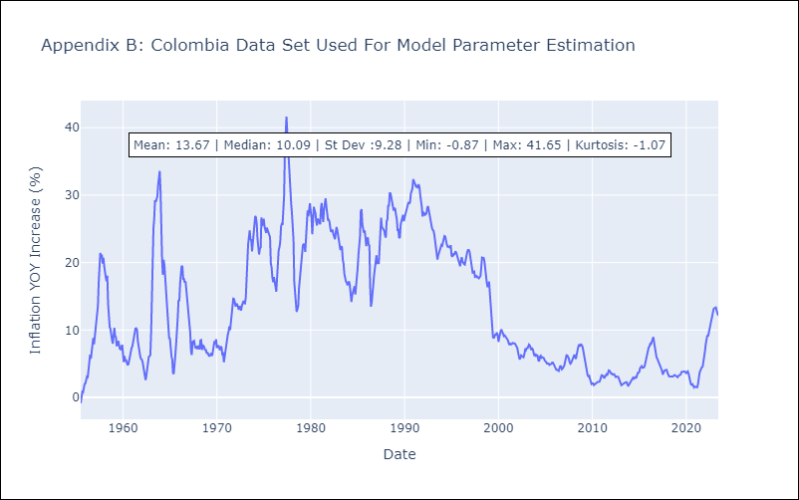
Colombia - Inflation - Next 12 months forecast as of: 2023-06-01

Model | ARIMA - [(1, 1, 1), (0, 0, 0, 12)]
Training Data | 1955-07-01 to 2022-07-01
Test Data | 2022-07-01 to 2023-06-01

Date | Inflation Change YoY % | Lower Bound - 95% Confidence Interval | Upper Bound - 95% Confidence Interval
2023-07-01 | 12 | 10.09 | 13.91
2023-08-01 | 11.92 | 8.55 | 15.3
2023-09-01 | 11.88 | 7.17 | 16.6
2023-10-01 | 11.86 | 5.94 | 17.77
2023-11-01 | 11.84 | 4.85 | 18.84
2023-12-01 | 11.84 | 3.87 | 19.81
2024-01-01 | 11.83 | 2.97 | 20.7
2024-02-01 | 11.83 | 2.15 | 21.51
2024-03-01 | 11.83 | 1.38 | 22.28
2024-04-01 | 11.83 | 0.67 | 22.99
2024-05-01 | 11.83 | -0.01 | 23.66
2024-06-01 | 11.83 | -0.65 | 24.3

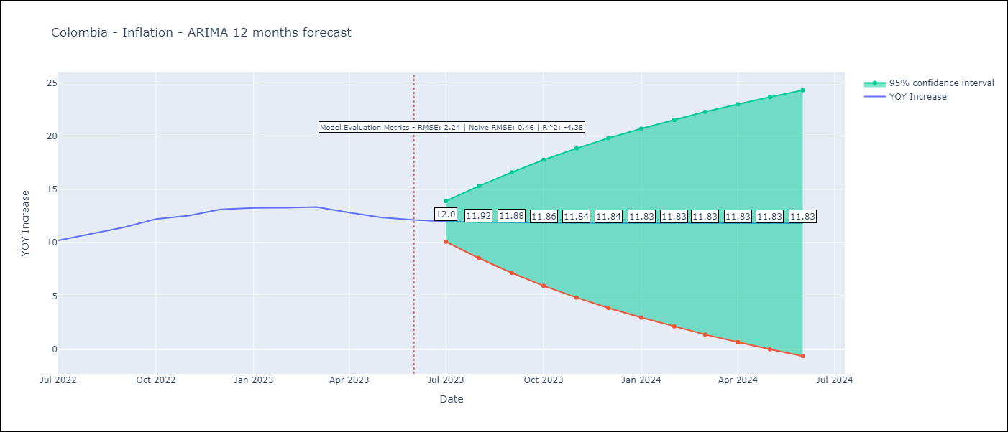

Test Metrics
RMSE | 2.24
Naive RMSE | 0.47
R^2 | -4.38

Test Predictions
Date | Predicted | Actual
2022-07-01 | 9.94 | 10.21
2022-08-01 | 10.1 | 10.84
2022-09-01 | 10.18 | 11.44
2022-10-01 | 10.23 | 12.22
2022-11-01 | 10.26 | 12.53
2022-12-01 | 10.28 | 13.12
2023-01-01 | 10.29 | 13.25
2023-02-01 | 10.29 | 13.28
2023-03-01 | 10.29 | 13.34
2023-04-01 | 10.3 | 12.82
2023-05-01 | 10.3 | 12.36
2023-06-01 | 10.3 | 12.13

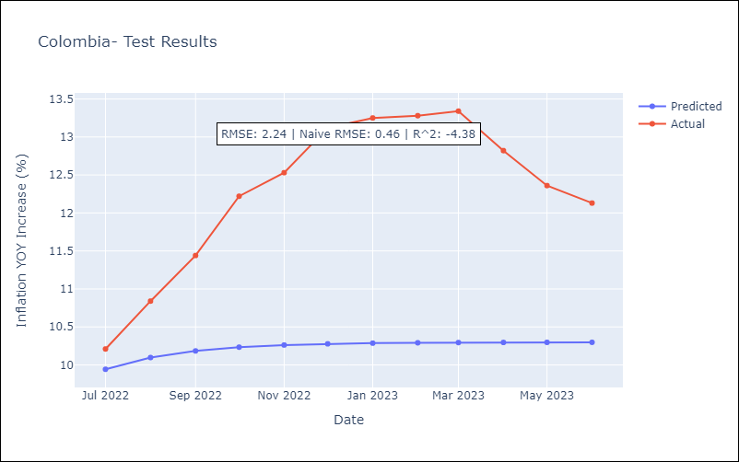

Appendix A: Model Summary
Model | ARIMA(1, 1, 1)
Sample | 07-01-1955- 06-01-2023
No. of Observations | 816
Terms | P-value (Statistical significance)
ar.L1 | 0.000
ma.L1 | 0.020
sigma2 | 0.000
Assumptions | P-value | Interpretation
Ljung-Box (L1) | 0.89 | Residuals are independent.
Heteroskedasticity | 0.00 | Residuals have different variances.
Jarque-Bera | 0.00 | Residuals are not normally distributed.
Skew | -0.15 | Negative skew - Model overestimates the mean.
Kurtosis | 11.02 | Residuals contain more extreme outliers than in a normal distribution.

