BOL
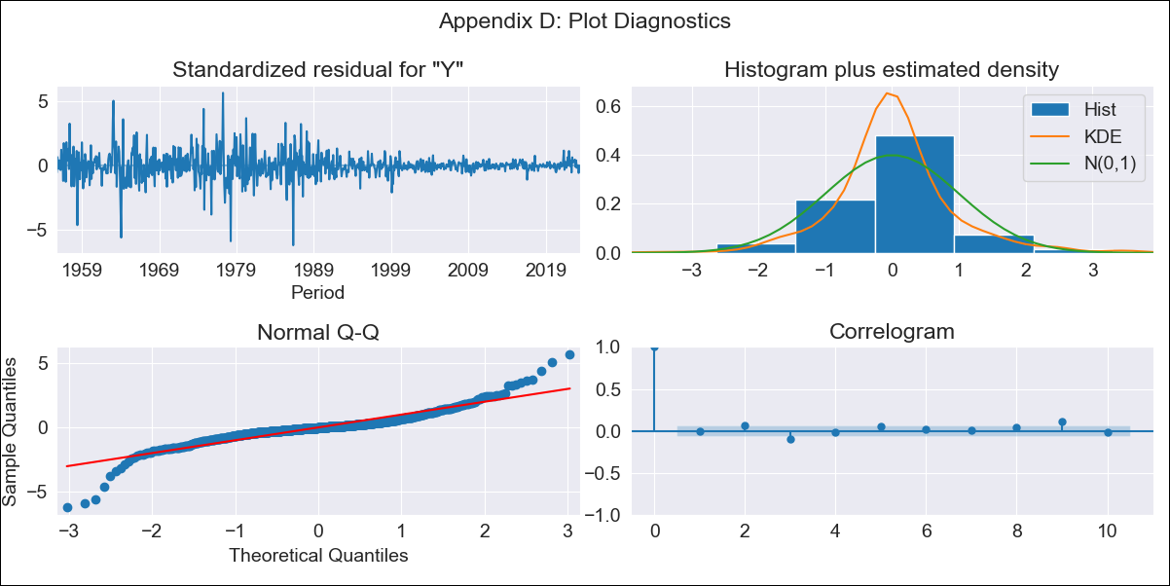
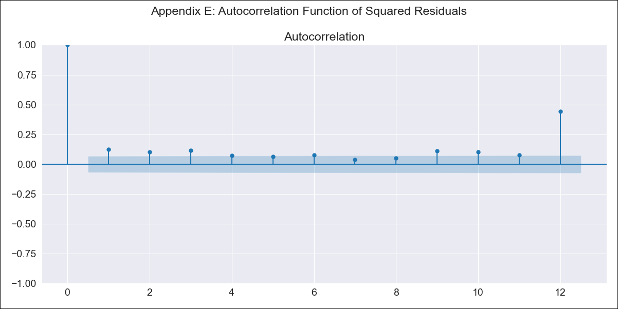
BOL - Inflation - Next 12 months forecast as of: 2023-06-01

Model | ARIMA - [(1, 1, 0), (0, 0, 0, 12)]
Training Data | 1938-01-01 to 2022-07-01
Test Data | 2022-07-01 to 2023-06-01

Date | Inflation Change YoY % | Lower Bound - 95% Confidence Interval | Upper Bound - 95% Confidence Interval
2023-07-01 | 2.65 | -855.86 | 861.16
2023-08-01 | 2.62 | -1498.87 | 1504.1
2023-09-01 | 2.6 | -2046.34 | 2051.55
2023-10-01 | 2.6 | -2516.08 | 2521.28
2023-11-01 | 2.6 | -2926.6 | 2931.79
2023-12-01 | 2.59 | -3292.36 | 3297.55
2024-01-01 | 2.59 | -3623.81 | 3629
2024-02-01 | 2.59 | -3928.38 | 3933.56
2024-03-01 | 2.59 | -4211.38 | 4216.57
2024-04-01 | 2.59 | -4476.71 | 4481.89
2024-05-01 | 2.59 | -4727.23 | 4732.42
2024-06-01 | 2.59 | -4965.17 | 4970.36

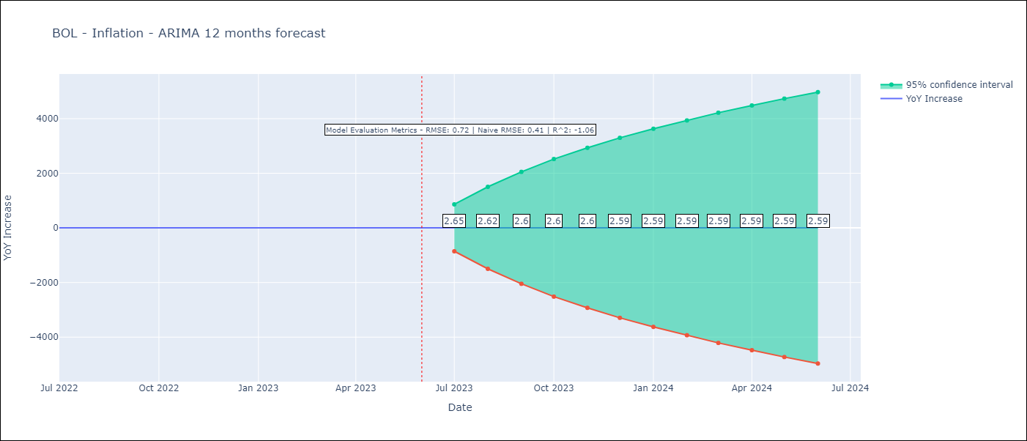

Test Metrics
RMSE | 0.72
Naive RMSE | 0.4
R^2 | -1.06

Test Predictions
Date | Predicted | Actual
2022-07-01 | 1.96 | 2.04
2022-08-01 | 2.03 | 1.55
2022-09-01 | 2.06 | 1.89
2022-10-01 | 2.07 | 2.89
2022-11-01 | 2.08 | 3.17
2022-12-01 | 2.08 | 3.12
2023-01-01 | 2.08 | 3.14
2023-02-01 | 2.08 | 2.57
2023-03-01 | 2.08 | 2.53
2023-04-01 | 2.08 | 2.7
2023-05-01 | 2.08 | 2.9
2023-06-01 | 2.08 | 2.73

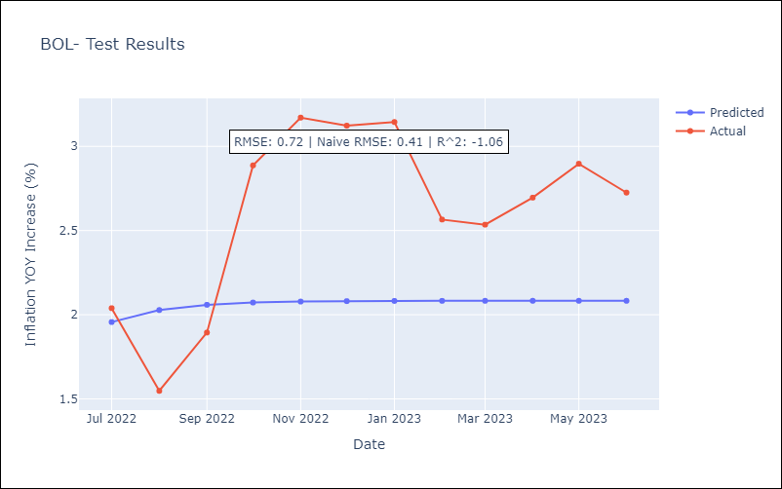

Appendix A: Model Summary
Model | ARIMA(1, 1, 0)
Sample | 01-01-1938- 06-01-2023
No. of Observations | 1026
Terms | P-value (Statistical significance)
ar.L1 | 0.000
sigma2 | 0.000
Assumptions | P-value | Interpretation
Ljung-Box (L1) | 0.00 | Residuals are not independent.
Heteroskedasticity | 0.00 | Residuals have different variances.
Jarque-Bera | 0.00 | Residuals are not normally distributed.
Skew | -10.52 | Negative skew - Model overestimates the mean.
Kurtosis | 326.87 | Residuals contain more extreme outliers than in a normal distribution.

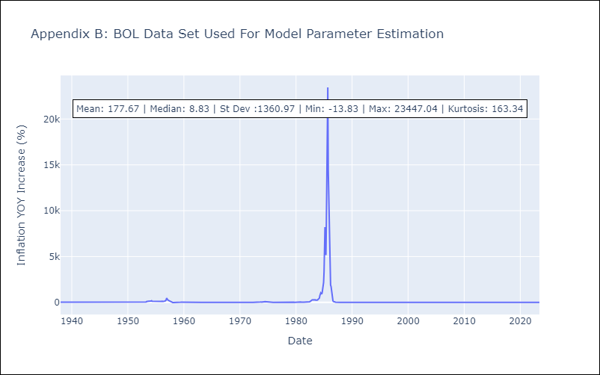

Appendix C: Residuals Analysis
Mean | 0.01
Variance | 191677.45
White Noise | No
Heteroskedasticity | Yes
Normality | No

BRA
BRA - Inflation - Next 12 months forecast as of: 2023-06-01

Model | ARIMA - [(0, 1, 0), (2, 0, 1, 12)]
Training Data | 1980-12-01 to 2022-07-01
Test Data | 2022-07-01 to 2023-06-01

Date | Inflation Change YoY % | Lower Bound - 95% Confidence Interval | Upper Bound - 95% Confidence Interval
2023-07-01 | 3.46 | -367.48 | 374.4
2023-08-01 | 3.66 | -520.92 | 528.25
2023-09-01 | 3.92 | -638.57 | 646.4
2023-10-01 | 4.02 | -737.87 | 745.9
2023-11-01 | 4.12 | -825.33 | 833.56
2023-12-01 | 4.18 | -904.43 | 912.8
2024-01-01 | 4.16 | -977.25 | 985.58
2024-02-01 | 4.18 | -1045 | 1053.36
2024-03-01 | 4.3 | -1108.52 | 1117.12
2024-04-01 | 4.33 | -1168.69 | 1177.35
2024-05-01 | 4.39 | -1225.88 | 1234.66
2024-06-01 | 4.53 | -1280.45 | 1289.5

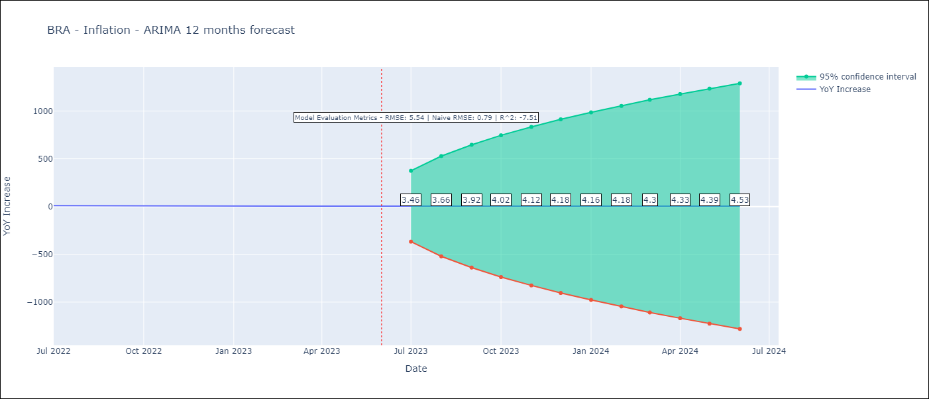

Test Metrics
RMSE | 5.54
Naive RMSE | 0.92
R^2 | -7.51

Test Predictions
Date | Predicted | Actual
2022-07-01 | 11.76 | 10.07
2022-08-01 | 11.62 | 8.73
2022-09-01 | 11.46 | 7.17
2022-10-01 | 11.33 | 6.47
2022-11-01 | 11.29 | 5.9
2022-12-01 | 11.39 | 5.79
2023-01-01 | 11.33 | 5.77
2023-02-01 | 11.26 | 5.6
2023-03-01 | 11.06 | 4.65
2023-04-01 | 10.86 | 4.18
2023-05-01 | 10.85 | 3.94
2023-06-01 | 10.8 | 3.16

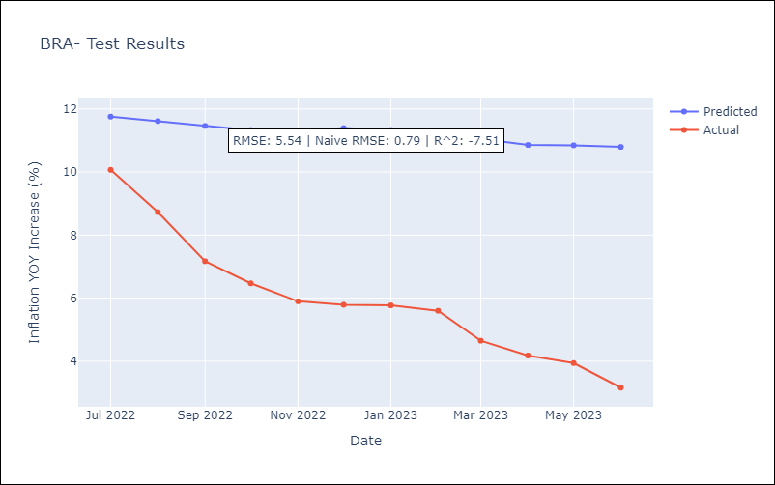

Appendix A: Model Summary
Model | ARIMA(0, 1, 0)x(2, 0, [1], 12)
Sample | 12-01-1980- 06-01-2023
No. of Observations | 511
Terms | P-value (Statistical significance)
ar.S.L12 | 0.936
ar.S.L24 | 0.819
ma.S.L12 | 0.932
sigma2 | 0.000
Assumptions | P-value | Interpretation
Ljung-Box (L1) | 0.00 | Residuals are not independent.
Heteroskedasticity | 0.00 | Residuals have different variances.
Jarque-Bera | 0.00 | Residuals are not normally distributed.
Skew | 5.34 | Positive skew - model underestimates the mean.
Kurtosis | 91.44 | Residuals contain more extreme outliers than in a normal distribution.

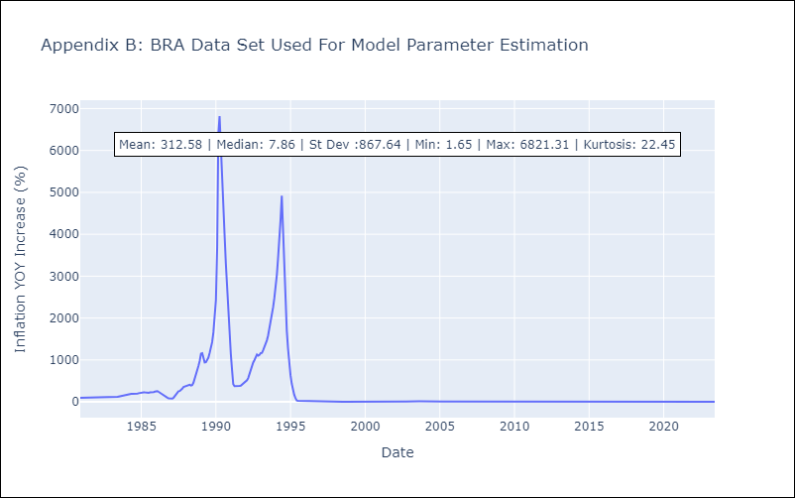

Appendix C: Residuals Analysis
Mean | -0.03
Variance | 34152.63
White Noise | No
Heteroskedasticity | Yes
Normality | No

COL
COL - Inflation - Next 12 months forecast as of: 2023-06-01

Model | ARIMA - [(1, 1, 1), (0, 0, 0, 12)]
Training Data | 1955-07-01 to 2022-07-01
Test Data | 2022-07-01 to 2023-06-01

Date | Inflation Change YoY % | Lower Bound - 95% Confidence Interval | Upper Bound - 95% Confidence Interval
2023-07-01 | 12 | 10.09 | 13.91
2023-08-01 | 11.92 | 8.55 | 15.3
2023-09-01 | 11.88 | 7.17 | 16.6
2023-10-01 | 11.86 | 5.94 | 17.77
2023-11-01 | 11.84 | 4.85 | 18.84
2023-12-01 | 11.84 | 3.87 | 19.81
2024-01-01 | 11.83 | 2.97 | 20.7
2024-02-01 | 11.83 | 2.15 | 21.51
2024-03-01 | 11.83 | 1.38 | 22.28
2024-04-01 | 11.83 | 0.67 | 22.99
2024-05-01 | 11.83 | -0.01 | 23.66
2024-06-01 | 11.83 | -0.65 | 24.3

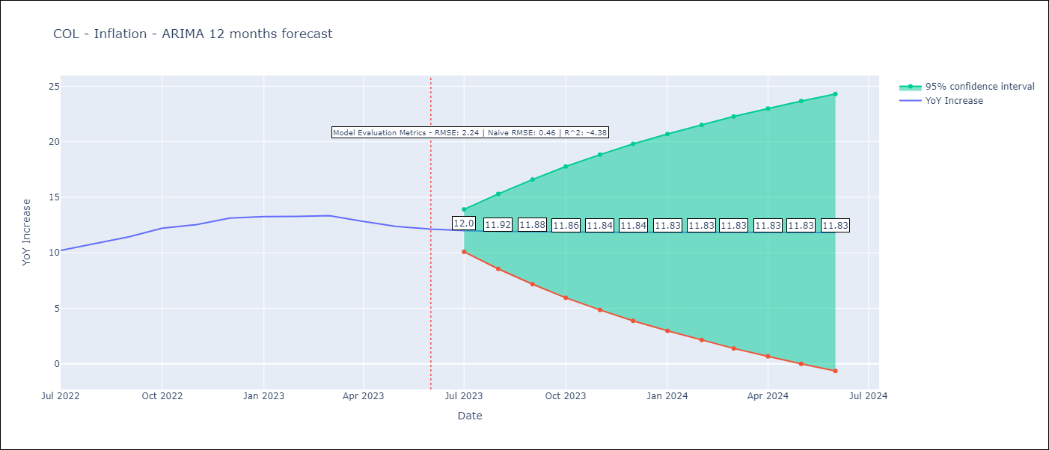

Test Metrics
RMSE | 2.24
Naive RMSE | 0.47
R^2 | -4.38

Test Predictions
Date | Predicted | Actual
2022-07-01 | 9.94 | 10.21
2022-08-01 | 10.1 | 10.84
2022-09-01 | 10.18 | 11.44
2022-10-01 | 10.23 | 12.22
2022-11-01 | 10.26 | 12.53
2022-12-01 | 10.28 | 13.12
2023-01-01 | 10.29 | 13.25
2023-02-01 | 10.29 | 13.28
2023-03-01 | 10.29 | 13.34
2023-04-01 | 10.3 | 12.82
2023-05-01 | 10.3 | 12.36
2023-06-01 | 10.3 | 12.13

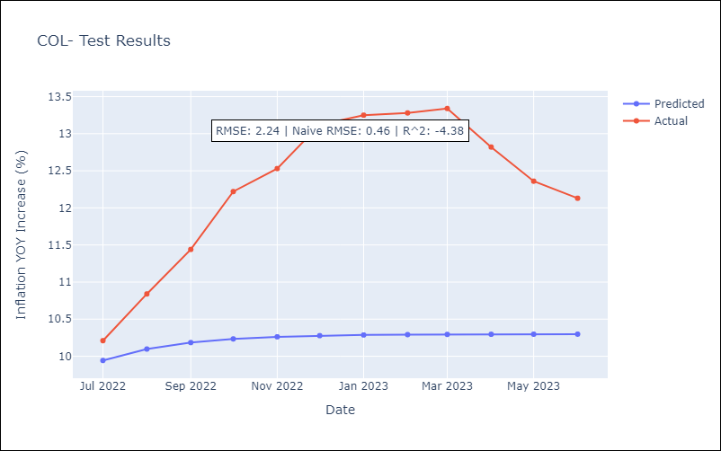

Appendix A: Model Summary
Model | ARIMA(1, 1, 1)
Sample | 07-01-1955- 06-01-2023
No. of Observations | 816
Terms | P-value (Statistical significance)
ar.L1 | 0.000
ma.L1 | 0.020
sigma2 | 0.000
Assumptions | P-value | Interpretation
Ljung-Box (L1) | 0.89 | Residuals are independent.
Heteroskedasticity | 0.00 | Residuals have different variances.
Jarque-Bera | 0.00 | Residuals are not normally distributed.
Skew | -0.15 | Negative skew - Model overestimates the mean.
Kurtosis | 11.02 | Residuals contain more extreme outliers than in a normal distribution.

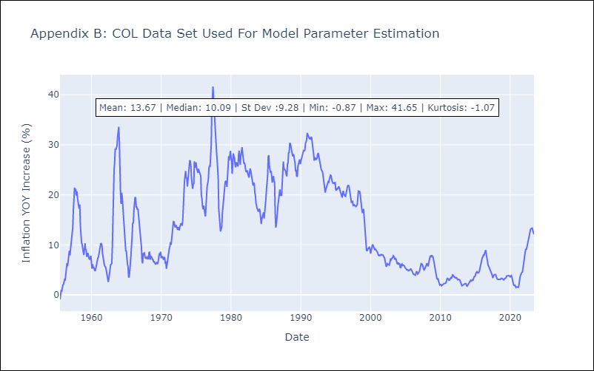

Appendix C: Residuals Analysis
Mean | 0.01
Variance | 0.95
White Noise | No
Heteroskedasticity | Yes
Normality | No

