Log Transform Chile
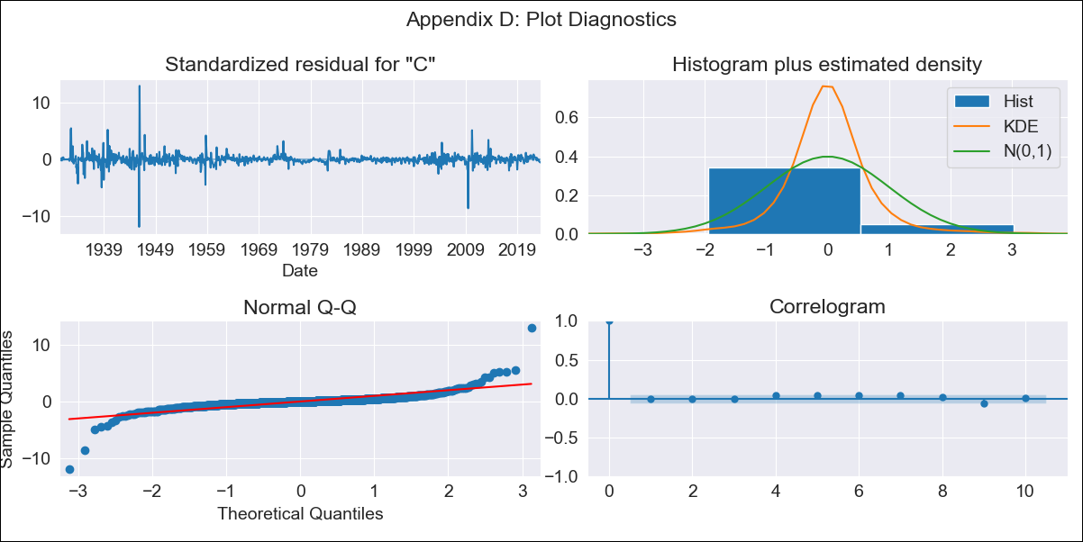
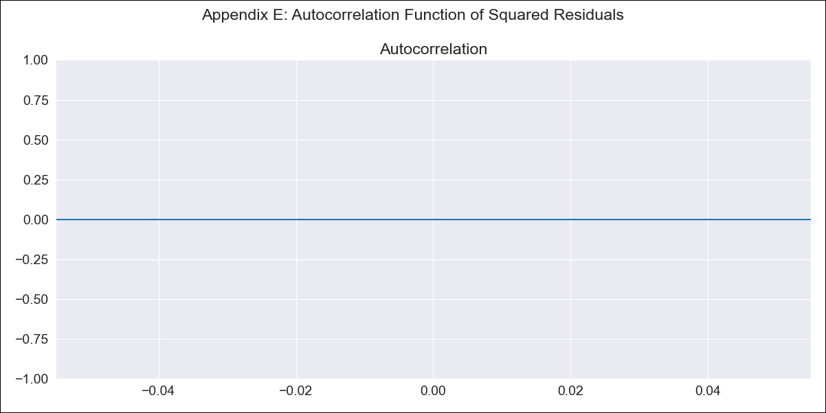
Chile1928 - Inflation - Next 12 months forecast as of: 2023-07-01

Model | ARIMA - [(3, 1, 0), (2, 0, 1, 12)]
Training Data | 1928-03-01 to 2022-08-01
Test Data | 2022-08-01 to 2023-07-01

Date | Inflation Change YoY % | Lower Bound - 95% Confidence Interval | Upper Bound - 95% Confidence Interval
2023-08-01 | 1.83 | 1.42 | 2.24
2023-09-01 | 1.81 | 1.22 | 2.39
2023-10-01 | 1.8 | 1.07 | 2.53
2023-11-01 | 1.78 | 0.92 | 2.64
2023-12-01 | 1.78 | 0.8 | 2.76
2024-01-01 | 1.78 | 0.69 | 2.87
2024-02-01 | 1.79 | 0.6 | 2.98
2024-03-01 | 1.79 | 0.51 | 3.07
2024-04-01 | 1.81 | 0.45 | 3.17
2024-05-01 | 1.83 | 0.39 | 3.27
2024-06-01 | 1.86 | 0.35 | 3.38
2024-07-01 | 1.9 | 0.31 | 3.48

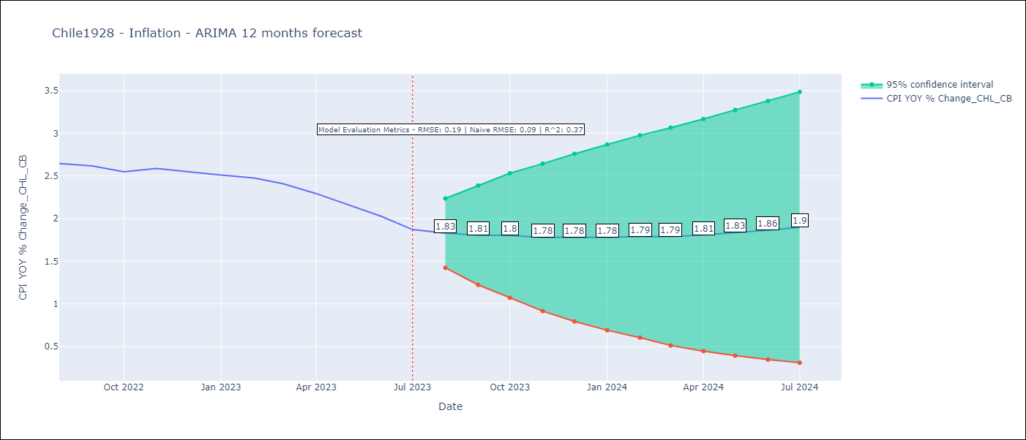

Test Metrics
RMSE | 0.19
Naive RMSE | 0.09
R^2 | 0.37

Test Predictions
Date | Predicted | Actual
2022-08-01 | 2.57 | 2.65
2022-09-01 | 2.55 | 2.62
2022-10-01 | 2.53 | 2.55
2022-11-01 | 2.51 | 2.59
2022-12-01 | 2.49 | 2.55
2023-01-01 | 2.47 | 2.51
2023-02-01 | 2.47 | 2.48
2023-03-01 | 2.43 | 2.41
2023-04-01 | 2.41 | 2.29
2023-05-01 | 2.39 | 2.16
2023-06-01 | 2.37 | 2.03
2023-07-01 | 2.35 | 1.87

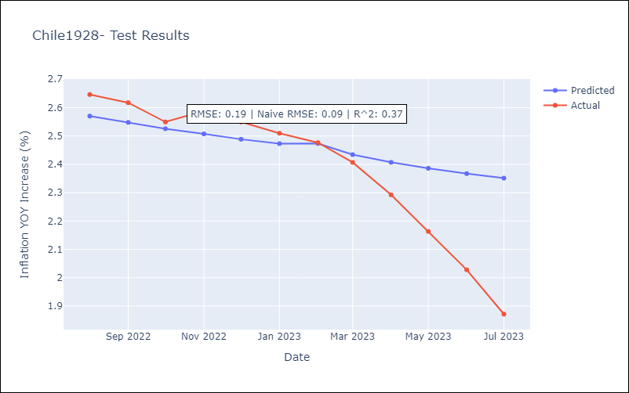

Appendix A: Model Summary
Model | ARIMA(3, 1, 0)x(2, 0, [1], 12)
Sample | 03-01-1928- 07-01-2023
No. of Observations | 1145
Terms | P-value (Statistical significance)
ar.L1 | 0.005
ar.L2 | 0.024
ar.L3 | 0.099
ar.S.L12 | 0.684
ar.S.L24 | 0.870
ma.S.L12 | 0.014
sigma2 | 0.000
Assumptions | P-value | Interpretation
Ljung-Box (L1) | 0.96 | Residuals are independent.
Heteroskedasticity | 0.00 | Residuals have different variances.
Jarque-Bera | 0.00 | Residuals are not normally distributed.
Skew | 0.33 | Positive skew - model underestimates the mean.
Kurtosis | 55.51 | Residuals contain more extreme outliers than in a normal distribution.

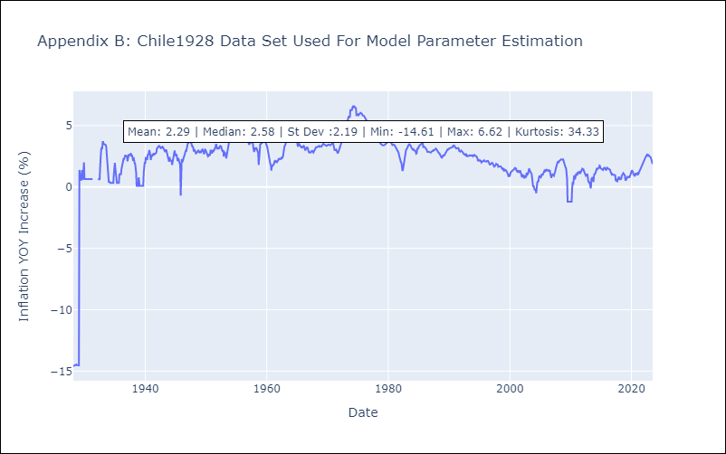

Appendix C: Residuals Analysis
Mean | 0.0
Variance | 0.47
Independent? | Yes
Heteroskedastic? | No
Normal? | Yes

Chile00
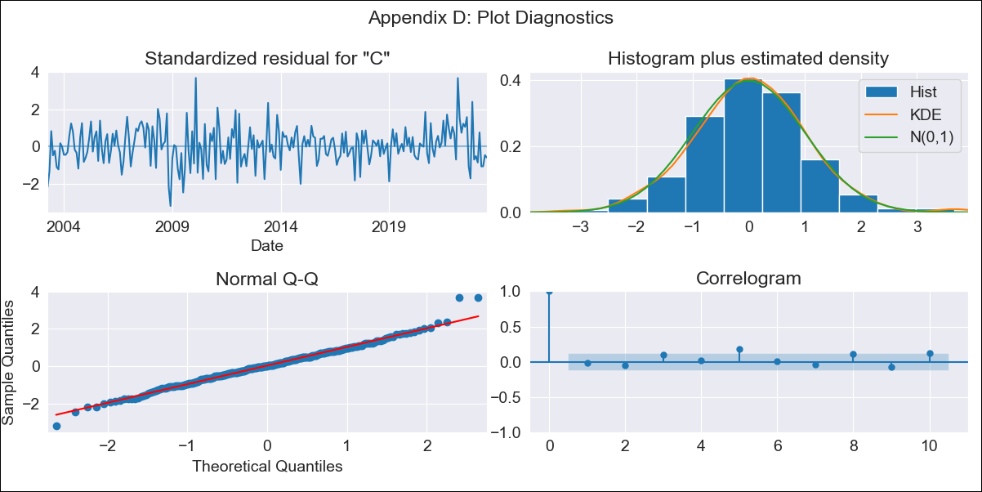

Chile00 - Inflation - Next 12 months forecast as of: 2023-07-01

Model | ARIMA - [(2, 1, 0), (3, 0, 0, 12)]
Training Data | 2000-01-01 to 2022-08-01
Test Data | 2022-08-01 to 2023-07-01

Date | Inflation Change YoY % | Lower Bound - 95% Confidence Interval | Upper Bound - 95% Confidence Interval
2023-08-01 | 5.57 | 4.76 | 6.37
2023-09-01 | 5.36 | 4.01 | 6.72
2023-10-01 | 5.54 | 3.64 | 7.43
2023-11-01 | 4.96 | 2.58 | 7.35
2023-12-01 | 4.99 | 2.16 | 7.83
2024-01-01 | 5.07 | 1.82 | 8.31
2024-02-01 | 5.28 | 1.66 | 8.9
2024-03-01 | 5.13 | 1.17 | 9.1
2024-04-01 | 5.37 | 1.08 | 9.66
2024-05-01 | 5.66 | 1.06 | 10.26
2024-06-01 | 5.9 | 1.02 | 10.79
2024-07-01 | 6.24 | 1.08 | 11.39

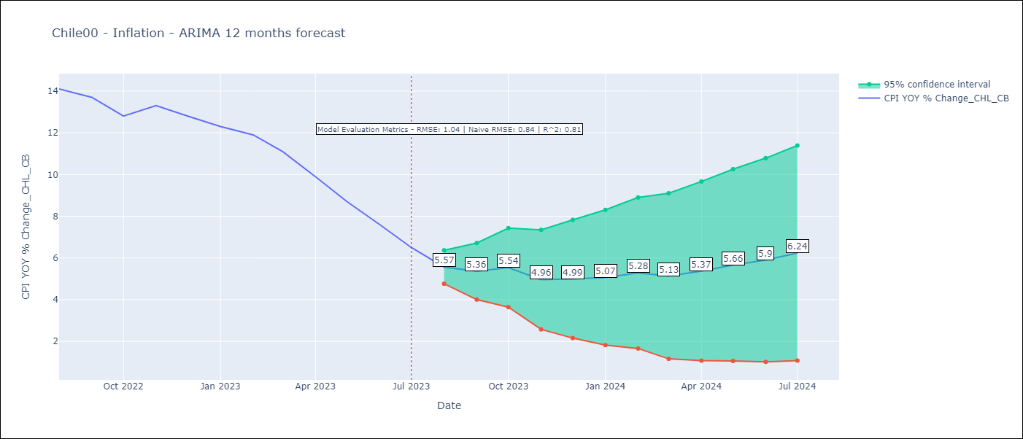

Test Metrics
RMSE | 1.04
Naive RMSE | 0.86
R^2 | 0.81

Test Predictions
Date | Predicted | Actual
2022-08-01 | 13.47 | 14.1
2022-09-01 | 13.3 | 13.7
2022-10-01 | 13.1 | 12.8
2022-11-01 | 12.91 | 13.3
2022-12-01 | 12.57 | 12.8
2023-01-01 | 12.26 | 12.3
2023-02-01 | 12.29 | 11.9
2023-03-01 | 11.39 | 11.1
2023-04-01 | 10.68 | 9.9
2023-05-01 | 10.09 | 8.7
2023-06-01 | 9.48 | 7.6
2023-07-01 | 8.92 | 6.5

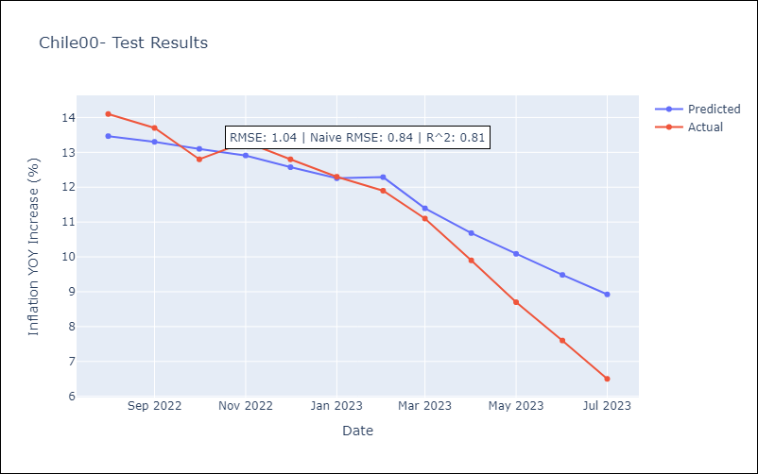

Appendix A: Model Summary
Model | ARIMA(2, 1, 0)x(3, 0, 0, 12)
Sample | 01-01-2000- 07-01-2023
No. of Observations | 283
Terms | P-value (Statistical significance)
ar.L1 | 0.000
ar.L2 | 0.011
ar.S.L12 | 0.000
ar.S.L24 | 0.000
ar.S.L36 | 0.142
sigma2 | 0.000
Assumptions | P-value | Interpretation
Ljung-Box (L1) | 0.80 | Residuals are independent.
Heteroskedasticity | 0.30 | Residuals have the same variance.
Jarque-Bera | 0.01 | Residuals are not normally distributed.
Skew | 0.17 | Positive skew - model underestimates the mean.
Kurtosis | 3.95 | Residuals contain more extreme outliers than in a normal distribution.

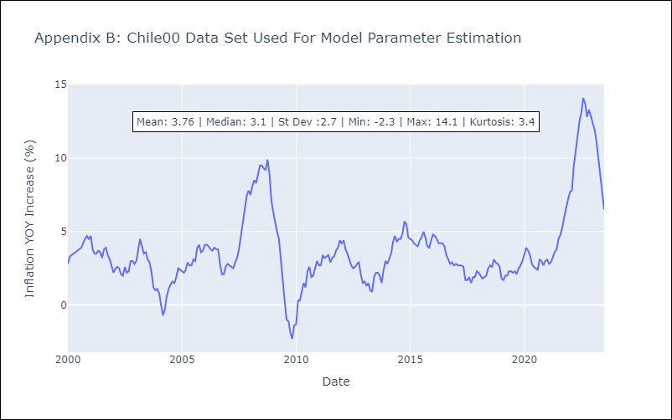

Appendix C: Residuals Analysis
Mean | 0.03
Variance | 0.19
Independent? | No
Heteroskedastic? | Yes
Normal? | No

Chile10
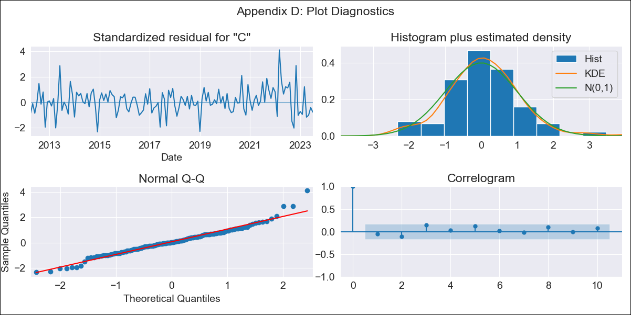
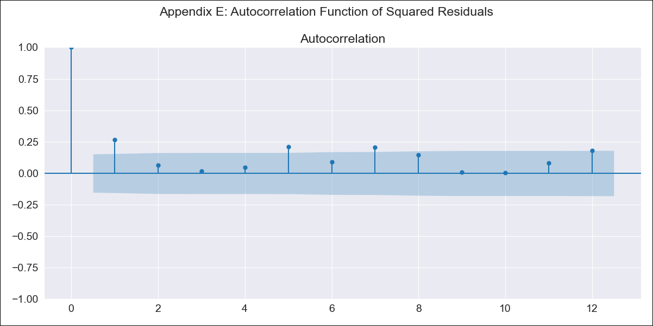
Chile10 - Inflation - Next 12 months forecast as of: 2023-07-01

Model | ARIMA - [(2, 1, 0), (2, 0, 0, 12)]
Training Data | 2010-01-01 to 2022-08-01
Test Data | 2022-08-01 to 2023-07-01

Date | Inflation Change YoY % | Lower Bound - 95% Confidence Interval | Upper Bound - 95% Confidence Interval
2023-08-01 | 5.5 | 4.8 | 6.2
2023-09-01 | 5.41 | 4.19 | 6.63
2023-10-01 | 5.65 | 3.92 | 7.38
2023-11-01 | 5.05 | 2.84 | 7.26
2023-12-01 | 5.17 | 2.51 | 7.82
2024-01-01 | 5.31 | 2.24 | 8.37
2024-02-01 | 5.51 | 2.06 | 8.96
2024-03-01 | 5.55 | 1.74 | 9.35
2024-04-01 | 5.99 | 1.85 | 10.13
2024-05-01 | 6.46 | 2 | 10.91
2024-06-01 | 6.87 | 2.12 | 11.62
2024-07-01 | 7.39 | 2.36 | 12.42

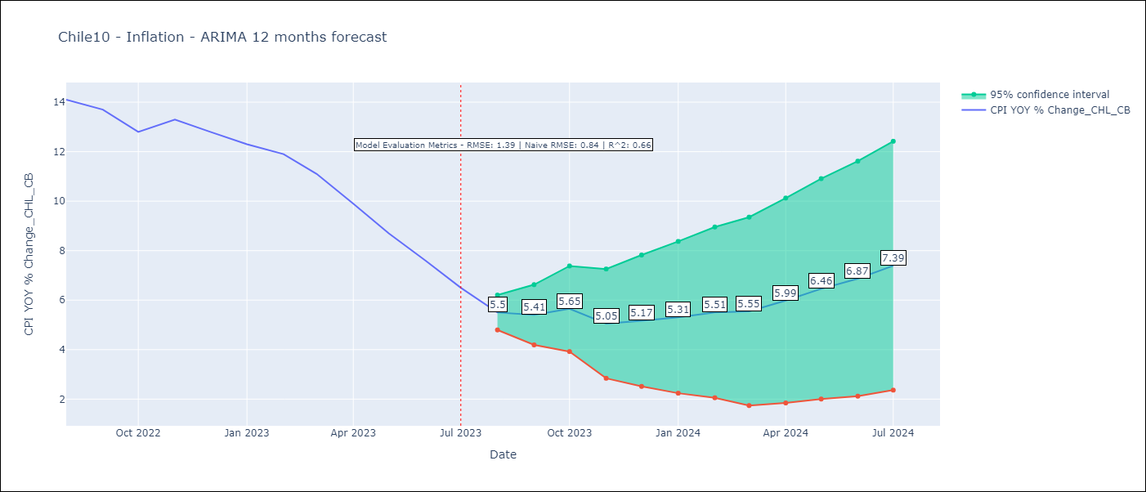

Test Metrics
RMSE | 1.39
Naive RMSE | 0.86
R^2 | 0.66

Test Predictions
Date | Predicted | Actual
2022-08-01 | 13.58 | 14.1
2022-09-01 | 13.57 | 13.7
2022-10-01 | 13.48 | 12.8
2022-11-01 | 13.33 | 13.3
2022-12-01 | 13.11 | 12.8
2023-01-01 | 12.88 | 12.3
2023-02-01 | 12.96 | 11.9
2023-03-01 | 12.01 | 11.1
2023-04-01 | 11.28 | 9.9
2023-05-01 | 10.62 | 8.7
2023-06-01 | 9.98 | 7.6
2023-07-01 | 9.46 | 6.5

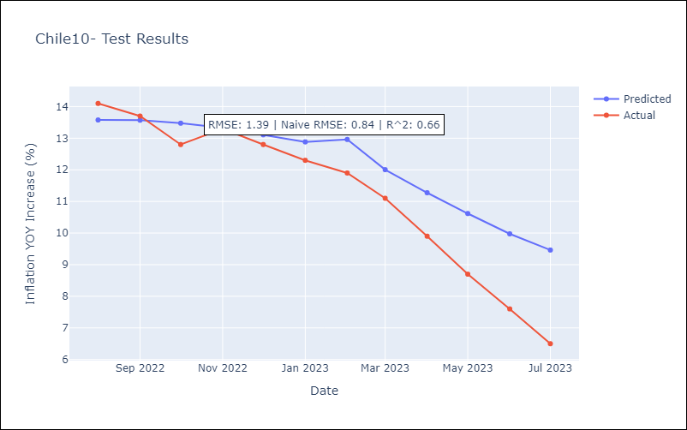

Appendix A: Model Summary
Model | ARIMA(2, 1, 0)x(2, 0, 0, 12)
Sample | 01-01-2010- 07-01-2023
No. of Observations | 163
Terms | P-value (Statistical significance)
ar.L1 | 0.000
ar.L2 | 0.021
ar.S.L12 | 0.000
ar.S.L24 | 0.003
sigma2 | 0.000
Assumptions | P-value | Interpretation
Ljung-Box (L1) | 0.52 | Residuals are independent.
Heteroskedasticity | 0.08 | Residuals have the same variance.
Jarque-Bera | 0.00 | Residuals are not normally distributed.
Skew | 0.46 | Positive skew - model underestimates the mean.
Kurtosis | 4.80 | Residuals contain more extreme outliers than in a normal distribution.

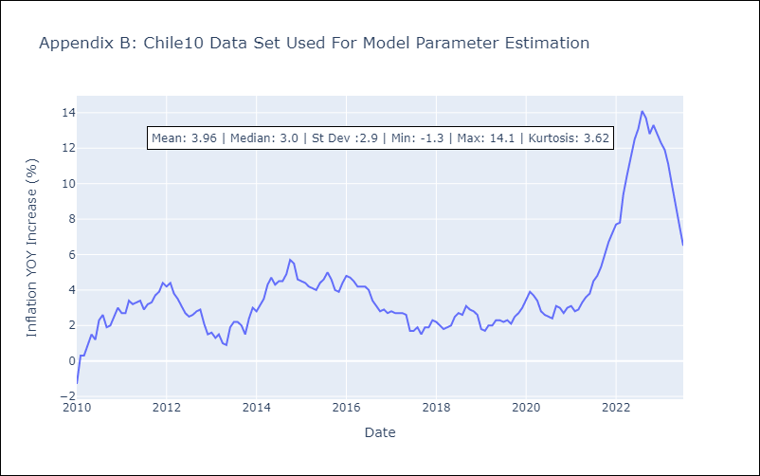

Appendix C: Residuals Analysis
Mean | 0.04
Variance | 0.19
Independent? | No
Heteroskedastic? | No
Normal? | No

Chile1928
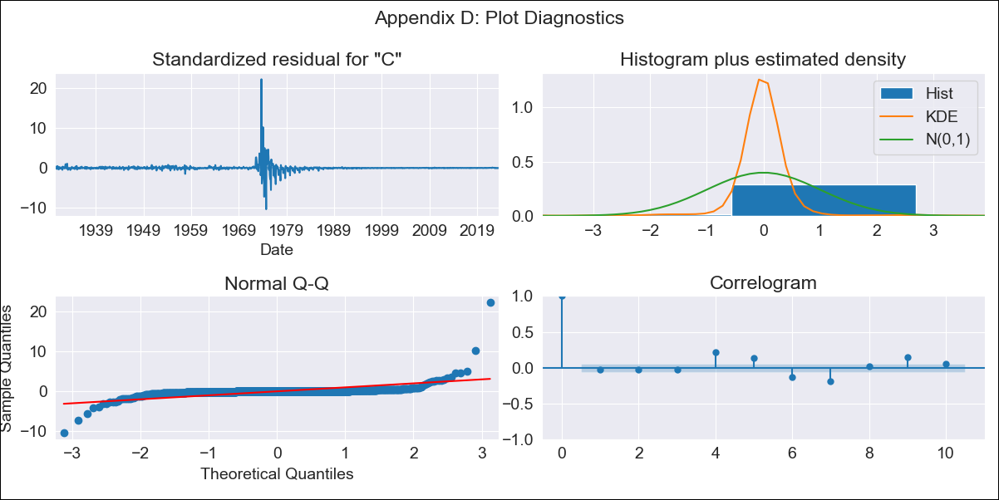
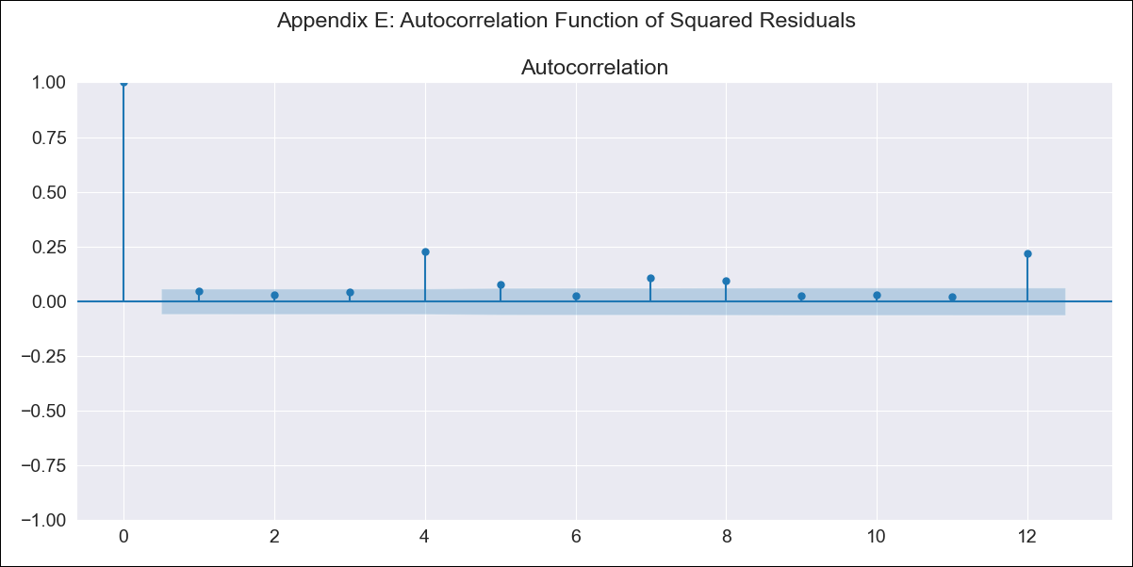
Chile1928 - Inflation - Next 12 months forecast as of: 2023-07-01

Model | ARIMA - [(3, 1, 0), (2, 0, 1, 12)]
Training Data | 1928-03-01 to 2022-08-01
Test Data | 2022-08-01 to 2023-07-01

Date | Inflation Change YoY % | Lower Bound - 95% Confidence Interval | Upper Bound - 95% Confidence Interval
2023-08-01 | 5.66 | -16.49 | 27.81
2023-09-01 | 5.36 | -29.11 | 39.83
2023-10-01 | 5.38 | -39.47 | 50.23
2023-11-01 | 4.84 | -50.45 | 60.13
2023-12-01 | 4.68 | -60.08 | 69.45
2024-01-01 | 4.71 | -68.7 | 78.11
2024-02-01 | 4.89 | -76.55 | 86.34
2024-03-01 | 4.65 | -84.26 | 93.56
2024-04-01 | 4.77 | -91.11 | 100.64
2024-05-01 | 4.97 | -97.46 | 107.4
2024-06-01 | 5.11 | -103.51 | 113.73
2024-07-01 | 5.23 | -109.27 | 119.73

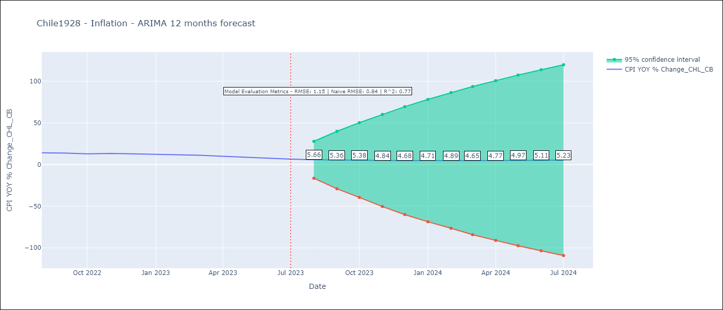

Test Metrics
RMSE | 1.15
Naive RMSE | 0.86
R^2 | 0.77

Test Predictions
Date | Predicted | Actual
2022-08-01 | 13.36 | 14.1
2022-09-01 | 13.16 | 13.7
2022-10-01 | 12.95 | 12.8
2022-11-01 | 12.77 | 13.3
2022-12-01 | 12.36 | 12.8
2023-01-01 | 12.14 | 12.3
2023-02-01 | 12.17 | 11.9
2023-03-01 | 11.36 | 11.1
2023-04-01 | 10.74 | 9.9
2023-05-01 | 10.22 | 8.7
2023-06-01 | 9.69 | 7.6
2023-07-01 | 9.12 | 6.5

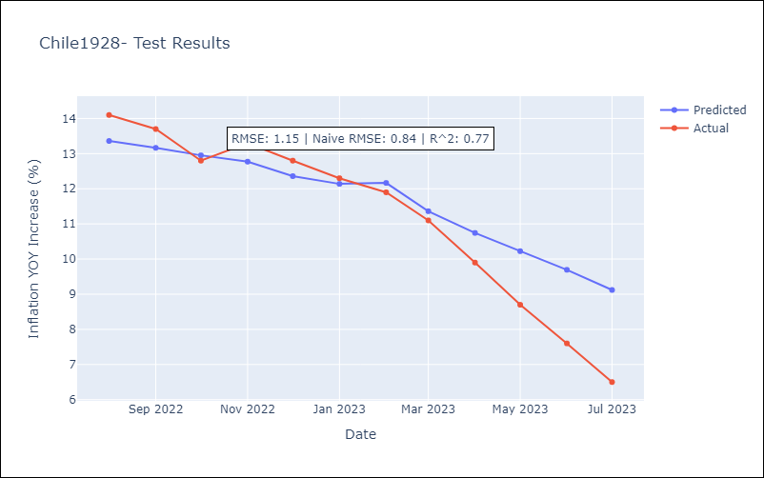

Appendix A: Model Summary
Model | ARIMA(3, 1, 0)x(2, 0, [1], 12)
Sample | 03-01-1928- 07-01-2023
No. of Observations | 1145
Terms | P-value (Statistical significance)
ar.L1 | 0.000
ar.L2 | 0.000
ar.L3 | 0.000
ar.S.L12 | 0.000
ar.S.L24 | 0.129
ma.S.L12 | 0.000
sigma2 | 0.000
Assumptions | P-value | Interpretation
Ljung-Box (L1) | 0.37 | Residuals are independent.
Heteroskedasticity | 0.00 | Residuals have different variances.
Jarque-Bera | 0.00 | Residuals are not normally distributed.
Skew | 9.60 | Positive skew - model underestimates the mean.
Kurtosis | 247.12 | Residuals contain more extreme outliers than in a normal distribution.

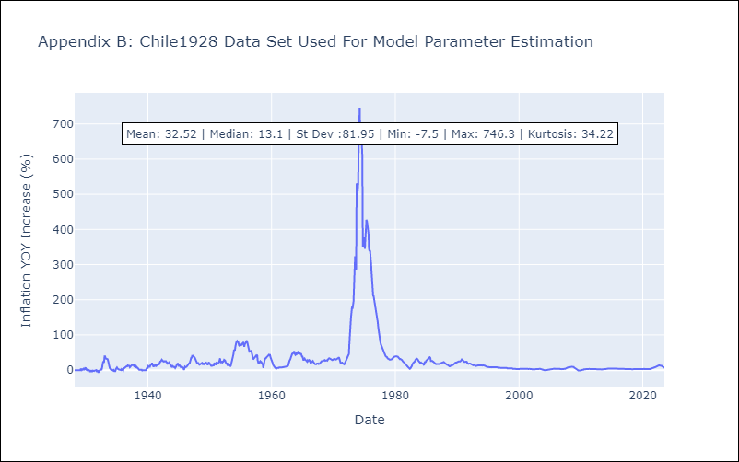

Appendix C: Residuals Analysis
Mean | 0.0
Variance | 124.91
Independent? | No
Heteroskedastic? | Yes
Normal? | No

Chile70
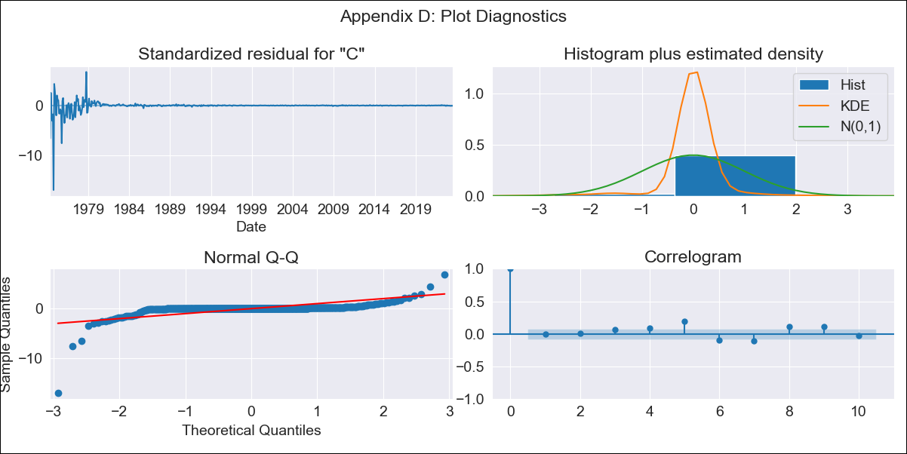
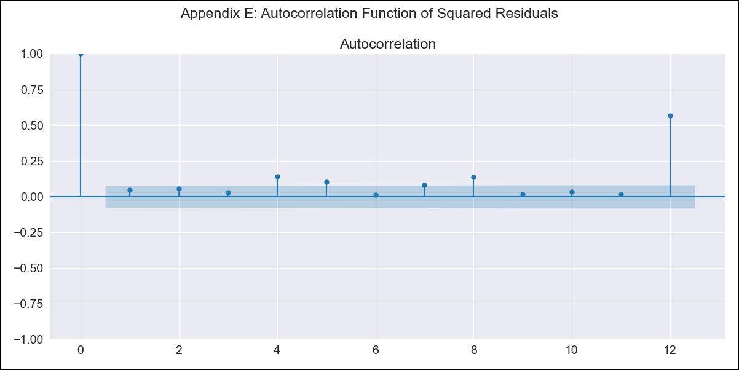
Chile70 - Inflation - Next 12 months forecast as of: 2023-07-01

Model | ARIMA - [(3, 1, 0), (3, 1, 0, 12)]
Training Data | 1970-01-01 to 2022-08-01
Test Data | 2022-08-01 to 2023-07-01

Date | Inflation Change YoY % | Lower Bound - 95% Confidence Interval | Upper Bound - 95% Confidence Interval
2023-08-01 | 6.15 | -23.19 | 35.49
2023-09-01 | 6.18 | -38.68 | 51.05
2023-10-01 | 6.3 | -53.16 | 65.75
2023-11-01 | 6.33 | -66.6 | 79.26
2023-12-01 | 6.63 | -78.42 | 91.68
2024-01-01 | 6.95 | -89.17 | 103.06
2024-02-01 | 6.98 | -99.3 | 113.26
2024-03-01 | 7.36 | -108.32 | 123.04
2024-04-01 | 7.71 | -116.74 | 132.15
2024-05-01 | 7.88 | -124.8 | 140.56
2024-06-01 | 8.16 | -132.29 | 148.61
2024-07-01 | 8.56 | -139.26 | 156.38

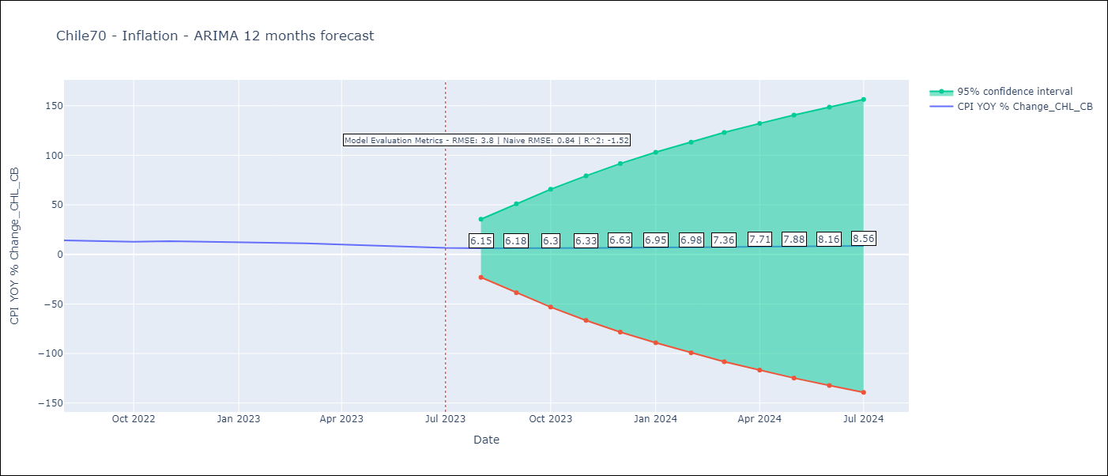

Test Metrics
RMSE | 3.8
Naive RMSE | 0.86
R^2 | -1.52

Test Predictions
Date | Predicted | Actual
2022-08-01 | 13.36 | 14.1
2022-09-01 | 13.82 | 13.7
2022-10-01 | 13.99 | 12.8
2022-11-01 | 14.01 | 13.3
2022-12-01 | 14.16 | 12.8
2023-01-01 | 14.12 | 12.3
2023-02-01 | 14.18 | 11.9
2023-03-01 | 14.23 | 11.1
2023-04-01 | 14.21 | 9.9
2023-05-01 | 14.16 | 8.7
2023-06-01 | 14.12 | 7.6
2023-07-01 | 14.23 | 6.5

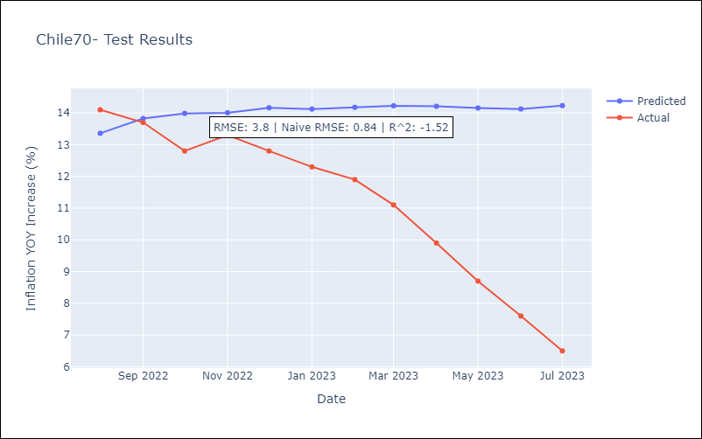

Appendix A: Model Summary
Model | ARIMA(3, 1, 0)x(3, 1, 0, 12)
Sample | 01-01-1970- 07-01-2023
No. of Observations | 643
Terms | P-value (Statistical significance)
ar.L1 | 0.000
ar.L2 | 0.000
ar.L3 | 0.002
ar.S.L12 | 0.000
ar.S.L24 | 0.000
ar.S.L36 | 0.000
sigma2 | 0.000
Assumptions | P-value | Interpretation
Ljung-Box (L1) | 0.98 | Residuals are independent.
Heteroskedasticity | 0.00 | Residuals have different variances.
Jarque-Bera | 0.00 | Residuals are not normally distributed.
Skew | -8.77 | Negative skew - Model overestimates the mean.
Kurtosis | 149.41 | Residuals contain more extreme outliers than in a normal distribution.

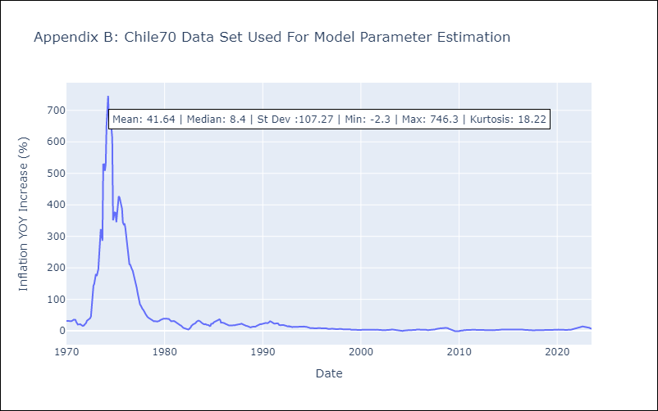

Appendix C: Residuals Analysis
Mean | 0.07
Variance | 342.91
Independent? | No
Heteroskedastic? | Yes
Normal? | No

Chile80
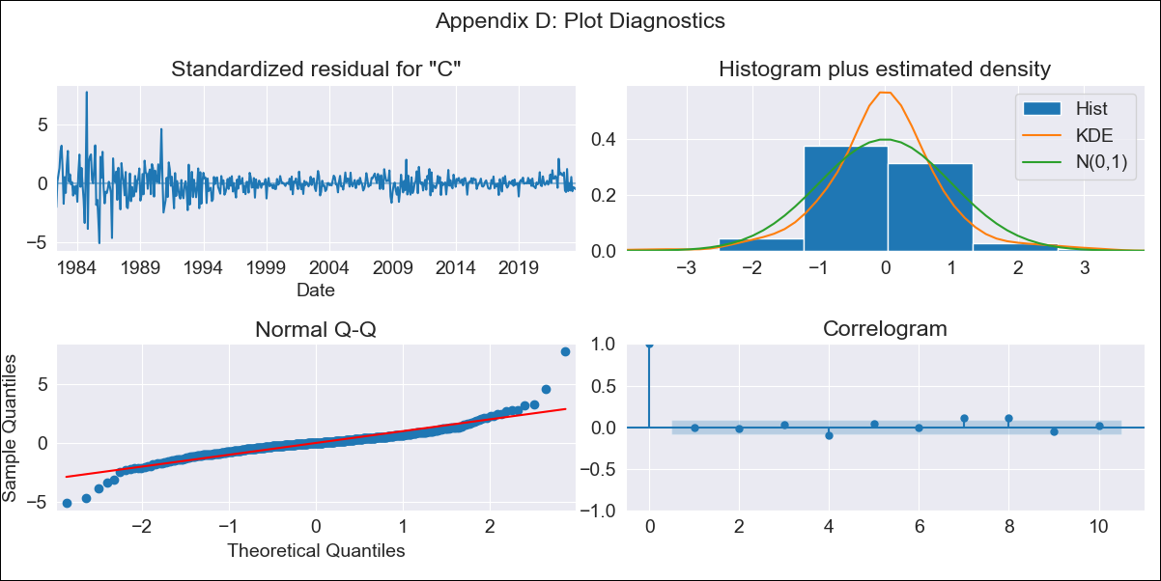

Chile80 - Inflation - Next 12 months forecast as of: 2023-07-01

Model | ARIMA - [(3, 1, 0), (2, 0, 0, 12)]
Training Data | 1980-01-01 to 2022-08-01
Test Data | 2022-08-01 to 2023-07-01

Date | Inflation Change YoY % | Lower Bound - 95% Confidence Interval | Upper Bound - 95% Confidence Interval
2023-08-01 | 5.54 | 4.05 | 7.02
2023-09-01 | 5.56 | 3.01 | 8.1
2023-10-01 | 5.87 | 2.51 | 9.24
2023-11-01 | 5.33 | 1.2 | 9.47
2023-12-01 | 5.51 | 0.64 | 10.38
2024-01-01 | 5.69 | 0.15 | 11.23
2024-02-01 | 5.91 | -0.24 | 12.06
2024-03-01 | 6.07 | -0.66 | 12.79
2024-04-01 | 6.59 | -0.67 | 13.85
2024-05-01 | 7.14 | -0.63 | 14.9
2024-06-01 | 7.62 | -0.62 | 15.86
2024-07-01 | 8.19 | -0.5 | 16.88

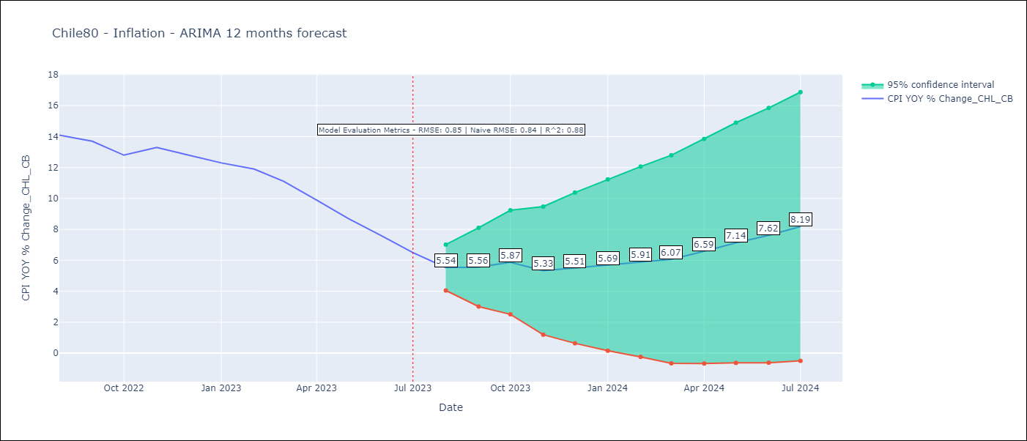

Test Metrics
RMSE | 0.85
Naive RMSE | 0.86
R^2 | 0.88

Test Predictions
Date | Predicted | Actual
2022-08-01 | 13.41 | 14.1
2022-09-01 | 13.21 | 13.7
2022-10-01 | 12.99 | 12.8
2022-11-01 | 12.74 | 13.3
2022-12-01 | 12.44 | 12.8
2023-01-01 | 12.15 | 12.3
2023-02-01 | 12.18 | 11.9
2023-03-01 | 11.16 | 11.1
2023-04-01 | 10.39 | 9.9
2023-05-01 | 9.7 | 8.7
2023-06-01 | 9.03 | 7.6
2023-07-01 | 8.5 | 6.5

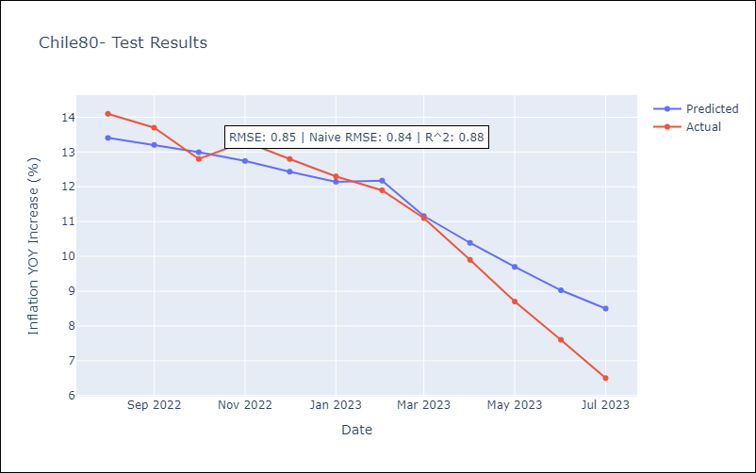

Appendix A: Model Summary
Model | ARIMA(3, 1, 0)x(2, 0, 0, 12)
Sample | 01-01-1980- 07-01-2023
No. of Observations | 523
Terms | P-value (Statistical significance)
ar.L1 | 0.000
ar.L2 | 0.035
ar.L3 | 0.000
ar.S.L12 | 0.000
ar.S.L24 | 0.000
sigma2 | 0.000
Assumptions | P-value | Interpretation
Ljung-Box (L1) | 0.99 | Residuals are independent.
Heteroskedasticity | 0.00 | Residuals have different variances.
Jarque-Bera | 0.00 | Residuals are not normally distributed.
Skew | 0.64 | Positive skew - model underestimates the mean.
Kurtosis | 13.48 | Residuals contain more extreme outliers than in a normal distribution.

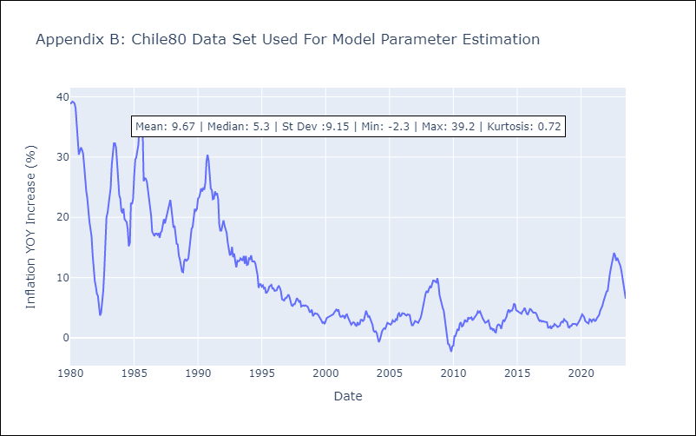

Appendix C: Residuals Analysis
Mean | 0.02
Variance | 3.94
Independent? | No
Heteroskedastic? | Yes
Normal? | No

Chile90
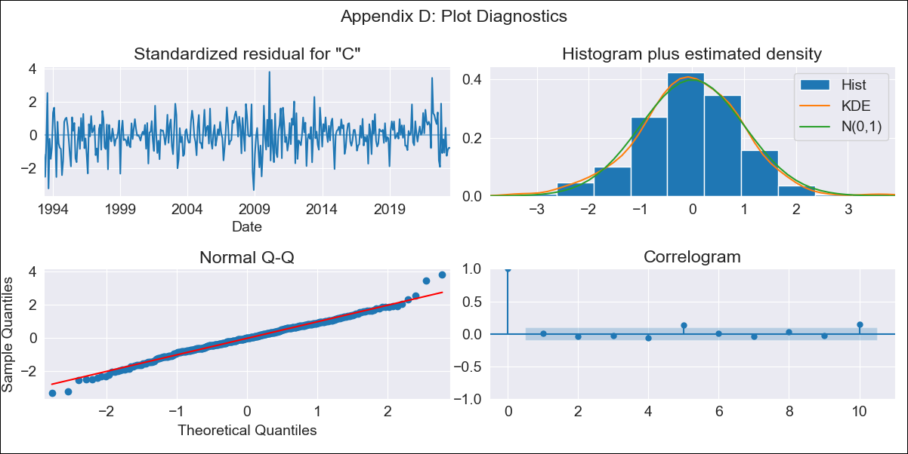

Chile90 - Inflation - Next 12 months forecast as of: 2023-07-01

Model | ARIMA - [(3, 1, 0), (3, 0, 1, 12)]
Training Data | 1990-01-01 to 2022-08-01
Test Data | 2022-08-01 to 2023-07-01

Date | Inflation Change YoY % | Lower Bound - 95% Confidence Interval | Upper Bound - 95% Confidence Interval
2023-08-01 | 5.58 | 4.77 | 6.4
2023-09-01 | 5.41 | 4.04 | 6.79
2023-10-01 | 5.45 | 3.59 | 7.31
2023-11-01 | 4.91 | 2.55 | 7.27
2023-12-01 | 4.92 | 2.08 | 7.77
2024-01-01 | 4.96 | 1.66 | 8.26
2024-02-01 | 5.05 | 1.32 | 8.78
2024-03-01 | 5.06 | 0.92 | 9.2
2024-04-01 | 5.37 | 0.85 | 9.89
2024-05-01 | 5.72 | 0.83 | 10.6
2024-06-01 | 6.01 | 0.78 | 11.25
2024-07-01 | 6.4 | 0.83 | 11.97

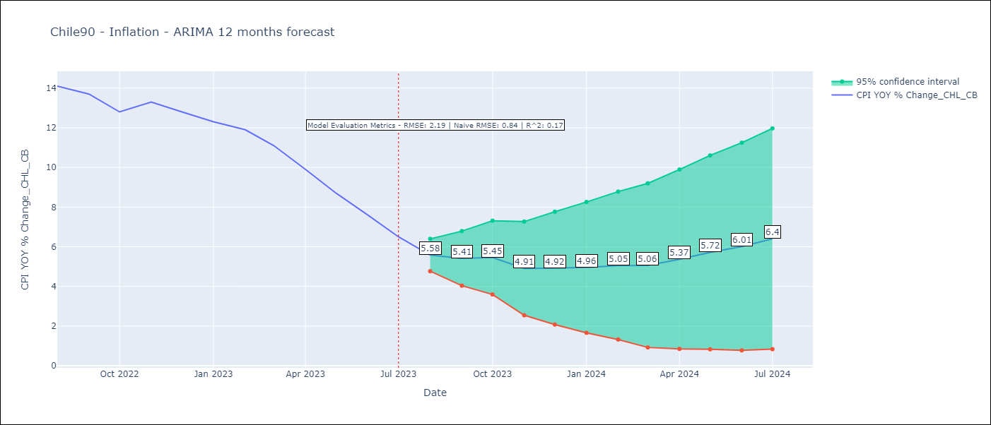

Test Metrics
RMSE | 2.19
Naive RMSE | 0.86
R^2 | 0.17

Test Predictions
Date | Predicted | Actual
2022-08-01 | 13.54 | 14.1
2022-09-01 | 13.58 | 13.7
2022-10-01 | 13.62 | 12.8
2022-11-01 | 13.59 | 13.3
2022-12-01 | 13.49 | 12.8
2023-01-01 | 13.39 | 12.3
2023-02-01 | 13.5 | 11.9
2023-03-01 | 12.81 | 11.1
2023-04-01 | 12.29 | 9.9
2023-05-01 | 11.8 | 8.7
2023-06-01 | 11.34 | 7.6
2023-07-01 | 10.96 | 6.5

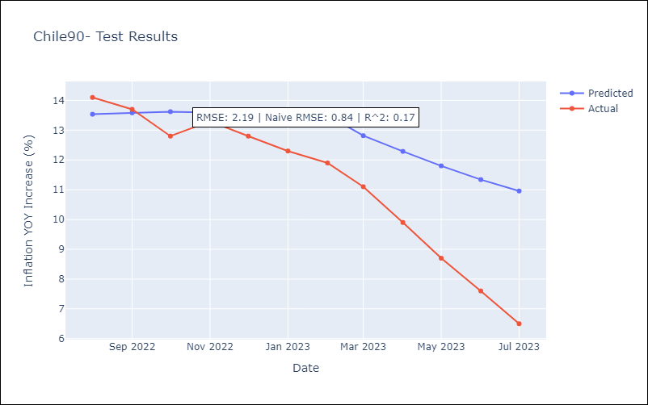

Appendix A: Model Summary
Model | ARIMA(3, 1, 0)x(3, 0, [1], 12)
Sample | 01-01-1990- 07-01-2023
No. of Observations | 403
Terms | P-value (Statistical significance)
ar.L1 | 0.000
ar.L2 | 0.348
ar.L3 | 0.000
ar.S.L12 | 0.000
ar.S.L24 | 0.000
ar.S.L36 | 0.009
ma.S.L12 | 0.000
sigma2 | 0.000
Assumptions | P-value | Interpretation
Ljung-Box (L1) | 0.94 | Residuals are independent.
Heteroskedasticity | 0.01 | Residuals have different variances.
Jarque-Bera | 0.00 | Residuals are not normally distributed.
Skew | -0.08 | Negative skew - Model overestimates the mean.
Kurtosis | 3.87 | Residuals contain more extreme outliers than in a normal distribution.

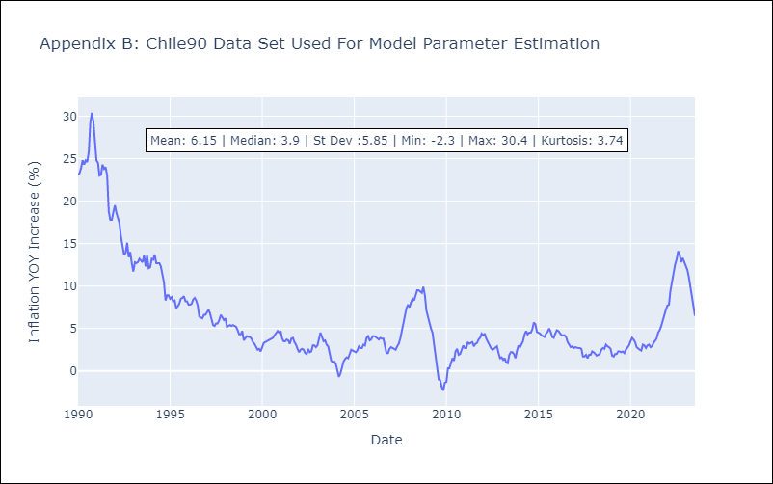

Appendix C: Residuals Analysis
Mean | 0.03
Variance | 1.87
Independent? | No
Heteroskedastic? | No
Normal? | No

