Chile1928
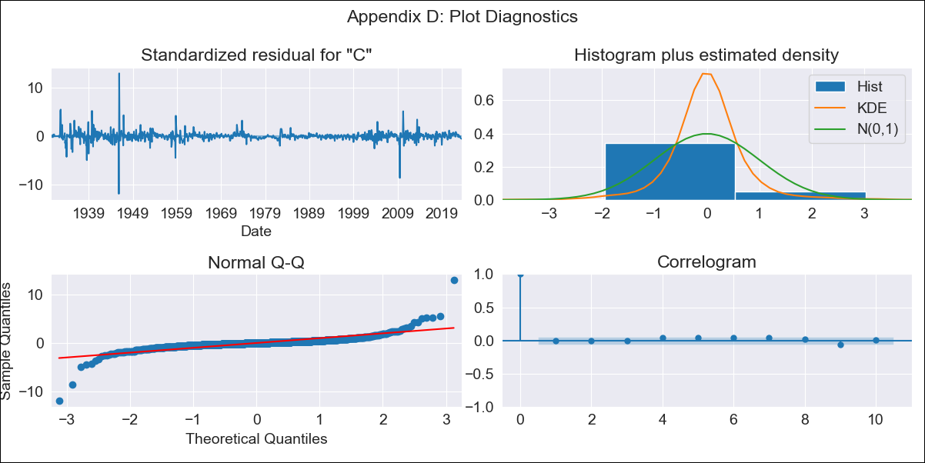
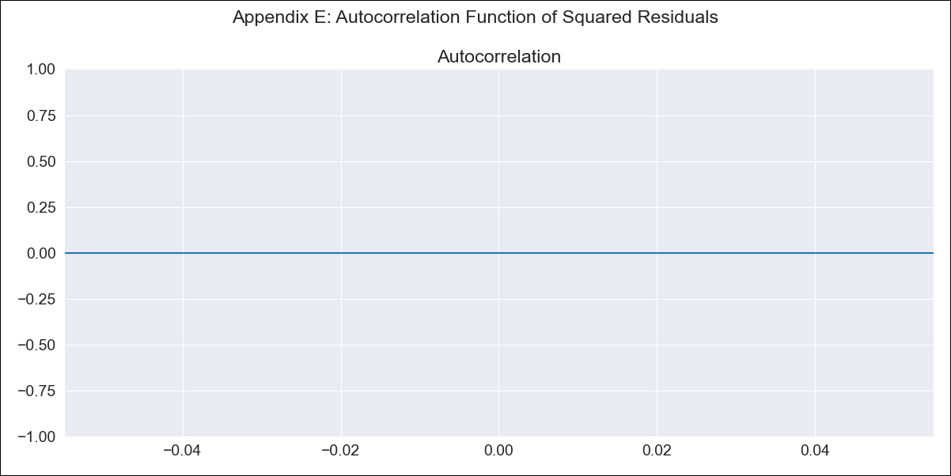
Chile1928 - Inflation - Next 12 months forecast as of: 2023-07-01

Model | ARIMA - [(3, 1, 0), (2, 0, 1, 12)]
Training Data | 1928-03-01 to 2022-08-01
Test Data | 2022-08-01 to 2023-07-01

Date | Inflation Change YoY % | Lower Bound - 95% Confidence Interval | Upper Bound - 95% Confidence Interval
2023-08-01 | 1.83 | 1.42 | 2.24
2023-09-01 | 1.81 | 1.22 | 2.39
2023-10-01 | 1.8 | 1.07 | 2.53
2023-11-01 | 1.78 | 0.92 | 2.64
2023-12-01 | 1.78 | 0.8 | 2.76
2024-01-01 | 1.78 | 0.69 | 2.87
2024-02-01 | 1.79 | 0.6 | 2.98
2024-03-01 | 1.79 | 0.51 | 3.07
2024-04-01 | 1.81 | 0.45 | 3.17
2024-05-01 | 1.83 | 0.39 | 3.27
2024-06-01 | 1.86 | 0.35 | 3.38
2024-07-01 | 1.9 | 0.31 | 3.48

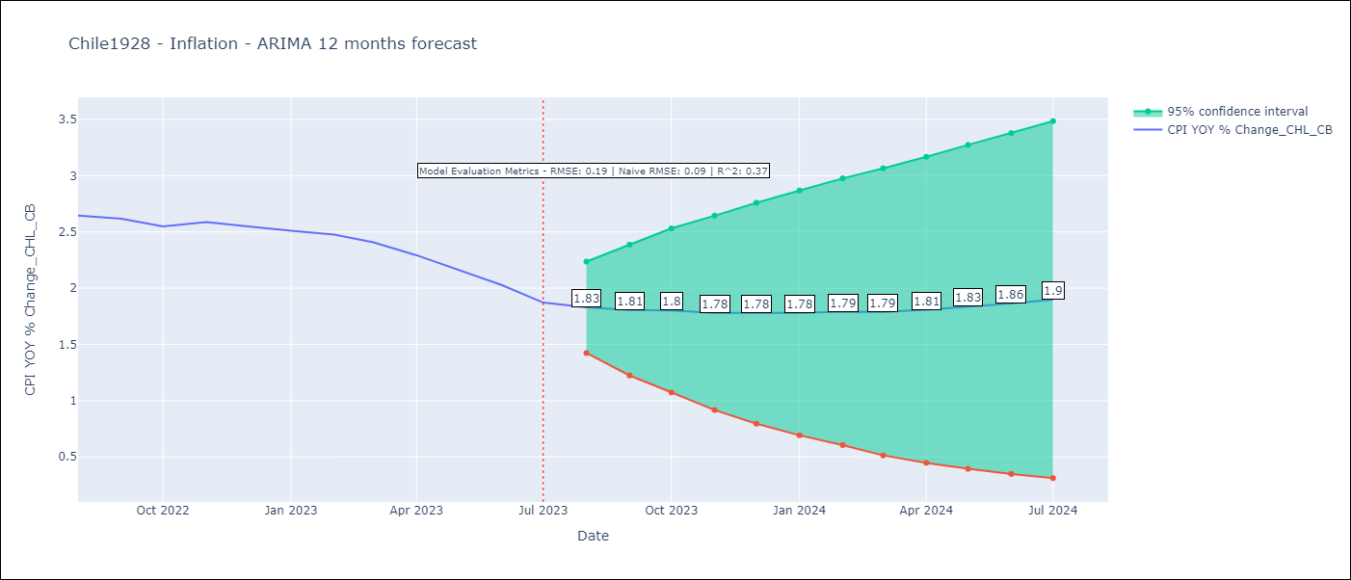

Test Metrics
RMSE | 0.19
Naive RMSE | 0.09
R^2 | 0.37

Test Predictions
Date | Predicted | Actual
2022-08-01 | 2.57 | 2.65
2022-09-01 | 2.55 | 2.62
2022-10-01 | 2.53 | 2.55
2022-11-01 | 2.51 | 2.59
2022-12-01 | 2.49 | 2.55
2023-01-01 | 2.47 | 2.51
2023-02-01 | 2.47 | 2.48
2023-03-01 | 2.43 | 2.41
2023-04-01 | 2.41 | 2.29
2023-05-01 | 2.39 | 2.16
2023-06-01 | 2.37 | 2.03
2023-07-01 | 2.35 | 1.87

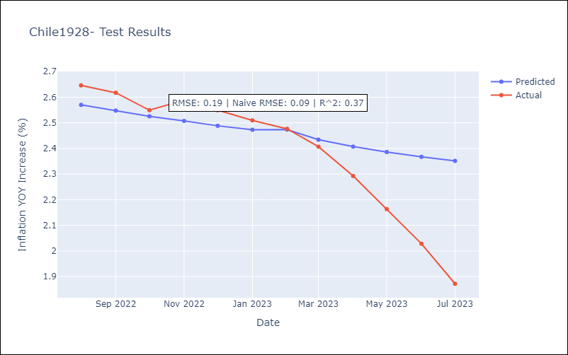

Appendix A: Model Summary
Model | ARIMA(3, 1, 0)x(2, 0, [1], 12)
Sample | 03-01-1928- 07-01-2023
No. of Observations | 1145
Terms | P-value (Statistical significance)
ar.L1 | 0.005
ar.L2 | 0.024
ar.L3 | 0.099
ar.S.L12 | 0.684
ar.S.L24 | 0.870
ma.S.L12 | 0.014
sigma2 | 0.000
Assumptions | P-value | Interpretation
Ljung-Box (L1) | 0.96 | Residuals are independent.
Heteroskedasticity | 0.00 | Residuals have different variances.
Jarque-Bera | 0.00 | Residuals are not normally distributed.
Skew | 0.33 | Positive skew - model underestimates the mean.
Kurtosis | 55.51 | Residuals contain more extreme outliers than in a normal distribution.

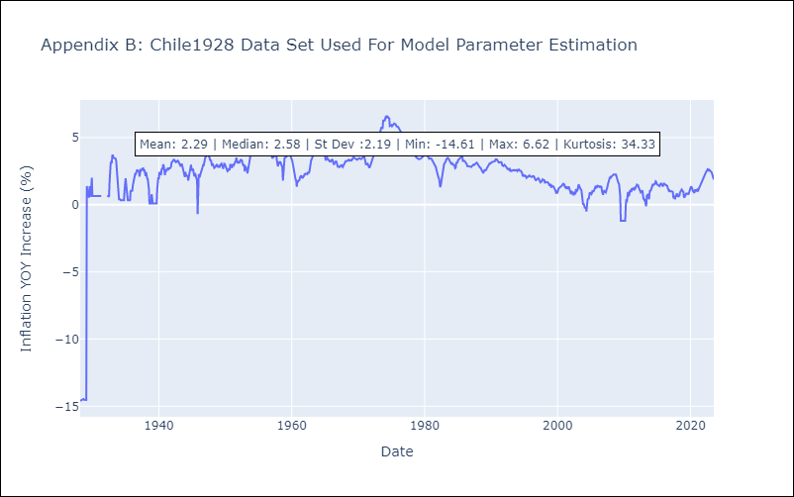

Appendix C: Residuals Analysis
Mean | 0.0
Variance | 0.47
Independent? | Yes
Heteroskedastic? | No
Normal? | Yes

