Chile1928
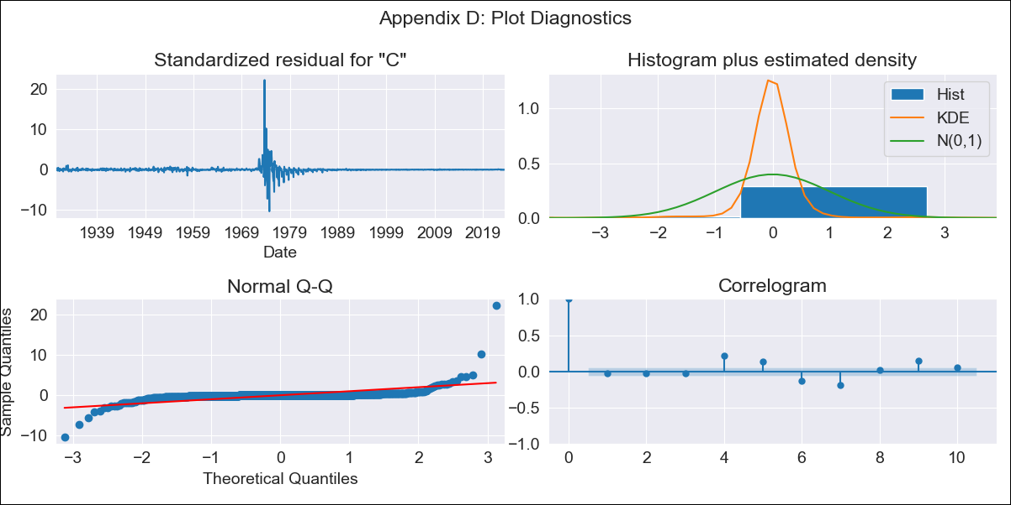
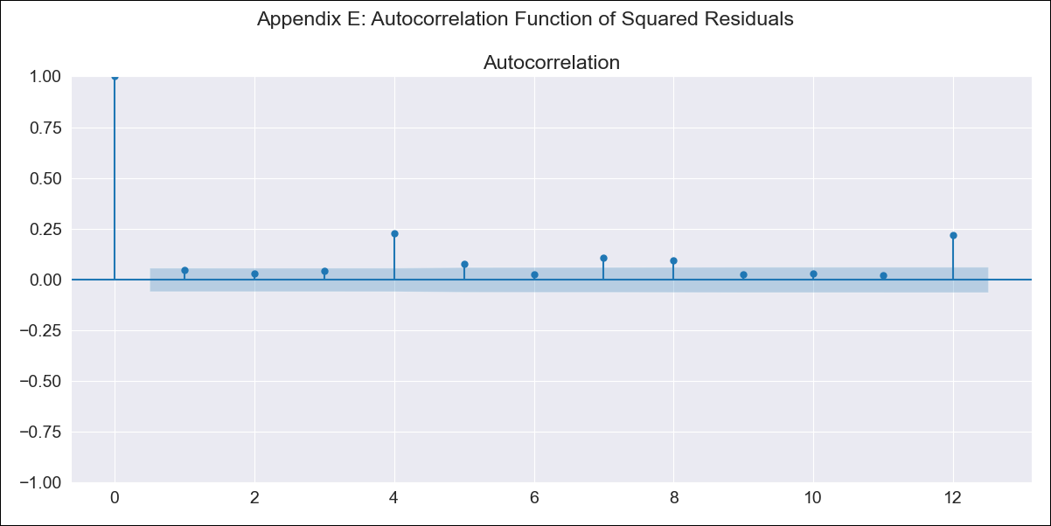
Chile1928 - Inflation - Next 12 months forecast as of: 2023-07-01

Model | ARIMA - [(3, 1, 0), (2, 0, 1, 12)]
Training Data | 1928-03-01 to 2022-08-01
Test Data | 2022-08-01 to 2023-07-01

Date | Inflation Change YoY % | Lower Bound - 95% Confidence Interval | Upper Bound - 95% Confidence Interval
2023-08-01 | 5.66 | -16.49 | 27.81
2023-09-01 | 5.36 | -29.11 | 39.83
2023-10-01 | 5.38 | -39.47 | 50.23
2023-11-01 | 4.84 | -50.45 | 60.13
2023-12-01 | 4.68 | -60.08 | 69.45
2024-01-01 | 4.71 | -68.7 | 78.11
2024-02-01 | 4.89 | -76.55 | 86.34
2024-03-01 | 4.65 | -84.26 | 93.56
2024-04-01 | 4.77 | -91.11 | 100.64
2024-05-01 | 4.97 | -97.46 | 107.4
2024-06-01 | 5.11 | -103.51 | 113.73
2024-07-01 | 5.23 | -109.27 | 119.73

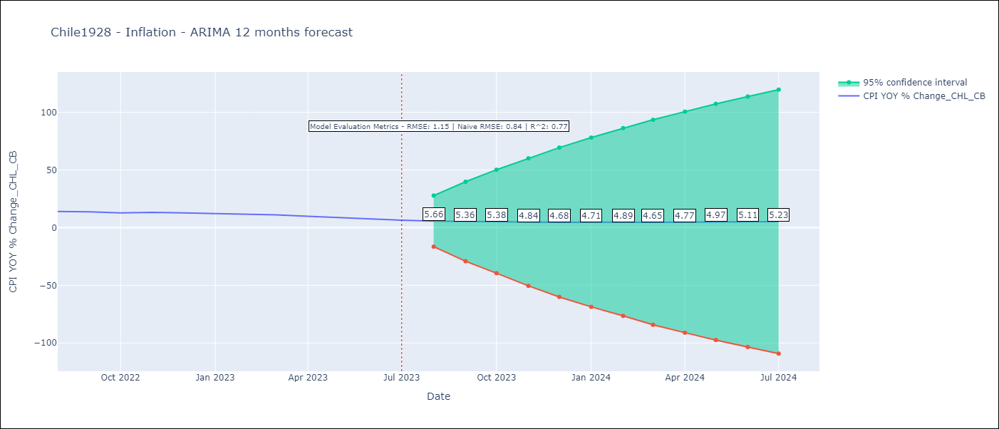

Test Metrics
RMSE | 1.15
Naive RMSE | 0.86
R^2 | 0.77

Test Predictions
Date | Predicted | Actual
2022-08-01 | 13.36 | 14.1
2022-09-01 | 13.16 | 13.7
2022-10-01 | 12.95 | 12.8
2022-11-01 | 12.77 | 13.3
2022-12-01 | 12.36 | 12.8
2023-01-01 | 12.14 | 12.3
2023-02-01 | 12.17 | 11.9
2023-03-01 | 11.36 | 11.1
2023-04-01 | 10.74 | 9.9
2023-05-01 | 10.22 | 8.7
2023-06-01 | 9.69 | 7.6
2023-07-01 | 9.12 | 6.5

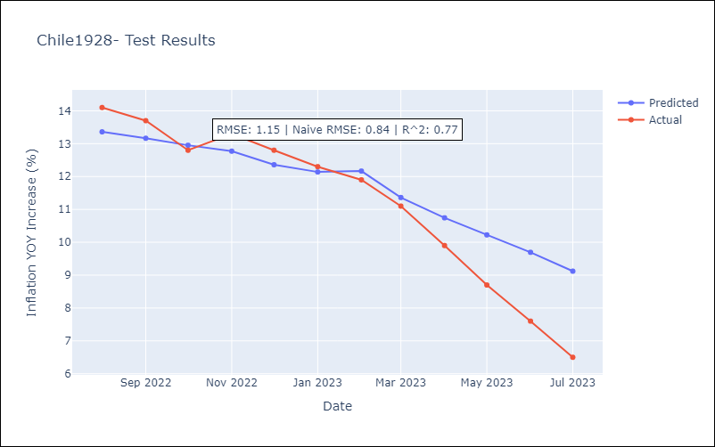

Appendix A: Model Summary
Model | ARIMA(3, 1, 0)x(2, 0, [1], 12)
Sample | 03-01-1928- 07-01-2023
No. of Observations | 1145
Terms | P-value (Statistical significance)
ar.L1 | 0.000
ar.L2 | 0.000
ar.L3 | 0.000
ar.S.L12 | 0.000
ar.S.L24 | 0.129
ma.S.L12 | 0.000
sigma2 | 0.000
Assumptions | P-value | Interpretation
Ljung-Box (L1) | 0.37 | Residuals are independent.
Heteroskedasticity | 0.00 | Residuals have different variances.
Jarque-Bera | 0.00 | Residuals are not normally distributed.
Skew | 9.60 | Positive skew - model underestimates the mean.
Kurtosis | 247.12 | Residuals contain more extreme outliers than in a normal distribution.

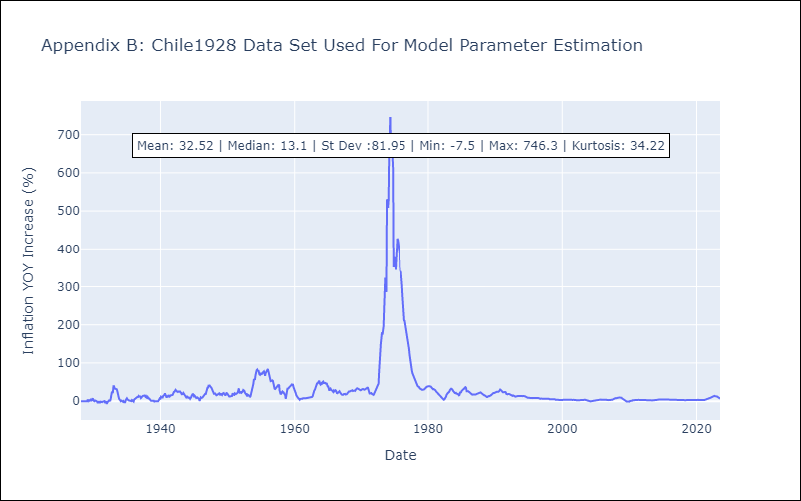

Appendix C: Residuals Analysis
Mean | 0.0
Variance | 124.91
Independent? | No
Heteroskedastic? - Breusch-Pagan | No
Heteroskedastic? - Goldfeld-Quandt | Yes
Heteroskedastic? - White | No
Heteroskedastic? - ARCH | Yes
Normal? | No

Chile1970
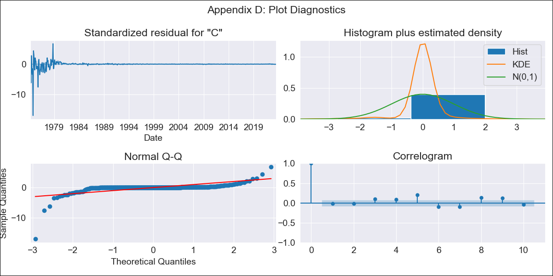
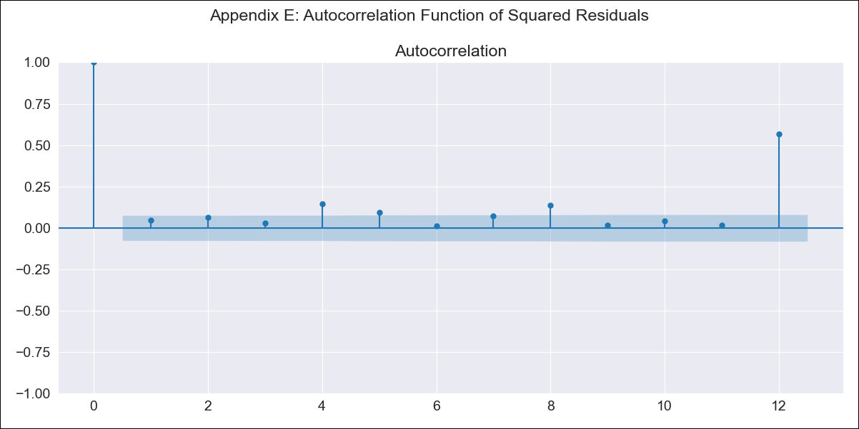
Chile1970 - Inflation - Next 12 months forecast as of: 2023-07-01

Model | ARIMA - [(2, 1, 0), (3, 1, 0, 12)]
Training Data | 1970-01-01 to 2022-08-01
Test Data | 2022-08-01 to 2023-07-01

Date | Inflation Change YoY % | Lower Bound - 95% Confidence Interval | Upper Bound - 95% Confidence Interval
2023-08-01 | 6.19 | -23.19 | 35.57
2023-09-01 | 6.26 | -38.94 | 51.46
2023-10-01 | 6.44 | -53.96 | 66.85
2023-11-01 | 6.52 | -66.98 | 80.01
2023-12-01 | 6.84 | -78.37 | 92.06
2024-01-01 | 7.18 | -88.56 | 102.91
2024-02-01 | 7.22 | -98.11 | 112.55
2024-03-01 | 7.62 | -106.56 | 121.79
2024-04-01 | 7.96 | -114.45 | 130.37
2024-05-01 | 8.14 | -122 | 138.28
2024-06-01 | 8.42 | -129.01 | 145.85
2024-07-01 | 8.82 | -135.54 | 153.19

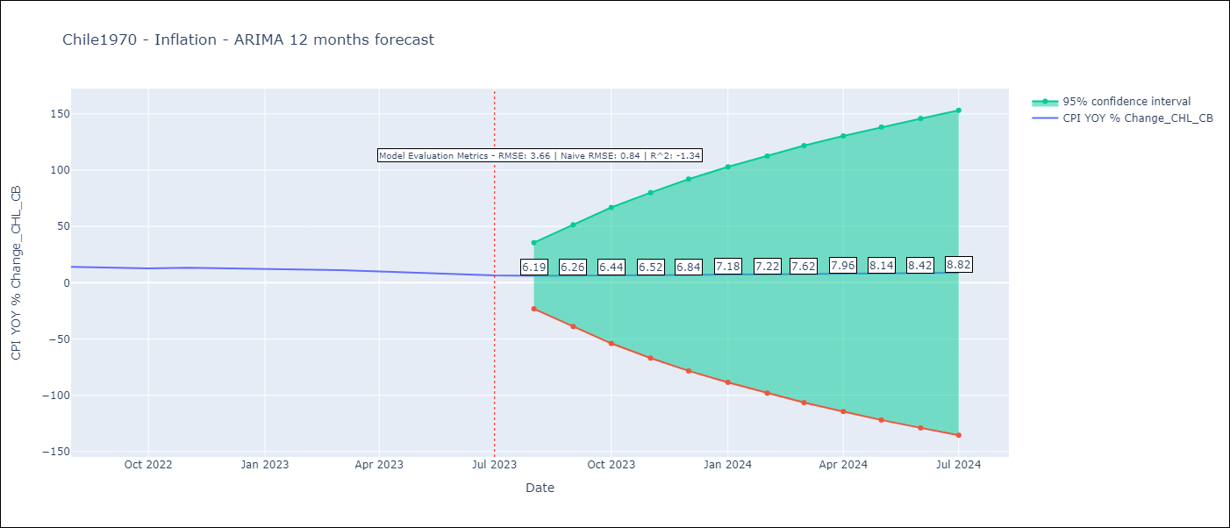

Test Metrics
RMSE | 3.66
Naive RMSE | 0.86
R^2 | -1.34

Test Predictions
Date | Predicted | Actual
2022-08-01 | 13.32 | 14.1
2022-09-01 | 13.74 | 13.7
2022-10-01 | 13.86 | 12.8
2022-11-01 | 13.86 | 13.3
2022-12-01 | 14 | 12.8
2023-01-01 | 13.95 | 12.3
2023-02-01 | 13.99 | 11.9
2023-03-01 | 14.04 | 11.1
2023-04-01 | 14.02 | 9.9
2023-05-01 | 13.96 | 8.7
2023-06-01 | 13.93 | 7.6
2023-07-01 | 14.04 | 6.5

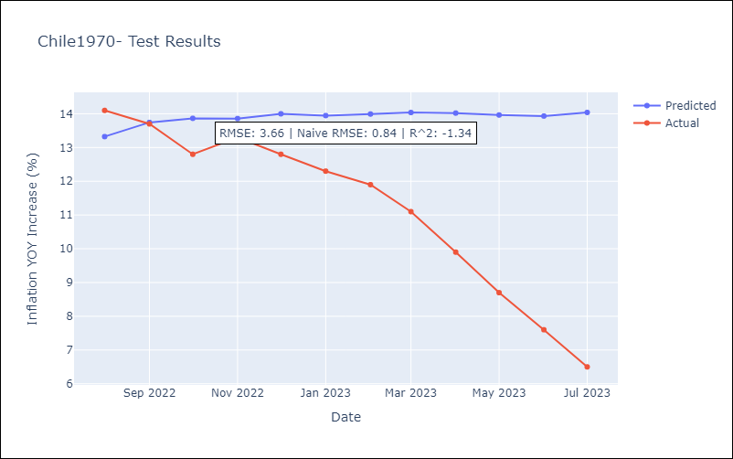

Appendix A: Model Summary
Model | ARIMA(2, 1, 0)x(3, 1, 0, 12)
Sample | 01-01-1970- 07-01-2023
No. of Observations | 643
Terms | P-value (Statistical significance)
ar.L1 | 0.000
ar.L2 | 0.000
ar.S.L12 | 0.000
ar.S.L24 | 0.000
ar.S.L36 | 0.000
sigma2 | 0.000
Assumptions | P-value | Interpretation
Ljung-Box (L1) | 0.70 | Residuals are independent.
Heteroskedasticity | 0.00 | Residuals have different variances.
Jarque-Bera | 0.00 | Residuals are not normally distributed.
Skew | -8.71 | Negative skew - Model overestimates the mean.
Kurtosis | 149.18 | Residuals contain more extreme outliers than in a normal distribution.

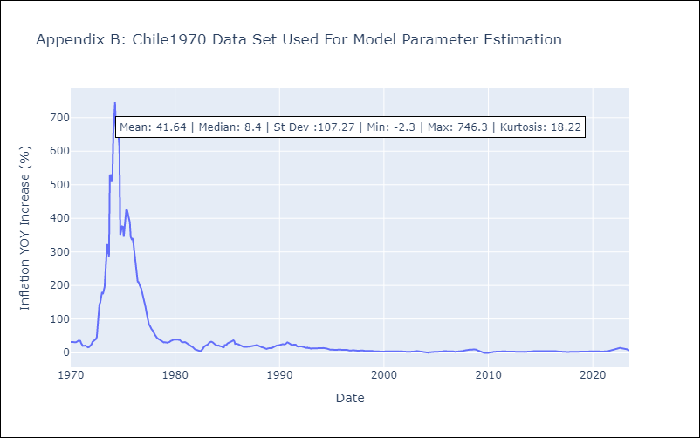

Appendix C: Residuals Analysis
Mean | 0.06
Variance | 346.58
Independent? | No
Heteroskedastic? - Breusch-Pagan | Yes
Heteroskedastic? - Goldfeld-Quandt | Yes
Heteroskedastic? - White | Yes
Heteroskedastic? - ARCH | Yes
Normal? | No

Chile1990
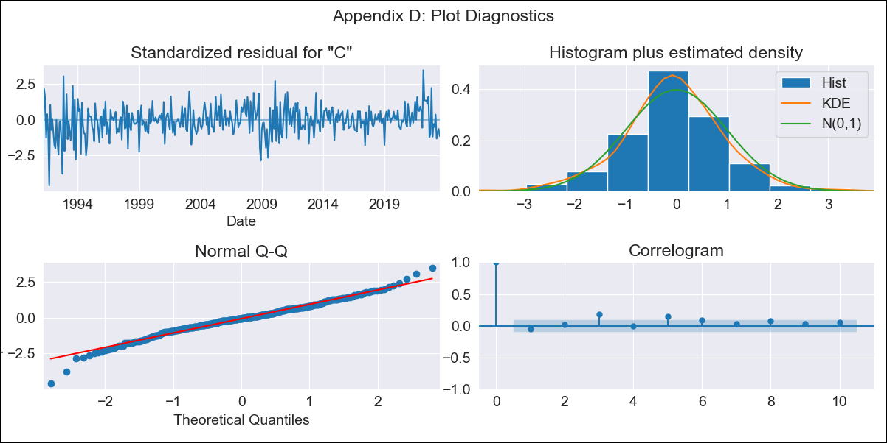

Chile1990 - Inflation - Next 12 months forecast as of: 2023-07-01

Model | ARIMA - [(1, 1, 0), (1, 0, 0, 12)]
Training Data | 1990-01-01 to 2022-08-01
Test Data | 2022-08-01 to 2023-07-01

Date | Inflation Change YoY % | Lower Bound - 95% Confidence Interval | Upper Bound - 95% Confidence Interval
2023-08-01 | 5.67 | 4.72 | 6.62
2023-09-01 | 5.76 | 4.12 | 7.39
2023-10-01 | 6.18 | 3.98 | 8.38
2023-11-01 | 5.9 | 3.22 | 8.58
2023-12-01 | 6.16 | 3.06 | 9.25
2024-01-01 | 6.41 | 2.95 | 9.88
2024-02-01 | 6.62 | 2.82 | 10.43
2024-03-01 | 7.04 | 2.92 | 11.15
2024-04-01 | 7.67 | 3.26 | 12.07
2024-05-01 | 8.29 | 3.62 | 12.97
2024-06-01 | 8.87 | 3.94 | 13.8
2024-07-01 | 9.44 | 4.27 | 14.61

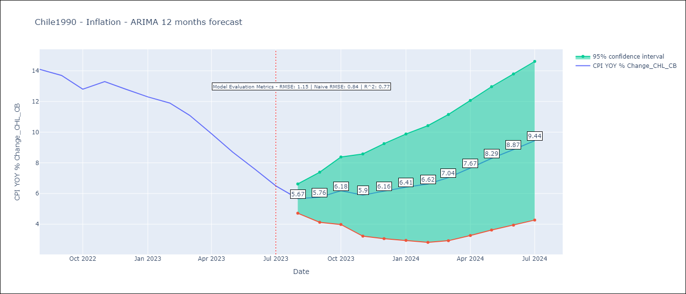

Test Metrics
RMSE | 1.15
Naive RMSE | 0.86
R^2 | 0.77

Test Predictions
Date | Predicted | Actual
2022-08-01 | 13.32 | 14.1
2022-09-01 | 13.21 | 13.7
2022-10-01 | 12.91 | 12.8
2022-11-01 | 12.57 | 13.3
2022-12-01 | 12.32 | 12.8
2023-01-01 | 12.06 | 12.3
2023-02-01 | 12.01 | 11.9
2023-03-01 | 11.18 | 11.1
2023-04-01 | 10.62 | 9.9
2023-05-01 | 10.1 | 8.7
2023-06-01 | 9.58 | 7.6
2023-07-01 | 9.27 | 6.5



Appendix A: Model Summary
Model | ARIMA(1, 1, 0)x(1, 0, 0, 12)
Sample | 01-01-1990- 07-01-2023
No. of Observations | 403
Terms | P-value (Statistical significance)
ar.L1 | 0.000
ar.S.L12 | 0.000
sigma2 | 0.000
Assumptions | P-value | Interpretation
Ljung-Box (L1) | 0.33 | Residuals are independent.
Heteroskedasticity | 0.00 | Residuals have different variances.
Jarque-Bera | 0.00 | Residuals are not normally distributed.
Skew | -0.29 | Negative skew - Model overestimates the mean.
Kurtosis | 4.65 | Residuals contain more extreme outliers than in a normal distribution.

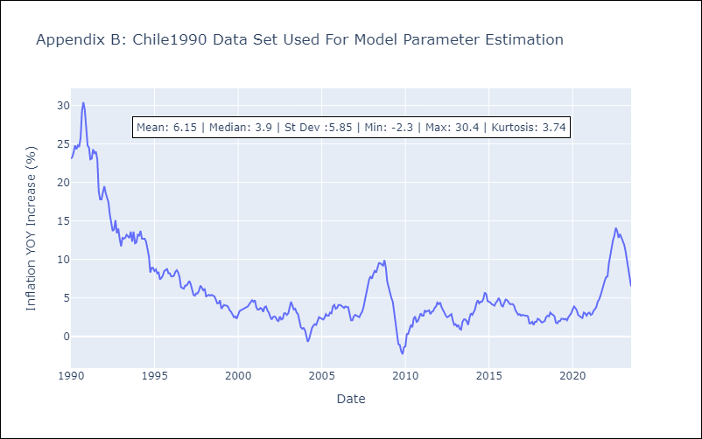

Appendix C: Residuals Analysis
Mean | 0.02
Variance | 1.69
Independent? | No
Heteroskedastic? - Breusch-Pagan | No
Heteroskedastic? - Goldfeld-Quandt | Yes
Heteroskedastic? - White | Yes
Heteroskedastic? - ARCH | Yes
Normal? | No

Chile2000
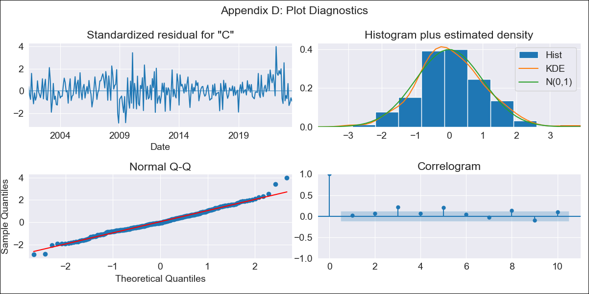

Chile2000 - Inflation - Next 12 months forecast as of: 2023-07-01

Model | ARIMA - [(0, 1, 2), (0, 0, 1, 12)]
Training Data | 2000-01-01 to 2022-08-01
Test Data | 2022-08-01 to 2023-07-01

Date | Inflation Change YoY % | Lower Bound - 95% Confidence Interval | Upper Bound - 95% Confidence Interval
2023-08-01 | 5.65 | 4.85 | 6.46
2023-09-01 | 5.54 | 4.17 | 6.91
2023-10-01 | 5.81 | 3.98 | 7.64
2023-11-01 | 5.32 | 3.12 | 7.51
2023-12-01 | 5.34 | 2.84 | 7.85
2024-01-01 | 5.44 | 2.65 | 8.23
2024-02-01 | 5.67 | 2.63 | 8.71
2024-03-01 | 5.58 | 2.31 | 8.85
2024-04-01 | 5.86 | 2.37 | 9.35
2024-05-01 | 6.21 | 2.52 | 9.9
2024-06-01 | 6.49 | 2.61 | 10.38
2024-07-01 | 6.8 | 2.73 | 10.87

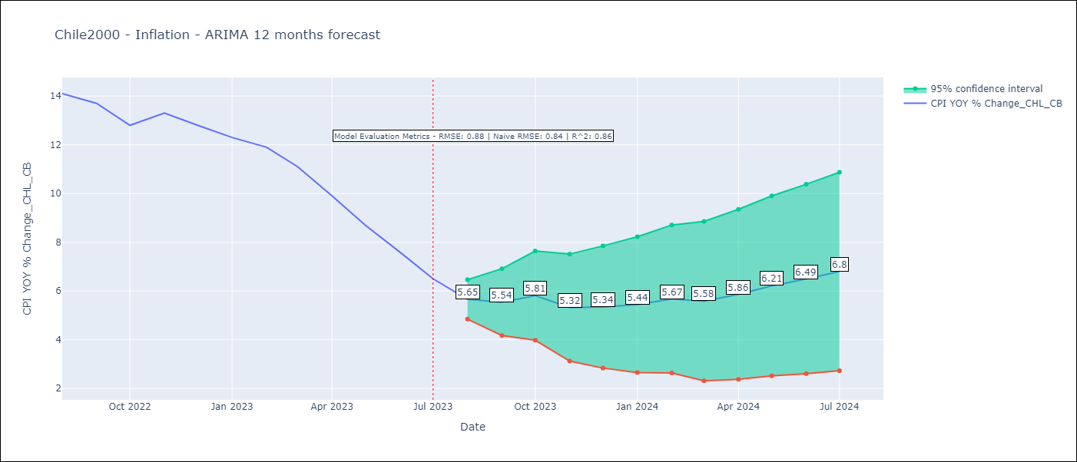

Test Metrics
RMSE | 0.88
Naive RMSE | 0.86
R^2 | 0.86

Test Predictions
Date | Predicted | Actual
2022-08-01 | 13.28 | 14.1
2022-09-01 | 12.88 | 13.7
2022-10-01 | 12.47 | 12.8
2022-11-01 | 12.14 | 13.3
2022-12-01 | 11.72 | 12.8
2023-01-01 | 11.4 | 12.3
2023-02-01 | 11.39 | 11.9
2023-03-01 | 10.49 | 11.1
2023-04-01 | 9.8 | 9.9
2023-05-01 | 9.22 | 8.7
2023-06-01 | 8.64 | 7.6
2023-07-01 | 8.1 | 6.5

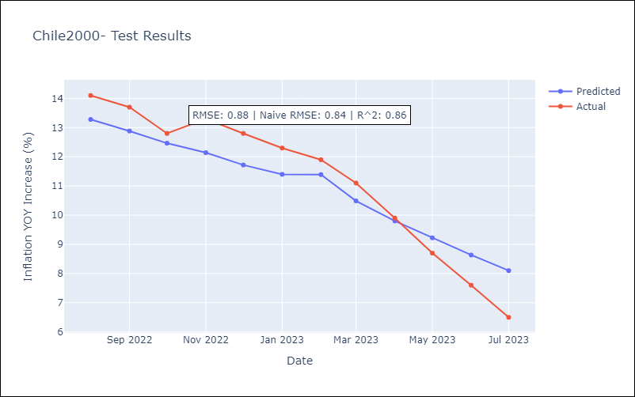

Appendix A: Model Summary
Model | ARIMA(0, 1, 2)x(0, 0, [1], 12)
Sample | 01-01-2000- 07-01-2023
No. of Observations | 283
Terms | P-value (Statistical significance)
ma.L1 | 0.000
ma.L2 | 0.028
ma.S.L12 | 0.000
sigma2 | 0.000
Assumptions | P-value | Interpretation
Ljung-Box (L1) | 0.72 | Residuals are independent.
Heteroskedasticity | 0.45 | Residuals have the same variance.
Jarque-Bera | 0.00 | Residuals are not normally distributed.
Skew | 0.29 | Positive skew - model underestimates the mean.
Kurtosis | 3.87 | Residuals contain more extreme outliers than in a normal distribution.

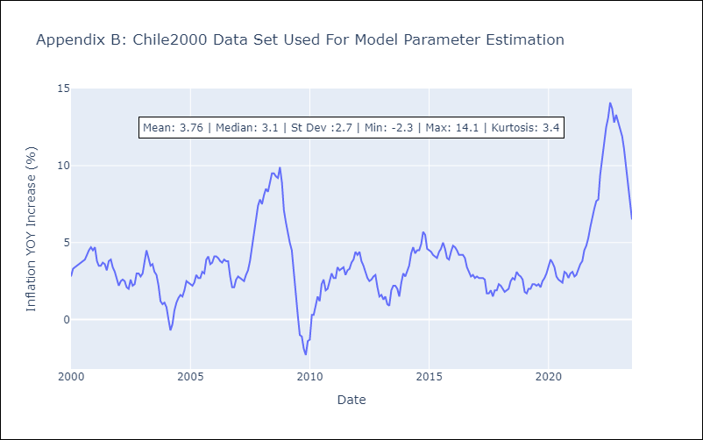

Appendix C: Residuals Analysis
Mean | 0.03
Variance | 0.2
Independent? | No
Heteroskedastic? - Breusch-Pagan | No
Heteroskedastic? - Goldfeld-Quandt | Yes
Heteroskedastic? - White | No
Heteroskedastic? - ARCH | Yes
Normal? | No

Chile2010

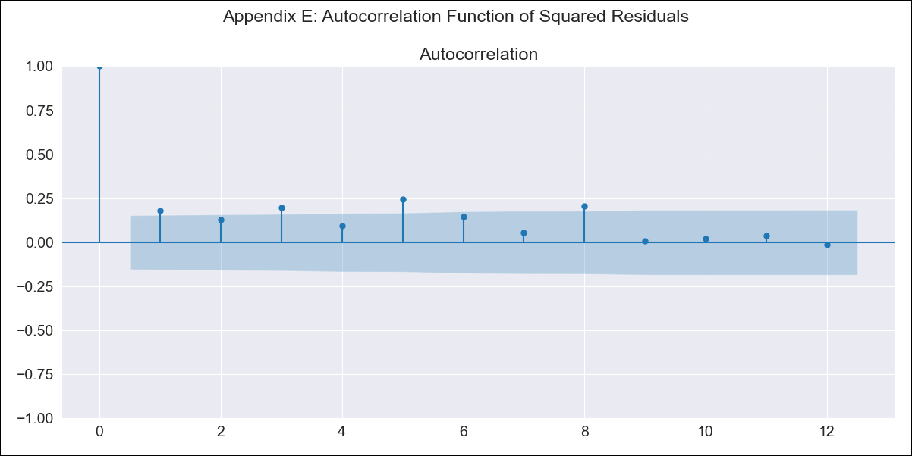
Chile2010 - Inflation - Next 12 months forecast as of: 2023-07-01

Model | ARIMA - [(0, 1, 1), (0, 0, 1, 12)]
Training Data | 2010-01-01 to 2022-08-01
Test Data | 2022-08-01 to 2023-07-01

Date | Inflation Change YoY % | Lower Bound - 95% Confidence Interval | Upper Bound - 95% Confidence Interval
2023-08-01 | 5.58 | 4.87 | 6.29
2023-09-01 | 5.42 | 4.2 | 6.64
2023-10-01 | 5.67 | 4.09 | 7.24
2023-11-01 | 5.04 | 3.18 | 6.9
2023-12-01 | 4.97 | 2.86 | 7.08
2024-01-01 | 5.05 | 2.71 | 7.38
2024-02-01 | 5.33 | 2.8 | 7.87
2024-03-01 | 5.11 | 2.39 | 7.83
2024-04-01 | 5.34 | 2.45 | 8.24
2024-05-01 | 5.68 | 2.62 | 8.74
2024-06-01 | 5.94 | 2.72 | 9.16
2024-07-01 | 6.19 | 2.82 | 9.56

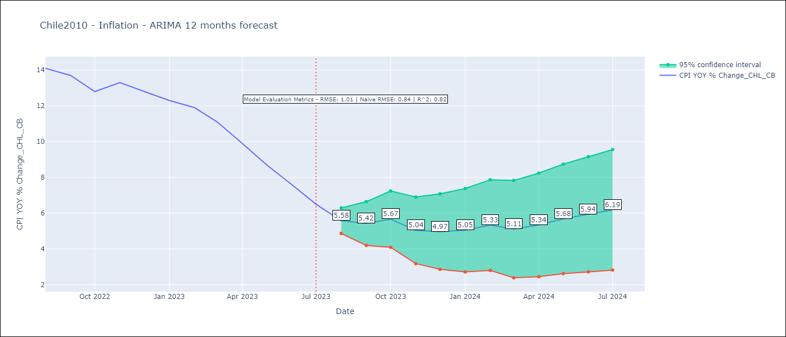

Test Metrics
RMSE | 1.01
Naive RMSE | 0.86
R^2 | 0.82

Test Predictions
Date | Predicted | Actual
2022-08-01 | 13.23 | 14.1
2022-09-01 | 12.66 | 13.7
2022-10-01 | 12.17 | 12.8
2022-11-01 | 11.81 | 13.3
2022-12-01 | 11.29 | 12.8
2023-01-01 | 10.92 | 12.3
2023-02-01 | 10.92 | 11.9
2023-03-01 | 9.89 | 11.1
2023-04-01 | 9.1 | 9.9
2023-05-01 | 8.44 | 8.7
2023-06-01 | 7.76 | 7.6
2023-07-01 | 7.11 | 6.5

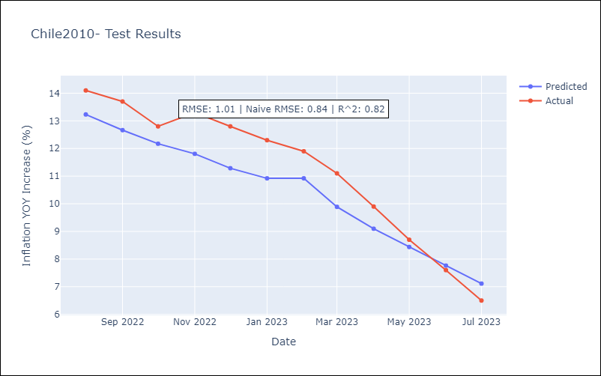

Appendix A: Model Summary
Model | ARIMA(0, 1, 1)x(0, 0, 1, 12)
Sample | 01-01-2010- 07-01-2023
No. of Observations | 163
Terms | P-value (Statistical significance)
ma.L1 | 0.000
ma.S.L12 | 0.000
sigma2 | 0.000
Assumptions | P-value | Interpretation
Ljung-Box (L1) | 0.46 | Residuals are independent.
Heteroskedasticity | 0.01 | Residuals have different variances.
Jarque-Bera | 0.00 | Residuals are not normally distributed.
Skew | 0.81 | Positive skew - model underestimates the mean.
Kurtosis | 5.14 | Residuals contain more extreme outliers than in a normal distribution.

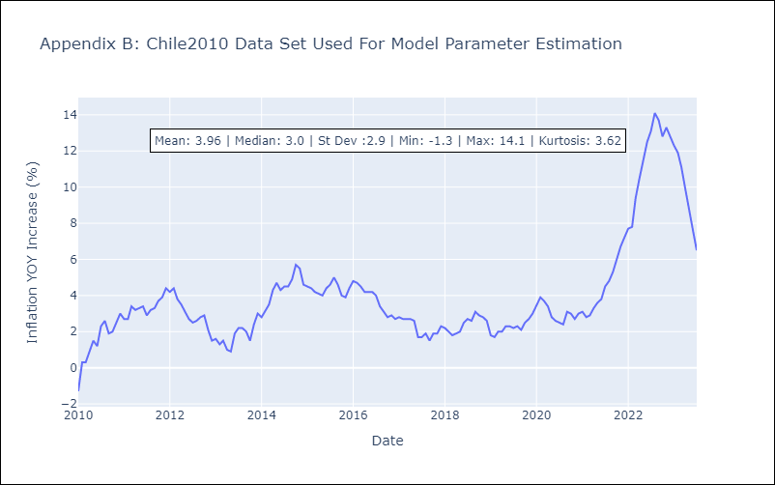

Appendix C: Residuals Analysis
Mean | 0.07
Variance | 0.17
Independent? | No
Heteroskedastic? - Breusch-Pagan | No
Heteroskedastic? - Goldfeld-Quandt | No
Heteroskedastic? - White | Yes
Heteroskedastic? - ARCH | Yes
Normal? | No

