BOL
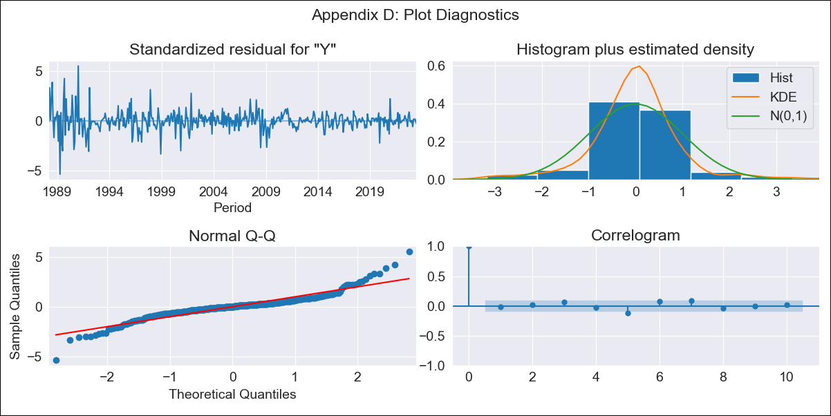

BOL - Inflation - Next 12 months forecast as of: 2023-06-01

Model | ARIMA - [(1, 1, 0), (0, 0, 0, 12)]
Training Data | 1988-01-01 to 2022-07-01
Test Data | 2022-07-01 to 2023-06-01

Date | Inflation Change YoY % | Lower Bound - 95% Confidence Interval | Upper Bound - 95% Confidence Interval
2023-07-01 | 2.67 | 0.72 | 4.62
2023-08-01 | 2.65 | -0.58 | 5.89
2023-09-01 | 2.65 | -1.62 | 6.91
2023-10-01 | 2.64 | -2.48 | 7.77
2023-11-01 | 2.64 | -3.23 | 8.52
2023-12-01 | 2.64 | -3.9 | 9.18
2024-01-01 | 2.64 | -4.5 | 9.79
2024-02-01 | 2.64 | -5.06 | 10.35
2024-03-01 | 2.64 | -5.58 | 10.87
2024-04-01 | 2.64 | -6.07 | 11.35
2024-05-01 | 2.64 | -6.53 | 11.82
2024-06-01 | 2.64 | -6.97 | 12.26

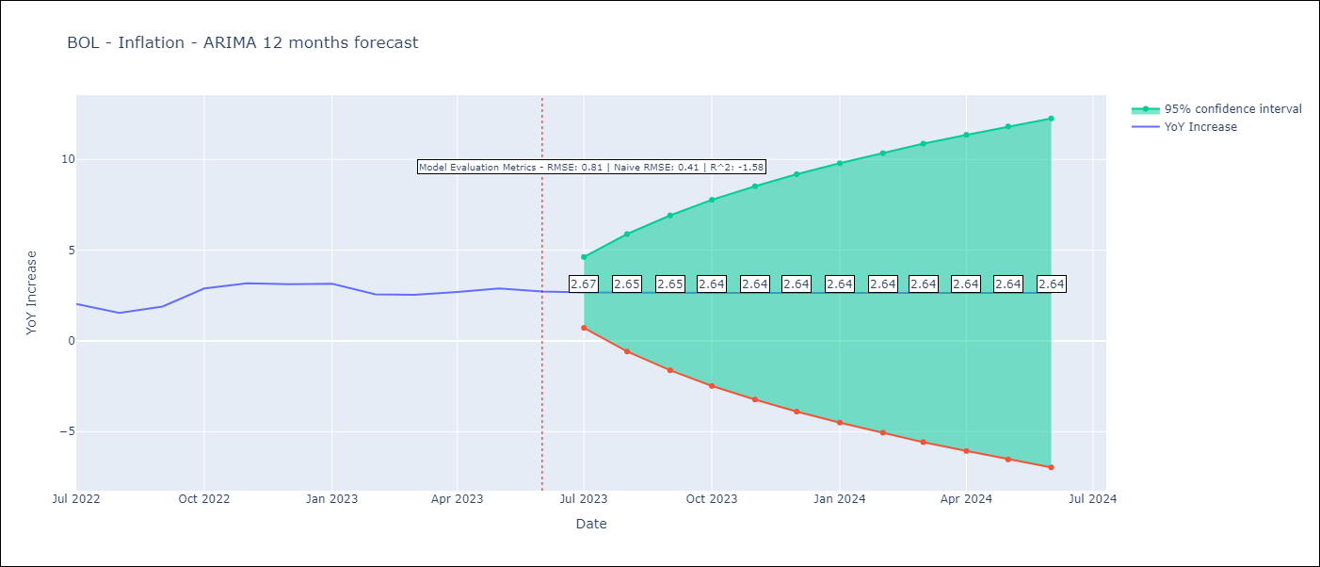

Test Metrics
RMSE | 0.81
Naive RMSE | 0.4
R^2 | -1.58

Test Predictions
Date | Predicted | Actual
2022-07-01 | 1.91 | 2.04
2022-08-01 | 1.95 | 1.55
2022-09-01 | 1.97 | 1.89
2022-10-01 | 1.97 | 2.89
2022-11-01 | 1.97 | 3.17
2022-12-01 | 1.97 | 3.12
2023-01-01 | 1.97 | 3.14
2023-02-01 | 1.97 | 2.57
2023-03-01 | 1.97 | 2.53
2023-04-01 | 1.97 | 2.7
2023-05-01 | 1.97 | 2.9
2023-06-01 | 1.97 | 2.73

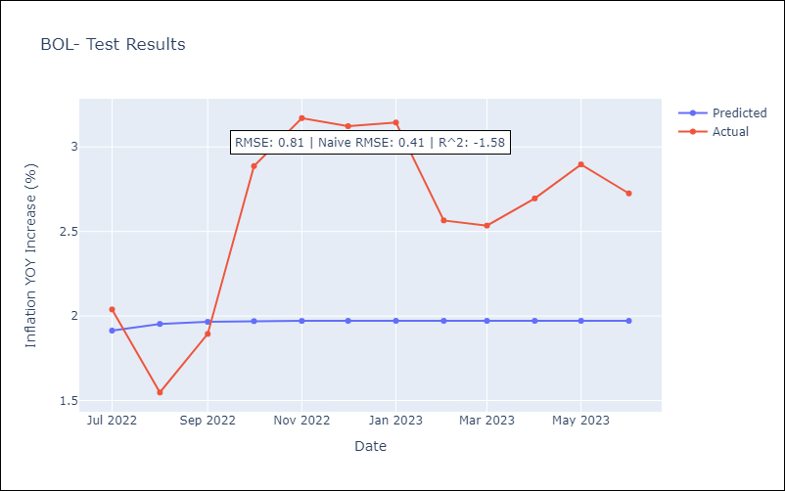

Appendix A: Model Summary
Model | ARIMA(1, 1, 0)
Sample | 01-01-1988- 06-01-2023
No. of Observations | 426
Terms | P-value (Statistical significance)
ar.L1 | 0.000
sigma2 | 0.000
Assumptions | P-value | Interpretation
Ljung-Box (L1) | 0.81 | Residuals are independent.
Heteroskedasticity | 0.00 | Residuals have different variances.
Jarque-Bera | 0.00 | Residuals are not normally distributed.
Skew | 0.22 | Positive skew - model underestimates the mean.
Kurtosis | 9.14 | Residuals contain more extreme outliers than in a normal distribution.

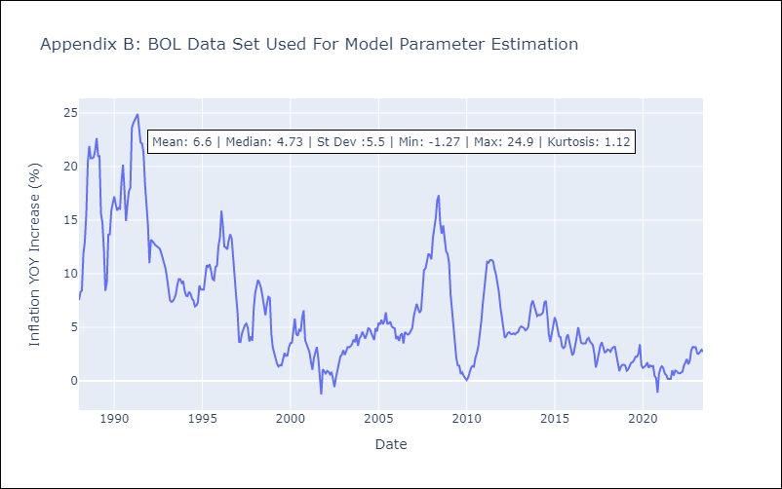

Appendix C: Residuals Analysis
Mean | 0.01
Variance | 1.12
Independent? | No
Heteroskedastic? - Breusch-Pagan | Yes
Heteroskedastic? - Goldfeld-Quandt | Yes
Heteroskedastic? - White | Yes
Heteroskedastic? - ARCH | Yes
Normal? | No

