BOL2010
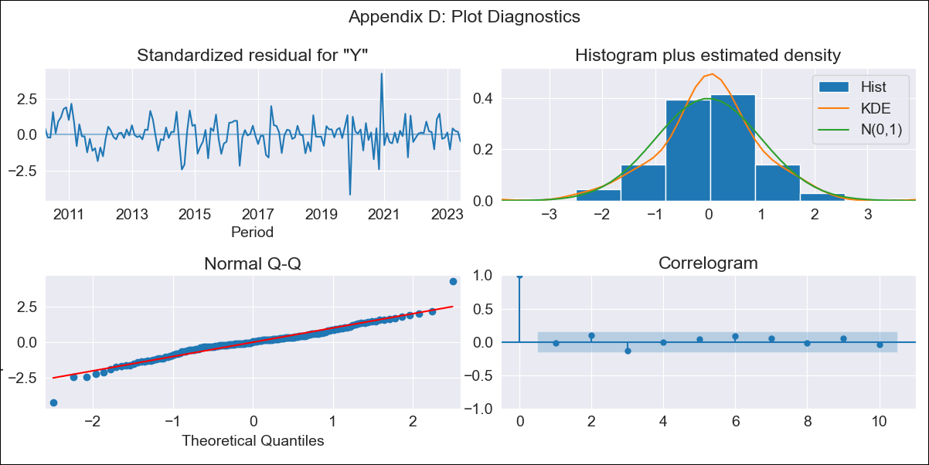

BOL2010 - Inflation - Next 12 months forecast as of: 2023-06-01

Model | ARIMA - [(2, 1, 1), (0, 0, 0, 12)]
Training Data | 2010-01-01 to 2022-07-01
Test Data | 2022-07-01 to 2023-06-01

Date | Inflation Change YoY % | Lower Bound - 95% Confidence Interval | Upper Bound - 95% Confidence Interval
2023-07-01 | 2.63 | 1.55 | 3.72
2023-08-01 | 2.59 | 0.67 | 4.52
2023-09-01 | 2.58 | -0.02 | 5.19
2023-10-01 | 2.59 | -0.57 | 5.74
2023-11-01 | 2.59 | -1.02 | 6.2
2023-12-01 | 2.59 | -1.41 | 6.59
2024-01-01 | 2.59 | -1.76 | 6.95
2024-02-01 | 2.59 | -2.09 | 7.27
2024-03-01 | 2.59 | -2.39 | 7.57
2024-04-01 | 2.59 | -2.67 | 7.86
2024-05-01 | 2.59 | -2.94 | 8.13
2024-06-01 | 2.59 | -3.2 | 8.38

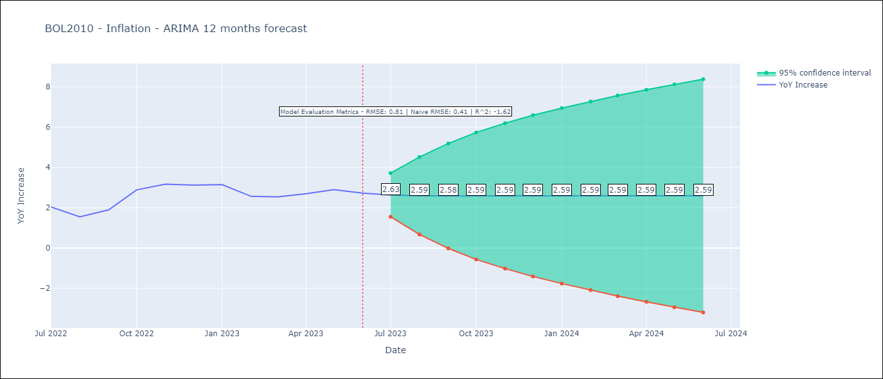

Test Metrics
RMSE | 0.81
Naive RMSE | 0.4
R^2 | -1.62

Test Predictions
Date | Predicted | Actual
2022-07-01 | 1.94 | 2.04
2022-08-01 | 1.98 | 1.55
2022-09-01 | 1.98 | 1.89
2022-10-01 | 1.97 | 2.89
2022-11-01 | 1.97 | 3.17
2022-12-01 | 1.97 | 3.12
2023-01-01 | 1.96 | 3.14
2023-02-01 | 1.96 | 2.57
2023-03-01 | 1.96 | 2.53
2023-04-01 | 1.96 | 2.7
2023-05-01 | 1.96 | 2.9
2023-06-01 | 1.96 | 2.73

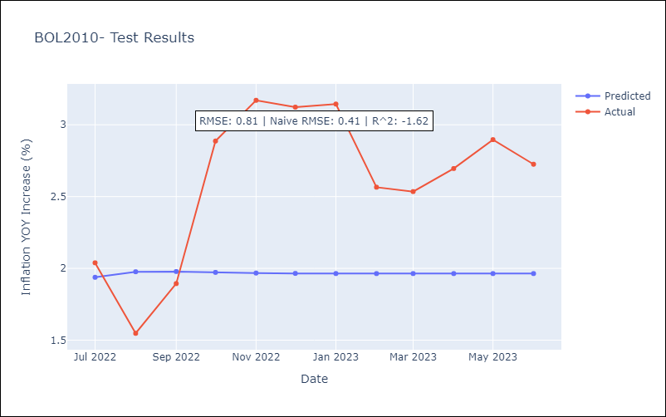

Appendix A: Model Summary
Model | ARIMA(2, 1, 1)
Sample | 01-01-2010- 06-01-2023
No. of Observations | 162
Terms | P-value (Statistical significance)
ar.L1 | 0.436
ar.L2 | 0.600
ma.L1 | 0.714
sigma2 | 0.855
Assumptions | P-value | Interpretation
Ljung-Box (L1) | 0.78 | Residuals are independent.
Heteroskedasticity | 0.16 | Residuals have the same variance.
Jarque-Bera | 0.00 | Residuals are not normally distributed.
Skew | -0.14 | Negative skew - Model overestimates the mean.
Kurtosis | 6.06 | Residuals contain more extreme outliers than in a normal distribution.

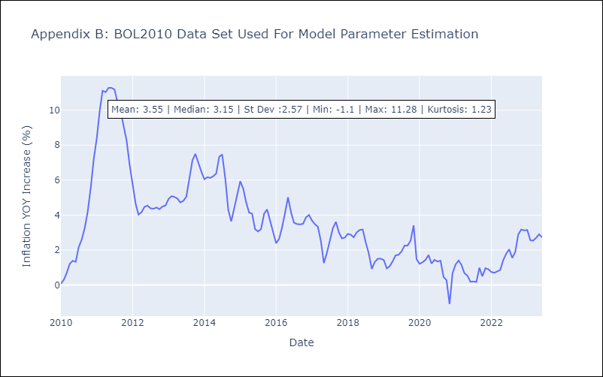

Appendix C: Residuals Analysis
Mean | 0.01
Variance | 0.3
Independent? | No
Heteroskedastic? - Breusch-Pagan | No
Heteroskedastic? - Goldfeld-Quandt | No
Heteroskedastic? - White | No
Heteroskedastic? - ARCH | No
Normal? | No

