COL2010
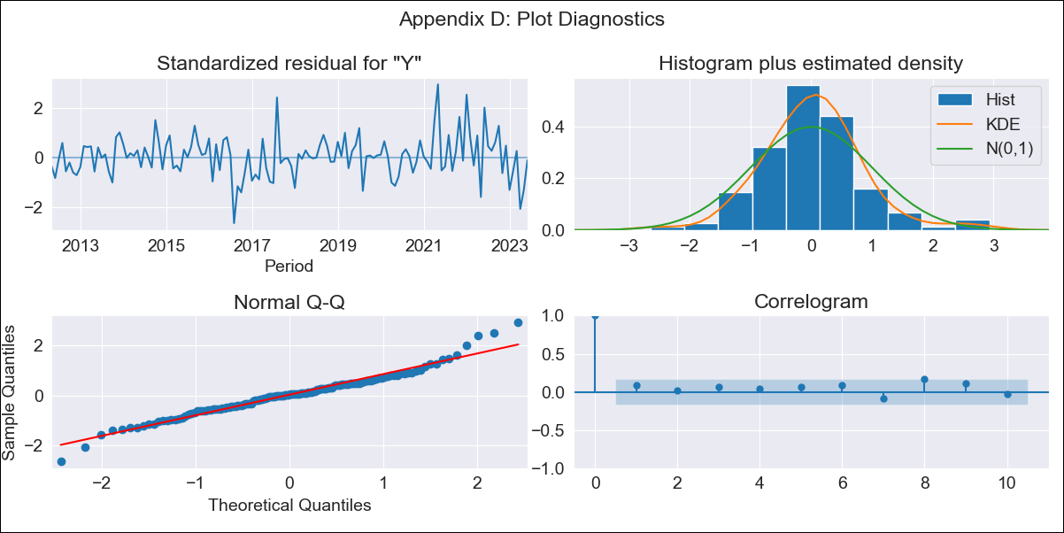

COL2010 - Inflation - Next 12 months forecast as of: 2023-06-01

Model | ARIMA - [(3, 1, 0), (1, 1, 0, 12)]
Training Data | 2010-01-01 to 2022-07-01
Test Data | 2022-07-01 to 2023-06-01

Date | Inflation Change YoY % | Lower Bound - 95% Confidence Interval | Upper Bound - 95% Confidence Interval
2023-07-01 | 12.17 | 11.24 | 13.09
2023-08-01 | 12.5 | 10.87 | 14.13
2023-09-01 | 12.7 | 10.38 | 15.01
2023-10-01 | 13.04 | 10.11 | 15.96
2023-11-01 | 13.51 | 10.03 | 16.99
2023-12-01 | 13.96 | 9.99 | 17.93
2024-01-01 | 14.72 | 10.3 | 19.14
2024-02-01 | 15.31 | 10.47 | 20.14
2024-03-01 | 15.61 | 10.4 | 20.83
2024-04-01 | 15.75 | 10.18 | 21.32
2024-05-01 | 15.45 | 9.54 | 21.36
2024-06-01 | 15.67 | 9.44 | 21.89

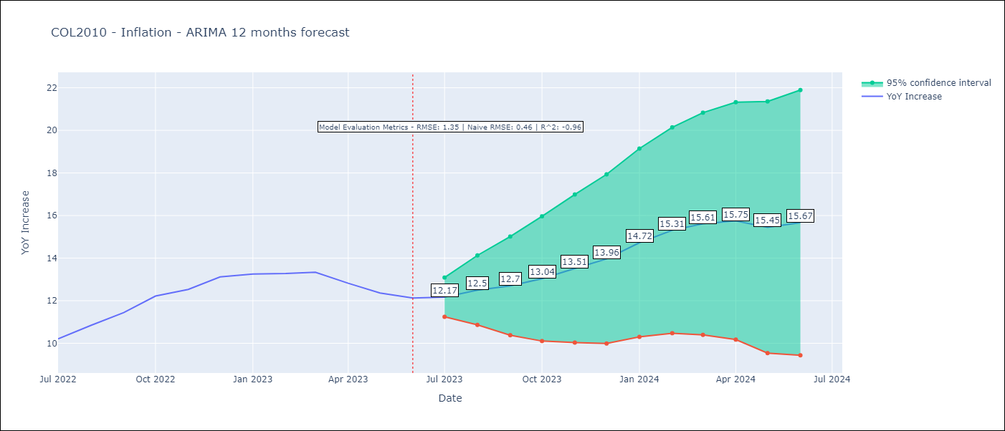

Test Metrics
RMSE | 1.35
Naive RMSE | 0.47
R^2 | -0.96

Test Predictions
Date | Predicted | Actual
2022-07-01 | 10.03 | 10.21
2022-08-01 | 10.42 | 10.84
2022-09-01 | 10.6 | 11.44
2022-10-01 | 10.55 | 12.22
2022-11-01 | 10.71 | 12.53
2022-12-01 | 10.94 | 13.12
2023-01-01 | 11.51 | 13.25
2023-02-01 | 11.94 | 13.28
2023-03-01 | 12.14 | 13.34
2023-04-01 | 12.69 | 12.82
2023-05-01 | 13.39 | 12.36
2023-06-01 | 13.84 | 12.13

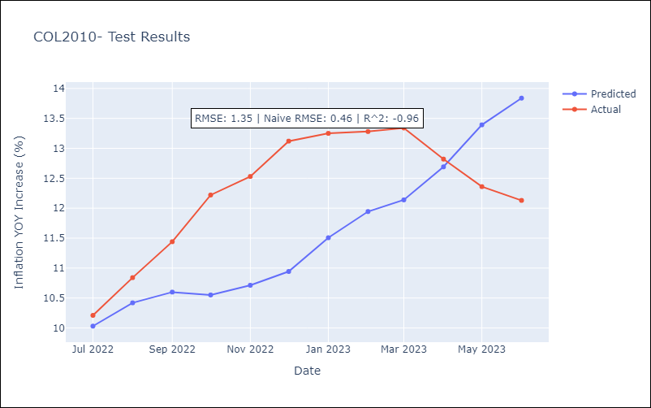

Appendix A: Model Summary
Model | ARIMA(3, 1, 0)x(1, 1, 0, 12)
Sample | 01-01-2010- 06-01-2023
No. of Observations | 162
Terms | P-value (Statistical significance)
ar.L1 | 0.000
ar.L2 | 0.416
ar.L3 | 0.767
ar.S.L12 | 0.000
sigma2 | 0.000
Assumptions | P-value | Interpretation
Ljung-Box (L1) | 0.32 | Residuals are independent.
Heteroskedasticity | 0.00 | Residuals have different variances.
Jarque-Bera | 0.00 | Residuals are not normally distributed.
Skew | 0.32 | Positive skew - model underestimates the mean.
Kurtosis | 4.67 | Residuals contain more extreme outliers than in a normal distribution.

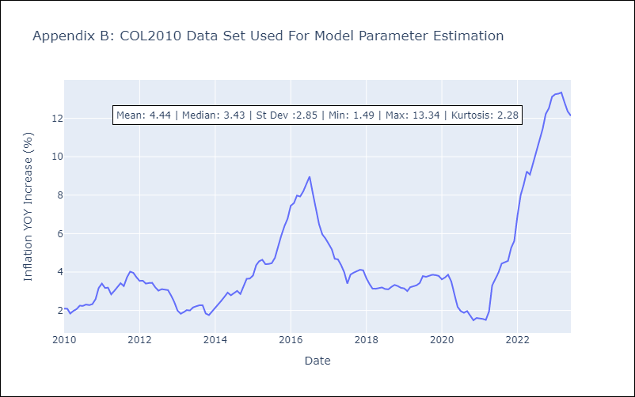

Appendix C: Residuals Analysis
Mean | 0.02
Variance | 0.18
Independent? | No
Heteroskedastic? - Breusch-Pagan | No
Heteroskedastic? - Goldfeld-Quandt | No
Heteroskedastic? - White | Yes
Heteroskedastic? - ARCH | No
Normal? | No

