Argentina
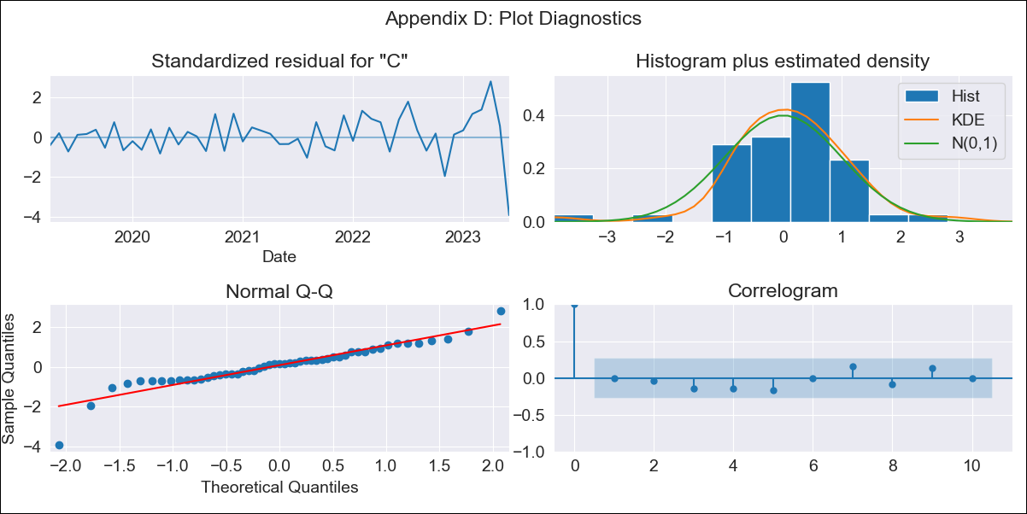
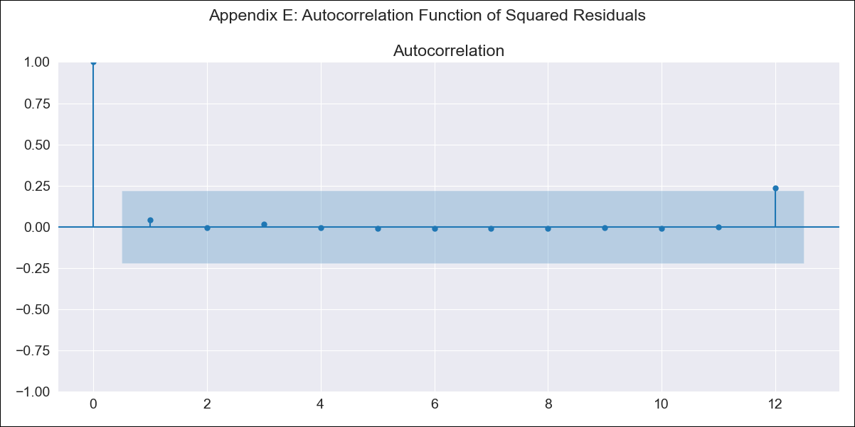
Argentina - Inflation - Next 12 months forecast as of: 2023-06-01

Model | ARIMA - [(3, 1, 1), (1, 1, 0, 12)]
Training Data | 2016-12-01 to 2022-07-01
Test Data | 2022-07-01 to 2023-06-01

Date | Inflation Change YoY % | Lower Bound - 95% Confidence Interval | Upper Bound - 95% Confidence Interval
2023-07-01 | 1793.47 | 1780.73 | 1806.2
2023-08-01 | 1920.69 | 1891.61 | 1949.77
2023-09-01 | 2045.01 | 2000.42 | 2089.6
2023-10-01 | 2173.74 | 2110.77 | 2236.71
2023-11-01 | 2302.63 | 2217.12 | 2388.14
2023-12-01 | 2444.15 | 2333.84 | 2554.47
2024-01-01 | 2593.72 | 2456.29 | 2731.15
2024-02-01 | 2758.96 | 2591.3 | 2926.61
2024-03-01 | 2948.05 | 2747.29 | 3148.81
2024-04-01 | 3152.56 | 2916 | 3389.12
2024-05-01 | 3360.46 | 3085.1 | 3635.82
2024-06-01 | 3563.2 | 3245.91 | 3880.48

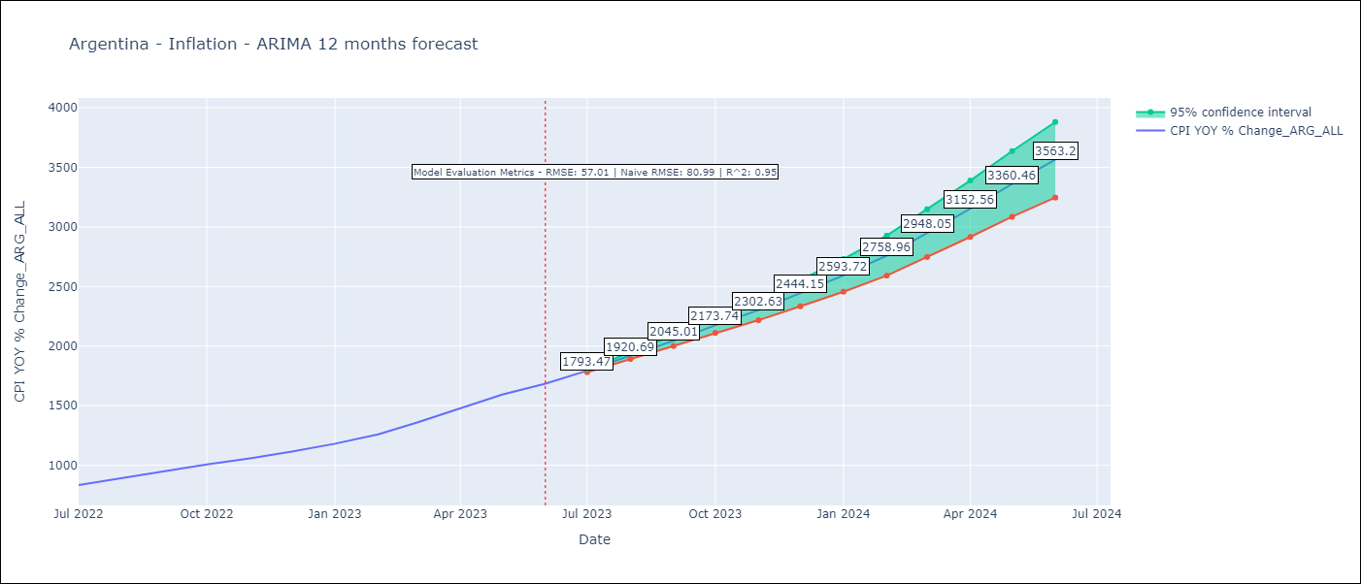

Test Metrics
RMSE | 57.01
Naive RMSE | 79.28
R^2 | 0.95

Test Predictions
Date | Predicted | Actual
2022-07-01 | 818.69 | 833.89
2022-08-01 | 860.86 | 891.85
2022-09-01 | 911.87 | 945.68
2022-10-01 | 965.88 | 1007.63
2022-11-01 | 1016.63 | 1058
2022-12-01 | 1079.11 | 1114.54
2023-01-01 | 1144.45 | 1180.97
2023-02-01 | 1217.28 | 1260
2023-03-01 | 1306.42 | 1358.5
2023-04-01 | 1398.38 | 1475.1
2023-05-01 | 1488.5 | 1592.45
2023-06-01 | 1588.23 | 1685.16

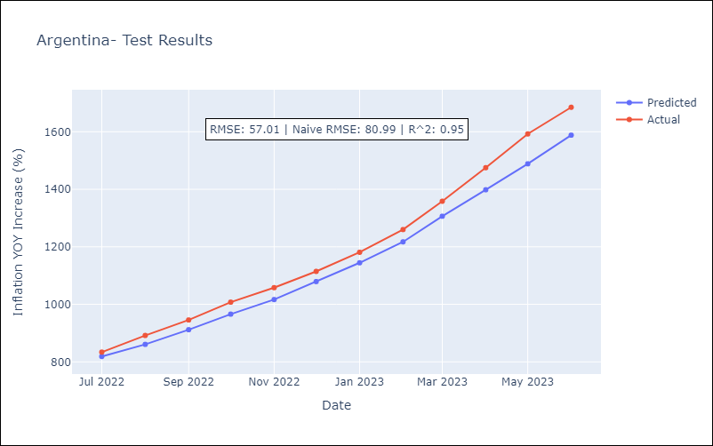

Appendix A: Model Summary
Model | ARIMA(3, 1, 1)x(1, 1, [], 12)
Sample | 12-01-2016- 06-01-2023
No. of Observations | 79
Terms | P-value (Statistical significance)
ar.L1 | 0.085
ar.L2 | 0.838
ar.L3 | 0.049
ma.L1 | 0.284
ar.S.L12 | 0.229
sigma2 | 0.000
Assumptions | P-value | Interpretation
Ljung-Box (L1) | 0.98 | Residuals are independent.
Heteroskedasticity | 0.00 | Residuals have different variances.
Jarque-Bera | 0.00 | Residuals are not normally distributed.
Skew | -0.85 | Negative skew - Model overestimates the mean.
Kurtosis | 7.07 | Residuals contain more extreme outliers than in a normal distribution.

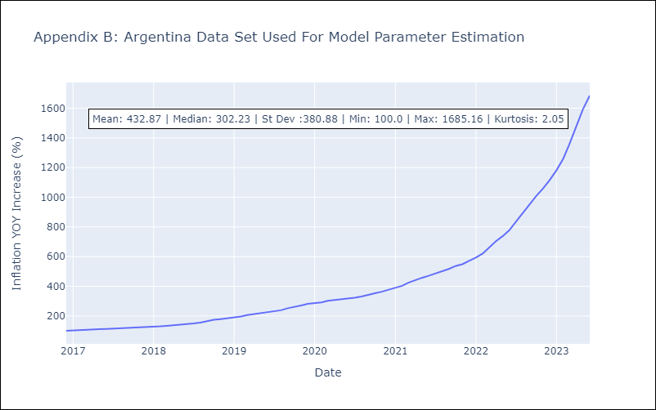

Appendix C: Residuals Analysis
Mean | 1.04
Variance | 212.41
Independent? | Yes
Heteroskedastic? - Breusch-Pagan | Yes
Heteroskedastic? - Goldfeld-Quandt | Yes
Heteroskedastic? - White | Yes
Heteroskedastic? - ARCH | No
Normal? | No

Bolivia
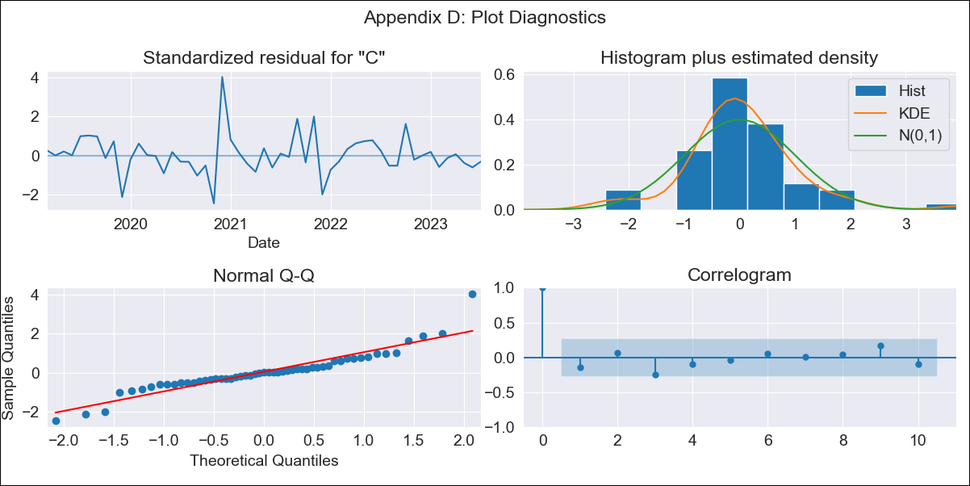

Bolivia - Inflation - Next 12 months forecast as of: 2023-07-01

Model | ARIMA - [(0, 1, 0), (0, 1, 0, 12)]
Training Data | 2018-01-01 to 2022-08-01
Test Data | 2022-08-01 to 2023-07-01

Date | Inflation Change YoY % | Lower Bound - 95% Confidence Interval | Upper Bound - 95% Confidence Interval
2023-08-01 | 2.21 | 0.4 | 4.02
2023-09-01 | 2.55 | -0.01 | 5.11
2023-10-01 | 3.55 | 0.41 | 6.69
2023-11-01 | 3.83 | 0.2 | 7.46
2023-12-01 | 3.78 | -0.27 | 7.83
2024-01-01 | 3.8 | -0.64 | 8.24
2024-02-01 | 3.23 | -1.57 | 8.03
2024-03-01 | 3.19 | -1.94 | 8.32
2024-04-01 | 3.36 | -2.08 | 8.8
2024-05-01 | 3.56 | -2.17 | 9.29
2024-06-01 | 3.39 | -2.62 | 9.4
2024-07-01 | 3.36 | -2.92 | 9.64

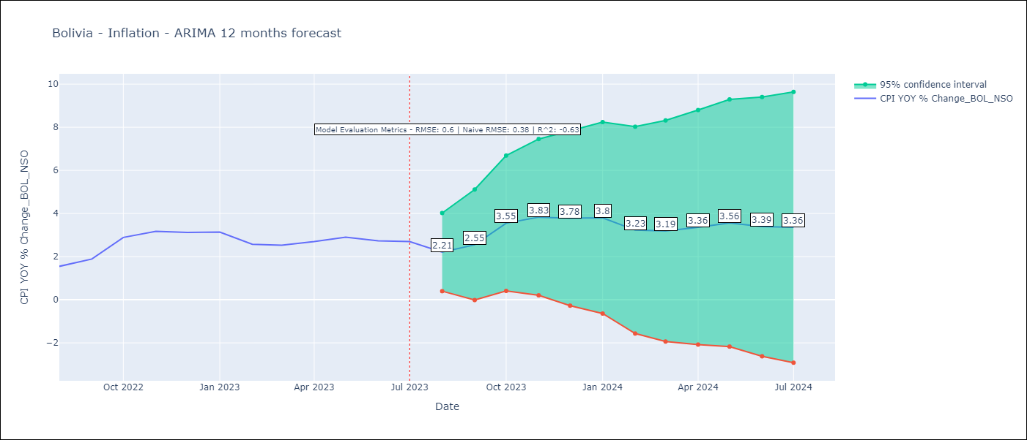

Test Metrics
RMSE | 0.6
Naive RMSE | 0.39
R^2 | -0.63

Test Predictions
Date | Predicted | Actual
2022-08-01 | 2.02 | 1.55
2022-09-01 | 2.83 | 1.89
2022-10-01 | 2.33 | 2.89
2022-11-01 | 2.8 | 3.17
2022-12-01 | 2.74 | 3.12
2023-01-01 | 2.58 | 3.14
2023-02-01 | 2.54 | 2.57
2023-03-01 | 2.61 | 2.53
2023-04-01 | 2.71 | 2.7
2023-05-01 | 3.25 | 2.9
2023-06-01 | 3.63 | 2.73
2023-07-01 | 3.88 | 2.7

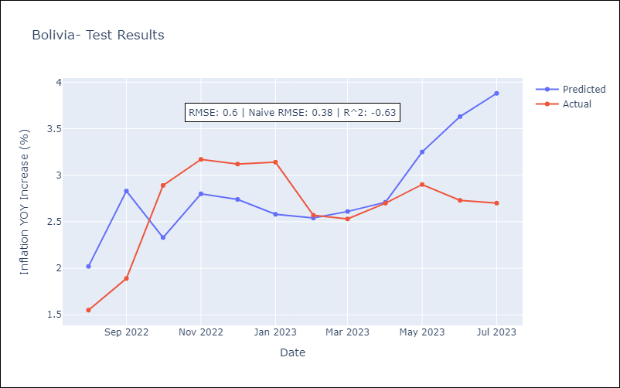

Appendix A: Model Summary
Model | ARIMA(0, 1, 0)x(0, 1, 0, 12)
Sample | 01-01-2018- 07-01-2023
No. of Observations | 67
Terms | P-value (Statistical significance)
sigma2 | 0.000
Assumptions | P-value | Interpretation
Ljung-Box (L1) | 0.29 | Residuals are independent.
Heteroskedasticity | 0.33 | Residuals have the same variance.
Jarque-Bera | 0.00 | Residuals are not normally distributed.
Skew | 0.85 | Positive skew - model underestimates the mean.
Kurtosis | 6.87 | Residuals contain more extreme outliers than in a normal distribution.

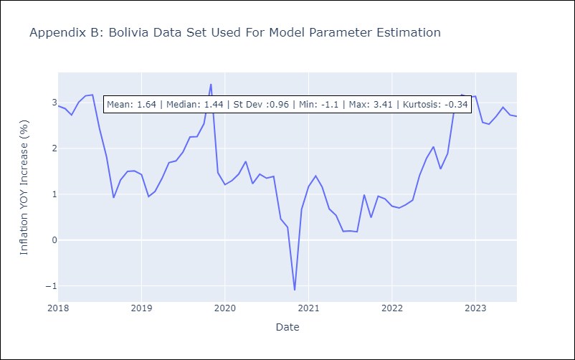

Appendix C: Residuals Analysis
Mean | 0.02
Variance | 0.91
Independent? | No
Heteroskedastic? - Breusch-Pagan | No
Heteroskedastic? - Goldfeld-Quandt | No
Heteroskedastic? - White | No
Heteroskedastic? - ARCH | No
Normal? | No

Brazil
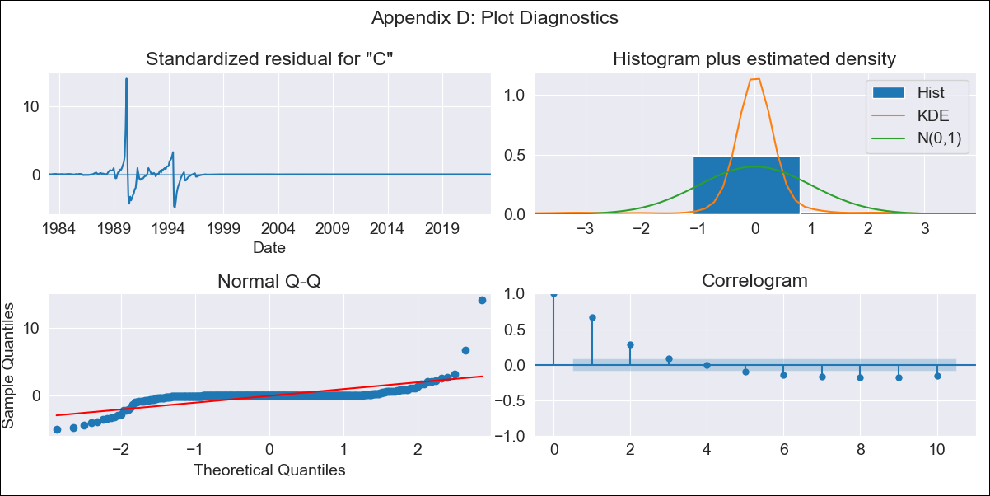
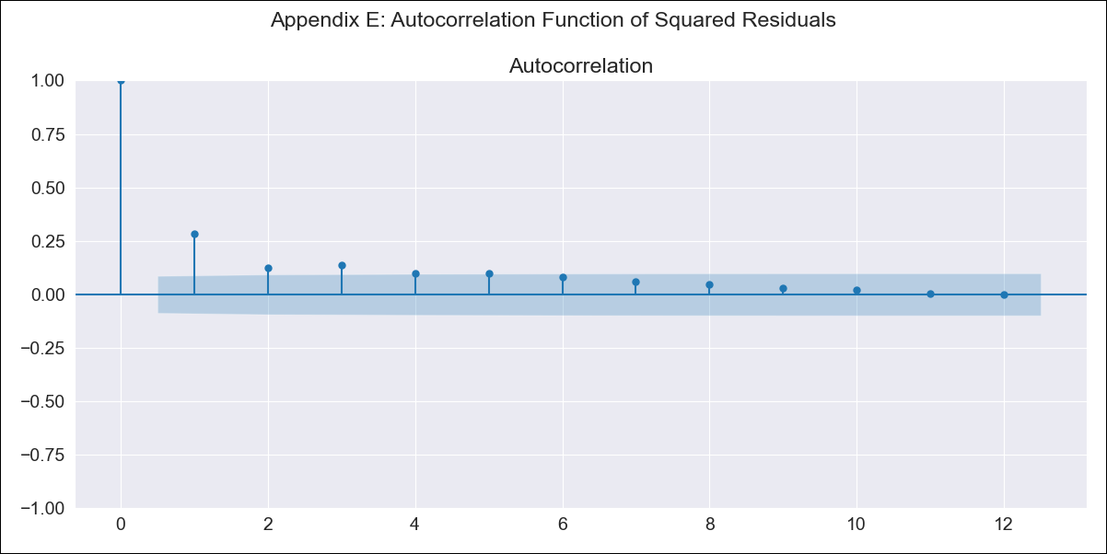
Brazil - Inflation - Next 12 months forecast as of: 2023-06-01

Model | ARIMA - [(0, 1, 0), (2, 0, 1, 12)]
Training Data | 1980-12-01 to 2022-07-01
Test Data | 2022-07-01 to 2023-06-01

Date | Inflation Change YoY % | Lower Bound - 95% Confidence Interval | Upper Bound - 95% Confidence Interval
2023-07-01 | 3.46 | -367.48 | 374.4
2023-08-01 | 3.66 | -520.92 | 528.25
2023-09-01 | 3.92 | -638.57 | 646.4
2023-10-01 | 4.02 | -737.87 | 745.9
2023-11-01 | 4.12 | -825.33 | 833.56
2023-12-01 | 4.18 | -904.43 | 912.8
2024-01-01 | 4.16 | -977.25 | 985.58
2024-02-01 | 4.18 | -1045 | 1053.36
2024-03-01 | 4.3 | -1108.52 | 1117.12
2024-04-01 | 4.33 | -1168.69 | 1177.35
2024-05-01 | 4.39 | -1225.88 | 1234.66
2024-06-01 | 4.53 | -1280.45 | 1289.5

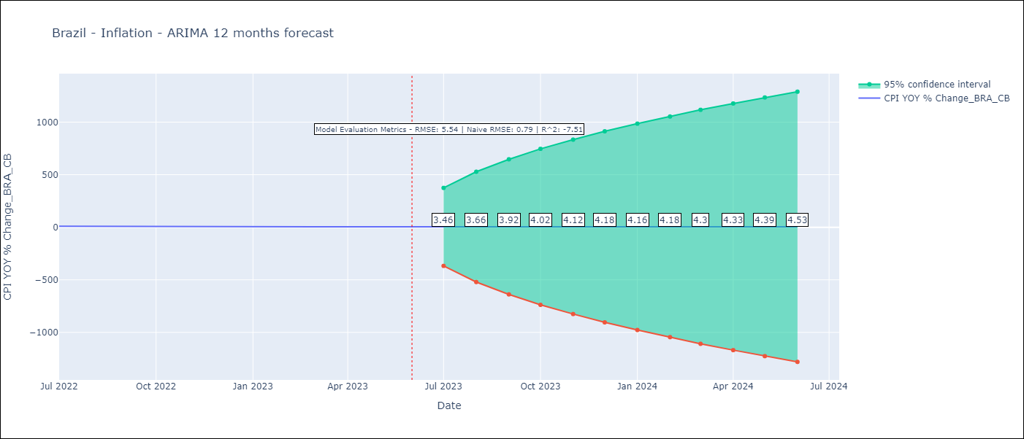

Test Metrics
RMSE | 5.54
Naive RMSE | 0.92
R^2 | -7.51

Test Predictions
Date | Predicted | Actual
2022-07-01 | 11.76 | 10.07
2022-08-01 | 11.62 | 8.73
2022-09-01 | 11.46 | 7.17
2022-10-01 | 11.33 | 6.47
2022-11-01 | 11.29 | 5.9
2022-12-01 | 11.39 | 5.79
2023-01-01 | 11.33 | 5.77
2023-02-01 | 11.26 | 5.6
2023-03-01 | 11.06 | 4.65
2023-04-01 | 10.86 | 4.18
2023-05-01 | 10.85 | 3.94
2023-06-01 | 10.8 | 3.16

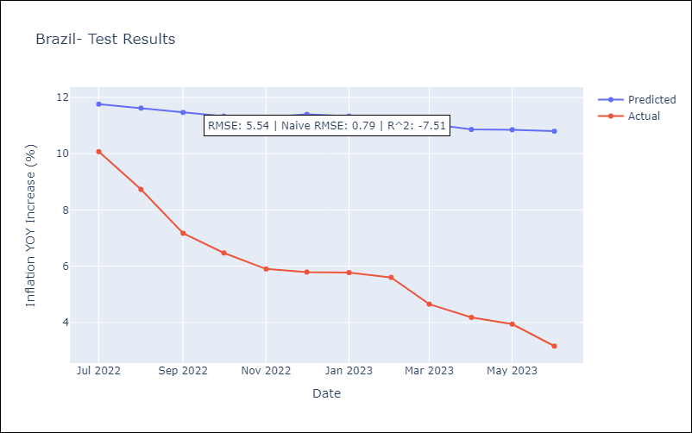

Appendix A: Model Summary
Model | ARIMA(0, 1, 0)x(2, 0, [1], 12)
Sample | 12-01-1980- 06-01-2023
No. of Observations | 511
Terms | P-value (Statistical significance)
ar.S.L12 | 0.936
ar.S.L24 | 0.819
ma.S.L12 | 0.932
sigma2 | 0.000
Assumptions | P-value | Interpretation
Ljung-Box (L1) | 0.00 | Residuals are not independent.
Heteroskedasticity | 0.00 | Residuals have different variances.
Jarque-Bera | 0.00 | Residuals are not normally distributed.
Skew | 5.34 | Positive skew - model underestimates the mean.
Kurtosis | 91.44 | Residuals contain more extreme outliers than in a normal distribution.

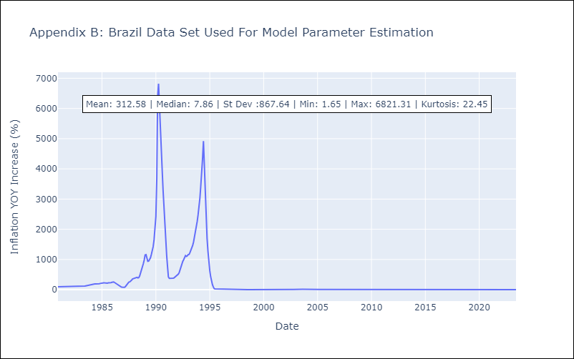

Appendix C: Residuals Analysis
Mean | -0.03
Variance | 34152.63
Independent? | No
Heteroskedastic? - Breusch-Pagan | Yes
Heteroskedastic? - Goldfeld-Quandt | Yes
Heteroskedastic? - White | No
Heteroskedastic? - ARCH | Yes
Normal? | No

Chile
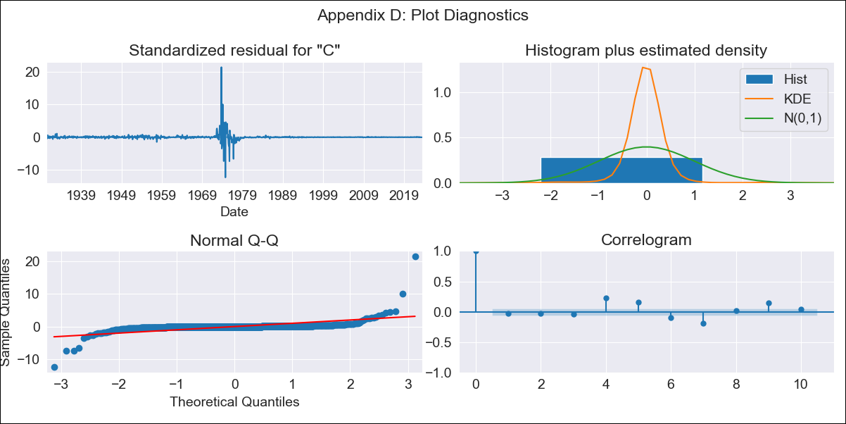
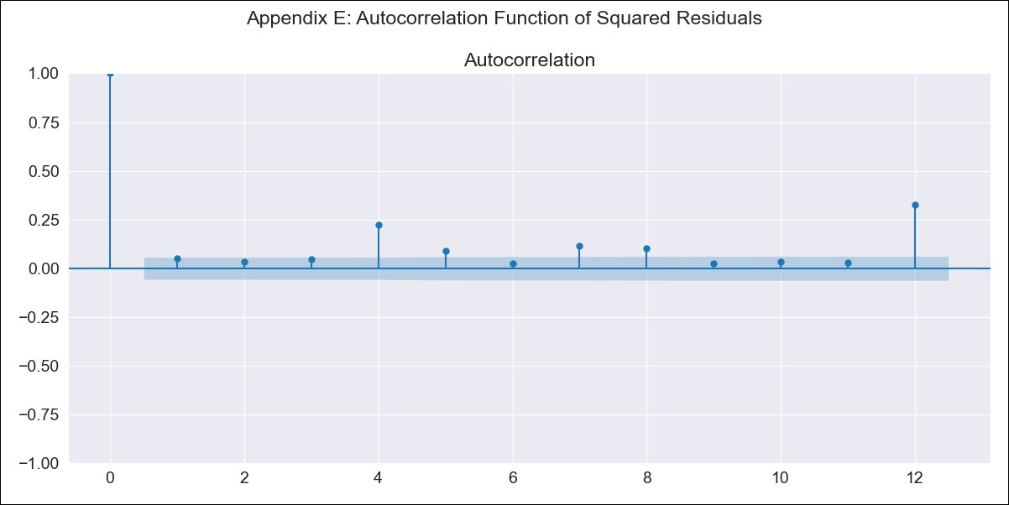
Chile - Inflation - Next 12 months forecast as of: 2023-07-01

Model | ARIMA - [(3, 1, 0), (2, 0, 0, 12)]
Training Data | 1928-03-01 to 2022-08-01
Test Data | 2022-08-01 to 2023-07-01

Date | Inflation Change YoY % | Lower Bound - 95% Confidence Interval | Upper Bound - 95% Confidence Interval
2023-08-01 | 5.75 | -17.17 | 28.68
2023-09-01 | 5.63 | -29.84 | 41.09
2023-10-01 | 5.7 | -40.29 | 51.69
2023-11-01 | 5.25 | -51.36 | 61.87
2023-12-01 | 5.3 | -60.94 | 71.54
2024-01-01 | 5.36 | -69.63 | 80.36
2024-02-01 | 5.49 | -77.65 | 88.63
2024-03-01 | 5.44 | -85.27 | 96.14
2024-04-01 | 5.67 | -92.09 | 103.44
2024-05-01 | 5.94 | -98.46 | 110.34
2024-06-01 | 6.16 | -104.51 | 116.84
2024-07-01 | 6.48 | -110.15 | 123.11

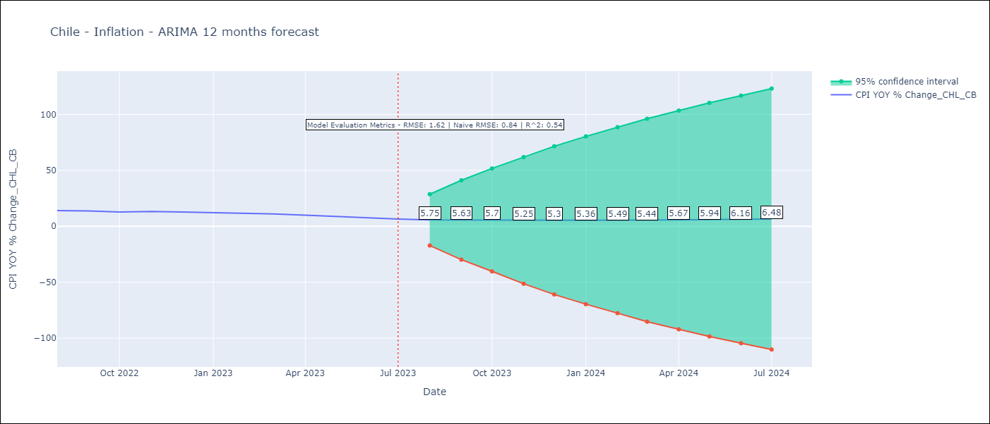

Test Metrics
RMSE | 1.62
Naive RMSE | 0.86
R^2 | 0.54

Test Predictions
Date | Predicted | Actual
2022-08-01 | 13.35 | 14.1
2022-09-01 | 13.24 | 13.7
2022-10-01 | 13.15 | 12.8
2022-11-01 | 13.03 | 13.3
2022-12-01 | 12.81 | 12.8
2023-01-01 | 12.62 | 12.3
2023-02-01 | 12.68 | 11.9
2023-03-01 | 12 | 11.1
2023-04-01 | 11.45 | 9.9
2023-05-01 | 10.97 | 8.7
2023-06-01 | 10.51 | 7.6
2023-07-01 | 10.09 | 6.5

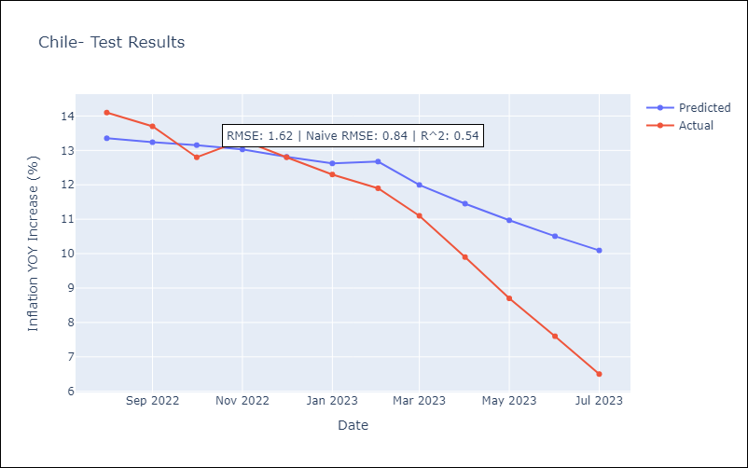

Appendix A: Model Summary
Model | ARIMA(3, 1, 0)x(2, 0, 0, 12)
Sample | 03-01-1928- 07-01-2023
No. of Observations | 1145
Terms | P-value (Statistical significance)
ar.L1 | 0.000
ar.L2 | 0.000
ar.L3 | 0.000
ar.S.L12 | 0.000
ar.S.L24 | 0.000
sigma2 | 0.000
Assumptions | P-value | Interpretation
Ljung-Box (L1) | 0.33 | Residuals are independent.
Heteroskedasticity | 0.00 | Residuals have different variances.
Jarque-Bera | 0.00 | Residuals are not normally distributed.
Skew | 7.25 | Positive skew - model underestimates the mean.
Kurtosis | 225.09 | Residuals contain more extreme outliers than in a normal distribution.

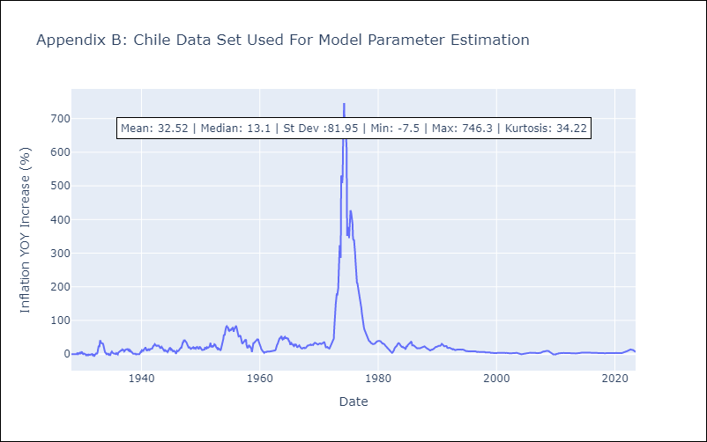

Appendix C: Residuals Analysis
Mean | 0.01
Variance | 133.69
Independent? | No
Heteroskedastic? - Breusch-Pagan | No
Heteroskedastic? - Goldfeld-Quandt | Yes
Heteroskedastic? - White | No
Heteroskedastic? - ARCH | Yes
Normal? | No

Mexico
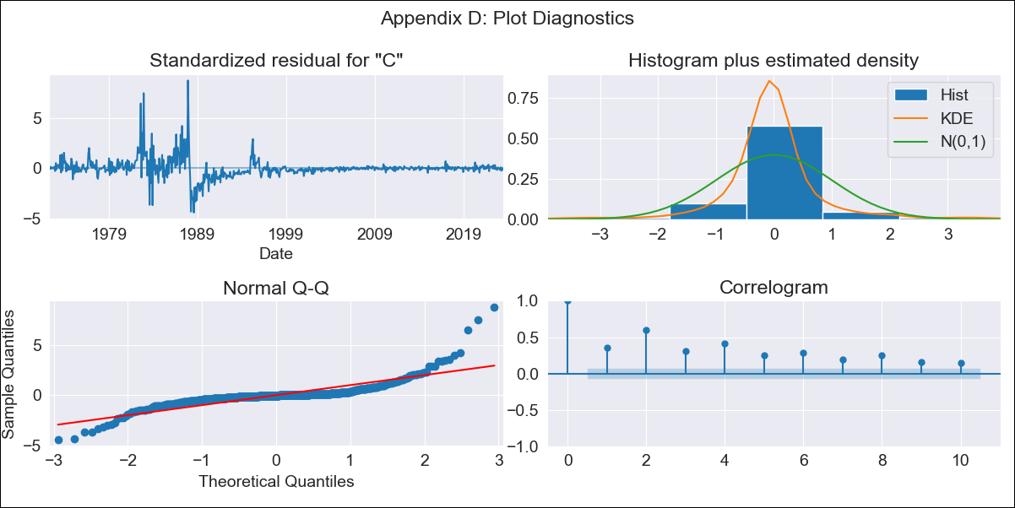
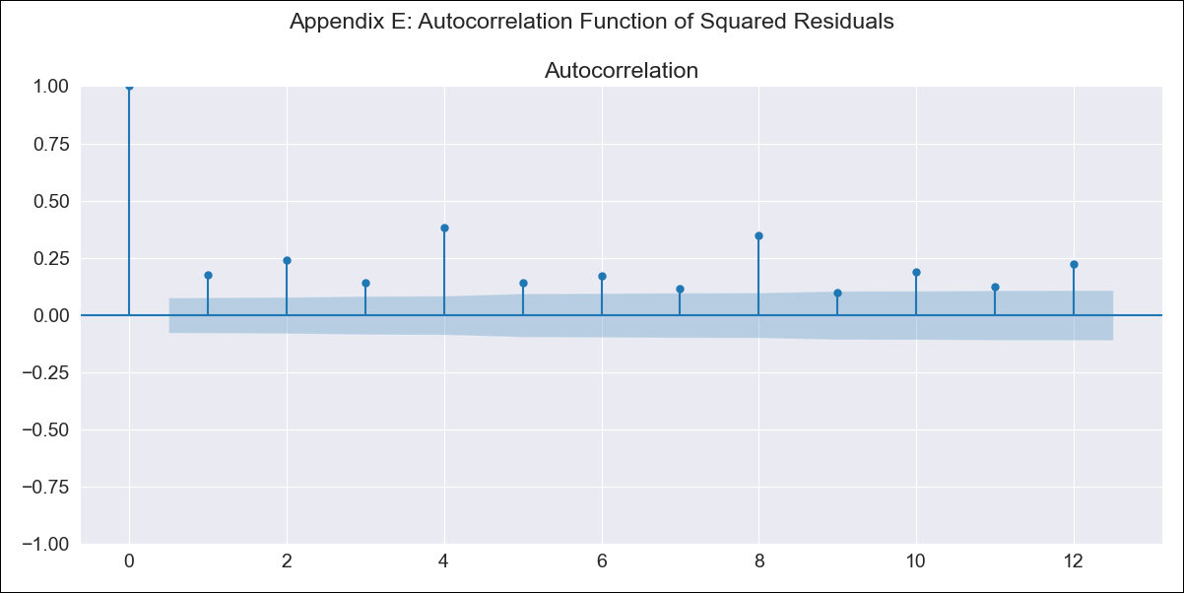
Mexico - Inflation - Next 12 months forecast as of: 2023-07-01

Model | ARIMA - [(0, 1, 1), (1, 0, 2, 12)]
Training Data | 1970-01-01 to 2022-08-01
Test Data | 2022-08-01 to 2023-07-01

Date | Inflation Change YoY % | Lower Bound - 95% Confidence Interval | Upper Bound - 95% Confidence Interval
2023-08-01 | 4.56 | 0.9 | 8.22
2023-09-01 | 4.44 | -2.62 | 11.5
2023-10-01 | 4.48 | -4.81 | 13.77
2023-11-01 | 4.52 | -6.56 | 15.6
2023-12-01 | 4.56 | -8.06 | 17.17
2024-01-01 | 4.54 | -9.44 | 18.53
2024-02-01 | 4.53 | -10.71 | 19.76
2024-03-01 | 4.77 | -11.62 | 21.16
2024-04-01 | 4.88 | -12.58 | 22.35
2024-05-01 | 5.04 | -13.44 | 23.52
2024-06-01 | 5.26 | -14.18 | 24.7
2024-07-01 | 5.3 | -15.06 | 25.65



Test Metrics
RMSE | 0.61
Naive RMSE | 0.47
R^2 | 0.79

Test Predictions
Date | Predicted | Actual
2022-08-01 | 8.11 | 8.7
2022-09-01 | 7.93 | 8.7
2022-10-01 | 7.77 | 8.41
2022-11-01 | 7.47 | 7.8
2022-12-01 | 7.56 | 7.82
2023-01-01 | 7.57 | 7.91
2023-02-01 | 7.33 | 7.62
2023-03-01 | 6.93 | 6.85
2023-04-01 | 6.39 | 6.25
2023-05-01 | 6.34 | 5.84
2023-06-01 | 6.08 | 5.06
2023-07-01 | 5.96 | 4.79

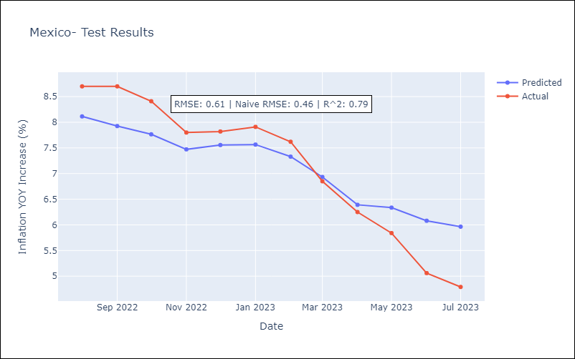

Appendix A: Model Summary
Model | ARIMA(0, 1, 1)x(1, 0, [1, 2], 12)
Sample | 01-01-1970- 07-01-2023
No. of Observations | 643
Terms | P-value (Statistical significance)
ma.L1 | 0.000
ar.S.L12 | 0.000
ma.S.L12 | 0.389
ma.S.L24 | 0.000
sigma2 | 0.000
Assumptions | P-value | Interpretation
Ljung-Box (L1) | 0.00 | Residuals are not independent.
Heteroskedasticity | 0.00 | Residuals have different variances.
Jarque-Bera | 0.00 | Residuals are not normally distributed.
Skew | 2.19 | Positive skew - model underestimates the mean.
Kurtosis | 23.03 | Residuals contain more extreme outliers than in a normal distribution.

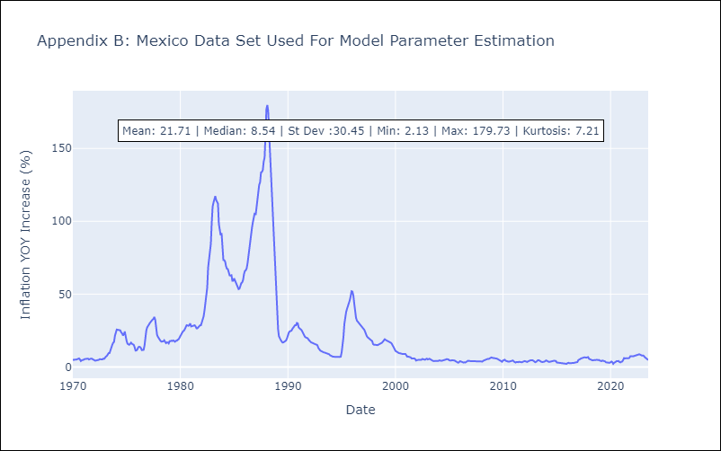

Appendix C: Residuals Analysis
Mean | 0.01
Variance | 3.41
Independent? | No
Heteroskedastic? - Breusch-Pagan | Yes
Heteroskedastic? - Goldfeld-Quandt | Yes
Heteroskedastic? - White | Yes
Heteroskedastic? - ARCH | Yes
Normal? | No

