BOL
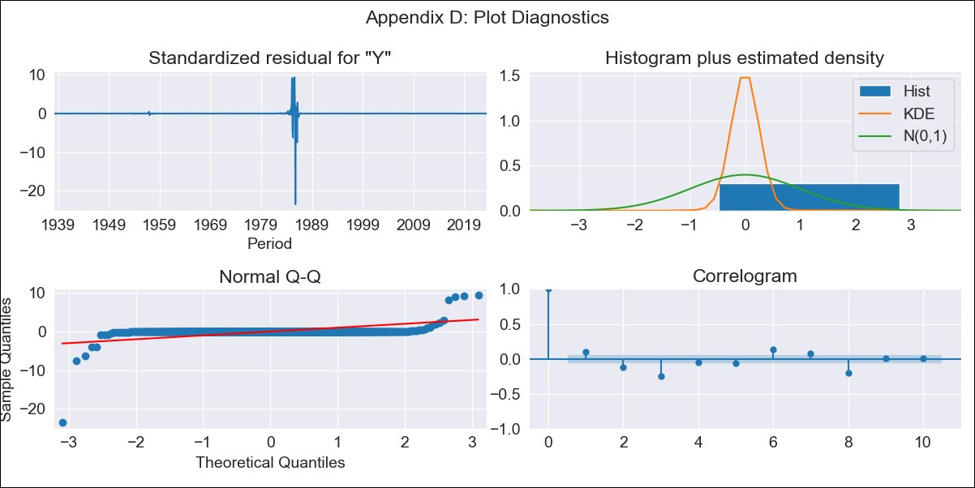
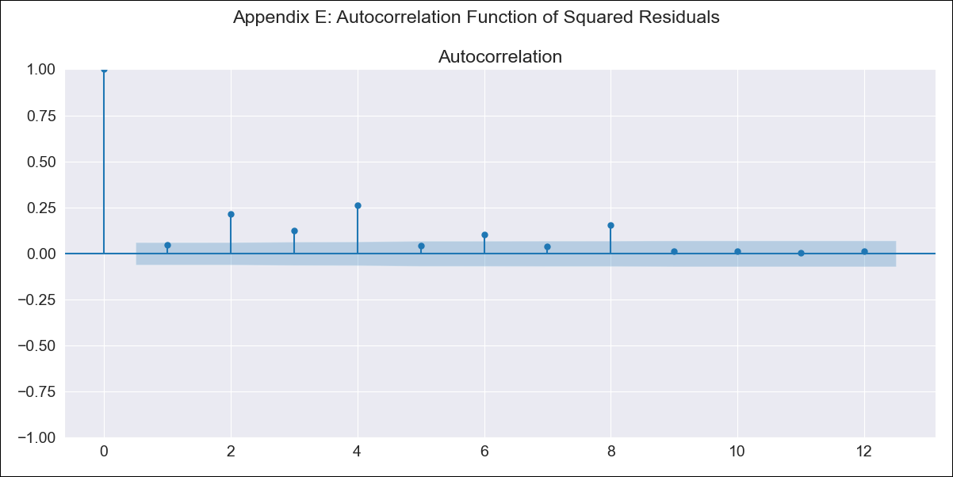
BOL - Inflation - Next 12 months forecast as of: 2023-06-01

Model | ARIMA - [(1, 1, 0), (0, 0, 0, 12)]
Training Data | 1938-01-01 to 2022-07-01
Test Data | 2022-07-01 to 2023-06-01

Date | Inflation Change YoY % | Lower Bound - 95% Confidence Interval | Upper Bound - 95% Confidence Interval
2023-07-01 | 2.65 | -855.86 | 861.16
2023-08-01 | 2.62 | -1498.87 | 1504.1
2023-09-01 | 2.6 | -2046.34 | 2051.55
2023-10-01 | 2.6 | -2516.08 | 2521.28
2023-11-01 | 2.6 | -2926.6 | 2931.79
2023-12-01 | 2.59 | -3292.36 | 3297.55
2024-01-01 | 2.59 | -3623.81 | 3629
2024-02-01 | 2.59 | -3928.38 | 3933.56
2024-03-01 | 2.59 | -4211.38 | 4216.57
2024-04-01 | 2.59 | -4476.71 | 4481.89
2024-05-01 | 2.59 | -4727.23 | 4732.42
2024-06-01 | 2.59 | -4965.17 | 4970.36

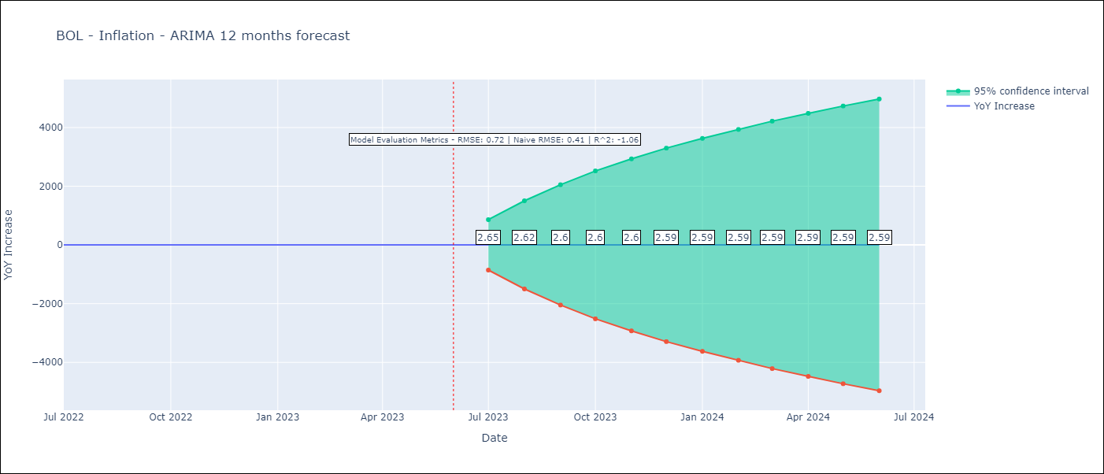

Test Metrics
RMSE | 0.72
Naive RMSE | 0.4
R^2 | -1.06

Test Predictions
Date | Predicted | Actual
2022-07-01 | 1.96 | 2.04
2022-08-01 | 2.03 | 1.55
2022-09-01 | 2.06 | 1.89
2022-10-01 | 2.07 | 2.89
2022-11-01 | 2.08 | 3.17
2022-12-01 | 2.08 | 3.12
2023-01-01 | 2.08 | 3.14
2023-02-01 | 2.08 | 2.57
2023-03-01 | 2.08 | 2.53
2023-04-01 | 2.08 | 2.7
2023-05-01 | 2.08 | 2.9
2023-06-01 | 2.08 | 2.73

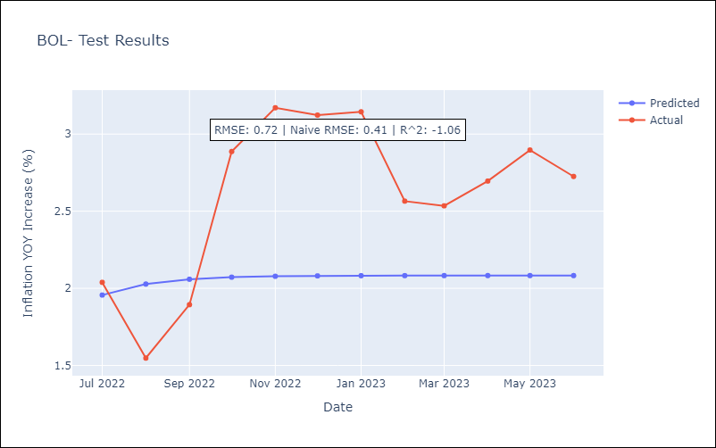

Appendix A: Model Summary
Model | ARIMA(1, 1, 0)
Sample | 01-01-1938- 06-01-2023
No. of Observations | 1026
Terms | P-value (Statistical significance)
ar.L1 | 0.000
sigma2 | 0.000
Assumptions | P-value | Interpretation
Ljung-Box (L1) | 0.00 | Residuals are not independent.
Heteroskedasticity | 0.00 | Residuals have different variances.
Jarque-Bera | 0.00 | Residuals are not normally distributed.
Skew | -10.52 | Negative skew - Model overestimates the mean.
Kurtosis | 326.87 | Residuals contain more extreme outliers than in a normal distribution.

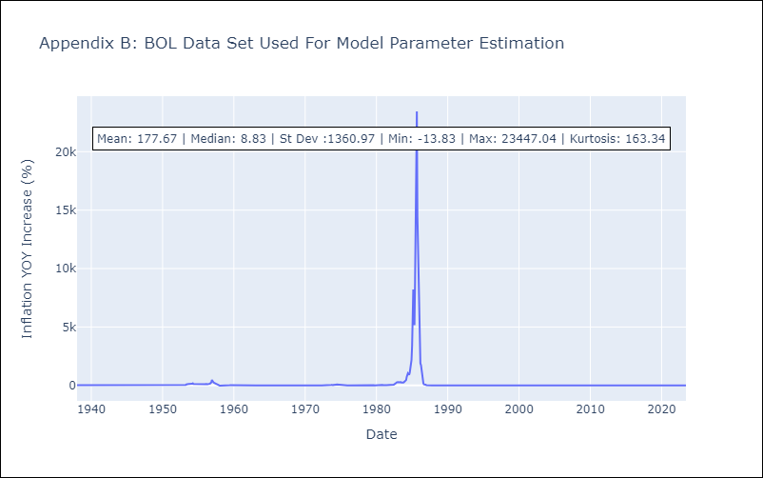

Appendix C: Residuals Analysis
Mean | 0.01
Variance | 191677.45
Independent? | No
Heteroskedastic? - Breusch-Pagan | No
Heteroskedastic? - Goldfeld-Quandt | Yes
Heteroskedastic? - White | No
Heteroskedastic? - ARCH | Yes
Normal? | No

BRA
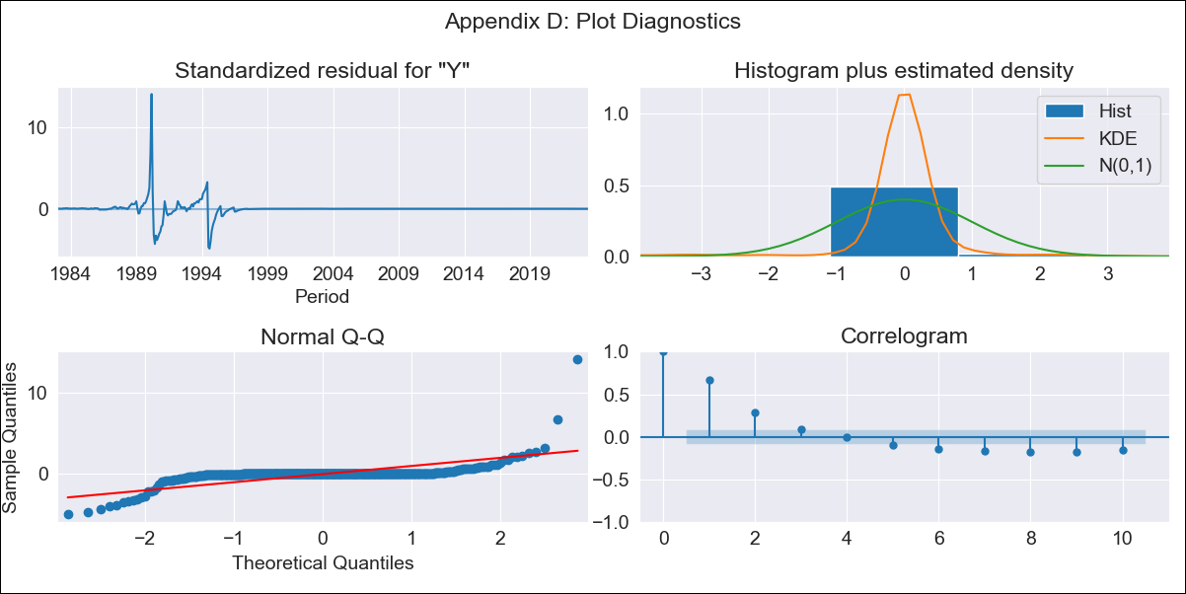
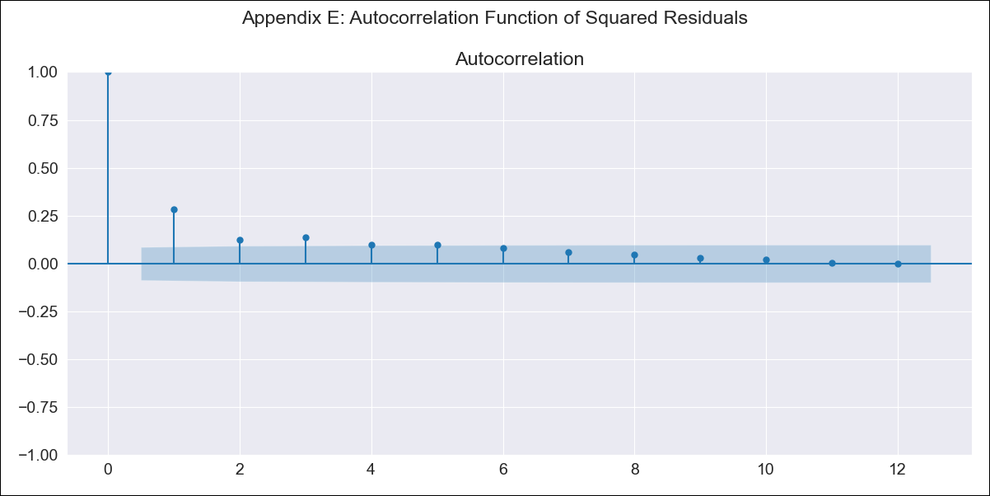
BRA - Inflation - Next 12 months forecast as of: 2023-06-01

Model | ARIMA - [(0, 1, 0), (2, 0, 1, 12)]
Training Data | 1980-12-01 to 2022-07-01
Test Data | 2022-07-01 to 2023-06-01

Date | Inflation Change YoY % | Lower Bound - 95% Confidence Interval | Upper Bound - 95% Confidence Interval
2023-07-01 | 3.46 | -367.48 | 374.4
2023-08-01 | 3.66 | -520.92 | 528.25
2023-09-01 | 3.92 | -638.57 | 646.4
2023-10-01 | 4.02 | -737.87 | 745.9
2023-11-01 | 4.12 | -825.33 | 833.56
2023-12-01 | 4.18 | -904.43 | 912.8
2024-01-01 | 4.16 | -977.25 | 985.58
2024-02-01 | 4.18 | -1045 | 1053.36
2024-03-01 | 4.3 | -1108.52 | 1117.12
2024-04-01 | 4.33 | -1168.69 | 1177.35
2024-05-01 | 4.39 | -1225.88 | 1234.66
2024-06-01 | 4.53 | -1280.45 | 1289.5

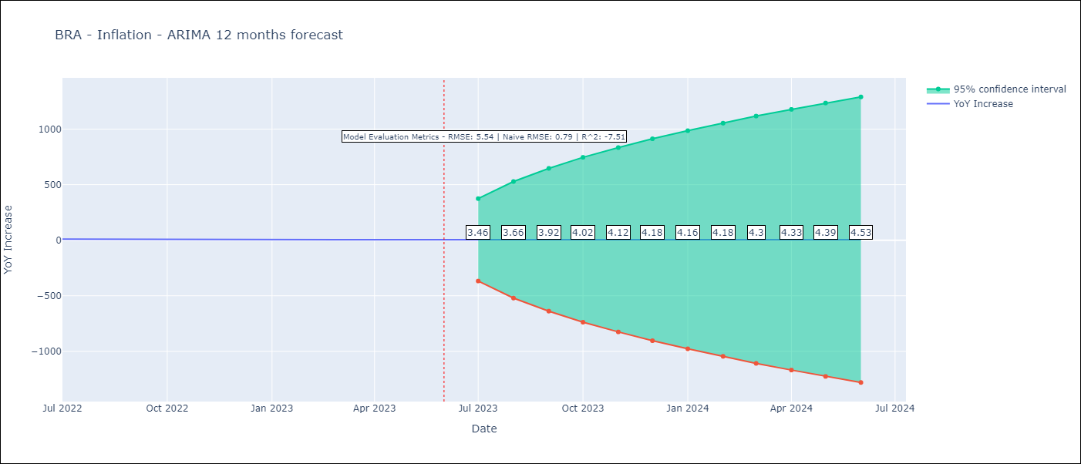

Test Metrics
RMSE | 5.54
Naive RMSE | 0.92
R^2 | -7.51

Test Predictions
Date | Predicted | Actual
2022-07-01 | 11.76 | 10.07
2022-08-01 | 11.62 | 8.73
2022-09-01 | 11.46 | 7.17
2022-10-01 | 11.33 | 6.47
2022-11-01 | 11.29 | 5.9
2022-12-01 | 11.39 | 5.79
2023-01-01 | 11.33 | 5.77
2023-02-01 | 11.26 | 5.6
2023-03-01 | 11.06 | 4.65
2023-04-01 | 10.86 | 4.18
2023-05-01 | 10.85 | 3.94
2023-06-01 | 10.8 | 3.16

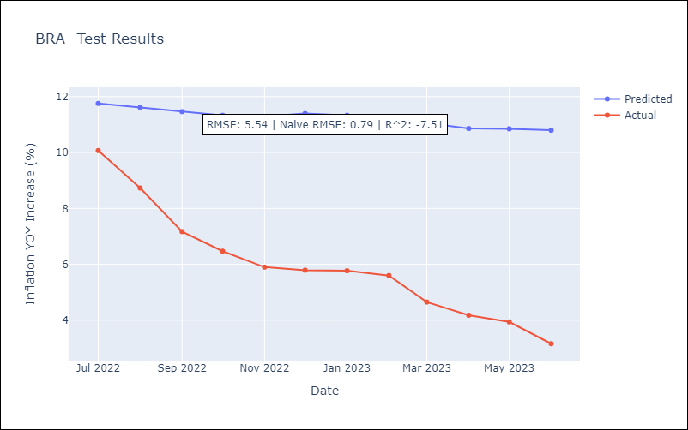

Appendix A: Model Summary
Model | ARIMA(0, 1, 0)x(2, 0, [1], 12)
Sample | 12-01-1980- 06-01-2023
No. of Observations | 511
Terms | P-value (Statistical significance)
ar.S.L12 | 0.936
ar.S.L24 | 0.819
ma.S.L12 | 0.932
sigma2 | 0.000
Assumptions | P-value | Interpretation
Ljung-Box (L1) | 0.00 | Residuals are not independent.
Heteroskedasticity | 0.00 | Residuals have different variances.
Jarque-Bera | 0.00 | Residuals are not normally distributed.
Skew | 5.34 | Positive skew - model underestimates the mean.
Kurtosis | 91.44 | Residuals contain more extreme outliers than in a normal distribution.

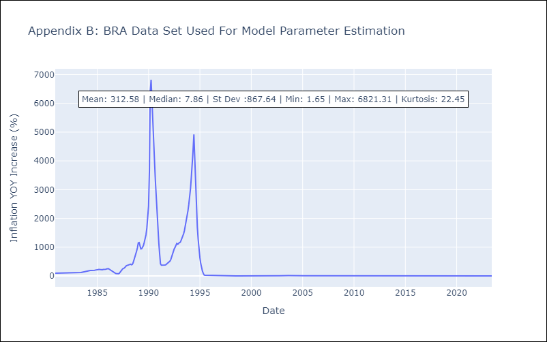

Appendix C: Residuals Analysis
Mean | -0.03
Variance | 34152.63
Independent? | No
Heteroskedastic? - Breusch-Pagan | Yes
Heteroskedastic? - Goldfeld-Quandt | Yes
Heteroskedastic? - White | No
Heteroskedastic? - ARCH | Yes
Normal? | No

COL
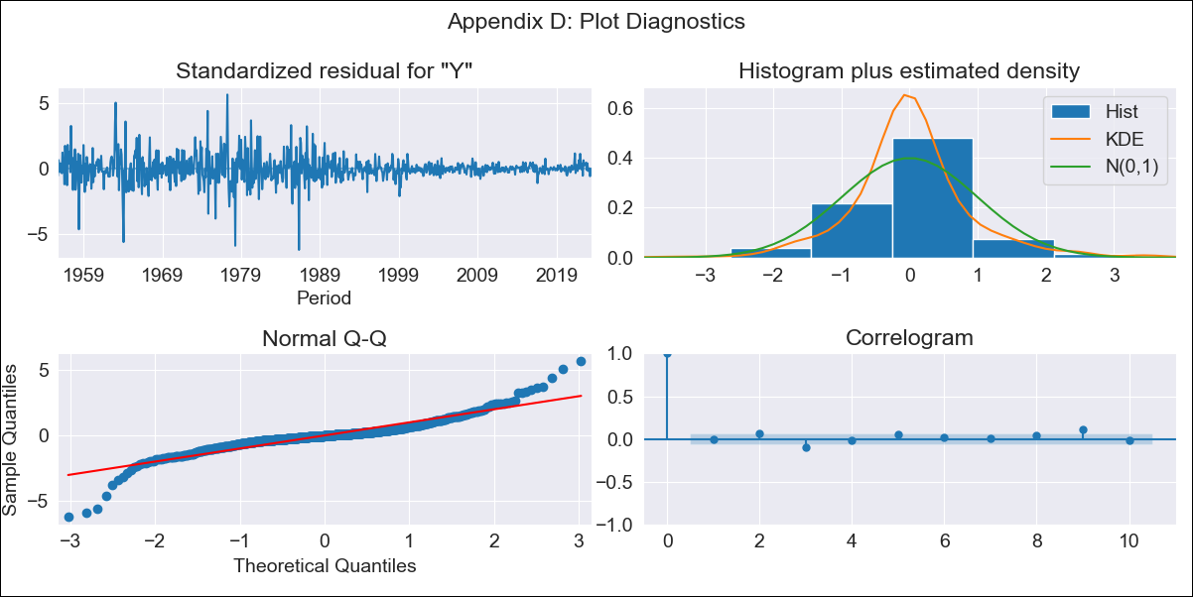
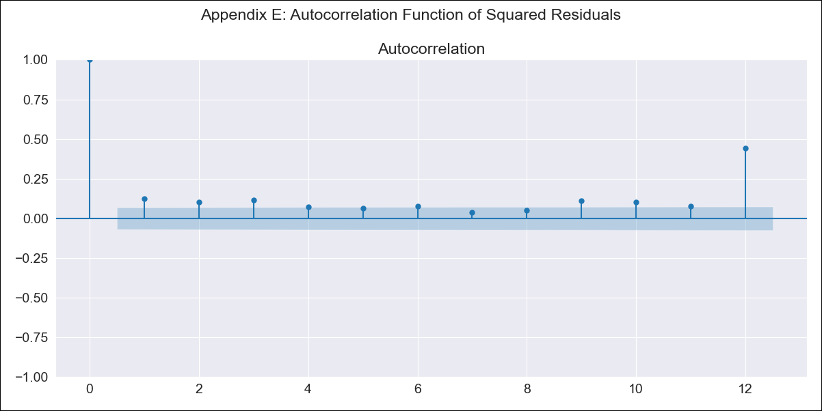
COL - Inflation - Next 12 months forecast as of: 2023-06-01

Model | ARIMA - [(1, 1, 1), (0, 0, 0, 12)]
Training Data | 1955-07-01 to 2022-07-01
Test Data | 2022-07-01 to 2023-06-01

Date | Inflation Change YoY % | Lower Bound - 95% Confidence Interval | Upper Bound - 95% Confidence Interval
2023-07-01 | 12 | 10.09 | 13.91
2023-08-01 | 11.92 | 8.55 | 15.3
2023-09-01 | 11.88 | 7.17 | 16.6
2023-10-01 | 11.86 | 5.94 | 17.77
2023-11-01 | 11.84 | 4.85 | 18.84
2023-12-01 | 11.84 | 3.87 | 19.81
2024-01-01 | 11.83 | 2.97 | 20.7
2024-02-01 | 11.83 | 2.15 | 21.51
2024-03-01 | 11.83 | 1.38 | 22.28
2024-04-01 | 11.83 | 0.67 | 22.99
2024-05-01 | 11.83 | -0.01 | 23.66
2024-06-01 | 11.83 | -0.65 | 24.3

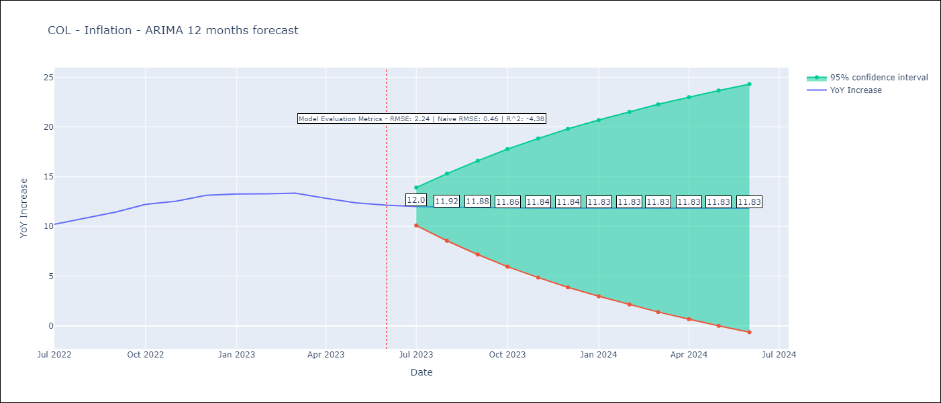

Test Metrics
RMSE | 2.24
Naive RMSE | 0.47
R^2 | -4.38

Test Predictions
Date | Predicted | Actual
2022-07-01 | 9.94 | 10.21
2022-08-01 | 10.1 | 10.84
2022-09-01 | 10.18 | 11.44
2022-10-01 | 10.23 | 12.22
2022-11-01 | 10.26 | 12.53
2022-12-01 | 10.28 | 13.12
2023-01-01 | 10.29 | 13.25
2023-02-01 | 10.29 | 13.28
2023-03-01 | 10.29 | 13.34
2023-04-01 | 10.3 | 12.82
2023-05-01 | 10.3 | 12.36
2023-06-01 | 10.3 | 12.13

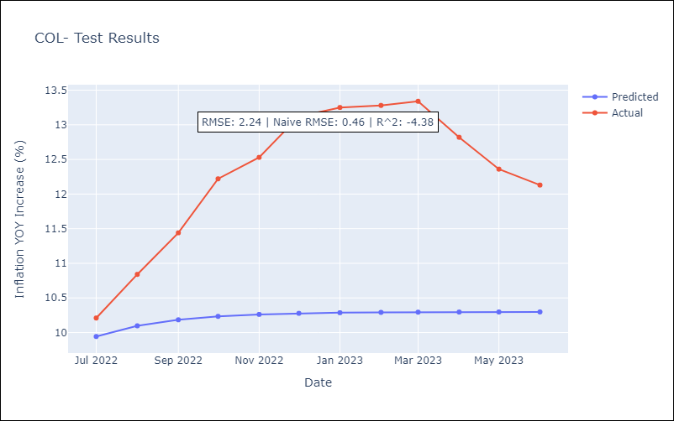

Appendix A: Model Summary
Model | ARIMA(1, 1, 1)
Sample | 07-01-1955- 06-01-2023
No. of Observations | 816
Terms | P-value (Statistical significance)
ar.L1 | 0.000
ma.L1 | 0.020
sigma2 | 0.000
Assumptions | P-value | Interpretation
Ljung-Box (L1) | 0.89 | Residuals are independent.
Heteroskedasticity | 0.00 | Residuals have different variances.
Jarque-Bera | 0.00 | Residuals are not normally distributed.
Skew | -0.15 | Negative skew - Model overestimates the mean.
Kurtosis | 11.02 | Residuals contain more extreme outliers than in a normal distribution.

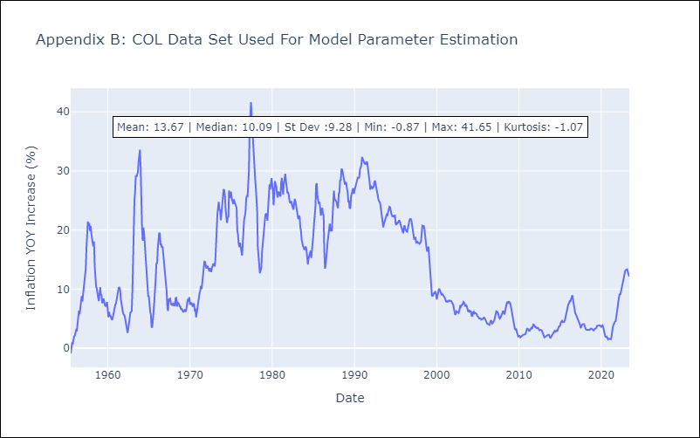

Appendix C: Residuals Analysis
Mean | 0.01
Variance | 0.95
Independent? | No
Heteroskedastic? - Breusch-Pagan | Yes
Heteroskedastic? - Goldfeld-Quandt | Yes
Heteroskedastic? - White | Yes
Heteroskedastic? - ARCH | Yes
Normal? | No

CRI
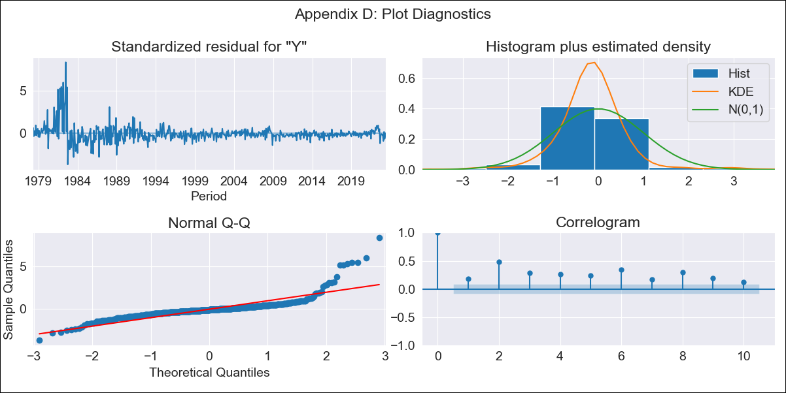
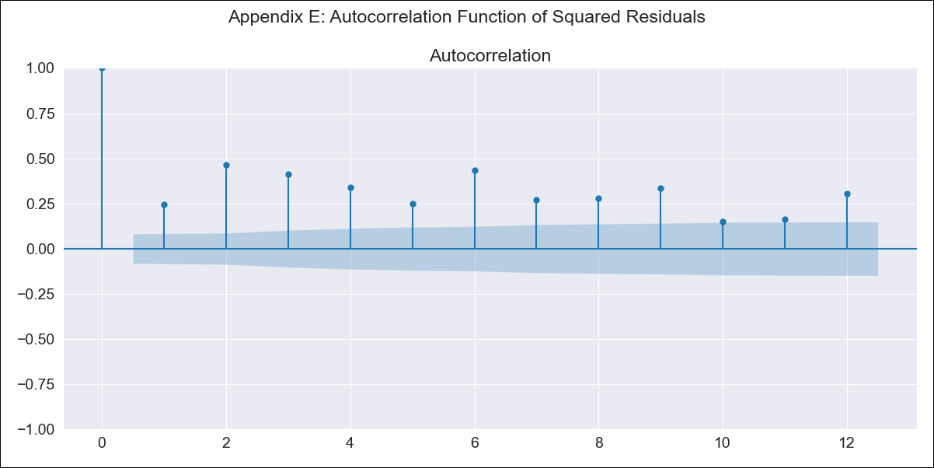
CRI - Inflation - Next 12 months forecast as of: 2023-06-01

Model | ARIMA - [(0, 1, 1), (0, 0, 1, 12)]
Training Data | 1977-01-01 to 2022-07-01
Test Data | 2022-07-01 to 2023-06-01

Date | Inflation Change YoY % | Lower Bound - 95% Confidence Interval | Upper Bound - 95% Confidence Interval
2023-07-01 | -2.02 | -4.62 | 0.58
2023-08-01 | -2.66 | -7.31 | 1.99
2023-09-01 | -1.56 | -7.6 | 4.48
2023-10-01 | -0.62 | -7.79 | 6.54
2023-11-01 | -0.36 | -8.5 | 7.77
2023-12-01 | -0.07 | -9.07 | 8.94
2024-01-01 | 0.22 | -9.57 | 10.02
2024-02-01 | 1.36 | -9.17 | 11.89
2024-03-01 | 1.71 | -9.5 | 12.92
2024-04-01 | 2.39 | -9.46 | 14.25
2024-05-01 | 2.77 | -9.7 | 15.23
2024-06-01 | 3.27 | -9.78 | 16.32

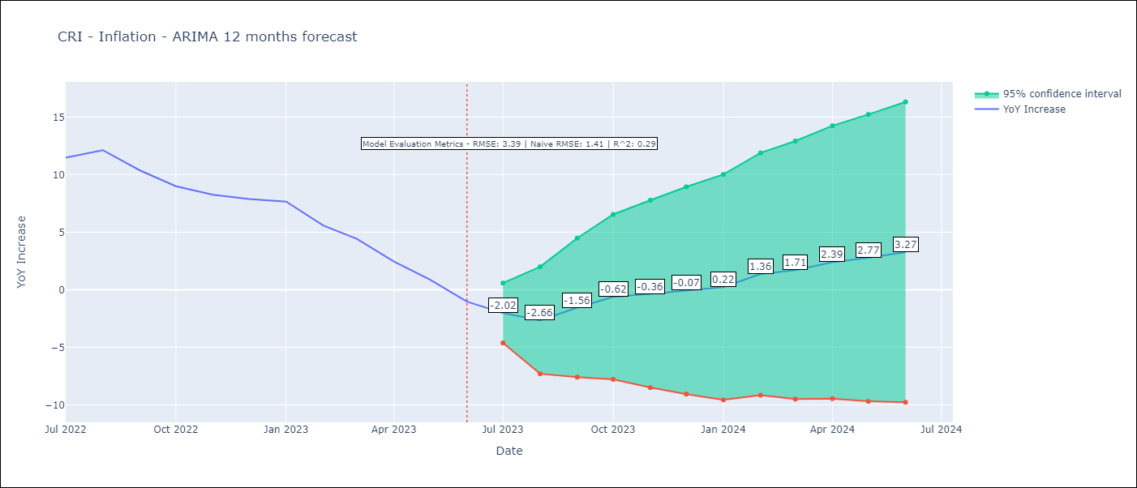

Test Metrics
RMSE | 3.39
Naive RMSE | 1.41
R^2 | 0.29

Test Predictions
Date | Predicted | Actual
2022-07-01 | 11.23 | 11.48
2022-08-01 | 11.12 | 12.13
2022-09-01 | 10.66 | 10.37
2022-10-01 | 10.39 | 8.99
2022-11-01 | 9.97 | 8.26
2022-12-01 | 9.94 | 7.88
2023-01-01 | 10.06 | 7.65
2023-02-01 | 9.33 | 5.58
2023-03-01 | 8.58 | 4.42
2023-04-01 | 7.42 | 2.44
2023-05-01 | 6.3 | 0.88
2023-06-01 | 4.97 | -1.04

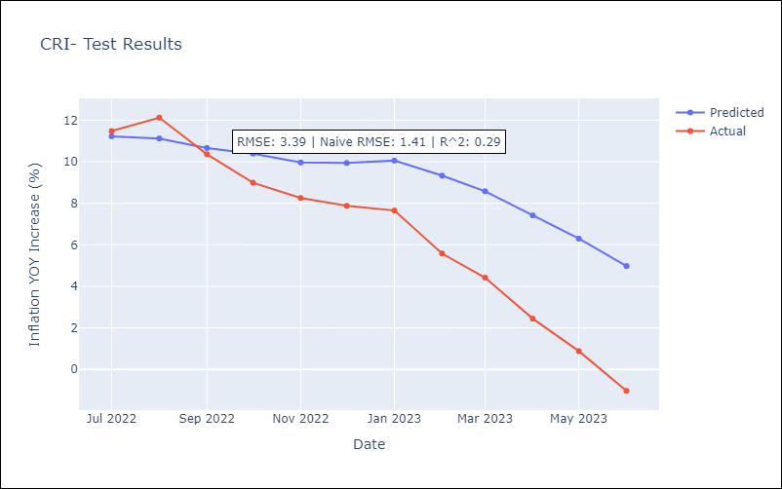

Appendix A: Model Summary
Model | ARIMA(0, 1, 1)x(0, 0, 1, 12)
Sample | 01-01-1977- 06-01-2023
No. of Observations | 558
Terms | P-value (Statistical significance)
ma.L1 | 0.000
ma.S.L12 | 0.000
sigma2 | 0.000
Assumptions | P-value | Interpretation
Ljung-Box (L1) | 0.00 | Residuals are not independent.
Heteroskedasticity | 0.00 | Residuals have different variances.
Jarque-Bera | 0.00 | Residuals are not normally distributed.
Skew | 2.99 | Positive skew - model underestimates the mean.
Kurtosis | 21.90 | Residuals contain more extreme outliers than in a normal distribution.

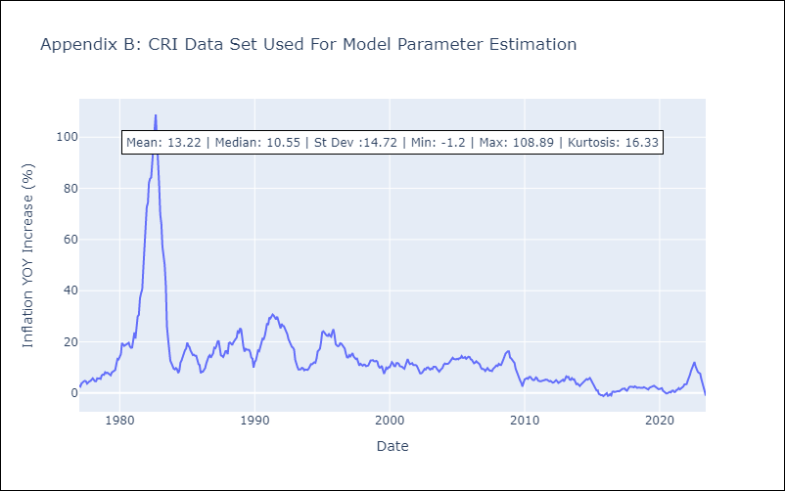

Appendix C: Residuals Analysis
Mean | -0.07
Variance | 1.84
Independent? | No
Heteroskedastic? - Breusch-Pagan | Yes
Heteroskedastic? - Goldfeld-Quandt | Yes
Heteroskedastic? - White | Yes
Heteroskedastic? - ARCH | Yes
Normal? | No

DOM
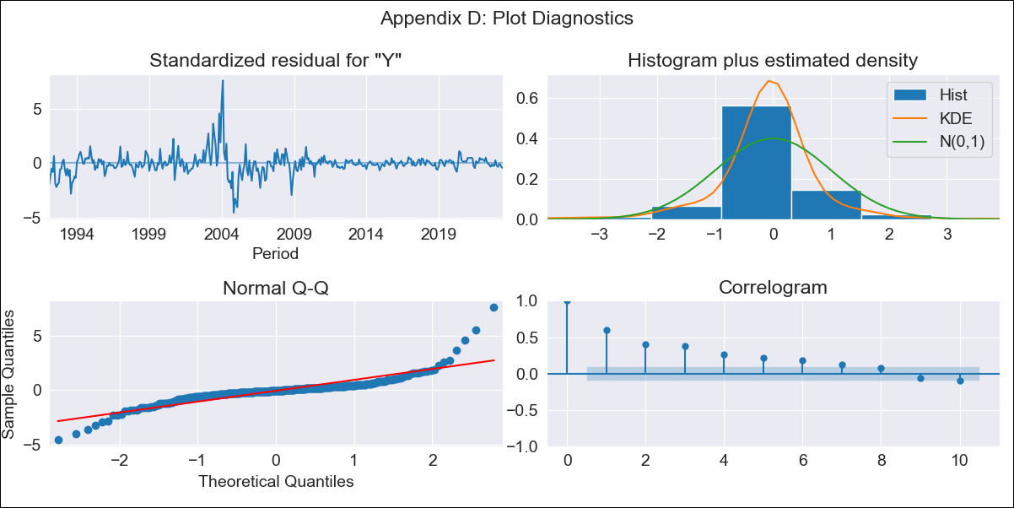

DOM - Inflation - Next 12 months forecast as of: 2023-06-01

Model | ARIMA - [(0, 1, 0), (2, 0, 0, 12)]
Training Data | 1990-01-01 to 2022-07-01
Test Data | 2022-07-01 to 2023-06-01

Date | Inflation Change YoY % | Lower Bound - 95% Confidence Interval | Upper Bound - 95% Confidence Interval
2023-07-01 | 4.35 | 1.15 | 7.55
2023-08-01 | 4.61 | 0.08 | 9.13
2023-09-01 | 4.71 | -0.83 | 10.26
2023-10-01 | 4.88 | -1.52 | 11.28
2023-11-01 | 5.03 | -2.12 | 12.19
2023-12-01 | 4.87 | -2.97 | 12.7
2024-01-01 | 5.05 | -3.41 | 13.52
2024-02-01 | 5.35 | -3.7 | 14.4
2024-03-01 | 5.53 | -4.07 | 15.13
2024-04-01 | 5.7 | -4.41 | 15.82
2024-05-01 | 6.04 | -4.57 | 16.65
2024-06-01 | 6.22 | -4.86 | 17.3

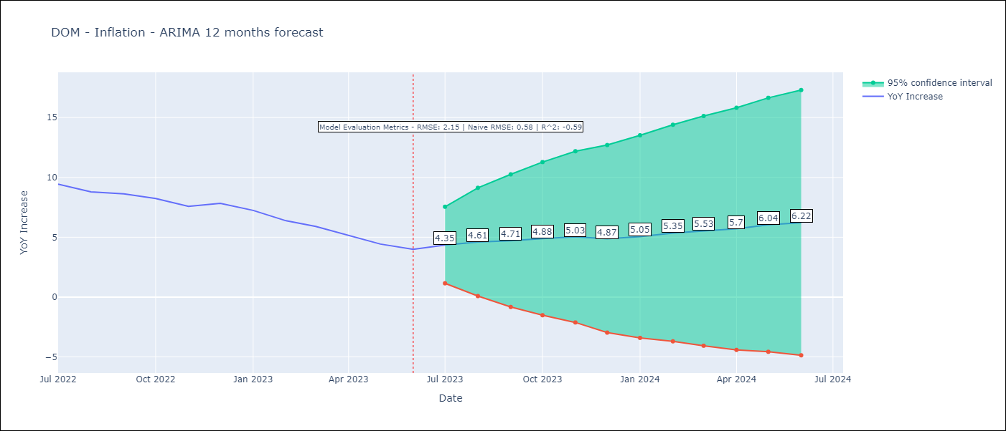

Test Metrics
RMSE | 2.15
Naive RMSE | 0.55
R^2 | -0.59

Test Predictions
Date | Predicted | Actual
2022-07-01 | 9.74 | 9.43
2022-08-01 | 9.62 | 8.8
2022-09-01 | 9.63 | 8.63
2022-10-01 | 9.65 | 8.24
2022-11-01 | 9.38 | 7.58
2022-12-01 | 9.2 | 7.83
2023-01-01 | 8.95 | 7.24
2023-02-01 | 8.64 | 6.38
2023-03-01 | 8.33 | 5.9
2023-04-01 | 7.78 | 5.15
2023-05-01 | 7.66 | 4.43
2023-06-01 | 7.92 | 4

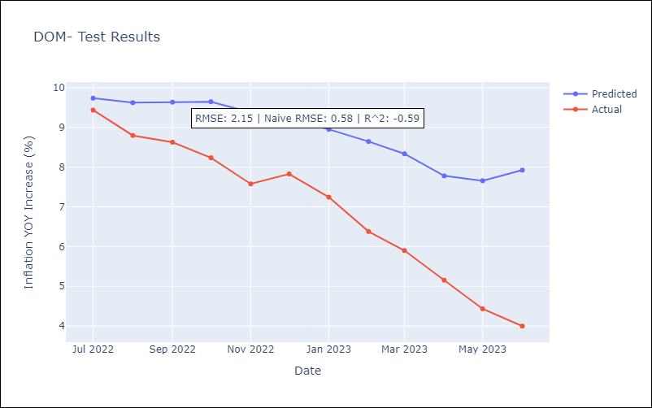

Appendix A: Model Summary
Model | ARIMA(0, 1, 0)x(2, 0, 0, 12)
Sample | 01-01-1990- 06-01-2023
No. of Observations | 402
Terms | P-value (Statistical significance)
ar.S.L12 | 0.000
ar.S.L24 | 0.000
sigma2 | 0.000
Assumptions | P-value | Interpretation
Ljung-Box (L1) | 0.00 | Residuals are not independent.
Heteroskedasticity | 0.00 | Residuals have different variances.
Jarque-Bera | 0.00 | Residuals are not normally distributed.
Skew | 1.33 | Positive skew - model underestimates the mean.
Kurtosis | 17.37 | Residuals contain more extreme outliers than in a normal distribution.

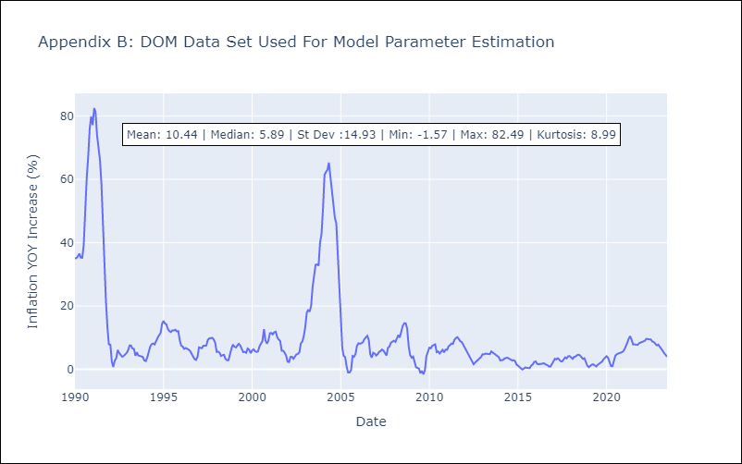

Appendix C: Residuals Analysis
Mean | -0.0
Variance | 7.6
Independent? | No
Heteroskedastic? - Breusch-Pagan | Yes
Heteroskedastic? - Goldfeld-Quandt | Yes
Heteroskedastic? - White | Yes
Heteroskedastic? - ARCH | Yes
Normal? | No

ECU
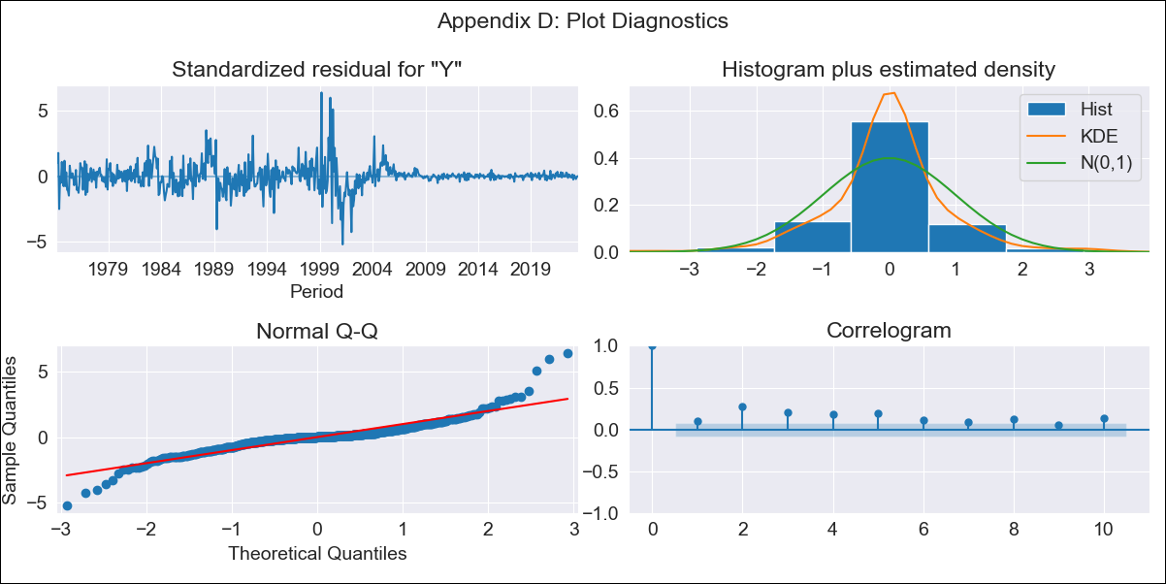
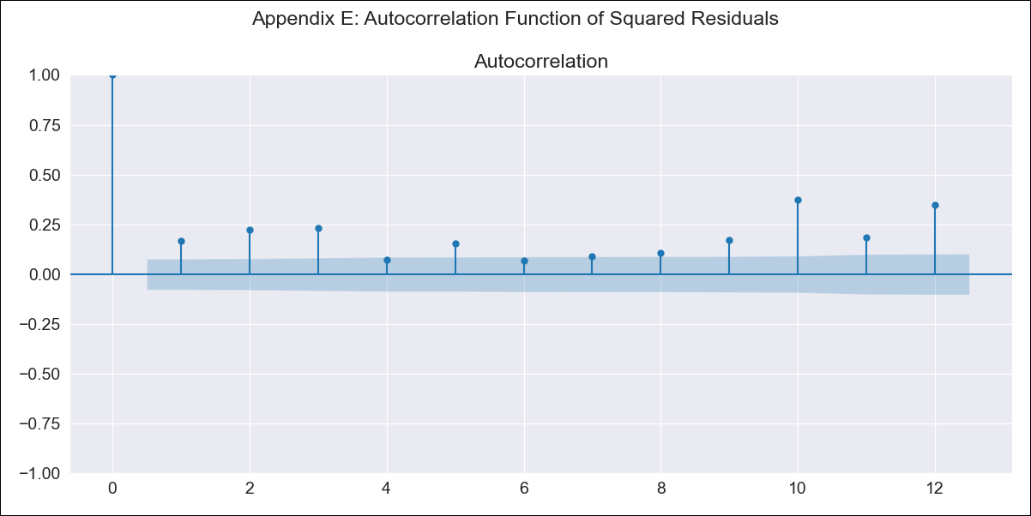
ECU - Inflation - Next 12 months forecast as of: 2023-06-01

Model | ARIMA - [(0, 1, 1), (3, 1, 0, 12)]
Training Data | 1970-01-01 to 2022-07-01
Test Data | 2022-07-01 to 2023-06-01

Date | Inflation Change YoY % | Lower Bound - 95% Confidence Interval | Upper Bound - 95% Confidence Interval
2023-07-01 | 1.86 | -2.87 | 6.6
2023-08-01 | 1.78 | -6.92 | 10.48
2023-09-01 | 1.55 | -9.81 | 12.9
2023-10-01 | 1.6 | -11.9 | 15.1
2023-11-01 | 1.94 | -13.41 | 17.29
2023-12-01 | 1.9 | -15.09 | 18.9
2024-01-01 | 2.09 | -16.41 | 20.59
2024-02-01 | 2.33 | -17.56 | 22.21
2024-03-01 | 2.46 | -18.72 | 23.65
2024-04-01 | 2.66 | -19.75 | 25.07
2024-05-01 | 2.98 | -20.59 | 26.54
2024-06-01 | 3.29 | -21.38 | 27.96

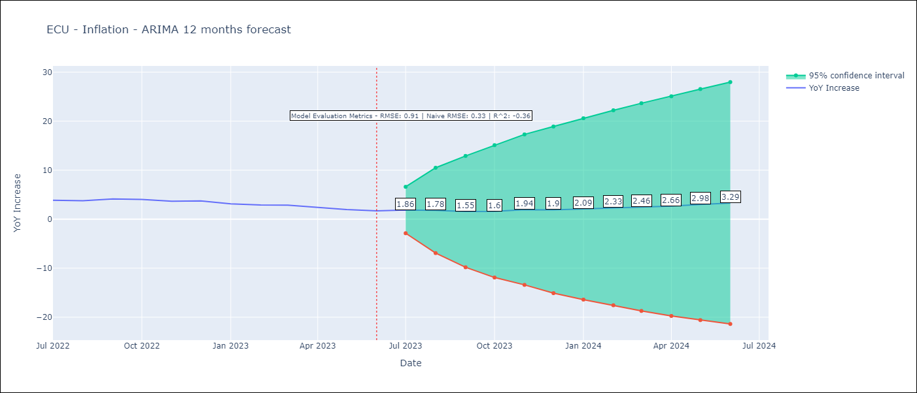

Test Metrics
RMSE | 0.91
Naive RMSE | 0.33
R^2 | -0.36

Test Predictions
Date | Predicted | Actual
2022-07-01 | 4.16 | 3.86
2022-08-01 | 3.93 | 3.77
2022-09-01 | 3.88 | 4.12
2022-10-01 | 3.86 | 4.02
2022-11-01 | 3.82 | 3.64
2022-12-01 | 3.71 | 3.74
2023-01-01 | 3.55 | 3.12
2023-02-01 | 3.48 | 2.9
2023-03-01 | 3.57 | 2.85
2023-04-01 | 3.81 | 2.44
2023-05-01 | 3.78 | 1.97
2023-06-01 | 3.58 | 1.69

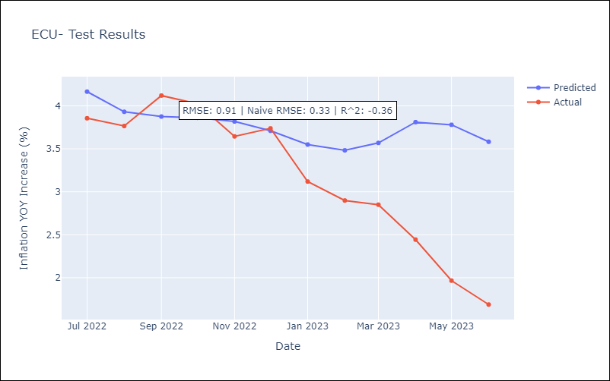

Appendix A: Model Summary
Model | ARIMA(0, 1, 1)x(3, 1, [], 12)
Sample | 01-01-1970- 06-01-2023
No. of Observations | 642
Terms | P-value (Statistical significance)
ma.L1 | 0.000
ar.S.L12 | 0.000
ar.S.L24 | 0.000
ar.S.L36 | 0.000
sigma2 | 0.000
Assumptions | P-value | Interpretation
Ljung-Box (L1) | 0.01 | Residuals are not independent.
Heteroskedasticity | 0.00 | Residuals have different variances.
Jarque-Bera | 0.00 | Residuals are not normally distributed.
Skew | 0.60 | Positive skew - model underestimates the mean.
Kurtosis | 11.52 | Residuals contain more extreme outliers than in a normal distribution.

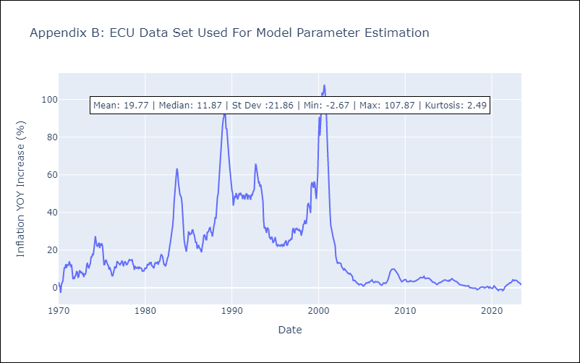

Appendix C: Residuals Analysis
Mean | -0.0
Variance | 5.82
Independent? | No
Heteroskedastic? - Breusch-Pagan | Yes
Heteroskedastic? - Goldfeld-Quandt | No
Heteroskedastic? - White | Yes
Heteroskedastic? - ARCH | Yes
Normal? | No

GTM
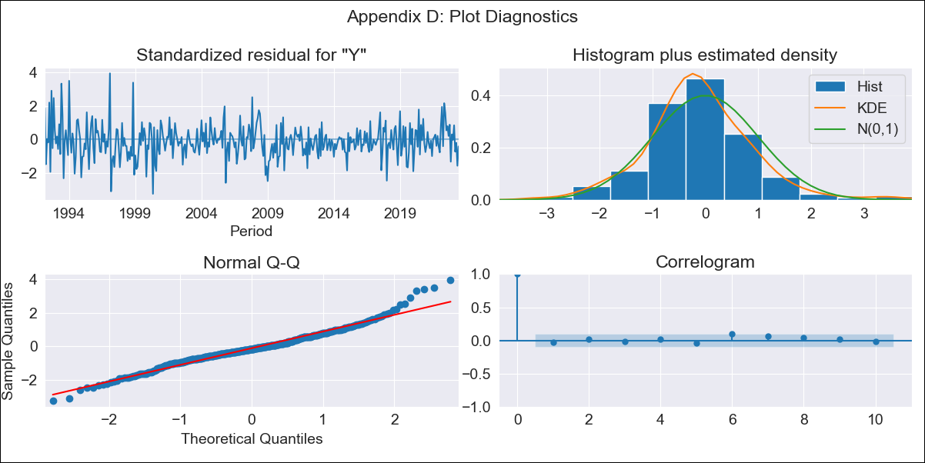

GTM - Inflation - Next 12 months forecast as of: 2023-06-01

Model | ARIMA - [(3, 1, 0), (0, 0, 1, 12)]
Training Data | 1991-01-01 to 2022-07-01
Test Data | 2022-07-01 to 2023-06-01

Date | Inflation Change YoY % | Lower Bound - 95% Confidence Interval | Upper Bound - 95% Confidence Interval
2023-07-01 | 4.27 | 3.24 | 5.29
2023-08-01 | 3.77 | 2.02 | 5.52
2023-09-01 | 3.49 | 1.23 | 5.76
2023-10-01 | 3.02 | 0.33 | 5.71
2023-11-01 | 3.44 | 0.37 | 6.51
2023-12-01 | 3.51 | 0.1 | 6.91
2024-01-01 | 3.47 | -0.24 | 7.18
2024-02-01 | 3.09 | -0.91 | 7.09
2024-03-01 | 3.28 | -0.98 | 7.54
2024-04-01 | 3.48 | -1.03 | 8
2024-05-01 | 4.22 | -0.53 | 8.97
2024-06-01 | 4.67 | -0.31 | 9.65

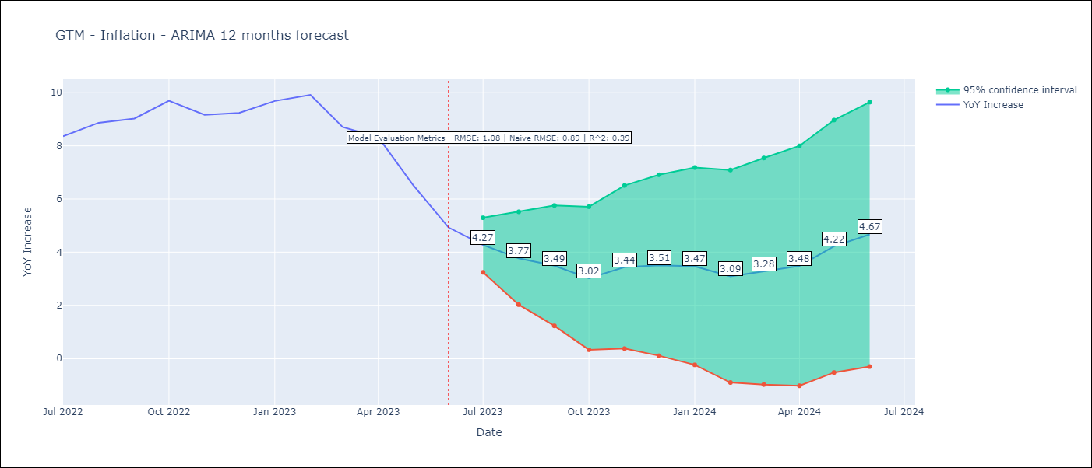

Test Metrics
RMSE | 1.08
Naive RMSE | 0.88
R^2 | 0.39

Test Predictions
Date | Predicted | Actual
2022-07-01 | 8.06 | 8.36
2022-08-01 | 8.03 | 8.87
2022-09-01 | 7.91 | 9.03
2022-10-01 | 8.06 | 9.7
2022-11-01 | 8.03 | 9.17
2022-12-01 | 8.18 | 9.24
2023-01-01 | 8.58 | 9.69
2023-02-01 | 8.36 | 9.92
2023-03-01 | 7.38 | 8.71
2023-04-01 | 7.23 | 8.32
2023-05-01 | 6.31 | 6.54
2023-06-01 | 5.23 | 4.93

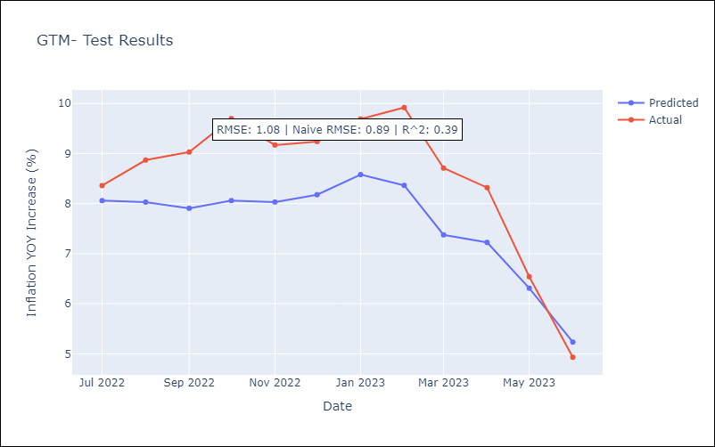

Appendix A: Model Summary
Model | ARIMA(3, 1, 0)x(0, 0, [1], 12)
Sample | 01-01-1991- 06-01-2023
No. of Observations | 390
Terms | P-value (Statistical significance)
ar.L1 | 0.000
ar.L2 | 0.006
ar.L3 | 0.214
ma.S.L12 | 0.000
sigma2 | 0.000
Assumptions | P-value | Interpretation
Ljung-Box (L1) | 0.55 | Residuals are independent.
Heteroskedasticity | 0.00 | Residuals have different variances.
Jarque-Bera | 0.00 | Residuals are not normally distributed.
Skew | 0.41 | Positive skew - model underestimates the mean.
Kurtosis | 4.76 | Residuals contain more extreme outliers than in a normal distribution.

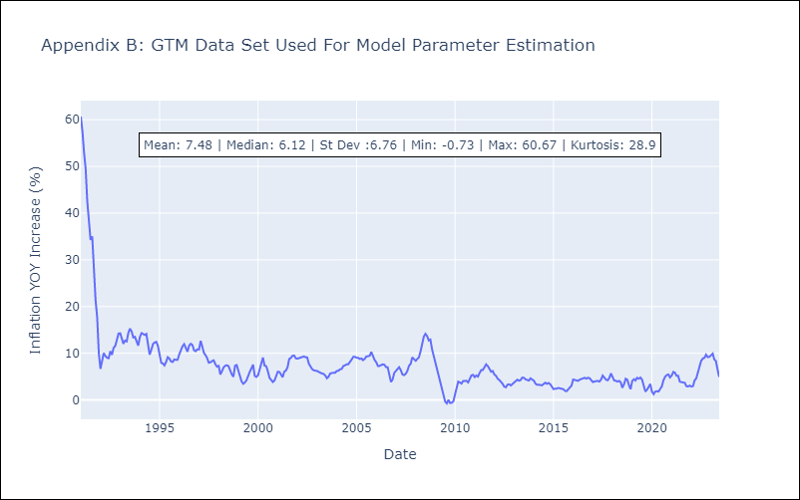

Appendix C: Residuals Analysis
Mean | -0.02
Variance | 10.85
Independent? | No
Heteroskedastic? - Breusch-Pagan | No
Heteroskedastic? - Goldfeld-Quandt | Yes
Heteroskedastic? - White | Yes
Heteroskedastic? - ARCH | Yes
Normal? | No

HND
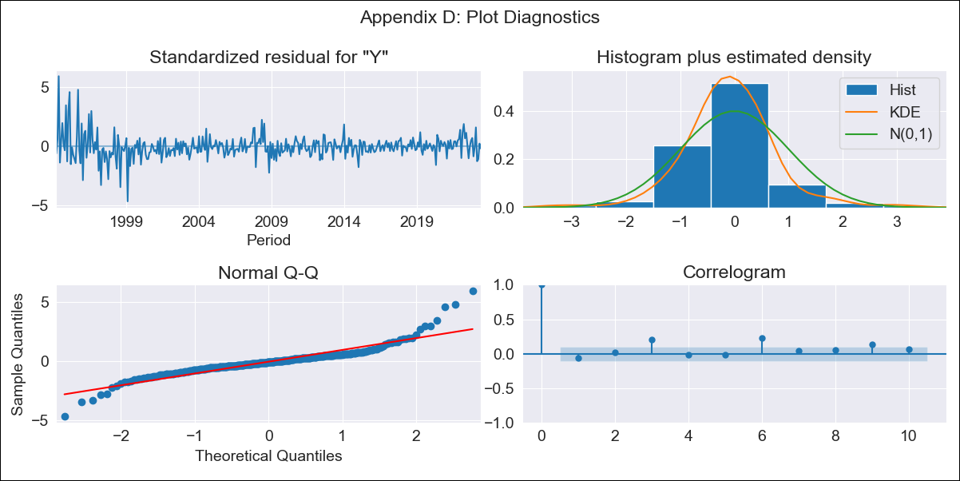

HND - Inflation - Next 12 months forecast as of: 2023-06-01

Model | ARIMA - [(1, 1, 0), (3, 0, 0, 12)]
Training Data | 1991-01-01 to 2022-07-01
Test Data | 2022-07-01 to 2023-06-01

Date | Inflation Change YoY % | Lower Bound - 95% Confidence Interval | Upper Bound - 95% Confidence Interval
2023-07-01 | 5.14 | 4.03 | 6.25
2023-08-01 | 5.3 | 3.34 | 7.25
2023-09-01 | 5.43 | 2.74 | 8.11
2023-10-01 | 5.26 | 1.95 | 8.58
2023-11-01 | 4.93 | 1.06 | 8.8
2023-12-01 | 5.18 | 0.82 | 9.54
2024-01-01 | 5.39 | 0.59 | 10.2
2024-02-01 | 4.8 | -0.42 | 10.02
2024-03-01 | 5.06 | -0.54 | 10.66
2024-04-01 | 5.6 | -0.36 | 11.55
2024-05-01 | 5.71 | -0.58 | 12
2024-06-01 | 5.96 | -0.65 | 12.58

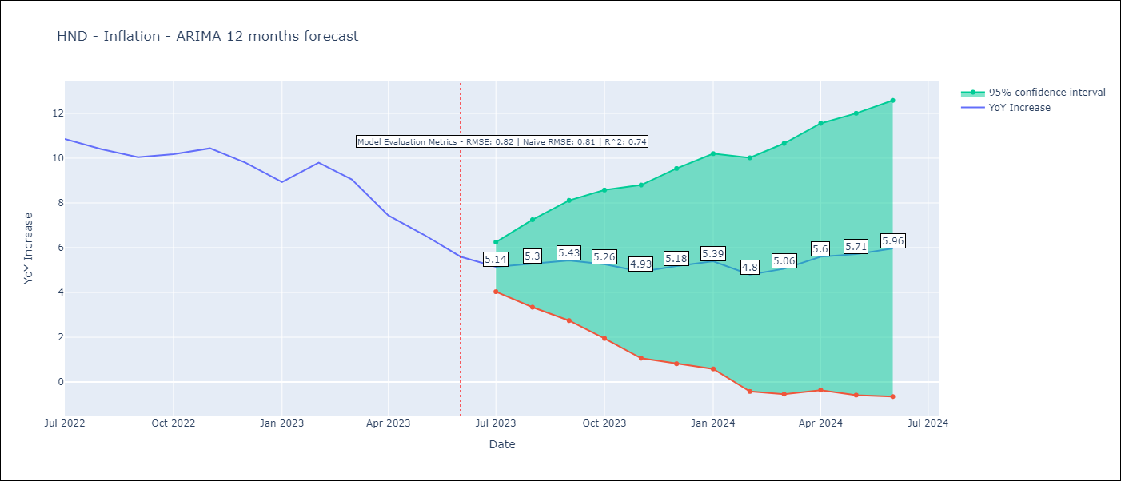

Test Metrics
RMSE | 0.82
Naive RMSE | 0.8
R^2 | 0.74

Test Predictions
Date | Predicted | Actual
2022-07-01 | 10.84 | 10.86
2022-08-01 | 10.97 | 10.4
2022-09-01 | 10.89 | 10.04
2022-10-01 | 10.89 | 10.18
2022-11-01 | 10.7 | 10.44
2022-12-01 | 10.35 | 9.8
2023-01-01 | 9.68 | 8.93
2023-02-01 | 9.74 | 9.8
2023-03-01 | 9.34 | 9.05
2023-04-01 | 8.53 | 7.44
2023-05-01 | 7.92 | 6.58
2023-06-01 | 7.17 | 5.6

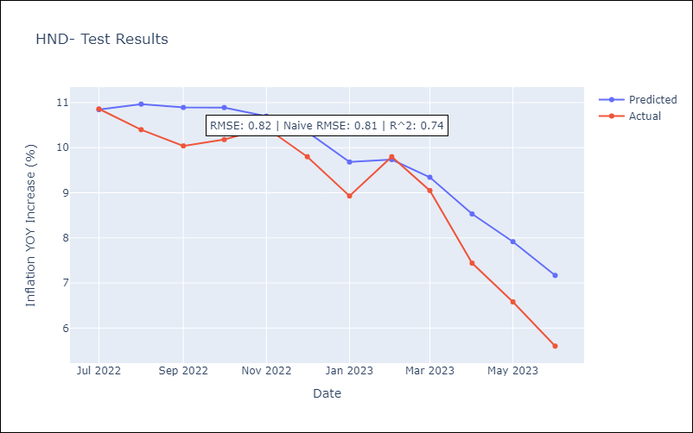

Appendix A: Model Summary
Model | ARIMA(1, 1, 0)x(3, 0, 0, 12)
Sample | 01-01-1991- 06-01-2023
No. of Observations | 390
Terms | P-value (Statistical significance)
ar.L1 | 0.000
ar.S.L12 | 0.000
ar.S.L24 | 0.000
ar.S.L36 | 0.000
sigma2 | 0.000
Assumptions | P-value | Interpretation
Ljung-Box (L1) | 0.24 | Residuals are independent.
Heteroskedasticity | 0.00 | Residuals have different variances.
Jarque-Bera | 0.00 | Residuals are not normally distributed.
Skew | 0.96 | Positive skew - model underestimates the mean.
Kurtosis | 10.93 | Residuals contain more extreme outliers than in a normal distribution.

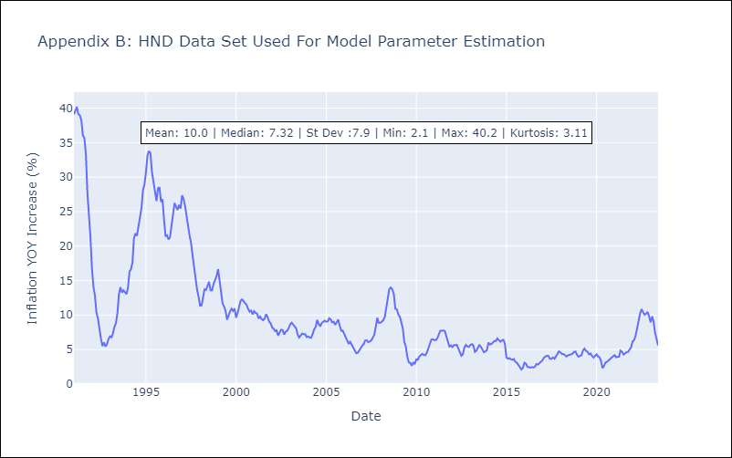

Appendix C: Residuals Analysis
Mean | 0.01
Variance | 4.92
Independent? | No
Heteroskedastic? - Breusch-Pagan | Yes
Heteroskedastic? - Goldfeld-Quandt | Yes
Heteroskedastic? - White | Yes
Heteroskedastic? - ARCH | Yes
Normal? | No

NIC
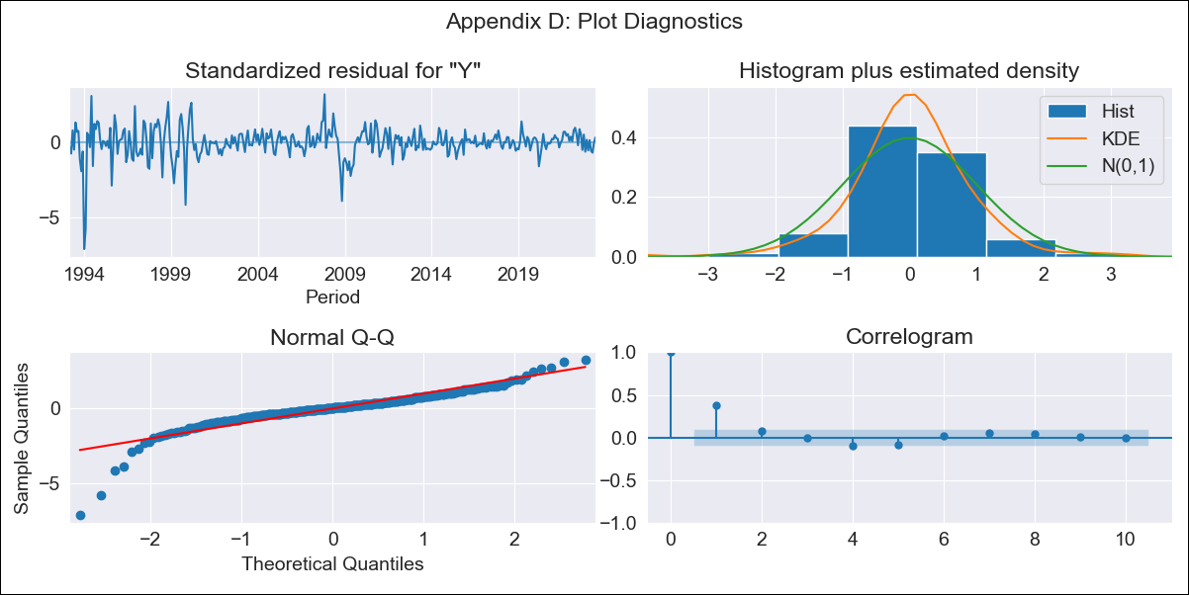

NIC - Inflation - Next 12 months forecast as of: 2023-06-01

Model | ARIMA - [(0, 1, 0), (0, 0, 0, 12)]
Training Data | 1993-01-01 to 2022-07-01
Test Data | 2022-07-01 to 2023-06-01

Date | Inflation Change YoY % | Lower Bound - 95% Confidence Interval | Upper Bound - 95% Confidence Interval
2023-07-01 | 9.87 | 7.44 | 12.3
2023-08-01 | 9.87 | 6.43 | 13.31
2023-09-01 | 9.87 | 5.65 | 14.09
2023-10-01 | 9.87 | 5 | 14.74
2023-11-01 | 9.87 | 4.43 | 15.31
2023-12-01 | 9.87 | 3.91 | 15.83
2024-01-01 | 9.87 | 3.43 | 16.31
2024-02-01 | 9.87 | 2.99 | 16.75
2024-03-01 | 9.87 | 2.57 | 17.17
2024-04-01 | 9.87 | 2.17 | 17.57
2024-05-01 | 9.87 | 1.8 | 17.94
2024-06-01 | 9.87 | 1.44 | 18.3

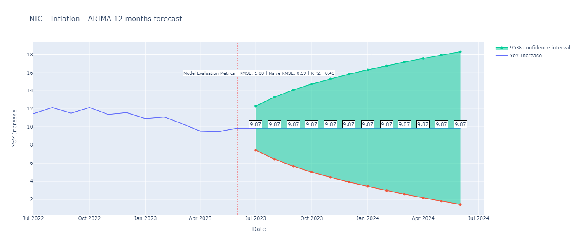

Test Metrics
RMSE | 1.08
Naive RMSE | 0.65
R^2 | -0.43

Test Predictions
Date | Predicted | Actual
2022-07-01 | 10.37 | 11.46
2022-08-01 | 10.37 | 12.15
2022-09-01 | 10.37 | 11.52
2022-10-01 | 10.37 | 12.16
2022-11-01 | 10.37 | 11.38
2022-12-01 | 10.37 | 11.59
2023-01-01 | 10.37 | 10.92
2023-02-01 | 10.37 | 11.1
2023-03-01 | 10.37 | 10.39
2023-04-01 | 10.37 | 9.53
2023-05-01 | 10.37 | 9.47
2023-06-01 | 10.37 | 9.87

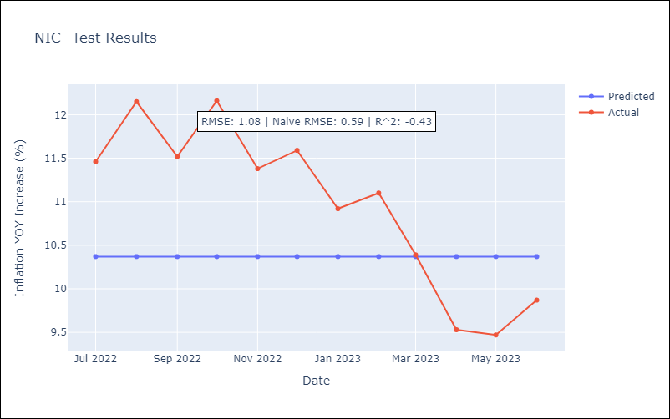

Appendix A: Model Summary
Model | ARIMA(0, 1, 0)
Sample | 01-01-1993- 06-01-2023
No. of Observations | 366
Terms | P-value (Statistical significance)
sigma2 | 0.000
Assumptions | P-value | Interpretation
Ljung-Box (L1) | 0.00 | Residuals are not independent.
Heteroskedasticity | 0.00 | Residuals have different variances.
Jarque-Bera | 0.00 | Residuals are not normally distributed.
Skew | -1.68 | Negative skew - Model overestimates the mean.
Kurtosis | 13.81 | Residuals contain more extreme outliers than in a normal distribution.

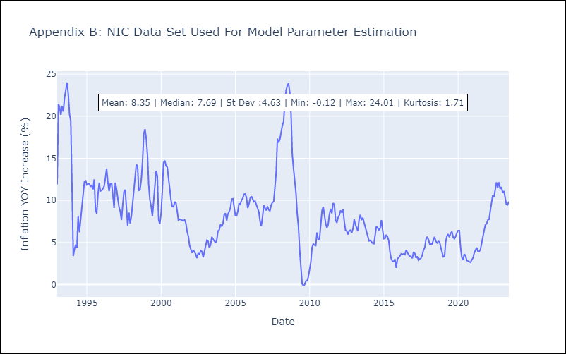

Appendix C: Residuals Analysis
Mean | 0.03
Variance | 2.18
Independent? | No
Heteroskedastic? - Breusch-Pagan | Yes
Heteroskedastic? - Goldfeld-Quandt | Yes
Heteroskedastic? - White | Yes
Heteroskedastic? - ARCH | Yes
Normal? | No

PAN
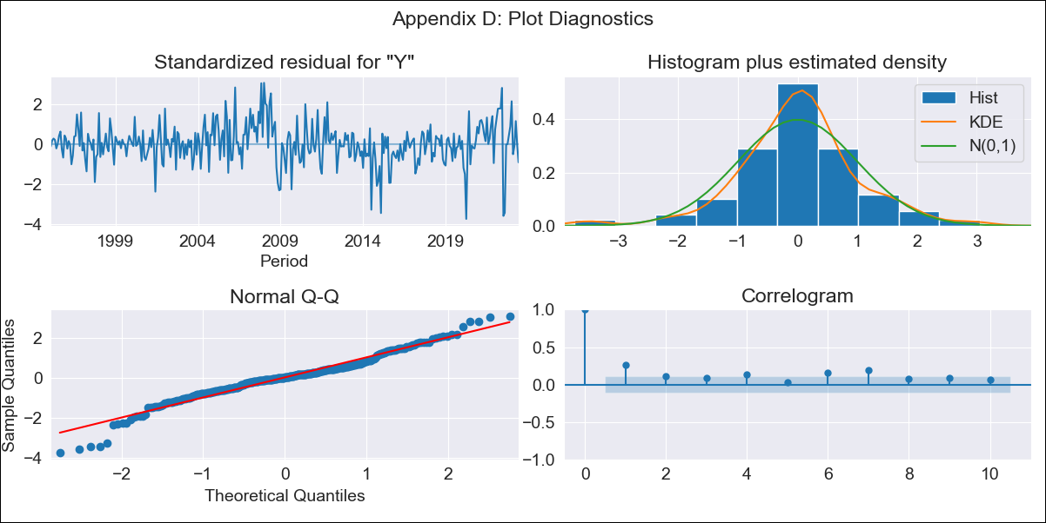

PAN - Inflation - Next 12 months forecast as of: 2023-06-01

Model | ARIMA - [(0, 1, 0), (3, 0, 0, 12)]
Training Data | 1992-01-01 to 2022-07-01
Test Data | 2022-07-01 to 2023-06-01

Date | Inflation Change YoY % | Lower Bound - 95% Confidence Interval | Upper Bound - 95% Confidence Interval
2023-07-01 | 0.3 | -0.46 | 1.06
2023-08-01 | 1.3 | 0.23 | 2.38
2023-09-01 | 1.33 | 0.02 | 2.65
2023-10-01 | 1.29 | -0.23 | 2.81
2023-11-01 | 1.21 | -0.49 | 2.91
2023-12-01 | 1.1 | -0.76 | 2.96
2024-01-01 | 0.58 | -1.43 | 2.59
2024-02-01 | 0.86 | -1.29 | 3
2024-03-01 | 0.95 | -1.33 | 3.23
2024-04-01 | 0.7 | -1.7 | 3.1
2024-05-01 | 0.73 | -1.79 | 3.25
2024-06-01 | 1.04 | -1.59 | 3.67

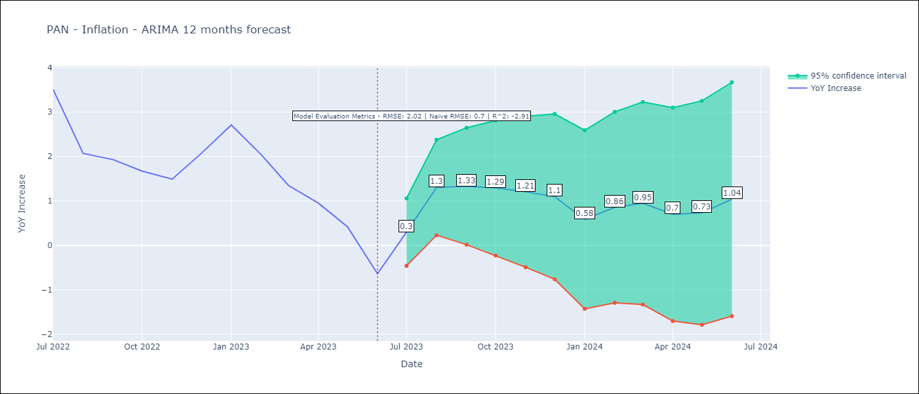

Test Metrics
RMSE | 2.02
Naive RMSE | 0.83
R^2 | -2.91

Test Predictions
Date | Predicted | Actual
2022-07-01 | 4.92 | 3.51
2022-08-01 | 4.81 | 2.07
2022-09-01 | 4.68 | 1.93
2022-10-01 | 4.43 | 1.67
2022-11-01 | 4.09 | 1.49
2022-12-01 | 4.31 | 2.07
2023-01-01 | 4.13 | 2.71
2023-02-01 | 3.65 | 2.04
2023-03-01 | 2.99 | 1.35
2023-04-01 | 2.14 | 0.95
2023-05-01 | 1.62 | 0.42
2023-06-01 | 0.94 | -0.64

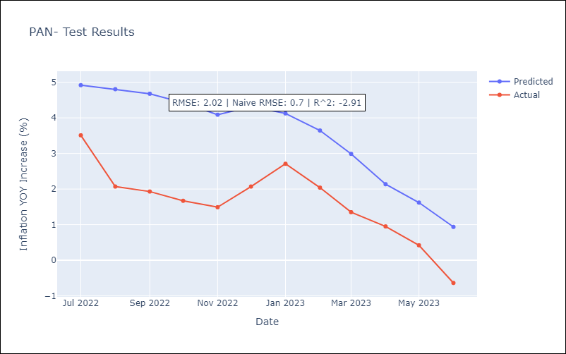

Appendix A: Model Summary
Model | ARIMA(0, 1, 0)x(3, 0, 0, 12)
Sample | 01-01-1992- 06-01-2023
No. of Observations | 378
Terms | P-value (Statistical significance)
ar.S.L12 | 0.000
ar.S.L24 | 0.000
ar.S.L36 | 0.000
sigma2 | 0.000
Assumptions | P-value | Interpretation
Ljung-Box (L1) | 0.00 | Residuals are not independent.
Heteroskedasticity | 0.00 | Residuals have different variances.
Jarque-Bera | 0.00 | Residuals are not normally distributed.
Skew | -0.27 | Negative skew - Model overestimates the mean.
Kurtosis | 4.91 | Residuals contain more extreme outliers than in a normal distribution.

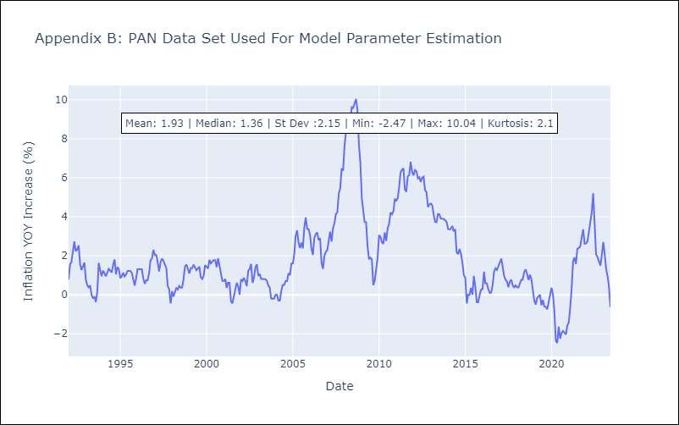

Appendix C: Residuals Analysis
Mean | 0.01
Variance | 0.15
Independent? | No
Heteroskedastic? - Breusch-Pagan | Yes
Heteroskedastic? - Goldfeld-Quandt | Yes
Heteroskedastic? - White | No
Heteroskedastic? - ARCH | Yes
Normal? | No

PRY
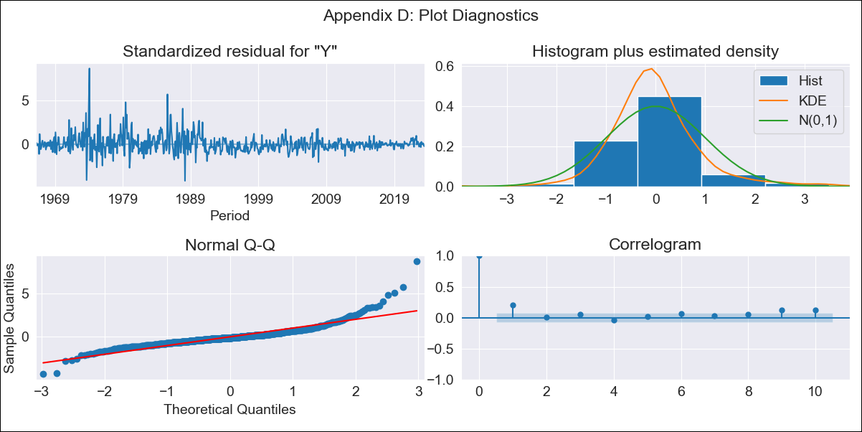

PRY - Inflation - Next 12 months forecast as of: 2023-06-01

Model | ARIMA - [(0, 1, 0), (0, 0, 1, 12)]
Training Data | 1965-01-01 to 2022-07-01
Test Data | 2022-07-01 to 2023-06-01

Date | Inflation Change YoY % | Lower Bound - 95% Confidence Interval | Upper Bound - 95% Confidence Interval
2023-07-01 | 3.9 | 0.55 | 7.25
2023-08-01 | 3.94 | -0.8 | 8.67
2023-09-01 | 4.38 | -1.42 | 10.18
2023-10-01 | 4.61 | -2.09 | 11.3
2023-11-01 | 4.45 | -3.03 | 11.94
2023-12-01 | 4.97 | -3.23 | 13.17
2024-01-01 | 4.64 | -4.22 | 13.49
2024-02-01 | 4.71 | -4.76 | 14.18
2024-03-01 | 4.6 | -5.44 | 14.64
2024-04-01 | 4.5 | -6.09 | 15.08
2024-05-01 | 4.72 | -6.39 | 15.82
2024-06-01 | 5.08 | -6.52 | 16.67

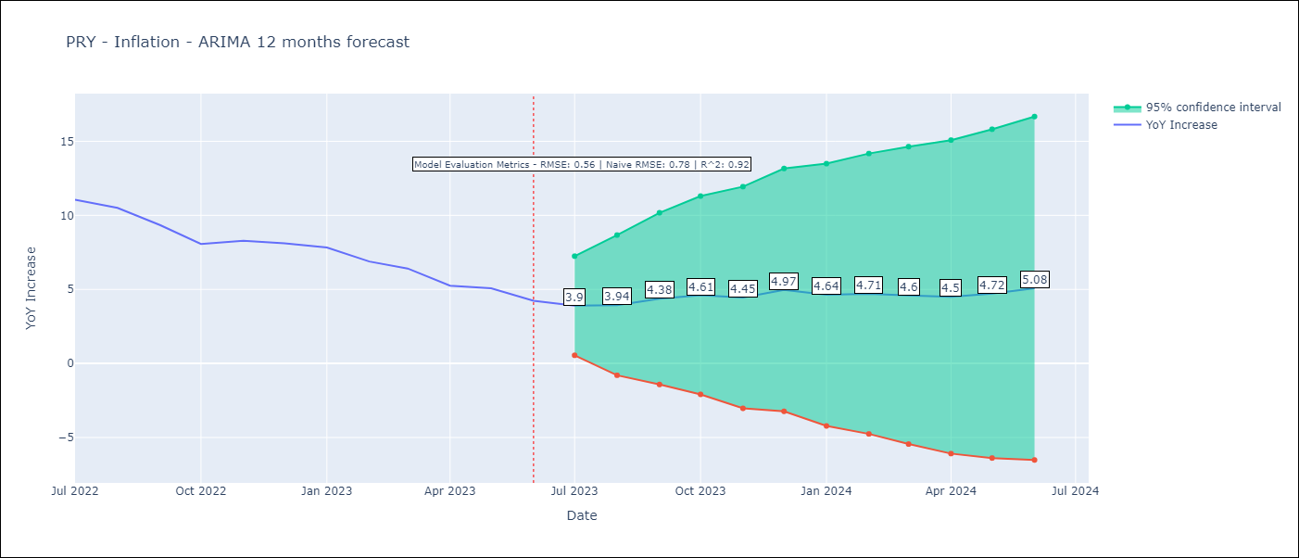

Test Metrics
RMSE | 0.56
Naive RMSE | 0.76
R^2 | 0.92

Test Predictions
Date | Predicted | Actual
2022-07-01 | 10.63 | 11.05
2022-08-01 | 10.13 | 10.51
2022-09-01 | 9.52 | 9.35
2022-10-01 | 8.53 | 8.07
2022-11-01 | 8.56 | 8.29
2022-12-01 | 9.02 | 8.12
2023-01-01 | 8.32 | 7.83
2023-02-01 | 7.47 | 6.88
2023-03-01 | 6.86 | 6.41
2023-04-01 | 5.57 | 5.25
2023-05-01 | 5.67 | 5.08
2023-06-01 | 5.28 | 4.24

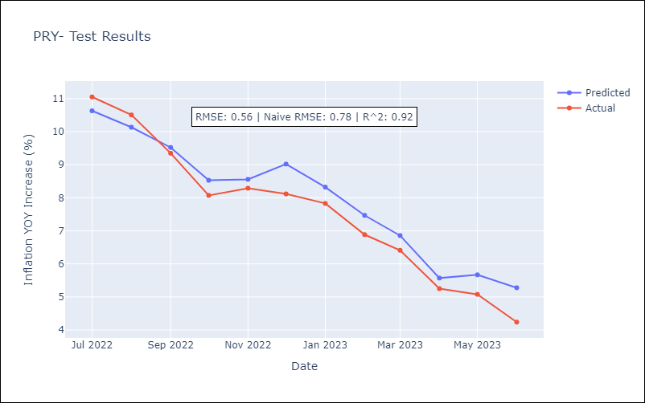

Appendix A: Model Summary
Model | ARIMA(0, 1, 0)x(0, 0, [1], 12)
Sample | 01-01-1965- 06-01-2023
No. of Observations | 702
Terms | P-value (Statistical significance)
ma.S.L12 | 0.000
sigma2 | 0.000
Assumptions | P-value | Interpretation
Ljung-Box (L1) | 0.00 | Residuals are not independent.
Heteroskedasticity | 0.00 | Residuals have different variances.
Jarque-Bera | 0.00 | Residuals are not normally distributed.
Skew | 1.87 | Positive skew - model underestimates the mean.
Kurtosis | 15.32 | Residuals contain more extreme outliers than in a normal distribution.

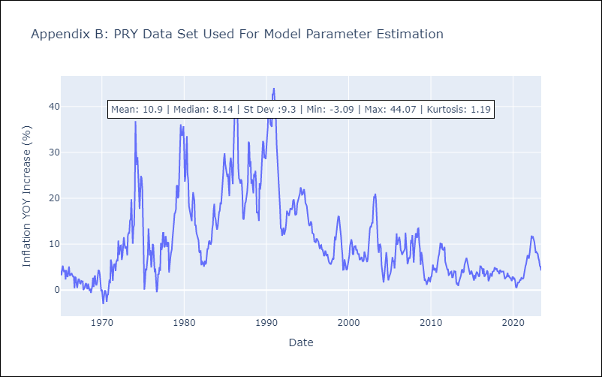

Appendix C: Residuals Analysis
Mean | 0.02
Variance | 2.94
Independent? | No
Heteroskedastic? - Breusch-Pagan | Yes
Heteroskedastic? - Goldfeld-Quandt | Yes
Heteroskedastic? - White | Yes
Heteroskedastic? - ARCH | Yes
Normal? | No

SLV
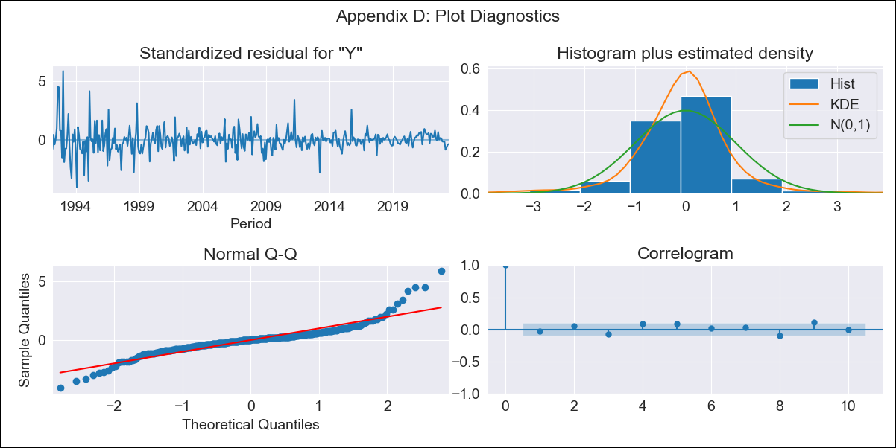

SLV - Inflation - Next 12 months forecast as of: 2023-06-01

Model | ARIMA - [(1, 1, 1), (1, 0, 0, 12)]
Training Data | 1991-01-01 to 2022-07-01
Test Data | 2022-07-01 to 2023-06-01

Date | Inflation Change YoY % | Lower Bound - 95% Confidence Interval | Upper Bound - 95% Confidence Interval
2023-07-01 | 3.79 | 2.07 | 5.51
2023-08-01 | 3.55 | 0.94 | 6.16
2023-09-01 | 3.56 | 0.18 | 6.93
2023-10-01 | 3.51 | -0.55 | 7.57
2023-11-01 | 3.55 | -1.14 | 8.23
2023-12-01 | 3.52 | -1.75 | 8.79
2024-01-01 | 3.65 | -2.16 | 9.45
2024-02-01 | 3.74 | -2.57 | 10.05
2024-03-01 | 4.12 | -2.66 | 10.9
2024-04-01 | 4.43 | -2.8 | 11.66
2024-05-01 | 4.94 | -2.72 | 12.59
2024-06-01 | 5.25 | -2.81 | 13.31



Test Metrics
RMSE | 0.91
Naive RMSE | 0.48
R^2 | 0.47

Test Predictions
Date | Predicted | Actual
2022-07-01 | 7.48 | 7.42
2022-08-01 | 7.14 | 7.66
2022-09-01 | 6.87 | 7.49
2022-10-01 | 6.66 | 7.47
2022-11-01 | 6.33 | 7.32
2022-12-01 | 6.4 | 7.32
2023-01-01 | 6.23 | 7.03
2023-02-01 | 6.15 | 6.82
2023-03-01 | 6.14 | 6.05
2023-04-01 | 6.22 | 5.43
2023-05-01 | 5.75 | 4.41
2023-06-01 | 5.61 | 3.78



Appendix A: Model Summary
Model | ARIMA(1, 1, 1)x(1, 0, [], 12)
Sample | 01-01-1991- 06-01-2023
No. of Observations | 390
Terms | P-value (Statistical significance)
ar.L1 | 0.000
ma.L1 | 0.000
ar.S.L12 | 0.000
sigma2 | 0.000
Assumptions | P-value | Interpretation
Ljung-Box (L1) | 0.52 | Residuals are independent.
Heteroskedasticity | 0.00 | Residuals have different variances.
Jarque-Bera | 0.00 | Residuals are not normally distributed.
Skew | 0.83 | Positive skew - model underestimates the mean.
Kurtosis | 10.22 | Residuals contain more extreme outliers than in a normal distribution.



Appendix C: Residuals Analysis
Mean | 0.01
Variance | 1.96
Independent? | No
Heteroskedastic? - Breusch-Pagan | Yes
Heteroskedastic? - Goldfeld-Quandt | Yes
Heteroskedastic? - White | Yes
Heteroskedastic? - ARCH | Yes
Normal? | No

URY


URY - Inflation - Next 12 months forecast as of: 2023-06-01

Model | ARIMA - [(0, 1, 0), (1, 0, 0, 12)]
Training Data | 1938-07-01 to 2022-07-01
Test Data | 2022-07-01 to 2023-06-01

Date | Inflation Change YoY % | Lower Bound - 95% Confidence Interval | Upper Bound - 95% Confidence Interval
2023-07-01 | 5.87 | -2.05 | 13.79
2023-08-01 | 5.88 | -5.32 | 17.08
2023-09-01 | 5.71 | -8 | 19.43
2023-10-01 | 6.08 | -9.76 | 21.92
2023-11-01 | 6.31 | -11.4 | 24.02
2023-12-01 | 6.38 | -13.02 | 25.78
2024-01-01 | 6.48 | -14.47 | 27.43
2024-02-01 | 6.68 | -15.72 | 29.08
2024-03-01 | 6.77 | -16.99 | 30.53
2024-04-01 | 6.66 | -18.39 | 31.7
2024-05-01 | 6.86 | -19.41 | 33.13
2024-06-01 | 7.31 | -20.12 | 34.75



Test Metrics
RMSE | 1.08
Naive RMSE | 0.53
R^2 | 0.08

Test Predictions
Date | Predicted | Actual
2022-07-01 | 9.3 | 9.56
2022-08-01 | 9.18 | 9.53
2022-09-01 | 9.26 | 9.95
2022-10-01 | 9.06 | 9.05
2022-11-01 | 9.07 | 8.46
2022-12-01 | 9.03 | 8.29
2023-01-01 | 8.96 | 8.05
2023-02-01 | 8.68 | 7.55
2023-03-01 | 8.46 | 7.33
2023-04-01 | 8.47 | 7.61
2023-05-01 | 8.46 | 7.1
2023-06-01 | 8.5 | 5.98



Appendix A: Model Summary
Model | ARIMA(0, 1, 0)x(1, 0, 0, 12)
Sample | 07-01-1938- 06-01-2023
No. of Observations | 1020
Terms | P-value (Statistical significance)
ar.S.L12 | 0.000
sigma2 | 0.000
Assumptions | P-value | Interpretation
Ljung-Box (L1) | 0.00 | Residuals are not independent.
Heteroskedasticity | 0.00 | Residuals have different variances.
Jarque-Bera | 0.00 | Residuals are not normally distributed.
Skew | 0.62 | Positive skew - model underestimates the mean.
Kurtosis | 16.70 | Residuals contain more extreme outliers than in a normal distribution.



Appendix C: Residuals Analysis
Mean | 0.01
Variance | 16.19
Independent? | No
Heteroskedastic? - Breusch-Pagan | Yes
Heteroskedastic? - Goldfeld-Quandt | Yes
Heteroskedastic? - White | Yes
Heteroskedastic? - ARCH | Yes
Normal? | No

