BOL
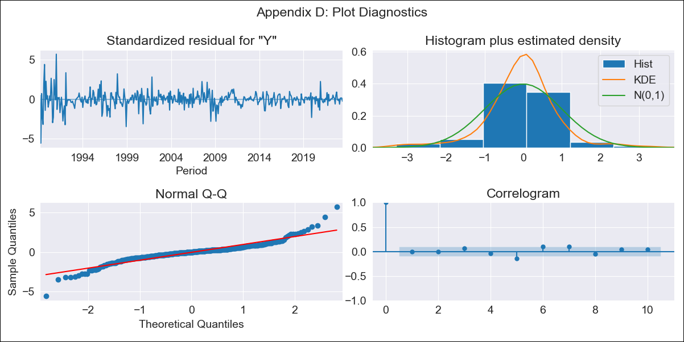

BOL - Inflation - Next 12 months forecast as of: 2023-06-01

Model | ARIMA - [(1, 1, 0), (0, 0, 0, 12)]
Training Data | 1989-01-01 to 2022-07-01
Test Data | 2022-07-01 to 2023-06-01

Date | Inflation Change YoY % | Lower Bound - 95% Confidence Interval | Upper Bound - 95% Confidence Interval
2023-07-01 | 2.67 | 0.79 | 4.56
2023-08-01 | 2.66 | -0.43 | 5.75
2023-09-01 | 2.65 | -1.4 | 6.71
2023-10-01 | 2.65 | -2.2 | 7.51
2023-11-01 | 2.65 | -2.89 | 8.2
2023-12-01 | 2.65 | -3.51 | 8.82
2024-01-01 | 2.65 | -4.07 | 9.38
2024-02-01 | 2.65 | -4.59 | 9.9
2024-03-01 | 2.65 | -5.08 | 10.38
2024-04-01 | 2.65 | -5.53 | 10.84
2024-05-01 | 2.65 | -5.96 | 11.27
2024-06-01 | 2.65 | -6.37 | 11.68

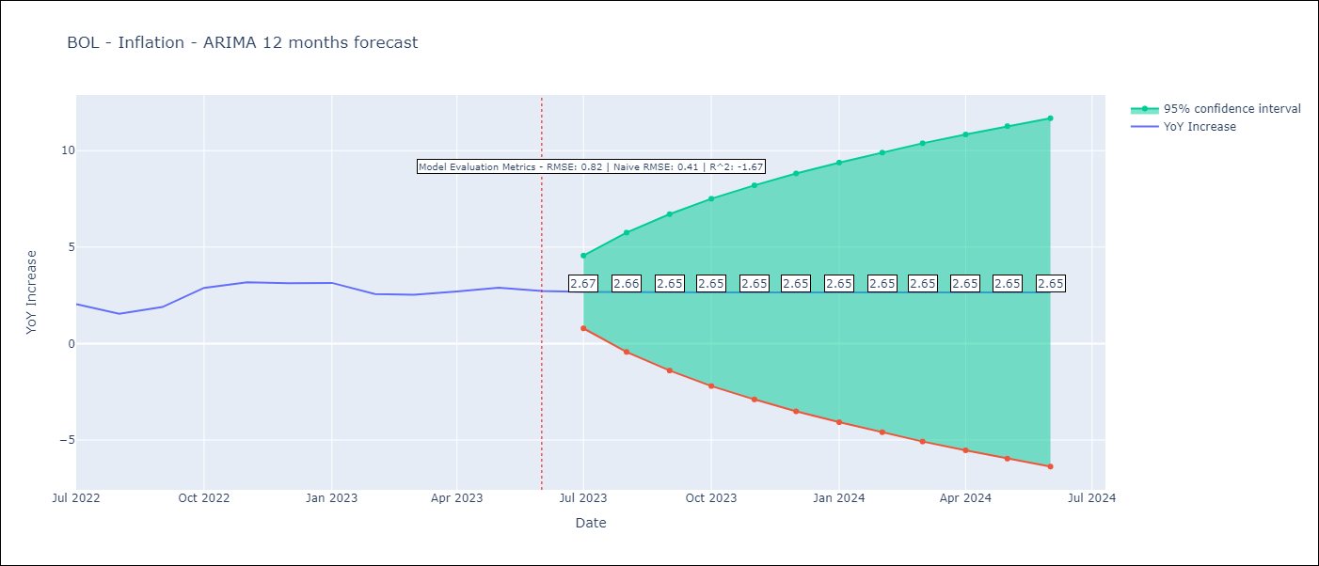

Test Metrics
RMSE | 0.82
Naive RMSE | 0.4
R^2 | -1.67

Test Predictions
Date | Predicted | Actual
2022-07-01 | 1.91 | 2.04
2022-08-01 | 1.94 | 1.55
2022-09-01 | 1.95 | 1.89
2022-10-01 | 1.95 | 2.89
2022-11-01 | 1.95 | 3.17
2022-12-01 | 1.95 | 3.12
2023-01-01 | 1.95 | 3.14
2023-02-01 | 1.95 | 2.57
2023-03-01 | 1.95 | 2.53
2023-04-01 | 1.95 | 2.7
2023-05-01 | 1.95 | 2.9
2023-06-01 | 1.95 | 2.73

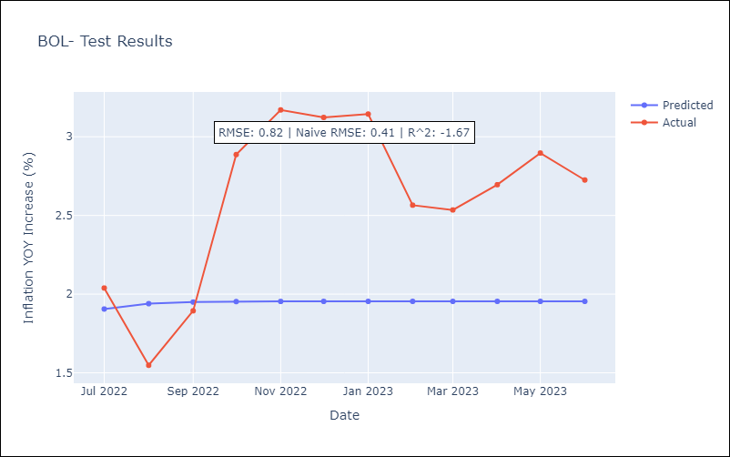

Appendix A: Model Summary
Model | ARIMA(1, 1, 0)
Sample | 01-01-1989- 06-01-2023
No. of Observations | 414
Terms | P-value (Statistical significance)
ar.L1 | 0.000
sigma2 | 0.000
Assumptions | P-value | Interpretation
Ljung-Box (L1) | 0.88 | Residuals are independent.
Heteroskedasticity | 0.00 | Residuals have different variances.
Jarque-Bera | 0.00 | Residuals are not normally distributed.
Skew | 0.04 | Positive skew - model underestimates the mean.
Kurtosis | 9.70 | Residuals contain more extreme outliers than in a normal distribution.

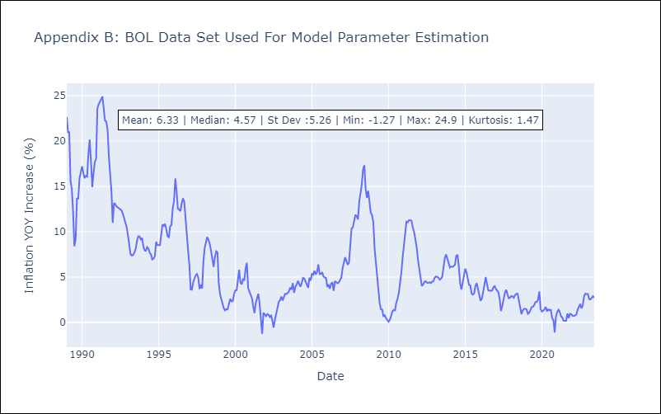

Appendix C: Residuals Analysis
Mean | 0.01
Variance | 2.23
Independent? | No
Heteroskedastic? - Breusch-Pagan | Yes
Heteroskedastic? - Goldfeld-Quandt | Yes
Heteroskedastic? - White | Yes
Heteroskedastic? - ARCH | Yes
Normal? | No

BRA
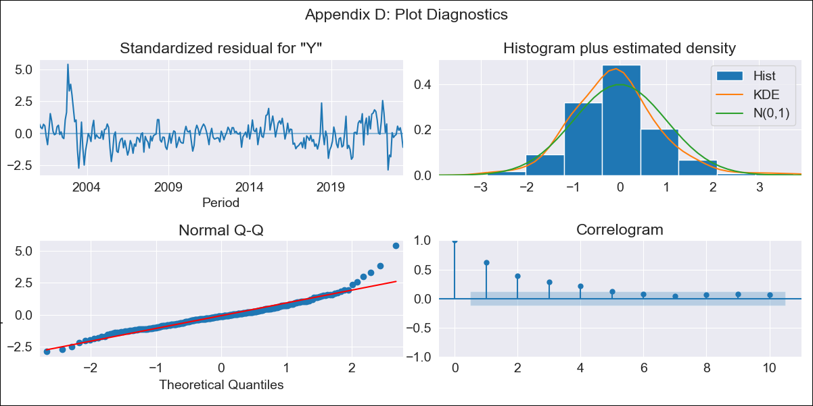

BRA - Inflation - Next 12 months forecast as of: 2023-06-01

Model | ARIMA - [(0, 1, 0), (2, 0, 1, 12)]
Training Data | 1999-01-01 to 2022-07-01
Test Data | 2022-07-01 to 2023-06-01

Date | Inflation Change YoY % | Lower Bound - 95% Confidence Interval | Upper Bound - 95% Confidence Interval
2023-07-01 | 4.14 | 3.29 | 4.99
2023-08-01 | 4.68 | 3.48 | 5.89
2023-09-01 | 5.29 | 3.81 | 6.77
2023-10-01 | 5.22 | 3.51 | 6.92
2023-11-01 | 5.33 | 3.42 | 7.23
2023-12-01 | 5.47 | 3.39 | 7.56
2024-01-01 | 5.47 | 3.21 | 7.72
2024-02-01 | 5.24 | 2.83 | 7.65
2024-03-01 | 5.06 | 2.51 | 7.62
2024-04-01 | 4.8 | 2.11 | 7.5
2024-05-01 | 4.9 | 2.07 | 7.73
2024-06-01 | 5.28 | 2.33 | 8.24

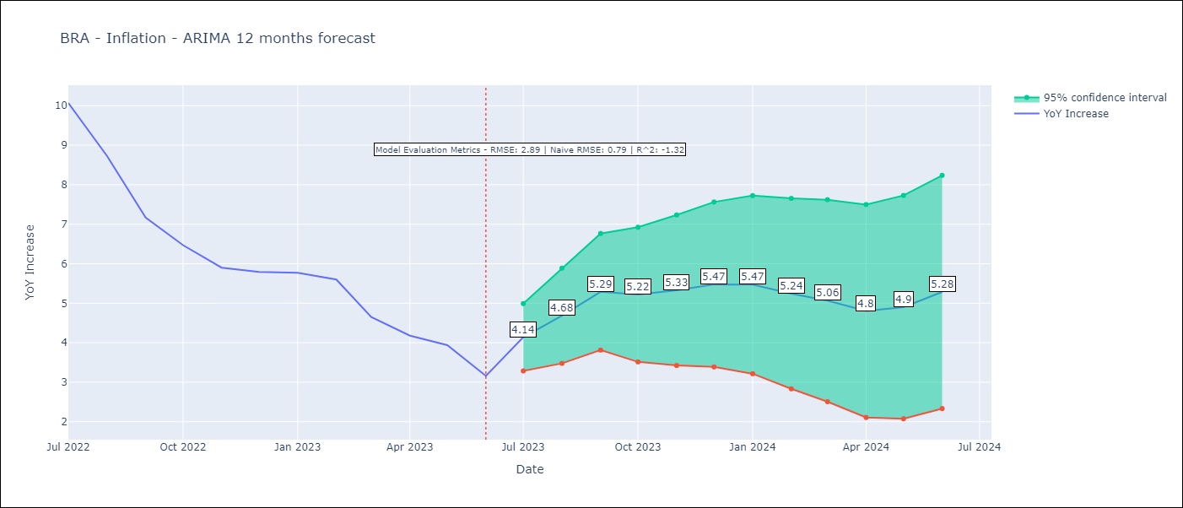

Test Metrics
RMSE | 2.89
Naive RMSE | 0.92
R^2 | -1.32

Test Predictions
Date | Predicted | Actual
2022-07-01 | 11.36 | 10.07
2022-08-01 | 10.81 | 8.73
2022-09-01 | 10.08 | 7.17
2022-10-01 | 9.4 | 6.47
2022-11-01 | 9.02 | 5.9
2022-12-01 | 8.98 | 5.79
2023-01-01 | 9.03 | 5.77
2023-02-01 | 8.65 | 5.6
2023-03-01 | 7.64 | 4.65
2023-04-01 | 7.04 | 4.18
2023-05-01 | 6.88 | 3.94
2023-06-01 | 6.58 | 3.16

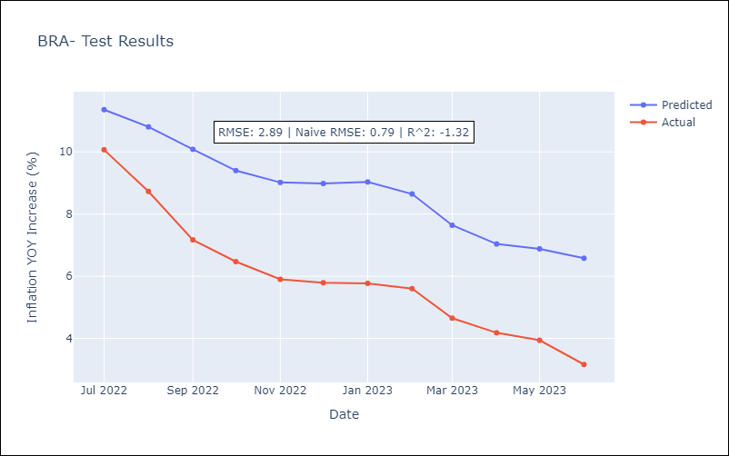

Appendix A: Model Summary
Model | ARIMA(0, 1, 0)x(2, 0, [1], 12)
Sample | 01-01-1999- 06-01-2023
No. of Observations | 294
Terms | P-value (Statistical significance)
ar.S.L12 | 0.993
ar.S.L24 | 0.148
ma.S.L12 | 0.000
sigma2 | 0.000
Assumptions | P-value | Interpretation
Ljung-Box (L1) | 0.00 | Residuals are not independent.
Heteroskedasticity | 0.08 | Residuals have the same variance.
Jarque-Bera | 0.00 | Residuals are not normally distributed.
Skew | 1.00 | Positive skew - model underestimates the mean.
Kurtosis | 7.08 | Residuals contain more extreme outliers than in a normal distribution.

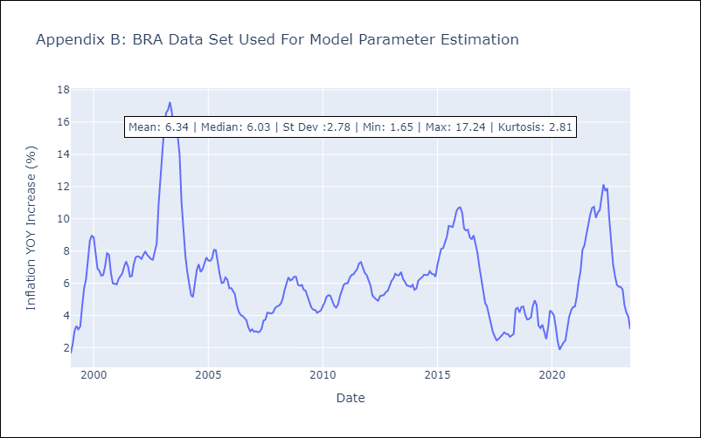

Appendix C: Residuals Analysis
Mean | -0.01
Variance | 0.24
Independent? | No
Heteroskedastic? - Breusch-Pagan | Yes
Heteroskedastic? - Goldfeld-Quandt | Yes
Heteroskedastic? - White | Yes
Heteroskedastic? - ARCH | Yes
Normal? | No

COL
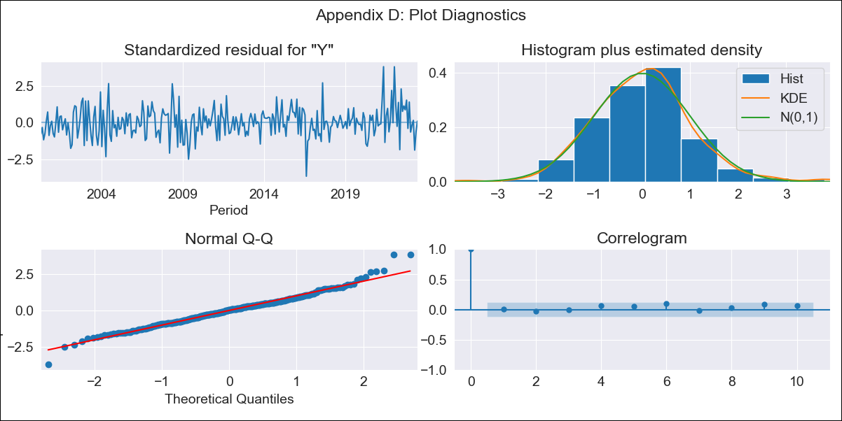

COL - Inflation - Next 12 months forecast as of: 2023-06-01

Model | ARIMA - [(1, 1, 1), (0, 0, 0, 12)]
Training Data | 2000-01-01 to 2022-07-01
Test Data | 2022-07-01 to 2023-06-01

Date | Inflation Change YoY % | Lower Bound - 95% Confidence Interval | Upper Bound - 95% Confidence Interval
2023-07-01 | 12 | 11.42 | 12.57
2023-08-01 | 11.92 | 10.87 | 12.98
2023-09-01 | 11.88 | 10.39 | 13.37
2023-10-01 | 11.85 | 9.97 | 13.74
2023-11-01 | 11.84 | 9.6 | 14.09
2023-12-01 | 11.83 | 9.27 | 14.4
2024-01-01 | 11.83 | 8.97 | 14.69
2024-02-01 | 11.83 | 8.69 | 14.96
2024-03-01 | 11.82 | 8.44 | 15.21
2024-04-01 | 11.82 | 8.2 | 15.44
2024-05-01 | 11.82 | 7.98 | 15.67
2024-06-01 | 11.82 | 7.77 | 15.88

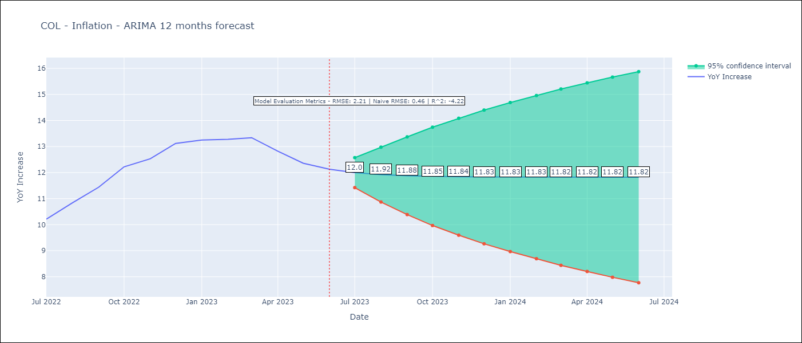

Test Metrics
RMSE | 2.21
Naive RMSE | 0.47
R^2 | -4.22

Test Predictions
Date | Predicted | Actual
2022-07-01 | 9.98 | 10.21
2022-08-01 | 10.15 | 10.84
2022-09-01 | 10.23 | 11.44
2022-10-01 | 10.28 | 12.22
2022-11-01 | 10.3 | 12.53
2022-12-01 | 10.32 | 13.12
2023-01-01 | 10.32 | 13.25
2023-02-01 | 10.33 | 13.28
2023-03-01 | 10.33 | 13.34
2023-04-01 | 10.33 | 12.82
2023-05-01 | 10.33 | 12.36
2023-06-01 | 10.33 | 12.13

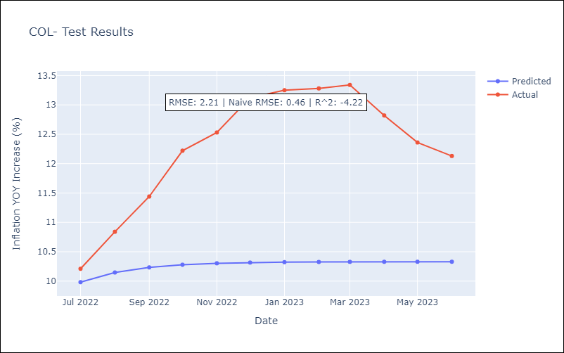

Appendix A: Model Summary
Model | ARIMA(1, 1, 1)
Sample | 01-01-2000- 06-01-2023
No. of Observations | 282
Terms | P-value (Statistical significance)
ar.L1 | 0.000
ma.L1 | 0.706
sigma2 | 0.000
Assumptions | P-value | Interpretation
Ljung-Box (L1) | 0.93 | Residuals are independent.
Heteroskedasticity | 0.15 | Residuals have the same variance.
Jarque-Bera | 0.00 | Residuals are not normally distributed.
Skew | 0.29 | Positive skew - model underestimates the mean.
Kurtosis | 4.37 | Residuals contain more extreme outliers than in a normal distribution.

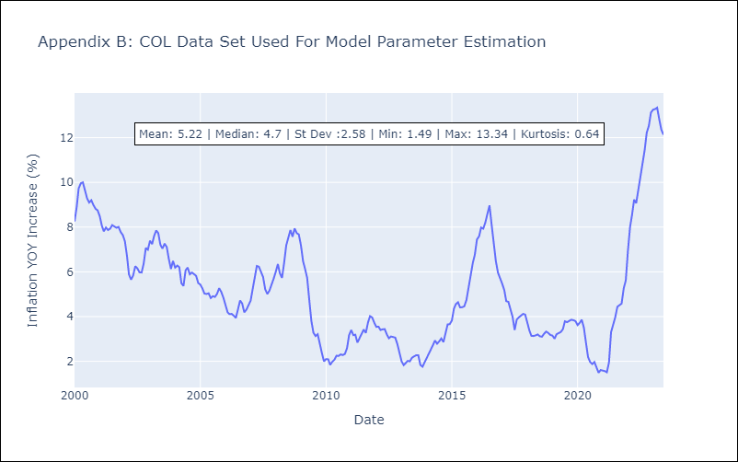

Appendix C: Residuals Analysis
Mean | 0.03
Variance | 0.34
Independent? | No
Heteroskedastic? - Breusch-Pagan | No
Heteroskedastic? - Goldfeld-Quandt | Yes
Heteroskedastic? - White | Yes
Heteroskedastic? - ARCH | No
Normal? | No

CRI
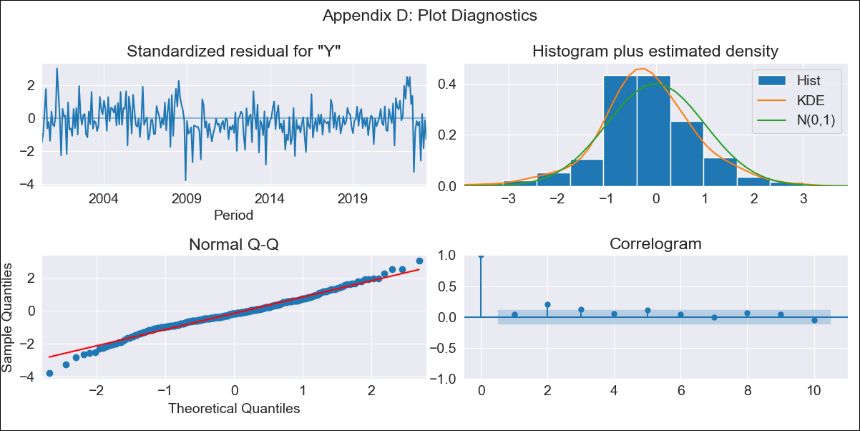

CRI - Inflation - Next 12 months forecast as of: 2023-06-01

Model | ARIMA - [(0, 1, 1), (0, 0, 1, 12)]
Training Data | 1999-01-01 to 2022-07-01
Test Data | 2022-07-01 to 2023-06-01

Date | Inflation Change YoY % | Lower Bound - 95% Confidence Interval | Upper Bound - 95% Confidence Interval
2023-07-01 | -2.03 | -2.99 | -1.06
2023-08-01 | -2.67 | -4.34 | -0.99
2023-09-01 | -1.65 | -3.81 | 0.52
2023-10-01 | -0.83 | -3.39 | 1.74
2023-11-01 | -0.63 | -3.54 | 2.28
2023-12-01 | -0.43 | -3.64 | 2.79
2024-01-01 | -0.27 | -3.77 | 3.22
2024-02-01 | 0.74 | -3.02 | 4.49
2024-03-01 | 1.06 | -2.94 | 5.05
2024-04-01 | 1.71 | -2.52 | 5.93
2024-05-01 | 2.05 | -2.39 | 6.49
2024-06-01 | 2.57 | -2.08 | 7.22

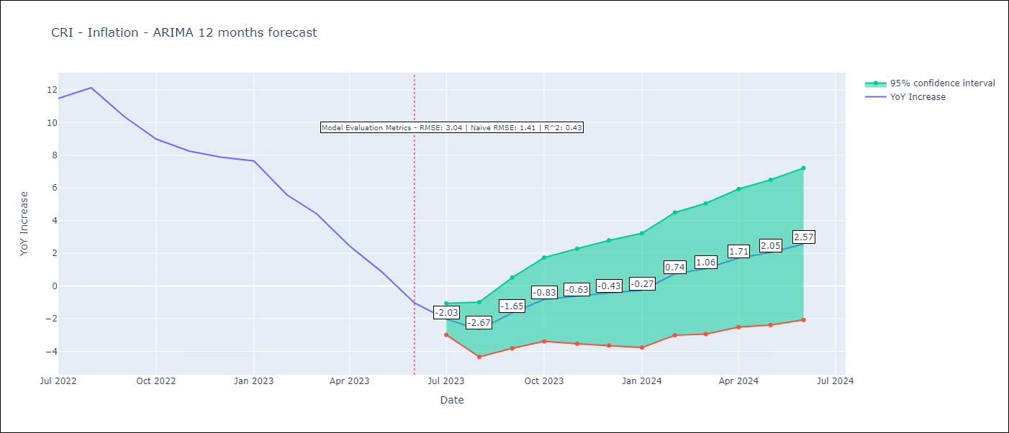

Test Metrics
RMSE | 3.04
Naive RMSE | 1.41
R^2 | 0.43

Test Predictions
Date | Predicted | Actual
2022-07-01 | 11.04 | 11.48
2022-08-01 | 10.84 | 12.13
2022-09-01 | 10.43 | 10.37
2022-10-01 | 10.14 | 8.99
2022-11-01 | 9.66 | 8.26
2022-12-01 | 9.54 | 7.88
2023-01-01 | 9.49 | 7.65
2023-02-01 | 8.75 | 5.58
2023-03-01 | 8.02 | 4.42
2023-04-01 | 6.92 | 2.44
2023-05-01 | 5.83 | 0.88
2023-06-01 | 4.63 | -1.04

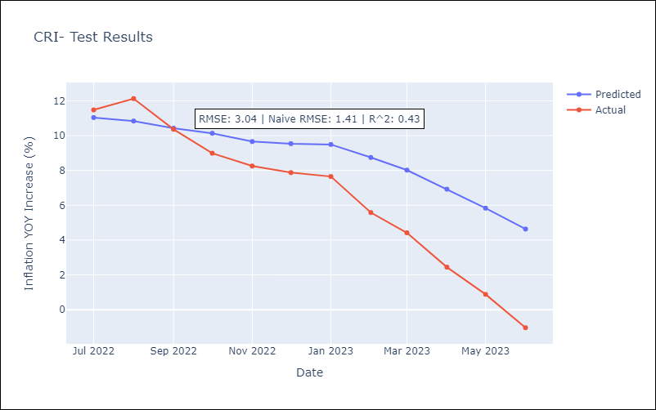

Appendix A: Model Summary
Model | ARIMA(0, 1, 1)x(0, 0, 1, 12)
Sample | 01-01-1999- 06-01-2023
No. of Observations | 294
Terms | P-value (Statistical significance)
ma.L1 | 0.000
ma.S.L12 | 0.000
sigma2 | 0.000
Assumptions | P-value | Interpretation
Ljung-Box (L1) | 0.47 | Residuals are independent.
Heteroskedasticity | 0.96 | Residuals have the same variance.
Jarque-Bera | 0.00 | Residuals are not normally distributed.
Skew | -0.09 | Negative skew - Model overestimates the mean.
Kurtosis | 4.11 | Residuals contain more extreme outliers than in a normal distribution.

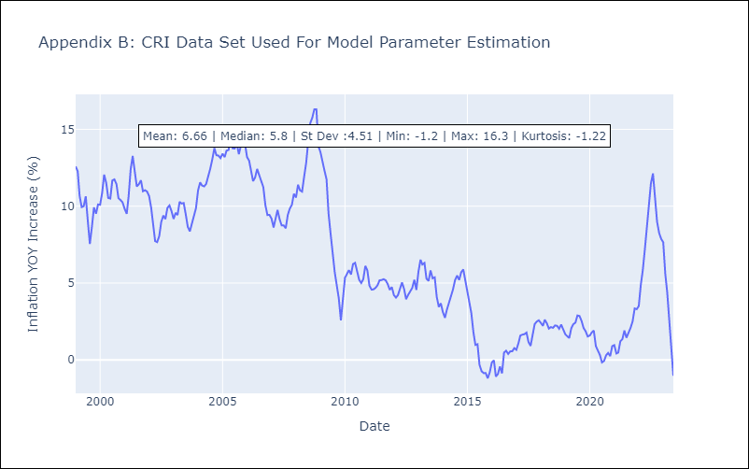

Appendix C: Residuals Analysis
Mean | -0.04
Variance | 0.83
Independent? | Yes
Heteroskedastic? - Breusch-Pagan | No
Heteroskedastic? - Goldfeld-Quandt | Yes
Heteroskedastic? - White | Yes
Heteroskedastic? - ARCH | Yes
Normal? | No

DOM
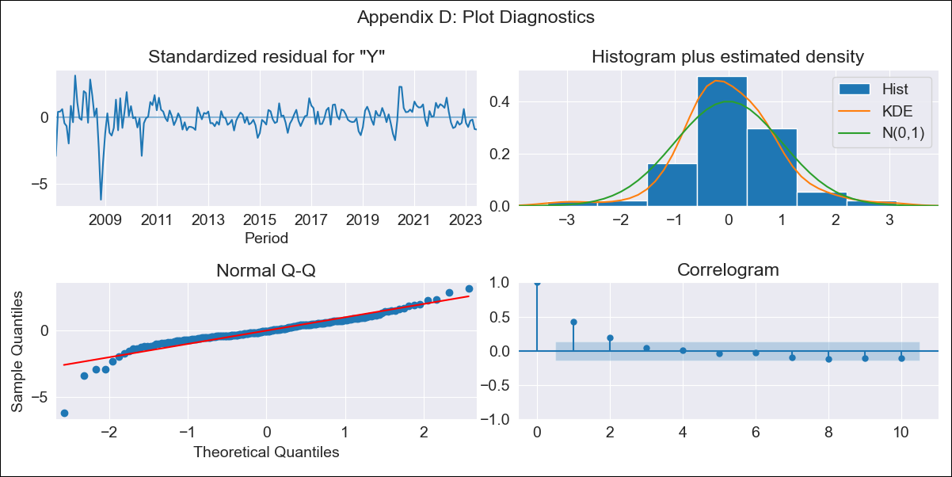

DOM - Inflation - Next 12 months forecast as of: 2023-06-01

Model | ARIMA - [(0, 1, 0), (2, 0, 0, 12)]
Training Data | 2005-01-01 to 2022-07-01
Test Data | 2022-07-01 to 2023-06-01

Date | Inflation Change YoY % | Lower Bound - 95% Confidence Interval | Upper Bound - 95% Confidence Interval
2023-07-01 | 4.32 | 2.87 | 5.78
2023-08-01 | 4.7 | 2.64 | 6.75
2023-09-01 | 4.83 | 2.31 | 7.35
2023-10-01 | 5.06 | 2.16 | 7.97
2023-11-01 | 5.35 | 2.09 | 8.6
2023-12-01 | 5.14 | 1.58 | 8.71
2024-01-01 | 5.44 | 1.59 | 9.29
2024-02-01 | 5.9 | 1.79 | 10.01
2024-03-01 | 6.17 | 1.8 | 10.53
2024-04-01 | 6.49 | 1.89 | 11.08
2024-05-01 | 6.95 | 2.13 | 11.77
2024-06-01 | 7.2 | 2.17 | 12.24

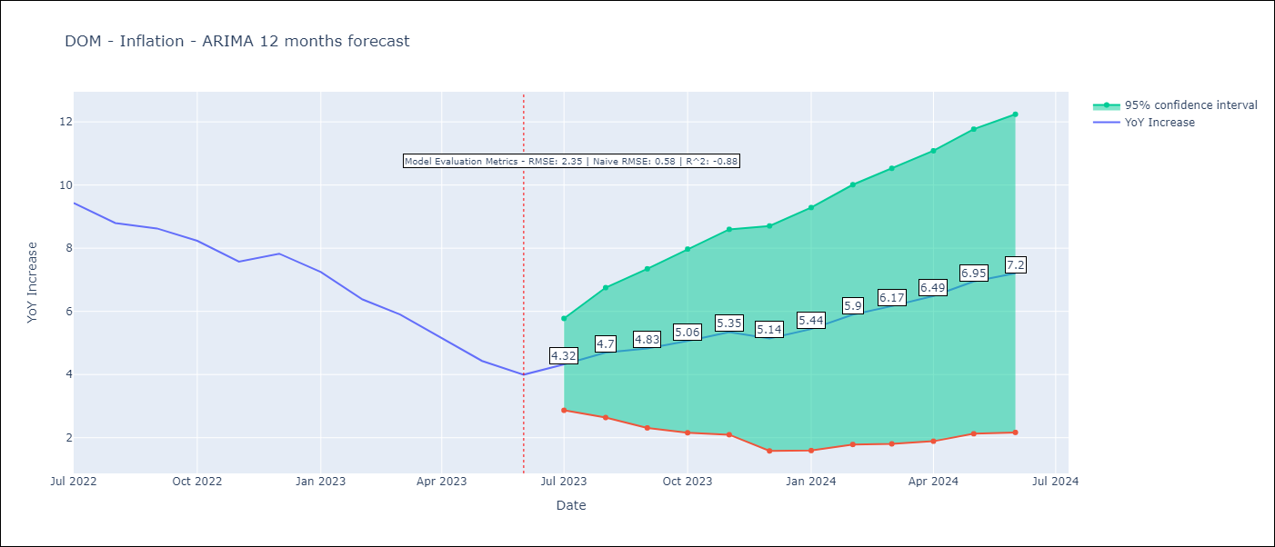

Test Metrics
RMSE | 2.35
Naive RMSE | 0.55
R^2 | -0.88

Test Predictions
Date | Predicted | Actual
2022-07-01 | 10.04 | 9.43
2022-08-01 | 9.93 | 8.8
2022-09-01 | 9.98 | 8.63
2022-10-01 | 10 | 8.24
2022-11-01 | 9.64 | 7.58
2022-12-01 | 9.43 | 7.83
2023-01-01 | 9.15 | 7.24
2023-02-01 | 8.83 | 6.38
2023-03-01 | 8.54 | 5.9
2023-04-01 | 7.92 | 5.15
2023-05-01 | 7.85 | 4.43
2023-06-01 | 8.08 | 4

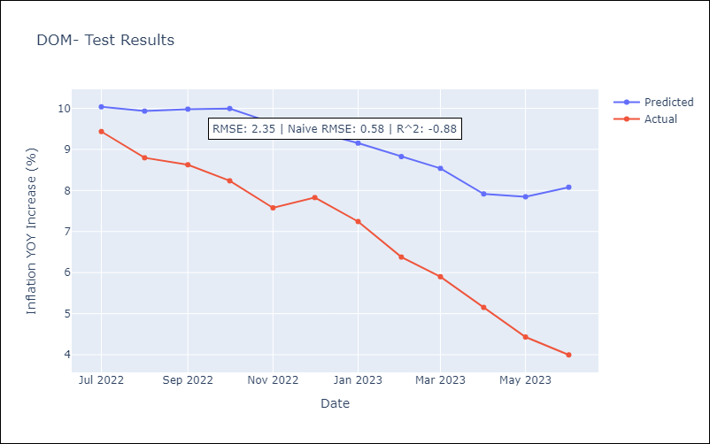

Appendix A: Model Summary
Model | ARIMA(0, 1, 0)x(2, 0, 0, 12)
Sample | 01-01-2005- 06-01-2023
No. of Observations | 222
Terms | P-value (Statistical significance)
ar.S.L12 | 0.000
ar.S.L24 | 0.000
sigma2 | 0.000
Assumptions | P-value | Interpretation
Ljung-Box (L1) | 0.00 | Residuals are not independent.
Heteroskedasticity | 0.00 | Residuals have different variances.
Jarque-Bera | 0.00 | Residuals are not normally distributed.
Skew | -1.15 | Negative skew - Model overestimates the mean.
Kurtosis | 10.68 | Residuals contain more extreme outliers than in a normal distribution.

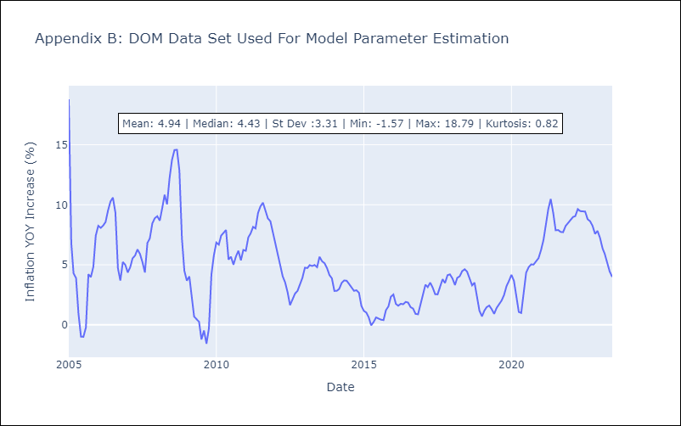

Appendix C: Residuals Analysis
Mean | 0.02
Variance | 3.44
Independent? | No
Heteroskedastic? - Breusch-Pagan | Yes
Heteroskedastic? - Goldfeld-Quandt | Yes
Heteroskedastic? - White | Yes
Heteroskedastic? - ARCH | Yes
Normal? | No

ECU
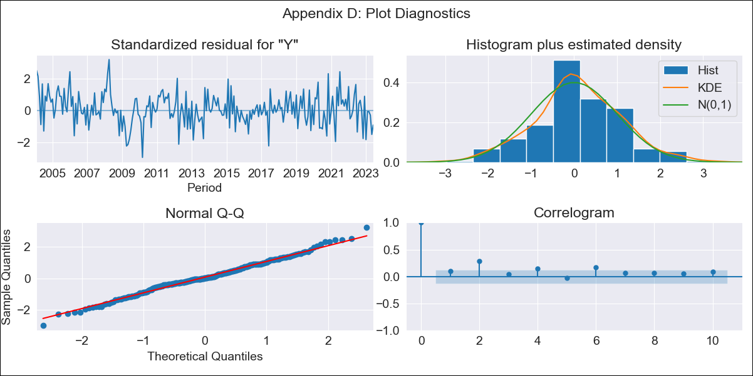

ECU - Inflation - Next 12 months forecast as of: 2023-06-01

Model | ARIMA - [(0, 1, 1), (3, 1, 0, 12)]
Training Data | 2000-01-01 to 2022-07-01
Test Data | 2022-07-01 to 2023-06-01

Date | Inflation Change YoY % | Lower Bound - 95% Confidence Interval | Upper Bound - 95% Confidence Interval
2023-07-01 | 2 | 1.02 | 2.99
2023-08-01 | 2.23 | 0.52 | 3.94
2023-09-01 | 2.44 | 0.23 | 4.65
2023-10-01 | 2.6 | -0.02 | 5.21
2023-11-01 | 2.75 | -0.22 | 5.71
2023-12-01 | 2.84 | -0.44 | 6.12
2024-01-01 | 3 | -0.57 | 6.56
2024-02-01 | 3.03 | -0.79 | 6.86
2024-03-01 | 2.98 | -1.1 | 7.05
2024-04-01 | 2.94 | -1.37 | 7.25
2024-05-01 | 3.11 | -1.42 | 7.64
2024-06-01 | 3.56 | -1.18 | 8.3

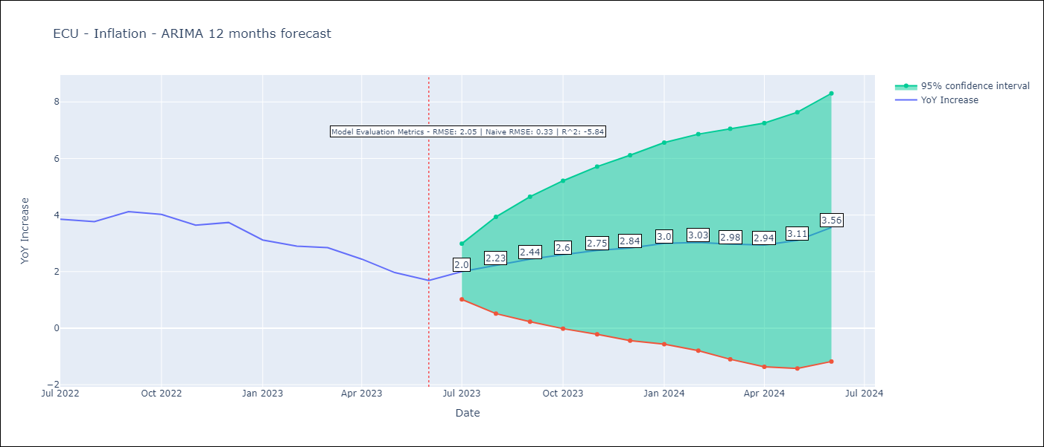

Test Metrics
RMSE | 2.05
Naive RMSE | 0.33
R^2 | -5.84

Test Predictions
Date | Predicted | Actual
2022-07-01 | 4.57 | 3.86
2022-08-01 | 4.56 | 3.77
2022-09-01 | 4.51 | 4.12
2022-10-01 | 4.27 | 4.02
2022-11-01 | 4.78 | 3.64
2022-12-01 | 4.8 | 3.74
2023-01-01 | 4.93 | 3.12
2023-02-01 | 5.13 | 2.9
2023-03-01 | 5.12 | 2.85
2023-04-01 | 4.87 | 2.44
2023-05-01 | 5.23 | 1.97
2023-06-01 | 5.75 | 1.69

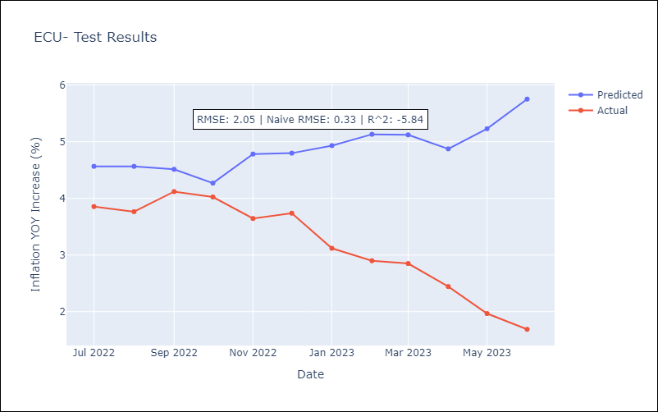

Appendix A: Model Summary
Model | ARIMA(0, 1, 1)x(3, 1, [], 12)
Sample | 01-01-2000- 06-01-2023
No. of Observations | 282
Terms | P-value (Statistical significance)
ma.L1 | 0.000
ar.S.L12 | 0.000
ar.S.L24 | 0.014
ar.S.L36 | 0.788
sigma2 | 0.000
Assumptions | P-value | Interpretation
Ljung-Box (L1) | 0.15 | Residuals are independent.
Heteroskedasticity | 0.15 | Residuals have the same variance.
Jarque-Bera | 0.55 | Residuals are normally distributed.
Skew | 0.02 | Positive skew - model underestimates the mean.
Kurtosis | 3.35 | Residuals contain more extreme outliers than in a normal distribution.

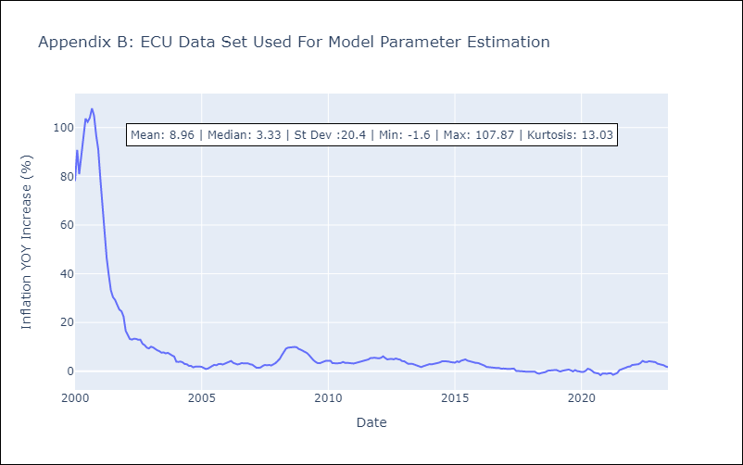

Appendix C: Residuals Analysis
Mean | 0.03
Variance | 39.06
Independent? | No
Heteroskedastic? - Breusch-Pagan | Yes
Heteroskedastic? - Goldfeld-Quandt | Yes
Heteroskedastic? - White | Yes
Heteroskedastic? - ARCH | No
Normal? | No

GTM
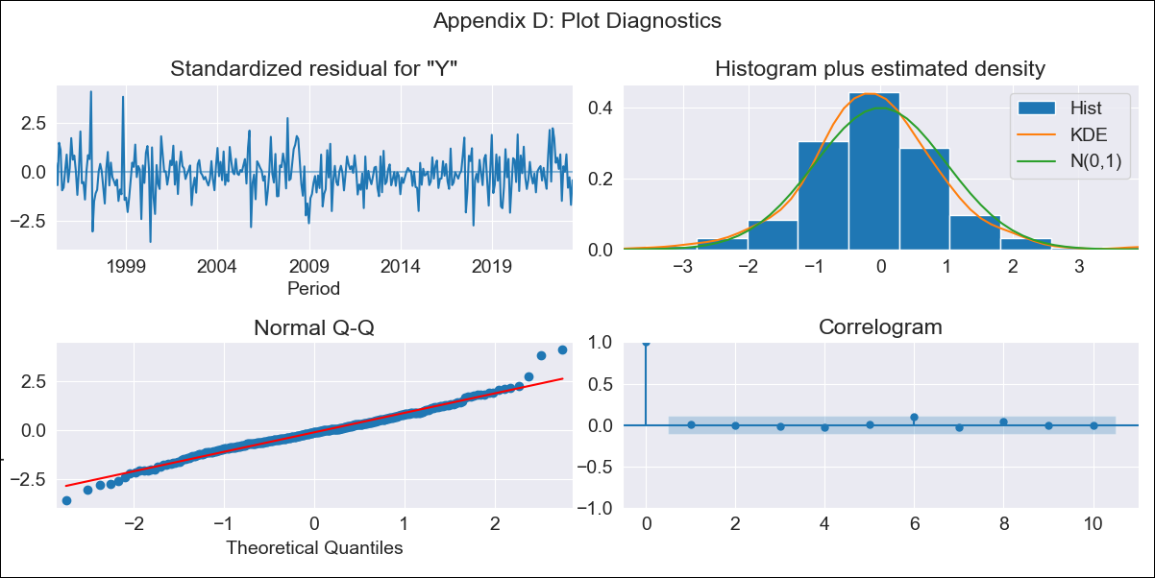

GTM - Inflation - Next 12 months forecast as of: 2023-06-01

Model | ARIMA - [(3, 1, 0), (0, 0, 1, 12)]
Training Data | 1994-01-01 to 2022-07-01
Test Data | 2022-07-01 to 2023-06-01

Date | Inflation Change YoY % | Lower Bound - 95% Confidence Interval | Upper Bound - 95% Confidence Interval
2023-07-01 | 4.22 | 3.28 | 5.17
2023-08-01 | 3.69 | 2.08 | 5.3
2023-09-01 | 3.4 | 1.29 | 5.52
2023-10-01 | 2.93 | 0.38 | 5.47
2023-11-01 | 3.35 | 0.42 | 6.27
2023-12-01 | 3.4 | 0.14 | 6.67
2024-01-01 | 3.37 | -0.2 | 6.94
2024-02-01 | 2.99 | -0.86 | 6.85
2024-03-01 | 3.18 | -0.94 | 7.3
2024-04-01 | 3.38 | -0.99 | 7.75
2024-05-01 | 4.11 | -0.49 | 8.72
2024-06-01 | 4.56 | -0.27 | 9.39

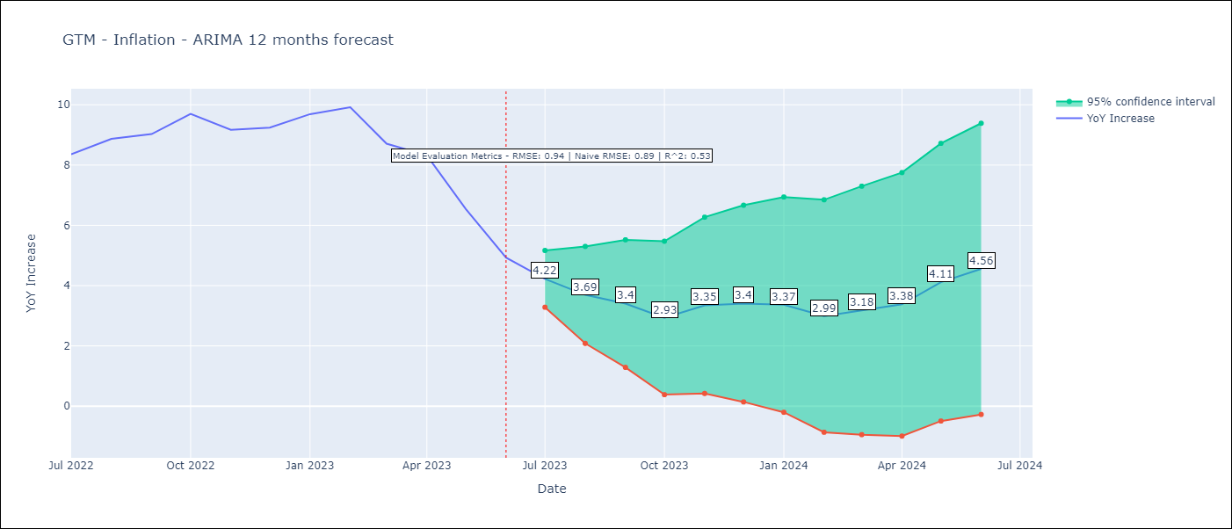

Test Metrics
RMSE | 0.94
Naive RMSE | 0.88
R^2 | 0.53

Test Predictions
Date | Predicted | Actual
2022-07-01 | 8.11 | 8.36
2022-08-01 | 8.15 | 8.87
2022-09-01 | 8.06 | 9.03
2022-10-01 | 8.23 | 9.7
2022-11-01 | 8.2 | 9.17
2022-12-01 | 8.34 | 9.24
2023-01-01 | 8.75 | 9.69
2023-02-01 | 8.53 | 9.92
2023-03-01 | 7.54 | 8.71
2023-04-01 | 7.39 | 8.32
2023-05-01 | 6.47 | 6.54
2023-06-01 | 5.39 | 4.93

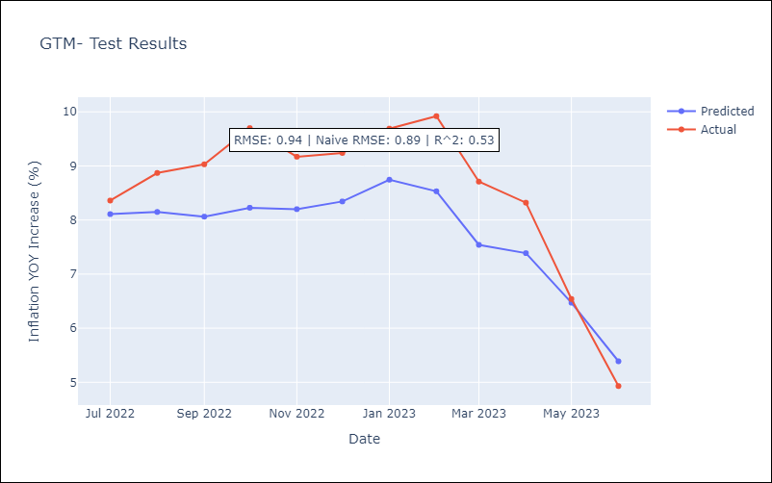

Appendix A: Model Summary
Model | ARIMA(3, 1, 0)x(0, 0, [1], 12)
Sample | 01-01-1994- 06-01-2023
No. of Observations | 354
Terms | P-value (Statistical significance)
ar.L1 | 0.000
ar.L2 | 0.172
ar.L3 | 0.448
ma.S.L12 | 0.000
sigma2 | 0.000
Assumptions | P-value | Interpretation
Ljung-Box (L1) | 0.97 | Residuals are independent.
Heteroskedasticity | 0.03 | Residuals have different variances.
Jarque-Bera | 0.00 | Residuals are not normally distributed.
Skew | 0.20 | Positive skew - model underestimates the mean.
Kurtosis | 4.74 | Residuals contain more extreme outliers than in a normal distribution.

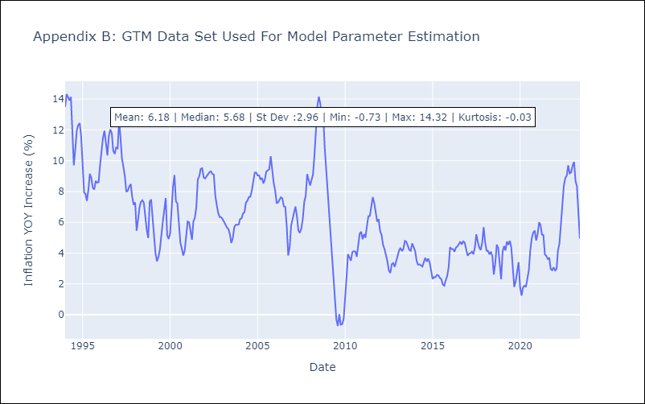

Appendix C: Residuals Analysis
Mean | -0.02
Variance | 0.81
Independent? | Yes
Heteroskedastic? - Breusch-Pagan | Yes
Heteroskedastic? - Goldfeld-Quandt | Yes
Heteroskedastic? - White | Yes
Heteroskedastic? - ARCH | Yes
Normal? | No

HND
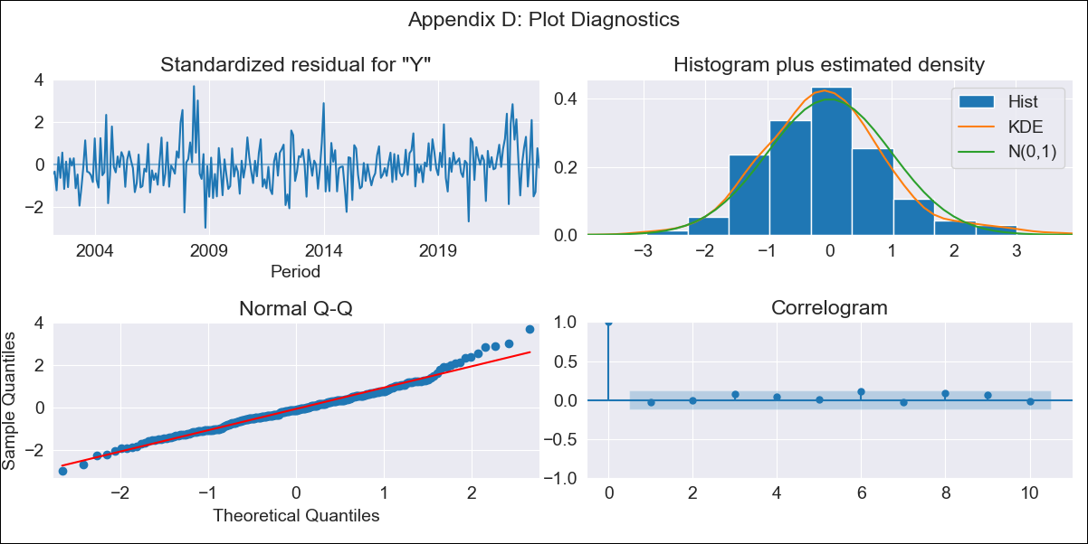

HND - Inflation - Next 12 months forecast as of: 2023-06-01

Model | ARIMA - [(1, 1, 0), (3, 0, 0, 12)]
Training Data | 1999-01-01 to 2022-07-01
Test Data | 2022-07-01 to 2023-06-01

Date | Inflation Change YoY % | Lower Bound - 95% Confidence Interval | Upper Bound - 95% Confidence Interval
2023-07-01 | 5.18 | 4.48 | 5.88
2023-08-01 | 5.4 | 4.2 | 6.61
2023-09-01 | 5.58 | 3.96 | 7.2
2023-10-01 | 5.37 | 3.39 | 7.35
2023-11-01 | 4.92 | 2.63 | 7.21
2023-12-01 | 5.19 | 2.62 | 7.75
2024-01-01 | 5.35 | 2.53 | 8.16
2024-02-01 | 4.57 | 1.52 | 7.61
2024-03-01 | 4.82 | 1.56 | 8.08
2024-04-01 | 5.32 | 1.86 | 8.78
2024-05-01 | 5.37 | 1.72 | 9.02
2024-06-01 | 5.55 | 1.72 | 9.38

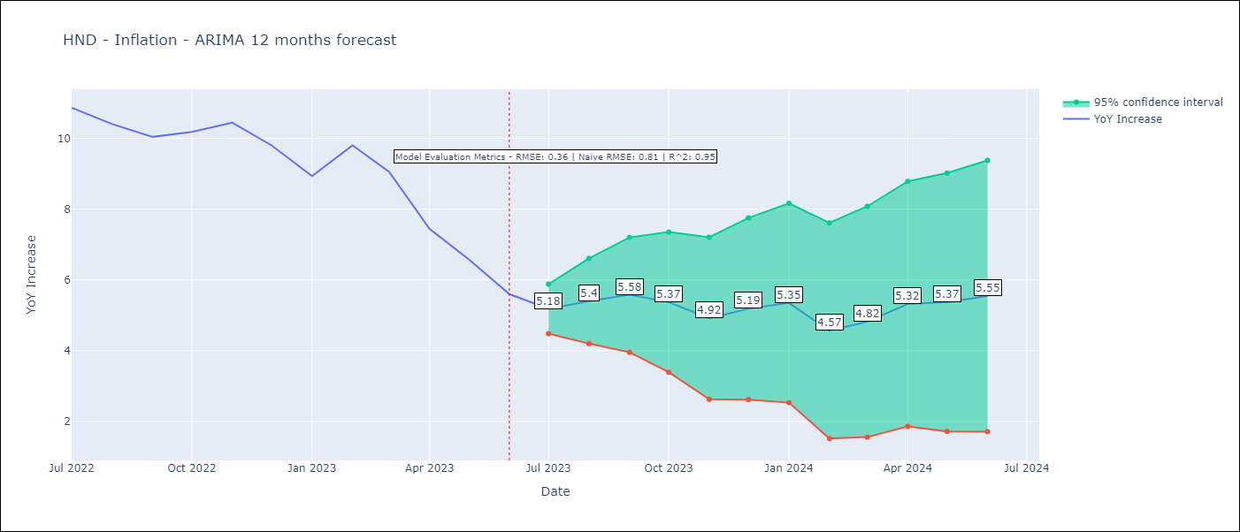

Test Metrics
RMSE | 0.36
Naive RMSE | 0.8
R^2 | 0.95

Test Predictions
Date | Predicted | Actual
2022-07-01 | 10.79 | 10.86
2022-08-01 | 10.83 | 10.4
2022-09-01 | 10.66 | 10.04
2022-10-01 | 10.6 | 10.18
2022-11-01 | 10.32 | 10.44
2022-12-01 | 9.86 | 9.8
2023-01-01 | 9.01 | 8.93
2023-02-01 | 9.11 | 9.8
2023-03-01 | 8.61 | 9.05
2023-04-01 | 7.59 | 7.44
2023-05-01 | 6.71 | 6.58
2023-06-01 | 5.8 | 5.6

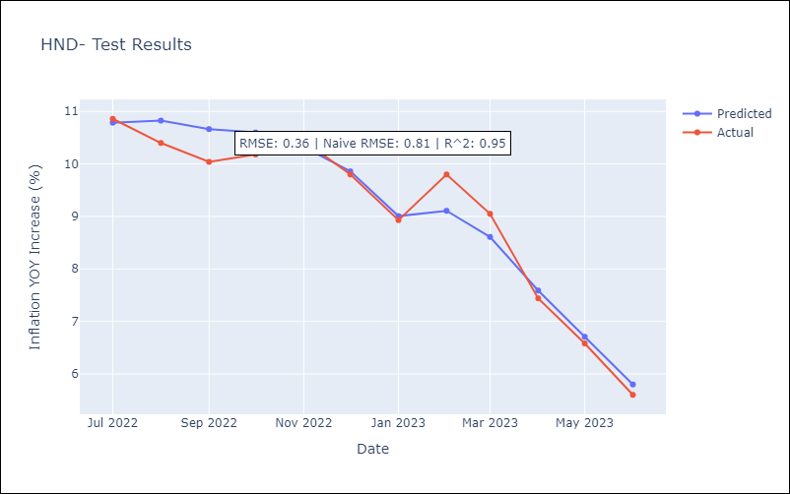

Appendix A: Model Summary
Model | ARIMA(1, 1, 0)x(3, 0, 0, 12)
Sample | 01-01-1999- 06-01-2023
No. of Observations | 294
Terms | P-value (Statistical significance)
ar.L1 | 0.000
ar.S.L12 | 0.000
ar.S.L24 | 0.000
ar.S.L36 | 0.000
sigma2 | 0.000
Assumptions | P-value | Interpretation
Ljung-Box (L1) | 0.72 | Residuals are independent.
Heteroskedasticity | 0.23 | Residuals have the same variance.
Jarque-Bera | 0.00 | Residuals are not normally distributed.
Skew | 0.44 | Positive skew - model underestimates the mean.
Kurtosis | 4.05 | Residuals contain more extreme outliers than in a normal distribution.

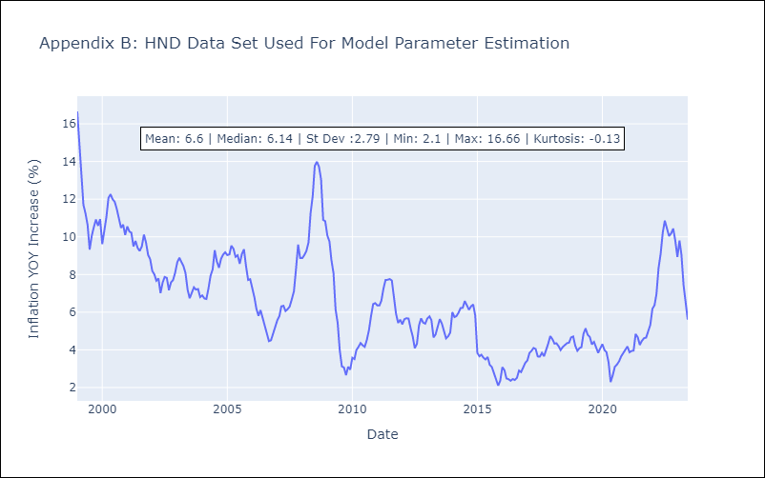

Appendix C: Residuals Analysis
Mean | 0.01
Variance | 1.33
Independent? | No
Heteroskedastic? - Breusch-Pagan | Yes
Heteroskedastic? - Goldfeld-Quandt | Yes
Heteroskedastic? - White | Yes
Heteroskedastic? - ARCH | Yes
Normal? | No

NIC
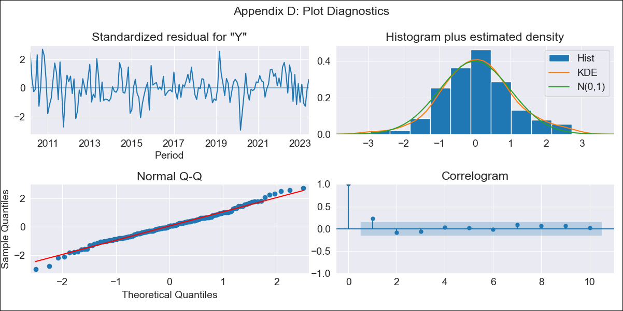
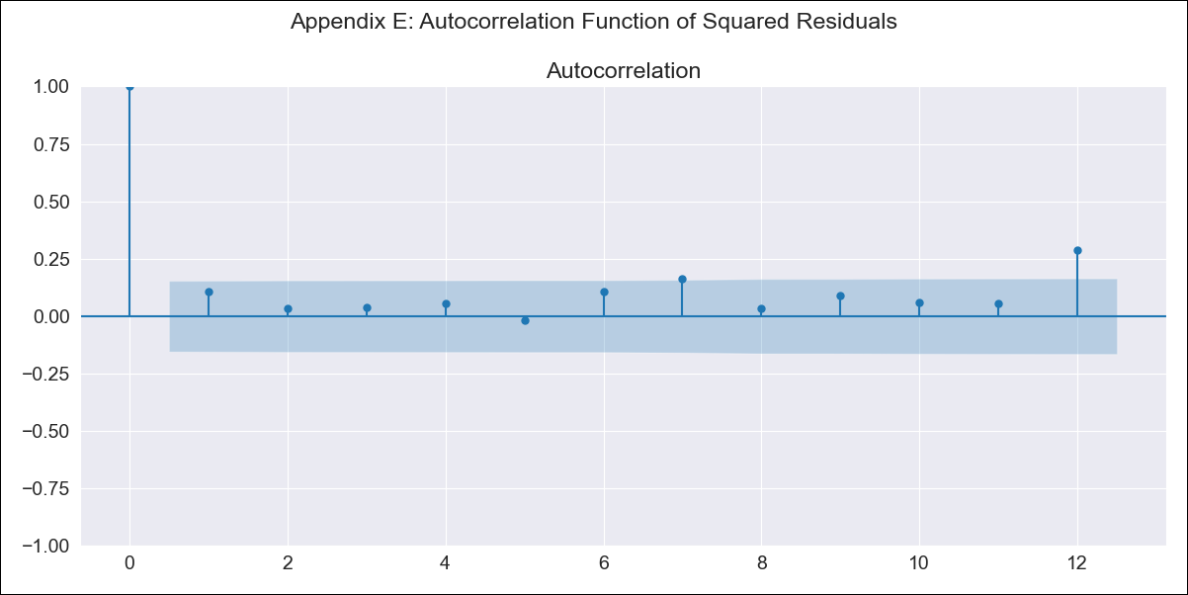
NIC - Inflation - Next 12 months forecast as of: 2023-06-01

Model | ARIMA - [(0, 1, 0), (0, 0, 0, 12)]
Training Data | 2010-01-01 to 2022-07-01
Test Data | 2022-07-01 to 2023-06-01

Date | Inflation Change YoY % | Lower Bound - 95% Confidence Interval | Upper Bound - 95% Confidence Interval
2023-07-01 | 9.87 | 8.55 | 11.19
2023-08-01 | 9.87 | 8.01 | 11.73
2023-09-01 | 9.87 | 7.59 | 12.15
2023-10-01 | 9.87 | 7.23 | 12.51
2023-11-01 | 9.87 | 6.92 | 12.82
2023-12-01 | 9.87 | 6.64 | 13.1
2024-01-01 | 9.87 | 6.38 | 13.36
2024-02-01 | 9.87 | 6.14 | 13.6
2024-03-01 | 9.87 | 5.92 | 13.82
2024-04-01 | 9.87 | 5.7 | 14.04
2024-05-01 | 9.87 | 5.5 | 14.24
2024-06-01 | 9.87 | 5.31 | 14.43

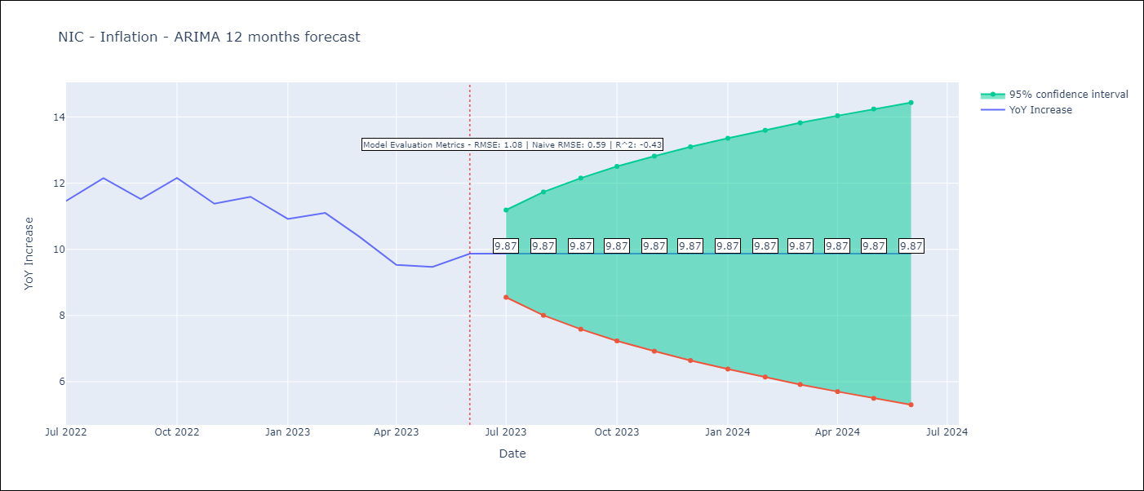

Test Metrics
RMSE | 1.08
Naive RMSE | 0.65
R^2 | -0.43

Test Predictions
Date | Predicted | Actual
2022-07-01 | 10.37 | 11.46
2022-08-01 | 10.37 | 12.15
2022-09-01 | 10.37 | 11.52
2022-10-01 | 10.37 | 12.16
2022-11-01 | 10.37 | 11.38
2022-12-01 | 10.37 | 11.59
2023-01-01 | 10.37 | 10.92
2023-02-01 | 10.37 | 11.1
2023-03-01 | 10.37 | 10.39
2023-04-01 | 10.37 | 9.53
2023-05-01 | 10.37 | 9.47
2023-06-01 | 10.37 | 9.87

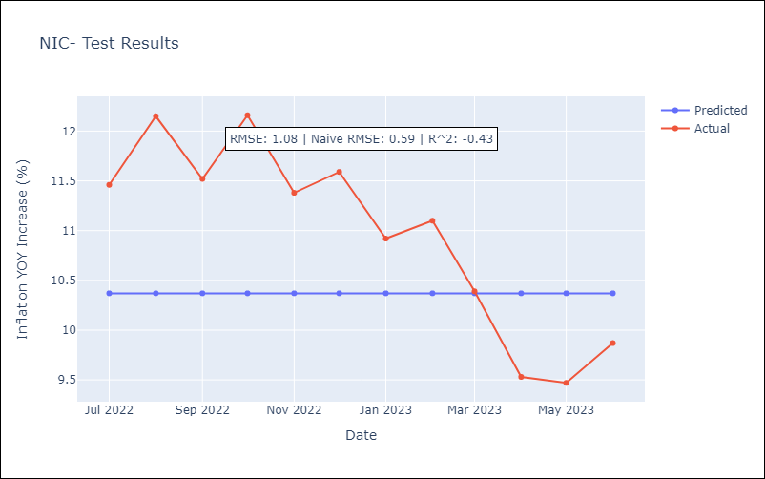

Appendix A: Model Summary
Model | ARIMA(0, 1, 0)
Sample | 01-01-2010- 06-01-2023
No. of Observations | 162
Terms | P-value (Statistical significance)
sigma2 | 0.000
Assumptions | P-value | Interpretation
Ljung-Box (L1) | 0.00 | Residuals are not independent.
Heteroskedasticity | 0.10 | Residuals have the same variance.
Jarque-Bera | 0.45 | Residuals are normally distributed.
Skew | 0.04 | Positive skew - model underestimates the mean.
Kurtosis | 3.48 | Residuals contain more extreme outliers than in a normal distribution.

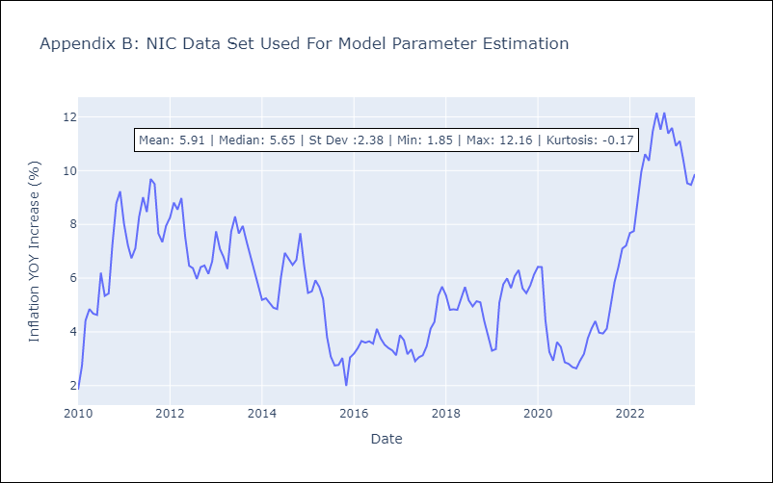

Appendix C: Residuals Analysis
Mean | 0.06
Variance | 0.47
Independent? | No
Heteroskedastic? - Breusch-Pagan | Yes
Heteroskedastic? - Goldfeld-Quandt | Yes
Heteroskedastic? - White | Yes
Heteroskedastic? - ARCH | No
Normal? | Yes

PAN
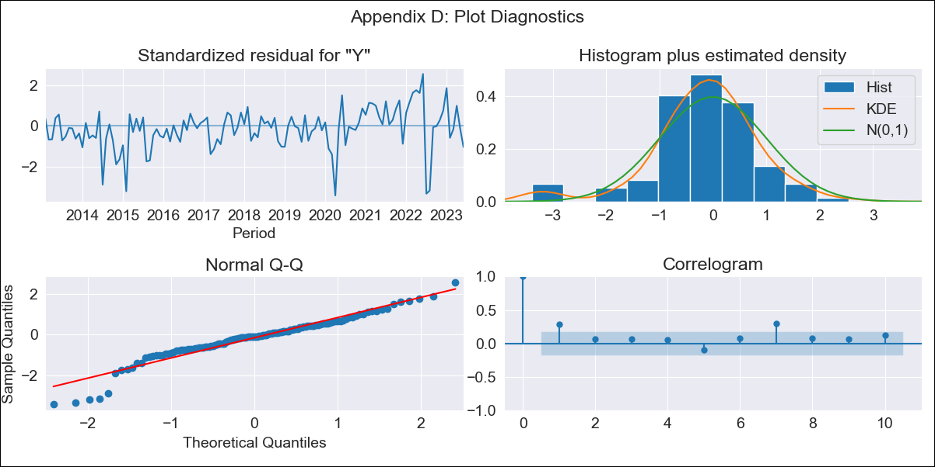

PAN - Inflation - Next 12 months forecast as of: 2023-06-01

Model | ARIMA - [(0, 1, 0), (3, 0, 0, 12)]
Training Data | 2010-01-01 to 2022-07-01
Test Data | 2022-07-01 to 2023-06-01

Date | Inflation Change YoY % | Lower Bound - 95% Confidence Interval | Upper Bound - 95% Confidence Interval
2023-07-01 | 0.24 | -0.59 | 1.07
2023-08-01 | 1.2 | 0.03 | 2.37
2023-09-01 | 1.24 | -0.2 | 2.67
2023-10-01 | 1.21 | -0.44 | 2.87
2023-11-01 | 1.15 | -0.7 | 3
2023-12-01 | 1.04 | -0.99 | 3.07
2024-01-01 | 0.57 | -1.62 | 2.75
2024-02-01 | 0.88 | -1.46 | 3.22
2024-03-01 | 1.04 | -1.44 | 3.52
2024-04-01 | 0.91 | -1.7 | 3.53
2024-05-01 | 0.98 | -1.76 | 3.72
2024-06-01 | 1.29 | -1.57 | 4.16

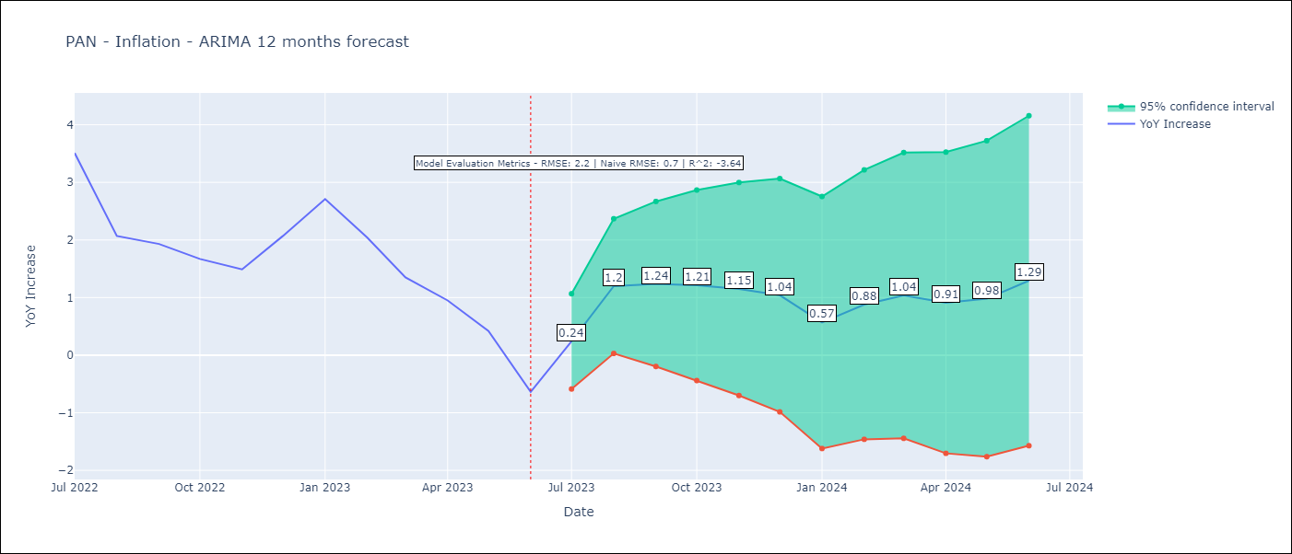

Test Metrics
RMSE | 2.2
Naive RMSE | 0.83
R^2 | -3.64

Test Predictions
Date | Predicted | Actual
2022-07-01 | 4.98 | 3.51
2022-08-01 | 4.86 | 2.07
2022-09-01 | 4.75 | 1.93
2022-10-01 | 4.52 | 1.67
2022-11-01 | 4.26 | 1.49
2022-12-01 | 4.47 | 2.07
2023-01-01 | 4.33 | 2.71
2023-02-01 | 3.89 | 2.04
2023-03-01 | 3.27 | 1.35
2023-04-01 | 2.43 | 0.95
2023-05-01 | 1.98 | 0.42
2023-06-01 | 1.44 | -0.64

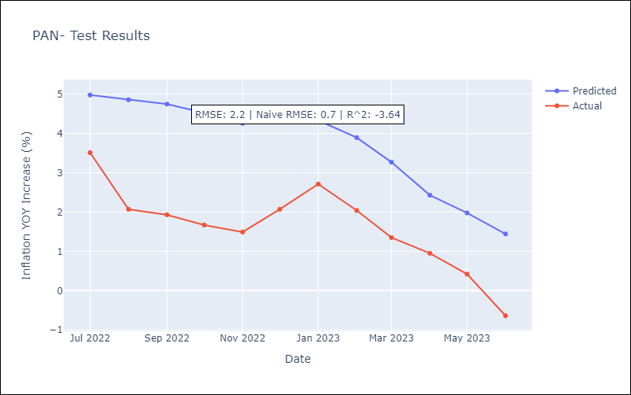

Appendix A: Model Summary
Model | ARIMA(0, 1, 0)x(3, 0, 0, 12)
Sample | 01-01-2010- 06-01-2023
No. of Observations | 162
Terms | P-value (Statistical significance)
ar.S.L12 | 0.000
ar.S.L24 | 0.000
ar.S.L36 | 0.253
sigma2 | 0.000
Assumptions | P-value | Interpretation
Ljung-Box (L1) | 0.00 | Residuals are not independent.
Heteroskedasticity | 0.07 | Residuals have the same variance.
Jarque-Bera | 0.00 | Residuals are not normally distributed.
Skew | -0.77 | Negative skew - Model overestimates the mean.
Kurtosis | 5.07 | Residuals contain more extreme outliers than in a normal distribution.

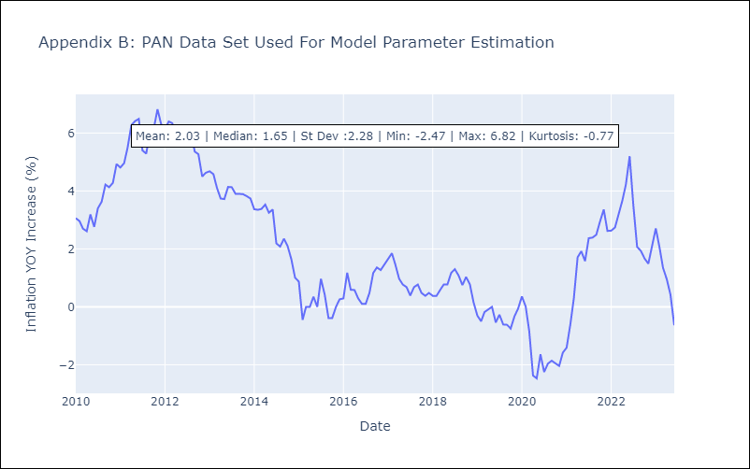

Appendix C: Residuals Analysis
Mean | 0.01
Variance | 0.24
Independent? | No
Heteroskedastic? - Breusch-Pagan | No
Heteroskedastic? - Goldfeld-Quandt | No
Heteroskedastic? - White | Yes
Heteroskedastic? - ARCH | No
Normal? | No

PRY
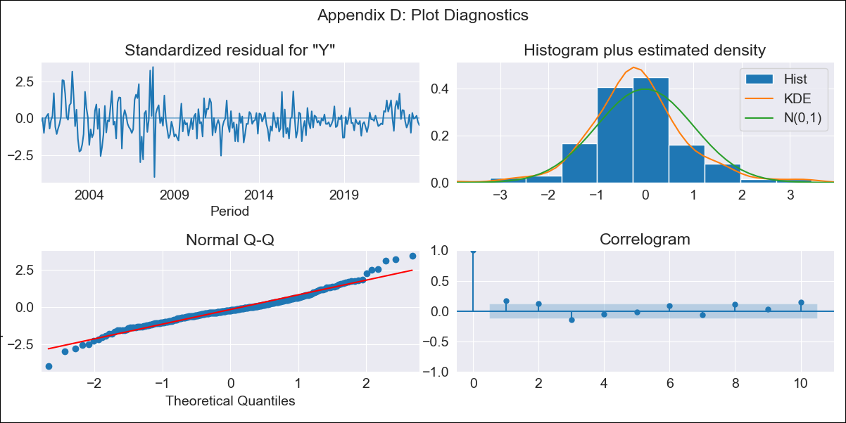

PRY - Inflation - Next 12 months forecast as of: 2023-06-01

Model | ARIMA - [(0, 1, 0), (0, 0, 1, 12)]
Training Data | 2000-01-01 to 2022-07-01
Test Data | 2022-07-01 to 2023-06-01

Date | Inflation Change YoY % | Lower Bound - 95% Confidence Interval | Upper Bound - 95% Confidence Interval
2023-07-01 | 3.82 | 2.14 | 5.51
2023-08-01 | 4 | 1.61 | 6.38
2023-09-01 | 4.49 | 1.57 | 7.41
2023-10-01 | 4.78 | 1.41 | 8.15
2023-11-01 | 4.58 | 0.81 | 8.35
2023-12-01 | 5.35 | 1.22 | 9.48
2024-01-01 | 5.07 | 0.6 | 9.53
2024-02-01 | 5.09 | 0.32 | 9.86
2024-03-01 | 5.06 | 0 | 10.12
2024-04-01 | 4.93 | -0.4 | 10.26
2024-05-01 | 5.12 | -0.47 | 10.72
2024-06-01 | 5.49 | -0.35 | 11.33

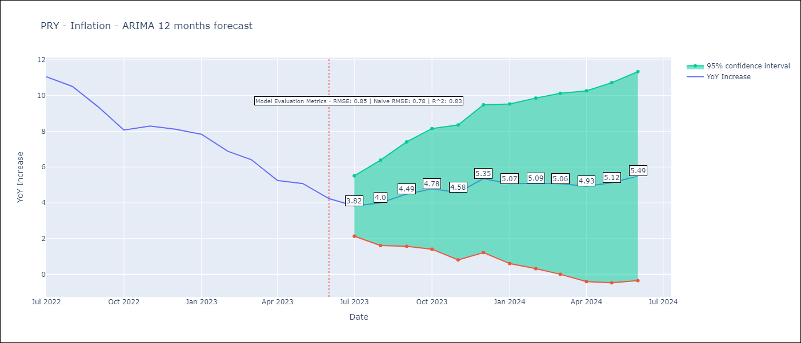

Test Metrics
RMSE | 0.85
Naive RMSE | 0.76
R^2 | 0.83

Test Predictions
Date | Predicted | Actual
2022-07-01 | 10.6 | 11.05
2022-08-01 | 10.25 | 10.51
2022-09-01 | 9.63 | 9.35
2022-10-01 | 8.68 | 8.07
2022-11-01 | 8.68 | 8.29
2022-12-01 | 9.35 | 8.12
2023-01-01 | 8.76 | 7.83
2023-02-01 | 7.83 | 6.88
2023-03-01 | 7.34 | 6.41
2023-04-01 | 6.03 | 5.25
2023-05-01 | 6.07 | 5.08
2023-06-01 | 5.64 | 4.24

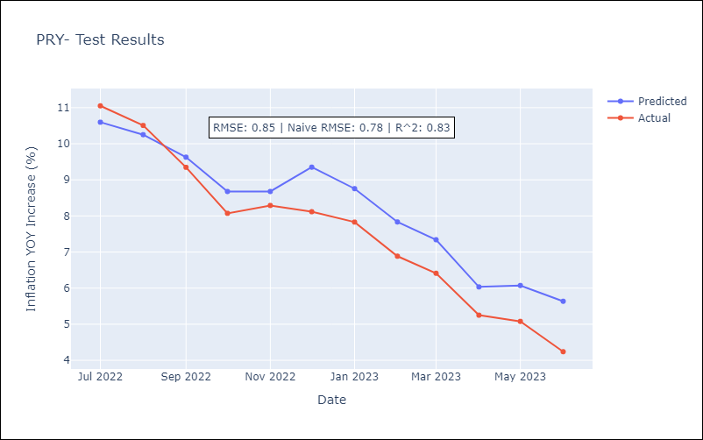

Appendix A: Model Summary
Model | ARIMA(0, 1, 0)x(0, 0, [1], 12)
Sample | 01-01-2000- 06-01-2023
No. of Observations | 282
Terms | P-value (Statistical significance)
ma.S.L12 | 0.000
sigma2 | 0.000
Assumptions | P-value | Interpretation
Ljung-Box (L1) | 0.00 | Residuals are not independent.
Heteroskedasticity | 0.00 | Residuals have different variances.
Jarque-Bera | 0.00 | Residuals are not normally distributed.
Skew | 0.28 | Positive skew - model underestimates the mean.
Kurtosis | 4.95 | Residuals contain more extreme outliers than in a normal distribution.

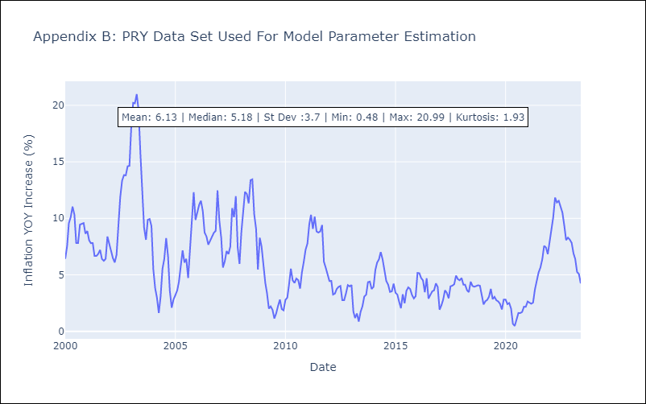

Appendix C: Residuals Analysis
Mean | -0.1
Variance | 0.99
Independent? | No
Heteroskedastic? - Breusch-Pagan | Yes
Heteroskedastic? - Goldfeld-Quandt | Yes
Heteroskedastic? - White | Yes
Heteroskedastic? - ARCH | Yes
Normal? | No

SLV
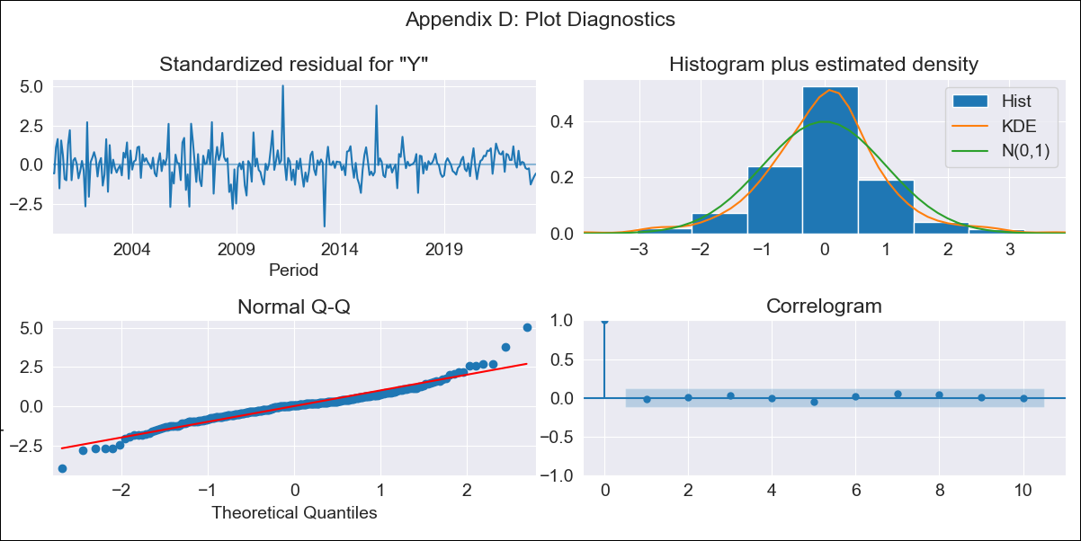

SLV - Inflation - Next 12 months forecast as of: 2023-06-01

Model | ARIMA - [(1, 1, 1), (1, 0, 0, 12)]
Training Data | 1999-01-01 to 2022-07-01
Test Data | 2022-07-01 to 2023-06-01

Date | Inflation Change YoY % | Lower Bound - 95% Confidence Interval | Upper Bound - 95% Confidence Interval
2023-07-01 | 3.77 | 2.59 | 4.94
2023-08-01 | 3.53 | 1.77 | 5.29
2023-09-01 | 3.51 | 1.24 | 5.77
2023-10-01 | 3.44 | 0.71 | 6.16
2023-11-01 | 3.45 | 0.3 | 6.59
2023-12-01 | 3.4 | -0.14 | 6.94
2024-01-01 | 3.5 | -0.41 | 7.41
2024-02-01 | 3.56 | -0.7 | 7.83
2024-03-01 | 3.9 | -0.7 | 8.49
2024-04-01 | 4.16 | -0.75 | 9.08
2024-05-01 | 4.62 | -0.59 | 9.83
2024-06-01 | 4.9 | -0.6 | 10.4

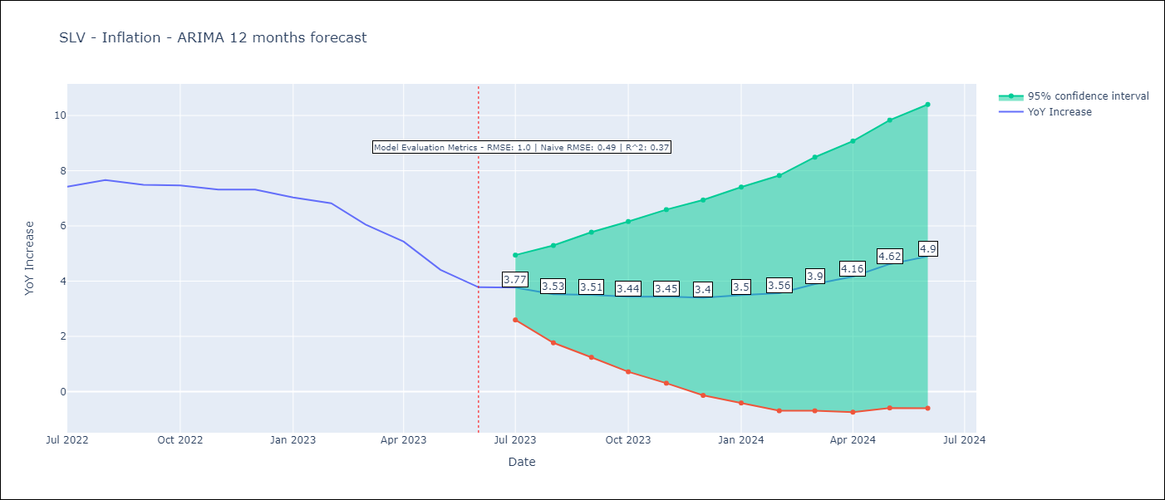

Test Metrics
RMSE | 1.0
Naive RMSE | 0.48
R^2 | 0.37

Test Predictions
Date | Predicted | Actual
2022-07-01 | 7.53 | 7.42
2022-08-01 | 7.25 | 7.66
2022-09-01 | 7.04 | 7.49
2022-10-01 | 6.87 | 7.47
2022-11-01 | 6.6 | 7.32
2022-12-01 | 6.69 | 7.32
2023-01-01 | 6.56 | 7.03
2023-02-01 | 6.5 | 6.82
2023-03-01 | 6.51 | 6.05
2023-04-01 | 6.6 | 5.43
2023-05-01 | 6.18 | 4.41
2023-06-01 | 6.06 | 3.78

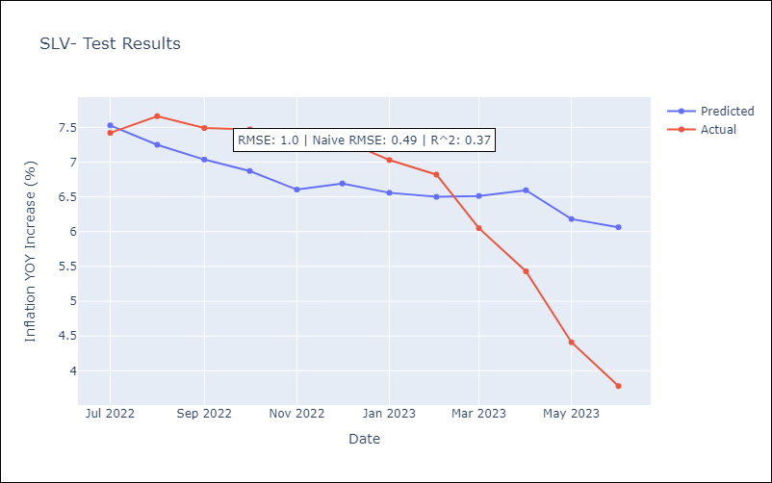

Appendix A: Model Summary
Model | ARIMA(1, 1, 1)x(1, 0, [], 12)
Sample | 01-01-1999- 06-01-2023
No. of Observations | 294
Terms | P-value (Statistical significance)
ar.L1 | 0.000
ma.L1 | 0.000
ar.S.L12 | 0.000
sigma2 | 0.000
Assumptions | P-value | Interpretation
Ljung-Box (L1) | 0.78 | Residuals are independent.
Heteroskedasticity | 0.00 | Residuals have different variances.
Jarque-Bera | 0.00 | Residuals are not normally distributed.
Skew | 0.32 | Positive skew - model underestimates the mean.
Kurtosis | 6.61 | Residuals contain more extreme outliers than in a normal distribution.

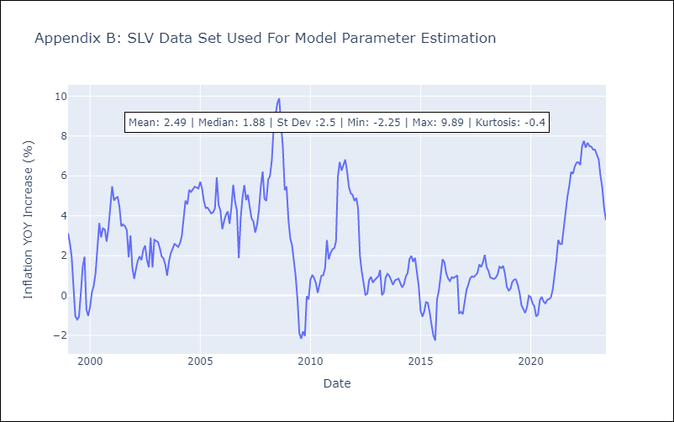

Appendix C: Residuals Analysis
Mean | 0.01
Variance | 0.45
Independent? | Yes
Heteroskedastic? - Breusch-Pagan | Yes
Heteroskedastic? - Goldfeld-Quandt | Yes
Heteroskedastic? - White | Yes
Heteroskedastic? - ARCH | Yes
Normal? | No

URY
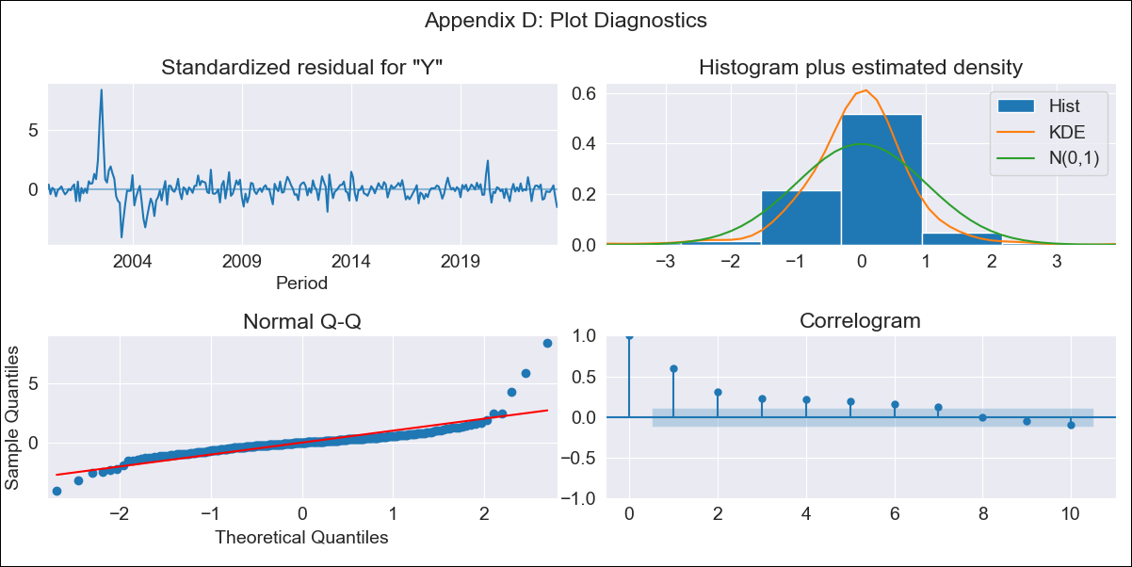

URY - Inflation - Next 12 months forecast as of: 2023-06-01

Model | ARIMA - [(0, 1, 0), (1, 0, 0, 12)]
Training Data | 1999-01-01 to 2022-07-01
Test Data | 2022-07-01 to 2023-06-01

Date | Inflation Change YoY % | Lower Bound - 95% Confidence Interval | Upper Bound - 95% Confidence Interval
2023-07-01 | 5.85 | 4.31 | 7.39
2023-08-01 | 5.86 | 3.69 | 8.04
2023-09-01 | 5.67 | 3 | 8.33
2023-10-01 | 6.09 | 3.02 | 9.17
2023-11-01 | 6.37 | 2.94 | 9.81
2023-12-01 | 6.45 | 2.69 | 10.22
2024-01-01 | 6.57 | 2.5 | 10.64
2024-02-01 | 6.81 | 2.46 | 11.16
2024-03-01 | 6.91 | 2.3 | 11.52
2024-04-01 | 6.78 | 1.92 | 11.64
2024-05-01 | 7.02 | 1.92 | 12.12
2024-06-01 | 7.56 | 2.23 | 12.88



Test Metrics
RMSE | 0.99
Naive RMSE | 0.53
R^2 | 0.22

Test Predictions
Date | Predicted | Actual
2022-07-01 | 9.3 | 9.56
2022-08-01 | 9.16 | 9.53
2022-09-01 | 9.25 | 9.95
2022-10-01 | 9.02 | 9.05
2022-11-01 | 9.03 | 8.46
2022-12-01 | 8.99 | 8.29
2023-01-01 | 8.9 | 8.05
2023-02-01 | 8.57 | 7.55
2023-03-01 | 8.32 | 7.33
2023-04-01 | 8.32 | 7.61
2023-05-01 | 8.32 | 7.1
2023-06-01 | 8.36 | 5.98



Appendix A: Model Summary
Model | ARIMA(0, 1, 0)x(1, 0, 0, 12)
Sample | 01-01-1999- 06-01-2023
No. of Observations | 294
Terms | P-value (Statistical significance)
ar.S.L12 | 0.000
sigma2 | 0.000
Assumptions | P-value | Interpretation
Ljung-Box (L1) | 0.00 | Residuals are not independent.
Heteroskedasticity | 0.00 | Residuals have different variances.
Jarque-Bera | 0.00 | Residuals are not normally distributed.
Skew | 2.54 | Positive skew - model underestimates the mean.
Kurtosis | 24.58 | Residuals contain more extreme outliers than in a normal distribution.



Appendix C: Residuals Analysis
Mean | 0.03
Variance | 0.82
Independent? | No
Heteroskedastic? - Breusch-Pagan | Yes
Heteroskedastic? - Goldfeld-Quandt | Yes
Heteroskedastic? - White | Yes
Heteroskedastic? - ARCH | Yes
Normal? | No

