BOL1989
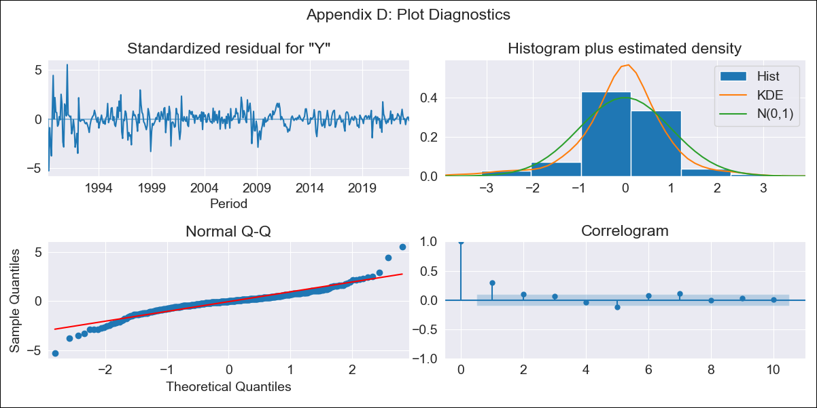

BOL1989 - Inflation - Next 12 months forecast as of: 2023-06-01

Model | ARIMA - [(0, 1, 0), (0, 0, 0, 12)]
Training Data | 1989-01-01 to 2022-07-01
Test Data | 2022-07-01 to 2023-06-01

Date | Inflation Change YoY % | Lower Bound - 95% Confidence Interval | Upper Bound - 95% Confidence Interval
2023-07-01 | 2.73 | 0.75 | 4.7
2023-08-01 | 2.73 | -0.07 | 5.52
2023-09-01 | 2.73 | -0.7 | 6.15
2023-10-01 | 2.73 | -1.23 | 6.68
2023-11-01 | 2.73 | -1.7 | 7.15
2023-12-01 | 2.73 | -2.12 | 7.57
2024-01-01 | 2.73 | -2.51 | 7.96
2024-02-01 | 2.73 | -2.87 | 8.32
2024-03-01 | 2.73 | -3.21 | 8.66
2024-04-01 | 2.73 | -3.53 | 8.98
2024-05-01 | 2.73 | -3.83 | 9.28
2024-06-01 | 2.73 | -4.12 | 9.57

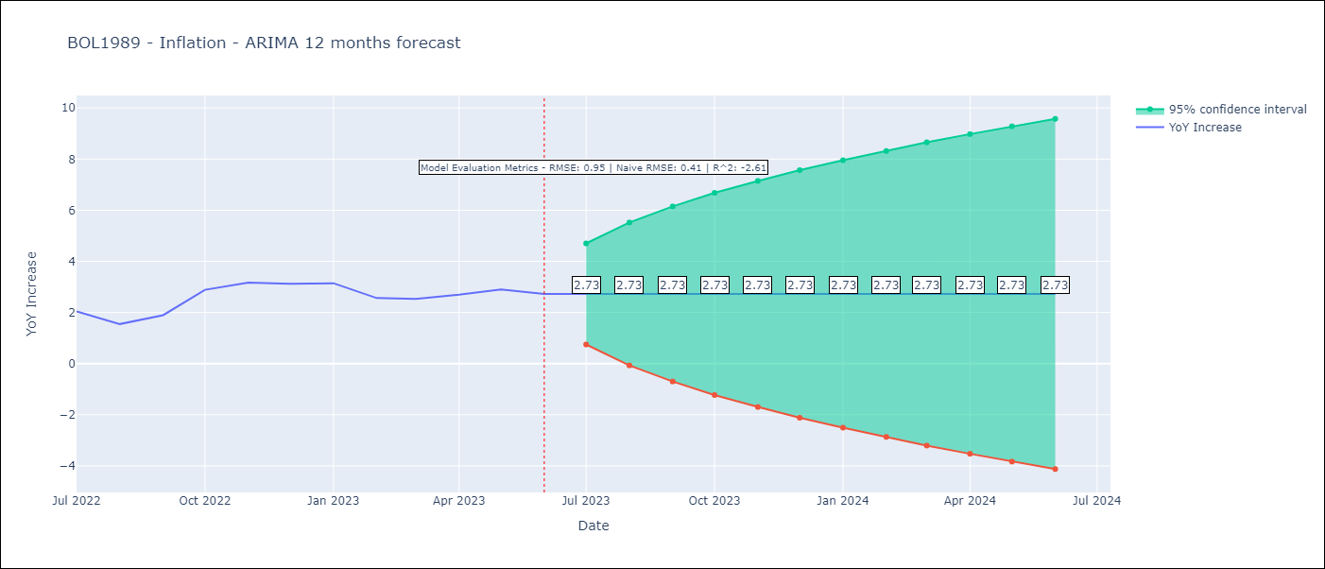

Test Metrics
RMSE | 0.95
Naive RMSE | 0.4
R^2 | -2.61

Test Predictions
Date | Predicted | Actual
2022-07-01 | 1.79 | 2.04
2022-08-01 | 1.79 | 1.55
2022-09-01 | 1.79 | 1.89
2022-10-01 | 1.79 | 2.89
2022-11-01 | 1.79 | 3.17
2022-12-01 | 1.79 | 3.12
2023-01-01 | 1.79 | 3.14
2023-02-01 | 1.79 | 2.57
2023-03-01 | 1.79 | 2.53
2023-04-01 | 1.79 | 2.7
2023-05-01 | 1.79 | 2.9
2023-06-01 | 1.79 | 2.73

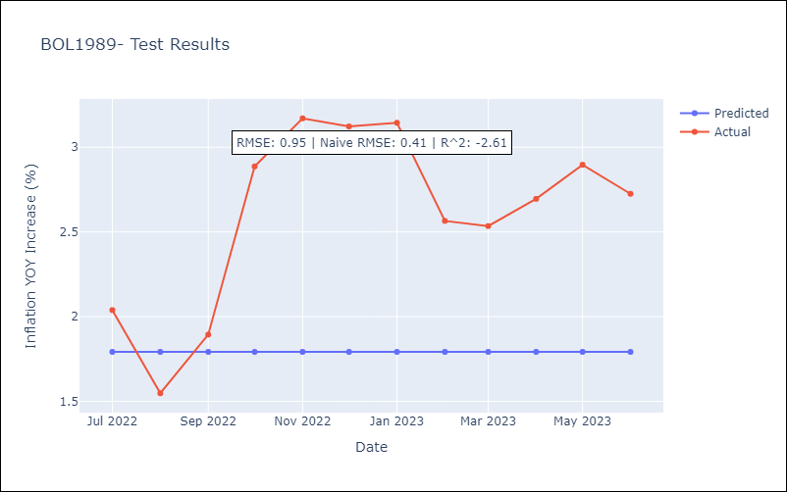

Appendix A: Model Summary
Model | ARIMA(0, 1, 0)
Sample | 01-01-1989- 06-01-2023
No. of Observations | 414
Terms | P-value (Statistical significance)
sigma2 | 0.000
Assumptions | P-value | Interpretation
Ljung-Box (L1) | 0.00 | Residuals are not independent.
Heteroskedasticity | 0.00 | Residuals have different variances.
Jarque-Bera | 0.00 | Residuals are not normally distributed.
Skew | -0.17 | Negative skew - Model overestimates the mean.
Kurtosis | 8.82 | Residuals contain more extreme outliers than in a normal distribution.

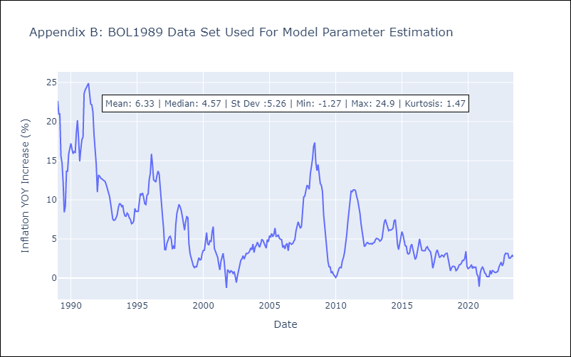

Appendix C: Residuals Analysis
Mean | 0.01
Variance | 2.26
Independent? | No - Correlations at Lags [ 2 4 5 6 7 8 9 10 11]
Heteroskedastic? - Breusch-Pagan | Yes
Heteroskedastic? - Goldfeld-Quandt | Yes
Heteroskedastic? - White | Yes
Heteroskedastic? - ARCH | Yes
Normal? | No

BRA1999
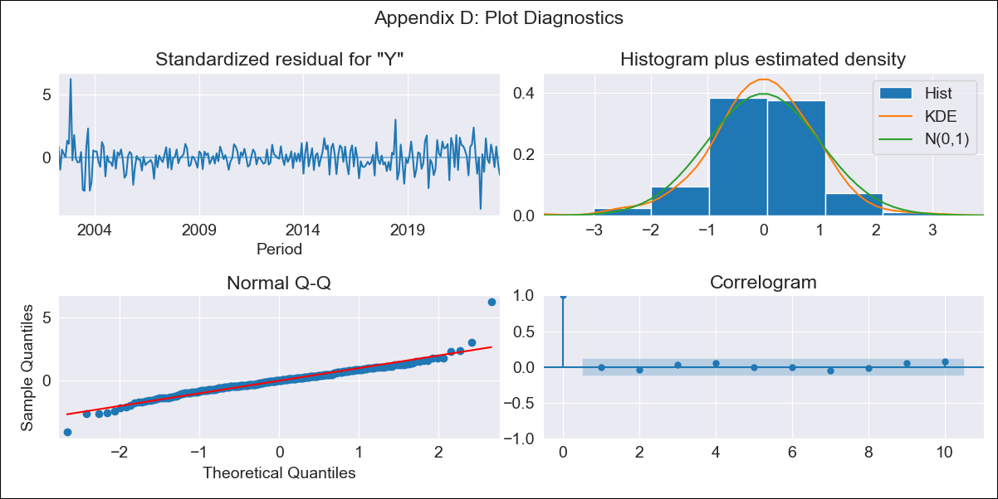

BRA1999 - Inflation - Next 12 months forecast as of: 2023-06-01

Model | ARIMA - [(2, 1, 0), (3, 0, 0, 12)]
Training Data | 1999-01-01 to 2022-07-01
Test Data | 2022-07-01 to 2023-06-01

Date | Inflation Change YoY % | Lower Bound - 95% Confidence Interval | Upper Bound - 95% Confidence Interval
2023-07-01 | 3.82 | 3.13 | 4.51
2023-08-01 | 4.2 | 2.88 | 5.53
2023-09-01 | 4.73 | 2.76 | 6.69
2023-10-01 | 4.73 | 2.15 | 7.31
2023-11-01 | 4.94 | 1.78 | 8.1
2023-12-01 | 5.27 | 1.56 | 8.97
2024-01-01 | 5.07 | 0.85 | 9.29
2024-02-01 | 4.93 | 0.23 | 9.63
2024-03-01 | 4.99 | -0.17 | 10.15
2024-04-01 | 4.73 | -0.85 | 10.32
2024-05-01 | 4.79 | -1.2 | 10.78
2024-06-01 | 5.2 | -1.17 | 11.57

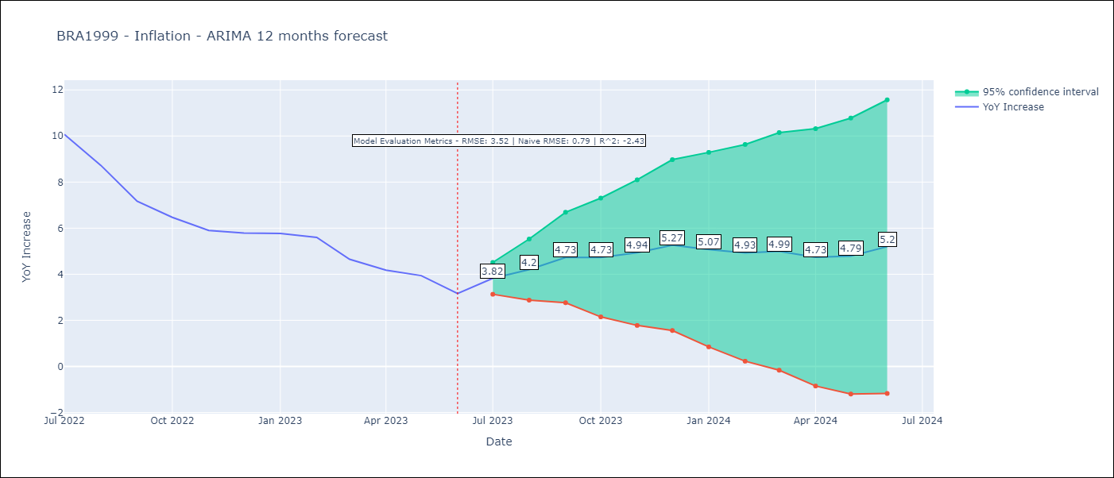

Test Metrics
RMSE | 3.52
Naive RMSE | 0.92
R^2 | -2.43

Test Predictions
Date | Predicted | Actual
2022-07-01 | 11.55 | 10.07
2022-08-01 | 11.08 | 8.73
2022-09-01 | 10.53 | 7.17
2022-10-01 | 9.99 | 6.47
2022-11-01 | 9.66 | 5.9
2022-12-01 | 9.87 | 5.79
2023-01-01 | 9.67 | 5.77
2023-02-01 | 9.3 | 5.6
2023-03-01 | 8.49 | 4.65
2023-04-01 | 7.77 | 4.18
2023-05-01 | 7.54 | 3.94
2023-06-01 | 7.25 | 3.16

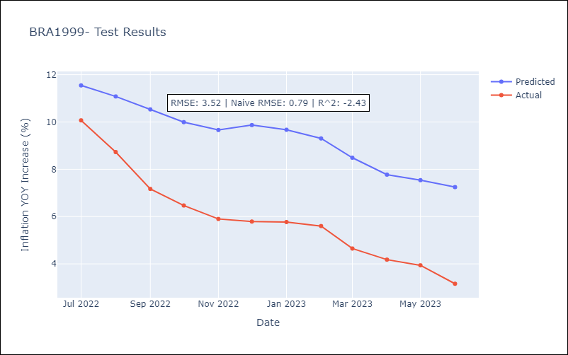

Appendix A: Model Summary
Model | ARIMA(2, 1, 0)x(3, 0, 0, 12)
Sample | 01-01-1999- 06-01-2023
No. of Observations | 294
Terms | P-value (Statistical significance)
ar.L1 | 0.000
ar.L2 | 0.372
ar.S.L12 | 0.000
ar.S.L24 | 0.000
ar.S.L36 | 0.000
sigma2 | 0.000
Assumptions | P-value | Interpretation
Ljung-Box (L1) | 0.93 | Residuals are independent.
Heteroskedasticity | 0.99 | Residuals have the same variance.
Jarque-Bera | 0.00 | Residuals are not normally distributed.
Skew | 0.58 | Positive skew - model underestimates the mean.
Kurtosis | 9.27 | Residuals contain more extreme outliers than in a normal distribution.

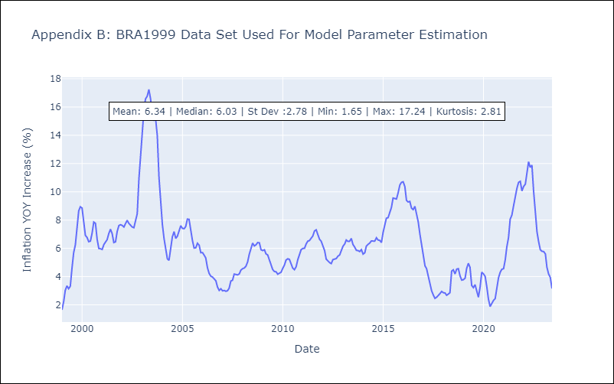

Appendix C: Residuals Analysis
Mean | 0.02
Variance | 0.15
Independent? | Yes
Heteroskedastic? - Breusch-Pagan | No
Heteroskedastic? - Goldfeld-Quandt | Yes
Heteroskedastic? - White | Yes
Heteroskedastic? - ARCH | No
Normal? | No

COL2000
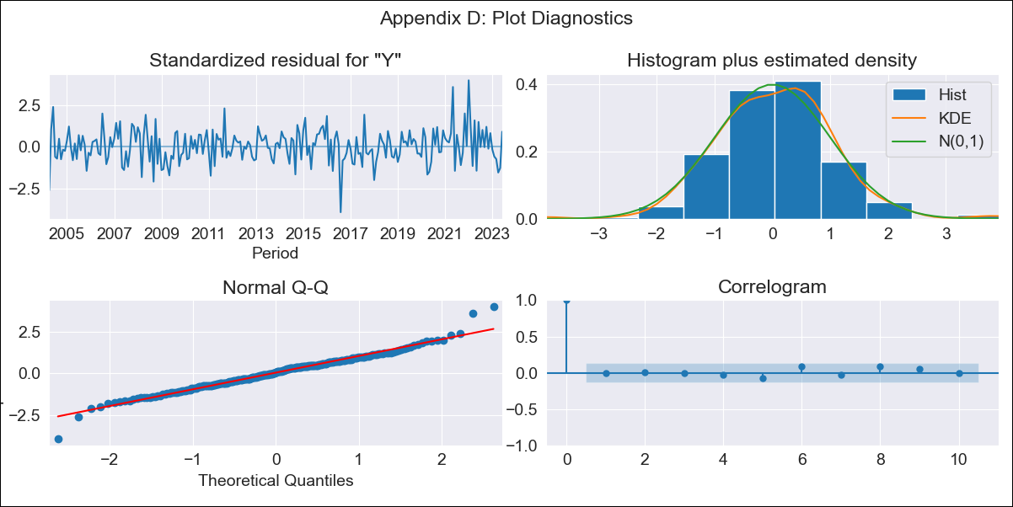

COL2000 - Inflation - Next 12 months forecast as of: 2023-06-01

Model | ARIMA - [(2, 1, 3), (3, 1, 0, 12)]
Training Data | 2000-01-01 to 2022-07-01
Test Data | 2022-07-01 to 2023-06-01

Date | Inflation Change YoY % | Lower Bound - 95% Confidence Interval | Upper Bound - 95% Confidence Interval
2023-07-01 | 12.24 | 11.64 | 12.83
2023-08-01 | 12.27 | 11.17 | 13.37
2023-09-01 | 12.31 | 10.73 | 13.88
2023-10-01 | 12.15 | 10.14 | 14.16
2023-11-01 | 12.15 | 9.73 | 14.57
2023-12-01 | 12.22 | 9.39 | 15.04
2024-01-01 | 12.45 | 9.24 | 15.67
2024-02-01 | 12.74 | 9.15 | 16.34
2024-03-01 | 12.91 | 8.94 | 16.88
2024-04-01 | 13.25 | 8.91 | 17.59
2024-05-01 | 13.72 | 9.02 | 18.42
2024-06-01 | 13.81 | 8.76 | 18.86

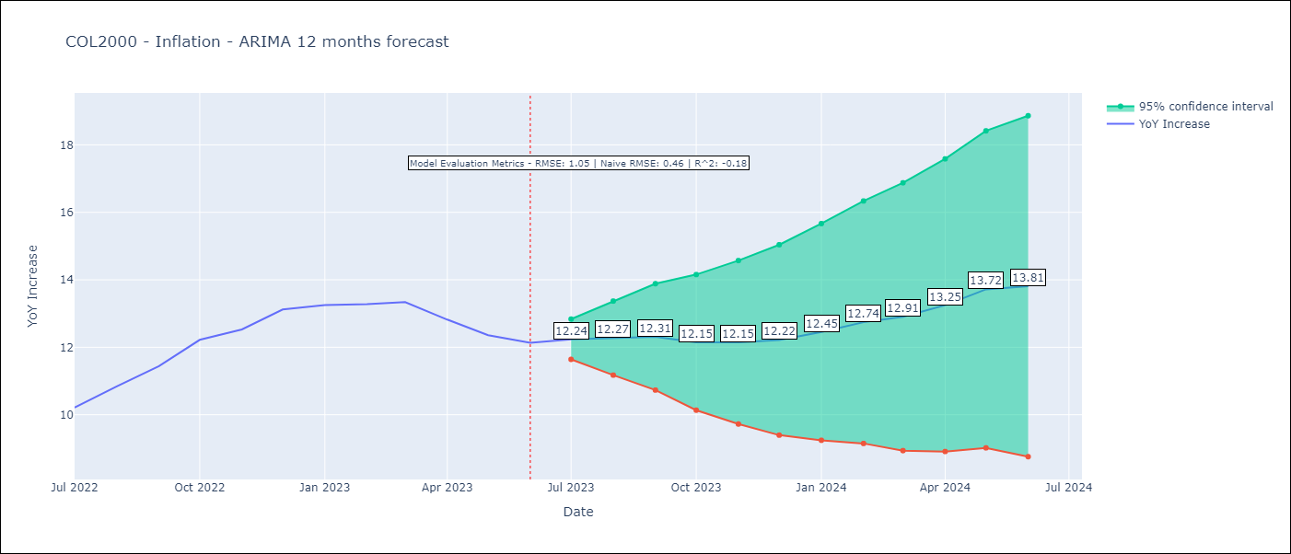

Test Metrics
RMSE | 1.05
Naive RMSE | 0.47
R^2 | -0.18

Test Predictions
Date | Predicted | Actual
2022-07-01 | 10.23 | 10.21
2022-08-01 | 10.55 | 10.84
2022-09-01 | 11.01 | 11.44
2022-10-01 | 11.33 | 12.22
2022-11-01 | 11.42 | 12.53
2022-12-01 | 11.61 | 13.12
2023-01-01 | 11.56 | 13.25
2023-02-01 | 11.61 | 13.28
2023-03-01 | 11.87 | 13.34
2023-04-01 | 11.91 | 12.82
2023-05-01 | 12.16 | 12.36
2023-06-01 | 12.03 | 12.13

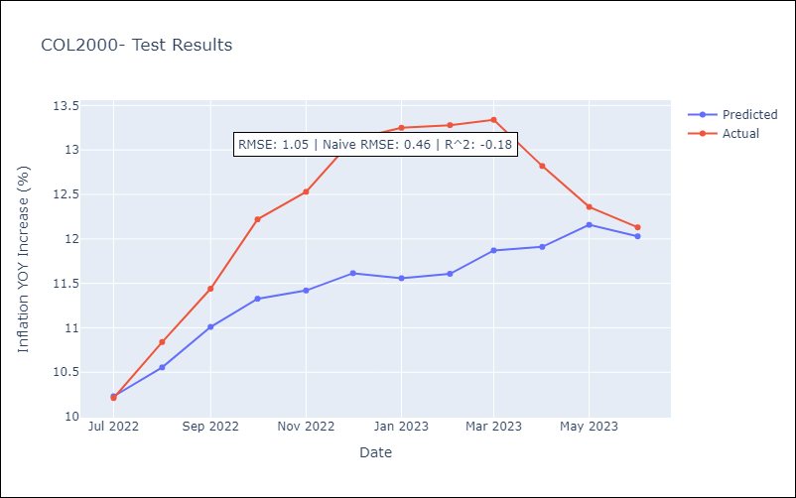

Appendix A: Model Summary
Model | ARIMA(2, 1, 3)x(3, 1, [], 12)
Sample | 01-01-2000- 06-01-2023
No. of Observations | 282
Terms | P-value (Statistical significance)
ar.L1 | 0.145
ar.L2 | 0.966
ma.L1 | 0.573
ma.L2 | 0.456
ma.L3 | 0.320
ar.S.L12 | 0.000
ar.S.L24 | 0.000
ar.S.L36 | 0.000
sigma2 | 0.000
Assumptions | P-value | Interpretation
Ljung-Box (L1) | 0.89 | Residuals are independent.
Heteroskedasticity | 0.54 | Residuals have the same variance.
Jarque-Bera | 0.00 | Residuals are not normally distributed.
Skew | 0.14 | Positive skew - model underestimates the mean.
Kurtosis | 4.66 | Residuals contain more extreme outliers than in a normal distribution.

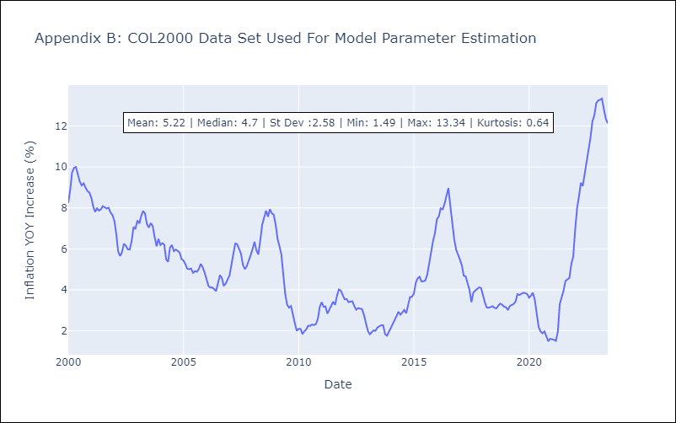

Appendix C: Residuals Analysis
Mean | 0.02
Variance | 0.44
Independent? | No - Correlations at Lags [0 1 2 3 4 5]
Heteroskedastic? - Breusch-Pagan | Yes
Heteroskedastic? - Goldfeld-Quandt | Yes
Heteroskedastic? - White | Yes
Heteroskedastic? - ARCH | Yes
Normal? | No

CRI1999
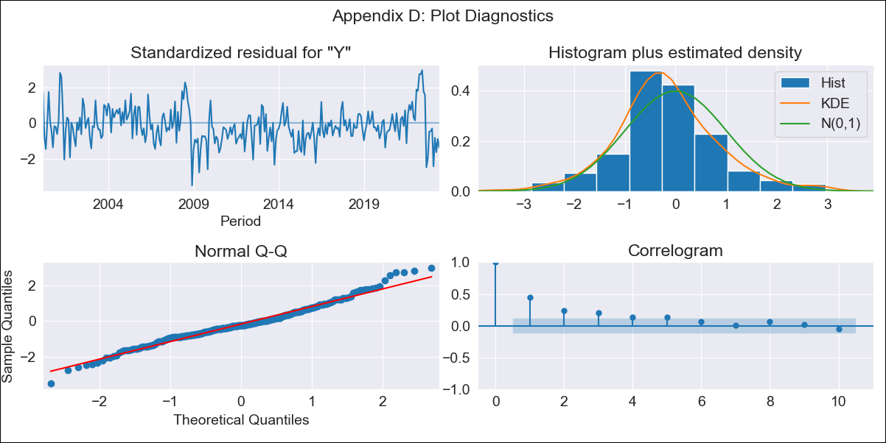

CRI1999 - Inflation - Next 12 months forecast as of: 2023-06-01

Model | ARIMA - [(0, 1, 0), (0, 0, 1, 12)]
Training Data | 1999-01-01 to 2022-07-01
Test Data | 2022-07-01 to 2023-06-01

Date | Inflation Change YoY % | Lower Bound - 95% Confidence Interval | Upper Bound - 95% Confidence Interval
2023-07-01 | -1.74 | -2.81 | -0.66
2023-08-01 | -2.35 | -3.87 | -0.83
2023-09-01 | -1.37 | -3.23 | 0.49
2023-10-01 | -0.59 | -2.74 | 1.56
2023-11-01 | -0.4 | -2.8 | 2
2023-12-01 | -0.22 | -2.85 | 2.42
2024-01-01 | -0.1 | -2.94 | 2.75
2024-02-01 | 0.86 | -2.18 | 3.9
2024-03-01 | 1.19 | -2.04 | 4.41
2024-04-01 | 1.83 | -1.57 | 5.23
2024-05-01 | 2.18 | -1.38 | 5.75
2024-06-01 | 2.72 | -1 | 6.44

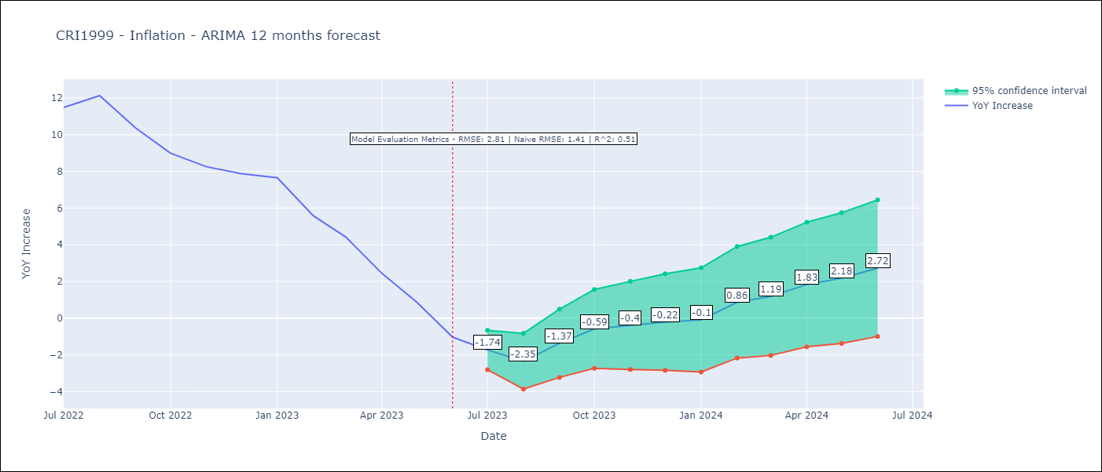

Test Metrics
RMSE | 2.81
Naive RMSE | 1.41
R^2 | 0.51

Test Predictions
Date | Predicted | Actual
2022-07-01 | 10.48 | 11.48
2022-08-01 | 10.27 | 12.13
2022-09-01 | 9.9 | 10.37
2022-10-01 | 9.63 | 8.99
2022-11-01 | 9.17 | 8.26
2022-12-01 | 9.05 | 7.88
2023-01-01 | 8.97 | 7.65
2023-02-01 | 8.25 | 5.58
2023-03-01 | 7.58 | 4.42
2023-04-01 | 6.56 | 2.44
2023-05-01 | 5.53 | 0.88
2023-06-01 | 4.43 | -1.04

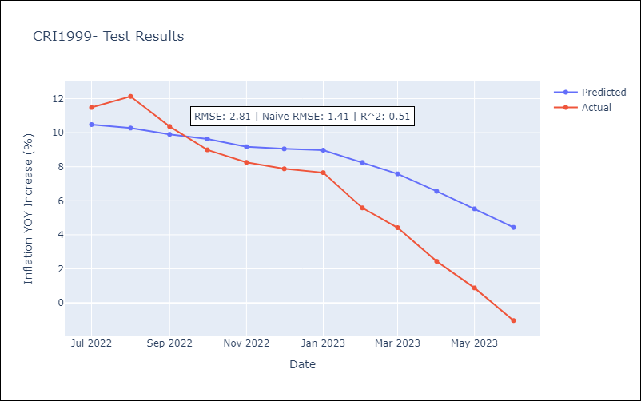

Appendix A: Model Summary
Model | ARIMA(0, 1, 0)x(0, 0, [1], 12)
Sample | 01-01-1999- 06-01-2023
No. of Observations | 294
Terms | P-value (Statistical significance)
ma.S.L12 | 0.000
sigma2 | 0.000
Assumptions | P-value | Interpretation
Ljung-Box (L1) | 0.00 | Residuals are not independent.
Heteroskedasticity | 0.44 | Residuals have the same variance.
Jarque-Bera | 0.00 | Residuals are not normally distributed.
Skew | 0.27 | Positive skew - model underestimates the mean.
Kurtosis | 4.03 | Residuals contain more extreme outliers than in a normal distribution.

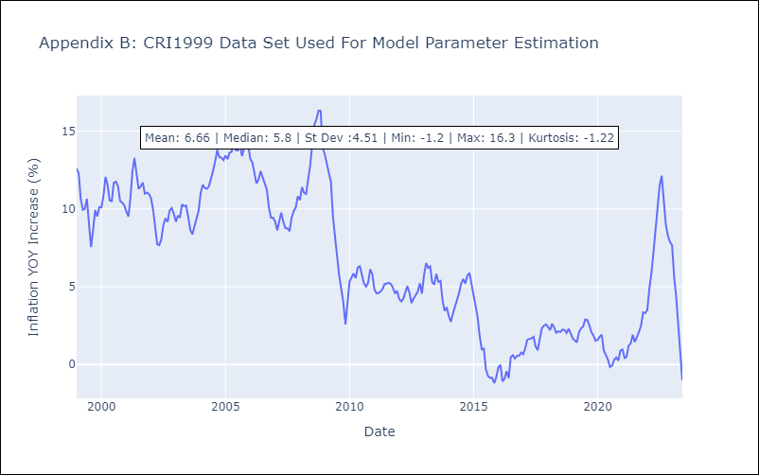

Appendix C: Residuals Analysis
Mean | -0.06
Variance | 0.88
Independent? | No - Correlations at Lags [0 1 6 7 8 9]
Heteroskedastic? - Breusch-Pagan | No
Heteroskedastic? - Goldfeld-Quandt | Yes
Heteroskedastic? - White | Yes
Heteroskedastic? - ARCH | Yes
Normal? | No

DOM2005


DOM2005 - Inflation - Next 12 months forecast as of: 2023-06-01

Model | ARIMA - [(2, 1, 0), (3, 0, 0, 12)]
Training Data | 2005-01-01 to 2022-07-01
Test Data | 2022-07-01 to 2023-06-01

Date | Inflation Change YoY % | Lower Bound - 95% Confidence Interval | Upper Bound - 95% Confidence Interval
2023-07-01 | 4.29 | 3.18 | 5.4
2023-08-01 | 4.58 | 2.59 | 6.58
2023-09-01 | 4.72 | 1.97 | 7.47
2023-10-01 | 5.05 | 1.65 | 8.44
2023-11-01 | 5.24 | 1.28 | 9.19
2023-12-01 | 4.8 | 0.35 | 9.25
2024-01-01 | 5.04 | 0.14 | 9.94
2024-02-01 | 5.48 | 0.17 | 10.79
2024-03-01 | 5.64 | -0.05 | 11.34
2024-04-01 | 5.69 | -0.36 | 11.74
2024-05-01 | 6.27 | -0.11 | 12.66
2024-06-01 | 6.84 | 0.13 | 13.55

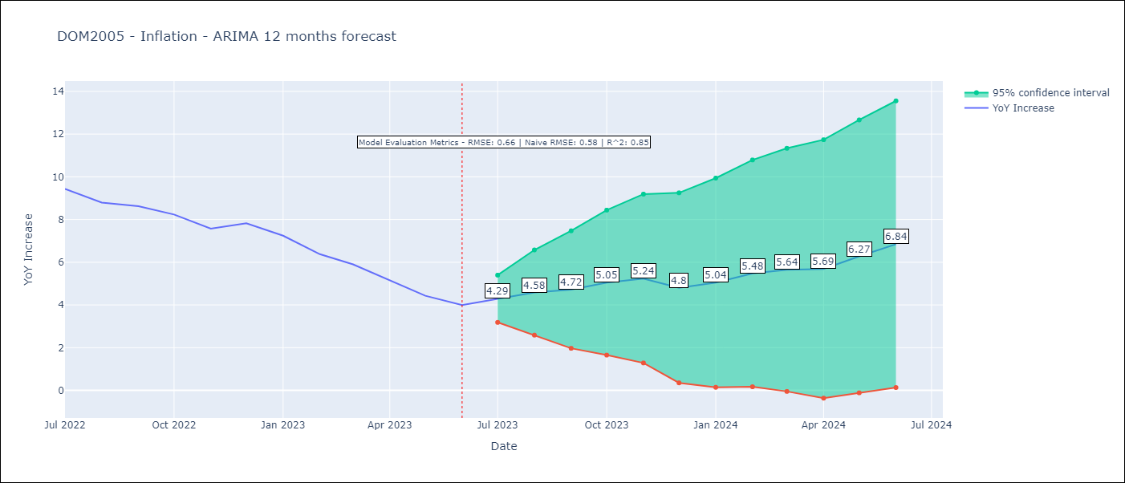

Test Metrics
RMSE | 0.66
Naive RMSE | 0.55
R^2 | 0.85

Test Predictions
Date | Predicted | Actual
2022-07-01 | 9.79 | 9.43
2022-08-01 | 9.46 | 8.8
2022-09-01 | 9.41 | 8.63
2022-10-01 | 9.37 | 8.24
2022-11-01 | 8.65 | 7.58
2022-12-01 | 8.17 | 7.83
2023-01-01 | 7.46 | 7.24
2023-02-01 | 6.77 | 6.38
2023-03-01 | 6.13 | 5.9
2023-04-01 | 4.98 | 5.15
2023-05-01 | 4.61 | 4.43
2023-06-01 | 5.04 | 4

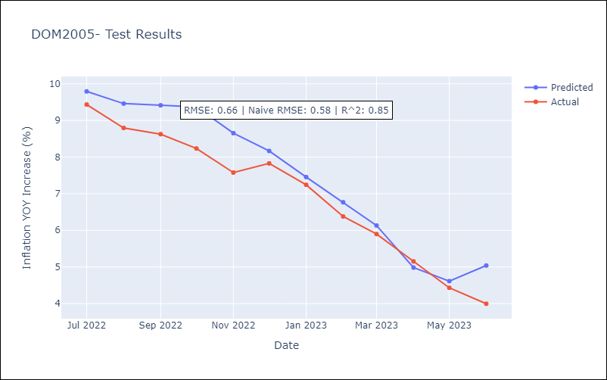

Appendix A: Model Summary
Model | ARIMA(2, 1, 0)x(3, 0, 0, 12)
Sample | 01-01-2005- 06-01-2023
No. of Observations | 222
Terms | P-value (Statistical significance)
ar.L1 | 0.000
ar.L2 | 0.452
ar.S.L12 | 0.000
ar.S.L24 | 0.000
ar.S.L36 | 0.000
sigma2 | 0.000
Assumptions | P-value | Interpretation
Ljung-Box (L1) | 0.70 | Residuals are independent.
Heteroskedasticity | 0.00 | Residuals have different variances.
Jarque-Bera | 0.00 | Residuals are not normally distributed.
Skew | -0.09 | Negative skew - Model overestimates the mean.
Kurtosis | 6.17 | Residuals contain more extreme outliers than in a normal distribution.

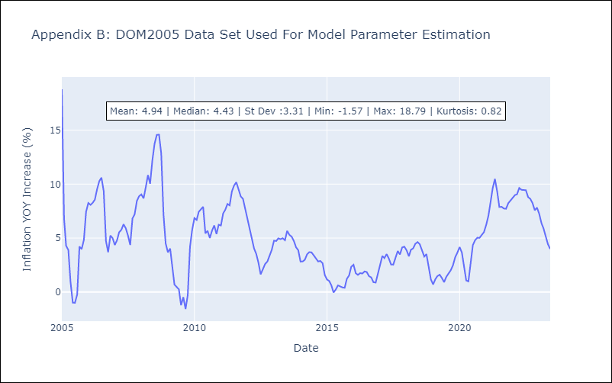

Appendix C: Residuals Analysis
Mean | 0.0
Variance | 4.76
Independent? | No - Correlations at Lags [ 0 1 2 3 4 5 6 7 8 9 10 11]
Heteroskedastic? - Breusch-Pagan | Yes
Heteroskedastic? - Goldfeld-Quandt | Yes
Heteroskedastic? - White | Yes
Heteroskedastic? - ARCH | No
Normal? | No

ECU2000
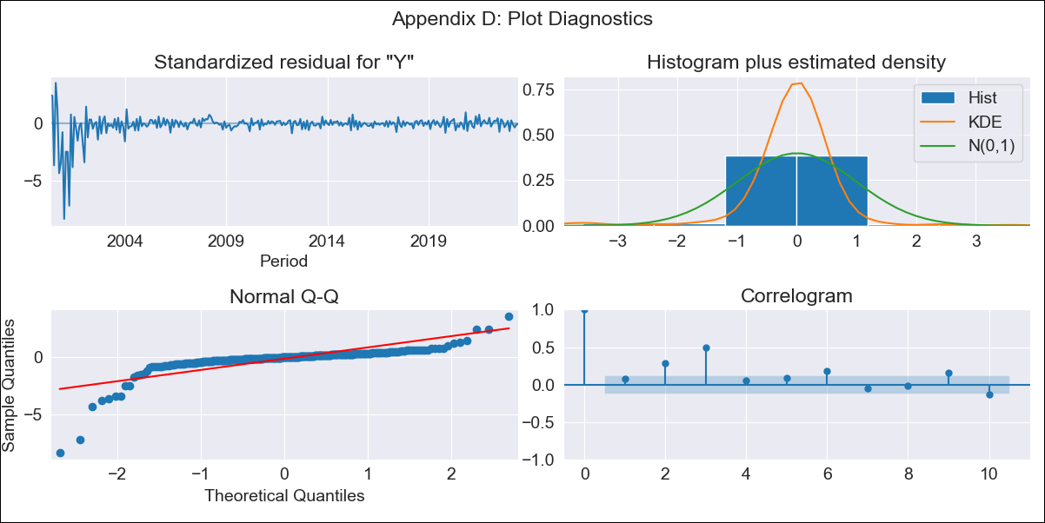

ECU2000 - Inflation - Next 12 months forecast as of: 2023-06-01

Model | ARIMA - [(0, 1, 2), (0, 0, 0, 12)]
Training Data | 2000-01-01 to 2022-07-01
Test Data | 2022-07-01 to 2023-06-01

Date | Inflation Change YoY % | Lower Bound - 95% Confidence Interval | Upper Bound - 95% Confidence Interval
2023-07-01 | 1.6 | -0.83 | 4.03
2023-08-01 | 1.58 | -3.41 | 6.57
2023-09-01 | 1.58 | -5.5 | 8.66
2023-10-01 | 1.58 | -7.09 | 10.26
2023-11-01 | 1.58 | -8.44 | 11.6
2023-12-01 | 1.58 | -9.63 | 12.79
2024-01-01 | 1.58 | -10.7 | 13.86
2024-02-01 | 1.58 | -11.69 | 14.85
2024-03-01 | 1.58 | -12.6 | 15.77
2024-04-01 | 1.58 | -13.47 | 16.63
2024-05-01 | 1.58 | -14.28 | 17.44
2024-06-01 | 1.58 | -15.06 | 18.22

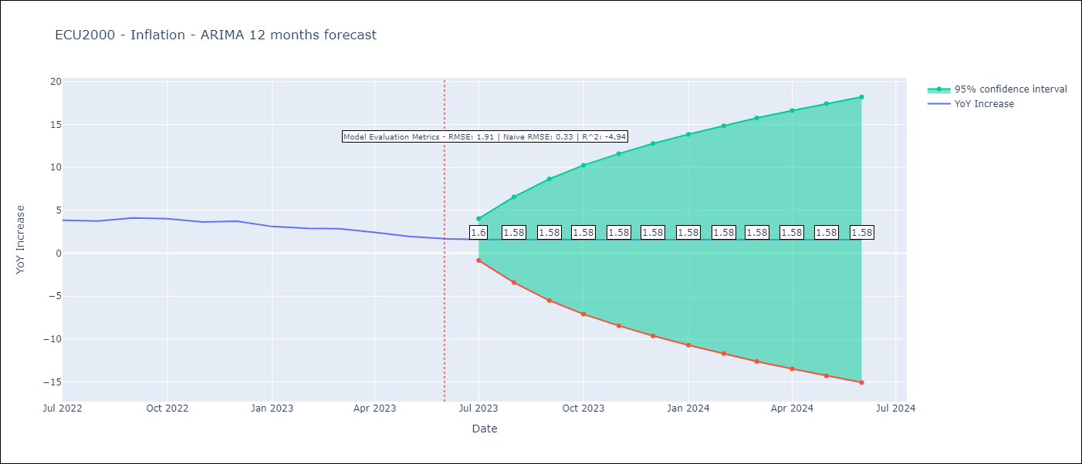

Test Metrics
RMSE | 1.91
Naive RMSE | 0.33
R^2 | -4.94

Test Predictions
Date | Predicted | Actual
2022-07-01 | 4.76 | 3.86
2022-08-01 | 4.92 | 3.77
2022-09-01 | 4.92 | 4.12
2022-10-01 | 4.92 | 4.02
2022-11-01 | 4.92 | 3.64
2022-12-01 | 4.92 | 3.74
2023-01-01 | 4.92 | 3.12
2023-02-01 | 4.92 | 2.9
2023-03-01 | 4.92 | 2.85
2023-04-01 | 4.92 | 2.44
2023-05-01 | 4.92 | 1.97
2023-06-01 | 4.92 | 1.69

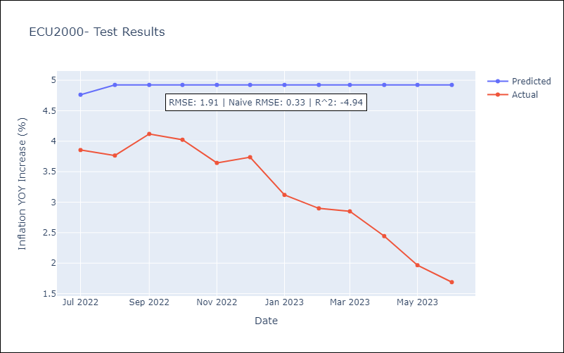

Appendix A: Model Summary
Model | ARIMA(0, 1, 2)
Sample | 01-01-2000- 06-01-2023
No. of Observations | 282
Terms | P-value (Statistical significance)
ma.L1 | 0.000
ma.L2 | 0.000
sigma2 | 0.000
Assumptions | P-value | Interpretation
Ljung-Box (L1) | 0.22 | Residuals are independent.
Heteroskedasticity | 0.00 | Residuals have different variances.
Jarque-Bera | 0.00 | Residuals are not normally distributed.
Skew | -4.04 | Negative skew - Model overestimates the mean.
Kurtosis | 31.51 | Residuals contain more extreme outliers than in a normal distribution.

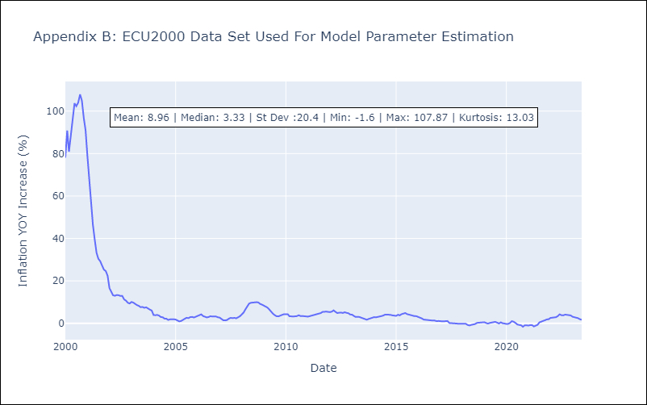

Appendix C: Residuals Analysis
Mean | 0.16
Variance | 24.35
Independent? | No - Correlations at Lags [0 1 2 3 4]
Heteroskedastic? - Breusch-Pagan | No
Heteroskedastic? - Goldfeld-Quandt | Yes
Heteroskedastic? - White | Yes
Heteroskedastic? - ARCH | Yes
Normal? | No

GTM1994
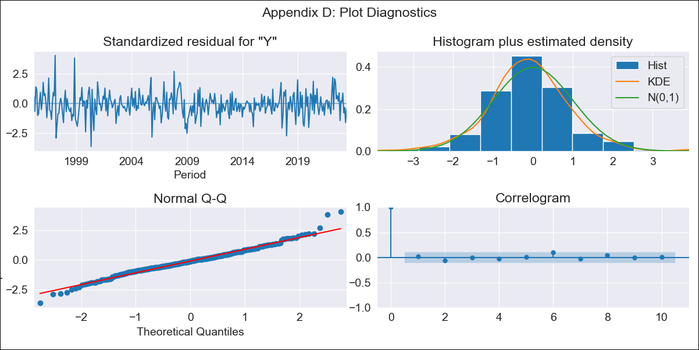

GTM1994 - Inflation - Next 12 months forecast as of: 2023-06-01

Model | ARIMA - [(1, 1, 0), (0, 0, 1, 12)]
Training Data | 1994-01-01 to 2022-07-01
Test Data | 2022-07-01 to 2023-06-01

Date | Inflation Change YoY % | Lower Bound - 95% Confidence Interval | Upper Bound - 95% Confidence Interval
2023-07-01 | 4.18 | 3.24 | 5.13
2023-08-01 | 3.64 | 2.05 | 5.23
2023-09-01 | 3.36 | 1.23 | 5.49
2023-10-01 | 2.89 | 0.31 | 5.46
2023-11-01 | 3.31 | 0.34 | 6.27
2023-12-01 | 3.37 | 0.06 | 6.68
2024-01-01 | 3.34 | -0.29 | 6.96
2024-02-01 | 2.96 | -0.96 | 6.88
2024-03-01 | 3.15 | -1.04 | 7.33
2024-04-01 | 3.35 | -1.09 | 7.79
2024-05-01 | 4.08 | -0.6 | 8.76
2024-06-01 | 4.52 | -0.38 | 9.43

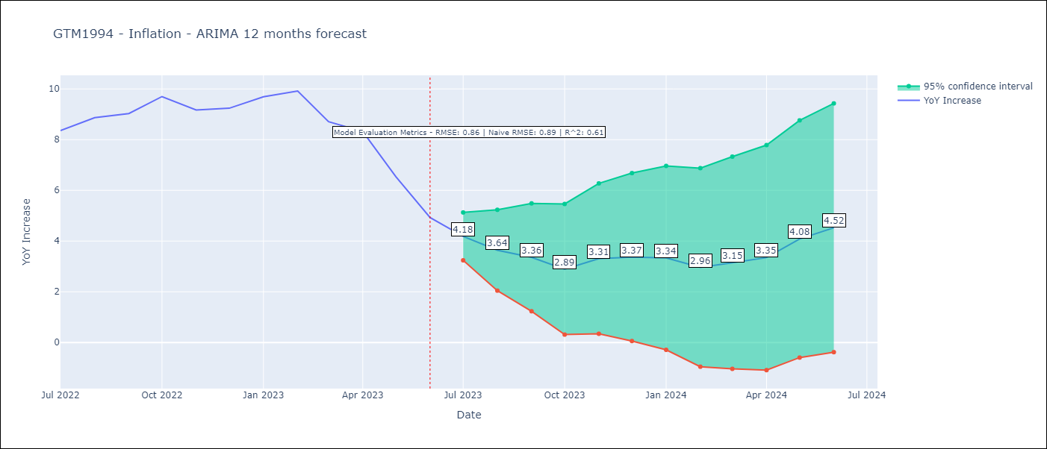

Test Metrics
RMSE | 0.86
Naive RMSE | 0.88
R^2 | 0.61

Test Predictions
Date | Predicted | Actual
2022-07-01 | 8.16 | 8.36
2022-08-01 | 8.27 | 8.87
2022-09-01 | 8.18 | 9.03
2022-10-01 | 8.33 | 9.7
2022-11-01 | 8.3 | 9.17
2022-12-01 | 8.44 | 9.24
2023-01-01 | 8.85 | 9.69
2023-02-01 | 8.63 | 9.92
2023-03-01 | 7.64 | 8.71
2023-04-01 | 7.49 | 8.32
2023-05-01 | 6.57 | 6.54
2023-06-01 | 5.49 | 4.93

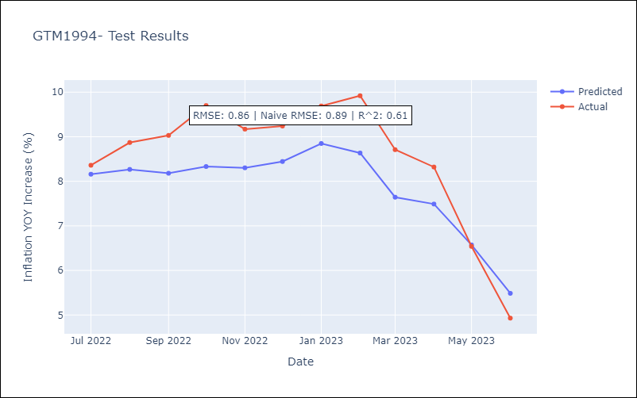

Appendix A: Model Summary
Model | ARIMA(1, 1, 0)x(0, 0, [1], 12)
Sample | 01-01-1994- 06-01-2023
No. of Observations | 354
Terms | P-value (Statistical significance)
ar.L1 | 0.000
ma.S.L12 | 0.000
sigma2 | 0.000
Assumptions | P-value | Interpretation
Ljung-Box (L1) | 0.67 | Residuals are independent.
Heteroskedasticity | 0.03 | Residuals have different variances.
Jarque-Bera | 0.00 | Residuals are not normally distributed.
Skew | 0.20 | Positive skew - model underestimates the mean.
Kurtosis | 4.68 | Residuals contain more extreme outliers than in a normal distribution.

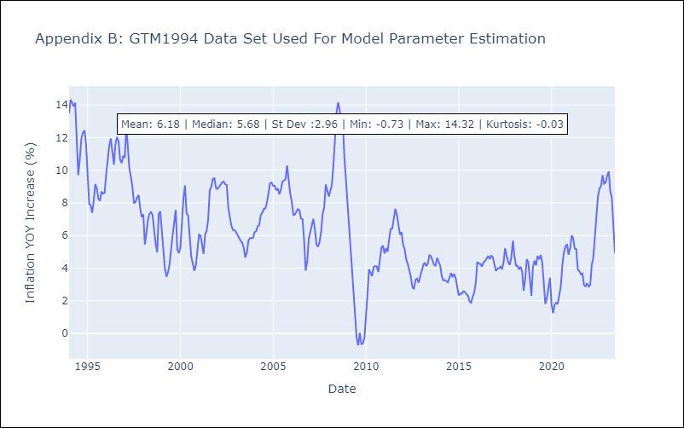

Appendix C: Residuals Analysis
Mean | -0.02
Variance | 0.81
Independent? | No - Correlations at Lags [11]
Heteroskedastic? - Breusch-Pagan | Yes
Heteroskedastic? - Goldfeld-Quandt | Yes
Heteroskedastic? - White | Yes
Heteroskedastic? - ARCH | Yes
Normal? | No

HND1999
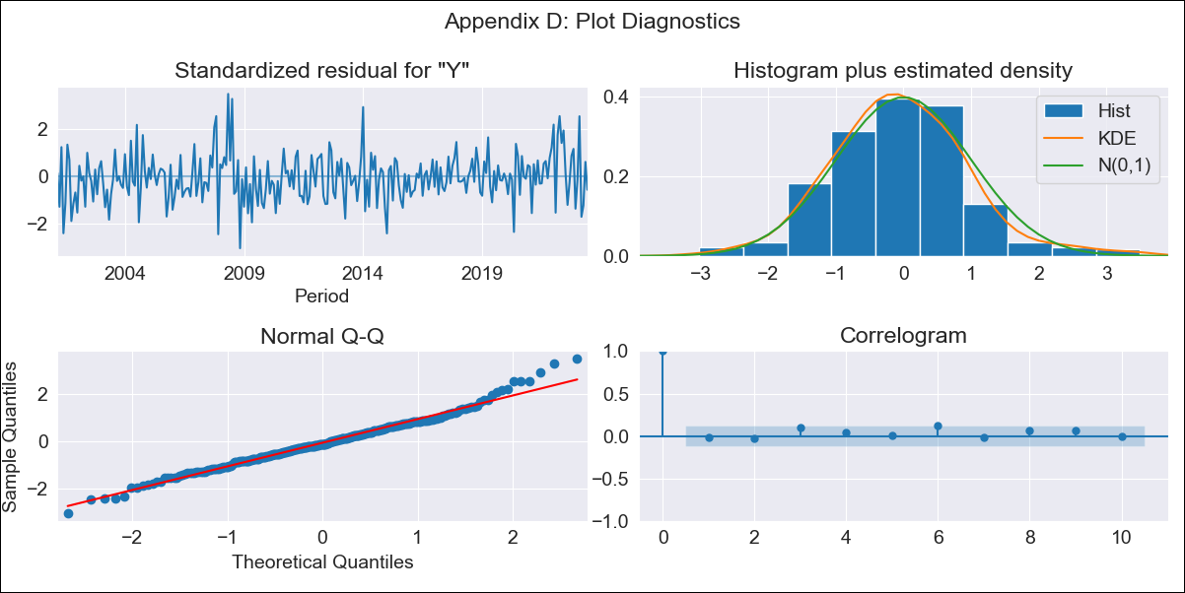

HND1999 - Inflation - Next 12 months forecast as of: 2023-06-01

Model | ARIMA - [(1, 1, 0), (2, 0, 0, 12)]
Training Data | 1999-01-01 to 2022-07-01
Test Data | 2022-07-01 to 2023-06-01

Date | Inflation Change YoY % | Lower Bound - 95% Confidence Interval | Upper Bound - 95% Confidence Interval
2023-07-01 | 5.2 | 4.45 | 5.94
2023-08-01 | 5.42 | 4.15 | 6.69
2023-09-01 | 5.63 | 3.92 | 7.34
2023-10-01 | 5.51 | 3.42 | 7.59
2023-11-01 | 5.2 | 2.79 | 7.61
2023-12-01 | 5.54 | 2.84 | 8.24
2024-01-01 | 5.87 | 2.91 | 8.83
2024-02-01 | 5.16 | 1.95 | 8.36
2024-03-01 | 5.5 | 2.07 | 8.93
2024-04-01 | 6.18 | 2.54 | 9.82
2024-05-01 | 6.55 | 2.71 | 10.39
2024-06-01 | 6.86 | 2.83 | 10.89

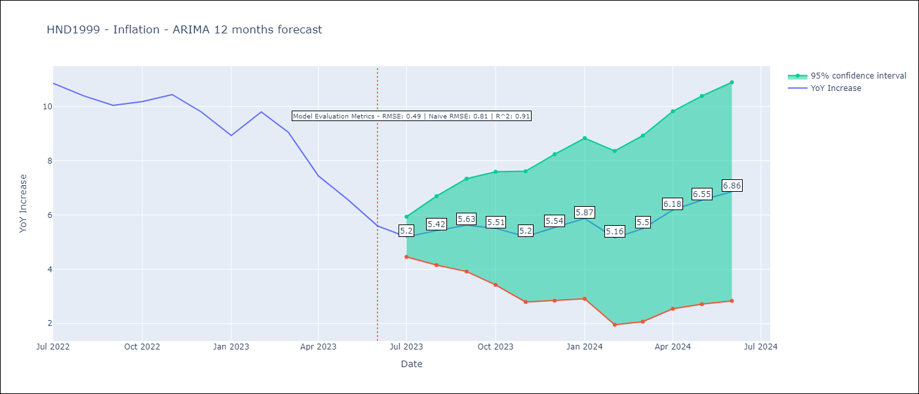

Test Metrics
RMSE | 0.49
Naive RMSE | 0.8
R^2 | 0.91

Test Predictions
Date | Predicted | Actual
2022-07-01 | 10.83 | 10.86
2022-08-01 | 10.83 | 10.4
2022-09-01 | 10.76 | 10.04
2022-10-01 | 10.69 | 10.18
2022-11-01 | 10.43 | 10.44
2022-12-01 | 10.11 | 9.8
2023-01-01 | 9.45 | 8.93
2023-02-01 | 9.42 | 9.8
2023-03-01 | 8.98 | 9.05
2023-04-01 | 8 | 7.44
2023-05-01 | 7.17 | 6.58
2023-06-01 | 6.43 | 5.6

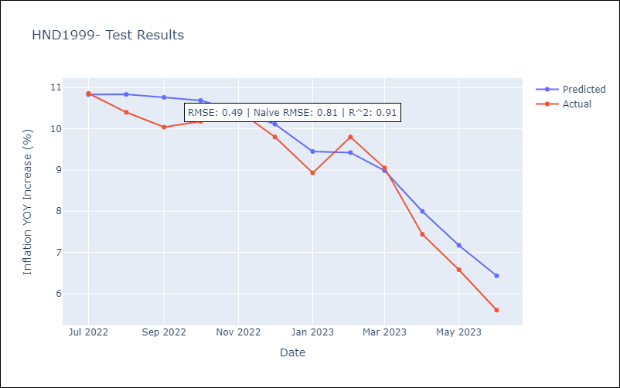

Appendix A: Model Summary
Model | ARIMA(1, 1, 0)x(2, 0, 0, 12)
Sample | 01-01-1999- 06-01-2023
No. of Observations | 294
Terms | P-value (Statistical significance)
ar.L1 | 0.000
ar.S.L12 | 0.000
ar.S.L24 | 0.000
sigma2 | 0.000
Assumptions | P-value | Interpretation
Ljung-Box (L1) | 0.84 | Residuals are independent.
Heteroskedasticity | 0.08 | Residuals have the same variance.
Jarque-Bera | 0.00 | Residuals are not normally distributed.
Skew | 0.35 | Positive skew - model underestimates the mean.
Kurtosis | 3.93 | Residuals contain more extreme outliers than in a normal distribution.

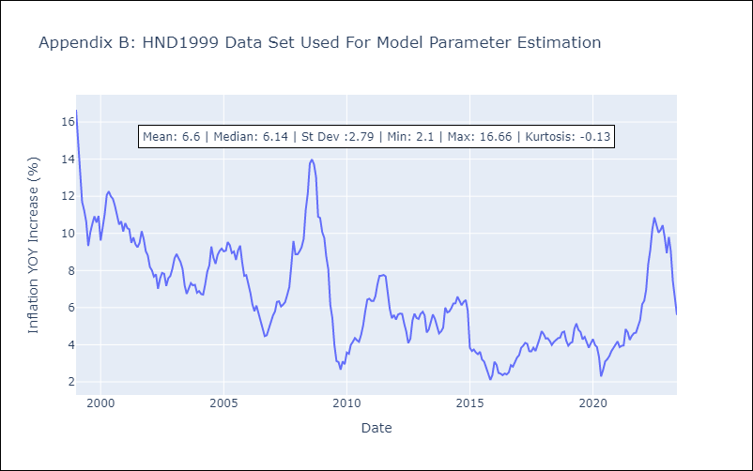

Appendix C: Residuals Analysis
Mean | 0.02
Variance | 1.27
Independent? | No - Correlations at Lags [ 0 1 2 3 4 5 6 7 8 9 10 11]
Heteroskedastic? - Breusch-Pagan | Yes
Heteroskedastic? - Goldfeld-Quandt | Yes
Heteroskedastic? - White | Yes
Heteroskedastic? - ARCH | Yes
Normal? | No

NIC2010
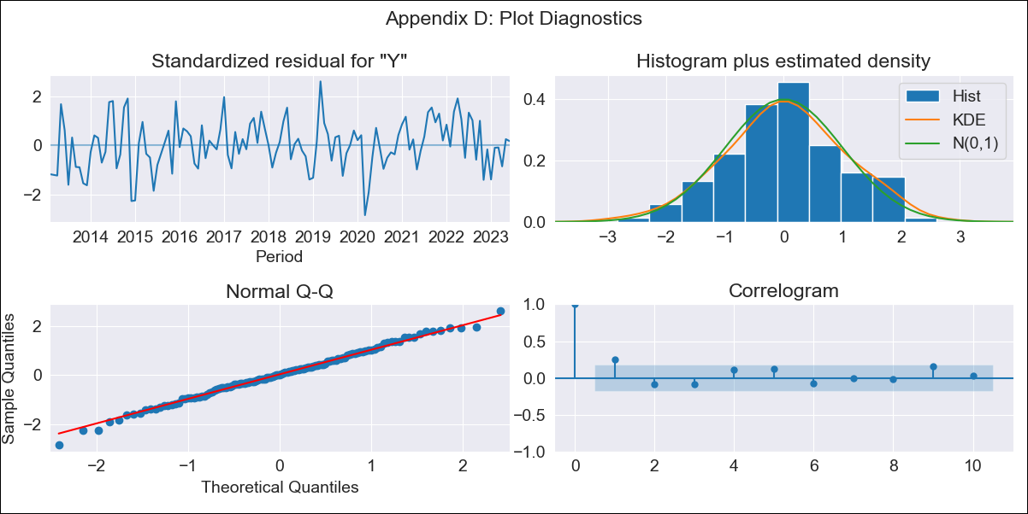
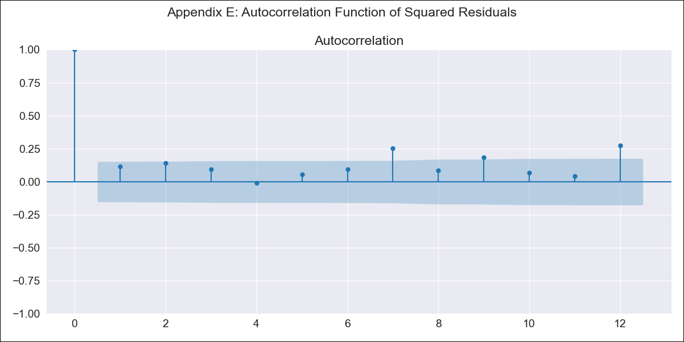
NIC2010 - Inflation - Next 12 months forecast as of: 2023-06-01

Model | ARIMA - [(0, 1, 0), (2, 1, 0, 12)]
Training Data | 2010-01-01 to 2022-07-01
Test Data | 2022-07-01 to 2023-06-01

Date | Inflation Change YoY % | Lower Bound - 95% Confidence Interval | Upper Bound - 95% Confidence Interval
2023-07-01 | 10 | 8.63 | 11.37
2023-08-01 | 10.18 | 8.24 | 12.12
2023-09-01 | 10.43 | 8.06 | 12.8
2023-10-01 | 10.68 | 7.94 | 13.42
2023-11-01 | 10.84 | 7.78 | 13.9
2023-12-01 | 11.05 | 7.69 | 14.4
2024-01-01 | 11.27 | 7.64 | 14.89
2024-02-01 | 11.59 | 7.72 | 15.47
2024-03-01 | 12.06 | 7.95 | 16.17
2024-04-01 | 12.58 | 8.25 | 16.91
2024-05-01 | 12.64 | 8.1 | 17.19
2024-06-01 | 12.58 | 7.84 | 17.33

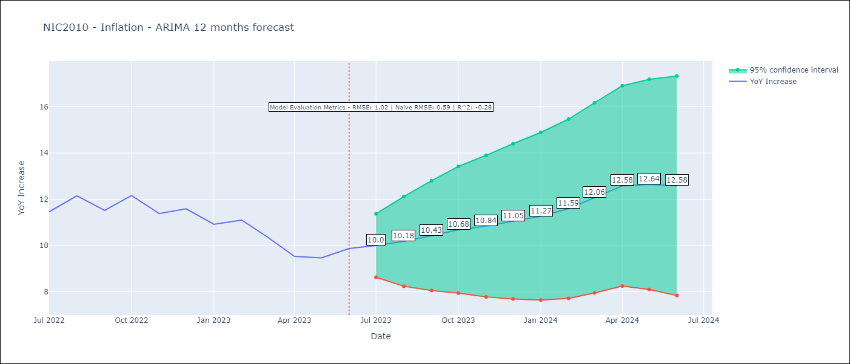

Test Metrics
RMSE | 1.02
Naive RMSE | 0.65
R^2 | -0.28

Test Predictions
Date | Predicted | Actual
2022-07-01 | 10.52 | 11.46
2022-08-01 | 10.5 | 12.15
2022-09-01 | 10.3 | 11.52
2022-10-01 | 10.25 | 12.16
2022-11-01 | 10.46 | 11.38
2022-12-01 | 10.77 | 11.59
2023-01-01 | 11.07 | 10.92
2023-02-01 | 11.32 | 11.1
2023-03-01 | 10.73 | 10.39
2023-04-01 | 10.51 | 9.53
2023-05-01 | 10.29 | 9.47
2023-06-01 | 10.54 | 9.87

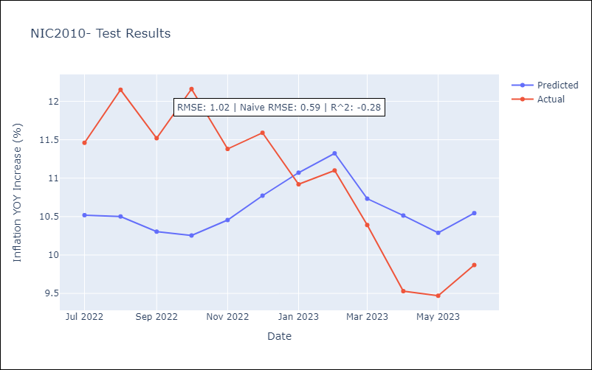

Appendix A: Model Summary
Model | ARIMA(0, 1, 0)x(2, 1, 0, 12)
Sample | 01-01-2010- 06-01-2023
No. of Observations | 162
Terms | P-value (Statistical significance)
ar.S.L12 | 0.000
ar.S.L24 | 0.000
sigma2 | 0.000
Assumptions | P-value | Interpretation
Ljung-Box (L1) | 0.00 | Residuals are not independent.
Heteroskedasticity | 0.35 | Residuals have the same variance.
Jarque-Bera | 0.90 | Residuals are normally distributed.
Skew | -0.09 | Negative skew - Model overestimates the mean.
Kurtosis | 2.94 | Residuals do not contain more extreme outliers than in a normal distribution.

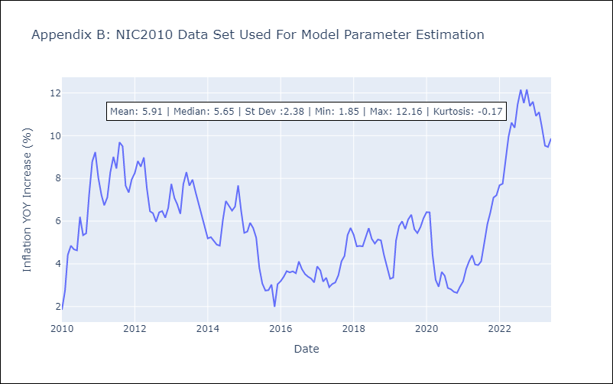

Appendix C: Residuals Analysis
Mean | 0.01
Variance | 0.69
Independent? | No - Correlations at Lags [ 0 1 2 3 4 5 6 7 8 9 10 11]
Heteroskedastic? - Breusch-Pagan | Yes
Heteroskedastic? - Goldfeld-Quandt | Yes
Heteroskedastic? - White | Yes
Heteroskedastic? - ARCH | No
Normal? | Yes

PAN2010
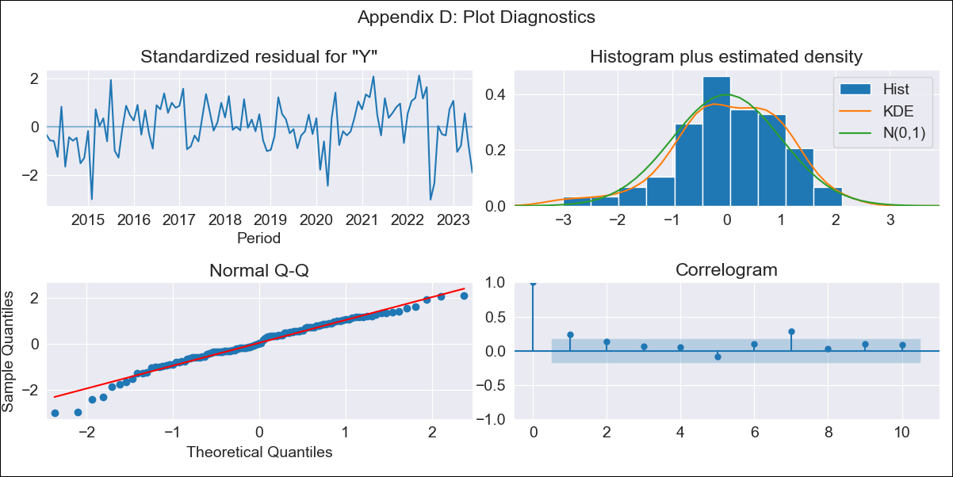

PAN2010 - Inflation - Next 12 months forecast as of: 2023-06-01

Model | ARIMA - [(0, 1, 0), (3, 1, 0, 12)]
Training Data | 2010-01-01 to 2022-07-01
Test Data | 2022-07-01 to 2023-06-01

Date | Inflation Change YoY % | Lower Bound - 95% Confidence Interval | Upper Bound - 95% Confidence Interval
2023-07-01 | -0.23 | -1.24 | 0.77
2023-08-01 | 0.2 | -1.22 | 1.62
2023-09-01 | 0.32 | -1.42 | 2.06
2023-10-01 | 0.39 | -1.62 | 2.4
2023-11-01 | 0.67 | -1.58 | 2.92
2023-12-01 | 0.73 | -1.73 | 3.19
2024-01-01 | 0.84 | -1.82 | 3.5
2024-02-01 | 1.39 | -1.45 | 4.24
2024-03-01 | 1.85 | -1.17 | 4.86
2024-04-01 | 2.26 | -0.92 | 5.44
2024-05-01 | 2.62 | -0.71 | 5.96
2024-06-01 | 3.31 | -0.17 | 6.79

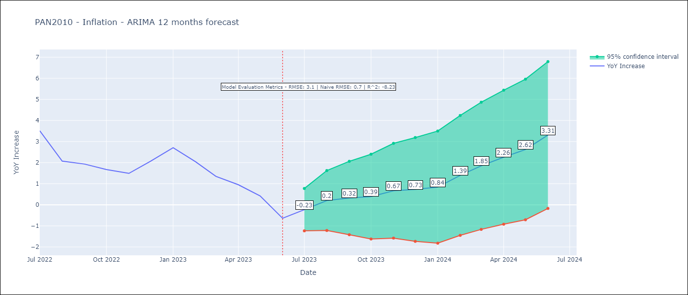

Test Metrics
RMSE | 3.1
Naive RMSE | 0.83
R^2 | -8.23

Test Predictions
Date | Predicted | Actual
2022-07-01 | 5.15 | 3.51
2022-08-01 | 4.93 | 2.07
2022-09-01 | 4.8 | 1.93
2022-10-01 | 4.74 | 1.67
2022-11-01 | 4.81 | 1.49
2022-12-01 | 4.95 | 2.07
2023-01-01 | 5.05 | 2.71
2023-02-01 | 4.92 | 2.04
2023-03-01 | 4.65 | 1.35
2023-04-01 | 4 | 0.95
2023-05-01 | 3.93 | 0.42
2023-06-01 | 3.98 | -0.64

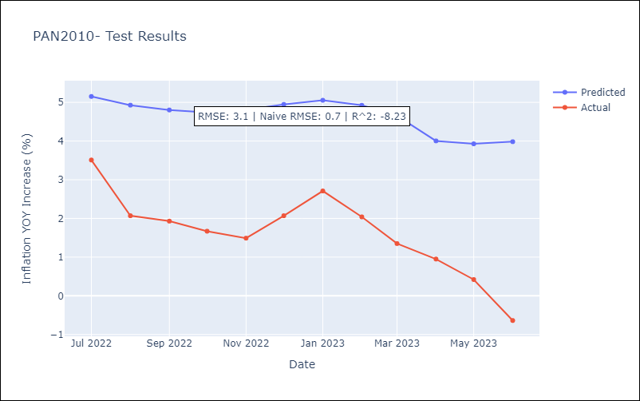

Appendix A: Model Summary
Model | ARIMA(0, 1, 0)x(3, 1, 0, 12)
Sample | 01-01-2010- 06-01-2023
No. of Observations | 162
Terms | P-value (Statistical significance)
ar.S.L12 | 0.000
ar.S.L24 | 0.000
ar.S.L36 | 0.000
sigma2 | 0.000
Assumptions | P-value | Interpretation
Ljung-Box (L1) | 0.01 | Residuals are not independent.
Heteroskedasticity | 0.45 | Residuals have the same variance.
Jarque-Bera | 0.02 | Residuals are not normally distributed.
Skew | -0.57 | Negative skew - Model overestimates the mean.
Kurtosis | 3.54 | Residuals contain more extreme outliers than in a normal distribution.

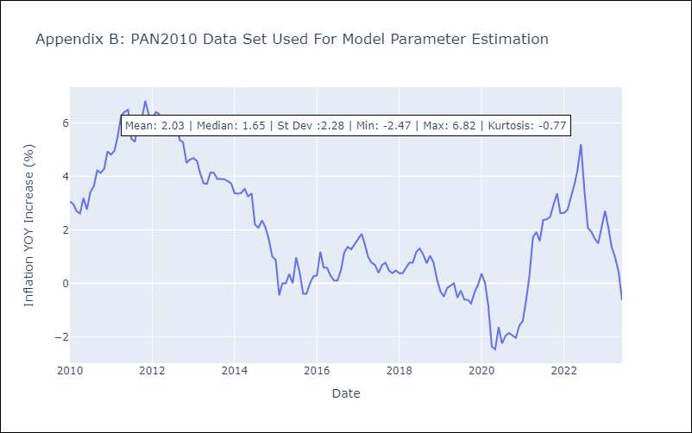

Appendix C: Residuals Analysis
Mean | -0.01
Variance | 0.34
Independent? | No - Correlations at Lags [ 0 5 6 7 8 9 10 11]
Heteroskedastic? - Breusch-Pagan | No
Heteroskedastic? - Goldfeld-Quandt | Yes
Heteroskedastic? - White | Yes
Heteroskedastic? - ARCH | No
Normal? | No

PRY2000
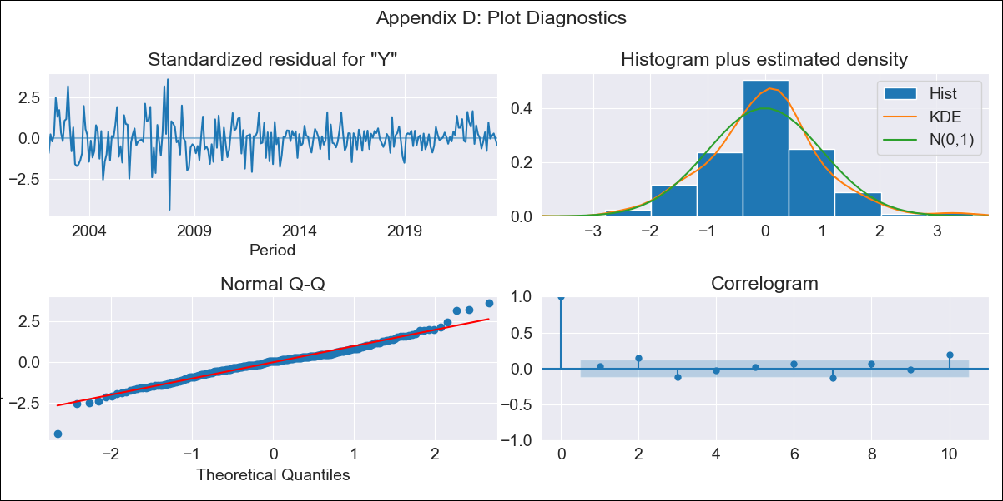

PRY2000 - Inflation - Next 12 months forecast as of: 2023-06-01

Model | ARIMA - [(0, 1, 1), (2, 0, 0, 12)]
Training Data | 2000-01-01 to 2022-07-01
Test Data | 2022-07-01 to 2023-06-01

Date | Inflation Change YoY % | Lower Bound - 95% Confidence Interval | Upper Bound - 95% Confidence Interval
2023-07-01 | 4.26 | 2.48 | 6.04
2023-08-01 | 4.51 | 1.79 | 7.22
2023-09-01 | 5.12 | 1.73 | 8.52
2023-10-01 | 5.64 | 1.67 | 9.6
2023-11-01 | 5.52 | 1.06 | 9.98
2023-12-01 | 5.92 | 1.01 | 10.83
2024-01-01 | 5.69 | 0.37 | 11
2024-02-01 | 5.86 | 0.16 | 11.55
2024-03-01 | 5.88 | -0.17 | 11.94
2024-04-01 | 6.06 | -0.33 | 12.45
2024-05-01 | 6.39 | -0.32 | 13.09
2024-06-01 | 7 | -0.01 | 14.01

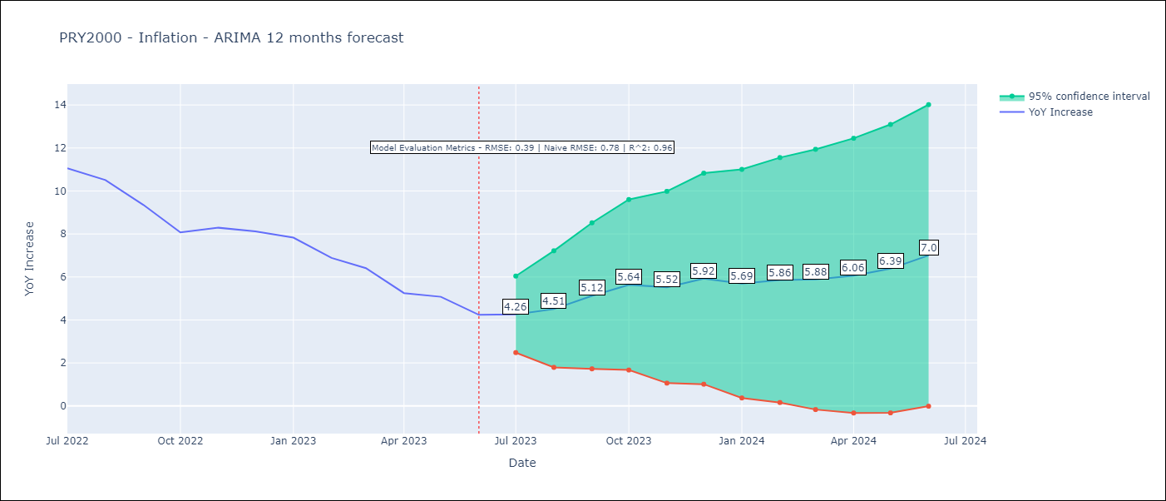

Test Metrics
RMSE | 0.39
Naive RMSE | 0.76
R^2 | 0.96

Test Predictions
Date | Predicted | Actual
2022-07-01 | 10.81 | 11.05
2022-08-01 | 10.2 | 10.51
2022-09-01 | 9.6 | 9.35
2022-10-01 | 8.6 | 8.07
2022-11-01 | 8.51 | 8.29
2022-12-01 | 9 | 8.12
2023-01-01 | 7.92 | 7.83
2023-02-01 | 6.86 | 6.88
2023-03-01 | 6.24 | 6.41
2023-04-01 | 4.77 | 5.25
2023-05-01 | 4.62 | 5.08
2023-06-01 | 4.16 | 4.24

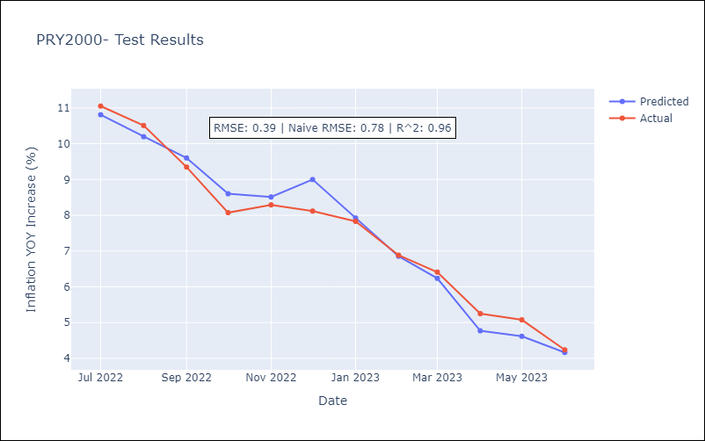

Appendix A: Model Summary
Model | ARIMA(0, 1, 1)x(2, 0, [], 12)
Sample | 01-01-2000- 06-01-2023
No. of Observations | 282
Terms | P-value (Statistical significance)
ma.L1 | 0.003
ar.S.L12 | 0.000
ar.S.L24 | 0.000
sigma2 | 0.000
Assumptions | P-value | Interpretation
Ljung-Box (L1) | 0.69 | Residuals are independent.
Heteroskedasticity | 0.00 | Residuals have different variances.
Jarque-Bera | 0.00 | Residuals are not normally distributed.
Skew | -0.03 | Negative skew - Model overestimates the mean.
Kurtosis | 5.02 | Residuals contain more extreme outliers than in a normal distribution.

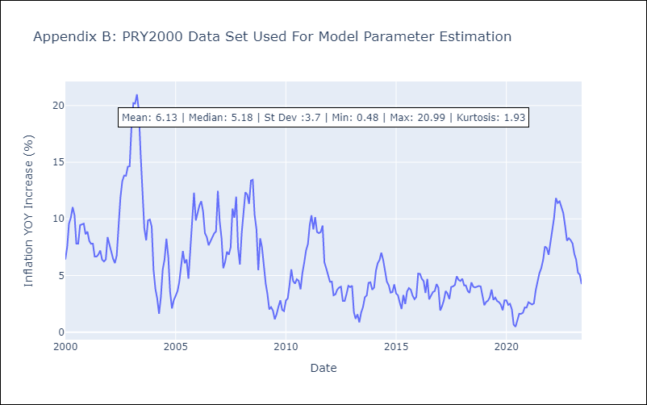

Appendix C: Residuals Analysis
Mean | 0.04
Variance | 1.02
Independent? | No - Correlations at Lags [ 1 2 3 9 10 11]
Heteroskedastic? - Breusch-Pagan | Yes
Heteroskedastic? - Goldfeld-Quandt | Yes
Heteroskedastic? - White | Yes
Heteroskedastic? - ARCH | Yes
Normal? | No

SLV1999


SLV1999 - Inflation - Next 12 months forecast as of: 2023-06-01

Model | ARIMA - [(0, 1, 0), (3, 1, 0, 12)]
Training Data | 1999-01-01 to 2022-07-01
Test Data | 2022-07-01 to 2023-06-01

Date | Inflation Change YoY % | Lower Bound - 95% Confidence Interval | Upper Bound - 95% Confidence Interval
2023-07-01 | 4.05 | 2.7 | 5.4
2023-08-01 | 3.9 | 2 | 5.81
2023-09-01 | 4.02 | 1.69 | 6.35
2023-10-01 | 4.21 | 1.52 | 6.9
2023-11-01 | 4.57 | 1.56 | 7.58
2023-12-01 | 4.79 | 1.49 | 8.09
2024-01-01 | 5.16 | 1.6 | 8.72
2024-02-01 | 5.57 | 1.76 | 9.37
2024-03-01 | 6.08 | 2.04 | 10.12
2024-04-01 | 6.55 | 2.29 | 10.81
2024-05-01 | 6.95 | 2.49 | 11.42
2024-06-01 | 7.42 | 2.75 | 12.08

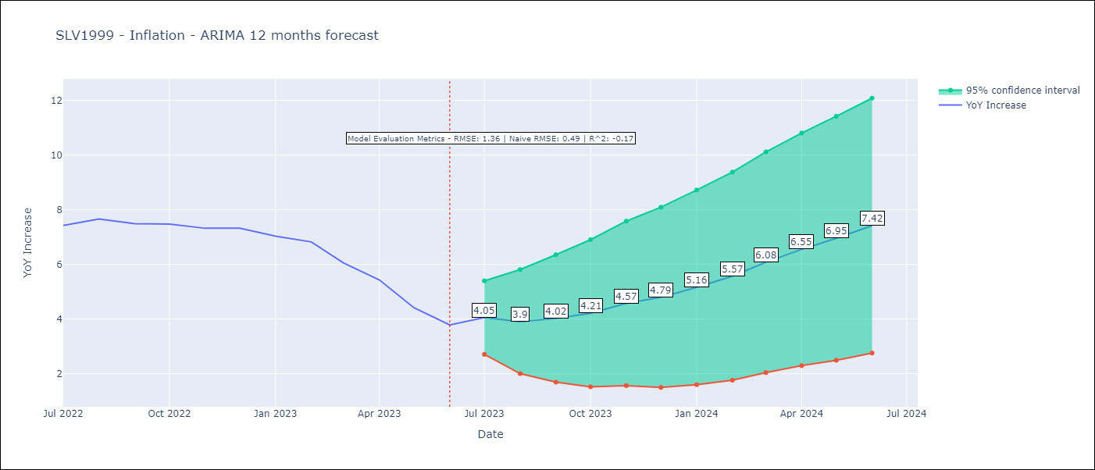

Test Metrics
RMSE | 1.36
Naive RMSE | 0.48
R^2 | -0.17

Test Predictions
Date | Predicted | Actual
2022-07-01 | 7.47 | 7.42
2022-08-01 | 7.01 | 7.66
2022-09-01 | 6.72 | 7.49
2022-10-01 | 6.6 | 7.47
2022-11-01 | 6.49 | 7.32
2022-12-01 | 6.63 | 7.32
2023-01-01 | 6.57 | 7.03
2023-02-01 | 6.62 | 6.82
2023-03-01 | 6.87 | 6.05
2023-04-01 | 6.95 | 5.43
2023-05-01 | 6.76 | 4.41
2023-06-01 | 7.01 | 3.78

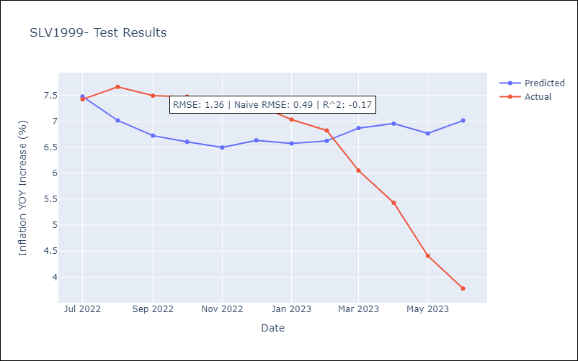

Appendix A: Model Summary
Model | ARIMA(0, 1, 0)x(3, 1, 0, 12)
Sample | 01-01-1999- 06-01-2023
No. of Observations | 294
Terms | P-value (Statistical significance)
ar.S.L12 | 0.000
ar.S.L24 | 0.000
ar.S.L36 | 0.000
sigma2 | 0.000
Assumptions | P-value | Interpretation
Ljung-Box (L1) | 0.02 | Residuals are not independent.
Heteroskedasticity | 0.00 | Residuals have different variances.
Jarque-Bera | 0.00 | Residuals are not normally distributed.
Skew | 0.06 | Positive skew - model underestimates the mean.
Kurtosis | 6.23 | Residuals contain more extreme outliers than in a normal distribution.

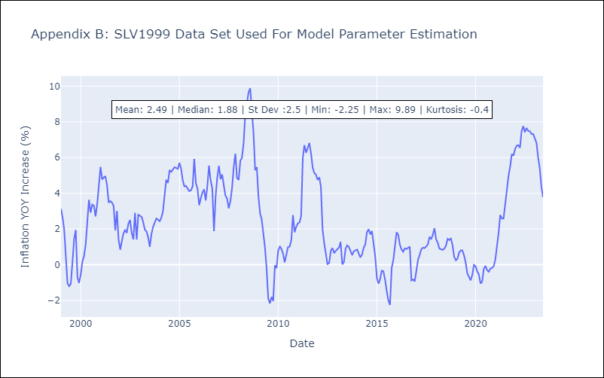

Appendix C: Residuals Analysis
Mean | 0.02
Variance | 0.63
Independent? | No - Correlations at Lags [ 0 7 8 9 11]
Heteroskedastic? - Breusch-Pagan | Yes
Heteroskedastic? - Goldfeld-Quandt | Yes
Heteroskedastic? - White | Yes
Heteroskedastic? - ARCH | Yes
Normal? | No

URY1999
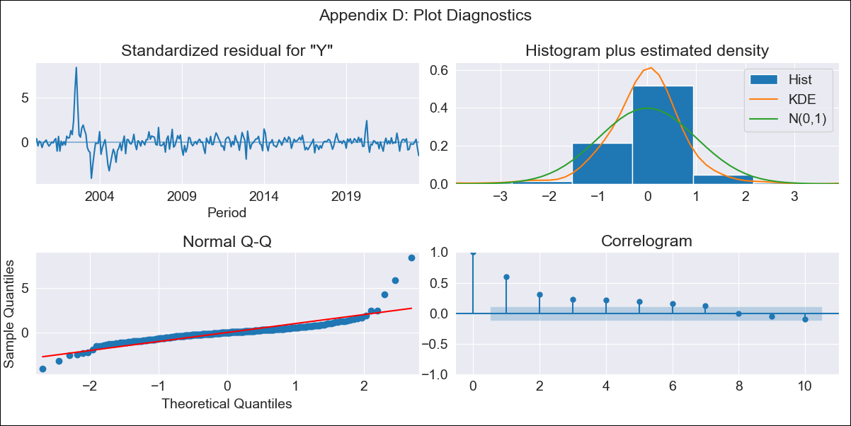

URY1999 - Inflation - Next 12 months forecast as of: 2023-06-01

Model | ARIMA - [(0, 1, 0), (1, 0, 0, 12)]
Training Data | 1999-01-01 to 2022-07-01
Test Data | 2022-07-01 to 2023-06-01

Date | Inflation Change YoY % | Lower Bound - 95% Confidence Interval | Upper Bound - 95% Confidence Interval
2023-07-01 | 5.85 | 4.31 | 7.39
2023-08-01 | 5.86 | 3.69 | 8.04
2023-09-01 | 5.67 | 3 | 8.33
2023-10-01 | 6.09 | 3.02 | 9.17
2023-11-01 | 6.37 | 2.94 | 9.81
2023-12-01 | 6.45 | 2.69 | 10.22
2024-01-01 | 6.57 | 2.5 | 10.64
2024-02-01 | 6.81 | 2.46 | 11.16
2024-03-01 | 6.91 | 2.3 | 11.52
2024-04-01 | 6.78 | 1.92 | 11.64
2024-05-01 | 7.02 | 1.92 | 12.12
2024-06-01 | 7.56 | 2.23 | 12.88

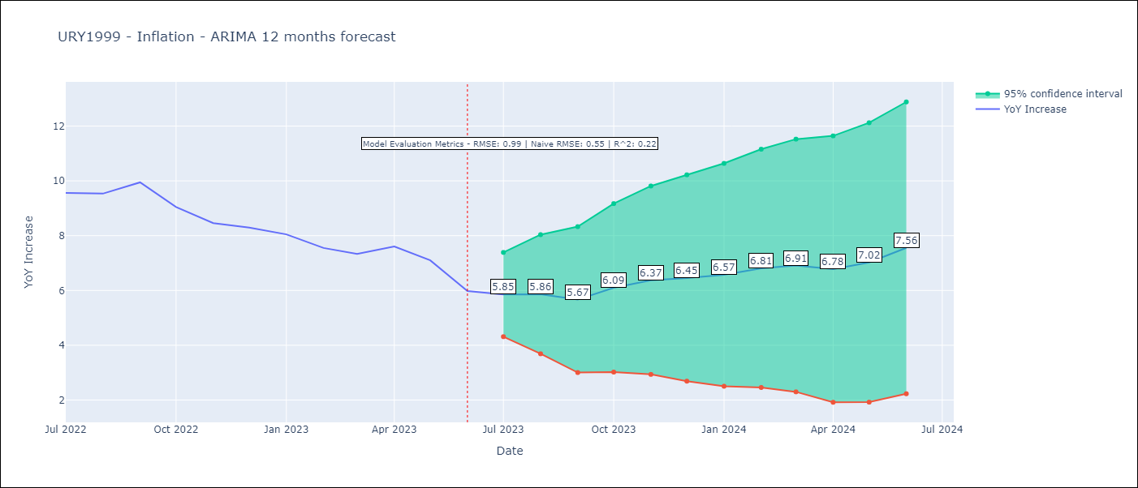

Test Metrics
RMSE | 0.99
Naive RMSE | 0.53
R^2 | 0.22

Test Predictions
Date | Predicted | Actual
2022-07-01 | 9.3 | 9.56
2022-08-01 | 9.16 | 9.53
2022-09-01 | 9.25 | 9.95
2022-10-01 | 9.02 | 9.05
2022-11-01 | 9.03 | 8.46
2022-12-01 | 8.99 | 8.29
2023-01-01 | 8.9 | 8.05
2023-02-01 | 8.57 | 7.55
2023-03-01 | 8.32 | 7.33
2023-04-01 | 8.32 | 7.61
2023-05-01 | 8.32 | 7.1
2023-06-01 | 8.36 | 5.98

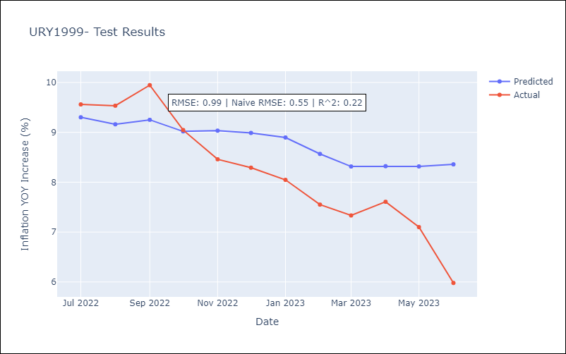

Appendix A: Model Summary
Model | ARIMA(0, 1, 0)x(1, 0, 0, 12)
Sample | 01-01-1999- 06-01-2023
No. of Observations | 294
Terms | P-value (Statistical significance)
ar.S.L12 | 0.000
sigma2 | 0.000
Assumptions | P-value | Interpretation
Ljung-Box (L1) | 0.00 | Residuals are not independent.
Heteroskedasticity | 0.00 | Residuals have different variances.
Jarque-Bera | 0.00 | Residuals are not normally distributed.
Skew | 2.54 | Positive skew - model underestimates the mean.
Kurtosis | 24.58 | Residuals contain more extreme outliers than in a normal distribution.



Appendix C: Residuals Analysis
Mean | 0.03
Variance | 0.82
Independent? | No - Correlations at Lags [ 0 1 2 3 4 5 6 7 8 9 10 11]
Heteroskedastic? - Breusch-Pagan | Yes
Heteroskedastic? - Goldfeld-Quandt | Yes
Heteroskedastic? - White | Yes
Heteroskedastic? - ARCH | Yes
Normal? | No

