YoY Increase
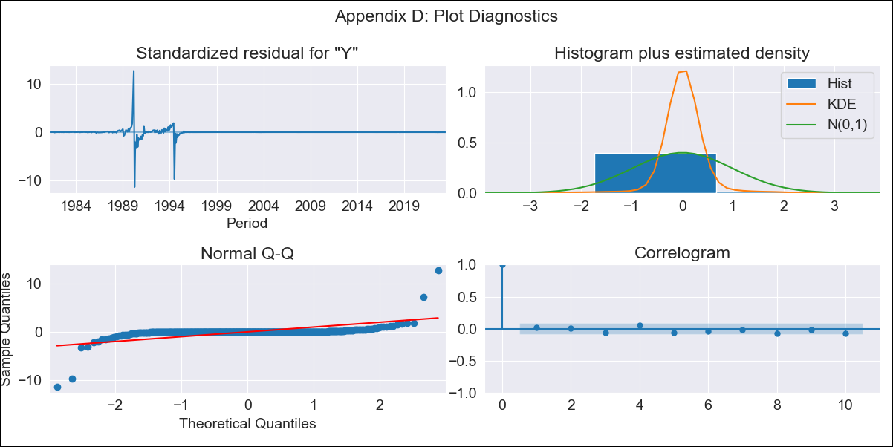
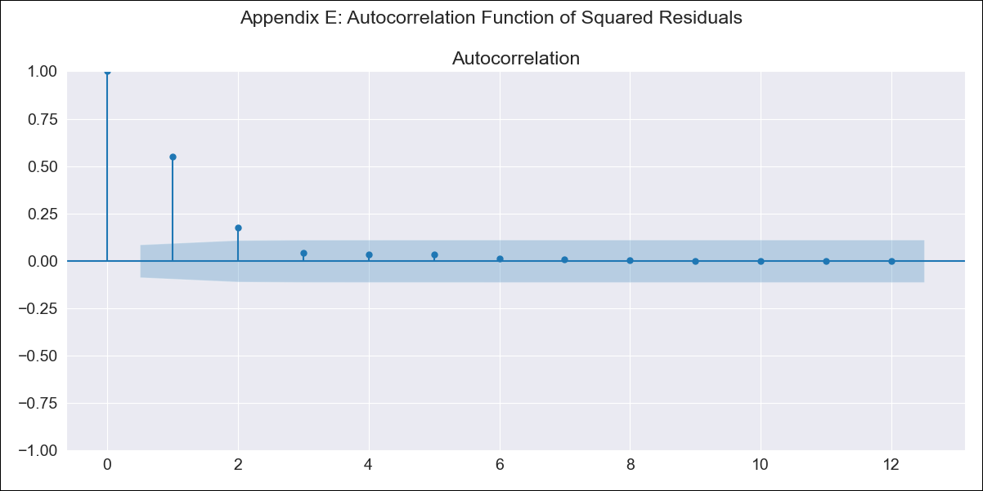
YoY Increase - Inflation - Next 12 months forecast as of: 2023-06-01

Model | ARIMA - [(1, 1, 1), (0, 0, 0, 12)]
Training Data | 1980-12-01 to 2022-07-01
Test Data | 2022-07-01 to 2023-06-01

Date | Inflation Change YoY % | Lower Bound - 95% Confidence Interval | Upper Bound - 95% Confidence Interval
2023-07-01 | 2.55 | -260.07 | 265.17
2023-08-01 | 2.24 | -551.91 | 556.39
2023-09-01 | 2.09 | -815.53 | 819.7
2023-10-01 | 2.01 | -1047.52 | 1051.54
2023-11-01 | 1.97 | -1252.2 | 1256.14
2023-12-01 | 1.95 | -1434.82 | 1438.72
2024-01-01 | 1.94 | -1599.88 | 1603.76
2024-02-01 | 1.93 | -1750.91 | 1754.78
2024-03-01 | 1.93 | -1890.61 | 1894.48
2024-04-01 | 1.93 | -2021.01 | 2024.87
2024-05-01 | 1.93 | -2143.65 | 2147.51
2024-06-01 | 1.93 | -2259.72 | 2263.57

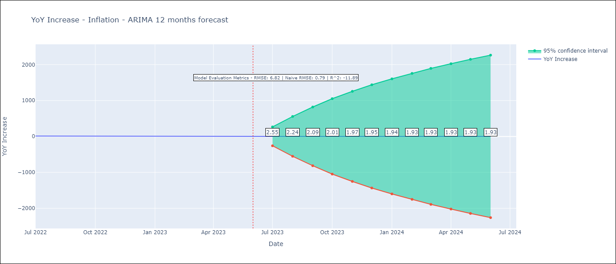

Test Metrics
RMSE | 6.82
Naive RMSE | 0.92
R^2 | -11.89

Test Predictions
Date | Predicted | Actual
2022-07-01 | 12.21 | 10.07
2022-08-01 | 12.37 | 8.73
2022-09-01 | 12.45 | 7.17
2022-10-01 | 12.49 | 6.47
2022-11-01 | 12.51 | 5.9
2022-12-01 | 12.52 | 5.79
2023-01-01 | 12.53 | 5.77
2023-02-01 | 12.53 | 5.6
2023-03-01 | 12.53 | 4.65
2023-04-01 | 12.53 | 4.18
2023-05-01 | 12.53 | 3.94
2023-06-01 | 12.53 | 3.16

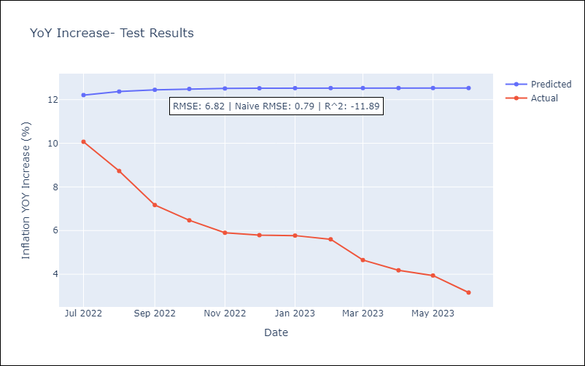

Appendix A: Model Summary
Model | ARIMA(1, 1, 1)
Sample | 12-01-1980- 06-01-2023
No. of Observations | 511
Terms | P-value (Statistical significance)
ar.L1 | 0.000
ma.L1 | 0.000
sigma2 | 0.000
Assumptions | P-value | Interpretation
Ljung-Box (L1) | 0.78 | Residuals are independent.
Heteroskedasticity | 0.00 | Residuals have different variances.
Jarque-Bera | 0.00 | Residuals are not normally distributed.
Skew | -0.07 | Negative skew - Model overestimates the mean.
Kurtosis | 109.16 | Residuals contain more extreme outliers than in a normal distribution.

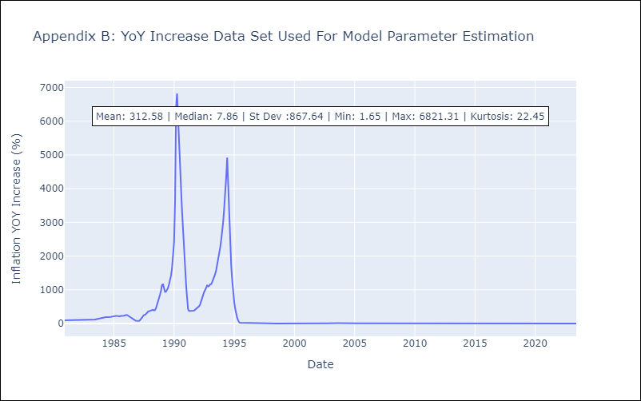

Appendix C: Residuals Analysis
Mean | 0.08
Variance | 17858.06
Independent? | Yes
Heteroskedastic? - Breusch-Pagan | No
Heteroskedastic? - Goldfeld-Quandt | Yes
Heteroskedastic? - White | No
Heteroskedastic? - ARCH | Yes
Normal? | No

