BRA
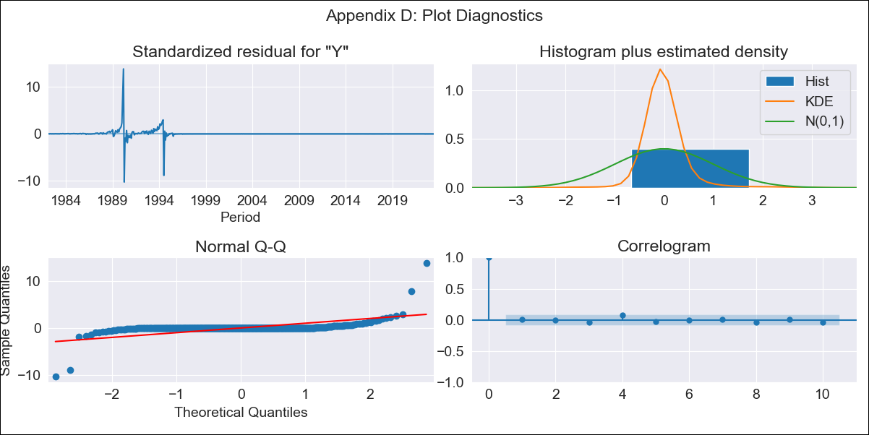
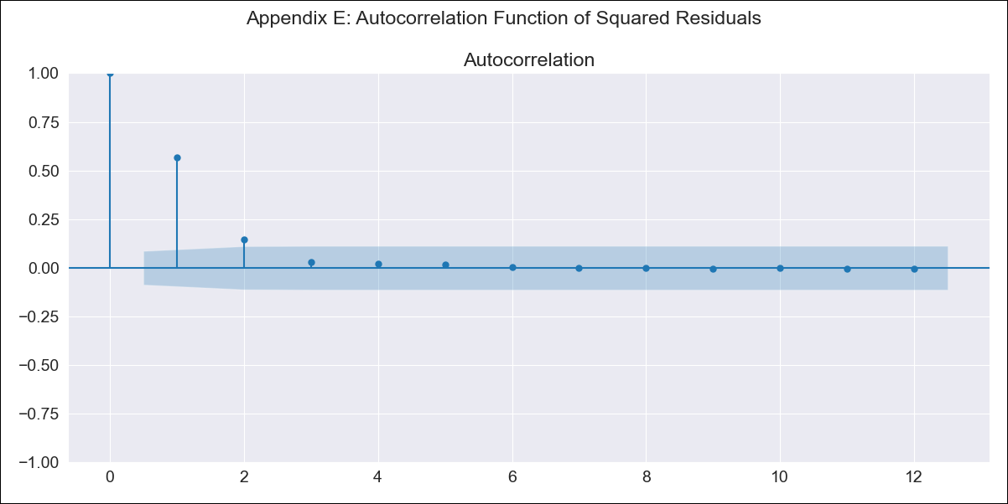
BRA - Inflation - Next 12 months forecast as of: 2023-06-01

Model | ARIMA - [(2, 0, 1), (0, 0, 1, 12)]
Training Data | 1980-12-01 to 2022-07-01
Test Data | 2022-07-01 to 2023-06-01

Date | Inflation Change YoY % | Lower Bound - 95% Confidence Interval | Upper Bound - 95% Confidence Interval
2023-07-01 | 12.91 | -244.55 | 270.36
2023-08-01 | 31.26 | -503.27 | 565.8
2023-09-01 | 53.54 | -722.48 | 829.55
2023-10-01 | 76.94 | -898.09 | 1051.96
2023-11-01 | 100.03 | -1035.21 | 1235.26
2023-12-01 | 122 | -1140.9 | 1384.91
2024-01-01 | 142.5 | -1221.77 | 1506.77
2024-02-01 | 161.4 | -1283.3 | 1606.1
2024-03-01 | 178.74 | -1329.86 | 1687.35
2024-04-01 | 194.48 | -1365 | 1753.97
2024-05-01 | 208.75 | -1391.33 | 1808.83
2024-06-01 | 221.69 | -1410.86 | 1854.24

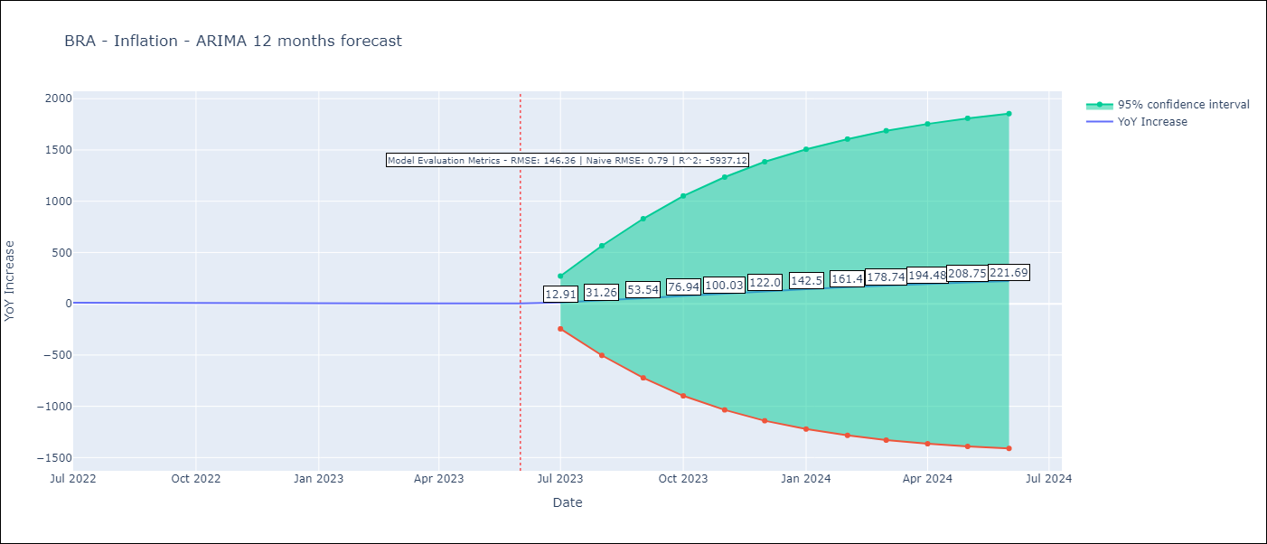

Test Metrics
RMSE | 146.36
Naive RMSE | 0.92
R^2 | -5937.12

Test Predictions
Date | Predicted | Actual
2022-07-01 | 22.35 | 10.07
2022-08-01 | 41.03 | 8.73
2022-09-01 | 63.36 | 7.17
2022-10-01 | 86.76 | 6.47
2022-11-01 | 109.8 | 5.9
2022-12-01 | 131.77 | 5.79
2023-01-01 | 152.17 | 5.77
2023-02-01 | 170.95 | 5.6
2023-03-01 | 188.06 | 4.65
2023-04-01 | 203.6 | 4.18
2023-05-01 | 217.77 | 3.94
2023-06-01 | 230.54 | 3.16

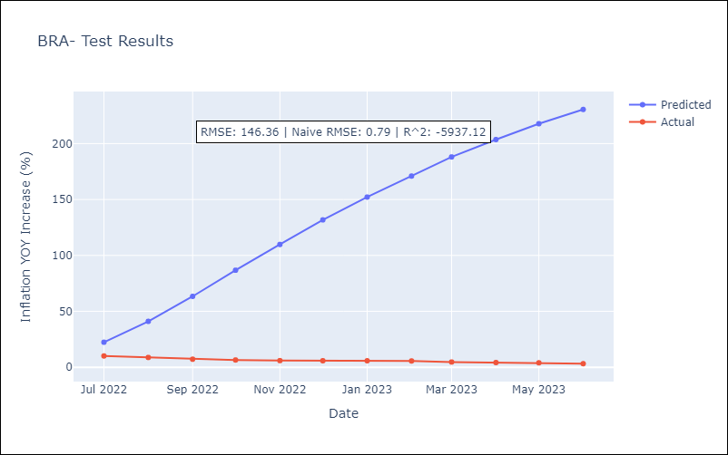

Appendix A: Model Summary
Model | ARIMA(2, 0, 1)x(0, 0, 1, 12)
Sample | 12-01-1980- 06-01-2023
No. of Observations | 511
Terms | P-value (Statistical significance)
const | 0.715
ar.L1 | 0.000
ar.L2 | 0.000
ma.L1 | 0.000
ma.S.L12 | 0.390
sigma2 | 0.000
Assumptions | P-value | Interpretation
Ljung-Box (L1) | 0.90 | Residuals are independent.
Heteroskedasticity | 0.00 | Residuals have different variances.
Jarque-Bera | 0.00 | Residuals are not normally distributed.
Skew | 2.69 | Positive skew - model underestimates the mean.
Kurtosis | 113.08 | Residuals contain more extreme outliers than in a normal distribution.

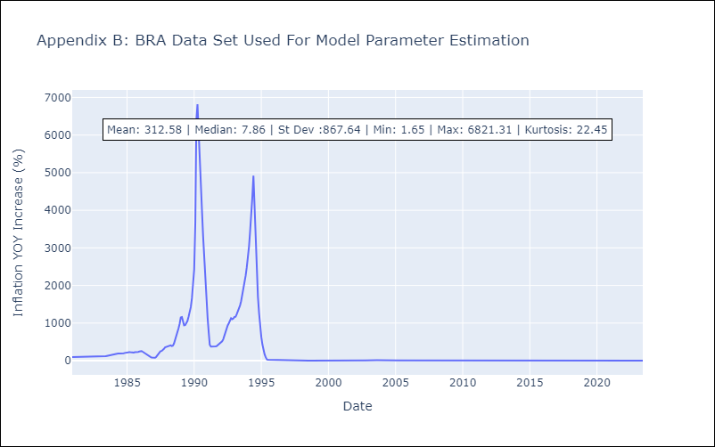

Appendix C: Residuals Analysis
Mean | -0.27
Variance | 17040.64
Independent? | Yes
Heteroskedastic? - Breusch-Pagan | No
Heteroskedastic? - Goldfeld-Quandt | Yes
Heteroskedastic? - White | No
Heteroskedastic? - ARCH | Yes
Normal? | No

