brapleaHse
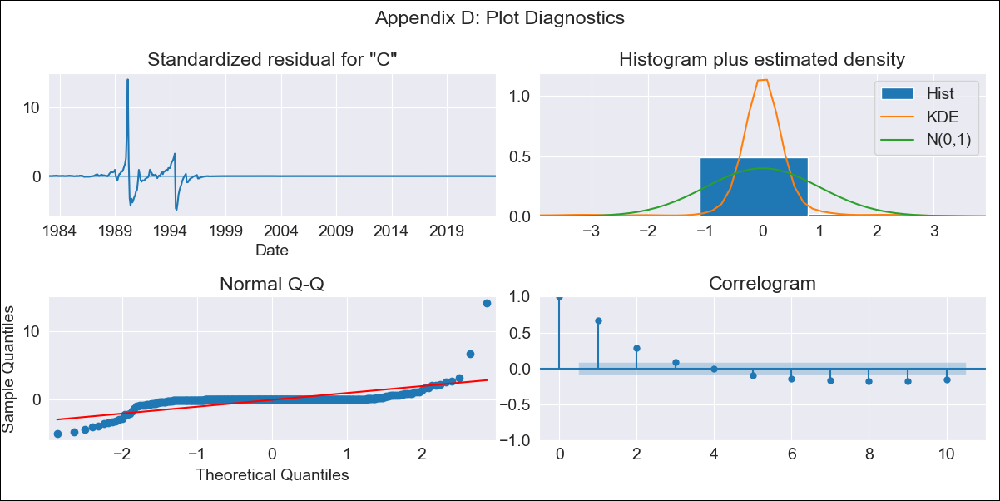
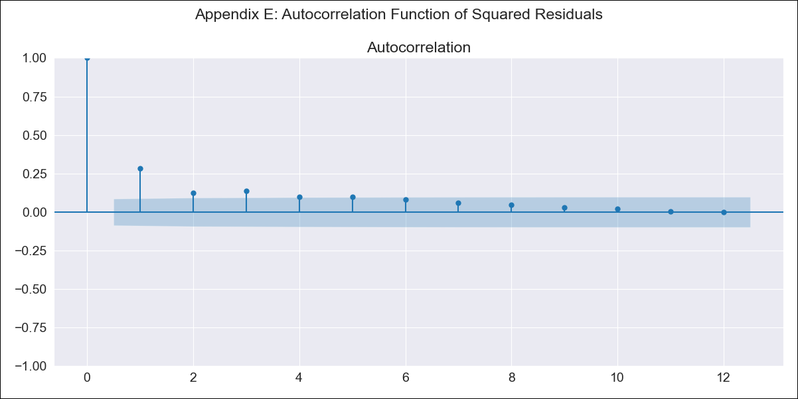
brapleaHse - Inflation - Next 12 months forecast as of: 2023-06-01

Model | ARIMA - [(0, 1, 0), (2, 0, 1, 12)]
Training Data | 1980-12-01 to 2022-07-01
Test Data | 2022-07-01 to 2023-06-01

Date | Inflation Change YoY % | Lower Bound - 95% Confidence Interval | Upper Bound - 95% Confidence Interval
2023-07-01 | 3.46 | -367.48 | 374.4
2023-08-01 | 3.66 | -520.92 | 528.25
2023-09-01 | 3.92 | -638.57 | 646.4
2023-10-01 | 4.02 | -737.87 | 745.9
2023-11-01 | 4.12 | -825.33 | 833.56
2023-12-01 | 4.18 | -904.43 | 912.8
2024-01-01 | 4.16 | -977.25 | 985.58
2024-02-01 | 4.18 | -1045 | 1053.36
2024-03-01 | 4.3 | -1108.52 | 1117.12
2024-04-01 | 4.33 | -1168.69 | 1177.35
2024-05-01 | 4.39 | -1225.88 | 1234.66
2024-06-01 | 4.53 | -1280.45 | 1289.5

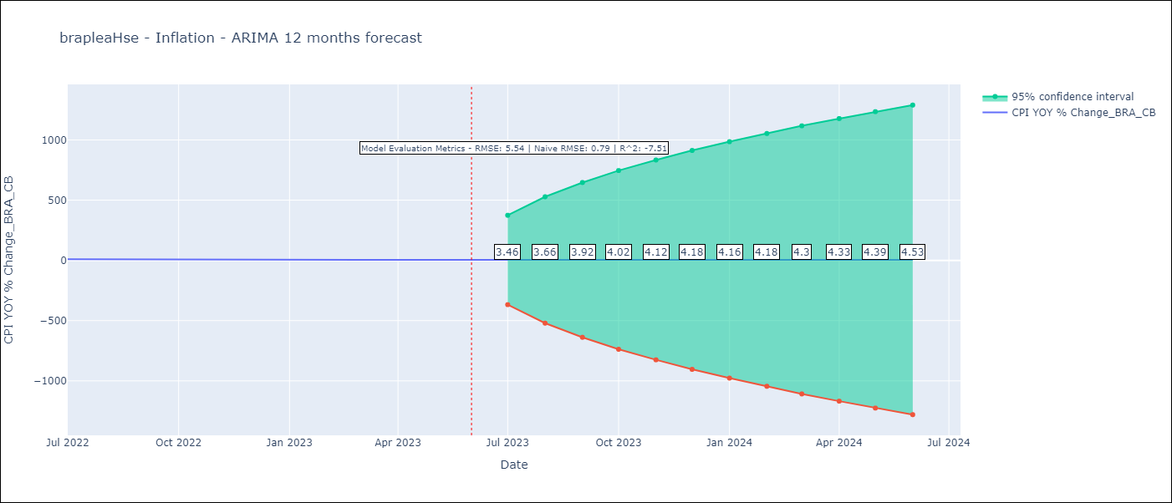

Test Metrics
RMSE | 5.54
Naive RMSE | 0.92
R^2 | -7.51

Test Predictions
Date | Predicted | Actual
2022-07-01 | 11.76 | 10.07
2022-08-01 | 11.62 | 8.73
2022-09-01 | 11.46 | 7.17
2022-10-01 | 11.33 | 6.47
2022-11-01 | 11.29 | 5.9
2022-12-01 | 11.39 | 5.79
2023-01-01 | 11.33 | 5.77
2023-02-01 | 11.26 | 5.6
2023-03-01 | 11.06 | 4.65
2023-04-01 | 10.86 | 4.18
2023-05-01 | 10.85 | 3.94
2023-06-01 | 10.8 | 3.16

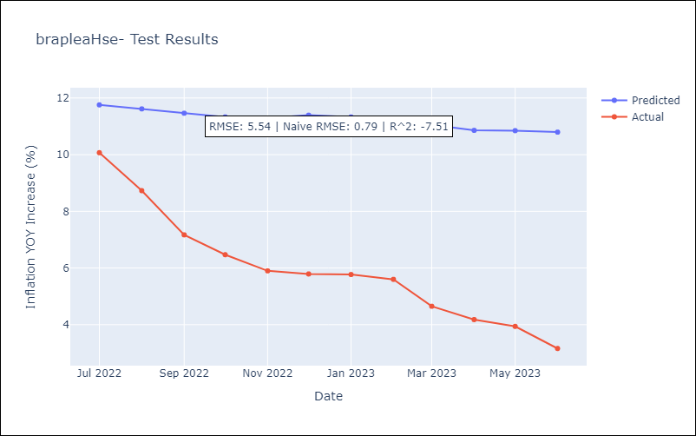

Appendix A: Model Summary
Model | ARIMA(0, 1, 0)x(2, 0, [1], 12)
Sample | 12-01-1980- 06-01-2023
No. of Observations | 511
Terms | P-value (Statistical significance)
ar.S.L12 | 0.936
ar.S.L24 | 0.819
ma.S.L12 | 0.932
sigma2 | 0.000
Assumptions | P-value | Interpretation
Ljung-Box (L1) | 0.00 | Residuals are not independent.
Heteroskedasticity | 0.00 | Residuals have different variances.
Jarque-Bera | 0.00 | Residuals are not normally distributed.
Skew | 5.34 | Positive skew - model underestimates the mean.
Kurtosis | 91.44 | Residuals contain more extreme outliers than in a normal distribution.

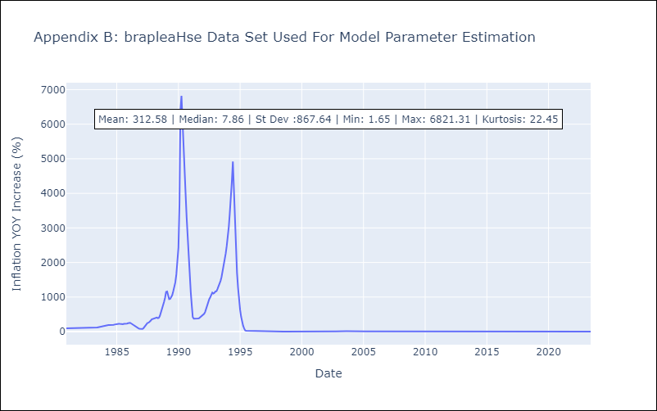

Appendix C: Residuals Analysis
Mean | -0.03
Variance | 34152.63
White Noise? | No - Correlation at Lags [ 1 2 3 4 5 6 7 8 9 10 11 12]
Heteroskedastic? - ARCH | Yes
Normal? | No

