CCCCC
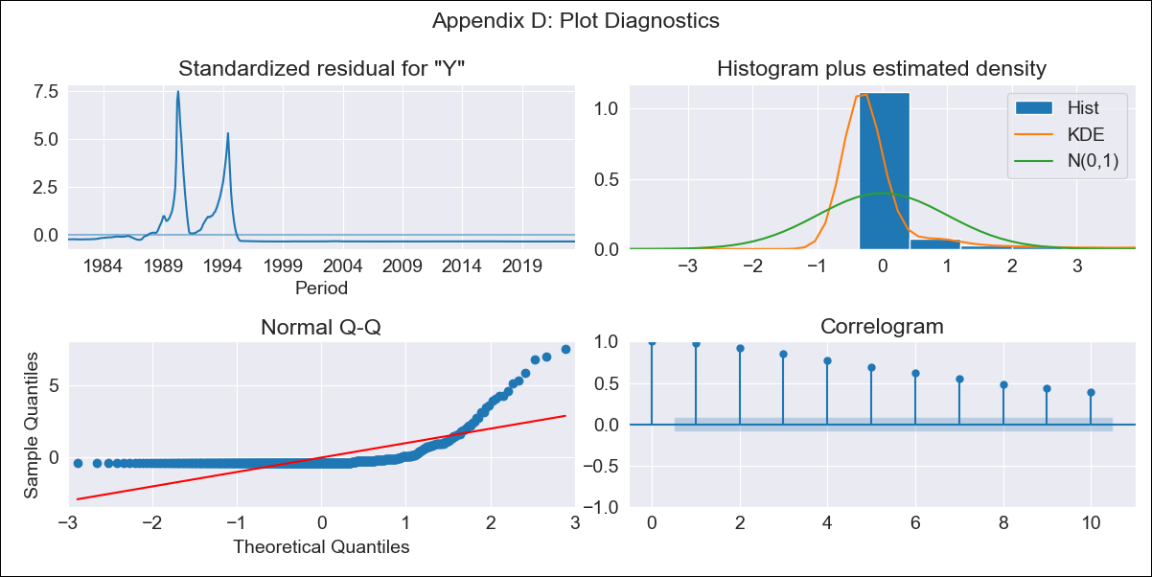
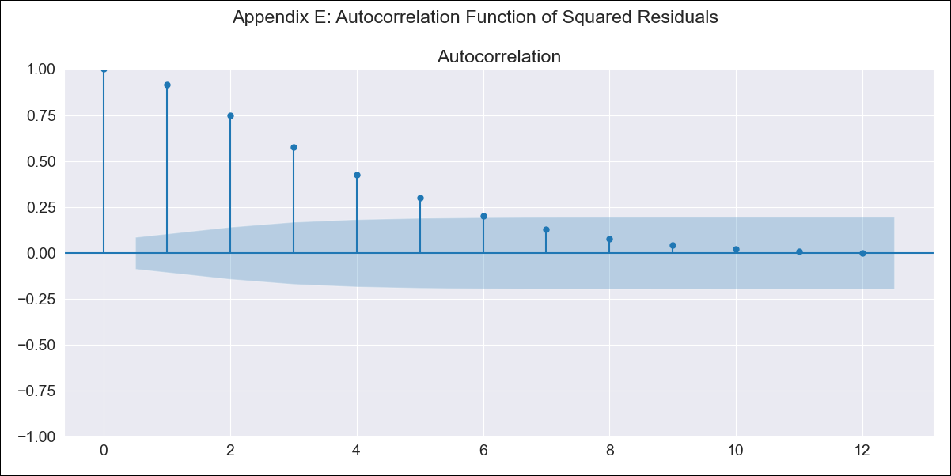
CCCCC - Inflation - Next 12 months forecast as of: 2023-06-01

Model | ARIMA - [(0, 0, 0), (0, 0, 0, 12)]
Training Data | 1980-12-01 to 2022-07-01
Test Data | 2022-07-01 to 2023-06-01

Date | Inflation Change YoY % | Lower Bound - 95% Confidence Interval | Upper Bound - 95% Confidence Interval
2023-07-01 | 313.01 | -1387.9 | 2013.93
2023-08-01 | 313.01 | -1387.9 | 2013.93
2023-09-01 | 313.01 | -1387.9 | 2013.93
2023-10-01 | 313.01 | -1387.9 | 2013.93
2023-11-01 | 313.01 | -1387.9 | 2013.93
2023-12-01 | 313.01 | -1387.9 | 2013.93
2024-01-01 | 313.01 | -1387.9 | 2013.93
2024-02-01 | 313.01 | -1387.9 | 2013.93
2024-03-01 | 313.01 | -1387.9 | 2013.93
2024-04-01 | 313.01 | -1387.9 | 2013.93
2024-05-01 | 313.01 | -1387.9 | 2013.93
2024-06-01 | 313.01 | -1387.9 | 2013.93

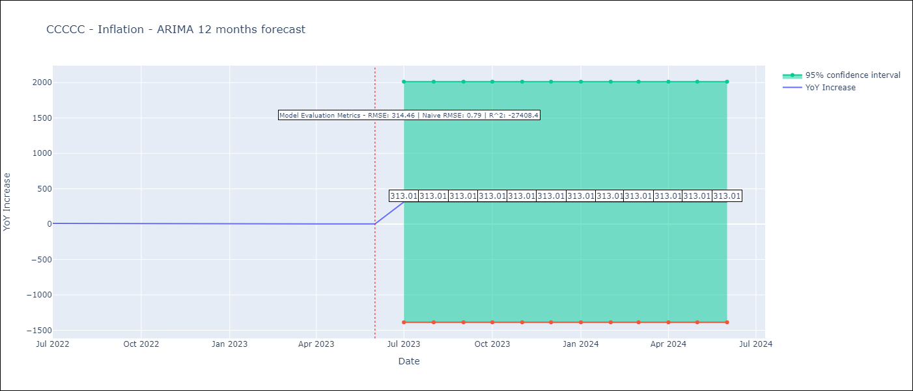

Test Metrics
RMSE | 314.46
Naive RMSE | 0.92
R^2 | -27408.4

Test Predictions
Date | Predicted | Actual
2022-07-01 | 320.4 | 10.07
2022-08-01 | 320.4 | 8.73
2022-09-01 | 320.4 | 7.17
2022-10-01 | 320.4 | 6.47
2022-11-01 | 320.4 | 5.9
2022-12-01 | 320.4 | 5.79
2023-01-01 | 320.4 | 5.77
2023-02-01 | 320.4 | 5.6
2023-03-01 | 320.4 | 4.65
2023-04-01 | 320.4 | 4.18
2023-05-01 | 320.4 | 3.94
2023-06-01 | 320.4 | 3.16

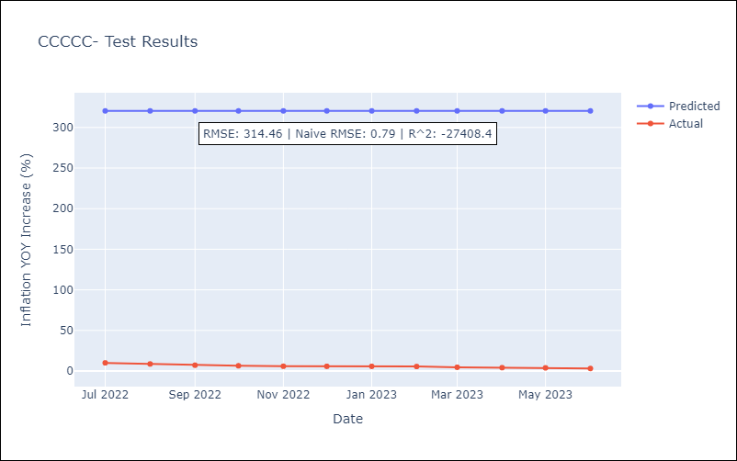

Appendix A: Model Summary
Model | ARIMA
Sample | 12-01-1980- 06-01-2023
No. of Observations | 511
Terms | P-value (Statistical significance)
const | 0.000
sigma2 | 0.000
Assumptions | P-value | Interpretation
Ljung-Box (L1) | 0.00 | Residuals are not independent.
Heteroskedasticity | 0.00 | Residuals have different variances.
Jarque-Bera | 0.00 | Residuals are not normally distributed.
Skew | 4.40 | Positive skew - model underestimates the mean.
Kurtosis | 25.17 | Residuals contain more extreme outliers than in a normal distribution.

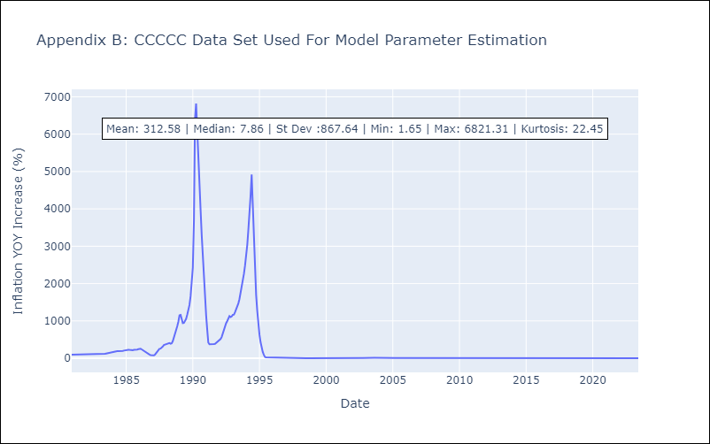

Appendix C: Residuals Analysis
Mean | -0.43
Variance | 752803.29
White Noise? | No - Correlation at Lags [ 1 2 3 4 5 6 7 8 9 10 11 12]
Heteroskedastic? - ARCH | Yes
Normal? | No

