NN
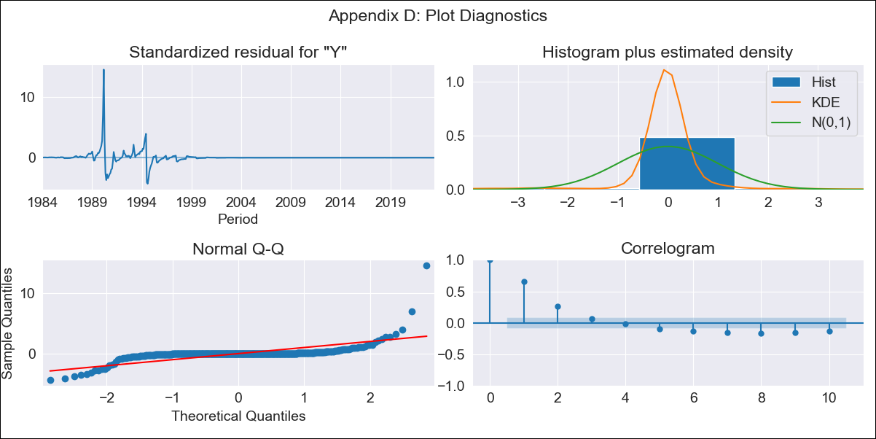
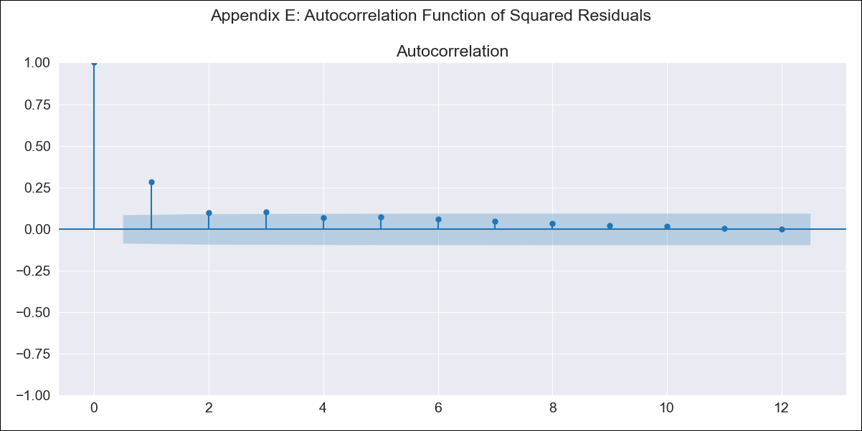
NN - Inflation - Next 12 months forecast as of: 2023-06-01

Model | ARIMA - [(1, 0, 0), (3, 0, 1, 12)]
Training Data | 1980-12-01 to 2022-07-01
Test Data | 2022-07-01 to 2023-06-01

Date | Inflation Change YoY % | Lower Bound - 95% Confidence Interval | Upper Bound - 95% Confidence Interval
2023-07-01 | 10.92 | -355.75 | 377.59
2023-08-01 | 18.48 | -495.41 | 532.38
2023-09-01 | 25.85 | -597.91 | 649.61
2023-10-01 | 32.95 | -680.92 | 746.81
2023-11-01 | 40.04 | -751.04 | 831.12
2023-12-01 | 47.02 | -811.97 | 906
2024-01-01 | 53.72 | -866 | 973.44
2024-02-01 | 60.26 | -914.44 | 1034.97
2024-03-01 | 66.7 | -958.23 | 1091.64
2024-04-01 | 72.96 | -998.17 | 1144.1
2024-05-01 | 79.13 | -1034.74 | 1193
2024-06-01 | 85.43 | -1068.15 | 1239

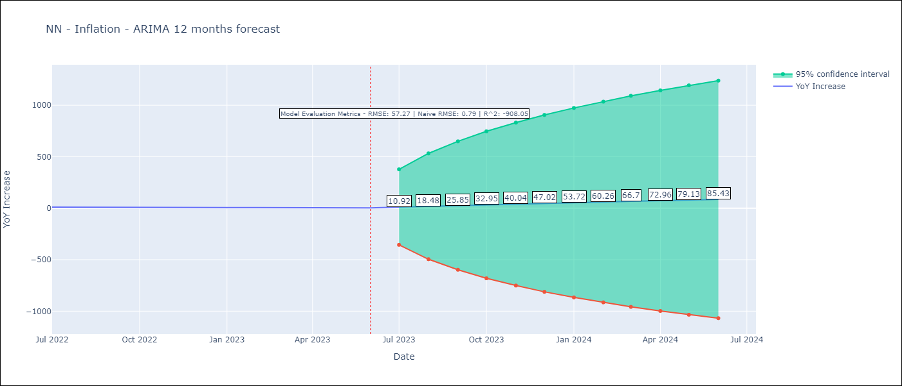

Test Metrics
RMSE | 57.27
Naive RMSE | 0.92
R^2 | -908.05

Test Predictions
Date | Predicted | Actual
2022-07-01 | 19.38 | 10.07
2022-08-01 | 26.67 | 8.73
2022-09-01 | 33.9 | 7.17
2022-10-01 | 40.98 | 6.47
2022-11-01 | 47.87 | 5.9
2022-12-01 | 54.75 | 5.79
2023-01-01 | 61.51 | 5.77
2023-02-01 | 68.13 | 5.6
2023-03-01 | 74.61 | 4.65
2023-04-01 | 80.96 | 4.18
2023-05-01 | 87.29 | 3.94
2023-06-01 | 93.31 | 3.16

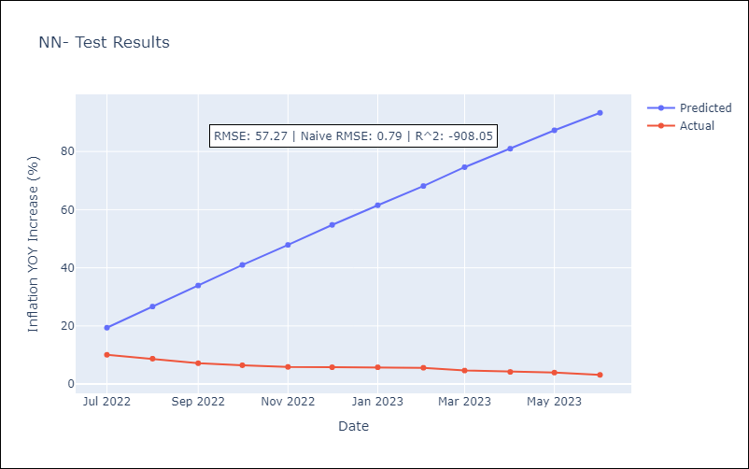

Appendix A: Model Summary
Model | ARIMA(1, 0, 0)x(3, 0, [1], 12)
Sample | 12-01-1980- 06-01-2023
No. of Observations | 511
Terms | P-value (Statistical significance)
const | 0.802
ar.L1 | 0.000
ar.S.L12 | 0.009
ar.S.L24 | 0.023
ar.S.L36 | 0.000
ma.S.L12 | 0.068
sigma2 | 0.000
Assumptions | P-value | Interpretation
Ljung-Box (L1) | 0.00 | Residuals are not independent.
Heteroskedasticity | 0.00 | Residuals have different variances.
Jarque-Bera | 0.00 | Residuals are not normally distributed.
Skew | 6.63 | Positive skew - model underestimates the mean.
Kurtosis | 102.41 | Residuals contain more extreme outliers than in a normal distribution.

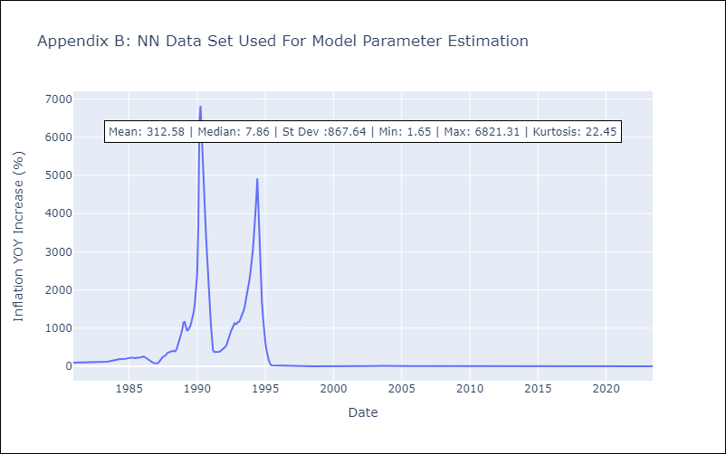

Appendix C: Residuals Analysis
Mean | -1.04
Variance | 33239.81
White Noise? | No - Correlation at Lags [ 1 2 3 4 5 6 7 8 9 10 11 12]
Heteroskedastic? - ARCH | Yes
Normal? | No

