N7N
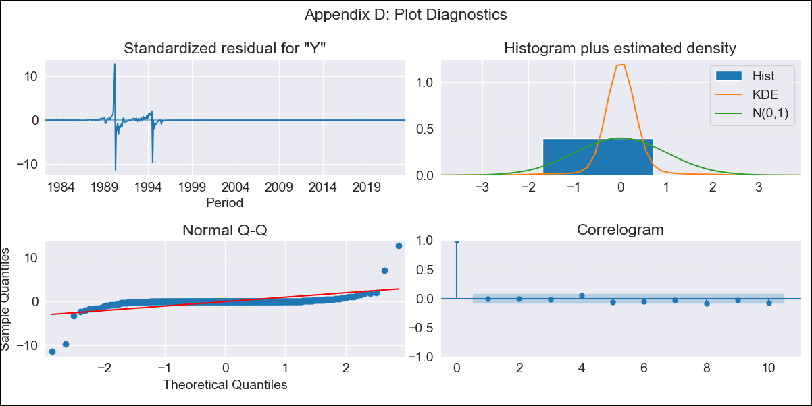
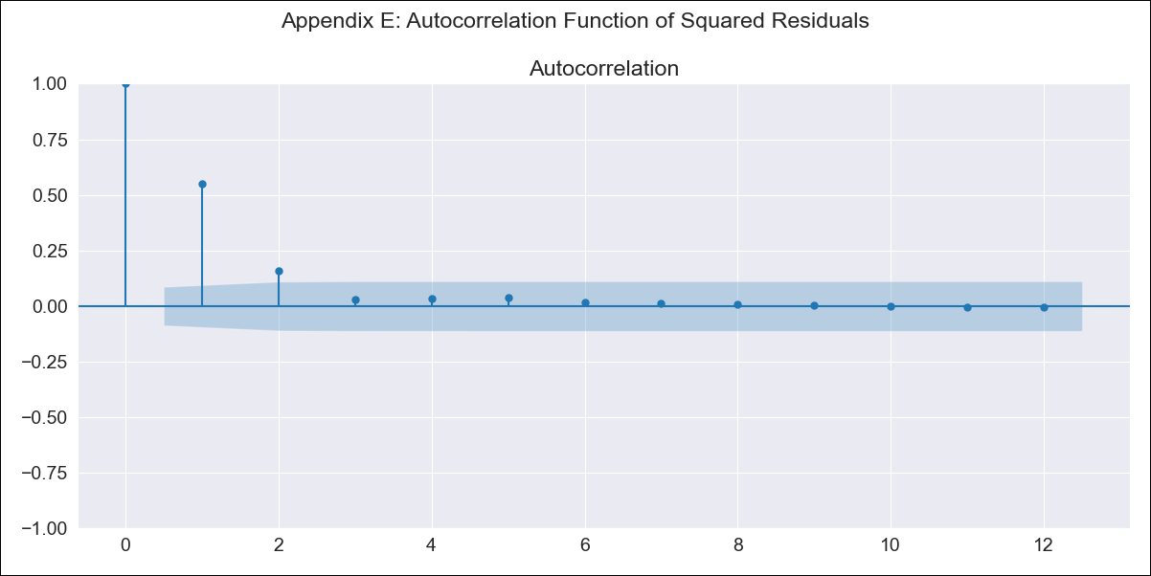
N7N - Inflation - Next 12 months forecast as of: 2023-06-01

Model | ARIMA - [(2, 1, 1), (0, 0, 1, 12)]
Training Data | 1980-12-01 to 2022-07-01
Test Data | 2022-07-01 to 2023-06-01

Date | Inflation Change YoY % | Lower Bound - 95% Confidence Interval | Upper Bound - 95% Confidence Interval
2023-07-01 | 2.77 | -259.55 | 265.1
2023-08-01 | 2.63 | -551.93 | 557.2
2023-09-01 | 2.7 | -816.01 | 821.42
2023-10-01 | 2.75 | -1039.25 | 1044.75
2023-11-01 | 2.81 | -1228.31 | 1233.93
2023-12-01 | 2.83 | -1392.44 | 1398.11
2024-01-01 | 2.83 | -1538.75 | 1544.42
2024-02-01 | 2.85 | -1671.96 | 1677.66
2024-03-01 | 2.95 | -1795.09 | 1800.98
2024-04-01 | 2.99 | -1910.3 | 1916.28
2024-05-01 | 3.02 | -2018.94 | 2024.98
2024-06-01 | 3.11 | -2121.98 | 2128.19

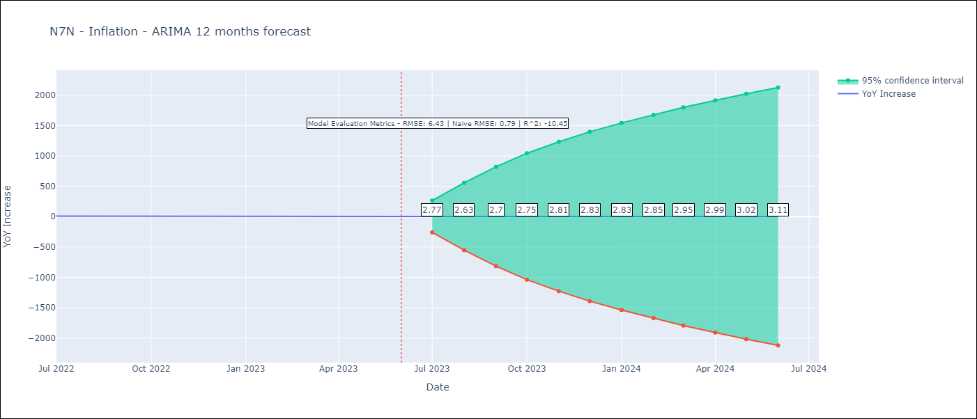

Test Metrics
RMSE | 6.43
Naive RMSE | 0.92
R^2 | -10.45

Test Predictions
Date | Predicted | Actual
2022-07-01 | 12.11 | 10.07
2022-08-01 | 12.19 | 8.73
2022-09-01 | 12.19 | 7.17
2022-10-01 | 12.16 | 6.47
2022-11-01 | 12.15 | 5.9
2022-12-01 | 12.22 | 5.79
2023-01-01 | 12.18 | 5.77
2023-02-01 | 12.15 | 5.6
2023-03-01 | 12.06 | 4.65
2023-04-01 | 11.96 | 4.18
2023-05-01 | 11.99 | 3.94
2023-06-01 | 11.97 | 3.16

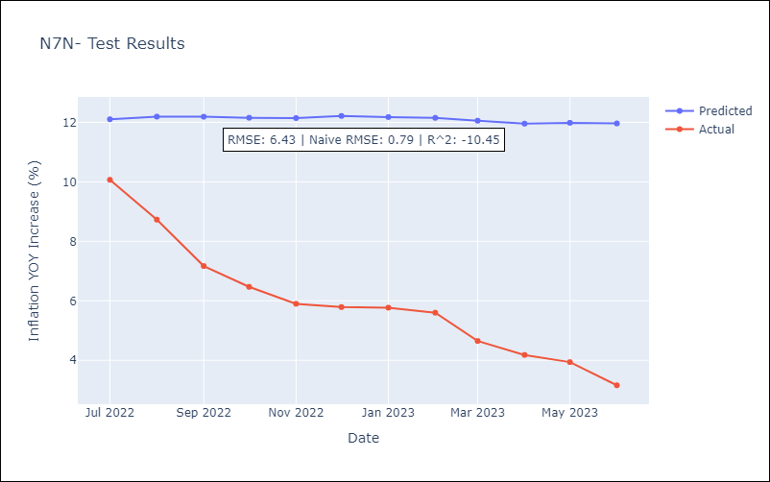

Appendix A: Model Summary
Model | ARIMA(2, 1, 1)x(0, 0, 1, 12)
Sample | 12-01-1980- 06-01-2023
No. of Observations | 511
Terms | P-value (Statistical significance)
ar.L1 | 0.000
ar.L2 | 0.005
ma.L1 | 0.016
ma.S.L12 | 0.157
sigma2 | 0.000
Assumptions | P-value | Interpretation
Ljung-Box (L1) | 0.99 | Residuals are independent.
Heteroskedasticity | 0.00 | Residuals have different variances.
Jarque-Bera | 0.00 | Residuals are not normally distributed.
Skew | 0.11 | Positive skew - model underestimates the mean.
Kurtosis | 107.88 | Residuals contain more extreme outliers than in a normal distribution.

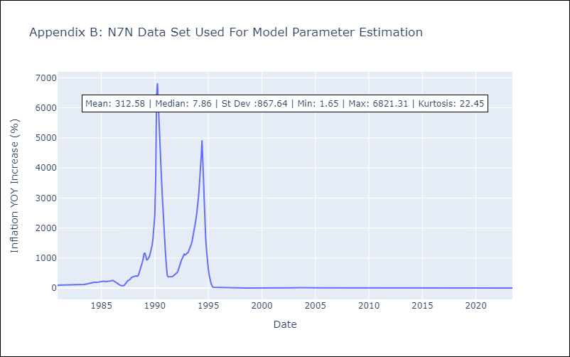

Appendix C: Residuals Analysis
Mean | 0.06
Variance | 17576.28
White Noise? | Yes
Heteroskedastic? - ARCH | Yes
Normal? | No

