GOOD
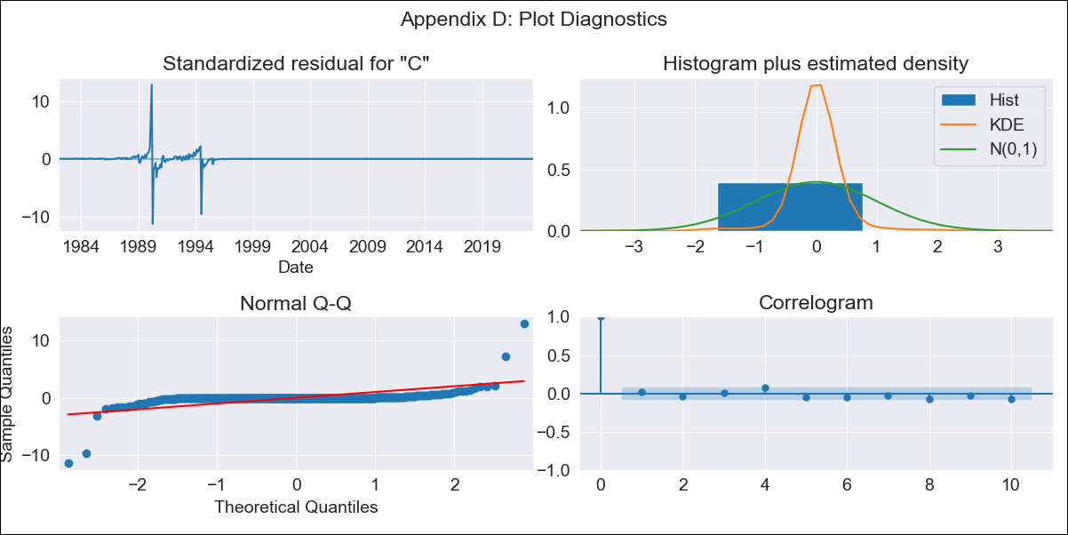
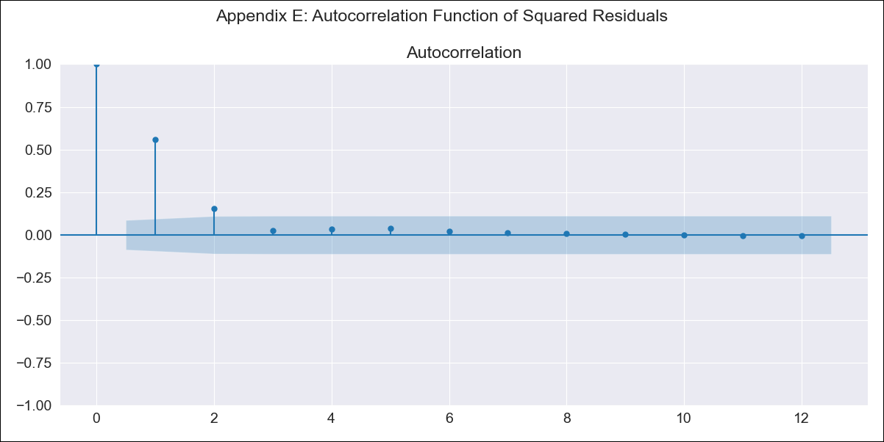
GOOD - Inflation - Next 12 months forecast as of: 2023-06-01

Model | ARIMA - [(2, 1, 0), (0, 0, 1, 12)]
Training Data | 1980-12-01 to 2022-07-01
Test Data | 2022-07-01 to 2023-06-01

Date | Inflation Change YoY % | Lower Bound - 95% Confidence Interval | Upper Bound - 95% Confidence Interval
2023-07-01 | 2.79 | -259.48 | 265.06
2023-08-01 | 2.66 | -548.64 | 553.95
2023-09-01 | 2.74 | -814.89 | 820.37
2023-10-01 | 2.82 | -1038.76 | 1044.4
2023-11-01 | 2.91 | -1224.14 | 1229.95
2023-12-01 | 2.95 | -1381.2 | 1387.09
2024-01-01 | 2.96 | -1518.9 | 1524.81
2024-02-01 | 2.98 | -1643.41 | 1649.37
2024-03-01 | 3.08 | -1758.46 | 1764.61
2024-04-01 | 3.12 | -1866.4 | 1872.63
2024-05-01 | 3.15 | -1968.52 | 1974.82
2024-06-01 | 3.24 | -2065.64 | 2072.11

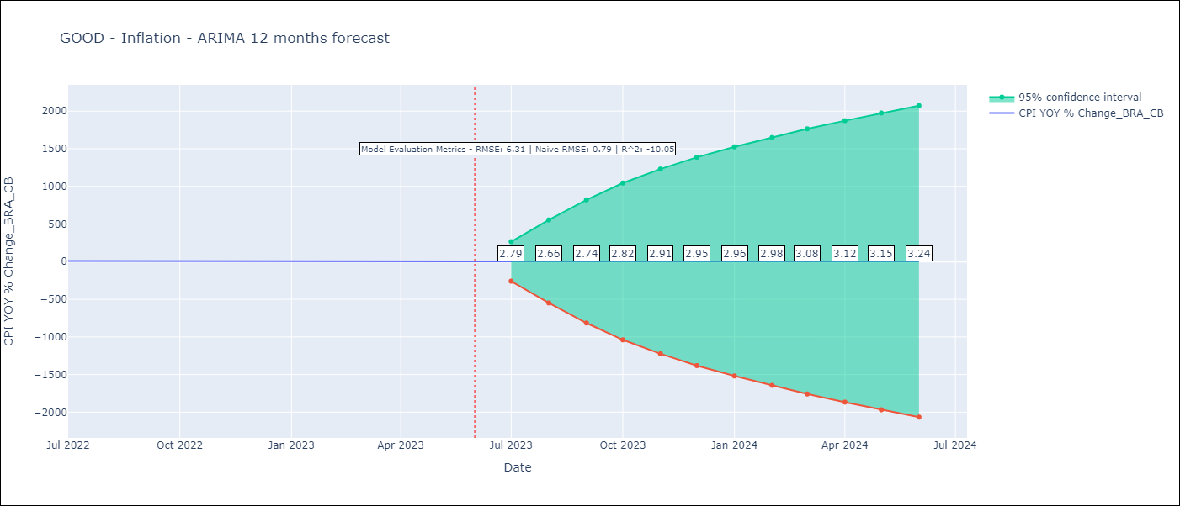

Test Metrics
RMSE | 6.31
Naive RMSE | 0.92
R^2 | -10.05

Test Predictions
Date | Predicted | Actual
2022-07-01 | 12.05 | 10.07
2022-08-01 | 12.11 | 8.73
2022-09-01 | 12.1 | 7.17
2022-10-01 | 12.05 | 6.47
2022-11-01 | 12.03 | 5.9
2022-12-01 | 12.1 | 5.79
2023-01-01 | 12.06 | 5.77
2023-02-01 | 12.03 | 5.6
2023-03-01 | 11.93 | 4.65
2023-04-01 | 11.83 | 4.18
2023-05-01 | 11.86 | 3.94
2023-06-01 | 11.83 | 3.16

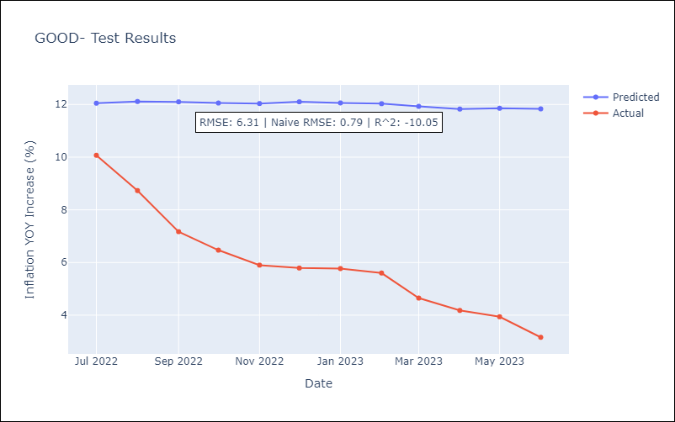

Appendix A: Model Summary
Model | ARIMA(2, 1, 0)x(0, 0, [1], 12)
Sample | 12-01-1980- 06-01-2023
No. of Observations | 511
Terms | P-value (Statistical significance)
ar.L1 | 0.000
ar.L2 | 0.000
ma.S.L12 | 0.118
sigma2 | 0.000
Assumptions | P-value | Interpretation
Ljung-Box (L1) | 0.77 | Residuals are independent.
Heteroskedasticity | 0.00 | Residuals have different variances.
Jarque-Bera | 0.00 | Residuals are not normally distributed.
Skew | 0.28 | Positive skew - model underestimates the mean.
Kurtosis | 108.44 | Residuals contain more extreme outliers than in a normal distribution.

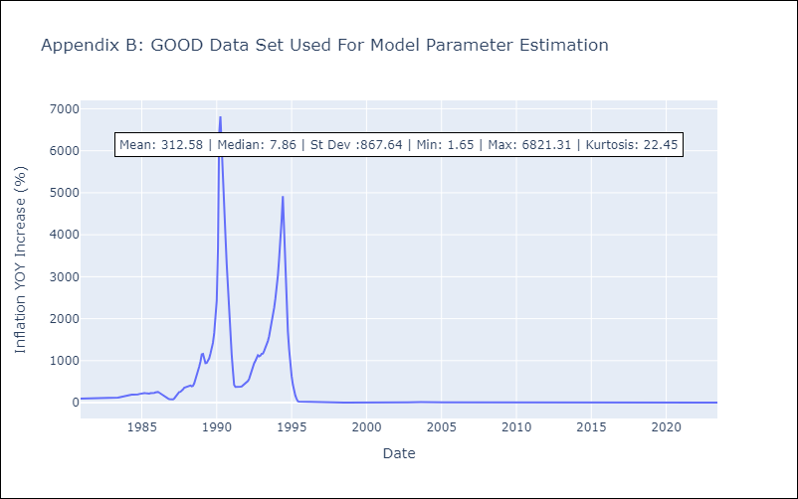

Appendix C: Residuals Analysis
Mean | 0.04
Variance | 17623.0
White Noise? | Yes
Heteroskedastic? - ARCH | Yes
Normal? | No

