BOL
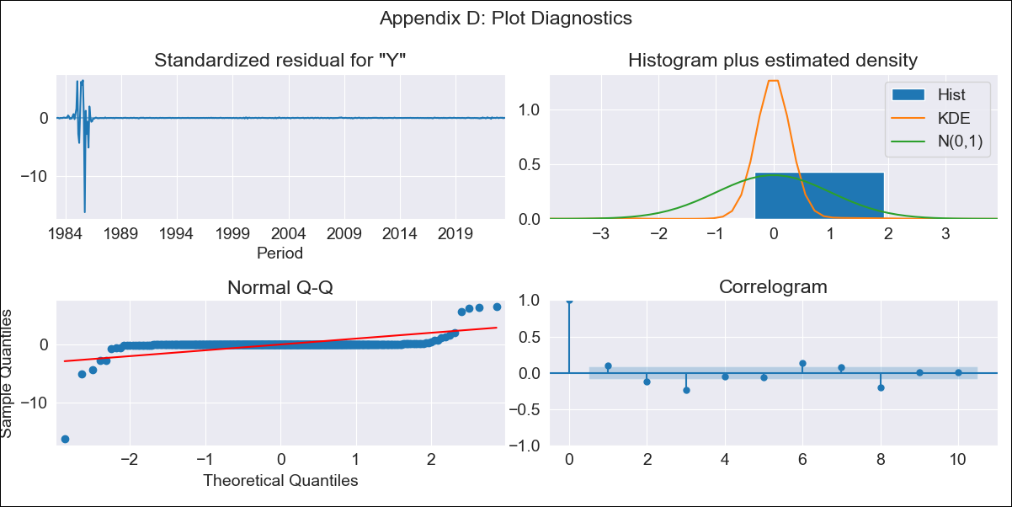
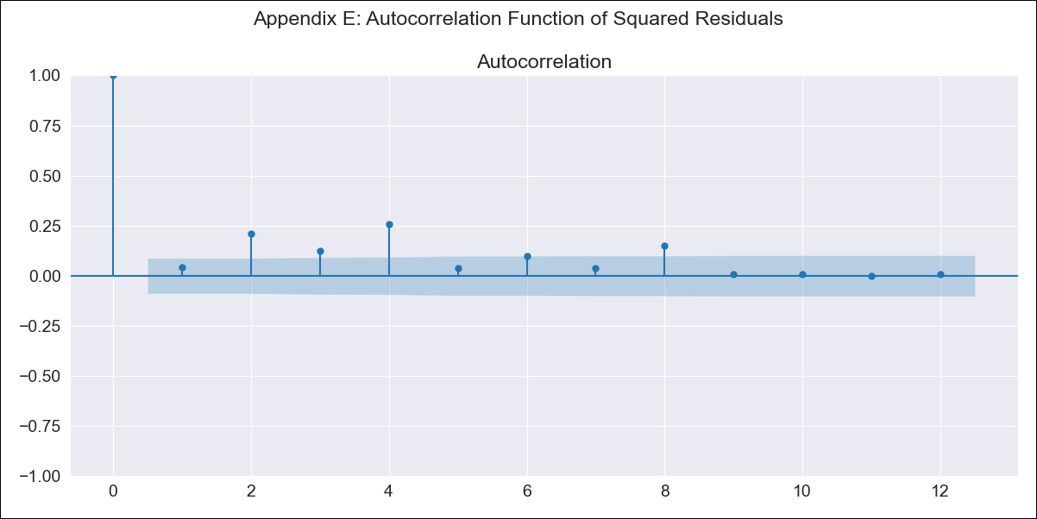
BOL - Inflation - Next 12 months forecast as of: 2023-06-01

Model | SARIMAX - [(1, 1, 0), (0, 0, 0, 12)]
Training Data | 1983-01-01 to 2022-07-01
Test Data | 2022-07-01 to 2023-06-01

Date | Inflation Change YoY % | Lower Bound - 95% Confidence Interval | Upper Bound - 95% Confidence Interval
2023-07-01 | 225.26 | -1022.65 | 1473.17
2023-08-01 | 231.7 | -1951.03 | 2414.42
2023-09-01 | 187.48 | -2791.29 | 3166.24
2023-10-01 | 138.8 | -3523.02 | 3800.62
2023-11-01 | 140.82 | -4117.96 | 4399.6
2023-12-01 | 127.15 | -4663.52 | 4917.81
2024-01-01 | 93.85 | -5178.8 | 5366.51
2024-02-01 | 64.38 | -5651.17 | 5779.94
2024-03-01 | 15.83 | -6111.26 | 6142.93
2024-04-01 | 27.52 | -6485.4 | 6540.44
2024-05-01 | 8.62 | -6868.61 | 6885.85
2024-06-01 | 5.21 | -7218.01 | 7228.44

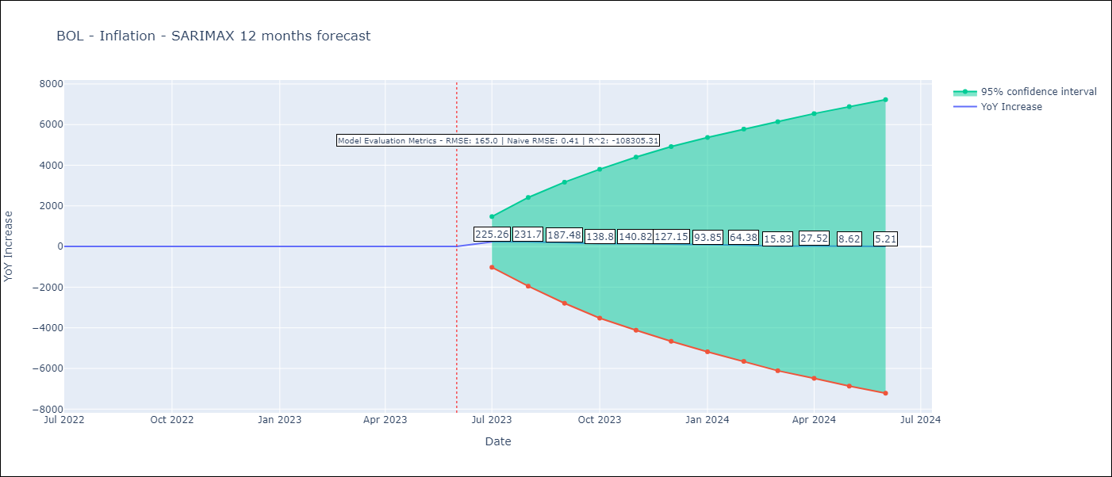

Test Metrics
RMSE | 165.0
Naive RMSE | 0.4
R^2 | -108305.31

Test Predictions
Date | Predicted | Actual
2022-07-01 | -15.39 | 2.04
2022-08-01 | -7.38 | 1.55
2022-09-01 | -54.13 | 1.89
2022-10-01 | -105.69 | 2.89
2022-11-01 | -103.27 | 3.17
2022-12-01 | -117.52 | 3.12
2023-01-01 | -152.39 | 3.14
2023-02-01 | -183.25 | 2.57
2023-03-01 | -233.64 | 2.53
2023-04-01 | -221.37 | 2.7
2023-05-01 | -241.1 | 2.9
2023-06-01 | -244.81 | 2.73

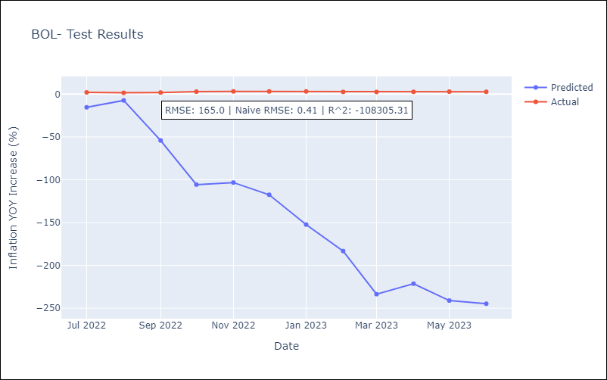

Appendix A: Model Summary
Model | SARIMAX(1, 1, 0)
Sample | 01-01-1983- 06-01-2023
No. of Observations | 486
Terms | P-value (Statistical significance)
crude | 0.973
energy | 0.926
food | 0.911
ar.L1 | 0.000
sigma2 | 0.000
Assumptions | P-value | Interpretation
Ljung-Box (L1) | 0.02 | Residuals are not independent.
Heteroskedasticity | 0.00 | Residuals have different variances.
Jarque-Bera | 0.00 | Residuals are not normally distributed.
Skew | -7.26 | Negative skew - Model overestimates the mean.
Kurtosis | 155.12 | Residuals contain more extreme outliers than in a normal distribution.

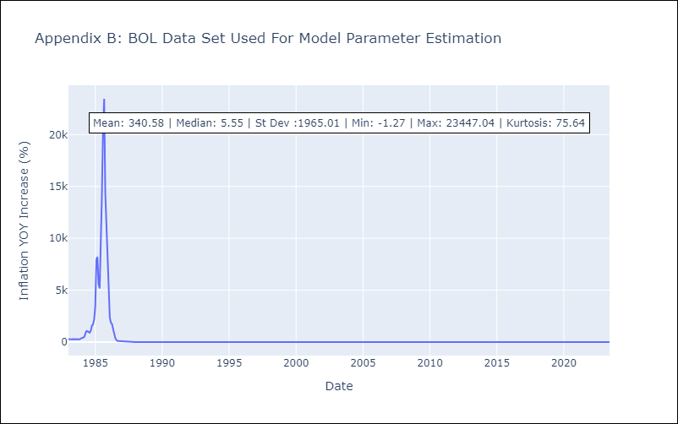

Appendix C: Residuals Analysis
Mean | 0.25
Variance | 404710.79
White Noise? | No - Correlation at Lags [ 1 2 3 4 5 6 7 8 9 10 11 12]
Heteroskedastic? - ARCH | Yes
Normal? | No

BRA
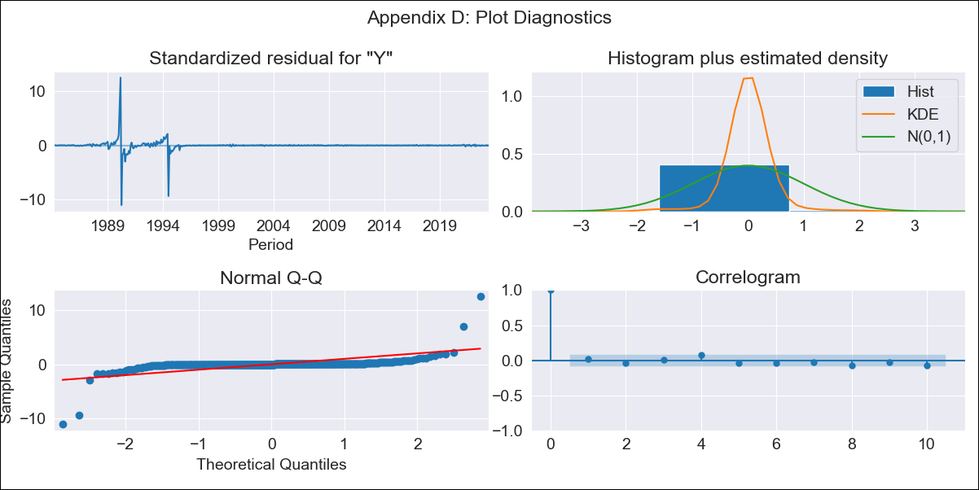
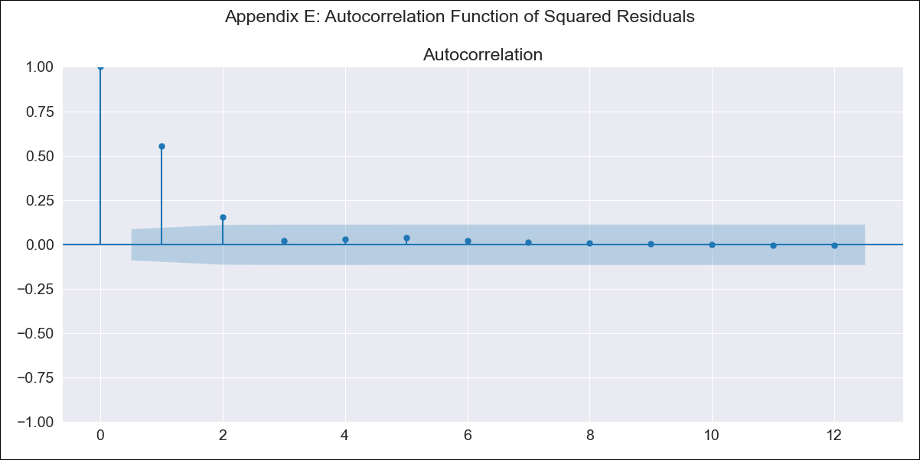
BRA - Inflation - Next 12 months forecast as of: 2023-06-01

Model | SARIMAX - [(2, 1, 0), (0, 0, 1, 12)]
Training Data | 1983-01-01 to 2022-07-01
Test Data | 2022-07-01 to 2023-06-01

Date | Inflation Change YoY % | Lower Bound - 95% Confidence Interval | Upper Bound - 95% Confidence Interval
2023-07-01 | -52.64 | -321.95 | 216.66
2023-08-01 | -54.2 | -620.19 | 511.79
2023-09-01 | -38.69 | -877.97 | 800.58
2023-10-01 | -24.38 | -1093.34 | 1044.59
2023-11-01 | -25.09 | -1284.22 | 1234.04
2023-12-01 | -22.18 | -1442.35 | 1398
2024-01-01 | -12.68 | -1574.03 | 1548.67
2024-02-01 | -4.56 | -1693.58 | 1684.47
2024-03-01 | 7.02 | -1800.05 | 1814.1
2024-04-01 | 2.48 | -1915.32 | 1920.28
2024-05-01 | 8.84 | -2013.71 | 2031.39
2024-06-01 | 10.94 | -2111.28 | 2133.16

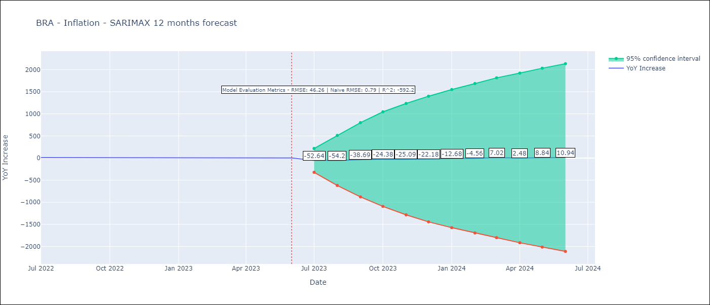

Test Metrics
RMSE | 46.26
Naive RMSE | 0.92
R^2 | -592.2

Test Predictions
Date | Predicted | Actual
2022-07-01 | 15.59 | 10.07
2022-08-01 | 13.43 | 8.73
2022-09-01 | 25.86 | 7.17
2022-10-01 | 37.72 | 6.47
2022-11-01 | 38.5 | 5.9
2022-12-01 | 42.83 | 5.79
2023-01-01 | 51.86 | 5.77
2023-02-01 | 59.62 | 5.6
2023-03-01 | 67.98 | 4.65
2023-04-01 | 64.1 | 4.18
2023-05-01 | 70.33 | 3.94
2023-06-01 | 72.56 | 3.16

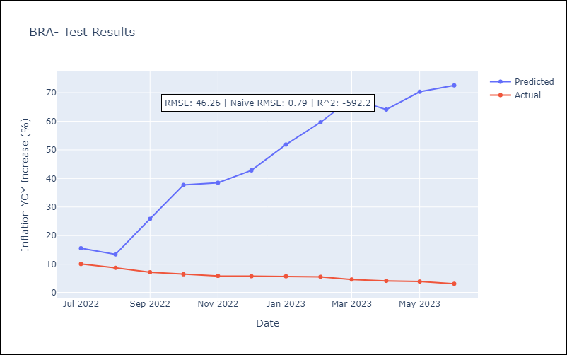

Appendix A: Model Summary
Model | SARIMAX(2, 1, 0)x(0, 0, [1], 12)
Sample | 01-01-1983- 06-01-2023
No. of Observations | 486
Terms | P-value (Statistical significance)
crude | 0.997
energy | 0.849
food | 0.932
ar.L1 | 0.000
ar.L2 | 0.000
ma.S.L12 | 0.160
sigma2 | 0.000
Assumptions | P-value | Interpretation
Ljung-Box (L1) | 0.78 | Residuals are independent.
Heteroskedasticity | 0.00 | Residuals have different variances.
Jarque-Bera | 0.00 | Residuals are not normally distributed.
Skew | 0.25 | Positive skew - model underestimates the mean.
Kurtosis | 102.61 | Residuals contain more extreme outliers than in a normal distribution.

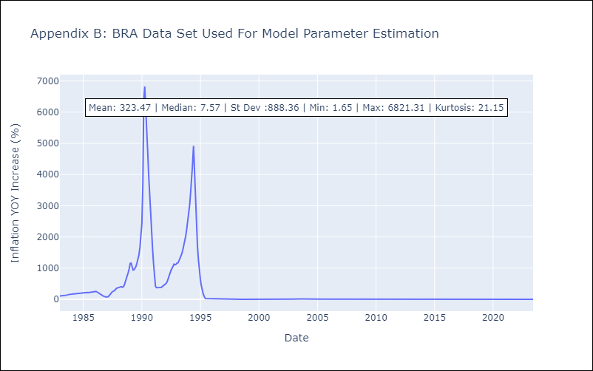

Appendix C: Residuals Analysis
Mean | 0.02
Variance | 18493.42
White Noise? | Yes
Heteroskedastic? - ARCH | Yes
Normal? | No

COL
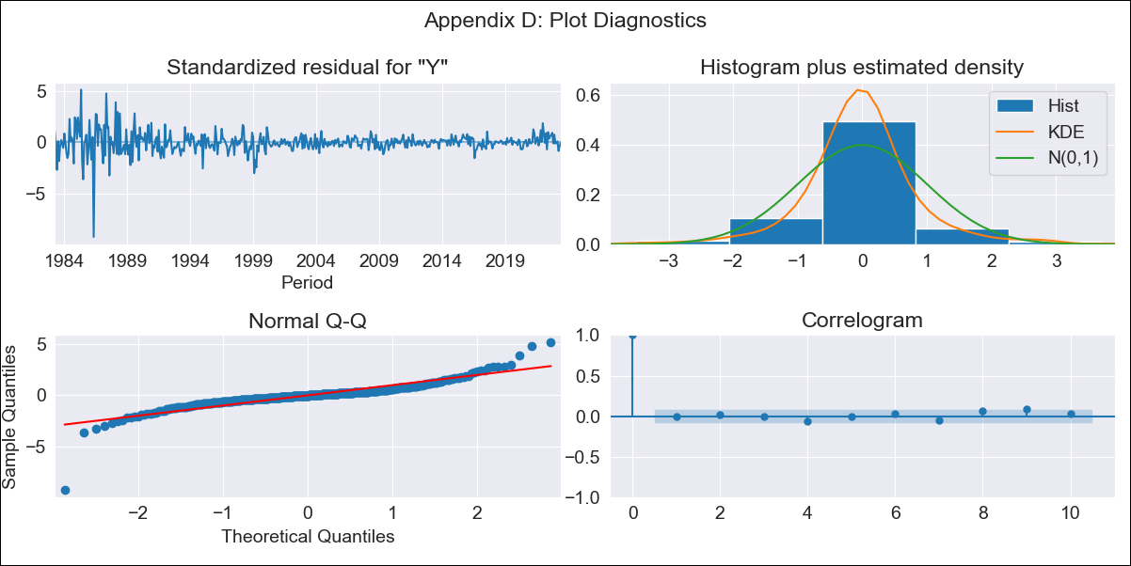

COL - Inflation - Next 12 months forecast as of: 2023-06-01

Model | SARIMAX - [(1, 1, 1), (0, 0, 0, 12)]
Training Data | 1983-01-01 to 2022-07-01
Test Data | 2022-07-01 to 2023-06-01

Date | Inflation Change YoY % | Lower Bound - 95% Confidence Interval | Upper Bound - 95% Confidence Interval
2023-07-01 | 12.3 | 11.02 | 13.59
2023-08-01 | 12.31 | 10.09 | 14.53
2023-09-01 | 12.2 | 9.2 | 15.2
2023-10-01 | 12.08 | 8.42 | 15.74
2023-11-01 | 12.1 | 7.87 | 16.33
2023-12-01 | 12.08 | 7.33 | 16.82
2024-01-01 | 12.04 | 6.84 | 17.25
2024-02-01 | 12.01 | 6.38 | 17.65
2024-03-01 | 11.99 | 5.96 | 18.02
2024-04-01 | 11.99 | 5.59 | 18.4
2024-05-01 | 11.99 | 5.24 | 18.75
2024-06-01 | 11.98 | 4.89 | 19.07



Test Metrics
RMSE | 2.63
Naive RMSE | 0.47
R^2 | -6.38

Test Predictions
Date | Predicted | Actual
2022-07-01 | 9.97 | 10.21
2022-08-01 | 10.11 | 10.84
2022-09-01 | 10.03 | 11.44
2022-10-01 | 9.9 | 12.22
2022-11-01 | 9.93 | 12.53
2022-12-01 | 9.9 | 13.12
2023-01-01 | 9.86 | 13.25
2023-02-01 | 9.82 | 13.28
2023-03-01 | 9.78 | 13.34
2023-04-01 | 9.79 | 12.82
2023-05-01 | 9.77 | 12.36
2023-06-01 | 9.76 | 12.13

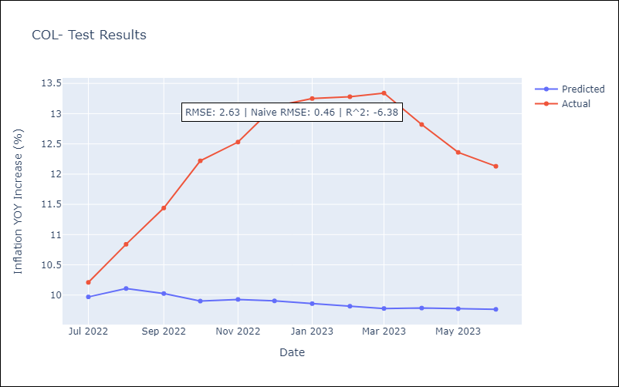

Appendix A: Model Summary
Model | SARIMAX(1, 1, 1)
Sample | 01-01-1983- 06-01-2023
No. of Observations | 486
Terms | P-value (Statistical significance)
crude | 0.204
energy | 0.303
food | 0.763
ar.L1 | 0.000
ma.L1 | 0.922
sigma2 | 0.000
Assumptions | P-value | Interpretation
Ljung-Box (L1) | 0.97 | Residuals are independent.
Heteroskedasticity | 0.00 | Residuals have different variances.
Jarque-Bera | 0.00 | Residuals are not normally distributed.
Skew | -1.03 | Negative skew - Model overestimates the mean.
Kurtosis | 21.12 | Residuals contain more extreme outliers than in a normal distribution.

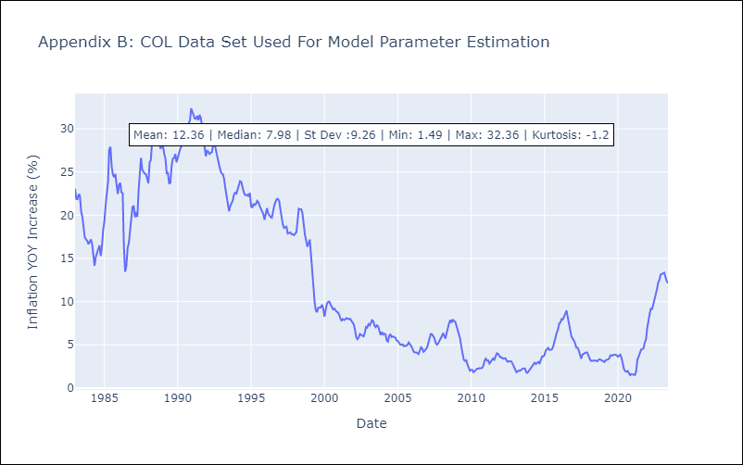

Appendix C: Residuals Analysis
Mean | 0.02
Variance | 1.6
White Noise? | No - Correlation at Lags [ 1 2 3 4 5 6 7 8 9 10 12]
Heteroskedastic? - ARCH | Yes
Normal? | No

CRI
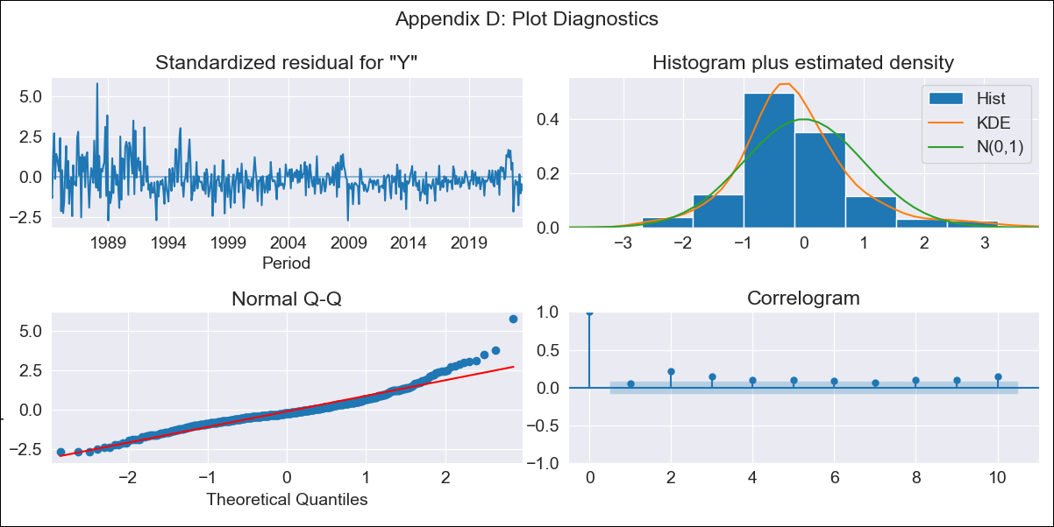

CRI - Inflation - Next 12 months forecast as of: 2023-06-01

Model | SARIMAX - [(0, 1, 1), (0, 0, 1, 12)]
Training Data | 1983-01-01 to 2022-07-01
Test Data | 2022-07-01 to 2023-06-01

Date | Inflation Change YoY % | Lower Bound - 95% Confidence Interval | Upper Bound - 95% Confidence Interval
2023-07-01 | -2.36 | -3.78 | -0.94
2023-08-01 | -2.96 | -5.33 | -0.59
2023-09-01 | -1.81 | -4.85 | 1.23
2023-10-01 | -0.83 | -4.41 | 2.75
2023-11-01 | -0.54 | -4.59 | 3.52
2023-12-01 | -0.18 | -4.66 | 4.3
2024-01-01 | 0.17 | -4.69 | 5.04
2024-02-01 | 1.35 | -3.87 | 6.57
2024-03-01 | 1.76 | -3.8 | 7.31
2024-04-01 | 2.3 | -3.57 | 8.18
2024-05-01 | 2.83 | -3.35 | 9
2024-06-01 | 3.4 | -3.05 | 9.86

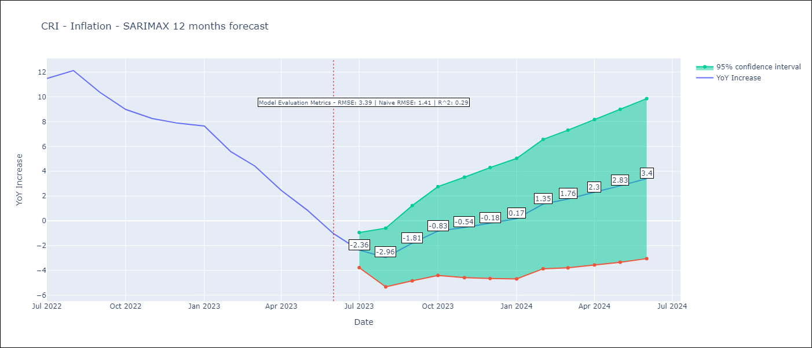

Test Metrics
RMSE | 3.39
Naive RMSE | 1.41
R^2 | 0.29

Test Predictions
Date | Predicted | Actual
2022-07-01 | 11.11 | 11.48
2022-08-01 | 11 | 12.13
2022-09-01 | 10.58 | 10.37
2022-10-01 | 10.34 | 8.99
2022-11-01 | 9.98 | 8.26
2022-12-01 | 10 | 7.88
2023-01-01 | 10.12 | 7.65
2023-02-01 | 9.42 | 5.58
2023-03-01 | 8.51 | 4.42
2023-04-01 | 7.31 | 2.44
2023-05-01 | 6.24 | 0.88
2023-06-01 | 5.03 | -1.04

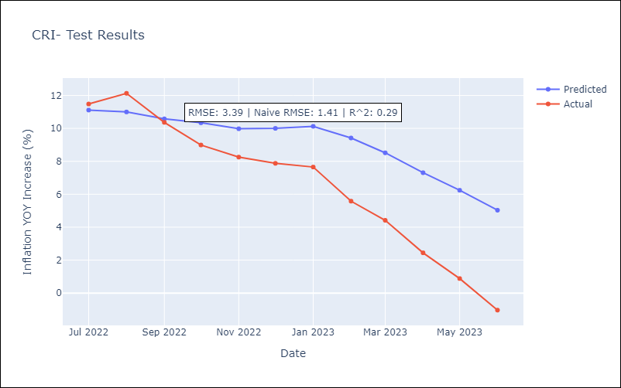

Appendix A: Model Summary
Model | SARIMAX(0, 1, 1)x(0, 0, 1, 12)
Sample | 01-01-1983- 06-01-2023
No. of Observations | 486
Terms | P-value (Statistical significance)
crude | 0.902
energy | 0.713
food | 0.392
ma.L1 | 0.000
ma.S.L12 | 0.000
sigma2 | 0.000
Assumptions | P-value | Interpretation
Ljung-Box (L1) | 0.27 | Residuals are independent.
Heteroskedasticity | 0.00 | Residuals have different variances.
Jarque-Bera | 0.00 | Residuals are not normally distributed.
Skew | 1.05 | Positive skew - model underestimates the mean.
Kurtosis | 6.84 | Residuals contain more extreme outliers than in a normal distribution.

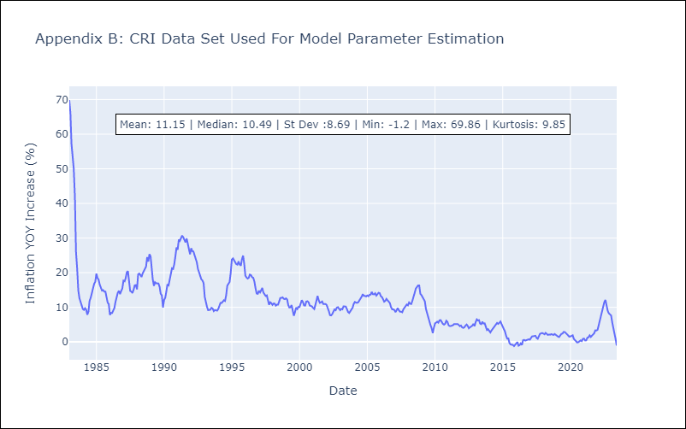

Appendix C: Residuals Analysis
Mean | -0.06
Variance | 11.59
White Noise? | No - Correlation at Lags [ 6 7 8 9 10 11 12]
Heteroskedastic? - ARCH | Yes
Normal? | No

DOM
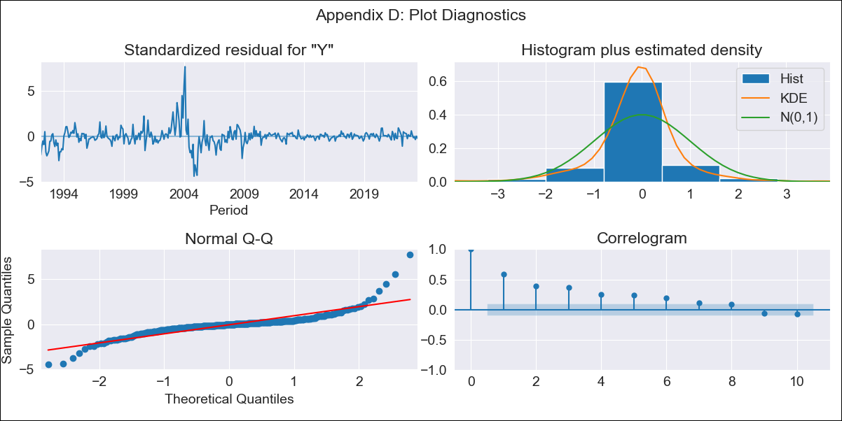

DOM - Inflation - Next 12 months forecast as of: 2023-06-01

Model | SARIMAX - [(0, 1, 0), (2, 0, 0, 12)]
Training Data | 1990-01-01 to 2022-07-01
Test Data | 2022-07-01 to 2023-06-01

Date | Inflation Change YoY % | Lower Bound - 95% Confidence Interval | Upper Bound - 95% Confidence Interval
2023-07-01 | 7.92 | 4.8 | 11.04
2023-08-01 | 8.05 | 3.63 | 12.46
2023-09-01 | 7.41 | 2 | 12.82
2023-10-01 | 6.77 | 0.52 | 13.01
2023-11-01 | 6.67 | -0.32 | 13.65
2023-12-01 | 5.99 | -1.66 | 13.64
2024-01-01 | 5.27 | -2.99 | 13.54
2024-02-01 | 4.83 | -4 | 13.66
2024-03-01 | 3.94 | -5.43 | 13.3
2024-04-01 | 4.3 | -5.58 | 14.17
2024-05-01 | 3.99 | -6.37 | 14.35
2024-06-01 | 4.08 | -6.74 | 14.9

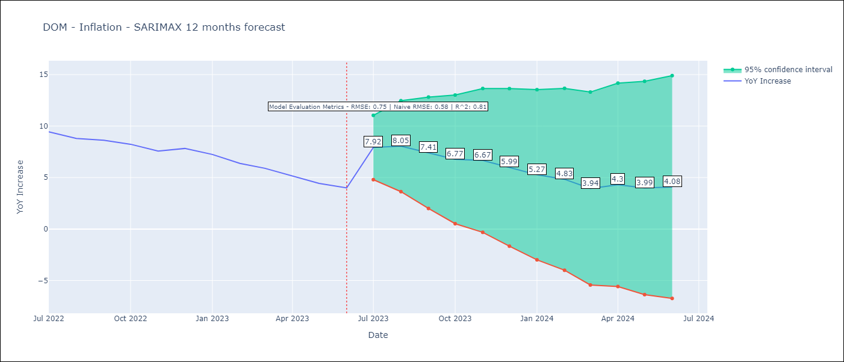

Test Metrics
RMSE | 0.75
Naive RMSE | 0.55
R^2 | 0.81

Test Predictions
Date | Predicted | Actual
2022-07-01 | 8.99 | 9.43
2022-08-01 | 8.8 | 8.8
2022-09-01 | 8.37 | 8.63
2022-10-01 | 7.94 | 8.24
2022-11-01 | 7.31 | 7.58
2022-12-01 | 6.62 | 7.83
2023-01-01 | 5.8 | 7.24
2023-02-01 | 5.21 | 6.38
2023-03-01 | 4.86 | 5.9
2023-04-01 | 4.73 | 5.15
2023-05-01 | 4.01 | 4.43
2023-06-01 | 3.92 | 4

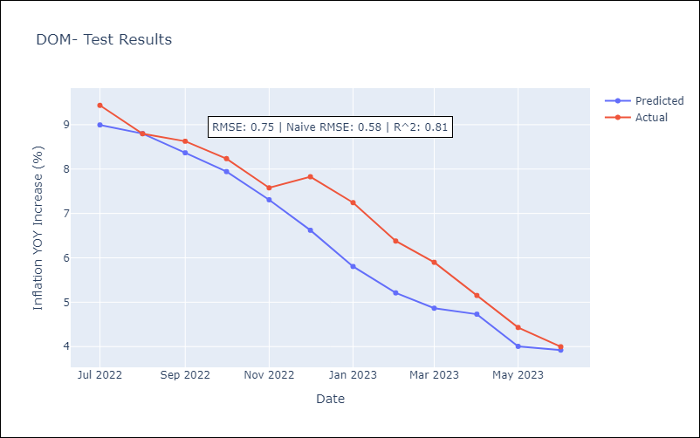

Appendix A: Model Summary
Model | SARIMAX(0, 1, 0)x(2, 0, 0, 12)
Sample | 01-01-1990- 06-01-2023
No. of Observations | 402
Terms | P-value (Statistical significance)
crude | 0.968
energy | 0.285
food | 0.064
ar.S.L12 | 0.000
ar.S.L24 | 0.000
sigma2 | 0.000
Assumptions | P-value | Interpretation
Ljung-Box (L1) | 0.00 | Residuals are not independent.
Heteroskedasticity | 0.00 | Residuals have different variances.
Jarque-Bera | 0.00 | Residuals are not normally distributed.
Skew | 1.39 | Positive skew - model underestimates the mean.
Kurtosis | 17.81 | Residuals contain more extreme outliers than in a normal distribution.

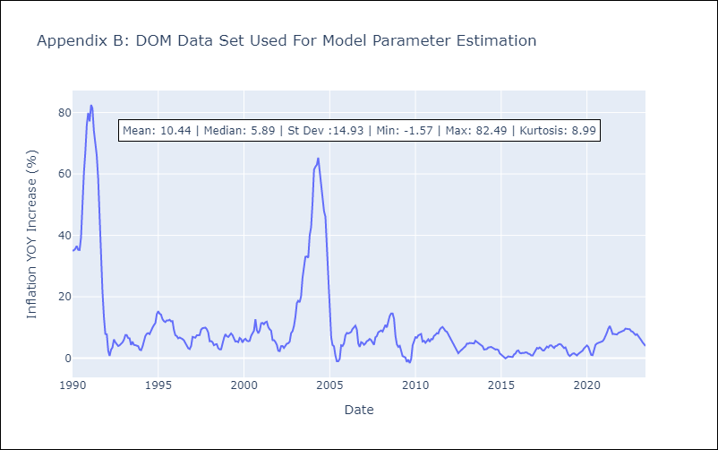

Appendix C: Residuals Analysis
Mean | -0.0
Variance | 7.39
White Noise? | No - Correlation at Lags [ 1 2 3 4 5 6 7 8 9 10 11 12]
Heteroskedastic? - ARCH | Yes
Normal? | No

ECU
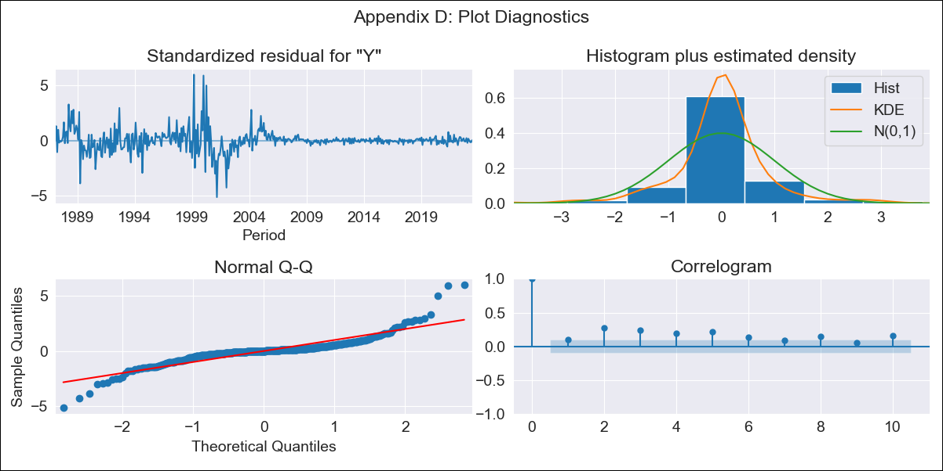

ECU - Inflation - Next 12 months forecast as of: 2023-06-01

Model | SARIMAX - [(0, 1, 1), (3, 1, 0, 12)]
Training Data | 1983-01-01 to 2022-07-01
Test Data | 2022-07-01 to 2023-06-01

Date | Inflation Change YoY % | Lower Bound - 95% Confidence Interval | Upper Bound - 95% Confidence Interval
2023-07-01 | 3.7 | -1.2 | 8.61
2023-08-01 | 3.66 | -5.52 | 12.84
2023-09-01 | 2.83 | -9.19 | 14.85
2023-10-01 | 2.32 | -11.99 | 16.62
2023-11-01 | 2.68 | -13.6 | 18.95
2023-12-01 | 2.57 | -15.46 | 20.59
2024-01-01 | 2.36 | -17.27 | 21.98
2024-02-01 | 2.22 | -18.89 | 23.32
2024-03-01 | 1.32 | -21.17 | 23.8
2024-04-01 | 1.18 | -22.6 | 24.97
2024-05-01 | 1.67 | -23.35 | 26.69
2024-06-01 | 2.12 | -24.07 | 28.32

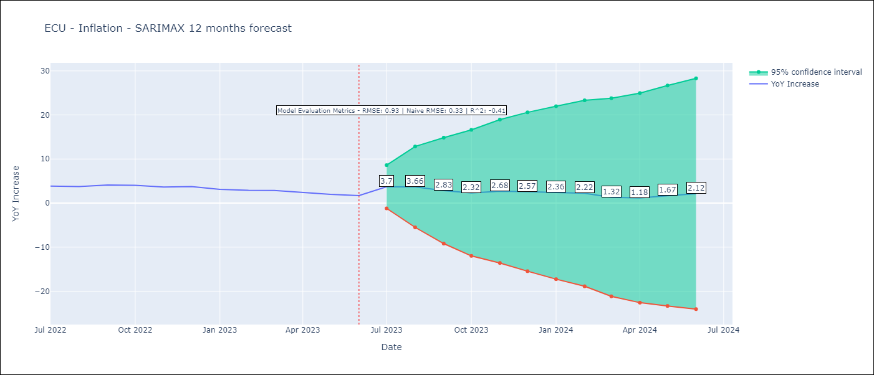

Test Metrics
RMSE | 0.93
Naive RMSE | 0.33
R^2 | -0.41

Test Predictions
Date | Predicted | Actual
2022-07-01 | 3.95 | 3.86
2022-08-01 | 3.69 | 3.77
2022-09-01 | 3.34 | 4.12
2022-10-01 | 3.06 | 4.02
2022-11-01 | 2.95 | 3.64
2022-12-01 | 2.55 | 3.74
2023-01-01 | 2.08 | 3.12
2023-02-01 | 1.67 | 2.9
2023-03-01 | 1.35 | 2.85
2023-04-01 | 1.29 | 2.44
2023-05-01 | 1.33 | 1.97
2023-06-01 | 1.1 | 1.69

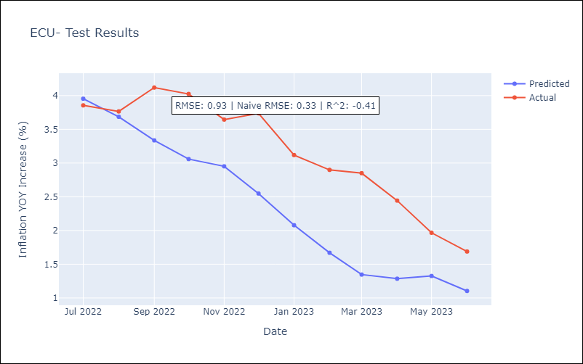

Appendix A: Model Summary
Model | SARIMAX(0, 1, 1)x(3, 1, [], 12)
Sample | 01-01-1983- 06-01-2023
No. of Observations | 486
Terms | P-value (Statistical significance)
crude | 0.750
energy | 0.594
food | 0.809
ma.L1 | 0.000
ar.S.L12 | 0.000
ar.S.L24 | 0.000
ar.S.L36 | 0.000
sigma2 | 0.000
Assumptions | P-value | Interpretation
Ljung-Box (L1) | 0.04 | Residuals are not independent.
Heteroskedasticity | 0.00 | Residuals have different variances.
Jarque-Bera | 0.00 | Residuals are not normally distributed.
Skew | 0.67 | Positive skew - model underestimates the mean.
Kurtosis | 12.76 | Residuals contain more extreme outliers than in a normal distribution.

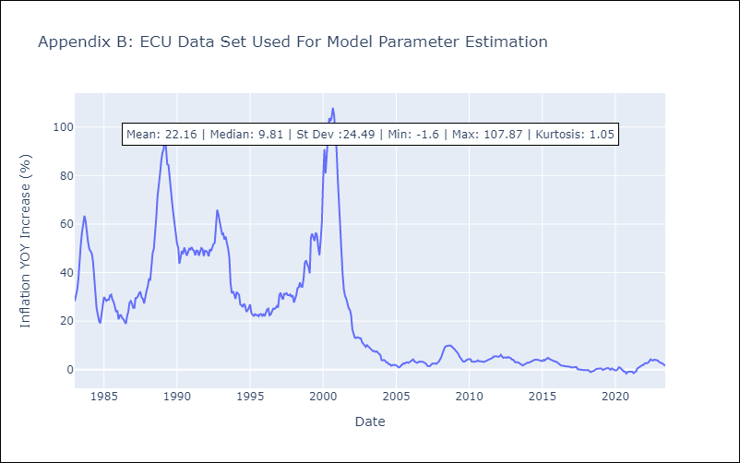

Appendix C: Residuals Analysis
Mean | -0.03
Variance | 9.34
White Noise? | No - Correlation at Lags [ 1 2 3 4 5 6 7 8 9 10 11 12]
Heteroskedastic? - ARCH | Yes
Normal? | No

GTM
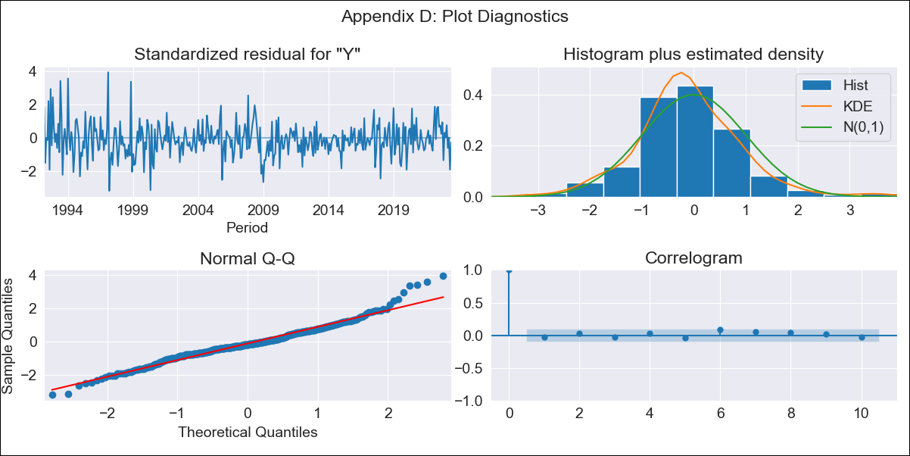

GTM - Inflation - Next 12 months forecast as of: 2023-06-01

Model | SARIMAX - [(3, 1, 0), (0, 0, 1, 12)]
Training Data | 1991-01-01 to 2022-07-01
Test Data | 2022-07-01 to 2023-06-01

Date | Inflation Change YoY % | Lower Bound - 95% Confidence Interval | Upper Bound - 95% Confidence Interval
2023-07-01 | 4.4 | 3.37 | 5.42
2023-08-01 | 3.88 | 2.14 | 5.62
2023-09-01 | 3.66 | 1.41 | 5.91
2023-10-01 | 3.19 | 0.52 | 5.86
2023-11-01 | 3.59 | 0.54 | 6.63
2023-12-01 | 3.62 | 0.24 | 7
2024-01-01 | 3.53 | -0.15 | 7.21
2024-02-01 | 3.15 | -0.81 | 7.11
2024-03-01 | 3.19 | -1.03 | 7.41
2024-04-01 | 3.26 | -1.2 | 7.73
2024-05-01 | 4.1 | -0.6 | 8.8
2024-06-01 | 4.56 | -0.37 | 9.48

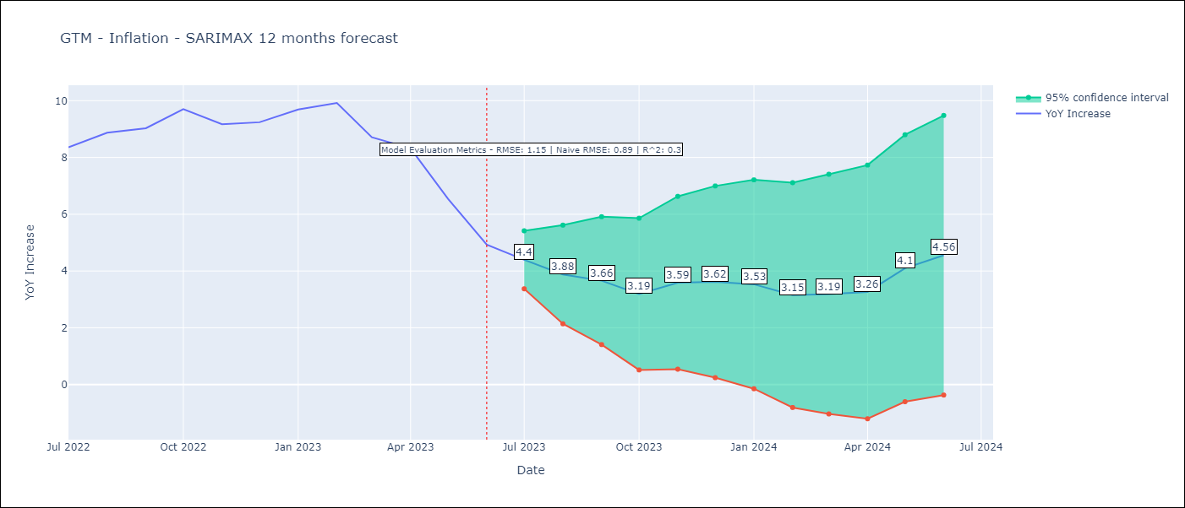

Test Metrics
RMSE | 1.15
Naive RMSE | 0.88
R^2 | 0.3

Test Predictions
Date | Predicted | Actual
2022-07-01 | 8.05 | 8.36
2022-08-01 | 8.05 | 8.87
2022-09-01 | 7.92 | 9.03
2022-10-01 | 8.02 | 9.7
2022-11-01 | 7.98 | 9.17
2022-12-01 | 8.13 | 9.24
2023-01-01 | 8.49 | 9.69
2023-02-01 | 8.29 | 9.92
2023-03-01 | 7.26 | 8.71
2023-04-01 | 6.85 | 8.32
2023-05-01 | 6.19 | 6.54
2023-06-01 | 5.11 | 4.93

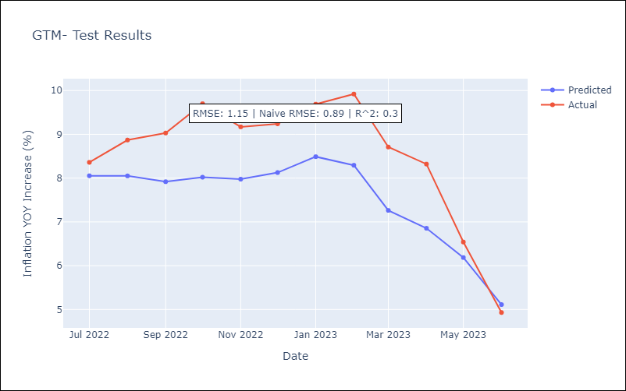

Appendix A: Model Summary
Model | SARIMAX(3, 1, 0)x(0, 0, [1], 12)
Sample | 01-01-1991- 06-01-2023
No. of Observations | 390
Terms | P-value (Statistical significance)
crude | 0.415
energy | 0.857
food | 0.167
ar.L1 | 0.000
ar.L2 | 0.008
ar.L3 | 0.277
ma.S.L12 | 0.000
sigma2 | 0.000
Assumptions | P-value | Interpretation
Ljung-Box (L1) | 0.54 | Residuals are independent.
Heteroskedasticity | 0.00 | Residuals have different variances.
Jarque-Bera | 0.00 | Residuals are not normally distributed.
Skew | 0.42 | Positive skew - model underestimates the mean.
Kurtosis | 4.76 | Residuals contain more extreme outliers than in a normal distribution.

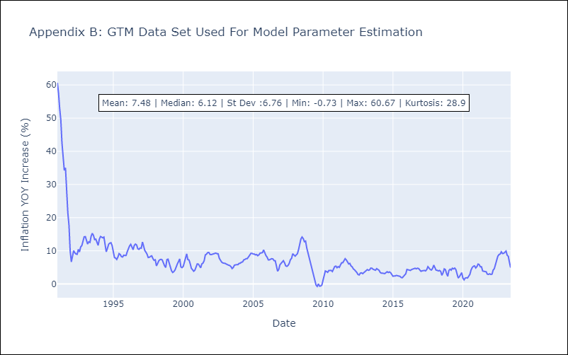

Appendix C: Residuals Analysis
Mean | -0.02
Variance | 10.87
White Noise? | No - Correlation at Lags [ 1 2 3 4 5 6 7 8 9 10 11 12]
Heteroskedastic? - ARCH | Yes
Normal? | No

HND
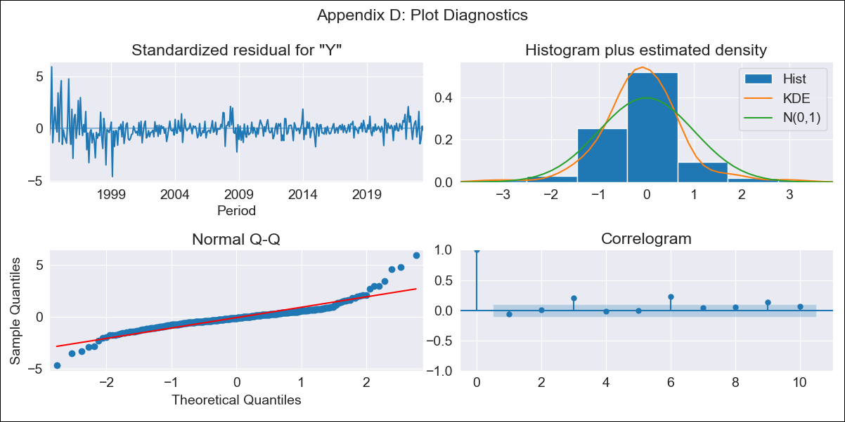

HND - Inflation - Next 12 months forecast as of: 2023-06-01

Model | SARIMAX - [(1, 1, 0), (3, 0, 0, 12)]
Training Data | 1991-01-01 to 2022-07-01
Test Data | 2022-07-01 to 2023-06-01

Date | Inflation Change YoY % | Lower Bound - 95% Confidence Interval | Upper Bound - 95% Confidence Interval
2023-07-01 | 5.52 | 4.42 | 6.63
2023-08-01 | 5.73 | 3.78 | 7.68
2023-09-01 | 5.71 | 3.03 | 8.38
2023-10-01 | 5.39 | 2.09 | 8.7
2023-11-01 | 5.06 | 1.21 | 8.91
2023-12-01 | 5.26 | 0.92 | 9.6
2024-01-01 | 5.39 | 0.61 | 10.17
2024-02-01 | 4.72 | -0.47 | 9.92
2024-03-01 | 4.99 | -0.58 | 10.56
2024-04-01 | 5.57 | -0.35 | 11.5
2024-05-01 | 5.65 | -0.61 | 11.91
2024-06-01 | 5.88 | -0.7 | 12.46

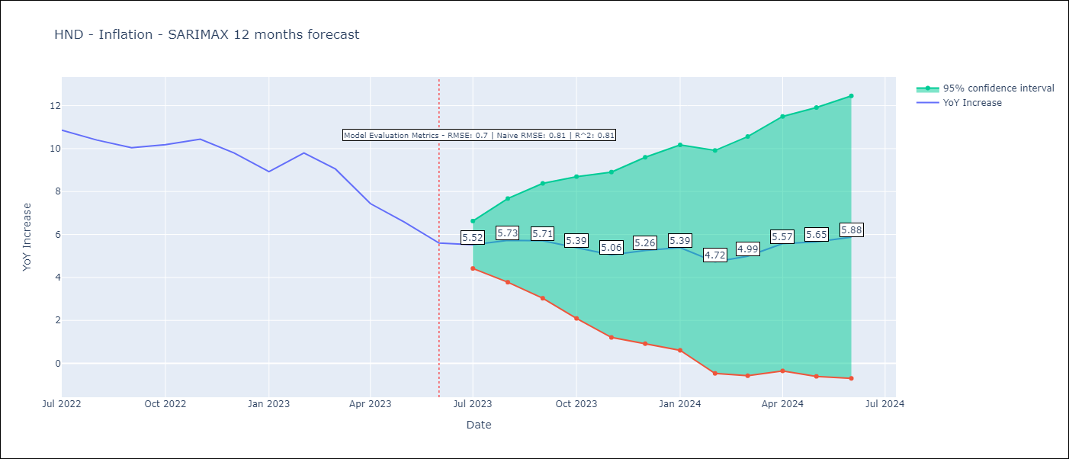

Test Metrics
RMSE | 0.7
Naive RMSE | 0.8
R^2 | 0.81

Test Predictions
Date | Predicted | Actual
2022-07-01 | 10.87 | 10.86
2022-08-01 | 11.01 | 10.4
2022-09-01 | 10.88 | 10.04
2022-10-01 | 10.83 | 10.18
2022-11-01 | 10.58 | 10.44
2022-12-01 | 10.17 | 9.8
2023-01-01 | 9.44 | 8.93
2023-02-01 | 9.43 | 9.8
2023-03-01 | 9.15 | 9.05
2023-04-01 | 8.36 | 7.44
2023-05-01 | 7.71 | 6.58
2023-06-01 | 6.93 | 5.6

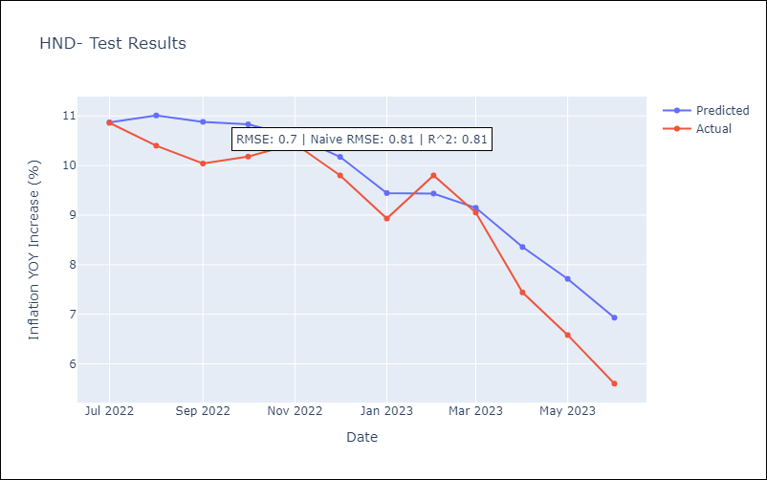

Appendix A: Model Summary
Model | SARIMAX(1, 1, 0)x(3, 0, 0, 12)
Sample | 01-01-1991- 06-01-2023
No. of Observations | 390
Terms | P-value (Statistical significance)
crude | 0.637
energy | 0.313
food | 0.826
ar.L1 | 0.000
ar.S.L12 | 0.000
ar.S.L24 | 0.000
ar.S.L36 | 0.000
sigma2 | 0.000
Assumptions | P-value | Interpretation
Ljung-Box (L1) | 0.25 | Residuals are independent.
Heteroskedasticity | 0.00 | Residuals have different variances.
Jarque-Bera | 0.00 | Residuals are not normally distributed.
Skew | 0.96 | Positive skew - model underestimates the mean.
Kurtosis | 10.90 | Residuals contain more extreme outliers than in a normal distribution.

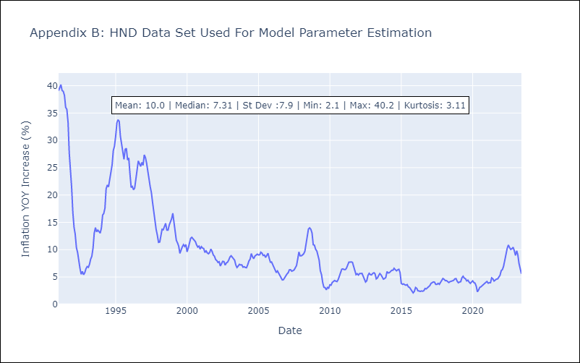

Appendix C: Residuals Analysis
Mean | 0.01
Variance | 4.91
White Noise? | No - Correlation at Lags [ 1 2 3 4 5 6 7 8 9 10 11 12]
Heteroskedastic? - ARCH | Yes
Normal? | No

NIC
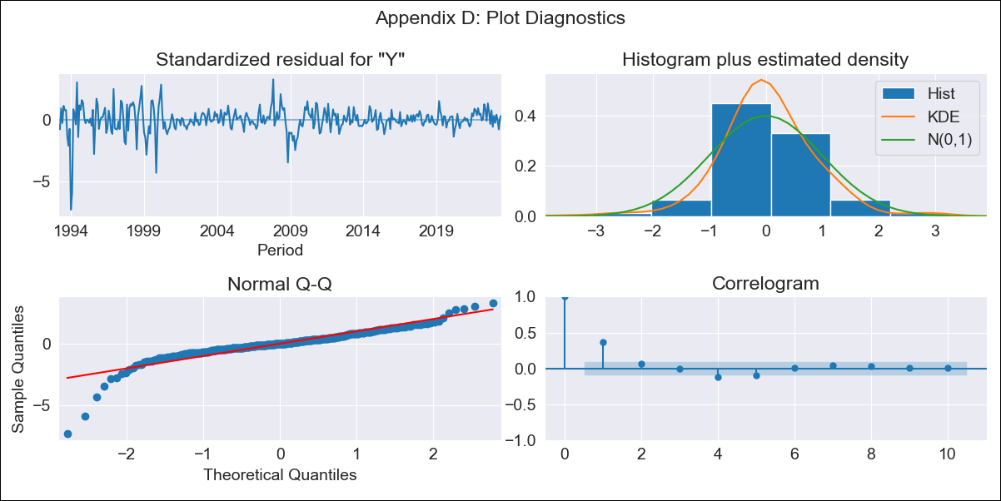
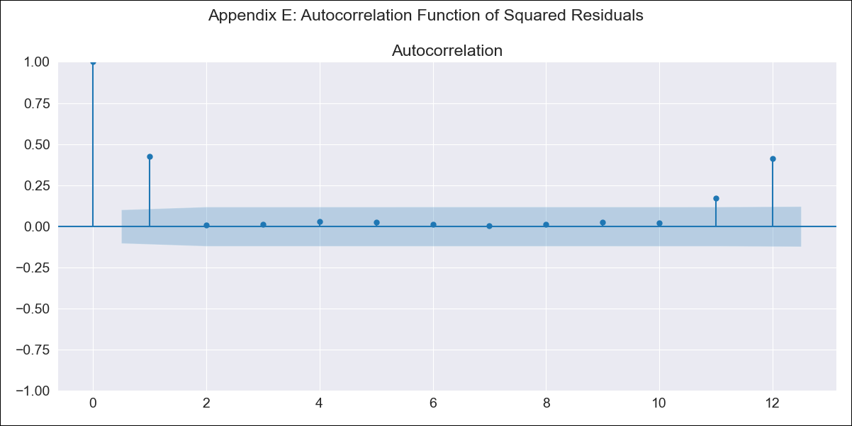
NIC - Inflation - Next 12 months forecast as of: 2023-06-01

Model | SARIMAX - [(0, 1, 0), (0, 0, 0, 12)]
Training Data | 1993-01-01 to 2022-07-01
Test Data | 2022-07-01 to 2023-06-01

Date | Inflation Change YoY % | Lower Bound - 95% Confidence Interval | Upper Bound - 95% Confidence Interval
2023-07-01 | 12.04 | 9.66 | 14.42
2023-08-01 | 11.97 | 8.6 | 15.33
2023-09-01 | 11.77 | 7.65 | 15.9
2023-10-01 | 11.51 | 6.75 | 16.27
2023-11-01 | 11.45 | 6.12 | 16.77
2023-12-01 | 11.29 | 5.46 | 17.12
2024-01-01 | 10.94 | 4.64 | 17.24
2024-02-01 | 10.63 | 3.9 | 17.37
2024-03-01 | 9.96 | 2.82 | 17.11
2024-04-01 | 10.07 | 2.54 | 17.6
2024-05-01 | 9.86 | 1.96 | 17.75
2024-06-01 | 9.87 | 1.62 | 18.12

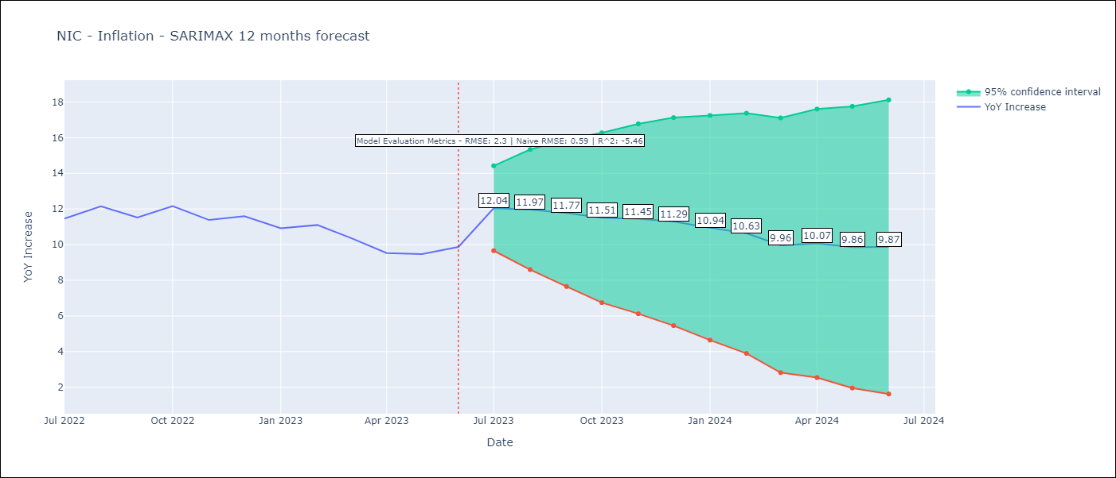

Test Metrics
RMSE | 2.3
Naive RMSE | 0.65
R^2 | -5.46

Test Predictions
Date | Predicted | Actual
2022-07-01 | 9.84 | 11.46
2022-08-01 | 9.76 | 12.15
2022-09-01 | 9.56 | 11.52
2022-10-01 | 9.29 | 12.16
2022-11-01 | 9.23 | 11.38
2022-12-01 | 9.06 | 11.59
2023-01-01 | 8.7 | 10.92
2023-02-01 | 8.37 | 11.1
2023-03-01 | 7.67 | 10.39
2023-04-01 | 7.78 | 9.53
2023-05-01 | 7.55 | 9.47
2023-06-01 | 7.57 | 9.87

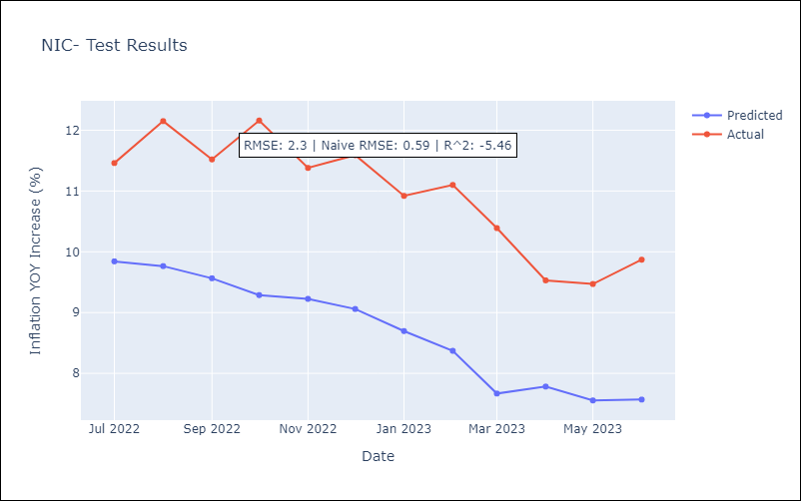

Appendix A: Model Summary
Model | SARIMAX(0, 1, 0)
Sample | 01-01-1993- 06-01-2023
No. of Observations | 366
Terms | P-value (Statistical significance)
crude | 0.945
energy | 0.581
food | 0.007
sigma2 | 0.000
Assumptions | P-value | Interpretation
Ljung-Box (L1) | 0.00 | Residuals are not independent.
Heteroskedasticity | 0.00 | Residuals have different variances.
Jarque-Bera | 0.00 | Residuals are not normally distributed.
Skew | -1.72 | Negative skew - Model overestimates the mean.
Kurtosis | 14.64 | Residuals contain more extreme outliers than in a normal distribution.

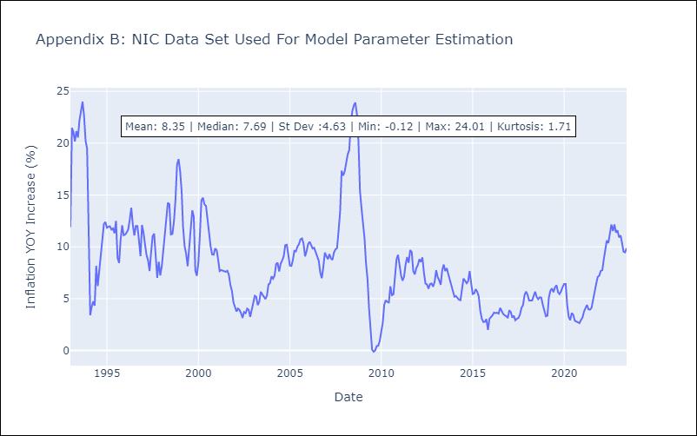

Appendix C: Residuals Analysis
Mean | 0.03
Variance | 2.12
White Noise? | No - Correlation at Lags [ 1 2 3 4 5 6 7 8 9 10 11 12]
Heteroskedastic? - ARCH | Yes
Normal? | No

PAN
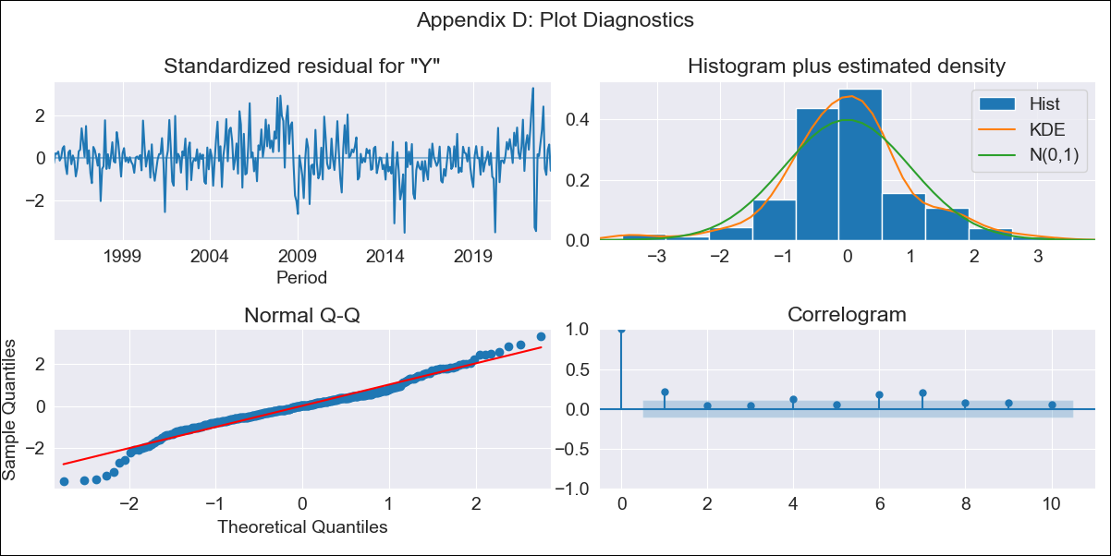

PAN - Inflation - Next 12 months forecast as of: 2023-06-01

Model | SARIMAX - [(0, 1, 0), (3, 0, 0, 12)]
Training Data | 1992-01-01 to 2022-07-01
Test Data | 2022-07-01 to 2023-06-01

Date | Inflation Change YoY % | Lower Bound - 95% Confidence Interval | Upper Bound - 95% Confidence Interval
2023-07-01 | 1.03 | 0.29 | 1.77
2023-08-01 | 1.97 | 0.92 | 3.01
2023-09-01 | 1.77 | 0.5 | 3.05
2023-10-01 | 1.55 | 0.08 | 3.02
2023-11-01 | 1.38 | -0.26 | 3.03
2023-12-01 | 1.09 | -0.72 | 2.9
2024-01-01 | 0.37 | -1.58 | 2.32
2024-02-01 | 0.48 | -1.6 | 2.57
2024-03-01 | 0.5 | -1.71 | 2.71
2024-04-01 | 0.46 | -1.87 | 2.79
2024-05-01 | 0.27 | -2.17 | 2.72
2024-06-01 | 0.49 | -2.06 | 3.04

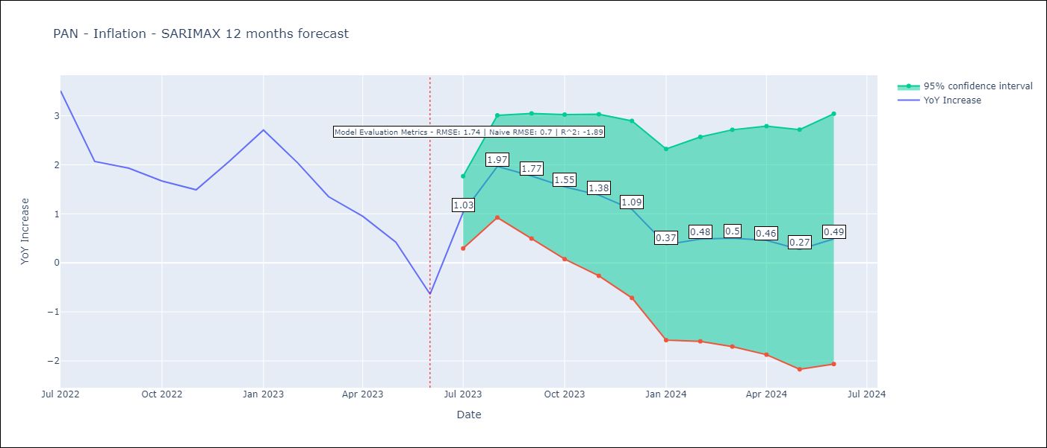

Test Metrics
RMSE | 1.74
Naive RMSE | 0.83
R^2 | -1.89

Test Predictions
Date | Predicted | Actual
2022-07-01 | 4.81 | 3.51
2022-08-01 | 4.7 | 2.07
2022-09-01 | 4.48 | 1.93
2022-10-01 | 4.16 | 1.67
2022-11-01 | 3.72 | 1.49
2022-12-01 | 3.79 | 2.07
2023-01-01 | 3.49 | 2.71
2023-02-01 | 2.99 | 2.04
2023-03-01 | 2.66 | 1.35
2023-04-01 | 2.08 | 0.95
2023-05-01 | 1.39 | 0.42
2023-06-01 | 0.58 | -0.64

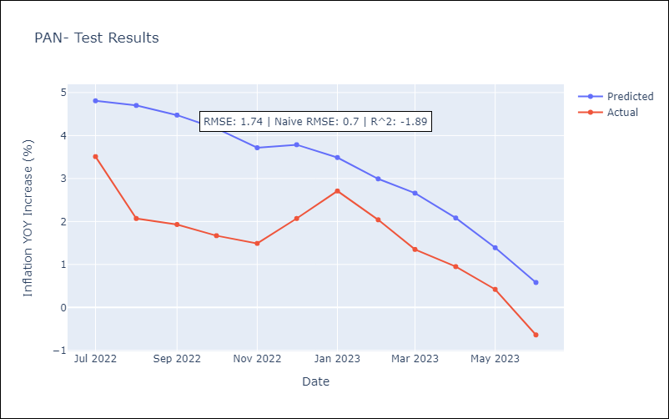

Appendix A: Model Summary
Model | SARIMAX(0, 1, 0)x(3, 0, 0, 12)
Sample | 01-01-1992- 06-01-2023
No. of Observations | 378
Terms | P-value (Statistical significance)
crude | 0.432
energy | 0.115
food | 0.218
ar.S.L12 | 0.000
ar.S.L24 | 0.000
ar.S.L36 | 0.001
sigma2 | 0.000
Assumptions | P-value | Interpretation
Ljung-Box (L1) | 0.00 | Residuals are not independent.
Heteroskedasticity | 0.00 | Residuals have different variances.
Jarque-Bera | 0.00 | Residuals are not normally distributed.
Skew | -0.17 | Negative skew - Model overestimates the mean.
Kurtosis | 4.79 | Residuals contain more extreme outliers than in a normal distribution.

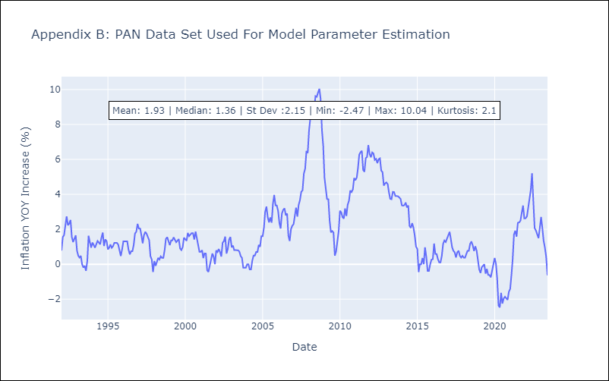

Appendix C: Residuals Analysis
Mean | 0.01
Variance | 0.15
White Noise? | No - Correlation at Lags [ 1 2 3 4 5 6 7 8 9 10 11 12]
Heteroskedastic? - ARCH | Yes
Normal? | No

PRY
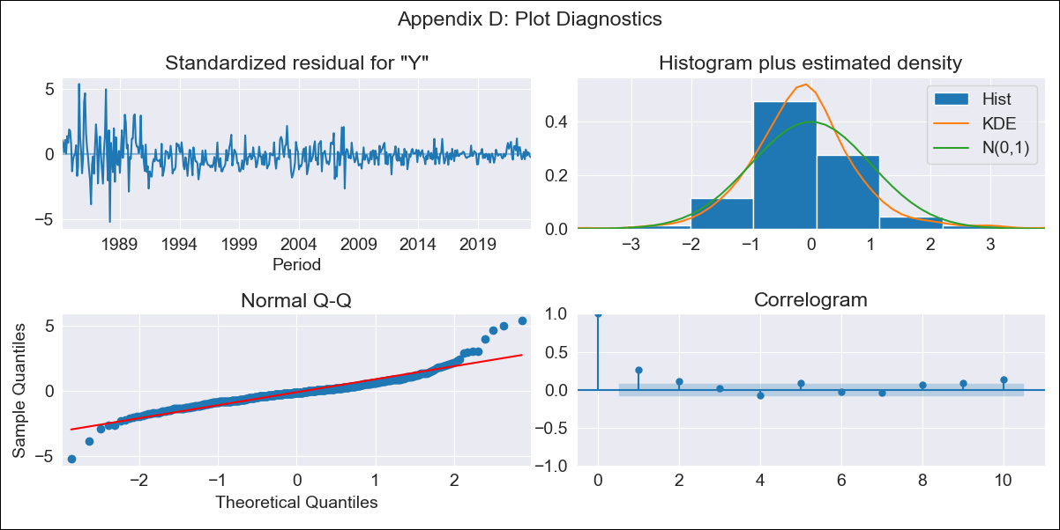

PRY - Inflation - Next 12 months forecast as of: 2023-06-01

Model | SARIMAX - [(0, 1, 0), (0, 0, 1, 12)]
Training Data | 1983-01-01 to 2022-07-01
Test Data | 2022-07-01 to 2023-06-01

Date | Inflation Change YoY % | Lower Bound - 95% Confidence Interval | Upper Bound - 95% Confidence Interval
2023-07-01 | 4.4 | 1.69 | 7.12
2023-08-01 | 4.32 | 0.47 | 8.16
2023-09-01 | 4.86 | 0.15 | 9.56
2023-10-01 | 5.08 | -0.35 | 10.52
2023-11-01 | 4.83 | -1.24 | 10.91
2023-12-01 | 5.17 | -1.48 | 11.83
2024-01-01 | 4.67 | -2.52 | 11.86
2024-02-01 | 4.68 | -3.01 | 12.37
2024-03-01 | 4.17 | -3.99 | 12.32
2024-04-01 | 4.06 | -4.53 | 12.66
2024-05-01 | 4.19 | -4.82 | 13.2
2024-06-01 | 4.5 | -4.92 | 13.91

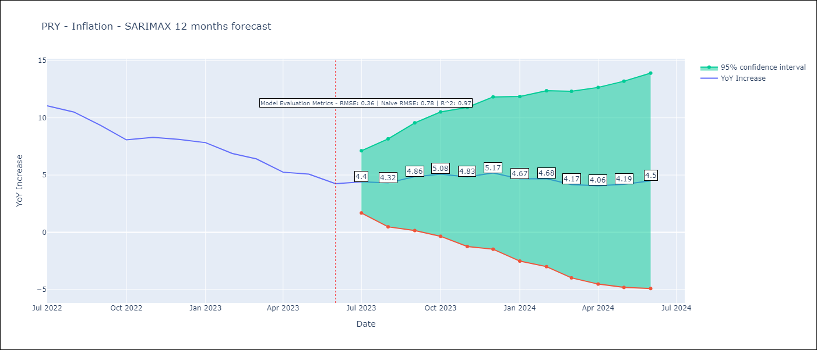

Test Metrics
RMSE | 0.36
Naive RMSE | 0.76
R^2 | 0.97

Test Predictions
Date | Predicted | Actual
2022-07-01 | 10.31 | 11.05
2022-08-01 | 9.77 | 10.51
2022-09-01 | 9.17 | 9.35
2022-10-01 | 8.16 | 8.07
2022-11-01 | 8.15 | 8.29
2022-12-01 | 8.53 | 8.12
2023-01-01 | 7.76 | 7.83
2023-02-01 | 6.99 | 6.88
2023-03-01 | 6.3 | 6.41
2023-04-01 | 4.98 | 5.25
2023-05-01 | 5.08 | 5.08
2023-06-01 | 4.57 | 4.24

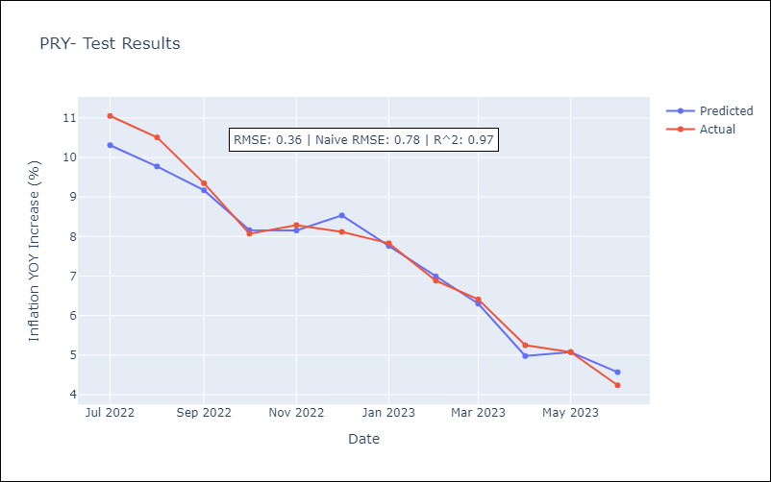

Appendix A: Model Summary
Model | SARIMAX(0, 1, 0)x(0, 0, [1], 12)
Sample | 01-01-1983- 06-01-2023
No. of Observations | 486
Terms | P-value (Statistical significance)
crude | 0.958
energy | 0.906
food | 0.051
ma.S.L12 | 0.000
sigma2 | 0.000
Assumptions | P-value | Interpretation
Ljung-Box (L1) | 0.00 | Residuals are not independent.
Heteroskedasticity | 0.00 | Residuals have different variances.
Jarque-Bera | 0.00 | Residuals are not normally distributed.
Skew | 0.80 | Positive skew - model underestimates the mean.
Kurtosis | 9.27 | Residuals contain more extreme outliers than in a normal distribution.

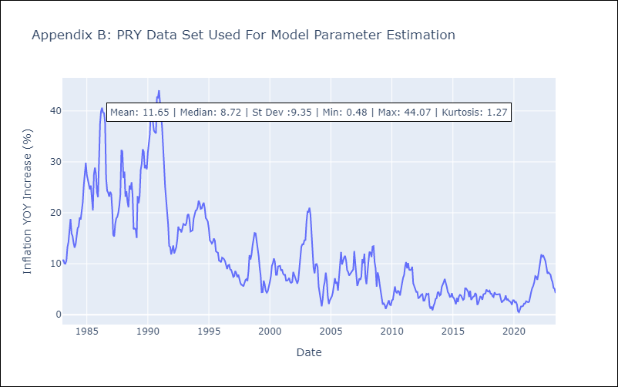

Appendix C: Residuals Analysis
Mean | -0.11
Variance | 2.3
White Noise? | No - Correlation at Lags [ 1 2 3 4 5 6 7 8 9 10 11 12]
Heteroskedastic? - ARCH | Yes
Normal? | No

SLV


SLV - Inflation - Next 12 months forecast as of: 2023-06-01

Model | SARIMAX - [(1, 1, 1), (1, 0, 0, 12)]
Training Data | 1991-01-01 to 2022-07-01
Test Data | 2022-07-01 to 2023-06-01

Date | Inflation Change YoY % | Lower Bound - 95% Confidence Interval | Upper Bound - 95% Confidence Interval
2023-07-01 | 4.93 | 3.23 | 6.64
2023-08-01 | 4.69 | 2.1 | 7.27
2023-09-01 | 4.51 | 1.18 | 7.84
2023-10-01 | 4.22 | 0.22 | 8.21
2023-11-01 | 4.23 | -0.38 | 8.83
2023-12-01 | 4.07 | -1.09 | 9.23
2024-01-01 | 3.92 | -1.76 | 9.59
2024-02-01 | 3.75 | -2.41 | 9.91
2024-03-01 | 3.59 | -3.02 | 10.2
2024-04-01 | 3.99 | -3.05 | 11.03
2024-05-01 | 4.32 | -3.12 | 11.77
2024-06-01 | 4.64 | -3.19 | 12.47

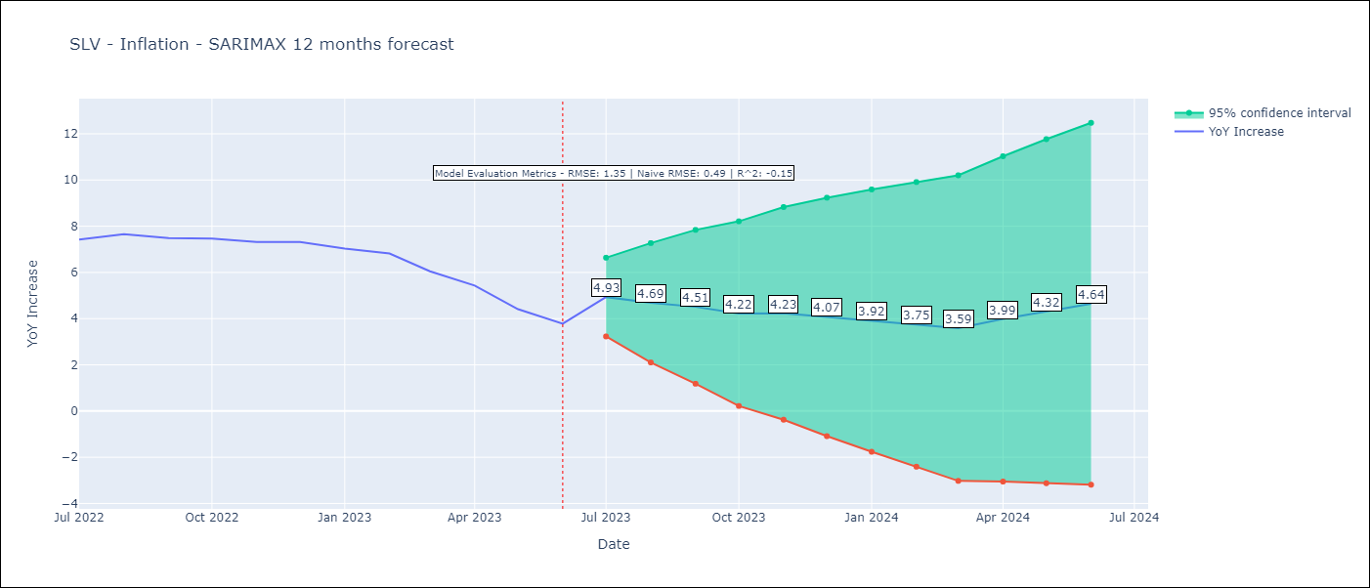

Test Metrics
RMSE | 1.35
Naive RMSE | 0.48
R^2 | -0.15

Test Predictions
Date | Predicted | Actual
2022-07-01 | 7.21 | 7.42
2022-08-01 | 6.79 | 7.66
2022-09-01 | 6.38 | 7.49
2022-10-01 | 6.02 | 7.47
2022-11-01 | 5.53 | 7.32
2022-12-01 | 5.41 | 7.32
2023-01-01 | 4.99 | 7.03
2023-02-01 | 4.76 | 6.82
2023-03-01 | 4.68 | 6.05
2023-04-01 | 4.72 | 5.43
2023-05-01 | 4.04 | 4.41
2023-06-01 | 3.87 | 3.78

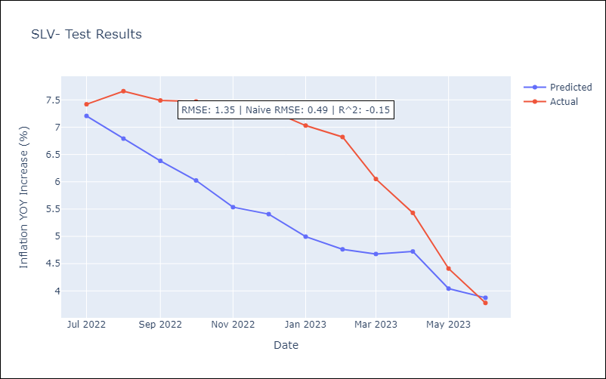

Appendix A: Model Summary
Model | SARIMAX(1, 1, 1)x(1, 0, [], 12)
Sample | 01-01-1991- 06-01-2023
No. of Observations | 390
Terms | P-value (Statistical significance)
crude | 0.908
energy | 0.593
food | 0.138
ar.L1 | 0.000
ma.L1 | 0.000
ar.S.L12 | 0.000
sigma2 | 0.000
Assumptions | P-value | Interpretation
Ljung-Box (L1) | 0.57 | Residuals are independent.
Heteroskedasticity | 0.00 | Residuals have different variances.
Jarque-Bera | 0.00 | Residuals are not normally distributed.
Skew | 0.88 | Positive skew - model underestimates the mean.
Kurtosis | 10.48 | Residuals contain more extreme outliers than in a normal distribution.

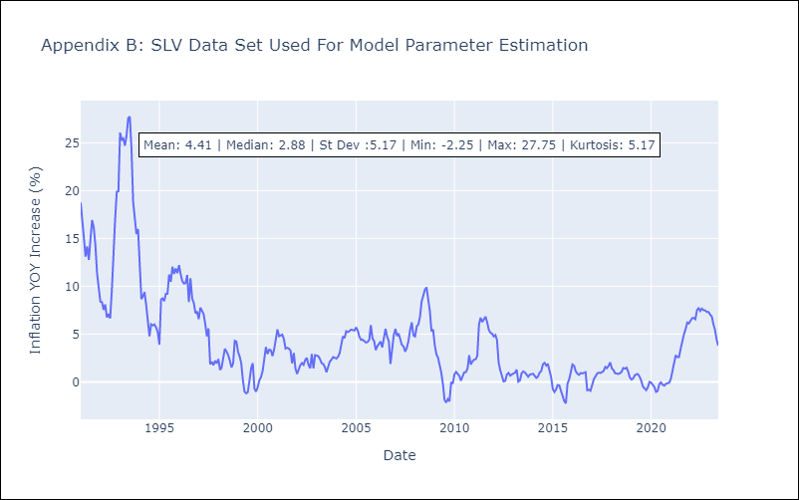

Appendix C: Residuals Analysis
Mean | 0.01
Variance | 1.95
White Noise? | No - Correlation at Lags [ 1 2 3 4 5 6 7 8 9 10 11 12]
Heteroskedastic? - ARCH | Yes
Normal? | No

URY
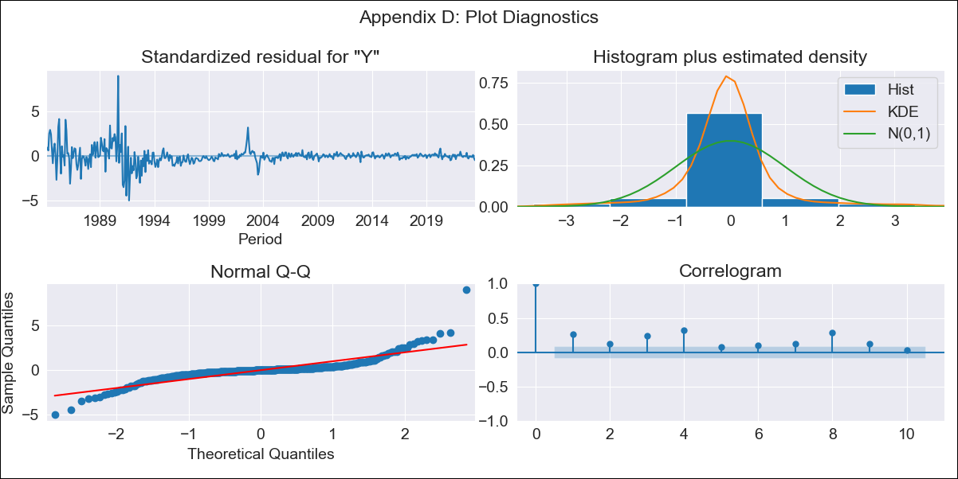

URY - Inflation - Next 12 months forecast as of: 2023-06-01

Model | SARIMAX - [(0, 1, 0), (1, 0, 0, 12)]
Training Data | 1983-01-01 to 2022-07-01
Test Data | 2022-07-01 to 2023-06-01

Date | Inflation Change YoY % | Lower Bound - 95% Confidence Interval | Upper Bound - 95% Confidence Interval
2023-07-01 | 6.56 | 2.33 | 10.78
2023-08-01 | 6.8 | 0.83 | 12.77
2023-09-01 | 6.11 | -1.2 | 13.43
2023-10-01 | 5.78 | -2.66 | 14.23
2023-11-01 | 6.05 | -3.4 | 15.49
2023-12-01 | 6.11 | -4.24 | 16.45
2024-01-01 | 6.08 | -5.09 | 17.25
2024-02-01 | 6.13 | -5.81 | 18.07
2024-03-01 | 6.39 | -6.28 | 19.05
2024-04-01 | 6.41 | -6.94 | 19.76
2024-05-01 | 6.48 | -7.52 | 20.49
2024-06-01 | 6.59 | -8.03 | 21.22



Test Metrics
RMSE | 1.29
Naive RMSE | 0.53
R^2 | -0.32

Test Predictions
Date | Predicted | Actual
2022-07-01 | 9.67 | 9.56
2022-08-01 | 9.8 | 9.53
2022-09-01 | 9.48 | 9.95
2022-10-01 | 9.06 | 9.05
2022-11-01 | 9.14 | 8.46
2022-12-01 | 9.11 | 8.29
2023-01-01 | 9.02 | 8.05
2023-02-01 | 8.79 | 7.55
2023-03-01 | 8.88 | 7.33
2023-04-01 | 8.93 | 7.61
2023-05-01 | 8.96 | 7.1
2023-06-01 | 8.89 | 5.98



Appendix A: Model Summary
Model | SARIMAX(0, 1, 0)x(1, 0, 0, 12)
Sample | 01-01-1983- 06-01-2023
No. of Observations | 486
Terms | P-value (Statistical significance)
crude | 0.781
energy | 0.495
food | 0.222
ar.S.L12 | 0.000
sigma2 | 0.000
Assumptions | P-value | Interpretation
Ljung-Box (L1) | 0.00 | Residuals are not independent.
Heteroskedasticity | 0.00 | Residuals have different variances.
Jarque-Bera | 0.00 | Residuals are not normally distributed.
Skew | 1.47 | Positive skew - model underestimates the mean.
Kurtosis | 21.06 | Residuals contain more extreme outliers than in a normal distribution.



Appendix C: Residuals Analysis
Mean | 0.01
Variance | 8.01
White Noise? | No - Correlation at Lags [ 1 2 3 4 5 6 7 8 9 10 11 12]
Heteroskedastic? - ARCH | Yes
Normal? | No

