BRA
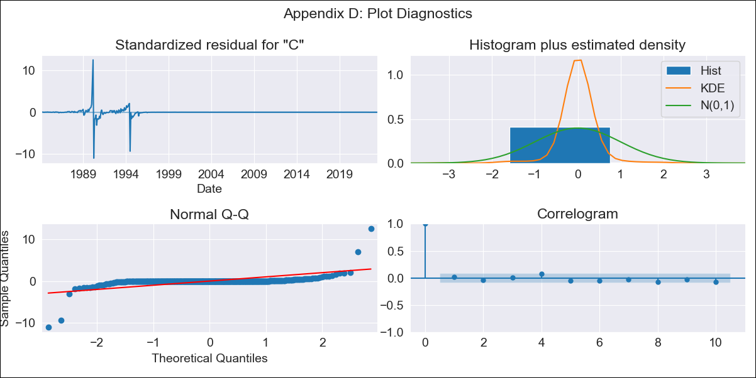
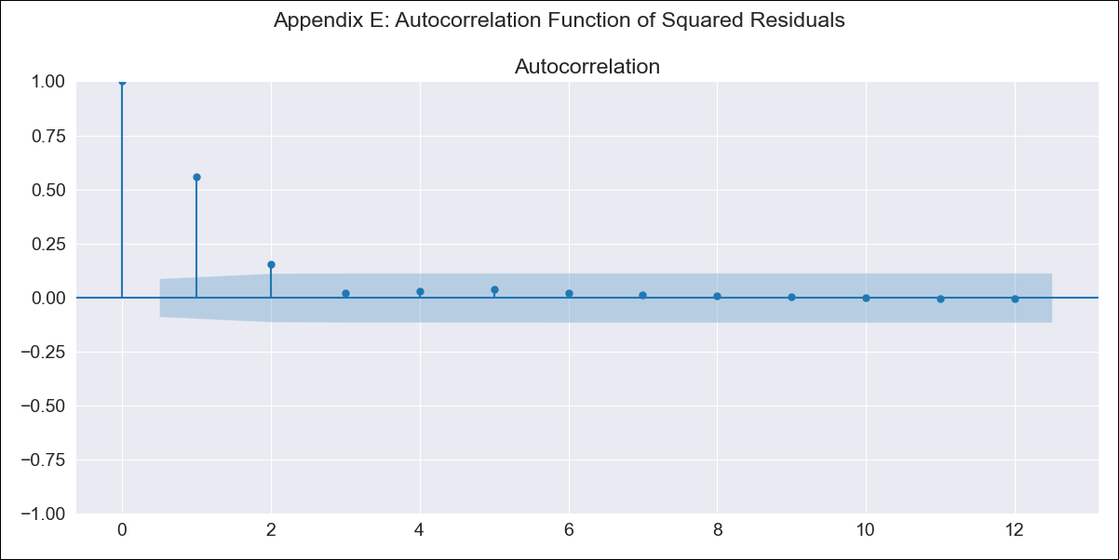
BRA - Inflation - Next 12 months forecast as of: 2023-06-01

Model | ARIMA - [(2, 1, 0), (0, 0, 1, 12)]
Training Data | 1983-01-01 to 2022-07-01
Test Data | 2022-07-01 to 2023-06-01

Date | Inflation Change YoY % | Lower Bound - 95% Confidence Interval | Upper Bound - 95% Confidence Interval
2023-07-01 | 2.79 | -266.17 | 271.76
2023-08-01 | 2.65 | -562.72 | 568.03
2023-09-01 | 2.74 | -835.78 | 841.26
2023-10-01 | 2.82 | -1065.38 | 1071.01
2023-11-01 | 2.91 | -1255.5 | 1261.31
2023-12-01 | 2.95 | -1416.56 | 1422.46
2024-01-01 | 2.96 | -1557.79 | 1563.7
2024-02-01 | 2.98 | -1685.48 | 1691.43
2024-03-01 | 3.07 | -1803.47 | 1809.61
2024-04-01 | 3.12 | -1914.16 | 1920.4
2024-05-01 | 3.15 | -2018.9 | 2025.19
2024-06-01 | 3.23 | -2118.49 | 2124.96

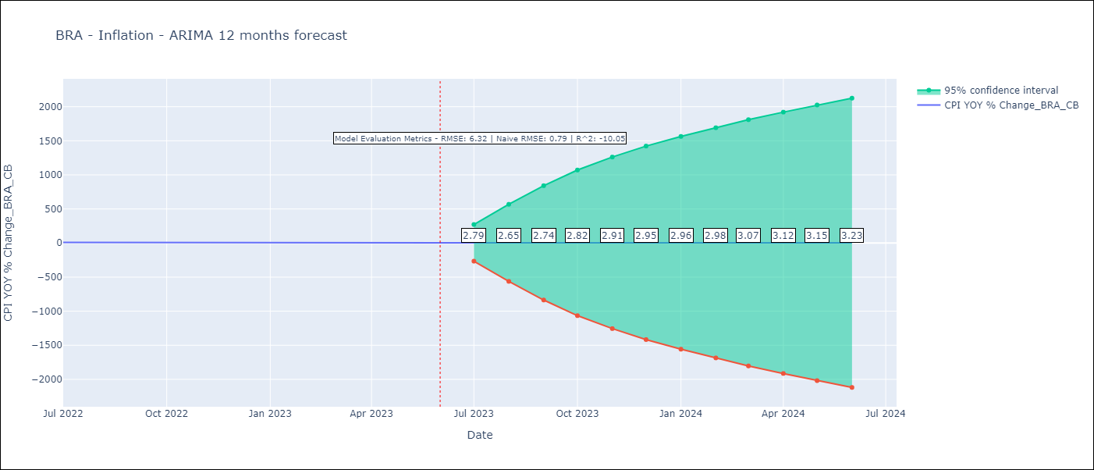

Test Metrics
RMSE | 6.32
Naive RMSE | 8.62
R^2 | -10.05

Test Predictions
Date | Predicted | Actual
2022-07-01 | 12.05 | 10.07
2022-08-01 | 12.11 | 8.73
2022-09-01 | 12.1 | 7.17
2022-10-01 | 12.05 | 6.47
2022-11-01 | 12.04 | 5.9
2022-12-01 | 12.1 | 5.79
2023-01-01 | 12.06 | 5.77
2023-02-01 | 12.03 | 5.6
2023-03-01 | 11.93 | 4.65
2023-04-01 | 11.83 | 4.18
2023-05-01 | 11.86 | 3.94
2023-06-01 | 11.83 | 3.16

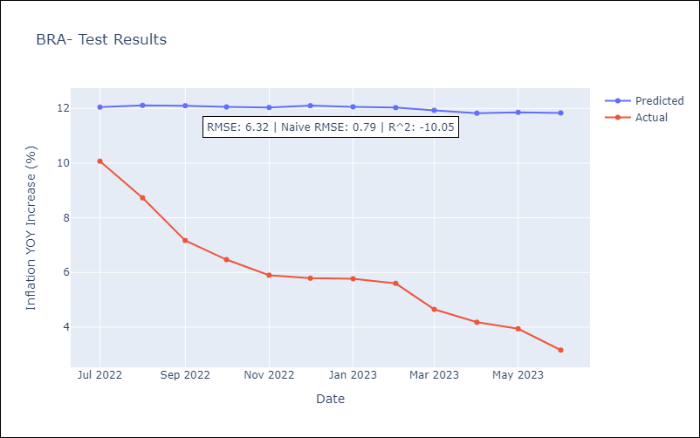

Appendix A: Model Summary
Model | ARIMA(2, 1, 0)x(0, 0, [1], 12)
Sample | 01-01-1983- 06-01-2023
No. of Observations | 486
Terms | P-value (Statistical significance)
ar.L1 | 0.000
ar.L2 | 0.000
ma.S.L12 | 0.138
sigma2 | 0.000
Assumptions | P-value | Interpretation
Ljung-Box (L1) | 0.77 | Residuals are independent.
Heteroskedasticity | 0.00 | Residuals have different variances.
Jarque-Bera | 0.00 | Residuals are not normally distributed.
Skew | 0.27 | Positive skew - model underestimates the mean.
Kurtosis | 102.99 | Residuals contain more extreme outliers than in a normal distribution.

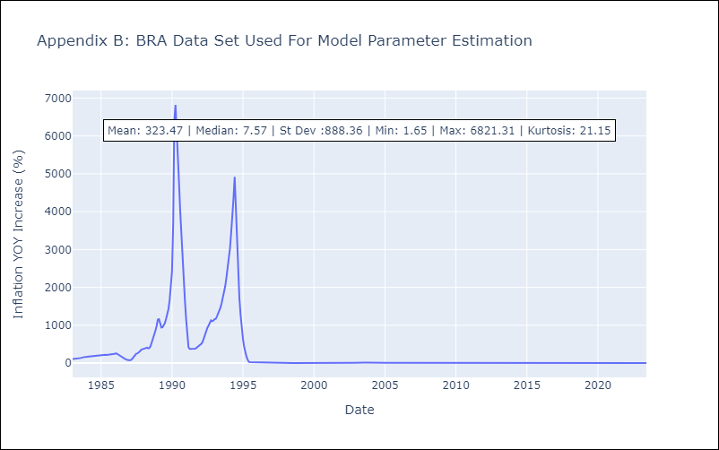

Appendix C: Residuals Analysis
Mean | 0.04
Variance | 18534.95
White Noise? | Yes
Heteroskedastic? - ARCH | Yes
Normal? | No

