BRA_4
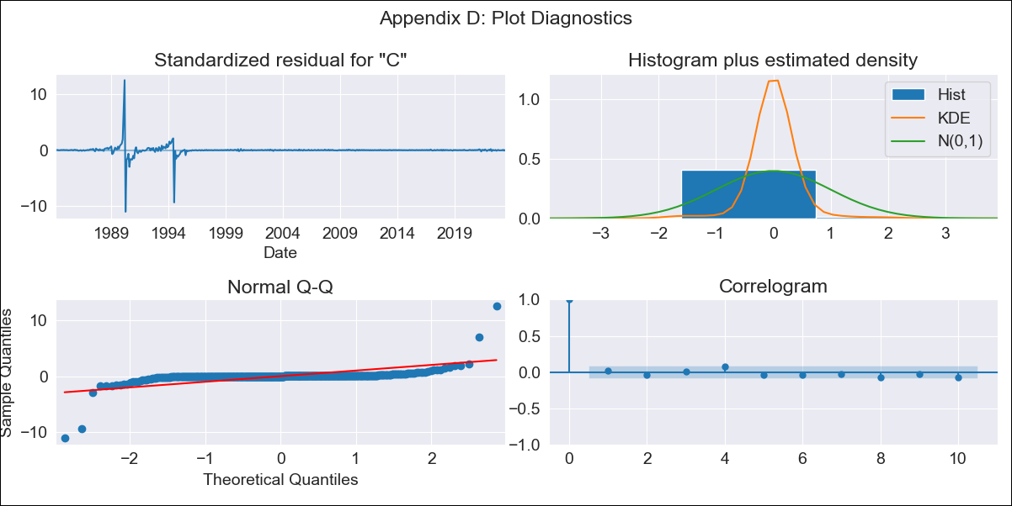
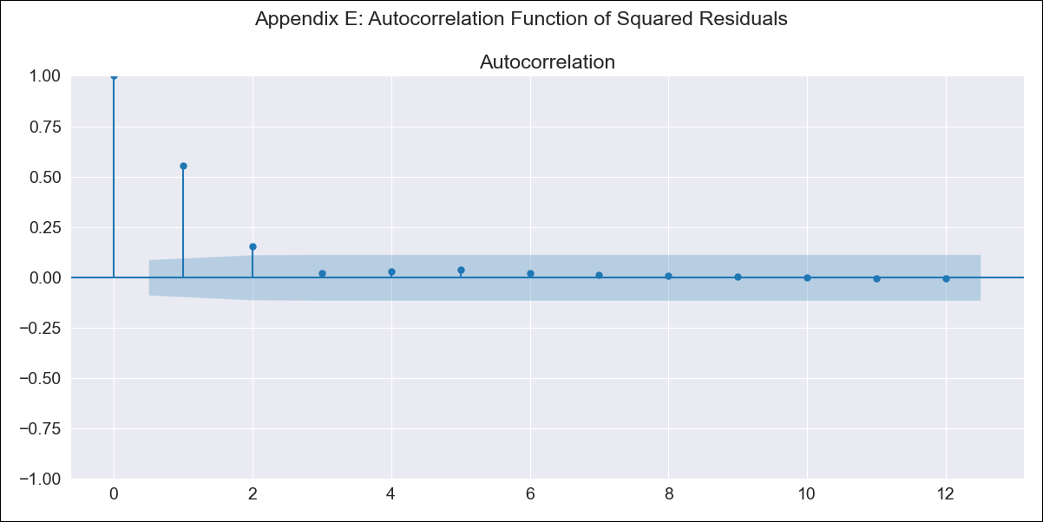
BRA_4 - Inflation - Next 12 months forecast as of: 2023-06-01

Model | SARIMAX - [(2, 1, 0), (0, 0, 1, 12)]
Training Data | 1983-01-01 to 2022-07-01
Test Data | 2022-07-01 to 2023-06-01

Date | Inflation Change YoY % | Lower Bound - 95% Confidence Interval | Upper Bound - 95% Confidence Interval
2023-07-01 | -52.64 | -321.95 | 216.66
2023-08-01 | -54.2 | -620.19 | 511.79
2023-09-01 | -38.69 | -877.97 | 800.58
2023-10-01 | -24.38 | -1093.34 | 1044.59
2023-11-01 | -25.09 | -1284.22 | 1234.04
2023-12-01 | -22.18 | -1442.35 | 1398
2024-01-01 | -12.68 | -1574.03 | 1548.67
2024-02-01 | -4.56 | -1693.58 | 1684.47
2024-03-01 | 7.02 | -1800.05 | 1814.1
2024-04-01 | 2.48 | -1915.32 | 1920.28
2024-05-01 | 8.84 | -2013.71 | 2031.39
2024-06-01 | 10.94 | -2111.28 | 2133.16

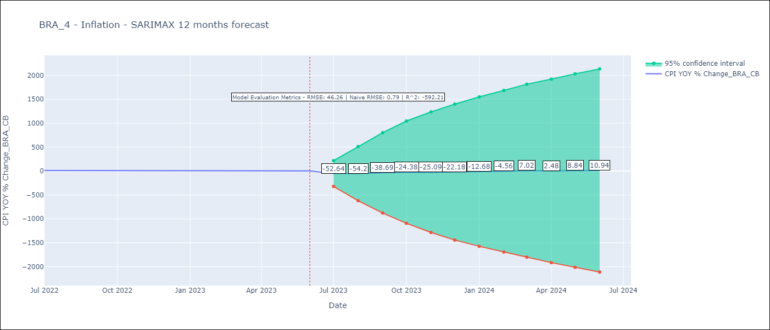

Test Metrics
RMSE | 46.26
Naive RMSE | 0.92
R^2 | -592.21

Test Predictions
Date | Predicted | Actual
2022-07-01 | 15.59 | 10.07
2022-08-01 | 13.43 | 8.73
2022-09-01 | 25.86 | 7.17
2022-10-01 | 37.72 | 6.47
2022-11-01 | 38.5 | 5.9
2022-12-01 | 42.83 | 5.79
2023-01-01 | 51.86 | 5.77
2023-02-01 | 59.62 | 5.6
2023-03-01 | 67.98 | 4.65
2023-04-01 | 64.1 | 4.18
2023-05-01 | 70.33 | 3.94
2023-06-01 | 72.56 | 3.16

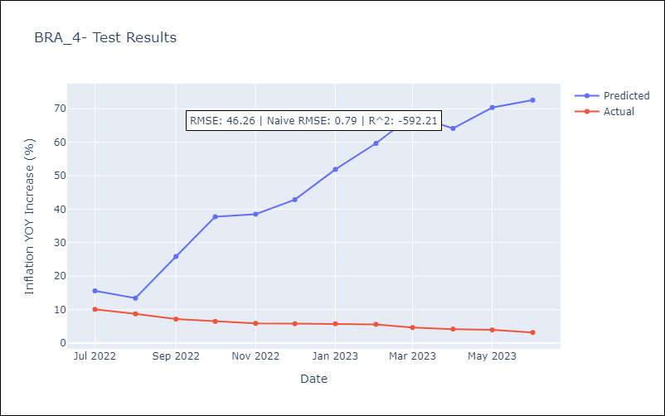

Appendix A: Model Summary
Model | SARIMAX(2, 1, 0)x(0, 0, [1], 12)
Sample | 01-01-1983- 06-01-2023
No. of Observations | 486
Terms | P-value (Statistical significance)
crude | 0.997
energy | 0.849
food | 0.932
ar.L1 | 0.000
ar.L2 | 0.000
ma.S.L12 | 0.160
sigma2 | 0.000
Assumptions | P-value | Interpretation
Ljung-Box (L1) | 0.78 | Residuals are independent.
Heteroskedasticity | 0.00 | Residuals have different variances.
Jarque-Bera | 0.00 | Residuals are not normally distributed.
Skew | 0.25 | Positive skew - model underestimates the mean.
Kurtosis | 102.61 | Residuals contain more extreme outliers than in a normal distribution.

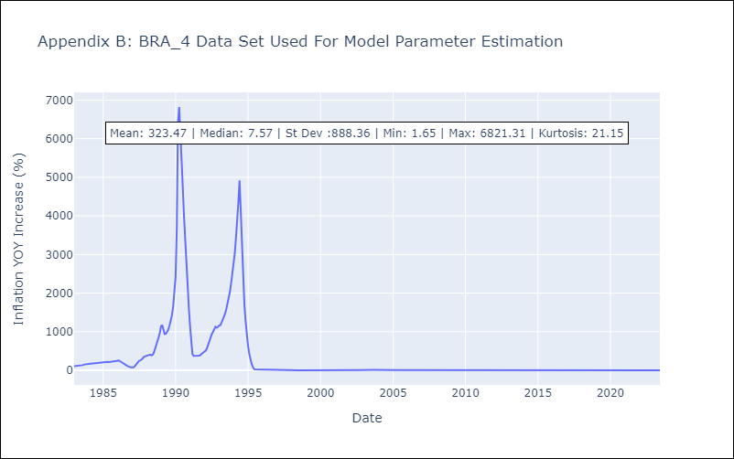

Appendix C: Residuals Analysis
Mean | 0.02
Variance | 18493.42
White Noise? | Yes
Heteroskedastic? - ARCH | Yes
Normal? | No

